Assumptions
ANOVA assumptions for Level of Motivation by Type

Shapiro-Wilk normality test for Level of Motivation by Type
W | p.value
0.98206339007 | 0.62927809933

Plots for normality test
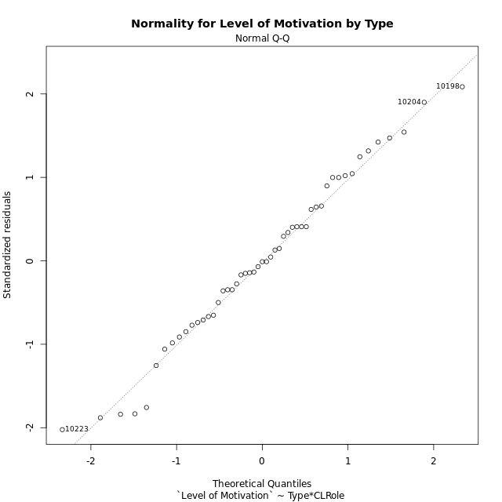

Levene's Test for Homogeneity of Variance in Level of Motivation by Type
Df | F value | Pr(>F)
3 | 0.85106130214 | 0.4730633277
47

Plots for homogeneity of variance
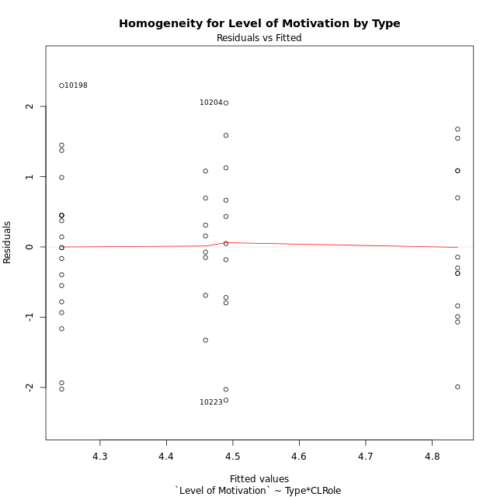

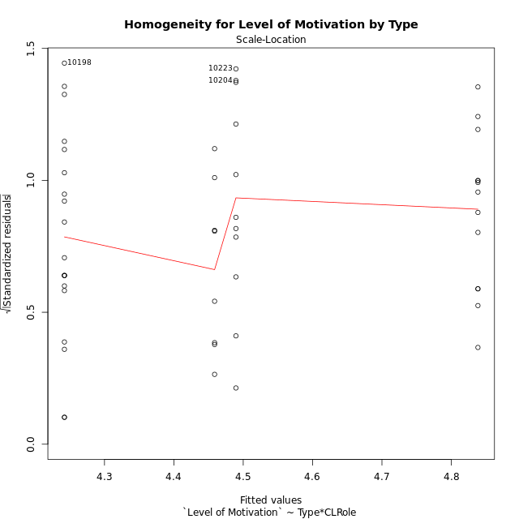

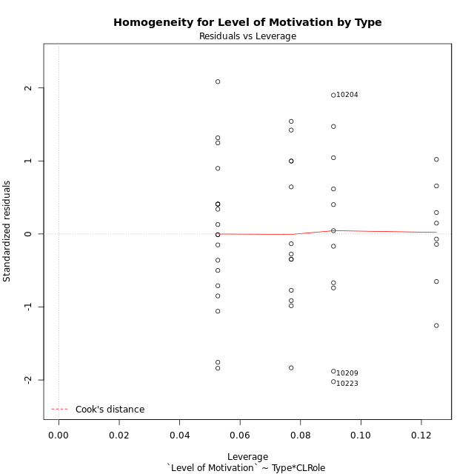

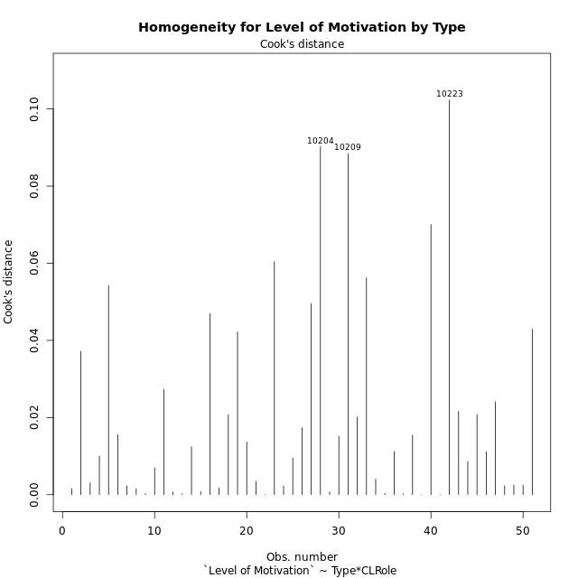

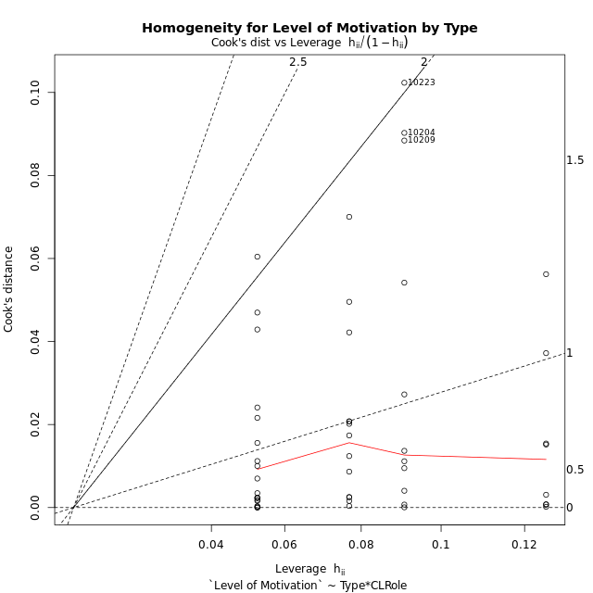

Minimum Sample Size Test for Level of Motivation by Type
Type | CLRole | Freq
non-gamified | Apprentice | 19
ont-gamified | Apprentice | 13
non-gamified | Master | 11
ont-gamified | Master | 8

Errors and Warnings in Sample Size Test for ANOVA in Level of Motivation by Type
code | description
WARN: sample.size | current size is 13 and recommended size is 15 for the group: 'ont-gamified:Apprentice'.
WARN: sample.size | current size is 11 and recommended size is 15 for the group: 'non-gamified:Master'.
WARN: sample.size | current size is 8 and recommended size is 15 for the group: 'ont-gamified:Master'.

For the group: 'non-gamified:Apprentice', you can perform a parametric test without having a normal distribution For the group: 'ont-gamified:Apprentice', we recommend the use of non-parametric test. For the group: 'non-gamified:Master', we recommend the use of non-parametric test. For the group: 'ont-gamified:Master', we recommend the use of non-parametric test.

If you don't want to remove non-normal data, you must cite the following references: ... (1) Lix, L.M., J.C. Keselman, and H.J. Keselman. 1996. Consequences of assumption violations revisited: A quantitative review of alternatives to the one-way analysis of variance F test. Rev. Educ. Res. 66: 579-619. ... (2) Harwell, M.R., E.N. Rubinstein, W.S. Hayes, and C.C. Olds. 1992. Summarizing Monte Carlo results in methodological research: the one- and two-factor fixed effects ANOVA cases. J. Educ. Stat. 17: 315-339.

Post-hoc
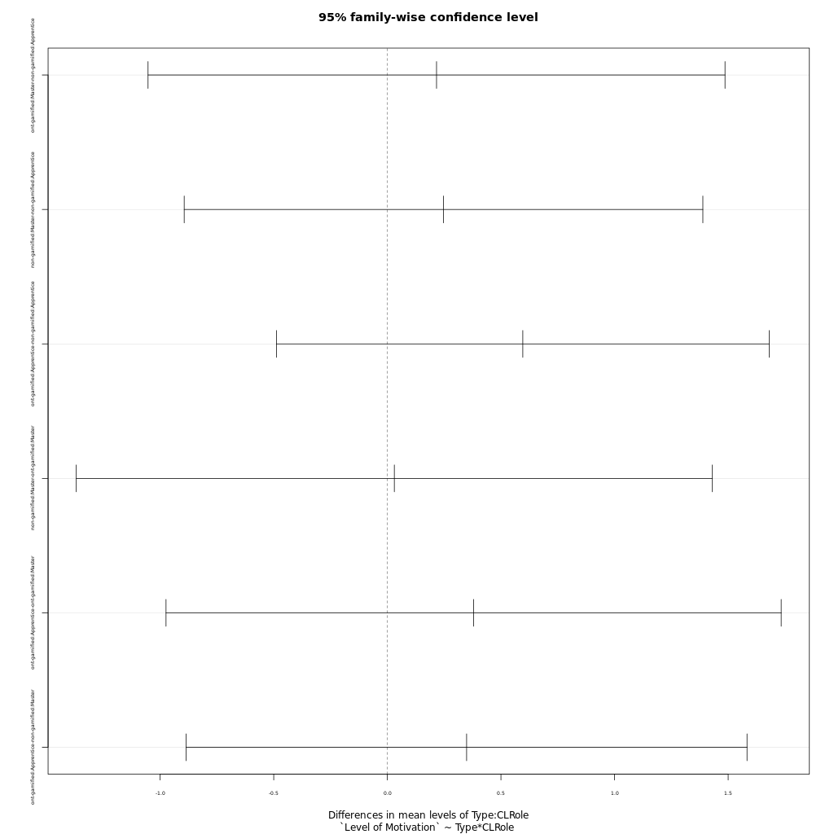
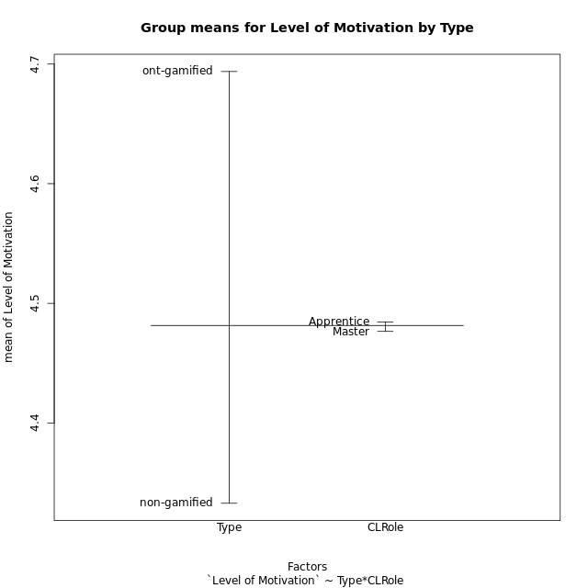
Post-hoc Tukey Honestly Significant Difference (HSD) Test for Level of Motivation by Type

Comparisons of means for Type
 | diff | lwr | upr | p adj
ont-gamified-non-gamified | 0.3608578022 | -0.28653117907 | 1.0082467835 | 0.26783390691

Comparisons of means for CLRole
 | diff | lwr | upr | p adj
Apprentice-Master | 0.013204625868 | -0.64579290656 | 0.6722021583 | 0.96801662203

Comparisons of means for Type:CLRole
 | diff | lwr | upr | p adj
ont-gamified:Master-non-gamified:Apprentice | 0.21650931174 | -1.0531092462 | 1.4861278697 | 0.96848647521
non-gamified:Master-non-gamified:Apprentice | 0.24728133971 | -0.89402086983 | 1.3885835493 | 0.9384653381
ont-gamified:Apprentice-non-gamified:Apprentice | 0.59615428216 | -0.4881213217 | 1.680429886 | 0.46672983753
non-gamified:Master-ont-gamified:Master | 0.030772027972 | -1.368972048 | 1.430516104 | 0.99992685727
ont-gamified:Apprentice-ont-gamified:Master | 0.37964497041 | -0.97400429358 | 1.7332942344 | 0.87748882438
ont-gamified:Apprentice-non-gamified:Master | 0.34887294244 | -0.88522826115 | 1.582974146 | 0.87495853024

Contrast Matrices for Level of Motivation by Type - Type
contrast | estimate | SE | df | t.ratio | p.value
non-gamified - ont-gamified | -0.28269112709 | 0.33239139462 | 47 | -0.85047667198 | 0.39937215679

Contrast Matrices for Level of Motivation by Type - Type:CLRole
contrast | CLRole | estimate | SE | df | t.ratio | p.value
non-gamified - ont-gamified | Apprentice | -0.59615428216 | 0.40710369146 | 47 | -1.4643794558 | 0.14974749323
non-gamified - ont-gamified | Master | 0.030772027972 | 0.52554994175 | 47 | 0.058552052864 | 0.95355714408

Least Squares Means and Confidence Intervals for Type
Type | lsmean | SE | df | lower.CL | upper.CL | Pairs
non-gamified | 4.3658698197 | 0.21425749179 | 47 | 3.9348393431 | 4.7969002963 | non-gamified
ont-gamified | 4.6485609467 | 0.25412155837 | 47 | 4.1373343124 | 5.1597875811 | ont-gamified

Least Squares Means and Confidence Intervals for Type:CLRole
Type | CLRole | lsmean | SE | df | lower.CL | upper.CL | Pairs
non-gamified | Apprentice | 4.2422291498 | 0.25947870835 | 47 | 3.7202253198 | 4.7642329798 | non-gamified.Apprentice
ont-gamified | Apprentice | 4.838383432 | 0.31369446204 | 47 | 4.2073115737 | 5.4694552902 | ont-gamified.Apprentice
non-gamified | Master | 4.4895104895 | 0.3410218337 | 47 | 3.8034630506 | 5.1755579284 | non-gamified.Master
ont-gamified | Master | 4.4587384615 | 0.39988354581 | 47 | 3.6542765317 | 5.2632003914 | ont-gamified.Master

Plots

Type_1
Student's t-Test for Level of Motivation by Type in Type between non-gamified:ont-gamified

Student's t-Test results
Alternative hypothesis: less
Group | N | Mean | Mean.Difference | Std.deviation | Std.error | CI.lower | CI.upper | df | t.value | p.value | g | magnitude
non-gamified | 30 | 4.3328989744 | -0.3608578022 | 1.1930522994 | 0.21782055221 | 3.8972578699 | 4.7685400788 | 47.320837533 | -1.1705696891 | 0.12381656501 | -0.31775718666 | small
ont-gamified | 21 | 4.6937567766 | 0.3608578022 | 0.99967299969 | 0.21814653292 | 4.2574637107 | 5.1300498424 | 47.320837533 | -1.1705696891 | 0.12381656501 | -0.31775718666 | small
Alternative hypothesis: greater
Group | N | Mean | Mean.Difference | Std.deviation | Std.error | CI.lower | CI.upper | df | t.value | p.value | g | magnitude
non-gamified | 30 | 4.3328989744 | -0.3608578022 | 1.1930522994 | 0.21782055221 | 3.8972578699 | 4.7685400788 | 47.320837533 | -1.1705696891 | 0.87618343499 | -0.31775718666 | small
ont-gamified | 21 | 4.6937567766 | 0.3608578022 | 0.99967299969 | 0.21814653292 | 4.2574637107 | 5.1300498424 | 47.320837533 | -1.1705696891 | 0.87618343499 | -0.31775718666 | small
Alternative hypothesis: two.sided
Group | N | Mean | Mean.Difference | Std.deviation | Std.error | CI.lower | CI.upper | df | t.value | p.value | g | magnitude
non-gamified | 30 | 4.3328989744 | -0.3608578022 | 1.1930522994 | 0.21782055221 | 3.8972578699 | 4.7685400788 | 47.320837533 | -1.1705696891 | 0.24763313003 | -0.31775718666 | small
ont-gamified | 21 | 4.6937567766 | 0.3608578022 | 0.99967299969 | 0.21814653292 | 4.2574637107 | 5.1300498424 | 47.320837533 | -1.1705696891 | 0.24763313003 | -0.31775718666 | small

Box plots for Student's t-Test
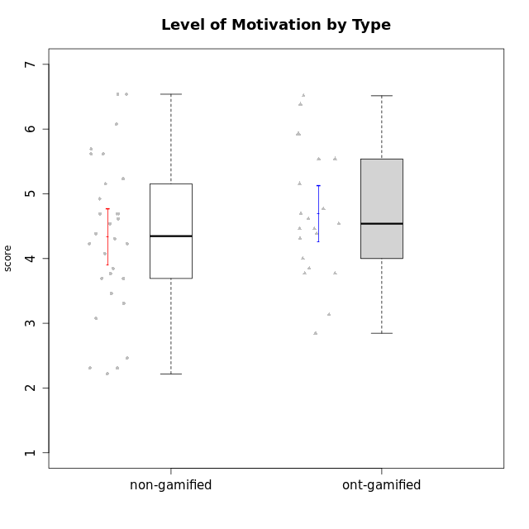

Student's t-Test data
UserID | NroUSP | Type | CLGroup | CLRole | PlayerRole | Attention | Relevance | Satisfaction | Level of Motivation
10170 | 10260351 | non-gamified | Grupo Team 6 | Apprentice |  | 4.6666666667 | 5 | 4 | 4.6153846154
10171 | 698531 | ont-gamified | Grupo Losvakai | Master | Yee Achiever | 4.8333333333 | 6.6076 | 5.3333333333 | 5.5384615385
10172 | 10273971 | ont-gamified | Grupo Koil | Master | Yee Achiever | 4.8333333333 | 5.5 | 3.6666666667 | 4.7692307692
10174 | 10276852 | non-gamified | Grupo Team 1 | Apprentice |  | 3.1666666667 | 3 | 4 | 3.3076923077
10175 | 10310700 | non-gamified | Grupo Team 6 | Master |  | 5.8333333333 | 6.4826 | 5.3333333333 | 6.0769230769
10176 | 10276949 | non-gamified | Grupo Team 9 | Apprentice |  | 3 | 3 | 3.3333333333 | 3.0769230769
10178 | 8656201 | non-gamified | Grupo Team 11 | Apprentice |  | 4.8333333333 | 4.75 | 4.3333333333 | 4.6923076923
10179 | 10310759 | ont-gamified | Grupo Tosskor | Apprentice | Yee Achiever | 4.1666666667 | 5.25 | 4.3333333333 | 4.5384615385
10181 | 10276866 | non-gamified | Grupo Team 7 | Apprentice |  | 4.1666666667 | 4.25 | 3.6666666667 | 4.0769230769
10183 | 10352030 | non-gamified | Grupo Belos | Apprentice | Yee Socializer | 3.1666666667 | 3.5 | 4 | 3.4615384615
10184 | 10276675 | non-gamified | Grupo Team 7 | Master |  | 5.5 | 6 | 5.3333333333 | 5.6153846154
10185 | 10276960 | ont-gamified | Grupo Tosskor | Master | Yee Achiever | 4.1666666667 | 4.75 | 4 | 4.3076923077
10186 | 10310551 | non-gamified | Grupo Team 5 | Apprentice |  | 3.3333333333 | 5 | 5.6666666667 | 4.3846153846
10187 | 9790781 | ont-gamified | Grupo Razorg | Apprentice | Yee Achiever | 4.5 | 2.9011 | 4.6666666667 | 4
10188 | 10276995 | ont-gamified | Grupo Paldira | Master | Yee Achiever | 4.1666666667 | 5.25 | 4.6666666667 | 4.6153846154
10189 | 9363926 | non-gamified | Grupo Team 2 | Apprentice |  | 1.6956666667 | 3 | 1.3681333333 | 2.2177384615
10190 | 10276907 | non-gamified | Grupo Team 8 | Apprentice |  | 2.1666666667 | 4.75 | 6 | 3.8461538462
10191 | 10276981 | ont-gamified | Grupo Yeka | Apprentice | Yee Socializer | 5.7326 | 5.75 | 5.6492666667 | 5.9230769231
10192 | 10276682 | ont-gamified | Grupo Yeka | Apprentice | Yee Socializer | 5.7326 | 5.75 | 5.6492666667 | 6.3846153846
10193 | 10276762 | non-gamified | Grupo Team 2 | Master |  | 3.6666666667 | 4.5 | 2.6666666667 | 3.6923076923
10196 | 10310655 | non-gamified | Grupo Team 5 | Apprentice |  | 3.6666666667 | 3.25 | 4.3333333333 | 3.6923076923
10197 | 10276661 | non-gamified | Grupo Team 11 | Master |  | 4.3333333333 | 5 | 4.3333333333 | 4.5384615385
10198 | 10310888 | non-gamified | Grupo Team 1 | Apprentice |  | 6.6376666667 | 6.25 | 6 | 6.5384615385
10200 | 9795272 | non-gamified | Grupo Team 4 | Apprentice |  | 4.5 | 4.5 | 5.3333333333 | 4.6923076923
10201 | 10276928 | non-gamified | Grupo Team 10 | Master |  | 4.6666666667 | 5.25 | 6 | 5.1538461538
10202 | 10277036 | ont-gamified | Grupo Paldira | Apprentice | Yee Achiever | 4 | 3.5 | 4 | 3.8461538462
10203 | 9921470 | ont-gamified | Grupo Paldira | Apprentice | Yee Achiever | 5.7326 | 7 | 5.6492666667 | 6.5143692308
10204 | 10310471 | non-gamified | Grupo Team 5 | Master |  | 6.6376666667 | 6.25 | 6.3333333333 | 6.5384615385
10206 | 10310721 | non-gamified | Grupo Team 9 | Master |  | 3.8333333333 | 4.75 | 4.6666666667 | 4.3076923077
10208 | 10276932 | ont-gamified | Grupo Yeka | Master | Yee Socializer | 3.8333333333 | 3.75 | 3.6666666667 | 3.7692307692
10209 | 10262669 | non-gamified | Grupo Team 1 | Master |  | 1.6956666667 | 3.75 | 2.6666666667 | 2.4615384615
10210 | 10277015 | ont-gamified | Grupo Losvakai | Apprentice | Yee Achiever | 3.1666666667 | 4.75 | 3.6666666667 | 3.7692307692
10211 | 9311643 | ont-gamified | Grupo Razorg | Master | Yee Achiever | 2.7674 | 4.25 | 2.6840666667 | 3.1314461538
10213 | 10277040 | non-gamified | Grupo Team 8 | Master |  | 4.5 | 5 | 5.6666666667 | 4.9230769231
10214 | 10277022 | ont-gamified | Grupo Koil | Apprentice | Yee Achiever | 4.5 | 5.75 | 3.6666666667 | 4.6923076923
10215 | 9285227 | non-gamified | Grupo Team 7 | Apprentice |  | 4.5 | 7 | 4.3333333333 | 5.2307692308
10216 | 10276720 | ont-gamified | Grupo Ellaru | Master | Yee Socializer | 3.8333333333 | 5 | 4.6666666667 | 4.3846153846
10217 | 9805341 | ont-gamified | Grupo Belos | Master | Yee Socializer | 4.8333333333 | 5.75 | 5 | 5.1538461538
10218 | 9842913 | non-gamified | Grupo Team 10 | Apprentice |  | 3.1666666667 | 5.25 | 5 | 4.2307692308
10219 | 10276831 | ont-gamified | Grupo Razorg | Apprentice | Yee Achiever | 2.7674 | 2.9011 | 3.3333333333 | 2.8461538462
10220 | 9760151 | non-gamified | Grupo Team 4 | Apprentice |  | 1.6956666667 | 7 | 6 | 4.2307692308
10223 | 9795185 | non-gamified | Grupo Team 3 | Master |  | 2 | 3.5174 | 2.3333333333 | 2.3076923077
10224 | 9368772 | non-gamified | Grupo Team 9 | Apprentice |  | 5.3333333333 | 6 | 5.6666666667 | 5.6153846154
10226 | 10310342 | ont-gamified | Grupo Yeka | Apprentice | Yee Socializer | 5 | 6.25 | 5.6492666667 | 5.5384615385
10230 | 10351992 | ont-gamified | Grupo Koil | Apprentice | Yee Achiever | 5.7326 | 6 | 5.3333333333 | 5.9230769231
10231 | 10276911 | non-gamified | Grupo Team 4 | Master |  | 2.5 | 5 | 4.6666666667 | 3.7692307692
10232 | 10276974 | non-gamified | Grupo Team 3 | Apprentice |  | 5.1666666667 | 6.5 | 5.6666666667 | 5.6923076923
10234 | 10310676 | non-gamified | Grupo Team 6 | Apprentice |  | 4.6666666667 | 5.25 | 4 | 4.6923076923
10237 | 10377688 | ont-gamified | Grupo Ellaru | Apprentice | Yee Socializer | 3.8333333333 | 6 | 3.6666666667 | 4.4615384615
10238 | 10276953 | ont-gamified | Grupo Belos | Apprentice | Yee Socializer | 4.5 | 4.25 | 4.6666666667 | 4.4615384615
10240 | 10276654 | non-gamified | Grupo Team 8 | Apprentice |  | 2 | 3.25 | 1.6666666667 | 2.3076923077

Type_CLRole_1
Student's t-Test for Level of Motivation by Type in Type:CLRole between non-gamified.Apprentice:non-gamified.Master

Student's t-Test results
Alternative hypothesis: less
Group | N | Mean | Mean.Difference | Std.deviation | Std.error | CI.lower | CI.upper | df | t.value | p.value | g | magnitude
non-gamified.Apprentice | 19 | 4.2422291498 | -0.24728133971 | 1.1099063516 | 0.25462998018 | 3.7329691894 | 4.7514891102 | 17.664096914 | -0.51049964705 | 0.30801093166 | -0.19918898429 | negligible
non-gamified.Master | 11 | 4.4895104895 | 0.24728133971 | 1.3666668853 | 0.41206557019 | 3.6653793491 | 5.3136416299 | 17.664096914 | -0.51049964705 | 0.30801093166 | -0.19918898429 | negligible
Alternative hypothesis: greater
Group | N | Mean | Mean.Difference | Std.deviation | Std.error | CI.lower | CI.upper | df | t.value | p.value | g | magnitude
non-gamified.Apprentice | 19 | 4.2422291498 | -0.24728133971 | 1.1099063516 | 0.25462998018 | 3.7329691894 | 4.7514891102 | 17.664096914 | -0.51049964705 | 0.69198906834 | -0.19918898429 | negligible
non-gamified.Master | 11 | 4.4895104895 | 0.24728133971 | 1.3666668853 | 0.41206557019 | 3.6653793491 | 5.3136416299 | 17.664096914 | -0.51049964705 | 0.69198906834 | -0.19918898429 | negligible
Alternative hypothesis: two.sided
Group | N | Mean | Mean.Difference | Std.deviation | Std.error | CI.lower | CI.upper | df | t.value | p.value | g | magnitude
non-gamified.Apprentice | 19 | 4.2422291498 | -0.24728133971 | 1.1099063516 | 0.25462998018 | 3.7329691894 | 4.7514891102 | 17.664096914 | -0.51049964705 | 0.61602186332 | -0.19918898429 | negligible
non-gamified.Master | 11 | 4.4895104895 | 0.24728133971 | 1.3666668853 | 0.41206557019 | 3.6653793491 | 5.3136416299 | 17.664096914 | -0.51049964705 | 0.61602186332 | -0.19918898429 | negligible

Box plots for Student's t-Test
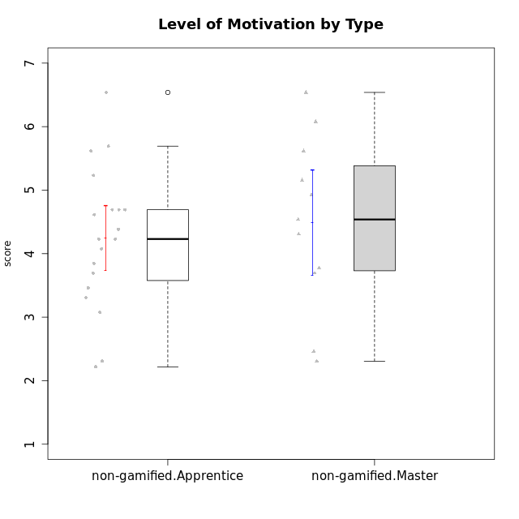

Student's t-Test data
UserID | NroUSP | Type | CLGroup | CLRole | PlayerRole | Attention | Relevance | Satisfaction | Level of Motivation
10170 | 10260351 | non-gamified | Grupo Team 6 | Apprentice |  | 4.6666666667 | 5 | 4 | 4.6153846154
10174 | 10276852 | non-gamified | Grupo Team 1 | Apprentice |  | 3.1666666667 | 3 | 4 | 3.3076923077
10175 | 10310700 | non-gamified | Grupo Team 6 | Master |  | 5.8333333333 | 6.4826 | 5.3333333333 | 6.0769230769
10176 | 10276949 | non-gamified | Grupo Team 9 | Apprentice |  | 3 | 3 | 3.3333333333 | 3.0769230769
10178 | 8656201 | non-gamified | Grupo Team 11 | Apprentice |  | 4.8333333333 | 4.75 | 4.3333333333 | 4.6923076923
10181 | 10276866 | non-gamified | Grupo Team 7 | Apprentice |  | 4.1666666667 | 4.25 | 3.6666666667 | 4.0769230769
10183 | 10352030 | non-gamified | Grupo Belos | Apprentice | Yee Socializer | 3.1666666667 | 3.5 | 4 | 3.4615384615
10184 | 10276675 | non-gamified | Grupo Team 7 | Master |  | 5.5 | 6 | 5.3333333333 | 5.6153846154
10186 | 10310551 | non-gamified | Grupo Team 5 | Apprentice |  | 3.3333333333 | 5 | 5.6666666667 | 4.3846153846
10189 | 9363926 | non-gamified | Grupo Team 2 | Apprentice |  | 1.6956666667 | 3 | 1.3681333333 | 2.2177384615
10190 | 10276907 | non-gamified | Grupo Team 8 | Apprentice |  | 2.1666666667 | 4.75 | 6 | 3.8461538462
10193 | 10276762 | non-gamified | Grupo Team 2 | Master |  | 3.6666666667 | 4.5 | 2.6666666667 | 3.6923076923
10196 | 10310655 | non-gamified | Grupo Team 5 | Apprentice |  | 3.6666666667 | 3.25 | 4.3333333333 | 3.6923076923
10197 | 10276661 | non-gamified | Grupo Team 11 | Master |  | 4.3333333333 | 5 | 4.3333333333 | 4.5384615385
10198 | 10310888 | non-gamified | Grupo Team 1 | Apprentice |  | 6.6376666667 | 6.25 | 6 | 6.5384615385
10200 | 9795272 | non-gamified | Grupo Team 4 | Apprentice |  | 4.5 | 4.5 | 5.3333333333 | 4.6923076923
10201 | 10276928 | non-gamified | Grupo Team 10 | Master |  | 4.6666666667 | 5.25 | 6 | 5.1538461538
10204 | 10310471 | non-gamified | Grupo Team 5 | Master |  | 6.6376666667 | 6.25 | 6.3333333333 | 6.5384615385
10206 | 10310721 | non-gamified | Grupo Team 9 | Master |  | 3.8333333333 | 4.75 | 4.6666666667 | 4.3076923077
10209 | 10262669 | non-gamified | Grupo Team 1 | Master |  | 1.6956666667 | 3.75 | 2.6666666667 | 2.4615384615
10213 | 10277040 | non-gamified | Grupo Team 8 | Master |  | 4.5 | 5 | 5.6666666667 | 4.9230769231
10215 | 9285227 | non-gamified | Grupo Team 7 | Apprentice |  | 4.5 | 7 | 4.3333333333 | 5.2307692308
10218 | 9842913 | non-gamified | Grupo Team 10 | Apprentice |  | 3.1666666667 | 5.25 | 5 | 4.2307692308
10220 | 9760151 | non-gamified | Grupo Team 4 | Apprentice |  | 1.6956666667 | 7 | 6 | 4.2307692308
10223 | 9795185 | non-gamified | Grupo Team 3 | Master |  | 2 | 3.5174 | 2.3333333333 | 2.3076923077
10224 | 9368772 | non-gamified | Grupo Team 9 | Apprentice |  | 5.3333333333 | 6 | 5.6666666667 | 5.6153846154
10231 | 10276911 | non-gamified | Grupo Team 4 | Master |  | 2.5 | 5 | 4.6666666667 | 3.7692307692
10232 | 10276974 | non-gamified | Grupo Team 3 | Apprentice |  | 5.1666666667 | 6.5 | 5.6666666667 | 5.6923076923
10234 | 10310676 | non-gamified | Grupo Team 6 | Apprentice |  | 4.6666666667 | 5.25 | 4 | 4.6923076923
10240 | 10276654 | non-gamified | Grupo Team 8 | Apprentice |  | 2 | 3.25 | 1.6666666667 | 2.3076923077

Type_CLRole_2
Student's t-Test for Level of Motivation by Type in Type:CLRole between non-gamified.Apprentice:ont-gamified.Apprentice

Student's t-Test results
Alternative hypothesis: less
Group | N | Mean | Mean.Difference | Std.deviation | Std.error | CI.lower | CI.upper | df | t.value | p.value | g | magnitude
non-gamified.Apprentice | 19 | 4.2422291498 | -0.59615428216 | 1.1099063516 | 0.25462998018 | 3.7329691894 | 4.7514891102 | 25.675958423 | -1.4788108009 | 0.075677738159 | -0.5203862428 | medium
ont-gamified.Apprentice | 13 | 4.838383432 | 0.59615428216 | 1.1268606443 | 0.31253491025 | 4.2133136114 | 5.4634532525 | 25.675958423 | -1.4788108009 | 0.075677738159 | -0.5203862428 | medium
Alternative hypothesis: greater
Group | N | Mean | Mean.Difference | Std.deviation | Std.error | CI.lower | CI.upper | df | t.value | p.value | g | magnitude
non-gamified.Apprentice | 19 | 4.2422291498 | -0.59615428216 | 1.1099063516 | 0.25462998018 | 3.7329691894 | 4.7514891102 | 25.675958423 | -1.4788108009 | 0.92432226184 | -0.5203862428 | medium
ont-gamified.Apprentice | 13 | 4.838383432 | 0.59615428216 | 1.1268606443 | 0.31253491025 | 4.2133136114 | 5.4634532525 | 25.675958423 | -1.4788108009 | 0.92432226184 | -0.5203862428 | medium
Alternative hypothesis: two.sided
Group | N | Mean | Mean.Difference | Std.deviation | Std.error | CI.lower | CI.upper | df | t.value | p.value | g | magnitude
non-gamified.Apprentice | 19 | 4.2422291498 | -0.59615428216 | 1.1099063516 | 0.25462998018 | 3.7329691894 | 4.7514891102 | 25.675958423 | -1.4788108009 | 0.15135547632 | -0.5203862428 | medium
ont-gamified.Apprentice | 13 | 4.838383432 | 0.59615428216 | 1.1268606443 | 0.31253491025 | 4.2133136114 | 5.4634532525 | 25.675958423 | -1.4788108009 | 0.15135547632 | -0.5203862428 | medium

Box plots for Student's t-Test
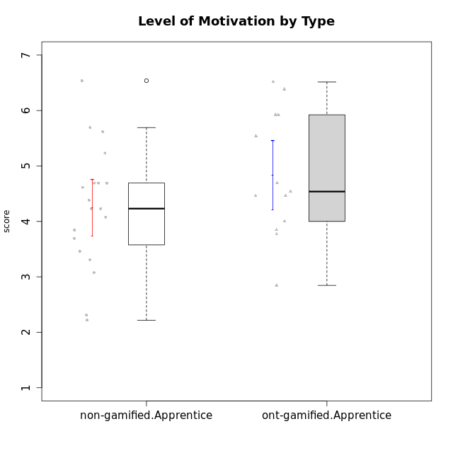

Student's t-Test data
UserID | NroUSP | Type | CLGroup | CLRole | PlayerRole | Attention | Relevance | Satisfaction | Level of Motivation
10170 | 10260351 | non-gamified | Grupo Team 6 | Apprentice |  | 4.6666666667 | 5 | 4 | 4.6153846154
10174 | 10276852 | non-gamified | Grupo Team 1 | Apprentice |  | 3.1666666667 | 3 | 4 | 3.3076923077
10176 | 10276949 | non-gamified | Grupo Team 9 | Apprentice |  | 3 | 3 | 3.3333333333 | 3.0769230769
10178 | 8656201 | non-gamified | Grupo Team 11 | Apprentice |  | 4.8333333333 | 4.75 | 4.3333333333 | 4.6923076923
10179 | 10310759 | ont-gamified | Grupo Tosskor | Apprentice | Yee Achiever | 4.1666666667 | 5.25 | 4.3333333333 | 4.5384615385
10181 | 10276866 | non-gamified | Grupo Team 7 | Apprentice |  | 4.1666666667 | 4.25 | 3.6666666667 | 4.0769230769
10183 | 10352030 | non-gamified | Grupo Belos | Apprentice | Yee Socializer | 3.1666666667 | 3.5 | 4 | 3.4615384615
10186 | 10310551 | non-gamified | Grupo Team 5 | Apprentice |  | 3.3333333333 | 5 | 5.6666666667 | 4.3846153846
10187 | 9790781 | ont-gamified | Grupo Razorg | Apprentice | Yee Achiever | 4.5 | 2.9011 | 4.6666666667 | 4
10189 | 9363926 | non-gamified | Grupo Team 2 | Apprentice |  | 1.6956666667 | 3 | 1.3681333333 | 2.2177384615
10190 | 10276907 | non-gamified | Grupo Team 8 | Apprentice |  | 2.1666666667 | 4.75 | 6 | 3.8461538462
10191 | 10276981 | ont-gamified | Grupo Yeka | Apprentice | Yee Socializer | 5.7326 | 5.75 | 5.6492666667 | 5.9230769231
10192 | 10276682 | ont-gamified | Grupo Yeka | Apprentice | Yee Socializer | 5.7326 | 5.75 | 5.6492666667 | 6.3846153846
10196 | 10310655 | non-gamified | Grupo Team 5 | Apprentice |  | 3.6666666667 | 3.25 | 4.3333333333 | 3.6923076923
10198 | 10310888 | non-gamified | Grupo Team 1 | Apprentice |  | 6.6376666667 | 6.25 | 6 | 6.5384615385
10200 | 9795272 | non-gamified | Grupo Team 4 | Apprentice |  | 4.5 | 4.5 | 5.3333333333 | 4.6923076923
10202 | 10277036 | ont-gamified | Grupo Paldira | Apprentice | Yee Achiever | 4 | 3.5 | 4 | 3.8461538462
10203 | 9921470 | ont-gamified | Grupo Paldira | Apprentice | Yee Achiever | 5.7326 | 7 | 5.6492666667 | 6.5143692308
10210 | 10277015 | ont-gamified | Grupo Losvakai | Apprentice | Yee Achiever | 3.1666666667 | 4.75 | 3.6666666667 | 3.7692307692
10214 | 10277022 | ont-gamified | Grupo Koil | Apprentice | Yee Achiever | 4.5 | 5.75 | 3.6666666667 | 4.6923076923
10215 | 9285227 | non-gamified | Grupo Team 7 | Apprentice |  | 4.5 | 7 | 4.3333333333 | 5.2307692308
10218 | 9842913 | non-gamified | Grupo Team 10 | Apprentice |  | 3.1666666667 | 5.25 | 5 | 4.2307692308
10219 | 10276831 | ont-gamified | Grupo Razorg | Apprentice | Yee Achiever | 2.7674 | 2.9011 | 3.3333333333 | 2.8461538462
10220 | 9760151 | non-gamified | Grupo Team 4 | Apprentice |  | 1.6956666667 | 7 | 6 | 4.2307692308
10224 | 9368772 | non-gamified | Grupo Team 9 | Apprentice |  | 5.3333333333 | 6 | 5.6666666667 | 5.6153846154
10226 | 10310342 | ont-gamified | Grupo Yeka | Apprentice | Yee Socializer | 5 | 6.25 | 5.6492666667 | 5.5384615385
10230 | 10351992 | ont-gamified | Grupo Koil | Apprentice | Yee Achiever | 5.7326 | 6 | 5.3333333333 | 5.9230769231
10232 | 10276974 | non-gamified | Grupo Team 3 | Apprentice |  | 5.1666666667 | 6.5 | 5.6666666667 | 5.6923076923
10234 | 10310676 | non-gamified | Grupo Team 6 | Apprentice |  | 4.6666666667 | 5.25 | 4 | 4.6923076923
10237 | 10377688 | ont-gamified | Grupo Ellaru | Apprentice | Yee Socializer | 3.8333333333 | 6 | 3.6666666667 | 4.4615384615
10238 | 10276953 | ont-gamified | Grupo Belos | Apprentice | Yee Socializer | 4.5 | 4.25 | 4.6666666667 | 4.4615384615
10240 | 10276654 | non-gamified | Grupo Team 8 | Apprentice |  | 2 | 3.25 | 1.6666666667 | 2.3076923077

Type_CLRole_3
Student's t-Test for Level of Motivation by Type in Type:CLRole between non-gamified.Apprentice:ont-gamified.Master

Student's t-Test results
Alternative hypothesis: less
Group | N | Mean | Mean.Difference | Std.deviation | Std.error | CI.lower | CI.upper | df | t.value | p.value | g | magnitude
non-gamified.Apprentice | 19 | 4.2422291498 | -0.21650931174 | 1.1099063516 | 0.25462998018 | 3.7329691894 | 4.7514891102 | 19.214302442 | -0.58516812892 | 0.28262213091 | -0.20504726231 | small
ont-gamified.Master | 8 | 4.4587384615 | 0.21650931174 | 0.75926233151 | 0.26843977165 | 3.9218589182 | 4.9956180048 | 19.214302442 | -0.58516812892 | 0.28262213091 | -0.20504726231 | small
Alternative hypothesis: greater
Group | N | Mean | Mean.Difference | Std.deviation | Std.error | CI.lower | CI.upper | df | t.value | p.value | g | magnitude
non-gamified.Apprentice | 19 | 4.2422291498 | -0.21650931174 | 1.1099063516 | 0.25462998018 | 3.7329691894 | 4.7514891102 | 19.214302442 | -0.58516812892 | 0.71737786909 | -0.20504726231 | small
ont-gamified.Master | 8 | 4.4587384615 | 0.21650931174 | 0.75926233151 | 0.26843977165 | 3.9218589182 | 4.9956180048 | 19.214302442 | -0.58516812892 | 0.71737786909 | -0.20504726231 | small
Alternative hypothesis: two.sided
Group | N | Mean | Mean.Difference | Std.deviation | Std.error | CI.lower | CI.upper | df | t.value | p.value | g | magnitude
non-gamified.Apprentice | 19 | 4.2422291498 | -0.21650931174 | 1.1099063516 | 0.25462998018 | 3.7329691894 | 4.7514891102 | 19.214302442 | -0.58516812892 | 0.56524426181 | -0.20504726231 | small
ont-gamified.Master | 8 | 4.4587384615 | 0.21650931174 | 0.75926233151 | 0.26843977165 | 3.9218589182 | 4.9956180048 | 19.214302442 | -0.58516812892 | 0.56524426181 | -0.20504726231 | small

Box plots for Student's t-Test
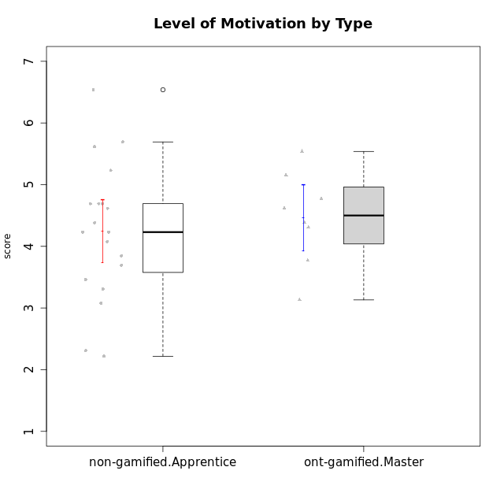

Student's t-Test data
UserID | NroUSP | Type | CLGroup | CLRole | PlayerRole | Attention | Relevance | Satisfaction | Level of Motivation
10170 | 10260351 | non-gamified | Grupo Team 6 | Apprentice |  | 4.6666666667 | 5 | 4 | 4.6153846154
10171 | 698531 | ont-gamified | Grupo Losvakai | Master | Yee Achiever | 4.8333333333 | 6.6076 | 5.3333333333 | 5.5384615385
10172 | 10273971 | ont-gamified | Grupo Koil | Master | Yee Achiever | 4.8333333333 | 5.5 | 3.6666666667 | 4.7692307692
10174 | 10276852 | non-gamified | Grupo Team 1 | Apprentice |  | 3.1666666667 | 3 | 4 | 3.3076923077
10176 | 10276949 | non-gamified | Grupo Team 9 | Apprentice |  | 3 | 3 | 3.3333333333 | 3.0769230769
10178 | 8656201 | non-gamified | Grupo Team 11 | Apprentice |  | 4.8333333333 | 4.75 | 4.3333333333 | 4.6923076923
10181 | 10276866 | non-gamified | Grupo Team 7 | Apprentice |  | 4.1666666667 | 4.25 | 3.6666666667 | 4.0769230769
10183 | 10352030 | non-gamified | Grupo Belos | Apprentice | Yee Socializer | 3.1666666667 | 3.5 | 4 | 3.4615384615
10185 | 10276960 | ont-gamified | Grupo Tosskor | Master | Yee Achiever | 4.1666666667 | 4.75 | 4 | 4.3076923077
10186 | 10310551 | non-gamified | Grupo Team 5 | Apprentice |  | 3.3333333333 | 5 | 5.6666666667 | 4.3846153846
10188 | 10276995 | ont-gamified | Grupo Paldira | Master | Yee Achiever | 4.1666666667 | 5.25 | 4.6666666667 | 4.6153846154
10189 | 9363926 | non-gamified | Grupo Team 2 | Apprentice |  | 1.6956666667 | 3 | 1.3681333333 | 2.2177384615
10190 | 10276907 | non-gamified | Grupo Team 8 | Apprentice |  | 2.1666666667 | 4.75 | 6 | 3.8461538462
10196 | 10310655 | non-gamified | Grupo Team 5 | Apprentice |  | 3.6666666667 | 3.25 | 4.3333333333 | 3.6923076923
10198 | 10310888 | non-gamified | Grupo Team 1 | Apprentice |  | 6.6376666667 | 6.25 | 6 | 6.5384615385
10200 | 9795272 | non-gamified | Grupo Team 4 | Apprentice |  | 4.5 | 4.5 | 5.3333333333 | 4.6923076923
10208 | 10276932 | ont-gamified | Grupo Yeka | Master | Yee Socializer | 3.8333333333 | 3.75 | 3.6666666667 | 3.7692307692
10211 | 9311643 | ont-gamified | Grupo Razorg | Master | Yee Achiever | 2.7674 | 4.25 | 2.6840666667 | 3.1314461538
10215 | 9285227 | non-gamified | Grupo Team 7 | Apprentice |  | 4.5 | 7 | 4.3333333333 | 5.2307692308
10216 | 10276720 | ont-gamified | Grupo Ellaru | Master | Yee Socializer | 3.8333333333 | 5 | 4.6666666667 | 4.3846153846
10217 | 9805341 | ont-gamified | Grupo Belos | Master | Yee Socializer | 4.8333333333 | 5.75 | 5 | 5.1538461538
10218 | 9842913 | non-gamified | Grupo Team 10 | Apprentice |  | 3.1666666667 | 5.25 | 5 | 4.2307692308
10220 | 9760151 | non-gamified | Grupo Team 4 | Apprentice |  | 1.6956666667 | 7 | 6 | 4.2307692308
10224 | 9368772 | non-gamified | Grupo Team 9 | Apprentice |  | 5.3333333333 | 6 | 5.6666666667 | 5.6153846154
10232 | 10276974 | non-gamified | Grupo Team 3 | Apprentice |  | 5.1666666667 | 6.5 | 5.6666666667 | 5.6923076923
10234 | 10310676 | non-gamified | Grupo Team 6 | Apprentice |  | 4.6666666667 | 5.25 | 4 | 4.6923076923
10240 | 10276654 | non-gamified | Grupo Team 8 | Apprentice |  | 2 | 3.25 | 1.6666666667 | 2.3076923077

Type_CLRole_4
Student's t-Test for Level of Motivation by Type in Type:CLRole between non-gamified.Master:ont-gamified.Apprentice

Student's t-Test results
Alternative hypothesis: less
Group | N | Mean | Mean.Difference | Std.deviation | Std.error | CI.lower | CI.upper | df | t.value | p.value | g | magnitude
non-gamified.Master | 11 | 4.4895104895 | -0.34887294244 | 1.3666668853 | 0.41206557019 | 3.6653793491 | 5.3136416299 | 19.450562087 | -0.67456653714 | 0.25394525339 | -0.27129335013 | small
ont-gamified.Apprentice | 13 | 4.838383432 | 0.34887294244 | 1.1268606443 | 0.31253491025 | 4.2133136114 | 5.4634532525 | 19.450562087 | -0.67456653714 | 0.25394525339 | -0.27129335013 | small
Alternative hypothesis: greater
Group | N | Mean | Mean.Difference | Std.deviation | Std.error | CI.lower | CI.upper | df | t.value | p.value | g | magnitude
non-gamified.Master | 11 | 4.4895104895 | -0.34887294244 | 1.3666668853 | 0.41206557019 | 3.6653793491 | 5.3136416299 | 19.450562087 | -0.67456653714 | 0.74605474661 | -0.27129335013 | small
ont-gamified.Apprentice | 13 | 4.838383432 | 0.34887294244 | 1.1268606443 | 0.31253491025 | 4.2133136114 | 5.4634532525 | 19.450562087 | -0.67456653714 | 0.74605474661 | -0.27129335013 | small
Alternative hypothesis: two.sided
Group | N | Mean | Mean.Difference | Std.deviation | Std.error | CI.lower | CI.upper | df | t.value | p.value | g | magnitude
non-gamified.Master | 11 | 4.4895104895 | -0.34887294244 | 1.3666668853 | 0.41206557019 | 3.6653793491 | 5.3136416299 | 19.450562087 | -0.67456653714 | 0.50789050677 | -0.27129335013 | small
ont-gamified.Apprentice | 13 | 4.838383432 | 0.34887294244 | 1.1268606443 | 0.31253491025 | 4.2133136114 | 5.4634532525 | 19.450562087 | -0.67456653714 | 0.50789050677 | -0.27129335013 | small

Box plots for Student's t-Test
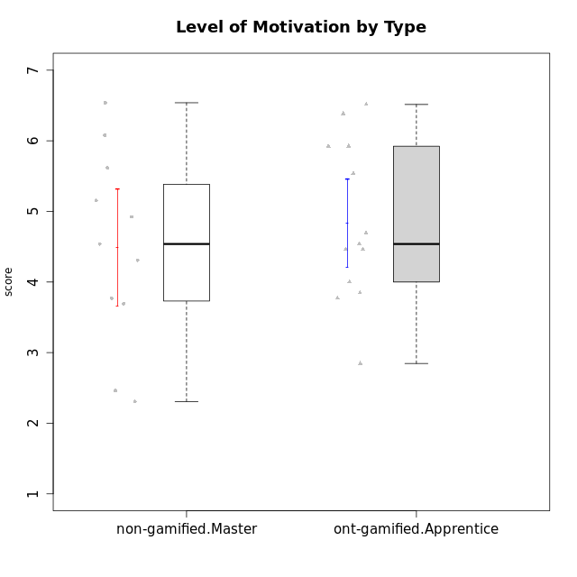

Student's t-Test data
UserID | NroUSP | Type | CLGroup | CLRole | PlayerRole | Attention | Relevance | Satisfaction | Level of Motivation
10175 | 10310700 | non-gamified | Grupo Team 6 | Master |  | 5.8333333333 | 6.4826 | 5.3333333333 | 6.0769230769
10179 | 10310759 | ont-gamified | Grupo Tosskor | Apprentice | Yee Achiever | 4.1666666667 | 5.25 | 4.3333333333 | 4.5384615385
10184 | 10276675 | non-gamified | Grupo Team 7 | Master |  | 5.5 | 6 | 5.3333333333 | 5.6153846154
10187 | 9790781 | ont-gamified | Grupo Razorg | Apprentice | Yee Achiever | 4.5 | 2.9011 | 4.6666666667 | 4
10191 | 10276981 | ont-gamified | Grupo Yeka | Apprentice | Yee Socializer | 5.7326 | 5.75 | 5.6492666667 | 5.9230769231
10192 | 10276682 | ont-gamified | Grupo Yeka | Apprentice | Yee Socializer | 5.7326 | 5.75 | 5.6492666667 | 6.3846153846
10193 | 10276762 | non-gamified | Grupo Team 2 | Master |  | 3.6666666667 | 4.5 | 2.6666666667 | 3.6923076923
10197 | 10276661 | non-gamified | Grupo Team 11 | Master |  | 4.3333333333 | 5 | 4.3333333333 | 4.5384615385
10201 | 10276928 | non-gamified | Grupo Team 10 | Master |  | 4.6666666667 | 5.25 | 6 | 5.1538461538
10202 | 10277036 | ont-gamified | Grupo Paldira | Apprentice | Yee Achiever | 4 | 3.5 | 4 | 3.8461538462
10203 | 9921470 | ont-gamified | Grupo Paldira | Apprentice | Yee Achiever | 5.7326 | 7 | 5.6492666667 | 6.5143692308
10204 | 10310471 | non-gamified | Grupo Team 5 | Master |  | 6.6376666667 | 6.25 | 6.3333333333 | 6.5384615385
10206 | 10310721 | non-gamified | Grupo Team 9 | Master |  | 3.8333333333 | 4.75 | 4.6666666667 | 4.3076923077
10209 | 10262669 | non-gamified | Grupo Team 1 | Master |  | 1.6956666667 | 3.75 | 2.6666666667 | 2.4615384615
10210 | 10277015 | ont-gamified | Grupo Losvakai | Apprentice | Yee Achiever | 3.1666666667 | 4.75 | 3.6666666667 | 3.7692307692
10213 | 10277040 | non-gamified | Grupo Team 8 | Master |  | 4.5 | 5 | 5.6666666667 | 4.9230769231
10214 | 10277022 | ont-gamified | Grupo Koil | Apprentice | Yee Achiever | 4.5 | 5.75 | 3.6666666667 | 4.6923076923
10219 | 10276831 | ont-gamified | Grupo Razorg | Apprentice | Yee Achiever | 2.7674 | 2.9011 | 3.3333333333 | 2.8461538462
10223 | 9795185 | non-gamified | Grupo Team 3 | Master |  | 2 | 3.5174 | 2.3333333333 | 2.3076923077
10226 | 10310342 | ont-gamified | Grupo Yeka | Apprentice | Yee Socializer | 5 | 6.25 | 5.6492666667 | 5.5384615385
10230 | 10351992 | ont-gamified | Grupo Koil | Apprentice | Yee Achiever | 5.7326 | 6 | 5.3333333333 | 5.9230769231
10231 | 10276911 | non-gamified | Grupo Team 4 | Master |  | 2.5 | 5 | 4.6666666667 | 3.7692307692
10237 | 10377688 | ont-gamified | Grupo Ellaru | Apprentice | Yee Socializer | 3.8333333333 | 6 | 3.6666666667 | 4.4615384615
10238 | 10276953 | ont-gamified | Grupo Belos | Apprentice | Yee Socializer | 4.5 | 4.25 | 4.6666666667 | 4.4615384615

Type_CLRole_5
Student's t-Test for Level of Motivation by Type in Type:CLRole between non-gamified.Master:ont-gamified.Master

Student's t-Test results
Alternative hypothesis: less
Group | N | Mean | Mean.Difference | Std.deviation | Std.error | CI.lower | CI.upper | df | t.value | p.value | g | magnitude
non-gamified.Master | 11 | 4.4895104895 | 0.030772027972 | 1.3666668853 | 0.41206557019 | 3.6653793491 | 5.3136416299 | 16.136884812 | 0.062571409653 | 0.52456185462 | 0.025430047615 | negligible
ont-gamified.Master | 8 | 4.4587384615 | -0.030772027972 | 0.75926233151 | 0.26843977165 | 3.9218589182 | 4.9956180048 | 16.136884812 | 0.062571409653 | 0.52456185462 | 0.025430047615 | negligible
Alternative hypothesis: greater
Group | N | Mean | Mean.Difference | Std.deviation | Std.error | CI.lower | CI.upper | df | t.value | p.value | g | magnitude
non-gamified.Master | 11 | 4.4895104895 | 0.030772027972 | 1.3666668853 | 0.41206557019 | 3.6653793491 | 5.3136416299 | 16.136884812 | 0.062571409653 | 0.47543814538 | 0.025430047615 | negligible
ont-gamified.Master | 8 | 4.4587384615 | -0.030772027972 | 0.75926233151 | 0.26843977165 | 3.9218589182 | 4.9956180048 | 16.136884812 | 0.062571409653 | 0.47543814538 | 0.025430047615 | negligible
Alternative hypothesis: two.sided
Group | N | Mean | Mean.Difference | Std.deviation | Std.error | CI.lower | CI.upper | df | t.value | p.value | g | magnitude
non-gamified.Master | 11 | 4.4895104895 | 0.030772027972 | 1.3666668853 | 0.41206557019 | 3.6653793491 | 5.3136416299 | 16.136884812 | 0.062571409653 | 0.95087629077 | 0.025430047615 | negligible
ont-gamified.Master | 8 | 4.4587384615 | -0.030772027972 | 0.75926233151 | 0.26843977165 | 3.9218589182 | 4.9956180048 | 16.136884812 | 0.062571409653 | 0.95087629077 | 0.025430047615 | negligible

Box plots for Student's t-Test
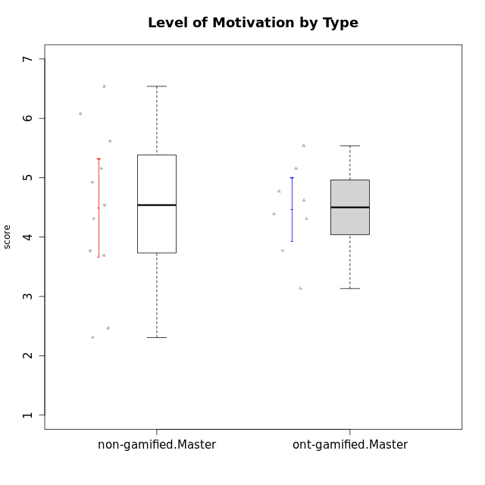

Student's t-Test data
UserID | NroUSP | Type | CLGroup | CLRole | PlayerRole | Attention | Relevance | Satisfaction | Level of Motivation
10171 | 698531 | ont-gamified | Grupo Losvakai | Master | Yee Achiever | 4.8333333333 | 6.6076 | 5.3333333333 | 5.5384615385
10172 | 10273971 | ont-gamified | Grupo Koil | Master | Yee Achiever | 4.8333333333 | 5.5 | 3.6666666667 | 4.7692307692
10175 | 10310700 | non-gamified | Grupo Team 6 | Master |  | 5.8333333333 | 6.4826 | 5.3333333333 | 6.0769230769
10184 | 10276675 | non-gamified | Grupo Team 7 | Master |  | 5.5 | 6 | 5.3333333333 | 5.6153846154
10185 | 10276960 | ont-gamified | Grupo Tosskor | Master | Yee Achiever | 4.1666666667 | 4.75 | 4 | 4.3076923077
10188 | 10276995 | ont-gamified | Grupo Paldira | Master | Yee Achiever | 4.1666666667 | 5.25 | 4.6666666667 | 4.6153846154
10193 | 10276762 | non-gamified | Grupo Team 2 | Master |  | 3.6666666667 | 4.5 | 2.6666666667 | 3.6923076923
10197 | 10276661 | non-gamified | Grupo Team 11 | Master |  | 4.3333333333 | 5 | 4.3333333333 | 4.5384615385
10201 | 10276928 | non-gamified | Grupo Team 10 | Master |  | 4.6666666667 | 5.25 | 6 | 5.1538461538
10204 | 10310471 | non-gamified | Grupo Team 5 | Master |  | 6.6376666667 | 6.25 | 6.3333333333 | 6.5384615385
10206 | 10310721 | non-gamified | Grupo Team 9 | Master |  | 3.8333333333 | 4.75 | 4.6666666667 | 4.3076923077
10208 | 10276932 | ont-gamified | Grupo Yeka | Master | Yee Socializer | 3.8333333333 | 3.75 | 3.6666666667 | 3.7692307692
10209 | 10262669 | non-gamified | Grupo Team 1 | Master |  | 1.6956666667 | 3.75 | 2.6666666667 | 2.4615384615
10211 | 9311643 | ont-gamified | Grupo Razorg | Master | Yee Achiever | 2.7674 | 4.25 | 2.6840666667 | 3.1314461538
10213 | 10277040 | non-gamified | Grupo Team 8 | Master |  | 4.5 | 5 | 5.6666666667 | 4.9230769231
10216 | 10276720 | ont-gamified | Grupo Ellaru | Master | Yee Socializer | 3.8333333333 | 5 | 4.6666666667 | 4.3846153846
10217 | 9805341 | ont-gamified | Grupo Belos | Master | Yee Socializer | 4.8333333333 | 5.75 | 5 | 5.1538461538
10223 | 9795185 | non-gamified | Grupo Team 3 | Master |  | 2 | 3.5174 | 2.3333333333 | 2.3076923077
10231 | 10276911 | non-gamified | Grupo Team 4 | Master |  | 2.5 | 5 | 4.6666666667 | 3.7692307692

Type_CLRole_6
Student's t-Test for Level of Motivation by Type in Type:CLRole between ont-gamified.Apprentice:ont-gamified.Master

Student's t-Test results
Alternative hypothesis: less
Group | N | Mean | Mean.Difference | Std.deviation | Std.error | CI.lower | CI.upper | df | t.value | p.value | g | magnitude
ont-gamified.Apprentice | 13 | 4.838383432 | 0.37964497041 | 1.1268606443 | 0.31253491025 | 4.2133136114 | 5.4634532525 | 18.746310009 | 0.92148471217 | 0.81574742904 | 0.36186744513 | small
ont-gamified.Master | 8 | 4.4587384615 | -0.37964497041 | 0.75926233151 | 0.26843977165 | 3.9218589182 | 4.9956180048 | 18.746310009 | 0.92148471217 | 0.81574742904 | 0.36186744513 | small
Alternative hypothesis: greater
Group | N | Mean | Mean.Difference | Std.deviation | Std.error | CI.lower | CI.upper | df | t.value | p.value | g | magnitude
ont-gamified.Apprentice | 13 | 4.838383432 | 0.37964497041 | 1.1268606443 | 0.31253491025 | 4.2133136114 | 5.4634532525 | 18.746310009 | 0.92148471217 | 0.18425257096 | 0.36186744513 | small
ont-gamified.Master | 8 | 4.4587384615 | -0.37964497041 | 0.75926233151 | 0.26843977165 | 3.9218589182 | 4.9956180048 | 18.746310009 | 0.92148471217 | 0.18425257096 | 0.36186744513 | small
Alternative hypothesis: two.sided
Group | N | Mean | Mean.Difference | Std.deviation | Std.error | CI.lower | CI.upper | df | t.value | p.value | g | magnitude
ont-gamified.Apprentice | 13 | 4.838383432 | 0.37964497041 | 1.1268606443 | 0.31253491025 | 4.2133136114 | 5.4634532525 | 18.746310009 | 0.92148471217 | 0.36850514192 | 0.36186744513 | small
ont-gamified.Master | 8 | 4.4587384615 | -0.37964497041 | 0.75926233151 | 0.26843977165 | 3.9218589182 | 4.9956180048 | 18.746310009 | 0.92148471217 | 0.36850514192 | 0.36186744513 | small

Box plots for Student's t-Test
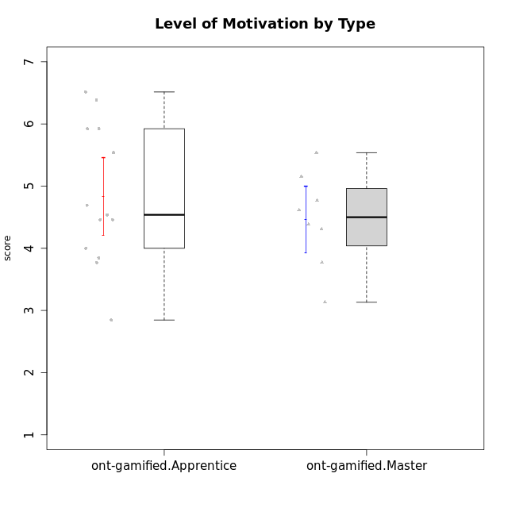

Student's t-Test data
UserID | NroUSP | Type | CLGroup | CLRole | PlayerRole | Attention | Relevance | Satisfaction | Level of Motivation
10171 | 698531 | ont-gamified | Grupo Losvakai | Master | Yee Achiever | 4.8333333333 | 6.6076 | 5.3333333333 | 5.5384615385
10172 | 10273971 | ont-gamified | Grupo Koil | Master | Yee Achiever | 4.8333333333 | 5.5 | 3.6666666667 | 4.7692307692
10179 | 10310759 | ont-gamified | Grupo Tosskor | Apprentice | Yee Achiever | 4.1666666667 | 5.25 | 4.3333333333 | 4.5384615385
10185 | 10276960 | ont-gamified | Grupo Tosskor | Master | Yee Achiever | 4.1666666667 | 4.75 | 4 | 4.3076923077
10187 | 9790781 | ont-gamified | Grupo Razorg | Apprentice | Yee Achiever | 4.5 | 2.9011 | 4.6666666667 | 4
10188 | 10276995 | ont-gamified | Grupo Paldira | Master | Yee Achiever | 4.1666666667 | 5.25 | 4.6666666667 | 4.6153846154
10191 | 10276981 | ont-gamified | Grupo Yeka | Apprentice | Yee Socializer | 5.7326 | 5.75 | 5.6492666667 | 5.9230769231
10192 | 10276682 | ont-gamified | Grupo Yeka | Apprentice | Yee Socializer | 5.7326 | 5.75 | 5.6492666667 | 6.3846153846
10202 | 10277036 | ont-gamified | Grupo Paldira | Apprentice | Yee Achiever | 4 | 3.5 | 4 | 3.8461538462
10203 | 9921470 | ont-gamified | Grupo Paldira | Apprentice | Yee Achiever | 5.7326 | 7 | 5.6492666667 | 6.5143692308
10208 | 10276932 | ont-gamified | Grupo Yeka | Master | Yee Socializer | 3.8333333333 | 3.75 | 3.6666666667 | 3.7692307692
10210 | 10277015 | ont-gamified | Grupo Losvakai | Apprentice | Yee Achiever | 3.1666666667 | 4.75 | 3.6666666667 | 3.7692307692
10211 | 9311643 | ont-gamified | Grupo Razorg | Master | Yee Achiever | 2.7674 | 4.25 | 2.6840666667 | 3.1314461538
10214 | 10277022 | ont-gamified | Grupo Koil | Apprentice | Yee Achiever | 4.5 | 5.75 | 3.6666666667 | 4.6923076923
10216 | 10276720 | ont-gamified | Grupo Ellaru | Master | Yee Socializer | 3.8333333333 | 5 | 4.6666666667 | 4.3846153846
10217 | 9805341 | ont-gamified | Grupo Belos | Master | Yee Socializer | 4.8333333333 | 5.75 | 5 | 5.1538461538
10219 | 10276831 | ont-gamified | Grupo Razorg | Apprentice | Yee Achiever | 2.7674 | 2.9011 | 3.3333333333 | 2.8461538462
10226 | 10310342 | ont-gamified | Grupo Yeka | Apprentice | Yee Socializer | 5 | 6.25 | 5.6492666667 | 5.5384615385
10230 | 10351992 | ont-gamified | Grupo Koil | Apprentice | Yee Achiever | 5.7326 | 6 | 5.3333333333 | 5.9230769231
10237 | 10377688 | ont-gamified | Grupo Ellaru | Apprentice | Yee Socializer | 3.8333333333 | 6 | 3.6666666667 | 4.4615384615
10238 | 10276953 | ont-gamified | Grupo Belos | Apprentice | Yee Socializer | 4.5 | 4.25 | 4.6666666667 | 4.4615384615

