Assumptions
ANOVA assumptions for Relevance by Type

Shapiro-Wilk normality test for Relevance by Type
W | p.value
0.9715189365 | 0.25548496899

Plots for normality test
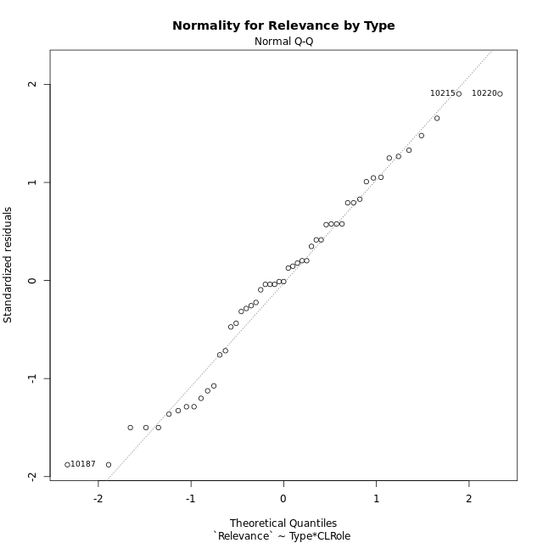

Levene's Test for Homogeneity of Variance in Relevance by Type
Df | F value | Pr(>F)
3 | 0.96247785638 | 0.41832218575
47

Plots for homogeneity of variance
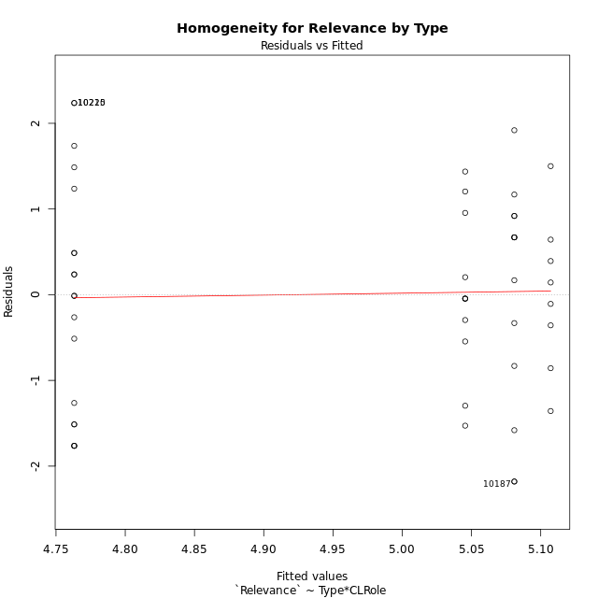

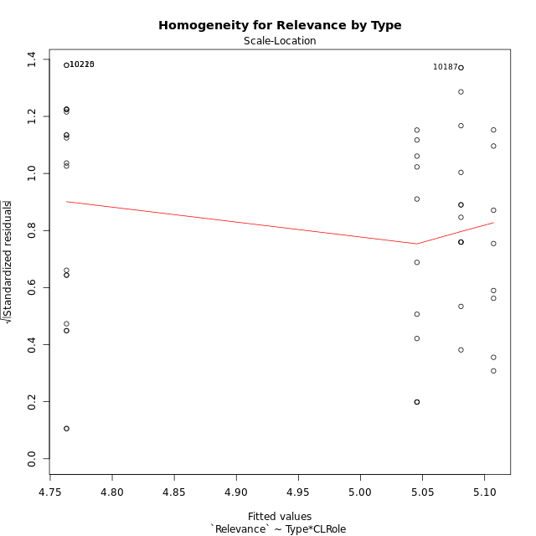

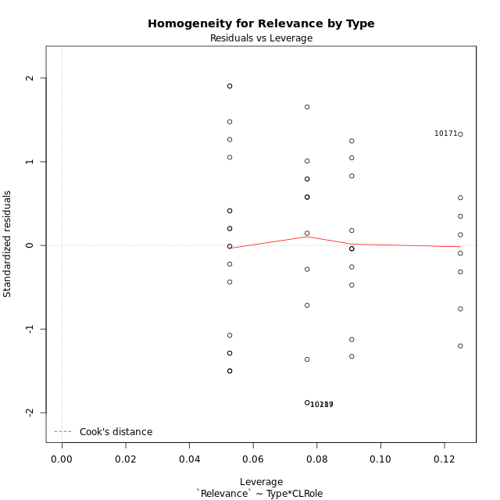

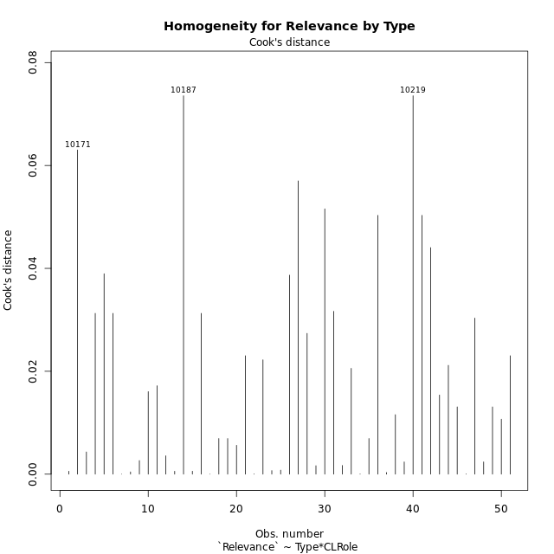

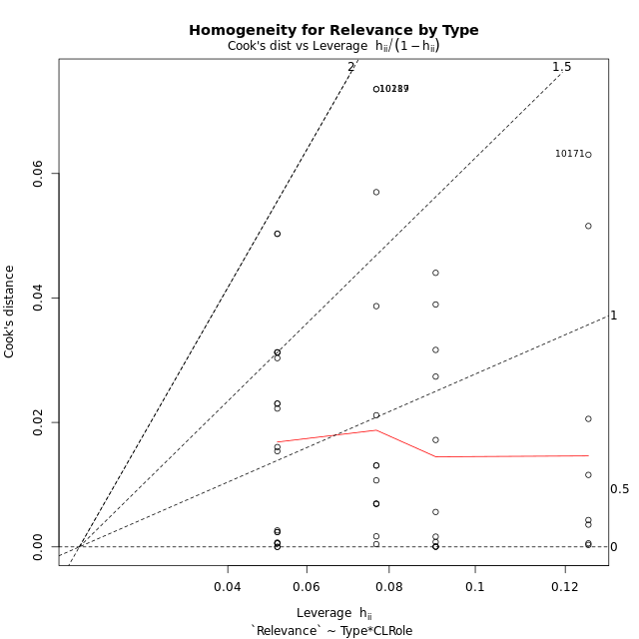

Minimum Sample Size Test for Relevance by Type
Type | CLRole | Freq
non-gamified | Apprentice | 19
ont-gamified | Apprentice | 13
non-gamified | Master | 11
ont-gamified | Master | 8

Errors and Warnings in Sample Size Test for ANOVA in Relevance by Type
code | description
WARN: sample.size | current size is 13 and recommended size is 15 for the group: 'ont-gamified:Apprentice'.
WARN: sample.size | current size is 11 and recommended size is 15 for the group: 'non-gamified:Master'.
WARN: sample.size | current size is 8 and recommended size is 15 for the group: 'ont-gamified:Master'.

For the group: 'non-gamified:Apprentice', you can perform a parametric test without having a normal distribution For the group: 'ont-gamified:Apprentice', we recommend the use of non-parametric test. For the group: 'non-gamified:Master', we recommend the use of non-parametric test. For the group: 'ont-gamified:Master', we recommend the use of non-parametric test.

If you don't want to remove non-normal data, you must cite the following references: ... (1) Lix, L.M., J.C. Keselman, and H.J. Keselman. 1996. Consequences of assumption violations revisited: A quantitative review of alternatives to the one-way analysis of variance F test. Rev. Educ. Res. 66: 579-619. ... (2) Harwell, M.R., E.N. Rubinstein, W.S. Hayes, and C.C. Olds. 1992. Summarizing Monte Carlo results in methodological research: the one- and two-factor fixed effects ANOVA cases. J. Educ. Stat. 17: 315-339.

Post-hoc
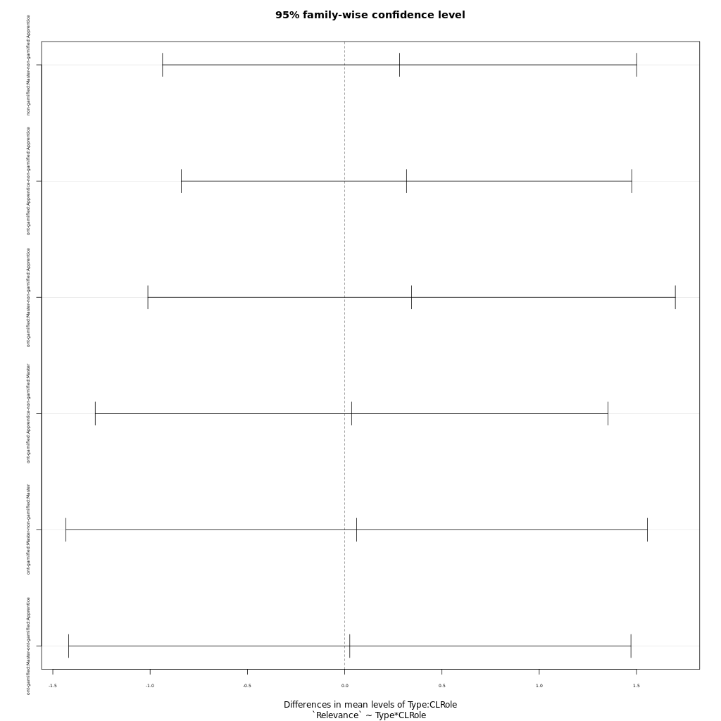
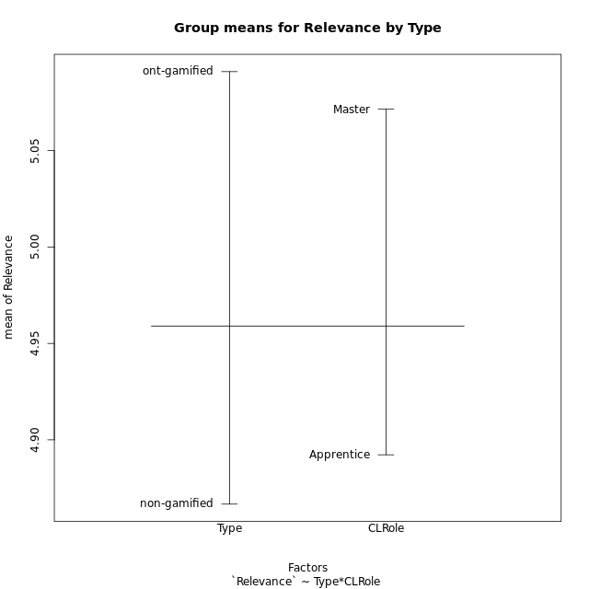
Post-hoc Tukey Honestly Significant Difference (HSD) Test for Relevance by Type

Comparisons of means for Type
 | diff | lwr | upr | p adj
ont-gamified-non-gamified | 0.22427619048 | -0.46686167014 | 0.9154140511 | 0.51705586457

Comparisons of means for CLRole
 | diff | lwr | upr | p adj
Master-Apprentice | 0.17587650376 | -0.527654384 | 0.87940739152 | 0.61737105273

Comparisons of means for Type:CLRole
 | diff | lwr | upr | p adj
non-gamified:Master-non-gamified:Apprentice | 0.28229665072 | -0.93613182157 | 1.500725123 | 0.92612586811
ont-gamified:Apprentice-non-gamified:Apprentice | 0.3177805668 | -0.83976758872 | 1.4753287223 | 0.88408364241
ont-gamified:Master-non-gamified:Apprentice | 0.34404210526 | -1.0113740037 | 1.6994582142 | 0.90564750632
ont-gamified:Apprentice-non-gamified:Master | 0.035483916084 | -1.2820146672 | 1.3529824993 | 0.99986560116
ont-gamified:Master-non-gamified:Master | 0.061745454545 | -1.4325897197 | 1.5560806288 | 0.99951603212
ont-gamified:Master-ont-gamified:Apprentice | 0.026261538462 | -1.4188638551 | 1.471386932 | 0.99995866855

Contrast Matrices for Relevance by Type - Type
contrast | estimate | SE | df | t.ratio | p.value
non-gamified - ont-gamified | -0.18976301067 | 0.35485354866 | 47 | -0.53476430316 | 0.59533386286

Contrast Matrices for Relevance by Type - Type:CLRole
contrast | CLRole | estimate | SE | df | t.ratio | p.value
non-gamified - ont-gamified | Apprentice | -0.3177805668 | 0.43461471003 | 47 | -0.73117766028 | 0.46830044334
non-gamified - ont-gamified | Master | -0.061745454545 | 0.56106525273 | 47 | -0.11005039832 | 0.91283797675

Least Squares Means and Confidence Intervals for Type
Type | lsmean | SE | df | lower.CL | upper.CL | Pairs
non-gamified | 4.9043062201 | 0.22873646105 | 47 | 4.4441478144 | 5.3644646258 | non-gamified
ont-gamified | 5.0940692308 | 0.27129443854 | 47 | 4.5482952176 | 5.6398432439 | ont-gamified

Least Squares Means and Confidence Intervals for Type:CLRole
Type | CLRole | lsmean | SE | df | lower.CL | upper.CL | Pairs
non-gamified | Apprentice | 4.7631578947 | 0.27701361091 | 47 | 4.2058783908 | 5.3204373987 | non-gamified.Apprentice
ont-gamified | Apprentice | 5.0809384615 | 0.33489312555 | 47 | 4.4072203931 | 5.75465653 | ont-gamified.Apprentice
non-gamified | Master | 5.0454545455 | 0.36406721058 | 47 | 4.3130457882 | 5.7778633027 | non-gamified.Master
ont-gamified | Master | 5.1072 | 0.42690664553 | 47 | 4.2483746056 | 5.9660253944 | ont-gamified.Master

Plots

Type_1
Student's t-Test for Relevance by Type in Type between non-gamified:ont-gamified

Student's t-Test results
Alternative hypothesis: less
Group | N | Mean | Mean.Difference | Std.deviation | Std.error | CI.lower | CI.upper | df | t.value | p.value | g | magnitude
non-gamified | 30 | 4.8666666667 | -0.22427619048 | 1.2121919756 | 0.22131496302 | 4.4240367406 | 5.3092965927 | 44.591321289 | -0.67013058393 | 0.25311518207 | -0.18597649302 | negligible
ont-gamified | 21 | 5.0909428571 | 0.22427619048 | 1.1504663731 | 0.25105234472 | 4.5888381677 | 5.5930475466 | 44.591321289 | -0.67013058393 | 0.25311518207 | -0.18597649302 | negligible
Alternative hypothesis: greater
Group | N | Mean | Mean.Difference | Std.deviation | Std.error | CI.lower | CI.upper | df | t.value | p.value | g | magnitude
non-gamified | 30 | 4.8666666667 | -0.22427619048 | 1.2121919756 | 0.22131496302 | 4.4240367406 | 5.3092965927 | 44.591321289 | -0.67013058393 | 0.74688481793 | -0.18597649302 | negligible
ont-gamified | 21 | 5.0909428571 | 0.22427619048 | 1.1504663731 | 0.25105234472 | 4.5888381677 | 5.5930475466 | 44.591321289 | -0.67013058393 | 0.74688481793 | -0.18597649302 | negligible
Alternative hypothesis: two.sided
Group | N | Mean | Mean.Difference | Std.deviation | Std.error | CI.lower | CI.upper | df | t.value | p.value | g | magnitude
non-gamified | 30 | 4.8666666667 | -0.22427619048 | 1.2121919756 | 0.22131496302 | 4.4240367406 | 5.3092965927 | 44.591321289 | -0.67013058393 | 0.50623036414 | -0.18597649302 | negligible
ont-gamified | 21 | 5.0909428571 | 0.22427619048 | 1.1504663731 | 0.25105234472 | 4.5888381677 | 5.5930475466 | 44.591321289 | -0.67013058393 | 0.50623036414 | -0.18597649302 | negligible

Box plots for Student's t-Test
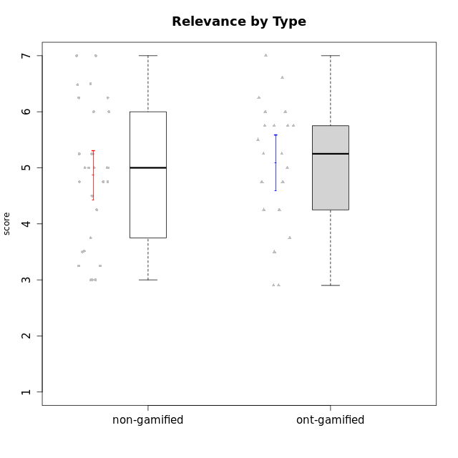

Student's t-Test data
UserID | NroUSP | Type | CLGroup | CLRole | PlayerRole | Attention | Relevance | Satisfaction | Level of Motivation
10170 | 10260351 | non-gamified | Grupo Team 6 | Apprentice |  | 4.6666666667 | 5 | 4 | 4.6153846154
10171 | 698531 | ont-gamified | Grupo Losvakai | Master | Yee Achiever | 4.8333333333 | 6.6076 | 5.3333333333 | 5.5384615385
10172 | 10273971 | ont-gamified | Grupo Koil | Master | Yee Achiever | 4.8333333333 | 5.5 | 3.6666666667 | 4.7692307692
10174 | 10276852 | non-gamified | Grupo Team 1 | Apprentice |  | 3.1666666667 | 3 | 4 | 3.3076923077
10175 | 10310700 | non-gamified | Grupo Team 6 | Master |  | 5.8333333333 | 6.4826 | 5.3333333333 | 6.0769230769
10176 | 10276949 | non-gamified | Grupo Team 9 | Apprentice |  | 3 | 3 | 3.3333333333 | 3.0769230769
10178 | 8656201 | non-gamified | Grupo Team 11 | Apprentice |  | 4.8333333333 | 4.75 | 4.3333333333 | 4.6923076923
10179 | 10310759 | ont-gamified | Grupo Tosskor | Apprentice | Yee Achiever | 4.1666666667 | 5.25 | 4.3333333333 | 4.5384615385
10181 | 10276866 | non-gamified | Grupo Team 7 | Apprentice |  | 4.1666666667 | 4.25 | 3.6666666667 | 4.0769230769
10183 | 10352030 | non-gamified | Grupo Belos | Apprentice | Yee Socializer | 3.1666666667 | 3.5 | 4 | 3.4615384615
10184 | 10276675 | non-gamified | Grupo Team 7 | Master |  | 5.5 | 6 | 5.3333333333 | 5.6153846154
10185 | 10276960 | ont-gamified | Grupo Tosskor | Master | Yee Achiever | 4.1666666667 | 4.75 | 4 | 4.3076923077
10186 | 10310551 | non-gamified | Grupo Team 5 | Apprentice |  | 3.3333333333 | 5 | 5.6666666667 | 4.3846153846
10187 | 9790781 | ont-gamified | Grupo Razorg | Apprentice | Yee Achiever | 4.5 | 2.9011 | 4.6666666667 | 4
10188 | 10276995 | ont-gamified | Grupo Paldira | Master | Yee Achiever | 4.1666666667 | 5.25 | 4.6666666667 | 4.6153846154
10189 | 9363926 | non-gamified | Grupo Team 2 | Apprentice |  | 1.6956666667 | 3 | 1.3681333333 | 2.2177384615
10190 | 10276907 | non-gamified | Grupo Team 8 | Apprentice |  | 2.1666666667 | 4.75 | 6 | 3.8461538462
10191 | 10276981 | ont-gamified | Grupo Yeka | Apprentice | Yee Socializer | 5.7326 | 5.75 | 5.6492666667 | 5.9230769231
10192 | 10276682 | ont-gamified | Grupo Yeka | Apprentice | Yee Socializer | 5.7326 | 5.75 | 5.6492666667 | 6.3846153846
10193 | 10276762 | non-gamified | Grupo Team 2 | Master |  | 3.6666666667 | 4.5 | 2.6666666667 | 3.6923076923
10196 | 10310655 | non-gamified | Grupo Team 5 | Apprentice |  | 3.6666666667 | 3.25 | 4.3333333333 | 3.6923076923
10197 | 10276661 | non-gamified | Grupo Team 11 | Master |  | 4.3333333333 | 5 | 4.3333333333 | 4.5384615385
10198 | 10310888 | non-gamified | Grupo Team 1 | Apprentice |  | 6.6376666667 | 6.25 | 6 | 6.5384615385
10200 | 9795272 | non-gamified | Grupo Team 4 | Apprentice |  | 4.5 | 4.5 | 5.3333333333 | 4.6923076923
10201 | 10276928 | non-gamified | Grupo Team 10 | Master |  | 4.6666666667 | 5.25 | 6 | 5.1538461538
10202 | 10277036 | ont-gamified | Grupo Paldira | Apprentice | Yee Achiever | 4 | 3.5 | 4 | 3.8461538462
10203 | 9921470 | ont-gamified | Grupo Paldira | Apprentice | Yee Achiever | 5.7326 | 7 | 5.6492666667 | 6.5143692308
10204 | 10310471 | non-gamified | Grupo Team 5 | Master |  | 6.6376666667 | 6.25 | 6.3333333333 | 6.5384615385
10206 | 10310721 | non-gamified | Grupo Team 9 | Master |  | 3.8333333333 | 4.75 | 4.6666666667 | 4.3076923077
10208 | 10276932 | ont-gamified | Grupo Yeka | Master | Yee Socializer | 3.8333333333 | 3.75 | 3.6666666667 | 3.7692307692
10209 | 10262669 | non-gamified | Grupo Team 1 | Master |  | 1.6956666667 | 3.75 | 2.6666666667 | 2.4615384615
10210 | 10277015 | ont-gamified | Grupo Losvakai | Apprentice | Yee Achiever | 3.1666666667 | 4.75 | 3.6666666667 | 3.7692307692
10211 | 9311643 | ont-gamified | Grupo Razorg | Master | Yee Achiever | 2.7674 | 4.25 | 2.6840666667 | 3.1314461538
10213 | 10277040 | non-gamified | Grupo Team 8 | Master |  | 4.5 | 5 | 5.6666666667 | 4.9230769231
10214 | 10277022 | ont-gamified | Grupo Koil | Apprentice | Yee Achiever | 4.5 | 5.75 | 3.6666666667 | 4.6923076923
10215 | 9285227 | non-gamified | Grupo Team 7 | Apprentice |  | 4.5 | 7 | 4.3333333333 | 5.2307692308
10216 | 10276720 | ont-gamified | Grupo Ellaru | Master | Yee Socializer | 3.8333333333 | 5 | 4.6666666667 | 4.3846153846
10217 | 9805341 | ont-gamified | Grupo Belos | Master | Yee Socializer | 4.8333333333 | 5.75 | 5 | 5.1538461538
10218 | 9842913 | non-gamified | Grupo Team 10 | Apprentice |  | 3.1666666667 | 5.25 | 5 | 4.2307692308
10219 | 10276831 | ont-gamified | Grupo Razorg | Apprentice | Yee Achiever | 2.7674 | 2.9011 | 3.3333333333 | 2.8461538462
10220 | 9760151 | non-gamified | Grupo Team 4 | Apprentice |  | 1.6956666667 | 7 | 6 | 4.2307692308
10223 | 9795185 | non-gamified | Grupo Team 3 | Master |  | 2 | 3.5174 | 2.3333333333 | 2.3076923077
10224 | 9368772 | non-gamified | Grupo Team 9 | Apprentice |  | 5.3333333333 | 6 | 5.6666666667 | 5.6153846154
10226 | 10310342 | ont-gamified | Grupo Yeka | Apprentice | Yee Socializer | 5 | 6.25 | 5.6492666667 | 5.5384615385
10230 | 10351992 | ont-gamified | Grupo Koil | Apprentice | Yee Achiever | 5.7326 | 6 | 5.3333333333 | 5.9230769231
10231 | 10276911 | non-gamified | Grupo Team 4 | Master |  | 2.5 | 5 | 4.6666666667 | 3.7692307692
10232 | 10276974 | non-gamified | Grupo Team 3 | Apprentice |  | 5.1666666667 | 6.5 | 5.6666666667 | 5.6923076923
10234 | 10310676 | non-gamified | Grupo Team 6 | Apprentice |  | 4.6666666667 | 5.25 | 4 | 4.6923076923
10237 | 10377688 | ont-gamified | Grupo Ellaru | Apprentice | Yee Socializer | 3.8333333333 | 6 | 3.6666666667 | 4.4615384615
10238 | 10276953 | ont-gamified | Grupo Belos | Apprentice | Yee Socializer | 4.5 | 4.25 | 4.6666666667 | 4.4615384615
10240 | 10276654 | non-gamified | Grupo Team 8 | Apprentice |  | 2 | 3.25 | 1.6666666667 | 2.3076923077

Type_CLRole_1
Student's t-Test for Relevance by Type in Type:CLRole between non-gamified.Apprentice:non-gamified.Master

Student's t-Test results
Alternative hypothesis: less
Group | N | Mean | Mean.Difference | Std.deviation | Std.error | CI.lower | CI.upper | df | t.value | p.value | g | magnitude
non-gamified.Apprentice | 19 | 4.7631578947 | -0.28229665072 | 1.3577802663 | 0.31149615622 | 4.1401655823 | 5.3861502072 | 26.901649944 | -0.669675872 | 0.25438604017 | -0.22411081577 | small
non-gamified.Master | 11 | 5.0454545455 | 0.28229665072 | 0.94199141436 | 0.28402109792 | 4.4774123496 | 5.6134967413 | 26.901649944 | -0.669675872 | 0.25438604017 | -0.22411081577 | small
Alternative hypothesis: greater
Group | N | Mean | Mean.Difference | Std.deviation | Std.error | CI.lower | CI.upper | df | t.value | p.value | g | magnitude
non-gamified.Apprentice | 19 | 4.7631578947 | -0.28229665072 | 1.3577802663 | 0.31149615622 | 4.1401655823 | 5.3861502072 | 26.901649944 | -0.669675872 | 0.74561395983 | -0.22411081577 | small
non-gamified.Master | 11 | 5.0454545455 | 0.28229665072 | 0.94199141436 | 0.28402109792 | 4.4774123496 | 5.6134967413 | 26.901649944 | -0.669675872 | 0.74561395983 | -0.22411081577 | small
Alternative hypothesis: two.sided
Group | N | Mean | Mean.Difference | Std.deviation | Std.error | CI.lower | CI.upper | df | t.value | p.value | g | magnitude
non-gamified.Apprentice | 19 | 4.7631578947 | -0.28229665072 | 1.3577802663 | 0.31149615622 | 4.1401655823 | 5.3861502072 | 26.901649944 | -0.669675872 | 0.50877208035 | -0.22411081577 | small
non-gamified.Master | 11 | 5.0454545455 | 0.28229665072 | 0.94199141436 | 0.28402109792 | 4.4774123496 | 5.6134967413 | 26.901649944 | -0.669675872 | 0.50877208035 | -0.22411081577 | small

Box plots for Student's t-Test
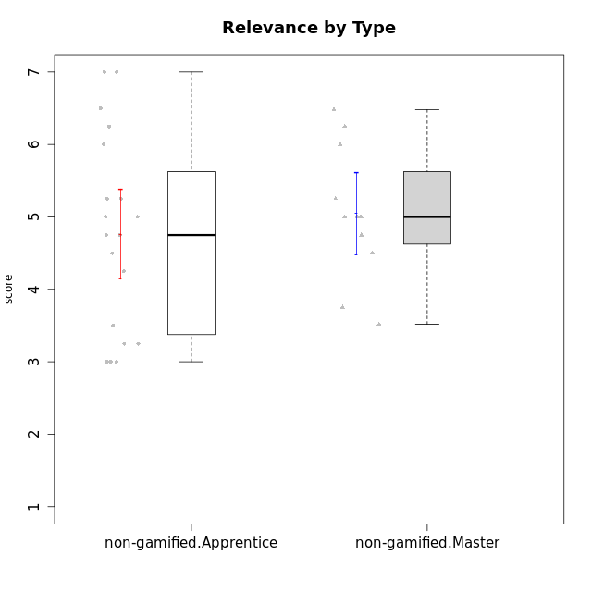

Student's t-Test data
UserID | NroUSP | Type | CLGroup | CLRole | PlayerRole | Attention | Relevance | Satisfaction | Level of Motivation
10170 | 10260351 | non-gamified | Grupo Team 6 | Apprentice |  | 4.6666666667 | 5 | 4 | 4.6153846154
10174 | 10276852 | non-gamified | Grupo Team 1 | Apprentice |  | 3.1666666667 | 3 | 4 | 3.3076923077
10175 | 10310700 | non-gamified | Grupo Team 6 | Master |  | 5.8333333333 | 6.4826 | 5.3333333333 | 6.0769230769
10176 | 10276949 | non-gamified | Grupo Team 9 | Apprentice |  | 3 | 3 | 3.3333333333 | 3.0769230769
10178 | 8656201 | non-gamified | Grupo Team 11 | Apprentice |  | 4.8333333333 | 4.75 | 4.3333333333 | 4.6923076923
10181 | 10276866 | non-gamified | Grupo Team 7 | Apprentice |  | 4.1666666667 | 4.25 | 3.6666666667 | 4.0769230769
10183 | 10352030 | non-gamified | Grupo Belos | Apprentice | Yee Socializer | 3.1666666667 | 3.5 | 4 | 3.4615384615
10184 | 10276675 | non-gamified | Grupo Team 7 | Master |  | 5.5 | 6 | 5.3333333333 | 5.6153846154
10186 | 10310551 | non-gamified | Grupo Team 5 | Apprentice |  | 3.3333333333 | 5 | 5.6666666667 | 4.3846153846
10189 | 9363926 | non-gamified | Grupo Team 2 | Apprentice |  | 1.6956666667 | 3 | 1.3681333333 | 2.2177384615
10190 | 10276907 | non-gamified | Grupo Team 8 | Apprentice |  | 2.1666666667 | 4.75 | 6 | 3.8461538462
10193 | 10276762 | non-gamified | Grupo Team 2 | Master |  | 3.6666666667 | 4.5 | 2.6666666667 | 3.6923076923
10196 | 10310655 | non-gamified | Grupo Team 5 | Apprentice |  | 3.6666666667 | 3.25 | 4.3333333333 | 3.6923076923
10197 | 10276661 | non-gamified | Grupo Team 11 | Master |  | 4.3333333333 | 5 | 4.3333333333 | 4.5384615385
10198 | 10310888 | non-gamified | Grupo Team 1 | Apprentice |  | 6.6376666667 | 6.25 | 6 | 6.5384615385
10200 | 9795272 | non-gamified | Grupo Team 4 | Apprentice |  | 4.5 | 4.5 | 5.3333333333 | 4.6923076923
10201 | 10276928 | non-gamified | Grupo Team 10 | Master |  | 4.6666666667 | 5.25 | 6 | 5.1538461538
10204 | 10310471 | non-gamified | Grupo Team 5 | Master |  | 6.6376666667 | 6.25 | 6.3333333333 | 6.5384615385
10206 | 10310721 | non-gamified | Grupo Team 9 | Master |  | 3.8333333333 | 4.75 | 4.6666666667 | 4.3076923077
10209 | 10262669 | non-gamified | Grupo Team 1 | Master |  | 1.6956666667 | 3.75 | 2.6666666667 | 2.4615384615
10213 | 10277040 | non-gamified | Grupo Team 8 | Master |  | 4.5 | 5 | 5.6666666667 | 4.9230769231
10215 | 9285227 | non-gamified | Grupo Team 7 | Apprentice |  | 4.5 | 7 | 4.3333333333 | 5.2307692308
10218 | 9842913 | non-gamified | Grupo Team 10 | Apprentice |  | 3.1666666667 | 5.25 | 5 | 4.2307692308
10220 | 9760151 | non-gamified | Grupo Team 4 | Apprentice |  | 1.6956666667 | 7 | 6 | 4.2307692308
10223 | 9795185 | non-gamified | Grupo Team 3 | Master |  | 2 | 3.5174 | 2.3333333333 | 2.3076923077
10224 | 9368772 | non-gamified | Grupo Team 9 | Apprentice |  | 5.3333333333 | 6 | 5.6666666667 | 5.6153846154
10231 | 10276911 | non-gamified | Grupo Team 4 | Master |  | 2.5 | 5 | 4.6666666667 | 3.7692307692
10232 | 10276974 | non-gamified | Grupo Team 3 | Apprentice |  | 5.1666666667 | 6.5 | 5.6666666667 | 5.6923076923
10234 | 10310676 | non-gamified | Grupo Team 6 | Apprentice |  | 4.6666666667 | 5.25 | 4 | 4.6923076923
10240 | 10276654 | non-gamified | Grupo Team 8 | Apprentice |  | 2 | 3.25 | 1.6666666667 | 2.3076923077

Type_CLRole_2
Student's t-Test for Relevance by Type in Type:CLRole between non-gamified.Apprentice:ont-gamified.Apprentice

Student's t-Test results
Alternative hypothesis: less
Group | N | Mean | Mean.Difference | Std.deviation | Std.error | CI.lower | CI.upper | df | t.value | p.value | g | magnitude
non-gamified.Apprentice | 19 | 4.7631578947 | -0.3177805668 | 1.3577802663 | 0.31149615622 | 4.1401655823 | 5.3861502072 | 26.4276086 | -0.66105632859 | 0.25714918047 | -0.23068064518 | small
ont-gamified.Apprentice | 13 | 5.0809384615 | 0.3177805668 | 1.3201356929 | 0.36613976394 | 4.3486589337 | 5.8132179894 | 26.4276086 | -0.66105632859 | 0.25714918047 | -0.23068064518 | small
Alternative hypothesis: greater
Group | N | Mean | Mean.Difference | Std.deviation | Std.error | CI.lower | CI.upper | df | t.value | p.value | g | magnitude
non-gamified.Apprentice | 19 | 4.7631578947 | -0.3177805668 | 1.3577802663 | 0.31149615622 | 4.1401655823 | 5.3861502072 | 26.4276086 | -0.66105632859 | 0.74285081953 | -0.23068064518 | small
ont-gamified.Apprentice | 13 | 5.0809384615 | 0.3177805668 | 1.3201356929 | 0.36613976394 | 4.3486589337 | 5.8132179894 | 26.4276086 | -0.66105632859 | 0.74285081953 | -0.23068064518 | small
Alternative hypothesis: two.sided
Group | N | Mean | Mean.Difference | Std.deviation | Std.error | CI.lower | CI.upper | df | t.value | p.value | g | magnitude
non-gamified.Apprentice | 19 | 4.7631578947 | -0.3177805668 | 1.3577802663 | 0.31149615622 | 4.1401655823 | 5.3861502072 | 26.4276086 | -0.66105632859 | 0.51429836094 | -0.23068064518 | small
ont-gamified.Apprentice | 13 | 5.0809384615 | 0.3177805668 | 1.3201356929 | 0.36613976394 | 4.3486589337 | 5.8132179894 | 26.4276086 | -0.66105632859 | 0.51429836094 | -0.23068064518 | small

Box plots for Student's t-Test
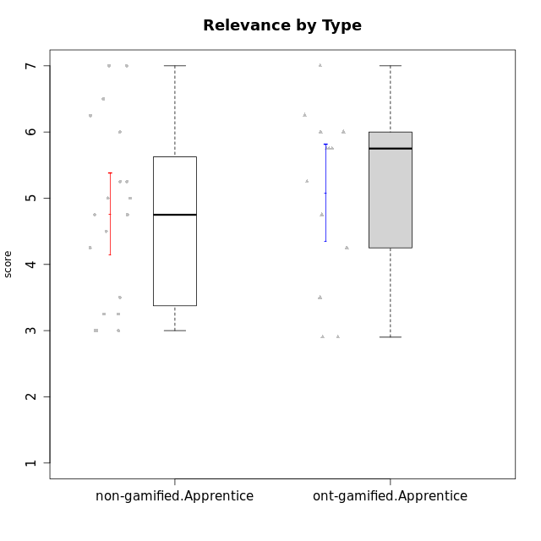

Student's t-Test data
UserID | NroUSP | Type | CLGroup | CLRole | PlayerRole | Attention | Relevance | Satisfaction | Level of Motivation
10170 | 10260351 | non-gamified | Grupo Team 6 | Apprentice |  | 4.6666666667 | 5 | 4 | 4.6153846154
10174 | 10276852 | non-gamified | Grupo Team 1 | Apprentice |  | 3.1666666667 | 3 | 4 | 3.3076923077
10176 | 10276949 | non-gamified | Grupo Team 9 | Apprentice |  | 3 | 3 | 3.3333333333 | 3.0769230769
10178 | 8656201 | non-gamified | Grupo Team 11 | Apprentice |  | 4.8333333333 | 4.75 | 4.3333333333 | 4.6923076923
10179 | 10310759 | ont-gamified | Grupo Tosskor | Apprentice | Yee Achiever | 4.1666666667 | 5.25 | 4.3333333333 | 4.5384615385
10181 | 10276866 | non-gamified | Grupo Team 7 | Apprentice |  | 4.1666666667 | 4.25 | 3.6666666667 | 4.0769230769
10183 | 10352030 | non-gamified | Grupo Belos | Apprentice | Yee Socializer | 3.1666666667 | 3.5 | 4 | 3.4615384615
10186 | 10310551 | non-gamified | Grupo Team 5 | Apprentice |  | 3.3333333333 | 5 | 5.6666666667 | 4.3846153846
10187 | 9790781 | ont-gamified | Grupo Razorg | Apprentice | Yee Achiever | 4.5 | 2.9011 | 4.6666666667 | 4
10189 | 9363926 | non-gamified | Grupo Team 2 | Apprentice |  | 1.6956666667 | 3 | 1.3681333333 | 2.2177384615
10190 | 10276907 | non-gamified | Grupo Team 8 | Apprentice |  | 2.1666666667 | 4.75 | 6 | 3.8461538462
10191 | 10276981 | ont-gamified | Grupo Yeka | Apprentice | Yee Socializer | 5.7326 | 5.75 | 5.6492666667 | 5.9230769231
10192 | 10276682 | ont-gamified | Grupo Yeka | Apprentice | Yee Socializer | 5.7326 | 5.75 | 5.6492666667 | 6.3846153846
10196 | 10310655 | non-gamified | Grupo Team 5 | Apprentice |  | 3.6666666667 | 3.25 | 4.3333333333 | 3.6923076923
10198 | 10310888 | non-gamified | Grupo Team 1 | Apprentice |  | 6.6376666667 | 6.25 | 6 | 6.5384615385
10200 | 9795272 | non-gamified | Grupo Team 4 | Apprentice |  | 4.5 | 4.5 | 5.3333333333 | 4.6923076923
10202 | 10277036 | ont-gamified | Grupo Paldira | Apprentice | Yee Achiever | 4 | 3.5 | 4 | 3.8461538462
10203 | 9921470 | ont-gamified | Grupo Paldira | Apprentice | Yee Achiever | 5.7326 | 7 | 5.6492666667 | 6.5143692308
10210 | 10277015 | ont-gamified | Grupo Losvakai | Apprentice | Yee Achiever | 3.1666666667 | 4.75 | 3.6666666667 | 3.7692307692
10214 | 10277022 | ont-gamified | Grupo Koil | Apprentice | Yee Achiever | 4.5 | 5.75 | 3.6666666667 | 4.6923076923
10215 | 9285227 | non-gamified | Grupo Team 7 | Apprentice |  | 4.5 | 7 | 4.3333333333 | 5.2307692308
10218 | 9842913 | non-gamified | Grupo Team 10 | Apprentice |  | 3.1666666667 | 5.25 | 5 | 4.2307692308
10219 | 10276831 | ont-gamified | Grupo Razorg | Apprentice | Yee Achiever | 2.7674 | 2.9011 | 3.3333333333 | 2.8461538462
10220 | 9760151 | non-gamified | Grupo Team 4 | Apprentice |  | 1.6956666667 | 7 | 6 | 4.2307692308
10224 | 9368772 | non-gamified | Grupo Team 9 | Apprentice |  | 5.3333333333 | 6 | 5.6666666667 | 5.6153846154
10226 | 10310342 | ont-gamified | Grupo Yeka | Apprentice | Yee Socializer | 5 | 6.25 | 5.6492666667 | 5.5384615385
10230 | 10351992 | ont-gamified | Grupo Koil | Apprentice | Yee Achiever | 5.7326 | 6 | 5.3333333333 | 5.9230769231
10232 | 10276974 | non-gamified | Grupo Team 3 | Apprentice |  | 5.1666666667 | 6.5 | 5.6666666667 | 5.6923076923
10234 | 10310676 | non-gamified | Grupo Team 6 | Apprentice |  | 4.6666666667 | 5.25 | 4 | 4.6923076923
10237 | 10377688 | ont-gamified | Grupo Ellaru | Apprentice | Yee Socializer | 3.8333333333 | 6 | 3.6666666667 | 4.4615384615
10238 | 10276953 | ont-gamified | Grupo Belos | Apprentice | Yee Socializer | 4.5 | 4.25 | 4.6666666667 | 4.4615384615
10240 | 10276654 | non-gamified | Grupo Team 8 | Apprentice |  | 2 | 3.25 | 1.6666666667 | 2.3076923077

Type_CLRole_3
Student's t-Test for Relevance by Type in Type:CLRole between non-gamified.Apprentice:ont-gamified.Master

Student's t-Test results
Alternative hypothesis: less
Group | N | Mean | Mean.Difference | Std.deviation | Std.error | CI.lower | CI.upper | df | t.value | p.value | g | magnitude
non-gamified.Apprentice | 19 | 4.7631578947 | -0.34404210526 | 1.3577802663 | 0.31149615622 | 4.1401655823 | 5.3861502072 | 19.963686335 | -0.77666571195 | 0.2232306758 | -0.26800480202 | small
ont-gamified.Master | 8 | 5.1072 | 0.34404210526 | 0.89082169452 | 0.31495303051 | 4.477293939 | 5.737106061 | 19.963686335 | -0.77666571195 | 0.2232306758 | -0.26800480202 | small
Alternative hypothesis: greater
Group | N | Mean | Mean.Difference | Std.deviation | Std.error | CI.lower | CI.upper | df | t.value | p.value | g | magnitude
non-gamified.Apprentice | 19 | 4.7631578947 | -0.34404210526 | 1.3577802663 | 0.31149615622 | 4.1401655823 | 5.3861502072 | 19.963686335 | -0.77666571195 | 0.7767693242 | -0.26800480202 | small
ont-gamified.Master | 8 | 5.1072 | 0.34404210526 | 0.89082169452 | 0.31495303051 | 4.477293939 | 5.737106061 | 19.963686335 | -0.77666571195 | 0.7767693242 | -0.26800480202 | small
Alternative hypothesis: two.sided
Group | N | Mean | Mean.Difference | Std.deviation | Std.error | CI.lower | CI.upper | df | t.value | p.value | g | magnitude
non-gamified.Apprentice | 19 | 4.7631578947 | -0.34404210526 | 1.3577802663 | 0.31149615622 | 4.1401655823 | 5.3861502072 | 19.963686335 | -0.77666571195 | 0.4464613516 | -0.26800480202 | small
ont-gamified.Master | 8 | 5.1072 | 0.34404210526 | 0.89082169452 | 0.31495303051 | 4.477293939 | 5.737106061 | 19.963686335 | -0.77666571195 | 0.4464613516 | -0.26800480202 | small

Box plots for Student's t-Test
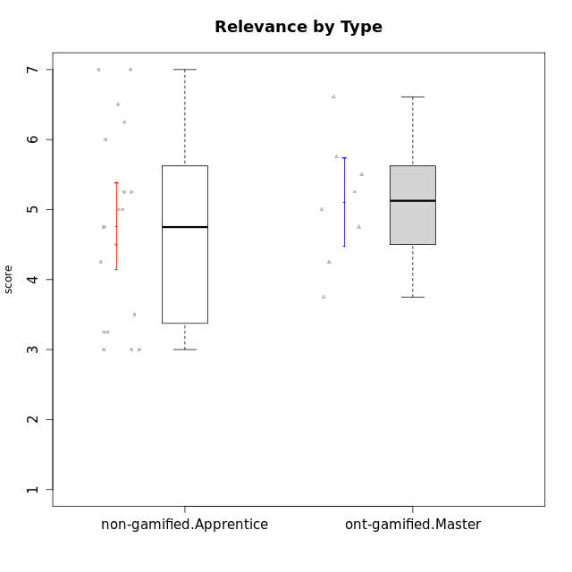

Student's t-Test data
UserID | NroUSP | Type | CLGroup | CLRole | PlayerRole | Attention | Relevance | Satisfaction | Level of Motivation
10170 | 10260351 | non-gamified | Grupo Team 6 | Apprentice |  | 4.6666666667 | 5 | 4 | 4.6153846154
10171 | 698531 | ont-gamified | Grupo Losvakai | Master | Yee Achiever | 4.8333333333 | 6.6076 | 5.3333333333 | 5.5384615385
10172 | 10273971 | ont-gamified | Grupo Koil | Master | Yee Achiever | 4.8333333333 | 5.5 | 3.6666666667 | 4.7692307692
10174 | 10276852 | non-gamified | Grupo Team 1 | Apprentice |  | 3.1666666667 | 3 | 4 | 3.3076923077
10176 | 10276949 | non-gamified | Grupo Team 9 | Apprentice |  | 3 | 3 | 3.3333333333 | 3.0769230769
10178 | 8656201 | non-gamified | Grupo Team 11 | Apprentice |  | 4.8333333333 | 4.75 | 4.3333333333 | 4.6923076923
10181 | 10276866 | non-gamified | Grupo Team 7 | Apprentice |  | 4.1666666667 | 4.25 | 3.6666666667 | 4.0769230769
10183 | 10352030 | non-gamified | Grupo Belos | Apprentice | Yee Socializer | 3.1666666667 | 3.5 | 4 | 3.4615384615
10185 | 10276960 | ont-gamified | Grupo Tosskor | Master | Yee Achiever | 4.1666666667 | 4.75 | 4 | 4.3076923077
10186 | 10310551 | non-gamified | Grupo Team 5 | Apprentice |  | 3.3333333333 | 5 | 5.6666666667 | 4.3846153846
10188 | 10276995 | ont-gamified | Grupo Paldira | Master | Yee Achiever | 4.1666666667 | 5.25 | 4.6666666667 | 4.6153846154
10189 | 9363926 | non-gamified | Grupo Team 2 | Apprentice |  | 1.6956666667 | 3 | 1.3681333333 | 2.2177384615
10190 | 10276907 | non-gamified | Grupo Team 8 | Apprentice |  | 2.1666666667 | 4.75 | 6 | 3.8461538462
10196 | 10310655 | non-gamified | Grupo Team 5 | Apprentice |  | 3.6666666667 | 3.25 | 4.3333333333 | 3.6923076923
10198 | 10310888 | non-gamified | Grupo Team 1 | Apprentice |  | 6.6376666667 | 6.25 | 6 | 6.5384615385
10200 | 9795272 | non-gamified | Grupo Team 4 | Apprentice |  | 4.5 | 4.5 | 5.3333333333 | 4.6923076923
10208 | 10276932 | ont-gamified | Grupo Yeka | Master | Yee Socializer | 3.8333333333 | 3.75 | 3.6666666667 | 3.7692307692
10211 | 9311643 | ont-gamified | Grupo Razorg | Master | Yee Achiever | 2.7674 | 4.25 | 2.6840666667 | 3.1314461538
10215 | 9285227 | non-gamified | Grupo Team 7 | Apprentice |  | 4.5 | 7 | 4.3333333333 | 5.2307692308
10216 | 10276720 | ont-gamified | Grupo Ellaru | Master | Yee Socializer | 3.8333333333 | 5 | 4.6666666667 | 4.3846153846
10217 | 9805341 | ont-gamified | Grupo Belos | Master | Yee Socializer | 4.8333333333 | 5.75 | 5 | 5.1538461538
10218 | 9842913 | non-gamified | Grupo Team 10 | Apprentice |  | 3.1666666667 | 5.25 | 5 | 4.2307692308
10220 | 9760151 | non-gamified | Grupo Team 4 | Apprentice |  | 1.6956666667 | 7 | 6 | 4.2307692308
10224 | 9368772 | non-gamified | Grupo Team 9 | Apprentice |  | 5.3333333333 | 6 | 5.6666666667 | 5.6153846154
10232 | 10276974 | non-gamified | Grupo Team 3 | Apprentice |  | 5.1666666667 | 6.5 | 5.6666666667 | 5.6923076923
10234 | 10310676 | non-gamified | Grupo Team 6 | Apprentice |  | 4.6666666667 | 5.25 | 4 | 4.6923076923
10240 | 10276654 | non-gamified | Grupo Team 8 | Apprentice |  | 2 | 3.25 | 1.6666666667 | 2.3076923077

Type_CLRole_4
Student's t-Test for Relevance by Type in Type:CLRole between non-gamified.Master:ont-gamified.Apprentice

Student's t-Test results
Alternative hypothesis: less
Group | N | Mean | Mean.Difference | Std.deviation | Std.error | CI.lower | CI.upper | df | t.value | p.value | g | magnitude
non-gamified.Master | 11 | 5.0454545455 | -0.035483916084 | 0.94199141436 | 0.28402109792 | 4.4774123496 | 5.6134967413 | 21.461581723 | -0.076575336198 | 0.46983538164 | -0.029443715775 | negligible
ont-gamified.Apprentice | 13 | 5.0809384615 | 0.035483916084 | 1.3201356929 | 0.36613976394 | 4.3486589337 | 5.8132179894 | 21.461581723 | -0.076575336198 | 0.46983538164 | -0.029443715775 | negligible
Alternative hypothesis: greater
Group | N | Mean | Mean.Difference | Std.deviation | Std.error | CI.lower | CI.upper | df | t.value | p.value | g | magnitude
non-gamified.Master | 11 | 5.0454545455 | -0.035483916084 | 0.94199141436 | 0.28402109792 | 4.4774123496 | 5.6134967413 | 21.461581723 | -0.076575336198 | 0.53016461836 | -0.029443715775 | negligible
ont-gamified.Apprentice | 13 | 5.0809384615 | 0.035483916084 | 1.3201356929 | 0.36613976394 | 4.3486589337 | 5.8132179894 | 21.461581723 | -0.076575336198 | 0.53016461836 | -0.029443715775 | negligible
Alternative hypothesis: two.sided
Group | N | Mean | Mean.Difference | Std.deviation | Std.error | CI.lower | CI.upper | df | t.value | p.value | g | magnitude
non-gamified.Master | 11 | 5.0454545455 | -0.035483916084 | 0.94199141436 | 0.28402109792 | 4.4774123496 | 5.6134967413 | 21.461581723 | -0.076575336198 | 0.93967076328 | -0.029443715775 | negligible
ont-gamified.Apprentice | 13 | 5.0809384615 | 0.035483916084 | 1.3201356929 | 0.36613976394 | 4.3486589337 | 5.8132179894 | 21.461581723 | -0.076575336198 | 0.93967076328 | -0.029443715775 | negligible

Box plots for Student's t-Test


Student's t-Test data
UserID | NroUSP | Type | CLGroup | CLRole | PlayerRole | Attention | Relevance | Satisfaction | Level of Motivation
10175 | 10310700 | non-gamified | Grupo Team 6 | Master |  | 5.8333333333 | 6.4826 | 5.3333333333 | 6.0769230769
10179 | 10310759 | ont-gamified | Grupo Tosskor | Apprentice | Yee Achiever | 4.1666666667 | 5.25 | 4.3333333333 | 4.5384615385
10184 | 10276675 | non-gamified | Grupo Team 7 | Master |  | 5.5 | 6 | 5.3333333333 | 5.6153846154
10187 | 9790781 | ont-gamified | Grupo Razorg | Apprentice | Yee Achiever | 4.5 | 2.9011 | 4.6666666667 | 4
10191 | 10276981 | ont-gamified | Grupo Yeka | Apprentice | Yee Socializer | 5.7326 | 5.75 | 5.6492666667 | 5.9230769231
10192 | 10276682 | ont-gamified | Grupo Yeka | Apprentice | Yee Socializer | 5.7326 | 5.75 | 5.6492666667 | 6.3846153846
10193 | 10276762 | non-gamified | Grupo Team 2 | Master |  | 3.6666666667 | 4.5 | 2.6666666667 | 3.6923076923
10197 | 10276661 | non-gamified | Grupo Team 11 | Master |  | 4.3333333333 | 5 | 4.3333333333 | 4.5384615385
10201 | 10276928 | non-gamified | Grupo Team 10 | Master |  | 4.6666666667 | 5.25 | 6 | 5.1538461538
10202 | 10277036 | ont-gamified | Grupo Paldira | Apprentice | Yee Achiever | 4 | 3.5 | 4 | 3.8461538462
10203 | 9921470 | ont-gamified | Grupo Paldira | Apprentice | Yee Achiever | 5.7326 | 7 | 5.6492666667 | 6.5143692308
10204 | 10310471 | non-gamified | Grupo Team 5 | Master |  | 6.6376666667 | 6.25 | 6.3333333333 | 6.5384615385
10206 | 10310721 | non-gamified | Grupo Team 9 | Master |  | 3.8333333333 | 4.75 | 4.6666666667 | 4.3076923077
10209 | 10262669 | non-gamified | Grupo Team 1 | Master |  | 1.6956666667 | 3.75 | 2.6666666667 | 2.4615384615
10210 | 10277015 | ont-gamified | Grupo Losvakai | Apprentice | Yee Achiever | 3.1666666667 | 4.75 | 3.6666666667 | 3.7692307692
10213 | 10277040 | non-gamified | Grupo Team 8 | Master |  | 4.5 | 5 | 5.6666666667 | 4.9230769231
10214 | 10277022 | ont-gamified | Grupo Koil | Apprentice | Yee Achiever | 4.5 | 5.75 | 3.6666666667 | 4.6923076923
10219 | 10276831 | ont-gamified | Grupo Razorg | Apprentice | Yee Achiever | 2.7674 | 2.9011 | 3.3333333333 | 2.8461538462
10223 | 9795185 | non-gamified | Grupo Team 3 | Master |  | 2 | 3.5174 | 2.3333333333 | 2.3076923077
10226 | 10310342 | ont-gamified | Grupo Yeka | Apprentice | Yee Socializer | 5 | 6.25 | 5.6492666667 | 5.5384615385
10230 | 10351992 | ont-gamified | Grupo Koil | Apprentice | Yee Achiever | 5.7326 | 6 | 5.3333333333 | 5.9230769231
10231 | 10276911 | non-gamified | Grupo Team 4 | Master |  | 2.5 | 5 | 4.6666666667 | 3.7692307692
10237 | 10377688 | ont-gamified | Grupo Ellaru | Apprentice | Yee Socializer | 3.8333333333 | 6 | 3.6666666667 | 4.4615384615
10238 | 10276953 | ont-gamified | Grupo Belos | Apprentice | Yee Socializer | 4.5 | 4.25 | 4.6666666667 | 4.4615384615

Type_CLRole_5
Student's t-Test for Relevance by Type in Type:CLRole between non-gamified.Master:ont-gamified.Master

Student's t-Test results
Alternative hypothesis: less
Group | N | Mean | Mean.Difference | Std.deviation | Std.error | CI.lower | CI.upper | df | t.value | p.value | g | magnitude
non-gamified.Master | 11 | 5.0454545455 | -0.061745454545 | 0.94199141436 | 0.28402109792 | 4.4774123496 | 5.6134967413 | 15.731722779 | -0.14559068794 | 0.4430468128 | -0.064021407348 | negligible
ont-gamified.Master | 8 | 5.1072 | 0.061745454545 | 0.89082169452 | 0.31495303051 | 4.477293939 | 5.737106061 | 15.731722779 | -0.14559068794 | 0.4430468128 | -0.064021407348 | negligible
Alternative hypothesis: greater
Group | N | Mean | Mean.Difference | Std.deviation | Std.error | CI.lower | CI.upper | df | t.value | p.value | g | magnitude
non-gamified.Master | 11 | 5.0454545455 | -0.061745454545 | 0.94199141436 | 0.28402109792 | 4.4774123496 | 5.6134967413 | 15.731722779 | -0.14559068794 | 0.5569531872 | -0.064021407348 | negligible
ont-gamified.Master | 8 | 5.1072 | 0.061745454545 | 0.89082169452 | 0.31495303051 | 4.477293939 | 5.737106061 | 15.731722779 | -0.14559068794 | 0.5569531872 | -0.064021407348 | negligible
Alternative hypothesis: two.sided
Group | N | Mean | Mean.Difference | Std.deviation | Std.error | CI.lower | CI.upper | df | t.value | p.value | g | magnitude
non-gamified.Master | 11 | 5.0454545455 | -0.061745454545 | 0.94199141436 | 0.28402109792 | 4.4774123496 | 5.6134967413 | 15.731722779 | -0.14559068794 | 0.8860936256 | -0.064021407348 | negligible
ont-gamified.Master | 8 | 5.1072 | 0.061745454545 | 0.89082169452 | 0.31495303051 | 4.477293939 | 5.737106061 | 15.731722779 | -0.14559068794 | 0.8860936256 | -0.064021407348 | negligible

Box plots for Student's t-Test
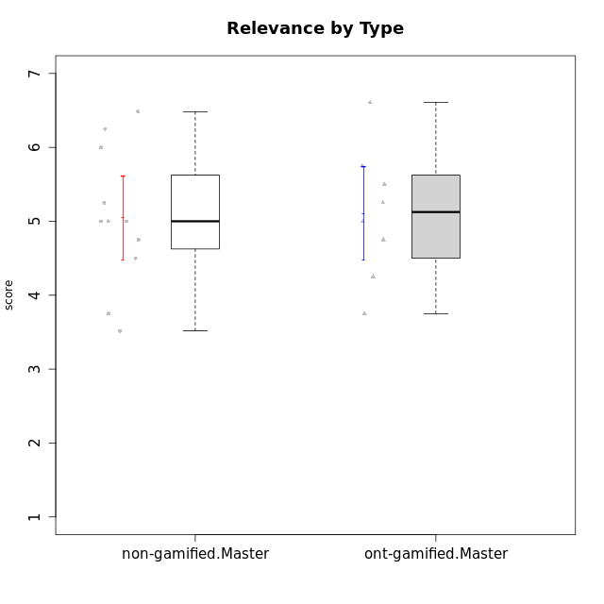

Student's t-Test data
UserID | NroUSP | Type | CLGroup | CLRole | PlayerRole | Attention | Relevance | Satisfaction | Level of Motivation
10171 | 698531 | ont-gamified | Grupo Losvakai | Master | Yee Achiever | 4.8333333333 | 6.6076 | 5.3333333333 | 5.5384615385
10172 | 10273971 | ont-gamified | Grupo Koil | Master | Yee Achiever | 4.8333333333 | 5.5 | 3.6666666667 | 4.7692307692
10175 | 10310700 | non-gamified | Grupo Team 6 | Master |  | 5.8333333333 | 6.4826 | 5.3333333333 | 6.0769230769
10184 | 10276675 | non-gamified | Grupo Team 7 | Master |  | 5.5 | 6 | 5.3333333333 | 5.6153846154
10185 | 10276960 | ont-gamified | Grupo Tosskor | Master | Yee Achiever | 4.1666666667 | 4.75 | 4 | 4.3076923077
10188 | 10276995 | ont-gamified | Grupo Paldira | Master | Yee Achiever | 4.1666666667 | 5.25 | 4.6666666667 | 4.6153846154
10193 | 10276762 | non-gamified | Grupo Team 2 | Master |  | 3.6666666667 | 4.5 | 2.6666666667 | 3.6923076923
10197 | 10276661 | non-gamified | Grupo Team 11 | Master |  | 4.3333333333 | 5 | 4.3333333333 | 4.5384615385
10201 | 10276928 | non-gamified | Grupo Team 10 | Master |  | 4.6666666667 | 5.25 | 6 | 5.1538461538
10204 | 10310471 | non-gamified | Grupo Team 5 | Master |  | 6.6376666667 | 6.25 | 6.3333333333 | 6.5384615385
10206 | 10310721 | non-gamified | Grupo Team 9 | Master |  | 3.8333333333 | 4.75 | 4.6666666667 | 4.3076923077
10208 | 10276932 | ont-gamified | Grupo Yeka | Master | Yee Socializer | 3.8333333333 | 3.75 | 3.6666666667 | 3.7692307692
10209 | 10262669 | non-gamified | Grupo Team 1 | Master |  | 1.6956666667 | 3.75 | 2.6666666667 | 2.4615384615
10211 | 9311643 | ont-gamified | Grupo Razorg | Master | Yee Achiever | 2.7674 | 4.25 | 2.6840666667 | 3.1314461538
10213 | 10277040 | non-gamified | Grupo Team 8 | Master |  | 4.5 | 5 | 5.6666666667 | 4.9230769231
10216 | 10276720 | ont-gamified | Grupo Ellaru | Master | Yee Socializer | 3.8333333333 | 5 | 4.6666666667 | 4.3846153846
10217 | 9805341 | ont-gamified | Grupo Belos | Master | Yee Socializer | 4.8333333333 | 5.75 | 5 | 5.1538461538
10223 | 9795185 | non-gamified | Grupo Team 3 | Master |  | 2 | 3.5174 | 2.3333333333 | 2.3076923077
10231 | 10276911 | non-gamified | Grupo Team 4 | Master |  | 2.5 | 5 | 4.6666666667 | 3.7692307692

Type_CLRole_6
Student's t-Test for Relevance by Type in Type:CLRole between ont-gamified.Apprentice:ont-gamified.Master

Student's t-Test results
Alternative hypothesis: less
Group | N | Mean | Mean.Difference | Std.deviation | Std.error | CI.lower | CI.upper | df | t.value | p.value | g | magnitude
ont-gamified.Apprentice | 13 | 5.0809384615 | -0.026261538462 | 1.3201356929 | 0.36613976394 | 4.3486589337 | 5.8132179894 | 18.739738626 | -0.054375824873 | 0.47860562902 | -0.021360297166 | negligible
ont-gamified.Master | 8 | 5.1072 | 0.026261538462 | 0.89082169452 | 0.31495303051 | 4.477293939 | 5.737106061 | 18.739738626 | -0.054375824873 | 0.47860562902 | -0.021360297166 | negligible
Alternative hypothesis: greater
Group | N | Mean | Mean.Difference | Std.deviation | Std.error | CI.lower | CI.upper | df | t.value | p.value | g | magnitude
ont-gamified.Apprentice | 13 | 5.0809384615 | -0.026261538462 | 1.3201356929 | 0.36613976394 | 4.3486589337 | 5.8132179894 | 18.739738626 | -0.054375824873 | 0.52139437098 | -0.021360297166 | negligible
ont-gamified.Master | 8 | 5.1072 | 0.026261538462 | 0.89082169452 | 0.31495303051 | 4.477293939 | 5.737106061 | 18.739738626 | -0.054375824873 | 0.52139437098 | -0.021360297166 | negligible
Alternative hypothesis: two.sided
Group | N | Mean | Mean.Difference | Std.deviation | Std.error | CI.lower | CI.upper | df | t.value | p.value | g | magnitude
ont-gamified.Apprentice | 13 | 5.0809384615 | -0.026261538462 | 1.3201356929 | 0.36613976394 | 4.3486589337 | 5.8132179894 | 18.739738626 | -0.054375824873 | 0.95721125803 | -0.021360297166 | negligible
ont-gamified.Master | 8 | 5.1072 | 0.026261538462 | 0.89082169452 | 0.31495303051 | 4.477293939 | 5.737106061 | 18.739738626 | -0.054375824873 | 0.95721125803 | -0.021360297166 | negligible

Box plots for Student's t-Test
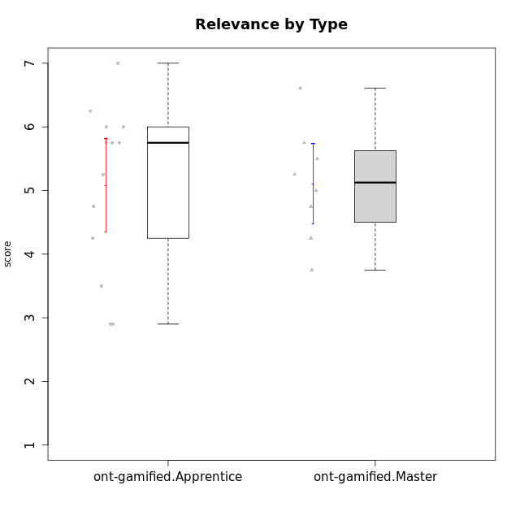

Student's t-Test data
UserID | NroUSP | Type | CLGroup | CLRole | PlayerRole | Attention | Relevance | Satisfaction | Level of Motivation
10171 | 698531 | ont-gamified | Grupo Losvakai | Master | Yee Achiever | 4.8333333333 | 6.6076 | 5.3333333333 | 5.5384615385
10172 | 10273971 | ont-gamified | Grupo Koil | Master | Yee Achiever | 4.8333333333 | 5.5 | 3.6666666667 | 4.7692307692
10179 | 10310759 | ont-gamified | Grupo Tosskor | Apprentice | Yee Achiever | 4.1666666667 | 5.25 | 4.3333333333 | 4.5384615385
10185 | 10276960 | ont-gamified | Grupo Tosskor | Master | Yee Achiever | 4.1666666667 | 4.75 | 4 | 4.3076923077
10187 | 9790781 | ont-gamified | Grupo Razorg | Apprentice | Yee Achiever | 4.5 | 2.9011 | 4.6666666667 | 4
10188 | 10276995 | ont-gamified | Grupo Paldira | Master | Yee Achiever | 4.1666666667 | 5.25 | 4.6666666667 | 4.6153846154
10191 | 10276981 | ont-gamified | Grupo Yeka | Apprentice | Yee Socializer | 5.7326 | 5.75 | 5.6492666667 | 5.9230769231
10192 | 10276682 | ont-gamified | Grupo Yeka | Apprentice | Yee Socializer | 5.7326 | 5.75 | 5.6492666667 | 6.3846153846
10202 | 10277036 | ont-gamified | Grupo Paldira | Apprentice | Yee Achiever | 4 | 3.5 | 4 | 3.8461538462
10203 | 9921470 | ont-gamified | Grupo Paldira | Apprentice | Yee Achiever | 5.7326 | 7 | 5.6492666667 | 6.5143692308
10208 | 10276932 | ont-gamified | Grupo Yeka | Master | Yee Socializer | 3.8333333333 | 3.75 | 3.6666666667 | 3.7692307692
10210 | 10277015 | ont-gamified | Grupo Losvakai | Apprentice | Yee Achiever | 3.1666666667 | 4.75 | 3.6666666667 | 3.7692307692
10211 | 9311643 | ont-gamified | Grupo Razorg | Master | Yee Achiever | 2.7674 | 4.25 | 2.6840666667 | 3.1314461538
10214 | 10277022 | ont-gamified | Grupo Koil | Apprentice | Yee Achiever | 4.5 | 5.75 | 3.6666666667 | 4.6923076923
10216 | 10276720 | ont-gamified | Grupo Ellaru | Master | Yee Socializer | 3.8333333333 | 5 | 4.6666666667 | 4.3846153846
10217 | 9805341 | ont-gamified | Grupo Belos | Master | Yee Socializer | 4.8333333333 | 5.75 | 5 | 5.1538461538
10219 | 10276831 | ont-gamified | Grupo Razorg | Apprentice | Yee Achiever | 2.7674 | 2.9011 | 3.3333333333 | 2.8461538462
10226 | 10310342 | ont-gamified | Grupo Yeka | Apprentice | Yee Socializer | 5 | 6.25 | 5.6492666667 | 5.5384615385
10230 | 10351992 | ont-gamified | Grupo Koil | Apprentice | Yee Achiever | 5.7326 | 6 | 5.3333333333 | 5.9230769231
10237 | 10377688 | ont-gamified | Grupo Ellaru | Apprentice | Yee Socializer | 3.8333333333 | 6 | 3.6666666667 | 4.4615384615
10238 | 10276953 | ont-gamified | Grupo Belos | Apprentice | Yee Socializer | 4.5 | 4.25 | 4.6666666667 | 4.4615384615

