Assumptions
ANOVA assumptions for Satisfaction by Type

Shapiro-Wilk normality test for Satisfaction by Type
W | p.value
0.95713929623 | 0.067468170606

Plots for normality test
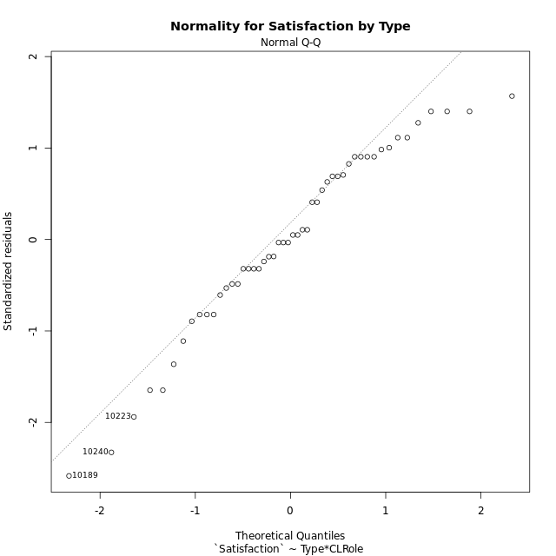

Levene's Test for Homogeneity of Variance in Satisfaction by Type
Df | F value | Pr(>F)
3 | 0.72224568401 | 0.54386812869
46

Plots for homogeneity of variance
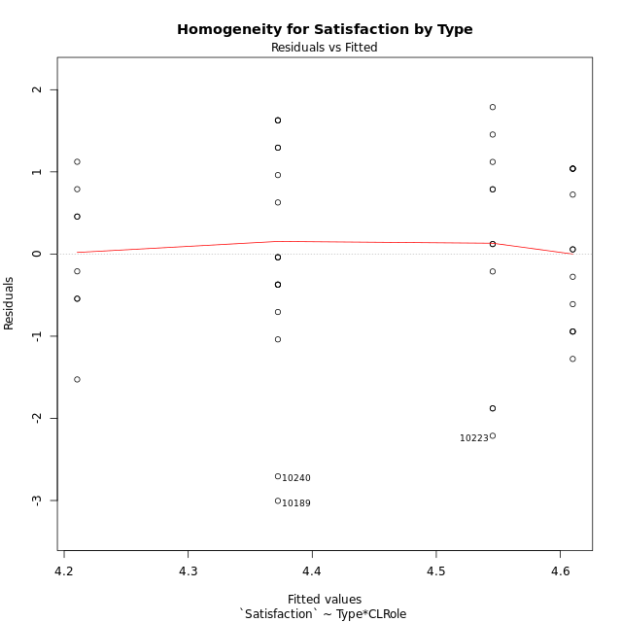

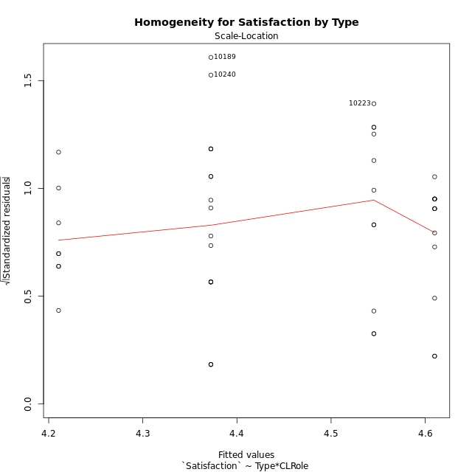

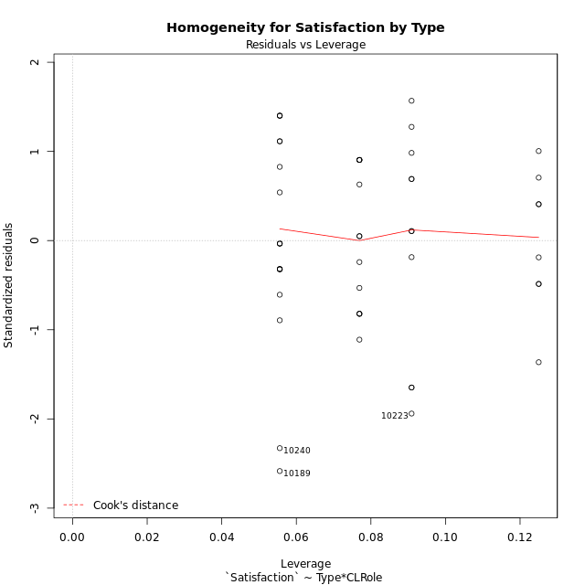

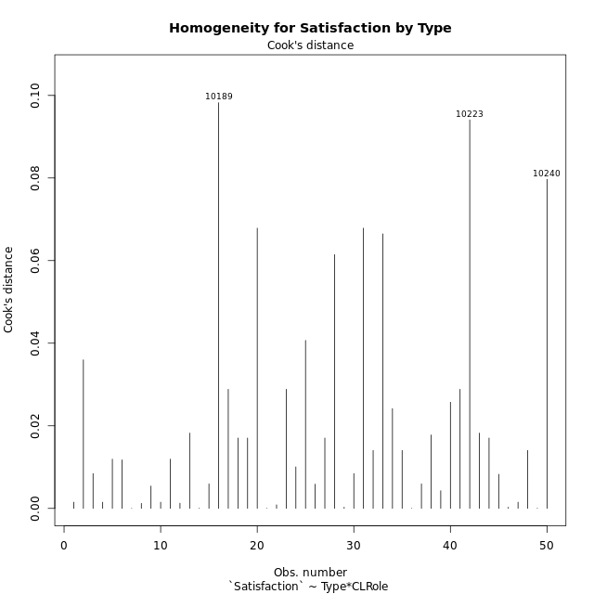

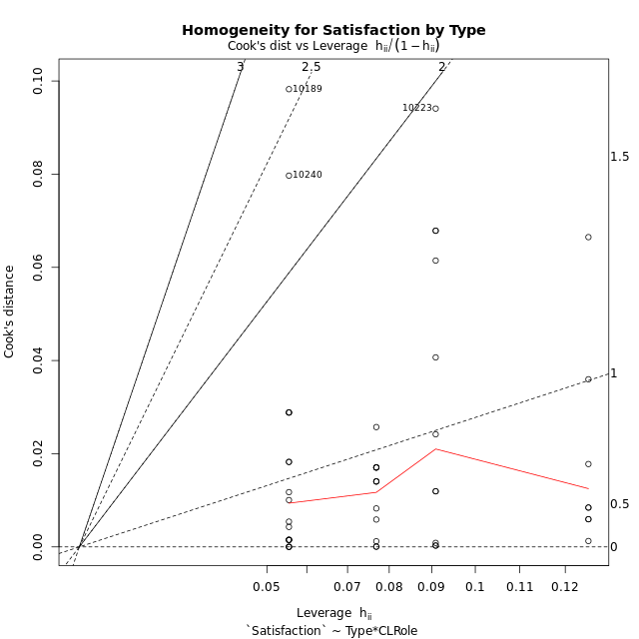

Minimum Sample Size Test for Satisfaction by Type
Type | CLRole | Freq
non-gamified | Apprentice | 18
ont-gamified | Apprentice | 13
non-gamified | Master | 11
ont-gamified | Master | 8

Errors and Warnings in Sample Size Test for ANOVA in Satisfaction by Type
code | description
WARN: sample.size | current size is 13 and recommended size is 15 for the group: 'ont-gamified:Apprentice'.
WARN: sample.size | current size is 11 and recommended size is 15 for the group: 'non-gamified:Master'.
WARN: sample.size | current size is 8 and recommended size is 15 for the group: 'ont-gamified:Master'.

For the group: 'non-gamified:Apprentice', you can perform a parametric test without having a normal distribution For the group: 'ont-gamified:Apprentice', we recommend the use of non-parametric test. For the group: 'non-gamified:Master', we recommend the use of non-parametric test. For the group: 'ont-gamified:Master', we recommend the use of non-parametric test.

If you don't want to remove non-normal data, you must cite the following references: ... (1) Lix, L.M., J.C. Keselman, and H.J. Keselman. 1996. Consequences of assumption violations revisited: A quantitative review of alternatives to the one-way analysis of variance F test. Rev. Educ. Res. 66: 579-619. ... (2) Harwell, M.R., E.N. Rubinstein, W.S. Hayes, and C.C. Olds. 1992. Summarizing Monte Carlo results in methodological research: the one- and two-factor fixed effects ANOVA cases. J. Educ. Stat. 17: 315-339.

Post-hoc
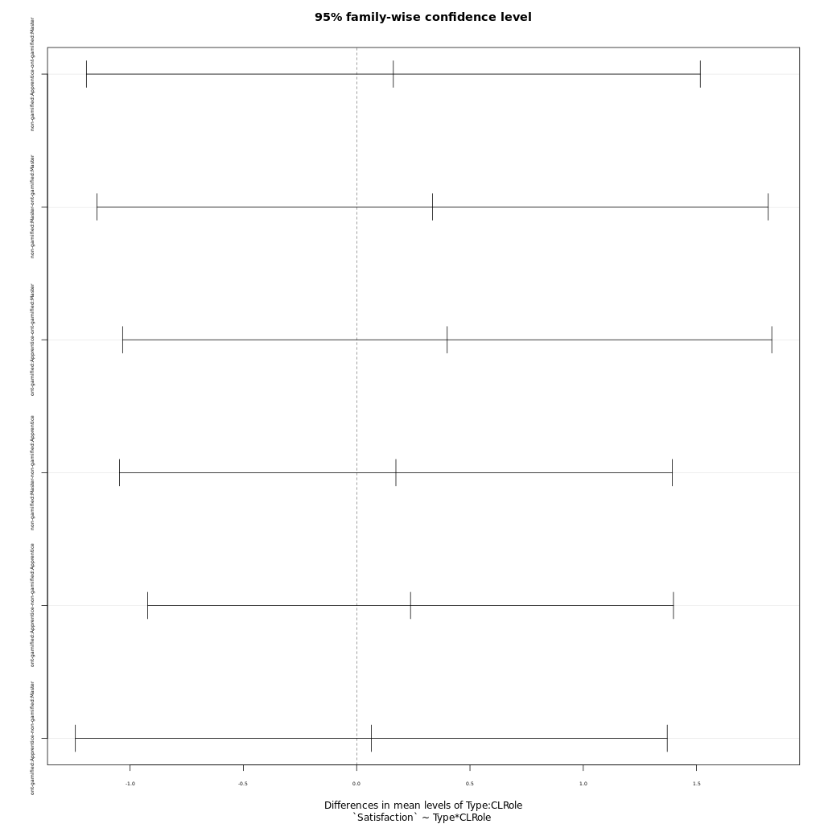
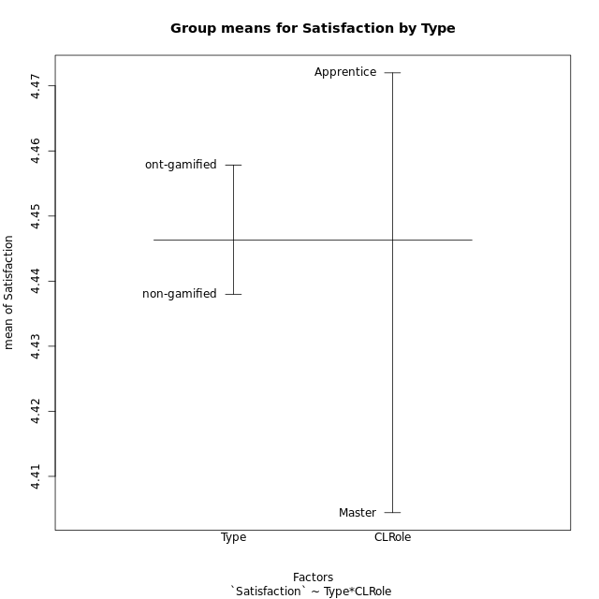
Post-hoc Tukey Honestly Significant Difference (HSD) Test for Satisfaction by Type

Comparisons of means for Type
 | diff | lwr | upr | p adj
ont-gamified-non-gamified | 0.019850136836 | -0.66996821169 | 0.70966848536 | 0.95406096162

Comparisons of means for CLRole
 | diff | lwr | upr | p adj
Apprentice-Master | 0.067604838942 | -0.63382742918 | 0.76903710707 | 0.8470260452

Comparisons of means for Type:CLRole
 | diff | lwr | upr | p adj
non-gamified:Apprentice-ont-gamified:Master | 0.16179537037 | -1.1928344796 | 1.5164252204 | 0.98868730166
non-gamified:Master-ont-gamified:Master | 0.33494621212 | -1.1463798976 | 1.8162723219 | 0.93069384174
ont-gamified:Apprentice-ont-gamified:Master | 0.3995224359 | -1.0330222932 | 1.832067165 | 0.87899482245
non-gamified:Master-non-gamified:Apprentice | 0.17315084175 | -1.0469103614 | 1.3932120449 | 0.98133148524
ont-gamified:Apprentice-non-gamified:Apprentice | 0.23772706553 | -0.92262059657 | 1.3980747276 | 0.94713564149
ont-gamified:Apprentice-non-gamified:Master | 0.064576223776 | -1.2414527613 | 1.3706052089 | 0.99917020992

Contrast Matrices for Satisfaction by Type - Type
contrast | estimate | SE | df | t.ratio | p.value
non-gamified - ont-gamified | 0.048609573297 | 0.35297062308 | 46 | 0.13771563444 | 0.8910662226

Contrast Matrices for Satisfaction by Type - Type:CLRole
contrast | CLRole | estimate | SE | df | t.ratio | p.value
non-gamified - ont-gamified | Apprentice | -0.23772706553 | 0.43532143695 | 46 | -0.54609547187 | 0.5876392471
non-gamified - ont-gamified | Master | 0.33494621212 | 0.55574120736 | 46 | 0.60270177501 | 0.5496670238

Least Squares Means and Confidence Intervals for Type
Type | lsmean | SE | df | lower.CL | upper.CL | Pairs
non-gamified | 4.4588791246 | 0.22886192366 | 46 | 3.9982039657 | 4.9195542835 | non-gamified
ont-gamified | 4.4102695513 | 0.26872007863 | 46 | 3.8693640877 | 4.9511750149 | ont-gamified

Least Squares Means and Confidence Intervals for Type:CLRole
Type | CLRole | lsmean | SE | df | lower.CL | upper.CL | Pairs
non-gamified | Apprentice | 4.3723037037 | 0.28190376962 | 46 | 3.8048608465 | 4.9397465609 | non-gamified.Apprentice
ont-gamified | Apprentice | 4.6100307692 | 0.33171526667 | 46 | 3.9423225689 | 5.2777389696 | ont-gamified.Apprentice
non-gamified | Master | 4.5454545455 | 0.36061251376 | 46 | 3.8195792036 | 5.2713298873 | non-gamified.Master
ont-gamified | Master | 4.2105083333 | 0.42285565443 | 46 | 3.3593440476 | 5.0616726191 | ont-gamified.Master

Plots

Type_1
Student's t-Test for Satisfaction by Type in Type between non-gamified:ont-gamified

Student's t-Test results
Alternative hypothesis: less
Group | N | Mean | Mean.Difference | Std.deviation | Std.error | CI.lower | CI.upper | df | t.value | p.value | g | magnitude
non-gamified | 29 | 4.4379816092 | -0.019850136836 | 1.3514739456 | 0.25096241137 | 3.9360567865 | 4.9399064319 | 47.605394634 | -0.062691737496 | 0.47513723256 | -0.016562769363 | negligible
ont-gamified | 21 | 4.457831746 | 0.019850136836 | 0.88472139886 | 0.19306203711 | 4.0717076718 | 4.8439558202 | 47.605394634 | -0.062691737496 | 0.47513723256 | -0.016562769363 | negligible
Alternative hypothesis: greater
Group | N | Mean | Mean.Difference | Std.deviation | Std.error | CI.lower | CI.upper | df | t.value | p.value | g | magnitude
non-gamified | 29 | 4.4379816092 | -0.019850136836 | 1.3514739456 | 0.25096241137 | 3.9360567865 | 4.9399064319 | 47.605394634 | -0.062691737496 | 0.52486276744 | -0.016562769363 | negligible
ont-gamified | 21 | 4.457831746 | 0.019850136836 | 0.88472139886 | 0.19306203711 | 4.0717076718 | 4.8439558202 | 47.605394634 | -0.062691737496 | 0.52486276744 | -0.016562769363 | negligible
Alternative hypothesis: two.sided
Group | N | Mean | Mean.Difference | Std.deviation | Std.error | CI.lower | CI.upper | df | t.value | p.value | g | magnitude
non-gamified | 29 | 4.4379816092 | -0.019850136836 | 1.3514739456 | 0.25096241137 | 3.9360567865 | 4.9399064319 | 47.605394634 | -0.062691737496 | 0.95027446511 | -0.016562769363 | negligible
ont-gamified | 21 | 4.457831746 | 0.019850136836 | 0.88472139886 | 0.19306203711 | 4.0717076718 | 4.8439558202 | 47.605394634 | -0.062691737496 | 0.95027446511 | -0.016562769363 | negligible

Box plots for Student's t-Test
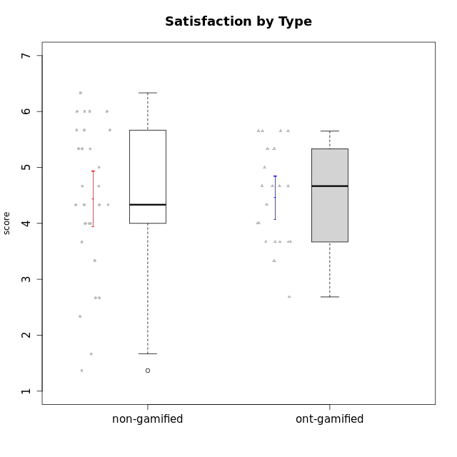

Student's t-Test data
UserID | NroUSP | Type | CLGroup | CLRole | PlayerRole | Attention | Relevance | Satisfaction | Level of Motivation
10170 | 10260351 | non-gamified | Grupo Team 6 | Apprentice |  | 4.6666666667 | 5 | 4 | 4.6153846154
10171 | 698531 | ont-gamified | Grupo Losvakai | Master | Yee Achiever | 4.8333333333 | 6.6076 | 5.3333333333 | 5.5384615385
10172 | 10273971 | ont-gamified | Grupo Koil | Master | Yee Achiever | 4.8333333333 | 5.5 | 3.6666666667 | 4.7692307692
10174 | 10276852 | non-gamified | Grupo Team 1 | Apprentice |  | 3.1666666667 | 3 | 4 | 3.3076923077
10175 | 10310700 | non-gamified | Grupo Team 6 | Master |  | 5.8333333333 | 6.4826 | 5.3333333333 | 6.0769230769
10176 | 10276949 | non-gamified | Grupo Team 9 | Apprentice |  | 3 | 3 | 3.3333333333 | 3.0769230769
10178 | 8656201 | non-gamified | Grupo Team 11 | Apprentice |  | 4.8333333333 | 4.75 | 4.3333333333 | 4.6923076923
10179 | 10310759 | ont-gamified | Grupo Tosskor | Apprentice | Yee Achiever | 4.1666666667 | 5.25 | 4.3333333333 | 4.5384615385
10181 | 10276866 | non-gamified | Grupo Team 7 | Apprentice |  | 4.1666666667 | 4.25 | 3.6666666667 | 4.0769230769
10183 | 10352030 | non-gamified | Grupo Belos | Apprentice | Yee Socializer | 3.1666666667 | 3.5 | 4 | 3.4615384615
10184 | 10276675 | non-gamified | Grupo Team 7 | Master |  | 5.5 | 6 | 5.3333333333 | 5.6153846154
10185 | 10276960 | ont-gamified | Grupo Tosskor | Master | Yee Achiever | 4.1666666667 | 4.75 | 4 | 4.3076923077
10186 | 10310551 | non-gamified | Grupo Team 5 | Apprentice |  | 3.3333333333 | 5 | 5.6666666667 | 4.3846153846
10187 | 9790781 | ont-gamified | Grupo Razorg | Apprentice | Yee Achiever | 4.5 | 2.9011 | 4.6666666667 | 4
10188 | 10276995 | ont-gamified | Grupo Paldira | Master | Yee Achiever | 4.1666666667 | 5.25 | 4.6666666667 | 4.6153846154
10189 | 9363926 | non-gamified | Grupo Team 2 | Apprentice |  | 1.6956666667 | 3 | 1.3681333333 | 2.2177384615
10190 | 10276907 | non-gamified | Grupo Team 8 | Apprentice |  | 2.1666666667 | 4.75 | 6 | 3.8461538462
10191 | 10276981 | ont-gamified | Grupo Yeka | Apprentice | Yee Socializer | 5.7326 | 5.75 | 5.6492666667 | 5.9230769231
10192 | 10276682 | ont-gamified | Grupo Yeka | Apprentice | Yee Socializer | 5.7326 | 5.75 | 5.6492666667 | 6.3846153846
10193 | 10276762 | non-gamified | Grupo Team 2 | Master |  | 3.6666666667 | 4.5 | 2.6666666667 | 3.6923076923
10196 | 10310655 | non-gamified | Grupo Team 5 | Apprentice |  | 3.6666666667 | 3.25 | 4.3333333333 | 3.6923076923
10197 | 10276661 | non-gamified | Grupo Team 11 | Master |  | 4.3333333333 | 5 | 4.3333333333 | 4.5384615385
10198 | 10310888 | non-gamified | Grupo Team 1 | Apprentice |  | 6.6376666667 | 6.25 | 6 | 6.5384615385
10200 | 9795272 | non-gamified | Grupo Team 4 | Apprentice |  | 4.5 | 4.5 | 5.3333333333 | 4.6923076923
10201 | 10276928 | non-gamified | Grupo Team 10 | Master |  | 4.6666666667 | 5.25 | 6 | 5.1538461538
10202 | 10277036 | ont-gamified | Grupo Paldira | Apprentice | Yee Achiever | 4 | 3.5 | 4 | 3.8461538462
10203 | 9921470 | ont-gamified | Grupo Paldira | Apprentice | Yee Achiever | 5.7326 | 7 | 5.6492666667 | 6.5143692308
10204 | 10310471 | non-gamified | Grupo Team 5 | Master |  | 6.6376666667 | 6.25 | 6.3333333333 | 6.5384615385
10206 | 10310721 | non-gamified | Grupo Team 9 | Master |  | 3.8333333333 | 4.75 | 4.6666666667 | 4.3076923077
10208 | 10276932 | ont-gamified | Grupo Yeka | Master | Yee Socializer | 3.8333333333 | 3.75 | 3.6666666667 | 3.7692307692
10209 | 10262669 | non-gamified | Grupo Team 1 | Master |  | 1.6956666667 | 3.75 | 2.6666666667 | 2.4615384615
10210 | 10277015 | ont-gamified | Grupo Losvakai | Apprentice | Yee Achiever | 3.1666666667 | 4.75 | 3.6666666667 | 3.7692307692
10211 | 9311643 | ont-gamified | Grupo Razorg | Master | Yee Achiever | 2.7674 | 4.25 | 2.6840666667 | 3.1314461538
10213 | 10277040 | non-gamified | Grupo Team 8 | Master |  | 4.5 | 5 | 5.6666666667 | 4.9230769231
10214 | 10277022 | ont-gamified | Grupo Koil | Apprentice | Yee Achiever | 4.5 | 5.75 | 3.6666666667 | 4.6923076923
10215 | 9285227 | non-gamified | Grupo Team 7 | Apprentice |  | 4.5 | 7 | 4.3333333333 | 5.2307692308
10216 | 10276720 | ont-gamified | Grupo Ellaru | Master | Yee Socializer | 3.8333333333 | 5 | 4.6666666667 | 4.3846153846
10217 | 9805341 | ont-gamified | Grupo Belos | Master | Yee Socializer | 4.8333333333 | 5.75 | 5 | 5.1538461538
10218 | 9842913 | non-gamified | Grupo Team 10 | Apprentice |  | 3.1666666667 | 5.25 | 5 | 4.2307692308
10219 | 10276831 | ont-gamified | Grupo Razorg | Apprentice | Yee Achiever | 2.7674 | 2.9011 | 3.3333333333 | 2.8461538462
10220 | 9760151 | non-gamified | Grupo Team 4 | Apprentice |  | 1.6956666667 | 7 | 6 | 4.2307692308
10223 | 9795185 | non-gamified | Grupo Team 3 | Master |  | 2 | 3.5174 | 2.3333333333 | 2.3076923077
10224 | 9368772 | non-gamified | Grupo Team 9 | Apprentice |  | 5.3333333333 | 6 | 5.6666666667 | 5.6153846154
10226 | 10310342 | ont-gamified | Grupo Yeka | Apprentice | Yee Socializer | 5 | 6.25 | 5.6492666667 | 5.5384615385
10230 | 10351992 | ont-gamified | Grupo Koil | Apprentice | Yee Achiever | 5.7326 | 6 | 5.3333333333 | 5.9230769231
10231 | 10276911 | non-gamified | Grupo Team 4 | Master |  | 2.5 | 5 | 4.6666666667 | 3.7692307692
10234 | 10310676 | non-gamified | Grupo Team 6 | Apprentice |  | 4.6666666667 | 5.25 | 4 | 4.6923076923
10237 | 10377688 | ont-gamified | Grupo Ellaru | Apprentice | Yee Socializer | 3.8333333333 | 6 | 3.6666666667 | 4.4615384615
10238 | 10276953 | ont-gamified | Grupo Belos | Apprentice | Yee Socializer | 4.5 | 4.25 | 4.6666666667 | 4.4615384615
10240 | 10276654 | non-gamified | Grupo Team 8 | Apprentice |  | 2 | 3.25 | 1.6666666667 | 2.3076923077

Type_CLRole_1
Student's t-Test for Satisfaction by Type in Type:CLRole between non-gamified.Apprentice:non-gamified.Master

Student's t-Test results
Alternative hypothesis: less
Group | N | Mean | Mean.Difference | Std.deviation | Std.error | CI.lower | CI.upper | df | t.value | p.value | g | magnitude
non-gamified.Apprentice | 18 | 4.3723037037 | -0.17315084175 | 1.3525228705 | 0.31879269781 | 3.7347183081 | 5.0098890993 | 20.598137123 | -0.32607477522 | 0.37382869649 | -0.12252938591 | negligible
non-gamified.Master | 11 | 4.5454545455 | 0.17315084175 | 1.4084879779 | 0.42467510403 | 3.6961043374 | 5.3948047535 | 20.598137123 | -0.32607477522 | 0.37382869649 | -0.12252938591 | negligible
Alternative hypothesis: greater
Group | N | Mean | Mean.Difference | Std.deviation | Std.error | CI.lower | CI.upper | df | t.value | p.value | g | magnitude
non-gamified.Apprentice | 18 | 4.3723037037 | -0.17315084175 | 1.3525228705 | 0.31879269781 | 3.7347183081 | 5.0098890993 | 20.598137123 | -0.32607477522 | 0.62617130351 | -0.12252938591 | negligible
non-gamified.Master | 11 | 4.5454545455 | 0.17315084175 | 1.4084879779 | 0.42467510403 | 3.6961043374 | 5.3948047535 | 20.598137123 | -0.32607477522 | 0.62617130351 | -0.12252938591 | negligible
Alternative hypothesis: two.sided
Group | N | Mean | Mean.Difference | Std.deviation | Std.error | CI.lower | CI.upper | df | t.value | p.value | g | magnitude
non-gamified.Apprentice | 18 | 4.3723037037 | -0.17315084175 | 1.3525228705 | 0.31879269781 | 3.7347183081 | 5.0098890993 | 20.598137123 | -0.32607477522 | 0.74765739297 | -0.12252938591 | negligible
non-gamified.Master | 11 | 4.5454545455 | 0.17315084175 | 1.4084879779 | 0.42467510403 | 3.6961043374 | 5.3948047535 | 20.598137123 | -0.32607477522 | 0.74765739297 | -0.12252938591 | negligible

Box plots for Student's t-Test


Student's t-Test data
UserID | NroUSP | Type | CLGroup | CLRole | PlayerRole | Attention | Relevance | Satisfaction | Level of Motivation
10170 | 10260351 | non-gamified | Grupo Team 6 | Apprentice |  | 4.6666666667 | 5 | 4 | 4.6153846154
10174 | 10276852 | non-gamified | Grupo Team 1 | Apprentice |  | 3.1666666667 | 3 | 4 | 3.3076923077
10175 | 10310700 | non-gamified | Grupo Team 6 | Master |  | 5.8333333333 | 6.4826 | 5.3333333333 | 6.0769230769
10176 | 10276949 | non-gamified | Grupo Team 9 | Apprentice |  | 3 | 3 | 3.3333333333 | 3.0769230769
10178 | 8656201 | non-gamified | Grupo Team 11 | Apprentice |  | 4.8333333333 | 4.75 | 4.3333333333 | 4.6923076923
10181 | 10276866 | non-gamified | Grupo Team 7 | Apprentice |  | 4.1666666667 | 4.25 | 3.6666666667 | 4.0769230769
10183 | 10352030 | non-gamified | Grupo Belos | Apprentice | Yee Socializer | 3.1666666667 | 3.5 | 4 | 3.4615384615
10184 | 10276675 | non-gamified | Grupo Team 7 | Master |  | 5.5 | 6 | 5.3333333333 | 5.6153846154
10186 | 10310551 | non-gamified | Grupo Team 5 | Apprentice |  | 3.3333333333 | 5 | 5.6666666667 | 4.3846153846
10189 | 9363926 | non-gamified | Grupo Team 2 | Apprentice |  | 1.6956666667 | 3 | 1.3681333333 | 2.2177384615
10190 | 10276907 | non-gamified | Grupo Team 8 | Apprentice |  | 2.1666666667 | 4.75 | 6 | 3.8461538462
10193 | 10276762 | non-gamified | Grupo Team 2 | Master |  | 3.6666666667 | 4.5 | 2.6666666667 | 3.6923076923
10196 | 10310655 | non-gamified | Grupo Team 5 | Apprentice |  | 3.6666666667 | 3.25 | 4.3333333333 | 3.6923076923
10197 | 10276661 | non-gamified | Grupo Team 11 | Master |  | 4.3333333333 | 5 | 4.3333333333 | 4.5384615385
10198 | 10310888 | non-gamified | Grupo Team 1 | Apprentice |  | 6.6376666667 | 6.25 | 6 | 6.5384615385
10200 | 9795272 | non-gamified | Grupo Team 4 | Apprentice |  | 4.5 | 4.5 | 5.3333333333 | 4.6923076923
10201 | 10276928 | non-gamified | Grupo Team 10 | Master |  | 4.6666666667 | 5.25 | 6 | 5.1538461538
10204 | 10310471 | non-gamified | Grupo Team 5 | Master |  | 6.6376666667 | 6.25 | 6.3333333333 | 6.5384615385
10206 | 10310721 | non-gamified | Grupo Team 9 | Master |  | 3.8333333333 | 4.75 | 4.6666666667 | 4.3076923077
10209 | 10262669 | non-gamified | Grupo Team 1 | Master |  | 1.6956666667 | 3.75 | 2.6666666667 | 2.4615384615
10213 | 10277040 | non-gamified | Grupo Team 8 | Master |  | 4.5 | 5 | 5.6666666667 | 4.9230769231
10215 | 9285227 | non-gamified | Grupo Team 7 | Apprentice |  | 4.5 | 7 | 4.3333333333 | 5.2307692308
10218 | 9842913 | non-gamified | Grupo Team 10 | Apprentice |  | 3.1666666667 | 5.25 | 5 | 4.2307692308
10220 | 9760151 | non-gamified | Grupo Team 4 | Apprentice |  | 1.6956666667 | 7 | 6 | 4.2307692308
10223 | 9795185 | non-gamified | Grupo Team 3 | Master |  | 2 | 3.5174 | 2.3333333333 | 2.3076923077
10224 | 9368772 | non-gamified | Grupo Team 9 | Apprentice |  | 5.3333333333 | 6 | 5.6666666667 | 5.6153846154
10231 | 10276911 | non-gamified | Grupo Team 4 | Master |  | 2.5 | 5 | 4.6666666667 | 3.7692307692
10234 | 10310676 | non-gamified | Grupo Team 6 | Apprentice |  | 4.6666666667 | 5.25 | 4 | 4.6923076923
10240 | 10276654 | non-gamified | Grupo Team 8 | Apprentice |  | 2 | 3.25 | 1.6666666667 | 2.3076923077

Type_CLRole_2
Student's t-Test for Satisfaction by Type in Type:CLRole between non-gamified.Apprentice:ont-gamified.Apprentice

Student's t-Test results
Alternative hypothesis: less
Group | N | Mean | Mean.Difference | Std.deviation | Std.error | CI.lower | CI.upper | df | t.value | p.value | g | magnitude
non-gamified.Apprentice | 18 | 4.3723037037 | -0.23772706553 | 1.3525228705 | 0.31879269781 | 3.7347183081 | 5.0098890993 | 28.839947796 | -0.58854332096 | 0.28037459947 | -0.19544262773 | negligible
ont-gamified.Apprentice | 13 | 4.6100307692 | 0.23772706553 | 0.89433819546 | 0.24804478626 | 4.1139411967 | 5.1061203417 | 28.839947796 | -0.58854332096 | 0.28037459947 | -0.19544262773 | negligible
Alternative hypothesis: greater
Group | N | Mean | Mean.Difference | Std.deviation | Std.error | CI.lower | CI.upper | df | t.value | p.value | g | magnitude
non-gamified.Apprentice | 18 | 4.3723037037 | -0.23772706553 | 1.3525228705 | 0.31879269781 | 3.7347183081 | 5.0098890993 | 28.839947796 | -0.58854332096 | 0.71962540053 | -0.19544262773 | negligible
ont-gamified.Apprentice | 13 | 4.6100307692 | 0.23772706553 | 0.89433819546 | 0.24804478626 | 4.1139411967 | 5.1061203417 | 28.839947796 | -0.58854332096 | 0.71962540053 | -0.19544262773 | negligible
Alternative hypothesis: two.sided
Group | N | Mean | Mean.Difference | Std.deviation | Std.error | CI.lower | CI.upper | df | t.value | p.value | g | magnitude
non-gamified.Apprentice | 18 | 4.3723037037 | -0.23772706553 | 1.3525228705 | 0.31879269781 | 3.7347183081 | 5.0098890993 | 28.839947796 | -0.58854332096 | 0.56074919894 | -0.19544262773 | negligible
ont-gamified.Apprentice | 13 | 4.6100307692 | 0.23772706553 | 0.89433819546 | 0.24804478626 | 4.1139411967 | 5.1061203417 | 28.839947796 | -0.58854332096 | 0.56074919894 | -0.19544262773 | negligible

Box plots for Student's t-Test
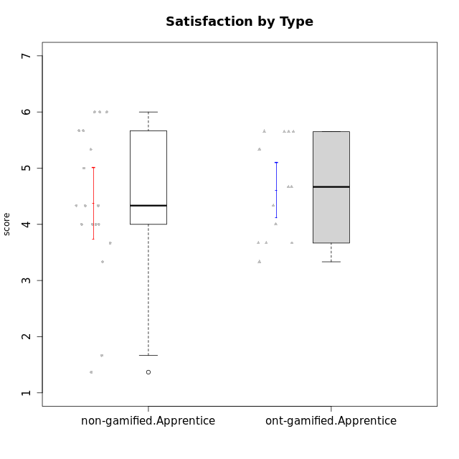

Student's t-Test data
UserID | NroUSP | Type | CLGroup | CLRole | PlayerRole | Attention | Relevance | Satisfaction | Level of Motivation
10170 | 10260351 | non-gamified | Grupo Team 6 | Apprentice |  | 4.6666666667 | 5 | 4 | 4.6153846154
10174 | 10276852 | non-gamified | Grupo Team 1 | Apprentice |  | 3.1666666667 | 3 | 4 | 3.3076923077
10176 | 10276949 | non-gamified | Grupo Team 9 | Apprentice |  | 3 | 3 | 3.3333333333 | 3.0769230769
10178 | 8656201 | non-gamified | Grupo Team 11 | Apprentice |  | 4.8333333333 | 4.75 | 4.3333333333 | 4.6923076923
10179 | 10310759 | ont-gamified | Grupo Tosskor | Apprentice | Yee Achiever | 4.1666666667 | 5.25 | 4.3333333333 | 4.5384615385
10181 | 10276866 | non-gamified | Grupo Team 7 | Apprentice |  | 4.1666666667 | 4.25 | 3.6666666667 | 4.0769230769
10183 | 10352030 | non-gamified | Grupo Belos | Apprentice | Yee Socializer | 3.1666666667 | 3.5 | 4 | 3.4615384615
10186 | 10310551 | non-gamified | Grupo Team 5 | Apprentice |  | 3.3333333333 | 5 | 5.6666666667 | 4.3846153846
10187 | 9790781 | ont-gamified | Grupo Razorg | Apprentice | Yee Achiever | 4.5 | 2.9011 | 4.6666666667 | 4
10189 | 9363926 | non-gamified | Grupo Team 2 | Apprentice |  | 1.6956666667 | 3 | 1.3681333333 | 2.2177384615
10190 | 10276907 | non-gamified | Grupo Team 8 | Apprentice |  | 2.1666666667 | 4.75 | 6 | 3.8461538462
10191 | 10276981 | ont-gamified | Grupo Yeka | Apprentice | Yee Socializer | 5.7326 | 5.75 | 5.6492666667 | 5.9230769231
10192 | 10276682 | ont-gamified | Grupo Yeka | Apprentice | Yee Socializer | 5.7326 | 5.75 | 5.6492666667 | 6.3846153846
10196 | 10310655 | non-gamified | Grupo Team 5 | Apprentice |  | 3.6666666667 | 3.25 | 4.3333333333 | 3.6923076923
10198 | 10310888 | non-gamified | Grupo Team 1 | Apprentice |  | 6.6376666667 | 6.25 | 6 | 6.5384615385
10200 | 9795272 | non-gamified | Grupo Team 4 | Apprentice |  | 4.5 | 4.5 | 5.3333333333 | 4.6923076923
10202 | 10277036 | ont-gamified | Grupo Paldira | Apprentice | Yee Achiever | 4 | 3.5 | 4 | 3.8461538462
10203 | 9921470 | ont-gamified | Grupo Paldira | Apprentice | Yee Achiever | 5.7326 | 7 | 5.6492666667 | 6.5143692308
10210 | 10277015 | ont-gamified | Grupo Losvakai | Apprentice | Yee Achiever | 3.1666666667 | 4.75 | 3.6666666667 | 3.7692307692
10214 | 10277022 | ont-gamified | Grupo Koil | Apprentice | Yee Achiever | 4.5 | 5.75 | 3.6666666667 | 4.6923076923
10215 | 9285227 | non-gamified | Grupo Team 7 | Apprentice |  | 4.5 | 7 | 4.3333333333 | 5.2307692308
10218 | 9842913 | non-gamified | Grupo Team 10 | Apprentice |  | 3.1666666667 | 5.25 | 5 | 4.2307692308
10219 | 10276831 | ont-gamified | Grupo Razorg | Apprentice | Yee Achiever | 2.7674 | 2.9011 | 3.3333333333 | 2.8461538462
10220 | 9760151 | non-gamified | Grupo Team 4 | Apprentice |  | 1.6956666667 | 7 | 6 | 4.2307692308
10224 | 9368772 | non-gamified | Grupo Team 9 | Apprentice |  | 5.3333333333 | 6 | 5.6666666667 | 5.6153846154
10226 | 10310342 | ont-gamified | Grupo Yeka | Apprentice | Yee Socializer | 5 | 6.25 | 5.6492666667 | 5.5384615385
10230 | 10351992 | ont-gamified | Grupo Koil | Apprentice | Yee Achiever | 5.7326 | 6 | 5.3333333333 | 5.9230769231
10234 | 10310676 | non-gamified | Grupo Team 6 | Apprentice |  | 4.6666666667 | 5.25 | 4 | 4.6923076923
10237 | 10377688 | ont-gamified | Grupo Ellaru | Apprentice | Yee Socializer | 3.8333333333 | 6 | 3.6666666667 | 4.4615384615
10238 | 10276953 | ont-gamified | Grupo Belos | Apprentice | Yee Socializer | 4.5 | 4.25 | 4.6666666667 | 4.4615384615
10240 | 10276654 | non-gamified | Grupo Team 8 | Apprentice |  | 2 | 3.25 | 1.6666666667 | 2.3076923077

Type_CLRole_3
Student's t-Test for Satisfaction by Type in Type:CLRole between non-gamified.Apprentice:ont-gamified.Master

Student's t-Test results
Alternative hypothesis: less
Group | N | Mean | Mean.Difference | Std.deviation | Std.error | CI.lower | CI.upper | df | t.value | p.value | g | magnitude
non-gamified.Apprentice | 18 | 4.3723037037 | 0.16179537037 | 1.3525228705 | 0.31879269781 | 3.7347183081 | 5.0098890993 | 20.464216744 | 0.36577068625 | 0.64085502263 | 0.12729088862 | negligible
ont-gamified.Master | 8 | 4.2105083333 | -0.16179537037 | 0.86734894605 | 0.3066541607 | 3.5972000119 | 4.8238166547 | 20.464216744 | 0.36577068625 | 0.64085502263 | 0.12729088862 | negligible
Alternative hypothesis: greater
Group | N | Mean | Mean.Difference | Std.deviation | Std.error | CI.lower | CI.upper | df | t.value | p.value | g | magnitude
non-gamified.Apprentice | 18 | 4.3723037037 | 0.16179537037 | 1.3525228705 | 0.31879269781 | 3.7347183081 | 5.0098890993 | 20.464216744 | 0.36577068625 | 0.35914497737 | 0.12729088862 | negligible
ont-gamified.Master | 8 | 4.2105083333 | -0.16179537037 | 0.86734894605 | 0.3066541607 | 3.5972000119 | 4.8238166547 | 20.464216744 | 0.36577068625 | 0.35914497737 | 0.12729088862 | negligible
Alternative hypothesis: two.sided
Group | N | Mean | Mean.Difference | Std.deviation | Std.error | CI.lower | CI.upper | df | t.value | p.value | g | magnitude
non-gamified.Apprentice | 18 | 4.3723037037 | 0.16179537037 | 1.3525228705 | 0.31879269781 | 3.7347183081 | 5.0098890993 | 20.464216744 | 0.36577068625 | 0.71828995474 | 0.12729088862 | negligible
ont-gamified.Master | 8 | 4.2105083333 | -0.16179537037 | 0.86734894605 | 0.3066541607 | 3.5972000119 | 4.8238166547 | 20.464216744 | 0.36577068625 | 0.71828995474 | 0.12729088862 | negligible

Box plots for Student's t-Test
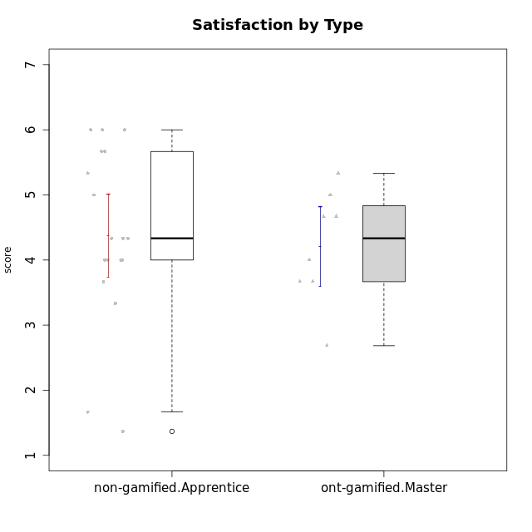

Student's t-Test data
UserID | NroUSP | Type | CLGroup | CLRole | PlayerRole | Attention | Relevance | Satisfaction | Level of Motivation
10170 | 10260351 | non-gamified | Grupo Team 6 | Apprentice |  | 4.6666666667 | 5 | 4 | 4.6153846154
10171 | 698531 | ont-gamified | Grupo Losvakai | Master | Yee Achiever | 4.8333333333 | 6.6076 | 5.3333333333 | 5.5384615385
10172 | 10273971 | ont-gamified | Grupo Koil | Master | Yee Achiever | 4.8333333333 | 5.5 | 3.6666666667 | 4.7692307692
10174 | 10276852 | non-gamified | Grupo Team 1 | Apprentice |  | 3.1666666667 | 3 | 4 | 3.3076923077
10176 | 10276949 | non-gamified | Grupo Team 9 | Apprentice |  | 3 | 3 | 3.3333333333 | 3.0769230769
10178 | 8656201 | non-gamified | Grupo Team 11 | Apprentice |  | 4.8333333333 | 4.75 | 4.3333333333 | 4.6923076923
10181 | 10276866 | non-gamified | Grupo Team 7 | Apprentice |  | 4.1666666667 | 4.25 | 3.6666666667 | 4.0769230769
10183 | 10352030 | non-gamified | Grupo Belos | Apprentice | Yee Socializer | 3.1666666667 | 3.5 | 4 | 3.4615384615
10185 | 10276960 | ont-gamified | Grupo Tosskor | Master | Yee Achiever | 4.1666666667 | 4.75 | 4 | 4.3076923077
10186 | 10310551 | non-gamified | Grupo Team 5 | Apprentice |  | 3.3333333333 | 5 | 5.6666666667 | 4.3846153846
10188 | 10276995 | ont-gamified | Grupo Paldira | Master | Yee Achiever | 4.1666666667 | 5.25 | 4.6666666667 | 4.6153846154
10189 | 9363926 | non-gamified | Grupo Team 2 | Apprentice |  | 1.6956666667 | 3 | 1.3681333333 | 2.2177384615
10190 | 10276907 | non-gamified | Grupo Team 8 | Apprentice |  | 2.1666666667 | 4.75 | 6 | 3.8461538462
10196 | 10310655 | non-gamified | Grupo Team 5 | Apprentice |  | 3.6666666667 | 3.25 | 4.3333333333 | 3.6923076923
10198 | 10310888 | non-gamified | Grupo Team 1 | Apprentice |  | 6.6376666667 | 6.25 | 6 | 6.5384615385
10200 | 9795272 | non-gamified | Grupo Team 4 | Apprentice |  | 4.5 | 4.5 | 5.3333333333 | 4.6923076923
10208 | 10276932 | ont-gamified | Grupo Yeka | Master | Yee Socializer | 3.8333333333 | 3.75 | 3.6666666667 | 3.7692307692
10211 | 9311643 | ont-gamified | Grupo Razorg | Master | Yee Achiever | 2.7674 | 4.25 | 2.6840666667 | 3.1314461538
10215 | 9285227 | non-gamified | Grupo Team 7 | Apprentice |  | 4.5 | 7 | 4.3333333333 | 5.2307692308
10216 | 10276720 | ont-gamified | Grupo Ellaru | Master | Yee Socializer | 3.8333333333 | 5 | 4.6666666667 | 4.3846153846
10217 | 9805341 | ont-gamified | Grupo Belos | Master | Yee Socializer | 4.8333333333 | 5.75 | 5 | 5.1538461538
10218 | 9842913 | non-gamified | Grupo Team 10 | Apprentice |  | 3.1666666667 | 5.25 | 5 | 4.2307692308
10220 | 9760151 | non-gamified | Grupo Team 4 | Apprentice |  | 1.6956666667 | 7 | 6 | 4.2307692308
10224 | 9368772 | non-gamified | Grupo Team 9 | Apprentice |  | 5.3333333333 | 6 | 5.6666666667 | 5.6153846154
10234 | 10310676 | non-gamified | Grupo Team 6 | Apprentice |  | 4.6666666667 | 5.25 | 4 | 4.6923076923
10240 | 10276654 | non-gamified | Grupo Team 8 | Apprentice |  | 2 | 3.25 | 1.6666666667 | 2.3076923077

Type_CLRole_4
Student's t-Test for Satisfaction by Type in Type:CLRole between non-gamified.Master:ont-gamified.Apprentice

Student's t-Test results
Alternative hypothesis: less
Group | N | Mean | Mean.Difference | Std.deviation | Std.error | CI.lower | CI.upper | df | t.value | p.value | g | magnitude
non-gamified.Master | 11 | 4.5454545455 | -0.064576223776 | 1.4084879779 | 0.42467510403 | 3.6961043374 | 5.3948047535 | 16.396607077 | -0.13130371396 | 0.44856633751 | -0.053901534452 | negligible
ont-gamified.Apprentice | 13 | 4.6100307692 | 0.064576223776 | 0.89433819546 | 0.24804478626 | 4.1139411967 | 5.1061203417 | 16.396607077 | -0.13130371396 | 0.44856633751 | -0.053901534452 | negligible
Alternative hypothesis: greater
Group | N | Mean | Mean.Difference | Std.deviation | Std.error | CI.lower | CI.upper | df | t.value | p.value | g | magnitude
non-gamified.Master | 11 | 4.5454545455 | -0.064576223776 | 1.4084879779 | 0.42467510403 | 3.6961043374 | 5.3948047535 | 16.396607077 | -0.13130371396 | 0.55143366249 | -0.053901534452 | negligible
ont-gamified.Apprentice | 13 | 4.6100307692 | 0.064576223776 | 0.89433819546 | 0.24804478626 | 4.1139411967 | 5.1061203417 | 16.396607077 | -0.13130371396 | 0.55143366249 | -0.053901534452 | negligible
Alternative hypothesis: two.sided
Group | N | Mean | Mean.Difference | Std.deviation | Std.error | CI.lower | CI.upper | df | t.value | p.value | g | magnitude
non-gamified.Master | 11 | 4.5454545455 | -0.064576223776 | 1.4084879779 | 0.42467510403 | 3.6961043374 | 5.3948047535 | 16.396607077 | -0.13130371396 | 0.89713267503 | -0.053901534452 | negligible
ont-gamified.Apprentice | 13 | 4.6100307692 | 0.064576223776 | 0.89433819546 | 0.24804478626 | 4.1139411967 | 5.1061203417 | 16.396607077 | -0.13130371396 | 0.89713267503 | -0.053901534452 | negligible

Box plots for Student's t-Test


Student's t-Test data
UserID | NroUSP | Type | CLGroup | CLRole | PlayerRole | Attention | Relevance | Satisfaction | Level of Motivation
10175 | 10310700 | non-gamified | Grupo Team 6 | Master |  | 5.8333333333 | 6.4826 | 5.3333333333 | 6.0769230769
10179 | 10310759 | ont-gamified | Grupo Tosskor | Apprentice | Yee Achiever | 4.1666666667 | 5.25 | 4.3333333333 | 4.5384615385
10184 | 10276675 | non-gamified | Grupo Team 7 | Master |  | 5.5 | 6 | 5.3333333333 | 5.6153846154
10187 | 9790781 | ont-gamified | Grupo Razorg | Apprentice | Yee Achiever | 4.5 | 2.9011 | 4.6666666667 | 4
10191 | 10276981 | ont-gamified | Grupo Yeka | Apprentice | Yee Socializer | 5.7326 | 5.75 | 5.6492666667 | 5.9230769231
10192 | 10276682 | ont-gamified | Grupo Yeka | Apprentice | Yee Socializer | 5.7326 | 5.75 | 5.6492666667 | 6.3846153846
10193 | 10276762 | non-gamified | Grupo Team 2 | Master |  | 3.6666666667 | 4.5 | 2.6666666667 | 3.6923076923
10197 | 10276661 | non-gamified | Grupo Team 11 | Master |  | 4.3333333333 | 5 | 4.3333333333 | 4.5384615385
10201 | 10276928 | non-gamified | Grupo Team 10 | Master |  | 4.6666666667 | 5.25 | 6 | 5.1538461538
10202 | 10277036 | ont-gamified | Grupo Paldira | Apprentice | Yee Achiever | 4 | 3.5 | 4 | 3.8461538462
10203 | 9921470 | ont-gamified | Grupo Paldira | Apprentice | Yee Achiever | 5.7326 | 7 | 5.6492666667 | 6.5143692308
10204 | 10310471 | non-gamified | Grupo Team 5 | Master |  | 6.6376666667 | 6.25 | 6.3333333333 | 6.5384615385
10206 | 10310721 | non-gamified | Grupo Team 9 | Master |  | 3.8333333333 | 4.75 | 4.6666666667 | 4.3076923077
10209 | 10262669 | non-gamified | Grupo Team 1 | Master |  | 1.6956666667 | 3.75 | 2.6666666667 | 2.4615384615
10210 | 10277015 | ont-gamified | Grupo Losvakai | Apprentice | Yee Achiever | 3.1666666667 | 4.75 | 3.6666666667 | 3.7692307692
10213 | 10277040 | non-gamified | Grupo Team 8 | Master |  | 4.5 | 5 | 5.6666666667 | 4.9230769231
10214 | 10277022 | ont-gamified | Grupo Koil | Apprentice | Yee Achiever | 4.5 | 5.75 | 3.6666666667 | 4.6923076923
10219 | 10276831 | ont-gamified | Grupo Razorg | Apprentice | Yee Achiever | 2.7674 | 2.9011 | 3.3333333333 | 2.8461538462
10223 | 9795185 | non-gamified | Grupo Team 3 | Master |  | 2 | 3.5174 | 2.3333333333 | 2.3076923077
10226 | 10310342 | ont-gamified | Grupo Yeka | Apprentice | Yee Socializer | 5 | 6.25 | 5.6492666667 | 5.5384615385
10230 | 10351992 | ont-gamified | Grupo Koil | Apprentice | Yee Achiever | 5.7326 | 6 | 5.3333333333 | 5.9230769231
10231 | 10276911 | non-gamified | Grupo Team 4 | Master |  | 2.5 | 5 | 4.6666666667 | 3.7692307692
10237 | 10377688 | ont-gamified | Grupo Ellaru | Apprentice | Yee Socializer | 3.8333333333 | 6 | 3.6666666667 | 4.4615384615
10238 | 10276953 | ont-gamified | Grupo Belos | Apprentice | Yee Socializer | 4.5 | 4.25 | 4.6666666667 | 4.4615384615

Type_CLRole_5
Student's t-Test for Satisfaction by Type in Type:CLRole between non-gamified.Master:ont-gamified.Master

Student's t-Test results
Alternative hypothesis: less
Group | N | Mean | Mean.Difference | Std.deviation | Std.error | CI.lower | CI.upper | df | t.value | p.value | g | magnitude
non-gamified.Master | 11 | 4.5454545455 | 0.33494621212 | 1.4084879779 | 0.42467510403 | 3.6961043374 | 5.3948047535 | 16.67184703 | 0.6394319307 | 0.73438464175 | 0.26328699394 | small
ont-gamified.Master | 8 | 4.2105083333 | -0.33494621212 | 0.86734894605 | 0.3066541607 | 3.5972000119 | 4.8238166547 | 16.67184703 | 0.6394319307 | 0.73438464175 | 0.26328699394 | small
Alternative hypothesis: greater
Group | N | Mean | Mean.Difference | Std.deviation | Std.error | CI.lower | CI.upper | df | t.value | p.value | g | magnitude
non-gamified.Master | 11 | 4.5454545455 | 0.33494621212 | 1.4084879779 | 0.42467510403 | 3.6961043374 | 5.3948047535 | 16.67184703 | 0.6394319307 | 0.26561535825 | 0.26328699394 | small
ont-gamified.Master | 8 | 4.2105083333 | -0.33494621212 | 0.86734894605 | 0.3066541607 | 3.5972000119 | 4.8238166547 | 16.67184703 | 0.6394319307 | 0.26561535825 | 0.26328699394 | small
Alternative hypothesis: two.sided
Group | N | Mean | Mean.Difference | Std.deviation | Std.error | CI.lower | CI.upper | df | t.value | p.value | g | magnitude
non-gamified.Master | 11 | 4.5454545455 | 0.33494621212 | 1.4084879779 | 0.42467510403 | 3.6961043374 | 5.3948047535 | 16.67184703 | 0.6394319307 | 0.53123071649 | 0.26328699394 | small
ont-gamified.Master | 8 | 4.2105083333 | -0.33494621212 | 0.86734894605 | 0.3066541607 | 3.5972000119 | 4.8238166547 | 16.67184703 | 0.6394319307 | 0.53123071649 | 0.26328699394 | small

Box plots for Student's t-Test
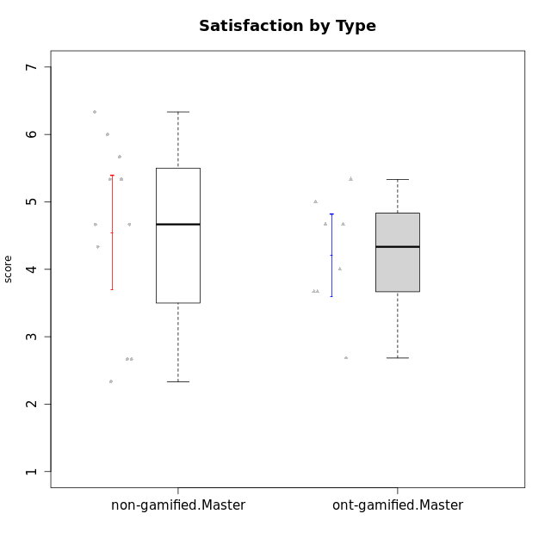

Student's t-Test data
UserID | NroUSP | Type | CLGroup | CLRole | PlayerRole | Attention | Relevance | Satisfaction | Level of Motivation
10171 | 698531 | ont-gamified | Grupo Losvakai | Master | Yee Achiever | 4.8333333333 | 6.6076 | 5.3333333333 | 5.5384615385
10172 | 10273971 | ont-gamified | Grupo Koil | Master | Yee Achiever | 4.8333333333 | 5.5 | 3.6666666667 | 4.7692307692
10175 | 10310700 | non-gamified | Grupo Team 6 | Master |  | 5.8333333333 | 6.4826 | 5.3333333333 | 6.0769230769
10184 | 10276675 | non-gamified | Grupo Team 7 | Master |  | 5.5 | 6 | 5.3333333333 | 5.6153846154
10185 | 10276960 | ont-gamified | Grupo Tosskor | Master | Yee Achiever | 4.1666666667 | 4.75 | 4 | 4.3076923077
10188 | 10276995 | ont-gamified | Grupo Paldira | Master | Yee Achiever | 4.1666666667 | 5.25 | 4.6666666667 | 4.6153846154
10193 | 10276762 | non-gamified | Grupo Team 2 | Master |  | 3.6666666667 | 4.5 | 2.6666666667 | 3.6923076923
10197 | 10276661 | non-gamified | Grupo Team 11 | Master |  | 4.3333333333 | 5 | 4.3333333333 | 4.5384615385
10201 | 10276928 | non-gamified | Grupo Team 10 | Master |  | 4.6666666667 | 5.25 | 6 | 5.1538461538
10204 | 10310471 | non-gamified | Grupo Team 5 | Master |  | 6.6376666667 | 6.25 | 6.3333333333 | 6.5384615385
10206 | 10310721 | non-gamified | Grupo Team 9 | Master |  | 3.8333333333 | 4.75 | 4.6666666667 | 4.3076923077
10208 | 10276932 | ont-gamified | Grupo Yeka | Master | Yee Socializer | 3.8333333333 | 3.75 | 3.6666666667 | 3.7692307692
10209 | 10262669 | non-gamified | Grupo Team 1 | Master |  | 1.6956666667 | 3.75 | 2.6666666667 | 2.4615384615
10211 | 9311643 | ont-gamified | Grupo Razorg | Master | Yee Achiever | 2.7674 | 4.25 | 2.6840666667 | 3.1314461538
10213 | 10277040 | non-gamified | Grupo Team 8 | Master |  | 4.5 | 5 | 5.6666666667 | 4.9230769231
10216 | 10276720 | ont-gamified | Grupo Ellaru | Master | Yee Socializer | 3.8333333333 | 5 | 4.6666666667 | 4.3846153846
10217 | 9805341 | ont-gamified | Grupo Belos | Master | Yee Socializer | 4.8333333333 | 5.75 | 5 | 5.1538461538
10223 | 9795185 | non-gamified | Grupo Team 3 | Master |  | 2 | 3.5174 | 2.3333333333 | 2.3076923077
10231 | 10276911 | non-gamified | Grupo Team 4 | Master |  | 2.5 | 5 | 4.6666666667 | 3.7692307692

Type_CLRole_6
Student's t-Test for Satisfaction by Type in Type:CLRole between ont-gamified.Apprentice:ont-gamified.Master

Student's t-Test results
Alternative hypothesis: less
Group | N | Mean | Mean.Difference | Std.deviation | Std.error | CI.lower | CI.upper | df | t.value | p.value | g | magnitude
ont-gamified.Apprentice | 13 | 4.6100307692 | 0.3995224359 | 0.89433819546 | 0.24804478626 | 4.1139411967 | 5.1061203417 | 15.328679721 | 1.0129500532 | 0.83659649849 | 0.43362986028 | small
ont-gamified.Master | 8 | 4.2105083333 | -0.3995224359 | 0.86734894605 | 0.3066541607 | 3.5972000119 | 4.8238166547 | 15.328679721 | 1.0129500532 | 0.83659649849 | 0.43362986028 | small
Alternative hypothesis: greater
Group | N | Mean | Mean.Difference | Std.deviation | Std.error | CI.lower | CI.upper | df | t.value | p.value | g | magnitude
ont-gamified.Apprentice | 13 | 4.6100307692 | 0.3995224359 | 0.89433819546 | 0.24804478626 | 4.1139411967 | 5.1061203417 | 15.328679721 | 1.0129500532 | 0.16340350151 | 0.43362986028 | small
ont-gamified.Master | 8 | 4.2105083333 | -0.3995224359 | 0.86734894605 | 0.3066541607 | 3.5972000119 | 4.8238166547 | 15.328679721 | 1.0129500532 | 0.16340350151 | 0.43362986028 | small
Alternative hypothesis: two.sided
Group | N | Mean | Mean.Difference | Std.deviation | Std.error | CI.lower | CI.upper | df | t.value | p.value | g | magnitude
ont-gamified.Apprentice | 13 | 4.6100307692 | 0.3995224359 | 0.89433819546 | 0.24804478626 | 4.1139411967 | 5.1061203417 | 15.328679721 | 1.0129500532 | 0.32680700302 | 0.43362986028 | small
ont-gamified.Master | 8 | 4.2105083333 | -0.3995224359 | 0.86734894605 | 0.3066541607 | 3.5972000119 | 4.8238166547 | 15.328679721 | 1.0129500532 | 0.32680700302 | 0.43362986028 | small

Box plots for Student's t-Test


Student's t-Test data
UserID | NroUSP | Type | CLGroup | CLRole | PlayerRole | Attention | Relevance | Satisfaction | Level of Motivation
10171 | 698531 | ont-gamified | Grupo Losvakai | Master | Yee Achiever | 4.8333333333 | 6.6076 | 5.3333333333 | 5.5384615385
10172 | 10273971 | ont-gamified | Grupo Koil | Master | Yee Achiever | 4.8333333333 | 5.5 | 3.6666666667 | 4.7692307692
10179 | 10310759 | ont-gamified | Grupo Tosskor | Apprentice | Yee Achiever | 4.1666666667 | 5.25 | 4.3333333333 | 4.5384615385
10185 | 10276960 | ont-gamified | Grupo Tosskor | Master | Yee Achiever | 4.1666666667 | 4.75 | 4 | 4.3076923077
10187 | 9790781 | ont-gamified | Grupo Razorg | Apprentice | Yee Achiever | 4.5 | 2.9011 | 4.6666666667 | 4
10188 | 10276995 | ont-gamified | Grupo Paldira | Master | Yee Achiever | 4.1666666667 | 5.25 | 4.6666666667 | 4.6153846154
10191 | 10276981 | ont-gamified | Grupo Yeka | Apprentice | Yee Socializer | 5.7326 | 5.75 | 5.6492666667 | 5.9230769231
10192 | 10276682 | ont-gamified | Grupo Yeka | Apprentice | Yee Socializer | 5.7326 | 5.75 | 5.6492666667 | 6.3846153846
10202 | 10277036 | ont-gamified | Grupo Paldira | Apprentice | Yee Achiever | 4 | 3.5 | 4 | 3.8461538462
10203 | 9921470 | ont-gamified | Grupo Paldira | Apprentice | Yee Achiever | 5.7326 | 7 | 5.6492666667 | 6.5143692308
10208 | 10276932 | ont-gamified | Grupo Yeka | Master | Yee Socializer | 3.8333333333 | 3.75 | 3.6666666667 | 3.7692307692
10210 | 10277015 | ont-gamified | Grupo Losvakai | Apprentice | Yee Achiever | 3.1666666667 | 4.75 | 3.6666666667 | 3.7692307692
10211 | 9311643 | ont-gamified | Grupo Razorg | Master | Yee Achiever | 2.7674 | 4.25 | 2.6840666667 | 3.1314461538
10214 | 10277022 | ont-gamified | Grupo Koil | Apprentice | Yee Achiever | 4.5 | 5.75 | 3.6666666667 | 4.6923076923
10216 | 10276720 | ont-gamified | Grupo Ellaru | Master | Yee Socializer | 3.8333333333 | 5 | 4.6666666667 | 4.3846153846
10217 | 9805341 | ont-gamified | Grupo Belos | Master | Yee Socializer | 4.8333333333 | 5.75 | 5 | 5.1538461538
10219 | 10276831 | ont-gamified | Grupo Razorg | Apprentice | Yee Achiever | 2.7674 | 2.9011 | 3.3333333333 | 2.8461538462
10226 | 10310342 | ont-gamified | Grupo Yeka | Apprentice | Yee Socializer | 5 | 6.25 | 5.6492666667 | 5.5384615385
10230 | 10351992 | ont-gamified | Grupo Koil | Apprentice | Yee Achiever | 5.7326 | 6 | 5.3333333333 | 5.9230769231
10237 | 10377688 | ont-gamified | Grupo Ellaru | Apprentice | Yee Socializer | 3.8333333333 | 6 | 3.6666666667 | 4.4615384615
10238 | 10276953 | ont-gamified | Grupo Belos | Apprentice | Yee Socializer | 4.5 | 4.25 | 4.6666666667 | 4.4615384615

