Assumptions
ANOVA assumptions for Relevance by Type

Shapiro-Wilk normality test for Relevance by Type
W | p.value
0.96592320438 | 0.10243711533

Plots for normality test
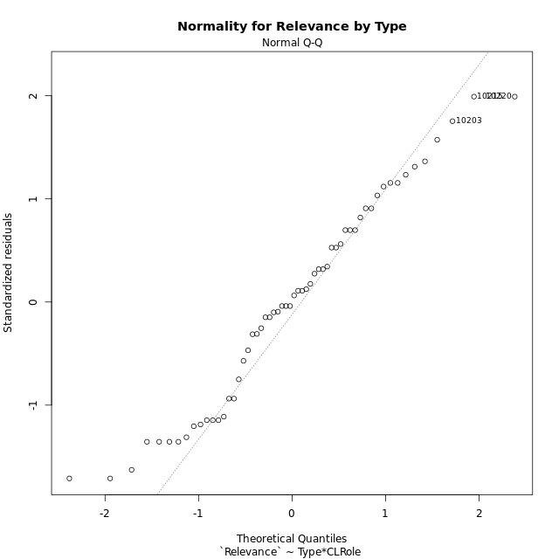

Levene's Test for Homogeneity of Variance in Relevance by Type
Df | F value | Pr(>F)
3 | 1.797536612 | 0.15861312824
54

Plots for homogeneity of variance
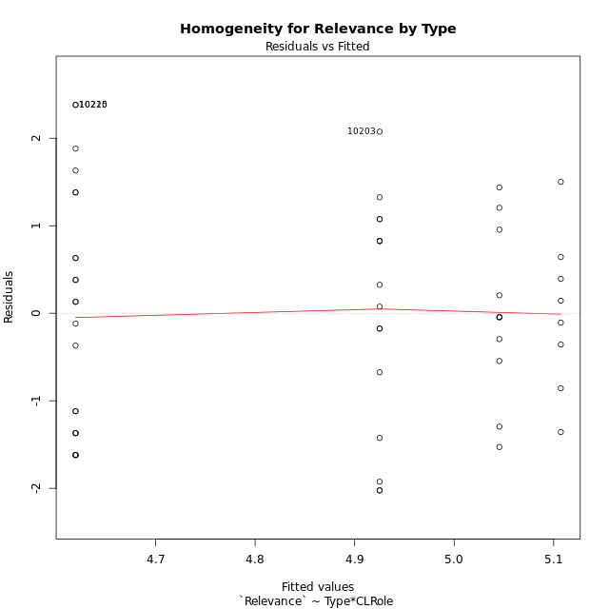

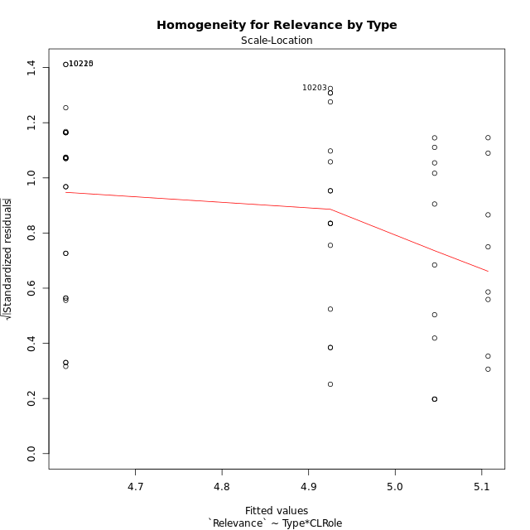

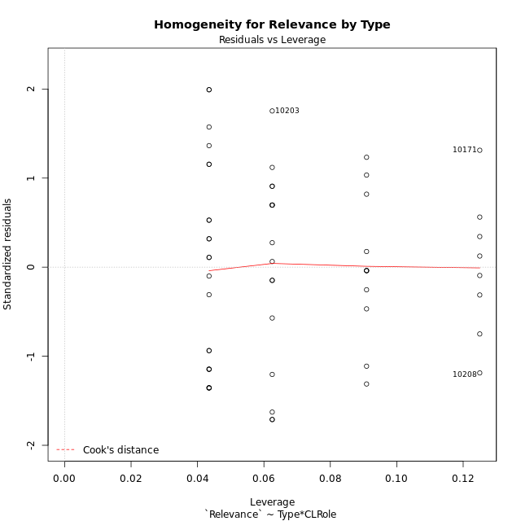

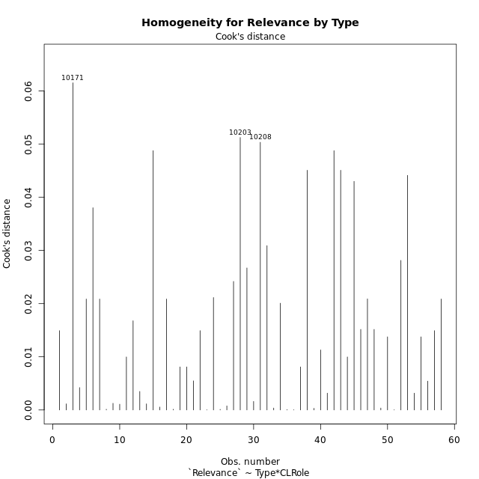

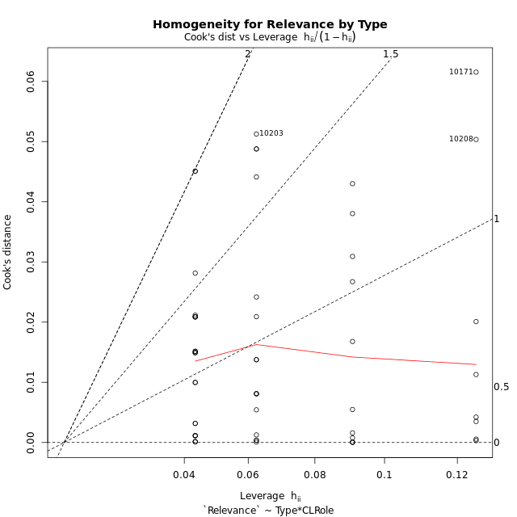

Minimum Sample Size Test for Relevance by Type
Type | CLRole | Freq
non-gamified | Apprentice | 23
ont-gamified | Apprentice | 16
non-gamified | Master | 11
ont-gamified | Master | 8

Errors and Warnings in Sample Size Test for ANOVA in Relevance by Type
code | description
WARN: sample.size | current size is 11 and recommended size is 15 for the group: 'non-gamified:Master'.
WARN: sample.size | current size is 8 and recommended size is 15 for the group: 'ont-gamified:Master'.

For the group: 'non-gamified:Apprentice', you can perform a parametric test without having a normal distribution For the group: 'ont-gamified:Apprentice', you can perform a parametric test without having a normal distribution For the group: 'non-gamified:Master', we recommend the use of non-parametric test. For the group: 'ont-gamified:Master', we recommend the use of non-parametric test.

If you don't want to remove non-normal data, you must cite the following references: ... (1) Lix, L.M., J.C. Keselman, and H.J. Keselman. 1996. Consequences of assumption violations revisited: A quantitative review of alternatives to the one-way analysis of variance F test. Rev. Educ. Res. 66: 579-619. ... (2) Harwell, M.R., E.N. Rubinstein, W.S. Hayes, and C.C. Olds. 1992. Summarizing Monte Carlo results in methodological research: the one- and two-factor fixed effects ANOVA cases. J. Educ. Stat. 17: 315-339.

Post-hoc
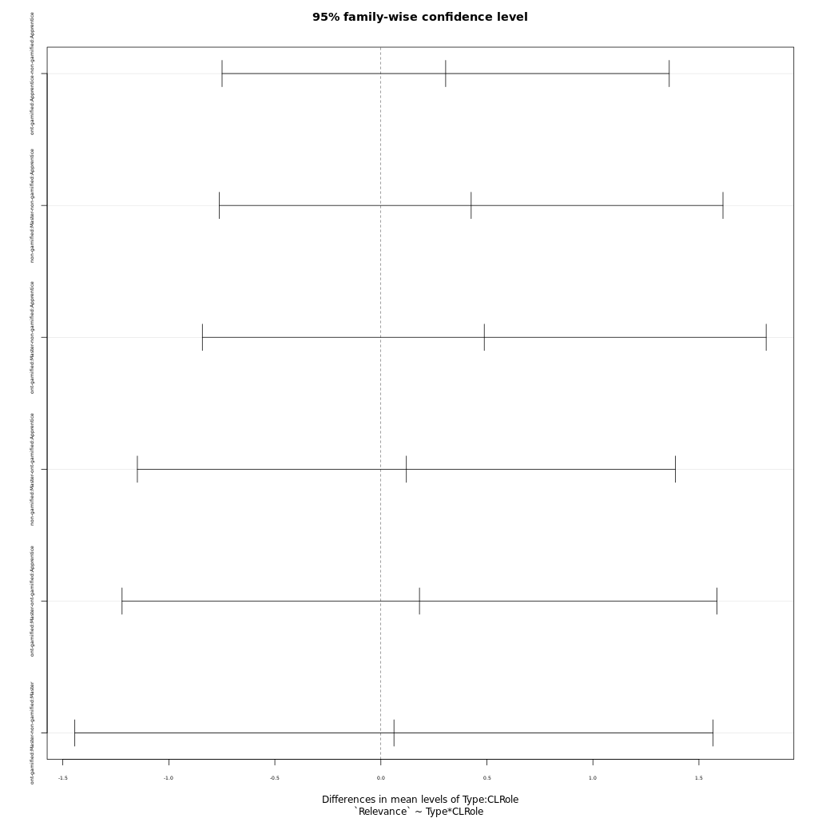
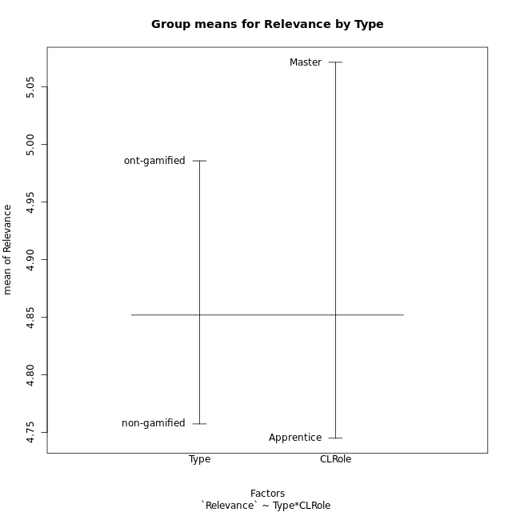
Post-hoc Tukey Honestly Significant Difference (HSD) Test for Relevance by Type

Comparisons of means for Type
 | diff | lwr | upr | p adj
ont-gamified-non-gamified | 0.22847205882 | -0.42468441981 | 0.88162853745 | 0.48612694834

Comparisons of means for CLRole
 | diff | lwr | upr | p adj
Master-Apprentice | 0.32405779154 | -0.36135659264 | 1.0094721757 | 0.34740875862

Comparisons of means for Type:CLRole
 | diff | lwr | upr | p adj
ont-gamified:Apprentice-non-gamified:Apprentice | 0.30557228261 | -0.74895495963 | 1.3600995248 | 0.86842575824
non-gamified:Master-non-gamified:Apprentice | 0.42588932806 | -0.76159697053 | 1.6133756267 | 0.77764416244
ont-gamified:Master-non-gamified:Apprentice | 0.48763478261 | -0.84196625343 | 1.8172358186 | 0.7657346039
non-gamified:Master-ont-gamified:Apprentice | 0.12031704545 | -1.1484297479 | 1.3890638388 | 0.99435765885
ont-gamified:Master-ont-gamified:Apprentice | 0.1820625 | -1.2205898558 | 1.5847148558 | 0.98584164099
ont-gamified:Master-non-gamified:Master | 0.061745454545 | -1.4434221893 | 1.5669130984 | 0.99953392024

Contrast Matrices for Relevance by Type - Type
contrast | estimate | SE | df | t.ratio | p.value
non-gamified - ont-gamified | -0.18365886858 | 0.34664269501 | 54 | -0.52982183447 | 0.59840722786

Contrast Matrices for Relevance by Type - Type:CLRole
contrast | CLRole | estimate | SE | df | t.ratio | p.value
non-gamified - ont-gamified | Apprentice | -0.30557228261 | 0.39780339608 | 54 | -0.76814900431 | 0.44574493961
non-gamified - ont-gamified | Master | -0.061745454545 | 0.56780022022 | 54 | -0.10874503451 | 0.91380780553

Least Squares Means and Confidence Intervals for Type
Type | lsmean | SE | df | lower.CL | upper.CL | Pairs
non-gamified | 4.8325098814 | 0.22398002795 | 54 | 4.3834569624 | 5.2815628004 | non-gamified
ont-gamified | 5.01616875 | 0.26456399053 | 54 | 4.485749885 | 5.546587615 | ont-gamified

Least Squares Means and Confidence Intervals for Type:CLRole
Type | CLRole | lsmean | SE | df | lower.CL | upper.CL | Pairs
non-gamified | Apprentice | 4.6195652174 | 0.25479809356 | 54 | 4.1087257969 | 5.1304046378 | non-gamified.Apprentice
ont-gamified | Apprentice | 4.9251375 | 0.3054921823 | 54 | 4.312662551 | 5.537612449 | ont-gamified.Apprentice
non-gamified | Master | 5.0454545455 | 0.36843743457 | 54 | 4.3067819639 | 5.784127127 | non-gamified.Master
ont-gamified | Master | 5.1072 | 0.43203118741 | 54 | 4.2410296205 | 5.9733703795 | ont-gamified.Master

Plots

Type_1
Student's t-Test for Relevance by Type in Type between non-gamified:ont-gamified

Student's t-Test results
Alternative hypothesis: less
Group | N | Mean | Mean.Difference | Std.deviation | Std.error | CI.lower | CI.upper | df | t.value | p.value | g | magnitude
non-gamified | 34 | 4.7573529412 | -0.22847205882 | 1.248718947 | 0.21415353265 | 4.3290458759 | 5.1856600065 | 51.949618036 | -0.71719443715 | 0.238233306 | -0.1860867896 | negligible
ont-gamified | 24 | 4.985825 | 0.22847205882 | 1.1553809431 | 0.23584114743 | 4.5141427051 | 5.4575072949 | 51.949618036 | -0.71719443715 | 0.238233306 | -0.1860867896 | negligible
Alternative hypothesis: greater
Group | N | Mean | Mean.Difference | Std.deviation | Std.error | CI.lower | CI.upper | df | t.value | p.value | g | magnitude
non-gamified | 34 | 4.7573529412 | -0.22847205882 | 1.248718947 | 0.21415353265 | 4.3290458759 | 5.1856600065 | 51.949618036 | -0.71719443715 | 0.761766694 | -0.1860867896 | negligible
ont-gamified | 24 | 4.985825 | 0.22847205882 | 1.1553809431 | 0.23584114743 | 4.5141427051 | 5.4575072949 | 51.949618036 | -0.71719443715 | 0.761766694 | -0.1860867896 | negligible
Alternative hypothesis: two.sided
Group | N | Mean | Mean.Difference | Std.deviation | Std.error | CI.lower | CI.upper | df | t.value | p.value | g | magnitude
non-gamified | 34 | 4.7573529412 | -0.22847205882 | 1.248718947 | 0.21415353265 | 4.3290458759 | 5.1856600065 | 51.949618036 | -0.71719443715 | 0.476466612 | -0.1860867896 | negligible
ont-gamified | 24 | 4.985825 | 0.22847205882 | 1.1553809431 | 0.23584114743 | 4.5141427051 | 5.4575072949 | 51.949618036 | -0.71719443715 | 0.476466612 | -0.1860867896 | negligible

Box plots for Student's t-Test
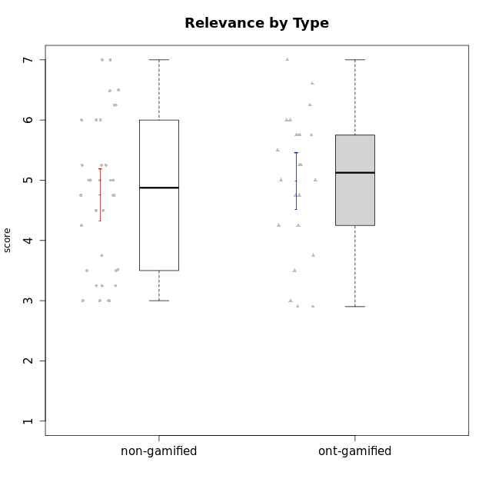

Student's t-Test data
UserID | NroUSP | Type | CLGroup | CLRole | PlayerRole | Attention | Relevance | Satisfaction | Level of Motivation
10169 | 10377538 | non-gamified | Grupo Team 10 | Apprentice |  | 1.8333333333 | 3.25 | 2 | 2.3076923077
10170 | 10260351 | non-gamified | Grupo Team 6 | Apprentice |  | 4.6666666667 | 5 | 4 | 4.6153846154
10171 | 698531 | ont-gamified | Grupo Losvakai | Master | Yee Achiever | 4.8333333333 | 6.6076 | 5.3333333333 | 5.5384615385
10172 | 10273971 | ont-gamified | Grupo Koil | Master | Yee Achiever | 4.8333333333 | 5.5 | 3.6666666667 | 4.7692307692
10174 | 10276852 | non-gamified | Grupo Team 1 | Apprentice |  | 3.1666666667 | 3 | 4 | 3.3076923077
10175 | 10310700 | non-gamified | Grupo Team 6 | Master |  | 5.8333333333 | 6.4826 | 5.3333333333 | 6.0769230769
10176 | 10276949 | non-gamified | Grupo Team 9 | Apprentice |  | 3 | 3 | 3.3333333333 | 3.0769230769
10178 | 8656201 | non-gamified | Grupo Team 11 | Apprentice |  | 4.8333333333 | 4.75 | 4.3333333333 | 4.6923076923
10179 | 10310759 | ont-gamified | Grupo Tosskor | Apprentice | Yee Achiever | 4.1666666667 | 5.25 | 4.3333333333 | 4.5384615385
10181 | 10276866 | non-gamified | Grupo Team 7 | Apprentice |  | 4.1666666667 | 4.25 | 3.6666666667 | 4.0769230769
10183 | 10352030 | non-gamified | Grupo Belos | Apprentice | Yee Socializer | 3.1666666667 | 3.5 | 4 | 3.4615384615
10184 | 10276675 | non-gamified | Grupo Team 7 | Master |  | 5.5 | 6 | 5.3333333333 | 5.6153846154
10185 | 10276960 | ont-gamified | Grupo Tosskor | Master | Yee Achiever | 4.1666666667 | 4.75 | 4 | 4.3076923077
10186 | 10310551 | non-gamified | Grupo Team 5 | Apprentice |  | 3.3333333333 | 5 | 5.6666666667 | 4.3846153846
10187 | 9790781 | ont-gamified | Grupo Razorg | Apprentice | Yee Achiever | 4.5 | 2.9011 | 4.6666666667 | 4
10188 | 10276995 | ont-gamified | Grupo Paldira | Master | Yee Achiever | 4.1666666667 | 5.25 | 4.6666666667 | 4.6153846154
10189 | 9363926 | non-gamified | Grupo Team 2 | Apprentice |  | 1.6956666667 | 3 | 1.3681333333 | 2.2177384615
10190 | 10276907 | non-gamified | Grupo Team 8 | Apprentice |  | 2.1666666667 | 4.75 | 6 | 3.8461538462
10191 | 10276981 | ont-gamified | Grupo Yeka | Apprentice | Yee Socializer | 5.7326 | 5.75 | 5.6492666667 | 5.9230769231
10192 | 10276682 | ont-gamified | Grupo Yeka | Apprentice | Yee Socializer | 5.7326 | 5.75 | 5.6492666667 | 6.3846153846
10193 | 10276762 | non-gamified | Grupo Team 2 | Master |  | 3.6666666667 | 4.5 | 2.6666666667 | 3.6923076923
10196 | 10310655 | non-gamified | Grupo Team 5 | Apprentice |  | 3.6666666667 | 3.25 | 4.3333333333 | 3.6923076923
10197 | 10276661 | non-gamified | Grupo Team 11 | Master |  | 4.3333333333 | 5 | 4.3333333333 | 4.5384615385
10198 | 10310888 | non-gamified | Grupo Team 1 | Apprentice |  | 6.6376666667 | 6.25 | 6 | 6.5384615385
10200 | 9795272 | non-gamified | Grupo Team 4 | Apprentice |  | 4.5 | 4.5 | 5.3333333333 | 4.6923076923
10201 | 10276928 | non-gamified | Grupo Team 10 | Master |  | 4.6666666667 | 5.25 | 6 | 5.1538461538
10202 | 10277036 | ont-gamified | Grupo Paldira | Apprentice | Yee Achiever | 4 | 3.5 | 4 | 3.8461538462
10203 | 9921470 | ont-gamified | Grupo Paldira | Apprentice | Yee Achiever | 5.7326 | 7 | 5.6492666667 | 6.5143692308
10204 | 10310471 | non-gamified | Grupo Team 5 | Master |  | 6.6376666667 | 6.25 | 6.3333333333 | 6.5384615385
10206 | 10310721 | non-gamified | Grupo Team 9 | Master |  | 3.8333333333 | 4.75 | 4.6666666667 | 4.3076923077
10208 | 10276932 | ont-gamified | Grupo Yeka | Master | Yee Socializer | 3.8333333333 | 3.75 | 3.6666666667 | 3.7692307692
10209 | 10262669 | non-gamified | Grupo Team 1 | Master |  | 1.6956666667 | 3.75 | 2.6666666667 | 2.4615384615
10210 | 10277015 | ont-gamified | Grupo Losvakai | Apprentice | Yee Achiever | 3.1666666667 | 4.75 | 3.6666666667 | 3.7692307692
10211 | 9311643 | ont-gamified | Grupo Razorg | Master | Yee Achiever | 2.7674 | 4.25 | 2.6840666667 | 3.1314461538
10212 | 9065750 | ont-gamified | Grupo Ellaru | Apprentice | Yee Socializer | 3.3333333333 | 5 | 3 | 3.7692307692
10213 | 10277040 | non-gamified | Grupo Team 8 | Master |  | 4.5 | 5 | 5.6666666667 | 4.9230769231
10214 | 10277022 | ont-gamified | Grupo Koil | Apprentice | Yee Achiever | 4.5 | 5.75 | 3.6666666667 | 4.6923076923
10215 | 9285227 | non-gamified | Grupo Team 7 | Apprentice |  | 4.5 | 7 | 4.3333333333 | 5.2307692308
10216 | 10276720 | ont-gamified | Grupo Ellaru | Master | Yee Socializer | 3.8333333333 | 5 | 4.6666666667 | 4.3846153846
10217 | 9805341 | ont-gamified | Grupo Belos | Master | Yee Socializer | 4.8333333333 | 5.75 | 5 | 5.1538461538
10218 | 9842913 | non-gamified | Grupo Team 10 | Apprentice |  | 3.1666666667 | 5.25 | 5 | 4.2307692308
10219 | 10276831 | ont-gamified | Grupo Razorg | Apprentice | Yee Achiever | 2.7674 | 2.9011 | 3.3333333333 | 2.8461538462
10220 | 9760151 | non-gamified | Grupo Team 4 | Apprentice |  | 1.6956666667 | 7 | 6 | 4.2307692308
10221 | 9082496 | non-gamified | Grupo Team 3 | Apprentice |  | 3.5 | 3.5 | 2.6666666667 | 3.3076923077
10223 | 9795185 | non-gamified | Grupo Team 3 | Master |  | 2 | 3.5174 | 2.3333333333 | 2.3076923077
10224 | 9368772 | non-gamified | Grupo Team 9 | Apprentice |  | 5.3333333333 | 6 | 5.6666666667 | 5.6153846154
10226 | 10310342 | ont-gamified | Grupo Yeka | Apprentice | Yee Socializer | 5 | 6.25 | 5.6492666667 | 5.5384615385
10227 | 9274382 | non-gamified | Grupo Team 2 | Apprentice |  | 5.8333333333 | 6 | 5.6666666667 | 5.8461538462
10228 | 10310492 | ont-gamified | Grupo Losvakai | Apprentice | Yee Achiever | 4.1666666667 | 4.75 | 4 | 4.3076923077
10230 | 10351992 | ont-gamified | Grupo Koil | Apprentice | Yee Achiever | 5.7326 | 6 | 5.3333333333 | 5.9230769231
10231 | 10276911 | non-gamified | Grupo Team 4 | Master |  | 2.5 | 5 | 4.6666666667 | 3.7692307692
10232 | 10276974 | non-gamified | Grupo Team 3 | Apprentice |  | 5.1666666667 | 6.5 | 5.6666666667 | 5.6923076923
10233 | 9805320 | ont-gamified | Grupo Tosskor | Apprentice | Yee Achiever | 4.3333333333 | 3 | 2.6840666667 | 3.2307692308
10234 | 10310676 | non-gamified | Grupo Team 6 | Apprentice |  | 4.6666666667 | 5.25 | 4 | 4.6923076923
10237 | 10377688 | ont-gamified | Grupo Ellaru | Apprentice | Yee Socializer | 3.8333333333 | 6 | 3.6666666667 | 4.4615384615
10238 | 10276953 | ont-gamified | Grupo Belos | Apprentice | Yee Socializer | 4.5 | 4.25 | 4.6666666667 | 4.4615384615
10240 | 10276654 | non-gamified | Grupo Team 8 | Apprentice |  | 2 | 3.25 | 1.6666666667 | 2.3076923077
10242 | 9424506 | non-gamified | Grupo Team 11 | Apprentice |  | 1.6956666667 | 3 | 1.3681333333 | 2.2177384615

Type_CLRole_1
Student's t-Test for Relevance by Type in Type:CLRole between non-gamified.Apprentice:non-gamified.Master

Student's t-Test results
Alternative hypothesis: less
Group | N | Mean | Mean.Difference | Std.deviation | Std.error | CI.lower | CI.upper | df | t.value | p.value | g | magnitude
non-gamified.Apprentice | 23 | 4.6195652174 | -0.42588932806 | 1.3690357531 | 0.28546368788 | 4.0486378416 | 5.1904925932 | 27.604179067 | -1.0576165447 | 0.149699146 | -0.33230720424 | small
non-gamified.Master | 11 | 5.0454545455 | 0.42588932806 | 0.94199141436 | 0.28402109792 | 4.4774123496 | 5.6134967413 | 27.604179067 | -1.0576165447 | 0.149699146 | -0.33230720424 | small
Alternative hypothesis: greater
Group | N | Mean | Mean.Difference | Std.deviation | Std.error | CI.lower | CI.upper | df | t.value | p.value | g | magnitude
non-gamified.Apprentice | 23 | 4.6195652174 | -0.42588932806 | 1.3690357531 | 0.28546368788 | 4.0486378416 | 5.1904925932 | 27.604179067 | -1.0576165447 | 0.850300854 | -0.33230720424 | small
non-gamified.Master | 11 | 5.0454545455 | 0.42588932806 | 0.94199141436 | 0.28402109792 | 4.4774123496 | 5.6134967413 | 27.604179067 | -1.0576165447 | 0.850300854 | -0.33230720424 | small
Alternative hypothesis: two.sided
Group | N | Mean | Mean.Difference | Std.deviation | Std.error | CI.lower | CI.upper | df | t.value | p.value | g | magnitude
non-gamified.Apprentice | 23 | 4.6195652174 | -0.42588932806 | 1.3690357531 | 0.28546368788 | 4.0486378416 | 5.1904925932 | 27.604179067 | -1.0576165447 | 0.29939829201 | -0.33230720424 | small
non-gamified.Master | 11 | 5.0454545455 | 0.42588932806 | 0.94199141436 | 0.28402109792 | 4.4774123496 | 5.6134967413 | 27.604179067 | -1.0576165447 | 0.29939829201 | -0.33230720424 | small

Box plots for Student's t-Test
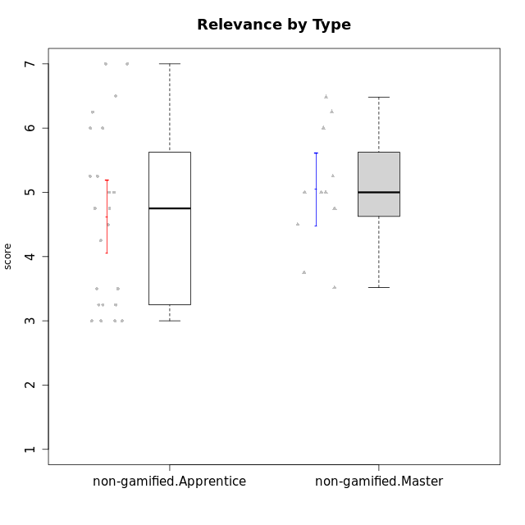

Student's t-Test data
UserID | NroUSP | Type | CLGroup | CLRole | PlayerRole | Attention | Relevance | Satisfaction | Level of Motivation
10169 | 10377538 | non-gamified | Grupo Team 10 | Apprentice |  | 1.8333333333 | 3.25 | 2 | 2.3076923077
10170 | 10260351 | non-gamified | Grupo Team 6 | Apprentice |  | 4.6666666667 | 5 | 4 | 4.6153846154
10174 | 10276852 | non-gamified | Grupo Team 1 | Apprentice |  | 3.1666666667 | 3 | 4 | 3.3076923077
10175 | 10310700 | non-gamified | Grupo Team 6 | Master |  | 5.8333333333 | 6.4826 | 5.3333333333 | 6.0769230769
10176 | 10276949 | non-gamified | Grupo Team 9 | Apprentice |  | 3 | 3 | 3.3333333333 | 3.0769230769
10178 | 8656201 | non-gamified | Grupo Team 11 | Apprentice |  | 4.8333333333 | 4.75 | 4.3333333333 | 4.6923076923
10181 | 10276866 | non-gamified | Grupo Team 7 | Apprentice |  | 4.1666666667 | 4.25 | 3.6666666667 | 4.0769230769
10183 | 10352030 | non-gamified | Grupo Belos | Apprentice | Yee Socializer | 3.1666666667 | 3.5 | 4 | 3.4615384615
10184 | 10276675 | non-gamified | Grupo Team 7 | Master |  | 5.5 | 6 | 5.3333333333 | 5.6153846154
10186 | 10310551 | non-gamified | Grupo Team 5 | Apprentice |  | 3.3333333333 | 5 | 5.6666666667 | 4.3846153846
10189 | 9363926 | non-gamified | Grupo Team 2 | Apprentice |  | 1.6956666667 | 3 | 1.3681333333 | 2.2177384615
10190 | 10276907 | non-gamified | Grupo Team 8 | Apprentice |  | 2.1666666667 | 4.75 | 6 | 3.8461538462
10193 | 10276762 | non-gamified | Grupo Team 2 | Master |  | 3.6666666667 | 4.5 | 2.6666666667 | 3.6923076923
10196 | 10310655 | non-gamified | Grupo Team 5 | Apprentice |  | 3.6666666667 | 3.25 | 4.3333333333 | 3.6923076923
10197 | 10276661 | non-gamified | Grupo Team 11 | Master |  | 4.3333333333 | 5 | 4.3333333333 | 4.5384615385
10198 | 10310888 | non-gamified | Grupo Team 1 | Apprentice |  | 6.6376666667 | 6.25 | 6 | 6.5384615385
10200 | 9795272 | non-gamified | Grupo Team 4 | Apprentice |  | 4.5 | 4.5 | 5.3333333333 | 4.6923076923
10201 | 10276928 | non-gamified | Grupo Team 10 | Master |  | 4.6666666667 | 5.25 | 6 | 5.1538461538
10204 | 10310471 | non-gamified | Grupo Team 5 | Master |  | 6.6376666667 | 6.25 | 6.3333333333 | 6.5384615385
10206 | 10310721 | non-gamified | Grupo Team 9 | Master |  | 3.8333333333 | 4.75 | 4.6666666667 | 4.3076923077
10209 | 10262669 | non-gamified | Grupo Team 1 | Master |  | 1.6956666667 | 3.75 | 2.6666666667 | 2.4615384615
10213 | 10277040 | non-gamified | Grupo Team 8 | Master |  | 4.5 | 5 | 5.6666666667 | 4.9230769231
10215 | 9285227 | non-gamified | Grupo Team 7 | Apprentice |  | 4.5 | 7 | 4.3333333333 | 5.2307692308
10218 | 9842913 | non-gamified | Grupo Team 10 | Apprentice |  | 3.1666666667 | 5.25 | 5 | 4.2307692308
10220 | 9760151 | non-gamified | Grupo Team 4 | Apprentice |  | 1.6956666667 | 7 | 6 | 4.2307692308
10221 | 9082496 | non-gamified | Grupo Team 3 | Apprentice |  | 3.5 | 3.5 | 2.6666666667 | 3.3076923077
10223 | 9795185 | non-gamified | Grupo Team 3 | Master |  | 2 | 3.5174 | 2.3333333333 | 2.3076923077
10224 | 9368772 | non-gamified | Grupo Team 9 | Apprentice |  | 5.3333333333 | 6 | 5.6666666667 | 5.6153846154
10227 | 9274382 | non-gamified | Grupo Team 2 | Apprentice |  | 5.8333333333 | 6 | 5.6666666667 | 5.8461538462
10231 | 10276911 | non-gamified | Grupo Team 4 | Master |  | 2.5 | 5 | 4.6666666667 | 3.7692307692
10232 | 10276974 | non-gamified | Grupo Team 3 | Apprentice |  | 5.1666666667 | 6.5 | 5.6666666667 | 5.6923076923
10234 | 10310676 | non-gamified | Grupo Team 6 | Apprentice |  | 4.6666666667 | 5.25 | 4 | 4.6923076923
10240 | 10276654 | non-gamified | Grupo Team 8 | Apprentice |  | 2 | 3.25 | 1.6666666667 | 2.3076923077
10242 | 9424506 | non-gamified | Grupo Team 11 | Apprentice |  | 1.6956666667 | 3 | 1.3681333333 | 2.2177384615

Type_CLRole_2
Student's t-Test for Relevance by Type in Type:CLRole between non-gamified.Apprentice:ont-gamified.Apprentice

Student's t-Test results
Alternative hypothesis: less
Group | N | Mean | Mean.Difference | Std.deviation | Std.error | CI.lower | CI.upper | df | t.value | p.value | g | magnitude
non-gamified.Apprentice | 23 | 4.6195652174 | -0.30557228261 | 1.3690357531 | 0.28546368788 | 4.0486378416 | 5.1904925932 | 33.631471465 | -0.70941468584 | 0.24147837931 | -0.22377691322 | small
ont-gamified.Apprentice | 16 | 4.9251375 | 0.30557228261 | 1.2902478345 | 0.32256195863 | 4.2800135827 | 5.5702614173 | 33.631471465 | -0.70941468584 | 0.24147837931 | -0.22377691322 | small
Alternative hypothesis: greater
Group | N | Mean | Mean.Difference | Std.deviation | Std.error | CI.lower | CI.upper | df | t.value | p.value | g | magnitude
non-gamified.Apprentice | 23 | 4.6195652174 | -0.30557228261 | 1.3690357531 | 0.28546368788 | 4.0486378416 | 5.1904925932 | 33.631471465 | -0.70941468584 | 0.75852162069 | -0.22377691322 | small
ont-gamified.Apprentice | 16 | 4.9251375 | 0.30557228261 | 1.2902478345 | 0.32256195863 | 4.2800135827 | 5.5702614173 | 33.631471465 | -0.70941468584 | 0.75852162069 | -0.22377691322 | small
Alternative hypothesis: two.sided
Group | N | Mean | Mean.Difference | Std.deviation | Std.error | CI.lower | CI.upper | df | t.value | p.value | g | magnitude
non-gamified.Apprentice | 23 | 4.6195652174 | -0.30557228261 | 1.3690357531 | 0.28546368788 | 4.0486378416 | 5.1904925932 | 33.631471465 | -0.70941468584 | 0.48295675863 | -0.22377691322 | small
ont-gamified.Apprentice | 16 | 4.9251375 | 0.30557228261 | 1.2902478345 | 0.32256195863 | 4.2800135827 | 5.5702614173 | 33.631471465 | -0.70941468584 | 0.48295675863 | -0.22377691322 | small

Box plots for Student's t-Test
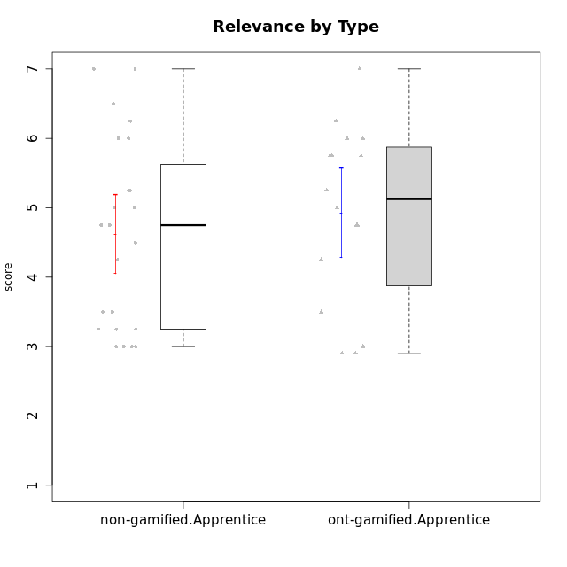

Student's t-Test data
UserID | NroUSP | Type | CLGroup | CLRole | PlayerRole | Attention | Relevance | Satisfaction | Level of Motivation
10169 | 10377538 | non-gamified | Grupo Team 10 | Apprentice |  | 1.8333333333 | 3.25 | 2 | 2.3076923077
10170 | 10260351 | non-gamified | Grupo Team 6 | Apprentice |  | 4.6666666667 | 5 | 4 | 4.6153846154
10174 | 10276852 | non-gamified | Grupo Team 1 | Apprentice |  | 3.1666666667 | 3 | 4 | 3.3076923077
10176 | 10276949 | non-gamified | Grupo Team 9 | Apprentice |  | 3 | 3 | 3.3333333333 | 3.0769230769
10178 | 8656201 | non-gamified | Grupo Team 11 | Apprentice |  | 4.8333333333 | 4.75 | 4.3333333333 | 4.6923076923
10179 | 10310759 | ont-gamified | Grupo Tosskor | Apprentice | Yee Achiever | 4.1666666667 | 5.25 | 4.3333333333 | 4.5384615385
10181 | 10276866 | non-gamified | Grupo Team 7 | Apprentice |  | 4.1666666667 | 4.25 | 3.6666666667 | 4.0769230769
10183 | 10352030 | non-gamified | Grupo Belos | Apprentice | Yee Socializer | 3.1666666667 | 3.5 | 4 | 3.4615384615
10186 | 10310551 | non-gamified | Grupo Team 5 | Apprentice |  | 3.3333333333 | 5 | 5.6666666667 | 4.3846153846
10187 | 9790781 | ont-gamified | Grupo Razorg | Apprentice | Yee Achiever | 4.5 | 2.9011 | 4.6666666667 | 4
10189 | 9363926 | non-gamified | Grupo Team 2 | Apprentice |  | 1.6956666667 | 3 | 1.3681333333 | 2.2177384615
10190 | 10276907 | non-gamified | Grupo Team 8 | Apprentice |  | 2.1666666667 | 4.75 | 6 | 3.8461538462
10191 | 10276981 | ont-gamified | Grupo Yeka | Apprentice | Yee Socializer | 5.7326 | 5.75 | 5.6492666667 | 5.9230769231
10192 | 10276682 | ont-gamified | Grupo Yeka | Apprentice | Yee Socializer | 5.7326 | 5.75 | 5.6492666667 | 6.3846153846
10196 | 10310655 | non-gamified | Grupo Team 5 | Apprentice |  | 3.6666666667 | 3.25 | 4.3333333333 | 3.6923076923
10198 | 10310888 | non-gamified | Grupo Team 1 | Apprentice |  | 6.6376666667 | 6.25 | 6 | 6.5384615385
10200 | 9795272 | non-gamified | Grupo Team 4 | Apprentice |  | 4.5 | 4.5 | 5.3333333333 | 4.6923076923
10202 | 10277036 | ont-gamified | Grupo Paldira | Apprentice | Yee Achiever | 4 | 3.5 | 4 | 3.8461538462
10203 | 9921470 | ont-gamified | Grupo Paldira | Apprentice | Yee Achiever | 5.7326 | 7 | 5.6492666667 | 6.5143692308
10210 | 10277015 | ont-gamified | Grupo Losvakai | Apprentice | Yee Achiever | 3.1666666667 | 4.75 | 3.6666666667 | 3.7692307692
10212 | 9065750 | ont-gamified | Grupo Ellaru | Apprentice | Yee Socializer | 3.3333333333 | 5 | 3 | 3.7692307692
10214 | 10277022 | ont-gamified | Grupo Koil | Apprentice | Yee Achiever | 4.5 | 5.75 | 3.6666666667 | 4.6923076923
10215 | 9285227 | non-gamified | Grupo Team 7 | Apprentice |  | 4.5 | 7 | 4.3333333333 | 5.2307692308
10218 | 9842913 | non-gamified | Grupo Team 10 | Apprentice |  | 3.1666666667 | 5.25 | 5 | 4.2307692308
10219 | 10276831 | ont-gamified | Grupo Razorg | Apprentice | Yee Achiever | 2.7674 | 2.9011 | 3.3333333333 | 2.8461538462
10220 | 9760151 | non-gamified | Grupo Team 4 | Apprentice |  | 1.6956666667 | 7 | 6 | 4.2307692308
10221 | 9082496 | non-gamified | Grupo Team 3 | Apprentice |  | 3.5 | 3.5 | 2.6666666667 | 3.3076923077
10224 | 9368772 | non-gamified | Grupo Team 9 | Apprentice |  | 5.3333333333 | 6 | 5.6666666667 | 5.6153846154
10226 | 10310342 | ont-gamified | Grupo Yeka | Apprentice | Yee Socializer | 5 | 6.25 | 5.6492666667 | 5.5384615385
10227 | 9274382 | non-gamified | Grupo Team 2 | Apprentice |  | 5.8333333333 | 6 | 5.6666666667 | 5.8461538462
10228 | 10310492 | ont-gamified | Grupo Losvakai | Apprentice | Yee Achiever | 4.1666666667 | 4.75 | 4 | 4.3076923077
10230 | 10351992 | ont-gamified | Grupo Koil | Apprentice | Yee Achiever | 5.7326 | 6 | 5.3333333333 | 5.9230769231
10232 | 10276974 | non-gamified | Grupo Team 3 | Apprentice |  | 5.1666666667 | 6.5 | 5.6666666667 | 5.6923076923
10233 | 9805320 | ont-gamified | Grupo Tosskor | Apprentice | Yee Achiever | 4.3333333333 | 3 | 2.6840666667 | 3.2307692308
10234 | 10310676 | non-gamified | Grupo Team 6 | Apprentice |  | 4.6666666667 | 5.25 | 4 | 4.6923076923
10237 | 10377688 | ont-gamified | Grupo Ellaru | Apprentice | Yee Socializer | 3.8333333333 | 6 | 3.6666666667 | 4.4615384615
10238 | 10276953 | ont-gamified | Grupo Belos | Apprentice | Yee Socializer | 4.5 | 4.25 | 4.6666666667 | 4.4615384615
10240 | 10276654 | non-gamified | Grupo Team 8 | Apprentice |  | 2 | 3.25 | 1.6666666667 | 2.3076923077
10242 | 9424506 | non-gamified | Grupo Team 11 | Apprentice |  | 1.6956666667 | 3 | 1.3681333333 | 2.2177384615

Type_CLRole_3
Student's t-Test for Relevance by Type in Type:CLRole between non-gamified.Apprentice:ont-gamified.Master

Student's t-Test results
Alternative hypothesis: less
Group | N | Mean | Mean.Difference | Std.deviation | Std.error | CI.lower | CI.upper | df | t.value | p.value | g | magnitude
non-gamified.Apprentice | 23 | 4.6195652174 | -0.48763478261 | 1.3690357531 | 0.28546368788 | 4.0486378416 | 5.1904925932 | 19.119584508 | -1.1471856658 | 0.13272911919 | -0.37388983009 | small
ont-gamified.Master | 8 | 5.1072 | 0.48763478261 | 0.89082169452 | 0.31495303051 | 4.477293939 | 5.737106061 | 19.119584508 | -1.1471856658 | 0.13272911919 | -0.37388983009 | small
Alternative hypothesis: greater
Group | N | Mean | Mean.Difference | Std.deviation | Std.error | CI.lower | CI.upper | df | t.value | p.value | g | magnitude
non-gamified.Apprentice | 23 | 4.6195652174 | -0.48763478261 | 1.3690357531 | 0.28546368788 | 4.0486378416 | 5.1904925932 | 19.119584508 | -1.1471856658 | 0.86727088081 | -0.37388983009 | small
ont-gamified.Master | 8 | 5.1072 | 0.48763478261 | 0.89082169452 | 0.31495303051 | 4.477293939 | 5.737106061 | 19.119584508 | -1.1471856658 | 0.86727088081 | -0.37388983009 | small
Alternative hypothesis: two.sided
Group | N | Mean | Mean.Difference | Std.deviation | Std.error | CI.lower | CI.upper | df | t.value | p.value | g | magnitude
non-gamified.Apprentice | 23 | 4.6195652174 | -0.48763478261 | 1.3690357531 | 0.28546368788 | 4.0486378416 | 5.1904925932 | 19.119584508 | -1.1471856658 | 0.26545823839 | -0.37388983009 | small
ont-gamified.Master | 8 | 5.1072 | 0.48763478261 | 0.89082169452 | 0.31495303051 | 4.477293939 | 5.737106061 | 19.119584508 | -1.1471856658 | 0.26545823839 | -0.37388983009 | small

Box plots for Student's t-Test
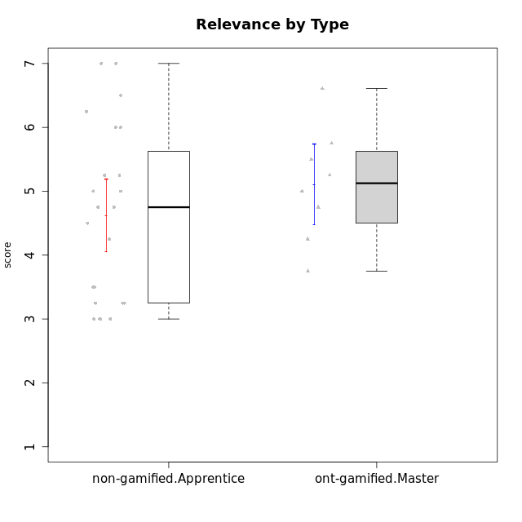

Student's t-Test data
UserID | NroUSP | Type | CLGroup | CLRole | PlayerRole | Attention | Relevance | Satisfaction | Level of Motivation
10169 | 10377538 | non-gamified | Grupo Team 10 | Apprentice |  | 1.8333333333 | 3.25 | 2 | 2.3076923077
10170 | 10260351 | non-gamified | Grupo Team 6 | Apprentice |  | 4.6666666667 | 5 | 4 | 4.6153846154
10171 | 698531 | ont-gamified | Grupo Losvakai | Master | Yee Achiever | 4.8333333333 | 6.6076 | 5.3333333333 | 5.5384615385
10172 | 10273971 | ont-gamified | Grupo Koil | Master | Yee Achiever | 4.8333333333 | 5.5 | 3.6666666667 | 4.7692307692
10174 | 10276852 | non-gamified | Grupo Team 1 | Apprentice |  | 3.1666666667 | 3 | 4 | 3.3076923077
10176 | 10276949 | non-gamified | Grupo Team 9 | Apprentice |  | 3 | 3 | 3.3333333333 | 3.0769230769
10178 | 8656201 | non-gamified | Grupo Team 11 | Apprentice |  | 4.8333333333 | 4.75 | 4.3333333333 | 4.6923076923
10181 | 10276866 | non-gamified | Grupo Team 7 | Apprentice |  | 4.1666666667 | 4.25 | 3.6666666667 | 4.0769230769
10183 | 10352030 | non-gamified | Grupo Belos | Apprentice | Yee Socializer | 3.1666666667 | 3.5 | 4 | 3.4615384615
10185 | 10276960 | ont-gamified | Grupo Tosskor | Master | Yee Achiever | 4.1666666667 | 4.75 | 4 | 4.3076923077
10186 | 10310551 | non-gamified | Grupo Team 5 | Apprentice |  | 3.3333333333 | 5 | 5.6666666667 | 4.3846153846
10188 | 10276995 | ont-gamified | Grupo Paldira | Master | Yee Achiever | 4.1666666667 | 5.25 | 4.6666666667 | 4.6153846154
10189 | 9363926 | non-gamified | Grupo Team 2 | Apprentice |  | 1.6956666667 | 3 | 1.3681333333 | 2.2177384615
10190 | 10276907 | non-gamified | Grupo Team 8 | Apprentice |  | 2.1666666667 | 4.75 | 6 | 3.8461538462
10196 | 10310655 | non-gamified | Grupo Team 5 | Apprentice |  | 3.6666666667 | 3.25 | 4.3333333333 | 3.6923076923
10198 | 10310888 | non-gamified | Grupo Team 1 | Apprentice |  | 6.6376666667 | 6.25 | 6 | 6.5384615385
10200 | 9795272 | non-gamified | Grupo Team 4 | Apprentice |  | 4.5 | 4.5 | 5.3333333333 | 4.6923076923
10208 | 10276932 | ont-gamified | Grupo Yeka | Master | Yee Socializer | 3.8333333333 | 3.75 | 3.6666666667 | 3.7692307692
10211 | 9311643 | ont-gamified | Grupo Razorg | Master | Yee Achiever | 2.7674 | 4.25 | 2.6840666667 | 3.1314461538
10215 | 9285227 | non-gamified | Grupo Team 7 | Apprentice |  | 4.5 | 7 | 4.3333333333 | 5.2307692308
10216 | 10276720 | ont-gamified | Grupo Ellaru | Master | Yee Socializer | 3.8333333333 | 5 | 4.6666666667 | 4.3846153846
10217 | 9805341 | ont-gamified | Grupo Belos | Master | Yee Socializer | 4.8333333333 | 5.75 | 5 | 5.1538461538
10218 | 9842913 | non-gamified | Grupo Team 10 | Apprentice |  | 3.1666666667 | 5.25 | 5 | 4.2307692308
10220 | 9760151 | non-gamified | Grupo Team 4 | Apprentice |  | 1.6956666667 | 7 | 6 | 4.2307692308
10221 | 9082496 | non-gamified | Grupo Team 3 | Apprentice |  | 3.5 | 3.5 | 2.6666666667 | 3.3076923077
10224 | 9368772 | non-gamified | Grupo Team 9 | Apprentice |  | 5.3333333333 | 6 | 5.6666666667 | 5.6153846154
10227 | 9274382 | non-gamified | Grupo Team 2 | Apprentice |  | 5.8333333333 | 6 | 5.6666666667 | 5.8461538462
10232 | 10276974 | non-gamified | Grupo Team 3 | Apprentice |  | 5.1666666667 | 6.5 | 5.6666666667 | 5.6923076923
10234 | 10310676 | non-gamified | Grupo Team 6 | Apprentice |  | 4.6666666667 | 5.25 | 4 | 4.6923076923
10240 | 10276654 | non-gamified | Grupo Team 8 | Apprentice |  | 2 | 3.25 | 1.6666666667 | 2.3076923077
10242 | 9424506 | non-gamified | Grupo Team 11 | Apprentice |  | 1.6956666667 | 3 | 1.3681333333 | 2.2177384615

Type_CLRole_4
Student's t-Test for Relevance by Type in Type:CLRole between non-gamified.Master:ont-gamified.Apprentice

Student's t-Test results
Alternative hypothesis: less
Group | N | Mean | Mean.Difference | Std.deviation | Std.error | CI.lower | CI.upper | df | t.value | p.value | g | magnitude
non-gamified.Master | 11 | 5.0454545455 | 0.12031704545 | 0.94199141436 | 0.28402109792 | 4.4774123496 | 5.6134967413 | 24.860347143 | 0.27994777209 | 0.60908311803 | 0.10027408293 | negligible
ont-gamified.Apprentice | 16 | 4.9251375 | -0.12031704545 | 1.2902478345 | 0.32256195863 | 4.2800135827 | 5.5702614173 | 24.860347143 | 0.27994777209 | 0.60908311803 | 0.10027408293 | negligible
Alternative hypothesis: greater
Group | N | Mean | Mean.Difference | Std.deviation | Std.error | CI.lower | CI.upper | df | t.value | p.value | g | magnitude
non-gamified.Master | 11 | 5.0454545455 | 0.12031704545 | 0.94199141436 | 0.28402109792 | 4.4774123496 | 5.6134967413 | 24.860347143 | 0.27994777209 | 0.39091688197 | 0.10027408293 | negligible
ont-gamified.Apprentice | 16 | 4.9251375 | -0.12031704545 | 1.2902478345 | 0.32256195863 | 4.2800135827 | 5.5702614173 | 24.860347143 | 0.27994777209 | 0.39091688197 | 0.10027408293 | negligible
Alternative hypothesis: two.sided
Group | N | Mean | Mean.Difference | Std.deviation | Std.error | CI.lower | CI.upper | df | t.value | p.value | g | magnitude
non-gamified.Master | 11 | 5.0454545455 | 0.12031704545 | 0.94199141436 | 0.28402109792 | 4.4774123496 | 5.6134967413 | 24.860347143 | 0.27994777209 | 0.78183376395 | 0.10027408293 | negligible
ont-gamified.Apprentice | 16 | 4.9251375 | -0.12031704545 | 1.2902478345 | 0.32256195863 | 4.2800135827 | 5.5702614173 | 24.860347143 | 0.27994777209 | 0.78183376395 | 0.10027408293 | negligible

Box plots for Student's t-Test
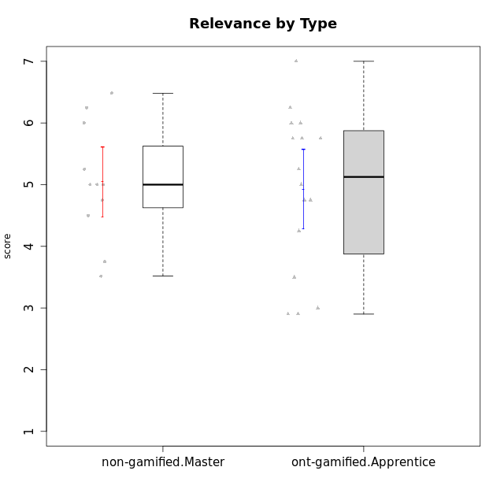

Student's t-Test data
UserID | NroUSP | Type | CLGroup | CLRole | PlayerRole | Attention | Relevance | Satisfaction | Level of Motivation
10175 | 10310700 | non-gamified | Grupo Team 6 | Master |  | 5.8333333333 | 6.4826 | 5.3333333333 | 6.0769230769
10179 | 10310759 | ont-gamified | Grupo Tosskor | Apprentice | Yee Achiever | 4.1666666667 | 5.25 | 4.3333333333 | 4.5384615385
10184 | 10276675 | non-gamified | Grupo Team 7 | Master |  | 5.5 | 6 | 5.3333333333 | 5.6153846154
10187 | 9790781 | ont-gamified | Grupo Razorg | Apprentice | Yee Achiever | 4.5 | 2.9011 | 4.6666666667 | 4
10191 | 10276981 | ont-gamified | Grupo Yeka | Apprentice | Yee Socializer | 5.7326 | 5.75 | 5.6492666667 | 5.9230769231
10192 | 10276682 | ont-gamified | Grupo Yeka | Apprentice | Yee Socializer | 5.7326 | 5.75 | 5.6492666667 | 6.3846153846
10193 | 10276762 | non-gamified | Grupo Team 2 | Master |  | 3.6666666667 | 4.5 | 2.6666666667 | 3.6923076923
10197 | 10276661 | non-gamified | Grupo Team 11 | Master |  | 4.3333333333 | 5 | 4.3333333333 | 4.5384615385
10201 | 10276928 | non-gamified | Grupo Team 10 | Master |  | 4.6666666667 | 5.25 | 6 | 5.1538461538
10202 | 10277036 | ont-gamified | Grupo Paldira | Apprentice | Yee Achiever | 4 | 3.5 | 4 | 3.8461538462
10203 | 9921470 | ont-gamified | Grupo Paldira | Apprentice | Yee Achiever | 5.7326 | 7 | 5.6492666667 | 6.5143692308
10204 | 10310471 | non-gamified | Grupo Team 5 | Master |  | 6.6376666667 | 6.25 | 6.3333333333 | 6.5384615385
10206 | 10310721 | non-gamified | Grupo Team 9 | Master |  | 3.8333333333 | 4.75 | 4.6666666667 | 4.3076923077
10209 | 10262669 | non-gamified | Grupo Team 1 | Master |  | 1.6956666667 | 3.75 | 2.6666666667 | 2.4615384615
10210 | 10277015 | ont-gamified | Grupo Losvakai | Apprentice | Yee Achiever | 3.1666666667 | 4.75 | 3.6666666667 | 3.7692307692
10212 | 9065750 | ont-gamified | Grupo Ellaru | Apprentice | Yee Socializer | 3.3333333333 | 5 | 3 | 3.7692307692
10213 | 10277040 | non-gamified | Grupo Team 8 | Master |  | 4.5 | 5 | 5.6666666667 | 4.9230769231
10214 | 10277022 | ont-gamified | Grupo Koil | Apprentice | Yee Achiever | 4.5 | 5.75 | 3.6666666667 | 4.6923076923
10219 | 10276831 | ont-gamified | Grupo Razorg | Apprentice | Yee Achiever | 2.7674 | 2.9011 | 3.3333333333 | 2.8461538462
10223 | 9795185 | non-gamified | Grupo Team 3 | Master |  | 2 | 3.5174 | 2.3333333333 | 2.3076923077
10226 | 10310342 | ont-gamified | Grupo Yeka | Apprentice | Yee Socializer | 5 | 6.25 | 5.6492666667 | 5.5384615385
10228 | 10310492 | ont-gamified | Grupo Losvakai | Apprentice | Yee Achiever | 4.1666666667 | 4.75 | 4 | 4.3076923077
10230 | 10351992 | ont-gamified | Grupo Koil | Apprentice | Yee Achiever | 5.7326 | 6 | 5.3333333333 | 5.9230769231
10231 | 10276911 | non-gamified | Grupo Team 4 | Master |  | 2.5 | 5 | 4.6666666667 | 3.7692307692
10233 | 9805320 | ont-gamified | Grupo Tosskor | Apprentice | Yee Achiever | 4.3333333333 | 3 | 2.6840666667 | 3.2307692308
10237 | 10377688 | ont-gamified | Grupo Ellaru | Apprentice | Yee Socializer | 3.8333333333 | 6 | 3.6666666667 | 4.4615384615
10238 | 10276953 | ont-gamified | Grupo Belos | Apprentice | Yee Socializer | 4.5 | 4.25 | 4.6666666667 | 4.4615384615

Type_CLRole_5
Student's t-Test for Relevance by Type in Type:CLRole between non-gamified.Master:ont-gamified.Master

Student's t-Test results
Alternative hypothesis: less
Group | N | Mean | Mean.Difference | Std.deviation | Std.error | CI.lower | CI.upper | df | t.value | p.value | g | magnitude
non-gamified.Master | 11 | 5.0454545455 | -0.061745454545 | 0.94199141436 | 0.28402109792 | 4.4774123496 | 5.6134967413 | 15.731722779 | -0.14559068794 | 0.4430468128 | -0.064021407348 | negligible
ont-gamified.Master | 8 | 5.1072 | 0.061745454545 | 0.89082169452 | 0.31495303051 | 4.477293939 | 5.737106061 | 15.731722779 | -0.14559068794 | 0.4430468128 | -0.064021407348 | negligible
Alternative hypothesis: greater
Group | N | Mean | Mean.Difference | Std.deviation | Std.error | CI.lower | CI.upper | df | t.value | p.value | g | magnitude
non-gamified.Master | 11 | 5.0454545455 | -0.061745454545 | 0.94199141436 | 0.28402109792 | 4.4774123496 | 5.6134967413 | 15.731722779 | -0.14559068794 | 0.5569531872 | -0.064021407348 | negligible
ont-gamified.Master | 8 | 5.1072 | 0.061745454545 | 0.89082169452 | 0.31495303051 | 4.477293939 | 5.737106061 | 15.731722779 | -0.14559068794 | 0.5569531872 | -0.064021407348 | negligible
Alternative hypothesis: two.sided
Group | N | Mean | Mean.Difference | Std.deviation | Std.error | CI.lower | CI.upper | df | t.value | p.value | g | magnitude
non-gamified.Master | 11 | 5.0454545455 | -0.061745454545 | 0.94199141436 | 0.28402109792 | 4.4774123496 | 5.6134967413 | 15.731722779 | -0.14559068794 | 0.8860936256 | -0.064021407348 | negligible
ont-gamified.Master | 8 | 5.1072 | 0.061745454545 | 0.89082169452 | 0.31495303051 | 4.477293939 | 5.737106061 | 15.731722779 | -0.14559068794 | 0.8860936256 | -0.064021407348 | negligible

Box plots for Student's t-Test
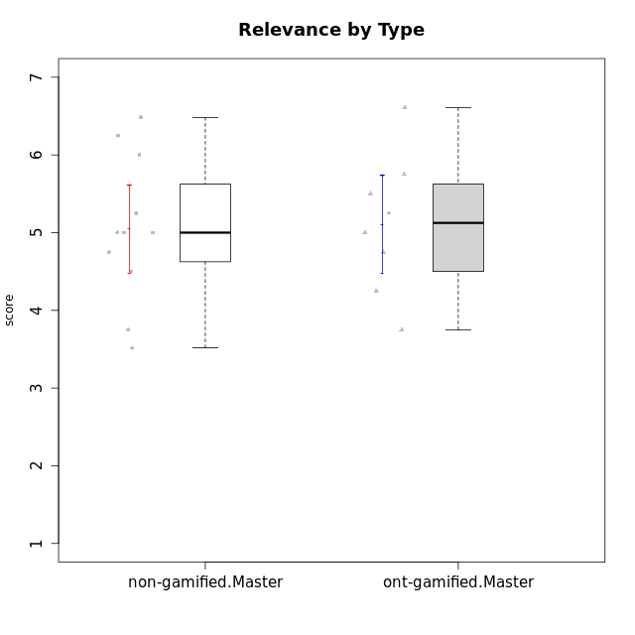

Student's t-Test data
UserID | NroUSP | Type | CLGroup | CLRole | PlayerRole | Attention | Relevance | Satisfaction | Level of Motivation
10171 | 698531 | ont-gamified | Grupo Losvakai | Master | Yee Achiever | 4.8333333333 | 6.6076 | 5.3333333333 | 5.5384615385
10172 | 10273971 | ont-gamified | Grupo Koil | Master | Yee Achiever | 4.8333333333 | 5.5 | 3.6666666667 | 4.7692307692
10175 | 10310700 | non-gamified | Grupo Team 6 | Master |  | 5.8333333333 | 6.4826 | 5.3333333333 | 6.0769230769
10184 | 10276675 | non-gamified | Grupo Team 7 | Master |  | 5.5 | 6 | 5.3333333333 | 5.6153846154
10185 | 10276960 | ont-gamified | Grupo Tosskor | Master | Yee Achiever | 4.1666666667 | 4.75 | 4 | 4.3076923077
10188 | 10276995 | ont-gamified | Grupo Paldira | Master | Yee Achiever | 4.1666666667 | 5.25 | 4.6666666667 | 4.6153846154
10193 | 10276762 | non-gamified | Grupo Team 2 | Master |  | 3.6666666667 | 4.5 | 2.6666666667 | 3.6923076923
10197 | 10276661 | non-gamified | Grupo Team 11 | Master |  | 4.3333333333 | 5 | 4.3333333333 | 4.5384615385
10201 | 10276928 | non-gamified | Grupo Team 10 | Master |  | 4.6666666667 | 5.25 | 6 | 5.1538461538
10204 | 10310471 | non-gamified | Grupo Team 5 | Master |  | 6.6376666667 | 6.25 | 6.3333333333 | 6.5384615385
10206 | 10310721 | non-gamified | Grupo Team 9 | Master |  | 3.8333333333 | 4.75 | 4.6666666667 | 4.3076923077
10208 | 10276932 | ont-gamified | Grupo Yeka | Master | Yee Socializer | 3.8333333333 | 3.75 | 3.6666666667 | 3.7692307692
10209 | 10262669 | non-gamified | Grupo Team 1 | Master |  | 1.6956666667 | 3.75 | 2.6666666667 | 2.4615384615
10211 | 9311643 | ont-gamified | Grupo Razorg | Master | Yee Achiever | 2.7674 | 4.25 | 2.6840666667 | 3.1314461538
10213 | 10277040 | non-gamified | Grupo Team 8 | Master |  | 4.5 | 5 | 5.6666666667 | 4.9230769231
10216 | 10276720 | ont-gamified | Grupo Ellaru | Master | Yee Socializer | 3.8333333333 | 5 | 4.6666666667 | 4.3846153846
10217 | 9805341 | ont-gamified | Grupo Belos | Master | Yee Socializer | 4.8333333333 | 5.75 | 5 | 5.1538461538
10223 | 9795185 | non-gamified | Grupo Team 3 | Master |  | 2 | 3.5174 | 2.3333333333 | 2.3076923077
10231 | 10276911 | non-gamified | Grupo Team 4 | Master |  | 2.5 | 5 | 4.6666666667 | 3.7692307692

Type_CLRole_6
Student's t-Test for Relevance by Type in Type:CLRole between ont-gamified.Apprentice:ont-gamified.Master

Student's t-Test results
Alternative hypothesis: less
Group | N | Mean | Mean.Difference | Std.deviation | Std.error | CI.lower | CI.upper | df | t.value | p.value | g | magnitude
ont-gamified.Apprentice | 16 | 4.9251375 | -0.1820625 | 1.2902478345 | 0.32256195863 | 4.2800135827 | 5.5702614173 | 19.416885805 | -0.40384449654 | 0.34537011755 | -0.14923018445 | negligible
ont-gamified.Master | 8 | 5.1072 | 0.1820625 | 0.89082169452 | 0.31495303051 | 4.477293939 | 5.737106061 | 19.416885805 | -0.40384449654 | 0.34537011755 | -0.14923018445 | negligible
Alternative hypothesis: greater
Group | N | Mean | Mean.Difference | Std.deviation | Std.error | CI.lower | CI.upper | df | t.value | p.value | g | magnitude
ont-gamified.Apprentice | 16 | 4.9251375 | -0.1820625 | 1.2902478345 | 0.32256195863 | 4.2800135827 | 5.5702614173 | 19.416885805 | -0.40384449654 | 0.65462988245 | -0.14923018445 | negligible
ont-gamified.Master | 8 | 5.1072 | 0.1820625 | 0.89082169452 | 0.31495303051 | 4.477293939 | 5.737106061 | 19.416885805 | -0.40384449654 | 0.65462988245 | -0.14923018445 | negligible
Alternative hypothesis: two.sided
Group | N | Mean | Mean.Difference | Std.deviation | Std.error | CI.lower | CI.upper | df | t.value | p.value | g | magnitude
ont-gamified.Apprentice | 16 | 4.9251375 | -0.1820625 | 1.2902478345 | 0.32256195863 | 4.2800135827 | 5.5702614173 | 19.416885805 | -0.40384449654 | 0.6907402351 | -0.14923018445 | negligible
ont-gamified.Master | 8 | 5.1072 | 0.1820625 | 0.89082169452 | 0.31495303051 | 4.477293939 | 5.737106061 | 19.416885805 | -0.40384449654 | 0.6907402351 | -0.14923018445 | negligible

Box plots for Student's t-Test


Student's t-Test data
UserID | NroUSP | Type | CLGroup | CLRole | PlayerRole | Attention | Relevance | Satisfaction | Level of Motivation
10171 | 698531 | ont-gamified | Grupo Losvakai | Master | Yee Achiever | 4.8333333333 | 6.6076 | 5.3333333333 | 5.5384615385
10172 | 10273971 | ont-gamified | Grupo Koil | Master | Yee Achiever | 4.8333333333 | 5.5 | 3.6666666667 | 4.7692307692
10179 | 10310759 | ont-gamified | Grupo Tosskor | Apprentice | Yee Achiever | 4.1666666667 | 5.25 | 4.3333333333 | 4.5384615385
10185 | 10276960 | ont-gamified | Grupo Tosskor | Master | Yee Achiever | 4.1666666667 | 4.75 | 4 | 4.3076923077
10187 | 9790781 | ont-gamified | Grupo Razorg | Apprentice | Yee Achiever | 4.5 | 2.9011 | 4.6666666667 | 4
10188 | 10276995 | ont-gamified | Grupo Paldira | Master | Yee Achiever | 4.1666666667 | 5.25 | 4.6666666667 | 4.6153846154
10191 | 10276981 | ont-gamified | Grupo Yeka | Apprentice | Yee Socializer | 5.7326 | 5.75 | 5.6492666667 | 5.9230769231
10192 | 10276682 | ont-gamified | Grupo Yeka | Apprentice | Yee Socializer | 5.7326 | 5.75 | 5.6492666667 | 6.3846153846
10202 | 10277036 | ont-gamified | Grupo Paldira | Apprentice | Yee Achiever | 4 | 3.5 | 4 | 3.8461538462
10203 | 9921470 | ont-gamified | Grupo Paldira | Apprentice | Yee Achiever | 5.7326 | 7 | 5.6492666667 | 6.5143692308
10208 | 10276932 | ont-gamified | Grupo Yeka | Master | Yee Socializer | 3.8333333333 | 3.75 | 3.6666666667 | 3.7692307692
10210 | 10277015 | ont-gamified | Grupo Losvakai | Apprentice | Yee Achiever | 3.1666666667 | 4.75 | 3.6666666667 | 3.7692307692
10211 | 9311643 | ont-gamified | Grupo Razorg | Master | Yee Achiever | 2.7674 | 4.25 | 2.6840666667 | 3.1314461538
10212 | 9065750 | ont-gamified | Grupo Ellaru | Apprentice | Yee Socializer | 3.3333333333 | 5 | 3 | 3.7692307692
10214 | 10277022 | ont-gamified | Grupo Koil | Apprentice | Yee Achiever | 4.5 | 5.75 | 3.6666666667 | 4.6923076923
10216 | 10276720 | ont-gamified | Grupo Ellaru | Master | Yee Socializer | 3.8333333333 | 5 | 4.6666666667 | 4.3846153846
10217 | 9805341 | ont-gamified | Grupo Belos | Master | Yee Socializer | 4.8333333333 | 5.75 | 5 | 5.1538461538
10219 | 10276831 | ont-gamified | Grupo Razorg | Apprentice | Yee Achiever | 2.7674 | 2.9011 | 3.3333333333 | 2.8461538462
10226 | 10310342 | ont-gamified | Grupo Yeka | Apprentice | Yee Socializer | 5 | 6.25 | 5.6492666667 | 5.5384615385
10228 | 10310492 | ont-gamified | Grupo Losvakai | Apprentice | Yee Achiever | 4.1666666667 | 4.75 | 4 | 4.3076923077
10230 | 10351992 | ont-gamified | Grupo Koil | Apprentice | Yee Achiever | 5.7326 | 6 | 5.3333333333 | 5.9230769231
10233 | 9805320 | ont-gamified | Grupo Tosskor | Apprentice | Yee Achiever | 4.3333333333 | 3 | 2.6840666667 | 3.2307692308
10237 | 10377688 | ont-gamified | Grupo Ellaru | Apprentice | Yee Socializer | 3.8333333333 | 6 | 3.6666666667 | 4.4615384615
10238 | 10276953 | ont-gamified | Grupo Belos | Apprentice | Yee Socializer | 4.5 | 4.25 | 4.6666666667 | 4.4615384615

