Assumptions
ANOVA assumptions for Satisfaction by Type

Shapiro-Wilk normality test for Satisfaction by Type
W | p.value
0.96102680753 | 0.067669660734

Plots for normality test
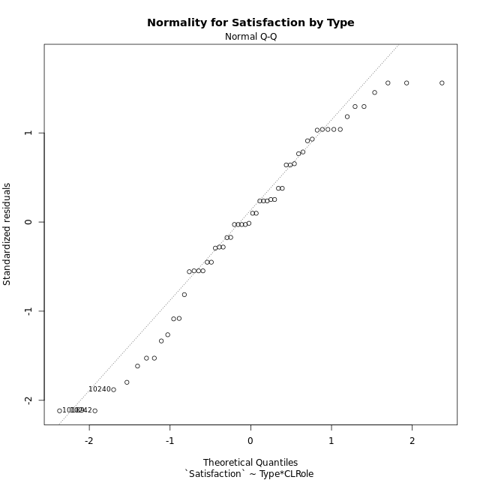

Levene's Test for Homogeneity of Variance in Satisfaction by Type
Df | F value | Pr(>F)
3 | 1.0185255308 | 0.3920326682
52

Plots for homogeneity of variance
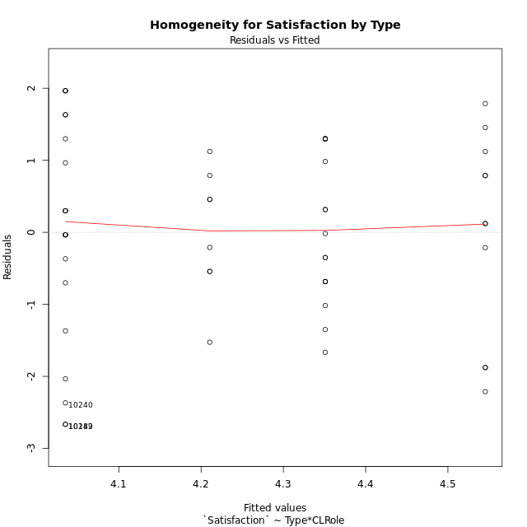

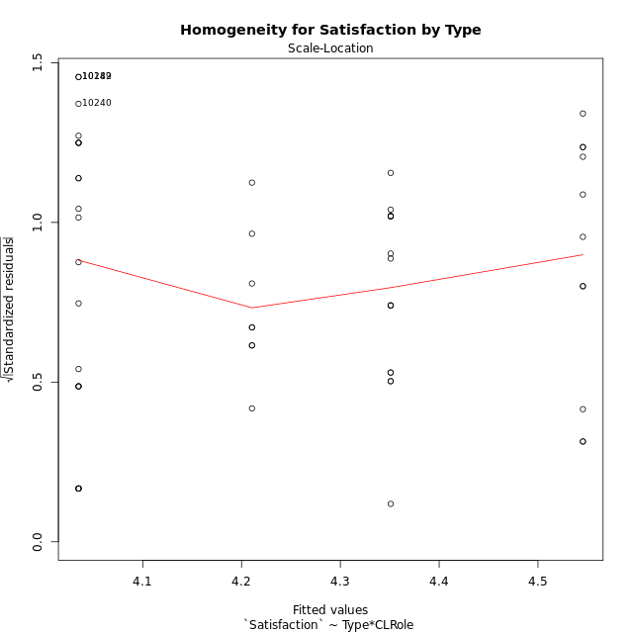

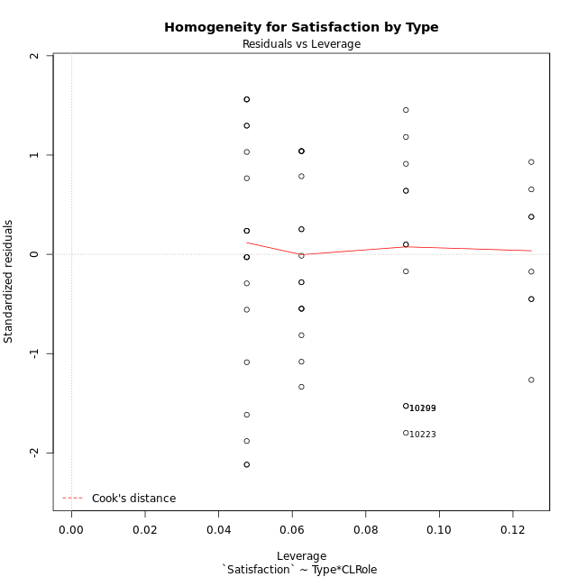

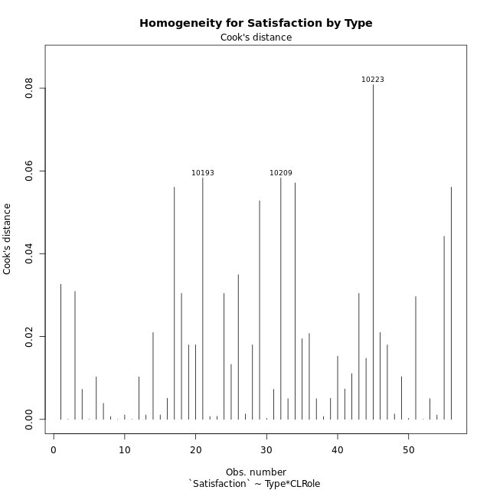

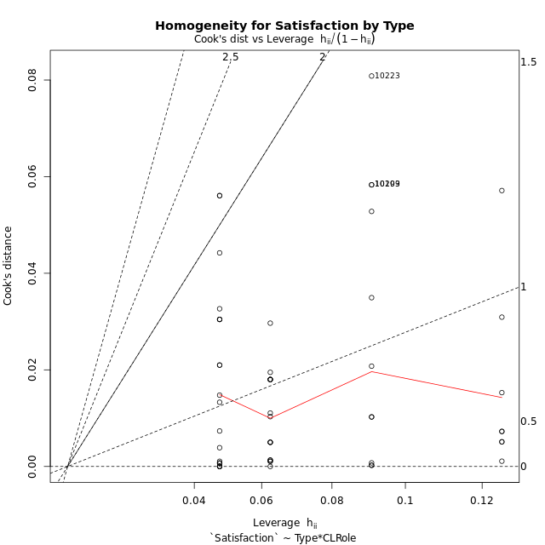

Minimum Sample Size Test for Satisfaction by Type
Type | CLRole | Freq
non-gamified | Apprentice | 21
ont-gamified | Apprentice | 16
non-gamified | Master | 11
ont-gamified | Master | 8

Errors and Warnings in Sample Size Test for ANOVA in Satisfaction by Type
code | description
WARN: sample.size | current size is 11 and recommended size is 15 for the group: 'non-gamified:Master'.
WARN: sample.size | current size is 8 and recommended size is 15 for the group: 'ont-gamified:Master'.

For the group: 'non-gamified:Apprentice', you can perform a parametric test without having a normal distribution For the group: 'ont-gamified:Apprentice', you can perform a parametric test without having a normal distribution For the group: 'non-gamified:Master', we recommend the use of non-parametric test. For the group: 'ont-gamified:Master', we recommend the use of non-parametric test.

If you don't want to remove non-normal data, you must cite the following references: ... (1) Lix, L.M., J.C. Keselman, and H.J. Keselman. 1996. Consequences of assumption violations revisited: A quantitative review of alternatives to the one-way analysis of variance F test. Rev. Educ. Res. 66: 579-619. ... (2) Harwell, M.R., E.N. Rubinstein, W.S. Hayes, and C.C. Olds. 1992. Summarizing Monte Carlo results in methodological research: the one- and two-factor fixed effects ANOVA cases. J. Educ. Stat. 17: 315-339.

Post-hoc
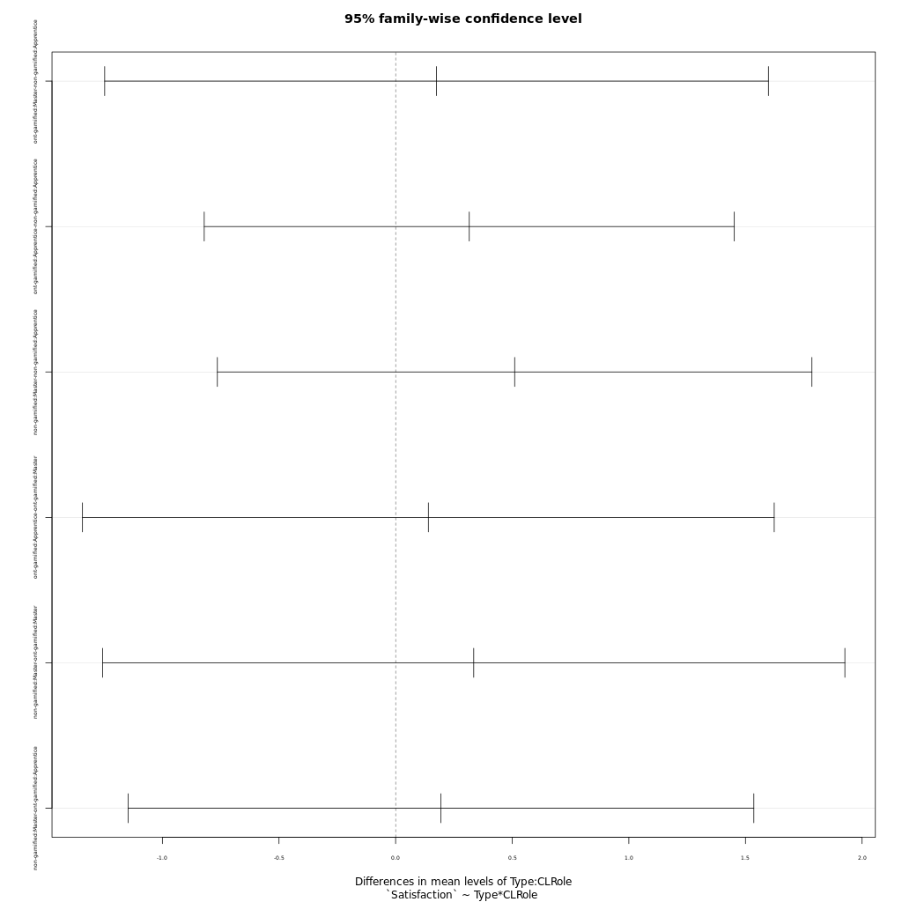
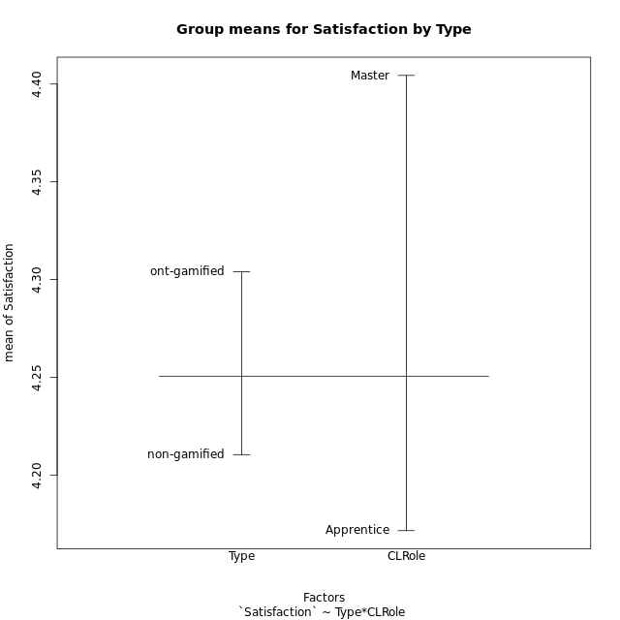
Post-hoc Tukey Honestly Significant Difference (HSD) Test for Satisfaction by Type

Comparisons of means for Type
 | diff | lwr | upr | p adj
ont-gamified-non-gamified | 0.093597222222 | -0.60556226111 | 0.79275670555 | 0.78927584594

Comparisons of means for CLRole
 | diff | lwr | upr | p adj
Master-Apprentice | 0.23384823771 | -0.49691922169 | 0.96461569711 | 0.52360696071

Comparisons of means for Type:CLRole
 | diff | lwr | upr | p adj
ont-gamified:Master-non-gamified:Apprentice | 0.17544801587 | -1.2473831151 | 1.5982791469 | 0.98775728992
ont-gamified:Apprentice-non-gamified:Apprentice | 0.31584384921 | -0.82057969838 | 1.4522673968 | 0.88145247902
non-gamified:Master-non-gamified:Apprentice | 0.51039422799 | -0.76421776336 | 1.7850062194 | 0.71343397561
ont-gamified:Apprentice-ont-gamified:Master | 0.14039583333 | -1.3424965577 | 1.6232882244 | 0.99436189197
non-gamified:Master-ont-gamified:Master | 0.33494621212 | -1.2563259495 | 1.9262183738 | 0.94376241643
non-gamified:Master-ont-gamified:Apprentice | 0.19455037879 | -1.1467762573 | 1.5358770149 | 0.98039350009

Contrast Matrices for Satisfaction by Type - Type
contrast | estimate | SE | df | t.ratio | p.value
non-gamified - ont-gamified | 0.0095511814574 | 0.36837441386 | 52 | 0.025927917625 | 0.97941407998

Contrast Matrices for Satisfaction by Type - Type:CLRole
contrast | CLRole | estimate | SE | df | t.ratio | p.value
non-gamified - ont-gamified | Apprentice | -0.31584384921 | 0.42817680249 | 52 | -0.73764820366 | 0.46404405344
non-gamified - ont-gamified | Master | 0.33494621212 | 0.5995527174 | 52 | 0.55866015181 | 0.57879158696

Least Squares Means and Confidence Intervals for Type
Type | lsmean | SE | df | lower.CL | upper.CL | Pairs
non-gamified | 4.2902574315 | 0.24012142657 | 52 | 3.808418538 | 4.7720963249 | non-gamified
ont-gamified | 4.28070625 | 0.27935892555 | 52 | 3.7201315546 | 4.8412809454 | ont-gamified

Least Squares Means and Confidence Intervals for Type:CLRole
Type | CLRole | lsmean | SE | df | lower.CL | upper.CL | Pairs
non-gamified | Apprentice | 4.0350603175 | 0.28156733087 | 52 | 3.4700541326 | 4.6000665024 | non-gamified.Apprentice
ont-gamified | Apprentice | 4.3509041667 | 0.32257590173 | 52 | 3.7036082641 | 4.9982000693 | ont-gamified.Apprentice
non-gamified | Master | 4.5454545455 | 0.38904117544 | 52 | 3.7647863137 | 5.3261227772 | non-gamified.Master
ont-gamified | Master | 4.2105083333 | 0.45619121512 | 52 | 3.295093689 | 5.1259229777 | ont-gamified.Master

Plots

Type_1
Student's t-Test for Satisfaction by Type in Type between non-gamified:ont-gamified

Student's t-Test results
Alternative hypothesis: less
Group | N | Mean | Mean.Difference | Std.deviation | Std.error | CI.lower | CI.upper | df | t.value | p.value | g | magnitude
non-gamified | 32 | 4.2105083333 | -0.093597222222 | 1.4809648075 | 0.26180006451 | 3.6869082043 | 4.7341084624 | 52.825324438 | -0.28775149544 | 0.38733144147 | -0.072067508686 | negligible
ont-gamified | 24 | 4.3041055556 | 0.093597222222 | 0.94566753826 | 0.19303357792 | 3.9180383997 | 4.6901727114 | 52.825324438 | -0.28775149544 | 0.38733144147 | -0.072067508686 | negligible
Alternative hypothesis: greater
Group | N | Mean | Mean.Difference | Std.deviation | Std.error | CI.lower | CI.upper | df | t.value | p.value | g | magnitude
non-gamified | 32 | 4.2105083333 | -0.093597222222 | 1.4809648075 | 0.26180006451 | 3.6869082043 | 4.7341084624 | 52.825324438 | -0.28775149544 | 0.61266855853 | -0.072067508686 | negligible
ont-gamified | 24 | 4.3041055556 | 0.093597222222 | 0.94566753826 | 0.19303357792 | 3.9180383997 | 4.6901727114 | 52.825324438 | -0.28775149544 | 0.61266855853 | -0.072067508686 | negligible
Alternative hypothesis: two.sided
Group | N | Mean | Mean.Difference | Std.deviation | Std.error | CI.lower | CI.upper | df | t.value | p.value | g | magnitude
non-gamified | 32 | 4.2105083333 | -0.093597222222 | 1.4809648075 | 0.26180006451 | 3.6869082043 | 4.7341084624 | 52.825324438 | -0.28775149544 | 0.77466288294 | -0.072067508686 | negligible
ont-gamified | 24 | 4.3041055556 | 0.093597222222 | 0.94566753826 | 0.19303357792 | 3.9180383997 | 4.6901727114 | 52.825324438 | -0.28775149544 | 0.77466288294 | -0.072067508686 | negligible

Box plots for Student's t-Test
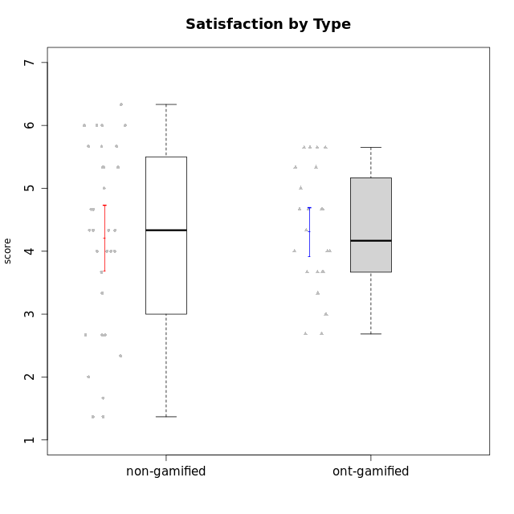

Student's t-Test data
UserID | NroUSP | Type | CLGroup | CLRole | PlayerRole | Attention | Relevance | Satisfaction | Level of Motivation
10169 | 10377538 | non-gamified | Grupo Team 10 | Apprentice |  | 1.8333333333 | 3.25 | 2 | 2.3076923077
10170 | 10260351 | non-gamified | Grupo Team 6 | Apprentice |  | 4.6666666667 | 5 | 4 | 4.6153846154
10171 | 698531 | ont-gamified | Grupo Losvakai | Master | Yee Achiever | 4.8333333333 | 6.6076 | 5.3333333333 | 5.5384615385
10172 | 10273971 | ont-gamified | Grupo Koil | Master | Yee Achiever | 4.8333333333 | 5.5 | 3.6666666667 | 4.7692307692
10174 | 10276852 | non-gamified | Grupo Team 1 | Apprentice |  | 3.1666666667 | 3 | 4 | 3.3076923077
10175 | 10310700 | non-gamified | Grupo Team 6 | Master |  | 5.8333333333 | 6.4826 | 5.3333333333 | 6.0769230769
10176 | 10276949 | non-gamified | Grupo Team 9 | Apprentice |  | 3 | 3 | 3.3333333333 | 3.0769230769
10178 | 8656201 | non-gamified | Grupo Team 11 | Apprentice |  | 4.8333333333 | 4.75 | 4.3333333333 | 4.6923076923
10179 | 10310759 | ont-gamified | Grupo Tosskor | Apprentice | Yee Achiever | 4.1666666667 | 5.25 | 4.3333333333 | 4.5384615385
10181 | 10276866 | non-gamified | Grupo Team 7 | Apprentice |  | 4.1666666667 | 4.25 | 3.6666666667 | 4.0769230769
10183 | 10352030 | non-gamified | Grupo Belos | Apprentice | Yee Socializer | 3.1666666667 | 3.5 | 4 | 3.4615384615
10184 | 10276675 | non-gamified | Grupo Team 7 | Master |  | 5.5 | 6 | 5.3333333333 | 5.6153846154
10185 | 10276960 | ont-gamified | Grupo Tosskor | Master | Yee Achiever | 4.1666666667 | 4.75 | 4 | 4.3076923077
10186 | 10310551 | non-gamified | Grupo Team 5 | Apprentice |  | 3.3333333333 | 5 | 5.6666666667 | 4.3846153846
10187 | 9790781 | ont-gamified | Grupo Razorg | Apprentice | Yee Achiever | 4.5 | 2.9011 | 4.6666666667 | 4
10188 | 10276995 | ont-gamified | Grupo Paldira | Master | Yee Achiever | 4.1666666667 | 5.25 | 4.6666666667 | 4.6153846154
10189 | 9363926 | non-gamified | Grupo Team 2 | Apprentice |  | 1.6956666667 | 3 | 1.3681333333 | 2.2177384615
10190 | 10276907 | non-gamified | Grupo Team 8 | Apprentice |  | 2.1666666667 | 4.75 | 6 | 3.8461538462
10191 | 10276981 | ont-gamified | Grupo Yeka | Apprentice | Yee Socializer | 5.7326 | 5.75 | 5.6492666667 | 5.9230769231
10192 | 10276682 | ont-gamified | Grupo Yeka | Apprentice | Yee Socializer | 5.7326 | 5.75 | 5.6492666667 | 6.3846153846
10193 | 10276762 | non-gamified | Grupo Team 2 | Master |  | 3.6666666667 | 4.5 | 2.6666666667 | 3.6923076923
10196 | 10310655 | non-gamified | Grupo Team 5 | Apprentice |  | 3.6666666667 | 3.25 | 4.3333333333 | 3.6923076923
10197 | 10276661 | non-gamified | Grupo Team 11 | Master |  | 4.3333333333 | 5 | 4.3333333333 | 4.5384615385
10198 | 10310888 | non-gamified | Grupo Team 1 | Apprentice |  | 6.6376666667 | 6.25 | 6 | 6.5384615385
10200 | 9795272 | non-gamified | Grupo Team 4 | Apprentice |  | 4.5 | 4.5 | 5.3333333333 | 4.6923076923
10201 | 10276928 | non-gamified | Grupo Team 10 | Master |  | 4.6666666667 | 5.25 | 6 | 5.1538461538
10202 | 10277036 | ont-gamified | Grupo Paldira | Apprentice | Yee Achiever | 4 | 3.5 | 4 | 3.8461538462
10203 | 9921470 | ont-gamified | Grupo Paldira | Apprentice | Yee Achiever | 5.7326 | 7 | 5.6492666667 | 6.5143692308
10204 | 10310471 | non-gamified | Grupo Team 5 | Master |  | 6.6376666667 | 6.25 | 6.3333333333 | 6.5384615385
10206 | 10310721 | non-gamified | Grupo Team 9 | Master |  | 3.8333333333 | 4.75 | 4.6666666667 | 4.3076923077
10208 | 10276932 | ont-gamified | Grupo Yeka | Master | Yee Socializer | 3.8333333333 | 3.75 | 3.6666666667 | 3.7692307692
10209 | 10262669 | non-gamified | Grupo Team 1 | Master |  | 1.6956666667 | 3.75 | 2.6666666667 | 2.4615384615
10210 | 10277015 | ont-gamified | Grupo Losvakai | Apprentice | Yee Achiever | 3.1666666667 | 4.75 | 3.6666666667 | 3.7692307692
10211 | 9311643 | ont-gamified | Grupo Razorg | Master | Yee Achiever | 2.7674 | 4.25 | 2.6840666667 | 3.1314461538
10212 | 9065750 | ont-gamified | Grupo Ellaru | Apprentice | Yee Socializer | 3.3333333333 | 5 | 3 | 3.7692307692
10213 | 10277040 | non-gamified | Grupo Team 8 | Master |  | 4.5 | 5 | 5.6666666667 | 4.9230769231
10214 | 10277022 | ont-gamified | Grupo Koil | Apprentice | Yee Achiever | 4.5 | 5.75 | 3.6666666667 | 4.6923076923
10215 | 9285227 | non-gamified | Grupo Team 7 | Apprentice |  | 4.5 | 7 | 4.3333333333 | 5.2307692308
10216 | 10276720 | ont-gamified | Grupo Ellaru | Master | Yee Socializer | 3.8333333333 | 5 | 4.6666666667 | 4.3846153846
10217 | 9805341 | ont-gamified | Grupo Belos | Master | Yee Socializer | 4.8333333333 | 5.75 | 5 | 5.1538461538
10218 | 9842913 | non-gamified | Grupo Team 10 | Apprentice |  | 3.1666666667 | 5.25 | 5 | 4.2307692308
10219 | 10276831 | ont-gamified | Grupo Razorg | Apprentice | Yee Achiever | 2.7674 | 2.9011 | 3.3333333333 | 2.8461538462
10220 | 9760151 | non-gamified | Grupo Team 4 | Apprentice |  | 1.6956666667 | 7 | 6 | 4.2307692308
10221 | 9082496 | non-gamified | Grupo Team 3 | Apprentice |  | 3.5 | 3.5 | 2.6666666667 | 3.3076923077
10223 | 9795185 | non-gamified | Grupo Team 3 | Master |  | 2 | 3.5174 | 2.3333333333 | 2.3076923077
10224 | 9368772 | non-gamified | Grupo Team 9 | Apprentice |  | 5.3333333333 | 6 | 5.6666666667 | 5.6153846154
10226 | 10310342 | ont-gamified | Grupo Yeka | Apprentice | Yee Socializer | 5 | 6.25 | 5.6492666667 | 5.5384615385
10228 | 10310492 | ont-gamified | Grupo Losvakai | Apprentice | Yee Achiever | 4.1666666667 | 4.75 | 4 | 4.3076923077
10230 | 10351992 | ont-gamified | Grupo Koil | Apprentice | Yee Achiever | 5.7326 | 6 | 5.3333333333 | 5.9230769231
10231 | 10276911 | non-gamified | Grupo Team 4 | Master |  | 2.5 | 5 | 4.6666666667 | 3.7692307692
10233 | 9805320 | ont-gamified | Grupo Tosskor | Apprentice | Yee Achiever | 4.3333333333 | 3 | 2.6840666667 | 3.2307692308
10234 | 10310676 | non-gamified | Grupo Team 6 | Apprentice |  | 4.6666666667 | 5.25 | 4 | 4.6923076923
10237 | 10377688 | ont-gamified | Grupo Ellaru | Apprentice | Yee Socializer | 3.8333333333 | 6 | 3.6666666667 | 4.4615384615
10238 | 10276953 | ont-gamified | Grupo Belos | Apprentice | Yee Socializer | 4.5 | 4.25 | 4.6666666667 | 4.4615384615
10240 | 10276654 | non-gamified | Grupo Team 8 | Apprentice |  | 2 | 3.25 | 1.6666666667 | 2.3076923077
10242 | 9424506 | non-gamified | Grupo Team 11 | Apprentice |  | 1.6956666667 | 3 | 1.3681333333 | 2.2177384615

Type_CLRole_1
Student's t-Test for Satisfaction by Type in Type:CLRole between non-gamified.Apprentice:non-gamified.Master

Student's t-Test results
Alternative hypothesis: less
Group | N | Mean | Mean.Difference | Std.deviation | Std.error | CI.lower | CI.upper | df | t.value | p.value | g | magnitude
non-gamified.Apprentice | 21 | 4.0350603175 | -0.51039422799 | 1.5210535001 | 0.33192108573 | 3.371218146 | 4.6989024889 | 21.868893117 | -0.9469287983 | 0.17701090582 | -0.33515239239 | small
non-gamified.Master | 11 | 4.5454545455 | 0.51039422799 | 1.4084879779 | 0.42467510403 | 3.6961043374 | 5.3948047535 | 21.868893117 | -0.9469287983 | 0.17701090582 | -0.33515239239 | small
Alternative hypothesis: greater
Group | N | Mean | Mean.Difference | Std.deviation | Std.error | CI.lower | CI.upper | df | t.value | p.value | g | magnitude
non-gamified.Apprentice | 21 | 4.0350603175 | -0.51039422799 | 1.5210535001 | 0.33192108573 | 3.371218146 | 4.6989024889 | 21.868893117 | -0.9469287983 | 0.82298909418 | -0.33515239239 | small
non-gamified.Master | 11 | 4.5454545455 | 0.51039422799 | 1.4084879779 | 0.42467510403 | 3.6961043374 | 5.3948047535 | 21.868893117 | -0.9469287983 | 0.82298909418 | -0.33515239239 | small
Alternative hypothesis: two.sided
Group | N | Mean | Mean.Difference | Std.deviation | Std.error | CI.lower | CI.upper | df | t.value | p.value | g | magnitude
non-gamified.Apprentice | 21 | 4.0350603175 | -0.51039422799 | 1.5210535001 | 0.33192108573 | 3.371218146 | 4.6989024889 | 21.868893117 | -0.9469287983 | 0.35402181163 | -0.33515239239 | small
non-gamified.Master | 11 | 4.5454545455 | 0.51039422799 | 1.4084879779 | 0.42467510403 | 3.6961043374 | 5.3948047535 | 21.868893117 | -0.9469287983 | 0.35402181163 | -0.33515239239 | small

Box plots for Student's t-Test
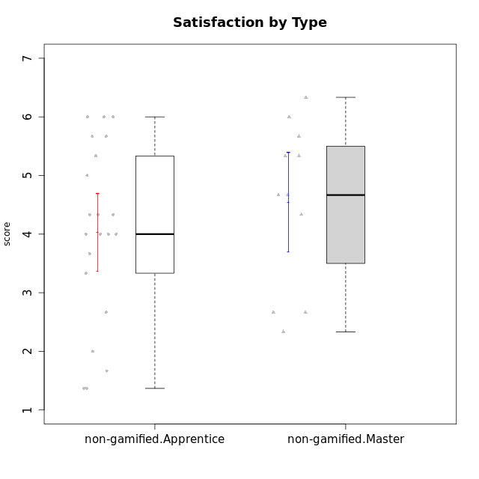

Student's t-Test data
UserID | NroUSP | Type | CLGroup | CLRole | PlayerRole | Attention | Relevance | Satisfaction | Level of Motivation
10169 | 10377538 | non-gamified | Grupo Team 10 | Apprentice |  | 1.8333333333 | 3.25 | 2 | 2.3076923077
10170 | 10260351 | non-gamified | Grupo Team 6 | Apprentice |  | 4.6666666667 | 5 | 4 | 4.6153846154
10174 | 10276852 | non-gamified | Grupo Team 1 | Apprentice |  | 3.1666666667 | 3 | 4 | 3.3076923077
10175 | 10310700 | non-gamified | Grupo Team 6 | Master |  | 5.8333333333 | 6.4826 | 5.3333333333 | 6.0769230769
10176 | 10276949 | non-gamified | Grupo Team 9 | Apprentice |  | 3 | 3 | 3.3333333333 | 3.0769230769
10178 | 8656201 | non-gamified | Grupo Team 11 | Apprentice |  | 4.8333333333 | 4.75 | 4.3333333333 | 4.6923076923
10181 | 10276866 | non-gamified | Grupo Team 7 | Apprentice |  | 4.1666666667 | 4.25 | 3.6666666667 | 4.0769230769
10183 | 10352030 | non-gamified | Grupo Belos | Apprentice | Yee Socializer | 3.1666666667 | 3.5 | 4 | 3.4615384615
10184 | 10276675 | non-gamified | Grupo Team 7 | Master |  | 5.5 | 6 | 5.3333333333 | 5.6153846154
10186 | 10310551 | non-gamified | Grupo Team 5 | Apprentice |  | 3.3333333333 | 5 | 5.6666666667 | 4.3846153846
10189 | 9363926 | non-gamified | Grupo Team 2 | Apprentice |  | 1.6956666667 | 3 | 1.3681333333 | 2.2177384615
10190 | 10276907 | non-gamified | Grupo Team 8 | Apprentice |  | 2.1666666667 | 4.75 | 6 | 3.8461538462
10193 | 10276762 | non-gamified | Grupo Team 2 | Master |  | 3.6666666667 | 4.5 | 2.6666666667 | 3.6923076923
10196 | 10310655 | non-gamified | Grupo Team 5 | Apprentice |  | 3.6666666667 | 3.25 | 4.3333333333 | 3.6923076923
10197 | 10276661 | non-gamified | Grupo Team 11 | Master |  | 4.3333333333 | 5 | 4.3333333333 | 4.5384615385
10198 | 10310888 | non-gamified | Grupo Team 1 | Apprentice |  | 6.6376666667 | 6.25 | 6 | 6.5384615385
10200 | 9795272 | non-gamified | Grupo Team 4 | Apprentice |  | 4.5 | 4.5 | 5.3333333333 | 4.6923076923
10201 | 10276928 | non-gamified | Grupo Team 10 | Master |  | 4.6666666667 | 5.25 | 6 | 5.1538461538
10204 | 10310471 | non-gamified | Grupo Team 5 | Master |  | 6.6376666667 | 6.25 | 6.3333333333 | 6.5384615385
10206 | 10310721 | non-gamified | Grupo Team 9 | Master |  | 3.8333333333 | 4.75 | 4.6666666667 | 4.3076923077
10209 | 10262669 | non-gamified | Grupo Team 1 | Master |  | 1.6956666667 | 3.75 | 2.6666666667 | 2.4615384615
10213 | 10277040 | non-gamified | Grupo Team 8 | Master |  | 4.5 | 5 | 5.6666666667 | 4.9230769231
10215 | 9285227 | non-gamified | Grupo Team 7 | Apprentice |  | 4.5 | 7 | 4.3333333333 | 5.2307692308
10218 | 9842913 | non-gamified | Grupo Team 10 | Apprentice |  | 3.1666666667 | 5.25 | 5 | 4.2307692308
10220 | 9760151 | non-gamified | Grupo Team 4 | Apprentice |  | 1.6956666667 | 7 | 6 | 4.2307692308
10221 | 9082496 | non-gamified | Grupo Team 3 | Apprentice |  | 3.5 | 3.5 | 2.6666666667 | 3.3076923077
10223 | 9795185 | non-gamified | Grupo Team 3 | Master |  | 2 | 3.5174 | 2.3333333333 | 2.3076923077
10224 | 9368772 | non-gamified | Grupo Team 9 | Apprentice |  | 5.3333333333 | 6 | 5.6666666667 | 5.6153846154
10231 | 10276911 | non-gamified | Grupo Team 4 | Master |  | 2.5 | 5 | 4.6666666667 | 3.7692307692
10234 | 10310676 | non-gamified | Grupo Team 6 | Apprentice |  | 4.6666666667 | 5.25 | 4 | 4.6923076923
10240 | 10276654 | non-gamified | Grupo Team 8 | Apprentice |  | 2 | 3.25 | 1.6666666667 | 2.3076923077
10242 | 9424506 | non-gamified | Grupo Team 11 | Apprentice |  | 1.6956666667 | 3 | 1.3681333333 | 2.2177384615

Type_CLRole_2
Student's t-Test for Satisfaction by Type in Type:CLRole between non-gamified.Apprentice:ont-gamified.Apprentice

Student's t-Test results
Alternative hypothesis: less
Group | N | Mean | Mean.Difference | Std.deviation | Std.error | CI.lower | CI.upper | df | t.value | p.value | g | magnitude
non-gamified.Apprentice | 21 | 4.0350603175 | -0.31584384921 | 1.5210535001 | 0.33192108573 | 3.371218146 | 4.6989024889 | 34.431519646 | -0.75828063168 | 0.22672115983 | -0.23318506791 | small
ont-gamified.Apprentice | 16 | 4.3509041667 | 0.31584384921 | 1.0065591056 | 0.25163977641 | 3.8476246138 | 4.8541837195 | 34.431519646 | -0.75828063168 | 0.22672115983 | -0.23318506791 | small
Alternative hypothesis: greater
Group | N | Mean | Mean.Difference | Std.deviation | Std.error | CI.lower | CI.upper | df | t.value | p.value | g | magnitude
non-gamified.Apprentice | 21 | 4.0350603175 | -0.31584384921 | 1.5210535001 | 0.33192108573 | 3.371218146 | 4.6989024889 | 34.431519646 | -0.75828063168 | 0.77327884017 | -0.23318506791 | small
ont-gamified.Apprentice | 16 | 4.3509041667 | 0.31584384921 | 1.0065591056 | 0.25163977641 | 3.8476246138 | 4.8541837195 | 34.431519646 | -0.75828063168 | 0.77327884017 | -0.23318506791 | small
Alternative hypothesis: two.sided
Group | N | Mean | Mean.Difference | Std.deviation | Std.error | CI.lower | CI.upper | df | t.value | p.value | g | magnitude
non-gamified.Apprentice | 21 | 4.0350603175 | -0.31584384921 | 1.5210535001 | 0.33192108573 | 3.371218146 | 4.6989024889 | 34.431519646 | -0.75828063168 | 0.45344231967 | -0.23318506791 | small
ont-gamified.Apprentice | 16 | 4.3509041667 | 0.31584384921 | 1.0065591056 | 0.25163977641 | 3.8476246138 | 4.8541837195 | 34.431519646 | -0.75828063168 | 0.45344231967 | -0.23318506791 | small

Box plots for Student's t-Test
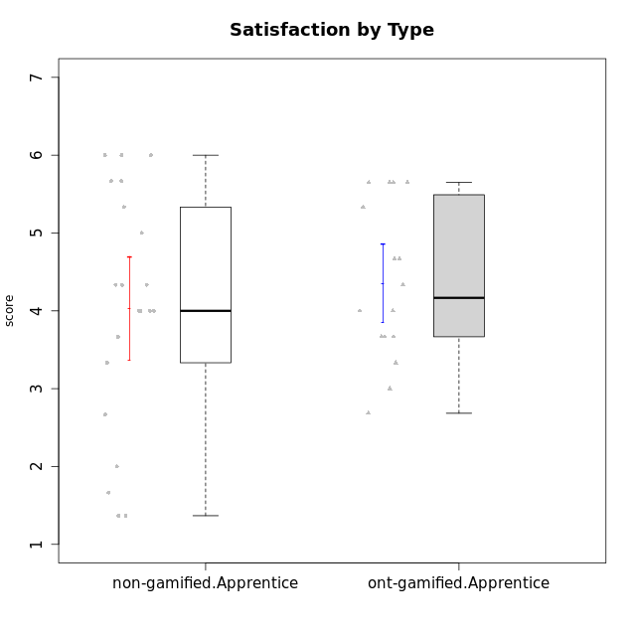

Student's t-Test data
UserID | NroUSP | Type | CLGroup | CLRole | PlayerRole | Attention | Relevance | Satisfaction | Level of Motivation
10169 | 10377538 | non-gamified | Grupo Team 10 | Apprentice |  | 1.8333333333 | 3.25 | 2 | 2.3076923077
10170 | 10260351 | non-gamified | Grupo Team 6 | Apprentice |  | 4.6666666667 | 5 | 4 | 4.6153846154
10174 | 10276852 | non-gamified | Grupo Team 1 | Apprentice |  | 3.1666666667 | 3 | 4 | 3.3076923077
10176 | 10276949 | non-gamified | Grupo Team 9 | Apprentice |  | 3 | 3 | 3.3333333333 | 3.0769230769
10178 | 8656201 | non-gamified | Grupo Team 11 | Apprentice |  | 4.8333333333 | 4.75 | 4.3333333333 | 4.6923076923
10179 | 10310759 | ont-gamified | Grupo Tosskor | Apprentice | Yee Achiever | 4.1666666667 | 5.25 | 4.3333333333 | 4.5384615385
10181 | 10276866 | non-gamified | Grupo Team 7 | Apprentice |  | 4.1666666667 | 4.25 | 3.6666666667 | 4.0769230769
10183 | 10352030 | non-gamified | Grupo Belos | Apprentice | Yee Socializer | 3.1666666667 | 3.5 | 4 | 3.4615384615
10186 | 10310551 | non-gamified | Grupo Team 5 | Apprentice |  | 3.3333333333 | 5 | 5.6666666667 | 4.3846153846
10187 | 9790781 | ont-gamified | Grupo Razorg | Apprentice | Yee Achiever | 4.5 | 2.9011 | 4.6666666667 | 4
10189 | 9363926 | non-gamified | Grupo Team 2 | Apprentice |  | 1.6956666667 | 3 | 1.3681333333 | 2.2177384615
10190 | 10276907 | non-gamified | Grupo Team 8 | Apprentice |  | 2.1666666667 | 4.75 | 6 | 3.8461538462
10191 | 10276981 | ont-gamified | Grupo Yeka | Apprentice | Yee Socializer | 5.7326 | 5.75 | 5.6492666667 | 5.9230769231
10192 | 10276682 | ont-gamified | Grupo Yeka | Apprentice | Yee Socializer | 5.7326 | 5.75 | 5.6492666667 | 6.3846153846
10196 | 10310655 | non-gamified | Grupo Team 5 | Apprentice |  | 3.6666666667 | 3.25 | 4.3333333333 | 3.6923076923
10198 | 10310888 | non-gamified | Grupo Team 1 | Apprentice |  | 6.6376666667 | 6.25 | 6 | 6.5384615385
10200 | 9795272 | non-gamified | Grupo Team 4 | Apprentice |  | 4.5 | 4.5 | 5.3333333333 | 4.6923076923
10202 | 10277036 | ont-gamified | Grupo Paldira | Apprentice | Yee Achiever | 4 | 3.5 | 4 | 3.8461538462
10203 | 9921470 | ont-gamified | Grupo Paldira | Apprentice | Yee Achiever | 5.7326 | 7 | 5.6492666667 | 6.5143692308
10210 | 10277015 | ont-gamified | Grupo Losvakai | Apprentice | Yee Achiever | 3.1666666667 | 4.75 | 3.6666666667 | 3.7692307692
10212 | 9065750 | ont-gamified | Grupo Ellaru | Apprentice | Yee Socializer | 3.3333333333 | 5 | 3 | 3.7692307692
10214 | 10277022 | ont-gamified | Grupo Koil | Apprentice | Yee Achiever | 4.5 | 5.75 | 3.6666666667 | 4.6923076923
10215 | 9285227 | non-gamified | Grupo Team 7 | Apprentice |  | 4.5 | 7 | 4.3333333333 | 5.2307692308
10218 | 9842913 | non-gamified | Grupo Team 10 | Apprentice |  | 3.1666666667 | 5.25 | 5 | 4.2307692308
10219 | 10276831 | ont-gamified | Grupo Razorg | Apprentice | Yee Achiever | 2.7674 | 2.9011 | 3.3333333333 | 2.8461538462
10220 | 9760151 | non-gamified | Grupo Team 4 | Apprentice |  | 1.6956666667 | 7 | 6 | 4.2307692308
10221 | 9082496 | non-gamified | Grupo Team 3 | Apprentice |  | 3.5 | 3.5 | 2.6666666667 | 3.3076923077
10224 | 9368772 | non-gamified | Grupo Team 9 | Apprentice |  | 5.3333333333 | 6 | 5.6666666667 | 5.6153846154
10226 | 10310342 | ont-gamified | Grupo Yeka | Apprentice | Yee Socializer | 5 | 6.25 | 5.6492666667 | 5.5384615385
10228 | 10310492 | ont-gamified | Grupo Losvakai | Apprentice | Yee Achiever | 4.1666666667 | 4.75 | 4 | 4.3076923077
10230 | 10351992 | ont-gamified | Grupo Koil | Apprentice | Yee Achiever | 5.7326 | 6 | 5.3333333333 | 5.9230769231
10233 | 9805320 | ont-gamified | Grupo Tosskor | Apprentice | Yee Achiever | 4.3333333333 | 3 | 2.6840666667 | 3.2307692308
10234 | 10310676 | non-gamified | Grupo Team 6 | Apprentice |  | 4.6666666667 | 5.25 | 4 | 4.6923076923
10237 | 10377688 | ont-gamified | Grupo Ellaru | Apprentice | Yee Socializer | 3.8333333333 | 6 | 3.6666666667 | 4.4615384615
10238 | 10276953 | ont-gamified | Grupo Belos | Apprentice | Yee Socializer | 4.5 | 4.25 | 4.6666666667 | 4.4615384615
10240 | 10276654 | non-gamified | Grupo Team 8 | Apprentice |  | 2 | 3.25 | 1.6666666667 | 2.3076923077
10242 | 9424506 | non-gamified | Grupo Team 11 | Apprentice |  | 1.6956666667 | 3 | 1.3681333333 | 2.2177384615

Type_CLRole_3
Student's t-Test for Satisfaction by Type in Type:CLRole between non-gamified.Apprentice:ont-gamified.Master

Student's t-Test results
Alternative hypothesis: less
Group | N | Mean | Mean.Difference | Std.deviation | Std.error | CI.lower | CI.upper | df | t.value | p.value | g | magnitude
non-gamified.Apprentice | 21 | 4.0350603175 | -0.17544801587 | 1.5210535001 | 0.33192108573 | 3.371218146 | 4.6989024889 | 22.298093535 | -0.38825019242 | 0.35075646256 | -0.12342853042 | negligible
ont-gamified.Master | 8 | 4.2105083333 | 0.17544801587 | 0.86734894605 | 0.3066541607 | 3.5972000119 | 4.8238166547 | 22.298093535 | -0.38825019242 | 0.35075646256 | -0.12342853042 | negligible
Alternative hypothesis: greater
Group | N | Mean | Mean.Difference | Std.deviation | Std.error | CI.lower | CI.upper | df | t.value | p.value | g | magnitude
non-gamified.Apprentice | 21 | 4.0350603175 | -0.17544801587 | 1.5210535001 | 0.33192108573 | 3.371218146 | 4.6989024889 | 22.298093535 | -0.38825019242 | 0.64924353744 | -0.12342853042 | negligible
ont-gamified.Master | 8 | 4.2105083333 | 0.17544801587 | 0.86734894605 | 0.3066541607 | 3.5972000119 | 4.8238166547 | 22.298093535 | -0.38825019242 | 0.64924353744 | -0.12342853042 | negligible
Alternative hypothesis: two.sided
Group | N | Mean | Mean.Difference | Std.deviation | Std.error | CI.lower | CI.upper | df | t.value | p.value | g | magnitude
non-gamified.Apprentice | 21 | 4.0350603175 | -0.17544801587 | 1.5210535001 | 0.33192108573 | 3.371218146 | 4.6989024889 | 22.298093535 | -0.38825019242 | 0.70151292511 | -0.12342853042 | negligible
ont-gamified.Master | 8 | 4.2105083333 | 0.17544801587 | 0.86734894605 | 0.3066541607 | 3.5972000119 | 4.8238166547 | 22.298093535 | -0.38825019242 | 0.70151292511 | -0.12342853042 | negligible

Box plots for Student's t-Test
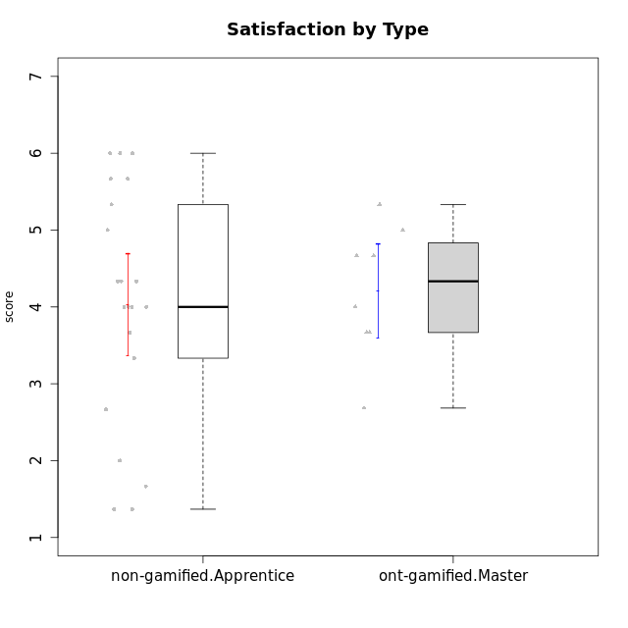

Student's t-Test data
UserID | NroUSP | Type | CLGroup | CLRole | PlayerRole | Attention | Relevance | Satisfaction | Level of Motivation
10169 | 10377538 | non-gamified | Grupo Team 10 | Apprentice |  | 1.8333333333 | 3.25 | 2 | 2.3076923077
10170 | 10260351 | non-gamified | Grupo Team 6 | Apprentice |  | 4.6666666667 | 5 | 4 | 4.6153846154
10171 | 698531 | ont-gamified | Grupo Losvakai | Master | Yee Achiever | 4.8333333333 | 6.6076 | 5.3333333333 | 5.5384615385
10172 | 10273971 | ont-gamified | Grupo Koil | Master | Yee Achiever | 4.8333333333 | 5.5 | 3.6666666667 | 4.7692307692
10174 | 10276852 | non-gamified | Grupo Team 1 | Apprentice |  | 3.1666666667 | 3 | 4 | 3.3076923077
10176 | 10276949 | non-gamified | Grupo Team 9 | Apprentice |  | 3 | 3 | 3.3333333333 | 3.0769230769
10178 | 8656201 | non-gamified | Grupo Team 11 | Apprentice |  | 4.8333333333 | 4.75 | 4.3333333333 | 4.6923076923
10181 | 10276866 | non-gamified | Grupo Team 7 | Apprentice |  | 4.1666666667 | 4.25 | 3.6666666667 | 4.0769230769
10183 | 10352030 | non-gamified | Grupo Belos | Apprentice | Yee Socializer | 3.1666666667 | 3.5 | 4 | 3.4615384615
10185 | 10276960 | ont-gamified | Grupo Tosskor | Master | Yee Achiever | 4.1666666667 | 4.75 | 4 | 4.3076923077
10186 | 10310551 | non-gamified | Grupo Team 5 | Apprentice |  | 3.3333333333 | 5 | 5.6666666667 | 4.3846153846
10188 | 10276995 | ont-gamified | Grupo Paldira | Master | Yee Achiever | 4.1666666667 | 5.25 | 4.6666666667 | 4.6153846154
10189 | 9363926 | non-gamified | Grupo Team 2 | Apprentice |  | 1.6956666667 | 3 | 1.3681333333 | 2.2177384615
10190 | 10276907 | non-gamified | Grupo Team 8 | Apprentice |  | 2.1666666667 | 4.75 | 6 | 3.8461538462
10196 | 10310655 | non-gamified | Grupo Team 5 | Apprentice |  | 3.6666666667 | 3.25 | 4.3333333333 | 3.6923076923
10198 | 10310888 | non-gamified | Grupo Team 1 | Apprentice |  | 6.6376666667 | 6.25 | 6 | 6.5384615385
10200 | 9795272 | non-gamified | Grupo Team 4 | Apprentice |  | 4.5 | 4.5 | 5.3333333333 | 4.6923076923
10208 | 10276932 | ont-gamified | Grupo Yeka | Master | Yee Socializer | 3.8333333333 | 3.75 | 3.6666666667 | 3.7692307692
10211 | 9311643 | ont-gamified | Grupo Razorg | Master | Yee Achiever | 2.7674 | 4.25 | 2.6840666667 | 3.1314461538
10215 | 9285227 | non-gamified | Grupo Team 7 | Apprentice |  | 4.5 | 7 | 4.3333333333 | 5.2307692308
10216 | 10276720 | ont-gamified | Grupo Ellaru | Master | Yee Socializer | 3.8333333333 | 5 | 4.6666666667 | 4.3846153846
10217 | 9805341 | ont-gamified | Grupo Belos | Master | Yee Socializer | 4.8333333333 | 5.75 | 5 | 5.1538461538
10218 | 9842913 | non-gamified | Grupo Team 10 | Apprentice |  | 3.1666666667 | 5.25 | 5 | 4.2307692308
10220 | 9760151 | non-gamified | Grupo Team 4 | Apprentice |  | 1.6956666667 | 7 | 6 | 4.2307692308
10221 | 9082496 | non-gamified | Grupo Team 3 | Apprentice |  | 3.5 | 3.5 | 2.6666666667 | 3.3076923077
10224 | 9368772 | non-gamified | Grupo Team 9 | Apprentice |  | 5.3333333333 | 6 | 5.6666666667 | 5.6153846154
10234 | 10310676 | non-gamified | Grupo Team 6 | Apprentice |  | 4.6666666667 | 5.25 | 4 | 4.6923076923
10240 | 10276654 | non-gamified | Grupo Team 8 | Apprentice |  | 2 | 3.25 | 1.6666666667 | 2.3076923077
10242 | 9424506 | non-gamified | Grupo Team 11 | Apprentice |  | 1.6956666667 | 3 | 1.3681333333 | 2.2177384615

Type_CLRole_4
Student's t-Test for Satisfaction by Type in Type:CLRole between non-gamified.Master:ont-gamified.Apprentice

Student's t-Test results
Alternative hypothesis: less
Group | N | Mean | Mean.Difference | Std.deviation | Std.error | CI.lower | CI.upper | df | t.value | p.value | g | magnitude
non-gamified.Master | 11 | 4.5454545455 | 0.19455037879 | 1.4084879779 | 0.42467510403 | 3.6961043374 | 5.3948047535 | 16.86865147 | 0.39412110665 | 0.65078530382 | 0.15936101594 | negligible
ont-gamified.Apprentice | 16 | 4.3509041667 | -0.19455037879 | 1.0065591056 | 0.25163977641 | 3.8476246138 | 4.8541837195 | 16.86865147 | 0.39412110665 | 0.65078530382 | 0.15936101594 | negligible
Alternative hypothesis: greater
Group | N | Mean | Mean.Difference | Std.deviation | Std.error | CI.lower | CI.upper | df | t.value | p.value | g | magnitude
non-gamified.Master | 11 | 4.5454545455 | 0.19455037879 | 1.4084879779 | 0.42467510403 | 3.6961043374 | 5.3948047535 | 16.86865147 | 0.39412110665 | 0.34921469618 | 0.15936101594 | negligible
ont-gamified.Apprentice | 16 | 4.3509041667 | -0.19455037879 | 1.0065591056 | 0.25163977641 | 3.8476246138 | 4.8541837195 | 16.86865147 | 0.39412110665 | 0.34921469618 | 0.15936101594 | negligible
Alternative hypothesis: two.sided
Group | N | Mean | Mean.Difference | Std.deviation | Std.error | CI.lower | CI.upper | df | t.value | p.value | g | magnitude
non-gamified.Master | 11 | 4.5454545455 | 0.19455037879 | 1.4084879779 | 0.42467510403 | 3.6961043374 | 5.3948047535 | 16.86865147 | 0.39412110665 | 0.69842939235 | 0.15936101594 | negligible
ont-gamified.Apprentice | 16 | 4.3509041667 | -0.19455037879 | 1.0065591056 | 0.25163977641 | 3.8476246138 | 4.8541837195 | 16.86865147 | 0.39412110665 | 0.69842939235 | 0.15936101594 | negligible

Box plots for Student's t-Test
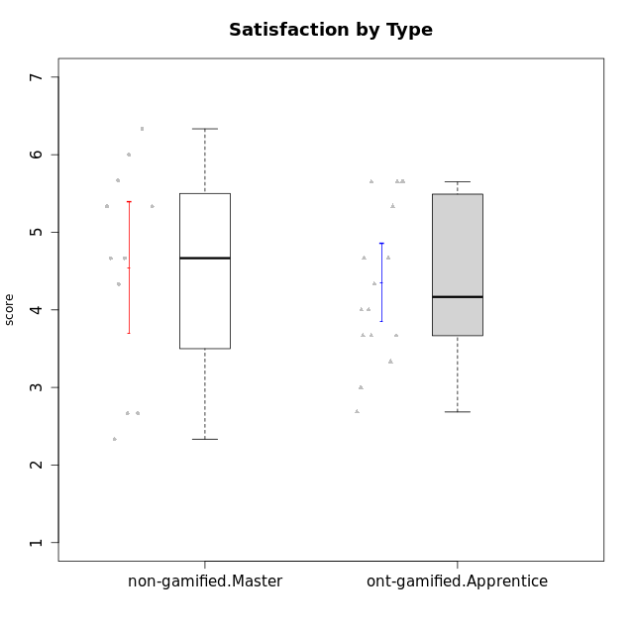

Student's t-Test data
UserID | NroUSP | Type | CLGroup | CLRole | PlayerRole | Attention | Relevance | Satisfaction | Level of Motivation
10175 | 10310700 | non-gamified | Grupo Team 6 | Master |  | 5.8333333333 | 6.4826 | 5.3333333333 | 6.0769230769
10179 | 10310759 | ont-gamified | Grupo Tosskor | Apprentice | Yee Achiever | 4.1666666667 | 5.25 | 4.3333333333 | 4.5384615385
10184 | 10276675 | non-gamified | Grupo Team 7 | Master |  | 5.5 | 6 | 5.3333333333 | 5.6153846154
10187 | 9790781 | ont-gamified | Grupo Razorg | Apprentice | Yee Achiever | 4.5 | 2.9011 | 4.6666666667 | 4
10191 | 10276981 | ont-gamified | Grupo Yeka | Apprentice | Yee Socializer | 5.7326 | 5.75 | 5.6492666667 | 5.9230769231
10192 | 10276682 | ont-gamified | Grupo Yeka | Apprentice | Yee Socializer | 5.7326 | 5.75 | 5.6492666667 | 6.3846153846
10193 | 10276762 | non-gamified | Grupo Team 2 | Master |  | 3.6666666667 | 4.5 | 2.6666666667 | 3.6923076923
10197 | 10276661 | non-gamified | Grupo Team 11 | Master |  | 4.3333333333 | 5 | 4.3333333333 | 4.5384615385
10201 | 10276928 | non-gamified | Grupo Team 10 | Master |  | 4.6666666667 | 5.25 | 6 | 5.1538461538
10202 | 10277036 | ont-gamified | Grupo Paldira | Apprentice | Yee Achiever | 4 | 3.5 | 4 | 3.8461538462
10203 | 9921470 | ont-gamified | Grupo Paldira | Apprentice | Yee Achiever | 5.7326 | 7 | 5.6492666667 | 6.5143692308
10204 | 10310471 | non-gamified | Grupo Team 5 | Master |  | 6.6376666667 | 6.25 | 6.3333333333 | 6.5384615385
10206 | 10310721 | non-gamified | Grupo Team 9 | Master |  | 3.8333333333 | 4.75 | 4.6666666667 | 4.3076923077
10209 | 10262669 | non-gamified | Grupo Team 1 | Master |  | 1.6956666667 | 3.75 | 2.6666666667 | 2.4615384615
10210 | 10277015 | ont-gamified | Grupo Losvakai | Apprentice | Yee Achiever | 3.1666666667 | 4.75 | 3.6666666667 | 3.7692307692
10212 | 9065750 | ont-gamified | Grupo Ellaru | Apprentice | Yee Socializer | 3.3333333333 | 5 | 3 | 3.7692307692
10213 | 10277040 | non-gamified | Grupo Team 8 | Master |  | 4.5 | 5 | 5.6666666667 | 4.9230769231
10214 | 10277022 | ont-gamified | Grupo Koil | Apprentice | Yee Achiever | 4.5 | 5.75 | 3.6666666667 | 4.6923076923
10219 | 10276831 | ont-gamified | Grupo Razorg | Apprentice | Yee Achiever | 2.7674 | 2.9011 | 3.3333333333 | 2.8461538462
10223 | 9795185 | non-gamified | Grupo Team 3 | Master |  | 2 | 3.5174 | 2.3333333333 | 2.3076923077
10226 | 10310342 | ont-gamified | Grupo Yeka | Apprentice | Yee Socializer | 5 | 6.25 | 5.6492666667 | 5.5384615385
10228 | 10310492 | ont-gamified | Grupo Losvakai | Apprentice | Yee Achiever | 4.1666666667 | 4.75 | 4 | 4.3076923077
10230 | 10351992 | ont-gamified | Grupo Koil | Apprentice | Yee Achiever | 5.7326 | 6 | 5.3333333333 | 5.9230769231
10231 | 10276911 | non-gamified | Grupo Team 4 | Master |  | 2.5 | 5 | 4.6666666667 | 3.7692307692
10233 | 9805320 | ont-gamified | Grupo Tosskor | Apprentice | Yee Achiever | 4.3333333333 | 3 | 2.6840666667 | 3.2307692308
10237 | 10377688 | ont-gamified | Grupo Ellaru | Apprentice | Yee Socializer | 3.8333333333 | 6 | 3.6666666667 | 4.4615384615
10238 | 10276953 | ont-gamified | Grupo Belos | Apprentice | Yee Socializer | 4.5 | 4.25 | 4.6666666667 | 4.4615384615

Type_CLRole_5
Student's t-Test for Satisfaction by Type in Type:CLRole between non-gamified.Master:ont-gamified.Master

Student's t-Test results
Alternative hypothesis: less
Group | N | Mean | Mean.Difference | Std.deviation | Std.error | CI.lower | CI.upper | df | t.value | p.value | g | magnitude
non-gamified.Master | 11 | 4.5454545455 | 0.33494621212 | 1.4084879779 | 0.42467510403 | 3.6961043374 | 5.3948047535 | 16.67184703 | 0.6394319307 | 0.73438464175 | 0.26328699394 | small
ont-gamified.Master | 8 | 4.2105083333 | -0.33494621212 | 0.86734894605 | 0.3066541607 | 3.5972000119 | 4.8238166547 | 16.67184703 | 0.6394319307 | 0.73438464175 | 0.26328699394 | small
Alternative hypothesis: greater
Group | N | Mean | Mean.Difference | Std.deviation | Std.error | CI.lower | CI.upper | df | t.value | p.value | g | magnitude
non-gamified.Master | 11 | 4.5454545455 | 0.33494621212 | 1.4084879779 | 0.42467510403 | 3.6961043374 | 5.3948047535 | 16.67184703 | 0.6394319307 | 0.26561535825 | 0.26328699394 | small
ont-gamified.Master | 8 | 4.2105083333 | -0.33494621212 | 0.86734894605 | 0.3066541607 | 3.5972000119 | 4.8238166547 | 16.67184703 | 0.6394319307 | 0.26561535825 | 0.26328699394 | small
Alternative hypothesis: two.sided
Group | N | Mean | Mean.Difference | Std.deviation | Std.error | CI.lower | CI.upper | df | t.value | p.value | g | magnitude
non-gamified.Master | 11 | 4.5454545455 | 0.33494621212 | 1.4084879779 | 0.42467510403 | 3.6961043374 | 5.3948047535 | 16.67184703 | 0.6394319307 | 0.53123071649 | 0.26328699394 | small
ont-gamified.Master | 8 | 4.2105083333 | -0.33494621212 | 0.86734894605 | 0.3066541607 | 3.5972000119 | 4.8238166547 | 16.67184703 | 0.6394319307 | 0.53123071649 | 0.26328699394 | small

Box plots for Student's t-Test
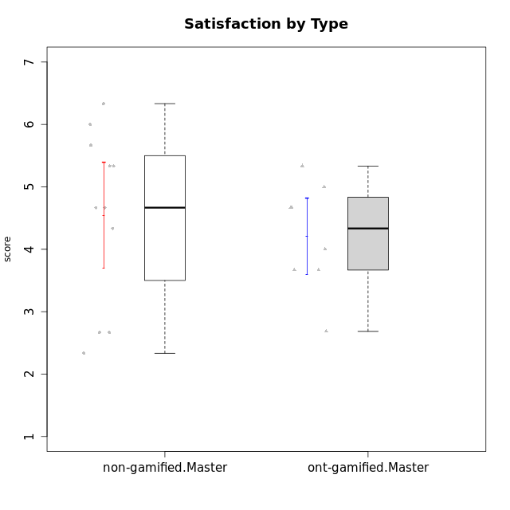

Student's t-Test data
UserID | NroUSP | Type | CLGroup | CLRole | PlayerRole | Attention | Relevance | Satisfaction | Level of Motivation
10171 | 698531 | ont-gamified | Grupo Losvakai | Master | Yee Achiever | 4.8333333333 | 6.6076 | 5.3333333333 | 5.5384615385
10172 | 10273971 | ont-gamified | Grupo Koil | Master | Yee Achiever | 4.8333333333 | 5.5 | 3.6666666667 | 4.7692307692
10175 | 10310700 | non-gamified | Grupo Team 6 | Master |  | 5.8333333333 | 6.4826 | 5.3333333333 | 6.0769230769
10184 | 10276675 | non-gamified | Grupo Team 7 | Master |  | 5.5 | 6 | 5.3333333333 | 5.6153846154
10185 | 10276960 | ont-gamified | Grupo Tosskor | Master | Yee Achiever | 4.1666666667 | 4.75 | 4 | 4.3076923077
10188 | 10276995 | ont-gamified | Grupo Paldira | Master | Yee Achiever | 4.1666666667 | 5.25 | 4.6666666667 | 4.6153846154
10193 | 10276762 | non-gamified | Grupo Team 2 | Master |  | 3.6666666667 | 4.5 | 2.6666666667 | 3.6923076923
10197 | 10276661 | non-gamified | Grupo Team 11 | Master |  | 4.3333333333 | 5 | 4.3333333333 | 4.5384615385
10201 | 10276928 | non-gamified | Grupo Team 10 | Master |  | 4.6666666667 | 5.25 | 6 | 5.1538461538
10204 | 10310471 | non-gamified | Grupo Team 5 | Master |  | 6.6376666667 | 6.25 | 6.3333333333 | 6.5384615385
10206 | 10310721 | non-gamified | Grupo Team 9 | Master |  | 3.8333333333 | 4.75 | 4.6666666667 | 4.3076923077
10208 | 10276932 | ont-gamified | Grupo Yeka | Master | Yee Socializer | 3.8333333333 | 3.75 | 3.6666666667 | 3.7692307692
10209 | 10262669 | non-gamified | Grupo Team 1 | Master |  | 1.6956666667 | 3.75 | 2.6666666667 | 2.4615384615
10211 | 9311643 | ont-gamified | Grupo Razorg | Master | Yee Achiever | 2.7674 | 4.25 | 2.6840666667 | 3.1314461538
10213 | 10277040 | non-gamified | Grupo Team 8 | Master |  | 4.5 | 5 | 5.6666666667 | 4.9230769231
10216 | 10276720 | ont-gamified | Grupo Ellaru | Master | Yee Socializer | 3.8333333333 | 5 | 4.6666666667 | 4.3846153846
10217 | 9805341 | ont-gamified | Grupo Belos | Master | Yee Socializer | 4.8333333333 | 5.75 | 5 | 5.1538461538
10223 | 9795185 | non-gamified | Grupo Team 3 | Master |  | 2 | 3.5174 | 2.3333333333 | 2.3076923077
10231 | 10276911 | non-gamified | Grupo Team 4 | Master |  | 2.5 | 5 | 4.6666666667 | 3.7692307692

Type_CLRole_6
Student's t-Test for Satisfaction by Type in Type:CLRole between ont-gamified.Apprentice:ont-gamified.Master

Student's t-Test results
Alternative hypothesis: less
Group | N | Mean | Mean.Difference | Std.deviation | Std.error | CI.lower | CI.upper | df | t.value | p.value | g | magnitude
ont-gamified.Apprentice | 16 | 4.3509041667 | 0.14039583333 | 1.0065591056 | 0.25163977641 | 3.8476246138 | 4.8541837195 | 16.178051032 | 0.35392231062 | 0.63601621612 | 0.14055162461 | negligible
ont-gamified.Master | 8 | 4.2105083333 | -0.14039583333 | 0.86734894605 | 0.3066541607 | 3.5972000119 | 4.8238166547 | 16.178051032 | 0.35392231062 | 0.63601621612 | 0.14055162461 | negligible
Alternative hypothesis: greater
Group | N | Mean | Mean.Difference | Std.deviation | Std.error | CI.lower | CI.upper | df | t.value | p.value | g | magnitude
ont-gamified.Apprentice | 16 | 4.3509041667 | 0.14039583333 | 1.0065591056 | 0.25163977641 | 3.8476246138 | 4.8541837195 | 16.178051032 | 0.35392231062 | 0.36398378388 | 0.14055162461 | negligible
ont-gamified.Master | 8 | 4.2105083333 | -0.14039583333 | 0.86734894605 | 0.3066541607 | 3.5972000119 | 4.8238166547 | 16.178051032 | 0.35392231062 | 0.36398378388 | 0.14055162461 | negligible
Alternative hypothesis: two.sided
Group | N | Mean | Mean.Difference | Std.deviation | Std.error | CI.lower | CI.upper | df | t.value | p.value | g | magnitude
ont-gamified.Apprentice | 16 | 4.3509041667 | 0.14039583333 | 1.0065591056 | 0.25163977641 | 3.8476246138 | 4.8541837195 | 16.178051032 | 0.35392231062 | 0.72796756776 | 0.14055162461 | negligible
ont-gamified.Master | 8 | 4.2105083333 | -0.14039583333 | 0.86734894605 | 0.3066541607 | 3.5972000119 | 4.8238166547 | 16.178051032 | 0.35392231062 | 0.72796756776 | 0.14055162461 | negligible

Box plots for Student's t-Test
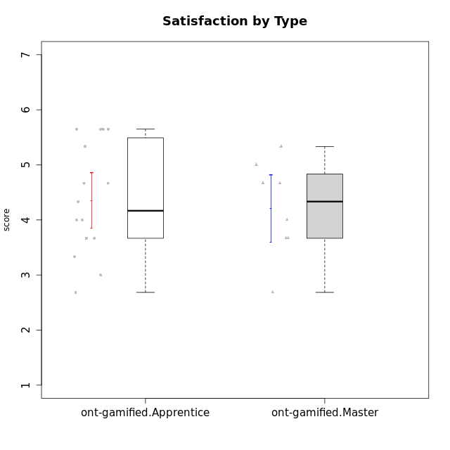

Student's t-Test data
UserID | NroUSP | Type | CLGroup | CLRole | PlayerRole | Attention | Relevance | Satisfaction | Level of Motivation
10171 | 698531 | ont-gamified | Grupo Losvakai | Master | Yee Achiever | 4.8333333333 | 6.6076 | 5.3333333333 | 5.5384615385
10172 | 10273971 | ont-gamified | Grupo Koil | Master | Yee Achiever | 4.8333333333 | 5.5 | 3.6666666667 | 4.7692307692
10179 | 10310759 | ont-gamified | Grupo Tosskor | Apprentice | Yee Achiever | 4.1666666667 | 5.25 | 4.3333333333 | 4.5384615385
10185 | 10276960 | ont-gamified | Grupo Tosskor | Master | Yee Achiever | 4.1666666667 | 4.75 | 4 | 4.3076923077
10187 | 9790781 | ont-gamified | Grupo Razorg | Apprentice | Yee Achiever | 4.5 | 2.9011 | 4.6666666667 | 4
10188 | 10276995 | ont-gamified | Grupo Paldira | Master | Yee Achiever | 4.1666666667 | 5.25 | 4.6666666667 | 4.6153846154
10191 | 10276981 | ont-gamified | Grupo Yeka | Apprentice | Yee Socializer | 5.7326 | 5.75 | 5.6492666667 | 5.9230769231
10192 | 10276682 | ont-gamified | Grupo Yeka | Apprentice | Yee Socializer | 5.7326 | 5.75 | 5.6492666667 | 6.3846153846
10202 | 10277036 | ont-gamified | Grupo Paldira | Apprentice | Yee Achiever | 4 | 3.5 | 4 | 3.8461538462
10203 | 9921470 | ont-gamified | Grupo Paldira | Apprentice | Yee Achiever | 5.7326 | 7 | 5.6492666667 | 6.5143692308
10208 | 10276932 | ont-gamified | Grupo Yeka | Master | Yee Socializer | 3.8333333333 | 3.75 | 3.6666666667 | 3.7692307692
10210 | 10277015 | ont-gamified | Grupo Losvakai | Apprentice | Yee Achiever | 3.1666666667 | 4.75 | 3.6666666667 | 3.7692307692
10211 | 9311643 | ont-gamified | Grupo Razorg | Master | Yee Achiever | 2.7674 | 4.25 | 2.6840666667 | 3.1314461538
10212 | 9065750 | ont-gamified | Grupo Ellaru | Apprentice | Yee Socializer | 3.3333333333 | 5 | 3 | 3.7692307692
10214 | 10277022 | ont-gamified | Grupo Koil | Apprentice | Yee Achiever | 4.5 | 5.75 | 3.6666666667 | 4.6923076923
10216 | 10276720 | ont-gamified | Grupo Ellaru | Master | Yee Socializer | 3.8333333333 | 5 | 4.6666666667 | 4.3846153846
10217 | 9805341 | ont-gamified | Grupo Belos | Master | Yee Socializer | 4.8333333333 | 5.75 | 5 | 5.1538461538
10219 | 10276831 | ont-gamified | Grupo Razorg | Apprentice | Yee Achiever | 2.7674 | 2.9011 | 3.3333333333 | 2.8461538462
10226 | 10310342 | ont-gamified | Grupo Yeka | Apprentice | Yee Socializer | 5 | 6.25 | 5.6492666667 | 5.5384615385
10228 | 10310492 | ont-gamified | Grupo Losvakai | Apprentice | Yee Achiever | 4.1666666667 | 4.75 | 4 | 4.3076923077
10230 | 10351992 | ont-gamified | Grupo Koil | Apprentice | Yee Achiever | 5.7326 | 6 | 5.3333333333 | 5.9230769231
10233 | 9805320 | ont-gamified | Grupo Tosskor | Apprentice | Yee Achiever | 4.3333333333 | 3 | 2.6840666667 | 3.2307692308
10237 | 10377688 | ont-gamified | Grupo Ellaru | Apprentice | Yee Socializer | 3.8333333333 | 6 | 3.6666666667 | 4.4615384615
10238 | 10276953 | ont-gamified | Grupo Belos | Apprentice | Yee Socializer | 4.5 | 4.25 | 4.6666666667 | 4.4615384615

