Type_1
Wilcoxon Analysis for Difference in Scores (Posttest-Pretest) - Recursion in Type between ont-gamified:w/o-gamified

Wilcoxon test results
Alternative hypothesis: less
Group | N | Median | Mean.Ranks | Sum.Ranks | U | Z | p.value | r | magnitude
ont-gamified | 23 | 2.24 | 31.086956522 | 715 | 439 | 2.8047499165 | 0.99786135883 | 0.4006785595 | medium
w/o-gamified | 26 | -0.37 | 19.615384615 | 510 | 439 | 2.8047499165 | 0.99786135883 | 0.4006785595 | medium
Alternative hypothesis: greater
Group | N | Median | Mean.Ranks | Sum.Ranks | U | Z | p.value | r | magnitude
ont-gamified | 23 | 2.24 | 31.086956522 | 715 | 439 | 2.8047499165 | 0.0022135199625 | 0.4006785595 | medium
w/o-gamified | 26 | -0.37 | 19.615384615 | 510 | 439 | 2.8047499165 | 0.0022135199625 | 0.4006785595 | medium
Alternative hypothesis: two.sided
Group | N | Median | Mean.Ranks | Sum.Ranks | U | Z | p.value | r | magnitude
ont-gamified | 23 | 2.24 | 31.086956522 | 715 | 439 | 2.8047499165 | 0.0044255828577 | 0.4006785595 | medium
w/o-gamified | 26 | -0.37 | 19.615384615 | 510 | 439 | 2.8047499165 | 0.0044255828577 | 0.4006785595 | medium

Box plots for wilcoxon tests
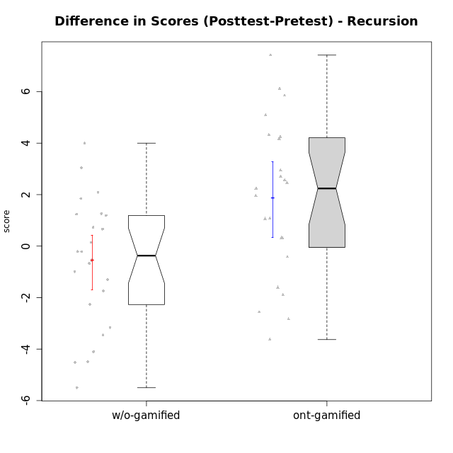

Wilcoxon data
UserID | NroUSP | Type | CLGroup | CLRole | PlayerRole | Re2 | Un2 | Ap3 | Ap1 | An3a | An3b | Ev2 | score.pre | ReB | UnB | ApC | ApA | AnC1 | AnC2 | EvB | score.pos | P4 | PF | PG | PH | difScore
10169 | 10377538 | ont-gamified | Resistance | Apprentice | Social Achiever | 0.14 | 0 | 0.8 | 0 | 0 | 0 | 0 | 0.94 | 1 | 2.5 | 0.75 | 1.5 | 0.67 | 0 | 0.38 | 6.79 | 0 | 0 | 0 | 0 | 5.85
10170 | 10260351 | w/o-gamified | Grupo11 | Apprentice |  | 0 | 1.07 | 0.8 | 1 | 0 | 1 | 1.5 | 5.37 | 0.57 | 1.75 | 0.75 | 0 | 1 | 0 | 0 | 4.07 | 0 | 0 | 0 | 0 | -1.3
10172 | 10273971 | w/o-gamified | Grupo5 | Apprentice |  | 0.43 | 2.57 | 0 | 0 | 1 | 0 | 0 | 4 | 0 | 3 | 1 | 0 | 0.67 | 0 | 0 | 4.67 | 0 | 0 | 0 | 0 | 0.67
10174 | 10276852 | w/o-gamified | Grupo7 | Master |  | 0.43 | 1.5 | 0.8 | 1 | 0.67 | 2 | 0.56 | 6.96 | 0.43 | 1.75 | 0 | 0 | 0 | 1.33 | 0 | 3.51 | 0 | 0 | 0 | 0 | -3.45
10175 | 10310700 | ont-gamified | Warriors | Master | Social Achiever | 0.14 | 1.29 | 0 | 0.4 | 1 | 2 | 1.5 | 6.33 | 1 | 3 | 2 | 1.5 | 2 | 0 | 1 | 10.5 | 0 | 0 | 0 | 0 | 4.17
10176 | 10276949 | ont-gamified | Outlaws | Master | Social Achiever | 0.14 | 1.07 | 2 | 0.6 | 2 | 2 | 0 | 7.81 | 0 | 2 | 0.75 | 0.5 | 2 | 0 | 0 | 5.25 | 0 | 0 | 0 | 0 | -2.56
10178 | 8656201 | ont-gamified | Outlaws | Apprentice | Social Achiever | 0.29 | 0 | 2 | 1 | 0 | 0 | 0 | 3.29 | 0.86 | 0.5 | 0 | 0 | 1.67 | 0.33 | 0.25 | 3.61 | 0 | 0 | 0 | 0 | 0.32
10179 | 10310759 | w/o-gamified | Grupo10 | Master |  | 0.86 | 2.79 | 2 | 1 | 0.67 | 0.67 | 0.56 | 8.54 | 0.86 | 2 | 0 | 0.5 | 0 | 0.67 | 0 | 4.02 | 0 | 0 | 0 | 0 | -4.52
10181 | 10276866 | w/o-gamified | Grupo2 | Apprentice |  | 0.14 | 0.86 | 0 | 0 | 1 | 0 | 0 | 2 | 1 | 2.5 | 0 | 1.5 | 1 | 0 | 0 | 6 | 0 | 0 | 0 | 0 | 4
10183 | 10352030 | w/o-gamified | Grupo3 | Apprentice |  | 0.14 | 0.86 | 2 | 0 | 0 | 0 | 0 | 3 | 0.43 | 2.5 | 0 | 0 | 0.67 | 0.67 | 0 | 4.26 | 0 | 0 | 0 | 0 | 1.26
10184 | 10276675 | w/o-gamified | Grupo10 | Apprentice |  | 0.14 | 1.29 | 1 | 1 | 1 | 0 | 1.5 | 6.68 | 1 | 0 | 0 | 0 | 0 | 0 | 0 | 2.1875 | 0.75 | 0.5 | 0.3125 | 0.375 | -4.4925
10185 | 10276960 | w/o-gamified | Grupo9 | Apprentice |  | 0.71 | 2.79 | 2 | 0 | 1 | 0 | 0 | 6.5 | 1 | 0 | 0 | 0 | 0 | 0 | 0 | 1 | 0 | 0 | 0 | 0 | -5.5
10186 | 10310551 | ont-gamified | Slayers | Apprentice | Social Achiever | 0 | 0 | 0 | 0.4 | 0 | 0 | 0 | 0.4 | 0.43 | 2 | 0.25 | 1 | 0 | 0.67 | 0.38 | 4.72 | 0 | 0 | 0 | 0 | 4.32
10187 | 9790781 | ont-gamified | Mafia | Apprentice | Social Achiever | 0.14 | 0 | 2 | 1 | 0 | 0 | 0 | 4.07 | 1 | 0.5 | 0 | 0 | 0.33 | 0.33 | 0 | 2.17 | 0 | 0 | 0 | 0 | -1.9
10188 | 10276995 | ont-gamified | Vandals | Master | Yee Achiever | 0.29 | 1.5 | 0 | 1 | 2 | 2 | 0 | 7.04 | 1 | 2.5 | 2 | 1.5 | 0 | 0.67 | 1 | 9.6075 | 0.25 | 0.25 | 0.3125 | 0.375 | 2.5675
10189 | 9363926 | ont-gamified | Vikings | Apprentice | Social Achiever | 0.71 | 0 | 0 | 0 | 0.33 | 0 | 0 | 1.05 | 0 | 2.75 | 0 | 0 | 0 | 0 | 1 | 3.75 | 0 | 0 | 0 | 0 | 2.7
10190 | 10276907 | w/o-gamified | Grupo4 | Apprentice |  | 0.14 | 0 | 0 | 0.4 | 1 | 0.67 | 0.56 | 2.77 | 0 | 2 | 0 | 0.5 | 0 | 1 | 0 | 3.5 | 0 | 0 | 0 | 0 | 0.73
10191 | 10276981 | w/o-gamified | Grupo1 | Master |  | 0.14 | 2.57 | 2 | 1 | 0 | 1.67 | 0 | 7.38 | 0.43 | 2.75 | 0 | 0 | 0 | 0.67 | 0.38 | 4.22 | 0 | 0 | 0 | 0 | -3.16
10192 | 10276682 | ont-gamified | Attractive Devils | Apprentice | Social Achiever | 0.14 | 0.64 | 2 | 1 | 0 | 0 | 0 | 3.79 | 0.71 | 3 | 2 | 1.5 | 0 | 0.67 | 1 | 8.88 | 0 | 0 | 0 | 0 | 5.09
10193 | 10276762 | ont-gamified | Vandals | Apprentice | Yee Achiever | 0.14 | 1.07 | 1 | 1 | 0.67 | 0 | 0 | 3.88 | 0 | 2.5 | 0 | 1.5 | 0 | 1.33 | 0.5 | 5.83 | 0 | 0 | 0 | 0 | 1.95
10197 | 10276661 | w/o-gamified | Grupo8 | Apprentice |  | 0.14 | 3 | 0 | 1 | 1.67 | 0 | 0.56 | 7.37 | 0 | 3 | 2 | 0 | 0 | 0 | 0.38 | 5.63 | 1 | 0.25 | 0 | 0 | -1.74
10198 | 10310888 | ont-gamified | Attractive Devils | Apprentice | Social Achiever | 0.14 | 2.79 | 0 | 0 | 1 | 0 | 0 | 3.93 | 0.71 | 2.25 | 0.75 | 1.5 | 1 | 0.67 | 0 | 6.88 | 0 | 0 | 0 | 0 | 2.95
10200 | 9795272 | ont-gamified | Warriors | Apprentice | Social Achiever | 0.14 | 1.07 | 0.8 | 0 | 0.67 | 0 | 0 | 2.68 | 0.71 | 3 | 0.75 | 0 | 0 | 0.67 | 0 | 5.13 | 0 | 0 | 0 | 0 | 2.45
10201 | 10276928 | w/o-gamified | Grupo11 | Apprentice |  | 0.14 | 1.07 | 0 | 1 | 2 | 2 | 0 | 6.21 | 0.29 | 2.5 | 0.75 | 0 | 2 | 0 | 0 | 5.54 | 0 | 0 | 0 | 0 | -0.67
10202 | 10277036 | ont-gamified | Silly Knights | Apprentice | Social Achiever | 0.14 | 0.86 | 0 | 0 | 0 | 0 | 0 | 1 | 1 | 2.25 | 2 | 0.5 | 2 | 0.67 | 0 | 8.42 | 0 | 0 | 0 | 0 | 7.42
10203 | 9921470 | ont-gamified | Mercenaries | Apprentice | Social Achiever | 0.29 | 2.79 | 2 | 0 | 0 | 0 | 0.56 | 5.63 | 0 | 1.5 | 0 | 0.5 | 0 | 0 | 0 | 2 | 0 | 0 | 0 | 0 | -3.63
10204 | 10310471 | w/o-gamified | Grupo6 | Apprentice |  | 0.14 | 1.29 | 0.8 | 0 | 1 | 0.67 | 0 | 3.9 | 1 | 2 | 0.75 | 0 | 0 | 2 | 0 | 5.75 | 0 | 0 | 0 | 0 | 1.85
10206 | 10310721 | w/o-gamified | Grupo8 | Apprentice |  | 0.57 | 1.07 | 0.8 | 0 | 1.67 | 0 | 1.5 | 5.61 | 0.43 | 2.75 | 0.5 | 0.5 | 2 | 0.67 | 0 | 6.85 | 0 | 0 | 0 | 0 | 1.24
10209 | 10262669 | ont-gamified | Mafia | Apprentice | Social Achiever | 0.14 | 1.29 | 0.8 | 1 | 0 | 2 | 0.56 | 5.79 | 1 | 2.5 | 2 | 1.5 | 2 | 0.67 | 0.38 | 10.04 | 0 | 0 | 0 | 0 | 4.25
10210 | 10277015 | w/o-gamified | Grupo6 | Apprentice |  | 0.29 | 2.36 | 1 | 0 | 0.67 | 1.33 | 0 | 5.64 | 0.71 | 2.25 | 2 | 0 | 0.67 | 0.67 | 0 | 6.3 | 0 | 0 | 0 | 0 | 0.66
10213 | 10277040 | w/o-gamified | Grupo7 | Apprentice |  | 0 | 1.07 | 0 | 1 | 0 | 1 | 1.5 | 4.57 | 1 | 3 | 0 | 0 | 0 | 0.33 | 0.38 | 4.71 | 0 | 0 | 0 | 0 | 0.14
10214 | 10277022 | ont-gamified | Vikings | Apprentice | Social Achiever | 0 | 0 | 0.8 | 0 | 0 | 0.67 | 0 | 1.47 | 0 | 2 | 0.75 | 1.5 | 2 | 1.33 | 0 | 7.58 | 0 | 0 | 0 | 0 | 6.11
10215 | 9285227 | ont-gamified | Vikings | Master | Social Achiever | 0.14 | 3 | 2 | 0.4 | 1 | 0 | 0.56 | 7.11 | 0 | 3 | 0 | 1.5 | 1 | 0 | 0 | 5.5 | 0 | 0 | 0 | 0 | -1.61
10216 | 10276720 | ont-gamified | Silly Knights | Master | Social Achiever | 0.14 | 3 | 0.8 | 1 | 1 | 1 | 0 | 6.94 | 1 | 2.5 | 0 | 0.5 | 2 | 2 | 0 | 8 | 0 | 0 | 0 | 0 | 1.06
10217 | 9805341 | w/o-gamified | Grupo9 | Apprentice |  | 0.14 | 0.86 | 0 | 1 | 2 | 0 | 1.5 | 5.5 | 1 | 3 | 0.25 | 1.5 | 2 | 0.67 | 0.13 | 8.54 | 0 | 0 | 0 | 0 | 3.04
10218 | 9842913 | w/o-gamified | Grupo10 | Apprentice |  | 0.14 | 1.29 | 2 | 1 | 0 | 0 | 0.56 | 4.99 | 1 | 3 | 0 | 0 | 0 | 0 | 0 | 4 | 0 | 0 | 0 | 0 | -0.99
10219 | 10276831 | w/o-gamified | Grupo3 | Master |  | 0 | 2.79 | 0.8 | 1 | 2 | 0 | 0 | 6.59 | 0.57 | 1.5 | 0.75 | 1.5 | 0 | 0 | 0 | 4.32 | 0 | 0 | 0 | 0 | -2.27
10220 | 9760151 | w/o-gamified | Grupo3 | Apprentice |  | 0.14 | 1.29 | 0 | 1 | 0 | 0 | 0.56 | 2.99 | 0.43 | 1.25 | 0 | 0 | 0 | 2 | 0.5 | 4.18 | 0 | 0 | 0 | 0 | 1.19
10221 | 9082496 | ont-gamified | Warriors | Apprentice | Social Achiever | 0.14 | 1.29 | 0 | 0 | 0 | 0 | 0.56 | 1.99 | 0.14 | 1.5 | 0 | 0 | 0 | 0.67 | 0 | 2.31 | 0 | 0 | 0 | 0 | 0.32
10223 | 9795185 | ont-gamified | Slayers | Master | Social Achiever | 0.14 | 0 | 0 | 1 | 2 | 2 | 0 | 5.14 | 0 | 2 | 0 | 0.5 | 2 | 1.33 | 0.38 | 6.21 | 0 | 0 | 0 | 0 | 1.07
10226 | 10310342 | w/o-gamified | Grupo4 | Apprentice |  | 0.14 | 0 | 0.8 | 0 | 0.67 | 0 | 0.75 | 2.41 | 1 | 1.5 | 0 | 0 | 1 | 1 | 0 | 4.5 | 0 | 0 | 0 | 0 | 2.09
10227 | 9274382 | w/o-gamified | Grupo5 | Master |  | 0.43 | 1.5 | 1 | 1 | 0.67 | 2 | 0 | 6.6 | 0 | 2.5 | 0 | 0 | 0 | 0 | 0 | 2.5 | 0 | 0 | 0 | 0 | -4.1
10228 | 10310492 | ont-gamified | Resistance | Apprentice | Social Achiever | 0.14 | 0 | 0 | 0 | 0 | 0 | 0.56 | 0.76 | 0 | 1.5 | 0 | 0.5 | 1 | 0 | 0 | 3 | 0 | 0 | 0 | 0 | 2.24
10230 | 10351992 | ont-gamified | Resistance | Master | Social Achiever | 0.14 | 0.43 | 2 | 1 | 1.33 | 0 | 0.56 | 5.47 | 0 | 1.5 | 0.75 | 0 | 0 | 0 | 0.38 | 2.63 | 0 | 0 | 0 | 0 | -2.84
10231 | 10276911 | w/o-gamified | Grupo9 | Master |  | 0.14 | 2.79 | 0 | 1 | 2 | 2 | 0.56 | 8.49 | 0.43 | 3 | 0 | 1.5 | 2 | 0 | 1 | 7.93 | 0 | 0 | 0 | 0 | -0.56
10232 | 10276974 | w/o-gamified | Grupo7 | Apprentice |  | 0.14 | 1.07 | 2 | 1 | 0 | 0.67 | 0.38 | 5.26 | 0.14 | 3 | 0.75 | 0.5 | 0.33 | 0 | 0 | 4.73 | 0 | 0 | 0 | 0 | -0.53
10237 | 10377688 | ont-gamified | Outlaws | Apprentice | Social Achiever | 0.14 | 1.07 | 0 | 1 | 2 | 0 | 0 | 4.21 | 1 | 1 | 0.75 | 0 | 0.67 | 0 | 0.38 | 3.79 | 0 | 0 | 0 | 0 | -0.42
10238 | 10276953 | w/o-gamified | Grupo2 | Master |  | 1 | 0 | 2 | 0 | 2 | 0 | 0.56 | 5.56 | 0.43 | 2.25 | 0 | 0 | 2 | 0.67 | 0 | 5.35 | 0 | 0 | 0 | 0 | -0.21
10240 | 10276654 | w/o-gamified | Grupo5 | Apprentice |  | 0.14 | 2.79 | 0 | 1 | 0 | 0.67 | 0 | 4.6 | 0.14 | 1.75 | 0 | 0.5 | 2 | 0 | 0 | 4.39 | 0 | 0 | 0 | 0 | -0.21

Type_CLRole_1
Wilcoxon Analysis for Difference in Scores (Posttest-Pretest) - Recursion in Type:CLRole between ont-gamified.Apprentice:ont-gamified.Master

Wilcoxon test results
Alternative hypothesis: less
Group | N | Median | Mean.Ranks | Sum.Ranks | U | Z | p.value | r | magnitude
ont-gamified.Apprentice | 16 | 2.575 | 13.5 | 216 | 80 | 1.6035674515 | 0.94869818117 | 0.33436692755 | medium
ont-gamified.Master | 7 | 1.06 | 8.5714285714 | 60 | 80 | 1.6035674515 | 0.94869818117 | 0.33436692755 | medium
Alternative hypothesis: greater
Group | N | Median | Mean.Ranks | Sum.Ranks | U | Z | p.value | r | magnitude
ont-gamified.Apprentice | 16 | 2.575 | 13.5 | 216 | 80 | 1.6035674515 | 0.059060112499 | 0.33436692755 | medium
ont-gamified.Master | 7 | 1.06 | 8.5714285714 | 60 | 80 | 1.6035674515 | 0.059060112499 | 0.33436692755 | medium
Alternative hypothesis: two.sided
Group | N | Median | Mean.Ranks | Sum.Ranks | U | Z | p.value | r | magnitude
ont-gamified.Apprentice | 16 | 2.575 | 13.5 | 216 | 80 | 1.6035674515 | 0.118120225 | 0.33436692755 | medium
ont-gamified.Master | 7 | 1.06 | 8.5714285714 | 60 | 80 | 1.6035674515 | 0.118120225 | 0.33436692755 | medium

Box plots for wilcoxon tests
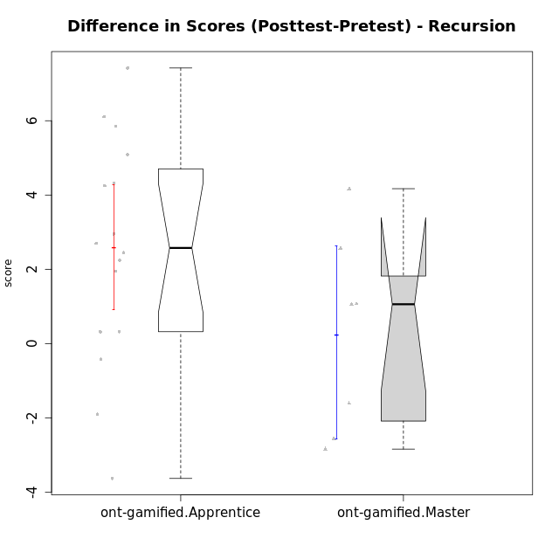

Wilcoxon data
UserID | NroUSP | Type | CLGroup | CLRole | PlayerRole | Re2 | Un2 | Ap3 | Ap1 | An3a | An3b | Ev2 | score.pre | ReB | UnB | ApC | ApA | AnC1 | AnC2 | EvB | score.pos | P4 | PF | PG | PH | difScore
10169 | 10377538 | ont-gamified | Resistance | Apprentice | Social Achiever | 0.14 | 0 | 0.8 | 0 | 0 | 0 | 0 | 0.94 | 1 | 2.5 | 0.75 | 1.5 | 0.67 | 0 | 0.38 | 6.79 | 0 | 0 | 0 | 0 | 5.85
10175 | 10310700 | ont-gamified | Warriors | Master | Social Achiever | 0.14 | 1.29 | 0 | 0.4 | 1 | 2 | 1.5 | 6.33 | 1 | 3 | 2 | 1.5 | 2 | 0 | 1 | 10.5 | 0 | 0 | 0 | 0 | 4.17
10176 | 10276949 | ont-gamified | Outlaws | Master | Social Achiever | 0.14 | 1.07 | 2 | 0.6 | 2 | 2 | 0 | 7.81 | 0 | 2 | 0.75 | 0.5 | 2 | 0 | 0 | 5.25 | 0 | 0 | 0 | 0 | -2.56
10178 | 8656201 | ont-gamified | Outlaws | Apprentice | Social Achiever | 0.29 | 0 | 2 | 1 | 0 | 0 | 0 | 3.29 | 0.86 | 0.5 | 0 | 0 | 1.67 | 0.33 | 0.25 | 3.61 | 0 | 0 | 0 | 0 | 0.32
10186 | 10310551 | ont-gamified | Slayers | Apprentice | Social Achiever | 0 | 0 | 0 | 0.4 | 0 | 0 | 0 | 0.4 | 0.43 | 2 | 0.25 | 1 | 0 | 0.67 | 0.38 | 4.72 | 0 | 0 | 0 | 0 | 4.32
10187 | 9790781 | ont-gamified | Mafia | Apprentice | Social Achiever | 0.14 | 0 | 2 | 1 | 0 | 0 | 0 | 4.07 | 1 | 0.5 | 0 | 0 | 0.33 | 0.33 | 0 | 2.17 | 0 | 0 | 0 | 0 | -1.9
10188 | 10276995 | ont-gamified | Vandals | Master | Yee Achiever | 0.29 | 1.5 | 0 | 1 | 2 | 2 | 0 | 7.04 | 1 | 2.5 | 2 | 1.5 | 0 | 0.67 | 1 | 9.6075 | 0.25 | 0.25 | 0.3125 | 0.375 | 2.5675
10189 | 9363926 | ont-gamified | Vikings | Apprentice | Social Achiever | 0.71 | 0 | 0 | 0 | 0.33 | 0 | 0 | 1.05 | 0 | 2.75 | 0 | 0 | 0 | 0 | 1 | 3.75 | 0 | 0 | 0 | 0 | 2.7
10192 | 10276682 | ont-gamified | Attractive Devils | Apprentice | Social Achiever | 0.14 | 0.64 | 2 | 1 | 0 | 0 | 0 | 3.79 | 0.71 | 3 | 2 | 1.5 | 0 | 0.67 | 1 | 8.88 | 0 | 0 | 0 | 0 | 5.09
10193 | 10276762 | ont-gamified | Vandals | Apprentice | Yee Achiever | 0.14 | 1.07 | 1 | 1 | 0.67 | 0 | 0 | 3.88 | 0 | 2.5 | 0 | 1.5 | 0 | 1.33 | 0.5 | 5.83 | 0 | 0 | 0 | 0 | 1.95
10198 | 10310888 | ont-gamified | Attractive Devils | Apprentice | Social Achiever | 0.14 | 2.79 | 0 | 0 | 1 | 0 | 0 | 3.93 | 0.71 | 2.25 | 0.75 | 1.5 | 1 | 0.67 | 0 | 6.88 | 0 | 0 | 0 | 0 | 2.95
10200 | 9795272 | ont-gamified | Warriors | Apprentice | Social Achiever | 0.14 | 1.07 | 0.8 | 0 | 0.67 | 0 | 0 | 2.68 | 0.71 | 3 | 0.75 | 0 | 0 | 0.67 | 0 | 5.13 | 0 | 0 | 0 | 0 | 2.45
10202 | 10277036 | ont-gamified | Silly Knights | Apprentice | Social Achiever | 0.14 | 0.86 | 0 | 0 | 0 | 0 | 0 | 1 | 1 | 2.25 | 2 | 0.5 | 2 | 0.67 | 0 | 8.42 | 0 | 0 | 0 | 0 | 7.42
10203 | 9921470 | ont-gamified | Mercenaries | Apprentice | Social Achiever | 0.29 | 2.79 | 2 | 0 | 0 | 0 | 0.56 | 5.63 | 0 | 1.5 | 0 | 0.5 | 0 | 0 | 0 | 2 | 0 | 0 | 0 | 0 | -3.63
10209 | 10262669 | ont-gamified | Mafia | Apprentice | Social Achiever | 0.14 | 1.29 | 0.8 | 1 | 0 | 2 | 0.56 | 5.79 | 1 | 2.5 | 2 | 1.5 | 2 | 0.67 | 0.38 | 10.04 | 0 | 0 | 0 | 0 | 4.25
10214 | 10277022 | ont-gamified | Vikings | Apprentice | Social Achiever | 0 | 0 | 0.8 | 0 | 0 | 0.67 | 0 | 1.47 | 0 | 2 | 0.75 | 1.5 | 2 | 1.33 | 0 | 7.58 | 0 | 0 | 0 | 0 | 6.11
10215 | 9285227 | ont-gamified | Vikings | Master | Social Achiever | 0.14 | 3 | 2 | 0.4 | 1 | 0 | 0.56 | 7.11 | 0 | 3 | 0 | 1.5 | 1 | 0 | 0 | 5.5 | 0 | 0 | 0 | 0 | -1.61
10216 | 10276720 | ont-gamified | Silly Knights | Master | Social Achiever | 0.14 | 3 | 0.8 | 1 | 1 | 1 | 0 | 6.94 | 1 | 2.5 | 0 | 0.5 | 2 | 2 | 0 | 8 | 0 | 0 | 0 | 0 | 1.06
10221 | 9082496 | ont-gamified | Warriors | Apprentice | Social Achiever | 0.14 | 1.29 | 0 | 0 | 0 | 0 | 0.56 | 1.99 | 0.14 | 1.5 | 0 | 0 | 0 | 0.67 | 0 | 2.31 | 0 | 0 | 0 | 0 | 0.32
10223 | 9795185 | ont-gamified | Slayers | Master | Social Achiever | 0.14 | 0 | 0 | 1 | 2 | 2 | 0 | 5.14 | 0 | 2 | 0 | 0.5 | 2 | 1.33 | 0.38 | 6.21 | 0 | 0 | 0 | 0 | 1.07
10228 | 10310492 | ont-gamified | Resistance | Apprentice | Social Achiever | 0.14 | 0 | 0 | 0 | 0 | 0 | 0.56 | 0.76 | 0 | 1.5 | 0 | 0.5 | 1 | 0 | 0 | 3 | 0 | 0 | 0 | 0 | 2.24
10230 | 10351992 | ont-gamified | Resistance | Master | Social Achiever | 0.14 | 0.43 | 2 | 1 | 1.33 | 0 | 0.56 | 5.47 | 0 | 1.5 | 0.75 | 0 | 0 | 0 | 0.38 | 2.63 | 0 | 0 | 0 | 0 | -2.84
10237 | 10377688 | ont-gamified | Outlaws | Apprentice | Social Achiever | 0.14 | 1.07 | 0 | 1 | 2 | 0 | 0 | 4.21 | 1 | 1 | 0.75 | 0 | 0.67 | 0 | 0.38 | 3.79 | 0 | 0 | 0 | 0 | -0.42

Type_CLRole_2
Wilcoxon Analysis for Difference in Scores (Posttest-Pretest) - Recursion in Type:CLRole between ont-gamified.Apprentice:w/o-gamified.Apprentice

Wilcoxon test results
Alternative hypothesis: less
Group | N | Median | Mean.Ranks | Sum.Ranks | U | Z | p.value | r | magnitude
ont-gamified.Apprentice | 16 | 2.575 | 22.6875 | 363 | 227 | 2.4834981695 | 0.99445576529 | 0.41978780891 | medium
w/o-gamified.Apprentice | 19 | 0.66 | 14.052631579 | 267 | 227 | 2.4834981695 | 0.99445576529 | 0.41978780891 | medium
Alternative hypothesis: greater
Group | N | Median | Mean.Ranks | Sum.Ranks | U | Z | p.value | r | magnitude
ont-gamified.Apprentice | 16 | 2.575 | 22.6875 | 363 | 227 | 2.4834981695 | 0.0061372909001 | 0.41978780891 | medium
w/o-gamified.Apprentice | 19 | 0.66 | 14.052631579 | 267 | 227 | 2.4834981695 | 0.0061372909001 | 0.41978780891 | medium
Alternative hypothesis: two.sided
Group | N | Median | Mean.Ranks | Sum.Ranks | U | Z | p.value | r | magnitude
ont-gamified.Apprentice | 16 | 2.575 | 22.6875 | 363 | 227 | 2.4834981695 | 0.0122745818 | 0.41978780891 | medium
w/o-gamified.Apprentice | 19 | 0.66 | 14.052631579 | 267 | 227 | 2.4834981695 | 0.0122745818 | 0.41978780891 | medium

Box plots for wilcoxon tests
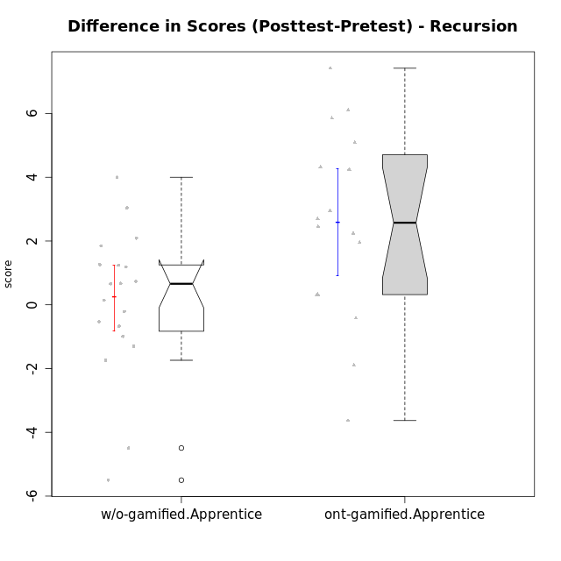

Wilcoxon data
UserID | NroUSP | Type | CLGroup | CLRole | PlayerRole | Re2 | Un2 | Ap3 | Ap1 | An3a | An3b | Ev2 | score.pre | ReB | UnB | ApC | ApA | AnC1 | AnC2 | EvB | score.pos | P4 | PF | PG | PH | difScore
10169 | 10377538 | ont-gamified | Resistance | Apprentice | Social Achiever | 0.14 | 0 | 0.8 | 0 | 0 | 0 | 0 | 0.94 | 1 | 2.5 | 0.75 | 1.5 | 0.67 | 0 | 0.38 | 6.79 | 0 | 0 | 0 | 0 | 5.85
10170 | 10260351 | w/o-gamified | Grupo11 | Apprentice |  | 0 | 1.07 | 0.8 | 1 | 0 | 1 | 1.5 | 5.37 | 0.57 | 1.75 | 0.75 | 0 | 1 | 0 | 0 | 4.07 | 0 | 0 | 0 | 0 | -1.3
10172 | 10273971 | w/o-gamified | Grupo5 | Apprentice |  | 0.43 | 2.57 | 0 | 0 | 1 | 0 | 0 | 4 | 0 | 3 | 1 | 0 | 0.67 | 0 | 0 | 4.67 | 0 | 0 | 0 | 0 | 0.67
10178 | 8656201 | ont-gamified | Outlaws | Apprentice | Social Achiever | 0.29 | 0 | 2 | 1 | 0 | 0 | 0 | 3.29 | 0.86 | 0.5 | 0 | 0 | 1.67 | 0.33 | 0.25 | 3.61 | 0 | 0 | 0 | 0 | 0.32
10181 | 10276866 | w/o-gamified | Grupo2 | Apprentice |  | 0.14 | 0.86 | 0 | 0 | 1 | 0 | 0 | 2 | 1 | 2.5 | 0 | 1.5 | 1 | 0 | 0 | 6 | 0 | 0 | 0 | 0 | 4
10183 | 10352030 | w/o-gamified | Grupo3 | Apprentice |  | 0.14 | 0.86 | 2 | 0 | 0 | 0 | 0 | 3 | 0.43 | 2.5 | 0 | 0 | 0.67 | 0.67 | 0 | 4.26 | 0 | 0 | 0 | 0 | 1.26
10184 | 10276675 | w/o-gamified | Grupo10 | Apprentice |  | 0.14 | 1.29 | 1 | 1 | 1 | 0 | 1.5 | 6.68 | 1 | 0 | 0 | 0 | 0 | 0 | 0 | 2.1875 | 0.75 | 0.5 | 0.3125 | 0.375 | -4.4925
10185 | 10276960 | w/o-gamified | Grupo9 | Apprentice |  | 0.71 | 2.79 | 2 | 0 | 1 | 0 | 0 | 6.5 | 1 | 0 | 0 | 0 | 0 | 0 | 0 | 1 | 0 | 0 | 0 | 0 | -5.5
10186 | 10310551 | ont-gamified | Slayers | Apprentice | Social Achiever | 0 | 0 | 0 | 0.4 | 0 | 0 | 0 | 0.4 | 0.43 | 2 | 0.25 | 1 | 0 | 0.67 | 0.38 | 4.72 | 0 | 0 | 0 | 0 | 4.32
10187 | 9790781 | ont-gamified | Mafia | Apprentice | Social Achiever | 0.14 | 0 | 2 | 1 | 0 | 0 | 0 | 4.07 | 1 | 0.5 | 0 | 0 | 0.33 | 0.33 | 0 | 2.17 | 0 | 0 | 0 | 0 | -1.9
10189 | 9363926 | ont-gamified | Vikings | Apprentice | Social Achiever | 0.71 | 0 | 0 | 0 | 0.33 | 0 | 0 | 1.05 | 0 | 2.75 | 0 | 0 | 0 | 0 | 1 | 3.75 | 0 | 0 | 0 | 0 | 2.7
10190 | 10276907 | w/o-gamified | Grupo4 | Apprentice |  | 0.14 | 0 | 0 | 0.4 | 1 | 0.67 | 0.56 | 2.77 | 0 | 2 | 0 | 0.5 | 0 | 1 | 0 | 3.5 | 0 | 0 | 0 | 0 | 0.73
10192 | 10276682 | ont-gamified | Attractive Devils | Apprentice | Social Achiever | 0.14 | 0.64 | 2 | 1 | 0 | 0 | 0 | 3.79 | 0.71 | 3 | 2 | 1.5 | 0 | 0.67 | 1 | 8.88 | 0 | 0 | 0 | 0 | 5.09
10193 | 10276762 | ont-gamified | Vandals | Apprentice | Yee Achiever | 0.14 | 1.07 | 1 | 1 | 0.67 | 0 | 0 | 3.88 | 0 | 2.5 | 0 | 1.5 | 0 | 1.33 | 0.5 | 5.83 | 0 | 0 | 0 | 0 | 1.95
10197 | 10276661 | w/o-gamified | Grupo8 | Apprentice |  | 0.14 | 3 | 0 | 1 | 1.67 | 0 | 0.56 | 7.37 | 0 | 3 | 2 | 0 | 0 | 0 | 0.38 | 5.63 | 1 | 0.25 | 0 | 0 | -1.74
10198 | 10310888 | ont-gamified | Attractive Devils | Apprentice | Social Achiever | 0.14 | 2.79 | 0 | 0 | 1 | 0 | 0 | 3.93 | 0.71 | 2.25 | 0.75 | 1.5 | 1 | 0.67 | 0 | 6.88 | 0 | 0 | 0 | 0 | 2.95
10200 | 9795272 | ont-gamified | Warriors | Apprentice | Social Achiever | 0.14 | 1.07 | 0.8 | 0 | 0.67 | 0 | 0 | 2.68 | 0.71 | 3 | 0.75 | 0 | 0 | 0.67 | 0 | 5.13 | 0 | 0 | 0 | 0 | 2.45
10201 | 10276928 | w/o-gamified | Grupo11 | Apprentice |  | 0.14 | 1.07 | 0 | 1 | 2 | 2 | 0 | 6.21 | 0.29 | 2.5 | 0.75 | 0 | 2 | 0 | 0 | 5.54 | 0 | 0 | 0 | 0 | -0.67
10202 | 10277036 | ont-gamified | Silly Knights | Apprentice | Social Achiever | 0.14 | 0.86 | 0 | 0 | 0 | 0 | 0 | 1 | 1 | 2.25 | 2 | 0.5 | 2 | 0.67 | 0 | 8.42 | 0 | 0 | 0 | 0 | 7.42
10203 | 9921470 | ont-gamified | Mercenaries | Apprentice | Social Achiever | 0.29 | 2.79 | 2 | 0 | 0 | 0 | 0.56 | 5.63 | 0 | 1.5 | 0 | 0.5 | 0 | 0 | 0 | 2 | 0 | 0 | 0 | 0 | -3.63
10204 | 10310471 | w/o-gamified | Grupo6 | Apprentice |  | 0.14 | 1.29 | 0.8 | 0 | 1 | 0.67 | 0 | 3.9 | 1 | 2 | 0.75 | 0 | 0 | 2 | 0 | 5.75 | 0 | 0 | 0 | 0 | 1.85
10206 | 10310721 | w/o-gamified | Grupo8 | Apprentice |  | 0.57 | 1.07 | 0.8 | 0 | 1.67 | 0 | 1.5 | 5.61 | 0.43 | 2.75 | 0.5 | 0.5 | 2 | 0.67 | 0 | 6.85 | 0 | 0 | 0 | 0 | 1.24
10209 | 10262669 | ont-gamified | Mafia | Apprentice | Social Achiever | 0.14 | 1.29 | 0.8 | 1 | 0 | 2 | 0.56 | 5.79 | 1 | 2.5 | 2 | 1.5 | 2 | 0.67 | 0.38 | 10.04 | 0 | 0 | 0 | 0 | 4.25
10210 | 10277015 | w/o-gamified | Grupo6 | Apprentice |  | 0.29 | 2.36 | 1 | 0 | 0.67 | 1.33 | 0 | 5.64 | 0.71 | 2.25 | 2 | 0 | 0.67 | 0.67 | 0 | 6.3 | 0 | 0 | 0 | 0 | 0.66
10213 | 10277040 | w/o-gamified | Grupo7 | Apprentice |  | 0 | 1.07 | 0 | 1 | 0 | 1 | 1.5 | 4.57 | 1 | 3 | 0 | 0 | 0 | 0.33 | 0.38 | 4.71 | 0 | 0 | 0 | 0 | 0.14
10214 | 10277022 | ont-gamified | Vikings | Apprentice | Social Achiever | 0 | 0 | 0.8 | 0 | 0 | 0.67 | 0 | 1.47 | 0 | 2 | 0.75 | 1.5 | 2 | 1.33 | 0 | 7.58 | 0 | 0 | 0 | 0 | 6.11
10217 | 9805341 | w/o-gamified | Grupo9 | Apprentice |  | 0.14 | 0.86 | 0 | 1 | 2 | 0 | 1.5 | 5.5 | 1 | 3 | 0.25 | 1.5 | 2 | 0.67 | 0.13 | 8.54 | 0 | 0 | 0 | 0 | 3.04
10218 | 9842913 | w/o-gamified | Grupo10 | Apprentice |  | 0.14 | 1.29 | 2 | 1 | 0 | 0 | 0.56 | 4.99 | 1 | 3 | 0 | 0 | 0 | 0 | 0 | 4 | 0 | 0 | 0 | 0 | -0.99
10220 | 9760151 | w/o-gamified | Grupo3 | Apprentice |  | 0.14 | 1.29 | 0 | 1 | 0 | 0 | 0.56 | 2.99 | 0.43 | 1.25 | 0 | 0 | 0 | 2 | 0.5 | 4.18 | 0 | 0 | 0 | 0 | 1.19
10221 | 9082496 | ont-gamified | Warriors | Apprentice | Social Achiever | 0.14 | 1.29 | 0 | 0 | 0 | 0 | 0.56 | 1.99 | 0.14 | 1.5 | 0 | 0 | 0 | 0.67 | 0 | 2.31 | 0 | 0 | 0 | 0 | 0.32
10226 | 10310342 | w/o-gamified | Grupo4 | Apprentice |  | 0.14 | 0 | 0.8 | 0 | 0.67 | 0 | 0.75 | 2.41 | 1 | 1.5 | 0 | 0 | 1 | 1 | 0 | 4.5 | 0 | 0 | 0 | 0 | 2.09
10228 | 10310492 | ont-gamified | Resistance | Apprentice | Social Achiever | 0.14 | 0 | 0 | 0 | 0 | 0 | 0.56 | 0.76 | 0 | 1.5 | 0 | 0.5 | 1 | 0 | 0 | 3 | 0 | 0 | 0 | 0 | 2.24
10232 | 10276974 | w/o-gamified | Grupo7 | Apprentice |  | 0.14 | 1.07 | 2 | 1 | 0 | 0.67 | 0.38 | 5.26 | 0.14 | 3 | 0.75 | 0.5 | 0.33 | 0 | 0 | 4.73 | 0 | 0 | 0 | 0 | -0.53
10237 | 10377688 | ont-gamified | Outlaws | Apprentice | Social Achiever | 0.14 | 1.07 | 0 | 1 | 2 | 0 | 0 | 4.21 | 1 | 1 | 0.75 | 0 | 0.67 | 0 | 0.38 | 3.79 | 0 | 0 | 0 | 0 | -0.42
10240 | 10276654 | w/o-gamified | Grupo5 | Apprentice |  | 0.14 | 2.79 | 0 | 1 | 0 | 0.67 | 0 | 4.6 | 0.14 | 1.75 | 0 | 0.5 | 2 | 0 | 0 | 4.39 | 0 | 0 | 0 | 0 | -0.21

Type_CLRole_3
Wilcoxon Analysis for Difference in Scores (Posttest-Pretest) - Recursion in Type:CLRole between ont-gamified.Apprentice:w/o-gamified.Master

Wilcoxon test results
Alternative hypothesis: less
Group | N | Median | Mean.Ranks | Sum.Ranks | U | Z | p.value | r | magnitude
ont-gamified.Apprentice | 16 | 2.575 | 15 | 240 | 104 | 3.2071349029 | 0.99981644416 | 0.66873385509 | large
w/o-gamified.Master | 7 | -3.16 | 5.1428571429 | 36 | 104 | 3.2071349029 | 0.99981644416 | 0.66873385509 | large
Alternative hypothesis: greater
Group | N | Median | Mean.Ranks | Sum.Ranks | U | Z | p.value | r | magnitude
ont-gamified.Apprentice | 16 | 2.575 | 15 | 240 | 104 | 3.2071349029 | 0.00026921523758 | 0.66873385509 | large
w/o-gamified.Master | 7 | -3.16 | 5.1428571429 | 36 | 104 | 3.2071349029 | 0.00026921523758 | 0.66873385509 | large
Alternative hypothesis: two.sided
Group | N | Median | Mean.Ranks | Sum.Ranks | U | Z | p.value | r | magnitude
ont-gamified.Apprentice | 16 | 2.575 | 15 | 240 | 104 | 3.2071349029 | 0.00053843047516 | 0.66873385509 | large
w/o-gamified.Master | 7 | -3.16 | 5.1428571429 | 36 | 104 | 3.2071349029 | 0.00053843047516 | 0.66873385509 | large

Box plots for wilcoxon tests
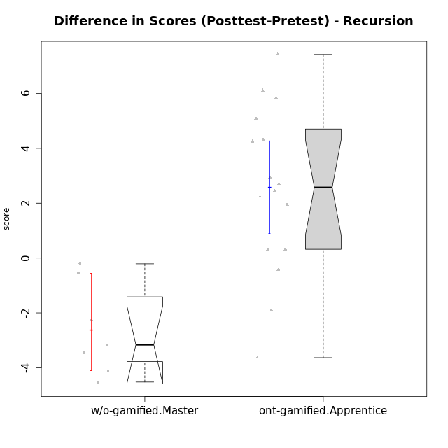

Wilcoxon data
UserID | NroUSP | Type | CLGroup | CLRole | PlayerRole | Re2 | Un2 | Ap3 | Ap1 | An3a | An3b | Ev2 | score.pre | ReB | UnB | ApC | ApA | AnC1 | AnC2 | EvB | score.pos | P4 | PF | PG | PH | difScore
10169 | 10377538 | ont-gamified | Resistance | Apprentice | Social Achiever | 0.14 | 0 | 0.8 | 0 | 0 | 0 | 0 | 0.94 | 1 | 2.5 | 0.75 | 1.5 | 0.67 | 0 | 0.38 | 6.79 | 0 | 0 | 0 | 0 | 5.85
10174 | 10276852 | w/o-gamified | Grupo7 | Master |  | 0.43 | 1.5 | 0.8 | 1 | 0.67 | 2 | 0.56 | 6.96 | 0.43 | 1.75 | 0 | 0 | 0 | 1.33 | 0 | 3.51 | 0 | 0 | 0 | 0 | -3.45
10178 | 8656201 | ont-gamified | Outlaws | Apprentice | Social Achiever | 0.29 | 0 | 2 | 1 | 0 | 0 | 0 | 3.29 | 0.86 | 0.5 | 0 | 0 | 1.67 | 0.33 | 0.25 | 3.61 | 0 | 0 | 0 | 0 | 0.32
10179 | 10310759 | w/o-gamified | Grupo10 | Master |  | 0.86 | 2.79 | 2 | 1 | 0.67 | 0.67 | 0.56 | 8.54 | 0.86 | 2 | 0 | 0.5 | 0 | 0.67 | 0 | 4.02 | 0 | 0 | 0 | 0 | -4.52
10186 | 10310551 | ont-gamified | Slayers | Apprentice | Social Achiever | 0 | 0 | 0 | 0.4 | 0 | 0 | 0 | 0.4 | 0.43 | 2 | 0.25 | 1 | 0 | 0.67 | 0.38 | 4.72 | 0 | 0 | 0 | 0 | 4.32
10187 | 9790781 | ont-gamified | Mafia | Apprentice | Social Achiever | 0.14 | 0 | 2 | 1 | 0 | 0 | 0 | 4.07 | 1 | 0.5 | 0 | 0 | 0.33 | 0.33 | 0 | 2.17 | 0 | 0 | 0 | 0 | -1.9
10189 | 9363926 | ont-gamified | Vikings | Apprentice | Social Achiever | 0.71 | 0 | 0 | 0 | 0.33 | 0 | 0 | 1.05 | 0 | 2.75 | 0 | 0 | 0 | 0 | 1 | 3.75 | 0 | 0 | 0 | 0 | 2.7
10191 | 10276981 | w/o-gamified | Grupo1 | Master |  | 0.14 | 2.57 | 2 | 1 | 0 | 1.67 | 0 | 7.38 | 0.43 | 2.75 | 0 | 0 | 0 | 0.67 | 0.38 | 4.22 | 0 | 0 | 0 | 0 | -3.16
10192 | 10276682 | ont-gamified | Attractive Devils | Apprentice | Social Achiever | 0.14 | 0.64 | 2 | 1 | 0 | 0 | 0 | 3.79 | 0.71 | 3 | 2 | 1.5 | 0 | 0.67 | 1 | 8.88 | 0 | 0 | 0 | 0 | 5.09
10193 | 10276762 | ont-gamified | Vandals | Apprentice | Yee Achiever | 0.14 | 1.07 | 1 | 1 | 0.67 | 0 | 0 | 3.88 | 0 | 2.5 | 0 | 1.5 | 0 | 1.33 | 0.5 | 5.83 | 0 | 0 | 0 | 0 | 1.95
10198 | 10310888 | ont-gamified | Attractive Devils | Apprentice | Social Achiever | 0.14 | 2.79 | 0 | 0 | 1 | 0 | 0 | 3.93 | 0.71 | 2.25 | 0.75 | 1.5 | 1 | 0.67 | 0 | 6.88 | 0 | 0 | 0 | 0 | 2.95
10200 | 9795272 | ont-gamified | Warriors | Apprentice | Social Achiever | 0.14 | 1.07 | 0.8 | 0 | 0.67 | 0 | 0 | 2.68 | 0.71 | 3 | 0.75 | 0 | 0 | 0.67 | 0 | 5.13 | 0 | 0 | 0 | 0 | 2.45
10202 | 10277036 | ont-gamified | Silly Knights | Apprentice | Social Achiever | 0.14 | 0.86 | 0 | 0 | 0 | 0 | 0 | 1 | 1 | 2.25 | 2 | 0.5 | 2 | 0.67 | 0 | 8.42 | 0 | 0 | 0 | 0 | 7.42
10203 | 9921470 | ont-gamified | Mercenaries | Apprentice | Social Achiever | 0.29 | 2.79 | 2 | 0 | 0 | 0 | 0.56 | 5.63 | 0 | 1.5 | 0 | 0.5 | 0 | 0 | 0 | 2 | 0 | 0 | 0 | 0 | -3.63
10209 | 10262669 | ont-gamified | Mafia | Apprentice | Social Achiever | 0.14 | 1.29 | 0.8 | 1 | 0 | 2 | 0.56 | 5.79 | 1 | 2.5 | 2 | 1.5 | 2 | 0.67 | 0.38 | 10.04 | 0 | 0 | 0 | 0 | 4.25
10214 | 10277022 | ont-gamified | Vikings | Apprentice | Social Achiever | 0 | 0 | 0.8 | 0 | 0 | 0.67 | 0 | 1.47 | 0 | 2 | 0.75 | 1.5 | 2 | 1.33 | 0 | 7.58 | 0 | 0 | 0 | 0 | 6.11
10219 | 10276831 | w/o-gamified | Grupo3 | Master |  | 0 | 2.79 | 0.8 | 1 | 2 | 0 | 0 | 6.59 | 0.57 | 1.5 | 0.75 | 1.5 | 0 | 0 | 0 | 4.32 | 0 | 0 | 0 | 0 | -2.27
10221 | 9082496 | ont-gamified | Warriors | Apprentice | Social Achiever | 0.14 | 1.29 | 0 | 0 | 0 | 0 | 0.56 | 1.99 | 0.14 | 1.5 | 0 | 0 | 0 | 0.67 | 0 | 2.31 | 0 | 0 | 0 | 0 | 0.32
10227 | 9274382 | w/o-gamified | Grupo5 | Master |  | 0.43 | 1.5 | 1 | 1 | 0.67 | 2 | 0 | 6.6 | 0 | 2.5 | 0 | 0 | 0 | 0 | 0 | 2.5 | 0 | 0 | 0 | 0 | -4.1
10228 | 10310492 | ont-gamified | Resistance | Apprentice | Social Achiever | 0.14 | 0 | 0 | 0 | 0 | 0 | 0.56 | 0.76 | 0 | 1.5 | 0 | 0.5 | 1 | 0 | 0 | 3 | 0 | 0 | 0 | 0 | 2.24
10231 | 10276911 | w/o-gamified | Grupo9 | Master |  | 0.14 | 2.79 | 0 | 1 | 2 | 2 | 0.56 | 8.49 | 0.43 | 3 | 0 | 1.5 | 2 | 0 | 1 | 7.93 | 0 | 0 | 0 | 0 | -0.56
10237 | 10377688 | ont-gamified | Outlaws | Apprentice | Social Achiever | 0.14 | 1.07 | 0 | 1 | 2 | 0 | 0 | 4.21 | 1 | 1 | 0.75 | 0 | 0.67 | 0 | 0.38 | 3.79 | 0 | 0 | 0 | 0 | -0.42
10238 | 10276953 | w/o-gamified | Grupo2 | Master |  | 1 | 0 | 2 | 0 | 2 | 0 | 0.56 | 5.56 | 0.43 | 2.25 | 0 | 0 | 2 | 0.67 | 0 | 5.35 | 0 | 0 | 0 | 0 | -0.21

Type_CLRole_4
Wilcoxon Analysis for Difference in Scores (Posttest-Pretest) - Recursion in Type:CLRole between ont-gamified.Master:w/o-gamified.Apprentice

Wilcoxon test results
Alternative hypothesis: less
Group | N | Median | Mean.Ranks | Sum.Ranks | U | Z | p.value | r | magnitude
ont-gamified.Master | 7 | 1.06 | 13.571428571 | 95 | 67 | 0.028903665651 | 0.52249923989 | 0.0056684751988 | none
w/o-gamified.Apprentice | 19 | 0.66 | 13.473684211 | 256 | 67 | 0.028903665651 | 0.52249923989 | 0.0056684751988 | none
Alternative hypothesis: greater
Group | N | Median | Mean.Ranks | Sum.Ranks | U | Z | p.value | r | magnitude
ont-gamified.Master | 7 | 1.06 | 13.571428571 | 95 | 67 | 0.028903665651 | 0.5 | 0.0056684751988 | none
w/o-gamified.Apprentice | 19 | 0.66 | 13.473684211 | 256 | 67 | 0.028903665651 | 0.5 | 0.0056684751988 | none
Alternative hypothesis: two.sided
Group | N | Median | Mean.Ranks | Sum.Ranks | U | Z | p.value | r | magnitude
ont-gamified.Master | 7 | 1.06 | 13.571428571 | 95 | 67 | 0.028903665651 | 1 | 0.0056684751988 | none
w/o-gamified.Apprentice | 19 | 0.66 | 13.473684211 | 256 | 67 | 0.028903665651 | 1 | 0.0056684751988 | none

Box plots for wilcoxon tests
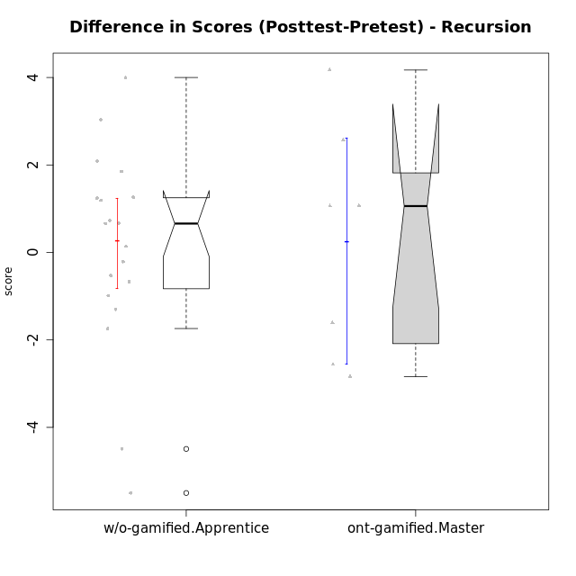

Wilcoxon data
UserID | NroUSP | Type | CLGroup | CLRole | PlayerRole | Re2 | Un2 | Ap3 | Ap1 | An3a | An3b | Ev2 | score.pre | ReB | UnB | ApC | ApA | AnC1 | AnC2 | EvB | score.pos | P4 | PF | PG | PH | difScore
10170 | 10260351 | w/o-gamified | Grupo11 | Apprentice |  | 0 | 1.07 | 0.8 | 1 | 0 | 1 | 1.5 | 5.37 | 0.57 | 1.75 | 0.75 | 0 | 1 | 0 | 0 | 4.07 | 0 | 0 | 0 | 0 | -1.3
10172 | 10273971 | w/o-gamified | Grupo5 | Apprentice |  | 0.43 | 2.57 | 0 | 0 | 1 | 0 | 0 | 4 | 0 | 3 | 1 | 0 | 0.67 | 0 | 0 | 4.67 | 0 | 0 | 0 | 0 | 0.67
10175 | 10310700 | ont-gamified | Warriors | Master | Social Achiever | 0.14 | 1.29 | 0 | 0.4 | 1 | 2 | 1.5 | 6.33 | 1 | 3 | 2 | 1.5 | 2 | 0 | 1 | 10.5 | 0 | 0 | 0 | 0 | 4.17
10176 | 10276949 | ont-gamified | Outlaws | Master | Social Achiever | 0.14 | 1.07 | 2 | 0.6 | 2 | 2 | 0 | 7.81 | 0 | 2 | 0.75 | 0.5 | 2 | 0 | 0 | 5.25 | 0 | 0 | 0 | 0 | -2.56
10181 | 10276866 | w/o-gamified | Grupo2 | Apprentice |  | 0.14 | 0.86 | 0 | 0 | 1 | 0 | 0 | 2 | 1 | 2.5 | 0 | 1.5 | 1 | 0 | 0 | 6 | 0 | 0 | 0 | 0 | 4
10183 | 10352030 | w/o-gamified | Grupo3 | Apprentice |  | 0.14 | 0.86 | 2 | 0 | 0 | 0 | 0 | 3 | 0.43 | 2.5 | 0 | 0 | 0.67 | 0.67 | 0 | 4.26 | 0 | 0 | 0 | 0 | 1.26
10184 | 10276675 | w/o-gamified | Grupo10 | Apprentice |  | 0.14 | 1.29 | 1 | 1 | 1 | 0 | 1.5 | 6.68 | 1 | 0 | 0 | 0 | 0 | 0 | 0 | 2.1875 | 0.75 | 0.5 | 0.3125 | 0.375 | -4.4925
10185 | 10276960 | w/o-gamified | Grupo9 | Apprentice |  | 0.71 | 2.79 | 2 | 0 | 1 | 0 | 0 | 6.5 | 1 | 0 | 0 | 0 | 0 | 0 | 0 | 1 | 0 | 0 | 0 | 0 | -5.5
10188 | 10276995 | ont-gamified | Vandals | Master | Yee Achiever | 0.29 | 1.5 | 0 | 1 | 2 | 2 | 0 | 7.04 | 1 | 2.5 | 2 | 1.5 | 0 | 0.67 | 1 | 9.6075 | 0.25 | 0.25 | 0.3125 | 0.375 | 2.5675
10190 | 10276907 | w/o-gamified | Grupo4 | Apprentice |  | 0.14 | 0 | 0 | 0.4 | 1 | 0.67 | 0.56 | 2.77 | 0 | 2 | 0 | 0.5 | 0 | 1 | 0 | 3.5 | 0 | 0 | 0 | 0 | 0.73
10197 | 10276661 | w/o-gamified | Grupo8 | Apprentice |  | 0.14 | 3 | 0 | 1 | 1.67 | 0 | 0.56 | 7.37 | 0 | 3 | 2 | 0 | 0 | 0 | 0.38 | 5.63 | 1 | 0.25 | 0 | 0 | -1.74
10201 | 10276928 | w/o-gamified | Grupo11 | Apprentice |  | 0.14 | 1.07 | 0 | 1 | 2 | 2 | 0 | 6.21 | 0.29 | 2.5 | 0.75 | 0 | 2 | 0 | 0 | 5.54 | 0 | 0 | 0 | 0 | -0.67
10204 | 10310471 | w/o-gamified | Grupo6 | Apprentice |  | 0.14 | 1.29 | 0.8 | 0 | 1 | 0.67 | 0 | 3.9 | 1 | 2 | 0.75 | 0 | 0 | 2 | 0 | 5.75 | 0 | 0 | 0 | 0 | 1.85
10206 | 10310721 | w/o-gamified | Grupo8 | Apprentice |  | 0.57 | 1.07 | 0.8 | 0 | 1.67 | 0 | 1.5 | 5.61 | 0.43 | 2.75 | 0.5 | 0.5 | 2 | 0.67 | 0 | 6.85 | 0 | 0 | 0 | 0 | 1.24
10210 | 10277015 | w/o-gamified | Grupo6 | Apprentice |  | 0.29 | 2.36 | 1 | 0 | 0.67 | 1.33 | 0 | 5.64 | 0.71 | 2.25 | 2 | 0 | 0.67 | 0.67 | 0 | 6.3 | 0 | 0 | 0 | 0 | 0.66
10213 | 10277040 | w/o-gamified | Grupo7 | Apprentice |  | 0 | 1.07 | 0 | 1 | 0 | 1 | 1.5 | 4.57 | 1 | 3 | 0 | 0 | 0 | 0.33 | 0.38 | 4.71 | 0 | 0 | 0 | 0 | 0.14
10215 | 9285227 | ont-gamified | Vikings | Master | Social Achiever | 0.14 | 3 | 2 | 0.4 | 1 | 0 | 0.56 | 7.11 | 0 | 3 | 0 | 1.5 | 1 | 0 | 0 | 5.5 | 0 | 0 | 0 | 0 | -1.61
10216 | 10276720 | ont-gamified | Silly Knights | Master | Social Achiever | 0.14 | 3 | 0.8 | 1 | 1 | 1 | 0 | 6.94 | 1 | 2.5 | 0 | 0.5 | 2 | 2 | 0 | 8 | 0 | 0 | 0 | 0 | 1.06
10217 | 9805341 | w/o-gamified | Grupo9 | Apprentice |  | 0.14 | 0.86 | 0 | 1 | 2 | 0 | 1.5 | 5.5 | 1 | 3 | 0.25 | 1.5 | 2 | 0.67 | 0.13 | 8.54 | 0 | 0 | 0 | 0 | 3.04
10218 | 9842913 | w/o-gamified | Grupo10 | Apprentice |  | 0.14 | 1.29 | 2 | 1 | 0 | 0 | 0.56 | 4.99 | 1 | 3 | 0 | 0 | 0 | 0 | 0 | 4 | 0 | 0 | 0 | 0 | -0.99
10220 | 9760151 | w/o-gamified | Grupo3 | Apprentice |  | 0.14 | 1.29 | 0 | 1 | 0 | 0 | 0.56 | 2.99 | 0.43 | 1.25 | 0 | 0 | 0 | 2 | 0.5 | 4.18 | 0 | 0 | 0 | 0 | 1.19
10223 | 9795185 | ont-gamified | Slayers | Master | Social Achiever | 0.14 | 0 | 0 | 1 | 2 | 2 | 0 | 5.14 | 0 | 2 | 0 | 0.5 | 2 | 1.33 | 0.38 | 6.21 | 0 | 0 | 0 | 0 | 1.07
10226 | 10310342 | w/o-gamified | Grupo4 | Apprentice |  | 0.14 | 0 | 0.8 | 0 | 0.67 | 0 | 0.75 | 2.41 | 1 | 1.5 | 0 | 0 | 1 | 1 | 0 | 4.5 | 0 | 0 | 0 | 0 | 2.09
10230 | 10351992 | ont-gamified | Resistance | Master | Social Achiever | 0.14 | 0.43 | 2 | 1 | 1.33 | 0 | 0.56 | 5.47 | 0 | 1.5 | 0.75 | 0 | 0 | 0 | 0.38 | 2.63 | 0 | 0 | 0 | 0 | -2.84
10232 | 10276974 | w/o-gamified | Grupo7 | Apprentice |  | 0.14 | 1.07 | 2 | 1 | 0 | 0.67 | 0.38 | 5.26 | 0.14 | 3 | 0.75 | 0.5 | 0.33 | 0 | 0 | 4.73 | 0 | 0 | 0 | 0 | -0.53
10240 | 10276654 | w/o-gamified | Grupo5 | Apprentice |  | 0.14 | 2.79 | 0 | 1 | 0 | 0.67 | 0 | 4.6 | 0.14 | 1.75 | 0 | 0.5 | 2 | 0 | 0 | 4.39 | 0 | 0 | 0 | 0 | -0.21

Type_CLRole_5
Wilcoxon Analysis for Difference in Scores (Posttest-Pretest) - Recursion in Type:CLRole between ont-gamified.Master:w/o-gamified.Master

Wilcoxon test results
Alternative hypothesis: less
Group | N | Median | Mean.Ranks | Sum.Ranks | U | Z | p.value | r | magnitude
ont-gamified.Master | 7 | 1.06 | 9.8571428571 | 69 | 41 | 2.1082926645 | 0.98688811189 | 0.56346491583 | large
w/o-gamified.Master | 7 | -3.16 | 5.1428571429 | 36 | 41 | 2.1082926645 | 0.98688811189 | 0.56346491583 | large
Alternative hypothesis: greater
Group | N | Median | Mean.Ranks | Sum.Ranks | U | Z | p.value | r | magnitude
ont-gamified.Master | 7 | 1.06 | 9.8571428571 | 69 | 41 | 2.1082926645 | 0.018939393939 | 0.56346491583 | large
w/o-gamified.Master | 7 | -3.16 | 5.1428571429 | 36 | 41 | 2.1082926645 | 0.018939393939 | 0.56346491583 | large
Alternative hypothesis: two.sided
Group | N | Median | Mean.Ranks | Sum.Ranks | U | Z | p.value | r | magnitude
ont-gamified.Master | 7 | 1.06 | 9.8571428571 | 69 | 41 | 2.1082926645 | 0.037878787879 | 0.56346491583 | large
w/o-gamified.Master | 7 | -3.16 | 5.1428571429 | 36 | 41 | 2.1082926645 | 0.037878787879 | 0.56346491583 | large

Box plots for wilcoxon tests
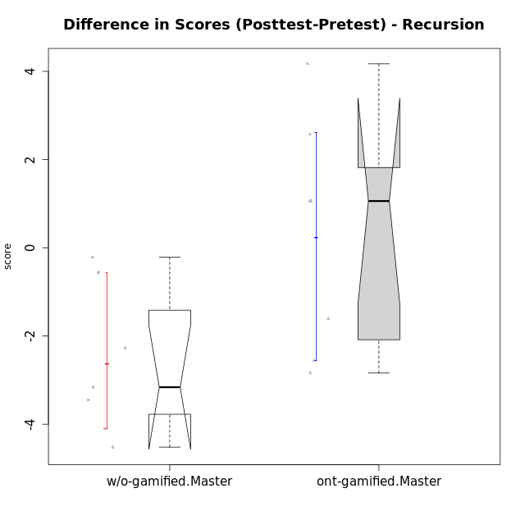

Wilcoxon data
UserID | NroUSP | Type | CLGroup | CLRole | PlayerRole | Re2 | Un2 | Ap3 | Ap1 | An3a | An3b | Ev2 | score.pre | ReB | UnB | ApC | ApA | AnC1 | AnC2 | EvB | score.pos | P4 | PF | PG | PH | difScore
10174 | 10276852 | w/o-gamified | Grupo7 | Master |  | 0.43 | 1.5 | 0.8 | 1 | 0.67 | 2 | 0.56 | 6.96 | 0.43 | 1.75 | 0 | 0 | 0 | 1.33 | 0 | 3.51 | 0 | 0 | 0 | 0 | -3.45
10175 | 10310700 | ont-gamified | Warriors | Master | Social Achiever | 0.14 | 1.29 | 0 | 0.4 | 1 | 2 | 1.5 | 6.33 | 1 | 3 | 2 | 1.5 | 2 | 0 | 1 | 10.5 | 0 | 0 | 0 | 0 | 4.17
10176 | 10276949 | ont-gamified | Outlaws | Master | Social Achiever | 0.14 | 1.07 | 2 | 0.6 | 2 | 2 | 0 | 7.81 | 0 | 2 | 0.75 | 0.5 | 2 | 0 | 0 | 5.25 | 0 | 0 | 0 | 0 | -2.56
10179 | 10310759 | w/o-gamified | Grupo10 | Master |  | 0.86 | 2.79 | 2 | 1 | 0.67 | 0.67 | 0.56 | 8.54 | 0.86 | 2 | 0 | 0.5 | 0 | 0.67 | 0 | 4.02 | 0 | 0 | 0 | 0 | -4.52
10188 | 10276995 | ont-gamified | Vandals | Master | Yee Achiever | 0.29 | 1.5 | 0 | 1 | 2 | 2 | 0 | 7.04 | 1 | 2.5 | 2 | 1.5 | 0 | 0.67 | 1 | 9.6075 | 0.25 | 0.25 | 0.3125 | 0.375 | 2.5675
10191 | 10276981 | w/o-gamified | Grupo1 | Master |  | 0.14 | 2.57 | 2 | 1 | 0 | 1.67 | 0 | 7.38 | 0.43 | 2.75 | 0 | 0 | 0 | 0.67 | 0.38 | 4.22 | 0 | 0 | 0 | 0 | -3.16
10215 | 9285227 | ont-gamified | Vikings | Master | Social Achiever | 0.14 | 3 | 2 | 0.4 | 1 | 0 | 0.56 | 7.11 | 0 | 3 | 0 | 1.5 | 1 | 0 | 0 | 5.5 | 0 | 0 | 0 | 0 | -1.61
10216 | 10276720 | ont-gamified | Silly Knights | Master | Social Achiever | 0.14 | 3 | 0.8 | 1 | 1 | 1 | 0 | 6.94 | 1 | 2.5 | 0 | 0.5 | 2 | 2 | 0 | 8 | 0 | 0 | 0 | 0 | 1.06
10219 | 10276831 | w/o-gamified | Grupo3 | Master |  | 0 | 2.79 | 0.8 | 1 | 2 | 0 | 0 | 6.59 | 0.57 | 1.5 | 0.75 | 1.5 | 0 | 0 | 0 | 4.32 | 0 | 0 | 0 | 0 | -2.27
10223 | 9795185 | ont-gamified | Slayers | Master | Social Achiever | 0.14 | 0 | 0 | 1 | 2 | 2 | 0 | 5.14 | 0 | 2 | 0 | 0.5 | 2 | 1.33 | 0.38 | 6.21 | 0 | 0 | 0 | 0 | 1.07
10227 | 9274382 | w/o-gamified | Grupo5 | Master |  | 0.43 | 1.5 | 1 | 1 | 0.67 | 2 | 0 | 6.6 | 0 | 2.5 | 0 | 0 | 0 | 0 | 0 | 2.5 | 0 | 0 | 0 | 0 | -4.1
10230 | 10351992 | ont-gamified | Resistance | Master | Social Achiever | 0.14 | 0.43 | 2 | 1 | 1.33 | 0 | 0.56 | 5.47 | 0 | 1.5 | 0.75 | 0 | 0 | 0 | 0.38 | 2.63 | 0 | 0 | 0 | 0 | -2.84
10231 | 10276911 | w/o-gamified | Grupo9 | Master |  | 0.14 | 2.79 | 0 | 1 | 2 | 2 | 0.56 | 8.49 | 0.43 | 3 | 0 | 1.5 | 2 | 0 | 1 | 7.93 | 0 | 0 | 0 | 0 | -0.56
10238 | 10276953 | w/o-gamified | Grupo2 | Master |  | 1 | 0 | 2 | 0 | 2 | 0 | 0.56 | 5.56 | 0.43 | 2.25 | 0 | 0 | 2 | 0.67 | 0 | 5.35 | 0 | 0 | 0 | 0 | -0.21

Type_CLRole_6
Wilcoxon Analysis for Difference in Scores (Posttest-Pretest) - Recursion in Type:CLRole between w/o-gamified.Apprentice:w/o-gamified.Master

Wilcoxon test results
Alternative hypothesis: less
Group | N | Median | Mean.Ranks | Sum.Ranks | U | Z | p.value | r | magnitude
w/o-gamified.Apprentice | 19 | 0.66 | 15.815789474 | 300.5 | 110.5 | 2.543957479 | 0.99588780784 | 0.49891110873 | medium
w/o-gamified.Master | 7 | -3.16 | 7.2142857143 | 50.5 | 110.5 | 2.543957479 | 0.99588780784 | 0.49891110873 | medium
Alternative hypothesis: greater
Group | N | Median | Mean.Ranks | Sum.Ranks | U | Z | p.value | r | magnitude
w/o-gamified.Apprentice | 19 | 0.66 | 15.815789474 | 300.5 | 110.5 | 2.543957479 | 0.0043767102463 | 0.49891110873 | medium
w/o-gamified.Master | 7 | -3.16 | 7.2142857143 | 50.5 | 110.5 | 2.543957479 | 0.0043767102463 | 0.49891110873 | medium
Alternative hypothesis: two.sided
Group | N | Median | Mean.Ranks | Sum.Ranks | U | Z | p.value | r | magnitude
w/o-gamified.Apprentice | 19 | 0.66 | 15.815789474 | 300.5 | 110.5 | 2.543957479 | 0.0087823046519 | 0.49891110873 | medium
w/o-gamified.Master | 7 | -3.16 | 7.2142857143 | 50.5 | 110.5 | 2.543957479 | 0.0087823046519 | 0.49891110873 | medium

Box plots for wilcoxon tests
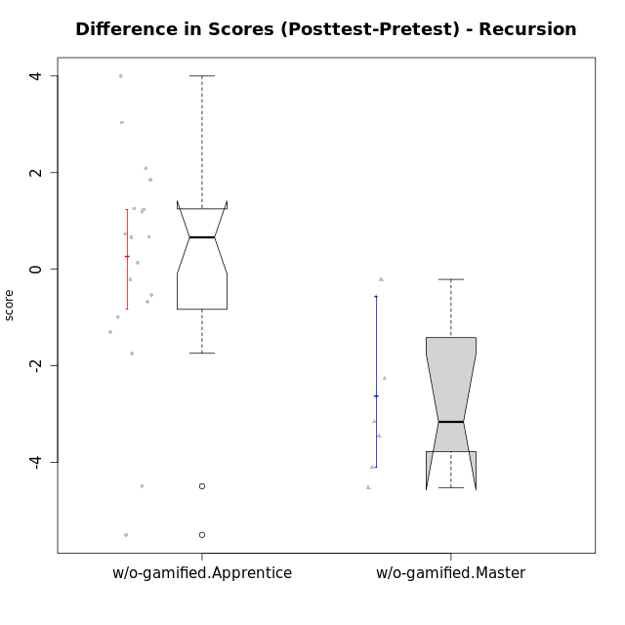

Wilcoxon data
UserID | NroUSP | Type | CLGroup | CLRole | PlayerRole | Re2 | Un2 | Ap3 | Ap1 | An3a | An3b | Ev2 | score.pre | ReB | UnB | ApC | ApA | AnC1 | AnC2 | EvB | score.pos | P4 | PF | PG | PH | difScore
10170 | 10260351 | w/o-gamified | Grupo11 | Apprentice |  | 0 | 1.07 | 0.8 | 1 | 0 | 1 | 1.5 | 5.37 | 0.57 | 1.75 | 0.75 | 0 | 1 | 0 | 0 | 4.07 | 0 | 0 | 0 | 0 | -1.3
10172 | 10273971 | w/o-gamified | Grupo5 | Apprentice |  | 0.43 | 2.57 | 0 | 0 | 1 | 0 | 0 | 4 | 0 | 3 | 1 | 0 | 0.67 | 0 | 0 | 4.67 | 0 | 0 | 0 | 0 | 0.67
10174 | 10276852 | w/o-gamified | Grupo7 | Master |  | 0.43 | 1.5 | 0.8 | 1 | 0.67 | 2 | 0.56 | 6.96 | 0.43 | 1.75 | 0 | 0 | 0 | 1.33 | 0 | 3.51 | 0 | 0 | 0 | 0 | -3.45
10179 | 10310759 | w/o-gamified | Grupo10 | Master |  | 0.86 | 2.79 | 2 | 1 | 0.67 | 0.67 | 0.56 | 8.54 | 0.86 | 2 | 0 | 0.5 | 0 | 0.67 | 0 | 4.02 | 0 | 0 | 0 | 0 | -4.52
10181 | 10276866 | w/o-gamified | Grupo2 | Apprentice |  | 0.14 | 0.86 | 0 | 0 | 1 | 0 | 0 | 2 | 1 | 2.5 | 0 | 1.5 | 1 | 0 | 0 | 6 | 0 | 0 | 0 | 0 | 4
10183 | 10352030 | w/o-gamified | Grupo3 | Apprentice |  | 0.14 | 0.86 | 2 | 0 | 0 | 0 | 0 | 3 | 0.43 | 2.5 | 0 | 0 | 0.67 | 0.67 | 0 | 4.26 | 0 | 0 | 0 | 0 | 1.26
10184 | 10276675 | w/o-gamified | Grupo10 | Apprentice |  | 0.14 | 1.29 | 1 | 1 | 1 | 0 | 1.5 | 6.68 | 1 | 0 | 0 | 0 | 0 | 0 | 0 | 2.1875 | 0.75 | 0.5 | 0.3125 | 0.375 | -4.4925
10185 | 10276960 | w/o-gamified | Grupo9 | Apprentice |  | 0.71 | 2.79 | 2 | 0 | 1 | 0 | 0 | 6.5 | 1 | 0 | 0 | 0 | 0 | 0 | 0 | 1 | 0 | 0 | 0 | 0 | -5.5
10190 | 10276907 | w/o-gamified | Grupo4 | Apprentice |  | 0.14 | 0 | 0 | 0.4 | 1 | 0.67 | 0.56 | 2.77 | 0 | 2 | 0 | 0.5 | 0 | 1 | 0 | 3.5 | 0 | 0 | 0 | 0 | 0.73
10191 | 10276981 | w/o-gamified | Grupo1 | Master |  | 0.14 | 2.57 | 2 | 1 | 0 | 1.67 | 0 | 7.38 | 0.43 | 2.75 | 0 | 0 | 0 | 0.67 | 0.38 | 4.22 | 0 | 0 | 0 | 0 | -3.16
10197 | 10276661 | w/o-gamified | Grupo8 | Apprentice |  | 0.14 | 3 | 0 | 1 | 1.67 | 0 | 0.56 | 7.37 | 0 | 3 | 2 | 0 | 0 | 0 | 0.38 | 5.63 | 1 | 0.25 | 0 | 0 | -1.74
10201 | 10276928 | w/o-gamified | Grupo11 | Apprentice |  | 0.14 | 1.07 | 0 | 1 | 2 | 2 | 0 | 6.21 | 0.29 | 2.5 | 0.75 | 0 | 2 | 0 | 0 | 5.54 | 0 | 0 | 0 | 0 | -0.67
10204 | 10310471 | w/o-gamified | Grupo6 | Apprentice |  | 0.14 | 1.29 | 0.8 | 0 | 1 | 0.67 | 0 | 3.9 | 1 | 2 | 0.75 | 0 | 0 | 2 | 0 | 5.75 | 0 | 0 | 0 | 0 | 1.85
10206 | 10310721 | w/o-gamified | Grupo8 | Apprentice |  | 0.57 | 1.07 | 0.8 | 0 | 1.67 | 0 | 1.5 | 5.61 | 0.43 | 2.75 | 0.5 | 0.5 | 2 | 0.67 | 0 | 6.85 | 0 | 0 | 0 | 0 | 1.24
10210 | 10277015 | w/o-gamified | Grupo6 | Apprentice |  | 0.29 | 2.36 | 1 | 0 | 0.67 | 1.33 | 0 | 5.64 | 0.71 | 2.25 | 2 | 0 | 0.67 | 0.67 | 0 | 6.3 | 0 | 0 | 0 | 0 | 0.66
10213 | 10277040 | w/o-gamified | Grupo7 | Apprentice |  | 0 | 1.07 | 0 | 1 | 0 | 1 | 1.5 | 4.57 | 1 | 3 | 0 | 0 | 0 | 0.33 | 0.38 | 4.71 | 0 | 0 | 0 | 0 | 0.14
10217 | 9805341 | w/o-gamified | Grupo9 | Apprentice |  | 0.14 | 0.86 | 0 | 1 | 2 | 0 | 1.5 | 5.5 | 1 | 3 | 0.25 | 1.5 | 2 | 0.67 | 0.13 | 8.54 | 0 | 0 | 0 | 0 | 3.04
10218 | 9842913 | w/o-gamified | Grupo10 | Apprentice |  | 0.14 | 1.29 | 2 | 1 | 0 | 0 | 0.56 | 4.99 | 1 | 3 | 0 | 0 | 0 | 0 | 0 | 4 | 0 | 0 | 0 | 0 | -0.99
10219 | 10276831 | w/o-gamified | Grupo3 | Master |  | 0 | 2.79 | 0.8 | 1 | 2 | 0 | 0 | 6.59 | 0.57 | 1.5 | 0.75 | 1.5 | 0 | 0 | 0 | 4.32 | 0 | 0 | 0 | 0 | -2.27
10220 | 9760151 | w/o-gamified | Grupo3 | Apprentice |  | 0.14 | 1.29 | 0 | 1 | 0 | 0 | 0.56 | 2.99 | 0.43 | 1.25 | 0 | 0 | 0 | 2 | 0.5 | 4.18 | 0 | 0 | 0 | 0 | 1.19
10226 | 10310342 | w/o-gamified | Grupo4 | Apprentice |  | 0.14 | 0 | 0.8 | 0 | 0.67 | 0 | 0.75 | 2.41 | 1 | 1.5 | 0 | 0 | 1 | 1 | 0 | 4.5 | 0 | 0 | 0 | 0 | 2.09
10227 | 9274382 | w/o-gamified | Grupo5 | Master |  | 0.43 | 1.5 | 1 | 1 | 0.67 | 2 | 0 | 6.6 | 0 | 2.5 | 0 | 0 | 0 | 0 | 0 | 2.5 | 0 | 0 | 0 | 0 | -4.1
10231 | 10276911 | w/o-gamified | Grupo9 | Master |  | 0.14 | 2.79 | 0 | 1 | 2 | 2 | 0.56 | 8.49 | 0.43 | 3 | 0 | 1.5 | 2 | 0 | 1 | 7.93 | 0 | 0 | 0 | 0 | -0.56
10232 | 10276974 | w/o-gamified | Grupo7 | Apprentice |  | 0.14 | 1.07 | 2 | 1 | 0 | 0.67 | 0.38 | 5.26 | 0.14 | 3 | 0.75 | 0.5 | 0.33 | 0 | 0 | 4.73 | 0 | 0 | 0 | 0 | -0.53
10238 | 10276953 | w/o-gamified | Grupo2 | Master |  | 1 | 0 | 2 | 0 | 2 | 0 | 0.56 | 5.56 | 0.43 | 2.25 | 0 | 0 | 2 | 0.67 | 0 | 5.35 | 0 | 0 | 0 | 0 | -0.21
10240 | 10276654 | w/o-gamified | Grupo5 | Apprentice |  | 0.14 | 2.79 | 0 | 1 | 0 | 0.67 | 0 | 4.6 | 0.14 | 1.75 | 0 | 0.5 | 2 | 0 | 0 | 4.39 | 0 | 0 | 0 | 0 | -0.21

