Assumptions
ANOVA assumptions for Difference in Scores (Posttest-Pretest) - Recursion

Shapiro-Wilk normality test for Difference in Scores (Posttest-Pretest) - Recursion
W | p.value
0.98345211273 | 0.71495459012

Plots for normality test
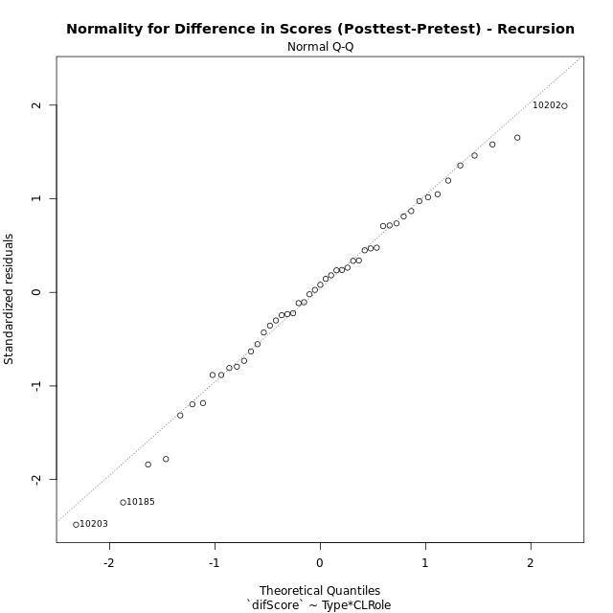

Levene's Test for Homogeneity of Variance in Difference in Scores (Posttest-Pretest) - Recursion
Df | F value | Pr(>F)
3 | 0.86367628001 | 0.46689540944
45

Plots for homogeneity of variance
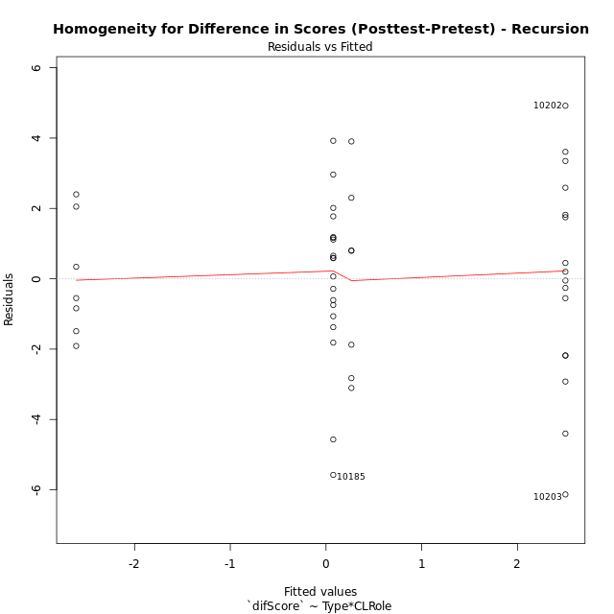

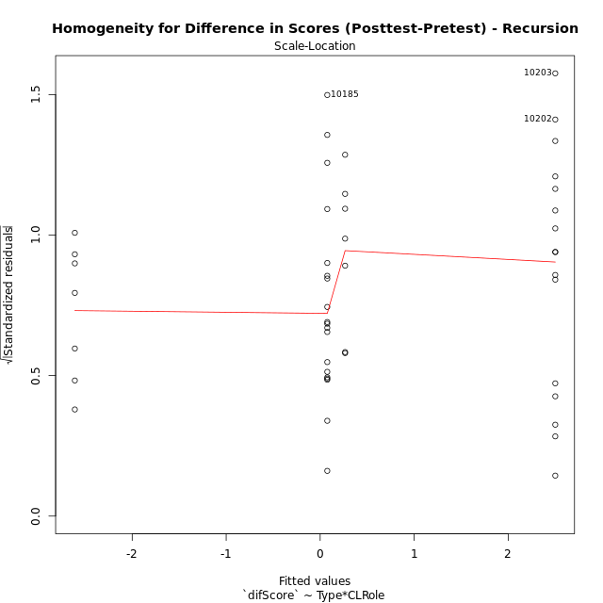

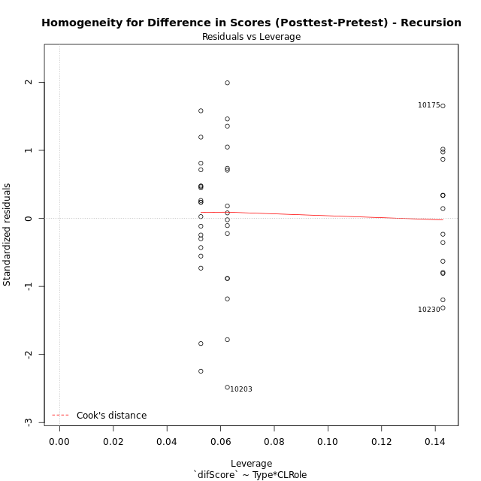

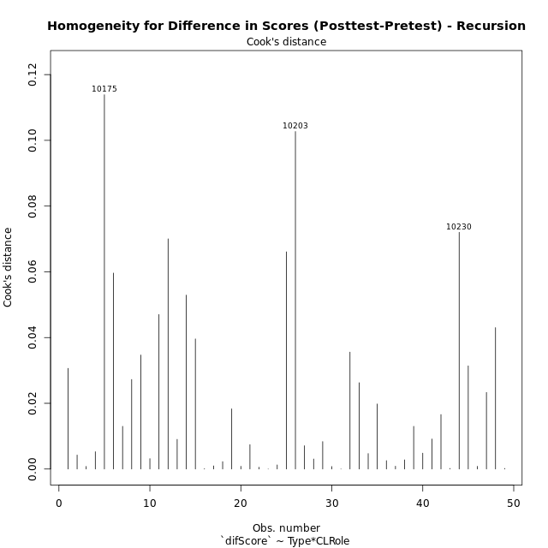

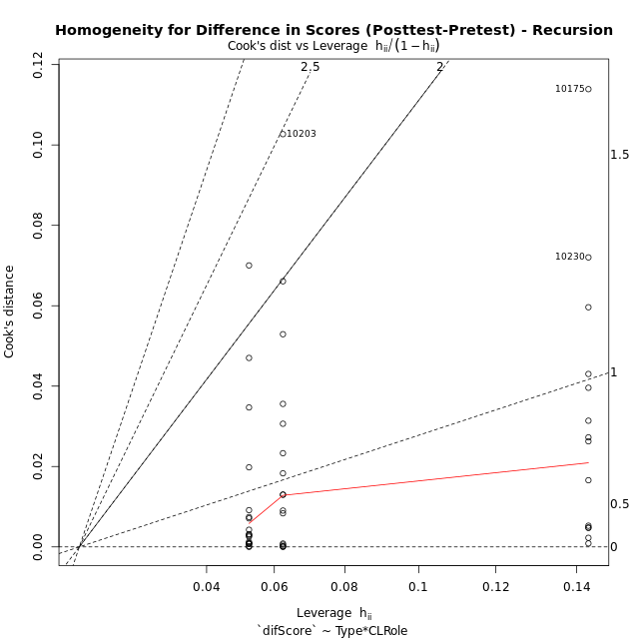

Minimum Sample Size Test for Difference in Scores (Posttest-Pretest) - Recursion
Type | CLRole | Freq
ont-gamified | Apprentice | 16
w/o-gamified | Apprentice | 19
ont-gamified | Master | 7
w/o-gamified | Master | 7

Errors and Warnings in Sample Size Test for ANOVA in Difference in Scores (Posttest-Pretest) - Recursion
code | description
WARN: sample.size | current size is 7 and recommended size is 15 for the group: 'ont-gamified:Master'.
WARN: sample.size | current size is 7 and recommended size is 15 for the group: 'w/o-gamified:Master'.

For the group: 'ont-gamified:Apprentice', you can perform a parametric test without having a normal distribution For the group: 'w/o-gamified:Apprentice', you can perform a parametric test without having a normal distribution For the group: 'ont-gamified:Master', we recommend the use of non-parametric test. For the group: 'w/o-gamified:Master', we recommend the use of non-parametric test.

If you don't want to remove non-normal data, you must cite the following references: ... (1) Lix, L.M., J.C. Keselman, and H.J. Keselman. 1996. Consequences of assumption violations revisited: A quantitative review of alternatives to the one-way analysis of variance F test. Rev. Educ. Res. 66: 579-619. ... (2) Harwell, M.R., E.N. Rubinstein, W.S. Hayes, and C.C. Olds. 1992. Summarizing Monte Carlo results in methodological research: the one- and two-factor fixed effects ANOVA cases. J. Educ. Stat. 17: 315-339.

Post-hoc
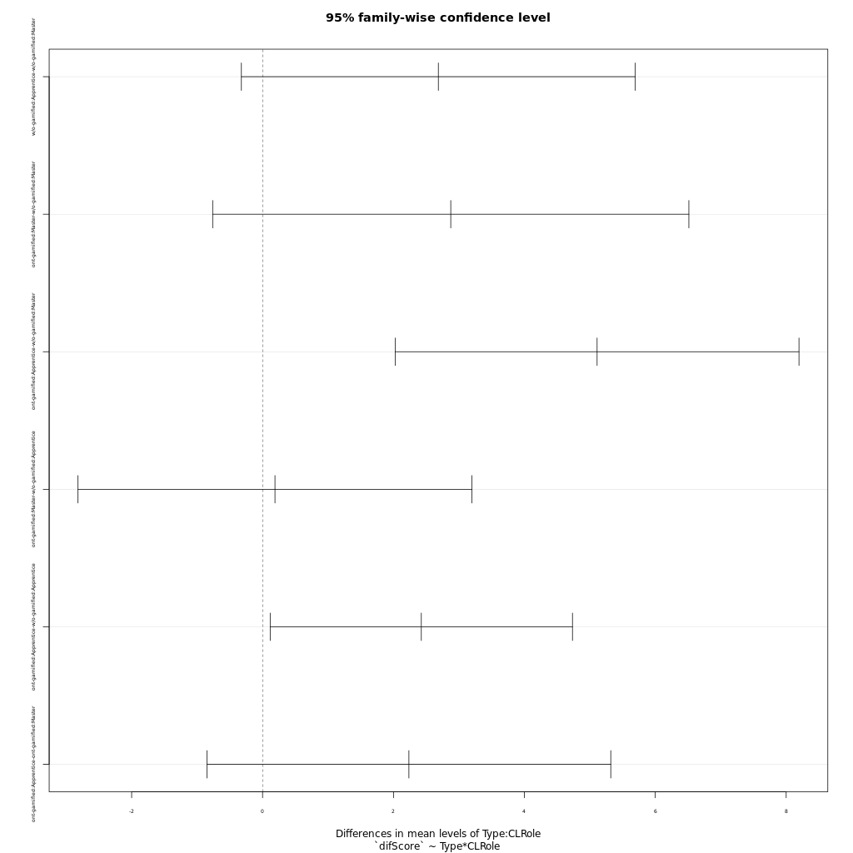
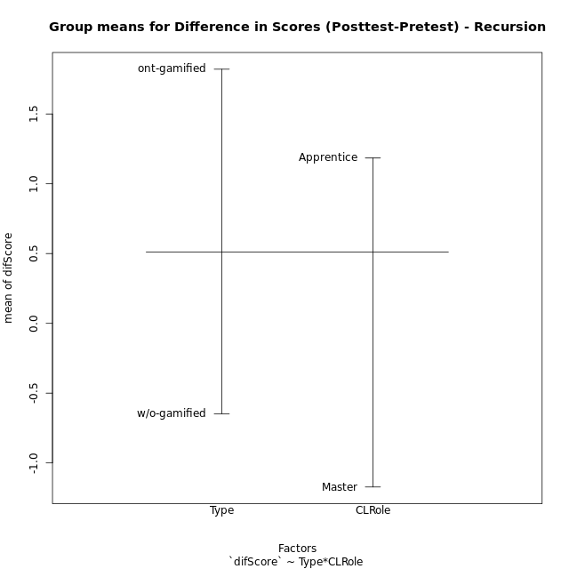
Post-hoc Tukey Honestly Significant Difference (HSD) Test for Difference in Scores (Posttest-Pretest) - Recursion

Comparisons of means for Type
 | diff | lwr | upr | p adj
ont-gamified-w/o-gamified | 2.4681647157 | 0.99737861693 | 3.9389508145 | 0.001507044986

Comparisons of means for CLRole
 | diff | lwr | upr | p adj
Apprentice-Master | 2.4625999164 | 0.83779184261 | 4.0874079902 | 0.0037999322829

Comparisons of means for Type:CLRole
 | diff | lwr | upr | p adj
w/o-gamified:Apprentice-w/o-gamified:Master | 2.6856578947 | -0.32331354201 | 5.6946293315 | 0.095411113132
ont-gamified:Master-w/o-gamified:Master | 2.8753571429 | -0.76231194426 | 6.51302623 | 0.16592889133
ont-gamified:Apprentice-w/o-gamified:Master | 5.11125 | 2.0272659852 | 8.1952340148 | 0.00034745543031
ont-gamified:Master-w/o-gamified:Apprentice | 0.18969924812 | -2.8192721886 | 3.1986706849 | 0.99828254677
ont-gamified:Apprentice-w/o-gamified:Apprentice | 2.4255921053 | 0.11642989286 | 4.7347543177 | 0.036174002072
ont-gamified:Apprentice-ont-gamified:Master | 2.2358928571 | -0.84809115764 | 5.3198768719 | 0.22859456627

Contrast Matrices for Difference in Scores (Posttest-Pretest) - Recursion - Type
contrast | estimate | SE | df | t.ratio | p.value
ont-gamified - w/o-gamified | 2.6504746241 | 0.80756784141 | 45 | 3.2820457776 | 0.0019967717386

Contrast Matrices for Difference in Scores (Posttest-Pretest) - Recursion - Type:CLRole
contrast | CLRole | estimate | SE | df | t.ratio | p.value
ont-gamified - w/o-gamified | Apprentice | 2.4255921053 | 0.86560057969 | 45 | 2.8022071174 | 0.0074592622147
ont-gamified - w/o-gamified | Master | 2.8753571429 | 1.3635977817 | 45 | 2.1086548991 | 0.04057329344

Least Squares Means and Confidence Intervals for Type
Type | lsmean | SE | df | lower.CL | upper.CL | Pairs
ont-gamified | 1.3833035714 | 0.5780231325 | 45 | 0.2191052214 | 2.5475019215 | ont-gamified
w/o-gamified | -1.2671710526 | 0.56396371938 | 45 | -2.403052291 | -0.13128981423 | w/o-gamified

Least Squares Means and Confidence Intervals for Type:CLRole
Type | CLRole | lsmean | SE | df | lower.CL | upper.CL | Pairs
ont-gamified | Apprentice | 2.50125 | 0.63776446408 | 45 | 1.2167264316 | 3.7857735684 | ont-gamified.Apprentice
w/o-gamified | Apprentice | 0.075657894737 | 0.58525281025 | 45 | -1.1031017737 | 1.2544175632 | w/o-gamified.Apprentice
ont-gamified | Master | 0.26535714286 | 0.96420923828 | 45 | -1.6766599516 | 2.2073742373 | ont-gamified.Master
w/o-gamified | Master | -2.61 | 0.96420923828 | 45 | -4.5520170944 | -0.66798290559 | w/o-gamified.Master

Plots

Type_1
Student's t-Test for Difference in Scores (Posttest-Pretest) - Recursion in Type between ont-gamified:w/o-gamified

Student's t-Test results
Alternative hypothesis: less
Group | N | Mean | Mean.Difference | Std.deviation | Std.error | CI.lower | CI.upper | df | t.value | p.value | g | magnitude
ont-gamified | 23 | 1.8207608696 | 2.4681647157 | 3.0483903572 | 0.63563332915 | 0.54949421127 | 3.0920275279 | 42.16778392 | 3.0991098662 | 0.99827477654 | 0.88478786666 | large
w/o-gamified | 26 | -0.64740384615 | -2.4681647157 | 2.4466820881 | 0.47983383504 | -1.6070715162 | 0.31226382392 | 42.16778392 | 3.0991098662 | 0.99827477654 | 0.88478786666 | large
Alternative hypothesis: greater
Group | N | Mean | Mean.Difference | Std.deviation | Std.error | CI.lower | CI.upper | df | t.value | p.value | g | magnitude
ont-gamified | 23 | 1.8207608696 | 2.4681647157 | 3.0483903572 | 0.63563332915 | 0.54949421127 | 3.0920275279 | 42.16778392 | 3.0991098662 | 0.0017252234633 | 0.88478786666 | large
w/o-gamified | 26 | -0.64740384615 | -2.4681647157 | 2.4466820881 | 0.47983383504 | -1.6070715162 | 0.31226382392 | 42.16778392 | 3.0991098662 | 0.0017252234633 | 0.88478786666 | large
Alternative hypothesis: two.sided
Group | N | Mean | Mean.Difference | Std.deviation | Std.error | CI.lower | CI.upper | df | t.value | p.value | g | magnitude
ont-gamified | 23 | 1.8207608696 | 2.4681647157 | 3.0483903572 | 0.63563332915 | 0.54949421127 | 3.0920275279 | 42.16778392 | 3.0991098662 | 0.0034504469266 | 0.88478786666 | large
w/o-gamified | 26 | -0.64740384615 | -2.4681647157 | 2.4466820881 | 0.47983383504 | -1.6070715162 | 0.31226382392 | 42.16778392 | 3.0991098662 | 0.0034504469266 | 0.88478786666 | large

Box plots for Student's t-Test
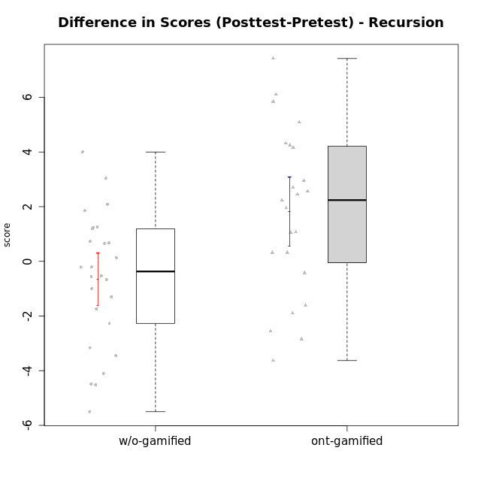

Student's t-Test data
UserID | NroUSP | Type | CLGroup | CLRole | PlayerRole | Re2 | Un2 | Ap3 | Ap1 | An3a | An3b | Ev2 | score.pre | ReB | UnB | ApC | ApA | AnC1 | AnC2 | EvB | score.pos | P4 | PF | PG | PH | difScore
10169 | 10377538 | ont-gamified | Resistance | Apprentice | Social Achiever | 0.14 | 0 | 0.8 | 0 | 0 | 0 | 0 | 0.94 | 1 | 2.5 | 0.75 | 1.5 | 0.67 | 0 | 0.38 | 6.79 | 0 | 0 | 0 | 0 | 5.85
10170 | 10260351 | w/o-gamified | Grupo11 | Apprentice |  | 0 | 1.07 | 0.8 | 1 | 0 | 1 | 1.5 | 5.37 | 0.57 | 1.75 | 0.75 | 0 | 1 | 0 | 0 | 4.07 | 0 | 0 | 0 | 0 | -1.3
10172 | 10273971 | w/o-gamified | Grupo5 | Apprentice |  | 0.43 | 2.57 | 0 | 0 | 1 | 0 | 0 | 4 | 0 | 3 | 1 | 0 | 0.67 | 0 | 0 | 4.67 | 0 | 0 | 0 | 0 | 0.67
10174 | 10276852 | w/o-gamified | Grupo7 | Master |  | 0.43 | 1.5 | 0.8 | 1 | 0.67 | 2 | 0.56 | 6.96 | 0.43 | 1.75 | 0 | 0 | 0 | 1.33 | 0 | 3.51 | 0 | 0 | 0 | 0 | -3.45
10175 | 10310700 | ont-gamified | Warriors | Master | Social Achiever | 0.14 | 1.29 | 0 | 0.4 | 1 | 2 | 1.5 | 6.33 | 1 | 3 | 2 | 1.5 | 2 | 0 | 1 | 10.5 | 0 | 0 | 0 | 0 | 4.17
10176 | 10276949 | ont-gamified | Outlaws | Master | Social Achiever | 0.14 | 1.07 | 2 | 0.6 | 2 | 2 | 0 | 7.81 | 0 | 2 | 0.75 | 0.5 | 2 | 0 | 0 | 5.25 | 0 | 0 | 0 | 0 | -2.56
10178 | 8656201 | ont-gamified | Outlaws | Apprentice | Social Achiever | 0.29 | 0 | 2 | 1 | 0 | 0 | 0 | 3.29 | 0.86 | 0.5 | 0 | 0 | 1.67 | 0.33 | 0.25 | 3.61 | 0 | 0 | 0 | 0 | 0.32
10179 | 10310759 | w/o-gamified | Grupo10 | Master |  | 0.86 | 2.79 | 2 | 1 | 0.67 | 0.67 | 0.56 | 8.54 | 0.86 | 2 | 0 | 0.5 | 0 | 0.67 | 0 | 4.02 | 0 | 0 | 0 | 0 | -4.52
10181 | 10276866 | w/o-gamified | Grupo2 | Apprentice |  | 0.14 | 0.86 | 0 | 0 | 1 | 0 | 0 | 2 | 1 | 2.5 | 0 | 1.5 | 1 | 0 | 0 | 6 | 0 | 0 | 0 | 0 | 4
10183 | 10352030 | w/o-gamified | Grupo3 | Apprentice |  | 0.14 | 0.86 | 2 | 0 | 0 | 0 | 0 | 3 | 0.43 | 2.5 | 0 | 0 | 0.67 | 0.67 | 0 | 4.26 | 0 | 0 | 0 | 0 | 1.26
10184 | 10276675 | w/o-gamified | Grupo10 | Apprentice |  | 0.14 | 1.29 | 1 | 1 | 1 | 0 | 1.5 | 6.68 | 1 | 0 | 0 | 0 | 0 | 0 | 0 | 2.1875 | 0.75 | 0.5 | 0.3125 | 0.375 | -4.4925
10185 | 10276960 | w/o-gamified | Grupo9 | Apprentice |  | 0.71 | 2.79 | 2 | 0 | 1 | 0 | 0 | 6.5 | 1 | 0 | 0 | 0 | 0 | 0 | 0 | 1 | 0 | 0 | 0 | 0 | -5.5
10186 | 10310551 | ont-gamified | Slayers | Apprentice | Social Achiever | 0 | 0 | 0 | 0.4 | 0 | 0 | 0 | 0.4 | 0.43 | 2 | 0.25 | 1 | 0 | 0.67 | 0.38 | 4.72 | 0 | 0 | 0 | 0 | 4.32
10187 | 9790781 | ont-gamified | Mafia | Apprentice | Social Achiever | 0.14 | 0 | 2 | 1 | 0 | 0 | 0 | 4.07 | 1 | 0.5 | 0 | 0 | 0.33 | 0.33 | 0 | 2.17 | 0 | 0 | 0 | 0 | -1.9
10188 | 10276995 | ont-gamified | Vandals | Master | Yee Achiever | 0.29 | 1.5 | 0 | 1 | 2 | 2 | 0 | 7.04 | 1 | 2.5 | 2 | 1.5 | 0 | 0.67 | 1 | 9.6075 | 0.25 | 0.25 | 0.3125 | 0.375 | 2.5675
10189 | 9363926 | ont-gamified | Vikings | Apprentice | Social Achiever | 0.71 | 0 | 0 | 0 | 0.33 | 0 | 0 | 1.05 | 0 | 2.75 | 0 | 0 | 0 | 0 | 1 | 3.75 | 0 | 0 | 0 | 0 | 2.7
10190 | 10276907 | w/o-gamified | Grupo4 | Apprentice |  | 0.14 | 0 | 0 | 0.4 | 1 | 0.67 | 0.56 | 2.77 | 0 | 2 | 0 | 0.5 | 0 | 1 | 0 | 3.5 | 0 | 0 | 0 | 0 | 0.73
10191 | 10276981 | w/o-gamified | Grupo1 | Master |  | 0.14 | 2.57 | 2 | 1 | 0 | 1.67 | 0 | 7.38 | 0.43 | 2.75 | 0 | 0 | 0 | 0.67 | 0.38 | 4.22 | 0 | 0 | 0 | 0 | -3.16
10192 | 10276682 | ont-gamified | Attractive Devils | Apprentice | Social Achiever | 0.14 | 0.64 | 2 | 1 | 0 | 0 | 0 | 3.79 | 0.71 | 3 | 2 | 1.5 | 0 | 0.67 | 1 | 8.88 | 0 | 0 | 0 | 0 | 5.09
10193 | 10276762 | ont-gamified | Vandals | Apprentice | Yee Achiever | 0.14 | 1.07 | 1 | 1 | 0.67 | 0 | 0 | 3.88 | 0 | 2.5 | 0 | 1.5 | 0 | 1.33 | 0.5 | 5.83 | 0 | 0 | 0 | 0 | 1.95
10197 | 10276661 | w/o-gamified | Grupo8 | Apprentice |  | 0.14 | 3 | 0 | 1 | 1.67 | 0 | 0.56 | 7.37 | 0 | 3 | 2 | 0 | 0 | 0 | 0.38 | 5.63 | 1 | 0.25 | 0 | 0 | -1.74
10198 | 10310888 | ont-gamified | Attractive Devils | Apprentice | Social Achiever | 0.14 | 2.79 | 0 | 0 | 1 | 0 | 0 | 3.93 | 0.71 | 2.25 | 0.75 | 1.5 | 1 | 0.67 | 0 | 6.88 | 0 | 0 | 0 | 0 | 2.95
10200 | 9795272 | ont-gamified | Warriors | Apprentice | Social Achiever | 0.14 | 1.07 | 0.8 | 0 | 0.67 | 0 | 0 | 2.68 | 0.71 | 3 | 0.75 | 0 | 0 | 0.67 | 0 | 5.13 | 0 | 0 | 0 | 0 | 2.45
10201 | 10276928 | w/o-gamified | Grupo11 | Apprentice |  | 0.14 | 1.07 | 0 | 1 | 2 | 2 | 0 | 6.21 | 0.29 | 2.5 | 0.75 | 0 | 2 | 0 | 0 | 5.54 | 0 | 0 | 0 | 0 | -0.67
10202 | 10277036 | ont-gamified | Silly Knights | Apprentice | Social Achiever | 0.14 | 0.86 | 0 | 0 | 0 | 0 | 0 | 1 | 1 | 2.25 | 2 | 0.5 | 2 | 0.67 | 0 | 8.42 | 0 | 0 | 0 | 0 | 7.42
10203 | 9921470 | ont-gamified | Mercenaries | Apprentice | Social Achiever | 0.29 | 2.79 | 2 | 0 | 0 | 0 | 0.56 | 5.63 | 0 | 1.5 | 0 | 0.5 | 0 | 0 | 0 | 2 | 0 | 0 | 0 | 0 | -3.63
10204 | 10310471 | w/o-gamified | Grupo6 | Apprentice |  | 0.14 | 1.29 | 0.8 | 0 | 1 | 0.67 | 0 | 3.9 | 1 | 2 | 0.75 | 0 | 0 | 2 | 0 | 5.75 | 0 | 0 | 0 | 0 | 1.85
10206 | 10310721 | w/o-gamified | Grupo8 | Apprentice |  | 0.57 | 1.07 | 0.8 | 0 | 1.67 | 0 | 1.5 | 5.61 | 0.43 | 2.75 | 0.5 | 0.5 | 2 | 0.67 | 0 | 6.85 | 0 | 0 | 0 | 0 | 1.24
10209 | 10262669 | ont-gamified | Mafia | Apprentice | Social Achiever | 0.14 | 1.29 | 0.8 | 1 | 0 | 2 | 0.56 | 5.79 | 1 | 2.5 | 2 | 1.5 | 2 | 0.67 | 0.38 | 10.04 | 0 | 0 | 0 | 0 | 4.25
10210 | 10277015 | w/o-gamified | Grupo6 | Apprentice |  | 0.29 | 2.36 | 1 | 0 | 0.67 | 1.33 | 0 | 5.64 | 0.71 | 2.25 | 2 | 0 | 0.67 | 0.67 | 0 | 6.3 | 0 | 0 | 0 | 0 | 0.66
10213 | 10277040 | w/o-gamified | Grupo7 | Apprentice |  | 0 | 1.07 | 0 | 1 | 0 | 1 | 1.5 | 4.57 | 1 | 3 | 0 | 0 | 0 | 0.33 | 0.38 | 4.71 | 0 | 0 | 0 | 0 | 0.14
10214 | 10277022 | ont-gamified | Vikings | Apprentice | Social Achiever | 0 | 0 | 0.8 | 0 | 0 | 0.67 | 0 | 1.47 | 0 | 2 | 0.75 | 1.5 | 2 | 1.33 | 0 | 7.58 | 0 | 0 | 0 | 0 | 6.11
10215 | 9285227 | ont-gamified | Vikings | Master | Social Achiever | 0.14 | 3 | 2 | 0.4 | 1 | 0 | 0.56 | 7.11 | 0 | 3 | 0 | 1.5 | 1 | 0 | 0 | 5.5 | 0 | 0 | 0 | 0 | -1.61
10216 | 10276720 | ont-gamified | Silly Knights | Master | Social Achiever | 0.14 | 3 | 0.8 | 1 | 1 | 1 | 0 | 6.94 | 1 | 2.5 | 0 | 0.5 | 2 | 2 | 0 | 8 | 0 | 0 | 0 | 0 | 1.06
10217 | 9805341 | w/o-gamified | Grupo9 | Apprentice |  | 0.14 | 0.86 | 0 | 1 | 2 | 0 | 1.5 | 5.5 | 1 | 3 | 0.25 | 1.5 | 2 | 0.67 | 0.13 | 8.54 | 0 | 0 | 0 | 0 | 3.04
10218 | 9842913 | w/o-gamified | Grupo10 | Apprentice |  | 0.14 | 1.29 | 2 | 1 | 0 | 0 | 0.56 | 4.99 | 1 | 3 | 0 | 0 | 0 | 0 | 0 | 4 | 0 | 0 | 0 | 0 | -0.99
10219 | 10276831 | w/o-gamified | Grupo3 | Master |  | 0 | 2.79 | 0.8 | 1 | 2 | 0 | 0 | 6.59 | 0.57 | 1.5 | 0.75 | 1.5 | 0 | 0 | 0 | 4.32 | 0 | 0 | 0 | 0 | -2.27
10220 | 9760151 | w/o-gamified | Grupo3 | Apprentice |  | 0.14 | 1.29 | 0 | 1 | 0 | 0 | 0.56 | 2.99 | 0.43 | 1.25 | 0 | 0 | 0 | 2 | 0.5 | 4.18 | 0 | 0 | 0 | 0 | 1.19
10221 | 9082496 | ont-gamified | Warriors | Apprentice | Social Achiever | 0.14 | 1.29 | 0 | 0 | 0 | 0 | 0.56 | 1.99 | 0.14 | 1.5 | 0 | 0 | 0 | 0.67 | 0 | 2.31 | 0 | 0 | 0 | 0 | 0.32
10223 | 9795185 | ont-gamified | Slayers | Master | Social Achiever | 0.14 | 0 | 0 | 1 | 2 | 2 | 0 | 5.14 | 0 | 2 | 0 | 0.5 | 2 | 1.33 | 0.38 | 6.21 | 0 | 0 | 0 | 0 | 1.07
10226 | 10310342 | w/o-gamified | Grupo4 | Apprentice |  | 0.14 | 0 | 0.8 | 0 | 0.67 | 0 | 0.75 | 2.41 | 1 | 1.5 | 0 | 0 | 1 | 1 | 0 | 4.5 | 0 | 0 | 0 | 0 | 2.09
10227 | 9274382 | w/o-gamified | Grupo5 | Master |  | 0.43 | 1.5 | 1 | 1 | 0.67 | 2 | 0 | 6.6 | 0 | 2.5 | 0 | 0 | 0 | 0 | 0 | 2.5 | 0 | 0 | 0 | 0 | -4.1
10228 | 10310492 | ont-gamified | Resistance | Apprentice | Social Achiever | 0.14 | 0 | 0 | 0 | 0 | 0 | 0.56 | 0.76 | 0 | 1.5 | 0 | 0.5 | 1 | 0 | 0 | 3 | 0 | 0 | 0 | 0 | 2.24
10230 | 10351992 | ont-gamified | Resistance | Master | Social Achiever | 0.14 | 0.43 | 2 | 1 | 1.33 | 0 | 0.56 | 5.47 | 0 | 1.5 | 0.75 | 0 | 0 | 0 | 0.38 | 2.63 | 0 | 0 | 0 | 0 | -2.84
10231 | 10276911 | w/o-gamified | Grupo9 | Master |  | 0.14 | 2.79 | 0 | 1 | 2 | 2 | 0.56 | 8.49 | 0.43 | 3 | 0 | 1.5 | 2 | 0 | 1 | 7.93 | 0 | 0 | 0 | 0 | -0.56
10232 | 10276974 | w/o-gamified | Grupo7 | Apprentice |  | 0.14 | 1.07 | 2 | 1 | 0 | 0.67 | 0.38 | 5.26 | 0.14 | 3 | 0.75 | 0.5 | 0.33 | 0 | 0 | 4.73 | 0 | 0 | 0 | 0 | -0.53
10237 | 10377688 | ont-gamified | Outlaws | Apprentice | Social Achiever | 0.14 | 1.07 | 0 | 1 | 2 | 0 | 0 | 4.21 | 1 | 1 | 0.75 | 0 | 0.67 | 0 | 0.38 | 3.79 | 0 | 0 | 0 | 0 | -0.42
10238 | 10276953 | w/o-gamified | Grupo2 | Master |  | 1 | 0 | 2 | 0 | 2 | 0 | 0.56 | 5.56 | 0.43 | 2.25 | 0 | 0 | 2 | 0.67 | 0 | 5.35 | 0 | 0 | 0 | 0 | -0.21
10240 | 10276654 | w/o-gamified | Grupo5 | Apprentice |  | 0.14 | 2.79 | 0 | 1 | 0 | 0.67 | 0 | 4.6 | 0.14 | 1.75 | 0 | 0.5 | 2 | 0 | 0 | 4.39 | 0 | 0 | 0 | 0 | -0.21

Type_CLRole_1
Student's t-Test for Difference in Scores (Posttest-Pretest) - Recursion in Type:CLRole between ont-gamified.Apprentice:ont-gamified.Master

Student's t-Test results
Alternative hypothesis: less
Group | N | Mean | Mean.Difference | Std.deviation | Std.error | CI.lower | CI.upper | df | t.value | p.value | g | magnitude
ont-gamified.Apprentice | 16 | 2.50125 | 2.2358928571 | 3.0235428998 | 0.75588572494 | 0.98947855012 | 4.0130214499 | 12.956835728 | 1.7707258903 | 0.94994321283 | 0.73590485161 | medium
ont-gamified.Master | 7 | 0.26535714286 | -2.2358928571 | 2.6760622613 | 1.0114564623 | -1.7575557818 | 2.2882700675 | 12.956835728 | 1.7707258903 | 0.94994321283 | 0.73590485161 | medium
Alternative hypothesis: greater
Group | N | Mean | Mean.Difference | Std.deviation | Std.error | CI.lower | CI.upper | df | t.value | p.value | g | magnitude
ont-gamified.Apprentice | 16 | 2.50125 | 2.2358928571 | 3.0235428998 | 0.75588572494 | 0.98947855012 | 4.0130214499 | 12.956835728 | 1.7707258903 | 0.050056787166 | 0.73590485161 | medium
ont-gamified.Master | 7 | 0.26535714286 | -2.2358928571 | 2.6760622613 | 1.0114564623 | -1.7575557818 | 2.2882700675 | 12.956835728 | 1.7707258903 | 0.050056787166 | 0.73590485161 | medium
Alternative hypothesis: two.sided
Group | N | Mean | Mean.Difference | Std.deviation | Std.error | CI.lower | CI.upper | df | t.value | p.value | g | magnitude
ont-gamified.Apprentice | 16 | 2.50125 | 2.2358928571 | 3.0235428998 | 0.75588572494 | 0.98947855012 | 4.0130214499 | 12.956835728 | 1.7707258903 | 0.10011357433 | 0.73590485161 | medium
ont-gamified.Master | 7 | 0.26535714286 | -2.2358928571 | 2.6760622613 | 1.0114564623 | -1.7575557818 | 2.2882700675 | 12.956835728 | 1.7707258903 | 0.10011357433 | 0.73590485161 | medium

Box plots for Student's t-Test
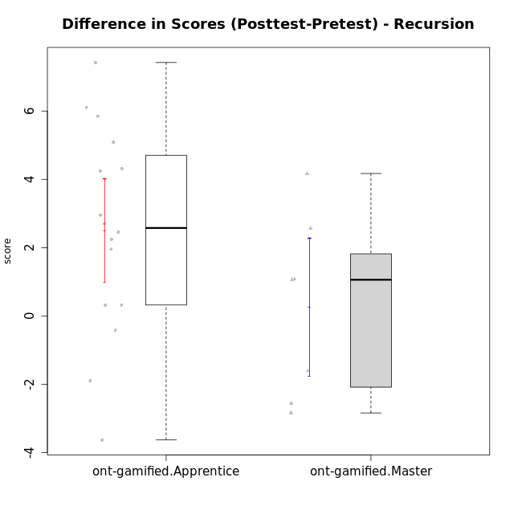

Student's t-Test data
UserID | NroUSP | Type | CLGroup | CLRole | PlayerRole | Re2 | Un2 | Ap3 | Ap1 | An3a | An3b | Ev2 | score.pre | ReB | UnB | ApC | ApA | AnC1 | AnC2 | EvB | score.pos | P4 | PF | PG | PH | difScore
10169 | 10377538 | ont-gamified | Resistance | Apprentice | Social Achiever | 0.14 | 0 | 0.8 | 0 | 0 | 0 | 0 | 0.94 | 1 | 2.5 | 0.75 | 1.5 | 0.67 | 0 | 0.38 | 6.79 | 0 | 0 | 0 | 0 | 5.85
10175 | 10310700 | ont-gamified | Warriors | Master | Social Achiever | 0.14 | 1.29 | 0 | 0.4 | 1 | 2 | 1.5 | 6.33 | 1 | 3 | 2 | 1.5 | 2 | 0 | 1 | 10.5 | 0 | 0 | 0 | 0 | 4.17
10176 | 10276949 | ont-gamified | Outlaws | Master | Social Achiever | 0.14 | 1.07 | 2 | 0.6 | 2 | 2 | 0 | 7.81 | 0 | 2 | 0.75 | 0.5 | 2 | 0 | 0 | 5.25 | 0 | 0 | 0 | 0 | -2.56
10178 | 8656201 | ont-gamified | Outlaws | Apprentice | Social Achiever | 0.29 | 0 | 2 | 1 | 0 | 0 | 0 | 3.29 | 0.86 | 0.5 | 0 | 0 | 1.67 | 0.33 | 0.25 | 3.61 | 0 | 0 | 0 | 0 | 0.32
10186 | 10310551 | ont-gamified | Slayers | Apprentice | Social Achiever | 0 | 0 | 0 | 0.4 | 0 | 0 | 0 | 0.4 | 0.43 | 2 | 0.25 | 1 | 0 | 0.67 | 0.38 | 4.72 | 0 | 0 | 0 | 0 | 4.32
10187 | 9790781 | ont-gamified | Mafia | Apprentice | Social Achiever | 0.14 | 0 | 2 | 1 | 0 | 0 | 0 | 4.07 | 1 | 0.5 | 0 | 0 | 0.33 | 0.33 | 0 | 2.17 | 0 | 0 | 0 | 0 | -1.9
10188 | 10276995 | ont-gamified | Vandals | Master | Yee Achiever | 0.29 | 1.5 | 0 | 1 | 2 | 2 | 0 | 7.04 | 1 | 2.5 | 2 | 1.5 | 0 | 0.67 | 1 | 9.6075 | 0.25 | 0.25 | 0.3125 | 0.375 | 2.5675
10189 | 9363926 | ont-gamified | Vikings | Apprentice | Social Achiever | 0.71 | 0 | 0 | 0 | 0.33 | 0 | 0 | 1.05 | 0 | 2.75 | 0 | 0 | 0 | 0 | 1 | 3.75 | 0 | 0 | 0 | 0 | 2.7
10192 | 10276682 | ont-gamified | Attractive Devils | Apprentice | Social Achiever | 0.14 | 0.64 | 2 | 1 | 0 | 0 | 0 | 3.79 | 0.71 | 3 | 2 | 1.5 | 0 | 0.67 | 1 | 8.88 | 0 | 0 | 0 | 0 | 5.09
10193 | 10276762 | ont-gamified | Vandals | Apprentice | Yee Achiever | 0.14 | 1.07 | 1 | 1 | 0.67 | 0 | 0 | 3.88 | 0 | 2.5 | 0 | 1.5 | 0 | 1.33 | 0.5 | 5.83 | 0 | 0 | 0 | 0 | 1.95
10198 | 10310888 | ont-gamified | Attractive Devils | Apprentice | Social Achiever | 0.14 | 2.79 | 0 | 0 | 1 | 0 | 0 | 3.93 | 0.71 | 2.25 | 0.75 | 1.5 | 1 | 0.67 | 0 | 6.88 | 0 | 0 | 0 | 0 | 2.95
10200 | 9795272 | ont-gamified | Warriors | Apprentice | Social Achiever | 0.14 | 1.07 | 0.8 | 0 | 0.67 | 0 | 0 | 2.68 | 0.71 | 3 | 0.75 | 0 | 0 | 0.67 | 0 | 5.13 | 0 | 0 | 0 | 0 | 2.45
10202 | 10277036 | ont-gamified | Silly Knights | Apprentice | Social Achiever | 0.14 | 0.86 | 0 | 0 | 0 | 0 | 0 | 1 | 1 | 2.25 | 2 | 0.5 | 2 | 0.67 | 0 | 8.42 | 0 | 0 | 0 | 0 | 7.42
10203 | 9921470 | ont-gamified | Mercenaries | Apprentice | Social Achiever | 0.29 | 2.79 | 2 | 0 | 0 | 0 | 0.56 | 5.63 | 0 | 1.5 | 0 | 0.5 | 0 | 0 | 0 | 2 | 0 | 0 | 0 | 0 | -3.63
10209 | 10262669 | ont-gamified | Mafia | Apprentice | Social Achiever | 0.14 | 1.29 | 0.8 | 1 | 0 | 2 | 0.56 | 5.79 | 1 | 2.5 | 2 | 1.5 | 2 | 0.67 | 0.38 | 10.04 | 0 | 0 | 0 | 0 | 4.25
10214 | 10277022 | ont-gamified | Vikings | Apprentice | Social Achiever | 0 | 0 | 0.8 | 0 | 0 | 0.67 | 0 | 1.47 | 0 | 2 | 0.75 | 1.5 | 2 | 1.33 | 0 | 7.58 | 0 | 0 | 0 | 0 | 6.11
10215 | 9285227 | ont-gamified | Vikings | Master | Social Achiever | 0.14 | 3 | 2 | 0.4 | 1 | 0 | 0.56 | 7.11 | 0 | 3 | 0 | 1.5 | 1 | 0 | 0 | 5.5 | 0 | 0 | 0 | 0 | -1.61
10216 | 10276720 | ont-gamified | Silly Knights | Master | Social Achiever | 0.14 | 3 | 0.8 | 1 | 1 | 1 | 0 | 6.94 | 1 | 2.5 | 0 | 0.5 | 2 | 2 | 0 | 8 | 0 | 0 | 0 | 0 | 1.06
10221 | 9082496 | ont-gamified | Warriors | Apprentice | Social Achiever | 0.14 | 1.29 | 0 | 0 | 0 | 0 | 0.56 | 1.99 | 0.14 | 1.5 | 0 | 0 | 0 | 0.67 | 0 | 2.31 | 0 | 0 | 0 | 0 | 0.32
10223 | 9795185 | ont-gamified | Slayers | Master | Social Achiever | 0.14 | 0 | 0 | 1 | 2 | 2 | 0 | 5.14 | 0 | 2 | 0 | 0.5 | 2 | 1.33 | 0.38 | 6.21 | 0 | 0 | 0 | 0 | 1.07
10228 | 10310492 | ont-gamified | Resistance | Apprentice | Social Achiever | 0.14 | 0 | 0 | 0 | 0 | 0 | 0.56 | 0.76 | 0 | 1.5 | 0 | 0.5 | 1 | 0 | 0 | 3 | 0 | 0 | 0 | 0 | 2.24
10230 | 10351992 | ont-gamified | Resistance | Master | Social Achiever | 0.14 | 0.43 | 2 | 1 | 1.33 | 0 | 0.56 | 5.47 | 0 | 1.5 | 0.75 | 0 | 0 | 0 | 0.38 | 2.63 | 0 | 0 | 0 | 0 | -2.84
10237 | 10377688 | ont-gamified | Outlaws | Apprentice | Social Achiever | 0.14 | 1.07 | 0 | 1 | 2 | 0 | 0 | 4.21 | 1 | 1 | 0.75 | 0 | 0.67 | 0 | 0.38 | 3.79 | 0 | 0 | 0 | 0 | -0.42

Type_CLRole_2
Student's t-Test for Difference in Scores (Posttest-Pretest) - Recursion in Type:CLRole between ont-gamified.Apprentice:w/o-gamified.Apprentice

Student's t-Test results
Alternative hypothesis: less
Group | N | Mean | Mean.Difference | Std.deviation | Std.error | CI.lower | CI.upper | df | t.value | p.value | g | magnitude
ont-gamified.Apprentice | 16 | 2.50125 | 2.4255921053 | 3.0235428998 | 0.75588572494 | 0.98947855012 | 4.0130214499 | 27.754663768 | 2.6286096545 | 0.99309364827 | 0.89206774419 | large
w/o-gamified.Apprentice | 19 | 0.075657894737 | -2.4255921053 | 2.3070652116 | 0.5292770586 | -0.98289622245 | 1.1342120119 | 27.754663768 | 2.6286096545 | 0.99309364827 | 0.89206774419 | large
Alternative hypothesis: greater
Group | N | Mean | Mean.Difference | Std.deviation | Std.error | CI.lower | CI.upper | df | t.value | p.value | g | magnitude
ont-gamified.Apprentice | 16 | 2.50125 | 2.4255921053 | 3.0235428998 | 0.75588572494 | 0.98947855012 | 4.0130214499 | 27.754663768 | 2.6286096545 | 0.0069063517258 | 0.89206774419 | large
w/o-gamified.Apprentice | 19 | 0.075657894737 | -2.4255921053 | 2.3070652116 | 0.5292770586 | -0.98289622245 | 1.1342120119 | 27.754663768 | 2.6286096545 | 0.0069063517258 | 0.89206774419 | large
Alternative hypothesis: two.sided
Group | N | Mean | Mean.Difference | Std.deviation | Std.error | CI.lower | CI.upper | df | t.value | p.value | g | magnitude
ont-gamified.Apprentice | 16 | 2.50125 | 2.4255921053 | 3.0235428998 | 0.75588572494 | 0.98947855012 | 4.0130214499 | 27.754663768 | 2.6286096545 | 0.013812703452 | 0.89206774419 | large
w/o-gamified.Apprentice | 19 | 0.075657894737 | -2.4255921053 | 2.3070652116 | 0.5292770586 | -0.98289622245 | 1.1342120119 | 27.754663768 | 2.6286096545 | 0.013812703452 | 0.89206774419 | large

Box plots for Student's t-Test
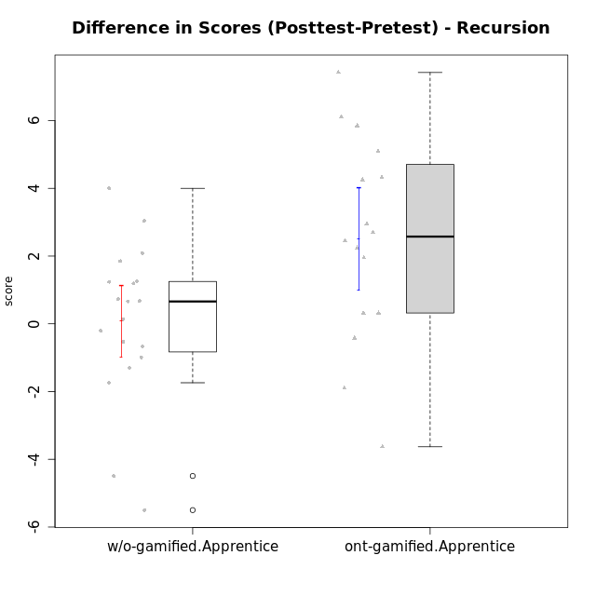

Student's t-Test data
UserID | NroUSP | Type | CLGroup | CLRole | PlayerRole | Re2 | Un2 | Ap3 | Ap1 | An3a | An3b | Ev2 | score.pre | ReB | UnB | ApC | ApA | AnC1 | AnC2 | EvB | score.pos | P4 | PF | PG | PH | difScore
10169 | 10377538 | ont-gamified | Resistance | Apprentice | Social Achiever | 0.14 | 0 | 0.8 | 0 | 0 | 0 | 0 | 0.94 | 1 | 2.5 | 0.75 | 1.5 | 0.67 | 0 | 0.38 | 6.79 | 0 | 0 | 0 | 0 | 5.85
10170 | 10260351 | w/o-gamified | Grupo11 | Apprentice |  | 0 | 1.07 | 0.8 | 1 | 0 | 1 | 1.5 | 5.37 | 0.57 | 1.75 | 0.75 | 0 | 1 | 0 | 0 | 4.07 | 0 | 0 | 0 | 0 | -1.3
10172 | 10273971 | w/o-gamified | Grupo5 | Apprentice |  | 0.43 | 2.57 | 0 | 0 | 1 | 0 | 0 | 4 | 0 | 3 | 1 | 0 | 0.67 | 0 | 0 | 4.67 | 0 | 0 | 0 | 0 | 0.67
10178 | 8656201 | ont-gamified | Outlaws | Apprentice | Social Achiever | 0.29 | 0 | 2 | 1 | 0 | 0 | 0 | 3.29 | 0.86 | 0.5 | 0 | 0 | 1.67 | 0.33 | 0.25 | 3.61 | 0 | 0 | 0 | 0 | 0.32
10181 | 10276866 | w/o-gamified | Grupo2 | Apprentice |  | 0.14 | 0.86 | 0 | 0 | 1 | 0 | 0 | 2 | 1 | 2.5 | 0 | 1.5 | 1 | 0 | 0 | 6 | 0 | 0 | 0 | 0 | 4
10183 | 10352030 | w/o-gamified | Grupo3 | Apprentice |  | 0.14 | 0.86 | 2 | 0 | 0 | 0 | 0 | 3 | 0.43 | 2.5 | 0 | 0 | 0.67 | 0.67 | 0 | 4.26 | 0 | 0 | 0 | 0 | 1.26
10184 | 10276675 | w/o-gamified | Grupo10 | Apprentice |  | 0.14 | 1.29 | 1 | 1 | 1 | 0 | 1.5 | 6.68 | 1 | 0 | 0 | 0 | 0 | 0 | 0 | 2.1875 | 0.75 | 0.5 | 0.3125 | 0.375 | -4.4925
10185 | 10276960 | w/o-gamified | Grupo9 | Apprentice |  | 0.71 | 2.79 | 2 | 0 | 1 | 0 | 0 | 6.5 | 1 | 0 | 0 | 0 | 0 | 0 | 0 | 1 | 0 | 0 | 0 | 0 | -5.5
10186 | 10310551 | ont-gamified | Slayers | Apprentice | Social Achiever | 0 | 0 | 0 | 0.4 | 0 | 0 | 0 | 0.4 | 0.43 | 2 | 0.25 | 1 | 0 | 0.67 | 0.38 | 4.72 | 0 | 0 | 0 | 0 | 4.32
10187 | 9790781 | ont-gamified | Mafia | Apprentice | Social Achiever | 0.14 | 0 | 2 | 1 | 0 | 0 | 0 | 4.07 | 1 | 0.5 | 0 | 0 | 0.33 | 0.33 | 0 | 2.17 | 0 | 0 | 0 | 0 | -1.9
10189 | 9363926 | ont-gamified | Vikings | Apprentice | Social Achiever | 0.71 | 0 | 0 | 0 | 0.33 | 0 | 0 | 1.05 | 0 | 2.75 | 0 | 0 | 0 | 0 | 1 | 3.75 | 0 | 0 | 0 | 0 | 2.7
10190 | 10276907 | w/o-gamified | Grupo4 | Apprentice |  | 0.14 | 0 | 0 | 0.4 | 1 | 0.67 | 0.56 | 2.77 | 0 | 2 | 0 | 0.5 | 0 | 1 | 0 | 3.5 | 0 | 0 | 0 | 0 | 0.73
10192 | 10276682 | ont-gamified | Attractive Devils | Apprentice | Social Achiever | 0.14 | 0.64 | 2 | 1 | 0 | 0 | 0 | 3.79 | 0.71 | 3 | 2 | 1.5 | 0 | 0.67 | 1 | 8.88 | 0 | 0 | 0 | 0 | 5.09
10193 | 10276762 | ont-gamified | Vandals | Apprentice | Yee Achiever | 0.14 | 1.07 | 1 | 1 | 0.67 | 0 | 0 | 3.88 | 0 | 2.5 | 0 | 1.5 | 0 | 1.33 | 0.5 | 5.83 | 0 | 0 | 0 | 0 | 1.95
10197 | 10276661 | w/o-gamified | Grupo8 | Apprentice |  | 0.14 | 3 | 0 | 1 | 1.67 | 0 | 0.56 | 7.37 | 0 | 3 | 2 | 0 | 0 | 0 | 0.38 | 5.63 | 1 | 0.25 | 0 | 0 | -1.74
10198 | 10310888 | ont-gamified | Attractive Devils | Apprentice | Social Achiever | 0.14 | 2.79 | 0 | 0 | 1 | 0 | 0 | 3.93 | 0.71 | 2.25 | 0.75 | 1.5 | 1 | 0.67 | 0 | 6.88 | 0 | 0 | 0 | 0 | 2.95
10200 | 9795272 | ont-gamified | Warriors | Apprentice | Social Achiever | 0.14 | 1.07 | 0.8 | 0 | 0.67 | 0 | 0 | 2.68 | 0.71 | 3 | 0.75 | 0 | 0 | 0.67 | 0 | 5.13 | 0 | 0 | 0 | 0 | 2.45
10201 | 10276928 | w/o-gamified | Grupo11 | Apprentice |  | 0.14 | 1.07 | 0 | 1 | 2 | 2 | 0 | 6.21 | 0.29 | 2.5 | 0.75 | 0 | 2 | 0 | 0 | 5.54 | 0 | 0 | 0 | 0 | -0.67
10202 | 10277036 | ont-gamified | Silly Knights | Apprentice | Social Achiever | 0.14 | 0.86 | 0 | 0 | 0 | 0 | 0 | 1 | 1 | 2.25 | 2 | 0.5 | 2 | 0.67 | 0 | 8.42 | 0 | 0 | 0 | 0 | 7.42
10203 | 9921470 | ont-gamified | Mercenaries | Apprentice | Social Achiever | 0.29 | 2.79 | 2 | 0 | 0 | 0 | 0.56 | 5.63 | 0 | 1.5 | 0 | 0.5 | 0 | 0 | 0 | 2 | 0 | 0 | 0 | 0 | -3.63
10204 | 10310471 | w/o-gamified | Grupo6 | Apprentice |  | 0.14 | 1.29 | 0.8 | 0 | 1 | 0.67 | 0 | 3.9 | 1 | 2 | 0.75 | 0 | 0 | 2 | 0 | 5.75 | 0 | 0 | 0 | 0 | 1.85
10206 | 10310721 | w/o-gamified | Grupo8 | Apprentice |  | 0.57 | 1.07 | 0.8 | 0 | 1.67 | 0 | 1.5 | 5.61 | 0.43 | 2.75 | 0.5 | 0.5 | 2 | 0.67 | 0 | 6.85 | 0 | 0 | 0 | 0 | 1.24
10209 | 10262669 | ont-gamified | Mafia | Apprentice | Social Achiever | 0.14 | 1.29 | 0.8 | 1 | 0 | 2 | 0.56 | 5.79 | 1 | 2.5 | 2 | 1.5 | 2 | 0.67 | 0.38 | 10.04 | 0 | 0 | 0 | 0 | 4.25
10210 | 10277015 | w/o-gamified | Grupo6 | Apprentice |  | 0.29 | 2.36 | 1 | 0 | 0.67 | 1.33 | 0 | 5.64 | 0.71 | 2.25 | 2 | 0 | 0.67 | 0.67 | 0 | 6.3 | 0 | 0 | 0 | 0 | 0.66
10213 | 10277040 | w/o-gamified | Grupo7 | Apprentice |  | 0 | 1.07 | 0 | 1 | 0 | 1 | 1.5 | 4.57 | 1 | 3 | 0 | 0 | 0 | 0.33 | 0.38 | 4.71 | 0 | 0 | 0 | 0 | 0.14
10214 | 10277022 | ont-gamified | Vikings | Apprentice | Social Achiever | 0 | 0 | 0.8 | 0 | 0 | 0.67 | 0 | 1.47 | 0 | 2 | 0.75 | 1.5 | 2 | 1.33 | 0 | 7.58 | 0 | 0 | 0 | 0 | 6.11
10217 | 9805341 | w/o-gamified | Grupo9 | Apprentice |  | 0.14 | 0.86 | 0 | 1 | 2 | 0 | 1.5 | 5.5 | 1 | 3 | 0.25 | 1.5 | 2 | 0.67 | 0.13 | 8.54 | 0 | 0 | 0 | 0 | 3.04
10218 | 9842913 | w/o-gamified | Grupo10 | Apprentice |  | 0.14 | 1.29 | 2 | 1 | 0 | 0 | 0.56 | 4.99 | 1 | 3 | 0 | 0 | 0 | 0 | 0 | 4 | 0 | 0 | 0 | 0 | -0.99
10220 | 9760151 | w/o-gamified | Grupo3 | Apprentice |  | 0.14 | 1.29 | 0 | 1 | 0 | 0 | 0.56 | 2.99 | 0.43 | 1.25 | 0 | 0 | 0 | 2 | 0.5 | 4.18 | 0 | 0 | 0 | 0 | 1.19
10221 | 9082496 | ont-gamified | Warriors | Apprentice | Social Achiever | 0.14 | 1.29 | 0 | 0 | 0 | 0 | 0.56 | 1.99 | 0.14 | 1.5 | 0 | 0 | 0 | 0.67 | 0 | 2.31 | 0 | 0 | 0 | 0 | 0.32
10226 | 10310342 | w/o-gamified | Grupo4 | Apprentice |  | 0.14 | 0 | 0.8 | 0 | 0.67 | 0 | 0.75 | 2.41 | 1 | 1.5 | 0 | 0 | 1 | 1 | 0 | 4.5 | 0 | 0 | 0 | 0 | 2.09
10228 | 10310492 | ont-gamified | Resistance | Apprentice | Social Achiever | 0.14 | 0 | 0 | 0 | 0 | 0 | 0.56 | 0.76 | 0 | 1.5 | 0 | 0.5 | 1 | 0 | 0 | 3 | 0 | 0 | 0 | 0 | 2.24
10232 | 10276974 | w/o-gamified | Grupo7 | Apprentice |  | 0.14 | 1.07 | 2 | 1 | 0 | 0.67 | 0.38 | 5.26 | 0.14 | 3 | 0.75 | 0.5 | 0.33 | 0 | 0 | 4.73 | 0 | 0 | 0 | 0 | -0.53
10237 | 10377688 | ont-gamified | Outlaws | Apprentice | Social Achiever | 0.14 | 1.07 | 0 | 1 | 2 | 0 | 0 | 4.21 | 1 | 1 | 0.75 | 0 | 0.67 | 0 | 0.38 | 3.79 | 0 | 0 | 0 | 0 | -0.42
10240 | 10276654 | w/o-gamified | Grupo5 | Apprentice |  | 0.14 | 2.79 | 0 | 1 | 0 | 0.67 | 0 | 4.6 | 0.14 | 1.75 | 0 | 0.5 | 2 | 0 | 0 | 4.39 | 0 | 0 | 0 | 0 | -0.21

Type_CLRole_3
Student's t-Test for Difference in Scores (Posttest-Pretest) - Recursion in Type:CLRole between ont-gamified.Apprentice:w/o-gamified.Master

Student's t-Test results
Alternative hypothesis: less
Group | N | Mean | Mean.Difference | Std.deviation | Std.error | CI.lower | CI.upper | df | t.value | p.value | g | magnitude
ont-gamified.Apprentice | 16 | 2.50125 | 5.11125 | 3.0235428998 | 0.75588572494 | 0.98947855012 | 4.0130214499 | 19.432692565 | 5.1762594519 | 0.99997494092 | 1.8187512759 | large
w/o-gamified.Master | 7 | -2.61 | -5.11125 | 1.6809917708 | 0.63535516876 | -3.8807103375 | -1.3392896625 | 19.432692565 | 5.1762594519 | 0.99997494092 | 1.8187512759 | large
Alternative hypothesis: greater
Group | N | Mean | Mean.Difference | Std.deviation | Std.error | CI.lower | CI.upper | df | t.value | p.value | g | magnitude
ont-gamified.Apprentice | 16 | 2.50125 | 5.11125 | 3.0235428998 | 0.75588572494 | 0.98947855012 | 4.0130214499 | 19.432692565 | 5.1762594519 | 2.505908058E-05 | 1.8187512759 | large
w/o-gamified.Master | 7 | -2.61 | -5.11125 | 1.6809917708 | 0.63535516876 | -3.8807103375 | -1.3392896625 | 19.432692565 | 5.1762594519 | 2.505908058E-05 | 1.8187512759 | large
Alternative hypothesis: two.sided
Group | N | Mean | Mean.Difference | Std.deviation | Std.error | CI.lower | CI.upper | df | t.value | p.value | g | magnitude
ont-gamified.Apprentice | 16 | 2.50125 | 5.11125 | 3.0235428998 | 0.75588572494 | 0.98947855012 | 4.0130214499 | 19.432692565 | 5.1762594519 | 5.0118161161E-05 | 1.8187512759 | large
w/o-gamified.Master | 7 | -2.61 | -5.11125 | 1.6809917708 | 0.63535516876 | -3.8807103375 | -1.3392896625 | 19.432692565 | 5.1762594519 | 5.0118161161E-05 | 1.8187512759 | large

Box plots for Student's t-Test
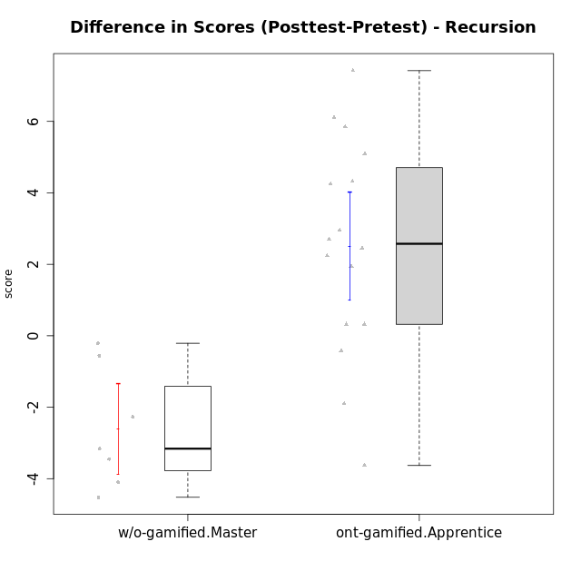

Student's t-Test data
UserID | NroUSP | Type | CLGroup | CLRole | PlayerRole | Re2 | Un2 | Ap3 | Ap1 | An3a | An3b | Ev2 | score.pre | ReB | UnB | ApC | ApA | AnC1 | AnC2 | EvB | score.pos | P4 | PF | PG | PH | difScore
10169 | 10377538 | ont-gamified | Resistance | Apprentice | Social Achiever | 0.14 | 0 | 0.8 | 0 | 0 | 0 | 0 | 0.94 | 1 | 2.5 | 0.75 | 1.5 | 0.67 | 0 | 0.38 | 6.79 | 0 | 0 | 0 | 0 | 5.85
10174 | 10276852 | w/o-gamified | Grupo7 | Master |  | 0.43 | 1.5 | 0.8 | 1 | 0.67 | 2 | 0.56 | 6.96 | 0.43 | 1.75 | 0 | 0 | 0 | 1.33 | 0 | 3.51 | 0 | 0 | 0 | 0 | -3.45
10178 | 8656201 | ont-gamified | Outlaws | Apprentice | Social Achiever | 0.29 | 0 | 2 | 1 | 0 | 0 | 0 | 3.29 | 0.86 | 0.5 | 0 | 0 | 1.67 | 0.33 | 0.25 | 3.61 | 0 | 0 | 0 | 0 | 0.32
10179 | 10310759 | w/o-gamified | Grupo10 | Master |  | 0.86 | 2.79 | 2 | 1 | 0.67 | 0.67 | 0.56 | 8.54 | 0.86 | 2 | 0 | 0.5 | 0 | 0.67 | 0 | 4.02 | 0 | 0 | 0 | 0 | -4.52
10186 | 10310551 | ont-gamified | Slayers | Apprentice | Social Achiever | 0 | 0 | 0 | 0.4 | 0 | 0 | 0 | 0.4 | 0.43 | 2 | 0.25 | 1 | 0 | 0.67 | 0.38 | 4.72 | 0 | 0 | 0 | 0 | 4.32
10187 | 9790781 | ont-gamified | Mafia | Apprentice | Social Achiever | 0.14 | 0 | 2 | 1 | 0 | 0 | 0 | 4.07 | 1 | 0.5 | 0 | 0 | 0.33 | 0.33 | 0 | 2.17 | 0 | 0 | 0 | 0 | -1.9
10189 | 9363926 | ont-gamified | Vikings | Apprentice | Social Achiever | 0.71 | 0 | 0 | 0 | 0.33 | 0 | 0 | 1.05 | 0 | 2.75 | 0 | 0 | 0 | 0 | 1 | 3.75 | 0 | 0 | 0 | 0 | 2.7
10191 | 10276981 | w/o-gamified | Grupo1 | Master |  | 0.14 | 2.57 | 2 | 1 | 0 | 1.67 | 0 | 7.38 | 0.43 | 2.75 | 0 | 0 | 0 | 0.67 | 0.38 | 4.22 | 0 | 0 | 0 | 0 | -3.16
10192 | 10276682 | ont-gamified | Attractive Devils | Apprentice | Social Achiever | 0.14 | 0.64 | 2 | 1 | 0 | 0 | 0 | 3.79 | 0.71 | 3 | 2 | 1.5 | 0 | 0.67 | 1 | 8.88 | 0 | 0 | 0 | 0 | 5.09
10193 | 10276762 | ont-gamified | Vandals | Apprentice | Yee Achiever | 0.14 | 1.07 | 1 | 1 | 0.67 | 0 | 0 | 3.88 | 0 | 2.5 | 0 | 1.5 | 0 | 1.33 | 0.5 | 5.83 | 0 | 0 | 0 | 0 | 1.95
10198 | 10310888 | ont-gamified | Attractive Devils | Apprentice | Social Achiever | 0.14 | 2.79 | 0 | 0 | 1 | 0 | 0 | 3.93 | 0.71 | 2.25 | 0.75 | 1.5 | 1 | 0.67 | 0 | 6.88 | 0 | 0 | 0 | 0 | 2.95
10200 | 9795272 | ont-gamified | Warriors | Apprentice | Social Achiever | 0.14 | 1.07 | 0.8 | 0 | 0.67 | 0 | 0 | 2.68 | 0.71 | 3 | 0.75 | 0 | 0 | 0.67 | 0 | 5.13 | 0 | 0 | 0 | 0 | 2.45
10202 | 10277036 | ont-gamified | Silly Knights | Apprentice | Social Achiever | 0.14 | 0.86 | 0 | 0 | 0 | 0 | 0 | 1 | 1 | 2.25 | 2 | 0.5 | 2 | 0.67 | 0 | 8.42 | 0 | 0 | 0 | 0 | 7.42
10203 | 9921470 | ont-gamified | Mercenaries | Apprentice | Social Achiever | 0.29 | 2.79 | 2 | 0 | 0 | 0 | 0.56 | 5.63 | 0 | 1.5 | 0 | 0.5 | 0 | 0 | 0 | 2 | 0 | 0 | 0 | 0 | -3.63
10209 | 10262669 | ont-gamified | Mafia | Apprentice | Social Achiever | 0.14 | 1.29 | 0.8 | 1 | 0 | 2 | 0.56 | 5.79 | 1 | 2.5 | 2 | 1.5 | 2 | 0.67 | 0.38 | 10.04 | 0 | 0 | 0 | 0 | 4.25
10214 | 10277022 | ont-gamified | Vikings | Apprentice | Social Achiever | 0 | 0 | 0.8 | 0 | 0 | 0.67 | 0 | 1.47 | 0 | 2 | 0.75 | 1.5 | 2 | 1.33 | 0 | 7.58 | 0 | 0 | 0 | 0 | 6.11
10219 | 10276831 | w/o-gamified | Grupo3 | Master |  | 0 | 2.79 | 0.8 | 1 | 2 | 0 | 0 | 6.59 | 0.57 | 1.5 | 0.75 | 1.5 | 0 | 0 | 0 | 4.32 | 0 | 0 | 0 | 0 | -2.27
10221 | 9082496 | ont-gamified | Warriors | Apprentice | Social Achiever | 0.14 | 1.29 | 0 | 0 | 0 | 0 | 0.56 | 1.99 | 0.14 | 1.5 | 0 | 0 | 0 | 0.67 | 0 | 2.31 | 0 | 0 | 0 | 0 | 0.32
10227 | 9274382 | w/o-gamified | Grupo5 | Master |  | 0.43 | 1.5 | 1 | 1 | 0.67 | 2 | 0 | 6.6 | 0 | 2.5 | 0 | 0 | 0 | 0 | 0 | 2.5 | 0 | 0 | 0 | 0 | -4.1
10228 | 10310492 | ont-gamified | Resistance | Apprentice | Social Achiever | 0.14 | 0 | 0 | 0 | 0 | 0 | 0.56 | 0.76 | 0 | 1.5 | 0 | 0.5 | 1 | 0 | 0 | 3 | 0 | 0 | 0 | 0 | 2.24
10231 | 10276911 | w/o-gamified | Grupo9 | Master |  | 0.14 | 2.79 | 0 | 1 | 2 | 2 | 0.56 | 8.49 | 0.43 | 3 | 0 | 1.5 | 2 | 0 | 1 | 7.93 | 0 | 0 | 0 | 0 | -0.56
10237 | 10377688 | ont-gamified | Outlaws | Apprentice | Social Achiever | 0.14 | 1.07 | 0 | 1 | 2 | 0 | 0 | 4.21 | 1 | 1 | 0.75 | 0 | 0.67 | 0 | 0.38 | 3.79 | 0 | 0 | 0 | 0 | -0.42
10238 | 10276953 | w/o-gamified | Grupo2 | Master |  | 1 | 0 | 2 | 0 | 2 | 0 | 0.56 | 5.56 | 0.43 | 2.25 | 0 | 0 | 2 | 0.67 | 0 | 5.35 | 0 | 0 | 0 | 0 | -0.21

Type_CLRole_4
Student's t-Test for Difference in Scores (Posttest-Pretest) - Recursion in Type:CLRole between ont-gamified.Master:w/o-gamified.Apprentice

Student's t-Test results
Alternative hypothesis: less
Group | N | Mean | Mean.Difference | Std.deviation | Std.error | CI.lower | CI.upper | df | t.value | p.value | g | magnitude
ont-gamified.Master | 7 | 0.26535714286 | 0.18969924812 | 2.6760622613 | 1.0114564623 | -1.7575557818 | 2.2882700675 | 9.4983728919 | 0.16617423051 | 0.56424821113 | 0.076397964051 | negligible
w/o-gamified.Apprentice | 19 | 0.075657894737 | -0.18969924812 | 2.3070652116 | 0.5292770586 | -0.98289622245 | 1.1342120119 | 9.4983728919 | 0.16617423051 | 0.56424821113 | 0.076397964051 | negligible
Alternative hypothesis: greater
Group | N | Mean | Mean.Difference | Std.deviation | Std.error | CI.lower | CI.upper | df | t.value | p.value | g | magnitude
ont-gamified.Master | 7 | 0.26535714286 | 0.18969924812 | 2.6760622613 | 1.0114564623 | -1.7575557818 | 2.2882700675 | 9.4983728919 | 0.16617423051 | 0.43575178887 | 0.076397964051 | negligible
w/o-gamified.Apprentice | 19 | 0.075657894737 | -0.18969924812 | 2.3070652116 | 0.5292770586 | -0.98289622245 | 1.1342120119 | 9.4983728919 | 0.16617423051 | 0.43575178887 | 0.076397964051 | negligible
Alternative hypothesis: two.sided
Group | N | Mean | Mean.Difference | Std.deviation | Std.error | CI.lower | CI.upper | df | t.value | p.value | g | magnitude
ont-gamified.Master | 7 | 0.26535714286 | 0.18969924812 | 2.6760622613 | 1.0114564623 | -1.7575557818 | 2.2882700675 | 9.4983728919 | 0.16617423051 | 0.87150357774 | 0.076397964051 | negligible
w/o-gamified.Apprentice | 19 | 0.075657894737 | -0.18969924812 | 2.3070652116 | 0.5292770586 | -0.98289622245 | 1.1342120119 | 9.4983728919 | 0.16617423051 | 0.87150357774 | 0.076397964051 | negligible

Box plots for Student's t-Test
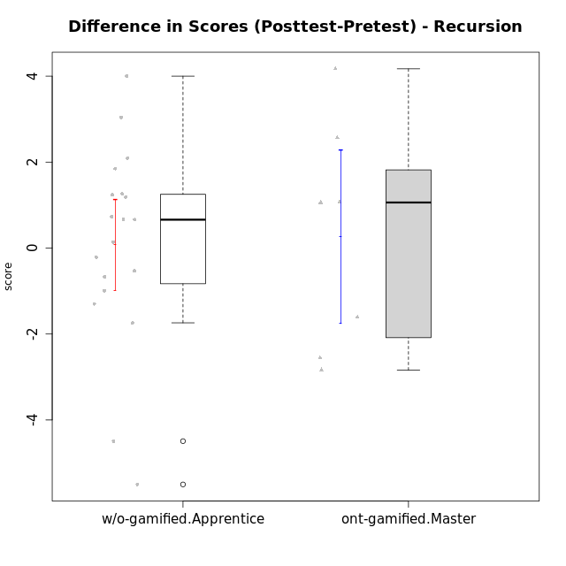

Student's t-Test data
UserID | NroUSP | Type | CLGroup | CLRole | PlayerRole | Re2 | Un2 | Ap3 | Ap1 | An3a | An3b | Ev2 | score.pre | ReB | UnB | ApC | ApA | AnC1 | AnC2 | EvB | score.pos | P4 | PF | PG | PH | difScore
10170 | 10260351 | w/o-gamified | Grupo11 | Apprentice |  | 0 | 1.07 | 0.8 | 1 | 0 | 1 | 1.5 | 5.37 | 0.57 | 1.75 | 0.75 | 0 | 1 | 0 | 0 | 4.07 | 0 | 0 | 0 | 0 | -1.3
10172 | 10273971 | w/o-gamified | Grupo5 | Apprentice |  | 0.43 | 2.57 | 0 | 0 | 1 | 0 | 0 | 4 | 0 | 3 | 1 | 0 | 0.67 | 0 | 0 | 4.67 | 0 | 0 | 0 | 0 | 0.67
10175 | 10310700 | ont-gamified | Warriors | Master | Social Achiever | 0.14 | 1.29 | 0 | 0.4 | 1 | 2 | 1.5 | 6.33 | 1 | 3 | 2 | 1.5 | 2 | 0 | 1 | 10.5 | 0 | 0 | 0 | 0 | 4.17
10176 | 10276949 | ont-gamified | Outlaws | Master | Social Achiever | 0.14 | 1.07 | 2 | 0.6 | 2 | 2 | 0 | 7.81 | 0 | 2 | 0.75 | 0.5 | 2 | 0 | 0 | 5.25 | 0 | 0 | 0 | 0 | -2.56
10181 | 10276866 | w/o-gamified | Grupo2 | Apprentice |  | 0.14 | 0.86 | 0 | 0 | 1 | 0 | 0 | 2 | 1 | 2.5 | 0 | 1.5 | 1 | 0 | 0 | 6 | 0 | 0 | 0 | 0 | 4
10183 | 10352030 | w/o-gamified | Grupo3 | Apprentice |  | 0.14 | 0.86 | 2 | 0 | 0 | 0 | 0 | 3 | 0.43 | 2.5 | 0 | 0 | 0.67 | 0.67 | 0 | 4.26 | 0 | 0 | 0 | 0 | 1.26
10184 | 10276675 | w/o-gamified | Grupo10 | Apprentice |  | 0.14 | 1.29 | 1 | 1 | 1 | 0 | 1.5 | 6.68 | 1 | 0 | 0 | 0 | 0 | 0 | 0 | 2.1875 | 0.75 | 0.5 | 0.3125 | 0.375 | -4.4925
10185 | 10276960 | w/o-gamified | Grupo9 | Apprentice |  | 0.71 | 2.79 | 2 | 0 | 1 | 0 | 0 | 6.5 | 1 | 0 | 0 | 0 | 0 | 0 | 0 | 1 | 0 | 0 | 0 | 0 | -5.5
10188 | 10276995 | ont-gamified | Vandals | Master | Yee Achiever | 0.29 | 1.5 | 0 | 1 | 2 | 2 | 0 | 7.04 | 1 | 2.5 | 2 | 1.5 | 0 | 0.67 | 1 | 9.6075 | 0.25 | 0.25 | 0.3125 | 0.375 | 2.5675
10190 | 10276907 | w/o-gamified | Grupo4 | Apprentice |  | 0.14 | 0 | 0 | 0.4 | 1 | 0.67 | 0.56 | 2.77 | 0 | 2 | 0 | 0.5 | 0 | 1 | 0 | 3.5 | 0 | 0 | 0 | 0 | 0.73
10197 | 10276661 | w/o-gamified | Grupo8 | Apprentice |  | 0.14 | 3 | 0 | 1 | 1.67 | 0 | 0.56 | 7.37 | 0 | 3 | 2 | 0 | 0 | 0 | 0.38 | 5.63 | 1 | 0.25 | 0 | 0 | -1.74
10201 | 10276928 | w/o-gamified | Grupo11 | Apprentice |  | 0.14 | 1.07 | 0 | 1 | 2 | 2 | 0 | 6.21 | 0.29 | 2.5 | 0.75 | 0 | 2 | 0 | 0 | 5.54 | 0 | 0 | 0 | 0 | -0.67
10204 | 10310471 | w/o-gamified | Grupo6 | Apprentice |  | 0.14 | 1.29 | 0.8 | 0 | 1 | 0.67 | 0 | 3.9 | 1 | 2 | 0.75 | 0 | 0 | 2 | 0 | 5.75 | 0 | 0 | 0 | 0 | 1.85
10206 | 10310721 | w/o-gamified | Grupo8 | Apprentice |  | 0.57 | 1.07 | 0.8 | 0 | 1.67 | 0 | 1.5 | 5.61 | 0.43 | 2.75 | 0.5 | 0.5 | 2 | 0.67 | 0 | 6.85 | 0 | 0 | 0 | 0 | 1.24
10210 | 10277015 | w/o-gamified | Grupo6 | Apprentice |  | 0.29 | 2.36 | 1 | 0 | 0.67 | 1.33 | 0 | 5.64 | 0.71 | 2.25 | 2 | 0 | 0.67 | 0.67 | 0 | 6.3 | 0 | 0 | 0 | 0 | 0.66
10213 | 10277040 | w/o-gamified | Grupo7 | Apprentice |  | 0 | 1.07 | 0 | 1 | 0 | 1 | 1.5 | 4.57 | 1 | 3 | 0 | 0 | 0 | 0.33 | 0.38 | 4.71 | 0 | 0 | 0 | 0 | 0.14
10215 | 9285227 | ont-gamified | Vikings | Master | Social Achiever | 0.14 | 3 | 2 | 0.4 | 1 | 0 | 0.56 | 7.11 | 0 | 3 | 0 | 1.5 | 1 | 0 | 0 | 5.5 | 0 | 0 | 0 | 0 | -1.61
10216 | 10276720 | ont-gamified | Silly Knights | Master | Social Achiever | 0.14 | 3 | 0.8 | 1 | 1 | 1 | 0 | 6.94 | 1 | 2.5 | 0 | 0.5 | 2 | 2 | 0 | 8 | 0 | 0 | 0 | 0 | 1.06
10217 | 9805341 | w/o-gamified | Grupo9 | Apprentice |  | 0.14 | 0.86 | 0 | 1 | 2 | 0 | 1.5 | 5.5 | 1 | 3 | 0.25 | 1.5 | 2 | 0.67 | 0.13 | 8.54 | 0 | 0 | 0 | 0 | 3.04
10218 | 9842913 | w/o-gamified | Grupo10 | Apprentice |  | 0.14 | 1.29 | 2 | 1 | 0 | 0 | 0.56 | 4.99 | 1 | 3 | 0 | 0 | 0 | 0 | 0 | 4 | 0 | 0 | 0 | 0 | -0.99
10220 | 9760151 | w/o-gamified | Grupo3 | Apprentice |  | 0.14 | 1.29 | 0 | 1 | 0 | 0 | 0.56 | 2.99 | 0.43 | 1.25 | 0 | 0 | 0 | 2 | 0.5 | 4.18 | 0 | 0 | 0 | 0 | 1.19
10223 | 9795185 | ont-gamified | Slayers | Master | Social Achiever | 0.14 | 0 | 0 | 1 | 2 | 2 | 0 | 5.14 | 0 | 2 | 0 | 0.5 | 2 | 1.33 | 0.38 | 6.21 | 0 | 0 | 0 | 0 | 1.07
10226 | 10310342 | w/o-gamified | Grupo4 | Apprentice |  | 0.14 | 0 | 0.8 | 0 | 0.67 | 0 | 0.75 | 2.41 | 1 | 1.5 | 0 | 0 | 1 | 1 | 0 | 4.5 | 0 | 0 | 0 | 0 | 2.09
10230 | 10351992 | ont-gamified | Resistance | Master | Social Achiever | 0.14 | 0.43 | 2 | 1 | 1.33 | 0 | 0.56 | 5.47 | 0 | 1.5 | 0.75 | 0 | 0 | 0 | 0.38 | 2.63 | 0 | 0 | 0 | 0 | -2.84
10232 | 10276974 | w/o-gamified | Grupo7 | Apprentice |  | 0.14 | 1.07 | 2 | 1 | 0 | 0.67 | 0.38 | 5.26 | 0.14 | 3 | 0.75 | 0.5 | 0.33 | 0 | 0 | 4.73 | 0 | 0 | 0 | 0 | -0.53
10240 | 10276654 | w/o-gamified | Grupo5 | Apprentice |  | 0.14 | 2.79 | 0 | 1 | 0 | 0.67 | 0 | 4.6 | 0.14 | 1.75 | 0 | 0.5 | 2 | 0 | 0 | 4.39 | 0 | 0 | 0 | 0 | -0.21

Type_CLRole_5
Student's t-Test for Difference in Scores (Posttest-Pretest) - Recursion in Type:CLRole between ont-gamified.Master:w/o-gamified.Master

Student's t-Test results
Alternative hypothesis: less
Group | N | Mean | Mean.Difference | Std.deviation | Std.error | CI.lower | CI.upper | df | t.value | p.value | g | magnitude
ont-gamified.Master | 7 | 0.26535714286 | 2.8753571429 | 2.6760622613 | 1.0114564623 | -1.7575557818 | 2.2882700675 | 10.097098246 | 2.4072564831 | 0.98168240243 | 1.2046008392 | large
w/o-gamified.Master | 7 | -2.61 | -2.8753571429 | 1.6809917708 | 0.63535516876 | -3.8807103375 | -1.3392896625 | 10.097098246 | 2.4072564831 | 0.98168240243 | 1.2046008392 | large
Alternative hypothesis: greater
Group | N | Mean | Mean.Difference | Std.deviation | Std.error | CI.lower | CI.upper | df | t.value | p.value | g | magnitude
ont-gamified.Master | 7 | 0.26535714286 | 2.8753571429 | 2.6760622613 | 1.0114564623 | -1.7575557818 | 2.2882700675 | 10.097098246 | 2.4072564831 | 0.018317597574 | 1.2046008392 | large
w/o-gamified.Master | 7 | -2.61 | -2.8753571429 | 1.6809917708 | 0.63535516876 | -3.8807103375 | -1.3392896625 | 10.097098246 | 2.4072564831 | 0.018317597574 | 1.2046008392 | large
Alternative hypothesis: two.sided
Group | N | Mean | Mean.Difference | Std.deviation | Std.error | CI.lower | CI.upper | df | t.value | p.value | g | magnitude
ont-gamified.Master | 7 | 0.26535714286 | 2.8753571429 | 2.6760622613 | 1.0114564623 | -1.7575557818 | 2.2882700675 | 10.097098246 | 2.4072564831 | 0.036635195149 | 1.2046008392 | large
w/o-gamified.Master | 7 | -2.61 | -2.8753571429 | 1.6809917708 | 0.63535516876 | -3.8807103375 | -1.3392896625 | 10.097098246 | 2.4072564831 | 0.036635195149 | 1.2046008392 | large

Box plots for Student's t-Test
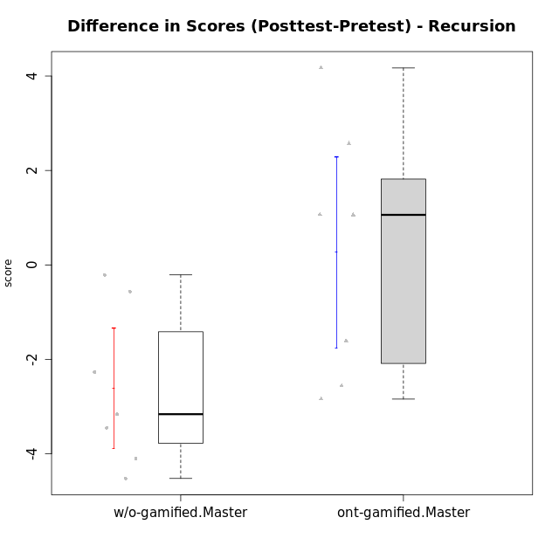

Student's t-Test data
UserID | NroUSP | Type | CLGroup | CLRole | PlayerRole | Re2 | Un2 | Ap3 | Ap1 | An3a | An3b | Ev2 | score.pre | ReB | UnB | ApC | ApA | AnC1 | AnC2 | EvB | score.pos | P4 | PF | PG | PH | difScore
10174 | 10276852 | w/o-gamified | Grupo7 | Master |  | 0.43 | 1.5 | 0.8 | 1 | 0.67 | 2 | 0.56 | 6.96 | 0.43 | 1.75 | 0 | 0 | 0 | 1.33 | 0 | 3.51 | 0 | 0 | 0 | 0 | -3.45
10175 | 10310700 | ont-gamified | Warriors | Master | Social Achiever | 0.14 | 1.29 | 0 | 0.4 | 1 | 2 | 1.5 | 6.33 | 1 | 3 | 2 | 1.5 | 2 | 0 | 1 | 10.5 | 0 | 0 | 0 | 0 | 4.17
10176 | 10276949 | ont-gamified | Outlaws | Master | Social Achiever | 0.14 | 1.07 | 2 | 0.6 | 2 | 2 | 0 | 7.81 | 0 | 2 | 0.75 | 0.5 | 2 | 0 | 0 | 5.25 | 0 | 0 | 0 | 0 | -2.56
10179 | 10310759 | w/o-gamified | Grupo10 | Master |  | 0.86 | 2.79 | 2 | 1 | 0.67 | 0.67 | 0.56 | 8.54 | 0.86 | 2 | 0 | 0.5 | 0 | 0.67 | 0 | 4.02 | 0 | 0 | 0 | 0 | -4.52
10188 | 10276995 | ont-gamified | Vandals | Master | Yee Achiever | 0.29 | 1.5 | 0 | 1 | 2 | 2 | 0 | 7.04 | 1 | 2.5 | 2 | 1.5 | 0 | 0.67 | 1 | 9.6075 | 0.25 | 0.25 | 0.3125 | 0.375 | 2.5675
10191 | 10276981 | w/o-gamified | Grupo1 | Master |  | 0.14 | 2.57 | 2 | 1 | 0 | 1.67 | 0 | 7.38 | 0.43 | 2.75 | 0 | 0 | 0 | 0.67 | 0.38 | 4.22 | 0 | 0 | 0 | 0 | -3.16
10215 | 9285227 | ont-gamified | Vikings | Master | Social Achiever | 0.14 | 3 | 2 | 0.4 | 1 | 0 | 0.56 | 7.11 | 0 | 3 | 0 | 1.5 | 1 | 0 | 0 | 5.5 | 0 | 0 | 0 | 0 | -1.61
10216 | 10276720 | ont-gamified | Silly Knights | Master | Social Achiever | 0.14 | 3 | 0.8 | 1 | 1 | 1 | 0 | 6.94 | 1 | 2.5 | 0 | 0.5 | 2 | 2 | 0 | 8 | 0 | 0 | 0 | 0 | 1.06
10219 | 10276831 | w/o-gamified | Grupo3 | Master |  | 0 | 2.79 | 0.8 | 1 | 2 | 0 | 0 | 6.59 | 0.57 | 1.5 | 0.75 | 1.5 | 0 | 0 | 0 | 4.32 | 0 | 0 | 0 | 0 | -2.27
10223 | 9795185 | ont-gamified | Slayers | Master | Social Achiever | 0.14 | 0 | 0 | 1 | 2 | 2 | 0 | 5.14 | 0 | 2 | 0 | 0.5 | 2 | 1.33 | 0.38 | 6.21 | 0 | 0 | 0 | 0 | 1.07
10227 | 9274382 | w/o-gamified | Grupo5 | Master |  | 0.43 | 1.5 | 1 | 1 | 0.67 | 2 | 0 | 6.6 | 0 | 2.5 | 0 | 0 | 0 | 0 | 0 | 2.5 | 0 | 0 | 0 | 0 | -4.1
10230 | 10351992 | ont-gamified | Resistance | Master | Social Achiever | 0.14 | 0.43 | 2 | 1 | 1.33 | 0 | 0.56 | 5.47 | 0 | 1.5 | 0.75 | 0 | 0 | 0 | 0.38 | 2.63 | 0 | 0 | 0 | 0 | -2.84
10231 | 10276911 | w/o-gamified | Grupo9 | Master |  | 0.14 | 2.79 | 0 | 1 | 2 | 2 | 0.56 | 8.49 | 0.43 | 3 | 0 | 1.5 | 2 | 0 | 1 | 7.93 | 0 | 0 | 0 | 0 | -0.56
10238 | 10276953 | w/o-gamified | Grupo2 | Master |  | 1 | 0 | 2 | 0 | 2 | 0 | 0.56 | 5.56 | 0.43 | 2.25 | 0 | 0 | 2 | 0.67 | 0 | 5.35 | 0 | 0 | 0 | 0 | -0.21

Type_CLRole_6
Student's t-Test for Difference in Scores (Posttest-Pretest) - Recursion in Type:CLRole between w/o-gamified.Apprentice:w/o-gamified.Master

Student's t-Test results
Alternative hypothesis: less
Group | N | Mean | Mean.Difference | Std.deviation | Std.error | CI.lower | CI.upper | df | t.value | p.value | g | magnitude
w/o-gamified.Apprentice | 19 | 0.075657894737 | 2.6856578947 | 2.3070652116 | 0.5292770586 | -0.98289622245 | 1.1342120119 | 14.83547959 | 3.2477518671 | 0.99726302715 | 1.1998927405 | large
w/o-gamified.Master | 7 | -2.61 | -2.6856578947 | 1.6809917708 | 0.63535516876 | -3.8807103375 | -1.3392896625 | 14.83547959 | 3.2477518671 | 0.99726302715 | 1.1998927405 | large
Alternative hypothesis: greater
Group | N | Mean | Mean.Difference | Std.deviation | Std.error | CI.lower | CI.upper | df | t.value | p.value | g | magnitude
w/o-gamified.Apprentice | 19 | 0.075657894737 | 2.6856578947 | 2.3070652116 | 0.5292770586 | -0.98289622245 | 1.1342120119 | 14.83547959 | 3.2477518671 | 0.0027369728532 | 1.1998927405 | large
w/o-gamified.Master | 7 | -2.61 | -2.6856578947 | 1.6809917708 | 0.63535516876 | -3.8807103375 | -1.3392896625 | 14.83547959 | 3.2477518671 | 0.0027369728532 | 1.1998927405 | large
Alternative hypothesis: two.sided
Group | N | Mean | Mean.Difference | Std.deviation | Std.error | CI.lower | CI.upper | df | t.value | p.value | g | magnitude
w/o-gamified.Apprentice | 19 | 0.075657894737 | 2.6856578947 | 2.3070652116 | 0.5292770586 | -0.98289622245 | 1.1342120119 | 14.83547959 | 3.2477518671 | 0.0054739457064 | 1.1998927405 | large
w/o-gamified.Master | 7 | -2.61 | -2.6856578947 | 1.6809917708 | 0.63535516876 | -3.8807103375 | -1.3392896625 | 14.83547959 | 3.2477518671 | 0.0054739457064 | 1.1998927405 | large

Box plots for Student's t-Test
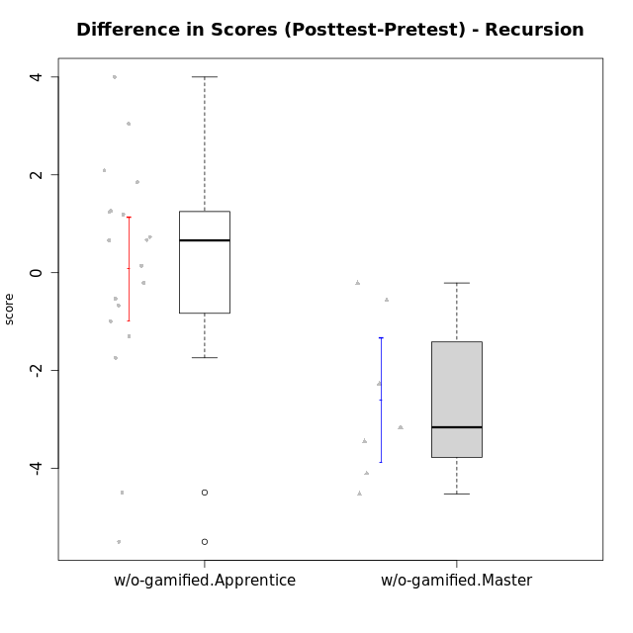

Student's t-Test data
UserID | NroUSP | Type | CLGroup | CLRole | PlayerRole | Re2 | Un2 | Ap3 | Ap1 | An3a | An3b | Ev2 | score.pre | ReB | UnB | ApC | ApA | AnC1 | AnC2 | EvB | score.pos | P4 | PF | PG | PH | difScore
10170 | 10260351 | w/o-gamified | Grupo11 | Apprentice |  | 0 | 1.07 | 0.8 | 1 | 0 | 1 | 1.5 | 5.37 | 0.57 | 1.75 | 0.75 | 0 | 1 | 0 | 0 | 4.07 | 0 | 0 | 0 | 0 | -1.3
10172 | 10273971 | w/o-gamified | Grupo5 | Apprentice |  | 0.43 | 2.57 | 0 | 0 | 1 | 0 | 0 | 4 | 0 | 3 | 1 | 0 | 0.67 | 0 | 0 | 4.67 | 0 | 0 | 0 | 0 | 0.67
10174 | 10276852 | w/o-gamified | Grupo7 | Master |  | 0.43 | 1.5 | 0.8 | 1 | 0.67 | 2 | 0.56 | 6.96 | 0.43 | 1.75 | 0 | 0 | 0 | 1.33 | 0 | 3.51 | 0 | 0 | 0 | 0 | -3.45
10179 | 10310759 | w/o-gamified | Grupo10 | Master |  | 0.86 | 2.79 | 2 | 1 | 0.67 | 0.67 | 0.56 | 8.54 | 0.86 | 2 | 0 | 0.5 | 0 | 0.67 | 0 | 4.02 | 0 | 0 | 0 | 0 | -4.52
10181 | 10276866 | w/o-gamified | Grupo2 | Apprentice |  | 0.14 | 0.86 | 0 | 0 | 1 | 0 | 0 | 2 | 1 | 2.5 | 0 | 1.5 | 1 | 0 | 0 | 6 | 0 | 0 | 0 | 0 | 4
10183 | 10352030 | w/o-gamified | Grupo3 | Apprentice |  | 0.14 | 0.86 | 2 | 0 | 0 | 0 | 0 | 3 | 0.43 | 2.5 | 0 | 0 | 0.67 | 0.67 | 0 | 4.26 | 0 | 0 | 0 | 0 | 1.26
10184 | 10276675 | w/o-gamified | Grupo10 | Apprentice |  | 0.14 | 1.29 | 1 | 1 | 1 | 0 | 1.5 | 6.68 | 1 | 0 | 0 | 0 | 0 | 0 | 0 | 2.1875 | 0.75 | 0.5 | 0.3125 | 0.375 | -4.4925
10185 | 10276960 | w/o-gamified | Grupo9 | Apprentice |  | 0.71 | 2.79 | 2 | 0 | 1 | 0 | 0 | 6.5 | 1 | 0 | 0 | 0 | 0 | 0 | 0 | 1 | 0 | 0 | 0 | 0 | -5.5
10190 | 10276907 | w/o-gamified | Grupo4 | Apprentice |  | 0.14 | 0 | 0 | 0.4 | 1 | 0.67 | 0.56 | 2.77 | 0 | 2 | 0 | 0.5 | 0 | 1 | 0 | 3.5 | 0 | 0 | 0 | 0 | 0.73
10191 | 10276981 | w/o-gamified | Grupo1 | Master |  | 0.14 | 2.57 | 2 | 1 | 0 | 1.67 | 0 | 7.38 | 0.43 | 2.75 | 0 | 0 | 0 | 0.67 | 0.38 | 4.22 | 0 | 0 | 0 | 0 | -3.16
10197 | 10276661 | w/o-gamified | Grupo8 | Apprentice |  | 0.14 | 3 | 0 | 1 | 1.67 | 0 | 0.56 | 7.37 | 0 | 3 | 2 | 0 | 0 | 0 | 0.38 | 5.63 | 1 | 0.25 | 0 | 0 | -1.74
10201 | 10276928 | w/o-gamified | Grupo11 | Apprentice |  | 0.14 | 1.07 | 0 | 1 | 2 | 2 | 0 | 6.21 | 0.29 | 2.5 | 0.75 | 0 | 2 | 0 | 0 | 5.54 | 0 | 0 | 0 | 0 | -0.67
10204 | 10310471 | w/o-gamified | Grupo6 | Apprentice |  | 0.14 | 1.29 | 0.8 | 0 | 1 | 0.67 | 0 | 3.9 | 1 | 2 | 0.75 | 0 | 0 | 2 | 0 | 5.75 | 0 | 0 | 0 | 0 | 1.85
10206 | 10310721 | w/o-gamified | Grupo8 | Apprentice |  | 0.57 | 1.07 | 0.8 | 0 | 1.67 | 0 | 1.5 | 5.61 | 0.43 | 2.75 | 0.5 | 0.5 | 2 | 0.67 | 0 | 6.85 | 0 | 0 | 0 | 0 | 1.24
10210 | 10277015 | w/o-gamified | Grupo6 | Apprentice |  | 0.29 | 2.36 | 1 | 0 | 0.67 | 1.33 | 0 | 5.64 | 0.71 | 2.25 | 2 | 0 | 0.67 | 0.67 | 0 | 6.3 | 0 | 0 | 0 | 0 | 0.66
10213 | 10277040 | w/o-gamified | Grupo7 | Apprentice |  | 0 | 1.07 | 0 | 1 | 0 | 1 | 1.5 | 4.57 | 1 | 3 | 0 | 0 | 0 | 0.33 | 0.38 | 4.71 | 0 | 0 | 0 | 0 | 0.14
10217 | 9805341 | w/o-gamified | Grupo9 | Apprentice |  | 0.14 | 0.86 | 0 | 1 | 2 | 0 | 1.5 | 5.5 | 1 | 3 | 0.25 | 1.5 | 2 | 0.67 | 0.13 | 8.54 | 0 | 0 | 0 | 0 | 3.04
10218 | 9842913 | w/o-gamified | Grupo10 | Apprentice |  | 0.14 | 1.29 | 2 | 1 | 0 | 0 | 0.56 | 4.99 | 1 | 3 | 0 | 0 | 0 | 0 | 0 | 4 | 0 | 0 | 0 | 0 | -0.99
10219 | 10276831 | w/o-gamified | Grupo3 | Master |  | 0 | 2.79 | 0.8 | 1 | 2 | 0 | 0 | 6.59 | 0.57 | 1.5 | 0.75 | 1.5 | 0 | 0 | 0 | 4.32 | 0 | 0 | 0 | 0 | -2.27
10220 | 9760151 | w/o-gamified | Grupo3 | Apprentice |  | 0.14 | 1.29 | 0 | 1 | 0 | 0 | 0.56 | 2.99 | 0.43 | 1.25 | 0 | 0 | 0 | 2 | 0.5 | 4.18 | 0 | 0 | 0 | 0 | 1.19
10226 | 10310342 | w/o-gamified | Grupo4 | Apprentice |  | 0.14 | 0 | 0.8 | 0 | 0.67 | 0 | 0.75 | 2.41 | 1 | 1.5 | 0 | 0 | 1 | 1 | 0 | 4.5 | 0 | 0 | 0 | 0 | 2.09
10227 | 9274382 | w/o-gamified | Grupo5 | Master |  | 0.43 | 1.5 | 1 | 1 | 0.67 | 2 | 0 | 6.6 | 0 | 2.5 | 0 | 0 | 0 | 0 | 0 | 2.5 | 0 | 0 | 0 | 0 | -4.1
10231 | 10276911 | w/o-gamified | Grupo9 | Master |  | 0.14 | 2.79 | 0 | 1 | 2 | 2 | 0.56 | 8.49 | 0.43 | 3 | 0 | 1.5 | 2 | 0 | 1 | 7.93 | 0 | 0 | 0 | 0 | -0.56
10232 | 10276974 | w/o-gamified | Grupo7 | Apprentice |  | 0.14 | 1.07 | 2 | 1 | 0 | 0.67 | 0.38 | 5.26 | 0.14 | 3 | 0.75 | 0.5 | 0.33 | 0 | 0 | 4.73 | 0 | 0 | 0 | 0 | -0.53
10238 | 10276953 | w/o-gamified | Grupo2 | Master |  | 1 | 0 | 2 | 0 | 2 | 0 | 0.56 | 5.56 | 0.43 | 2.25 | 0 | 0 | 2 | 0.67 | 0 | 5.35 | 0 | 0 | 0 | 0 | -0.21
10240 | 10276654 | w/o-gamified | Grupo5 | Apprentice |  | 0.14 | 2.79 | 0 | 1 | 0 | 0.67 | 0 | 4.6 | 0.14 | 1.75 | 0 | 0.5 | 2 | 0 | 0 | 4.39 | 0 | 0 | 0 | 0 | -0.21

