Assumptions
ANOVA assumptions for Attention by Type

Shapiro-Wilk normality test for Attention by Type
W | p.value
0.98361680091 | 0.78821071756

Plots for normality test
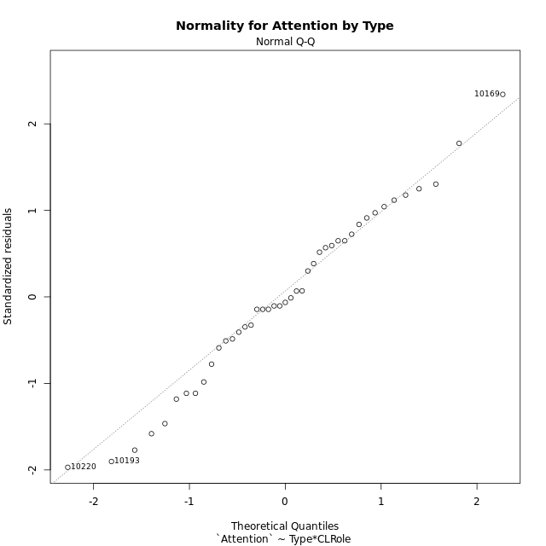

Levene's Test for Homogeneity of Variance in Attention by Type
Df | F value | Pr(>F)
3 | 1.5680227814 | 0.21254896995
39

Plots for homogeneity of variance
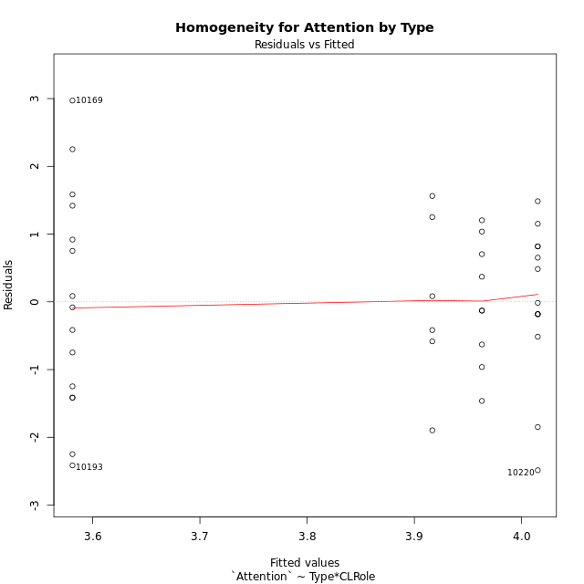

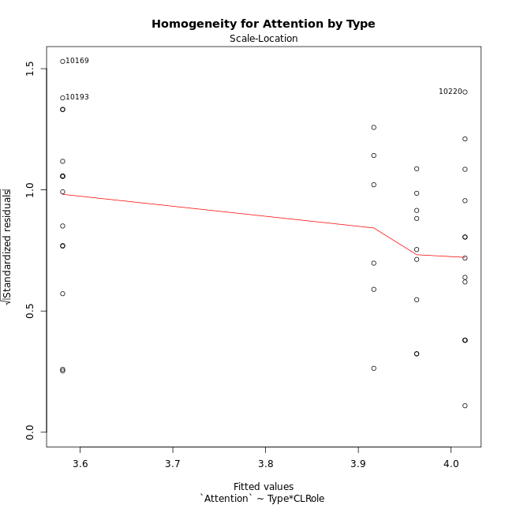

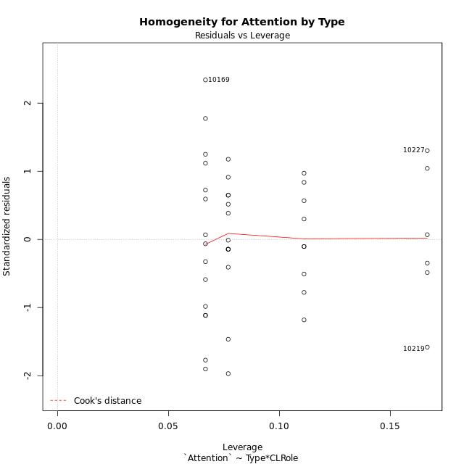

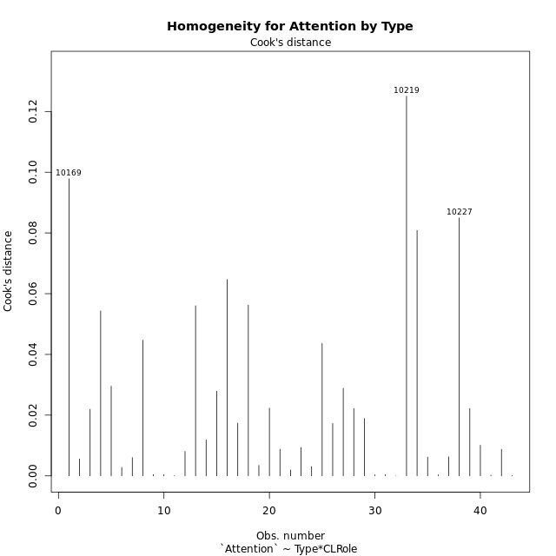

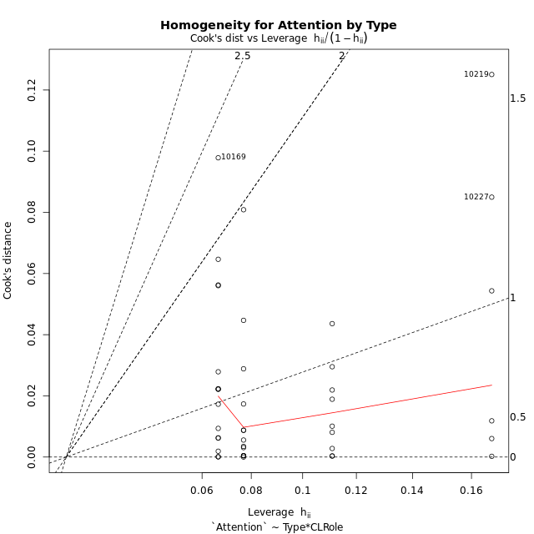

Minimum Sample Size Test for Attention by Type
Type | CLRole | Freq
ont-gamified | Apprentice | 15
w/o-gamified | Apprentice | 13
ont-gamified | Master | 9
w/o-gamified | Master | 6

Errors and Warnings in Sample Size Test for ANOVA in Attention by Type
code | description
WARN: sample.size | current size is 13 and recommended size is 15 for the group: 'w/o-gamified:Apprentice'.
WARN: sample.size | current size is 9 and recommended size is 15 for the group: 'ont-gamified:Master'.
WARN: sample.size | current size is 6 and recommended size is 15 for the group: 'w/o-gamified:Master'.

For the group: 'ont-gamified:Apprentice', you can perform a parametric test without having a normal distribution For the group: 'w/o-gamified:Apprentice', we recommend the use of non-parametric test. For the group: 'ont-gamified:Master', we recommend the use of non-parametric test. For the group: 'w/o-gamified:Master', we recommend the use of non-parametric test.

If you don't want to remove non-normal data, you must cite the following references: ... (1) Lix, L.M., J.C. Keselman, and H.J. Keselman. 1996. Consequences of assumption violations revisited: A quantitative review of alternatives to the one-way analysis of variance F test. Rev. Educ. Res. 66: 579-619. ... (2) Harwell, M.R., E.N. Rubinstein, W.S. Hayes, and C.C. Olds. 1992. Summarizing Monte Carlo results in methodological research: the one- and two-factor fixed effects ANOVA cases. J. Educ. Stat. 17: 315-339.

Post-hoc
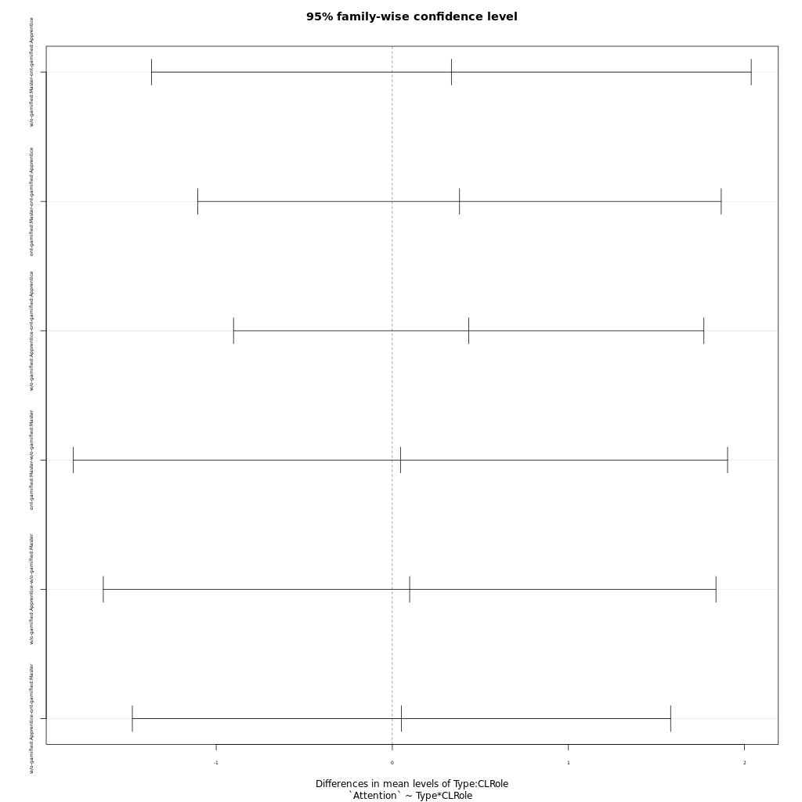
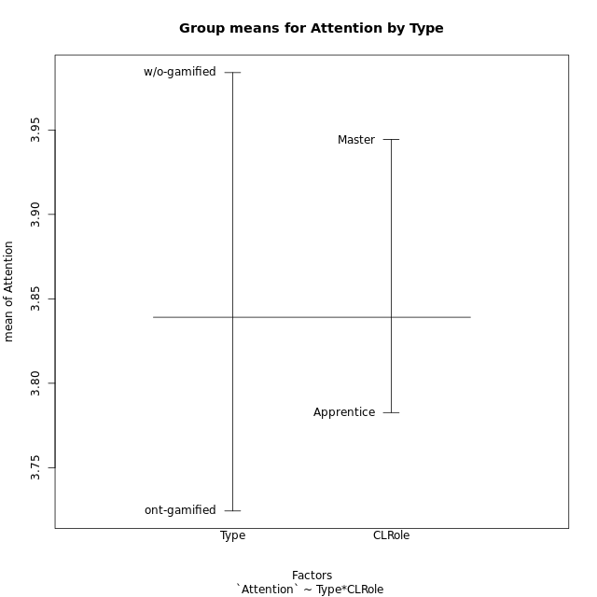
Post-hoc Tukey Honestly Significant Difference (HSD) Test for Attention by Type

Comparisons of means for Type
 | diff | lwr | upr | p adj
w/o-gamified-ont-gamified | 0.25961717836 | -0.55623847319 | 1.0754728299 | 0.52356975948

Comparisons of means for CLRole
 | diff | lwr | upr | p adj
Master-Apprentice | 0.17849959639 | -0.67160252989 | 1.0286017227 | 0.67337985987

Comparisons of means for Type:CLRole
 | diff | lwr | upr | p adj
w/o-gamified:Master-ont-gamified:Apprentice | 0.33546 | -1.3670923977 | 2.0380123977 | 0.95159413213
ont-gamified:Master-ont-gamified:Apprentice | 0.3817562963 | -1.1043532727 | 1.8678658653 | 0.9005570774
w/o-gamified:Apprentice-ont-gamified:Apprentice | 0.43384461538 | -0.90174736907 | 1.7694365998 | 0.81939890881
ont-gamified:Master-w/o-gamified:Master | 0.046296296296 | -1.811340665 | 1.9039332575 | 0.99989072288
w/o-gamified:Apprentice-w/o-gamified:Master | 0.098384615385 | -1.6411841179 | 1.8379533486 | 0.99873240764
w/o-gamified:Apprentice-ont-gamified:Master | 0.052088319088 | -1.4762887161 | 1.5804653543 | 0.99972098947

Contrast Matrices for Attention by Type - Type
contrast | estimate | SE | df | t.ratio | p.value
ont-gamified - w/o-gamified | -0.19377415954 | 0.42631687919 | 39 | -0.45453081734 | 0.65196671492

Contrast Matrices for Attention by Type - Type:CLRole
contrast | CLRole | estimate | SE | df | t.ratio | p.value
ont-gamified - w/o-gamified | Apprentice | -0.43384461538 | 0.49772987036 | 39 | -0.87164673293 | 0.38873561649
ont-gamified - w/o-gamified | Master | 0.046296296296 | 0.69227834149 | 39 | 0.066875263202 | 0.94702267468

Least Squares Means and Confidence Intervals for Type
Type | lsmean | SE | df | lower.CL | upper.CL | Pairs
ont-gamified | 3.7720848148 | 0.2769113366 | 39 | 3.2119787686 | 4.332190861 | ont-gamified
w/o-gamified | 3.9658589744 | 0.32413915708 | 39 | 3.3102256445 | 4.6214923042 | w/o-gamified

Least Squares Means and Confidence Intervals for Type:CLRole
Type | CLRole | lsmean | SE | df | lower.CL | upper.CL | Pairs
ont-gamified | Apprentice | 3.5812066667 | 0.33914573933 | 39 | 2.8952196592 | 4.2671936742 | ont-gamified.Apprentice
w/o-gamified | Apprentice | 4.0150512821 | 0.3643009626 | 39 | 3.2781830328 | 4.7519195313 | w/o-gamified.Apprentice
ont-gamified | Master | 3.962962963 | 0.43783526678 | 39 | 3.0773575444 | 4.8485683816 | ont-gamified.Master
w/o-gamified | Master | 3.9166666667 | 0.5362364975 | 39 | 2.8320259722 | 5.0013073612 | w/o-gamified.Master

Plots

Type_1
Student's t-Test for Attention by Type in Type between ont-gamified:w/o-gamified

Student's t-Test results
Alternative hypothesis: less
Group | N | Mean | Mean.Difference | Std.deviation | Std.error | CI.lower | CI.upper | df | t.value | p.value | g | magnitude
ont-gamified | 24 | 3.7243652778 | -0.25961717836 | 1.3908392776 | 0.28390387869 | 3.1565575204 | 4.2921730351 | 40.913704375 | -0.67085314973 | 0.25304191821 | -0.19766837072 | negligible
w/o-gamified | 19 | 3.9839824561 | 0.25961717836 | 1.1463501247 | 0.26299075513 | 3.4580009459 | 4.5099639664 | 40.913704375 | -0.67085314973 | 0.25304191821 | -0.19766837072 | negligible
Alternative hypothesis: greater
Group | N | Mean | Mean.Difference | Std.deviation | Std.error | CI.lower | CI.upper | df | t.value | p.value | g | magnitude
ont-gamified | 24 | 3.7243652778 | -0.25961717836 | 1.3908392776 | 0.28390387869 | 3.1565575204 | 4.2921730351 | 40.913704375 | -0.67085314973 | 0.74695808179 | -0.19766837072 | negligible
w/o-gamified | 19 | 3.9839824561 | 0.25961717836 | 1.1463501247 | 0.26299075513 | 3.4580009459 | 4.5099639664 | 40.913704375 | -0.67085314973 | 0.74695808179 | -0.19766837072 | negligible
Alternative hypothesis: two.sided
Group | N | Mean | Mean.Difference | Std.deviation | Std.error | CI.lower | CI.upper | df | t.value | p.value | g | magnitude
ont-gamified | 24 | 3.7243652778 | -0.25961717836 | 1.3908392776 | 0.28390387869 | 3.1565575204 | 4.2921730351 | 40.913704375 | -0.67085314973 | 0.50608383642 | -0.19766837072 | negligible
w/o-gamified | 19 | 3.9839824561 | 0.25961717836 | 1.1463501247 | 0.26299075513 | 3.4580009459 | 4.5099639664 | 40.913704375 | -0.67085314973 | 0.50608383642 | -0.19766837072 | negligible

Box plots for Student's t-Test
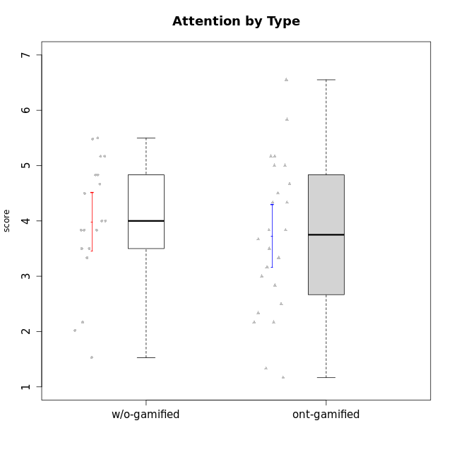

Student's t-Test data
UserID | NroUSP | Type | CLGroup | CLRole | PlayerRole | Interest/Enjoyment | Perceived Choice | Pressure/Tension | Effort/Importance | Intrinsic Motivation | Attention | Relevance | Satisfaction | Level of Motivation
10169 | 10377538 | ont-gamified | Resistance | Apprentice | Social Achiever | 5.7297 | 5.2 | 5.5 | 3.6666666667 | 4.5916666667 | 6.5514333333 | 5.5 | 7 | 5.8645384615
10170 | 10260351 | w/o-gamified | Grupo11 | Apprentice |  | 4.1666666667 | 5.8 | 2.5 | 4.6666666667 | 5.0333333333 | 4.6666666667 | 5.25 | 4.3333333333 | 4.7692307692
10171 | 698531 | ont-gamified | Mafia | Master | Social Achiever | 5.4826 | 6.2 | 1.75 | 6.9768 | 5.6972216667 | 5 | 6.25 | 5.3333333333 | 5.4615384615
10174 | 10276852 | w/o-gamified | Grupo7 | Master |  | 4.5 | 4.2 | 3.9739 | 4.3333333333 | 4.1958333333 | 5.1666666667 | 3.5 | 5 | 4.6153846154
10175 | 10310700 | ont-gamified | Warriors | Master | Social Achiever | 4 | 6.6 | 1 | 6 | 5.6972216667 | 5.1666666667 | 6.25 | 5.6666666667 | 5.6153846154
10176 | 10276949 | ont-gamified | Outlaws | Master | Social Achiever | 3.8333333333 | 3.4 | 4.5 | 3.6666666667 | 3.6 | 4.3333333333 | 4.5174 | 4 | 4.1538461538
10179 | 10310759 | w/o-gamified | Grupo10 | Master |  | 3.6666666667 | 2.6 | 1.25 | 6.3101333333 | 4.8375 | 3.5 | 5.25 | 4 | 4.1538461538
10183 | 10352030 | w/o-gamified | Grupo3 | Apprentice |  | 2.8333333333 | 4.4 | 4.75 | 3.6666666667 | 3.5375 | 2.1666666667 | 3 | 2.6666666667 | 2.7852923077
10184 | 10276675 | w/o-gamified | Grupo10 | Apprentice |  | 3.8333333333 | 4 | 3.75 | 3.6666666667 | 3.9375 | 3.8333333333 | 4.75 | 4.6666666667 | 4.3076923077
10185 | 10276960 | w/o-gamified | Grupo9 | Apprentice |  | 4.8333333333 | 3.4 | 4.25 | 4.3333333333 | 4.0791666667 | 3.8333333333 | 3.5 | 4.6666666667 | 3.9230769231
10186 | 10310551 | ont-gamified | Slayers | Apprentice | Social Achiever | 3.8333333333 | 4.6 | 5 | 7 | 4.6083333333 | 3.5 | 5.5 | 6.3333333333 | 4.7692307692
10188 | 10276995 | ont-gamified | Vandals | Master | Yee Achiever | 3 | 6.2 | 1 | 5 | 5.3 | 3.3333333333 | 6.5 | 3 | 4.2307692308
10189 | 9363926 | ont-gamified | Vikings | Apprentice | Social Achiever | 2.2703 | 3.4 | 2 | 5.6666666667 | 4.2666666667 | 1.3333333333 | 3.75 | 2.6666666667 | 2.4431538462
10191 | 10276981 | w/o-gamified | Grupo1 | Master |  | 2.3333333333 | 3.2 | 1 | 4.6666666667 | 4.3 | 3.3333333333 | 4.25 | 4.3333333333 | 3.8461538462
10192 | 10276682 | ont-gamified | Attractive Devils | Apprentice | Social Achiever | 4 | 4.8 | 4.25 | 5.6666666667 | 4.5541666667 | 5.1666666667 | 4.5 | 6.6666666667 | 5.3076923077
10193 | 10276762 | ont-gamified | Vandals | Apprentice | Yee Achiever | 2.2703 | 7 | 2.75 | 5 | 4.6458333333 | 1.1666666667 | 6.7239 | 1.3681333333 | 2.9230769231
10197 | 10276661 | w/o-gamified | Grupo8 | Apprentice |  | 3.5 | 5 | 3.5 | 4.6666666667 | 4.4166666667 | 5.1666666667 | 5 | 3.3333333333 | 4.6923076923
10198 | 10310888 | ont-gamified | Attractive Devils | Apprentice | Social Achiever | 4 | 3.6 | 4.25 | 5.6666666667 | 4.2541666667 | 5.8333333333 | 5.25 | 6.6666666667 | 5.8461538462
10199 | 10276737 | w/o-gamified | Grupo1 | Apprentice |  | 3 | 3.8 | 3.25 | 4 | 3.8875 | 3.5 | 4.5 | 4.6666666667 | 4.0769230769
10200 | 9795272 | ont-gamified | Warriors | Apprentice | Social Achiever | 4.5 | 4.8 | 4.75 | 6.6666666667 | 4.8041666667 | 5 | 5.25 | 6 | 5.3076923077
10201 | 10276928 | w/o-gamified | Grupo11 | Apprentice |  | 5.1666666667 | 4.2 | 3 | 5 | 4.8416666667 | 4.8333333333 | 3.5 | 5.6666666667 | 4.6153846154
10202 | 10277036 | ont-gamified | Silly Knights | Apprentice | Social Achiever | 3 | 5.2 | 3.5 | 5.6666666667 | 4.5916666667 | 3.1666666667 | 4.5 | 5 | 4
10203 | 9921470 | ont-gamified | Mercenaries | Apprentice | Social Achiever | 4.1666666667 | 6.4 | 3.25 | 7 | 5.1978933333 | 4.5 | 4 | 6.3333333333 | 4.7692307692
10206 | 10310721 | w/o-gamified | Grupo8 | Apprentice |  | 3.6666666667 | 5.6 | 3 | 5.6666666667 | 4.9833333333 | 4.5 | 4.75 | 5.3333333333 | 4.7692307692
10208 | 10276932 | ont-gamified | Mercenaries | Master | Social Achiever | 3.8333333333 | 4.8 | 2.25 | 5.6666666667 | 5.0125 | 2.5 | 4.5174 | 4.3333333333 | 3.2307692308
10209 | 10262669 | ont-gamified | Mafia | Apprentice | Social Achiever | 2.3333333333 | 1.6348 | 1.7761 | 4.6666666667 | 3.7875 | 2.3333333333 | 4.25 | 2.3333333333 | 2.9230769231
10213 | 10277040 | w/o-gamified | Grupo7 | Apprentice |  | 3.8333333333 | 1.42784 | 3.75 | 6.3101333333 | 4.1208333333 | 5.5 | 6.7239 | 6 | 5.5224
10214 | 10277022 | ont-gamified | Vikings | Apprentice | Social Achiever | 2.2703 | 2.6 | 4 | 7 | 3.6916666667 | 2.1666666667 | 3.25 | 3.6666666667 | 2.8461538462
10215 | 9285227 | ont-gamified | Vikings | Master | Social Achiever | 4 | 5.4 | 2.5 | 4.3333333333 | 4.8083333333 | 3 | 6.25 | 2.3333333333 | 3.8461538462
10216 | 10276720 | ont-gamified | Silly Knights | Master | Social Achiever | 4.6666666667 | 5.8 | 1 | 5.6666666667 | 5.6972216667 | 3.8333333333 | 6 | 5.3333333333 | 4.8461538462
10217 | 9805341 | w/o-gamified | Grupo9 | Apprentice |  | 4.3333333333 | 4.2 | 1.5261 | 4 | 4.8833333333 | 3.8333333333 | 5 | 4 | 4.2307692308
10218 | 9842913 | w/o-gamified | Grupo10 | Apprentice |  | 4 | 3.6 | 4 | 4 | 3.9 | 4 | 4.5 | 3.3333333333 | 4
10219 | 10276831 | w/o-gamified | Grupo3 | Master |  | 1.8565333333 | 3.2 | 1 | 2.3565333333 | 3.5916666667 | 2.0203 | 3.5 | 1.3681333333 | 3.0133846154
10220 | 9760151 | w/o-gamified | Grupo3 | Apprentice |  | 2.5 | 6.17216 | 1.5261 | 6 | 5.475 | 1.529 | 6.25 | 6 | 4
10221 | 9082496 | ont-gamified | Warriors | Apprentice | Social Achiever | 2.6666666667 | 3 | 3.25 | 5.3333333333 | 3.9375 | 2.8333333333 | 2.5261 | 4 | 3
10223 | 9795185 | ont-gamified | Slayers | Master | Social Achiever | 5 | 4.2 | 3.5 | 4.3333333333 | 4.5083333333 | 3.8333333333 | 5 | 4.3333333333 | 4.3076923077
10224 | 9368772 | ont-gamified | Mercenaries | Apprentice | Social Achiever | 4 | 3.6 | 4.75 | 4 | 3.7125 | 4.3333333333 | 4.5 | 5 | 4.5384615385
10227 | 9274382 | w/o-gamified | Grupo5 | Master |  | 4.3333333333 | 4.6 | 3.75 | 4 | 4.2958333333 | 5.4797 | 5 | 6 | 5.2943076923
10228 | 10310492 | ont-gamified | Resistance | Apprentice | Social Achiever | 2.2703 | 6.4 | 3.5 | 5 | 4.3083333333 | 2.1666666667 | 4.75 | 4 | 3.3846153846
10230 | 10351992 | ont-gamified | Resistance | Master | Social Achiever | 4.5 | 4 | 4 | 4.6666666667 | 4.2916666667 | 4.6666666667 | 4.75 | 4 | 4.5384615385
10231 | 10276911 | w/o-gamified | Grupo9 | Master |  | 4.5 | 5.57216 | 1 | 3.6666666667 | 5.3916666667 | 4 | 4.5 | 5.3333333333 | 4.4615384615
10232 | 10276974 | w/o-gamified | Grupo7 | Apprentice |  | 4.5 | 4.6 | 2.75 | 6.3101333333 | 5.1708333333 | 4.8333333333 | 5.75 | 5.6666666667 | 5.3076923077
10237 | 10377688 | ont-gamified | Outlaws | Apprentice | Social Achiever | 4 | 4.2 | 4.75 | 4.6666666667 | 4.0291666667 | 3.6666666667 | 4.5 | 4.3333333333 | 4.0769230769

Type_CLRole_1
Student's t-Test for Attention by Type in Type:CLRole between ont-gamified.Apprentice:ont-gamified.Master

Student's t-Test results
Alternative hypothesis: less
Group | N | Mean | Mean.Difference | Std.deviation | Std.error | CI.lower | CI.upper | df | t.value | p.value | g | magnitude
ont-gamified.Apprentice | 15 | 3.5812066667 | -0.3817562963 | 1.6260794899 | 0.41985191892 | 2.7415028288 | 4.4209105045 | 21.963256298 | -0.73646988849 | 0.23461938413 | -0.26161041336 | small
ont-gamified.Master | 9 | 3.962962963 | 0.3817562963 | 0.91202528663 | 0.30400842888 | 3.3549461052 | 4.5709798207 | 21.963256298 | -0.73646988849 | 0.23461938413 | -0.26161041336 | small
Alternative hypothesis: greater
Group | N | Mean | Mean.Difference | Std.deviation | Std.error | CI.lower | CI.upper | df | t.value | p.value | g | magnitude
ont-gamified.Apprentice | 15 | 3.5812066667 | -0.3817562963 | 1.6260794899 | 0.41985191892 | 2.7415028288 | 4.4209105045 | 21.963256298 | -0.73646988849 | 0.76538061587 | -0.26161041336 | small
ont-gamified.Master | 9 | 3.962962963 | 0.3817562963 | 0.91202528663 | 0.30400842888 | 3.3549461052 | 4.5709798207 | 21.963256298 | -0.73646988849 | 0.76538061587 | -0.26161041336 | small
Alternative hypothesis: two.sided
Group | N | Mean | Mean.Difference | Std.deviation | Std.error | CI.lower | CI.upper | df | t.value | p.value | g | magnitude
ont-gamified.Apprentice | 15 | 3.5812066667 | -0.3817562963 | 1.6260794899 | 0.41985191892 | 2.7415028288 | 4.4209105045 | 21.963256298 | -0.73646988849 | 0.46923876825 | -0.26161041336 | small
ont-gamified.Master | 9 | 3.962962963 | 0.3817562963 | 0.91202528663 | 0.30400842888 | 3.3549461052 | 4.5709798207 | 21.963256298 | -0.73646988849 | 0.46923876825 | -0.26161041336 | small

Box plots for Student's t-Test
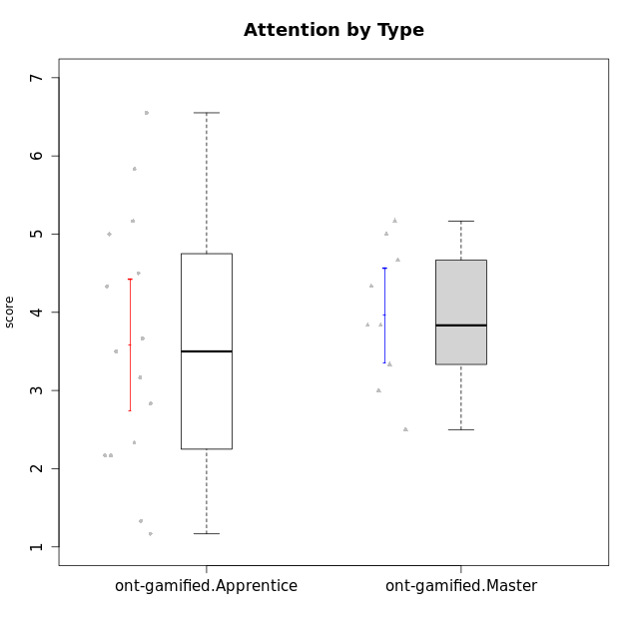

Student's t-Test data
UserID | NroUSP | Type | CLGroup | CLRole | PlayerRole | Interest/Enjoyment | Perceived Choice | Pressure/Tension | Effort/Importance | Intrinsic Motivation | Attention | Relevance | Satisfaction | Level of Motivation
10169 | 10377538 | ont-gamified | Resistance | Apprentice | Social Achiever | 5.7297 | 5.2 | 5.5 | 3.6666666667 | 4.5916666667 | 6.5514333333 | 5.5 | 7 | 5.8645384615
10171 | 698531 | ont-gamified | Mafia | Master | Social Achiever | 5.4826 | 6.2 | 1.75 | 6.9768 | 5.6972216667 | 5 | 6.25 | 5.3333333333 | 5.4615384615
10175 | 10310700 | ont-gamified | Warriors | Master | Social Achiever | 4 | 6.6 | 1 | 6 | 5.6972216667 | 5.1666666667 | 6.25 | 5.6666666667 | 5.6153846154
10176 | 10276949 | ont-gamified | Outlaws | Master | Social Achiever | 3.8333333333 | 3.4 | 4.5 | 3.6666666667 | 3.6 | 4.3333333333 | 4.5174 | 4 | 4.1538461538
10186 | 10310551 | ont-gamified | Slayers | Apprentice | Social Achiever | 3.8333333333 | 4.6 | 5 | 7 | 4.6083333333 | 3.5 | 5.5 | 6.3333333333 | 4.7692307692
10188 | 10276995 | ont-gamified | Vandals | Master | Yee Achiever | 3 | 6.2 | 1 | 5 | 5.3 | 3.3333333333 | 6.5 | 3 | 4.2307692308
10189 | 9363926 | ont-gamified | Vikings | Apprentice | Social Achiever | 2.2703 | 3.4 | 2 | 5.6666666667 | 4.2666666667 | 1.3333333333 | 3.75 | 2.6666666667 | 2.4431538462
10192 | 10276682 | ont-gamified | Attractive Devils | Apprentice | Social Achiever | 4 | 4.8 | 4.25 | 5.6666666667 | 4.5541666667 | 5.1666666667 | 4.5 | 6.6666666667 | 5.3076923077
10193 | 10276762 | ont-gamified | Vandals | Apprentice | Yee Achiever | 2.2703 | 7 | 2.75 | 5 | 4.6458333333 | 1.1666666667 | 6.7239 | 1.3681333333 | 2.9230769231
10198 | 10310888 | ont-gamified | Attractive Devils | Apprentice | Social Achiever | 4 | 3.6 | 4.25 | 5.6666666667 | 4.2541666667 | 5.8333333333 | 5.25 | 6.6666666667 | 5.8461538462
10200 | 9795272 | ont-gamified | Warriors | Apprentice | Social Achiever | 4.5 | 4.8 | 4.75 | 6.6666666667 | 4.8041666667 | 5 | 5.25 | 6 | 5.3076923077
10202 | 10277036 | ont-gamified | Silly Knights | Apprentice | Social Achiever | 3 | 5.2 | 3.5 | 5.6666666667 | 4.5916666667 | 3.1666666667 | 4.5 | 5 | 4
10203 | 9921470 | ont-gamified | Mercenaries | Apprentice | Social Achiever | 4.1666666667 | 6.4 | 3.25 | 7 | 5.1978933333 | 4.5 | 4 | 6.3333333333 | 4.7692307692
10208 | 10276932 | ont-gamified | Mercenaries | Master | Social Achiever | 3.8333333333 | 4.8 | 2.25 | 5.6666666667 | 5.0125 | 2.5 | 4.5174 | 4.3333333333 | 3.2307692308
10209 | 10262669 | ont-gamified | Mafia | Apprentice | Social Achiever | 2.3333333333 | 1.6348 | 1.7761 | 4.6666666667 | 3.7875 | 2.3333333333 | 4.25 | 2.3333333333 | 2.9230769231
10214 | 10277022 | ont-gamified | Vikings | Apprentice | Social Achiever | 2.2703 | 2.6 | 4 | 7 | 3.6916666667 | 2.1666666667 | 3.25 | 3.6666666667 | 2.8461538462
10215 | 9285227 | ont-gamified | Vikings | Master | Social Achiever | 4 | 5.4 | 2.5 | 4.3333333333 | 4.8083333333 | 3 | 6.25 | 2.3333333333 | 3.8461538462
10216 | 10276720 | ont-gamified | Silly Knights | Master | Social Achiever | 4.6666666667 | 5.8 | 1 | 5.6666666667 | 5.6972216667 | 3.8333333333 | 6 | 5.3333333333 | 4.8461538462
10221 | 9082496 | ont-gamified | Warriors | Apprentice | Social Achiever | 2.6666666667 | 3 | 3.25 | 5.3333333333 | 3.9375 | 2.8333333333 | 2.5261 | 4 | 3
10223 | 9795185 | ont-gamified | Slayers | Master | Social Achiever | 5 | 4.2 | 3.5 | 4.3333333333 | 4.5083333333 | 3.8333333333 | 5 | 4.3333333333 | 4.3076923077
10224 | 9368772 | ont-gamified | Mercenaries | Apprentice | Social Achiever | 4 | 3.6 | 4.75 | 4 | 3.7125 | 4.3333333333 | 4.5 | 5 | 4.5384615385
10228 | 10310492 | ont-gamified | Resistance | Apprentice | Social Achiever | 2.2703 | 6.4 | 3.5 | 5 | 4.3083333333 | 2.1666666667 | 4.75 | 4 | 3.3846153846
10230 | 10351992 | ont-gamified | Resistance | Master | Social Achiever | 4.5 | 4 | 4 | 4.6666666667 | 4.2916666667 | 4.6666666667 | 4.75 | 4 | 4.5384615385
10237 | 10377688 | ont-gamified | Outlaws | Apprentice | Social Achiever | 4 | 4.2 | 4.75 | 4.6666666667 | 4.0291666667 | 3.6666666667 | 4.5 | 4.3333333333 | 4.0769230769

Type_CLRole_2
Student's t-Test for Attention by Type in Type:CLRole between ont-gamified.Apprentice:w/o-gamified.Apprentice

Student's t-Test results
Alternative hypothesis: less
Group | N | Mean | Mean.Difference | Std.deviation | Std.error | CI.lower | CI.upper | df | t.value | p.value | g | magnitude
ont-gamified.Apprentice | 15 | 3.5812066667 | -0.43384461538 | 1.6260794899 | 0.41985191892 | 2.7415028288 | 4.4209105045 | 24.971207534 | -0.82643524366 | 0.208192137 | -0.2963903263 | small
w/o-gamified.Apprentice | 13 | 4.0150512821 | 0.43384461538 | 1.1362139197 | 0.31512904209 | 3.3847931979 | 4.6453093662 | 24.971207534 | -0.82643524366 | 0.208192137 | -0.2963903263 | small
Alternative hypothesis: greater
Group | N | Mean | Mean.Difference | Std.deviation | Std.error | CI.lower | CI.upper | df | t.value | p.value | g | magnitude
ont-gamified.Apprentice | 15 | 3.5812066667 | -0.43384461538 | 1.6260794899 | 0.41985191892 | 2.7415028288 | 4.4209105045 | 24.971207534 | -0.82643524366 | 0.791807863 | -0.2963903263 | small
w/o-gamified.Apprentice | 13 | 4.0150512821 | 0.43384461538 | 1.1362139197 | 0.31512904209 | 3.3847931979 | 4.6453093662 | 24.971207534 | -0.82643524366 | 0.791807863 | -0.2963903263 | small
Alternative hypothesis: two.sided
Group | N | Mean | Mean.Difference | Std.deviation | Std.error | CI.lower | CI.upper | df | t.value | p.value | g | magnitude
ont-gamified.Apprentice | 15 | 3.5812066667 | -0.43384461538 | 1.6260794899 | 0.41985191892 | 2.7415028288 | 4.4209105045 | 24.971207534 | -0.82643524366 | 0.416384274 | -0.2963903263 | small
w/o-gamified.Apprentice | 13 | 4.0150512821 | 0.43384461538 | 1.1362139197 | 0.31512904209 | 3.3847931979 | 4.6453093662 | 24.971207534 | -0.82643524366 | 0.416384274 | -0.2963903263 | small

Box plots for Student's t-Test
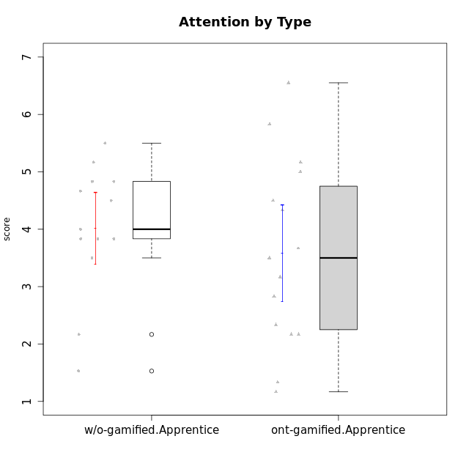

Student's t-Test data
UserID | NroUSP | Type | CLGroup | CLRole | PlayerRole | Interest/Enjoyment | Perceived Choice | Pressure/Tension | Effort/Importance | Intrinsic Motivation | Attention | Relevance | Satisfaction | Level of Motivation
10169 | 10377538 | ont-gamified | Resistance | Apprentice | Social Achiever | 5.7297 | 5.2 | 5.5 | 3.6666666667 | 4.5916666667 | 6.5514333333 | 5.5 | 7 | 5.8645384615
10170 | 10260351 | w/o-gamified | Grupo11 | Apprentice |  | 4.1666666667 | 5.8 | 2.5 | 4.6666666667 | 5.0333333333 | 4.6666666667 | 5.25 | 4.3333333333 | 4.7692307692
10183 | 10352030 | w/o-gamified | Grupo3 | Apprentice |  | 2.8333333333 | 4.4 | 4.75 | 3.6666666667 | 3.5375 | 2.1666666667 | 3 | 2.6666666667 | 2.7852923077
10184 | 10276675 | w/o-gamified | Grupo10 | Apprentice |  | 3.8333333333 | 4 | 3.75 | 3.6666666667 | 3.9375 | 3.8333333333 | 4.75 | 4.6666666667 | 4.3076923077
10185 | 10276960 | w/o-gamified | Grupo9 | Apprentice |  | 4.8333333333 | 3.4 | 4.25 | 4.3333333333 | 4.0791666667 | 3.8333333333 | 3.5 | 4.6666666667 | 3.9230769231
10186 | 10310551 | ont-gamified | Slayers | Apprentice | Social Achiever | 3.8333333333 | 4.6 | 5 | 7 | 4.6083333333 | 3.5 | 5.5 | 6.3333333333 | 4.7692307692
10189 | 9363926 | ont-gamified | Vikings | Apprentice | Social Achiever | 2.2703 | 3.4 | 2 | 5.6666666667 | 4.2666666667 | 1.3333333333 | 3.75 | 2.6666666667 | 2.4431538462
10192 | 10276682 | ont-gamified | Attractive Devils | Apprentice | Social Achiever | 4 | 4.8 | 4.25 | 5.6666666667 | 4.5541666667 | 5.1666666667 | 4.5 | 6.6666666667 | 5.3076923077
10193 | 10276762 | ont-gamified | Vandals | Apprentice | Yee Achiever | 2.2703 | 7 | 2.75 | 5 | 4.6458333333 | 1.1666666667 | 6.7239 | 1.3681333333 | 2.9230769231
10197 | 10276661 | w/o-gamified | Grupo8 | Apprentice |  | 3.5 | 5 | 3.5 | 4.6666666667 | 4.4166666667 | 5.1666666667 | 5 | 3.3333333333 | 4.6923076923
10198 | 10310888 | ont-gamified | Attractive Devils | Apprentice | Social Achiever | 4 | 3.6 | 4.25 | 5.6666666667 | 4.2541666667 | 5.8333333333 | 5.25 | 6.6666666667 | 5.8461538462
10199 | 10276737 | w/o-gamified | Grupo1 | Apprentice |  | 3 | 3.8 | 3.25 | 4 | 3.8875 | 3.5 | 4.5 | 4.6666666667 | 4.0769230769
10200 | 9795272 | ont-gamified | Warriors | Apprentice | Social Achiever | 4.5 | 4.8 | 4.75 | 6.6666666667 | 4.8041666667 | 5 | 5.25 | 6 | 5.3076923077
10201 | 10276928 | w/o-gamified | Grupo11 | Apprentice |  | 5.1666666667 | 4.2 | 3 | 5 | 4.8416666667 | 4.8333333333 | 3.5 | 5.6666666667 | 4.6153846154
10202 | 10277036 | ont-gamified | Silly Knights | Apprentice | Social Achiever | 3 | 5.2 | 3.5 | 5.6666666667 | 4.5916666667 | 3.1666666667 | 4.5 | 5 | 4
10203 | 9921470 | ont-gamified | Mercenaries | Apprentice | Social Achiever | 4.1666666667 | 6.4 | 3.25 | 7 | 5.1978933333 | 4.5 | 4 | 6.3333333333 | 4.7692307692
10206 | 10310721 | w/o-gamified | Grupo8 | Apprentice |  | 3.6666666667 | 5.6 | 3 | 5.6666666667 | 4.9833333333 | 4.5 | 4.75 | 5.3333333333 | 4.7692307692
10209 | 10262669 | ont-gamified | Mafia | Apprentice | Social Achiever | 2.3333333333 | 1.6348 | 1.7761 | 4.6666666667 | 3.7875 | 2.3333333333 | 4.25 | 2.3333333333 | 2.9230769231
10213 | 10277040 | w/o-gamified | Grupo7 | Apprentice |  | 3.8333333333 | 1.42784 | 3.75 | 6.3101333333 | 4.1208333333 | 5.5 | 6.7239 | 6 | 5.5224
10214 | 10277022 | ont-gamified | Vikings | Apprentice | Social Achiever | 2.2703 | 2.6 | 4 | 7 | 3.6916666667 | 2.1666666667 | 3.25 | 3.6666666667 | 2.8461538462
10217 | 9805341 | w/o-gamified | Grupo9 | Apprentice |  | 4.3333333333 | 4.2 | 1.5261 | 4 | 4.8833333333 | 3.8333333333 | 5 | 4 | 4.2307692308
10218 | 9842913 | w/o-gamified | Grupo10 | Apprentice |  | 4 | 3.6 | 4 | 4 | 3.9 | 4 | 4.5 | 3.3333333333 | 4
10220 | 9760151 | w/o-gamified | Grupo3 | Apprentice |  | 2.5 | 6.17216 | 1.5261 | 6 | 5.475 | 1.529 | 6.25 | 6 | 4
10221 | 9082496 | ont-gamified | Warriors | Apprentice | Social Achiever | 2.6666666667 | 3 | 3.25 | 5.3333333333 | 3.9375 | 2.8333333333 | 2.5261 | 4 | 3
10224 | 9368772 | ont-gamified | Mercenaries | Apprentice | Social Achiever | 4 | 3.6 | 4.75 | 4 | 3.7125 | 4.3333333333 | 4.5 | 5 | 4.5384615385
10228 | 10310492 | ont-gamified | Resistance | Apprentice | Social Achiever | 2.2703 | 6.4 | 3.5 | 5 | 4.3083333333 | 2.1666666667 | 4.75 | 4 | 3.3846153846
10232 | 10276974 | w/o-gamified | Grupo7 | Apprentice |  | 4.5 | 4.6 | 2.75 | 6.3101333333 | 5.1708333333 | 4.8333333333 | 5.75 | 5.6666666667 | 5.3076923077
10237 | 10377688 | ont-gamified | Outlaws | Apprentice | Social Achiever | 4 | 4.2 | 4.75 | 4.6666666667 | 4.0291666667 | 3.6666666667 | 4.5 | 4.3333333333 | 4.0769230769

Type_CLRole_3
Student's t-Test for Attention by Type in Type:CLRole between ont-gamified.Apprentice:w/o-gamified.Master

Student's t-Test results
Alternative hypothesis: less
Group | N | Mean | Mean.Difference | Std.deviation | Std.error | CI.lower | CI.upper | df | t.value | p.value | g | magnitude
ont-gamified.Apprentice | 15 | 3.5812066667 | -0.33546 | 1.6260794899 | 0.41985191892 | 2.7415028288 | 4.4209105045 | 11.837862588 | -0.50173303654 | 0.31252804194 | -0.20893231289 | small
w/o-gamified.Master | 6 | 3.9166666667 | 0.33546 | 1.2745676184 | 0.52034005128 | 2.8759865641 | 4.9573467692 | 11.837862588 | -0.50173303654 | 0.31252804194 | -0.20893231289 | small
Alternative hypothesis: greater
Group | N | Mean | Mean.Difference | Std.deviation | Std.error | CI.lower | CI.upper | df | t.value | p.value | g | magnitude
ont-gamified.Apprentice | 15 | 3.5812066667 | -0.33546 | 1.6260794899 | 0.41985191892 | 2.7415028288 | 4.4209105045 | 11.837862588 | -0.50173303654 | 0.68747195806 | -0.20893231289 | small
w/o-gamified.Master | 6 | 3.9166666667 | 0.33546 | 1.2745676184 | 0.52034005128 | 2.8759865641 | 4.9573467692 | 11.837862588 | -0.50173303654 | 0.68747195806 | -0.20893231289 | small
Alternative hypothesis: two.sided
Group | N | Mean | Mean.Difference | Std.deviation | Std.error | CI.lower | CI.upper | df | t.value | p.value | g | magnitude
ont-gamified.Apprentice | 15 | 3.5812066667 | -0.33546 | 1.6260794899 | 0.41985191892 | 2.7415028288 | 4.4209105045 | 11.837862588 | -0.50173303654 | 0.62505608389 | -0.20893231289 | small
w/o-gamified.Master | 6 | 3.9166666667 | 0.33546 | 1.2745676184 | 0.52034005128 | 2.8759865641 | 4.9573467692 | 11.837862588 | -0.50173303654 | 0.62505608389 | -0.20893231289 | small

Box plots for Student's t-Test
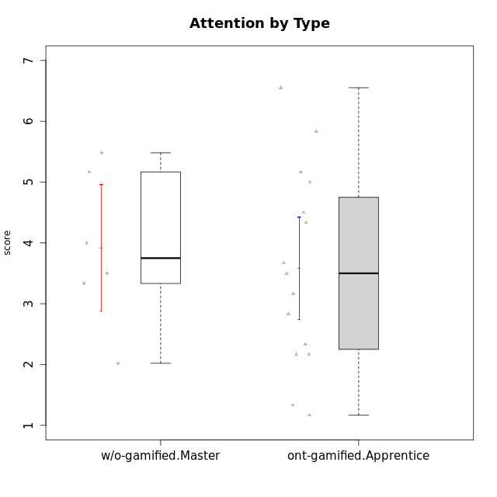

Student's t-Test data
UserID | NroUSP | Type | CLGroup | CLRole | PlayerRole | Interest/Enjoyment | Perceived Choice | Pressure/Tension | Effort/Importance | Intrinsic Motivation | Attention | Relevance | Satisfaction | Level of Motivation
10169 | 10377538 | ont-gamified | Resistance | Apprentice | Social Achiever | 5.7297 | 5.2 | 5.5 | 3.6666666667 | 4.5916666667 | 6.5514333333 | 5.5 | 7 | 5.8645384615
10174 | 10276852 | w/o-gamified | Grupo7 | Master |  | 4.5 | 4.2 | 3.9739 | 4.3333333333 | 4.1958333333 | 5.1666666667 | 3.5 | 5 | 4.6153846154
10179 | 10310759 | w/o-gamified | Grupo10 | Master |  | 3.6666666667 | 2.6 | 1.25 | 6.3101333333 | 4.8375 | 3.5 | 5.25 | 4 | 4.1538461538
10186 | 10310551 | ont-gamified | Slayers | Apprentice | Social Achiever | 3.8333333333 | 4.6 | 5 | 7 | 4.6083333333 | 3.5 | 5.5 | 6.3333333333 | 4.7692307692
10189 | 9363926 | ont-gamified | Vikings | Apprentice | Social Achiever | 2.2703 | 3.4 | 2 | 5.6666666667 | 4.2666666667 | 1.3333333333 | 3.75 | 2.6666666667 | 2.4431538462
10191 | 10276981 | w/o-gamified | Grupo1 | Master |  | 2.3333333333 | 3.2 | 1 | 4.6666666667 | 4.3 | 3.3333333333 | 4.25 | 4.3333333333 | 3.8461538462
10192 | 10276682 | ont-gamified | Attractive Devils | Apprentice | Social Achiever | 4 | 4.8 | 4.25 | 5.6666666667 | 4.5541666667 | 5.1666666667 | 4.5 | 6.6666666667 | 5.3076923077
10193 | 10276762 | ont-gamified | Vandals | Apprentice | Yee Achiever | 2.2703 | 7 | 2.75 | 5 | 4.6458333333 | 1.1666666667 | 6.7239 | 1.3681333333 | 2.9230769231
10198 | 10310888 | ont-gamified | Attractive Devils | Apprentice | Social Achiever | 4 | 3.6 | 4.25 | 5.6666666667 | 4.2541666667 | 5.8333333333 | 5.25 | 6.6666666667 | 5.8461538462
10200 | 9795272 | ont-gamified | Warriors | Apprentice | Social Achiever | 4.5 | 4.8 | 4.75 | 6.6666666667 | 4.8041666667 | 5 | 5.25 | 6 | 5.3076923077
10202 | 10277036 | ont-gamified | Silly Knights | Apprentice | Social Achiever | 3 | 5.2 | 3.5 | 5.6666666667 | 4.5916666667 | 3.1666666667 | 4.5 | 5 | 4
10203 | 9921470 | ont-gamified | Mercenaries | Apprentice | Social Achiever | 4.1666666667 | 6.4 | 3.25 | 7 | 5.1978933333 | 4.5 | 4 | 6.3333333333 | 4.7692307692
10209 | 10262669 | ont-gamified | Mafia | Apprentice | Social Achiever | 2.3333333333 | 1.6348 | 1.7761 | 4.6666666667 | 3.7875 | 2.3333333333 | 4.25 | 2.3333333333 | 2.9230769231
10214 | 10277022 | ont-gamified | Vikings | Apprentice | Social Achiever | 2.2703 | 2.6 | 4 | 7 | 3.6916666667 | 2.1666666667 | 3.25 | 3.6666666667 | 2.8461538462
10219 | 10276831 | w/o-gamified | Grupo3 | Master |  | 1.8565333333 | 3.2 | 1 | 2.3565333333 | 3.5916666667 | 2.0203 | 3.5 | 1.3681333333 | 3.0133846154
10221 | 9082496 | ont-gamified | Warriors | Apprentice | Social Achiever | 2.6666666667 | 3 | 3.25 | 5.3333333333 | 3.9375 | 2.8333333333 | 2.5261 | 4 | 3
10224 | 9368772 | ont-gamified | Mercenaries | Apprentice | Social Achiever | 4 | 3.6 | 4.75 | 4 | 3.7125 | 4.3333333333 | 4.5 | 5 | 4.5384615385
10227 | 9274382 | w/o-gamified | Grupo5 | Master |  | 4.3333333333 | 4.6 | 3.75 | 4 | 4.2958333333 | 5.4797 | 5 | 6 | 5.2943076923
10228 | 10310492 | ont-gamified | Resistance | Apprentice | Social Achiever | 2.2703 | 6.4 | 3.5 | 5 | 4.3083333333 | 2.1666666667 | 4.75 | 4 | 3.3846153846
10231 | 10276911 | w/o-gamified | Grupo9 | Master |  | 4.5 | 5.57216 | 1 | 3.6666666667 | 5.3916666667 | 4 | 4.5 | 5.3333333333 | 4.4615384615
10237 | 10377688 | ont-gamified | Outlaws | Apprentice | Social Achiever | 4 | 4.2 | 4.75 | 4.6666666667 | 4.0291666667 | 3.6666666667 | 4.5 | 4.3333333333 | 4.0769230769

Type_CLRole_4
Student's t-Test for Attention by Type in Type:CLRole between ont-gamified.Master:w/o-gamified.Apprentice

Student's t-Test results
Alternative hypothesis: less
Group | N | Mean | Mean.Difference | Std.deviation | Std.error | CI.lower | CI.upper | df | t.value | p.value | g | magnitude
ont-gamified.Master | 9 | 3.962962963 | -0.052088319088 | 0.91202528663 | 0.30400842888 | 3.3549461052 | 4.5709798207 | 19.454364063 | -0.1189592475 | 0.45326372125 | -0.047620412825 | negligible
w/o-gamified.Apprentice | 13 | 4.0150512821 | 0.052088319088 | 1.1362139197 | 0.31512904209 | 3.3847931979 | 4.6453093662 | 19.454364063 | -0.1189592475 | 0.45326372125 | -0.047620412825 | negligible
Alternative hypothesis: greater
Group | N | Mean | Mean.Difference | Std.deviation | Std.error | CI.lower | CI.upper | df | t.value | p.value | g | magnitude
ont-gamified.Master | 9 | 3.962962963 | -0.052088319088 | 0.91202528663 | 0.30400842888 | 3.3549461052 | 4.5709798207 | 19.454364063 | -0.1189592475 | 0.54673627875 | -0.047620412825 | negligible
w/o-gamified.Apprentice | 13 | 4.0150512821 | 0.052088319088 | 1.1362139197 | 0.31512904209 | 3.3847931979 | 4.6453093662 | 19.454364063 | -0.1189592475 | 0.54673627875 | -0.047620412825 | negligible
Alternative hypothesis: two.sided
Group | N | Mean | Mean.Difference | Std.deviation | Std.error | CI.lower | CI.upper | df | t.value | p.value | g | magnitude
ont-gamified.Master | 9 | 3.962962963 | -0.052088319088 | 0.91202528663 | 0.30400842888 | 3.3549461052 | 4.5709798207 | 19.454364063 | -0.1189592475 | 0.90652744251 | -0.047620412825 | negligible
w/o-gamified.Apprentice | 13 | 4.0150512821 | 0.052088319088 | 1.1362139197 | 0.31512904209 | 3.3847931979 | 4.6453093662 | 19.454364063 | -0.1189592475 | 0.90652744251 | -0.047620412825 | negligible

Box plots for Student's t-Test
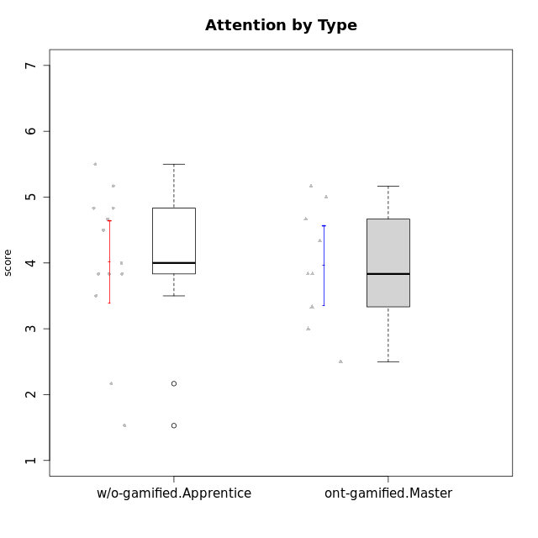

Student's t-Test data
UserID | NroUSP | Type | CLGroup | CLRole | PlayerRole | Interest/Enjoyment | Perceived Choice | Pressure/Tension | Effort/Importance | Intrinsic Motivation | Attention | Relevance | Satisfaction | Level of Motivation
10170 | 10260351 | w/o-gamified | Grupo11 | Apprentice |  | 4.1666666667 | 5.8 | 2.5 | 4.6666666667 | 5.0333333333 | 4.6666666667 | 5.25 | 4.3333333333 | 4.7692307692
10171 | 698531 | ont-gamified | Mafia | Master | Social Achiever | 5.4826 | 6.2 | 1.75 | 6.9768 | 5.6972216667 | 5 | 6.25 | 5.3333333333 | 5.4615384615
10175 | 10310700 | ont-gamified | Warriors | Master | Social Achiever | 4 | 6.6 | 1 | 6 | 5.6972216667 | 5.1666666667 | 6.25 | 5.6666666667 | 5.6153846154
10176 | 10276949 | ont-gamified | Outlaws | Master | Social Achiever | 3.8333333333 | 3.4 | 4.5 | 3.6666666667 | 3.6 | 4.3333333333 | 4.5174 | 4 | 4.1538461538
10183 | 10352030 | w/o-gamified | Grupo3 | Apprentice |  | 2.8333333333 | 4.4 | 4.75 | 3.6666666667 | 3.5375 | 2.1666666667 | 3 | 2.6666666667 | 2.7852923077
10184 | 10276675 | w/o-gamified | Grupo10 | Apprentice |  | 3.8333333333 | 4 | 3.75 | 3.6666666667 | 3.9375 | 3.8333333333 | 4.75 | 4.6666666667 | 4.3076923077
10185 | 10276960 | w/o-gamified | Grupo9 | Apprentice |  | 4.8333333333 | 3.4 | 4.25 | 4.3333333333 | 4.0791666667 | 3.8333333333 | 3.5 | 4.6666666667 | 3.9230769231
10188 | 10276995 | ont-gamified | Vandals | Master | Yee Achiever | 3 | 6.2 | 1 | 5 | 5.3 | 3.3333333333 | 6.5 | 3 | 4.2307692308
10197 | 10276661 | w/o-gamified | Grupo8 | Apprentice |  | 3.5 | 5 | 3.5 | 4.6666666667 | 4.4166666667 | 5.1666666667 | 5 | 3.3333333333 | 4.6923076923
10199 | 10276737 | w/o-gamified | Grupo1 | Apprentice |  | 3 | 3.8 | 3.25 | 4 | 3.8875 | 3.5 | 4.5 | 4.6666666667 | 4.0769230769
10201 | 10276928 | w/o-gamified | Grupo11 | Apprentice |  | 5.1666666667 | 4.2 | 3 | 5 | 4.8416666667 | 4.8333333333 | 3.5 | 5.6666666667 | 4.6153846154
10206 | 10310721 | w/o-gamified | Grupo8 | Apprentice |  | 3.6666666667 | 5.6 | 3 | 5.6666666667 | 4.9833333333 | 4.5 | 4.75 | 5.3333333333 | 4.7692307692
10208 | 10276932 | ont-gamified | Mercenaries | Master | Social Achiever | 3.8333333333 | 4.8 | 2.25 | 5.6666666667 | 5.0125 | 2.5 | 4.5174 | 4.3333333333 | 3.2307692308
10213 | 10277040 | w/o-gamified | Grupo7 | Apprentice |  | 3.8333333333 | 1.42784 | 3.75 | 6.3101333333 | 4.1208333333 | 5.5 | 6.7239 | 6 | 5.5224
10215 | 9285227 | ont-gamified | Vikings | Master | Social Achiever | 4 | 5.4 | 2.5 | 4.3333333333 | 4.8083333333 | 3 | 6.25 | 2.3333333333 | 3.8461538462
10216 | 10276720 | ont-gamified | Silly Knights | Master | Social Achiever | 4.6666666667 | 5.8 | 1 | 5.6666666667 | 5.6972216667 | 3.8333333333 | 6 | 5.3333333333 | 4.8461538462
10217 | 9805341 | w/o-gamified | Grupo9 | Apprentice |  | 4.3333333333 | 4.2 | 1.5261 | 4 | 4.8833333333 | 3.8333333333 | 5 | 4 | 4.2307692308
10218 | 9842913 | w/o-gamified | Grupo10 | Apprentice |  | 4 | 3.6 | 4 | 4 | 3.9 | 4 | 4.5 | 3.3333333333 | 4
10220 | 9760151 | w/o-gamified | Grupo3 | Apprentice |  | 2.5 | 6.17216 | 1.5261 | 6 | 5.475 | 1.529 | 6.25 | 6 | 4
10223 | 9795185 | ont-gamified | Slayers | Master | Social Achiever | 5 | 4.2 | 3.5 | 4.3333333333 | 4.5083333333 | 3.8333333333 | 5 | 4.3333333333 | 4.3076923077
10230 | 10351992 | ont-gamified | Resistance | Master | Social Achiever | 4.5 | 4 | 4 | 4.6666666667 | 4.2916666667 | 4.6666666667 | 4.75 | 4 | 4.5384615385
10232 | 10276974 | w/o-gamified | Grupo7 | Apprentice |  | 4.5 | 4.6 | 2.75 | 6.3101333333 | 5.1708333333 | 4.8333333333 | 5.75 | 5.6666666667 | 5.3076923077

Type_CLRole_5
Student's t-Test for Attention by Type in Type:CLRole between ont-gamified.Master:w/o-gamified.Master

Student's t-Test results
Alternative hypothesis: less
Group | N | Mean | Mean.Difference | Std.deviation | Std.error | CI.lower | CI.upper | df | t.value | p.value | g | magnitude
ont-gamified.Master | 9 | 3.962962963 | 0.046296296296 | 0.91202528663 | 0.30400842888 | 3.3549461052 | 4.5709798207 | 8.385408199 | 0.076822482955 | 0.52971685596 | 0.040869264182 | negligible
w/o-gamified.Master | 6 | 3.9166666667 | -0.046296296296 | 1.2745676184 | 0.52034005128 | 2.8759865641 | 4.9573467692 | 8.385408199 | 0.076822482955 | 0.52971685596 | 0.040869264182 | negligible
Alternative hypothesis: greater
Group | N | Mean | Mean.Difference | Std.deviation | Std.error | CI.lower | CI.upper | df | t.value | p.value | g | magnitude
ont-gamified.Master | 9 | 3.962962963 | 0.046296296296 | 0.91202528663 | 0.30400842888 | 3.3549461052 | 4.5709798207 | 8.385408199 | 0.076822482955 | 0.47028314404 | 0.040869264182 | negligible
w/o-gamified.Master | 6 | 3.9166666667 | -0.046296296296 | 1.2745676184 | 0.52034005128 | 2.8759865641 | 4.9573467692 | 8.385408199 | 0.076822482955 | 0.47028314404 | 0.040869264182 | negligible
Alternative hypothesis: two.sided
Group | N | Mean | Mean.Difference | Std.deviation | Std.error | CI.lower | CI.upper | df | t.value | p.value | g | magnitude
ont-gamified.Master | 9 | 3.962962963 | 0.046296296296 | 0.91202528663 | 0.30400842888 | 3.3549461052 | 4.5709798207 | 8.385408199 | 0.076822482955 | 0.94056628807 | 0.040869264182 | negligible
w/o-gamified.Master | 6 | 3.9166666667 | -0.046296296296 | 1.2745676184 | 0.52034005128 | 2.8759865641 | 4.9573467692 | 8.385408199 | 0.076822482955 | 0.94056628807 | 0.040869264182 | negligible

Box plots for Student's t-Test
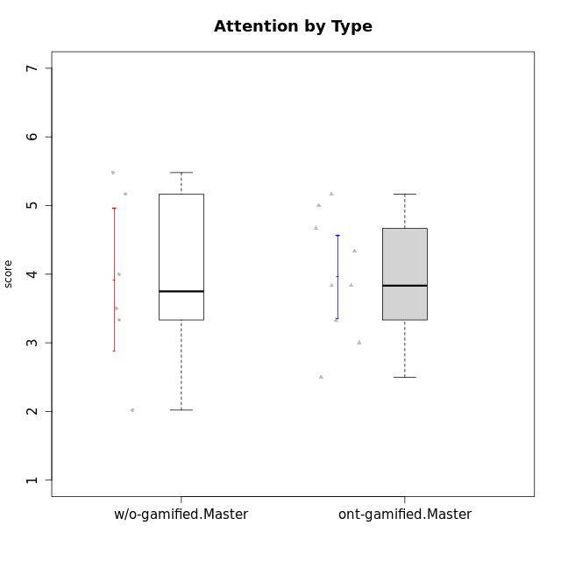

Student's t-Test data
UserID | NroUSP | Type | CLGroup | CLRole | PlayerRole | Interest/Enjoyment | Perceived Choice | Pressure/Tension | Effort/Importance | Intrinsic Motivation | Attention | Relevance | Satisfaction | Level of Motivation
10171 | 698531 | ont-gamified | Mafia | Master | Social Achiever | 5.4826 | 6.2 | 1.75 | 6.9768 | 5.6972216667 | 5 | 6.25 | 5.3333333333 | 5.4615384615
10174 | 10276852 | w/o-gamified | Grupo7 | Master |  | 4.5 | 4.2 | 3.9739 | 4.3333333333 | 4.1958333333 | 5.1666666667 | 3.5 | 5 | 4.6153846154
10175 | 10310700 | ont-gamified | Warriors | Master | Social Achiever | 4 | 6.6 | 1 | 6 | 5.6972216667 | 5.1666666667 | 6.25 | 5.6666666667 | 5.6153846154
10176 | 10276949 | ont-gamified | Outlaws | Master | Social Achiever | 3.8333333333 | 3.4 | 4.5 | 3.6666666667 | 3.6 | 4.3333333333 | 4.5174 | 4 | 4.1538461538
10179 | 10310759 | w/o-gamified | Grupo10 | Master |  | 3.6666666667 | 2.6 | 1.25 | 6.3101333333 | 4.8375 | 3.5 | 5.25 | 4 | 4.1538461538
10188 | 10276995 | ont-gamified | Vandals | Master | Yee Achiever | 3 | 6.2 | 1 | 5 | 5.3 | 3.3333333333 | 6.5 | 3 | 4.2307692308
10191 | 10276981 | w/o-gamified | Grupo1 | Master |  | 2.3333333333 | 3.2 | 1 | 4.6666666667 | 4.3 | 3.3333333333 | 4.25 | 4.3333333333 | 3.8461538462
10208 | 10276932 | ont-gamified | Mercenaries | Master | Social Achiever | 3.8333333333 | 4.8 | 2.25 | 5.6666666667 | 5.0125 | 2.5 | 4.5174 | 4.3333333333 | 3.2307692308
10215 | 9285227 | ont-gamified | Vikings | Master | Social Achiever | 4 | 5.4 | 2.5 | 4.3333333333 | 4.8083333333 | 3 | 6.25 | 2.3333333333 | 3.8461538462
10216 | 10276720 | ont-gamified | Silly Knights | Master | Social Achiever | 4.6666666667 | 5.8 | 1 | 5.6666666667 | 5.6972216667 | 3.8333333333 | 6 | 5.3333333333 | 4.8461538462
10219 | 10276831 | w/o-gamified | Grupo3 | Master |  | 1.8565333333 | 3.2 | 1 | 2.3565333333 | 3.5916666667 | 2.0203 | 3.5 | 1.3681333333 | 3.0133846154
10223 | 9795185 | ont-gamified | Slayers | Master | Social Achiever | 5 | 4.2 | 3.5 | 4.3333333333 | 4.5083333333 | 3.8333333333 | 5 | 4.3333333333 | 4.3076923077
10227 | 9274382 | w/o-gamified | Grupo5 | Master |  | 4.3333333333 | 4.6 | 3.75 | 4 | 4.2958333333 | 5.4797 | 5 | 6 | 5.2943076923
10230 | 10351992 | ont-gamified | Resistance | Master | Social Achiever | 4.5 | 4 | 4 | 4.6666666667 | 4.2916666667 | 4.6666666667 | 4.75 | 4 | 4.5384615385
10231 | 10276911 | w/o-gamified | Grupo9 | Master |  | 4.5 | 5.57216 | 1 | 3.6666666667 | 5.3916666667 | 4 | 4.5 | 5.3333333333 | 4.4615384615

Type_CLRole_6
Student's t-Test for Attention by Type in Type:CLRole between w/o-gamified.Apprentice:w/o-gamified.Master

Student's t-Test results
Alternative hypothesis: less
Group | N | Mean | Mean.Difference | Std.deviation | Std.error | CI.lower | CI.upper | df | t.value | p.value | g | magnitude
w/o-gamified.Apprentice | 13 | 4.0150512821 | 0.098384615385 | 1.1362139197 | 0.31512904209 | 3.3847931979 | 4.6453093662 | 8.8446374774 | 0.16173018068 | 0.56242375112 | 0.079738559462 | negligible
w/o-gamified.Master | 6 | 3.9166666667 | -0.098384615385 | 1.2745676184 | 0.52034005128 | 2.8759865641 | 4.9573467692 | 8.8446374774 | 0.16173018068 | 0.56242375112 | 0.079738559462 | negligible
Alternative hypothesis: greater
Group | N | Mean | Mean.Difference | Std.deviation | Std.error | CI.lower | CI.upper | df | t.value | p.value | g | magnitude
w/o-gamified.Apprentice | 13 | 4.0150512821 | 0.098384615385 | 1.1362139197 | 0.31512904209 | 3.3847931979 | 4.6453093662 | 8.8446374774 | 0.16173018068 | 0.43757624888 | 0.079738559462 | negligible
w/o-gamified.Master | 6 | 3.9166666667 | -0.098384615385 | 1.2745676184 | 0.52034005128 | 2.8759865641 | 4.9573467692 | 8.8446374774 | 0.16173018068 | 0.43757624888 | 0.079738559462 | negligible
Alternative hypothesis: two.sided
Group | N | Mean | Mean.Difference | Std.deviation | Std.error | CI.lower | CI.upper | df | t.value | p.value | g | magnitude
w/o-gamified.Apprentice | 13 | 4.0150512821 | 0.098384615385 | 1.1362139197 | 0.31512904209 | 3.3847931979 | 4.6453093662 | 8.8446374774 | 0.16173018068 | 0.87515249776 | 0.079738559462 | negligible
w/o-gamified.Master | 6 | 3.9166666667 | -0.098384615385 | 1.2745676184 | 0.52034005128 | 2.8759865641 | 4.9573467692 | 8.8446374774 | 0.16173018068 | 0.87515249776 | 0.079738559462 | negligible

Box plots for Student's t-Test
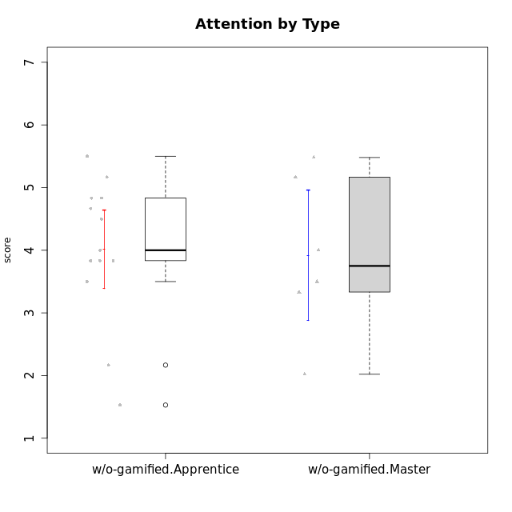

Student's t-Test data
UserID | NroUSP | Type | CLGroup | CLRole | PlayerRole | Interest/Enjoyment | Perceived Choice | Pressure/Tension | Effort/Importance | Intrinsic Motivation | Attention | Relevance | Satisfaction | Level of Motivation
10170 | 10260351 | w/o-gamified | Grupo11 | Apprentice |  | 4.1666666667 | 5.8 | 2.5 | 4.6666666667 | 5.0333333333 | 4.6666666667 | 5.25 | 4.3333333333 | 4.7692307692
10174 | 10276852 | w/o-gamified | Grupo7 | Master |  | 4.5 | 4.2 | 3.9739 | 4.3333333333 | 4.1958333333 | 5.1666666667 | 3.5 | 5 | 4.6153846154
10179 | 10310759 | w/o-gamified | Grupo10 | Master |  | 3.6666666667 | 2.6 | 1.25 | 6.3101333333 | 4.8375 | 3.5 | 5.25 | 4 | 4.1538461538
10183 | 10352030 | w/o-gamified | Grupo3 | Apprentice |  | 2.8333333333 | 4.4 | 4.75 | 3.6666666667 | 3.5375 | 2.1666666667 | 3 | 2.6666666667 | 2.7852923077
10184 | 10276675 | w/o-gamified | Grupo10 | Apprentice |  | 3.8333333333 | 4 | 3.75 | 3.6666666667 | 3.9375 | 3.8333333333 | 4.75 | 4.6666666667 | 4.3076923077
10185 | 10276960 | w/o-gamified | Grupo9 | Apprentice |  | 4.8333333333 | 3.4 | 4.25 | 4.3333333333 | 4.0791666667 | 3.8333333333 | 3.5 | 4.6666666667 | 3.9230769231
10191 | 10276981 | w/o-gamified | Grupo1 | Master |  | 2.3333333333 | 3.2 | 1 | 4.6666666667 | 4.3 | 3.3333333333 | 4.25 | 4.3333333333 | 3.8461538462
10197 | 10276661 | w/o-gamified | Grupo8 | Apprentice |  | 3.5 | 5 | 3.5 | 4.6666666667 | 4.4166666667 | 5.1666666667 | 5 | 3.3333333333 | 4.6923076923
10199 | 10276737 | w/o-gamified | Grupo1 | Apprentice |  | 3 | 3.8 | 3.25 | 4 | 3.8875 | 3.5 | 4.5 | 4.6666666667 | 4.0769230769
10201 | 10276928 | w/o-gamified | Grupo11 | Apprentice |  | 5.1666666667 | 4.2 | 3 | 5 | 4.8416666667 | 4.8333333333 | 3.5 | 5.6666666667 | 4.6153846154
10206 | 10310721 | w/o-gamified | Grupo8 | Apprentice |  | 3.6666666667 | 5.6 | 3 | 5.6666666667 | 4.9833333333 | 4.5 | 4.75 | 5.3333333333 | 4.7692307692
10213 | 10277040 | w/o-gamified | Grupo7 | Apprentice |  | 3.8333333333 | 1.42784 | 3.75 | 6.3101333333 | 4.1208333333 | 5.5 | 6.7239 | 6 | 5.5224
10217 | 9805341 | w/o-gamified | Grupo9 | Apprentice |  | 4.3333333333 | 4.2 | 1.5261 | 4 | 4.8833333333 | 3.8333333333 | 5 | 4 | 4.2307692308
10218 | 9842913 | w/o-gamified | Grupo10 | Apprentice |  | 4 | 3.6 | 4 | 4 | 3.9 | 4 | 4.5 | 3.3333333333 | 4
10219 | 10276831 | w/o-gamified | Grupo3 | Master |  | 1.8565333333 | 3.2 | 1 | 2.3565333333 | 3.5916666667 | 2.0203 | 3.5 | 1.3681333333 | 3.0133846154
10220 | 9760151 | w/o-gamified | Grupo3 | Apprentice |  | 2.5 | 6.17216 | 1.5261 | 6 | 5.475 | 1.529 | 6.25 | 6 | 4
10227 | 9274382 | w/o-gamified | Grupo5 | Master |  | 4.3333333333 | 4.6 | 3.75 | 4 | 4.2958333333 | 5.4797 | 5 | 6 | 5.2943076923
10231 | 10276911 | w/o-gamified | Grupo9 | Master |  | 4.5 | 5.57216 | 1 | 3.6666666667 | 5.3916666667 | 4 | 4.5 | 5.3333333333 | 4.4615384615
10232 | 10276974 | w/o-gamified | Grupo7 | Apprentice |  | 4.5 | 4.6 | 2.75 | 6.3101333333 | 5.1708333333 | 4.8333333333 | 5.75 | 5.6666666667 | 5.3076923077

