Assumptions
ANOVA assumptions for Effort/Importance by Type

Shapiro-Wilk normality test for Effort/Importance by Type
W | p.value
0.96556043803 | 0.22062861241

Plots for normality test
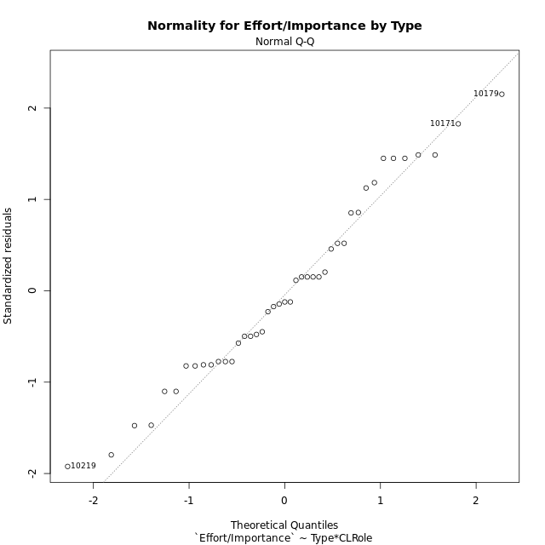

Levene's Test for Homogeneity of Variance in Effort/Importance by Type
Df | F value | Pr(>F)
3 | 0.027448402545 | 0.99376305237
39

Plots for homogeneity of variance
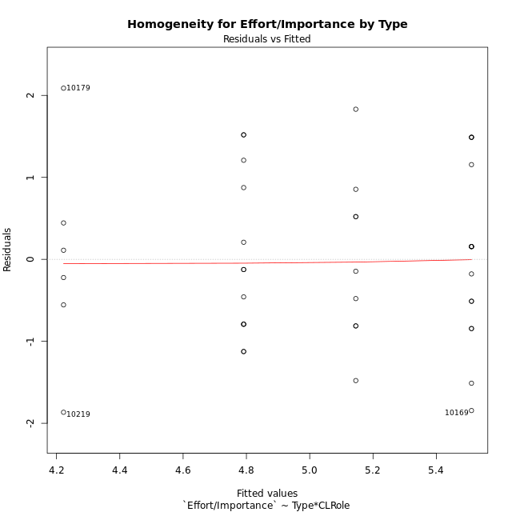

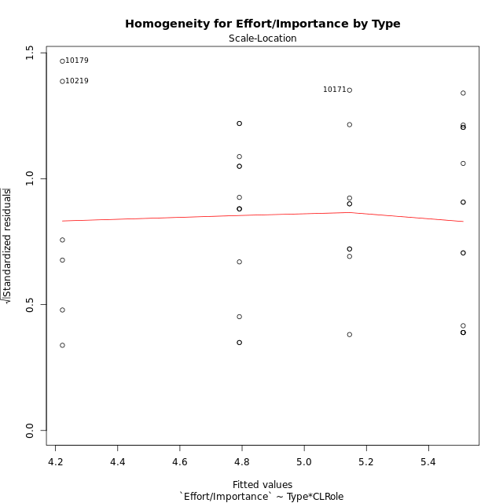

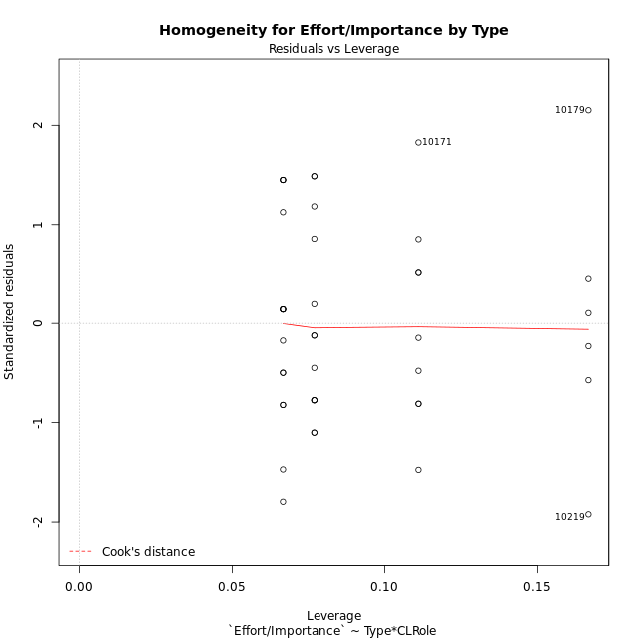

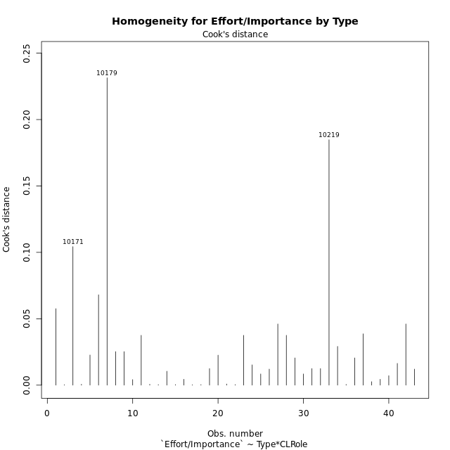

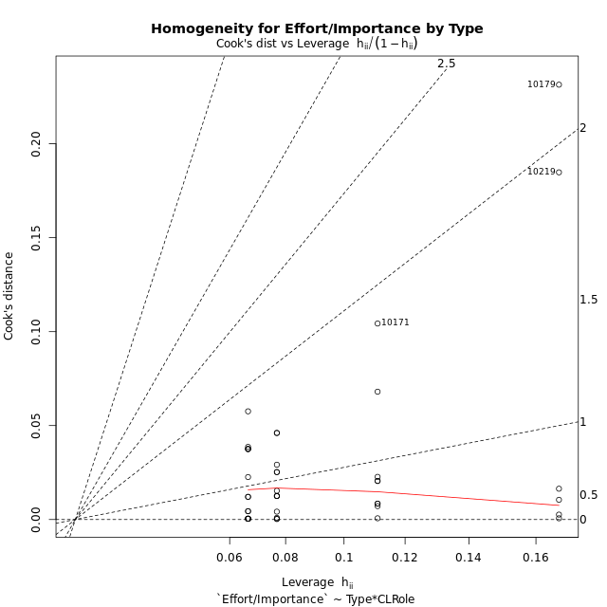

Minimum Sample Size Test for Effort/Importance by Type
Type | CLRole | Freq
ont-gamified | Apprentice | 15
w/o-gamified | Apprentice | 13
ont-gamified | Master | 9
w/o-gamified | Master | 6

Errors and Warnings in Sample Size Test for ANOVA in Effort/Importance by Type
code | description
WARN: sample.size | current size is 13 and recommended size is 15 for the group: 'w/o-gamified:Apprentice'.
WARN: sample.size | current size is 9 and recommended size is 15 for the group: 'ont-gamified:Master'.
WARN: sample.size | current size is 6 and recommended size is 15 for the group: 'w/o-gamified:Master'.

For the group: 'ont-gamified:Apprentice', you can perform a parametric test without having a normal distribution For the group: 'w/o-gamified:Apprentice', we recommend the use of non-parametric test. For the group: 'ont-gamified:Master', we recommend the use of non-parametric test. For the group: 'w/o-gamified:Master', we recommend the use of non-parametric test.

If you don't want to remove non-normal data, you must cite the following references: ... (1) Lix, L.M., J.C. Keselman, and H.J. Keselman. 1996. Consequences of assumption violations revisited: A quantitative review of alternatives to the one-way analysis of variance F test. Rev. Educ. Res. 66: 579-619. ... (2) Harwell, M.R., E.N. Rubinstein, W.S. Hayes, and C.C. Olds. 1992. Summarizing Monte Carlo results in methodological research: the one- and two-factor fixed effects ANOVA cases. J. Educ. Stat. 17: 315-339.

Post-hoc
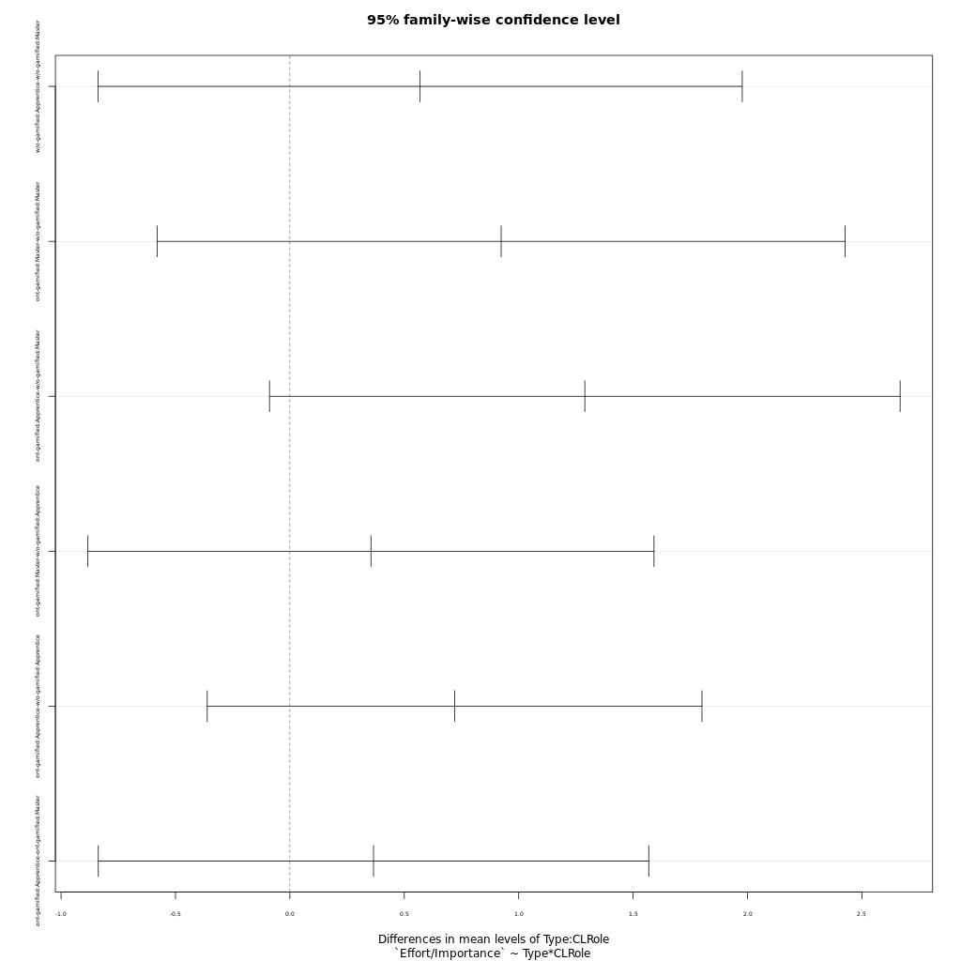
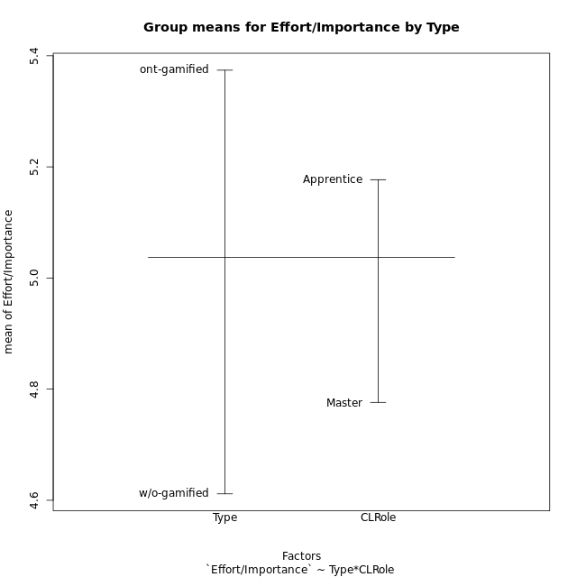
Post-hoc Tukey Honestly Significant Difference (HSD) Test for Effort/Importance by Type

Comparisons of means for Type
 | diff | lwr | upr | p adj
ont-gamified-w/o-gamified | 0.76244035088 | 0.10214746252 | 1.4227332392 | 0.024748093337

Comparisons of means for CLRole
 | diff | lwr | upr | p adj
Apprentice-Master | 0.44969719716 | -0.23831224089 | 1.1377066352 | 0.1938460722

Comparisons of means for Type:CLRole
 | diff | lwr | upr | p adj
w/o-gamified:Apprentice-w/o-gamified:Master | 0.56908034188 | -0.83879721732 | 1.9769579011 | 0.7008412439
ont-gamified:Master-w/o-gamified:Master | 0.92334814815 | -0.58008505395 | 2.4267813502 | 0.36449534307
ont-gamified:Apprentice-w/o-gamified:Master | 1.2888888889 | -0.089030401298 | 2.6668081791 | 0.073979939429
ont-gamified:Master-w/o-gamified:Apprentice | 0.35426780627 | -0.88268689908 | 1.5912225116 | 0.86811210693
ont-gamified:Apprentice-w/o-gamified:Apprentice | 0.71980854701 | -0.36112027589 | 1.8007373699 | 0.29485618699
ont-gamified:Apprentice-ont-gamified:Master | 0.36554074074 | -0.83720582094 | 1.5682873024 | 0.84676027299

Contrast Matrices for Effort/Importance by Type - Type
contrast | estimate | SE | df | t.ratio | p.value
ont-gamified - w/o-gamified | 0.82157834758 | 0.3450291764 | 39 | 2.3811851396 | 0.022235618079

Contrast Matrices for Effort/Importance by Type - Type:CLRole
contrast | CLRole | estimate | SE | df | t.ratio | p.value
ont-gamified - w/o-gamified | Apprentice | 0.71980854701 | 0.4028255404 | 39 | 1.7868989794 | 0.081728500036
ont-gamified - w/o-gamified | Master | 0.92334814815 | 0.56027860416 | 39 | 1.6480160786 | 0.10738382311

Least Squares Means and Confidence Intervals for Type
Type | lsmean | SE | df | lower.CL | upper.CL | Pairs
ont-gamified | 5.3283407407 | 0.22411144166 | 39 | 4.8750325626 | 5.7816489189 | ont-gamified
w/o-gamified | 4.5067623932 | 0.26233412718 | 39 | 3.9761415361 | 5.0373832502 | w/o-gamified

Least Squares Means and Confidence Intervals for Type:CLRole
Type | CLRole | lsmean | SE | df | lower.CL | upper.CL | Pairs
ont-gamified | Apprentice | 5.5111111111 | 0.2744793388 | 39 | 4.9559242448 | 6.0662979774 | ont-gamified.Apprentice
w/o-gamified | Apprentice | 4.7913025641 | 0.2948381057 | 39 | 4.1949362048 | 5.3876689234 | w/o-gamified.Apprentice
ont-gamified | Master | 5.1455703704 | 0.35435130268 | 39 | 4.4288272079 | 5.8623135328 | ont-gamified.Master
w/o-gamified | Master | 4.2222222222 | 0.43398994063 | 39 | 3.3443947099 | 5.1000497345 | w/o-gamified.Master

Plots

Type_1
Student's t-Test for Effort/Importance by Type in Type between ont-gamified:w/o-gamified

Student's t-Test results
Alternative hypothesis: less
Group | N | Mean | Mean.Difference | Std.deviation | Std.error | CI.lower | CI.upper | df | t.value | p.value | g | magnitude
ont-gamified | 24 | 5.3740333333 | 0.76244035088 | 1.0401389779 | 0.21231747978 | 4.9493983738 | 5.7986682929 | 37.947278618 | 2.3278652299 | 0.98732469797 | 0.70538099019 | medium
w/o-gamified | 19 | 4.6115929825 | -0.76244035088 | 1.0870685314 | 0.24939062491 | 4.1128117326 | 5.1103742323 | 37.947278618 | 2.3278652299 | 0.98732469797 | 0.70538099019 | medium
Alternative hypothesis: greater
Group | N | Mean | Mean.Difference | Std.deviation | Std.error | CI.lower | CI.upper | df | t.value | p.value | g | magnitude
ont-gamified | 24 | 5.3740333333 | 0.76244035088 | 1.0401389779 | 0.21231747978 | 4.9493983738 | 5.7986682929 | 37.947278618 | 2.3278652299 | 0.012675302029 | 0.70538099019 | medium
w/o-gamified | 19 | 4.6115929825 | -0.76244035088 | 1.0870685314 | 0.24939062491 | 4.1128117326 | 5.1103742323 | 37.947278618 | 2.3278652299 | 0.012675302029 | 0.70538099019 | medium
Alternative hypothesis: two.sided
Group | N | Mean | Mean.Difference | Std.deviation | Std.error | CI.lower | CI.upper | df | t.value | p.value | g | magnitude
ont-gamified | 24 | 5.3740333333 | 0.76244035088 | 1.0401389779 | 0.21231747978 | 4.9493983738 | 5.7986682929 | 37.947278618 | 2.3278652299 | 0.025350604057 | 0.70538099019 | medium
w/o-gamified | 19 | 4.6115929825 | -0.76244035088 | 1.0870685314 | 0.24939062491 | 4.1128117326 | 5.1103742323 | 37.947278618 | 2.3278652299 | 0.025350604057 | 0.70538099019 | medium

Box plots for Student's t-Test
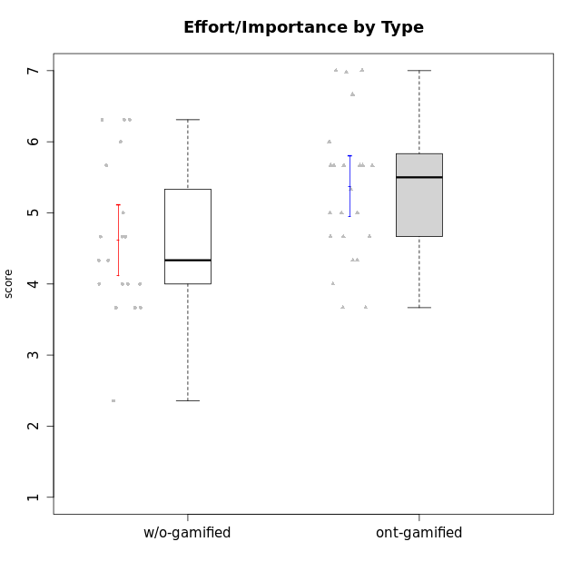

Student's t-Test data
UserID | NroUSP | Type | CLGroup | CLRole | PlayerRole | Interest/Enjoyment | Perceived Choice | Pressure/Tension | Effort/Importance | Intrinsic Motivation | Attention | Relevance | Satisfaction | Level of Motivation
10169 | 10377538 | ont-gamified | Resistance | Apprentice | Social Achiever | 5.7297 | 5.2 | 5.5 | 3.6666666667 | 4.5916666667 | 6.5514333333 | 5.5 | 7 | 5.8645384615
10170 | 10260351 | w/o-gamified | Grupo11 | Apprentice |  | 4.1666666667 | 5.8 | 2.5 | 4.6666666667 | 5.0333333333 | 4.6666666667 | 5.25 | 4.3333333333 | 4.7692307692
10171 | 698531 | ont-gamified | Mafia | Master | Social Achiever | 5.4826 | 6.2 | 1.75 | 6.9768 | 5.6972216667 | 5 | 6.25 | 5.3333333333 | 5.4615384615
10174 | 10276852 | w/o-gamified | Grupo7 | Master |  | 4.5 | 4.2 | 3.9739 | 4.3333333333 | 4.1958333333 | 5.1666666667 | 3.5 | 5 | 4.6153846154
10175 | 10310700 | ont-gamified | Warriors | Master | Social Achiever | 4 | 6.6 | 1 | 6 | 5.6972216667 | 5.1666666667 | 6.25 | 5.6666666667 | 5.6153846154
10176 | 10276949 | ont-gamified | Outlaws | Master | Social Achiever | 3.8333333333 | 3.4 | 4.5 | 3.6666666667 | 3.6 | 4.3333333333 | 4.5174 | 4 | 4.1538461538
10179 | 10310759 | w/o-gamified | Grupo10 | Master |  | 3.6666666667 | 2.6 | 1.25 | 6.3101333333 | 4.8375 | 3.5 | 5.25 | 4 | 4.1538461538
10183 | 10352030 | w/o-gamified | Grupo3 | Apprentice |  | 2.8333333333 | 4.4 | 4.75 | 3.6666666667 | 3.5375 | 2.1666666667 | 3 | 2.6666666667 | 2.7852923077
10184 | 10276675 | w/o-gamified | Grupo10 | Apprentice |  | 3.8333333333 | 4 | 3.75 | 3.6666666667 | 3.9375 | 3.8333333333 | 4.75 | 4.6666666667 | 4.3076923077
10185 | 10276960 | w/o-gamified | Grupo9 | Apprentice |  | 4.8333333333 | 3.4 | 4.25 | 4.3333333333 | 4.0791666667 | 3.8333333333 | 3.5 | 4.6666666667 | 3.9230769231
10186 | 10310551 | ont-gamified | Slayers | Apprentice | Social Achiever | 3.8333333333 | 4.6 | 5 | 7 | 4.6083333333 | 3.5 | 5.5 | 6.3333333333 | 4.7692307692
10188 | 10276995 | ont-gamified | Vandals | Master | Yee Achiever | 3 | 6.2 | 1 | 5 | 5.3 | 3.3333333333 | 6.5 | 3 | 4.2307692308
10189 | 9363926 | ont-gamified | Vikings | Apprentice | Social Achiever | 2.2703 | 3.4 | 2 | 5.6666666667 | 4.2666666667 | 1.3333333333 | 3.75 | 2.6666666667 | 2.4431538462
10191 | 10276981 | w/o-gamified | Grupo1 | Master |  | 2.3333333333 | 3.2 | 1 | 4.6666666667 | 4.3 | 3.3333333333 | 4.25 | 4.3333333333 | 3.8461538462
10192 | 10276682 | ont-gamified | Attractive Devils | Apprentice | Social Achiever | 4 | 4.8 | 4.25 | 5.6666666667 | 4.5541666667 | 5.1666666667 | 4.5 | 6.6666666667 | 5.3076923077
10193 | 10276762 | ont-gamified | Vandals | Apprentice | Yee Achiever | 2.2703 | 7 | 2.75 | 5 | 4.6458333333 | 1.1666666667 | 6.7239 | 1.3681333333 | 2.9230769231
10197 | 10276661 | w/o-gamified | Grupo8 | Apprentice |  | 3.5 | 5 | 3.5 | 4.6666666667 | 4.4166666667 | 5.1666666667 | 5 | 3.3333333333 | 4.6923076923
10198 | 10310888 | ont-gamified | Attractive Devils | Apprentice | Social Achiever | 4 | 3.6 | 4.25 | 5.6666666667 | 4.2541666667 | 5.8333333333 | 5.25 | 6.6666666667 | 5.8461538462
10199 | 10276737 | w/o-gamified | Grupo1 | Apprentice |  | 3 | 3.8 | 3.25 | 4 | 3.8875 | 3.5 | 4.5 | 4.6666666667 | 4.0769230769
10200 | 9795272 | ont-gamified | Warriors | Apprentice | Social Achiever | 4.5 | 4.8 | 4.75 | 6.6666666667 | 4.8041666667 | 5 | 5.25 | 6 | 5.3076923077
10201 | 10276928 | w/o-gamified | Grupo11 | Apprentice |  | 5.1666666667 | 4.2 | 3 | 5 | 4.8416666667 | 4.8333333333 | 3.5 | 5.6666666667 | 4.6153846154
10202 | 10277036 | ont-gamified | Silly Knights | Apprentice | Social Achiever | 3 | 5.2 | 3.5 | 5.6666666667 | 4.5916666667 | 3.1666666667 | 4.5 | 5 | 4
10203 | 9921470 | ont-gamified | Mercenaries | Apprentice | Social Achiever | 4.1666666667 | 6.4 | 3.25 | 7 | 5.1978933333 | 4.5 | 4 | 6.3333333333 | 4.7692307692
10206 | 10310721 | w/o-gamified | Grupo8 | Apprentice |  | 3.6666666667 | 5.6 | 3 | 5.6666666667 | 4.9833333333 | 4.5 | 4.75 | 5.3333333333 | 4.7692307692
10208 | 10276932 | ont-gamified | Mercenaries | Master | Social Achiever | 3.8333333333 | 4.8 | 2.25 | 5.6666666667 | 5.0125 | 2.5 | 4.5174 | 4.3333333333 | 3.2307692308
10209 | 10262669 | ont-gamified | Mafia | Apprentice | Social Achiever | 2.3333333333 | 1.6348 | 1.7761 | 4.6666666667 | 3.7875 | 2.3333333333 | 4.25 | 2.3333333333 | 2.9230769231
10213 | 10277040 | w/o-gamified | Grupo7 | Apprentice |  | 3.8333333333 | 1.42784 | 3.75 | 6.3101333333 | 4.1208333333 | 5.5 | 6.7239 | 6 | 5.5224
10214 | 10277022 | ont-gamified | Vikings | Apprentice | Social Achiever | 2.2703 | 2.6 | 4 | 7 | 3.6916666667 | 2.1666666667 | 3.25 | 3.6666666667 | 2.8461538462
10215 | 9285227 | ont-gamified | Vikings | Master | Social Achiever | 4 | 5.4 | 2.5 | 4.3333333333 | 4.8083333333 | 3 | 6.25 | 2.3333333333 | 3.8461538462
10216 | 10276720 | ont-gamified | Silly Knights | Master | Social Achiever | 4.6666666667 | 5.8 | 1 | 5.6666666667 | 5.6972216667 | 3.8333333333 | 6 | 5.3333333333 | 4.8461538462
10217 | 9805341 | w/o-gamified | Grupo9 | Apprentice |  | 4.3333333333 | 4.2 | 1.5261 | 4 | 4.8833333333 | 3.8333333333 | 5 | 4 | 4.2307692308
10218 | 9842913 | w/o-gamified | Grupo10 | Apprentice |  | 4 | 3.6 | 4 | 4 | 3.9 | 4 | 4.5 | 3.3333333333 | 4
10219 | 10276831 | w/o-gamified | Grupo3 | Master |  | 1.8565333333 | 3.2 | 1 | 2.3565333333 | 3.5916666667 | 2.0203 | 3.5 | 1.3681333333 | 3.0133846154
10220 | 9760151 | w/o-gamified | Grupo3 | Apprentice |  | 2.5 | 6.17216 | 1.5261 | 6 | 5.475 | 1.529 | 6.25 | 6 | 4
10221 | 9082496 | ont-gamified | Warriors | Apprentice | Social Achiever | 2.6666666667 | 3 | 3.25 | 5.3333333333 | 3.9375 | 2.8333333333 | 2.5261 | 4 | 3
10223 | 9795185 | ont-gamified | Slayers | Master | Social Achiever | 5 | 4.2 | 3.5 | 4.3333333333 | 4.5083333333 | 3.8333333333 | 5 | 4.3333333333 | 4.3076923077
10224 | 9368772 | ont-gamified | Mercenaries | Apprentice | Social Achiever | 4 | 3.6 | 4.75 | 4 | 3.7125 | 4.3333333333 | 4.5 | 5 | 4.5384615385
10227 | 9274382 | w/o-gamified | Grupo5 | Master |  | 4.3333333333 | 4.6 | 3.75 | 4 | 4.2958333333 | 5.4797 | 5 | 6 | 5.2943076923
10228 | 10310492 | ont-gamified | Resistance | Apprentice | Social Achiever | 2.2703 | 6.4 | 3.5 | 5 | 4.3083333333 | 2.1666666667 | 4.75 | 4 | 3.3846153846
10230 | 10351992 | ont-gamified | Resistance | Master | Social Achiever | 4.5 | 4 | 4 | 4.6666666667 | 4.2916666667 | 4.6666666667 | 4.75 | 4 | 4.5384615385
10231 | 10276911 | w/o-gamified | Grupo9 | Master |  | 4.5 | 5.57216 | 1 | 3.6666666667 | 5.3916666667 | 4 | 4.5 | 5.3333333333 | 4.4615384615
10232 | 10276974 | w/o-gamified | Grupo7 | Apprentice |  | 4.5 | 4.6 | 2.75 | 6.3101333333 | 5.1708333333 | 4.8333333333 | 5.75 | 5.6666666667 | 5.3076923077
10237 | 10377688 | ont-gamified | Outlaws | Apprentice | Social Achiever | 4 | 4.2 | 4.75 | 4.6666666667 | 4.0291666667 | 3.6666666667 | 4.5 | 4.3333333333 | 4.0769230769

Type_CLRole_1
Student's t-Test for Effort/Importance by Type in Type:CLRole between ont-gamified.Apprentice:ont-gamified.Master

Student's t-Test results
Alternative hypothesis: less
Group | N | Mean | Mean.Difference | Std.deviation | Std.error | CI.lower | CI.upper | df | t.value | p.value | g | magnitude
ont-gamified.Apprentice | 15 | 5.5111111111 | 0.36554074074 | 1.0605978149 | 0.27384517826 | 4.9634207546 | 6.0588014676 | 17.479757745 | 0.835467031 | 0.79263540435 | 0.33698609008 | small
ont-gamified.Master | 9 | 5.1455703704 | -0.36554074074 | 1.023699682 | 0.34123322735 | 4.4631039157 | 5.8280368251 | 17.479757745 | 0.835467031 | 0.79263540435 | 0.33698609008 | small
Alternative hypothesis: greater
Group | N | Mean | Mean.Difference | Std.deviation | Std.error | CI.lower | CI.upper | df | t.value | p.value | g | magnitude
ont-gamified.Apprentice | 15 | 5.5111111111 | 0.36554074074 | 1.0605978149 | 0.27384517826 | 4.9634207546 | 6.0588014676 | 17.479757745 | 0.835467031 | 0.20736459565 | 0.33698609008 | small
ont-gamified.Master | 9 | 5.1455703704 | -0.36554074074 | 1.023699682 | 0.34123322735 | 4.4631039157 | 5.8280368251 | 17.479757745 | 0.835467031 | 0.20736459565 | 0.33698609008 | small
Alternative hypothesis: two.sided
Group | N | Mean | Mean.Difference | Std.deviation | Std.error | CI.lower | CI.upper | df | t.value | p.value | g | magnitude
ont-gamified.Apprentice | 15 | 5.5111111111 | 0.36554074074 | 1.0605978149 | 0.27384517826 | 4.9634207546 | 6.0588014676 | 17.479757745 | 0.835467031 | 0.4147291913 | 0.33698609008 | small
ont-gamified.Master | 9 | 5.1455703704 | -0.36554074074 | 1.023699682 | 0.34123322735 | 4.4631039157 | 5.8280368251 | 17.479757745 | 0.835467031 | 0.4147291913 | 0.33698609008 | small

Box plots for Student's t-Test
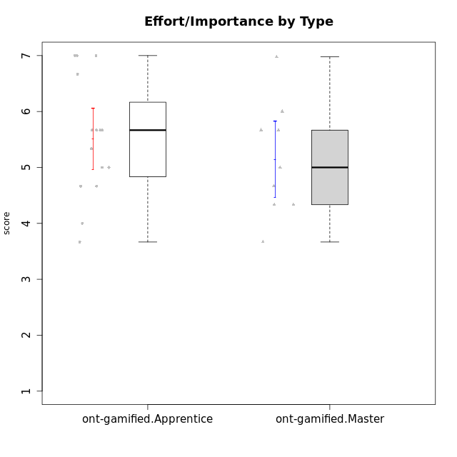

Student's t-Test data
UserID | NroUSP | Type | CLGroup | CLRole | PlayerRole | Interest/Enjoyment | Perceived Choice | Pressure/Tension | Effort/Importance | Intrinsic Motivation | Attention | Relevance | Satisfaction | Level of Motivation
10169 | 10377538 | ont-gamified | Resistance | Apprentice | Social Achiever | 5.7297 | 5.2 | 5.5 | 3.6666666667 | 4.5916666667 | 6.5514333333 | 5.5 | 7 | 5.8645384615
10171 | 698531 | ont-gamified | Mafia | Master | Social Achiever | 5.4826 | 6.2 | 1.75 | 6.9768 | 5.6972216667 | 5 | 6.25 | 5.3333333333 | 5.4615384615
10175 | 10310700 | ont-gamified | Warriors | Master | Social Achiever | 4 | 6.6 | 1 | 6 | 5.6972216667 | 5.1666666667 | 6.25 | 5.6666666667 | 5.6153846154
10176 | 10276949 | ont-gamified | Outlaws | Master | Social Achiever | 3.8333333333 | 3.4 | 4.5 | 3.6666666667 | 3.6 | 4.3333333333 | 4.5174 | 4 | 4.1538461538
10186 | 10310551 | ont-gamified | Slayers | Apprentice | Social Achiever | 3.8333333333 | 4.6 | 5 | 7 | 4.6083333333 | 3.5 | 5.5 | 6.3333333333 | 4.7692307692
10188 | 10276995 | ont-gamified | Vandals | Master | Yee Achiever | 3 | 6.2 | 1 | 5 | 5.3 | 3.3333333333 | 6.5 | 3 | 4.2307692308
10189 | 9363926 | ont-gamified | Vikings | Apprentice | Social Achiever | 2.2703 | 3.4 | 2 | 5.6666666667 | 4.2666666667 | 1.3333333333 | 3.75 | 2.6666666667 | 2.4431538462
10192 | 10276682 | ont-gamified | Attractive Devils | Apprentice | Social Achiever | 4 | 4.8 | 4.25 | 5.6666666667 | 4.5541666667 | 5.1666666667 | 4.5 | 6.6666666667 | 5.3076923077
10193 | 10276762 | ont-gamified | Vandals | Apprentice | Yee Achiever | 2.2703 | 7 | 2.75 | 5 | 4.6458333333 | 1.1666666667 | 6.7239 | 1.3681333333 | 2.9230769231
10198 | 10310888 | ont-gamified | Attractive Devils | Apprentice | Social Achiever | 4 | 3.6 | 4.25 | 5.6666666667 | 4.2541666667 | 5.8333333333 | 5.25 | 6.6666666667 | 5.8461538462
10200 | 9795272 | ont-gamified | Warriors | Apprentice | Social Achiever | 4.5 | 4.8 | 4.75 | 6.6666666667 | 4.8041666667 | 5 | 5.25 | 6 | 5.3076923077
10202 | 10277036 | ont-gamified | Silly Knights | Apprentice | Social Achiever | 3 | 5.2 | 3.5 | 5.6666666667 | 4.5916666667 | 3.1666666667 | 4.5 | 5 | 4
10203 | 9921470 | ont-gamified | Mercenaries | Apprentice | Social Achiever | 4.1666666667 | 6.4 | 3.25 | 7 | 5.1978933333 | 4.5 | 4 | 6.3333333333 | 4.7692307692
10208 | 10276932 | ont-gamified | Mercenaries | Master | Social Achiever | 3.8333333333 | 4.8 | 2.25 | 5.6666666667 | 5.0125 | 2.5 | 4.5174 | 4.3333333333 | 3.2307692308
10209 | 10262669 | ont-gamified | Mafia | Apprentice | Social Achiever | 2.3333333333 | 1.6348 | 1.7761 | 4.6666666667 | 3.7875 | 2.3333333333 | 4.25 | 2.3333333333 | 2.9230769231
10214 | 10277022 | ont-gamified | Vikings | Apprentice | Social Achiever | 2.2703 | 2.6 | 4 | 7 | 3.6916666667 | 2.1666666667 | 3.25 | 3.6666666667 | 2.8461538462
10215 | 9285227 | ont-gamified | Vikings | Master | Social Achiever | 4 | 5.4 | 2.5 | 4.3333333333 | 4.8083333333 | 3 | 6.25 | 2.3333333333 | 3.8461538462
10216 | 10276720 | ont-gamified | Silly Knights | Master | Social Achiever | 4.6666666667 | 5.8 | 1 | 5.6666666667 | 5.6972216667 | 3.8333333333 | 6 | 5.3333333333 | 4.8461538462
10221 | 9082496 | ont-gamified | Warriors | Apprentice | Social Achiever | 2.6666666667 | 3 | 3.25 | 5.3333333333 | 3.9375 | 2.8333333333 | 2.5261 | 4 | 3
10223 | 9795185 | ont-gamified | Slayers | Master | Social Achiever | 5 | 4.2 | 3.5 | 4.3333333333 | 4.5083333333 | 3.8333333333 | 5 | 4.3333333333 | 4.3076923077
10224 | 9368772 | ont-gamified | Mercenaries | Apprentice | Social Achiever | 4 | 3.6 | 4.75 | 4 | 3.7125 | 4.3333333333 | 4.5 | 5 | 4.5384615385
10228 | 10310492 | ont-gamified | Resistance | Apprentice | Social Achiever | 2.2703 | 6.4 | 3.5 | 5 | 4.3083333333 | 2.1666666667 | 4.75 | 4 | 3.3846153846
10230 | 10351992 | ont-gamified | Resistance | Master | Social Achiever | 4.5 | 4 | 4 | 4.6666666667 | 4.2916666667 | 4.6666666667 | 4.75 | 4 | 4.5384615385
10237 | 10377688 | ont-gamified | Outlaws | Apprentice | Social Achiever | 4 | 4.2 | 4.75 | 4.6666666667 | 4.0291666667 | 3.6666666667 | 4.5 | 4.3333333333 | 4.0769230769

Type_CLRole_2
Student's t-Test for Effort/Importance by Type in Type:CLRole between ont-gamified.Apprentice:w/o-gamified.Apprentice

Student's t-Test results
Alternative hypothesis: less
Group | N | Mean | Mean.Difference | Std.deviation | Std.error | CI.lower | CI.upper | df | t.value | p.value | g | magnitude
ont-gamified.Apprentice | 15 | 5.5111111111 | 0.71980854701 | 1.0605978149 | 0.27384517826 | 4.9634207546 | 6.0588014676 | 25.873161102 | 1.865246308 | 0.96323677969 | 0.68223233342 | medium
w/o-gamified.Apprentice | 13 | 4.7913025641 | -0.71980854701 | 0.98036367878 | 0.2719039625 | 4.2474946391 | 5.3351104891 | 25.873161102 | 1.865246308 | 0.96323677969 | 0.68223233342 | medium
Alternative hypothesis: greater
Group | N | Mean | Mean.Difference | Std.deviation | Std.error | CI.lower | CI.upper | df | t.value | p.value | g | magnitude
ont-gamified.Apprentice | 15 | 5.5111111111 | 0.71980854701 | 1.0605978149 | 0.27384517826 | 4.9634207546 | 6.0588014676 | 25.873161102 | 1.865246308 | 0.036763220315 | 0.68223233342 | medium
w/o-gamified.Apprentice | 13 | 4.7913025641 | -0.71980854701 | 0.98036367878 | 0.2719039625 | 4.2474946391 | 5.3351104891 | 25.873161102 | 1.865246308 | 0.036763220315 | 0.68223233342 | medium
Alternative hypothesis: two.sided
Group | N | Mean | Mean.Difference | Std.deviation | Std.error | CI.lower | CI.upper | df | t.value | p.value | g | magnitude
ont-gamified.Apprentice | 15 | 5.5111111111 | 0.71980854701 | 1.0605978149 | 0.27384517826 | 4.9634207546 | 6.0588014676 | 25.873161102 | 1.865246308 | 0.07352644063 | 0.68223233342 | medium
w/o-gamified.Apprentice | 13 | 4.7913025641 | -0.71980854701 | 0.98036367878 | 0.2719039625 | 4.2474946391 | 5.3351104891 | 25.873161102 | 1.865246308 | 0.07352644063 | 0.68223233342 | medium

Box plots for Student's t-Test
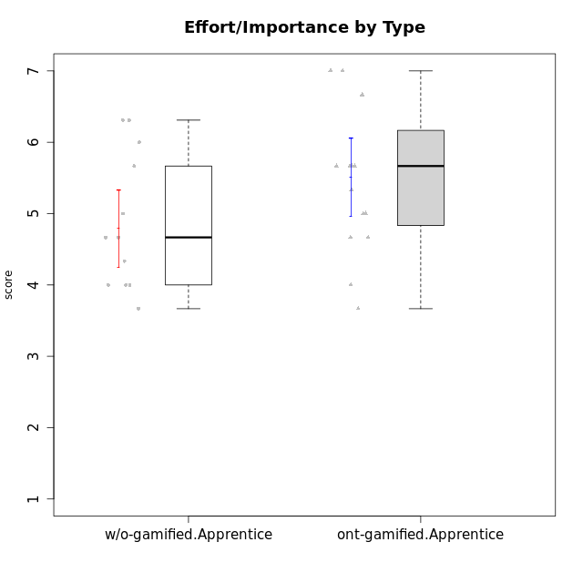

Student's t-Test data
UserID | NroUSP | Type | CLGroup | CLRole | PlayerRole | Interest/Enjoyment | Perceived Choice | Pressure/Tension | Effort/Importance | Intrinsic Motivation | Attention | Relevance | Satisfaction | Level of Motivation
10169 | 10377538 | ont-gamified | Resistance | Apprentice | Social Achiever | 5.7297 | 5.2 | 5.5 | 3.6666666667 | 4.5916666667 | 6.5514333333 | 5.5 | 7 | 5.8645384615
10170 | 10260351 | w/o-gamified | Grupo11 | Apprentice |  | 4.1666666667 | 5.8 | 2.5 | 4.6666666667 | 5.0333333333 | 4.6666666667 | 5.25 | 4.3333333333 | 4.7692307692
10183 | 10352030 | w/o-gamified | Grupo3 | Apprentice |  | 2.8333333333 | 4.4 | 4.75 | 3.6666666667 | 3.5375 | 2.1666666667 | 3 | 2.6666666667 | 2.7852923077
10184 | 10276675 | w/o-gamified | Grupo10 | Apprentice |  | 3.8333333333 | 4 | 3.75 | 3.6666666667 | 3.9375 | 3.8333333333 | 4.75 | 4.6666666667 | 4.3076923077
10185 | 10276960 | w/o-gamified | Grupo9 | Apprentice |  | 4.8333333333 | 3.4 | 4.25 | 4.3333333333 | 4.0791666667 | 3.8333333333 | 3.5 | 4.6666666667 | 3.9230769231
10186 | 10310551 | ont-gamified | Slayers | Apprentice | Social Achiever | 3.8333333333 | 4.6 | 5 | 7 | 4.6083333333 | 3.5 | 5.5 | 6.3333333333 | 4.7692307692
10189 | 9363926 | ont-gamified | Vikings | Apprentice | Social Achiever | 2.2703 | 3.4 | 2 | 5.6666666667 | 4.2666666667 | 1.3333333333 | 3.75 | 2.6666666667 | 2.4431538462
10192 | 10276682 | ont-gamified | Attractive Devils | Apprentice | Social Achiever | 4 | 4.8 | 4.25 | 5.6666666667 | 4.5541666667 | 5.1666666667 | 4.5 | 6.6666666667 | 5.3076923077
10193 | 10276762 | ont-gamified | Vandals | Apprentice | Yee Achiever | 2.2703 | 7 | 2.75 | 5 | 4.6458333333 | 1.1666666667 | 6.7239 | 1.3681333333 | 2.9230769231
10197 | 10276661 | w/o-gamified | Grupo8 | Apprentice |  | 3.5 | 5 | 3.5 | 4.6666666667 | 4.4166666667 | 5.1666666667 | 5 | 3.3333333333 | 4.6923076923
10198 | 10310888 | ont-gamified | Attractive Devils | Apprentice | Social Achiever | 4 | 3.6 | 4.25 | 5.6666666667 | 4.2541666667 | 5.8333333333 | 5.25 | 6.6666666667 | 5.8461538462
10199 | 10276737 | w/o-gamified | Grupo1 | Apprentice |  | 3 | 3.8 | 3.25 | 4 | 3.8875 | 3.5 | 4.5 | 4.6666666667 | 4.0769230769
10200 | 9795272 | ont-gamified | Warriors | Apprentice | Social Achiever | 4.5 | 4.8 | 4.75 | 6.6666666667 | 4.8041666667 | 5 | 5.25 | 6 | 5.3076923077
10201 | 10276928 | w/o-gamified | Grupo11 | Apprentice |  | 5.1666666667 | 4.2 | 3 | 5 | 4.8416666667 | 4.8333333333 | 3.5 | 5.6666666667 | 4.6153846154
10202 | 10277036 | ont-gamified | Silly Knights | Apprentice | Social Achiever | 3 | 5.2 | 3.5 | 5.6666666667 | 4.5916666667 | 3.1666666667 | 4.5 | 5 | 4
10203 | 9921470 | ont-gamified | Mercenaries | Apprentice | Social Achiever | 4.1666666667 | 6.4 | 3.25 | 7 | 5.1978933333 | 4.5 | 4 | 6.3333333333 | 4.7692307692
10206 | 10310721 | w/o-gamified | Grupo8 | Apprentice |  | 3.6666666667 | 5.6 | 3 | 5.6666666667 | 4.9833333333 | 4.5 | 4.75 | 5.3333333333 | 4.7692307692
10209 | 10262669 | ont-gamified | Mafia | Apprentice | Social Achiever | 2.3333333333 | 1.6348 | 1.7761 | 4.6666666667 | 3.7875 | 2.3333333333 | 4.25 | 2.3333333333 | 2.9230769231
10213 | 10277040 | w/o-gamified | Grupo7 | Apprentice |  | 3.8333333333 | 1.42784 | 3.75 | 6.3101333333 | 4.1208333333 | 5.5 | 6.7239 | 6 | 5.5224
10214 | 10277022 | ont-gamified | Vikings | Apprentice | Social Achiever | 2.2703 | 2.6 | 4 | 7 | 3.6916666667 | 2.1666666667 | 3.25 | 3.6666666667 | 2.8461538462
10217 | 9805341 | w/o-gamified | Grupo9 | Apprentice |  | 4.3333333333 | 4.2 | 1.5261 | 4 | 4.8833333333 | 3.8333333333 | 5 | 4 | 4.2307692308
10218 | 9842913 | w/o-gamified | Grupo10 | Apprentice |  | 4 | 3.6 | 4 | 4 | 3.9 | 4 | 4.5 | 3.3333333333 | 4
10220 | 9760151 | w/o-gamified | Grupo3 | Apprentice |  | 2.5 | 6.17216 | 1.5261 | 6 | 5.475 | 1.529 | 6.25 | 6 | 4
10221 | 9082496 | ont-gamified | Warriors | Apprentice | Social Achiever | 2.6666666667 | 3 | 3.25 | 5.3333333333 | 3.9375 | 2.8333333333 | 2.5261 | 4 | 3
10224 | 9368772 | ont-gamified | Mercenaries | Apprentice | Social Achiever | 4 | 3.6 | 4.75 | 4 | 3.7125 | 4.3333333333 | 4.5 | 5 | 4.5384615385
10228 | 10310492 | ont-gamified | Resistance | Apprentice | Social Achiever | 2.2703 | 6.4 | 3.5 | 5 | 4.3083333333 | 2.1666666667 | 4.75 | 4 | 3.3846153846
10232 | 10276974 | w/o-gamified | Grupo7 | Apprentice |  | 4.5 | 4.6 | 2.75 | 6.3101333333 | 5.1708333333 | 4.8333333333 | 5.75 | 5.6666666667 | 5.3076923077
10237 | 10377688 | ont-gamified | Outlaws | Apprentice | Social Achiever | 4 | 4.2 | 4.75 | 4.6666666667 | 4.0291666667 | 3.6666666667 | 4.5 | 4.3333333333 | 4.0769230769

Type_CLRole_3
Student's t-Test for Effort/Importance by Type in Type:CLRole between ont-gamified.Apprentice:w/o-gamified.Master

Student's t-Test results
Alternative hypothesis: less
Group | N | Mean | Mean.Difference | Std.deviation | Std.error | CI.lower | CI.upper | df | t.value | p.value | g | magnitude
ont-gamified.Apprentice | 15 | 5.5111111111 | 1.2888888889 | 1.0605978149 | 0.27384517826 | 4.9634207546 | 6.0588014676 | 7.8333605056 | 2.1624308668 | 0.96836669293 | 1.0973598093 | large
w/o-gamified.Master | 6 | 4.2222222222 | -1.2888888889 | 1.2967705327 | 0.5294043531 | 3.163413516 | 5.2810309284 | 7.8333605056 | 2.1624308668 | 0.96836669293 | 1.0973598093 | large
Alternative hypothesis: greater
Group | N | Mean | Mean.Difference | Std.deviation | Std.error | CI.lower | CI.upper | df | t.value | p.value | g | magnitude
ont-gamified.Apprentice | 15 | 5.5111111111 | 1.2888888889 | 1.0605978149 | 0.27384517826 | 4.9634207546 | 6.0588014676 | 7.8333605056 | 2.1624308668 | 0.031633307066 | 1.0973598093 | large
w/o-gamified.Master | 6 | 4.2222222222 | -1.2888888889 | 1.2967705327 | 0.5294043531 | 3.163413516 | 5.2810309284 | 7.8333605056 | 2.1624308668 | 0.031633307066 | 1.0973598093 | large
Alternative hypothesis: two.sided
Group | N | Mean | Mean.Difference | Std.deviation | Std.error | CI.lower | CI.upper | df | t.value | p.value | g | magnitude
ont-gamified.Apprentice | 15 | 5.5111111111 | 1.2888888889 | 1.0605978149 | 0.27384517826 | 4.9634207546 | 6.0588014676 | 7.8333605056 | 2.1624308668 | 0.063266614131 | 1.0973598093 | large
w/o-gamified.Master | 6 | 4.2222222222 | -1.2888888889 | 1.2967705327 | 0.5294043531 | 3.163413516 | 5.2810309284 | 7.8333605056 | 2.1624308668 | 0.063266614131 | 1.0973598093 | large

Box plots for Student's t-Test
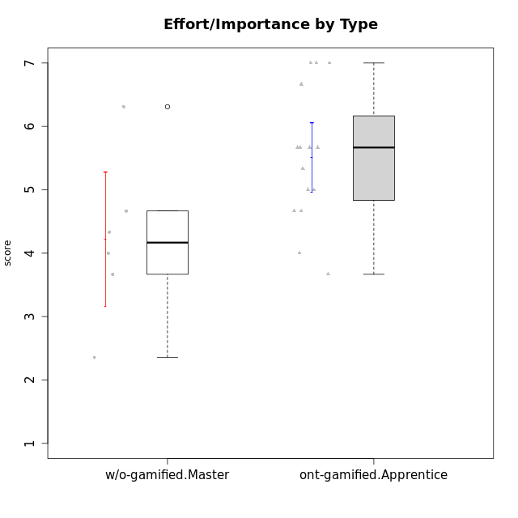

Student's t-Test data
UserID | NroUSP | Type | CLGroup | CLRole | PlayerRole | Interest/Enjoyment | Perceived Choice | Pressure/Tension | Effort/Importance | Intrinsic Motivation | Attention | Relevance | Satisfaction | Level of Motivation
10169 | 10377538 | ont-gamified | Resistance | Apprentice | Social Achiever | 5.7297 | 5.2 | 5.5 | 3.6666666667 | 4.5916666667 | 6.5514333333 | 5.5 | 7 | 5.8645384615
10174 | 10276852 | w/o-gamified | Grupo7 | Master |  | 4.5 | 4.2 | 3.9739 | 4.3333333333 | 4.1958333333 | 5.1666666667 | 3.5 | 5 | 4.6153846154
10179 | 10310759 | w/o-gamified | Grupo10 | Master |  | 3.6666666667 | 2.6 | 1.25 | 6.3101333333 | 4.8375 | 3.5 | 5.25 | 4 | 4.1538461538
10186 | 10310551 | ont-gamified | Slayers | Apprentice | Social Achiever | 3.8333333333 | 4.6 | 5 | 7 | 4.6083333333 | 3.5 | 5.5 | 6.3333333333 | 4.7692307692
10189 | 9363926 | ont-gamified | Vikings | Apprentice | Social Achiever | 2.2703 | 3.4 | 2 | 5.6666666667 | 4.2666666667 | 1.3333333333 | 3.75 | 2.6666666667 | 2.4431538462
10191 | 10276981 | w/o-gamified | Grupo1 | Master |  | 2.3333333333 | 3.2 | 1 | 4.6666666667 | 4.3 | 3.3333333333 | 4.25 | 4.3333333333 | 3.8461538462
10192 | 10276682 | ont-gamified | Attractive Devils | Apprentice | Social Achiever | 4 | 4.8 | 4.25 | 5.6666666667 | 4.5541666667 | 5.1666666667 | 4.5 | 6.6666666667 | 5.3076923077
10193 | 10276762 | ont-gamified | Vandals | Apprentice | Yee Achiever | 2.2703 | 7 | 2.75 | 5 | 4.6458333333 | 1.1666666667 | 6.7239 | 1.3681333333 | 2.9230769231
10198 | 10310888 | ont-gamified | Attractive Devils | Apprentice | Social Achiever | 4 | 3.6 | 4.25 | 5.6666666667 | 4.2541666667 | 5.8333333333 | 5.25 | 6.6666666667 | 5.8461538462
10200 | 9795272 | ont-gamified | Warriors | Apprentice | Social Achiever | 4.5 | 4.8 | 4.75 | 6.6666666667 | 4.8041666667 | 5 | 5.25 | 6 | 5.3076923077
10202 | 10277036 | ont-gamified | Silly Knights | Apprentice | Social Achiever | 3 | 5.2 | 3.5 | 5.6666666667 | 4.5916666667 | 3.1666666667 | 4.5 | 5 | 4
10203 | 9921470 | ont-gamified | Mercenaries | Apprentice | Social Achiever | 4.1666666667 | 6.4 | 3.25 | 7 | 5.1978933333 | 4.5 | 4 | 6.3333333333 | 4.7692307692
10209 | 10262669 | ont-gamified | Mafia | Apprentice | Social Achiever | 2.3333333333 | 1.6348 | 1.7761 | 4.6666666667 | 3.7875 | 2.3333333333 | 4.25 | 2.3333333333 | 2.9230769231
10214 | 10277022 | ont-gamified | Vikings | Apprentice | Social Achiever | 2.2703 | 2.6 | 4 | 7 | 3.6916666667 | 2.1666666667 | 3.25 | 3.6666666667 | 2.8461538462
10219 | 10276831 | w/o-gamified | Grupo3 | Master |  | 1.8565333333 | 3.2 | 1 | 2.3565333333 | 3.5916666667 | 2.0203 | 3.5 | 1.3681333333 | 3.0133846154
10221 | 9082496 | ont-gamified | Warriors | Apprentice | Social Achiever | 2.6666666667 | 3 | 3.25 | 5.3333333333 | 3.9375 | 2.8333333333 | 2.5261 | 4 | 3
10224 | 9368772 | ont-gamified | Mercenaries | Apprentice | Social Achiever | 4 | 3.6 | 4.75 | 4 | 3.7125 | 4.3333333333 | 4.5 | 5 | 4.5384615385
10227 | 9274382 | w/o-gamified | Grupo5 | Master |  | 4.3333333333 | 4.6 | 3.75 | 4 | 4.2958333333 | 5.4797 | 5 | 6 | 5.2943076923
10228 | 10310492 | ont-gamified | Resistance | Apprentice | Social Achiever | 2.2703 | 6.4 | 3.5 | 5 | 4.3083333333 | 2.1666666667 | 4.75 | 4 | 3.3846153846
10231 | 10276911 | w/o-gamified | Grupo9 | Master |  | 4.5 | 5.57216 | 1 | 3.6666666667 | 5.3916666667 | 4 | 4.5 | 5.3333333333 | 4.4615384615
10237 | 10377688 | ont-gamified | Outlaws | Apprentice | Social Achiever | 4 | 4.2 | 4.75 | 4.6666666667 | 4.0291666667 | 3.6666666667 | 4.5 | 4.3333333333 | 4.0769230769

Type_CLRole_4
Student's t-Test for Effort/Importance by Type in Type:CLRole between ont-gamified.Master:w/o-gamified.Apprentice

Student's t-Test results
Alternative hypothesis: less
Group | N | Mean | Mean.Difference | Std.deviation | Std.error | CI.lower | CI.upper | df | t.value | p.value | g | magnitude
ont-gamified.Master | 9 | 5.1455703704 | 0.35426780627 | 1.023699682 | 0.34123322735 | 4.4631039157 | 5.8280368251 | 16.854296931 | 0.81195187373 | 0.78593072075 | 0.34152362348 | small
w/o-gamified.Apprentice | 13 | 4.7913025641 | -0.35426780627 | 0.98036367878 | 0.2719039625 | 4.2474946391 | 5.3351104891 | 16.854296931 | 0.81195187373 | 0.78593072075 | 0.34152362348 | small
Alternative hypothesis: greater
Group | N | Mean | Mean.Difference | Std.deviation | Std.error | CI.lower | CI.upper | df | t.value | p.value | g | magnitude
ont-gamified.Master | 9 | 5.1455703704 | 0.35426780627 | 1.023699682 | 0.34123322735 | 4.4631039157 | 5.8280368251 | 16.854296931 | 0.81195187373 | 0.21406927925 | 0.34152362348 | small
w/o-gamified.Apprentice | 13 | 4.7913025641 | -0.35426780627 | 0.98036367878 | 0.2719039625 | 4.2474946391 | 5.3351104891 | 16.854296931 | 0.81195187373 | 0.21406927925 | 0.34152362348 | small
Alternative hypothesis: two.sided
Group | N | Mean | Mean.Difference | Std.deviation | Std.error | CI.lower | CI.upper | df | t.value | p.value | g | magnitude
ont-gamified.Master | 9 | 5.1455703704 | 0.35426780627 | 1.023699682 | 0.34123322735 | 4.4631039157 | 5.8280368251 | 16.854296931 | 0.81195187373 | 0.4281385585 | 0.34152362348 | small
w/o-gamified.Apprentice | 13 | 4.7913025641 | -0.35426780627 | 0.98036367878 | 0.2719039625 | 4.2474946391 | 5.3351104891 | 16.854296931 | 0.81195187373 | 0.4281385585 | 0.34152362348 | small

Box plots for Student's t-Test
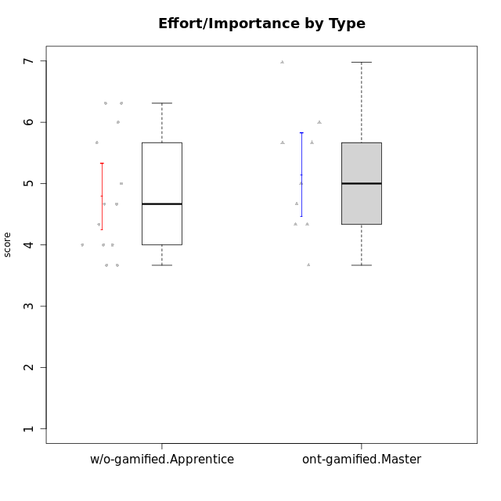

Student's t-Test data
UserID | NroUSP | Type | CLGroup | CLRole | PlayerRole | Interest/Enjoyment | Perceived Choice | Pressure/Tension | Effort/Importance | Intrinsic Motivation | Attention | Relevance | Satisfaction | Level of Motivation
10170 | 10260351 | w/o-gamified | Grupo11 | Apprentice |  | 4.1666666667 | 5.8 | 2.5 | 4.6666666667 | 5.0333333333 | 4.6666666667 | 5.25 | 4.3333333333 | 4.7692307692
10171 | 698531 | ont-gamified | Mafia | Master | Social Achiever | 5.4826 | 6.2 | 1.75 | 6.9768 | 5.6972216667 | 5 | 6.25 | 5.3333333333 | 5.4615384615
10175 | 10310700 | ont-gamified | Warriors | Master | Social Achiever | 4 | 6.6 | 1 | 6 | 5.6972216667 | 5.1666666667 | 6.25 | 5.6666666667 | 5.6153846154
10176 | 10276949 | ont-gamified | Outlaws | Master | Social Achiever | 3.8333333333 | 3.4 | 4.5 | 3.6666666667 | 3.6 | 4.3333333333 | 4.5174 | 4 | 4.1538461538
10183 | 10352030 | w/o-gamified | Grupo3 | Apprentice |  | 2.8333333333 | 4.4 | 4.75 | 3.6666666667 | 3.5375 | 2.1666666667 | 3 | 2.6666666667 | 2.7852923077
10184 | 10276675 | w/o-gamified | Grupo10 | Apprentice |  | 3.8333333333 | 4 | 3.75 | 3.6666666667 | 3.9375 | 3.8333333333 | 4.75 | 4.6666666667 | 4.3076923077
10185 | 10276960 | w/o-gamified | Grupo9 | Apprentice |  | 4.8333333333 | 3.4 | 4.25 | 4.3333333333 | 4.0791666667 | 3.8333333333 | 3.5 | 4.6666666667 | 3.9230769231
10188 | 10276995 | ont-gamified | Vandals | Master | Yee Achiever | 3 | 6.2 | 1 | 5 | 5.3 | 3.3333333333 | 6.5 | 3 | 4.2307692308
10197 | 10276661 | w/o-gamified | Grupo8 | Apprentice |  | 3.5 | 5 | 3.5 | 4.6666666667 | 4.4166666667 | 5.1666666667 | 5 | 3.3333333333 | 4.6923076923
10199 | 10276737 | w/o-gamified | Grupo1 | Apprentice |  | 3 | 3.8 | 3.25 | 4 | 3.8875 | 3.5 | 4.5 | 4.6666666667 | 4.0769230769
10201 | 10276928 | w/o-gamified | Grupo11 | Apprentice |  | 5.1666666667 | 4.2 | 3 | 5 | 4.8416666667 | 4.8333333333 | 3.5 | 5.6666666667 | 4.6153846154
10206 | 10310721 | w/o-gamified | Grupo8 | Apprentice |  | 3.6666666667 | 5.6 | 3 | 5.6666666667 | 4.9833333333 | 4.5 | 4.75 | 5.3333333333 | 4.7692307692
10208 | 10276932 | ont-gamified | Mercenaries | Master | Social Achiever | 3.8333333333 | 4.8 | 2.25 | 5.6666666667 | 5.0125 | 2.5 | 4.5174 | 4.3333333333 | 3.2307692308
10213 | 10277040 | w/o-gamified | Grupo7 | Apprentice |  | 3.8333333333 | 1.42784 | 3.75 | 6.3101333333 | 4.1208333333 | 5.5 | 6.7239 | 6 | 5.5224
10215 | 9285227 | ont-gamified | Vikings | Master | Social Achiever | 4 | 5.4 | 2.5 | 4.3333333333 | 4.8083333333 | 3 | 6.25 | 2.3333333333 | 3.8461538462
10216 | 10276720 | ont-gamified | Silly Knights | Master | Social Achiever | 4.6666666667 | 5.8 | 1 | 5.6666666667 | 5.6972216667 | 3.8333333333 | 6 | 5.3333333333 | 4.8461538462
10217 | 9805341 | w/o-gamified | Grupo9 | Apprentice |  | 4.3333333333 | 4.2 | 1.5261 | 4 | 4.8833333333 | 3.8333333333 | 5 | 4 | 4.2307692308
10218 | 9842913 | w/o-gamified | Grupo10 | Apprentice |  | 4 | 3.6 | 4 | 4 | 3.9 | 4 | 4.5 | 3.3333333333 | 4
10220 | 9760151 | w/o-gamified | Grupo3 | Apprentice |  | 2.5 | 6.17216 | 1.5261 | 6 | 5.475 | 1.529 | 6.25 | 6 | 4
10223 | 9795185 | ont-gamified | Slayers | Master | Social Achiever | 5 | 4.2 | 3.5 | 4.3333333333 | 4.5083333333 | 3.8333333333 | 5 | 4.3333333333 | 4.3076923077
10230 | 10351992 | ont-gamified | Resistance | Master | Social Achiever | 4.5 | 4 | 4 | 4.6666666667 | 4.2916666667 | 4.6666666667 | 4.75 | 4 | 4.5384615385
10232 | 10276974 | w/o-gamified | Grupo7 | Apprentice |  | 4.5 | 4.6 | 2.75 | 6.3101333333 | 5.1708333333 | 4.8333333333 | 5.75 | 5.6666666667 | 5.3076923077

Type_CLRole_5
Student's t-Test for Effort/Importance by Type in Type:CLRole between ont-gamified.Master:w/o-gamified.Master

Student's t-Test results
Alternative hypothesis: less
Group | N | Mean | Mean.Difference | Std.deviation | Std.error | CI.lower | CI.upper | df | t.value | p.value | g | magnitude
ont-gamified.Master | 9 | 5.1455703704 | 0.92334814815 | 1.023699682 | 0.34123322735 | 4.4631039157 | 5.8280368251 | 9.0421581006 | 1.465984605 | 0.91172765683 | 0.76464551332 | medium
w/o-gamified.Master | 6 | 4.2222222222 | -0.92334814815 | 1.2967705327 | 0.5294043531 | 3.163413516 | 5.2810309284 | 9.0421581006 | 1.465984605 | 0.91172765683 | 0.76464551332 | medium
Alternative hypothesis: greater
Group | N | Mean | Mean.Difference | Std.deviation | Std.error | CI.lower | CI.upper | df | t.value | p.value | g | magnitude
ont-gamified.Master | 9 | 5.1455703704 | 0.92334814815 | 1.023699682 | 0.34123322735 | 4.4631039157 | 5.8280368251 | 9.0421581006 | 1.465984605 | 0.088272343165 | 0.76464551332 | medium
w/o-gamified.Master | 6 | 4.2222222222 | -0.92334814815 | 1.2967705327 | 0.5294043531 | 3.163413516 | 5.2810309284 | 9.0421581006 | 1.465984605 | 0.088272343165 | 0.76464551332 | medium
Alternative hypothesis: two.sided
Group | N | Mean | Mean.Difference | Std.deviation | Std.error | CI.lower | CI.upper | df | t.value | p.value | g | magnitude
ont-gamified.Master | 9 | 5.1455703704 | 0.92334814815 | 1.023699682 | 0.34123322735 | 4.4631039157 | 5.8280368251 | 9.0421581006 | 1.465984605 | 0.17654468633 | 0.76464551332 | medium
w/o-gamified.Master | 6 | 4.2222222222 | -0.92334814815 | 1.2967705327 | 0.5294043531 | 3.163413516 | 5.2810309284 | 9.0421581006 | 1.465984605 | 0.17654468633 | 0.76464551332 | medium

Box plots for Student's t-Test


Student's t-Test data
UserID | NroUSP | Type | CLGroup | CLRole | PlayerRole | Interest/Enjoyment | Perceived Choice | Pressure/Tension | Effort/Importance | Intrinsic Motivation | Attention | Relevance | Satisfaction | Level of Motivation
10171 | 698531 | ont-gamified | Mafia | Master | Social Achiever | 5.4826 | 6.2 | 1.75 | 6.9768 | 5.6972216667 | 5 | 6.25 | 5.3333333333 | 5.4615384615
10174 | 10276852 | w/o-gamified | Grupo7 | Master |  | 4.5 | 4.2 | 3.9739 | 4.3333333333 | 4.1958333333 | 5.1666666667 | 3.5 | 5 | 4.6153846154
10175 | 10310700 | ont-gamified | Warriors | Master | Social Achiever | 4 | 6.6 | 1 | 6 | 5.6972216667 | 5.1666666667 | 6.25 | 5.6666666667 | 5.6153846154
10176 | 10276949 | ont-gamified | Outlaws | Master | Social Achiever | 3.8333333333 | 3.4 | 4.5 | 3.6666666667 | 3.6 | 4.3333333333 | 4.5174 | 4 | 4.1538461538
10179 | 10310759 | w/o-gamified | Grupo10 | Master |  | 3.6666666667 | 2.6 | 1.25 | 6.3101333333 | 4.8375 | 3.5 | 5.25 | 4 | 4.1538461538
10188 | 10276995 | ont-gamified | Vandals | Master | Yee Achiever | 3 | 6.2 | 1 | 5 | 5.3 | 3.3333333333 | 6.5 | 3 | 4.2307692308
10191 | 10276981 | w/o-gamified | Grupo1 | Master |  | 2.3333333333 | 3.2 | 1 | 4.6666666667 | 4.3 | 3.3333333333 | 4.25 | 4.3333333333 | 3.8461538462
10208 | 10276932 | ont-gamified | Mercenaries | Master | Social Achiever | 3.8333333333 | 4.8 | 2.25 | 5.6666666667 | 5.0125 | 2.5 | 4.5174 | 4.3333333333 | 3.2307692308
10215 | 9285227 | ont-gamified | Vikings | Master | Social Achiever | 4 | 5.4 | 2.5 | 4.3333333333 | 4.8083333333 | 3 | 6.25 | 2.3333333333 | 3.8461538462
10216 | 10276720 | ont-gamified | Silly Knights | Master | Social Achiever | 4.6666666667 | 5.8 | 1 | 5.6666666667 | 5.6972216667 | 3.8333333333 | 6 | 5.3333333333 | 4.8461538462
10219 | 10276831 | w/o-gamified | Grupo3 | Master |  | 1.8565333333 | 3.2 | 1 | 2.3565333333 | 3.5916666667 | 2.0203 | 3.5 | 1.3681333333 | 3.0133846154
10223 | 9795185 | ont-gamified | Slayers | Master | Social Achiever | 5 | 4.2 | 3.5 | 4.3333333333 | 4.5083333333 | 3.8333333333 | 5 | 4.3333333333 | 4.3076923077
10227 | 9274382 | w/o-gamified | Grupo5 | Master |  | 4.3333333333 | 4.6 | 3.75 | 4 | 4.2958333333 | 5.4797 | 5 | 6 | 5.2943076923
10230 | 10351992 | ont-gamified | Resistance | Master | Social Achiever | 4.5 | 4 | 4 | 4.6666666667 | 4.2916666667 | 4.6666666667 | 4.75 | 4 | 4.5384615385
10231 | 10276911 | w/o-gamified | Grupo9 | Master |  | 4.5 | 5.57216 | 1 | 3.6666666667 | 5.3916666667 | 4 | 4.5 | 5.3333333333 | 4.4615384615

Type_CLRole_6
Student's t-Test for Effort/Importance by Type in Type:CLRole between w/o-gamified.Apprentice:w/o-gamified.Master

Student's t-Test results
Alternative hypothesis: less
Group | N | Mean | Mean.Difference | Std.deviation | Std.error | CI.lower | CI.upper | df | t.value | p.value | g | magnitude
w/o-gamified.Apprentice | 13 | 4.7913025641 | 0.56908034188 | 0.98036367878 | 0.2719039625 | 4.2474946391 | 5.3351104891 | 7.7607956444 | 0.95620025546 | 0.81609816014 | 0.50190916684 | medium
w/o-gamified.Master | 6 | 4.2222222222 | -0.56908034188 | 1.2967705327 | 0.5294043531 | 3.163413516 | 5.2810309284 | 7.7607956444 | 0.95620025546 | 0.81609816014 | 0.50190916684 | medium
Alternative hypothesis: greater
Group | N | Mean | Mean.Difference | Std.deviation | Std.error | CI.lower | CI.upper | df | t.value | p.value | g | magnitude
w/o-gamified.Apprentice | 13 | 4.7913025641 | 0.56908034188 | 0.98036367878 | 0.2719039625 | 4.2474946391 | 5.3351104891 | 7.7607956444 | 0.95620025546 | 0.18390183986 | 0.50190916684 | medium
w/o-gamified.Master | 6 | 4.2222222222 | -0.56908034188 | 1.2967705327 | 0.5294043531 | 3.163413516 | 5.2810309284 | 7.7607956444 | 0.95620025546 | 0.18390183986 | 0.50190916684 | medium
Alternative hypothesis: two.sided
Group | N | Mean | Mean.Difference | Std.deviation | Std.error | CI.lower | CI.upper | df | t.value | p.value | g | magnitude
w/o-gamified.Apprentice | 13 | 4.7913025641 | 0.56908034188 | 0.98036367878 | 0.2719039625 | 4.2474946391 | 5.3351104891 | 7.7607956444 | 0.95620025546 | 0.36780367973 | 0.50190916684 | medium
w/o-gamified.Master | 6 | 4.2222222222 | -0.56908034188 | 1.2967705327 | 0.5294043531 | 3.163413516 | 5.2810309284 | 7.7607956444 | 0.95620025546 | 0.36780367973 | 0.50190916684 | medium

Box plots for Student's t-Test
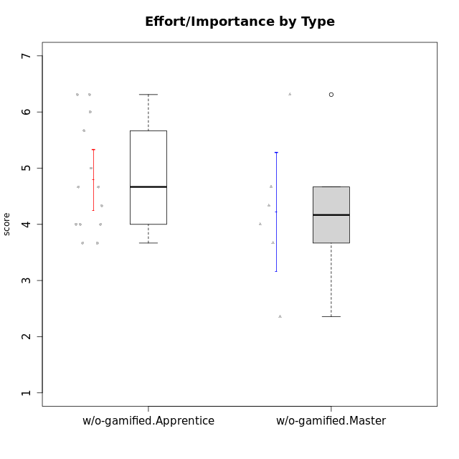

Student's t-Test data
UserID | NroUSP | Type | CLGroup | CLRole | PlayerRole | Interest/Enjoyment | Perceived Choice | Pressure/Tension | Effort/Importance | Intrinsic Motivation | Attention | Relevance | Satisfaction | Level of Motivation
10170 | 10260351 | w/o-gamified | Grupo11 | Apprentice |  | 4.1666666667 | 5.8 | 2.5 | 4.6666666667 | 5.0333333333 | 4.6666666667 | 5.25 | 4.3333333333 | 4.7692307692
10174 | 10276852 | w/o-gamified | Grupo7 | Master |  | 4.5 | 4.2 | 3.9739 | 4.3333333333 | 4.1958333333 | 5.1666666667 | 3.5 | 5 | 4.6153846154
10179 | 10310759 | w/o-gamified | Grupo10 | Master |  | 3.6666666667 | 2.6 | 1.25 | 6.3101333333 | 4.8375 | 3.5 | 5.25 | 4 | 4.1538461538
10183 | 10352030 | w/o-gamified | Grupo3 | Apprentice |  | 2.8333333333 | 4.4 | 4.75 | 3.6666666667 | 3.5375 | 2.1666666667 | 3 | 2.6666666667 | 2.7852923077
10184 | 10276675 | w/o-gamified | Grupo10 | Apprentice |  | 3.8333333333 | 4 | 3.75 | 3.6666666667 | 3.9375 | 3.8333333333 | 4.75 | 4.6666666667 | 4.3076923077
10185 | 10276960 | w/o-gamified | Grupo9 | Apprentice |  | 4.8333333333 | 3.4 | 4.25 | 4.3333333333 | 4.0791666667 | 3.8333333333 | 3.5 | 4.6666666667 | 3.9230769231
10191 | 10276981 | w/o-gamified | Grupo1 | Master |  | 2.3333333333 | 3.2 | 1 | 4.6666666667 | 4.3 | 3.3333333333 | 4.25 | 4.3333333333 | 3.8461538462
10197 | 10276661 | w/o-gamified | Grupo8 | Apprentice |  | 3.5 | 5 | 3.5 | 4.6666666667 | 4.4166666667 | 5.1666666667 | 5 | 3.3333333333 | 4.6923076923
10199 | 10276737 | w/o-gamified | Grupo1 | Apprentice |  | 3 | 3.8 | 3.25 | 4 | 3.8875 | 3.5 | 4.5 | 4.6666666667 | 4.0769230769
10201 | 10276928 | w/o-gamified | Grupo11 | Apprentice |  | 5.1666666667 | 4.2 | 3 | 5 | 4.8416666667 | 4.8333333333 | 3.5 | 5.6666666667 | 4.6153846154
10206 | 10310721 | w/o-gamified | Grupo8 | Apprentice |  | 3.6666666667 | 5.6 | 3 | 5.6666666667 | 4.9833333333 | 4.5 | 4.75 | 5.3333333333 | 4.7692307692
10213 | 10277040 | w/o-gamified | Grupo7 | Apprentice |  | 3.8333333333 | 1.42784 | 3.75 | 6.3101333333 | 4.1208333333 | 5.5 | 6.7239 | 6 | 5.5224
10217 | 9805341 | w/o-gamified | Grupo9 | Apprentice |  | 4.3333333333 | 4.2 | 1.5261 | 4 | 4.8833333333 | 3.8333333333 | 5 | 4 | 4.2307692308
10218 | 9842913 | w/o-gamified | Grupo10 | Apprentice |  | 4 | 3.6 | 4 | 4 | 3.9 | 4 | 4.5 | 3.3333333333 | 4
10219 | 10276831 | w/o-gamified | Grupo3 | Master |  | 1.8565333333 | 3.2 | 1 | 2.3565333333 | 3.5916666667 | 2.0203 | 3.5 | 1.3681333333 | 3.0133846154
10220 | 9760151 | w/o-gamified | Grupo3 | Apprentice |  | 2.5 | 6.17216 | 1.5261 | 6 | 5.475 | 1.529 | 6.25 | 6 | 4
10227 | 9274382 | w/o-gamified | Grupo5 | Master |  | 4.3333333333 | 4.6 | 3.75 | 4 | 4.2958333333 | 5.4797 | 5 | 6 | 5.2943076923
10231 | 10276911 | w/o-gamified | Grupo9 | Master |  | 4.5 | 5.57216 | 1 | 3.6666666667 | 5.3916666667 | 4 | 4.5 | 5.3333333333 | 4.4615384615
10232 | 10276974 | w/o-gamified | Grupo7 | Apprentice |  | 4.5 | 4.6 | 2.75 | 6.3101333333 | 5.1708333333 | 4.8333333333 | 5.75 | 5.6666666667 | 5.3076923077

