Assumptions
ANOVA assumptions for Interest/Enjoyment by Type

Shapiro-Wilk normality test for Interest/Enjoyment by Type
W | p.value
0.9632917277 | 0.18275608791

Plots for normality test
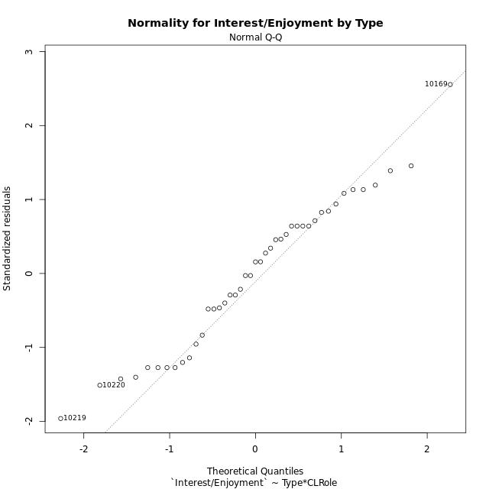

Levene's Test for Homogeneity of Variance in Interest/Enjoyment by Type
Df | F value | Pr(>F)
3 | 0.99388211234 | 0.4058082038
39

Plots for homogeneity of variance
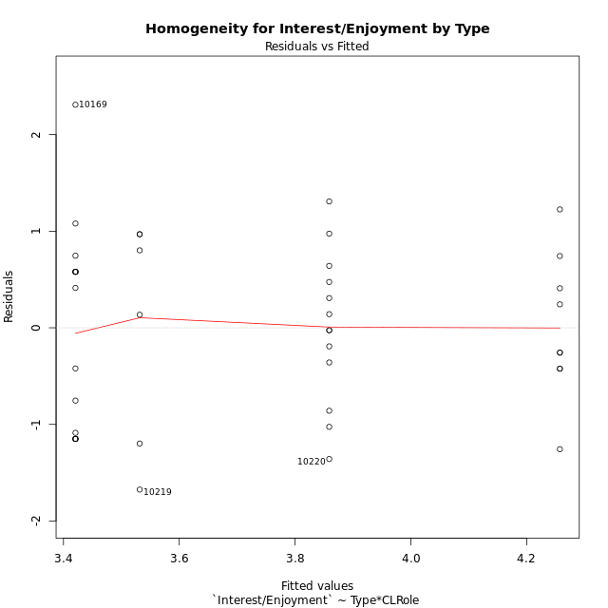

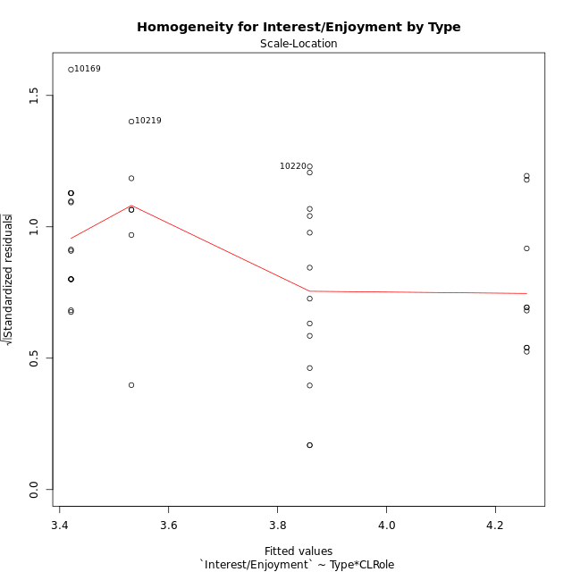

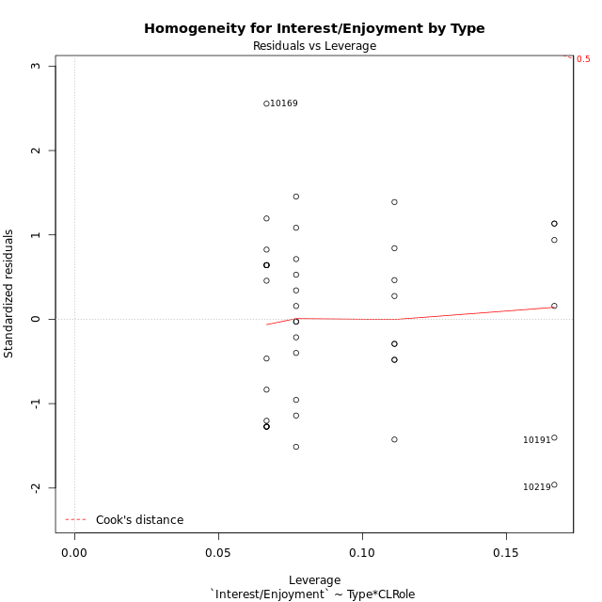

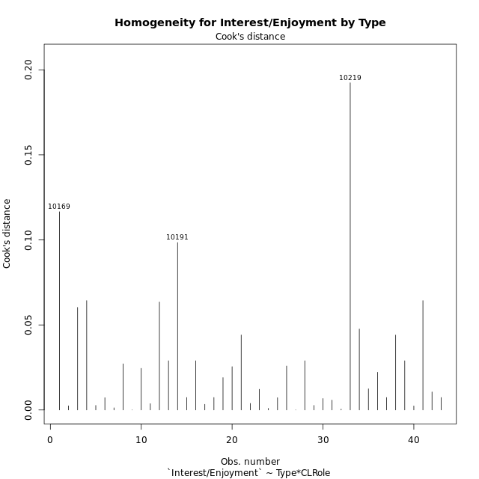

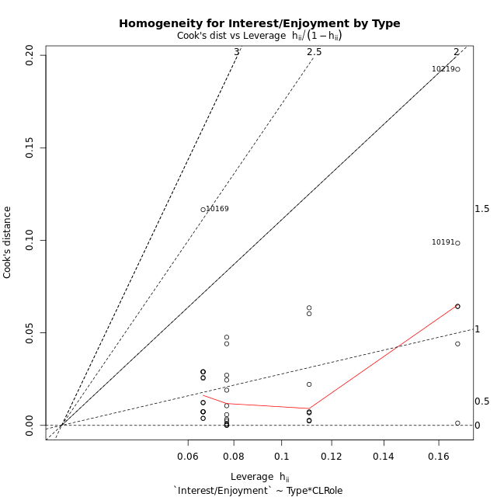

Minimum Sample Size Test for Interest/Enjoyment by Type
Type | CLRole | Freq
ont-gamified | Apprentice | 15
w/o-gamified | Apprentice | 13
ont-gamified | Master | 9
w/o-gamified | Master | 6

Errors and Warnings in Sample Size Test for ANOVA in Interest/Enjoyment by Type
code | description
WARN: sample.size | current size is 13 and recommended size is 15 for the group: 'w/o-gamified:Apprentice'.
WARN: sample.size | current size is 9 and recommended size is 15 for the group: 'ont-gamified:Master'.
WARN: sample.size | current size is 6 and recommended size is 15 for the group: 'w/o-gamified:Master'.

For the group: 'ont-gamified:Apprentice', you can perform a parametric test without having a normal distribution For the group: 'w/o-gamified:Apprentice', we recommend the use of non-parametric test. For the group: 'ont-gamified:Master', we recommend the use of non-parametric test. For the group: 'w/o-gamified:Master', we recommend the use of non-parametric test.

If you don't want to remove non-normal data, you must cite the following references: ... (1) Lix, L.M., J.C. Keselman, and H.J. Keselman. 1996. Consequences of assumption violations revisited: A quantitative review of alternatives to the one-way analysis of variance F test. Rev. Educ. Res. 66: 579-619. ... (2) Harwell, M.R., E.N. Rubinstein, W.S. Hayes, and C.C. Olds. 1992. Summarizing Monte Carlo results in methodological research: the one- and two-factor fixed effects ANOVA cases. J. Educ. Stat. 17: 315-339.

Post-hoc
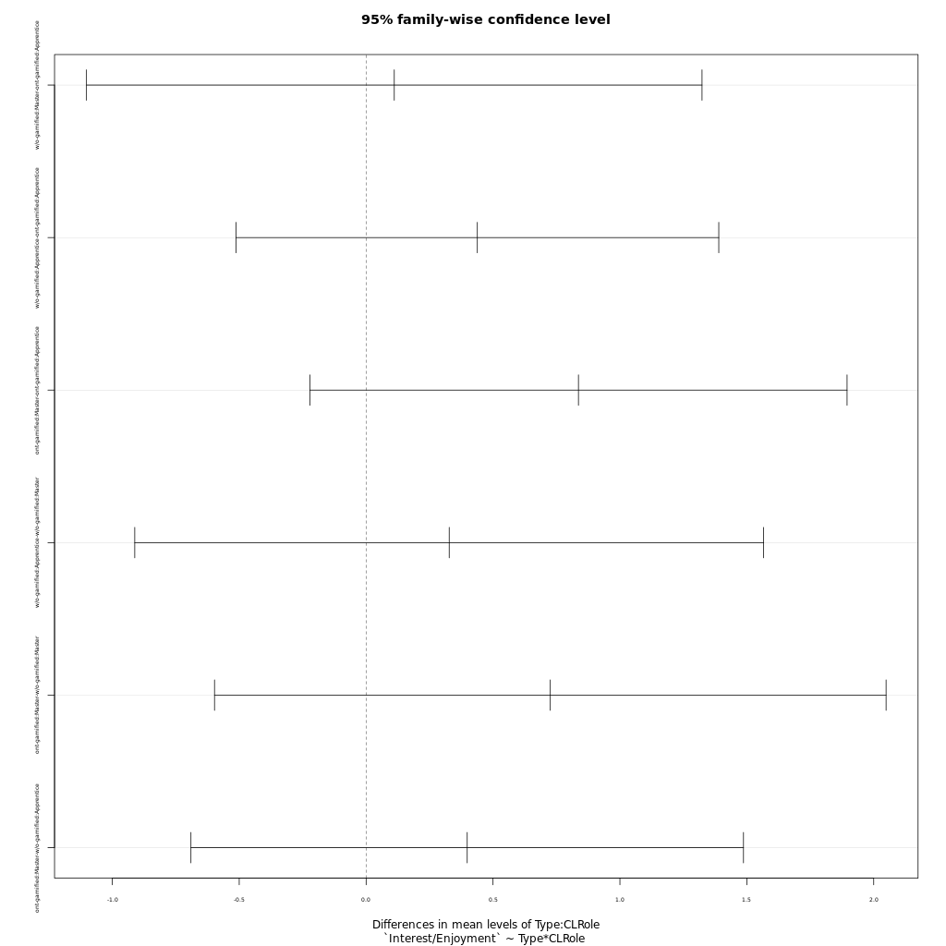
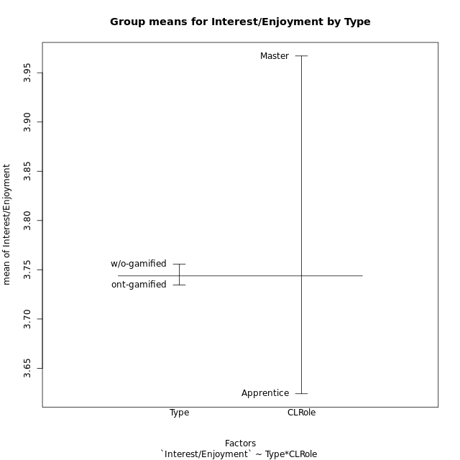
Post-hoc Tukey Honestly Significant Difference (HSD) Test for Interest/Enjoyment by Type

Comparisons of means for Type
 | diff | lwr | upr | p adj
w/o-gamified-ont-gamified | 0.021155628655 | -0.55990943808 | 0.60222069539 | 0.94167098106

Comparisons of means for CLRole
 | diff | lwr | upr | p adj
Master-Apprentice | 0.34421452851 | -0.26124140943 | 0.94967046645 | 0.2571703744

Comparisons of means for Type:CLRole
 | diff | lwr | upr | p adj
w/o-gamified:Master-ont-gamified:Apprentice | 0.11091777778 | -1.1016664836 | 1.3235020391 | 0.99471684656
w/o-gamified:Apprentice-ont-gamified:Apprentice | 0.43824769231 | -0.51298166316 | 1.3894770478 | 0.60803565146
ont-gamified:Master-ont-gamified:Apprentice | 0.83659925926 | -0.22183105773 | 1.8950295762 | 0.1643932793
w/o-gamified:Apprentice-w/o-gamified:Master | 0.32732991453 | -0.9116179559 | 1.566277785 | 0.89294578799
ont-gamified:Master-w/o-gamified:Master | 0.72568148148 | -0.59735641475 | 2.0487193777 | 0.46381683436
ont-gamified:Master-w/o-gamified:Apprentice | 0.39835156695 | -0.69018229595 | 1.4868854299 | 0.76044611883

Contrast Matrices for Interest/Enjoyment by Type - Type
contrast | estimate | SE | df | t.ratio | p.value
ont-gamified - w/o-gamified | 0.14371689459 | 0.30362950283 | 39 | 0.47332980902 | 0.63861667765

Contrast Matrices for Interest/Enjoyment by Type - Type:CLRole
contrast | CLRole | estimate | SE | df | t.ratio | p.value
ont-gamified - w/o-gamified | Apprentice | -0.43824769231 | 0.35449094431 | 39 | -1.2362733078 | 0.22375103726
ont-gamified - w/o-gamified | Master | 0.72568148148 | 0.49305138713 | 39 | 1.471817138 | 0.14909443467

Least Squares Means and Confidence Intervals for Type
Type | lsmean | SE | df | lower.CL | upper.CL | Pairs
ont-gamified | 3.8390262963 | 0.19722055485 | 39 | 3.4401100708 | 4.2379425218 | ont-gamified
w/o-gamified | 3.6953094017 | 0.23085694213 | 39 | 3.228357161 | 4.1622616424 | w/o-gamified

Least Squares Means and Confidence Intervals for Type:CLRole
Type | CLRole | lsmean | SE | df | lower.CL | upper.CL | Pairs
ont-gamified | Apprentice | 3.4207266667 | 0.24154486309 | 39 | 2.9321560653 | 3.909297268 | ont-gamified.Apprentice
w/o-gamified | Apprentice | 3.858974359 | 0.25946080381 | 39 | 3.334165347 | 4.3837833709 | w/o-gamified.Apprentice
ont-gamified | Master | 4.2573259259 | 0.31183307737 | 39 | 3.6265839918 | 4.8880678601 | ont-gamified.Master
w/o-gamified | Master | 3.5316444444 | 0.38191596224 | 39 | 2.7591464954 | 4.3041423935 | w/o-gamified.Master

Plots

Type_1
Student's t-Test for Interest/Enjoyment by Type in Type between ont-gamified:w/o-gamified

Student's t-Test results
Alternative hypothesis: less
Group | N | Mean | Mean.Difference | Std.deviation | Std.error | CI.lower | CI.upper | df | t.value | p.value | g | magnitude
ont-gamified | 24 | 3.7344513889 | -0.021155628655 | 1.0231268943 | 0.20884490277 | 3.3167615833 | 4.1521411944 | 40.542553346 | -0.072217998624 | 0.47139176236 | -0.021427666328 | negligible
w/o-gamified | 19 | 3.7556070175 | 0.021155628655 | 0.89541551204 | 0.20542240681 | 3.3447622039 | 4.1664518312 | 40.542553346 | -0.072217998624 | 0.47139176236 | -0.021427666328 | negligible
Alternative hypothesis: greater
Group | N | Mean | Mean.Difference | Std.deviation | Std.error | CI.lower | CI.upper | df | t.value | p.value | g | magnitude
ont-gamified | 24 | 3.7344513889 | -0.021155628655 | 1.0231268943 | 0.20884490277 | 3.3167615833 | 4.1521411944 | 40.542553346 | -0.072217998624 | 0.52860823764 | -0.021427666328 | negligible
w/o-gamified | 19 | 3.7556070175 | 0.021155628655 | 0.89541551204 | 0.20542240681 | 3.3447622039 | 4.1664518312 | 40.542553346 | -0.072217998624 | 0.52860823764 | -0.021427666328 | negligible
Alternative hypothesis: two.sided
Group | N | Mean | Mean.Difference | Std.deviation | Std.error | CI.lower | CI.upper | df | t.value | p.value | g | magnitude
ont-gamified | 24 | 3.7344513889 | -0.021155628655 | 1.0231268943 | 0.20884490277 | 3.3167615833 | 4.1521411944 | 40.542553346 | -0.072217998624 | 0.94278352471 | -0.021427666328 | negligible
w/o-gamified | 19 | 3.7556070175 | 0.021155628655 | 0.89541551204 | 0.20542240681 | 3.3447622039 | 4.1664518312 | 40.542553346 | -0.072217998624 | 0.94278352471 | -0.021427666328 | negligible

Box plots for Student's t-Test
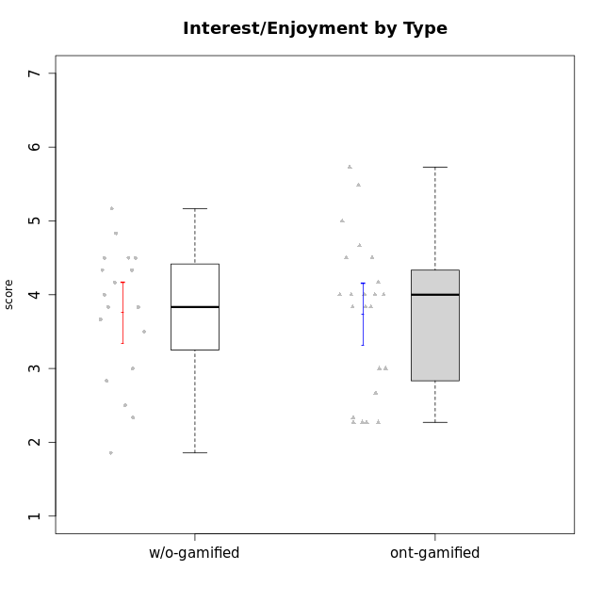

Student's t-Test data
UserID | NroUSP | Type | CLGroup | CLRole | PlayerRole | Interest/Enjoyment | Perceived Choice | Pressure/Tension | Effort/Importance | Intrinsic Motivation | Attention | Relevance | Satisfaction | Level of Motivation
10169 | 10377538 | ont-gamified | Resistance | Apprentice | Social Achiever | 5.7297 | 5.2 | 5.5 | 3.6666666667 | 4.5916666667 | 6.5514333333 | 5.5 | 7 | 5.8645384615
10170 | 10260351 | w/o-gamified | Grupo11 | Apprentice |  | 4.1666666667 | 5.8 | 2.5 | 4.6666666667 | 5.0333333333 | 4.6666666667 | 5.25 | 4.3333333333 | 4.7692307692
10171 | 698531 | ont-gamified | Mafia | Master | Social Achiever | 5.4826 | 6.2 | 1.75 | 6.9768 | 5.6972216667 | 5 | 6.25 | 5.3333333333 | 5.4615384615
10174 | 10276852 | w/o-gamified | Grupo7 | Master |  | 4.5 | 4.2 | 3.9739 | 4.3333333333 | 4.1958333333 | 5.1666666667 | 3.5 | 5 | 4.6153846154
10175 | 10310700 | ont-gamified | Warriors | Master | Social Achiever | 4 | 6.6 | 1 | 6 | 5.6972216667 | 5.1666666667 | 6.25 | 5.6666666667 | 5.6153846154
10176 | 10276949 | ont-gamified | Outlaws | Master | Social Achiever | 3.8333333333 | 3.4 | 4.5 | 3.6666666667 | 3.6 | 4.3333333333 | 4.5174 | 4 | 4.1538461538
10179 | 10310759 | w/o-gamified | Grupo10 | Master |  | 3.6666666667 | 2.6 | 1.25 | 6.3101333333 | 4.8375 | 3.5 | 5.25 | 4 | 4.1538461538
10183 | 10352030 | w/o-gamified | Grupo3 | Apprentice |  | 2.8333333333 | 4.4 | 4.75 | 3.6666666667 | 3.5375 | 2.1666666667 | 3 | 2.6666666667 | 2.7852923077
10184 | 10276675 | w/o-gamified | Grupo10 | Apprentice |  | 3.8333333333 | 4 | 3.75 | 3.6666666667 | 3.9375 | 3.8333333333 | 4.75 | 4.6666666667 | 4.3076923077
10185 | 10276960 | w/o-gamified | Grupo9 | Apprentice |  | 4.8333333333 | 3.4 | 4.25 | 4.3333333333 | 4.0791666667 | 3.8333333333 | 3.5 | 4.6666666667 | 3.9230769231
10186 | 10310551 | ont-gamified | Slayers | Apprentice | Social Achiever | 3.8333333333 | 4.6 | 5 | 7 | 4.6083333333 | 3.5 | 5.5 | 6.3333333333 | 4.7692307692
10188 | 10276995 | ont-gamified | Vandals | Master | Yee Achiever | 3 | 6.2 | 1 | 5 | 5.3 | 3.3333333333 | 6.5 | 3 | 4.2307692308
10189 | 9363926 | ont-gamified | Vikings | Apprentice | Social Achiever | 2.2703 | 3.4 | 2 | 5.6666666667 | 4.2666666667 | 1.3333333333 | 3.75 | 2.6666666667 | 2.4431538462
10191 | 10276981 | w/o-gamified | Grupo1 | Master |  | 2.3333333333 | 3.2 | 1 | 4.6666666667 | 4.3 | 3.3333333333 | 4.25 | 4.3333333333 | 3.8461538462
10192 | 10276682 | ont-gamified | Attractive Devils | Apprentice | Social Achiever | 4 | 4.8 | 4.25 | 5.6666666667 | 4.5541666667 | 5.1666666667 | 4.5 | 6.6666666667 | 5.3076923077
10193 | 10276762 | ont-gamified | Vandals | Apprentice | Yee Achiever | 2.2703 | 7 | 2.75 | 5 | 4.6458333333 | 1.1666666667 | 6.7239 | 1.3681333333 | 2.9230769231
10197 | 10276661 | w/o-gamified | Grupo8 | Apprentice |  | 3.5 | 5 | 3.5 | 4.6666666667 | 4.4166666667 | 5.1666666667 | 5 | 3.3333333333 | 4.6923076923
10198 | 10310888 | ont-gamified | Attractive Devils | Apprentice | Social Achiever | 4 | 3.6 | 4.25 | 5.6666666667 | 4.2541666667 | 5.8333333333 | 5.25 | 6.6666666667 | 5.8461538462
10199 | 10276737 | w/o-gamified | Grupo1 | Apprentice |  | 3 | 3.8 | 3.25 | 4 | 3.8875 | 3.5 | 4.5 | 4.6666666667 | 4.0769230769
10200 | 9795272 | ont-gamified | Warriors | Apprentice | Social Achiever | 4.5 | 4.8 | 4.75 | 6.6666666667 | 4.8041666667 | 5 | 5.25 | 6 | 5.3076923077
10201 | 10276928 | w/o-gamified | Grupo11 | Apprentice |  | 5.1666666667 | 4.2 | 3 | 5 | 4.8416666667 | 4.8333333333 | 3.5 | 5.6666666667 | 4.6153846154
10202 | 10277036 | ont-gamified | Silly Knights | Apprentice | Social Achiever | 3 | 5.2 | 3.5 | 5.6666666667 | 4.5916666667 | 3.1666666667 | 4.5 | 5 | 4
10203 | 9921470 | ont-gamified | Mercenaries | Apprentice | Social Achiever | 4.1666666667 | 6.4 | 3.25 | 7 | 5.1978933333 | 4.5 | 4 | 6.3333333333 | 4.7692307692
10206 | 10310721 | w/o-gamified | Grupo8 | Apprentice |  | 3.6666666667 | 5.6 | 3 | 5.6666666667 | 4.9833333333 | 4.5 | 4.75 | 5.3333333333 | 4.7692307692
10208 | 10276932 | ont-gamified | Mercenaries | Master | Social Achiever | 3.8333333333 | 4.8 | 2.25 | 5.6666666667 | 5.0125 | 2.5 | 4.5174 | 4.3333333333 | 3.2307692308
10209 | 10262669 | ont-gamified | Mafia | Apprentice | Social Achiever | 2.3333333333 | 1.6348 | 1.7761 | 4.6666666667 | 3.7875 | 2.3333333333 | 4.25 | 2.3333333333 | 2.9230769231
10213 | 10277040 | w/o-gamified | Grupo7 | Apprentice |  | 3.8333333333 | 1.42784 | 3.75 | 6.3101333333 | 4.1208333333 | 5.5 | 6.7239 | 6 | 5.5224
10214 | 10277022 | ont-gamified | Vikings | Apprentice | Social Achiever | 2.2703 | 2.6 | 4 | 7 | 3.6916666667 | 2.1666666667 | 3.25 | 3.6666666667 | 2.8461538462
10215 | 9285227 | ont-gamified | Vikings | Master | Social Achiever | 4 | 5.4 | 2.5 | 4.3333333333 | 4.8083333333 | 3 | 6.25 | 2.3333333333 | 3.8461538462
10216 | 10276720 | ont-gamified | Silly Knights | Master | Social Achiever | 4.6666666667 | 5.8 | 1 | 5.6666666667 | 5.6972216667 | 3.8333333333 | 6 | 5.3333333333 | 4.8461538462
10217 | 9805341 | w/o-gamified | Grupo9 | Apprentice |  | 4.3333333333 | 4.2 | 1.5261 | 4 | 4.8833333333 | 3.8333333333 | 5 | 4 | 4.2307692308
10218 | 9842913 | w/o-gamified | Grupo10 | Apprentice |  | 4 | 3.6 | 4 | 4 | 3.9 | 4 | 4.5 | 3.3333333333 | 4
10219 | 10276831 | w/o-gamified | Grupo3 | Master |  | 1.8565333333 | 3.2 | 1 | 2.3565333333 | 3.5916666667 | 2.0203 | 3.5 | 1.3681333333 | 3.0133846154
10220 | 9760151 | w/o-gamified | Grupo3 | Apprentice |  | 2.5 | 6.17216 | 1.5261 | 6 | 5.475 | 1.529 | 6.25 | 6 | 4
10221 | 9082496 | ont-gamified | Warriors | Apprentice | Social Achiever | 2.6666666667 | 3 | 3.25 | 5.3333333333 | 3.9375 | 2.8333333333 | 2.5261 | 4 | 3
10223 | 9795185 | ont-gamified | Slayers | Master | Social Achiever | 5 | 4.2 | 3.5 | 4.3333333333 | 4.5083333333 | 3.8333333333 | 5 | 4.3333333333 | 4.3076923077
10224 | 9368772 | ont-gamified | Mercenaries | Apprentice | Social Achiever | 4 | 3.6 | 4.75 | 4 | 3.7125 | 4.3333333333 | 4.5 | 5 | 4.5384615385
10227 | 9274382 | w/o-gamified | Grupo5 | Master |  | 4.3333333333 | 4.6 | 3.75 | 4 | 4.2958333333 | 5.4797 | 5 | 6 | 5.2943076923
10228 | 10310492 | ont-gamified | Resistance | Apprentice | Social Achiever | 2.2703 | 6.4 | 3.5 | 5 | 4.3083333333 | 2.1666666667 | 4.75 | 4 | 3.3846153846
10230 | 10351992 | ont-gamified | Resistance | Master | Social Achiever | 4.5 | 4 | 4 | 4.6666666667 | 4.2916666667 | 4.6666666667 | 4.75 | 4 | 4.5384615385
10231 | 10276911 | w/o-gamified | Grupo9 | Master |  | 4.5 | 5.57216 | 1 | 3.6666666667 | 5.3916666667 | 4 | 4.5 | 5.3333333333 | 4.4615384615
10232 | 10276974 | w/o-gamified | Grupo7 | Apprentice |  | 4.5 | 4.6 | 2.75 | 6.3101333333 | 5.1708333333 | 4.8333333333 | 5.75 | 5.6666666667 | 5.3076923077
10237 | 10377688 | ont-gamified | Outlaws | Apprentice | Social Achiever | 4 | 4.2 | 4.75 | 4.6666666667 | 4.0291666667 | 3.6666666667 | 4.5 | 4.3333333333 | 4.0769230769

Type_CLRole_1
Student's t-Test for Interest/Enjoyment by Type in Type:CLRole between ont-gamified.Apprentice:ont-gamified.Master

Student's t-Test results
Alternative hypothesis: less
Group | N | Mean | Mean.Difference | Std.deviation | Std.error | CI.lower | CI.upper | df | t.value | p.value | g | magnitude
ont-gamified.Apprentice | 15 | 3.4207266667 | -0.83659925926 | 1.0619072343 | 0.27418326892 | 2.8723601288 | 3.9690932045 | 21.377920067 | -2.2716987845 | 0.016771354179 | -0.84424330765 | large
ont-gamified.Master | 9 | 4.2573259259 | 0.83659925926 | 0.73757652744 | 0.24585884248 | 3.765608241 | 4.7490436109 | 21.377920067 | -2.2716987845 | 0.016771354179 | -0.84424330765 | large
Alternative hypothesis: greater
Group | N | Mean | Mean.Difference | Std.deviation | Std.error | CI.lower | CI.upper | df | t.value | p.value | g | magnitude
ont-gamified.Apprentice | 15 | 3.4207266667 | -0.83659925926 | 1.0619072343 | 0.27418326892 | 2.8723601288 | 3.9690932045 | 21.377920067 | -2.2716987845 | 0.98322864582 | -0.84424330765 | large
ont-gamified.Master | 9 | 4.2573259259 | 0.83659925926 | 0.73757652744 | 0.24585884248 | 3.765608241 | 4.7490436109 | 21.377920067 | -2.2716987845 | 0.98322864582 | -0.84424330765 | large
Alternative hypothesis: two.sided
Group | N | Mean | Mean.Difference | Std.deviation | Std.error | CI.lower | CI.upper | df | t.value | p.value | g | magnitude
ont-gamified.Apprentice | 15 | 3.4207266667 | -0.83659925926 | 1.0619072343 | 0.27418326892 | 2.8723601288 | 3.9690932045 | 21.377920067 | -2.2716987845 | 0.033542708359 | -0.84424330765 | large
ont-gamified.Master | 9 | 4.2573259259 | 0.83659925926 | 0.73757652744 | 0.24585884248 | 3.765608241 | 4.7490436109 | 21.377920067 | -2.2716987845 | 0.033542708359 | -0.84424330765 | large

Box plots for Student's t-Test
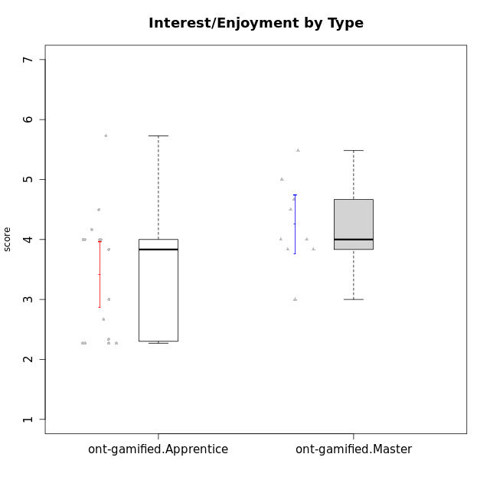

Student's t-Test data
UserID | NroUSP | Type | CLGroup | CLRole | PlayerRole | Interest/Enjoyment | Perceived Choice | Pressure/Tension | Effort/Importance | Intrinsic Motivation | Attention | Relevance | Satisfaction | Level of Motivation
10169 | 10377538 | ont-gamified | Resistance | Apprentice | Social Achiever | 5.7297 | 5.2 | 5.5 | 3.6666666667 | 4.5916666667 | 6.5514333333 | 5.5 | 7 | 5.8645384615
10171 | 698531 | ont-gamified | Mafia | Master | Social Achiever | 5.4826 | 6.2 | 1.75 | 6.9768 | 5.6972216667 | 5 | 6.25 | 5.3333333333 | 5.4615384615
10175 | 10310700 | ont-gamified | Warriors | Master | Social Achiever | 4 | 6.6 | 1 | 6 | 5.6972216667 | 5.1666666667 | 6.25 | 5.6666666667 | 5.6153846154
10176 | 10276949 | ont-gamified | Outlaws | Master | Social Achiever | 3.8333333333 | 3.4 | 4.5 | 3.6666666667 | 3.6 | 4.3333333333 | 4.5174 | 4 | 4.1538461538
10186 | 10310551 | ont-gamified | Slayers | Apprentice | Social Achiever | 3.8333333333 | 4.6 | 5 | 7 | 4.6083333333 | 3.5 | 5.5 | 6.3333333333 | 4.7692307692
10188 | 10276995 | ont-gamified | Vandals | Master | Yee Achiever | 3 | 6.2 | 1 | 5 | 5.3 | 3.3333333333 | 6.5 | 3 | 4.2307692308
10189 | 9363926 | ont-gamified | Vikings | Apprentice | Social Achiever | 2.2703 | 3.4 | 2 | 5.6666666667 | 4.2666666667 | 1.3333333333 | 3.75 | 2.6666666667 | 2.4431538462
10192 | 10276682 | ont-gamified | Attractive Devils | Apprentice | Social Achiever | 4 | 4.8 | 4.25 | 5.6666666667 | 4.5541666667 | 5.1666666667 | 4.5 | 6.6666666667 | 5.3076923077
10193 | 10276762 | ont-gamified | Vandals | Apprentice | Yee Achiever | 2.2703 | 7 | 2.75 | 5 | 4.6458333333 | 1.1666666667 | 6.7239 | 1.3681333333 | 2.9230769231
10198 | 10310888 | ont-gamified | Attractive Devils | Apprentice | Social Achiever | 4 | 3.6 | 4.25 | 5.6666666667 | 4.2541666667 | 5.8333333333 | 5.25 | 6.6666666667 | 5.8461538462
10200 | 9795272 | ont-gamified | Warriors | Apprentice | Social Achiever | 4.5 | 4.8 | 4.75 | 6.6666666667 | 4.8041666667 | 5 | 5.25 | 6 | 5.3076923077
10202 | 10277036 | ont-gamified | Silly Knights | Apprentice | Social Achiever | 3 | 5.2 | 3.5 | 5.6666666667 | 4.5916666667 | 3.1666666667 | 4.5 | 5 | 4
10203 | 9921470 | ont-gamified | Mercenaries | Apprentice | Social Achiever | 4.1666666667 | 6.4 | 3.25 | 7 | 5.1978933333 | 4.5 | 4 | 6.3333333333 | 4.7692307692
10208 | 10276932 | ont-gamified | Mercenaries | Master | Social Achiever | 3.8333333333 | 4.8 | 2.25 | 5.6666666667 | 5.0125 | 2.5 | 4.5174 | 4.3333333333 | 3.2307692308
10209 | 10262669 | ont-gamified | Mafia | Apprentice | Social Achiever | 2.3333333333 | 1.6348 | 1.7761 | 4.6666666667 | 3.7875 | 2.3333333333 | 4.25 | 2.3333333333 | 2.9230769231
10214 | 10277022 | ont-gamified | Vikings | Apprentice | Social Achiever | 2.2703 | 2.6 | 4 | 7 | 3.6916666667 | 2.1666666667 | 3.25 | 3.6666666667 | 2.8461538462
10215 | 9285227 | ont-gamified | Vikings | Master | Social Achiever | 4 | 5.4 | 2.5 | 4.3333333333 | 4.8083333333 | 3 | 6.25 | 2.3333333333 | 3.8461538462
10216 | 10276720 | ont-gamified | Silly Knights | Master | Social Achiever | 4.6666666667 | 5.8 | 1 | 5.6666666667 | 5.6972216667 | 3.8333333333 | 6 | 5.3333333333 | 4.8461538462
10221 | 9082496 | ont-gamified | Warriors | Apprentice | Social Achiever | 2.6666666667 | 3 | 3.25 | 5.3333333333 | 3.9375 | 2.8333333333 | 2.5261 | 4 | 3
10223 | 9795185 | ont-gamified | Slayers | Master | Social Achiever | 5 | 4.2 | 3.5 | 4.3333333333 | 4.5083333333 | 3.8333333333 | 5 | 4.3333333333 | 4.3076923077
10224 | 9368772 | ont-gamified | Mercenaries | Apprentice | Social Achiever | 4 | 3.6 | 4.75 | 4 | 3.7125 | 4.3333333333 | 4.5 | 5 | 4.5384615385
10228 | 10310492 | ont-gamified | Resistance | Apprentice | Social Achiever | 2.2703 | 6.4 | 3.5 | 5 | 4.3083333333 | 2.1666666667 | 4.75 | 4 | 3.3846153846
10230 | 10351992 | ont-gamified | Resistance | Master | Social Achiever | 4.5 | 4 | 4 | 4.6666666667 | 4.2916666667 | 4.6666666667 | 4.75 | 4 | 4.5384615385
10237 | 10377688 | ont-gamified | Outlaws | Apprentice | Social Achiever | 4 | 4.2 | 4.75 | 4.6666666667 | 4.0291666667 | 3.6666666667 | 4.5 | 4.3333333333 | 4.0769230769

Type_CLRole_2
Student's t-Test for Interest/Enjoyment by Type in Type:CLRole between ont-gamified.Apprentice:w/o-gamified.Apprentice

Student's t-Test results
Alternative hypothesis: less
Group | N | Mean | Mean.Difference | Std.deviation | Std.error | CI.lower | CI.upper | df | t.value | p.value | g | magnitude
ont-gamified.Apprentice | 15 | 3.4207266667 | -0.43824769231 | 1.0619072343 | 0.27418326892 | 2.8723601288 | 3.9690932045 | 25.336183246 | -1.2577031517 | 0.10998413037 | -0.45237463975 | small
w/o-gamified.Apprentice | 13 | 3.858974359 | 0.43824769231 | 0.77533192965 | 0.21503838676 | 3.4288975855 | 4.2890511325 | 25.336183246 | -1.2577031517 | 0.10998413037 | -0.45237463975 | small
Alternative hypothesis: greater
Group | N | Mean | Mean.Difference | Std.deviation | Std.error | CI.lower | CI.upper | df | t.value | p.value | g | magnitude
ont-gamified.Apprentice | 15 | 3.4207266667 | -0.43824769231 | 1.0619072343 | 0.27418326892 | 2.8723601288 | 3.9690932045 | 25.336183246 | -1.2577031517 | 0.89001586963 | -0.45237463975 | small
w/o-gamified.Apprentice | 13 | 3.858974359 | 0.43824769231 | 0.77533192965 | 0.21503838676 | 3.4288975855 | 4.2890511325 | 25.336183246 | -1.2577031517 | 0.89001586963 | -0.45237463975 | small
Alternative hypothesis: two.sided
Group | N | Mean | Mean.Difference | Std.deviation | Std.error | CI.lower | CI.upper | df | t.value | p.value | g | magnitude
ont-gamified.Apprentice | 15 | 3.4207266667 | -0.43824769231 | 1.0619072343 | 0.27418326892 | 2.8723601288 | 3.9690932045 | 25.336183246 | -1.2577031517 | 0.21996826075 | -0.45237463975 | small
w/o-gamified.Apprentice | 13 | 3.858974359 | 0.43824769231 | 0.77533192965 | 0.21503838676 | 3.4288975855 | 4.2890511325 | 25.336183246 | -1.2577031517 | 0.21996826075 | -0.45237463975 | small

Box plots for Student's t-Test
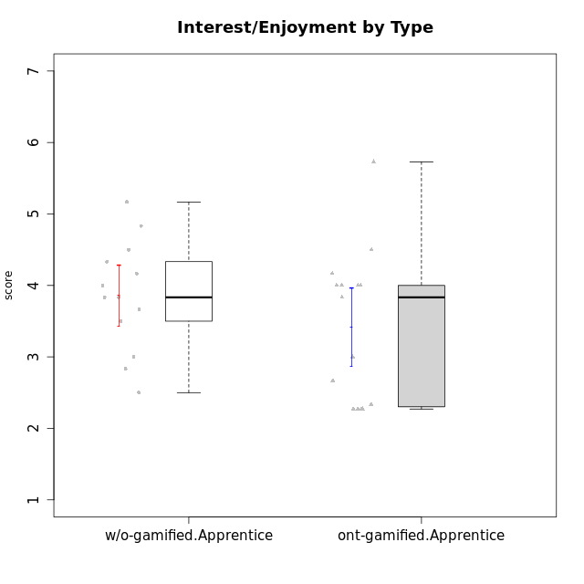

Student's t-Test data
UserID | NroUSP | Type | CLGroup | CLRole | PlayerRole | Interest/Enjoyment | Perceived Choice | Pressure/Tension | Effort/Importance | Intrinsic Motivation | Attention | Relevance | Satisfaction | Level of Motivation
10169 | 10377538 | ont-gamified | Resistance | Apprentice | Social Achiever | 5.7297 | 5.2 | 5.5 | 3.6666666667 | 4.5916666667 | 6.5514333333 | 5.5 | 7 | 5.8645384615
10170 | 10260351 | w/o-gamified | Grupo11 | Apprentice |  | 4.1666666667 | 5.8 | 2.5 | 4.6666666667 | 5.0333333333 | 4.6666666667 | 5.25 | 4.3333333333 | 4.7692307692
10183 | 10352030 | w/o-gamified | Grupo3 | Apprentice |  | 2.8333333333 | 4.4 | 4.75 | 3.6666666667 | 3.5375 | 2.1666666667 | 3 | 2.6666666667 | 2.7852923077
10184 | 10276675 | w/o-gamified | Grupo10 | Apprentice |  | 3.8333333333 | 4 | 3.75 | 3.6666666667 | 3.9375 | 3.8333333333 | 4.75 | 4.6666666667 | 4.3076923077
10185 | 10276960 | w/o-gamified | Grupo9 | Apprentice |  | 4.8333333333 | 3.4 | 4.25 | 4.3333333333 | 4.0791666667 | 3.8333333333 | 3.5 | 4.6666666667 | 3.9230769231
10186 | 10310551 | ont-gamified | Slayers | Apprentice | Social Achiever | 3.8333333333 | 4.6 | 5 | 7 | 4.6083333333 | 3.5 | 5.5 | 6.3333333333 | 4.7692307692
10189 | 9363926 | ont-gamified | Vikings | Apprentice | Social Achiever | 2.2703 | 3.4 | 2 | 5.6666666667 | 4.2666666667 | 1.3333333333 | 3.75 | 2.6666666667 | 2.4431538462
10192 | 10276682 | ont-gamified | Attractive Devils | Apprentice | Social Achiever | 4 | 4.8 | 4.25 | 5.6666666667 | 4.5541666667 | 5.1666666667 | 4.5 | 6.6666666667 | 5.3076923077
10193 | 10276762 | ont-gamified | Vandals | Apprentice | Yee Achiever | 2.2703 | 7 | 2.75 | 5 | 4.6458333333 | 1.1666666667 | 6.7239 | 1.3681333333 | 2.9230769231
10197 | 10276661 | w/o-gamified | Grupo8 | Apprentice |  | 3.5 | 5 | 3.5 | 4.6666666667 | 4.4166666667 | 5.1666666667 | 5 | 3.3333333333 | 4.6923076923
10198 | 10310888 | ont-gamified | Attractive Devils | Apprentice | Social Achiever | 4 | 3.6 | 4.25 | 5.6666666667 | 4.2541666667 | 5.8333333333 | 5.25 | 6.6666666667 | 5.8461538462
10199 | 10276737 | w/o-gamified | Grupo1 | Apprentice |  | 3 | 3.8 | 3.25 | 4 | 3.8875 | 3.5 | 4.5 | 4.6666666667 | 4.0769230769
10200 | 9795272 | ont-gamified | Warriors | Apprentice | Social Achiever | 4.5 | 4.8 | 4.75 | 6.6666666667 | 4.8041666667 | 5 | 5.25 | 6 | 5.3076923077
10201 | 10276928 | w/o-gamified | Grupo11 | Apprentice |  | 5.1666666667 | 4.2 | 3 | 5 | 4.8416666667 | 4.8333333333 | 3.5 | 5.6666666667 | 4.6153846154
10202 | 10277036 | ont-gamified | Silly Knights | Apprentice | Social Achiever | 3 | 5.2 | 3.5 | 5.6666666667 | 4.5916666667 | 3.1666666667 | 4.5 | 5 | 4
10203 | 9921470 | ont-gamified | Mercenaries | Apprentice | Social Achiever | 4.1666666667 | 6.4 | 3.25 | 7 | 5.1978933333 | 4.5 | 4 | 6.3333333333 | 4.7692307692
10206 | 10310721 | w/o-gamified | Grupo8 | Apprentice |  | 3.6666666667 | 5.6 | 3 | 5.6666666667 | 4.9833333333 | 4.5 | 4.75 | 5.3333333333 | 4.7692307692
10209 | 10262669 | ont-gamified | Mafia | Apprentice | Social Achiever | 2.3333333333 | 1.6348 | 1.7761 | 4.6666666667 | 3.7875 | 2.3333333333 | 4.25 | 2.3333333333 | 2.9230769231
10213 | 10277040 | w/o-gamified | Grupo7 | Apprentice |  | 3.8333333333 | 1.42784 | 3.75 | 6.3101333333 | 4.1208333333 | 5.5 | 6.7239 | 6 | 5.5224
10214 | 10277022 | ont-gamified | Vikings | Apprentice | Social Achiever | 2.2703 | 2.6 | 4 | 7 | 3.6916666667 | 2.1666666667 | 3.25 | 3.6666666667 | 2.8461538462
10217 | 9805341 | w/o-gamified | Grupo9 | Apprentice |  | 4.3333333333 | 4.2 | 1.5261 | 4 | 4.8833333333 | 3.8333333333 | 5 | 4 | 4.2307692308
10218 | 9842913 | w/o-gamified | Grupo10 | Apprentice |  | 4 | 3.6 | 4 | 4 | 3.9 | 4 | 4.5 | 3.3333333333 | 4
10220 | 9760151 | w/o-gamified | Grupo3 | Apprentice |  | 2.5 | 6.17216 | 1.5261 | 6 | 5.475 | 1.529 | 6.25 | 6 | 4
10221 | 9082496 | ont-gamified | Warriors | Apprentice | Social Achiever | 2.6666666667 | 3 | 3.25 | 5.3333333333 | 3.9375 | 2.8333333333 | 2.5261 | 4 | 3
10224 | 9368772 | ont-gamified | Mercenaries | Apprentice | Social Achiever | 4 | 3.6 | 4.75 | 4 | 3.7125 | 4.3333333333 | 4.5 | 5 | 4.5384615385
10228 | 10310492 | ont-gamified | Resistance | Apprentice | Social Achiever | 2.2703 | 6.4 | 3.5 | 5 | 4.3083333333 | 2.1666666667 | 4.75 | 4 | 3.3846153846
10232 | 10276974 | w/o-gamified | Grupo7 | Apprentice |  | 4.5 | 4.6 | 2.75 | 6.3101333333 | 5.1708333333 | 4.8333333333 | 5.75 | 5.6666666667 | 5.3076923077
10237 | 10377688 | ont-gamified | Outlaws | Apprentice | Social Achiever | 4 | 4.2 | 4.75 | 4.6666666667 | 4.0291666667 | 3.6666666667 | 4.5 | 4.3333333333 | 4.0769230769

Type_CLRole_3
Student's t-Test for Interest/Enjoyment by Type in Type:CLRole between ont-gamified.Apprentice:w/o-gamified.Master

Student's t-Test results
Alternative hypothesis: less
Group | N | Mean | Mean.Difference | Std.deviation | Std.error | CI.lower | CI.upper | df | t.value | p.value | g | magnitude
ont-gamified.Apprentice | 15 | 3.4207266667 | -0.11091777778 | 1.0619072343 | 0.27418326892 | 2.8723601288 | 3.9690932045 | 8.5429779608 | -0.2021302519 | 0.42227296606 | -0.097707523989 | negligible
w/o-gamified.Master | 6 | 3.5316444444 | 0.11091777778 | 1.1643288017 | 0.47533524284 | 2.5809739588 | 4.4823149301 | 8.5429779608 | -0.2021302519 | 0.42227296606 | -0.097707523989 | negligible
Alternative hypothesis: greater
Group | N | Mean | Mean.Difference | Std.deviation | Std.error | CI.lower | CI.upper | df | t.value | p.value | g | magnitude
ont-gamified.Apprentice | 15 | 3.4207266667 | -0.11091777778 | 1.0619072343 | 0.27418326892 | 2.8723601288 | 3.9690932045 | 8.5429779608 | -0.2021302519 | 0.57772703394 | -0.097707523989 | negligible
w/o-gamified.Master | 6 | 3.5316444444 | 0.11091777778 | 1.1643288017 | 0.47533524284 | 2.5809739588 | 4.4823149301 | 8.5429779608 | -0.2021302519 | 0.57772703394 | -0.097707523989 | negligible
Alternative hypothesis: two.sided
Group | N | Mean | Mean.Difference | Std.deviation | Std.error | CI.lower | CI.upper | df | t.value | p.value | g | magnitude
ont-gamified.Apprentice | 15 | 3.4207266667 | -0.11091777778 | 1.0619072343 | 0.27418326892 | 2.8723601288 | 3.9690932045 | 8.5429779608 | -0.2021302519 | 0.84454593212 | -0.097707523989 | negligible
w/o-gamified.Master | 6 | 3.5316444444 | 0.11091777778 | 1.1643288017 | 0.47533524284 | 2.5809739588 | 4.4823149301 | 8.5429779608 | -0.2021302519 | 0.84454593212 | -0.097707523989 | negligible

Box plots for Student's t-Test
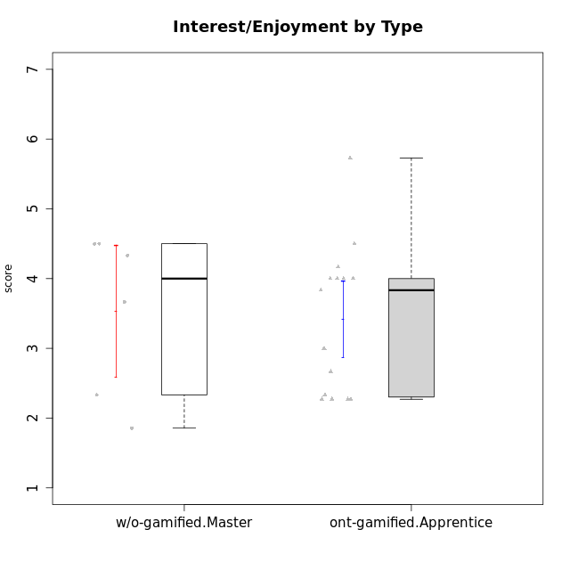

Student's t-Test data
UserID | NroUSP | Type | CLGroup | CLRole | PlayerRole | Interest/Enjoyment | Perceived Choice | Pressure/Tension | Effort/Importance | Intrinsic Motivation | Attention | Relevance | Satisfaction | Level of Motivation
10169 | 10377538 | ont-gamified | Resistance | Apprentice | Social Achiever | 5.7297 | 5.2 | 5.5 | 3.6666666667 | 4.5916666667 | 6.5514333333 | 5.5 | 7 | 5.8645384615
10174 | 10276852 | w/o-gamified | Grupo7 | Master |  | 4.5 | 4.2 | 3.9739 | 4.3333333333 | 4.1958333333 | 5.1666666667 | 3.5 | 5 | 4.6153846154
10179 | 10310759 | w/o-gamified | Grupo10 | Master |  | 3.6666666667 | 2.6 | 1.25 | 6.3101333333 | 4.8375 | 3.5 | 5.25 | 4 | 4.1538461538
10186 | 10310551 | ont-gamified | Slayers | Apprentice | Social Achiever | 3.8333333333 | 4.6 | 5 | 7 | 4.6083333333 | 3.5 | 5.5 | 6.3333333333 | 4.7692307692
10189 | 9363926 | ont-gamified | Vikings | Apprentice | Social Achiever | 2.2703 | 3.4 | 2 | 5.6666666667 | 4.2666666667 | 1.3333333333 | 3.75 | 2.6666666667 | 2.4431538462
10191 | 10276981 | w/o-gamified | Grupo1 | Master |  | 2.3333333333 | 3.2 | 1 | 4.6666666667 | 4.3 | 3.3333333333 | 4.25 | 4.3333333333 | 3.8461538462
10192 | 10276682 | ont-gamified | Attractive Devils | Apprentice | Social Achiever | 4 | 4.8 | 4.25 | 5.6666666667 | 4.5541666667 | 5.1666666667 | 4.5 | 6.6666666667 | 5.3076923077
10193 | 10276762 | ont-gamified | Vandals | Apprentice | Yee Achiever | 2.2703 | 7 | 2.75 | 5 | 4.6458333333 | 1.1666666667 | 6.7239 | 1.3681333333 | 2.9230769231
10198 | 10310888 | ont-gamified | Attractive Devils | Apprentice | Social Achiever | 4 | 3.6 | 4.25 | 5.6666666667 | 4.2541666667 | 5.8333333333 | 5.25 | 6.6666666667 | 5.8461538462
10200 | 9795272 | ont-gamified | Warriors | Apprentice | Social Achiever | 4.5 | 4.8 | 4.75 | 6.6666666667 | 4.8041666667 | 5 | 5.25 | 6 | 5.3076923077
10202 | 10277036 | ont-gamified | Silly Knights | Apprentice | Social Achiever | 3 | 5.2 | 3.5 | 5.6666666667 | 4.5916666667 | 3.1666666667 | 4.5 | 5 | 4
10203 | 9921470 | ont-gamified | Mercenaries | Apprentice | Social Achiever | 4.1666666667 | 6.4 | 3.25 | 7 | 5.1978933333 | 4.5 | 4 | 6.3333333333 | 4.7692307692
10209 | 10262669 | ont-gamified | Mafia | Apprentice | Social Achiever | 2.3333333333 | 1.6348 | 1.7761 | 4.6666666667 | 3.7875 | 2.3333333333 | 4.25 | 2.3333333333 | 2.9230769231
10214 | 10277022 | ont-gamified | Vikings | Apprentice | Social Achiever | 2.2703 | 2.6 | 4 | 7 | 3.6916666667 | 2.1666666667 | 3.25 | 3.6666666667 | 2.8461538462
10219 | 10276831 | w/o-gamified | Grupo3 | Master |  | 1.8565333333 | 3.2 | 1 | 2.3565333333 | 3.5916666667 | 2.0203 | 3.5 | 1.3681333333 | 3.0133846154
10221 | 9082496 | ont-gamified | Warriors | Apprentice | Social Achiever | 2.6666666667 | 3 | 3.25 | 5.3333333333 | 3.9375 | 2.8333333333 | 2.5261 | 4 | 3
10224 | 9368772 | ont-gamified | Mercenaries | Apprentice | Social Achiever | 4 | 3.6 | 4.75 | 4 | 3.7125 | 4.3333333333 | 4.5 | 5 | 4.5384615385
10227 | 9274382 | w/o-gamified | Grupo5 | Master |  | 4.3333333333 | 4.6 | 3.75 | 4 | 4.2958333333 | 5.4797 | 5 | 6 | 5.2943076923
10228 | 10310492 | ont-gamified | Resistance | Apprentice | Social Achiever | 2.2703 | 6.4 | 3.5 | 5 | 4.3083333333 | 2.1666666667 | 4.75 | 4 | 3.3846153846
10231 | 10276911 | w/o-gamified | Grupo9 | Master |  | 4.5 | 5.57216 | 1 | 3.6666666667 | 5.3916666667 | 4 | 4.5 | 5.3333333333 | 4.4615384615
10237 | 10377688 | ont-gamified | Outlaws | Apprentice | Social Achiever | 4 | 4.2 | 4.75 | 4.6666666667 | 4.0291666667 | 3.6666666667 | 4.5 | 4.3333333333 | 4.0769230769

Type_CLRole_4
Student's t-Test for Interest/Enjoyment by Type in Type:CLRole between ont-gamified.Master:w/o-gamified.Apprentice

Student's t-Test results
Alternative hypothesis: less
Group | N | Mean | Mean.Difference | Std.deviation | Std.error | CI.lower | CI.upper | df | t.value | p.value | g | magnitude
ont-gamified.Master | 9 | 4.2573259259 | 0.39835156695 | 0.73757652744 | 0.24585884248 | 3.765608241 | 4.7490436109 | 17.927403856 | 1.2195751981 | 0.88078563096 | 0.50394095957 | medium
w/o-gamified.Apprentice | 13 | 3.858974359 | -0.39835156695 | 0.77533192965 | 0.21503838676 | 3.4288975855 | 4.2890511325 | 17.927403856 | 1.2195751981 | 0.88078563096 | 0.50394095957 | medium
Alternative hypothesis: greater
Group | N | Mean | Mean.Difference | Std.deviation | Std.error | CI.lower | CI.upper | df | t.value | p.value | g | magnitude
ont-gamified.Master | 9 | 4.2573259259 | 0.39835156695 | 0.73757652744 | 0.24585884248 | 3.765608241 | 4.7490436109 | 17.927403856 | 1.2195751981 | 0.11921436904 | 0.50394095957 | medium
w/o-gamified.Apprentice | 13 | 3.858974359 | -0.39835156695 | 0.77533192965 | 0.21503838676 | 3.4288975855 | 4.2890511325 | 17.927403856 | 1.2195751981 | 0.11921436904 | 0.50394095957 | medium
Alternative hypothesis: two.sided
Group | N | Mean | Mean.Difference | Std.deviation | Std.error | CI.lower | CI.upper | df | t.value | p.value | g | magnitude
ont-gamified.Master | 9 | 4.2573259259 | 0.39835156695 | 0.73757652744 | 0.24585884248 | 3.765608241 | 4.7490436109 | 17.927403856 | 1.2195751981 | 0.23842873807 | 0.50394095957 | medium
w/o-gamified.Apprentice | 13 | 3.858974359 | -0.39835156695 | 0.77533192965 | 0.21503838676 | 3.4288975855 | 4.2890511325 | 17.927403856 | 1.2195751981 | 0.23842873807 | 0.50394095957 | medium

Box plots for Student's t-Test
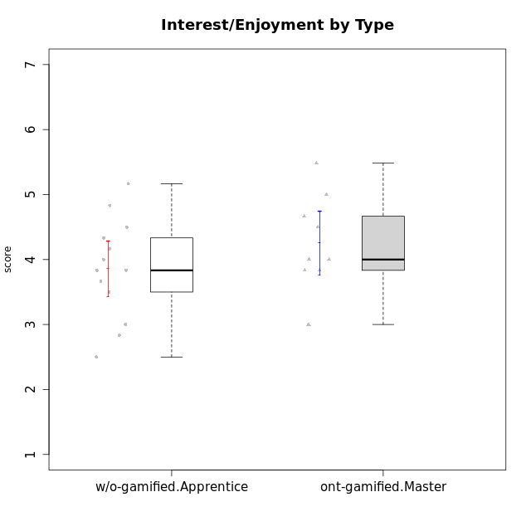

Student's t-Test data
UserID | NroUSP | Type | CLGroup | CLRole | PlayerRole | Interest/Enjoyment | Perceived Choice | Pressure/Tension | Effort/Importance | Intrinsic Motivation | Attention | Relevance | Satisfaction | Level of Motivation
10170 | 10260351 | w/o-gamified | Grupo11 | Apprentice |  | 4.1666666667 | 5.8 | 2.5 | 4.6666666667 | 5.0333333333 | 4.6666666667 | 5.25 | 4.3333333333 | 4.7692307692
10171 | 698531 | ont-gamified | Mafia | Master | Social Achiever | 5.4826 | 6.2 | 1.75 | 6.9768 | 5.6972216667 | 5 | 6.25 | 5.3333333333 | 5.4615384615
10175 | 10310700 | ont-gamified | Warriors | Master | Social Achiever | 4 | 6.6 | 1 | 6 | 5.6972216667 | 5.1666666667 | 6.25 | 5.6666666667 | 5.6153846154
10176 | 10276949 | ont-gamified | Outlaws | Master | Social Achiever | 3.8333333333 | 3.4 | 4.5 | 3.6666666667 | 3.6 | 4.3333333333 | 4.5174 | 4 | 4.1538461538
10183 | 10352030 | w/o-gamified | Grupo3 | Apprentice |  | 2.8333333333 | 4.4 | 4.75 | 3.6666666667 | 3.5375 | 2.1666666667 | 3 | 2.6666666667 | 2.7852923077
10184 | 10276675 | w/o-gamified | Grupo10 | Apprentice |  | 3.8333333333 | 4 | 3.75 | 3.6666666667 | 3.9375 | 3.8333333333 | 4.75 | 4.6666666667 | 4.3076923077
10185 | 10276960 | w/o-gamified | Grupo9 | Apprentice |  | 4.8333333333 | 3.4 | 4.25 | 4.3333333333 | 4.0791666667 | 3.8333333333 | 3.5 | 4.6666666667 | 3.9230769231
10188 | 10276995 | ont-gamified | Vandals | Master | Yee Achiever | 3 | 6.2 | 1 | 5 | 5.3 | 3.3333333333 | 6.5 | 3 | 4.2307692308
10197 | 10276661 | w/o-gamified | Grupo8 | Apprentice |  | 3.5 | 5 | 3.5 | 4.6666666667 | 4.4166666667 | 5.1666666667 | 5 | 3.3333333333 | 4.6923076923
10199 | 10276737 | w/o-gamified | Grupo1 | Apprentice |  | 3 | 3.8 | 3.25 | 4 | 3.8875 | 3.5 | 4.5 | 4.6666666667 | 4.0769230769
10201 | 10276928 | w/o-gamified | Grupo11 | Apprentice |  | 5.1666666667 | 4.2 | 3 | 5 | 4.8416666667 | 4.8333333333 | 3.5 | 5.6666666667 | 4.6153846154
10206 | 10310721 | w/o-gamified | Grupo8 | Apprentice |  | 3.6666666667 | 5.6 | 3 | 5.6666666667 | 4.9833333333 | 4.5 | 4.75 | 5.3333333333 | 4.7692307692
10208 | 10276932 | ont-gamified | Mercenaries | Master | Social Achiever | 3.8333333333 | 4.8 | 2.25 | 5.6666666667 | 5.0125 | 2.5 | 4.5174 | 4.3333333333 | 3.2307692308
10213 | 10277040 | w/o-gamified | Grupo7 | Apprentice |  | 3.8333333333 | 1.42784 | 3.75 | 6.3101333333 | 4.1208333333 | 5.5 | 6.7239 | 6 | 5.5224
10215 | 9285227 | ont-gamified | Vikings | Master | Social Achiever | 4 | 5.4 | 2.5 | 4.3333333333 | 4.8083333333 | 3 | 6.25 | 2.3333333333 | 3.8461538462
10216 | 10276720 | ont-gamified | Silly Knights | Master | Social Achiever | 4.6666666667 | 5.8 | 1 | 5.6666666667 | 5.6972216667 | 3.8333333333 | 6 | 5.3333333333 | 4.8461538462
10217 | 9805341 | w/o-gamified | Grupo9 | Apprentice |  | 4.3333333333 | 4.2 | 1.5261 | 4 | 4.8833333333 | 3.8333333333 | 5 | 4 | 4.2307692308
10218 | 9842913 | w/o-gamified | Grupo10 | Apprentice |  | 4 | 3.6 | 4 | 4 | 3.9 | 4 | 4.5 | 3.3333333333 | 4
10220 | 9760151 | w/o-gamified | Grupo3 | Apprentice |  | 2.5 | 6.17216 | 1.5261 | 6 | 5.475 | 1.529 | 6.25 | 6 | 4
10223 | 9795185 | ont-gamified | Slayers | Master | Social Achiever | 5 | 4.2 | 3.5 | 4.3333333333 | 4.5083333333 | 3.8333333333 | 5 | 4.3333333333 | 4.3076923077
10230 | 10351992 | ont-gamified | Resistance | Master | Social Achiever | 4.5 | 4 | 4 | 4.6666666667 | 4.2916666667 | 4.6666666667 | 4.75 | 4 | 4.5384615385
10232 | 10276974 | w/o-gamified | Grupo7 | Apprentice |  | 4.5 | 4.6 | 2.75 | 6.3101333333 | 5.1708333333 | 4.8333333333 | 5.75 | 5.6666666667 | 5.3076923077

Type_CLRole_5
Student's t-Test for Interest/Enjoyment by Type in Type:CLRole between ont-gamified.Master:w/o-gamified.Master

Student's t-Test results
Alternative hypothesis: less
Group | N | Mean | Mean.Difference | Std.deviation | Std.error | CI.lower | CI.upper | df | t.value | p.value | g | magnitude
ont-gamified.Master | 9 | 4.2573259259 | 0.72568148148 | 0.73757652744 | 0.24585884248 | 3.765608241 | 4.7490436109 | 7.6891976993 | 1.3560228002 | 0.8932163464 | 0.73812889134 | medium
w/o-gamified.Master | 6 | 3.5316444444 | -0.72568148148 | 1.1643288017 | 0.47533524284 | 2.5809739588 | 4.4823149301 | 7.6891976993 | 1.3560228002 | 0.8932163464 | 0.73812889134 | medium
Alternative hypothesis: greater
Group | N | Mean | Mean.Difference | Std.deviation | Std.error | CI.lower | CI.upper | df | t.value | p.value | g | magnitude
ont-gamified.Master | 9 | 4.2573259259 | 0.72568148148 | 0.73757652744 | 0.24585884248 | 3.765608241 | 4.7490436109 | 7.6891976993 | 1.3560228002 | 0.1067836536 | 0.73812889134 | medium
w/o-gamified.Master | 6 | 3.5316444444 | -0.72568148148 | 1.1643288017 | 0.47533524284 | 2.5809739588 | 4.4823149301 | 7.6891976993 | 1.3560228002 | 0.1067836536 | 0.73812889134 | medium
Alternative hypothesis: two.sided
Group | N | Mean | Mean.Difference | Std.deviation | Std.error | CI.lower | CI.upper | df | t.value | p.value | g | magnitude
ont-gamified.Master | 9 | 4.2573259259 | 0.72568148148 | 0.73757652744 | 0.24585884248 | 3.765608241 | 4.7490436109 | 7.6891976993 | 1.3560228002 | 0.2135673072 | 0.73812889134 | medium
w/o-gamified.Master | 6 | 3.5316444444 | -0.72568148148 | 1.1643288017 | 0.47533524284 | 2.5809739588 | 4.4823149301 | 7.6891976993 | 1.3560228002 | 0.2135673072 | 0.73812889134 | medium

Box plots for Student's t-Test
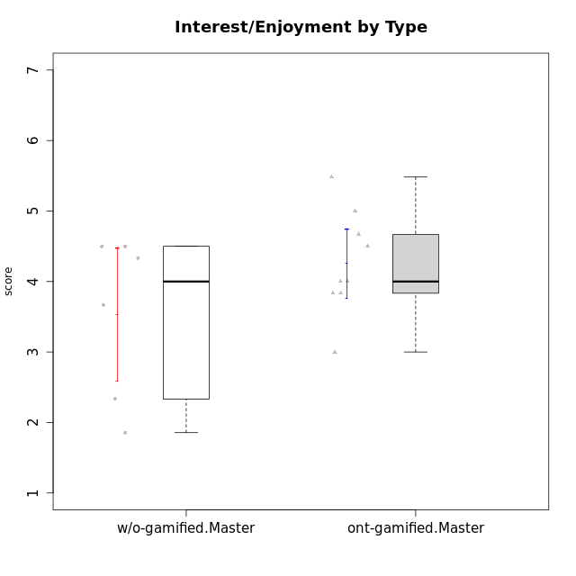

Student's t-Test data
UserID | NroUSP | Type | CLGroup | CLRole | PlayerRole | Interest/Enjoyment | Perceived Choice | Pressure/Tension | Effort/Importance | Intrinsic Motivation | Attention | Relevance | Satisfaction | Level of Motivation
10171 | 698531 | ont-gamified | Mafia | Master | Social Achiever | 5.4826 | 6.2 | 1.75 | 6.9768 | 5.6972216667 | 5 | 6.25 | 5.3333333333 | 5.4615384615
10174 | 10276852 | w/o-gamified | Grupo7 | Master |  | 4.5 | 4.2 | 3.9739 | 4.3333333333 | 4.1958333333 | 5.1666666667 | 3.5 | 5 | 4.6153846154
10175 | 10310700 | ont-gamified | Warriors | Master | Social Achiever | 4 | 6.6 | 1 | 6 | 5.6972216667 | 5.1666666667 | 6.25 | 5.6666666667 | 5.6153846154
10176 | 10276949 | ont-gamified | Outlaws | Master | Social Achiever | 3.8333333333 | 3.4 | 4.5 | 3.6666666667 | 3.6 | 4.3333333333 | 4.5174 | 4 | 4.1538461538
10179 | 10310759 | w/o-gamified | Grupo10 | Master |  | 3.6666666667 | 2.6 | 1.25 | 6.3101333333 | 4.8375 | 3.5 | 5.25 | 4 | 4.1538461538
10188 | 10276995 | ont-gamified | Vandals | Master | Yee Achiever | 3 | 6.2 | 1 | 5 | 5.3 | 3.3333333333 | 6.5 | 3 | 4.2307692308
10191 | 10276981 | w/o-gamified | Grupo1 | Master |  | 2.3333333333 | 3.2 | 1 | 4.6666666667 | 4.3 | 3.3333333333 | 4.25 | 4.3333333333 | 3.8461538462
10208 | 10276932 | ont-gamified | Mercenaries | Master | Social Achiever | 3.8333333333 | 4.8 | 2.25 | 5.6666666667 | 5.0125 | 2.5 | 4.5174 | 4.3333333333 | 3.2307692308
10215 | 9285227 | ont-gamified | Vikings | Master | Social Achiever | 4 | 5.4 | 2.5 | 4.3333333333 | 4.8083333333 | 3 | 6.25 | 2.3333333333 | 3.8461538462
10216 | 10276720 | ont-gamified | Silly Knights | Master | Social Achiever | 4.6666666667 | 5.8 | 1 | 5.6666666667 | 5.6972216667 | 3.8333333333 | 6 | 5.3333333333 | 4.8461538462
10219 | 10276831 | w/o-gamified | Grupo3 | Master |  | 1.8565333333 | 3.2 | 1 | 2.3565333333 | 3.5916666667 | 2.0203 | 3.5 | 1.3681333333 | 3.0133846154
10223 | 9795185 | ont-gamified | Slayers | Master | Social Achiever | 5 | 4.2 | 3.5 | 4.3333333333 | 4.5083333333 | 3.8333333333 | 5 | 4.3333333333 | 4.3076923077
10227 | 9274382 | w/o-gamified | Grupo5 | Master |  | 4.3333333333 | 4.6 | 3.75 | 4 | 4.2958333333 | 5.4797 | 5 | 6 | 5.2943076923
10230 | 10351992 | ont-gamified | Resistance | Master | Social Achiever | 4.5 | 4 | 4 | 4.6666666667 | 4.2916666667 | 4.6666666667 | 4.75 | 4 | 4.5384615385
10231 | 10276911 | w/o-gamified | Grupo9 | Master |  | 4.5 | 5.57216 | 1 | 3.6666666667 | 5.3916666667 | 4 | 4.5 | 5.3333333333 | 4.4615384615

Type_CLRole_6
Student's t-Test for Interest/Enjoyment by Type in Type:CLRole between w/o-gamified.Apprentice:w/o-gamified.Master

Student's t-Test results
Alternative hypothesis: less
Group | N | Mean | Mean.Difference | Std.deviation | Std.error | CI.lower | CI.upper | df | t.value | p.value | g | magnitude
w/o-gamified.Apprentice | 13 | 3.858974359 | 0.32732991453 | 0.77533192965 | 0.21503838676 | 3.4288975855 | 4.2890511325 | 7.1315606843 | 0.62741301403 | 0.72502927464 | 0.34464794599 | small
w/o-gamified.Master | 6 | 3.5316444444 | -0.32732991453 | 1.1643288017 | 0.47533524284 | 2.5809739588 | 4.4823149301 | 7.1315606843 | 0.62741301403 | 0.72502927464 | 0.34464794599 | small
Alternative hypothesis: greater
Group | N | Mean | Mean.Difference | Std.deviation | Std.error | CI.lower | CI.upper | df | t.value | p.value | g | magnitude
w/o-gamified.Apprentice | 13 | 3.858974359 | 0.32732991453 | 0.77533192965 | 0.21503838676 | 3.4288975855 | 4.2890511325 | 7.1315606843 | 0.62741301403 | 0.27497072536 | 0.34464794599 | small
w/o-gamified.Master | 6 | 3.5316444444 | -0.32732991453 | 1.1643288017 | 0.47533524284 | 2.5809739588 | 4.4823149301 | 7.1315606843 | 0.62741301403 | 0.27497072536 | 0.34464794599 | small
Alternative hypothesis: two.sided
Group | N | Mean | Mean.Difference | Std.deviation | Std.error | CI.lower | CI.upper | df | t.value | p.value | g | magnitude
w/o-gamified.Apprentice | 13 | 3.858974359 | 0.32732991453 | 0.77533192965 | 0.21503838676 | 3.4288975855 | 4.2890511325 | 7.1315606843 | 0.62741301403 | 0.54994145073 | 0.34464794599 | small
w/o-gamified.Master | 6 | 3.5316444444 | -0.32732991453 | 1.1643288017 | 0.47533524284 | 2.5809739588 | 4.4823149301 | 7.1315606843 | 0.62741301403 | 0.54994145073 | 0.34464794599 | small

Box plots for Student's t-Test
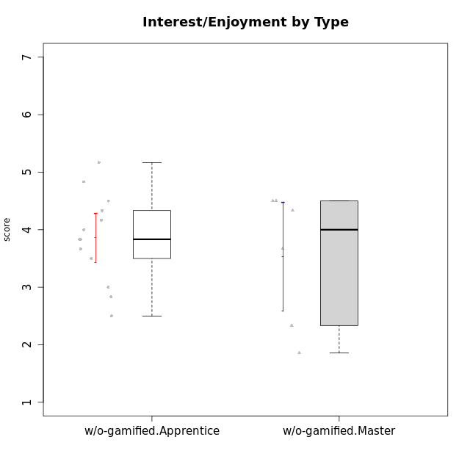

Student's t-Test data
UserID | NroUSP | Type | CLGroup | CLRole | PlayerRole | Interest/Enjoyment | Perceived Choice | Pressure/Tension | Effort/Importance | Intrinsic Motivation | Attention | Relevance | Satisfaction | Level of Motivation
10170 | 10260351 | w/o-gamified | Grupo11 | Apprentice |  | 4.1666666667 | 5.8 | 2.5 | 4.6666666667 | 5.0333333333 | 4.6666666667 | 5.25 | 4.3333333333 | 4.7692307692
10174 | 10276852 | w/o-gamified | Grupo7 | Master |  | 4.5 | 4.2 | 3.9739 | 4.3333333333 | 4.1958333333 | 5.1666666667 | 3.5 | 5 | 4.6153846154
10179 | 10310759 | w/o-gamified | Grupo10 | Master |  | 3.6666666667 | 2.6 | 1.25 | 6.3101333333 | 4.8375 | 3.5 | 5.25 | 4 | 4.1538461538
10183 | 10352030 | w/o-gamified | Grupo3 | Apprentice |  | 2.8333333333 | 4.4 | 4.75 | 3.6666666667 | 3.5375 | 2.1666666667 | 3 | 2.6666666667 | 2.7852923077
10184 | 10276675 | w/o-gamified | Grupo10 | Apprentice |  | 3.8333333333 | 4 | 3.75 | 3.6666666667 | 3.9375 | 3.8333333333 | 4.75 | 4.6666666667 | 4.3076923077
10185 | 10276960 | w/o-gamified | Grupo9 | Apprentice |  | 4.8333333333 | 3.4 | 4.25 | 4.3333333333 | 4.0791666667 | 3.8333333333 | 3.5 | 4.6666666667 | 3.9230769231
10191 | 10276981 | w/o-gamified | Grupo1 | Master |  | 2.3333333333 | 3.2 | 1 | 4.6666666667 | 4.3 | 3.3333333333 | 4.25 | 4.3333333333 | 3.8461538462
10197 | 10276661 | w/o-gamified | Grupo8 | Apprentice |  | 3.5 | 5 | 3.5 | 4.6666666667 | 4.4166666667 | 5.1666666667 | 5 | 3.3333333333 | 4.6923076923
10199 | 10276737 | w/o-gamified | Grupo1 | Apprentice |  | 3 | 3.8 | 3.25 | 4 | 3.8875 | 3.5 | 4.5 | 4.6666666667 | 4.0769230769
10201 | 10276928 | w/o-gamified | Grupo11 | Apprentice |  | 5.1666666667 | 4.2 | 3 | 5 | 4.8416666667 | 4.8333333333 | 3.5 | 5.6666666667 | 4.6153846154
10206 | 10310721 | w/o-gamified | Grupo8 | Apprentice |  | 3.6666666667 | 5.6 | 3 | 5.6666666667 | 4.9833333333 | 4.5 | 4.75 | 5.3333333333 | 4.7692307692
10213 | 10277040 | w/o-gamified | Grupo7 | Apprentice |  | 3.8333333333 | 1.42784 | 3.75 | 6.3101333333 | 4.1208333333 | 5.5 | 6.7239 | 6 | 5.5224
10217 | 9805341 | w/o-gamified | Grupo9 | Apprentice |  | 4.3333333333 | 4.2 | 1.5261 | 4 | 4.8833333333 | 3.8333333333 | 5 | 4 | 4.2307692308
10218 | 9842913 | w/o-gamified | Grupo10 | Apprentice |  | 4 | 3.6 | 4 | 4 | 3.9 | 4 | 4.5 | 3.3333333333 | 4
10219 | 10276831 | w/o-gamified | Grupo3 | Master |  | 1.8565333333 | 3.2 | 1 | 2.3565333333 | 3.5916666667 | 2.0203 | 3.5 | 1.3681333333 | 3.0133846154
10220 | 9760151 | w/o-gamified | Grupo3 | Apprentice |  | 2.5 | 6.17216 | 1.5261 | 6 | 5.475 | 1.529 | 6.25 | 6 | 4
10227 | 9274382 | w/o-gamified | Grupo5 | Master |  | 4.3333333333 | 4.6 | 3.75 | 4 | 4.2958333333 | 5.4797 | 5 | 6 | 5.2943076923
10231 | 10276911 | w/o-gamified | Grupo9 | Master |  | 4.5 | 5.57216 | 1 | 3.6666666667 | 5.3916666667 | 4 | 4.5 | 5.3333333333 | 4.4615384615
10232 | 10276974 | w/o-gamified | Grupo7 | Apprentice |  | 4.5 | 4.6 | 2.75 | 6.3101333333 | 5.1708333333 | 4.8333333333 | 5.75 | 5.6666666667 | 5.3076923077

