Assumptions
ANOVA assumptions for Pressure/Tension by Type

Shapiro-Wilk normality test for Pressure/Tension by Type
W | p.value
0.97321551777 | 0.40565064395

Plots for normality test
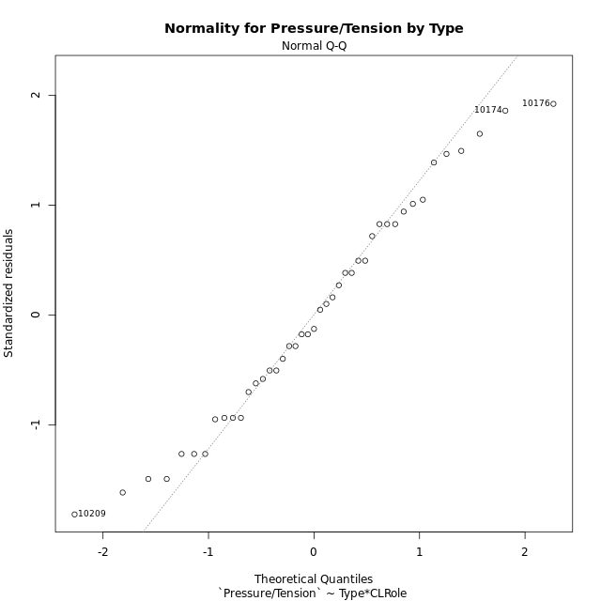

Levene's Test for Homogeneity of Variance in Pressure/Tension by Type
Df | F value | Pr(>F)
3 | 0.38236254546 | 0.76626005106
39

Plots for homogeneity of variance
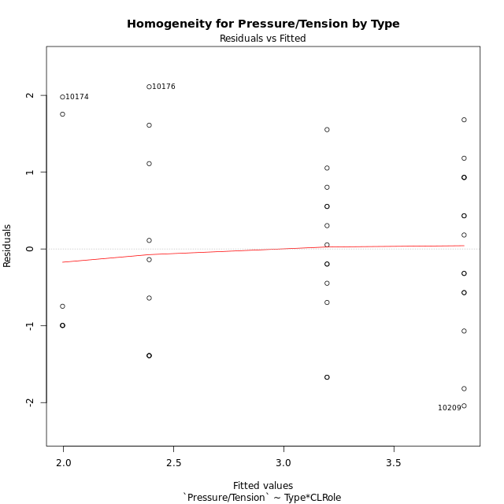

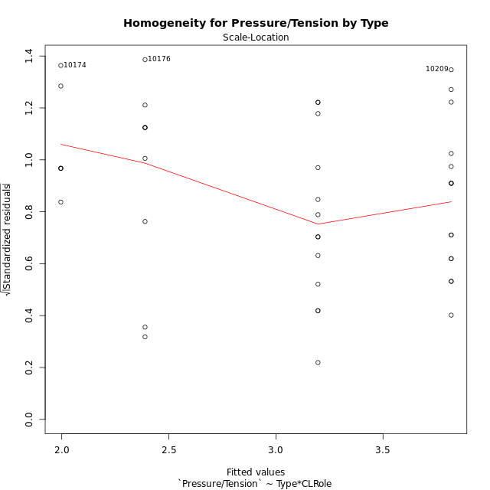

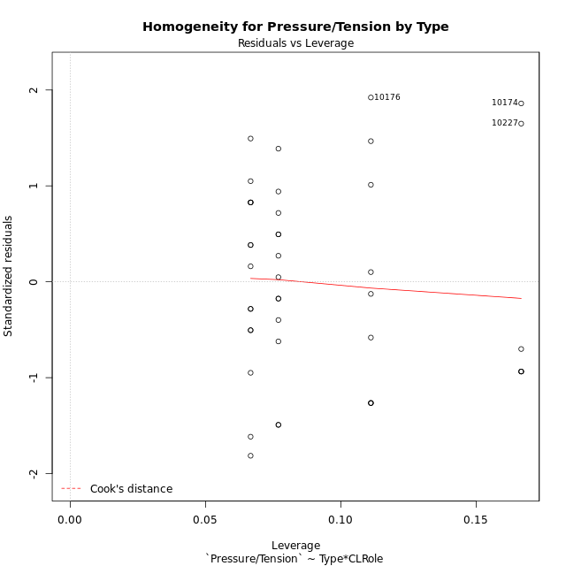

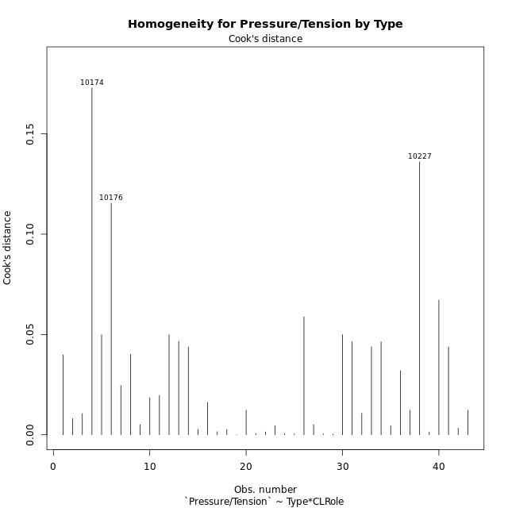

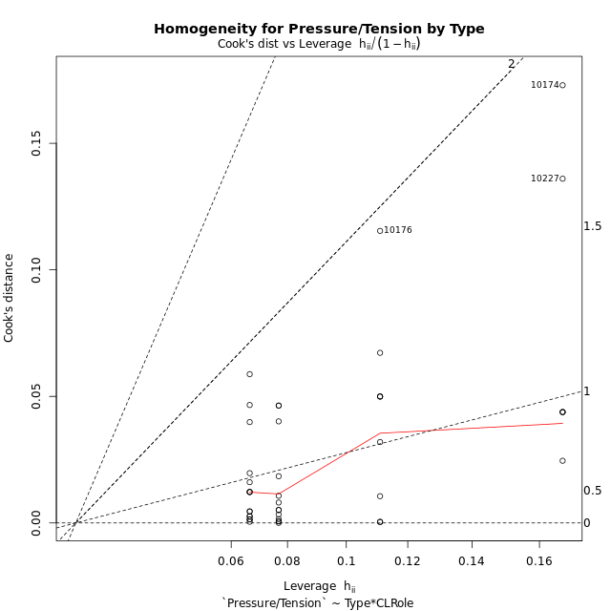

Minimum Sample Size Test for Pressure/Tension by Type
Type | CLRole | Freq
ont-gamified | Apprentice | 15
w/o-gamified | Apprentice | 13
ont-gamified | Master | 9
w/o-gamified | Master | 6

Errors and Warnings in Sample Size Test for ANOVA in Pressure/Tension by Type
code | description
WARN: sample.size | current size is 13 and recommended size is 15 for the group: 'w/o-gamified:Apprentice'.
WARN: sample.size | current size is 9 and recommended size is 15 for the group: 'ont-gamified:Master'.
WARN: sample.size | current size is 6 and recommended size is 15 for the group: 'w/o-gamified:Master'.

For the group: 'ont-gamified:Apprentice', you can perform a parametric test without having a normal distribution For the group: 'w/o-gamified:Apprentice', we recommend the use of non-parametric test. For the group: 'ont-gamified:Master', we recommend the use of non-parametric test. For the group: 'w/o-gamified:Master', we recommend the use of non-parametric test.

If you don't want to remove non-normal data, you must cite the following references: ... (1) Lix, L.M., J.C. Keselman, and H.J. Keselman. 1996. Consequences of assumption violations revisited: A quantitative review of alternatives to the one-way analysis of variance F test. Rev. Educ. Res. 66: 579-619. ... (2) Harwell, M.R., E.N. Rubinstein, W.S. Hayes, and C.C. Olds. 1992. Summarizing Monte Carlo results in methodological research: the one- and two-factor fixed effects ANOVA cases. J. Educ. Stat. 17: 315-339.

Post-hoc
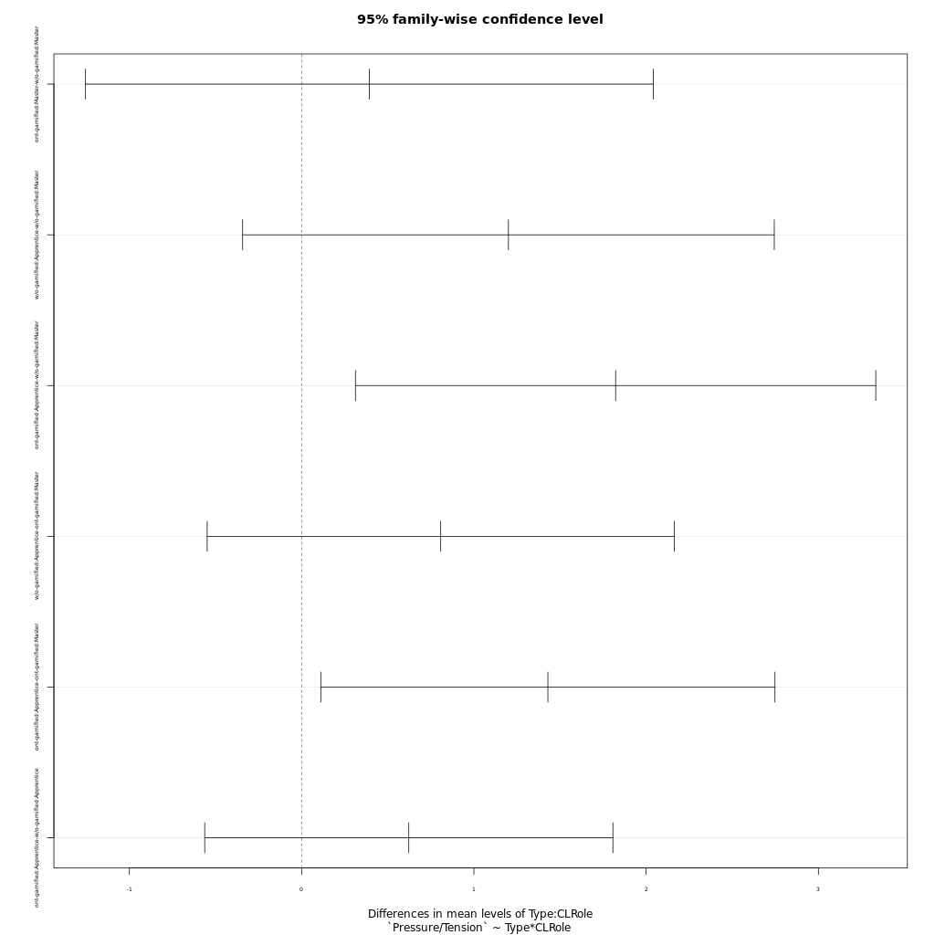
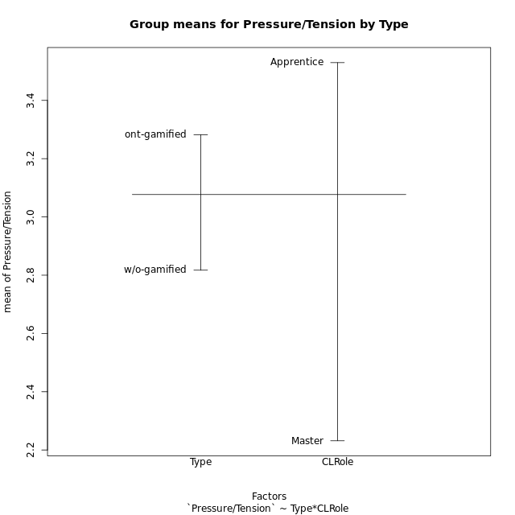
Post-hoc Tukey Honestly Significant Difference (HSD) Test for Pressure/Tension by Type

Comparisons of means for Type
 | diff | lwr | upr | p adj
ont-gamified-w/o-gamified | 0.46517434211 | -0.25859787575 | 1.18894656 | 0.20123200303

Comparisons of means for CLRole
 | diff | lwr | upr | p adj
Apprentice-Master | 1.3278928744 | 0.57373948931 | 2.0820462594 | 0.00099035864989

Comparisons of means for Type:CLRole
 | diff | lwr | upr | p adj
ont-gamified:Master-w/o-gamified:Master | 0.39323888889 | -1.2547315834 | 2.0412093612 | 0.91827175542
w/o-gamified:Apprentice-w/o-gamified:Master | 1.2006730769 | -0.3425552108 | 2.7439013646 | 0.17500971763
ont-gamified:Apprentice-w/o-gamified:Master | 1.8227566667 | 0.31236678019 | 3.3331465531 | 0.01260387213
w/o-gamified:Apprentice-ont-gamified:Master | 0.80743418803 | -0.54843904074 | 2.1633074168 | 0.39158685107
ont-gamified:Apprentice-ont-gamified:Master | 1.4295177778 | 0.11114139994 | 2.7478941556 | 0.029124063212
ont-gamified:Apprentice-w/o-gamified:Apprentice | 0.62208358974 | -0.5627637186 | 1.8069308981 | 0.50156051622

Contrast Matrices for Pressure/Tension by Type - Type
contrast | estimate | SE | df | t.ratio | p.value
ont-gamified - w/o-gamified | 0.50766123932 | 0.37819963933 | 39 | 1.3423102153 | 0.18725750679

Contrast Matrices for Pressure/Tension by Type - Type:CLRole
contrast | CLRole | estimate | SE | df | t.ratio | p.value
ont-gamified - w/o-gamified | Apprentice | 0.62208358974 | 0.4415524382 | 39 | 1.4088555196 | 0.16680133373
ont-gamified - w/o-gamified | Master | 0.39323888889 | 0.6141427465 | 39 | 0.6403053543 | 0.52571843347

Least Squares Means and Confidence Intervals for Type
Type | lsmean | SE | df | lower.CL | upper.CL | Pairs
ont-gamified | 3.1036477778 | 0.2456570986 | 39 | 2.606759395 | 3.6005361606 | ont-gamified
w/o-gamified | 2.5959865385 | 0.28755444197 | 39 | 2.0143527797 | 3.1776202973 | w/o-gamified

Least Squares Means and Confidence Intervals for Type:CLRole
Type | CLRole | lsmean | SE | df | lower.CL | upper.CL | Pairs
ont-gamified | Apprentice | 3.8184066667 | 0.30086727163 | 39 | 3.2098451682 | 4.4269681651 | ont-gamified.Apprentice
w/o-gamified | Apprentice | 3.1963230769 | 0.32318329249 | 39 | 2.5426231657 | 3.8500229882 | w/o-gamified.Apprentice
ont-gamified | Master | 2.3888888889 | 0.38841797748 | 39 | 1.6032393727 | 3.1745384051 | ont-gamified.Master
w/o-gamified | Master | 1.99565 | 0.47571292588 | 39 | 1.0334297843 | 2.9578702157 | w/o-gamified.Master

Plots

Type_1
Student's t-Test for Pressure/Tension by Type in Type between ont-gamified:w/o-gamified

Student's t-Test results
Alternative hypothesis: less
Group | N | Mean | Mean.Difference | Std.deviation | Std.error | CI.lower | CI.upper | df | t.value | p.value | g | magnitude
ont-gamified | 24 | 3.2823375 | 0.46517434211 | 1.362698475 | 0.27815966142 | 2.7260181772 | 3.8386568228 | 40.154075004 | 1.1693690169 | 0.87542507853 | 0.34854018193 | small
w/o-gamified | 19 | 2.8171631579 | -0.46517434211 | 1.2395807249 | 0.2843793217 | 2.2484045145 | 3.3859218013 | 40.154075004 | 1.1693690169 | 0.87542507853 | 0.34854018193 | small
Alternative hypothesis: greater
Group | N | Mean | Mean.Difference | Std.deviation | Std.error | CI.lower | CI.upper | df | t.value | p.value | g | magnitude
ont-gamified | 24 | 3.2823375 | 0.46517434211 | 1.362698475 | 0.27815966142 | 2.7260181772 | 3.8386568228 | 40.154075004 | 1.1693690169 | 0.12457492147 | 0.34854018193 | small
w/o-gamified | 19 | 2.8171631579 | -0.46517434211 | 1.2395807249 | 0.2843793217 | 2.2484045145 | 3.3859218013 | 40.154075004 | 1.1693690169 | 0.12457492147 | 0.34854018193 | small
Alternative hypothesis: two.sided
Group | N | Mean | Mean.Difference | Std.deviation | Std.error | CI.lower | CI.upper | df | t.value | p.value | g | magnitude
ont-gamified | 24 | 3.2823375 | 0.46517434211 | 1.362698475 | 0.27815966142 | 2.7260181772 | 3.8386568228 | 40.154075004 | 1.1693690169 | 0.24914984295 | 0.34854018193 | small
w/o-gamified | 19 | 2.8171631579 | -0.46517434211 | 1.2395807249 | 0.2843793217 | 2.2484045145 | 3.3859218013 | 40.154075004 | 1.1693690169 | 0.24914984295 | 0.34854018193 | small

Box plots for Student's t-Test
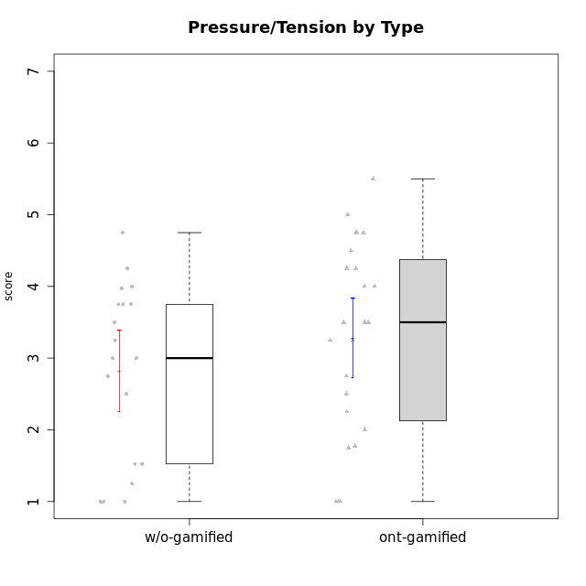

Student's t-Test data
UserID | NroUSP | Type | CLGroup | CLRole | PlayerRole | Interest/Enjoyment | Perceived Choice | Pressure/Tension | Effort/Importance | Intrinsic Motivation | Attention | Relevance | Satisfaction | Level of Motivation
10169 | 10377538 | ont-gamified | Resistance | Apprentice | Social Achiever | 5.7297 | 5.2 | 5.5 | 3.6666666667 | 4.5916666667 | 6.5514333333 | 5.5 | 7 | 5.8645384615
10170 | 10260351 | w/o-gamified | Grupo11 | Apprentice |  | 4.1666666667 | 5.8 | 2.5 | 4.6666666667 | 5.0333333333 | 4.6666666667 | 5.25 | 4.3333333333 | 4.7692307692
10171 | 698531 | ont-gamified | Mafia | Master | Social Achiever | 5.4826 | 6.2 | 1.75 | 6.9768 | 5.6972216667 | 5 | 6.25 | 5.3333333333 | 5.4615384615
10174 | 10276852 | w/o-gamified | Grupo7 | Master |  | 4.5 | 4.2 | 3.9739 | 4.3333333333 | 4.1958333333 | 5.1666666667 | 3.5 | 5 | 4.6153846154
10175 | 10310700 | ont-gamified | Warriors | Master | Social Achiever | 4 | 6.6 | 1 | 6 | 5.6972216667 | 5.1666666667 | 6.25 | 5.6666666667 | 5.6153846154
10176 | 10276949 | ont-gamified | Outlaws | Master | Social Achiever | 3.8333333333 | 3.4 | 4.5 | 3.6666666667 | 3.6 | 4.3333333333 | 4.5174 | 4 | 4.1538461538
10179 | 10310759 | w/o-gamified | Grupo10 | Master |  | 3.6666666667 | 2.6 | 1.25 | 6.3101333333 | 4.8375 | 3.5 | 5.25 | 4 | 4.1538461538
10183 | 10352030 | w/o-gamified | Grupo3 | Apprentice |  | 2.8333333333 | 4.4 | 4.75 | 3.6666666667 | 3.5375 | 2.1666666667 | 3 | 2.6666666667 | 2.7852923077
10184 | 10276675 | w/o-gamified | Grupo10 | Apprentice |  | 3.8333333333 | 4 | 3.75 | 3.6666666667 | 3.9375 | 3.8333333333 | 4.75 | 4.6666666667 | 4.3076923077
10185 | 10276960 | w/o-gamified | Grupo9 | Apprentice |  | 4.8333333333 | 3.4 | 4.25 | 4.3333333333 | 4.0791666667 | 3.8333333333 | 3.5 | 4.6666666667 | 3.9230769231
10186 | 10310551 | ont-gamified | Slayers | Apprentice | Social Achiever | 3.8333333333 | 4.6 | 5 | 7 | 4.6083333333 | 3.5 | 5.5 | 6.3333333333 | 4.7692307692
10188 | 10276995 | ont-gamified | Vandals | Master | Yee Achiever | 3 | 6.2 | 1 | 5 | 5.3 | 3.3333333333 | 6.5 | 3 | 4.2307692308
10189 | 9363926 | ont-gamified | Vikings | Apprentice | Social Achiever | 2.2703 | 3.4 | 2 | 5.6666666667 | 4.2666666667 | 1.3333333333 | 3.75 | 2.6666666667 | 2.4431538462
10191 | 10276981 | w/o-gamified | Grupo1 | Master |  | 2.3333333333 | 3.2 | 1 | 4.6666666667 | 4.3 | 3.3333333333 | 4.25 | 4.3333333333 | 3.8461538462
10192 | 10276682 | ont-gamified | Attractive Devils | Apprentice | Social Achiever | 4 | 4.8 | 4.25 | 5.6666666667 | 4.5541666667 | 5.1666666667 | 4.5 | 6.6666666667 | 5.3076923077
10193 | 10276762 | ont-gamified | Vandals | Apprentice | Yee Achiever | 2.2703 | 7 | 2.75 | 5 | 4.6458333333 | 1.1666666667 | 6.7239 | 1.3681333333 | 2.9230769231
10197 | 10276661 | w/o-gamified | Grupo8 | Apprentice |  | 3.5 | 5 | 3.5 | 4.6666666667 | 4.4166666667 | 5.1666666667 | 5 | 3.3333333333 | 4.6923076923
10198 | 10310888 | ont-gamified | Attractive Devils | Apprentice | Social Achiever | 4 | 3.6 | 4.25 | 5.6666666667 | 4.2541666667 | 5.8333333333 | 5.25 | 6.6666666667 | 5.8461538462
10199 | 10276737 | w/o-gamified | Grupo1 | Apprentice |  | 3 | 3.8 | 3.25 | 4 | 3.8875 | 3.5 | 4.5 | 4.6666666667 | 4.0769230769
10200 | 9795272 | ont-gamified | Warriors | Apprentice | Social Achiever | 4.5 | 4.8 | 4.75 | 6.6666666667 | 4.8041666667 | 5 | 5.25 | 6 | 5.3076923077
10201 | 10276928 | w/o-gamified | Grupo11 | Apprentice |  | 5.1666666667 | 4.2 | 3 | 5 | 4.8416666667 | 4.8333333333 | 3.5 | 5.6666666667 | 4.6153846154
10202 | 10277036 | ont-gamified | Silly Knights | Apprentice | Social Achiever | 3 | 5.2 | 3.5 | 5.6666666667 | 4.5916666667 | 3.1666666667 | 4.5 | 5 | 4
10203 | 9921470 | ont-gamified | Mercenaries | Apprentice | Social Achiever | 4.1666666667 | 6.4 | 3.25 | 7 | 5.1978933333 | 4.5 | 4 | 6.3333333333 | 4.7692307692
10206 | 10310721 | w/o-gamified | Grupo8 | Apprentice |  | 3.6666666667 | 5.6 | 3 | 5.6666666667 | 4.9833333333 | 4.5 | 4.75 | 5.3333333333 | 4.7692307692
10208 | 10276932 | ont-gamified | Mercenaries | Master | Social Achiever | 3.8333333333 | 4.8 | 2.25 | 5.6666666667 | 5.0125 | 2.5 | 4.5174 | 4.3333333333 | 3.2307692308
10209 | 10262669 | ont-gamified | Mafia | Apprentice | Social Achiever | 2.3333333333 | 1.6348 | 1.7761 | 4.6666666667 | 3.7875 | 2.3333333333 | 4.25 | 2.3333333333 | 2.9230769231
10213 | 10277040 | w/o-gamified | Grupo7 | Apprentice |  | 3.8333333333 | 1.42784 | 3.75 | 6.3101333333 | 4.1208333333 | 5.5 | 6.7239 | 6 | 5.5224
10214 | 10277022 | ont-gamified | Vikings | Apprentice | Social Achiever | 2.2703 | 2.6 | 4 | 7 | 3.6916666667 | 2.1666666667 | 3.25 | 3.6666666667 | 2.8461538462
10215 | 9285227 | ont-gamified | Vikings | Master | Social Achiever | 4 | 5.4 | 2.5 | 4.3333333333 | 4.8083333333 | 3 | 6.25 | 2.3333333333 | 3.8461538462
10216 | 10276720 | ont-gamified | Silly Knights | Master | Social Achiever | 4.6666666667 | 5.8 | 1 | 5.6666666667 | 5.6972216667 | 3.8333333333 | 6 | 5.3333333333 | 4.8461538462
10217 | 9805341 | w/o-gamified | Grupo9 | Apprentice |  | 4.3333333333 | 4.2 | 1.5261 | 4 | 4.8833333333 | 3.8333333333 | 5 | 4 | 4.2307692308
10218 | 9842913 | w/o-gamified | Grupo10 | Apprentice |  | 4 | 3.6 | 4 | 4 | 3.9 | 4 | 4.5 | 3.3333333333 | 4
10219 | 10276831 | w/o-gamified | Grupo3 | Master |  | 1.8565333333 | 3.2 | 1 | 2.3565333333 | 3.5916666667 | 2.0203 | 3.5 | 1.3681333333 | 3.0133846154
10220 | 9760151 | w/o-gamified | Grupo3 | Apprentice |  | 2.5 | 6.17216 | 1.5261 | 6 | 5.475 | 1.529 | 6.25 | 6 | 4
10221 | 9082496 | ont-gamified | Warriors | Apprentice | Social Achiever | 2.6666666667 | 3 | 3.25 | 5.3333333333 | 3.9375 | 2.8333333333 | 2.5261 | 4 | 3
10223 | 9795185 | ont-gamified | Slayers | Master | Social Achiever | 5 | 4.2 | 3.5 | 4.3333333333 | 4.5083333333 | 3.8333333333 | 5 | 4.3333333333 | 4.3076923077
10224 | 9368772 | ont-gamified | Mercenaries | Apprentice | Social Achiever | 4 | 3.6 | 4.75 | 4 | 3.7125 | 4.3333333333 | 4.5 | 5 | 4.5384615385
10227 | 9274382 | w/o-gamified | Grupo5 | Master |  | 4.3333333333 | 4.6 | 3.75 | 4 | 4.2958333333 | 5.4797 | 5 | 6 | 5.2943076923
10228 | 10310492 | ont-gamified | Resistance | Apprentice | Social Achiever | 2.2703 | 6.4 | 3.5 | 5 | 4.3083333333 | 2.1666666667 | 4.75 | 4 | 3.3846153846
10230 | 10351992 | ont-gamified | Resistance | Master | Social Achiever | 4.5 | 4 | 4 | 4.6666666667 | 4.2916666667 | 4.6666666667 | 4.75 | 4 | 4.5384615385
10231 | 10276911 | w/o-gamified | Grupo9 | Master |  | 4.5 | 5.57216 | 1 | 3.6666666667 | 5.3916666667 | 4 | 4.5 | 5.3333333333 | 4.4615384615
10232 | 10276974 | w/o-gamified | Grupo7 | Apprentice |  | 4.5 | 4.6 | 2.75 | 6.3101333333 | 5.1708333333 | 4.8333333333 | 5.75 | 5.6666666667 | 5.3076923077
10237 | 10377688 | ont-gamified | Outlaws | Apprentice | Social Achiever | 4 | 4.2 | 4.75 | 4.6666666667 | 4.0291666667 | 3.6666666667 | 4.5 | 4.3333333333 | 4.0769230769

Type_CLRole_1
Student's t-Test for Pressure/Tension by Type in Type:CLRole between ont-gamified.Apprentice:ont-gamified.Master

Student's t-Test results
Alternative hypothesis: less
Group | N | Mean | Mean.Difference | Std.deviation | Std.error | CI.lower | CI.upper | df | t.value | p.value | g | magnitude
ont-gamified.Apprentice | 15 | 3.8184066667 | 1.4295177778 | 1.0922156096 | 0.28200885776 | 3.2543889512 | 4.3824243822 | 14.286879414 | 2.6961919394 | 0.99142842373 | 1.1587224405 | large
ont-gamified.Master | 9 | 2.3888888889 | -1.4295177778 | 1.3469358229 | 0.44897860765 | 1.4909316736 | 3.2868461042 | 14.286879414 | 2.6961919394 | 0.99142842373 | 1.1587224405 | large
Alternative hypothesis: greater
Group | N | Mean | Mean.Difference | Std.deviation | Std.error | CI.lower | CI.upper | df | t.value | p.value | g | magnitude
ont-gamified.Apprentice | 15 | 3.8184066667 | 1.4295177778 | 1.0922156096 | 0.28200885776 | 3.2543889512 | 4.3824243822 | 14.286879414 | 2.6961919394 | 0.0085715762715 | 1.1587224405 | large
ont-gamified.Master | 9 | 2.3888888889 | -1.4295177778 | 1.3469358229 | 0.44897860765 | 1.4909316736 | 3.2868461042 | 14.286879414 | 2.6961919394 | 0.0085715762715 | 1.1587224405 | large
Alternative hypothesis: two.sided
Group | N | Mean | Mean.Difference | Std.deviation | Std.error | CI.lower | CI.upper | df | t.value | p.value | g | magnitude
ont-gamified.Apprentice | 15 | 3.8184066667 | 1.4295177778 | 1.0922156096 | 0.28200885776 | 3.2543889512 | 4.3824243822 | 14.286879414 | 2.6961919394 | 0.017143152543 | 1.1587224405 | large
ont-gamified.Master | 9 | 2.3888888889 | -1.4295177778 | 1.3469358229 | 0.44897860765 | 1.4909316736 | 3.2868461042 | 14.286879414 | 2.6961919394 | 0.017143152543 | 1.1587224405 | large

Box plots for Student's t-Test
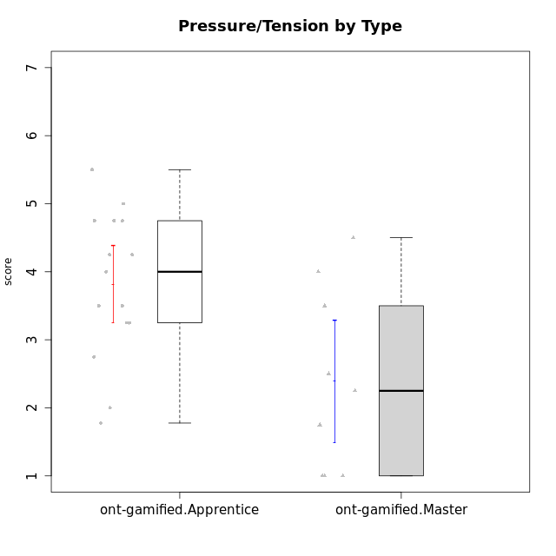

Student's t-Test data
UserID | NroUSP | Type | CLGroup | CLRole | PlayerRole | Interest/Enjoyment | Perceived Choice | Pressure/Tension | Effort/Importance | Intrinsic Motivation | Attention | Relevance | Satisfaction | Level of Motivation
10169 | 10377538 | ont-gamified | Resistance | Apprentice | Social Achiever | 5.7297 | 5.2 | 5.5 | 3.6666666667 | 4.5916666667 | 6.5514333333 | 5.5 | 7 | 5.8645384615
10171 | 698531 | ont-gamified | Mafia | Master | Social Achiever | 5.4826 | 6.2 | 1.75 | 6.9768 | 5.6972216667 | 5 | 6.25 | 5.3333333333 | 5.4615384615
10175 | 10310700 | ont-gamified | Warriors | Master | Social Achiever | 4 | 6.6 | 1 | 6 | 5.6972216667 | 5.1666666667 | 6.25 | 5.6666666667 | 5.6153846154
10176 | 10276949 | ont-gamified | Outlaws | Master | Social Achiever | 3.8333333333 | 3.4 | 4.5 | 3.6666666667 | 3.6 | 4.3333333333 | 4.5174 | 4 | 4.1538461538
10186 | 10310551 | ont-gamified | Slayers | Apprentice | Social Achiever | 3.8333333333 | 4.6 | 5 | 7 | 4.6083333333 | 3.5 | 5.5 | 6.3333333333 | 4.7692307692
10188 | 10276995 | ont-gamified | Vandals | Master | Yee Achiever | 3 | 6.2 | 1 | 5 | 5.3 | 3.3333333333 | 6.5 | 3 | 4.2307692308
10189 | 9363926 | ont-gamified | Vikings | Apprentice | Social Achiever | 2.2703 | 3.4 | 2 | 5.6666666667 | 4.2666666667 | 1.3333333333 | 3.75 | 2.6666666667 | 2.4431538462
10192 | 10276682 | ont-gamified | Attractive Devils | Apprentice | Social Achiever | 4 | 4.8 | 4.25 | 5.6666666667 | 4.5541666667 | 5.1666666667 | 4.5 | 6.6666666667 | 5.3076923077
10193 | 10276762 | ont-gamified | Vandals | Apprentice | Yee Achiever | 2.2703 | 7 | 2.75 | 5 | 4.6458333333 | 1.1666666667 | 6.7239 | 1.3681333333 | 2.9230769231
10198 | 10310888 | ont-gamified | Attractive Devils | Apprentice | Social Achiever | 4 | 3.6 | 4.25 | 5.6666666667 | 4.2541666667 | 5.8333333333 | 5.25 | 6.6666666667 | 5.8461538462
10200 | 9795272 | ont-gamified | Warriors | Apprentice | Social Achiever | 4.5 | 4.8 | 4.75 | 6.6666666667 | 4.8041666667 | 5 | 5.25 | 6 | 5.3076923077
10202 | 10277036 | ont-gamified | Silly Knights | Apprentice | Social Achiever | 3 | 5.2 | 3.5 | 5.6666666667 | 4.5916666667 | 3.1666666667 | 4.5 | 5 | 4
10203 | 9921470 | ont-gamified | Mercenaries | Apprentice | Social Achiever | 4.1666666667 | 6.4 | 3.25 | 7 | 5.1978933333 | 4.5 | 4 | 6.3333333333 | 4.7692307692
10208 | 10276932 | ont-gamified | Mercenaries | Master | Social Achiever | 3.8333333333 | 4.8 | 2.25 | 5.6666666667 | 5.0125 | 2.5 | 4.5174 | 4.3333333333 | 3.2307692308
10209 | 10262669 | ont-gamified | Mafia | Apprentice | Social Achiever | 2.3333333333 | 1.6348 | 1.7761 | 4.6666666667 | 3.7875 | 2.3333333333 | 4.25 | 2.3333333333 | 2.9230769231
10214 | 10277022 | ont-gamified | Vikings | Apprentice | Social Achiever | 2.2703 | 2.6 | 4 | 7 | 3.6916666667 | 2.1666666667 | 3.25 | 3.6666666667 | 2.8461538462
10215 | 9285227 | ont-gamified | Vikings | Master | Social Achiever | 4 | 5.4 | 2.5 | 4.3333333333 | 4.8083333333 | 3 | 6.25 | 2.3333333333 | 3.8461538462
10216 | 10276720 | ont-gamified | Silly Knights | Master | Social Achiever | 4.6666666667 | 5.8 | 1 | 5.6666666667 | 5.6972216667 | 3.8333333333 | 6 | 5.3333333333 | 4.8461538462
10221 | 9082496 | ont-gamified | Warriors | Apprentice | Social Achiever | 2.6666666667 | 3 | 3.25 | 5.3333333333 | 3.9375 | 2.8333333333 | 2.5261 | 4 | 3
10223 | 9795185 | ont-gamified | Slayers | Master | Social Achiever | 5 | 4.2 | 3.5 | 4.3333333333 | 4.5083333333 | 3.8333333333 | 5 | 4.3333333333 | 4.3076923077
10224 | 9368772 | ont-gamified | Mercenaries | Apprentice | Social Achiever | 4 | 3.6 | 4.75 | 4 | 3.7125 | 4.3333333333 | 4.5 | 5 | 4.5384615385
10228 | 10310492 | ont-gamified | Resistance | Apprentice | Social Achiever | 2.2703 | 6.4 | 3.5 | 5 | 4.3083333333 | 2.1666666667 | 4.75 | 4 | 3.3846153846
10230 | 10351992 | ont-gamified | Resistance | Master | Social Achiever | 4.5 | 4 | 4 | 4.6666666667 | 4.2916666667 | 4.6666666667 | 4.75 | 4 | 4.5384615385
10237 | 10377688 | ont-gamified | Outlaws | Apprentice | Social Achiever | 4 | 4.2 | 4.75 | 4.6666666667 | 4.0291666667 | 3.6666666667 | 4.5 | 4.3333333333 | 4.0769230769

Type_CLRole_2
Student's t-Test for Pressure/Tension by Type in Type:CLRole between ont-gamified.Apprentice:w/o-gamified.Apprentice

Student's t-Test results
Alternative hypothesis: less
Group | N | Mean | Mean.Difference | Std.deviation | Std.error | CI.lower | CI.upper | df | t.value | p.value | g | magnitude
ont-gamified.Apprentice | 15 | 3.8184066667 | 0.62208358974 | 1.0922156096 | 0.28200885776 | 3.2543889512 | 4.3824243822 | 25.98144367 | 1.598538209 | 0.93899239019 | 0.58283023813 | medium
w/o-gamified.Apprentice | 13 | 3.1963230769 | -0.62208358974 | 0.96689824797 | 0.26816932394 | 2.659984429 | 3.7326617248 | 25.98144367 | 1.598538209 | 0.93899239019 | 0.58283023813 | medium
Alternative hypothesis: greater
Group | N | Mean | Mean.Difference | Std.deviation | Std.error | CI.lower | CI.upper | df | t.value | p.value | g | magnitude
ont-gamified.Apprentice | 15 | 3.8184066667 | 0.62208358974 | 1.0922156096 | 0.28200885776 | 3.2543889512 | 4.3824243822 | 25.98144367 | 1.598538209 | 0.061007609812 | 0.58283023813 | medium
w/o-gamified.Apprentice | 13 | 3.1963230769 | -0.62208358974 | 0.96689824797 | 0.26816932394 | 2.659984429 | 3.7326617248 | 25.98144367 | 1.598538209 | 0.061007609812 | 0.58283023813 | medium
Alternative hypothesis: two.sided
Group | N | Mean | Mean.Difference | Std.deviation | Std.error | CI.lower | CI.upper | df | t.value | p.value | g | magnitude
ont-gamified.Apprentice | 15 | 3.8184066667 | 0.62208358974 | 1.0922156096 | 0.28200885776 | 3.2543889512 | 4.3824243822 | 25.98144367 | 1.598538209 | 0.12201521962 | 0.58283023813 | medium
w/o-gamified.Apprentice | 13 | 3.1963230769 | -0.62208358974 | 0.96689824797 | 0.26816932394 | 2.659984429 | 3.7326617248 | 25.98144367 | 1.598538209 | 0.12201521962 | 0.58283023813 | medium

Box plots for Student's t-Test
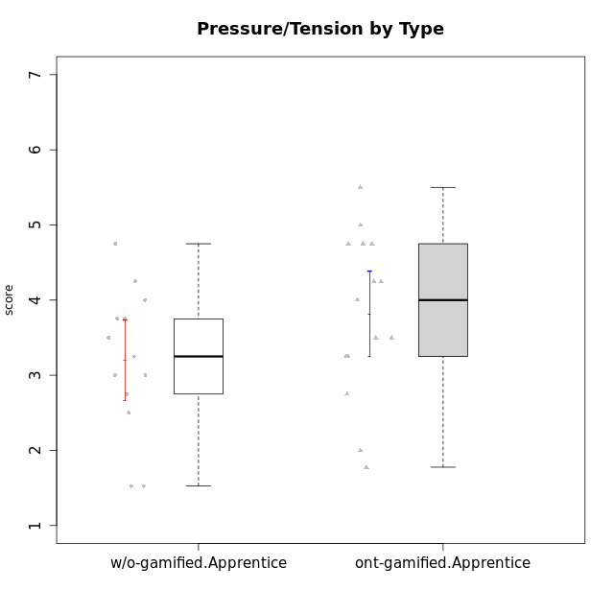

Student's t-Test data
UserID | NroUSP | Type | CLGroup | CLRole | PlayerRole | Interest/Enjoyment | Perceived Choice | Pressure/Tension | Effort/Importance | Intrinsic Motivation | Attention | Relevance | Satisfaction | Level of Motivation
10169 | 10377538 | ont-gamified | Resistance | Apprentice | Social Achiever | 5.7297 | 5.2 | 5.5 | 3.6666666667 | 4.5916666667 | 6.5514333333 | 5.5 | 7 | 5.8645384615
10170 | 10260351 | w/o-gamified | Grupo11 | Apprentice |  | 4.1666666667 | 5.8 | 2.5 | 4.6666666667 | 5.0333333333 | 4.6666666667 | 5.25 | 4.3333333333 | 4.7692307692
10183 | 10352030 | w/o-gamified | Grupo3 | Apprentice |  | 2.8333333333 | 4.4 | 4.75 | 3.6666666667 | 3.5375 | 2.1666666667 | 3 | 2.6666666667 | 2.7852923077
10184 | 10276675 | w/o-gamified | Grupo10 | Apprentice |  | 3.8333333333 | 4 | 3.75 | 3.6666666667 | 3.9375 | 3.8333333333 | 4.75 | 4.6666666667 | 4.3076923077
10185 | 10276960 | w/o-gamified | Grupo9 | Apprentice |  | 4.8333333333 | 3.4 | 4.25 | 4.3333333333 | 4.0791666667 | 3.8333333333 | 3.5 | 4.6666666667 | 3.9230769231
10186 | 10310551 | ont-gamified | Slayers | Apprentice | Social Achiever | 3.8333333333 | 4.6 | 5 | 7 | 4.6083333333 | 3.5 | 5.5 | 6.3333333333 | 4.7692307692
10189 | 9363926 | ont-gamified | Vikings | Apprentice | Social Achiever | 2.2703 | 3.4 | 2 | 5.6666666667 | 4.2666666667 | 1.3333333333 | 3.75 | 2.6666666667 | 2.4431538462
10192 | 10276682 | ont-gamified | Attractive Devils | Apprentice | Social Achiever | 4 | 4.8 | 4.25 | 5.6666666667 | 4.5541666667 | 5.1666666667 | 4.5 | 6.6666666667 | 5.3076923077
10193 | 10276762 | ont-gamified | Vandals | Apprentice | Yee Achiever | 2.2703 | 7 | 2.75 | 5 | 4.6458333333 | 1.1666666667 | 6.7239 | 1.3681333333 | 2.9230769231
10197 | 10276661 | w/o-gamified | Grupo8 | Apprentice |  | 3.5 | 5 | 3.5 | 4.6666666667 | 4.4166666667 | 5.1666666667 | 5 | 3.3333333333 | 4.6923076923
10198 | 10310888 | ont-gamified | Attractive Devils | Apprentice | Social Achiever | 4 | 3.6 | 4.25 | 5.6666666667 | 4.2541666667 | 5.8333333333 | 5.25 | 6.6666666667 | 5.8461538462
10199 | 10276737 | w/o-gamified | Grupo1 | Apprentice |  | 3 | 3.8 | 3.25 | 4 | 3.8875 | 3.5 | 4.5 | 4.6666666667 | 4.0769230769
10200 | 9795272 | ont-gamified | Warriors | Apprentice | Social Achiever | 4.5 | 4.8 | 4.75 | 6.6666666667 | 4.8041666667 | 5 | 5.25 | 6 | 5.3076923077
10201 | 10276928 | w/o-gamified | Grupo11 | Apprentice |  | 5.1666666667 | 4.2 | 3 | 5 | 4.8416666667 | 4.8333333333 | 3.5 | 5.6666666667 | 4.6153846154
10202 | 10277036 | ont-gamified | Silly Knights | Apprentice | Social Achiever | 3 | 5.2 | 3.5 | 5.6666666667 | 4.5916666667 | 3.1666666667 | 4.5 | 5 | 4
10203 | 9921470 | ont-gamified | Mercenaries | Apprentice | Social Achiever | 4.1666666667 | 6.4 | 3.25 | 7 | 5.1978933333 | 4.5 | 4 | 6.3333333333 | 4.7692307692
10206 | 10310721 | w/o-gamified | Grupo8 | Apprentice |  | 3.6666666667 | 5.6 | 3 | 5.6666666667 | 4.9833333333 | 4.5 | 4.75 | 5.3333333333 | 4.7692307692
10209 | 10262669 | ont-gamified | Mafia | Apprentice | Social Achiever | 2.3333333333 | 1.6348 | 1.7761 | 4.6666666667 | 3.7875 | 2.3333333333 | 4.25 | 2.3333333333 | 2.9230769231
10213 | 10277040 | w/o-gamified | Grupo7 | Apprentice |  | 3.8333333333 | 1.42784 | 3.75 | 6.3101333333 | 4.1208333333 | 5.5 | 6.7239 | 6 | 5.5224
10214 | 10277022 | ont-gamified | Vikings | Apprentice | Social Achiever | 2.2703 | 2.6 | 4 | 7 | 3.6916666667 | 2.1666666667 | 3.25 | 3.6666666667 | 2.8461538462
10217 | 9805341 | w/o-gamified | Grupo9 | Apprentice |  | 4.3333333333 | 4.2 | 1.5261 | 4 | 4.8833333333 | 3.8333333333 | 5 | 4 | 4.2307692308
10218 | 9842913 | w/o-gamified | Grupo10 | Apprentice |  | 4 | 3.6 | 4 | 4 | 3.9 | 4 | 4.5 | 3.3333333333 | 4
10220 | 9760151 | w/o-gamified | Grupo3 | Apprentice |  | 2.5 | 6.17216 | 1.5261 | 6 | 5.475 | 1.529 | 6.25 | 6 | 4
10221 | 9082496 | ont-gamified | Warriors | Apprentice | Social Achiever | 2.6666666667 | 3 | 3.25 | 5.3333333333 | 3.9375 | 2.8333333333 | 2.5261 | 4 | 3
10224 | 9368772 | ont-gamified | Mercenaries | Apprentice | Social Achiever | 4 | 3.6 | 4.75 | 4 | 3.7125 | 4.3333333333 | 4.5 | 5 | 4.5384615385
10228 | 10310492 | ont-gamified | Resistance | Apprentice | Social Achiever | 2.2703 | 6.4 | 3.5 | 5 | 4.3083333333 | 2.1666666667 | 4.75 | 4 | 3.3846153846
10232 | 10276974 | w/o-gamified | Grupo7 | Apprentice |  | 4.5 | 4.6 | 2.75 | 6.3101333333 | 5.1708333333 | 4.8333333333 | 5.75 | 5.6666666667 | 5.3076923077
10237 | 10377688 | ont-gamified | Outlaws | Apprentice | Social Achiever | 4 | 4.2 | 4.75 | 4.6666666667 | 4.0291666667 | 3.6666666667 | 4.5 | 4.3333333333 | 4.0769230769

Type_CLRole_3
Student's t-Test for Pressure/Tension by Type in Type:CLRole between ont-gamified.Apprentice:w/o-gamified.Master

Student's t-Test results
Alternative hypothesis: less
Group | N | Mean | Mean.Difference | Std.deviation | Std.error | CI.lower | CI.upper | df | t.value | p.value | g | magnitude
ont-gamified.Apprentice | 15 | 3.8184066667 | 1.8227566667 | 1.0922156096 | 0.28200885776 | 3.2543889512 | 4.3824243822 | 7.3890992896 | 2.7789199456 | 0.9870491778 | 1.4618898996 | large
w/o-gamified.Master | 6 | 1.99565 | -1.8227566667 | 1.4505976475 | 0.59220400975 | 0.8112419805 | 3.1800580195 | 7.3890992896 | 2.7789199456 | 0.9870491778 | 1.4618898996 | large
Alternative hypothesis: greater
Group | N | Mean | Mean.Difference | Std.deviation | Std.error | CI.lower | CI.upper | df | t.value | p.value | g | magnitude
ont-gamified.Apprentice | 15 | 3.8184066667 | 1.8227566667 | 1.0922156096 | 0.28200885776 | 3.2543889512 | 4.3824243822 | 7.3890992896 | 2.7789199456 | 0.012950822201 | 1.4618898996 | large
w/o-gamified.Master | 6 | 1.99565 | -1.8227566667 | 1.4505976475 | 0.59220400975 | 0.8112419805 | 3.1800580195 | 7.3890992896 | 2.7789199456 | 0.012950822201 | 1.4618898996 | large
Alternative hypothesis: two.sided
Group | N | Mean | Mean.Difference | Std.deviation | Std.error | CI.lower | CI.upper | df | t.value | p.value | g | magnitude
ont-gamified.Apprentice | 15 | 3.8184066667 | 1.8227566667 | 1.0922156096 | 0.28200885776 | 3.2543889512 | 4.3824243822 | 7.3890992896 | 2.7789199456 | 0.025901644403 | 1.4618898996 | large
w/o-gamified.Master | 6 | 1.99565 | -1.8227566667 | 1.4505976475 | 0.59220400975 | 0.8112419805 | 3.1800580195 | 7.3890992896 | 2.7789199456 | 0.025901644403 | 1.4618898996 | large

Box plots for Student's t-Test
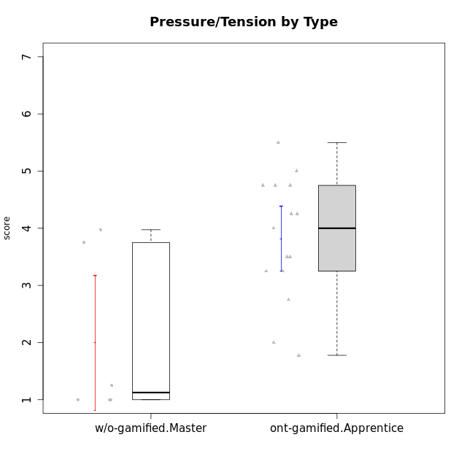

Student's t-Test data
UserID | NroUSP | Type | CLGroup | CLRole | PlayerRole | Interest/Enjoyment | Perceived Choice | Pressure/Tension | Effort/Importance | Intrinsic Motivation | Attention | Relevance | Satisfaction | Level of Motivation
10169 | 10377538 | ont-gamified | Resistance | Apprentice | Social Achiever | 5.7297 | 5.2 | 5.5 | 3.6666666667 | 4.5916666667 | 6.5514333333 | 5.5 | 7 | 5.8645384615
10174 | 10276852 | w/o-gamified | Grupo7 | Master |  | 4.5 | 4.2 | 3.9739 | 4.3333333333 | 4.1958333333 | 5.1666666667 | 3.5 | 5 | 4.6153846154
10179 | 10310759 | w/o-gamified | Grupo10 | Master |  | 3.6666666667 | 2.6 | 1.25 | 6.3101333333 | 4.8375 | 3.5 | 5.25 | 4 | 4.1538461538
10186 | 10310551 | ont-gamified | Slayers | Apprentice | Social Achiever | 3.8333333333 | 4.6 | 5 | 7 | 4.6083333333 | 3.5 | 5.5 | 6.3333333333 | 4.7692307692
10189 | 9363926 | ont-gamified | Vikings | Apprentice | Social Achiever | 2.2703 | 3.4 | 2 | 5.6666666667 | 4.2666666667 | 1.3333333333 | 3.75 | 2.6666666667 | 2.4431538462
10191 | 10276981 | w/o-gamified | Grupo1 | Master |  | 2.3333333333 | 3.2 | 1 | 4.6666666667 | 4.3 | 3.3333333333 | 4.25 | 4.3333333333 | 3.8461538462
10192 | 10276682 | ont-gamified | Attractive Devils | Apprentice | Social Achiever | 4 | 4.8 | 4.25 | 5.6666666667 | 4.5541666667 | 5.1666666667 | 4.5 | 6.6666666667 | 5.3076923077
10193 | 10276762 | ont-gamified | Vandals | Apprentice | Yee Achiever | 2.2703 | 7 | 2.75 | 5 | 4.6458333333 | 1.1666666667 | 6.7239 | 1.3681333333 | 2.9230769231
10198 | 10310888 | ont-gamified | Attractive Devils | Apprentice | Social Achiever | 4 | 3.6 | 4.25 | 5.6666666667 | 4.2541666667 | 5.8333333333 | 5.25 | 6.6666666667 | 5.8461538462
10200 | 9795272 | ont-gamified | Warriors | Apprentice | Social Achiever | 4.5 | 4.8 | 4.75 | 6.6666666667 | 4.8041666667 | 5 | 5.25 | 6 | 5.3076923077
10202 | 10277036 | ont-gamified | Silly Knights | Apprentice | Social Achiever | 3 | 5.2 | 3.5 | 5.6666666667 | 4.5916666667 | 3.1666666667 | 4.5 | 5 | 4
10203 | 9921470 | ont-gamified | Mercenaries | Apprentice | Social Achiever | 4.1666666667 | 6.4 | 3.25 | 7 | 5.1978933333 | 4.5 | 4 | 6.3333333333 | 4.7692307692
10209 | 10262669 | ont-gamified | Mafia | Apprentice | Social Achiever | 2.3333333333 | 1.6348 | 1.7761 | 4.6666666667 | 3.7875 | 2.3333333333 | 4.25 | 2.3333333333 | 2.9230769231
10214 | 10277022 | ont-gamified | Vikings | Apprentice | Social Achiever | 2.2703 | 2.6 | 4 | 7 | 3.6916666667 | 2.1666666667 | 3.25 | 3.6666666667 | 2.8461538462
10219 | 10276831 | w/o-gamified | Grupo3 | Master |  | 1.8565333333 | 3.2 | 1 | 2.3565333333 | 3.5916666667 | 2.0203 | 3.5 | 1.3681333333 | 3.0133846154
10221 | 9082496 | ont-gamified | Warriors | Apprentice | Social Achiever | 2.6666666667 | 3 | 3.25 | 5.3333333333 | 3.9375 | 2.8333333333 | 2.5261 | 4 | 3
10224 | 9368772 | ont-gamified | Mercenaries | Apprentice | Social Achiever | 4 | 3.6 | 4.75 | 4 | 3.7125 | 4.3333333333 | 4.5 | 5 | 4.5384615385
10227 | 9274382 | w/o-gamified | Grupo5 | Master |  | 4.3333333333 | 4.6 | 3.75 | 4 | 4.2958333333 | 5.4797 | 5 | 6 | 5.2943076923
10228 | 10310492 | ont-gamified | Resistance | Apprentice | Social Achiever | 2.2703 | 6.4 | 3.5 | 5 | 4.3083333333 | 2.1666666667 | 4.75 | 4 | 3.3846153846
10231 | 10276911 | w/o-gamified | Grupo9 | Master |  | 4.5 | 5.57216 | 1 | 3.6666666667 | 5.3916666667 | 4 | 4.5 | 5.3333333333 | 4.4615384615
10237 | 10377688 | ont-gamified | Outlaws | Apprentice | Social Achiever | 4 | 4.2 | 4.75 | 4.6666666667 | 4.0291666667 | 3.6666666667 | 4.5 | 4.3333333333 | 4.0769230769

Type_CLRole_4
Student's t-Test for Pressure/Tension by Type in Type:CLRole between ont-gamified.Master:w/o-gamified.Apprentice

Student's t-Test results
Alternative hypothesis: less
Group | N | Mean | Mean.Difference | Std.deviation | Std.error | CI.lower | CI.upper | df | t.value | p.value | g | magnitude
ont-gamified.Master | 9 | 2.3888888889 | -0.80743418803 | 1.3469358229 | 0.44897860765 | 1.4909316736 | 3.2868461042 | 13.574449164 | -1.5439427306 | 0.072794651852 | -0.68480486334 | medium
w/o-gamified.Apprentice | 13 | 3.1963230769 | 0.80743418803 | 0.96689824797 | 0.26816932394 | 2.659984429 | 3.7326617248 | 13.574449164 | -1.5439427306 | 0.072794651852 | -0.68480486334 | medium
Alternative hypothesis: greater
Group | N | Mean | Mean.Difference | Std.deviation | Std.error | CI.lower | CI.upper | df | t.value | p.value | g | magnitude
ont-gamified.Master | 9 | 2.3888888889 | -0.80743418803 | 1.3469358229 | 0.44897860765 | 1.4909316736 | 3.2868461042 | 13.574449164 | -1.5439427306 | 0.92720534815 | -0.68480486334 | medium
w/o-gamified.Apprentice | 13 | 3.1963230769 | 0.80743418803 | 0.96689824797 | 0.26816932394 | 2.659984429 | 3.7326617248 | 13.574449164 | -1.5439427306 | 0.92720534815 | -0.68480486334 | medium
Alternative hypothesis: two.sided
Group | N | Mean | Mean.Difference | Std.deviation | Std.error | CI.lower | CI.upper | df | t.value | p.value | g | magnitude
ont-gamified.Master | 9 | 2.3888888889 | -0.80743418803 | 1.3469358229 | 0.44897860765 | 1.4909316736 | 3.2868461042 | 13.574449164 | -1.5439427306 | 0.1455893037 | -0.68480486334 | medium
w/o-gamified.Apprentice | 13 | 3.1963230769 | 0.80743418803 | 0.96689824797 | 0.26816932394 | 2.659984429 | 3.7326617248 | 13.574449164 | -1.5439427306 | 0.1455893037 | -0.68480486334 | medium

Box plots for Student's t-Test
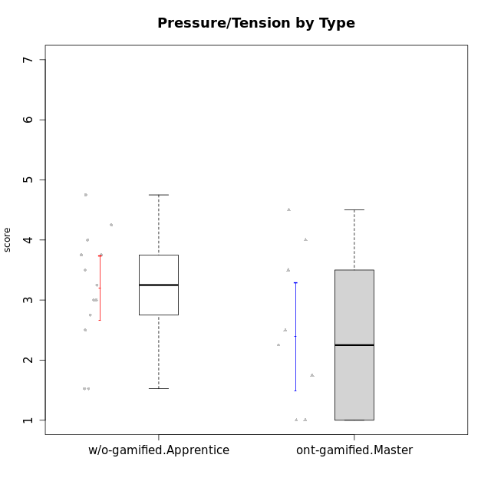

Student's t-Test data
UserID | NroUSP | Type | CLGroup | CLRole | PlayerRole | Interest/Enjoyment | Perceived Choice | Pressure/Tension | Effort/Importance | Intrinsic Motivation | Attention | Relevance | Satisfaction | Level of Motivation
10170 | 10260351 | w/o-gamified | Grupo11 | Apprentice |  | 4.1666666667 | 5.8 | 2.5 | 4.6666666667 | 5.0333333333 | 4.6666666667 | 5.25 | 4.3333333333 | 4.7692307692
10171 | 698531 | ont-gamified | Mafia | Master | Social Achiever | 5.4826 | 6.2 | 1.75 | 6.9768 | 5.6972216667 | 5 | 6.25 | 5.3333333333 | 5.4615384615
10175 | 10310700 | ont-gamified | Warriors | Master | Social Achiever | 4 | 6.6 | 1 | 6 | 5.6972216667 | 5.1666666667 | 6.25 | 5.6666666667 | 5.6153846154
10176 | 10276949 | ont-gamified | Outlaws | Master | Social Achiever | 3.8333333333 | 3.4 | 4.5 | 3.6666666667 | 3.6 | 4.3333333333 | 4.5174 | 4 | 4.1538461538
10183 | 10352030 | w/o-gamified | Grupo3 | Apprentice |  | 2.8333333333 | 4.4 | 4.75 | 3.6666666667 | 3.5375 | 2.1666666667 | 3 | 2.6666666667 | 2.7852923077
10184 | 10276675 | w/o-gamified | Grupo10 | Apprentice |  | 3.8333333333 | 4 | 3.75 | 3.6666666667 | 3.9375 | 3.8333333333 | 4.75 | 4.6666666667 | 4.3076923077
10185 | 10276960 | w/o-gamified | Grupo9 | Apprentice |  | 4.8333333333 | 3.4 | 4.25 | 4.3333333333 | 4.0791666667 | 3.8333333333 | 3.5 | 4.6666666667 | 3.9230769231
10188 | 10276995 | ont-gamified | Vandals | Master | Yee Achiever | 3 | 6.2 | 1 | 5 | 5.3 | 3.3333333333 | 6.5 | 3 | 4.2307692308
10197 | 10276661 | w/o-gamified | Grupo8 | Apprentice |  | 3.5 | 5 | 3.5 | 4.6666666667 | 4.4166666667 | 5.1666666667 | 5 | 3.3333333333 | 4.6923076923
10199 | 10276737 | w/o-gamified | Grupo1 | Apprentice |  | 3 | 3.8 | 3.25 | 4 | 3.8875 | 3.5 | 4.5 | 4.6666666667 | 4.0769230769
10201 | 10276928 | w/o-gamified | Grupo11 | Apprentice |  | 5.1666666667 | 4.2 | 3 | 5 | 4.8416666667 | 4.8333333333 | 3.5 | 5.6666666667 | 4.6153846154
10206 | 10310721 | w/o-gamified | Grupo8 | Apprentice |  | 3.6666666667 | 5.6 | 3 | 5.6666666667 | 4.9833333333 | 4.5 | 4.75 | 5.3333333333 | 4.7692307692
10208 | 10276932 | ont-gamified | Mercenaries | Master | Social Achiever | 3.8333333333 | 4.8 | 2.25 | 5.6666666667 | 5.0125 | 2.5 | 4.5174 | 4.3333333333 | 3.2307692308
10213 | 10277040 | w/o-gamified | Grupo7 | Apprentice |  | 3.8333333333 | 1.42784 | 3.75 | 6.3101333333 | 4.1208333333 | 5.5 | 6.7239 | 6 | 5.5224
10215 | 9285227 | ont-gamified | Vikings | Master | Social Achiever | 4 | 5.4 | 2.5 | 4.3333333333 | 4.8083333333 | 3 | 6.25 | 2.3333333333 | 3.8461538462
10216 | 10276720 | ont-gamified | Silly Knights | Master | Social Achiever | 4.6666666667 | 5.8 | 1 | 5.6666666667 | 5.6972216667 | 3.8333333333 | 6 | 5.3333333333 | 4.8461538462
10217 | 9805341 | w/o-gamified | Grupo9 | Apprentice |  | 4.3333333333 | 4.2 | 1.5261 | 4 | 4.8833333333 | 3.8333333333 | 5 | 4 | 4.2307692308
10218 | 9842913 | w/o-gamified | Grupo10 | Apprentice |  | 4 | 3.6 | 4 | 4 | 3.9 | 4 | 4.5 | 3.3333333333 | 4
10220 | 9760151 | w/o-gamified | Grupo3 | Apprentice |  | 2.5 | 6.17216 | 1.5261 | 6 | 5.475 | 1.529 | 6.25 | 6 | 4
10223 | 9795185 | ont-gamified | Slayers | Master | Social Achiever | 5 | 4.2 | 3.5 | 4.3333333333 | 4.5083333333 | 3.8333333333 | 5 | 4.3333333333 | 4.3076923077
10230 | 10351992 | ont-gamified | Resistance | Master | Social Achiever | 4.5 | 4 | 4 | 4.6666666667 | 4.2916666667 | 4.6666666667 | 4.75 | 4 | 4.5384615385
10232 | 10276974 | w/o-gamified | Grupo7 | Apprentice |  | 4.5 | 4.6 | 2.75 | 6.3101333333 | 5.1708333333 | 4.8333333333 | 5.75 | 5.6666666667 | 5.3076923077

Type_CLRole_5
Student's t-Test for Pressure/Tension by Type in Type:CLRole between ont-gamified.Master:w/o-gamified.Master

Student's t-Test results
Alternative hypothesis: less
Group | N | Mean | Mean.Difference | Std.deviation | Std.error | CI.lower | CI.upper | df | t.value | p.value | g | magnitude
ont-gamified.Master | 9 | 2.3888888889 | 0.39323888889 | 1.3469358229 | 0.44897860765 | 1.4909316736 | 3.2868461042 | 10.277593747 | 0.52914403026 | 0.69602797166 | 0.26670116284 | small
w/o-gamified.Master | 6 | 1.99565 | -0.39323888889 | 1.4505976475 | 0.59220400975 | 0.8112419805 | 3.1800580195 | 10.277593747 | 0.52914403026 | 0.69602797166 | 0.26670116284 | small
Alternative hypothesis: greater
Group | N | Mean | Mean.Difference | Std.deviation | Std.error | CI.lower | CI.upper | df | t.value | p.value | g | magnitude
ont-gamified.Master | 9 | 2.3888888889 | 0.39323888889 | 1.3469358229 | 0.44897860765 | 1.4909316736 | 3.2868461042 | 10.277593747 | 0.52914403026 | 0.30397202834 | 0.26670116284 | small
w/o-gamified.Master | 6 | 1.99565 | -0.39323888889 | 1.4505976475 | 0.59220400975 | 0.8112419805 | 3.1800580195 | 10.277593747 | 0.52914403026 | 0.30397202834 | 0.26670116284 | small
Alternative hypothesis: two.sided
Group | N | Mean | Mean.Difference | Std.deviation | Std.error | CI.lower | CI.upper | df | t.value | p.value | g | magnitude
ont-gamified.Master | 9 | 2.3888888889 | 0.39323888889 | 1.3469358229 | 0.44897860765 | 1.4909316736 | 3.2868461042 | 10.277593747 | 0.52914403026 | 0.60794405667 | 0.26670116284 | small
w/o-gamified.Master | 6 | 1.99565 | -0.39323888889 | 1.4505976475 | 0.59220400975 | 0.8112419805 | 3.1800580195 | 10.277593747 | 0.52914403026 | 0.60794405667 | 0.26670116284 | small

Box plots for Student's t-Test
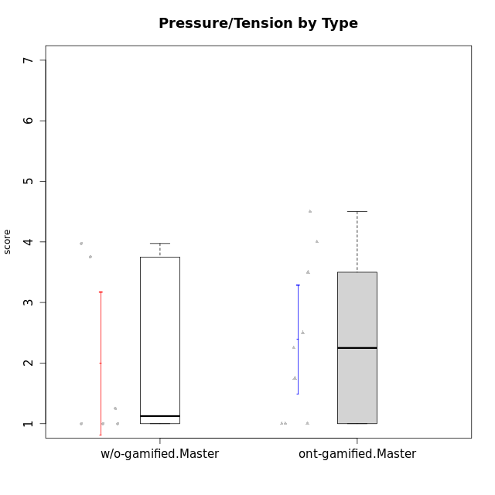

Student's t-Test data
UserID | NroUSP | Type | CLGroup | CLRole | PlayerRole | Interest/Enjoyment | Perceived Choice | Pressure/Tension | Effort/Importance | Intrinsic Motivation | Attention | Relevance | Satisfaction | Level of Motivation
10171 | 698531 | ont-gamified | Mafia | Master | Social Achiever | 5.4826 | 6.2 | 1.75 | 6.9768 | 5.6972216667 | 5 | 6.25 | 5.3333333333 | 5.4615384615
10174 | 10276852 | w/o-gamified | Grupo7 | Master |  | 4.5 | 4.2 | 3.9739 | 4.3333333333 | 4.1958333333 | 5.1666666667 | 3.5 | 5 | 4.6153846154
10175 | 10310700 | ont-gamified | Warriors | Master | Social Achiever | 4 | 6.6 | 1 | 6 | 5.6972216667 | 5.1666666667 | 6.25 | 5.6666666667 | 5.6153846154
10176 | 10276949 | ont-gamified | Outlaws | Master | Social Achiever | 3.8333333333 | 3.4 | 4.5 | 3.6666666667 | 3.6 | 4.3333333333 | 4.5174 | 4 | 4.1538461538
10179 | 10310759 | w/o-gamified | Grupo10 | Master |  | 3.6666666667 | 2.6 | 1.25 | 6.3101333333 | 4.8375 | 3.5 | 5.25 | 4 | 4.1538461538
10188 | 10276995 | ont-gamified | Vandals | Master | Yee Achiever | 3 | 6.2 | 1 | 5 | 5.3 | 3.3333333333 | 6.5 | 3 | 4.2307692308
10191 | 10276981 | w/o-gamified | Grupo1 | Master |  | 2.3333333333 | 3.2 | 1 | 4.6666666667 | 4.3 | 3.3333333333 | 4.25 | 4.3333333333 | 3.8461538462
10208 | 10276932 | ont-gamified | Mercenaries | Master | Social Achiever | 3.8333333333 | 4.8 | 2.25 | 5.6666666667 | 5.0125 | 2.5 | 4.5174 | 4.3333333333 | 3.2307692308
10215 | 9285227 | ont-gamified | Vikings | Master | Social Achiever | 4 | 5.4 | 2.5 | 4.3333333333 | 4.8083333333 | 3 | 6.25 | 2.3333333333 | 3.8461538462
10216 | 10276720 | ont-gamified | Silly Knights | Master | Social Achiever | 4.6666666667 | 5.8 | 1 | 5.6666666667 | 5.6972216667 | 3.8333333333 | 6 | 5.3333333333 | 4.8461538462
10219 | 10276831 | w/o-gamified | Grupo3 | Master |  | 1.8565333333 | 3.2 | 1 | 2.3565333333 | 3.5916666667 | 2.0203 | 3.5 | 1.3681333333 | 3.0133846154
10223 | 9795185 | ont-gamified | Slayers | Master | Social Achiever | 5 | 4.2 | 3.5 | 4.3333333333 | 4.5083333333 | 3.8333333333 | 5 | 4.3333333333 | 4.3076923077
10227 | 9274382 | w/o-gamified | Grupo5 | Master |  | 4.3333333333 | 4.6 | 3.75 | 4 | 4.2958333333 | 5.4797 | 5 | 6 | 5.2943076923
10230 | 10351992 | ont-gamified | Resistance | Master | Social Achiever | 4.5 | 4 | 4 | 4.6666666667 | 4.2916666667 | 4.6666666667 | 4.75 | 4 | 4.5384615385
10231 | 10276911 | w/o-gamified | Grupo9 | Master |  | 4.5 | 5.57216 | 1 | 3.6666666667 | 5.3916666667 | 4 | 4.5 | 5.3333333333 | 4.4615384615

Type_CLRole_6
Student's t-Test for Pressure/Tension by Type in Type:CLRole between w/o-gamified.Apprentice:w/o-gamified.Master

Student's t-Test results
Alternative hypothesis: less
Group | N | Mean | Mean.Difference | Std.deviation | Std.error | CI.lower | CI.upper | df | t.value | p.value | g | magnitude
w/o-gamified.Apprentice | 13 | 3.1963230769 | 1.2006730769 | 0.96689824797 | 0.26816932394 | 2.659984429 | 3.7326617248 | 7.1357962482 | 1.8469262618 | 0.94677748397 | 1.0142053325 | large
w/o-gamified.Master | 6 | 1.99565 | -1.2006730769 | 1.4505976475 | 0.59220400975 | 0.8112419805 | 3.1800580195 | 7.1357962482 | 1.8469262618 | 0.94677748397 | 1.0142053325 | large
Alternative hypothesis: greater
Group | N | Mean | Mean.Difference | Std.deviation | Std.error | CI.lower | CI.upper | df | t.value | p.value | g | magnitude
w/o-gamified.Apprentice | 13 | 3.1963230769 | 1.2006730769 | 0.96689824797 | 0.26816932394 | 2.659984429 | 3.7326617248 | 7.1357962482 | 1.8469262618 | 0.053222516025 | 1.0142053325 | large
w/o-gamified.Master | 6 | 1.99565 | -1.2006730769 | 1.4505976475 | 0.59220400975 | 0.8112419805 | 3.1800580195 | 7.1357962482 | 1.8469262618 | 0.053222516025 | 1.0142053325 | large
Alternative hypothesis: two.sided
Group | N | Mean | Mean.Difference | Std.deviation | Std.error | CI.lower | CI.upper | df | t.value | p.value | g | magnitude
w/o-gamified.Apprentice | 13 | 3.1963230769 | 1.2006730769 | 0.96689824797 | 0.26816932394 | 2.659984429 | 3.7326617248 | 7.1357962482 | 1.8469262618 | 0.10644503205 | 1.0142053325 | large
w/o-gamified.Master | 6 | 1.99565 | -1.2006730769 | 1.4505976475 | 0.59220400975 | 0.8112419805 | 3.1800580195 | 7.1357962482 | 1.8469262618 | 0.10644503205 | 1.0142053325 | large

Box plots for Student's t-Test
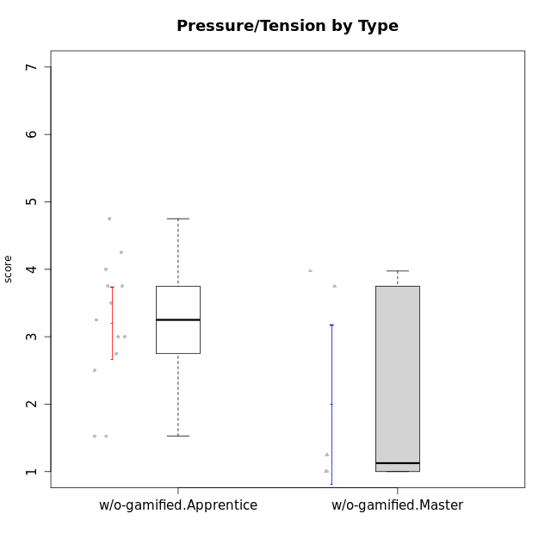

Student's t-Test data
UserID | NroUSP | Type | CLGroup | CLRole | PlayerRole | Interest/Enjoyment | Perceived Choice | Pressure/Tension | Effort/Importance | Intrinsic Motivation | Attention | Relevance | Satisfaction | Level of Motivation
10170 | 10260351 | w/o-gamified | Grupo11 | Apprentice |  | 4.1666666667 | 5.8 | 2.5 | 4.6666666667 | 5.0333333333 | 4.6666666667 | 5.25 | 4.3333333333 | 4.7692307692
10174 | 10276852 | w/o-gamified | Grupo7 | Master |  | 4.5 | 4.2 | 3.9739 | 4.3333333333 | 4.1958333333 | 5.1666666667 | 3.5 | 5 | 4.6153846154
10179 | 10310759 | w/o-gamified | Grupo10 | Master |  | 3.6666666667 | 2.6 | 1.25 | 6.3101333333 | 4.8375 | 3.5 | 5.25 | 4 | 4.1538461538
10183 | 10352030 | w/o-gamified | Grupo3 | Apprentice |  | 2.8333333333 | 4.4 | 4.75 | 3.6666666667 | 3.5375 | 2.1666666667 | 3 | 2.6666666667 | 2.7852923077
10184 | 10276675 | w/o-gamified | Grupo10 | Apprentice |  | 3.8333333333 | 4 | 3.75 | 3.6666666667 | 3.9375 | 3.8333333333 | 4.75 | 4.6666666667 | 4.3076923077
10185 | 10276960 | w/o-gamified | Grupo9 | Apprentice |  | 4.8333333333 | 3.4 | 4.25 | 4.3333333333 | 4.0791666667 | 3.8333333333 | 3.5 | 4.6666666667 | 3.9230769231
10191 | 10276981 | w/o-gamified | Grupo1 | Master |  | 2.3333333333 | 3.2 | 1 | 4.6666666667 | 4.3 | 3.3333333333 | 4.25 | 4.3333333333 | 3.8461538462
10197 | 10276661 | w/o-gamified | Grupo8 | Apprentice |  | 3.5 | 5 | 3.5 | 4.6666666667 | 4.4166666667 | 5.1666666667 | 5 | 3.3333333333 | 4.6923076923
10199 | 10276737 | w/o-gamified | Grupo1 | Apprentice |  | 3 | 3.8 | 3.25 | 4 | 3.8875 | 3.5 | 4.5 | 4.6666666667 | 4.0769230769
10201 | 10276928 | w/o-gamified | Grupo11 | Apprentice |  | 5.1666666667 | 4.2 | 3 | 5 | 4.8416666667 | 4.8333333333 | 3.5 | 5.6666666667 | 4.6153846154
10206 | 10310721 | w/o-gamified | Grupo8 | Apprentice |  | 3.6666666667 | 5.6 | 3 | 5.6666666667 | 4.9833333333 | 4.5 | 4.75 | 5.3333333333 | 4.7692307692
10213 | 10277040 | w/o-gamified | Grupo7 | Apprentice |  | 3.8333333333 | 1.42784 | 3.75 | 6.3101333333 | 4.1208333333 | 5.5 | 6.7239 | 6 | 5.5224
10217 | 9805341 | w/o-gamified | Grupo9 | Apprentice |  | 4.3333333333 | 4.2 | 1.5261 | 4 | 4.8833333333 | 3.8333333333 | 5 | 4 | 4.2307692308
10218 | 9842913 | w/o-gamified | Grupo10 | Apprentice |  | 4 | 3.6 | 4 | 4 | 3.9 | 4 | 4.5 | 3.3333333333 | 4
10219 | 10276831 | w/o-gamified | Grupo3 | Master |  | 1.8565333333 | 3.2 | 1 | 2.3565333333 | 3.5916666667 | 2.0203 | 3.5 | 1.3681333333 | 3.0133846154
10220 | 9760151 | w/o-gamified | Grupo3 | Apprentice |  | 2.5 | 6.17216 | 1.5261 | 6 | 5.475 | 1.529 | 6.25 | 6 | 4
10227 | 9274382 | w/o-gamified | Grupo5 | Master |  | 4.3333333333 | 4.6 | 3.75 | 4 | 4.2958333333 | 5.4797 | 5 | 6 | 5.2943076923
10231 | 10276911 | w/o-gamified | Grupo9 | Master |  | 4.5 | 5.57216 | 1 | 3.6666666667 | 5.3916666667 | 4 | 4.5 | 5.3333333333 | 4.4615384615
10232 | 10276974 | w/o-gamified | Grupo7 | Apprentice |  | 4.5 | 4.6 | 2.75 | 6.3101333333 | 5.1708333333 | 4.8333333333 | 5.75 | 5.6666666667 | 5.3076923077

