Assumptions
ANOVA assumptions for Relevance by Type

Shapiro-Wilk normality test for Relevance by Type
W | p.value
0.98347668007 | 0.7829597261

Plots for normality test
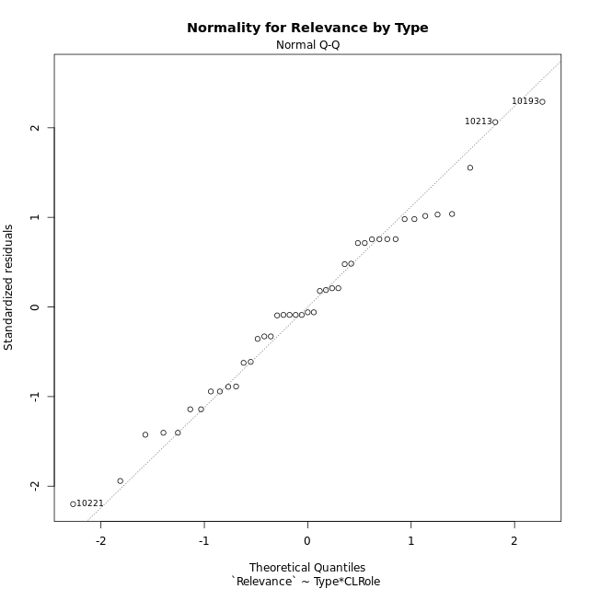

Levene's Test for Homogeneity of Variance in Relevance by Type
Df | F value | Pr(>F)
3 | 0.13767096953 | 0.93690769441
39

Plots for homogeneity of variance
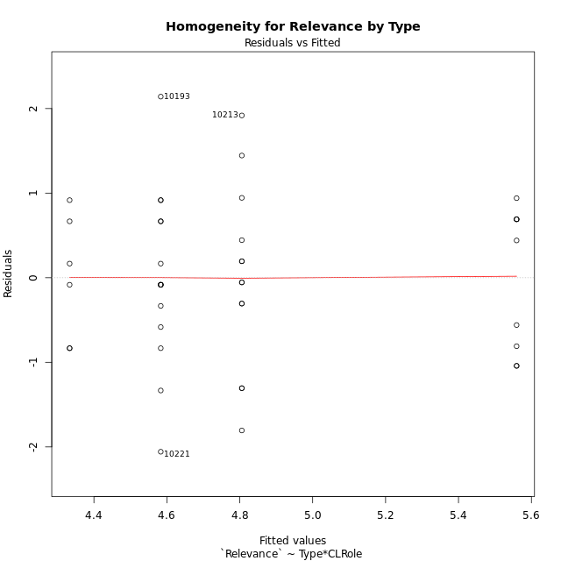

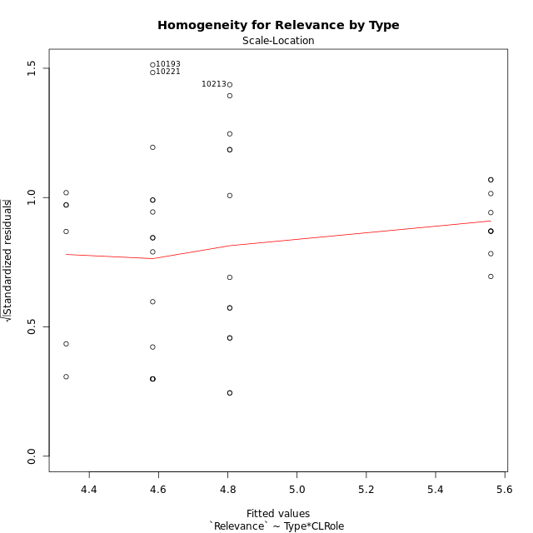

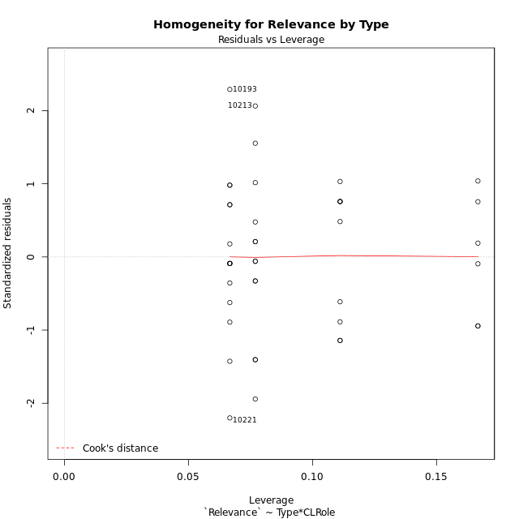

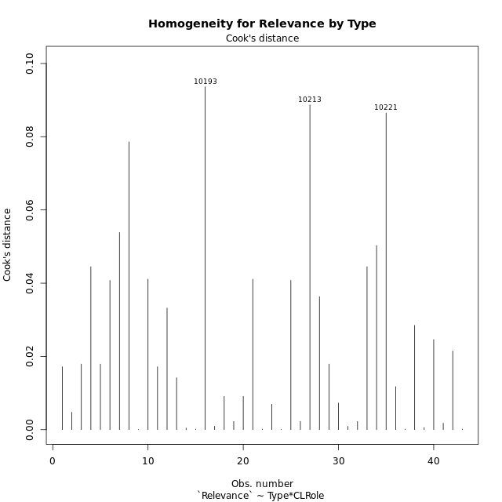

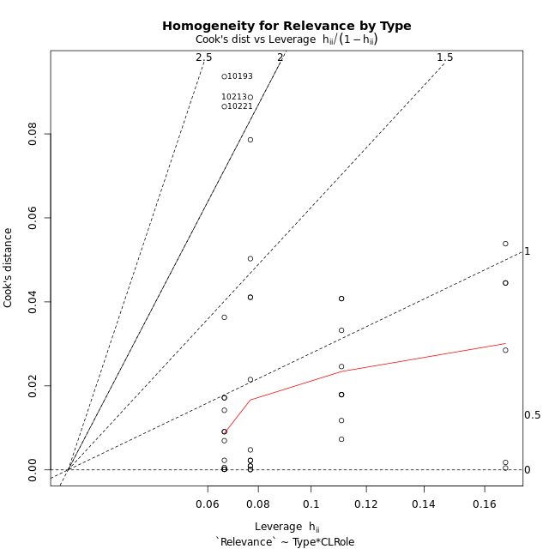

Minimum Sample Size Test for Relevance by Type
Type | CLRole | Freq
ont-gamified | Apprentice | 15
w/o-gamified | Apprentice | 13
ont-gamified | Master | 9
w/o-gamified | Master | 6

Errors and Warnings in Sample Size Test for ANOVA in Relevance by Type
code | description
WARN: sample.size | current size is 13 and recommended size is 15 for the group: 'w/o-gamified:Apprentice'.
WARN: sample.size | current size is 9 and recommended size is 15 for the group: 'ont-gamified:Master'.
WARN: sample.size | current size is 6 and recommended size is 15 for the group: 'w/o-gamified:Master'.

For the group: 'ont-gamified:Apprentice', you can perform a parametric test without having a normal distribution For the group: 'w/o-gamified:Apprentice', we recommend the use of non-parametric test. For the group: 'ont-gamified:Master', we recommend the use of non-parametric test. For the group: 'w/o-gamified:Master', we recommend the use of non-parametric test.

If you don't want to remove non-normal data, you must cite the following references: ... (1) Lix, L.M., J.C. Keselman, and H.J. Keselman. 1996. Consequences of assumption violations revisited: A quantitative review of alternatives to the one-way analysis of variance F test. Rev. Educ. Res. 66: 579-619. ... (2) Harwell, M.R., E.N. Rubinstein, W.S. Hayes, and C.C. Olds. 1992. Summarizing Monte Carlo results in methodological research: the one- and two-factor fixed effects ANOVA cases. J. Educ. Stat. 17: 315-339.

Post-hoc
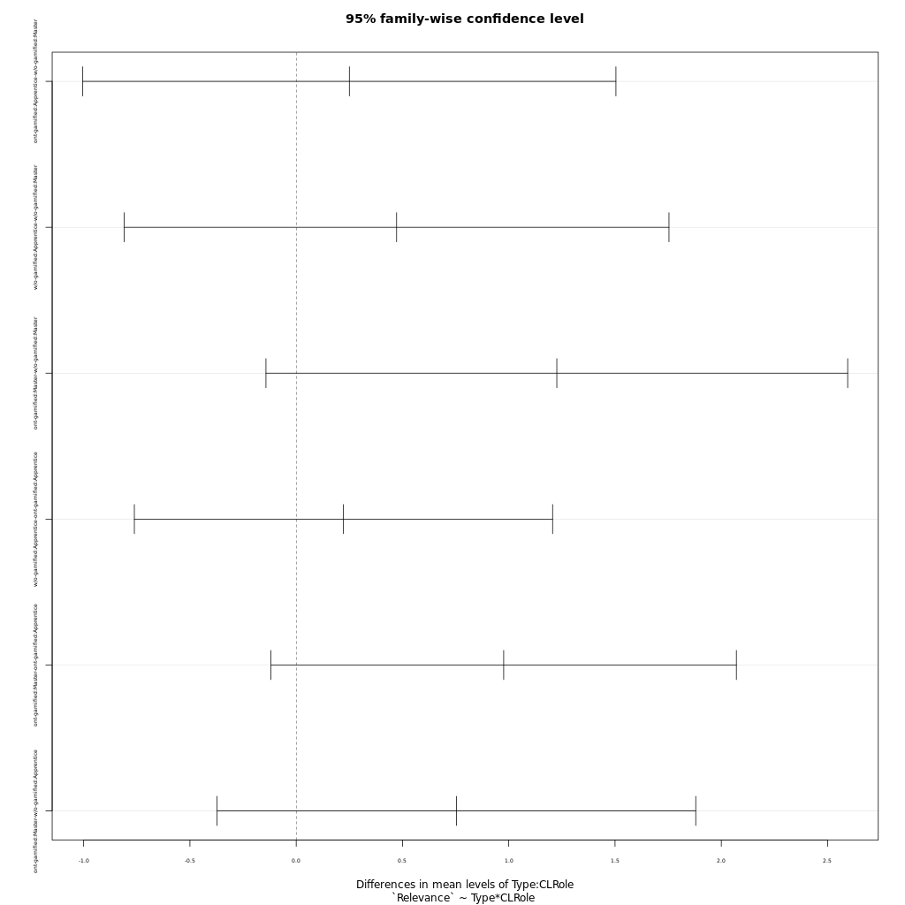
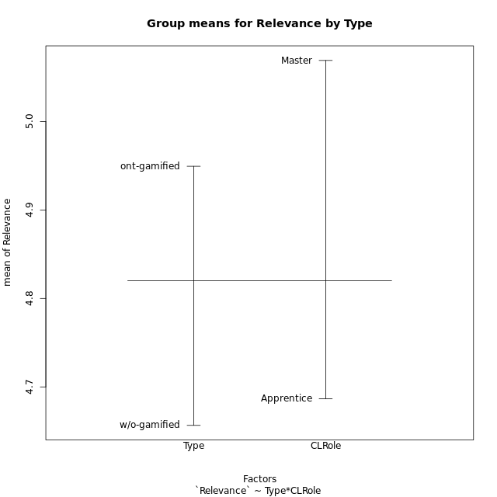
Post-hoc Tukey Honestly Significant Difference (HSD) Test for Relevance by Type

Comparisons of means for Type
 | diff | lwr | upr | p adj
ont-gamified-w/o-gamified | 0.29284561404 | -0.30815926865 | 0.89385049672 | 0.33041634553

Comparisons of means for CLRole
 | diff | lwr | upr | p adj
Master-Apprentice | 0.36359302005 | -0.26263973044 | 0.98982577054 | 0.24736343637

Comparisons of means for Type:CLRole
 | diff | lwr | upr | p adj
ont-gamified:Apprentice-w/o-gamified:Master | 0.25 | -1.004195276 | 1.504195276 | 0.95000954268
w/o-gamified:Apprentice-w/o-gamified:Master | 0.47235128205 | -0.80911229605 | 1.7538148602 | 0.75644462364
ont-gamified:Master-w/o-gamified:Master | 1.2260888889 | -0.14235034647 | 2.5945281243 | 0.092978719137
w/o-gamified:Apprentice-ont-gamified:Apprentice | 0.22235128205 | -0.7615204389 | 1.206223003 | 0.92942505947
ont-gamified:Master-ont-gamified:Apprentice | 0.97608888889 | -0.1186624994 | 2.0708402772 | 0.095316048705
ont-gamified:Master-w/o-gamified:Apprentice | 0.75373760684 | -0.37215035998 | 1.8796255737 | 0.29040647856

Contrast Matrices for Relevance by Type - Type
contrast | estimate | SE | df | t.ratio | p.value
ont-gamified - w/o-gamified | 0.50186880342 | 0.31404884612 | 39 | 1.5980596956 | 0.11810138805

Contrast Matrices for Relevance by Type - Type:CLRole
contrast | CLRole | estimate | SE | df | t.ratio | p.value
ont-gamified - w/o-gamified | Apprentice | -0.22235128205 | 0.3666556477 | 39 | -0.60643081171 | 0.54774270025
ont-gamified - w/o-gamified | Master | 1.2260888889 | 0.50997092761 | 39 | 2.4042329131 | 0.021055033212

Least Squares Means and Confidence Intervals for Type
Type | lsmean | SE | df | lower.CL | upper.CL | Pairs
ont-gamified | 5.0713777778 | 0.20398837104 | 39 | 4.6587723519 | 5.4839832037 | ont-gamified
w/o-gamified | 4.5695089744 | 0.23877902384 | 39 | 4.0865328109 | 5.0524851378 | w/o-gamified

Least Squares Means and Confidence Intervals for Type:CLRole
Type | CLRole | lsmean | SE | df | lower.CL | upper.CL | Pairs
ont-gamified | Apprentice | 4.5833333333 | 0.24983371126 | 39 | 4.0779969541 | 5.0886697126 | ont-gamified.Apprentice
w/o-gamified | Apprentice | 4.8056846154 | 0.268364455 | 39 | 4.262866269 | 5.3485029618 | w/o-gamified.Apprentice
ont-gamified | Master | 5.5594222222 | 0.32253393434 | 39 | 4.9070357618 | 6.2118086826 | ont-gamified.Master
w/o-gamified | Master | 4.3333333333 | 0.39502178193 | 39 | 3.5343263618 | 5.1323403049 | w/o-gamified.Master

Plots

Type_1
Student's t-Test for Relevance by Type in Type between ont-gamified:w/o-gamified

Student's t-Test results
Alternative hypothesis: less
Group | N | Mean | Mean.Difference | Std.deviation | Std.error | CI.lower | CI.upper | df | t.value | p.value | g | magnitude
ont-gamified | 24 | 4.9493666667 | 0.29284561404 | 1.0502854335 | 0.21438861637 | 4.5205894339 | 5.3781438994 | 39.78825203 | 0.94079651661 | 0.82375689707 | 0.28138228443 | small
w/o-gamified | 19 | 4.6565210526 | -0.29284561404 | 0.98369352871 | 0.22567477279 | 4.205171507 | 5.1078705982 | 39.78825203 | 0.94079651661 | 0.82375689707 | 0.28138228443 | small
Alternative hypothesis: greater
Group | N | Mean | Mean.Difference | Std.deviation | Std.error | CI.lower | CI.upper | df | t.value | p.value | g | magnitude
ont-gamified | 24 | 4.9493666667 | 0.29284561404 | 1.0502854335 | 0.21438861637 | 4.5205894339 | 5.3781438994 | 39.78825203 | 0.94079651661 | 0.17624310293 | 0.28138228443 | small
w/o-gamified | 19 | 4.6565210526 | -0.29284561404 | 0.98369352871 | 0.22567477279 | 4.205171507 | 5.1078705982 | 39.78825203 | 0.94079651661 | 0.17624310293 | 0.28138228443 | small
Alternative hypothesis: two.sided
Group | N | Mean | Mean.Difference | Std.deviation | Std.error | CI.lower | CI.upper | df | t.value | p.value | g | magnitude
ont-gamified | 24 | 4.9493666667 | 0.29284561404 | 1.0502854335 | 0.21438861637 | 4.5205894339 | 5.3781438994 | 39.78825203 | 0.94079651661 | 0.35248620586 | 0.28138228443 | small
w/o-gamified | 19 | 4.6565210526 | -0.29284561404 | 0.98369352871 | 0.22567477279 | 4.205171507 | 5.1078705982 | 39.78825203 | 0.94079651661 | 0.35248620586 | 0.28138228443 | small

Box plots for Student's t-Test
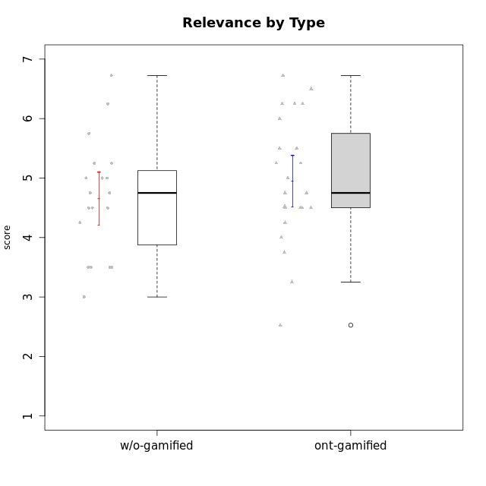

Student's t-Test data
UserID | NroUSP | Type | CLGroup | CLRole | PlayerRole | Interest/Enjoyment | Perceived Choice | Pressure/Tension | Effort/Importance | Intrinsic Motivation | Attention | Relevance | Satisfaction | Level of Motivation
10169 | 10377538 | ont-gamified | Resistance | Apprentice | Social Achiever | 5.7297 | 5.2 | 5.5 | 3.6666666667 | 4.5916666667 | 6.5514333333 | 5.5 | 7 | 5.8645384615
10170 | 10260351 | w/o-gamified | Grupo11 | Apprentice |  | 4.1666666667 | 5.8 | 2.5 | 4.6666666667 | 5.0333333333 | 4.6666666667 | 5.25 | 4.3333333333 | 4.7692307692
10171 | 698531 | ont-gamified | Mafia | Master | Social Achiever | 5.4826 | 6.2 | 1.75 | 6.9768 | 5.6972216667 | 5 | 6.25 | 5.3333333333 | 5.4615384615
10174 | 10276852 | w/o-gamified | Grupo7 | Master |  | 4.5 | 4.2 | 3.9739 | 4.3333333333 | 4.1958333333 | 5.1666666667 | 3.5 | 5 | 4.6153846154
10175 | 10310700 | ont-gamified | Warriors | Master | Social Achiever | 4 | 6.6 | 1 | 6 | 5.6972216667 | 5.1666666667 | 6.25 | 5.6666666667 | 5.6153846154
10176 | 10276949 | ont-gamified | Outlaws | Master | Social Achiever | 3.8333333333 | 3.4 | 4.5 | 3.6666666667 | 3.6 | 4.3333333333 | 4.5174 | 4 | 4.1538461538
10179 | 10310759 | w/o-gamified | Grupo10 | Master |  | 3.6666666667 | 2.6 | 1.25 | 6.3101333333 | 4.8375 | 3.5 | 5.25 | 4 | 4.1538461538
10183 | 10352030 | w/o-gamified | Grupo3 | Apprentice |  | 2.8333333333 | 4.4 | 4.75 | 3.6666666667 | 3.5375 | 2.1666666667 | 3 | 2.6666666667 | 2.7852923077
10184 | 10276675 | w/o-gamified | Grupo10 | Apprentice |  | 3.8333333333 | 4 | 3.75 | 3.6666666667 | 3.9375 | 3.8333333333 | 4.75 | 4.6666666667 | 4.3076923077
10185 | 10276960 | w/o-gamified | Grupo9 | Apprentice |  | 4.8333333333 | 3.4 | 4.25 | 4.3333333333 | 4.0791666667 | 3.8333333333 | 3.5 | 4.6666666667 | 3.9230769231
10186 | 10310551 | ont-gamified | Slayers | Apprentice | Social Achiever | 3.8333333333 | 4.6 | 5 | 7 | 4.6083333333 | 3.5 | 5.5 | 6.3333333333 | 4.7692307692
10188 | 10276995 | ont-gamified | Vandals | Master | Yee Achiever | 3 | 6.2 | 1 | 5 | 5.3 | 3.3333333333 | 6.5 | 3 | 4.2307692308
10189 | 9363926 | ont-gamified | Vikings | Apprentice | Social Achiever | 2.2703 | 3.4 | 2 | 5.6666666667 | 4.2666666667 | 1.3333333333 | 3.75 | 2.6666666667 | 2.4431538462
10191 | 10276981 | w/o-gamified | Grupo1 | Master |  | 2.3333333333 | 3.2 | 1 | 4.6666666667 | 4.3 | 3.3333333333 | 4.25 | 4.3333333333 | 3.8461538462
10192 | 10276682 | ont-gamified | Attractive Devils | Apprentice | Social Achiever | 4 | 4.8 | 4.25 | 5.6666666667 | 4.5541666667 | 5.1666666667 | 4.5 | 6.6666666667 | 5.3076923077
10193 | 10276762 | ont-gamified | Vandals | Apprentice | Yee Achiever | 2.2703 | 7 | 2.75 | 5 | 4.6458333333 | 1.1666666667 | 6.7239 | 1.3681333333 | 2.9230769231
10197 | 10276661 | w/o-gamified | Grupo8 | Apprentice |  | 3.5 | 5 | 3.5 | 4.6666666667 | 4.4166666667 | 5.1666666667 | 5 | 3.3333333333 | 4.6923076923
10198 | 10310888 | ont-gamified | Attractive Devils | Apprentice | Social Achiever | 4 | 3.6 | 4.25 | 5.6666666667 | 4.2541666667 | 5.8333333333 | 5.25 | 6.6666666667 | 5.8461538462
10199 | 10276737 | w/o-gamified | Grupo1 | Apprentice |  | 3 | 3.8 | 3.25 | 4 | 3.8875 | 3.5 | 4.5 | 4.6666666667 | 4.0769230769
10200 | 9795272 | ont-gamified | Warriors | Apprentice | Social Achiever | 4.5 | 4.8 | 4.75 | 6.6666666667 | 4.8041666667 | 5 | 5.25 | 6 | 5.3076923077
10201 | 10276928 | w/o-gamified | Grupo11 | Apprentice |  | 5.1666666667 | 4.2 | 3 | 5 | 4.8416666667 | 4.8333333333 | 3.5 | 5.6666666667 | 4.6153846154
10202 | 10277036 | ont-gamified | Silly Knights | Apprentice | Social Achiever | 3 | 5.2 | 3.5 | 5.6666666667 | 4.5916666667 | 3.1666666667 | 4.5 | 5 | 4
10203 | 9921470 | ont-gamified | Mercenaries | Apprentice | Social Achiever | 4.1666666667 | 6.4 | 3.25 | 7 | 5.1978933333 | 4.5 | 4 | 6.3333333333 | 4.7692307692
10206 | 10310721 | w/o-gamified | Grupo8 | Apprentice |  | 3.6666666667 | 5.6 | 3 | 5.6666666667 | 4.9833333333 | 4.5 | 4.75 | 5.3333333333 | 4.7692307692
10208 | 10276932 | ont-gamified | Mercenaries | Master | Social Achiever | 3.8333333333 | 4.8 | 2.25 | 5.6666666667 | 5.0125 | 2.5 | 4.5174 | 4.3333333333 | 3.2307692308
10209 | 10262669 | ont-gamified | Mafia | Apprentice | Social Achiever | 2.3333333333 | 1.6348 | 1.7761 | 4.6666666667 | 3.7875 | 2.3333333333 | 4.25 | 2.3333333333 | 2.9230769231
10213 | 10277040 | w/o-gamified | Grupo7 | Apprentice |  | 3.8333333333 | 1.42784 | 3.75 | 6.3101333333 | 4.1208333333 | 5.5 | 6.7239 | 6 | 5.5224
10214 | 10277022 | ont-gamified | Vikings | Apprentice | Social Achiever | 2.2703 | 2.6 | 4 | 7 | 3.6916666667 | 2.1666666667 | 3.25 | 3.6666666667 | 2.8461538462
10215 | 9285227 | ont-gamified | Vikings | Master | Social Achiever | 4 | 5.4 | 2.5 | 4.3333333333 | 4.8083333333 | 3 | 6.25 | 2.3333333333 | 3.8461538462
10216 | 10276720 | ont-gamified | Silly Knights | Master | Social Achiever | 4.6666666667 | 5.8 | 1 | 5.6666666667 | 5.6972216667 | 3.8333333333 | 6 | 5.3333333333 | 4.8461538462
10217 | 9805341 | w/o-gamified | Grupo9 | Apprentice |  | 4.3333333333 | 4.2 | 1.5261 | 4 | 4.8833333333 | 3.8333333333 | 5 | 4 | 4.2307692308
10218 | 9842913 | w/o-gamified | Grupo10 | Apprentice |  | 4 | 3.6 | 4 | 4 | 3.9 | 4 | 4.5 | 3.3333333333 | 4
10219 | 10276831 | w/o-gamified | Grupo3 | Master |  | 1.8565333333 | 3.2 | 1 | 2.3565333333 | 3.5916666667 | 2.0203 | 3.5 | 1.3681333333 | 3.0133846154
10220 | 9760151 | w/o-gamified | Grupo3 | Apprentice |  | 2.5 | 6.17216 | 1.5261 | 6 | 5.475 | 1.529 | 6.25 | 6 | 4
10221 | 9082496 | ont-gamified | Warriors | Apprentice | Social Achiever | 2.6666666667 | 3 | 3.25 | 5.3333333333 | 3.9375 | 2.8333333333 | 2.5261 | 4 | 3
10223 | 9795185 | ont-gamified | Slayers | Master | Social Achiever | 5 | 4.2 | 3.5 | 4.3333333333 | 4.5083333333 | 3.8333333333 | 5 | 4.3333333333 | 4.3076923077
10224 | 9368772 | ont-gamified | Mercenaries | Apprentice | Social Achiever | 4 | 3.6 | 4.75 | 4 | 3.7125 | 4.3333333333 | 4.5 | 5 | 4.5384615385
10227 | 9274382 | w/o-gamified | Grupo5 | Master |  | 4.3333333333 | 4.6 | 3.75 | 4 | 4.2958333333 | 5.4797 | 5 | 6 | 5.2943076923
10228 | 10310492 | ont-gamified | Resistance | Apprentice | Social Achiever | 2.2703 | 6.4 | 3.5 | 5 | 4.3083333333 | 2.1666666667 | 4.75 | 4 | 3.3846153846
10230 | 10351992 | ont-gamified | Resistance | Master | Social Achiever | 4.5 | 4 | 4 | 4.6666666667 | 4.2916666667 | 4.6666666667 | 4.75 | 4 | 4.5384615385
10231 | 10276911 | w/o-gamified | Grupo9 | Master |  | 4.5 | 5.57216 | 1 | 3.6666666667 | 5.3916666667 | 4 | 4.5 | 5.3333333333 | 4.4615384615
10232 | 10276974 | w/o-gamified | Grupo7 | Apprentice |  | 4.5 | 4.6 | 2.75 | 6.3101333333 | 5.1708333333 | 4.8333333333 | 5.75 | 5.6666666667 | 5.3076923077
10237 | 10377688 | ont-gamified | Outlaws | Apprentice | Social Achiever | 4 | 4.2 | 4.75 | 4.6666666667 | 4.0291666667 | 3.6666666667 | 4.5 | 4.3333333333 | 4.0769230769

Type_CLRole_1
Student's t-Test for Relevance by Type in Type:CLRole between ont-gamified.Apprentice:ont-gamified.Master

Student's t-Test results
Alternative hypothesis: less
Group | N | Mean | Mean.Difference | Std.deviation | Std.error | CI.lower | CI.upper | df | t.value | p.value | g | magnitude
ont-gamified.Apprentice | 15 | 4.5833333333 | -0.97608888889 | 1.0128758827 | 0.26152342837 | 4.0602864766 | 5.1063801901 | 19.541149329 | -2.5470856367 | 0.0097059200041 | -0.9881314262 | large
ont-gamified.Master | 9 | 5.5594222222 | 0.97608888889 | 0.84032928929 | 0.2801097631 | 4.999202696 | 6.1196417484 | 19.541149329 | -2.5470856367 | 0.0097059200041 | -0.9881314262 | large
Alternative hypothesis: greater
Group | N | Mean | Mean.Difference | Std.deviation | Std.error | CI.lower | CI.upper | df | t.value | p.value | g | magnitude
ont-gamified.Apprentice | 15 | 4.5833333333 | -0.97608888889 | 1.0128758827 | 0.26152342837 | 4.0602864766 | 5.1063801901 | 19.541149329 | -2.5470856367 | 0.99029408 | -0.9881314262 | large
ont-gamified.Master | 9 | 5.5594222222 | 0.97608888889 | 0.84032928929 | 0.2801097631 | 4.999202696 | 6.1196417484 | 19.541149329 | -2.5470856367 | 0.99029408 | -0.9881314262 | large
Alternative hypothesis: two.sided
Group | N | Mean | Mean.Difference | Std.deviation | Std.error | CI.lower | CI.upper | df | t.value | p.value | g | magnitude
ont-gamified.Apprentice | 15 | 4.5833333333 | -0.97608888889 | 1.0128758827 | 0.26152342837 | 4.0602864766 | 5.1063801901 | 19.541149329 | -2.5470856367 | 0.019411840008 | -0.9881314262 | large
ont-gamified.Master | 9 | 5.5594222222 | 0.97608888889 | 0.84032928929 | 0.2801097631 | 4.999202696 | 6.1196417484 | 19.541149329 | -2.5470856367 | 0.019411840008 | -0.9881314262 | large

Box plots for Student's t-Test
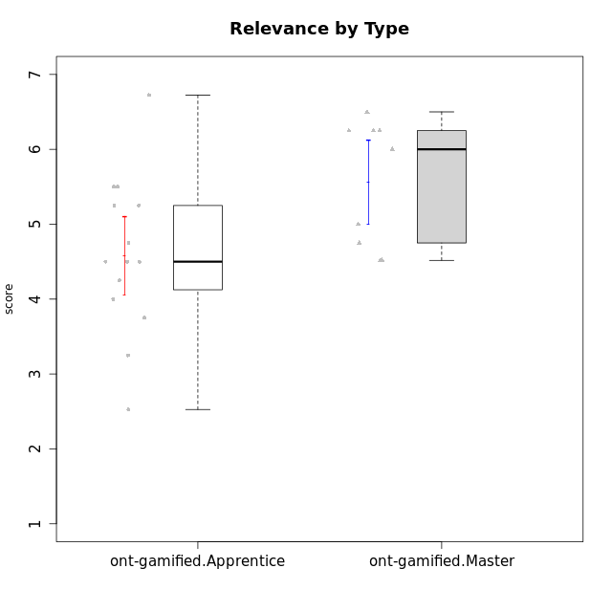

Student's t-Test data
UserID | NroUSP | Type | CLGroup | CLRole | PlayerRole | Interest/Enjoyment | Perceived Choice | Pressure/Tension | Effort/Importance | Intrinsic Motivation | Attention | Relevance | Satisfaction | Level of Motivation
10169 | 10377538 | ont-gamified | Resistance | Apprentice | Social Achiever | 5.7297 | 5.2 | 5.5 | 3.6666666667 | 4.5916666667 | 6.5514333333 | 5.5 | 7 | 5.8645384615
10171 | 698531 | ont-gamified | Mafia | Master | Social Achiever | 5.4826 | 6.2 | 1.75 | 6.9768 | 5.6972216667 | 5 | 6.25 | 5.3333333333 | 5.4615384615
10175 | 10310700 | ont-gamified | Warriors | Master | Social Achiever | 4 | 6.6 | 1 | 6 | 5.6972216667 | 5.1666666667 | 6.25 | 5.6666666667 | 5.6153846154
10176 | 10276949 | ont-gamified | Outlaws | Master | Social Achiever | 3.8333333333 | 3.4 | 4.5 | 3.6666666667 | 3.6 | 4.3333333333 | 4.5174 | 4 | 4.1538461538
10186 | 10310551 | ont-gamified | Slayers | Apprentice | Social Achiever | 3.8333333333 | 4.6 | 5 | 7 | 4.6083333333 | 3.5 | 5.5 | 6.3333333333 | 4.7692307692
10188 | 10276995 | ont-gamified | Vandals | Master | Yee Achiever | 3 | 6.2 | 1 | 5 | 5.3 | 3.3333333333 | 6.5 | 3 | 4.2307692308
10189 | 9363926 | ont-gamified | Vikings | Apprentice | Social Achiever | 2.2703 | 3.4 | 2 | 5.6666666667 | 4.2666666667 | 1.3333333333 | 3.75 | 2.6666666667 | 2.4431538462
10192 | 10276682 | ont-gamified | Attractive Devils | Apprentice | Social Achiever | 4 | 4.8 | 4.25 | 5.6666666667 | 4.5541666667 | 5.1666666667 | 4.5 | 6.6666666667 | 5.3076923077
10193 | 10276762 | ont-gamified | Vandals | Apprentice | Yee Achiever | 2.2703 | 7 | 2.75 | 5 | 4.6458333333 | 1.1666666667 | 6.7239 | 1.3681333333 | 2.9230769231
10198 | 10310888 | ont-gamified | Attractive Devils | Apprentice | Social Achiever | 4 | 3.6 | 4.25 | 5.6666666667 | 4.2541666667 | 5.8333333333 | 5.25 | 6.6666666667 | 5.8461538462
10200 | 9795272 | ont-gamified | Warriors | Apprentice | Social Achiever | 4.5 | 4.8 | 4.75 | 6.6666666667 | 4.8041666667 | 5 | 5.25 | 6 | 5.3076923077
10202 | 10277036 | ont-gamified | Silly Knights | Apprentice | Social Achiever | 3 | 5.2 | 3.5 | 5.6666666667 | 4.5916666667 | 3.1666666667 | 4.5 | 5 | 4
10203 | 9921470 | ont-gamified | Mercenaries | Apprentice | Social Achiever | 4.1666666667 | 6.4 | 3.25 | 7 | 5.1978933333 | 4.5 | 4 | 6.3333333333 | 4.7692307692
10208 | 10276932 | ont-gamified | Mercenaries | Master | Social Achiever | 3.8333333333 | 4.8 | 2.25 | 5.6666666667 | 5.0125 | 2.5 | 4.5174 | 4.3333333333 | 3.2307692308
10209 | 10262669 | ont-gamified | Mafia | Apprentice | Social Achiever | 2.3333333333 | 1.6348 | 1.7761 | 4.6666666667 | 3.7875 | 2.3333333333 | 4.25 | 2.3333333333 | 2.9230769231
10214 | 10277022 | ont-gamified | Vikings | Apprentice | Social Achiever | 2.2703 | 2.6 | 4 | 7 | 3.6916666667 | 2.1666666667 | 3.25 | 3.6666666667 | 2.8461538462
10215 | 9285227 | ont-gamified | Vikings | Master | Social Achiever | 4 | 5.4 | 2.5 | 4.3333333333 | 4.8083333333 | 3 | 6.25 | 2.3333333333 | 3.8461538462
10216 | 10276720 | ont-gamified | Silly Knights | Master | Social Achiever | 4.6666666667 | 5.8 | 1 | 5.6666666667 | 5.6972216667 | 3.8333333333 | 6 | 5.3333333333 | 4.8461538462
10221 | 9082496 | ont-gamified | Warriors | Apprentice | Social Achiever | 2.6666666667 | 3 | 3.25 | 5.3333333333 | 3.9375 | 2.8333333333 | 2.5261 | 4 | 3
10223 | 9795185 | ont-gamified | Slayers | Master | Social Achiever | 5 | 4.2 | 3.5 | 4.3333333333 | 4.5083333333 | 3.8333333333 | 5 | 4.3333333333 | 4.3076923077
10224 | 9368772 | ont-gamified | Mercenaries | Apprentice | Social Achiever | 4 | 3.6 | 4.75 | 4 | 3.7125 | 4.3333333333 | 4.5 | 5 | 4.5384615385
10228 | 10310492 | ont-gamified | Resistance | Apprentice | Social Achiever | 2.2703 | 6.4 | 3.5 | 5 | 4.3083333333 | 2.1666666667 | 4.75 | 4 | 3.3846153846
10230 | 10351992 | ont-gamified | Resistance | Master | Social Achiever | 4.5 | 4 | 4 | 4.6666666667 | 4.2916666667 | 4.6666666667 | 4.75 | 4 | 4.5384615385
10237 | 10377688 | ont-gamified | Outlaws | Apprentice | Social Achiever | 4 | 4.2 | 4.75 | 4.6666666667 | 4.0291666667 | 3.6666666667 | 4.5 | 4.3333333333 | 4.0769230769

Type_CLRole_2
Student's t-Test for Relevance by Type in Type:CLRole between ont-gamified.Apprentice:w/o-gamified.Apprentice

Student's t-Test results
Alternative hypothesis: less
Group | N | Mean | Mean.Difference | Std.deviation | Std.error | CI.lower | CI.upper | df | t.value | p.value | g | magnitude
ont-gamified.Apprentice | 15 | 4.5833333333 | -0.22235128205 | 1.0128758827 | 0.26152342837 | 4.0602864766 | 5.1063801901 | 24.949145433 | -0.56149637653 | 0.28973426708 | -0.20744413712 | small
w/o-gamified.Apprentice | 13 | 4.8056846154 | 0.22235128205 | 1.0721268238 | 0.29735447978 | 4.2109756558 | 5.400393575 | 24.949145433 | -0.56149637653 | 0.28973426708 | -0.20744413712 | small
Alternative hypothesis: greater
Group | N | Mean | Mean.Difference | Std.deviation | Std.error | CI.lower | CI.upper | df | t.value | p.value | g | magnitude
ont-gamified.Apprentice | 15 | 4.5833333333 | -0.22235128205 | 1.0128758827 | 0.26152342837 | 4.0602864766 | 5.1063801901 | 24.949145433 | -0.56149637653 | 0.71026573292 | -0.20744413712 | small
w/o-gamified.Apprentice | 13 | 4.8056846154 | 0.22235128205 | 1.0721268238 | 0.29735447978 | 4.2109756558 | 5.400393575 | 24.949145433 | -0.56149637653 | 0.71026573292 | -0.20744413712 | small
Alternative hypothesis: two.sided
Group | N | Mean | Mean.Difference | Std.deviation | Std.error | CI.lower | CI.upper | df | t.value | p.value | g | magnitude
ont-gamified.Apprentice | 15 | 4.5833333333 | -0.22235128205 | 1.0128758827 | 0.26152342837 | 4.0602864766 | 5.1063801901 | 24.949145433 | -0.56149637653 | 0.57946853417 | -0.20744413712 | small
w/o-gamified.Apprentice | 13 | 4.8056846154 | 0.22235128205 | 1.0721268238 | 0.29735447978 | 4.2109756558 | 5.400393575 | 24.949145433 | -0.56149637653 | 0.57946853417 | -0.20744413712 | small

Box plots for Student's t-Test
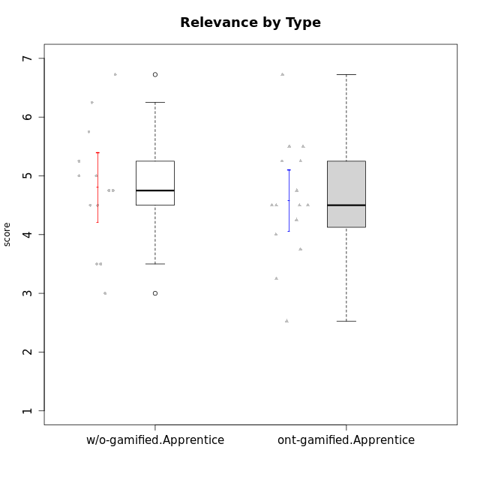

Student's t-Test data
UserID | NroUSP | Type | CLGroup | CLRole | PlayerRole | Interest/Enjoyment | Perceived Choice | Pressure/Tension | Effort/Importance | Intrinsic Motivation | Attention | Relevance | Satisfaction | Level of Motivation
10169 | 10377538 | ont-gamified | Resistance | Apprentice | Social Achiever | 5.7297 | 5.2 | 5.5 | 3.6666666667 | 4.5916666667 | 6.5514333333 | 5.5 | 7 | 5.8645384615
10170 | 10260351 | w/o-gamified | Grupo11 | Apprentice |  | 4.1666666667 | 5.8 | 2.5 | 4.6666666667 | 5.0333333333 | 4.6666666667 | 5.25 | 4.3333333333 | 4.7692307692
10183 | 10352030 | w/o-gamified | Grupo3 | Apprentice |  | 2.8333333333 | 4.4 | 4.75 | 3.6666666667 | 3.5375 | 2.1666666667 | 3 | 2.6666666667 | 2.7852923077
10184 | 10276675 | w/o-gamified | Grupo10 | Apprentice |  | 3.8333333333 | 4 | 3.75 | 3.6666666667 | 3.9375 | 3.8333333333 | 4.75 | 4.6666666667 | 4.3076923077
10185 | 10276960 | w/o-gamified | Grupo9 | Apprentice |  | 4.8333333333 | 3.4 | 4.25 | 4.3333333333 | 4.0791666667 | 3.8333333333 | 3.5 | 4.6666666667 | 3.9230769231
10186 | 10310551 | ont-gamified | Slayers | Apprentice | Social Achiever | 3.8333333333 | 4.6 | 5 | 7 | 4.6083333333 | 3.5 | 5.5 | 6.3333333333 | 4.7692307692
10189 | 9363926 | ont-gamified | Vikings | Apprentice | Social Achiever | 2.2703 | 3.4 | 2 | 5.6666666667 | 4.2666666667 | 1.3333333333 | 3.75 | 2.6666666667 | 2.4431538462
10192 | 10276682 | ont-gamified | Attractive Devils | Apprentice | Social Achiever | 4 | 4.8 | 4.25 | 5.6666666667 | 4.5541666667 | 5.1666666667 | 4.5 | 6.6666666667 | 5.3076923077
10193 | 10276762 | ont-gamified | Vandals | Apprentice | Yee Achiever | 2.2703 | 7 | 2.75 | 5 | 4.6458333333 | 1.1666666667 | 6.7239 | 1.3681333333 | 2.9230769231
10197 | 10276661 | w/o-gamified | Grupo8 | Apprentice |  | 3.5 | 5 | 3.5 | 4.6666666667 | 4.4166666667 | 5.1666666667 | 5 | 3.3333333333 | 4.6923076923
10198 | 10310888 | ont-gamified | Attractive Devils | Apprentice | Social Achiever | 4 | 3.6 | 4.25 | 5.6666666667 | 4.2541666667 | 5.8333333333 | 5.25 | 6.6666666667 | 5.8461538462
10199 | 10276737 | w/o-gamified | Grupo1 | Apprentice |  | 3 | 3.8 | 3.25 | 4 | 3.8875 | 3.5 | 4.5 | 4.6666666667 | 4.0769230769
10200 | 9795272 | ont-gamified | Warriors | Apprentice | Social Achiever | 4.5 | 4.8 | 4.75 | 6.6666666667 | 4.8041666667 | 5 | 5.25 | 6 | 5.3076923077
10201 | 10276928 | w/o-gamified | Grupo11 | Apprentice |  | 5.1666666667 | 4.2 | 3 | 5 | 4.8416666667 | 4.8333333333 | 3.5 | 5.6666666667 | 4.6153846154
10202 | 10277036 | ont-gamified | Silly Knights | Apprentice | Social Achiever | 3 | 5.2 | 3.5 | 5.6666666667 | 4.5916666667 | 3.1666666667 | 4.5 | 5 | 4
10203 | 9921470 | ont-gamified | Mercenaries | Apprentice | Social Achiever | 4.1666666667 | 6.4 | 3.25 | 7 | 5.1978933333 | 4.5 | 4 | 6.3333333333 | 4.7692307692
10206 | 10310721 | w/o-gamified | Grupo8 | Apprentice |  | 3.6666666667 | 5.6 | 3 | 5.6666666667 | 4.9833333333 | 4.5 | 4.75 | 5.3333333333 | 4.7692307692
10209 | 10262669 | ont-gamified | Mafia | Apprentice | Social Achiever | 2.3333333333 | 1.6348 | 1.7761 | 4.6666666667 | 3.7875 | 2.3333333333 | 4.25 | 2.3333333333 | 2.9230769231
10213 | 10277040 | w/o-gamified | Grupo7 | Apprentice |  | 3.8333333333 | 1.42784 | 3.75 | 6.3101333333 | 4.1208333333 | 5.5 | 6.7239 | 6 | 5.5224
10214 | 10277022 | ont-gamified | Vikings | Apprentice | Social Achiever | 2.2703 | 2.6 | 4 | 7 | 3.6916666667 | 2.1666666667 | 3.25 | 3.6666666667 | 2.8461538462
10217 | 9805341 | w/o-gamified | Grupo9 | Apprentice |  | 4.3333333333 | 4.2 | 1.5261 | 4 | 4.8833333333 | 3.8333333333 | 5 | 4 | 4.2307692308
10218 | 9842913 | w/o-gamified | Grupo10 | Apprentice |  | 4 | 3.6 | 4 | 4 | 3.9 | 4 | 4.5 | 3.3333333333 | 4
10220 | 9760151 | w/o-gamified | Grupo3 | Apprentice |  | 2.5 | 6.17216 | 1.5261 | 6 | 5.475 | 1.529 | 6.25 | 6 | 4
10221 | 9082496 | ont-gamified | Warriors | Apprentice | Social Achiever | 2.6666666667 | 3 | 3.25 | 5.3333333333 | 3.9375 | 2.8333333333 | 2.5261 | 4 | 3
10224 | 9368772 | ont-gamified | Mercenaries | Apprentice | Social Achiever | 4 | 3.6 | 4.75 | 4 | 3.7125 | 4.3333333333 | 4.5 | 5 | 4.5384615385
10228 | 10310492 | ont-gamified | Resistance | Apprentice | Social Achiever | 2.2703 | 6.4 | 3.5 | 5 | 4.3083333333 | 2.1666666667 | 4.75 | 4 | 3.3846153846
10232 | 10276974 | w/o-gamified | Grupo7 | Apprentice |  | 4.5 | 4.6 | 2.75 | 6.3101333333 | 5.1708333333 | 4.8333333333 | 5.75 | 5.6666666667 | 5.3076923077
10237 | 10377688 | ont-gamified | Outlaws | Apprentice | Social Achiever | 4 | 4.2 | 4.75 | 4.6666666667 | 4.0291666667 | 3.6666666667 | 4.5 | 4.3333333333 | 4.0769230769

Type_CLRole_3
Student's t-Test for Relevance by Type in Type:CLRole between ont-gamified.Apprentice:w/o-gamified.Master

Student's t-Test results
Alternative hypothesis: less
Group | N | Mean | Mean.Difference | Std.deviation | Std.error | CI.lower | CI.upper | df | t.value | p.value | g | magnitude
ont-gamified.Apprentice | 15 | 4.5833333333 | 0.25 | 1.0128758827 | 0.26152342837 | 4.0602864766 | 5.1063801901 | 12.818248251 | 0.62760945213 | 0.72936029128 | 0.25319567504 | small
w/o-gamified.Master | 6 | 4.3333333333 | -0.25 | 0.73598007219 | 0.30046260629 | 3.7324081208 | 4.9342585459 | 12.818248251 | 0.62760945213 | 0.72936029128 | 0.25319567504 | small
Alternative hypothesis: greater
Group | N | Mean | Mean.Difference | Std.deviation | Std.error | CI.lower | CI.upper | df | t.value | p.value | g | magnitude
ont-gamified.Apprentice | 15 | 4.5833333333 | 0.25 | 1.0128758827 | 0.26152342837 | 4.0602864766 | 5.1063801901 | 12.818248251 | 0.62760945213 | 0.27063970872 | 0.25319567504 | small
w/o-gamified.Master | 6 | 4.3333333333 | -0.25 | 0.73598007219 | 0.30046260629 | 3.7324081208 | 4.9342585459 | 12.818248251 | 0.62760945213 | 0.27063970872 | 0.25319567504 | small
Alternative hypothesis: two.sided
Group | N | Mean | Mean.Difference | Std.deviation | Std.error | CI.lower | CI.upper | df | t.value | p.value | g | magnitude
ont-gamified.Apprentice | 15 | 4.5833333333 | 0.25 | 1.0128758827 | 0.26152342837 | 4.0602864766 | 5.1063801901 | 12.818248251 | 0.62760945213 | 0.54127941744 | 0.25319567504 | small
w/o-gamified.Master | 6 | 4.3333333333 | -0.25 | 0.73598007219 | 0.30046260629 | 3.7324081208 | 4.9342585459 | 12.818248251 | 0.62760945213 | 0.54127941744 | 0.25319567504 | small

Box plots for Student's t-Test
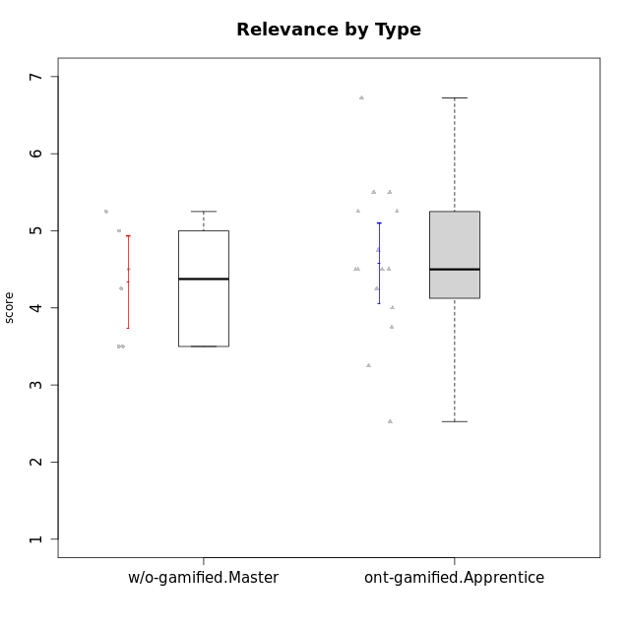

Student's t-Test data
UserID | NroUSP | Type | CLGroup | CLRole | PlayerRole | Interest/Enjoyment | Perceived Choice | Pressure/Tension | Effort/Importance | Intrinsic Motivation | Attention | Relevance | Satisfaction | Level of Motivation
10169 | 10377538 | ont-gamified | Resistance | Apprentice | Social Achiever | 5.7297 | 5.2 | 5.5 | 3.6666666667 | 4.5916666667 | 6.5514333333 | 5.5 | 7 | 5.8645384615
10174 | 10276852 | w/o-gamified | Grupo7 | Master |  | 4.5 | 4.2 | 3.9739 | 4.3333333333 | 4.1958333333 | 5.1666666667 | 3.5 | 5 | 4.6153846154
10179 | 10310759 | w/o-gamified | Grupo10 | Master |  | 3.6666666667 | 2.6 | 1.25 | 6.3101333333 | 4.8375 | 3.5 | 5.25 | 4 | 4.1538461538
10186 | 10310551 | ont-gamified | Slayers | Apprentice | Social Achiever | 3.8333333333 | 4.6 | 5 | 7 | 4.6083333333 | 3.5 | 5.5 | 6.3333333333 | 4.7692307692
10189 | 9363926 | ont-gamified | Vikings | Apprentice | Social Achiever | 2.2703 | 3.4 | 2 | 5.6666666667 | 4.2666666667 | 1.3333333333 | 3.75 | 2.6666666667 | 2.4431538462
10191 | 10276981 | w/o-gamified | Grupo1 | Master |  | 2.3333333333 | 3.2 | 1 | 4.6666666667 | 4.3 | 3.3333333333 | 4.25 | 4.3333333333 | 3.8461538462
10192 | 10276682 | ont-gamified | Attractive Devils | Apprentice | Social Achiever | 4 | 4.8 | 4.25 | 5.6666666667 | 4.5541666667 | 5.1666666667 | 4.5 | 6.6666666667 | 5.3076923077
10193 | 10276762 | ont-gamified | Vandals | Apprentice | Yee Achiever | 2.2703 | 7 | 2.75 | 5 | 4.6458333333 | 1.1666666667 | 6.7239 | 1.3681333333 | 2.9230769231
10198 | 10310888 | ont-gamified | Attractive Devils | Apprentice | Social Achiever | 4 | 3.6 | 4.25 | 5.6666666667 | 4.2541666667 | 5.8333333333 | 5.25 | 6.6666666667 | 5.8461538462
10200 | 9795272 | ont-gamified | Warriors | Apprentice | Social Achiever | 4.5 | 4.8 | 4.75 | 6.6666666667 | 4.8041666667 | 5 | 5.25 | 6 | 5.3076923077
10202 | 10277036 | ont-gamified | Silly Knights | Apprentice | Social Achiever | 3 | 5.2 | 3.5 | 5.6666666667 | 4.5916666667 | 3.1666666667 | 4.5 | 5 | 4
10203 | 9921470 | ont-gamified | Mercenaries | Apprentice | Social Achiever | 4.1666666667 | 6.4 | 3.25 | 7 | 5.1978933333 | 4.5 | 4 | 6.3333333333 | 4.7692307692
10209 | 10262669 | ont-gamified | Mafia | Apprentice | Social Achiever | 2.3333333333 | 1.6348 | 1.7761 | 4.6666666667 | 3.7875 | 2.3333333333 | 4.25 | 2.3333333333 | 2.9230769231
10214 | 10277022 | ont-gamified | Vikings | Apprentice | Social Achiever | 2.2703 | 2.6 | 4 | 7 | 3.6916666667 | 2.1666666667 | 3.25 | 3.6666666667 | 2.8461538462
10219 | 10276831 | w/o-gamified | Grupo3 | Master |  | 1.8565333333 | 3.2 | 1 | 2.3565333333 | 3.5916666667 | 2.0203 | 3.5 | 1.3681333333 | 3.0133846154
10221 | 9082496 | ont-gamified | Warriors | Apprentice | Social Achiever | 2.6666666667 | 3 | 3.25 | 5.3333333333 | 3.9375 | 2.8333333333 | 2.5261 | 4 | 3
10224 | 9368772 | ont-gamified | Mercenaries | Apprentice | Social Achiever | 4 | 3.6 | 4.75 | 4 | 3.7125 | 4.3333333333 | 4.5 | 5 | 4.5384615385
10227 | 9274382 | w/o-gamified | Grupo5 | Master |  | 4.3333333333 | 4.6 | 3.75 | 4 | 4.2958333333 | 5.4797 | 5 | 6 | 5.2943076923
10228 | 10310492 | ont-gamified | Resistance | Apprentice | Social Achiever | 2.2703 | 6.4 | 3.5 | 5 | 4.3083333333 | 2.1666666667 | 4.75 | 4 | 3.3846153846
10231 | 10276911 | w/o-gamified | Grupo9 | Master |  | 4.5 | 5.57216 | 1 | 3.6666666667 | 5.3916666667 | 4 | 4.5 | 5.3333333333 | 4.4615384615
10237 | 10377688 | ont-gamified | Outlaws | Apprentice | Social Achiever | 4 | 4.2 | 4.75 | 4.6666666667 | 4.0291666667 | 3.6666666667 | 4.5 | 4.3333333333 | 4.0769230769

Type_CLRole_4
Student's t-Test for Relevance by Type in Type:CLRole between ont-gamified.Master:w/o-gamified.Apprentice

Student's t-Test results
Alternative hypothesis: less
Group | N | Mean | Mean.Difference | Std.deviation | Std.error | CI.lower | CI.upper | df | t.value | p.value | g | magnitude
ont-gamified.Master | 9 | 5.5594222222 | 0.75373760684 | 0.84032928929 | 0.2801097631 | 4.999202696 | 6.1196417484 | 19.597999654 | 1.8450856094 | 0.95990412107 | 0.73543352278 | medium
w/o-gamified.Apprentice | 13 | 4.8056846154 | -0.75373760684 | 1.0721268238 | 0.29735447978 | 4.2109756558 | 5.400393575 | 19.597999654 | 1.8450856094 | 0.95990412107 | 0.73543352278 | medium
Alternative hypothesis: greater
Group | N | Mean | Mean.Difference | Std.deviation | Std.error | CI.lower | CI.upper | df | t.value | p.value | g | magnitude
ont-gamified.Master | 9 | 5.5594222222 | 0.75373760684 | 0.84032928929 | 0.2801097631 | 4.999202696 | 6.1196417484 | 19.597999654 | 1.8450856094 | 0.040095878926 | 0.73543352278 | medium
w/o-gamified.Apprentice | 13 | 4.8056846154 | -0.75373760684 | 1.0721268238 | 0.29735447978 | 4.2109756558 | 5.400393575 | 19.597999654 | 1.8450856094 | 0.040095878926 | 0.73543352278 | medium
Alternative hypothesis: two.sided
Group | N | Mean | Mean.Difference | Std.deviation | Std.error | CI.lower | CI.upper | df | t.value | p.value | g | magnitude
ont-gamified.Master | 9 | 5.5594222222 | 0.75373760684 | 0.84032928929 | 0.2801097631 | 4.999202696 | 6.1196417484 | 19.597999654 | 1.8450856094 | 0.080191757852 | 0.73543352278 | medium
w/o-gamified.Apprentice | 13 | 4.8056846154 | -0.75373760684 | 1.0721268238 | 0.29735447978 | 4.2109756558 | 5.400393575 | 19.597999654 | 1.8450856094 | 0.080191757852 | 0.73543352278 | medium

Box plots for Student's t-Test
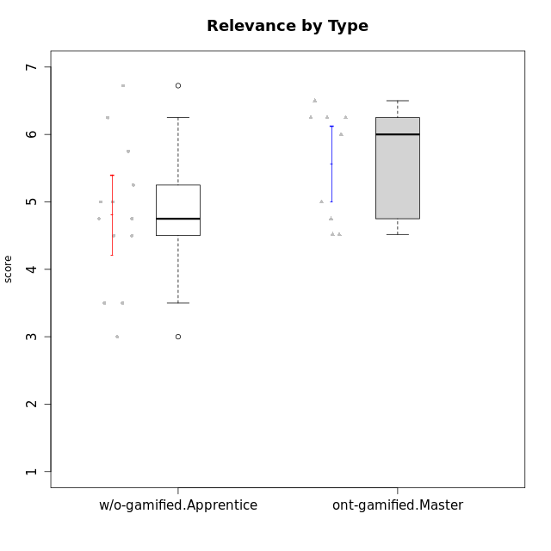

Student's t-Test data
UserID | NroUSP | Type | CLGroup | CLRole | PlayerRole | Interest/Enjoyment | Perceived Choice | Pressure/Tension | Effort/Importance | Intrinsic Motivation | Attention | Relevance | Satisfaction | Level of Motivation
10170 | 10260351 | w/o-gamified | Grupo11 | Apprentice |  | 4.1666666667 | 5.8 | 2.5 | 4.6666666667 | 5.0333333333 | 4.6666666667 | 5.25 | 4.3333333333 | 4.7692307692
10171 | 698531 | ont-gamified | Mafia | Master | Social Achiever | 5.4826 | 6.2 | 1.75 | 6.9768 | 5.6972216667 | 5 | 6.25 | 5.3333333333 | 5.4615384615
10175 | 10310700 | ont-gamified | Warriors | Master | Social Achiever | 4 | 6.6 | 1 | 6 | 5.6972216667 | 5.1666666667 | 6.25 | 5.6666666667 | 5.6153846154
10176 | 10276949 | ont-gamified | Outlaws | Master | Social Achiever | 3.8333333333 | 3.4 | 4.5 | 3.6666666667 | 3.6 | 4.3333333333 | 4.5174 | 4 | 4.1538461538
10183 | 10352030 | w/o-gamified | Grupo3 | Apprentice |  | 2.8333333333 | 4.4 | 4.75 | 3.6666666667 | 3.5375 | 2.1666666667 | 3 | 2.6666666667 | 2.7852923077
10184 | 10276675 | w/o-gamified | Grupo10 | Apprentice |  | 3.8333333333 | 4 | 3.75 | 3.6666666667 | 3.9375 | 3.8333333333 | 4.75 | 4.6666666667 | 4.3076923077
10185 | 10276960 | w/o-gamified | Grupo9 | Apprentice |  | 4.8333333333 | 3.4 | 4.25 | 4.3333333333 | 4.0791666667 | 3.8333333333 | 3.5 | 4.6666666667 | 3.9230769231
10188 | 10276995 | ont-gamified | Vandals | Master | Yee Achiever | 3 | 6.2 | 1 | 5 | 5.3 | 3.3333333333 | 6.5 | 3 | 4.2307692308
10197 | 10276661 | w/o-gamified | Grupo8 | Apprentice |  | 3.5 | 5 | 3.5 | 4.6666666667 | 4.4166666667 | 5.1666666667 | 5 | 3.3333333333 | 4.6923076923
10199 | 10276737 | w/o-gamified | Grupo1 | Apprentice |  | 3 | 3.8 | 3.25 | 4 | 3.8875 | 3.5 | 4.5 | 4.6666666667 | 4.0769230769
10201 | 10276928 | w/o-gamified | Grupo11 | Apprentice |  | 5.1666666667 | 4.2 | 3 | 5 | 4.8416666667 | 4.8333333333 | 3.5 | 5.6666666667 | 4.6153846154
10206 | 10310721 | w/o-gamified | Grupo8 | Apprentice |  | 3.6666666667 | 5.6 | 3 | 5.6666666667 | 4.9833333333 | 4.5 | 4.75 | 5.3333333333 | 4.7692307692
10208 | 10276932 | ont-gamified | Mercenaries | Master | Social Achiever | 3.8333333333 | 4.8 | 2.25 | 5.6666666667 | 5.0125 | 2.5 | 4.5174 | 4.3333333333 | 3.2307692308
10213 | 10277040 | w/o-gamified | Grupo7 | Apprentice |  | 3.8333333333 | 1.42784 | 3.75 | 6.3101333333 | 4.1208333333 | 5.5 | 6.7239 | 6 | 5.5224
10215 | 9285227 | ont-gamified | Vikings | Master | Social Achiever | 4 | 5.4 | 2.5 | 4.3333333333 | 4.8083333333 | 3 | 6.25 | 2.3333333333 | 3.8461538462
10216 | 10276720 | ont-gamified | Silly Knights | Master | Social Achiever | 4.6666666667 | 5.8 | 1 | 5.6666666667 | 5.6972216667 | 3.8333333333 | 6 | 5.3333333333 | 4.8461538462
10217 | 9805341 | w/o-gamified | Grupo9 | Apprentice |  | 4.3333333333 | 4.2 | 1.5261 | 4 | 4.8833333333 | 3.8333333333 | 5 | 4 | 4.2307692308
10218 | 9842913 | w/o-gamified | Grupo10 | Apprentice |  | 4 | 3.6 | 4 | 4 | 3.9 | 4 | 4.5 | 3.3333333333 | 4
10220 | 9760151 | w/o-gamified | Grupo3 | Apprentice |  | 2.5 | 6.17216 | 1.5261 | 6 | 5.475 | 1.529 | 6.25 | 6 | 4
10223 | 9795185 | ont-gamified | Slayers | Master | Social Achiever | 5 | 4.2 | 3.5 | 4.3333333333 | 4.5083333333 | 3.8333333333 | 5 | 4.3333333333 | 4.3076923077
10230 | 10351992 | ont-gamified | Resistance | Master | Social Achiever | 4.5 | 4 | 4 | 4.6666666667 | 4.2916666667 | 4.6666666667 | 4.75 | 4 | 4.5384615385
10232 | 10276974 | w/o-gamified | Grupo7 | Apprentice |  | 4.5 | 4.6 | 2.75 | 6.3101333333 | 5.1708333333 | 4.8333333333 | 5.75 | 5.6666666667 | 5.3076923077

Type_CLRole_5
Student's t-Test for Relevance by Type in Type:CLRole between ont-gamified.Master:w/o-gamified.Master

Student's t-Test results
Alternative hypothesis: less
Group | N | Mean | Mean.Difference | Std.deviation | Std.error | CI.lower | CI.upper | df | t.value | p.value | g | magnitude
ont-gamified.Master | 9 | 5.5594222222 | 1.2260888889 | 0.84032928929 | 0.2801097631 | 4.999202696 | 6.1196417484 | 11.865993575 | 2.9847907513 | 0.99424513164 | 1.4392125803 | large
w/o-gamified.Master | 6 | 4.3333333333 | -1.2260888889 | 0.73598007219 | 0.30046260629 | 3.7324081208 | 4.9342585459 | 11.865993575 | 2.9847907513 | 0.99424513164 | 1.4392125803 | large
Alternative hypothesis: greater
Group | N | Mean | Mean.Difference | Std.deviation | Std.error | CI.lower | CI.upper | df | t.value | p.value | g | magnitude
ont-gamified.Master | 9 | 5.5594222222 | 1.2260888889 | 0.84032928929 | 0.2801097631 | 4.999202696 | 6.1196417484 | 11.865993575 | 2.9847907513 | 0.0057548683591 | 1.4392125803 | large
w/o-gamified.Master | 6 | 4.3333333333 | -1.2260888889 | 0.73598007219 | 0.30046260629 | 3.7324081208 | 4.9342585459 | 11.865993575 | 2.9847907513 | 0.0057548683591 | 1.4392125803 | large
Alternative hypothesis: two.sided
Group | N | Mean | Mean.Difference | Std.deviation | Std.error | CI.lower | CI.upper | df | t.value | p.value | g | magnitude
ont-gamified.Master | 9 | 5.5594222222 | 1.2260888889 | 0.84032928929 | 0.2801097631 | 4.999202696 | 6.1196417484 | 11.865993575 | 2.9847907513 | 0.011509736718 | 1.4392125803 | large
w/o-gamified.Master | 6 | 4.3333333333 | -1.2260888889 | 0.73598007219 | 0.30046260629 | 3.7324081208 | 4.9342585459 | 11.865993575 | 2.9847907513 | 0.011509736718 | 1.4392125803 | large

Box plots for Student's t-Test
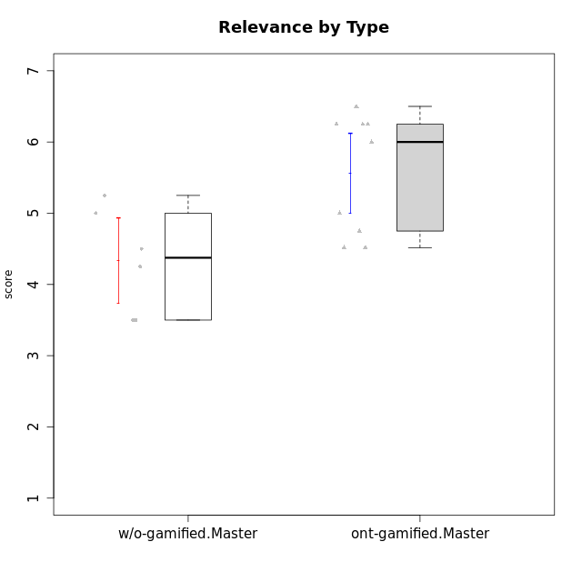

Student's t-Test data
UserID | NroUSP | Type | CLGroup | CLRole | PlayerRole | Interest/Enjoyment | Perceived Choice | Pressure/Tension | Effort/Importance | Intrinsic Motivation | Attention | Relevance | Satisfaction | Level of Motivation
10171 | 698531 | ont-gamified | Mafia | Master | Social Achiever | 5.4826 | 6.2 | 1.75 | 6.9768 | 5.6972216667 | 5 | 6.25 | 5.3333333333 | 5.4615384615
10174 | 10276852 | w/o-gamified | Grupo7 | Master |  | 4.5 | 4.2 | 3.9739 | 4.3333333333 | 4.1958333333 | 5.1666666667 | 3.5 | 5 | 4.6153846154
10175 | 10310700 | ont-gamified | Warriors | Master | Social Achiever | 4 | 6.6 | 1 | 6 | 5.6972216667 | 5.1666666667 | 6.25 | 5.6666666667 | 5.6153846154
10176 | 10276949 | ont-gamified | Outlaws | Master | Social Achiever | 3.8333333333 | 3.4 | 4.5 | 3.6666666667 | 3.6 | 4.3333333333 | 4.5174 | 4 | 4.1538461538
10179 | 10310759 | w/o-gamified | Grupo10 | Master |  | 3.6666666667 | 2.6 | 1.25 | 6.3101333333 | 4.8375 | 3.5 | 5.25 | 4 | 4.1538461538
10188 | 10276995 | ont-gamified | Vandals | Master | Yee Achiever | 3 | 6.2 | 1 | 5 | 5.3 | 3.3333333333 | 6.5 | 3 | 4.2307692308
10191 | 10276981 | w/o-gamified | Grupo1 | Master |  | 2.3333333333 | 3.2 | 1 | 4.6666666667 | 4.3 | 3.3333333333 | 4.25 | 4.3333333333 | 3.8461538462
10208 | 10276932 | ont-gamified | Mercenaries | Master | Social Achiever | 3.8333333333 | 4.8 | 2.25 | 5.6666666667 | 5.0125 | 2.5 | 4.5174 | 4.3333333333 | 3.2307692308
10215 | 9285227 | ont-gamified | Vikings | Master | Social Achiever | 4 | 5.4 | 2.5 | 4.3333333333 | 4.8083333333 | 3 | 6.25 | 2.3333333333 | 3.8461538462
10216 | 10276720 | ont-gamified | Silly Knights | Master | Social Achiever | 4.6666666667 | 5.8 | 1 | 5.6666666667 | 5.6972216667 | 3.8333333333 | 6 | 5.3333333333 | 4.8461538462
10219 | 10276831 | w/o-gamified | Grupo3 | Master |  | 1.8565333333 | 3.2 | 1 | 2.3565333333 | 3.5916666667 | 2.0203 | 3.5 | 1.3681333333 | 3.0133846154
10223 | 9795185 | ont-gamified | Slayers | Master | Social Achiever | 5 | 4.2 | 3.5 | 4.3333333333 | 4.5083333333 | 3.8333333333 | 5 | 4.3333333333 | 4.3076923077
10227 | 9274382 | w/o-gamified | Grupo5 | Master |  | 4.3333333333 | 4.6 | 3.75 | 4 | 4.2958333333 | 5.4797 | 5 | 6 | 5.2943076923
10230 | 10351992 | ont-gamified | Resistance | Master | Social Achiever | 4.5 | 4 | 4 | 4.6666666667 | 4.2916666667 | 4.6666666667 | 4.75 | 4 | 4.5384615385
10231 | 10276911 | w/o-gamified | Grupo9 | Master |  | 4.5 | 5.57216 | 1 | 3.6666666667 | 5.3916666667 | 4 | 4.5 | 5.3333333333 | 4.4615384615

Type_CLRole_6
Student's t-Test for Relevance by Type in Type:CLRole between w/o-gamified.Apprentice:w/o-gamified.Master

Student's t-Test results
Alternative hypothesis: less
Group | N | Mean | Mean.Difference | Std.deviation | Std.error | CI.lower | CI.upper | df | t.value | p.value | g | magnitude
w/o-gamified.Apprentice | 13 | 4.8056846154 | 0.47235128205 | 1.0721268238 | 0.29735447978 | 4.2109756558 | 5.400393575 | 13.996283145 | 1.1173928893 | 0.85867969441 | 0.45796154542 | small
w/o-gamified.Master | 6 | 4.3333333333 | -0.47235128205 | 0.73598007219 | 0.30046260629 | 3.7324081208 | 4.9342585459 | 13.996283145 | 1.1173928893 | 0.85867969441 | 0.45796154542 | small
Alternative hypothesis: greater
Group | N | Mean | Mean.Difference | Std.deviation | Std.error | CI.lower | CI.upper | df | t.value | p.value | g | magnitude
w/o-gamified.Apprentice | 13 | 4.8056846154 | 0.47235128205 | 1.0721268238 | 0.29735447978 | 4.2109756558 | 5.400393575 | 13.996283145 | 1.1173928893 | 0.14132030559 | 0.45796154542 | small
w/o-gamified.Master | 6 | 4.3333333333 | -0.47235128205 | 0.73598007219 | 0.30046260629 | 3.7324081208 | 4.9342585459 | 13.996283145 | 1.1173928893 | 0.14132030559 | 0.45796154542 | small
Alternative hypothesis: two.sided
Group | N | Mean | Mean.Difference | Std.deviation | Std.error | CI.lower | CI.upper | df | t.value | p.value | g | magnitude
w/o-gamified.Apprentice | 13 | 4.8056846154 | 0.47235128205 | 1.0721268238 | 0.29735447978 | 4.2109756558 | 5.400393575 | 13.996283145 | 1.1173928893 | 0.28264061118 | 0.45796154542 | small
w/o-gamified.Master | 6 | 4.3333333333 | -0.47235128205 | 0.73598007219 | 0.30046260629 | 3.7324081208 | 4.9342585459 | 13.996283145 | 1.1173928893 | 0.28264061118 | 0.45796154542 | small

Box plots for Student's t-Test
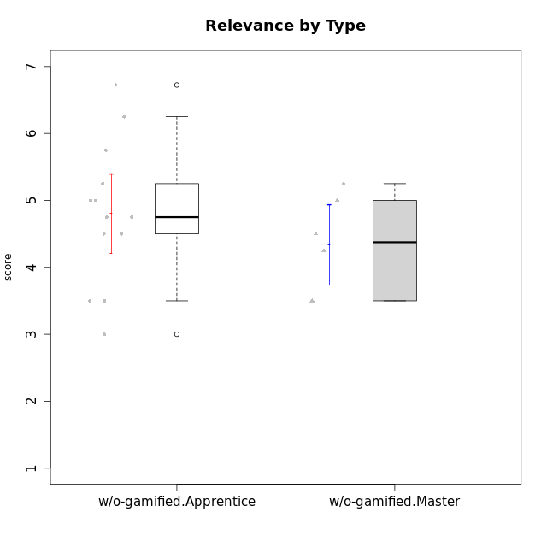

Student's t-Test data
UserID | NroUSP | Type | CLGroup | CLRole | PlayerRole | Interest/Enjoyment | Perceived Choice | Pressure/Tension | Effort/Importance | Intrinsic Motivation | Attention | Relevance | Satisfaction | Level of Motivation
10170 | 10260351 | w/o-gamified | Grupo11 | Apprentice |  | 4.1666666667 | 5.8 | 2.5 | 4.6666666667 | 5.0333333333 | 4.6666666667 | 5.25 | 4.3333333333 | 4.7692307692
10174 | 10276852 | w/o-gamified | Grupo7 | Master |  | 4.5 | 4.2 | 3.9739 | 4.3333333333 | 4.1958333333 | 5.1666666667 | 3.5 | 5 | 4.6153846154
10179 | 10310759 | w/o-gamified | Grupo10 | Master |  | 3.6666666667 | 2.6 | 1.25 | 6.3101333333 | 4.8375 | 3.5 | 5.25 | 4 | 4.1538461538
10183 | 10352030 | w/o-gamified | Grupo3 | Apprentice |  | 2.8333333333 | 4.4 | 4.75 | 3.6666666667 | 3.5375 | 2.1666666667 | 3 | 2.6666666667 | 2.7852923077
10184 | 10276675 | w/o-gamified | Grupo10 | Apprentice |  | 3.8333333333 | 4 | 3.75 | 3.6666666667 | 3.9375 | 3.8333333333 | 4.75 | 4.6666666667 | 4.3076923077
10185 | 10276960 | w/o-gamified | Grupo9 | Apprentice |  | 4.8333333333 | 3.4 | 4.25 | 4.3333333333 | 4.0791666667 | 3.8333333333 | 3.5 | 4.6666666667 | 3.9230769231
10191 | 10276981 | w/o-gamified | Grupo1 | Master |  | 2.3333333333 | 3.2 | 1 | 4.6666666667 | 4.3 | 3.3333333333 | 4.25 | 4.3333333333 | 3.8461538462
10197 | 10276661 | w/o-gamified | Grupo8 | Apprentice |  | 3.5 | 5 | 3.5 | 4.6666666667 | 4.4166666667 | 5.1666666667 | 5 | 3.3333333333 | 4.6923076923
10199 | 10276737 | w/o-gamified | Grupo1 | Apprentice |  | 3 | 3.8 | 3.25 | 4 | 3.8875 | 3.5 | 4.5 | 4.6666666667 | 4.0769230769
10201 | 10276928 | w/o-gamified | Grupo11 | Apprentice |  | 5.1666666667 | 4.2 | 3 | 5 | 4.8416666667 | 4.8333333333 | 3.5 | 5.6666666667 | 4.6153846154
10206 | 10310721 | w/o-gamified | Grupo8 | Apprentice |  | 3.6666666667 | 5.6 | 3 | 5.6666666667 | 4.9833333333 | 4.5 | 4.75 | 5.3333333333 | 4.7692307692
10213 | 10277040 | w/o-gamified | Grupo7 | Apprentice |  | 3.8333333333 | 1.42784 | 3.75 | 6.3101333333 | 4.1208333333 | 5.5 | 6.7239 | 6 | 5.5224
10217 | 9805341 | w/o-gamified | Grupo9 | Apprentice |  | 4.3333333333 | 4.2 | 1.5261 | 4 | 4.8833333333 | 3.8333333333 | 5 | 4 | 4.2307692308
10218 | 9842913 | w/o-gamified | Grupo10 | Apprentice |  | 4 | 3.6 | 4 | 4 | 3.9 | 4 | 4.5 | 3.3333333333 | 4
10219 | 10276831 | w/o-gamified | Grupo3 | Master |  | 1.8565333333 | 3.2 | 1 | 2.3565333333 | 3.5916666667 | 2.0203 | 3.5 | 1.3681333333 | 3.0133846154
10220 | 9760151 | w/o-gamified | Grupo3 | Apprentice |  | 2.5 | 6.17216 | 1.5261 | 6 | 5.475 | 1.529 | 6.25 | 6 | 4
10227 | 9274382 | w/o-gamified | Grupo5 | Master |  | 4.3333333333 | 4.6 | 3.75 | 4 | 4.2958333333 | 5.4797 | 5 | 6 | 5.2943076923
10231 | 10276911 | w/o-gamified | Grupo9 | Master |  | 4.5 | 5.57216 | 1 | 3.6666666667 | 5.3916666667 | 4 | 4.5 | 5.3333333333 | 4.4615384615
10232 | 10276974 | w/o-gamified | Grupo7 | Apprentice |  | 4.5 | 4.6 | 2.75 | 6.3101333333 | 5.1708333333 | 4.8333333333 | 5.75 | 5.6666666667 | 5.3076923077

