Assumptions
ANOVA assumptions for Satisfaction by Type

Shapiro-Wilk normality test for Satisfaction by Type
W | p.value
0.96076626304 | 0.14788673634

Plots for normality test
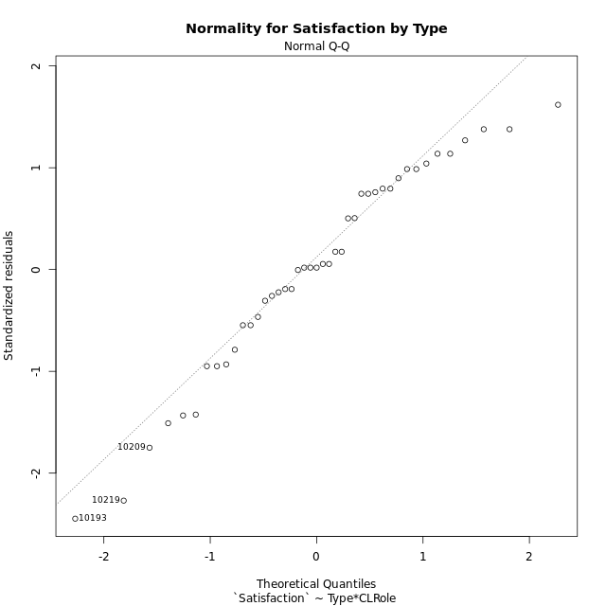

Levene's Test for Homogeneity of Variance in Satisfaction by Type
Df | F value | Pr(>F)
3 | 1.5426302475 | 0.21878320745
39

Plots for homogeneity of variance
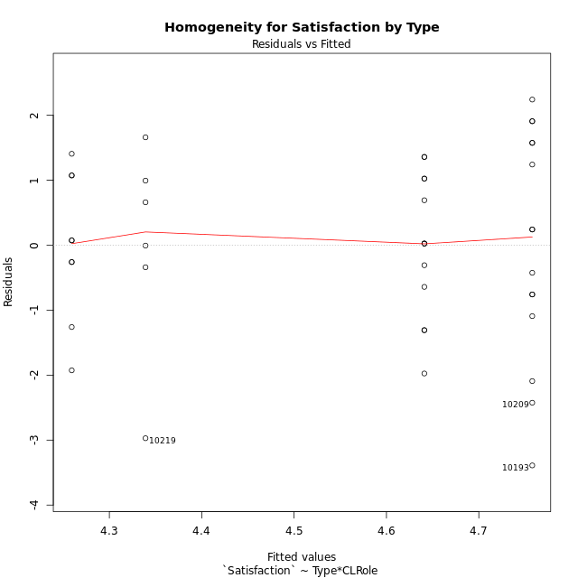

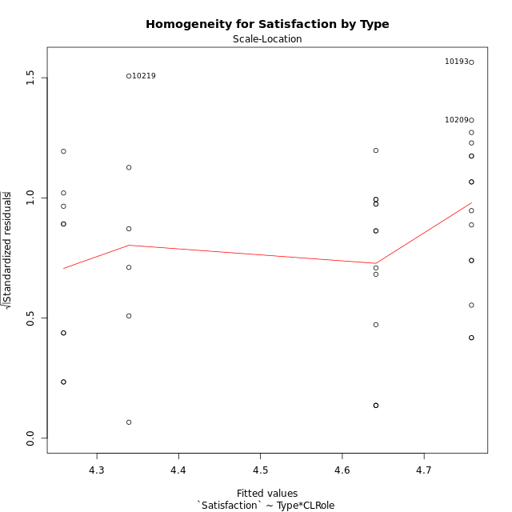

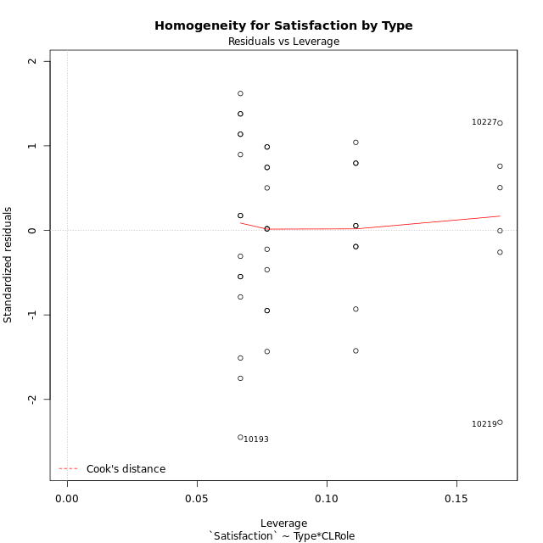

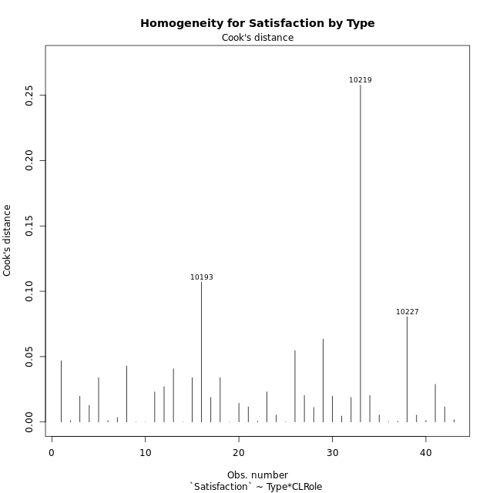

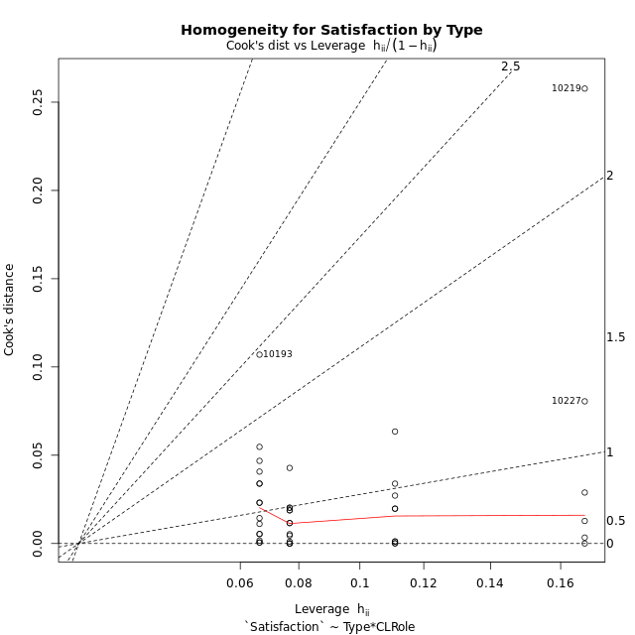

Minimum Sample Size Test for Satisfaction by Type
Type | CLRole | Freq
ont-gamified | Apprentice | 15
w/o-gamified | Apprentice | 13
ont-gamified | Master | 9
w/o-gamified | Master | 6

Errors and Warnings in Sample Size Test for ANOVA in Satisfaction by Type
code | description
WARN: sample.size | current size is 13 and recommended size is 15 for the group: 'w/o-gamified:Apprentice'.
WARN: sample.size | current size is 9 and recommended size is 15 for the group: 'ont-gamified:Master'.
WARN: sample.size | current size is 6 and recommended size is 15 for the group: 'w/o-gamified:Master'.

For the group: 'ont-gamified:Apprentice', you can perform a parametric test without having a normal distribution For the group: 'w/o-gamified:Apprentice', we recommend the use of non-parametric test. For the group: 'ont-gamified:Master', we recommend the use of non-parametric test. For the group: 'w/o-gamified:Master', we recommend the use of non-parametric test.

If you don't want to remove non-normal data, you must cite the following references: ... (1) Lix, L.M., J.C. Keselman, and H.J. Keselman. 1996. Consequences of assumption violations revisited: A quantitative review of alternatives to the one-way analysis of variance F test. Rev. Educ. Res. 66: 579-619. ... (2) Harwell, M.R., E.N. Rubinstein, W.S. Hayes, and C.C. Olds. 1992. Summarizing Monte Carlo results in methodological research: the one- and two-factor fixed effects ANOVA cases. J. Educ. Stat. 17: 315-339.

Post-hoc
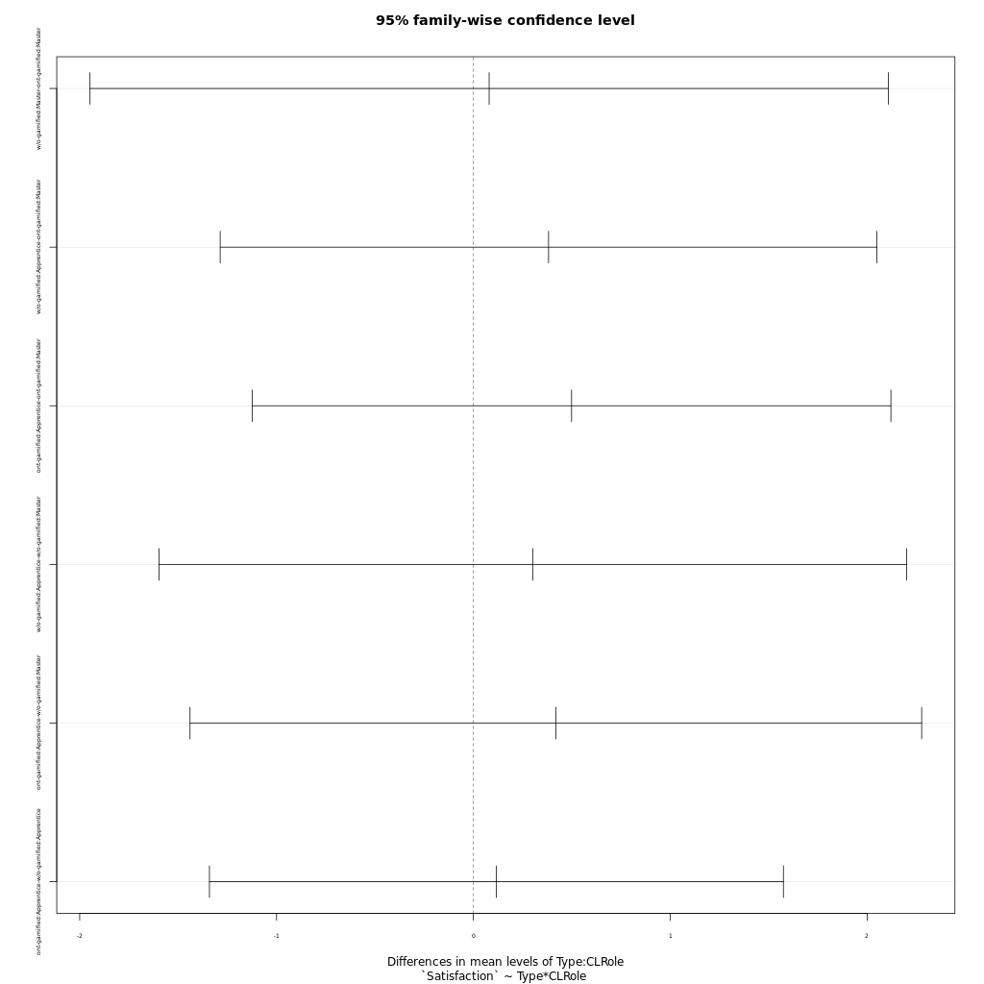
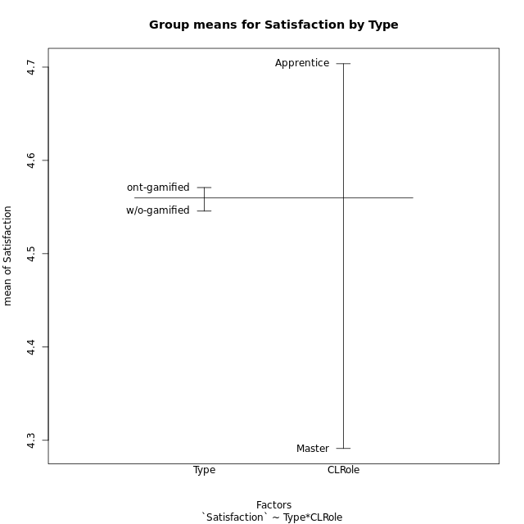
Post-hoc Tukey Honestly Significant Difference (HSD) Test for Satisfaction by Type

Comparisons of means for Type
 | diff | lwr | upr | p adj
ont-gamified-w/o-gamified | 0.025203216374 | -0.86526485686 | 0.91567128961 | 0.95463924063

Comparisons of means for CLRole
 | diff | lwr | upr | p adj
Apprentice-Master | 0.4140351274 | -0.51381136235 | 1.3418816172 | 0.37228453606

Comparisons of means for Type:CLRole
 | diff | lwr | upr | p adj
w/o-gamified:Master-ont-gamified:Master | 0.079874074074 | -1.9476493028 | 2.1073974509 | 0.99956955426
w/o-gamified:Apprentice-ont-gamified:Master | 0.38176638177 | -1.2863852712 | 2.0499180347 | 0.92697745641
ont-gamified:Apprentice-ont-gamified:Master | 0.4986162963 | -1.1234024052 | 2.1206349978 | 0.84233988986
w/o-gamified:Apprentice-w/o-gamified:Master | 0.30189230769 | -1.5967651511 | 2.2005497665 | 0.97356595426
ont-gamified:Apprentice-w/o-gamified:Master | 0.41874222222 | -1.4395136473 | 2.2769980918 | 0.9299788688
ont-gamified:Apprentice-w/o-gamified:Apprentice | 0.11684991453 | -1.3408859224 | 1.5745857515 | 0.99642470305

Contrast Matrices for Satisfaction by Type - Type
contrast | estimate | SE | df | t.ratio | p.value
ont-gamified - w/o-gamified | 0.018487920228 | 0.46530482357 | 39 | 0.039732921929 | 0.96850876123

Contrast Matrices for Satisfaction by Type - Type:CLRole
contrast | CLRole | estimate | SE | df | t.ratio | p.value
ont-gamified - w/o-gamified | Apprentice | 0.11684991453 | 0.54324874481 | 39 | 0.21509467927 | 0.83081437394
ont-gamified - w/o-gamified | Master | -0.079874074074 | 0.75558925125 | 39 | -0.10571097186 | 0.91635353383

Least Squares Means and Confidence Intervals for Type
Type | lsmean | SE | df | lower.CL | upper.CL | Pairs
ont-gamified | 4.5085674074 | 0.3022357005 | 39 | 3.8972380003 | 5.1198968145 | ont-gamified
w/o-gamified | 4.4900794872 | 0.35378264539 | 39 | 3.7744865427 | 5.2056724317 | w/o-gamified

Least Squares Means and Confidence Intervals for Type:CLRole
Type | CLRole | lsmean | SE | df | lower.CL | upper.CL | Pairs
ont-gamified | Apprentice | 4.7578755556 | 0.37016162414 | 39 | 4.0091529995 | 5.5065981117 | ont-gamified.Apprentice
w/o-gamified | Apprentice | 4.641025641 | 0.39761736727 | 39 | 3.8367686026 | 5.4452826794 | w/o-gamified.Apprentice
ont-gamified | Master | 4.2592592593 | 0.4778766019 | 39 | 3.2926625957 | 5.2258559228 | ont-gamified.Master
w/o-gamified | Master | 4.3391333333 | 0.58527691734 | 39 | 3.1552990269 | 5.5229676397 | w/o-gamified.Master

Plots

Type_1
Student's t-Test for Satisfaction by Type in Type between ont-gamified:w/o-gamified

Student's t-Test results
Alternative hypothesis: less
Group | N | Mean | Mean.Difference | Std.deviation | Std.error | CI.lower | CI.upper | df | t.value | p.value | g | magnitude
ont-gamified | 24 | 4.5708944444 | 0.025203216374 | 1.5368920243 | 0.31371677078 | 3.9434609029 | 5.198327986 | 40.977835692 | 0.059549205431 | 0.52359792742 | 0.01750093122 | negligible
w/o-gamified | 19 | 4.5456912281 | -0.025203216374 | 1.2383289832 | 0.28409215246 | 3.9775069231 | 5.113875533 | 40.977835692 | 0.059549205431 | 0.52359792742 | 0.01750093122 | negligible
Alternative hypothesis: greater
Group | N | Mean | Mean.Difference | Std.deviation | Std.error | CI.lower | CI.upper | df | t.value | p.value | g | magnitude
ont-gamified | 24 | 4.5708944444 | 0.025203216374 | 1.5368920243 | 0.31371677078 | 3.9434609029 | 5.198327986 | 40.977835692 | 0.059549205431 | 0.47640207258 | 0.01750093122 | negligible
w/o-gamified | 19 | 4.5456912281 | -0.025203216374 | 1.2383289832 | 0.28409215246 | 3.9775069231 | 5.113875533 | 40.977835692 | 0.059549205431 | 0.47640207258 | 0.01750093122 | negligible
Alternative hypothesis: two.sided
Group | N | Mean | Mean.Difference | Std.deviation | Std.error | CI.lower | CI.upper | df | t.value | p.value | g | magnitude
ont-gamified | 24 | 4.5708944444 | 0.025203216374 | 1.5368920243 | 0.31371677078 | 3.9434609029 | 5.198327986 | 40.977835692 | 0.059549205431 | 0.95280414515 | 0.01750093122 | negligible
w/o-gamified | 19 | 4.5456912281 | -0.025203216374 | 1.2383289832 | 0.28409215246 | 3.9775069231 | 5.113875533 | 40.977835692 | 0.059549205431 | 0.95280414515 | 0.01750093122 | negligible

Box plots for Student's t-Test
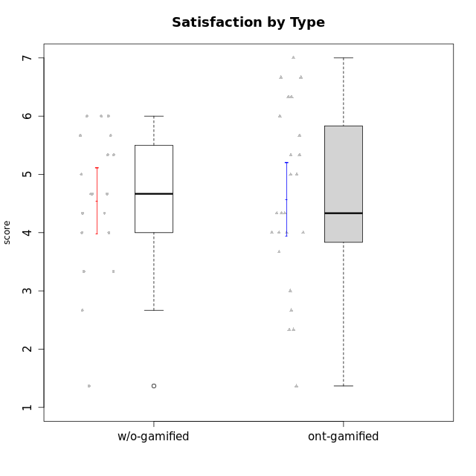

Student's t-Test data
UserID | NroUSP | Type | CLGroup | CLRole | PlayerRole | Interest/Enjoyment | Perceived Choice | Pressure/Tension | Effort/Importance | Intrinsic Motivation | Attention | Relevance | Satisfaction | Level of Motivation
10169 | 10377538 | ont-gamified | Resistance | Apprentice | Social Achiever | 5.7297 | 5.2 | 5.5 | 3.6666666667 | 4.5916666667 | 6.5514333333 | 5.5 | 7 | 5.8645384615
10170 | 10260351 | w/o-gamified | Grupo11 | Apprentice |  | 4.1666666667 | 5.8 | 2.5 | 4.6666666667 | 5.0333333333 | 4.6666666667 | 5.25 | 4.3333333333 | 4.7692307692
10171 | 698531 | ont-gamified | Mafia | Master | Social Achiever | 5.4826 | 6.2 | 1.75 | 6.9768 | 5.6972216667 | 5 | 6.25 | 5.3333333333 | 5.4615384615
10174 | 10276852 | w/o-gamified | Grupo7 | Master |  | 4.5 | 4.2 | 3.9739 | 4.3333333333 | 4.1958333333 | 5.1666666667 | 3.5 | 5 | 4.6153846154
10175 | 10310700 | ont-gamified | Warriors | Master | Social Achiever | 4 | 6.6 | 1 | 6 | 5.6972216667 | 5.1666666667 | 6.25 | 5.6666666667 | 5.6153846154
10176 | 10276949 | ont-gamified | Outlaws | Master | Social Achiever | 3.8333333333 | 3.4 | 4.5 | 3.6666666667 | 3.6 | 4.3333333333 | 4.5174 | 4 | 4.1538461538
10179 | 10310759 | w/o-gamified | Grupo10 | Master |  | 3.6666666667 | 2.6 | 1.25 | 6.3101333333 | 4.8375 | 3.5 | 5.25 | 4 | 4.1538461538
10183 | 10352030 | w/o-gamified | Grupo3 | Apprentice |  | 2.8333333333 | 4.4 | 4.75 | 3.6666666667 | 3.5375 | 2.1666666667 | 3 | 2.6666666667 | 2.7852923077
10184 | 10276675 | w/o-gamified | Grupo10 | Apprentice |  | 3.8333333333 | 4 | 3.75 | 3.6666666667 | 3.9375 | 3.8333333333 | 4.75 | 4.6666666667 | 4.3076923077
10185 | 10276960 | w/o-gamified | Grupo9 | Apprentice |  | 4.8333333333 | 3.4 | 4.25 | 4.3333333333 | 4.0791666667 | 3.8333333333 | 3.5 | 4.6666666667 | 3.9230769231
10186 | 10310551 | ont-gamified | Slayers | Apprentice | Social Achiever | 3.8333333333 | 4.6 | 5 | 7 | 4.6083333333 | 3.5 | 5.5 | 6.3333333333 | 4.7692307692
10188 | 10276995 | ont-gamified | Vandals | Master | Yee Achiever | 3 | 6.2 | 1 | 5 | 5.3 | 3.3333333333 | 6.5 | 3 | 4.2307692308
10189 | 9363926 | ont-gamified | Vikings | Apprentice | Social Achiever | 2.2703 | 3.4 | 2 | 5.6666666667 | 4.2666666667 | 1.3333333333 | 3.75 | 2.6666666667 | 2.4431538462
10191 | 10276981 | w/o-gamified | Grupo1 | Master |  | 2.3333333333 | 3.2 | 1 | 4.6666666667 | 4.3 | 3.3333333333 | 4.25 | 4.3333333333 | 3.8461538462
10192 | 10276682 | ont-gamified | Attractive Devils | Apprentice | Social Achiever | 4 | 4.8 | 4.25 | 5.6666666667 | 4.5541666667 | 5.1666666667 | 4.5 | 6.6666666667 | 5.3076923077
10193 | 10276762 | ont-gamified | Vandals | Apprentice | Yee Achiever | 2.2703 | 7 | 2.75 | 5 | 4.6458333333 | 1.1666666667 | 6.7239 | 1.3681333333 | 2.9230769231
10197 | 10276661 | w/o-gamified | Grupo8 | Apprentice |  | 3.5 | 5 | 3.5 | 4.6666666667 | 4.4166666667 | 5.1666666667 | 5 | 3.3333333333 | 4.6923076923
10198 | 10310888 | ont-gamified | Attractive Devils | Apprentice | Social Achiever | 4 | 3.6 | 4.25 | 5.6666666667 | 4.2541666667 | 5.8333333333 | 5.25 | 6.6666666667 | 5.8461538462
10199 | 10276737 | w/o-gamified | Grupo1 | Apprentice |  | 3 | 3.8 | 3.25 | 4 | 3.8875 | 3.5 | 4.5 | 4.6666666667 | 4.0769230769
10200 | 9795272 | ont-gamified | Warriors | Apprentice | Social Achiever | 4.5 | 4.8 | 4.75 | 6.6666666667 | 4.8041666667 | 5 | 5.25 | 6 | 5.3076923077
10201 | 10276928 | w/o-gamified | Grupo11 | Apprentice |  | 5.1666666667 | 4.2 | 3 | 5 | 4.8416666667 | 4.8333333333 | 3.5 | 5.6666666667 | 4.6153846154
10202 | 10277036 | ont-gamified | Silly Knights | Apprentice | Social Achiever | 3 | 5.2 | 3.5 | 5.6666666667 | 4.5916666667 | 3.1666666667 | 4.5 | 5 | 4
10203 | 9921470 | ont-gamified | Mercenaries | Apprentice | Social Achiever | 4.1666666667 | 6.4 | 3.25 | 7 | 5.1978933333 | 4.5 | 4 | 6.3333333333 | 4.7692307692
10206 | 10310721 | w/o-gamified | Grupo8 | Apprentice |  | 3.6666666667 | 5.6 | 3 | 5.6666666667 | 4.9833333333 | 4.5 | 4.75 | 5.3333333333 | 4.7692307692
10208 | 10276932 | ont-gamified | Mercenaries | Master | Social Achiever | 3.8333333333 | 4.8 | 2.25 | 5.6666666667 | 5.0125 | 2.5 | 4.5174 | 4.3333333333 | 3.2307692308
10209 | 10262669 | ont-gamified | Mafia | Apprentice | Social Achiever | 2.3333333333 | 1.6348 | 1.7761 | 4.6666666667 | 3.7875 | 2.3333333333 | 4.25 | 2.3333333333 | 2.9230769231
10213 | 10277040 | w/o-gamified | Grupo7 | Apprentice |  | 3.8333333333 | 1.42784 | 3.75 | 6.3101333333 | 4.1208333333 | 5.5 | 6.7239 | 6 | 5.5224
10214 | 10277022 | ont-gamified | Vikings | Apprentice | Social Achiever | 2.2703 | 2.6 | 4 | 7 | 3.6916666667 | 2.1666666667 | 3.25 | 3.6666666667 | 2.8461538462
10215 | 9285227 | ont-gamified | Vikings | Master | Social Achiever | 4 | 5.4 | 2.5 | 4.3333333333 | 4.8083333333 | 3 | 6.25 | 2.3333333333 | 3.8461538462
10216 | 10276720 | ont-gamified | Silly Knights | Master | Social Achiever | 4.6666666667 | 5.8 | 1 | 5.6666666667 | 5.6972216667 | 3.8333333333 | 6 | 5.3333333333 | 4.8461538462
10217 | 9805341 | w/o-gamified | Grupo9 | Apprentice |  | 4.3333333333 | 4.2 | 1.5261 | 4 | 4.8833333333 | 3.8333333333 | 5 | 4 | 4.2307692308
10218 | 9842913 | w/o-gamified | Grupo10 | Apprentice |  | 4 | 3.6 | 4 | 4 | 3.9 | 4 | 4.5 | 3.3333333333 | 4
10219 | 10276831 | w/o-gamified | Grupo3 | Master |  | 1.8565333333 | 3.2 | 1 | 2.3565333333 | 3.5916666667 | 2.0203 | 3.5 | 1.3681333333 | 3.0133846154
10220 | 9760151 | w/o-gamified | Grupo3 | Apprentice |  | 2.5 | 6.17216 | 1.5261 | 6 | 5.475 | 1.529 | 6.25 | 6 | 4
10221 | 9082496 | ont-gamified | Warriors | Apprentice | Social Achiever | 2.6666666667 | 3 | 3.25 | 5.3333333333 | 3.9375 | 2.8333333333 | 2.5261 | 4 | 3
10223 | 9795185 | ont-gamified | Slayers | Master | Social Achiever | 5 | 4.2 | 3.5 | 4.3333333333 | 4.5083333333 | 3.8333333333 | 5 | 4.3333333333 | 4.3076923077
10224 | 9368772 | ont-gamified | Mercenaries | Apprentice | Social Achiever | 4 | 3.6 | 4.75 | 4 | 3.7125 | 4.3333333333 | 4.5 | 5 | 4.5384615385
10227 | 9274382 | w/o-gamified | Grupo5 | Master |  | 4.3333333333 | 4.6 | 3.75 | 4 | 4.2958333333 | 5.4797 | 5 | 6 | 5.2943076923
10228 | 10310492 | ont-gamified | Resistance | Apprentice | Social Achiever | 2.2703 | 6.4 | 3.5 | 5 | 4.3083333333 | 2.1666666667 | 4.75 | 4 | 3.3846153846
10230 | 10351992 | ont-gamified | Resistance | Master | Social Achiever | 4.5 | 4 | 4 | 4.6666666667 | 4.2916666667 | 4.6666666667 | 4.75 | 4 | 4.5384615385
10231 | 10276911 | w/o-gamified | Grupo9 | Master |  | 4.5 | 5.57216 | 1 | 3.6666666667 | 5.3916666667 | 4 | 4.5 | 5.3333333333 | 4.4615384615
10232 | 10276974 | w/o-gamified | Grupo7 | Apprentice |  | 4.5 | 4.6 | 2.75 | 6.3101333333 | 5.1708333333 | 4.8333333333 | 5.75 | 5.6666666667 | 5.3076923077
10237 | 10377688 | ont-gamified | Outlaws | Apprentice | Social Achiever | 4 | 4.2 | 4.75 | 4.6666666667 | 4.0291666667 | 3.6666666667 | 4.5 | 4.3333333333 | 4.0769230769

Type_CLRole_1
Student's t-Test for Satisfaction by Type in Type:CLRole between ont-gamified.Apprentice:ont-gamified.Master

Student's t-Test results
Alternative hypothesis: less
Group | N | Mean | Mean.Difference | Std.deviation | Std.error | CI.lower | CI.upper | df | t.value | p.value | g | magnitude
ont-gamified.Apprentice | 15 | 4.7578755556 | 0.4986162963 | 1.7566197384 | 0.45355726616 | 3.8507610232 | 5.6649900879 | 21.898212012 | 0.85407705923 | 0.79884542068 | 0.31037987867 | small
ont-gamified.Master | 9 | 4.2592592593 | -0.4986162963 | 1.1027462912 | 0.36758209706 | 3.5240950651 | 4.9944234534 | 21.898212012 | 0.85407705923 | 0.79884542068 | 0.31037987867 | small
Alternative hypothesis: greater
Group | N | Mean | Mean.Difference | Std.deviation | Std.error | CI.lower | CI.upper | df | t.value | p.value | g | magnitude
ont-gamified.Apprentice | 15 | 4.7578755556 | 0.4986162963 | 1.7566197384 | 0.45355726616 | 3.8507610232 | 5.6649900879 | 21.898212012 | 0.85407705923 | 0.20115457932 | 0.31037987867 | small
ont-gamified.Master | 9 | 4.2592592593 | -0.4986162963 | 1.1027462912 | 0.36758209706 | 3.5240950651 | 4.9944234534 | 21.898212012 | 0.85407705923 | 0.20115457932 | 0.31037987867 | small
Alternative hypothesis: two.sided
Group | N | Mean | Mean.Difference | Std.deviation | Std.error | CI.lower | CI.upper | df | t.value | p.value | g | magnitude
ont-gamified.Apprentice | 15 | 4.7578755556 | 0.4986162963 | 1.7566197384 | 0.45355726616 | 3.8507610232 | 5.6649900879 | 21.898212012 | 0.85407705923 | 0.40230915863 | 0.31037987867 | small
ont-gamified.Master | 9 | 4.2592592593 | -0.4986162963 | 1.1027462912 | 0.36758209706 | 3.5240950651 | 4.9944234534 | 21.898212012 | 0.85407705923 | 0.40230915863 | 0.31037987867 | small

Box plots for Student's t-Test
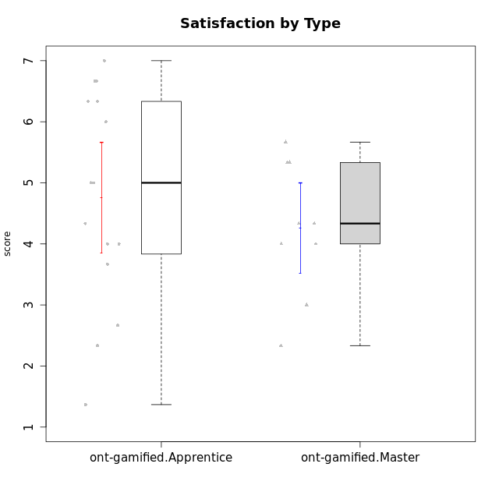

Student's t-Test data
UserID | NroUSP | Type | CLGroup | CLRole | PlayerRole | Interest/Enjoyment | Perceived Choice | Pressure/Tension | Effort/Importance | Intrinsic Motivation | Attention | Relevance | Satisfaction | Level of Motivation
10169 | 10377538 | ont-gamified | Resistance | Apprentice | Social Achiever | 5.7297 | 5.2 | 5.5 | 3.6666666667 | 4.5916666667 | 6.5514333333 | 5.5 | 7 | 5.8645384615
10171 | 698531 | ont-gamified | Mafia | Master | Social Achiever | 5.4826 | 6.2 | 1.75 | 6.9768 | 5.6972216667 | 5 | 6.25 | 5.3333333333 | 5.4615384615
10175 | 10310700 | ont-gamified | Warriors | Master | Social Achiever | 4 | 6.6 | 1 | 6 | 5.6972216667 | 5.1666666667 | 6.25 | 5.6666666667 | 5.6153846154
10176 | 10276949 | ont-gamified | Outlaws | Master | Social Achiever | 3.8333333333 | 3.4 | 4.5 | 3.6666666667 | 3.6 | 4.3333333333 | 4.5174 | 4 | 4.1538461538
10186 | 10310551 | ont-gamified | Slayers | Apprentice | Social Achiever | 3.8333333333 | 4.6 | 5 | 7 | 4.6083333333 | 3.5 | 5.5 | 6.3333333333 | 4.7692307692
10188 | 10276995 | ont-gamified | Vandals | Master | Yee Achiever | 3 | 6.2 | 1 | 5 | 5.3 | 3.3333333333 | 6.5 | 3 | 4.2307692308
10189 | 9363926 | ont-gamified | Vikings | Apprentice | Social Achiever | 2.2703 | 3.4 | 2 | 5.6666666667 | 4.2666666667 | 1.3333333333 | 3.75 | 2.6666666667 | 2.4431538462
10192 | 10276682 | ont-gamified | Attractive Devils | Apprentice | Social Achiever | 4 | 4.8 | 4.25 | 5.6666666667 | 4.5541666667 | 5.1666666667 | 4.5 | 6.6666666667 | 5.3076923077
10193 | 10276762 | ont-gamified | Vandals | Apprentice | Yee Achiever | 2.2703 | 7 | 2.75 | 5 | 4.6458333333 | 1.1666666667 | 6.7239 | 1.3681333333 | 2.9230769231
10198 | 10310888 | ont-gamified | Attractive Devils | Apprentice | Social Achiever | 4 | 3.6 | 4.25 | 5.6666666667 | 4.2541666667 | 5.8333333333 | 5.25 | 6.6666666667 | 5.8461538462
10200 | 9795272 | ont-gamified | Warriors | Apprentice | Social Achiever | 4.5 | 4.8 | 4.75 | 6.6666666667 | 4.8041666667 | 5 | 5.25 | 6 | 5.3076923077
10202 | 10277036 | ont-gamified | Silly Knights | Apprentice | Social Achiever | 3 | 5.2 | 3.5 | 5.6666666667 | 4.5916666667 | 3.1666666667 | 4.5 | 5 | 4
10203 | 9921470 | ont-gamified | Mercenaries | Apprentice | Social Achiever | 4.1666666667 | 6.4 | 3.25 | 7 | 5.1978933333 | 4.5 | 4 | 6.3333333333 | 4.7692307692
10208 | 10276932 | ont-gamified | Mercenaries | Master | Social Achiever | 3.8333333333 | 4.8 | 2.25 | 5.6666666667 | 5.0125 | 2.5 | 4.5174 | 4.3333333333 | 3.2307692308
10209 | 10262669 | ont-gamified | Mafia | Apprentice | Social Achiever | 2.3333333333 | 1.6348 | 1.7761 | 4.6666666667 | 3.7875 | 2.3333333333 | 4.25 | 2.3333333333 | 2.9230769231
10214 | 10277022 | ont-gamified | Vikings | Apprentice | Social Achiever | 2.2703 | 2.6 | 4 | 7 | 3.6916666667 | 2.1666666667 | 3.25 | 3.6666666667 | 2.8461538462
10215 | 9285227 | ont-gamified | Vikings | Master | Social Achiever | 4 | 5.4 | 2.5 | 4.3333333333 | 4.8083333333 | 3 | 6.25 | 2.3333333333 | 3.8461538462
10216 | 10276720 | ont-gamified | Silly Knights | Master | Social Achiever | 4.6666666667 | 5.8 | 1 | 5.6666666667 | 5.6972216667 | 3.8333333333 | 6 | 5.3333333333 | 4.8461538462
10221 | 9082496 | ont-gamified | Warriors | Apprentice | Social Achiever | 2.6666666667 | 3 | 3.25 | 5.3333333333 | 3.9375 | 2.8333333333 | 2.5261 | 4 | 3
10223 | 9795185 | ont-gamified | Slayers | Master | Social Achiever | 5 | 4.2 | 3.5 | 4.3333333333 | 4.5083333333 | 3.8333333333 | 5 | 4.3333333333 | 4.3076923077
10224 | 9368772 | ont-gamified | Mercenaries | Apprentice | Social Achiever | 4 | 3.6 | 4.75 | 4 | 3.7125 | 4.3333333333 | 4.5 | 5 | 4.5384615385
10228 | 10310492 | ont-gamified | Resistance | Apprentice | Social Achiever | 2.2703 | 6.4 | 3.5 | 5 | 4.3083333333 | 2.1666666667 | 4.75 | 4 | 3.3846153846
10230 | 10351992 | ont-gamified | Resistance | Master | Social Achiever | 4.5 | 4 | 4 | 4.6666666667 | 4.2916666667 | 4.6666666667 | 4.75 | 4 | 4.5384615385
10237 | 10377688 | ont-gamified | Outlaws | Apprentice | Social Achiever | 4 | 4.2 | 4.75 | 4.6666666667 | 4.0291666667 | 3.6666666667 | 4.5 | 4.3333333333 | 4.0769230769

Type_CLRole_2
Student's t-Test for Satisfaction by Type in Type:CLRole between ont-gamified.Apprentice:w/o-gamified.Apprentice

Student's t-Test results
Alternative hypothesis: less
Group | N | Mean | Mean.Difference | Std.deviation | Std.error | CI.lower | CI.upper | df | t.value | p.value | g | magnitude
ont-gamified.Apprentice | 15 | 4.7578755556 | 0.11684991453 | 1.7566197384 | 0.45355726616 | 3.8507610232 | 5.6649900879 | 23.674339834 | 0.21473261609 | 0.58409262564 | 0.07641716007 | negligible
w/o-gamified.Apprentice | 13 | 4.641025641 | -0.11684991453 | 1.084072726 | 0.30066767691 | 4.0396902872 | 5.2423609948 | 23.674339834 | 0.21473261609 | 0.58409262564 | 0.07641716007 | negligible
Alternative hypothesis: greater
Group | N | Mean | Mean.Difference | Std.deviation | Std.error | CI.lower | CI.upper | df | t.value | p.value | g | magnitude
ont-gamified.Apprentice | 15 | 4.7578755556 | 0.11684991453 | 1.7566197384 | 0.45355726616 | 3.8507610232 | 5.6649900879 | 23.674339834 | 0.21473261609 | 0.41590737436 | 0.07641716007 | negligible
w/o-gamified.Apprentice | 13 | 4.641025641 | -0.11684991453 | 1.084072726 | 0.30066767691 | 4.0396902872 | 5.2423609948 | 23.674339834 | 0.21473261609 | 0.41590737436 | 0.07641716007 | negligible
Alternative hypothesis: two.sided
Group | N | Mean | Mean.Difference | Std.deviation | Std.error | CI.lower | CI.upper | df | t.value | p.value | g | magnitude
ont-gamified.Apprentice | 15 | 4.7578755556 | 0.11684991453 | 1.7566197384 | 0.45355726616 | 3.8507610232 | 5.6649900879 | 23.674339834 | 0.21473261609 | 0.83181474872 | 0.07641716007 | negligible
w/o-gamified.Apprentice | 13 | 4.641025641 | -0.11684991453 | 1.084072726 | 0.30066767691 | 4.0396902872 | 5.2423609948 | 23.674339834 | 0.21473261609 | 0.83181474872 | 0.07641716007 | negligible

Box plots for Student's t-Test
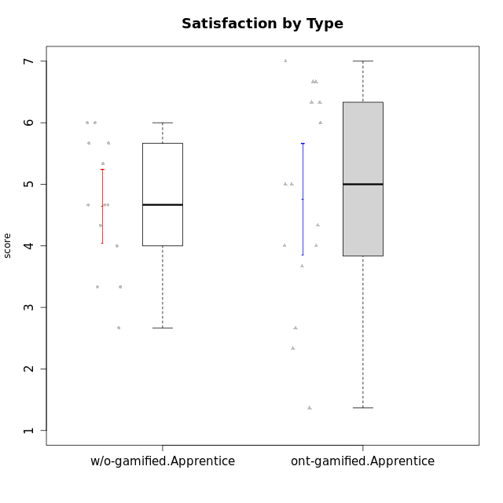

Student's t-Test data
UserID | NroUSP | Type | CLGroup | CLRole | PlayerRole | Interest/Enjoyment | Perceived Choice | Pressure/Tension | Effort/Importance | Intrinsic Motivation | Attention | Relevance | Satisfaction | Level of Motivation
10169 | 10377538 | ont-gamified | Resistance | Apprentice | Social Achiever | 5.7297 | 5.2 | 5.5 | 3.6666666667 | 4.5916666667 | 6.5514333333 | 5.5 | 7 | 5.8645384615
10170 | 10260351 | w/o-gamified | Grupo11 | Apprentice |  | 4.1666666667 | 5.8 | 2.5 | 4.6666666667 | 5.0333333333 | 4.6666666667 | 5.25 | 4.3333333333 | 4.7692307692
10183 | 10352030 | w/o-gamified | Grupo3 | Apprentice |  | 2.8333333333 | 4.4 | 4.75 | 3.6666666667 | 3.5375 | 2.1666666667 | 3 | 2.6666666667 | 2.7852923077
10184 | 10276675 | w/o-gamified | Grupo10 | Apprentice |  | 3.8333333333 | 4 | 3.75 | 3.6666666667 | 3.9375 | 3.8333333333 | 4.75 | 4.6666666667 | 4.3076923077
10185 | 10276960 | w/o-gamified | Grupo9 | Apprentice |  | 4.8333333333 | 3.4 | 4.25 | 4.3333333333 | 4.0791666667 | 3.8333333333 | 3.5 | 4.6666666667 | 3.9230769231
10186 | 10310551 | ont-gamified | Slayers | Apprentice | Social Achiever | 3.8333333333 | 4.6 | 5 | 7 | 4.6083333333 | 3.5 | 5.5 | 6.3333333333 | 4.7692307692
10189 | 9363926 | ont-gamified | Vikings | Apprentice | Social Achiever | 2.2703 | 3.4 | 2 | 5.6666666667 | 4.2666666667 | 1.3333333333 | 3.75 | 2.6666666667 | 2.4431538462
10192 | 10276682 | ont-gamified | Attractive Devils | Apprentice | Social Achiever | 4 | 4.8 | 4.25 | 5.6666666667 | 4.5541666667 | 5.1666666667 | 4.5 | 6.6666666667 | 5.3076923077
10193 | 10276762 | ont-gamified | Vandals | Apprentice | Yee Achiever | 2.2703 | 7 | 2.75 | 5 | 4.6458333333 | 1.1666666667 | 6.7239 | 1.3681333333 | 2.9230769231
10197 | 10276661 | w/o-gamified | Grupo8 | Apprentice |  | 3.5 | 5 | 3.5 | 4.6666666667 | 4.4166666667 | 5.1666666667 | 5 | 3.3333333333 | 4.6923076923
10198 | 10310888 | ont-gamified | Attractive Devils | Apprentice | Social Achiever | 4 | 3.6 | 4.25 | 5.6666666667 | 4.2541666667 | 5.8333333333 | 5.25 | 6.6666666667 | 5.8461538462
10199 | 10276737 | w/o-gamified | Grupo1 | Apprentice |  | 3 | 3.8 | 3.25 | 4 | 3.8875 | 3.5 | 4.5 | 4.6666666667 | 4.0769230769
10200 | 9795272 | ont-gamified | Warriors | Apprentice | Social Achiever | 4.5 | 4.8 | 4.75 | 6.6666666667 | 4.8041666667 | 5 | 5.25 | 6 | 5.3076923077
10201 | 10276928 | w/o-gamified | Grupo11 | Apprentice |  | 5.1666666667 | 4.2 | 3 | 5 | 4.8416666667 | 4.8333333333 | 3.5 | 5.6666666667 | 4.6153846154
10202 | 10277036 | ont-gamified | Silly Knights | Apprentice | Social Achiever | 3 | 5.2 | 3.5 | 5.6666666667 | 4.5916666667 | 3.1666666667 | 4.5 | 5 | 4
10203 | 9921470 | ont-gamified | Mercenaries | Apprentice | Social Achiever | 4.1666666667 | 6.4 | 3.25 | 7 | 5.1978933333 | 4.5 | 4 | 6.3333333333 | 4.7692307692
10206 | 10310721 | w/o-gamified | Grupo8 | Apprentice |  | 3.6666666667 | 5.6 | 3 | 5.6666666667 | 4.9833333333 | 4.5 | 4.75 | 5.3333333333 | 4.7692307692
10209 | 10262669 | ont-gamified | Mafia | Apprentice | Social Achiever | 2.3333333333 | 1.6348 | 1.7761 | 4.6666666667 | 3.7875 | 2.3333333333 | 4.25 | 2.3333333333 | 2.9230769231
10213 | 10277040 | w/o-gamified | Grupo7 | Apprentice |  | 3.8333333333 | 1.42784 | 3.75 | 6.3101333333 | 4.1208333333 | 5.5 | 6.7239 | 6 | 5.5224
10214 | 10277022 | ont-gamified | Vikings | Apprentice | Social Achiever | 2.2703 | 2.6 | 4 | 7 | 3.6916666667 | 2.1666666667 | 3.25 | 3.6666666667 | 2.8461538462
10217 | 9805341 | w/o-gamified | Grupo9 | Apprentice |  | 4.3333333333 | 4.2 | 1.5261 | 4 | 4.8833333333 | 3.8333333333 | 5 | 4 | 4.2307692308
10218 | 9842913 | w/o-gamified | Grupo10 | Apprentice |  | 4 | 3.6 | 4 | 4 | 3.9 | 4 | 4.5 | 3.3333333333 | 4
10220 | 9760151 | w/o-gamified | Grupo3 | Apprentice |  | 2.5 | 6.17216 | 1.5261 | 6 | 5.475 | 1.529 | 6.25 | 6 | 4
10221 | 9082496 | ont-gamified | Warriors | Apprentice | Social Achiever | 2.6666666667 | 3 | 3.25 | 5.3333333333 | 3.9375 | 2.8333333333 | 2.5261 | 4 | 3
10224 | 9368772 | ont-gamified | Mercenaries | Apprentice | Social Achiever | 4 | 3.6 | 4.75 | 4 | 3.7125 | 4.3333333333 | 4.5 | 5 | 4.5384615385
10228 | 10310492 | ont-gamified | Resistance | Apprentice | Social Achiever | 2.2703 | 6.4 | 3.5 | 5 | 4.3083333333 | 2.1666666667 | 4.75 | 4 | 3.3846153846
10232 | 10276974 | w/o-gamified | Grupo7 | Apprentice |  | 4.5 | 4.6 | 2.75 | 6.3101333333 | 5.1708333333 | 4.8333333333 | 5.75 | 5.6666666667 | 5.3076923077
10237 | 10377688 | ont-gamified | Outlaws | Apprentice | Social Achiever | 4 | 4.2 | 4.75 | 4.6666666667 | 4.0291666667 | 3.6666666667 | 4.5 | 4.3333333333 | 4.0769230769

Type_CLRole_3
Student's t-Test for Satisfaction by Type in Type:CLRole between ont-gamified.Apprentice:w/o-gamified.Master

Student's t-Test results
Alternative hypothesis: less
Group | N | Mean | Mean.Difference | Std.deviation | Std.error | CI.lower | CI.upper | df | t.value | p.value | g | magnitude
ont-gamified.Apprentice | 15 | 4.7578755556 | 0.41874222222 | 1.7566197384 | 0.45355726616 | 3.8507610232 | 5.6649900879 | 10.016370942 | 0.52211099455 | 0.69352831492 | 0.23347595995 | small
w/o-gamified.Master | 6 | 4.3391333333 | -0.41874222222 | 1.6202186601 | 0.66145149818 | 3.016230337 | 5.6620363297 | 10.016370942 | 0.52211099455 | 0.69352831492 | 0.23347595995 | small
Alternative hypothesis: greater
Group | N | Mean | Mean.Difference | Std.deviation | Std.error | CI.lower | CI.upper | df | t.value | p.value | g | magnitude
ont-gamified.Apprentice | 15 | 4.7578755556 | 0.41874222222 | 1.7566197384 | 0.45355726616 | 3.8507610232 | 5.6649900879 | 10.016370942 | 0.52211099455 | 0.30647168508 | 0.23347595995 | small
w/o-gamified.Master | 6 | 4.3391333333 | -0.41874222222 | 1.6202186601 | 0.66145149818 | 3.016230337 | 5.6620363297 | 10.016370942 | 0.52211099455 | 0.30647168508 | 0.23347595995 | small
Alternative hypothesis: two.sided
Group | N | Mean | Mean.Difference | Std.deviation | Std.error | CI.lower | CI.upper | df | t.value | p.value | g | magnitude
ont-gamified.Apprentice | 15 | 4.7578755556 | 0.41874222222 | 1.7566197384 | 0.45355726616 | 3.8507610232 | 5.6649900879 | 10.016370942 | 0.52211099455 | 0.61294337016 | 0.23347595995 | small
w/o-gamified.Master | 6 | 4.3391333333 | -0.41874222222 | 1.6202186601 | 0.66145149818 | 3.016230337 | 5.6620363297 | 10.016370942 | 0.52211099455 | 0.61294337016 | 0.23347595995 | small

Box plots for Student's t-Test
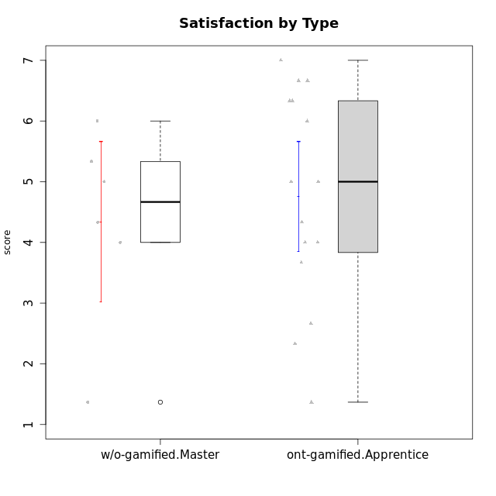

Student's t-Test data
UserID | NroUSP | Type | CLGroup | CLRole | PlayerRole | Interest/Enjoyment | Perceived Choice | Pressure/Tension | Effort/Importance | Intrinsic Motivation | Attention | Relevance | Satisfaction | Level of Motivation
10169 | 10377538 | ont-gamified | Resistance | Apprentice | Social Achiever | 5.7297 | 5.2 | 5.5 | 3.6666666667 | 4.5916666667 | 6.5514333333 | 5.5 | 7 | 5.8645384615
10174 | 10276852 | w/o-gamified | Grupo7 | Master |  | 4.5 | 4.2 | 3.9739 | 4.3333333333 | 4.1958333333 | 5.1666666667 | 3.5 | 5 | 4.6153846154
10179 | 10310759 | w/o-gamified | Grupo10 | Master |  | 3.6666666667 | 2.6 | 1.25 | 6.3101333333 | 4.8375 | 3.5 | 5.25 | 4 | 4.1538461538
10186 | 10310551 | ont-gamified | Slayers | Apprentice | Social Achiever | 3.8333333333 | 4.6 | 5 | 7 | 4.6083333333 | 3.5 | 5.5 | 6.3333333333 | 4.7692307692
10189 | 9363926 | ont-gamified | Vikings | Apprentice | Social Achiever | 2.2703 | 3.4 | 2 | 5.6666666667 | 4.2666666667 | 1.3333333333 | 3.75 | 2.6666666667 | 2.4431538462
10191 | 10276981 | w/o-gamified | Grupo1 | Master |  | 2.3333333333 | 3.2 | 1 | 4.6666666667 | 4.3 | 3.3333333333 | 4.25 | 4.3333333333 | 3.8461538462
10192 | 10276682 | ont-gamified | Attractive Devils | Apprentice | Social Achiever | 4 | 4.8 | 4.25 | 5.6666666667 | 4.5541666667 | 5.1666666667 | 4.5 | 6.6666666667 | 5.3076923077
10193 | 10276762 | ont-gamified | Vandals | Apprentice | Yee Achiever | 2.2703 | 7 | 2.75 | 5 | 4.6458333333 | 1.1666666667 | 6.7239 | 1.3681333333 | 2.9230769231
10198 | 10310888 | ont-gamified | Attractive Devils | Apprentice | Social Achiever | 4 | 3.6 | 4.25 | 5.6666666667 | 4.2541666667 | 5.8333333333 | 5.25 | 6.6666666667 | 5.8461538462
10200 | 9795272 | ont-gamified | Warriors | Apprentice | Social Achiever | 4.5 | 4.8 | 4.75 | 6.6666666667 | 4.8041666667 | 5 | 5.25 | 6 | 5.3076923077
10202 | 10277036 | ont-gamified | Silly Knights | Apprentice | Social Achiever | 3 | 5.2 | 3.5 | 5.6666666667 | 4.5916666667 | 3.1666666667 | 4.5 | 5 | 4
10203 | 9921470 | ont-gamified | Mercenaries | Apprentice | Social Achiever | 4.1666666667 | 6.4 | 3.25 | 7 | 5.1978933333 | 4.5 | 4 | 6.3333333333 | 4.7692307692
10209 | 10262669 | ont-gamified | Mafia | Apprentice | Social Achiever | 2.3333333333 | 1.6348 | 1.7761 | 4.6666666667 | 3.7875 | 2.3333333333 | 4.25 | 2.3333333333 | 2.9230769231
10214 | 10277022 | ont-gamified | Vikings | Apprentice | Social Achiever | 2.2703 | 2.6 | 4 | 7 | 3.6916666667 | 2.1666666667 | 3.25 | 3.6666666667 | 2.8461538462
10219 | 10276831 | w/o-gamified | Grupo3 | Master |  | 1.8565333333 | 3.2 | 1 | 2.3565333333 | 3.5916666667 | 2.0203 | 3.5 | 1.3681333333 | 3.0133846154
10221 | 9082496 | ont-gamified | Warriors | Apprentice | Social Achiever | 2.6666666667 | 3 | 3.25 | 5.3333333333 | 3.9375 | 2.8333333333 | 2.5261 | 4 | 3
10224 | 9368772 | ont-gamified | Mercenaries | Apprentice | Social Achiever | 4 | 3.6 | 4.75 | 4 | 3.7125 | 4.3333333333 | 4.5 | 5 | 4.5384615385
10227 | 9274382 | w/o-gamified | Grupo5 | Master |  | 4.3333333333 | 4.6 | 3.75 | 4 | 4.2958333333 | 5.4797 | 5 | 6 | 5.2943076923
10228 | 10310492 | ont-gamified | Resistance | Apprentice | Social Achiever | 2.2703 | 6.4 | 3.5 | 5 | 4.3083333333 | 2.1666666667 | 4.75 | 4 | 3.3846153846
10231 | 10276911 | w/o-gamified | Grupo9 | Master |  | 4.5 | 5.57216 | 1 | 3.6666666667 | 5.3916666667 | 4 | 4.5 | 5.3333333333 | 4.4615384615
10237 | 10377688 | ont-gamified | Outlaws | Apprentice | Social Achiever | 4 | 4.2 | 4.75 | 4.6666666667 | 4.0291666667 | 3.6666666667 | 4.5 | 4.3333333333 | 4.0769230769

Type_CLRole_4
Student's t-Test for Satisfaction by Type in Type:CLRole between ont-gamified.Master:w/o-gamified.Apprentice

Student's t-Test results
Alternative hypothesis: less
Group | N | Mean | Mean.Difference | Std.deviation | Std.error | CI.lower | CI.upper | df | t.value | p.value | g | magnitude
ont-gamified.Master | 9 | 4.2592592593 | -0.38176638177 | 1.1027462912 | 0.36758209706 | 3.5240950651 | 4.9944234534 | 17.163903949 | -0.80390996713 | 0.2162213472 | -0.33645611003 | small
w/o-gamified.Apprentice | 13 | 4.641025641 | 0.38176638177 | 1.084072726 | 0.30066767691 | 4.0396902872 | 5.2423609948 | 17.163903949 | -0.80390996713 | 0.2162213472 | -0.33645611003 | small
Alternative hypothesis: greater
Group | N | Mean | Mean.Difference | Std.deviation | Std.error | CI.lower | CI.upper | df | t.value | p.value | g | magnitude
ont-gamified.Master | 9 | 4.2592592593 | -0.38176638177 | 1.1027462912 | 0.36758209706 | 3.5240950651 | 4.9944234534 | 17.163903949 | -0.80390996713 | 0.7837786528 | -0.33645611003 | small
w/o-gamified.Apprentice | 13 | 4.641025641 | 0.38176638177 | 1.084072726 | 0.30066767691 | 4.0396902872 | 5.2423609948 | 17.163903949 | -0.80390996713 | 0.7837786528 | -0.33645611003 | small
Alternative hypothesis: two.sided
Group | N | Mean | Mean.Difference | Std.deviation | Std.error | CI.lower | CI.upper | df | t.value | p.value | g | magnitude
ont-gamified.Master | 9 | 4.2592592593 | -0.38176638177 | 1.1027462912 | 0.36758209706 | 3.5240950651 | 4.9944234534 | 17.163903949 | -0.80390996713 | 0.43244269439 | -0.33645611003 | small
w/o-gamified.Apprentice | 13 | 4.641025641 | 0.38176638177 | 1.084072726 | 0.30066767691 | 4.0396902872 | 5.2423609948 | 17.163903949 | -0.80390996713 | 0.43244269439 | -0.33645611003 | small

Box plots for Student's t-Test
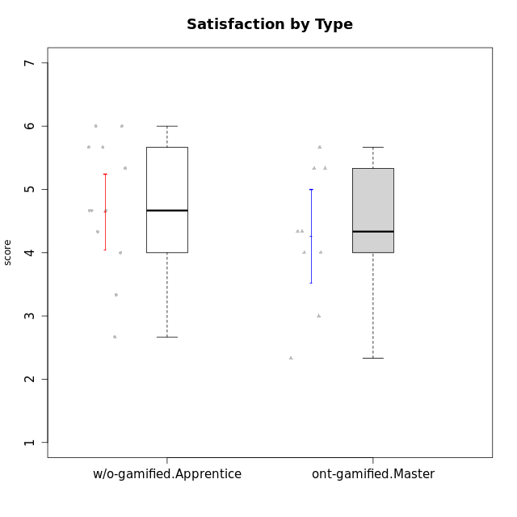

Student's t-Test data
UserID | NroUSP | Type | CLGroup | CLRole | PlayerRole | Interest/Enjoyment | Perceived Choice | Pressure/Tension | Effort/Importance | Intrinsic Motivation | Attention | Relevance | Satisfaction | Level of Motivation
10170 | 10260351 | w/o-gamified | Grupo11 | Apprentice |  | 4.1666666667 | 5.8 | 2.5 | 4.6666666667 | 5.0333333333 | 4.6666666667 | 5.25 | 4.3333333333 | 4.7692307692
10171 | 698531 | ont-gamified | Mafia | Master | Social Achiever | 5.4826 | 6.2 | 1.75 | 6.9768 | 5.6972216667 | 5 | 6.25 | 5.3333333333 | 5.4615384615
10175 | 10310700 | ont-gamified | Warriors | Master | Social Achiever | 4 | 6.6 | 1 | 6 | 5.6972216667 | 5.1666666667 | 6.25 | 5.6666666667 | 5.6153846154
10176 | 10276949 | ont-gamified | Outlaws | Master | Social Achiever | 3.8333333333 | 3.4 | 4.5 | 3.6666666667 | 3.6 | 4.3333333333 | 4.5174 | 4 | 4.1538461538
10183 | 10352030 | w/o-gamified | Grupo3 | Apprentice |  | 2.8333333333 | 4.4 | 4.75 | 3.6666666667 | 3.5375 | 2.1666666667 | 3 | 2.6666666667 | 2.7852923077
10184 | 10276675 | w/o-gamified | Grupo10 | Apprentice |  | 3.8333333333 | 4 | 3.75 | 3.6666666667 | 3.9375 | 3.8333333333 | 4.75 | 4.6666666667 | 4.3076923077
10185 | 10276960 | w/o-gamified | Grupo9 | Apprentice |  | 4.8333333333 | 3.4 | 4.25 | 4.3333333333 | 4.0791666667 | 3.8333333333 | 3.5 | 4.6666666667 | 3.9230769231
10188 | 10276995 | ont-gamified | Vandals | Master | Yee Achiever | 3 | 6.2 | 1 | 5 | 5.3 | 3.3333333333 | 6.5 | 3 | 4.2307692308
10197 | 10276661 | w/o-gamified | Grupo8 | Apprentice |  | 3.5 | 5 | 3.5 | 4.6666666667 | 4.4166666667 | 5.1666666667 | 5 | 3.3333333333 | 4.6923076923
10199 | 10276737 | w/o-gamified | Grupo1 | Apprentice |  | 3 | 3.8 | 3.25 | 4 | 3.8875 | 3.5 | 4.5 | 4.6666666667 | 4.0769230769
10201 | 10276928 | w/o-gamified | Grupo11 | Apprentice |  | 5.1666666667 | 4.2 | 3 | 5 | 4.8416666667 | 4.8333333333 | 3.5 | 5.6666666667 | 4.6153846154
10206 | 10310721 | w/o-gamified | Grupo8 | Apprentice |  | 3.6666666667 | 5.6 | 3 | 5.6666666667 | 4.9833333333 | 4.5 | 4.75 | 5.3333333333 | 4.7692307692
10208 | 10276932 | ont-gamified | Mercenaries | Master | Social Achiever | 3.8333333333 | 4.8 | 2.25 | 5.6666666667 | 5.0125 | 2.5 | 4.5174 | 4.3333333333 | 3.2307692308
10213 | 10277040 | w/o-gamified | Grupo7 | Apprentice |  | 3.8333333333 | 1.42784 | 3.75 | 6.3101333333 | 4.1208333333 | 5.5 | 6.7239 | 6 | 5.5224
10215 | 9285227 | ont-gamified | Vikings | Master | Social Achiever | 4 | 5.4 | 2.5 | 4.3333333333 | 4.8083333333 | 3 | 6.25 | 2.3333333333 | 3.8461538462
10216 | 10276720 | ont-gamified | Silly Knights | Master | Social Achiever | 4.6666666667 | 5.8 | 1 | 5.6666666667 | 5.6972216667 | 3.8333333333 | 6 | 5.3333333333 | 4.8461538462
10217 | 9805341 | w/o-gamified | Grupo9 | Apprentice |  | 4.3333333333 | 4.2 | 1.5261 | 4 | 4.8833333333 | 3.8333333333 | 5 | 4 | 4.2307692308
10218 | 9842913 | w/o-gamified | Grupo10 | Apprentice |  | 4 | 3.6 | 4 | 4 | 3.9 | 4 | 4.5 | 3.3333333333 | 4
10220 | 9760151 | w/o-gamified | Grupo3 | Apprentice |  | 2.5 | 6.17216 | 1.5261 | 6 | 5.475 | 1.529 | 6.25 | 6 | 4
10223 | 9795185 | ont-gamified | Slayers | Master | Social Achiever | 5 | 4.2 | 3.5 | 4.3333333333 | 4.5083333333 | 3.8333333333 | 5 | 4.3333333333 | 4.3076923077
10230 | 10351992 | ont-gamified | Resistance | Master | Social Achiever | 4.5 | 4 | 4 | 4.6666666667 | 4.2916666667 | 4.6666666667 | 4.75 | 4 | 4.5384615385
10232 | 10276974 | w/o-gamified | Grupo7 | Apprentice |  | 4.5 | 4.6 | 2.75 | 6.3101333333 | 5.1708333333 | 4.8333333333 | 5.75 | 5.6666666667 | 5.3076923077

Type_CLRole_5
Student's t-Test for Satisfaction by Type in Type:CLRole between ont-gamified.Master:w/o-gamified.Master

Student's t-Test results
Alternative hypothesis: less
Group | N | Mean | Mean.Difference | Std.deviation | Std.error | CI.lower | CI.upper | df | t.value | p.value | g | magnitude
ont-gamified.Master | 9 | 4.2592592593 | -0.079874074074 | 1.1027462912 | 0.36758209706 | 3.5240950651 | 4.9944234534 | 8.0832871395 | -0.10555213267 | 0.45925504836 | -0.056698041251 | negligible
w/o-gamified.Master | 6 | 4.3391333333 | 0.079874074074 | 1.6202186601 | 0.66145149818 | 3.016230337 | 5.6620363297 | 8.0832871395 | -0.10555213267 | 0.45925504836 | -0.056698041251 | negligible
Alternative hypothesis: greater
Group | N | Mean | Mean.Difference | Std.deviation | Std.error | CI.lower | CI.upper | df | t.value | p.value | g | magnitude
ont-gamified.Master | 9 | 4.2592592593 | -0.079874074074 | 1.1027462912 | 0.36758209706 | 3.5240950651 | 4.9944234534 | 8.0832871395 | -0.10555213267 | 0.54074495164 | -0.056698041251 | negligible
w/o-gamified.Master | 6 | 4.3391333333 | 0.079874074074 | 1.6202186601 | 0.66145149818 | 3.016230337 | 5.6620363297 | 8.0832871395 | -0.10555213267 | 0.54074495164 | -0.056698041251 | negligible
Alternative hypothesis: two.sided
Group | N | Mean | Mean.Difference | Std.deviation | Std.error | CI.lower | CI.upper | df | t.value | p.value | g | magnitude
ont-gamified.Master | 9 | 4.2592592593 | -0.079874074074 | 1.1027462912 | 0.36758209706 | 3.5240950651 | 4.9944234534 | 8.0832871395 | -0.10555213267 | 0.91851009672 | -0.056698041251 | negligible
w/o-gamified.Master | 6 | 4.3391333333 | 0.079874074074 | 1.6202186601 | 0.66145149818 | 3.016230337 | 5.6620363297 | 8.0832871395 | -0.10555213267 | 0.91851009672 | -0.056698041251 | negligible

Box plots for Student's t-Test


Student's t-Test data
UserID | NroUSP | Type | CLGroup | CLRole | PlayerRole | Interest/Enjoyment | Perceived Choice | Pressure/Tension | Effort/Importance | Intrinsic Motivation | Attention | Relevance | Satisfaction | Level of Motivation
10171 | 698531 | ont-gamified | Mafia | Master | Social Achiever | 5.4826 | 6.2 | 1.75 | 6.9768 | 5.6972216667 | 5 | 6.25 | 5.3333333333 | 5.4615384615
10174 | 10276852 | w/o-gamified | Grupo7 | Master |  | 4.5 | 4.2 | 3.9739 | 4.3333333333 | 4.1958333333 | 5.1666666667 | 3.5 | 5 | 4.6153846154
10175 | 10310700 | ont-gamified | Warriors | Master | Social Achiever | 4 | 6.6 | 1 | 6 | 5.6972216667 | 5.1666666667 | 6.25 | 5.6666666667 | 5.6153846154
10176 | 10276949 | ont-gamified | Outlaws | Master | Social Achiever | 3.8333333333 | 3.4 | 4.5 | 3.6666666667 | 3.6 | 4.3333333333 | 4.5174 | 4 | 4.1538461538
10179 | 10310759 | w/o-gamified | Grupo10 | Master |  | 3.6666666667 | 2.6 | 1.25 | 6.3101333333 | 4.8375 | 3.5 | 5.25 | 4 | 4.1538461538
10188 | 10276995 | ont-gamified | Vandals | Master | Yee Achiever | 3 | 6.2 | 1 | 5 | 5.3 | 3.3333333333 | 6.5 | 3 | 4.2307692308
10191 | 10276981 | w/o-gamified | Grupo1 | Master |  | 2.3333333333 | 3.2 | 1 | 4.6666666667 | 4.3 | 3.3333333333 | 4.25 | 4.3333333333 | 3.8461538462
10208 | 10276932 | ont-gamified | Mercenaries | Master | Social Achiever | 3.8333333333 | 4.8 | 2.25 | 5.6666666667 | 5.0125 | 2.5 | 4.5174 | 4.3333333333 | 3.2307692308
10215 | 9285227 | ont-gamified | Vikings | Master | Social Achiever | 4 | 5.4 | 2.5 | 4.3333333333 | 4.8083333333 | 3 | 6.25 | 2.3333333333 | 3.8461538462
10216 | 10276720 | ont-gamified | Silly Knights | Master | Social Achiever | 4.6666666667 | 5.8 | 1 | 5.6666666667 | 5.6972216667 | 3.8333333333 | 6 | 5.3333333333 | 4.8461538462
10219 | 10276831 | w/o-gamified | Grupo3 | Master |  | 1.8565333333 | 3.2 | 1 | 2.3565333333 | 3.5916666667 | 2.0203 | 3.5 | 1.3681333333 | 3.0133846154
10223 | 9795185 | ont-gamified | Slayers | Master | Social Achiever | 5 | 4.2 | 3.5 | 4.3333333333 | 4.5083333333 | 3.8333333333 | 5 | 4.3333333333 | 4.3076923077
10227 | 9274382 | w/o-gamified | Grupo5 | Master |  | 4.3333333333 | 4.6 | 3.75 | 4 | 4.2958333333 | 5.4797 | 5 | 6 | 5.2943076923
10230 | 10351992 | ont-gamified | Resistance | Master | Social Achiever | 4.5 | 4 | 4 | 4.6666666667 | 4.2916666667 | 4.6666666667 | 4.75 | 4 | 4.5384615385
10231 | 10276911 | w/o-gamified | Grupo9 | Master |  | 4.5 | 5.57216 | 1 | 3.6666666667 | 5.3916666667 | 4 | 4.5 | 5.3333333333 | 4.4615384615

Type_CLRole_6
Student's t-Test for Satisfaction by Type in Type:CLRole between w/o-gamified.Apprentice:w/o-gamified.Master

Student's t-Test results
Alternative hypothesis: less
Group | N | Mean | Mean.Difference | Std.deviation | Std.error | CI.lower | CI.upper | df | t.value | p.value | g | magnitude
w/o-gamified.Apprentice | 13 | 4.641025641 | 0.30189230769 | 1.084072726 | 0.30066767691 | 4.0396902872 | 5.2423609948 | 7.1524557599 | 0.41549743277 | 0.65501998752 | 0.22786255238 | small
w/o-gamified.Master | 6 | 4.3391333333 | -0.30189230769 | 1.6202186601 | 0.66145149818 | 3.016230337 | 5.6620363297 | 7.1524557599 | 0.41549743277 | 0.65501998752 | 0.22786255238 | small
Alternative hypothesis: greater
Group | N | Mean | Mean.Difference | Std.deviation | Std.error | CI.lower | CI.upper | df | t.value | p.value | g | magnitude
w/o-gamified.Apprentice | 13 | 4.641025641 | 0.30189230769 | 1.084072726 | 0.30066767691 | 4.0396902872 | 5.2423609948 | 7.1524557599 | 0.41549743277 | 0.34498001248 | 0.22786255238 | small
w/o-gamified.Master | 6 | 4.3391333333 | -0.30189230769 | 1.6202186601 | 0.66145149818 | 3.016230337 | 5.6620363297 | 7.1524557599 | 0.41549743277 | 0.34498001248 | 0.22786255238 | small
Alternative hypothesis: two.sided
Group | N | Mean | Mean.Difference | Std.deviation | Std.error | CI.lower | CI.upper | df | t.value | p.value | g | magnitude
w/o-gamified.Apprentice | 13 | 4.641025641 | 0.30189230769 | 1.084072726 | 0.30066767691 | 4.0396902872 | 5.2423609948 | 7.1524557599 | 0.41549743277 | 0.68996002496 | 0.22786255238 | small
w/o-gamified.Master | 6 | 4.3391333333 | -0.30189230769 | 1.6202186601 | 0.66145149818 | 3.016230337 | 5.6620363297 | 7.1524557599 | 0.41549743277 | 0.68996002496 | 0.22786255238 | small

Box plots for Student's t-Test


Student's t-Test data
UserID | NroUSP | Type | CLGroup | CLRole | PlayerRole | Interest/Enjoyment | Perceived Choice | Pressure/Tension | Effort/Importance | Intrinsic Motivation | Attention | Relevance | Satisfaction | Level of Motivation
10170 | 10260351 | w/o-gamified | Grupo11 | Apprentice |  | 4.1666666667 | 5.8 | 2.5 | 4.6666666667 | 5.0333333333 | 4.6666666667 | 5.25 | 4.3333333333 | 4.7692307692
10174 | 10276852 | w/o-gamified | Grupo7 | Master |  | 4.5 | 4.2 | 3.9739 | 4.3333333333 | 4.1958333333 | 5.1666666667 | 3.5 | 5 | 4.6153846154
10179 | 10310759 | w/o-gamified | Grupo10 | Master |  | 3.6666666667 | 2.6 | 1.25 | 6.3101333333 | 4.8375 | 3.5 | 5.25 | 4 | 4.1538461538
10183 | 10352030 | w/o-gamified | Grupo3 | Apprentice |  | 2.8333333333 | 4.4 | 4.75 | 3.6666666667 | 3.5375 | 2.1666666667 | 3 | 2.6666666667 | 2.7852923077
10184 | 10276675 | w/o-gamified | Grupo10 | Apprentice |  | 3.8333333333 | 4 | 3.75 | 3.6666666667 | 3.9375 | 3.8333333333 | 4.75 | 4.6666666667 | 4.3076923077
10185 | 10276960 | w/o-gamified | Grupo9 | Apprentice |  | 4.8333333333 | 3.4 | 4.25 | 4.3333333333 | 4.0791666667 | 3.8333333333 | 3.5 | 4.6666666667 | 3.9230769231
10191 | 10276981 | w/o-gamified | Grupo1 | Master |  | 2.3333333333 | 3.2 | 1 | 4.6666666667 | 4.3 | 3.3333333333 | 4.25 | 4.3333333333 | 3.8461538462
10197 | 10276661 | w/o-gamified | Grupo8 | Apprentice |  | 3.5 | 5 | 3.5 | 4.6666666667 | 4.4166666667 | 5.1666666667 | 5 | 3.3333333333 | 4.6923076923
10199 | 10276737 | w/o-gamified | Grupo1 | Apprentice |  | 3 | 3.8 | 3.25 | 4 | 3.8875 | 3.5 | 4.5 | 4.6666666667 | 4.0769230769
10201 | 10276928 | w/o-gamified | Grupo11 | Apprentice |  | 5.1666666667 | 4.2 | 3 | 5 | 4.8416666667 | 4.8333333333 | 3.5 | 5.6666666667 | 4.6153846154
10206 | 10310721 | w/o-gamified | Grupo8 | Apprentice |  | 3.6666666667 | 5.6 | 3 | 5.6666666667 | 4.9833333333 | 4.5 | 4.75 | 5.3333333333 | 4.7692307692
10213 | 10277040 | w/o-gamified | Grupo7 | Apprentice |  | 3.8333333333 | 1.42784 | 3.75 | 6.3101333333 | 4.1208333333 | 5.5 | 6.7239 | 6 | 5.5224
10217 | 9805341 | w/o-gamified | Grupo9 | Apprentice |  | 4.3333333333 | 4.2 | 1.5261 | 4 | 4.8833333333 | 3.8333333333 | 5 | 4 | 4.2307692308
10218 | 9842913 | w/o-gamified | Grupo10 | Apprentice |  | 4 | 3.6 | 4 | 4 | 3.9 | 4 | 4.5 | 3.3333333333 | 4
10219 | 10276831 | w/o-gamified | Grupo3 | Master |  | 1.8565333333 | 3.2 | 1 | 2.3565333333 | 3.5916666667 | 2.0203 | 3.5 | 1.3681333333 | 3.0133846154
10220 | 9760151 | w/o-gamified | Grupo3 | Apprentice |  | 2.5 | 6.17216 | 1.5261 | 6 | 5.475 | 1.529 | 6.25 | 6 | 4
10227 | 9274382 | w/o-gamified | Grupo5 | Master |  | 4.3333333333 | 4.6 | 3.75 | 4 | 4.2958333333 | 5.4797 | 5 | 6 | 5.2943076923
10231 | 10276911 | w/o-gamified | Grupo9 | Master |  | 4.5 | 5.57216 | 1 | 3.6666666667 | 5.3916666667 | 4 | 4.5 | 5.3333333333 | 4.4615384615
10232 | 10276974 | w/o-gamified | Grupo7 | Apprentice |  | 4.5 | 4.6 | 2.75 | 6.3101333333 | 5.1708333333 | 4.8333333333 | 5.75 | 5.6666666667 | 5.3076923077

