Assumptions
ANOVA assumptions for Attention by Type

Shapiro-Wilk normality test for Attention by Type
W | p.value
0.97336446748 | 0.30352483206

Plots for normality test
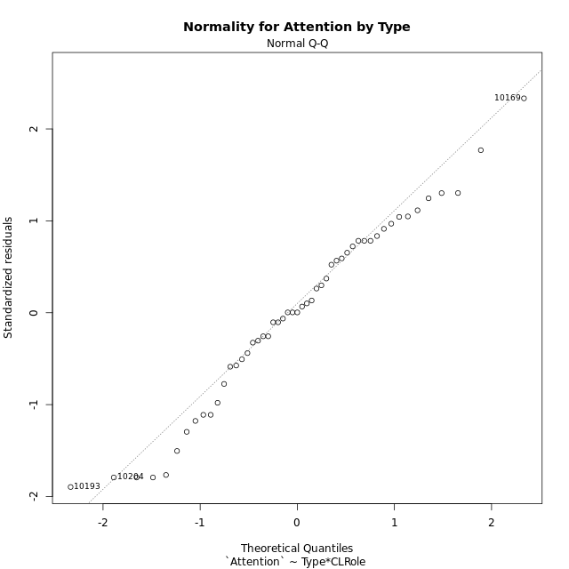

Levene's Test for Homogeneity of Variance in Attention by Type
Df | F value | Pr(>F)
3 | 1.3702114972 | 0.26341695675
47

Plots for homogeneity of variance
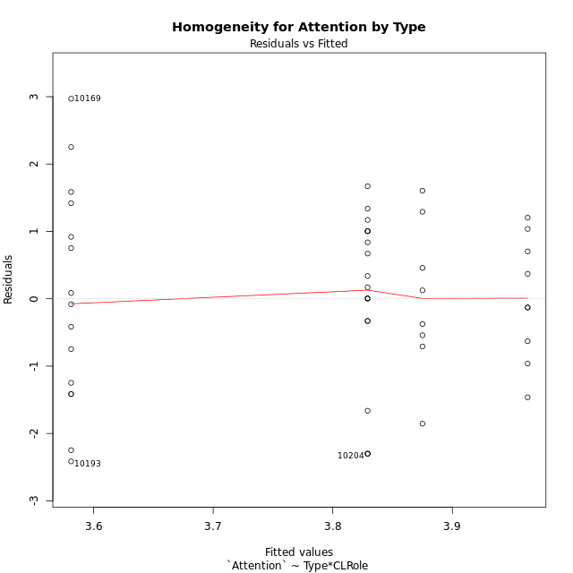

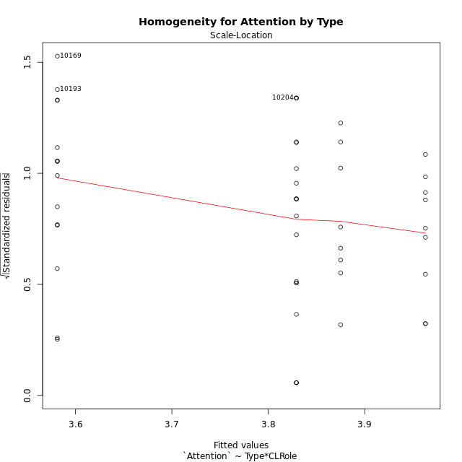

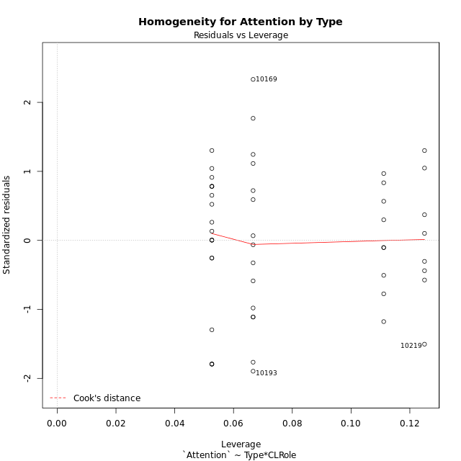

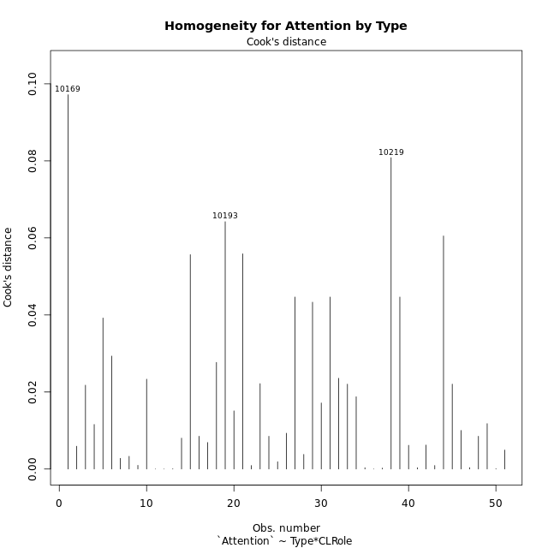

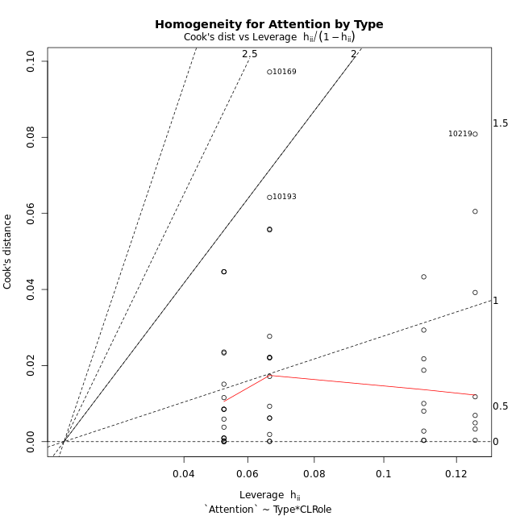

Minimum Sample Size Test for Attention by Type
Type | CLRole | Freq
ont-gamified | Apprentice | 15
w/o-gamified | Apprentice | 19
ont-gamified | Master | 9
w/o-gamified | Master | 8

Errors and Warnings in Sample Size Test for ANOVA in Attention by Type
code | description
WARN: sample.size | current size is 9 and recommended size is 15 for the group: 'ont-gamified:Master'.
WARN: sample.size | current size is 8 and recommended size is 15 for the group: 'w/o-gamified:Master'.

For the group: 'ont-gamified:Apprentice', you can perform a parametric test without having a normal distribution For the group: 'w/o-gamified:Apprentice', you can perform a parametric test without having a normal distribution For the group: 'ont-gamified:Master', we recommend the use of non-parametric test. For the group: 'w/o-gamified:Master', we recommend the use of non-parametric test.

If you don't want to remove non-normal data, you must cite the following references: ... (1) Lix, L.M., J.C. Keselman, and H.J. Keselman. 1996. Consequences of assumption violations revisited: A quantitative review of alternatives to the one-way analysis of variance F test. Rev. Educ. Res. 66: 579-619. ... (2) Harwell, M.R., E.N. Rubinstein, W.S. Hayes, and C.C. Olds. 1992. Summarizing Monte Carlo results in methodological research: the one- and two-factor fixed effects ANOVA cases. J. Educ. Stat. 17: 315-339.

Post-hoc
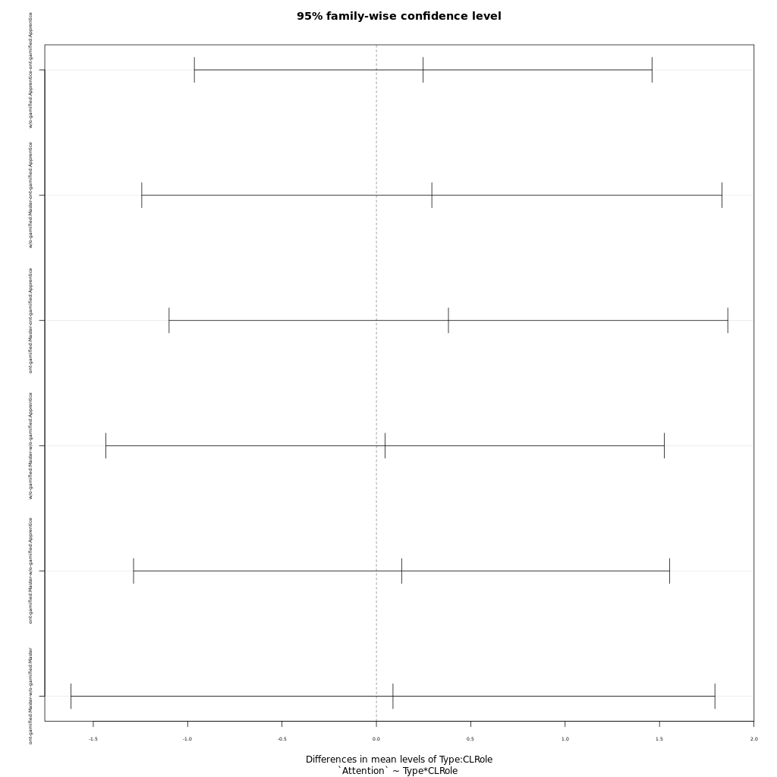
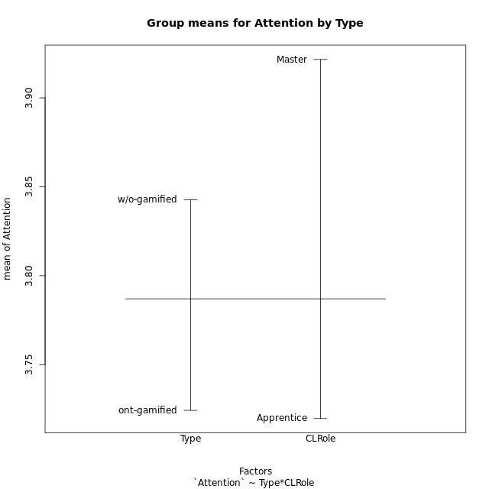
Post-hoc Tukey Honestly Significant Difference (HSD) Test for Attention by Type

Comparisons of means for Type
 | diff | lwr | upr | p adj
w/o-gamified-ont-gamified | 0.11836311728 | -0.62546877032 | 0.86219500489 | 0.75029577657

Comparisons of means for CLRole
 | diff | lwr | upr | p adj
Master-Apprentice | 0.21225458878 | -0.57533211574 | 0.9998412933 | 0.59026698225

Comparisons of means for Type:CLRole
 | diff | lwr | upr | p adj
w/o-gamified:Apprentice-ont-gamified:Apprentice | 0.24793368421 | -0.96449700151 | 1.4603643699 | 0.94753391149
w/o-gamified:Master-ont-gamified:Apprentice | 0.29379333333 | -1.2429919253 | 1.830578592 | 0.95650704347
ont-gamified:Master-ont-gamified:Apprentice | 0.3817562963 | -1.0983013387 | 1.8618139313 | 0.90155344248
w/o-gamified:Master-w/o-gamified:Apprentice | 0.045859649123 | -1.4335892843 | 1.5253085826 | 0.99979523565
ont-gamified:Master-w/o-gamified:Apprentice | 0.13382261209 | -1.2866107086 | 1.5542559327 | 0.99437793521
ont-gamified:Master-w/o-gamified:Master | 0.087962962963 | -1.6177191827 | 1.7936451086 | 0.99906161191

Contrast Matrices for Attention by Type - Type
contrast | estimate | SE | df | t.ratio | p.value
ont-gamified - w/o-gamified | -0.079985360624 | 0.39286168772 | 47 | -0.20359674441 | 0.83954759871

Contrast Matrices for Attention by Type - Type:CLRole
contrast | CLRole | estimate | SE | df | t.ratio | p.value
ont-gamified - w/o-gamified | Apprentice | -0.24793368421 | 0.45522098445 | 47 | -0.54464467298 | 0.58857295762
ont-gamified - w/o-gamified | Master | 0.087962962963 | 0.64041789327 | 47 | 0.13735244422 | 0.89133894689

Least Squares Means and Confidence Intervals for Type
Type | lsmean | SE | df | lower.CL | upper.CL | Pairs
ont-gamified | 3.7720848148 | 0.27785229356 | 47 | 3.213118099 | 4.3310515306 | ont-gamified
w/o-gamified | 3.8520701754 | 0.27773802159 | 47 | 3.2933333452 | 4.4108070057 | w/o-gamified

Least Squares Means and Confidence Intervals for Type:CLRole
Type | CLRole | lsmean | SE | df | lower.CL | upper.CL | Pairs
ont-gamified | Apprentice | 3.5812066667 | 0.34029817155 | 47 | 2.8966150482 | 4.2657982851 | ont-gamified.Apprentice
w/o-gamified | Apprentice | 3.8291403509 | 0.30236286003 | 47 | 3.2208647355 | 4.4374159662 | w/o-gamified.Apprentice
ont-gamified | Master | 3.962962963 | 0.43932305038 | 47 | 3.0791589839 | 4.846766942 | ont-gamified.Master
w/o-gamified | Master | 3.875 | 0.46597246208 | 47 | 2.9375843197 | 4.8124156803 | w/o-gamified.Master

Plots

Type_1
Student's t-Test for Attention by Type in Type between ont-gamified:w/o-gamified

Student's t-Test results
Alternative hypothesis: less
Group | N | Mean | Mean.Difference | Std.deviation | Std.error | CI.lower | CI.upper | df | t.value | p.value | g | magnitude
ont-gamified | 24 | 3.7243652778 | -0.11836311728 | 1.3908392776 | 0.28390387869 | 3.1565575204 | 4.2921730351 | 45.93257476 | -0.32249628247 | 0.37427006685 | -0.089830983091 | negligible
w/o-gamified | 27 | 3.8427283951 | 0.11836311728 | 1.2086330763 | 0.23260154399 | 3.3775253071 | 4.307931483 | 45.93257476 | -0.32249628247 | 0.37427006685 | -0.089830983091 | negligible
Alternative hypothesis: greater
Group | N | Mean | Mean.Difference | Std.deviation | Std.error | CI.lower | CI.upper | df | t.value | p.value | g | magnitude
ont-gamified | 24 | 3.7243652778 | -0.11836311728 | 1.3908392776 | 0.28390387869 | 3.1565575204 | 4.2921730351 | 45.93257476 | -0.32249628247 | 0.62572993315 | -0.089830983091 | negligible
w/o-gamified | 27 | 3.8427283951 | 0.11836311728 | 1.2086330763 | 0.23260154399 | 3.3775253071 | 4.307931483 | 45.93257476 | -0.32249628247 | 0.62572993315 | -0.089830983091 | negligible
Alternative hypothesis: two.sided
Group | N | Mean | Mean.Difference | Std.deviation | Std.error | CI.lower | CI.upper | df | t.value | p.value | g | magnitude
ont-gamified | 24 | 3.7243652778 | -0.11836311728 | 1.3908392776 | 0.28390387869 | 3.1565575204 | 4.2921730351 | 45.93257476 | -0.32249628247 | 0.7485401337 | -0.089830983091 | negligible
w/o-gamified | 27 | 3.8427283951 | 0.11836311728 | 1.2086330763 | 0.23260154399 | 3.3775253071 | 4.307931483 | 45.93257476 | -0.32249628247 | 0.7485401337 | -0.089830983091 | negligible

Box plots for Student's t-Test
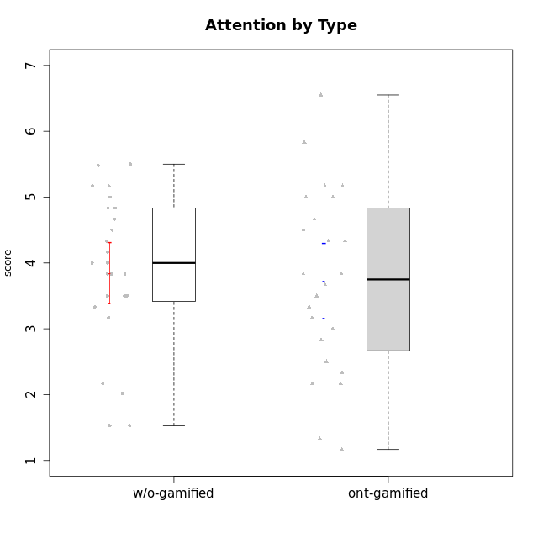

Student's t-Test data
UserID | NroUSP | Type | CLGroup | CLRole | PlayerRole | Interest/Enjoyment | Perceived Choice | Pressure/Tension | Effort/Importance | Intrinsic Motivation | Attention | Relevance | Satisfaction | Level of Motivation
10169 | 10377538 | ont-gamified | Resistance | Apprentice | Social Achiever | 5.7297 | 5.2 | 5.5 | 3.6666666667 | 4.5916666667 | 6.5514333333 | 5.5 | 7 | 5.8645384615
10170 | 10260351 | w/o-gamified | Grupo11 | Apprentice |  | 4.1666666667 | 5.8 | 2.5 | 4.6666666667 | 5.0333333333 | 4.6666666667 | 5.25 | 4.3333333333 | 4.7692307692
10171 | 698531 | ont-gamified | Mafia | Master | Social Achiever | 5.4826 | 6.2 | 1.75 | 6.9768 | 5.6972216667 | 5 | 6.25 | 5.3333333333 | 5.4615384615
10172 | 10273971 | w/o-gamified | Grupo5 | Apprentice |  | 5.1666666667 | 2.8 | 4.25 | 3.3333333333 | 3.7625 | 5 | 3 | 5 | 4.3846153846
10174 | 10276852 | w/o-gamified | Grupo7 | Master |  | 4.5 | 4.2 | 3.9739 | 4.3333333333 | 4.1958333333 | 5.1666666667 | 3.5 | 5 | 4.6153846154
10175 | 10310700 | ont-gamified | Warriors | Master | Social Achiever | 4 | 6.6 | 1 | 6 | 5.6972216667 | 5.1666666667 | 6.25 | 5.6666666667 | 5.6153846154
10176 | 10276949 | ont-gamified | Outlaws | Master | Social Achiever | 3.8333333333 | 3.4 | 4.5 | 3.6666666667 | 3.6 | 4.3333333333 | 4.5174 | 4 | 4.1538461538
10179 | 10310759 | w/o-gamified | Grupo10 | Master |  | 3.6666666667 | 2.6 | 1.25 | 6.3101333333 | 4.8375 | 3.5 | 5.25 | 4 | 4.1538461538
10181 | 10276866 | w/o-gamified | Grupo2 | Apprentice |  | 2.1666666667 | 4.2 | 3.5 | 3 | 3.4666666667 | 4.1666666667 | 4.5 | 1.6666666667 | 3.6923076923
10183 | 10352030 | w/o-gamified | Grupo3 | Apprentice |  | 2.8333333333 | 4.4 | 4.75 | 3.6666666667 | 3.5375 | 2.1666666667 | 3 | 2.6666666667 | 2.7852923077
10184 | 10276675 | w/o-gamified | Grupo10 | Apprentice |  | 3.8333333333 | 4 | 3.75 | 3.6666666667 | 3.9375 | 3.8333333333 | 4.75 | 4.6666666667 | 4.3076923077
10185 | 10276960 | w/o-gamified | Grupo9 | Apprentice |  | 4.8333333333 | 3.4 | 4.25 | 4.3333333333 | 4.0791666667 | 3.8333333333 | 3.5 | 4.6666666667 | 3.9230769231
10186 | 10310551 | ont-gamified | Slayers | Apprentice | Social Achiever | 3.8333333333 | 4.6 | 5 | 7 | 4.6083333333 | 3.5 | 5.5 | 6.3333333333 | 4.7692307692
10188 | 10276995 | ont-gamified | Vandals | Master | Yee Achiever | 3 | 6.2 | 1 | 5 | 5.3 | 3.3333333333 | 6.5 | 3 | 4.2307692308
10189 | 9363926 | ont-gamified | Vikings | Apprentice | Social Achiever | 2.2703 | 3.4 | 2 | 5.6666666667 | 4.2666666667 | 1.3333333333 | 3.75 | 2.6666666667 | 2.4431538462
10190 | 10276907 | w/o-gamified | Grupo4 | Apprentice |  | 3.1666666667 | 3 | 4.5 | 4 | 3.4166666667 | 4.8333333333 | 3.25 | 3.6666666667 | 4.0769230769
10191 | 10276981 | w/o-gamified | Grupo1 | Master |  | 2.3333333333 | 3.2 | 1 | 4.6666666667 | 4.3 | 3.3333333333 | 4.25 | 4.3333333333 | 3.8461538462
10192 | 10276682 | ont-gamified | Attractive Devils | Apprentice | Social Achiever | 4 | 4.8 | 4.25 | 5.6666666667 | 4.5541666667 | 5.1666666667 | 4.5 | 6.6666666667 | 5.3076923077
10193 | 10276762 | ont-gamified | Vandals | Apprentice | Yee Achiever | 2.2703 | 7 | 2.75 | 5 | 4.6458333333 | 1.1666666667 | 6.7239 | 1.3681333333 | 2.9230769231
10197 | 10276661 | w/o-gamified | Grupo8 | Apprentice |  | 3.5 | 5 | 3.5 | 4.6666666667 | 4.4166666667 | 5.1666666667 | 5 | 3.3333333333 | 4.6923076923
10198 | 10310888 | ont-gamified | Attractive Devils | Apprentice | Social Achiever | 4 | 3.6 | 4.25 | 5.6666666667 | 4.2541666667 | 5.8333333333 | 5.25 | 6.6666666667 | 5.8461538462
10199 | 10276737 | w/o-gamified | Grupo1 | Apprentice |  | 3 | 3.8 | 3.25 | 4 | 3.8875 | 3.5 | 4.5 | 4.6666666667 | 4.0769230769
10200 | 9795272 | ont-gamified | Warriors | Apprentice | Social Achiever | 4.5 | 4.8 | 4.75 | 6.6666666667 | 4.8041666667 | 5 | 5.25 | 6 | 5.3076923077
10201 | 10276928 | w/o-gamified | Grupo11 | Apprentice |  | 5.1666666667 | 4.2 | 3 | 5 | 4.8416666667 | 4.8333333333 | 3.5 | 5.6666666667 | 4.6153846154
10202 | 10277036 | ont-gamified | Silly Knights | Apprentice | Social Achiever | 3 | 5.2 | 3.5 | 5.6666666667 | 4.5916666667 | 3.1666666667 | 4.5 | 5 | 4
10203 | 9921470 | ont-gamified | Mercenaries | Apprentice | Social Achiever | 4.1666666667 | 6.4 | 3.25 | 7 | 5.1978933333 | 4.5 | 4 | 6.3333333333 | 4.7692307692
10204 | 10310471 | w/o-gamified | Grupo6 | Apprentice |  | 1.8565333333 | 1.42784 | 5.5 | 5 | 2.7143933333 | 1.529 | 4.25 | 2.3333333333 | 2.7852923077
10206 | 10310721 | w/o-gamified | Grupo8 | Apprentice |  | 3.6666666667 | 5.6 | 3 | 5.6666666667 | 4.9833333333 | 4.5 | 4.75 | 5.3333333333 | 4.7692307692
10208 | 10276932 | ont-gamified | Mercenaries | Master | Social Achiever | 3.8333333333 | 4.8 | 2.25 | 5.6666666667 | 5.0125 | 2.5 | 4.5174 | 4.3333333333 | 3.2307692308
10209 | 10262669 | ont-gamified | Mafia | Apprentice | Social Achiever | 2.3333333333 | 1.6348 | 1.7761 | 4.6666666667 | 3.7875 | 2.3333333333 | 4.25 | 2.3333333333 | 2.9230769231
10210 | 10277015 | w/o-gamified | Grupo6 | Apprentice |  | 1.8565333333 | 1.42784 | 5.5 | 6.3101333333 | 2.975 | 1.529 | 2.5 | 1.3681333333 | 2.7852923077
10213 | 10277040 | w/o-gamified | Grupo7 | Apprentice |  | 3.8333333333 | 1.42784 | 3.75 | 6.3101333333 | 4.1208333333 | 5.5 | 6.7239 | 6 | 5.5224
10214 | 10277022 | ont-gamified | Vikings | Apprentice | Social Achiever | 2.2703 | 2.6 | 4 | 7 | 3.6916666667 | 2.1666666667 | 3.25 | 3.6666666667 | 2.8461538462
10215 | 9285227 | ont-gamified | Vikings | Master | Social Achiever | 4 | 5.4 | 2.5 | 4.3333333333 | 4.8083333333 | 3 | 6.25 | 2.3333333333 | 3.8461538462
10216 | 10276720 | ont-gamified | Silly Knights | Master | Social Achiever | 4.6666666667 | 5.8 | 1 | 5.6666666667 | 5.6972216667 | 3.8333333333 | 6 | 5.3333333333 | 4.8461538462
10217 | 9805341 | w/o-gamified | Grupo9 | Apprentice |  | 4.3333333333 | 4.2 | 1.5261 | 4 | 4.8833333333 | 3.8333333333 | 5 | 4 | 4.2307692308
10218 | 9842913 | w/o-gamified | Grupo10 | Apprentice |  | 4 | 3.6 | 4 | 4 | 3.9 | 4 | 4.5 | 3.3333333333 | 4
10219 | 10276831 | w/o-gamified | Grupo3 | Master |  | 1.8565333333 | 3.2 | 1 | 2.3565333333 | 3.5916666667 | 2.0203 | 3.5 | 1.3681333333 | 3.0133846154
10220 | 9760151 | w/o-gamified | Grupo3 | Apprentice |  | 2.5 | 6.17216 | 1.5261 | 6 | 5.475 | 1.529 | 6.25 | 6 | 4
10221 | 9082496 | ont-gamified | Warriors | Apprentice | Social Achiever | 2.6666666667 | 3 | 3.25 | 5.3333333333 | 3.9375 | 2.8333333333 | 2.5261 | 4 | 3
10223 | 9795185 | ont-gamified | Slayers | Master | Social Achiever | 5 | 4.2 | 3.5 | 4.3333333333 | 4.5083333333 | 3.8333333333 | 5 | 4.3333333333 | 4.3076923077
10224 | 9368772 | ont-gamified | Mercenaries | Apprentice | Social Achiever | 4 | 3.6 | 4.75 | 4 | 3.7125 | 4.3333333333 | 4.5 | 5 | 4.5384615385
10226 | 10310342 | w/o-gamified | Grupo4 | Apprentice |  | 1.8565333333 | 1.42784 | 5.5 | 2.3565333333 | 2.7143933333 | 3.5 | 4.25 | 2.6666666667 | 3.5384615385
10227 | 9274382 | w/o-gamified | Grupo5 | Master |  | 4.3333333333 | 4.6 | 3.75 | 4 | 4.2958333333 | 5.4797 | 5 | 6 | 5.2943076923
10228 | 10310492 | ont-gamified | Resistance | Apprentice | Social Achiever | 2.2703 | 6.4 | 3.5 | 5 | 4.3083333333 | 2.1666666667 | 4.75 | 4 | 3.3846153846
10230 | 10351992 | ont-gamified | Resistance | Master | Social Achiever | 4.5 | 4 | 4 | 4.6666666667 | 4.2916666667 | 4.6666666667 | 4.75 | 4 | 4.5384615385
10231 | 10276911 | w/o-gamified | Grupo9 | Master |  | 4.5 | 5.57216 | 1 | 3.6666666667 | 5.3916666667 | 4 | 4.5 | 5.3333333333 | 4.4615384615
10232 | 10276974 | w/o-gamified | Grupo7 | Apprentice |  | 4.5 | 4.6 | 2.75 | 6.3101333333 | 5.1708333333 | 4.8333333333 | 5.75 | 5.6666666667 | 5.3076923077
10234 | 10310676 | w/o-gamified | Grupo4 | Master |  | 1.8565333333 | 1.8 | 2.25 | 2.3565333333 | 2.8875 | 3.1666666667 | 5.75 | 1.6666666667 | 3.6153846154
10237 | 10377688 | ont-gamified | Outlaws | Apprentice | Social Achiever | 4 | 4.2 | 4.75 | 4.6666666667 | 4.0291666667 | 3.6666666667 | 4.5 | 4.3333333333 | 4.0769230769
10238 | 10276953 | w/o-gamified | Grupo2 | Master |  | 3.8333333333 | 2.8 | 3.9739 | 6 | 3.9083333333 | 4.3333333333 | 4.5 | 3.3333333333 | 4.1538461538

Type_CLRole_1
Student's t-Test for Attention by Type in Type:CLRole between ont-gamified.Apprentice:ont-gamified.Master

Student's t-Test results
Alternative hypothesis: less
Group | N | Mean | Mean.Difference | Std.deviation | Std.error | CI.lower | CI.upper | df | t.value | p.value | g | magnitude
ont-gamified.Apprentice | 15 | 3.5812066667 | -0.3817562963 | 1.6260794899 | 0.41985191892 | 2.7415028288 | 4.4209105045 | 21.963256298 | -0.73646988849 | 0.23461938413 | -0.26161041336 | small
ont-gamified.Master | 9 | 3.962962963 | 0.3817562963 | 0.91202528663 | 0.30400842888 | 3.3549461052 | 4.5709798207 | 21.963256298 | -0.73646988849 | 0.23461938413 | -0.26161041336 | small
Alternative hypothesis: greater
Group | N | Mean | Mean.Difference | Std.deviation | Std.error | CI.lower | CI.upper | df | t.value | p.value | g | magnitude
ont-gamified.Apprentice | 15 | 3.5812066667 | -0.3817562963 | 1.6260794899 | 0.41985191892 | 2.7415028288 | 4.4209105045 | 21.963256298 | -0.73646988849 | 0.76538061587 | -0.26161041336 | small
ont-gamified.Master | 9 | 3.962962963 | 0.3817562963 | 0.91202528663 | 0.30400842888 | 3.3549461052 | 4.5709798207 | 21.963256298 | -0.73646988849 | 0.76538061587 | -0.26161041336 | small
Alternative hypothesis: two.sided
Group | N | Mean | Mean.Difference | Std.deviation | Std.error | CI.lower | CI.upper | df | t.value | p.value | g | magnitude
ont-gamified.Apprentice | 15 | 3.5812066667 | -0.3817562963 | 1.6260794899 | 0.41985191892 | 2.7415028288 | 4.4209105045 | 21.963256298 | -0.73646988849 | 0.46923876825 | -0.26161041336 | small
ont-gamified.Master | 9 | 3.962962963 | 0.3817562963 | 0.91202528663 | 0.30400842888 | 3.3549461052 | 4.5709798207 | 21.963256298 | -0.73646988849 | 0.46923876825 | -0.26161041336 | small

Box plots for Student's t-Test
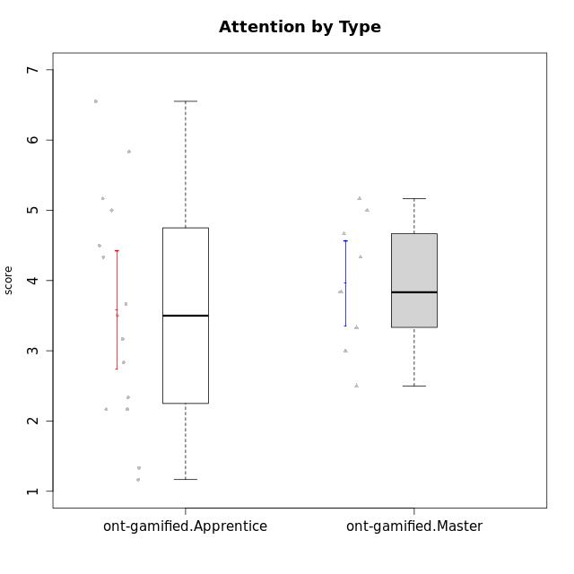

Student's t-Test data
UserID | NroUSP | Type | CLGroup | CLRole | PlayerRole | Interest/Enjoyment | Perceived Choice | Pressure/Tension | Effort/Importance | Intrinsic Motivation | Attention | Relevance | Satisfaction | Level of Motivation
10169 | 10377538 | ont-gamified | Resistance | Apprentice | Social Achiever | 5.7297 | 5.2 | 5.5 | 3.6666666667 | 4.5916666667 | 6.5514333333 | 5.5 | 7 | 5.8645384615
10171 | 698531 | ont-gamified | Mafia | Master | Social Achiever | 5.4826 | 6.2 | 1.75 | 6.9768 | 5.6972216667 | 5 | 6.25 | 5.3333333333 | 5.4615384615
10175 | 10310700 | ont-gamified | Warriors | Master | Social Achiever | 4 | 6.6 | 1 | 6 | 5.6972216667 | 5.1666666667 | 6.25 | 5.6666666667 | 5.6153846154
10176 | 10276949 | ont-gamified | Outlaws | Master | Social Achiever | 3.8333333333 | 3.4 | 4.5 | 3.6666666667 | 3.6 | 4.3333333333 | 4.5174 | 4 | 4.1538461538
10186 | 10310551 | ont-gamified | Slayers | Apprentice | Social Achiever | 3.8333333333 | 4.6 | 5 | 7 | 4.6083333333 | 3.5 | 5.5 | 6.3333333333 | 4.7692307692
10188 | 10276995 | ont-gamified | Vandals | Master | Yee Achiever | 3 | 6.2 | 1 | 5 | 5.3 | 3.3333333333 | 6.5 | 3 | 4.2307692308
10189 | 9363926 | ont-gamified | Vikings | Apprentice | Social Achiever | 2.2703 | 3.4 | 2 | 5.6666666667 | 4.2666666667 | 1.3333333333 | 3.75 | 2.6666666667 | 2.4431538462
10192 | 10276682 | ont-gamified | Attractive Devils | Apprentice | Social Achiever | 4 | 4.8 | 4.25 | 5.6666666667 | 4.5541666667 | 5.1666666667 | 4.5 | 6.6666666667 | 5.3076923077
10193 | 10276762 | ont-gamified | Vandals | Apprentice | Yee Achiever | 2.2703 | 7 | 2.75 | 5 | 4.6458333333 | 1.1666666667 | 6.7239 | 1.3681333333 | 2.9230769231
10198 | 10310888 | ont-gamified | Attractive Devils | Apprentice | Social Achiever | 4 | 3.6 | 4.25 | 5.6666666667 | 4.2541666667 | 5.8333333333 | 5.25 | 6.6666666667 | 5.8461538462
10200 | 9795272 | ont-gamified | Warriors | Apprentice | Social Achiever | 4.5 | 4.8 | 4.75 | 6.6666666667 | 4.8041666667 | 5 | 5.25 | 6 | 5.3076923077
10202 | 10277036 | ont-gamified | Silly Knights | Apprentice | Social Achiever | 3 | 5.2 | 3.5 | 5.6666666667 | 4.5916666667 | 3.1666666667 | 4.5 | 5 | 4
10203 | 9921470 | ont-gamified | Mercenaries | Apprentice | Social Achiever | 4.1666666667 | 6.4 | 3.25 | 7 | 5.1978933333 | 4.5 | 4 | 6.3333333333 | 4.7692307692
10208 | 10276932 | ont-gamified | Mercenaries | Master | Social Achiever | 3.8333333333 | 4.8 | 2.25 | 5.6666666667 | 5.0125 | 2.5 | 4.5174 | 4.3333333333 | 3.2307692308
10209 | 10262669 | ont-gamified | Mafia | Apprentice | Social Achiever | 2.3333333333 | 1.6348 | 1.7761 | 4.6666666667 | 3.7875 | 2.3333333333 | 4.25 | 2.3333333333 | 2.9230769231
10214 | 10277022 | ont-gamified | Vikings | Apprentice | Social Achiever | 2.2703 | 2.6 | 4 | 7 | 3.6916666667 | 2.1666666667 | 3.25 | 3.6666666667 | 2.8461538462
10215 | 9285227 | ont-gamified | Vikings | Master | Social Achiever | 4 | 5.4 | 2.5 | 4.3333333333 | 4.8083333333 | 3 | 6.25 | 2.3333333333 | 3.8461538462
10216 | 10276720 | ont-gamified | Silly Knights | Master | Social Achiever | 4.6666666667 | 5.8 | 1 | 5.6666666667 | 5.6972216667 | 3.8333333333 | 6 | 5.3333333333 | 4.8461538462
10221 | 9082496 | ont-gamified | Warriors | Apprentice | Social Achiever | 2.6666666667 | 3 | 3.25 | 5.3333333333 | 3.9375 | 2.8333333333 | 2.5261 | 4 | 3
10223 | 9795185 | ont-gamified | Slayers | Master | Social Achiever | 5 | 4.2 | 3.5 | 4.3333333333 | 4.5083333333 | 3.8333333333 | 5 | 4.3333333333 | 4.3076923077
10224 | 9368772 | ont-gamified | Mercenaries | Apprentice | Social Achiever | 4 | 3.6 | 4.75 | 4 | 3.7125 | 4.3333333333 | 4.5 | 5 | 4.5384615385
10228 | 10310492 | ont-gamified | Resistance | Apprentice | Social Achiever | 2.2703 | 6.4 | 3.5 | 5 | 4.3083333333 | 2.1666666667 | 4.75 | 4 | 3.3846153846
10230 | 10351992 | ont-gamified | Resistance | Master | Social Achiever | 4.5 | 4 | 4 | 4.6666666667 | 4.2916666667 | 4.6666666667 | 4.75 | 4 | 4.5384615385
10237 | 10377688 | ont-gamified | Outlaws | Apprentice | Social Achiever | 4 | 4.2 | 4.75 | 4.6666666667 | 4.0291666667 | 3.6666666667 | 4.5 | 4.3333333333 | 4.0769230769

Type_CLRole_2
Student's t-Test for Attention by Type in Type:CLRole between ont-gamified.Apprentice:w/o-gamified.Apprentice

Student's t-Test results
Alternative hypothesis: less
Group | N | Mean | Mean.Difference | Std.deviation | Std.error | CI.lower | CI.upper | df | t.value | p.value | g | magnitude
ont-gamified.Apprentice | 15 | 3.5812066667 | -0.24793368421 | 1.6260794899 | 0.41985191892 | 2.7415028288 | 4.4209105045 | 26.063056989 | -0.4849031132 | 0.31589790001 | -0.16837992773 | negligible
w/o-gamified.Apprentice | 19 | 3.8291403509 | 0.24793368421 | 1.2720055629 | 0.2918180897 | 3.2455041715 | 4.4127765303 | 26.063056989 | -0.4849031132 | 0.31589790001 | -0.16837992773 | negligible
Alternative hypothesis: greater
Group | N | Mean | Mean.Difference | Std.deviation | Std.error | CI.lower | CI.upper | df | t.value | p.value | g | magnitude
ont-gamified.Apprentice | 15 | 3.5812066667 | -0.24793368421 | 1.6260794899 | 0.41985191892 | 2.7415028288 | 4.4209105045 | 26.063056989 | -0.4849031132 | 0.68410209999 | -0.16837992773 | negligible
w/o-gamified.Apprentice | 19 | 3.8291403509 | 0.24793368421 | 1.2720055629 | 0.2918180897 | 3.2455041715 | 4.4127765303 | 26.063056989 | -0.4849031132 | 0.68410209999 | -0.16837992773 | negligible
Alternative hypothesis: two.sided
Group | N | Mean | Mean.Difference | Std.deviation | Std.error | CI.lower | CI.upper | df | t.value | p.value | g | magnitude
ont-gamified.Apprentice | 15 | 3.5812066667 | -0.24793368421 | 1.6260794899 | 0.41985191892 | 2.7415028288 | 4.4209105045 | 26.063056989 | -0.4849031132 | 0.63179580002 | -0.16837992773 | negligible
w/o-gamified.Apprentice | 19 | 3.8291403509 | 0.24793368421 | 1.2720055629 | 0.2918180897 | 3.2455041715 | 4.4127765303 | 26.063056989 | -0.4849031132 | 0.63179580002 | -0.16837992773 | negligible

Box plots for Student's t-Test
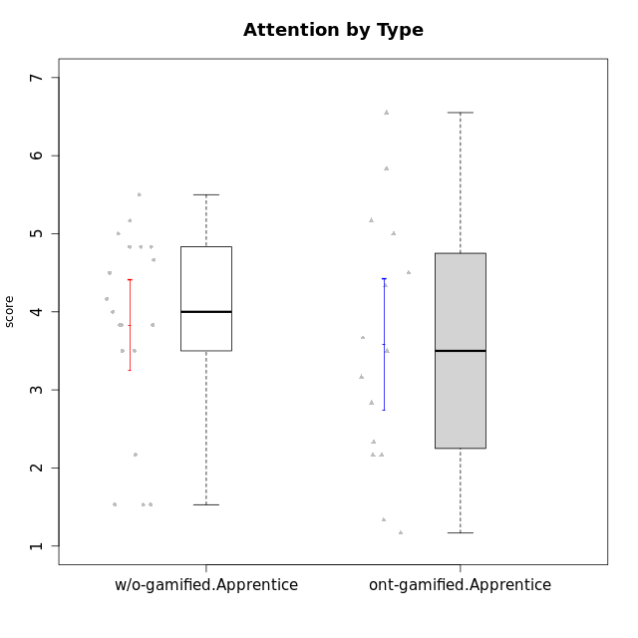

Student's t-Test data
UserID | NroUSP | Type | CLGroup | CLRole | PlayerRole | Interest/Enjoyment | Perceived Choice | Pressure/Tension | Effort/Importance | Intrinsic Motivation | Attention | Relevance | Satisfaction | Level of Motivation
10169 | 10377538 | ont-gamified | Resistance | Apprentice | Social Achiever | 5.7297 | 5.2 | 5.5 | 3.6666666667 | 4.5916666667 | 6.5514333333 | 5.5 | 7 | 5.8645384615
10170 | 10260351 | w/o-gamified | Grupo11 | Apprentice |  | 4.1666666667 | 5.8 | 2.5 | 4.6666666667 | 5.0333333333 | 4.6666666667 | 5.25 | 4.3333333333 | 4.7692307692
10172 | 10273971 | w/o-gamified | Grupo5 | Apprentice |  | 5.1666666667 | 2.8 | 4.25 | 3.3333333333 | 3.7625 | 5 | 3 | 5 | 4.3846153846
10181 | 10276866 | w/o-gamified | Grupo2 | Apprentice |  | 2.1666666667 | 4.2 | 3.5 | 3 | 3.4666666667 | 4.1666666667 | 4.5 | 1.6666666667 | 3.6923076923
10183 | 10352030 | w/o-gamified | Grupo3 | Apprentice |  | 2.8333333333 | 4.4 | 4.75 | 3.6666666667 | 3.5375 | 2.1666666667 | 3 | 2.6666666667 | 2.7852923077
10184 | 10276675 | w/o-gamified | Grupo10 | Apprentice |  | 3.8333333333 | 4 | 3.75 | 3.6666666667 | 3.9375 | 3.8333333333 | 4.75 | 4.6666666667 | 4.3076923077
10185 | 10276960 | w/o-gamified | Grupo9 | Apprentice |  | 4.8333333333 | 3.4 | 4.25 | 4.3333333333 | 4.0791666667 | 3.8333333333 | 3.5 | 4.6666666667 | 3.9230769231
10186 | 10310551 | ont-gamified | Slayers | Apprentice | Social Achiever | 3.8333333333 | 4.6 | 5 | 7 | 4.6083333333 | 3.5 | 5.5 | 6.3333333333 | 4.7692307692
10189 | 9363926 | ont-gamified | Vikings | Apprentice | Social Achiever | 2.2703 | 3.4 | 2 | 5.6666666667 | 4.2666666667 | 1.3333333333 | 3.75 | 2.6666666667 | 2.4431538462
10190 | 10276907 | w/o-gamified | Grupo4 | Apprentice |  | 3.1666666667 | 3 | 4.5 | 4 | 3.4166666667 | 4.8333333333 | 3.25 | 3.6666666667 | 4.0769230769
10192 | 10276682 | ont-gamified | Attractive Devils | Apprentice | Social Achiever | 4 | 4.8 | 4.25 | 5.6666666667 | 4.5541666667 | 5.1666666667 | 4.5 | 6.6666666667 | 5.3076923077
10193 | 10276762 | ont-gamified | Vandals | Apprentice | Yee Achiever | 2.2703 | 7 | 2.75 | 5 | 4.6458333333 | 1.1666666667 | 6.7239 | 1.3681333333 | 2.9230769231
10197 | 10276661 | w/o-gamified | Grupo8 | Apprentice |  | 3.5 | 5 | 3.5 | 4.6666666667 | 4.4166666667 | 5.1666666667 | 5 | 3.3333333333 | 4.6923076923
10198 | 10310888 | ont-gamified | Attractive Devils | Apprentice | Social Achiever | 4 | 3.6 | 4.25 | 5.6666666667 | 4.2541666667 | 5.8333333333 | 5.25 | 6.6666666667 | 5.8461538462
10199 | 10276737 | w/o-gamified | Grupo1 | Apprentice |  | 3 | 3.8 | 3.25 | 4 | 3.8875 | 3.5 | 4.5 | 4.6666666667 | 4.0769230769
10200 | 9795272 | ont-gamified | Warriors | Apprentice | Social Achiever | 4.5 | 4.8 | 4.75 | 6.6666666667 | 4.8041666667 | 5 | 5.25 | 6 | 5.3076923077
10201 | 10276928 | w/o-gamified | Grupo11 | Apprentice |  | 5.1666666667 | 4.2 | 3 | 5 | 4.8416666667 | 4.8333333333 | 3.5 | 5.6666666667 | 4.6153846154
10202 | 10277036 | ont-gamified | Silly Knights | Apprentice | Social Achiever | 3 | 5.2 | 3.5 | 5.6666666667 | 4.5916666667 | 3.1666666667 | 4.5 | 5 | 4
10203 | 9921470 | ont-gamified | Mercenaries | Apprentice | Social Achiever | 4.1666666667 | 6.4 | 3.25 | 7 | 5.1978933333 | 4.5 | 4 | 6.3333333333 | 4.7692307692
10204 | 10310471 | w/o-gamified | Grupo6 | Apprentice |  | 1.8565333333 | 1.42784 | 5.5 | 5 | 2.7143933333 | 1.529 | 4.25 | 2.3333333333 | 2.7852923077
10206 | 10310721 | w/o-gamified | Grupo8 | Apprentice |  | 3.6666666667 | 5.6 | 3 | 5.6666666667 | 4.9833333333 | 4.5 | 4.75 | 5.3333333333 | 4.7692307692
10209 | 10262669 | ont-gamified | Mafia | Apprentice | Social Achiever | 2.3333333333 | 1.6348 | 1.7761 | 4.6666666667 | 3.7875 | 2.3333333333 | 4.25 | 2.3333333333 | 2.9230769231
10210 | 10277015 | w/o-gamified | Grupo6 | Apprentice |  | 1.8565333333 | 1.42784 | 5.5 | 6.3101333333 | 2.975 | 1.529 | 2.5 | 1.3681333333 | 2.7852923077
10213 | 10277040 | w/o-gamified | Grupo7 | Apprentice |  | 3.8333333333 | 1.42784 | 3.75 | 6.3101333333 | 4.1208333333 | 5.5 | 6.7239 | 6 | 5.5224
10214 | 10277022 | ont-gamified | Vikings | Apprentice | Social Achiever | 2.2703 | 2.6 | 4 | 7 | 3.6916666667 | 2.1666666667 | 3.25 | 3.6666666667 | 2.8461538462
10217 | 9805341 | w/o-gamified | Grupo9 | Apprentice |  | 4.3333333333 | 4.2 | 1.5261 | 4 | 4.8833333333 | 3.8333333333 | 5 | 4 | 4.2307692308
10218 | 9842913 | w/o-gamified | Grupo10 | Apprentice |  | 4 | 3.6 | 4 | 4 | 3.9 | 4 | 4.5 | 3.3333333333 | 4
10220 | 9760151 | w/o-gamified | Grupo3 | Apprentice |  | 2.5 | 6.17216 | 1.5261 | 6 | 5.475 | 1.529 | 6.25 | 6 | 4
10221 | 9082496 | ont-gamified | Warriors | Apprentice | Social Achiever | 2.6666666667 | 3 | 3.25 | 5.3333333333 | 3.9375 | 2.8333333333 | 2.5261 | 4 | 3
10224 | 9368772 | ont-gamified | Mercenaries | Apprentice | Social Achiever | 4 | 3.6 | 4.75 | 4 | 3.7125 | 4.3333333333 | 4.5 | 5 | 4.5384615385
10226 | 10310342 | w/o-gamified | Grupo4 | Apprentice |  | 1.8565333333 | 1.42784 | 5.5 | 2.3565333333 | 2.7143933333 | 3.5 | 4.25 | 2.6666666667 | 3.5384615385
10228 | 10310492 | ont-gamified | Resistance | Apprentice | Social Achiever | 2.2703 | 6.4 | 3.5 | 5 | 4.3083333333 | 2.1666666667 | 4.75 | 4 | 3.3846153846
10232 | 10276974 | w/o-gamified | Grupo7 | Apprentice |  | 4.5 | 4.6 | 2.75 | 6.3101333333 | 5.1708333333 | 4.8333333333 | 5.75 | 5.6666666667 | 5.3076923077
10237 | 10377688 | ont-gamified | Outlaws | Apprentice | Social Achiever | 4 | 4.2 | 4.75 | 4.6666666667 | 4.0291666667 | 3.6666666667 | 4.5 | 4.3333333333 | 4.0769230769

Type_CLRole_3
Student's t-Test for Attention by Type in Type:CLRole between ont-gamified.Apprentice:w/o-gamified.Master

Student's t-Test results
Alternative hypothesis: less
Group | N | Mean | Mean.Difference | Std.deviation | Std.error | CI.lower | CI.upper | df | t.value | p.value | g | magnitude
ont-gamified.Apprentice | 15 | 3.5812066667 | -0.29379333333 | 1.6260794899 | 0.41985191892 | 2.7415028288 | 4.4209105045 | 19.314844326 | -0.50819020519 | 0.30853745461 | -0.19161679959 | negligible
w/o-gamified.Master | 8 | 3.875 | 0.29379333333 | 1.1240764648 | 0.39742104542 | 3.0801579092 | 4.6698420908 | 19.314844326 | -0.50819020519 | 0.30853745461 | -0.19161679959 | negligible
Alternative hypothesis: greater
Group | N | Mean | Mean.Difference | Std.deviation | Std.error | CI.lower | CI.upper | df | t.value | p.value | g | magnitude
ont-gamified.Apprentice | 15 | 3.5812066667 | -0.29379333333 | 1.6260794899 | 0.41985191892 | 2.7415028288 | 4.4209105045 | 19.314844326 | -0.50819020519 | 0.69146254539 | -0.19161679959 | negligible
w/o-gamified.Master | 8 | 3.875 | 0.29379333333 | 1.1240764648 | 0.39742104542 | 3.0801579092 | 4.6698420908 | 19.314844326 | -0.50819020519 | 0.69146254539 | -0.19161679959 | negligible
Alternative hypothesis: two.sided
Group | N | Mean | Mean.Difference | Std.deviation | Std.error | CI.lower | CI.upper | df | t.value | p.value | g | magnitude
ont-gamified.Apprentice | 15 | 3.5812066667 | -0.29379333333 | 1.6260794899 | 0.41985191892 | 2.7415028288 | 4.4209105045 | 19.314844326 | -0.50819020519 | 0.61707490923 | -0.19161679959 | negligible
w/o-gamified.Master | 8 | 3.875 | 0.29379333333 | 1.1240764648 | 0.39742104542 | 3.0801579092 | 4.6698420908 | 19.314844326 | -0.50819020519 | 0.61707490923 | -0.19161679959 | negligible

Box plots for Student's t-Test
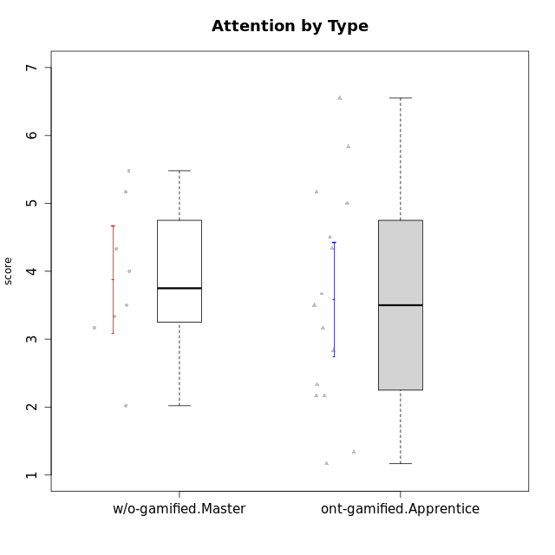

Student's t-Test data
UserID | NroUSP | Type | CLGroup | CLRole | PlayerRole | Interest/Enjoyment | Perceived Choice | Pressure/Tension | Effort/Importance | Intrinsic Motivation | Attention | Relevance | Satisfaction | Level of Motivation
10169 | 10377538 | ont-gamified | Resistance | Apprentice | Social Achiever | 5.7297 | 5.2 | 5.5 | 3.6666666667 | 4.5916666667 | 6.5514333333 | 5.5 | 7 | 5.8645384615
10174 | 10276852 | w/o-gamified | Grupo7 | Master |  | 4.5 | 4.2 | 3.9739 | 4.3333333333 | 4.1958333333 | 5.1666666667 | 3.5 | 5 | 4.6153846154
10179 | 10310759 | w/o-gamified | Grupo10 | Master |  | 3.6666666667 | 2.6 | 1.25 | 6.3101333333 | 4.8375 | 3.5 | 5.25 | 4 | 4.1538461538
10186 | 10310551 | ont-gamified | Slayers | Apprentice | Social Achiever | 3.8333333333 | 4.6 | 5 | 7 | 4.6083333333 | 3.5 | 5.5 | 6.3333333333 | 4.7692307692
10189 | 9363926 | ont-gamified | Vikings | Apprentice | Social Achiever | 2.2703 | 3.4 | 2 | 5.6666666667 | 4.2666666667 | 1.3333333333 | 3.75 | 2.6666666667 | 2.4431538462
10191 | 10276981 | w/o-gamified | Grupo1 | Master |  | 2.3333333333 | 3.2 | 1 | 4.6666666667 | 4.3 | 3.3333333333 | 4.25 | 4.3333333333 | 3.8461538462
10192 | 10276682 | ont-gamified | Attractive Devils | Apprentice | Social Achiever | 4 | 4.8 | 4.25 | 5.6666666667 | 4.5541666667 | 5.1666666667 | 4.5 | 6.6666666667 | 5.3076923077
10193 | 10276762 | ont-gamified | Vandals | Apprentice | Yee Achiever | 2.2703 | 7 | 2.75 | 5 | 4.6458333333 | 1.1666666667 | 6.7239 | 1.3681333333 | 2.9230769231
10198 | 10310888 | ont-gamified | Attractive Devils | Apprentice | Social Achiever | 4 | 3.6 | 4.25 | 5.6666666667 | 4.2541666667 | 5.8333333333 | 5.25 | 6.6666666667 | 5.8461538462
10200 | 9795272 | ont-gamified | Warriors | Apprentice | Social Achiever | 4.5 | 4.8 | 4.75 | 6.6666666667 | 4.8041666667 | 5 | 5.25 | 6 | 5.3076923077
10202 | 10277036 | ont-gamified | Silly Knights | Apprentice | Social Achiever | 3 | 5.2 | 3.5 | 5.6666666667 | 4.5916666667 | 3.1666666667 | 4.5 | 5 | 4
10203 | 9921470 | ont-gamified | Mercenaries | Apprentice | Social Achiever | 4.1666666667 | 6.4 | 3.25 | 7 | 5.1978933333 | 4.5 | 4 | 6.3333333333 | 4.7692307692
10209 | 10262669 | ont-gamified | Mafia | Apprentice | Social Achiever | 2.3333333333 | 1.6348 | 1.7761 | 4.6666666667 | 3.7875 | 2.3333333333 | 4.25 | 2.3333333333 | 2.9230769231
10214 | 10277022 | ont-gamified | Vikings | Apprentice | Social Achiever | 2.2703 | 2.6 | 4 | 7 | 3.6916666667 | 2.1666666667 | 3.25 | 3.6666666667 | 2.8461538462
10219 | 10276831 | w/o-gamified | Grupo3 | Master |  | 1.8565333333 | 3.2 | 1 | 2.3565333333 | 3.5916666667 | 2.0203 | 3.5 | 1.3681333333 | 3.0133846154
10221 | 9082496 | ont-gamified | Warriors | Apprentice | Social Achiever | 2.6666666667 | 3 | 3.25 | 5.3333333333 | 3.9375 | 2.8333333333 | 2.5261 | 4 | 3
10224 | 9368772 | ont-gamified | Mercenaries | Apprentice | Social Achiever | 4 | 3.6 | 4.75 | 4 | 3.7125 | 4.3333333333 | 4.5 | 5 | 4.5384615385
10227 | 9274382 | w/o-gamified | Grupo5 | Master |  | 4.3333333333 | 4.6 | 3.75 | 4 | 4.2958333333 | 5.4797 | 5 | 6 | 5.2943076923
10228 | 10310492 | ont-gamified | Resistance | Apprentice | Social Achiever | 2.2703 | 6.4 | 3.5 | 5 | 4.3083333333 | 2.1666666667 | 4.75 | 4 | 3.3846153846
10231 | 10276911 | w/o-gamified | Grupo9 | Master |  | 4.5 | 5.57216 | 1 | 3.6666666667 | 5.3916666667 | 4 | 4.5 | 5.3333333333 | 4.4615384615
10234 | 10310676 | w/o-gamified | Grupo4 | Master |  | 1.8565333333 | 1.8 | 2.25 | 2.3565333333 | 2.8875 | 3.1666666667 | 5.75 | 1.6666666667 | 3.6153846154
10237 | 10377688 | ont-gamified | Outlaws | Apprentice | Social Achiever | 4 | 4.2 | 4.75 | 4.6666666667 | 4.0291666667 | 3.6666666667 | 4.5 | 4.3333333333 | 4.0769230769
10238 | 10276953 | w/o-gamified | Grupo2 | Master |  | 3.8333333333 | 2.8 | 3.9739 | 6 | 3.9083333333 | 4.3333333333 | 4.5 | 3.3333333333 | 4.1538461538

Type_CLRole_4
Student's t-Test for Attention by Type in Type:CLRole between ont-gamified.Master:w/o-gamified.Apprentice

Student's t-Test results
Alternative hypothesis: less
Group | N | Mean | Mean.Difference | Std.deviation | Std.error | CI.lower | CI.upper | df | t.value | p.value | g | magnitude
ont-gamified.Master | 9 | 3.962962963 | 0.13382261209 | 0.91202528663 | 0.30400842888 | 3.3549461052 | 4.5709798207 | 21.443300455 | 0.31756585071 | 0.62305704473 | 0.1107564879 | negligible
w/o-gamified.Apprentice | 19 | 3.8291403509 | -0.13382261209 | 1.2720055629 | 0.2918180897 | 3.2455041715 | 4.4127765303 | 21.443300455 | 0.31756585071 | 0.62305704473 | 0.1107564879 | negligible
Alternative hypothesis: greater
Group | N | Mean | Mean.Difference | Std.deviation | Std.error | CI.lower | CI.upper | df | t.value | p.value | g | magnitude
ont-gamified.Master | 9 | 3.962962963 | 0.13382261209 | 0.91202528663 | 0.30400842888 | 3.3549461052 | 4.5709798207 | 21.443300455 | 0.31756585071 | 0.37694295527 | 0.1107564879 | negligible
w/o-gamified.Apprentice | 19 | 3.8291403509 | -0.13382261209 | 1.2720055629 | 0.2918180897 | 3.2455041715 | 4.4127765303 | 21.443300455 | 0.31756585071 | 0.37694295527 | 0.1107564879 | negligible
Alternative hypothesis: two.sided
Group | N | Mean | Mean.Difference | Std.deviation | Std.error | CI.lower | CI.upper | df | t.value | p.value | g | magnitude
ont-gamified.Master | 9 | 3.962962963 | 0.13382261209 | 0.91202528663 | 0.30400842888 | 3.3549461052 | 4.5709798207 | 21.443300455 | 0.31756585071 | 0.75388591054 | 0.1107564879 | negligible
w/o-gamified.Apprentice | 19 | 3.8291403509 | -0.13382261209 | 1.2720055629 | 0.2918180897 | 3.2455041715 | 4.4127765303 | 21.443300455 | 0.31756585071 | 0.75388591054 | 0.1107564879 | negligible

Box plots for Student's t-Test
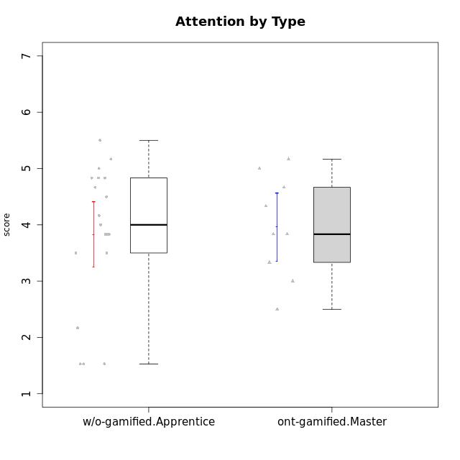

Student's t-Test data
UserID | NroUSP | Type | CLGroup | CLRole | PlayerRole | Interest/Enjoyment | Perceived Choice | Pressure/Tension | Effort/Importance | Intrinsic Motivation | Attention | Relevance | Satisfaction | Level of Motivation
10170 | 10260351 | w/o-gamified | Grupo11 | Apprentice |  | 4.1666666667 | 5.8 | 2.5 | 4.6666666667 | 5.0333333333 | 4.6666666667 | 5.25 | 4.3333333333 | 4.7692307692
10171 | 698531 | ont-gamified | Mafia | Master | Social Achiever | 5.4826 | 6.2 | 1.75 | 6.9768 | 5.6972216667 | 5 | 6.25 | 5.3333333333 | 5.4615384615
10172 | 10273971 | w/o-gamified | Grupo5 | Apprentice |  | 5.1666666667 | 2.8 | 4.25 | 3.3333333333 | 3.7625 | 5 | 3 | 5 | 4.3846153846
10175 | 10310700 | ont-gamified | Warriors | Master | Social Achiever | 4 | 6.6 | 1 | 6 | 5.6972216667 | 5.1666666667 | 6.25 | 5.6666666667 | 5.6153846154
10176 | 10276949 | ont-gamified | Outlaws | Master | Social Achiever | 3.8333333333 | 3.4 | 4.5 | 3.6666666667 | 3.6 | 4.3333333333 | 4.5174 | 4 | 4.1538461538
10181 | 10276866 | w/o-gamified | Grupo2 | Apprentice |  | 2.1666666667 | 4.2 | 3.5 | 3 | 3.4666666667 | 4.1666666667 | 4.5 | 1.6666666667 | 3.6923076923
10183 | 10352030 | w/o-gamified | Grupo3 | Apprentice |  | 2.8333333333 | 4.4 | 4.75 | 3.6666666667 | 3.5375 | 2.1666666667 | 3 | 2.6666666667 | 2.7852923077
10184 | 10276675 | w/o-gamified | Grupo10 | Apprentice |  | 3.8333333333 | 4 | 3.75 | 3.6666666667 | 3.9375 | 3.8333333333 | 4.75 | 4.6666666667 | 4.3076923077
10185 | 10276960 | w/o-gamified | Grupo9 | Apprentice |  | 4.8333333333 | 3.4 | 4.25 | 4.3333333333 | 4.0791666667 | 3.8333333333 | 3.5 | 4.6666666667 | 3.9230769231
10188 | 10276995 | ont-gamified | Vandals | Master | Yee Achiever | 3 | 6.2 | 1 | 5 | 5.3 | 3.3333333333 | 6.5 | 3 | 4.2307692308
10190 | 10276907 | w/o-gamified | Grupo4 | Apprentice |  | 3.1666666667 | 3 | 4.5 | 4 | 3.4166666667 | 4.8333333333 | 3.25 | 3.6666666667 | 4.0769230769
10197 | 10276661 | w/o-gamified | Grupo8 | Apprentice |  | 3.5 | 5 | 3.5 | 4.6666666667 | 4.4166666667 | 5.1666666667 | 5 | 3.3333333333 | 4.6923076923
10199 | 10276737 | w/o-gamified | Grupo1 | Apprentice |  | 3 | 3.8 | 3.25 | 4 | 3.8875 | 3.5 | 4.5 | 4.6666666667 | 4.0769230769
10201 | 10276928 | w/o-gamified | Grupo11 | Apprentice |  | 5.1666666667 | 4.2 | 3 | 5 | 4.8416666667 | 4.8333333333 | 3.5 | 5.6666666667 | 4.6153846154
10204 | 10310471 | w/o-gamified | Grupo6 | Apprentice |  | 1.8565333333 | 1.42784 | 5.5 | 5 | 2.7143933333 | 1.529 | 4.25 | 2.3333333333 | 2.7852923077
10206 | 10310721 | w/o-gamified | Grupo8 | Apprentice |  | 3.6666666667 | 5.6 | 3 | 5.6666666667 | 4.9833333333 | 4.5 | 4.75 | 5.3333333333 | 4.7692307692
10208 | 10276932 | ont-gamified | Mercenaries | Master | Social Achiever | 3.8333333333 | 4.8 | 2.25 | 5.6666666667 | 5.0125 | 2.5 | 4.5174 | 4.3333333333 | 3.2307692308
10210 | 10277015 | w/o-gamified | Grupo6 | Apprentice |  | 1.8565333333 | 1.42784 | 5.5 | 6.3101333333 | 2.975 | 1.529 | 2.5 | 1.3681333333 | 2.7852923077
10213 | 10277040 | w/o-gamified | Grupo7 | Apprentice |  | 3.8333333333 | 1.42784 | 3.75 | 6.3101333333 | 4.1208333333 | 5.5 | 6.7239 | 6 | 5.5224
10215 | 9285227 | ont-gamified | Vikings | Master | Social Achiever | 4 | 5.4 | 2.5 | 4.3333333333 | 4.8083333333 | 3 | 6.25 | 2.3333333333 | 3.8461538462
10216 | 10276720 | ont-gamified | Silly Knights | Master | Social Achiever | 4.6666666667 | 5.8 | 1 | 5.6666666667 | 5.6972216667 | 3.8333333333 | 6 | 5.3333333333 | 4.8461538462
10217 | 9805341 | w/o-gamified | Grupo9 | Apprentice |  | 4.3333333333 | 4.2 | 1.5261 | 4 | 4.8833333333 | 3.8333333333 | 5 | 4 | 4.2307692308
10218 | 9842913 | w/o-gamified | Grupo10 | Apprentice |  | 4 | 3.6 | 4 | 4 | 3.9 | 4 | 4.5 | 3.3333333333 | 4
10220 | 9760151 | w/o-gamified | Grupo3 | Apprentice |  | 2.5 | 6.17216 | 1.5261 | 6 | 5.475 | 1.529 | 6.25 | 6 | 4
10223 | 9795185 | ont-gamified | Slayers | Master | Social Achiever | 5 | 4.2 | 3.5 | 4.3333333333 | 4.5083333333 | 3.8333333333 | 5 | 4.3333333333 | 4.3076923077
10226 | 10310342 | w/o-gamified | Grupo4 | Apprentice |  | 1.8565333333 | 1.42784 | 5.5 | 2.3565333333 | 2.7143933333 | 3.5 | 4.25 | 2.6666666667 | 3.5384615385
10230 | 10351992 | ont-gamified | Resistance | Master | Social Achiever | 4.5 | 4 | 4 | 4.6666666667 | 4.2916666667 | 4.6666666667 | 4.75 | 4 | 4.5384615385
10232 | 10276974 | w/o-gamified | Grupo7 | Apprentice |  | 4.5 | 4.6 | 2.75 | 6.3101333333 | 5.1708333333 | 4.8333333333 | 5.75 | 5.6666666667 | 5.3076923077

Type_CLRole_5
Student's t-Test for Attention by Type in Type:CLRole between ont-gamified.Master:w/o-gamified.Master

Student's t-Test results
Alternative hypothesis: less
Group | N | Mean | Mean.Difference | Std.deviation | Std.error | CI.lower | CI.upper | df | t.value | p.value | g | magnitude
ont-gamified.Master | 9 | 3.962962963 | 0.087962962963 | 0.91202528663 | 0.30400842888 | 3.3549461052 | 4.5709798207 | 13.534105487 | 0.17579777662 | 0.56847202368 | 0.082134849565 | negligible
w/o-gamified.Master | 8 | 3.875 | -0.087962962963 | 1.1240764648 | 0.39742104542 | 3.0801579092 | 4.6698420908 | 13.534105487 | 0.17579777662 | 0.56847202368 | 0.082134849565 | negligible
Alternative hypothesis: greater
Group | N | Mean | Mean.Difference | Std.deviation | Std.error | CI.lower | CI.upper | df | t.value | p.value | g | magnitude
ont-gamified.Master | 9 | 3.962962963 | 0.087962962963 | 0.91202528663 | 0.30400842888 | 3.3549461052 | 4.5709798207 | 13.534105487 | 0.17579777662 | 0.43152797632 | 0.082134849565 | negligible
w/o-gamified.Master | 8 | 3.875 | -0.087962962963 | 1.1240764648 | 0.39742104542 | 3.0801579092 | 4.6698420908 | 13.534105487 | 0.17579777662 | 0.43152797632 | 0.082134849565 | negligible
Alternative hypothesis: two.sided
Group | N | Mean | Mean.Difference | Std.deviation | Std.error | CI.lower | CI.upper | df | t.value | p.value | g | magnitude
ont-gamified.Master | 9 | 3.962962963 | 0.087962962963 | 0.91202528663 | 0.30400842888 | 3.3549461052 | 4.5709798207 | 13.534105487 | 0.17579777662 | 0.86305595263 | 0.082134849565 | negligible
w/o-gamified.Master | 8 | 3.875 | -0.087962962963 | 1.1240764648 | 0.39742104542 | 3.0801579092 | 4.6698420908 | 13.534105487 | 0.17579777662 | 0.86305595263 | 0.082134849565 | negligible

Box plots for Student's t-Test
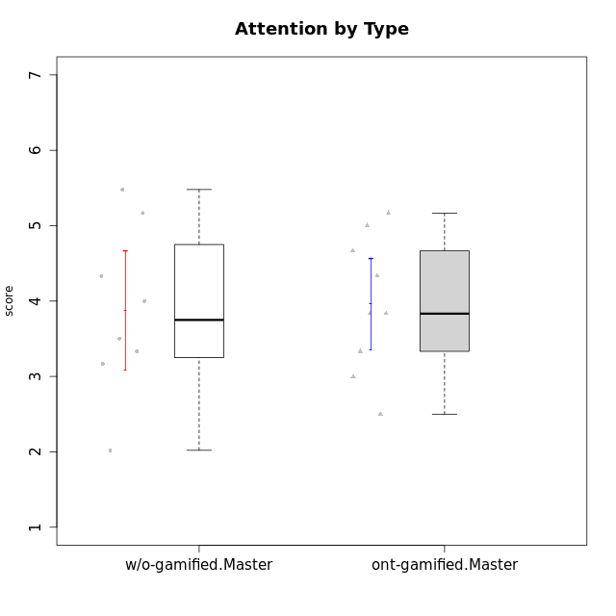

Student's t-Test data
UserID | NroUSP | Type | CLGroup | CLRole | PlayerRole | Interest/Enjoyment | Perceived Choice | Pressure/Tension | Effort/Importance | Intrinsic Motivation | Attention | Relevance | Satisfaction | Level of Motivation
10171 | 698531 | ont-gamified | Mafia | Master | Social Achiever | 5.4826 | 6.2 | 1.75 | 6.9768 | 5.6972216667 | 5 | 6.25 | 5.3333333333 | 5.4615384615
10174 | 10276852 | w/o-gamified | Grupo7 | Master |  | 4.5 | 4.2 | 3.9739 | 4.3333333333 | 4.1958333333 | 5.1666666667 | 3.5 | 5 | 4.6153846154
10175 | 10310700 | ont-gamified | Warriors | Master | Social Achiever | 4 | 6.6 | 1 | 6 | 5.6972216667 | 5.1666666667 | 6.25 | 5.6666666667 | 5.6153846154
10176 | 10276949 | ont-gamified | Outlaws | Master | Social Achiever | 3.8333333333 | 3.4 | 4.5 | 3.6666666667 | 3.6 | 4.3333333333 | 4.5174 | 4 | 4.1538461538
10179 | 10310759 | w/o-gamified | Grupo10 | Master |  | 3.6666666667 | 2.6 | 1.25 | 6.3101333333 | 4.8375 | 3.5 | 5.25 | 4 | 4.1538461538
10188 | 10276995 | ont-gamified | Vandals | Master | Yee Achiever | 3 | 6.2 | 1 | 5 | 5.3 | 3.3333333333 | 6.5 | 3 | 4.2307692308
10191 | 10276981 | w/o-gamified | Grupo1 | Master |  | 2.3333333333 | 3.2 | 1 | 4.6666666667 | 4.3 | 3.3333333333 | 4.25 | 4.3333333333 | 3.8461538462
10208 | 10276932 | ont-gamified | Mercenaries | Master | Social Achiever | 3.8333333333 | 4.8 | 2.25 | 5.6666666667 | 5.0125 | 2.5 | 4.5174 | 4.3333333333 | 3.2307692308
10215 | 9285227 | ont-gamified | Vikings | Master | Social Achiever | 4 | 5.4 | 2.5 | 4.3333333333 | 4.8083333333 | 3 | 6.25 | 2.3333333333 | 3.8461538462
10216 | 10276720 | ont-gamified | Silly Knights | Master | Social Achiever | 4.6666666667 | 5.8 | 1 | 5.6666666667 | 5.6972216667 | 3.8333333333 | 6 | 5.3333333333 | 4.8461538462
10219 | 10276831 | w/o-gamified | Grupo3 | Master |  | 1.8565333333 | 3.2 | 1 | 2.3565333333 | 3.5916666667 | 2.0203 | 3.5 | 1.3681333333 | 3.0133846154
10223 | 9795185 | ont-gamified | Slayers | Master | Social Achiever | 5 | 4.2 | 3.5 | 4.3333333333 | 4.5083333333 | 3.8333333333 | 5 | 4.3333333333 | 4.3076923077
10227 | 9274382 | w/o-gamified | Grupo5 | Master |  | 4.3333333333 | 4.6 | 3.75 | 4 | 4.2958333333 | 5.4797 | 5 | 6 | 5.2943076923
10230 | 10351992 | ont-gamified | Resistance | Master | Social Achiever | 4.5 | 4 | 4 | 4.6666666667 | 4.2916666667 | 4.6666666667 | 4.75 | 4 | 4.5384615385
10231 | 10276911 | w/o-gamified | Grupo9 | Master |  | 4.5 | 5.57216 | 1 | 3.6666666667 | 5.3916666667 | 4 | 4.5 | 5.3333333333 | 4.4615384615
10234 | 10310676 | w/o-gamified | Grupo4 | Master |  | 1.8565333333 | 1.8 | 2.25 | 2.3565333333 | 2.8875 | 3.1666666667 | 5.75 | 1.6666666667 | 3.6153846154
10238 | 10276953 | w/o-gamified | Grupo2 | Master |  | 3.8333333333 | 2.8 | 3.9739 | 6 | 3.9083333333 | 4.3333333333 | 4.5 | 3.3333333333 | 4.1538461538

Type_CLRole_6
Student's t-Test for Attention by Type in Type:CLRole between w/o-gamified.Apprentice:w/o-gamified.Master

Student's t-Test results
Alternative hypothesis: less
Group | N | Mean | Mean.Difference | Std.deviation | Std.error | CI.lower | CI.upper | df | t.value | p.value | g | magnitude
w/o-gamified.Apprentice | 19 | 3.8291403509 | -0.045859649123 | 1.2720055629 | 0.2918180897 | 3.2455041715 | 4.4127765303 | 14.898906398 | -0.093011596843 | 0.46356677969 | -0.036084718609 | negligible
w/o-gamified.Master | 8 | 3.875 | 0.045859649123 | 1.1240764648 | 0.39742104542 | 3.0801579092 | 4.6698420908 | 14.898906398 | -0.093011596843 | 0.46356677969 | -0.036084718609 | negligible
Alternative hypothesis: greater
Group | N | Mean | Mean.Difference | Std.deviation | Std.error | CI.lower | CI.upper | df | t.value | p.value | g | magnitude
w/o-gamified.Apprentice | 19 | 3.8291403509 | -0.045859649123 | 1.2720055629 | 0.2918180897 | 3.2455041715 | 4.4127765303 | 14.898906398 | -0.093011596843 | 0.53643322031 | -0.036084718609 | negligible
w/o-gamified.Master | 8 | 3.875 | 0.045859649123 | 1.1240764648 | 0.39742104542 | 3.0801579092 | 4.6698420908 | 14.898906398 | -0.093011596843 | 0.53643322031 | -0.036084718609 | negligible
Alternative hypothesis: two.sided
Group | N | Mean | Mean.Difference | Std.deviation | Std.error | CI.lower | CI.upper | df | t.value | p.value | g | magnitude
w/o-gamified.Apprentice | 19 | 3.8291403509 | -0.045859649123 | 1.2720055629 | 0.2918180897 | 3.2455041715 | 4.4127765303 | 14.898906398 | -0.093011596843 | 0.92713355938 | -0.036084718609 | negligible
w/o-gamified.Master | 8 | 3.875 | 0.045859649123 | 1.1240764648 | 0.39742104542 | 3.0801579092 | 4.6698420908 | 14.898906398 | -0.093011596843 | 0.92713355938 | -0.036084718609 | negligible

Box plots for Student's t-Test
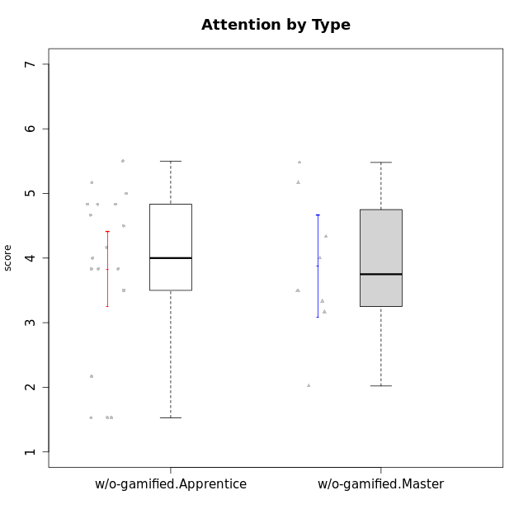

Student's t-Test data
UserID | NroUSP | Type | CLGroup | CLRole | PlayerRole | Interest/Enjoyment | Perceived Choice | Pressure/Tension | Effort/Importance | Intrinsic Motivation | Attention | Relevance | Satisfaction | Level of Motivation
10170 | 10260351 | w/o-gamified | Grupo11 | Apprentice |  | 4.1666666667 | 5.8 | 2.5 | 4.6666666667 | 5.0333333333 | 4.6666666667 | 5.25 | 4.3333333333 | 4.7692307692
10172 | 10273971 | w/o-gamified | Grupo5 | Apprentice |  | 5.1666666667 | 2.8 | 4.25 | 3.3333333333 | 3.7625 | 5 | 3 | 5 | 4.3846153846
10174 | 10276852 | w/o-gamified | Grupo7 | Master |  | 4.5 | 4.2 | 3.9739 | 4.3333333333 | 4.1958333333 | 5.1666666667 | 3.5 | 5 | 4.6153846154
10179 | 10310759 | w/o-gamified | Grupo10 | Master |  | 3.6666666667 | 2.6 | 1.25 | 6.3101333333 | 4.8375 | 3.5 | 5.25 | 4 | 4.1538461538
10181 | 10276866 | w/o-gamified | Grupo2 | Apprentice |  | 2.1666666667 | 4.2 | 3.5 | 3 | 3.4666666667 | 4.1666666667 | 4.5 | 1.6666666667 | 3.6923076923
10183 | 10352030 | w/o-gamified | Grupo3 | Apprentice |  | 2.8333333333 | 4.4 | 4.75 | 3.6666666667 | 3.5375 | 2.1666666667 | 3 | 2.6666666667 | 2.7852923077
10184 | 10276675 | w/o-gamified | Grupo10 | Apprentice |  | 3.8333333333 | 4 | 3.75 | 3.6666666667 | 3.9375 | 3.8333333333 | 4.75 | 4.6666666667 | 4.3076923077
10185 | 10276960 | w/o-gamified | Grupo9 | Apprentice |  | 4.8333333333 | 3.4 | 4.25 | 4.3333333333 | 4.0791666667 | 3.8333333333 | 3.5 | 4.6666666667 | 3.9230769231
10190 | 10276907 | w/o-gamified | Grupo4 | Apprentice |  | 3.1666666667 | 3 | 4.5 | 4 | 3.4166666667 | 4.8333333333 | 3.25 | 3.6666666667 | 4.0769230769
10191 | 10276981 | w/o-gamified | Grupo1 | Master |  | 2.3333333333 | 3.2 | 1 | 4.6666666667 | 4.3 | 3.3333333333 | 4.25 | 4.3333333333 | 3.8461538462
10197 | 10276661 | w/o-gamified | Grupo8 | Apprentice |  | 3.5 | 5 | 3.5 | 4.6666666667 | 4.4166666667 | 5.1666666667 | 5 | 3.3333333333 | 4.6923076923
10199 | 10276737 | w/o-gamified | Grupo1 | Apprentice |  | 3 | 3.8 | 3.25 | 4 | 3.8875 | 3.5 | 4.5 | 4.6666666667 | 4.0769230769
10201 | 10276928 | w/o-gamified | Grupo11 | Apprentice |  | 5.1666666667 | 4.2 | 3 | 5 | 4.8416666667 | 4.8333333333 | 3.5 | 5.6666666667 | 4.6153846154
10204 | 10310471 | w/o-gamified | Grupo6 | Apprentice |  | 1.8565333333 | 1.42784 | 5.5 | 5 | 2.7143933333 | 1.529 | 4.25 | 2.3333333333 | 2.7852923077
10206 | 10310721 | w/o-gamified | Grupo8 | Apprentice |  | 3.6666666667 | 5.6 | 3 | 5.6666666667 | 4.9833333333 | 4.5 | 4.75 | 5.3333333333 | 4.7692307692
10210 | 10277015 | w/o-gamified | Grupo6 | Apprentice |  | 1.8565333333 | 1.42784 | 5.5 | 6.3101333333 | 2.975 | 1.529 | 2.5 | 1.3681333333 | 2.7852923077
10213 | 10277040 | w/o-gamified | Grupo7 | Apprentice |  | 3.8333333333 | 1.42784 | 3.75 | 6.3101333333 | 4.1208333333 | 5.5 | 6.7239 | 6 | 5.5224
10217 | 9805341 | w/o-gamified | Grupo9 | Apprentice |  | 4.3333333333 | 4.2 | 1.5261 | 4 | 4.8833333333 | 3.8333333333 | 5 | 4 | 4.2307692308
10218 | 9842913 | w/o-gamified | Grupo10 | Apprentice |  | 4 | 3.6 | 4 | 4 | 3.9 | 4 | 4.5 | 3.3333333333 | 4
10219 | 10276831 | w/o-gamified | Grupo3 | Master |  | 1.8565333333 | 3.2 | 1 | 2.3565333333 | 3.5916666667 | 2.0203 | 3.5 | 1.3681333333 | 3.0133846154
10220 | 9760151 | w/o-gamified | Grupo3 | Apprentice |  | 2.5 | 6.17216 | 1.5261 | 6 | 5.475 | 1.529 | 6.25 | 6 | 4
10226 | 10310342 | w/o-gamified | Grupo4 | Apprentice |  | 1.8565333333 | 1.42784 | 5.5 | 2.3565333333 | 2.7143933333 | 3.5 | 4.25 | 2.6666666667 | 3.5384615385
10227 | 9274382 | w/o-gamified | Grupo5 | Master |  | 4.3333333333 | 4.6 | 3.75 | 4 | 4.2958333333 | 5.4797 | 5 | 6 | 5.2943076923
10231 | 10276911 | w/o-gamified | Grupo9 | Master |  | 4.5 | 5.57216 | 1 | 3.6666666667 | 5.3916666667 | 4 | 4.5 | 5.3333333333 | 4.4615384615
10232 | 10276974 | w/o-gamified | Grupo7 | Apprentice |  | 4.5 | 4.6 | 2.75 | 6.3101333333 | 5.1708333333 | 4.8333333333 | 5.75 | 5.6666666667 | 5.3076923077
10234 | 10310676 | w/o-gamified | Grupo4 | Master |  | 1.8565333333 | 1.8 | 2.25 | 2.3565333333 | 2.8875 | 3.1666666667 | 5.75 | 1.6666666667 | 3.6153846154
10238 | 10276953 | w/o-gamified | Grupo2 | Master |  | 3.8333333333 | 2.8 | 3.9739 | 6 | 3.9083333333 | 4.3333333333 | 4.5 | 3.3333333333 | 4.1538461538

