Assumptions
ANOVA assumptions for Effort/Importance by Type

Shapiro-Wilk normality test for Effort/Importance by Type
W | p.value
0.96160364003 | 0.097636280679

Plots for normality test
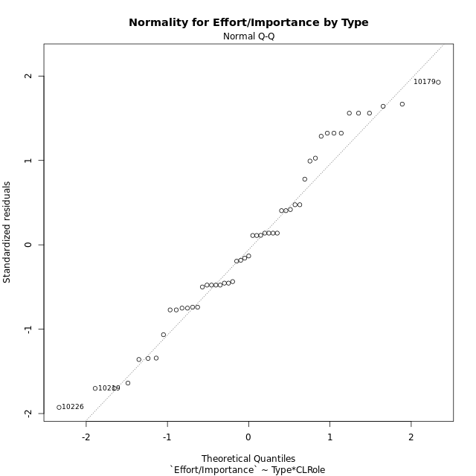

Levene's Test for Homogeneity of Variance in Effort/Importance by Type
Df | F value | Pr(>F)
3 | 0.39601492528 | 0.75645431557
47

Plots for homogeneity of variance
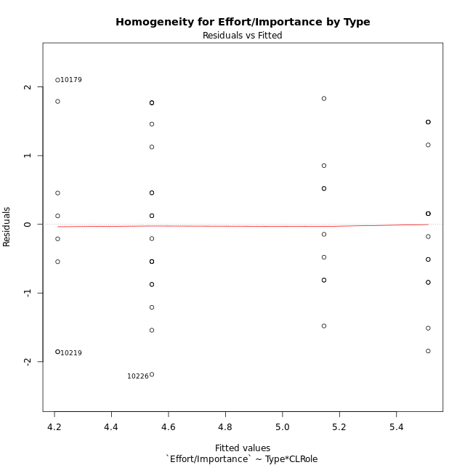

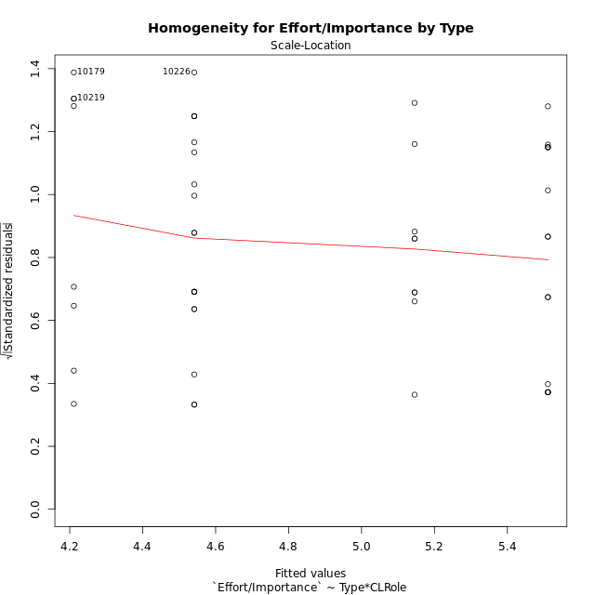

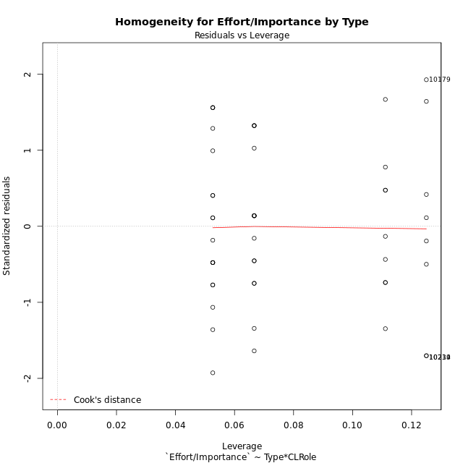

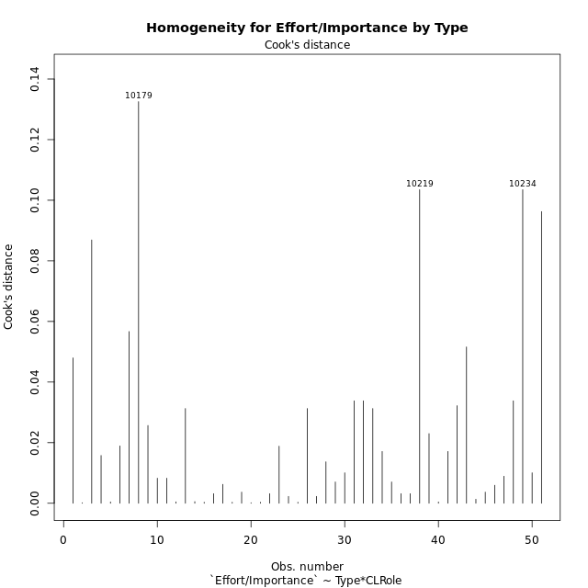

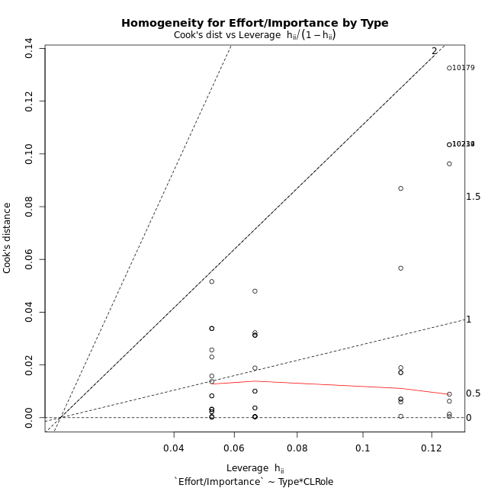

Minimum Sample Size Test for Effort/Importance by Type
Type | CLRole | Freq
ont-gamified | Apprentice | 15
w/o-gamified | Apprentice | 19
ont-gamified | Master | 9
w/o-gamified | Master | 8

Errors and Warnings in Sample Size Test for ANOVA in Effort/Importance by Type
code | description
WARN: sample.size | current size is 9 and recommended size is 15 for the group: 'ont-gamified:Master'.
WARN: sample.size | current size is 8 and recommended size is 15 for the group: 'w/o-gamified:Master'.

For the group: 'ont-gamified:Apprentice', you can perform a parametric test without having a normal distribution For the group: 'w/o-gamified:Apprentice', you can perform a parametric test without having a normal distribution For the group: 'ont-gamified:Master', we recommend the use of non-parametric test. For the group: 'w/o-gamified:Master', we recommend the use of non-parametric test.

If you don't want to remove non-normal data, you must cite the following references: ... (1) Lix, L.M., J.C. Keselman, and H.J. Keselman. 1996. Consequences of assumption violations revisited: A quantitative review of alternatives to the one-way analysis of variance F test. Rev. Educ. Res. 66: 579-619. ... (2) Harwell, M.R., E.N. Rubinstein, W.S. Hayes, and C.C. Olds. 1992. Summarizing Monte Carlo results in methodological research: the one- and two-factor fixed effects ANOVA cases. J. Educ. Stat. 17: 315-339.

Post-hoc
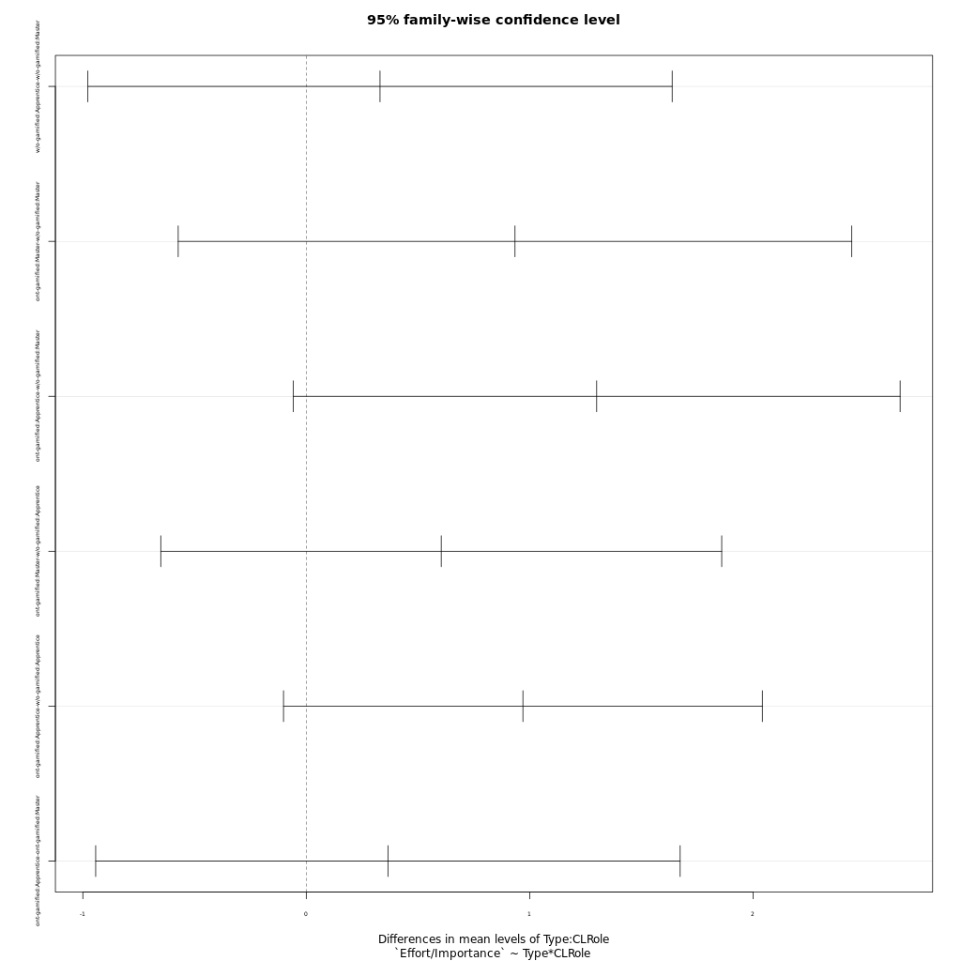
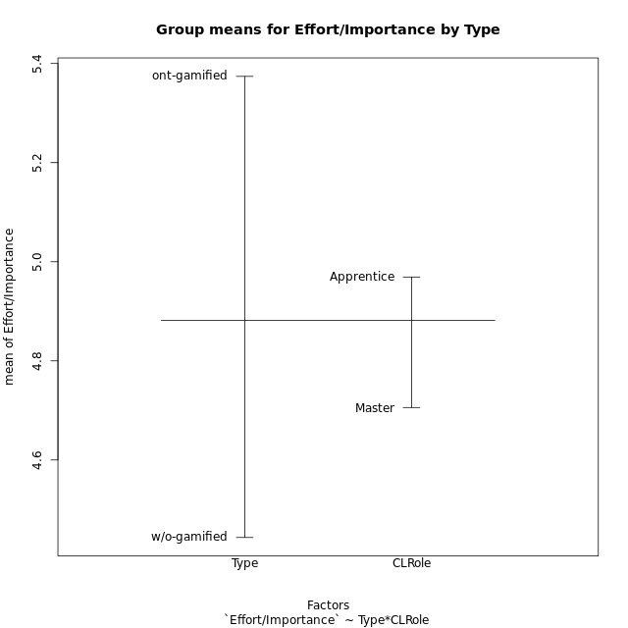
Post-hoc Tukey Honestly Significant Difference (HSD) Test for Effort/Importance by Type

Comparisons of means for Type
 | diff | lwr | upr | p adj
ont-gamified-w/o-gamified | 0.93044814815 | 0.27306865812 | 1.5878276382 | 0.0065167642252

Comparisons of means for CLRole
 | diff | lwr | upr | p adj
Apprentice-Master | 0.34543954248 | -0.35060932931 | 1.0414884143 | 0.32319841901

Comparisons of means for Type:CLRole
 | diff | lwr | upr | p adj
w/o-gamified:Apprentice-w/o-gamified:Master | 0.33018421053 | -0.97731470369 | 1.6376831247 | 0.90692127292
ont-gamified:Master-w/o-gamified:Master | 0.93433703704 | -0.57310097109 | 2.4417750452 | 0.36087701826
ont-gamified:Apprentice-w/o-gamified:Master | 1.2998777778 | -0.058293505869 | 2.6580490614 | 0.065257429327
ont-gamified:Master-w/o-gamified:Apprentice | 0.60415282651 | -0.65118960704 | 1.8594952601 | 0.57889058989
ont-gamified:Apprentice-w/o-gamified:Apprentice | 0.96969356725 | -0.10182148764 | 2.0412086221 | 0.088970220166
ont-gamified:Apprentice-ont-gamified:Master | 0.36554074074 | -0.94249612821 | 1.6735776097 | 0.87861659064

Contrast Matrices for Effort/Importance by Type - Type
contrast | estimate | SE | df | t.ratio | p.value
ont-gamified - w/o-gamified | 0.95201530214 | 0.34720105474 | 47 | 2.7419712272 | 0.008612410367

Contrast Matrices for Effort/Importance by Type - Type:CLRole
contrast | CLRole | estimate | SE | df | t.ratio | p.value
ont-gamified - w/o-gamified | Apprentice | 0.96969356725 | 0.40231259723 | 47 | 2.4102987923 | 0.019905228396
ont-gamified - w/o-gamified | Master | 0.93433703704 | 0.56598486176 | 47 | 1.650816303 | 0.1054436063

Least Squares Means and Confidence Intervals for Type
Type | lsmean | SE | df | lower.CL | upper.CL | Pairs
ont-gamified | 5.3283407407 | 0.24555871036 | 47 | 4.8343403346 | 5.8223411469 | ont-gamified
w/o-gamified | 4.3763254386 | 0.24545771973 | 47 | 3.8825281994 | 4.8701226778 | w/o-gamified

Least Squares Means and Confidence Intervals for Type:CLRole
Type | CLRole | lsmean | SE | df | lower.CL | upper.CL | Pairs
ont-gamified | Apprentice | 5.5111111111 | 0.30074677114 | 47 | 4.9060866472 | 6.116135575 | ont-gamified.Apprentice
w/o-gamified | Apprentice | 4.5414175439 | 0.26722051856 | 47 | 4.0038392006 | 5.0789958872 | w/o-gamified.Apprentice
ont-gamified | Master | 5.1455703704 | 0.38826241202 | 47 | 4.3644871462 | 5.9266535946 | ont-gamified.Master
w/o-gamified | Master | 4.2112333333 | 0.41181447663 | 47 | 3.3827694666 | 5.0396972001 | w/o-gamified.Master

Plots

Type_1
Student's t-Test for Effort/Importance by Type in Type between ont-gamified:w/o-gamified

Student's t-Test results
Alternative hypothesis: less
Group | N | Mean | Mean.Difference | Std.deviation | Std.error | CI.lower | CI.upper | df | t.value | p.value | g | magnitude
ont-gamified | 24 | 5.3740333333 | 0.93044814815 | 1.0401389779 | 0.21231747978 | 4.9493983738 | 5.7986682929 | 48.832610209 | 2.9074755749 | 0.99726662543 | 0.79462243375 | medium
w/o-gamified | 27 | 4.4435851852 | -0.93044814815 | 1.2441894518 | 0.23944437164 | 3.9646964419 | 4.9224739285 | 48.832610209 | 2.9074755749 | 0.99726662543 | 0.79462243375 | medium
Alternative hypothesis: greater
Group | N | Mean | Mean.Difference | Std.deviation | Std.error | CI.lower | CI.upper | df | t.value | p.value | g | magnitude
ont-gamified | 24 | 5.3740333333 | 0.93044814815 | 1.0401389779 | 0.21231747978 | 4.9493983738 | 5.7986682929 | 48.832610209 | 2.9074755749 | 0.0027333745676 | 0.79462243375 | medium
w/o-gamified | 27 | 4.4435851852 | -0.93044814815 | 1.2441894518 | 0.23944437164 | 3.9646964419 | 4.9224739285 | 48.832610209 | 2.9074755749 | 0.0027333745676 | 0.79462243375 | medium
Alternative hypothesis: two.sided
Group | N | Mean | Mean.Difference | Std.deviation | Std.error | CI.lower | CI.upper | df | t.value | p.value | g | magnitude
ont-gamified | 24 | 5.3740333333 | 0.93044814815 | 1.0401389779 | 0.21231747978 | 4.9493983738 | 5.7986682929 | 48.832610209 | 2.9074755749 | 0.0054667491351 | 0.79462243375 | medium
w/o-gamified | 27 | 4.4435851852 | -0.93044814815 | 1.2441894518 | 0.23944437164 | 3.9646964419 | 4.9224739285 | 48.832610209 | 2.9074755749 | 0.0054667491351 | 0.79462243375 | medium

Box plots for Student's t-Test
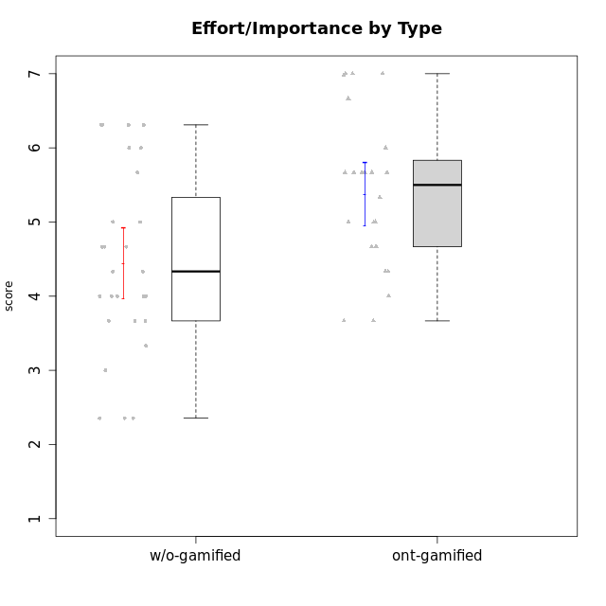

Student's t-Test data
UserID | NroUSP | Type | CLGroup | CLRole | PlayerRole | Interest/Enjoyment | Perceived Choice | Pressure/Tension | Effort/Importance | Intrinsic Motivation | Attention | Relevance | Satisfaction | Level of Motivation
10169 | 10377538 | ont-gamified | Resistance | Apprentice | Social Achiever | 5.7297 | 5.2 | 5.5 | 3.6666666667 | 4.5916666667 | 6.5514333333 | 5.5 | 7 | 5.8645384615
10170 | 10260351 | w/o-gamified | Grupo11 | Apprentice |  | 4.1666666667 | 5.8 | 2.5 | 4.6666666667 | 5.0333333333 | 4.6666666667 | 5.25 | 4.3333333333 | 4.7692307692
10171 | 698531 | ont-gamified | Mafia | Master | Social Achiever | 5.4826 | 6.2 | 1.75 | 6.9768 | 5.6972216667 | 5 | 6.25 | 5.3333333333 | 5.4615384615
10172 | 10273971 | w/o-gamified | Grupo5 | Apprentice |  | 5.1666666667 | 2.8 | 4.25 | 3.3333333333 | 3.7625 | 5 | 3 | 5 | 4.3846153846
10174 | 10276852 | w/o-gamified | Grupo7 | Master |  | 4.5 | 4.2 | 3.9739 | 4.3333333333 | 4.1958333333 | 5.1666666667 | 3.5 | 5 | 4.6153846154
10175 | 10310700 | ont-gamified | Warriors | Master | Social Achiever | 4 | 6.6 | 1 | 6 | 5.6972216667 | 5.1666666667 | 6.25 | 5.6666666667 | 5.6153846154
10176 | 10276949 | ont-gamified | Outlaws | Master | Social Achiever | 3.8333333333 | 3.4 | 4.5 | 3.6666666667 | 3.6 | 4.3333333333 | 4.5174 | 4 | 4.1538461538
10179 | 10310759 | w/o-gamified | Grupo10 | Master |  | 3.6666666667 | 2.6 | 1.25 | 6.3101333333 | 4.8375 | 3.5 | 5.25 | 4 | 4.1538461538
10181 | 10276866 | w/o-gamified | Grupo2 | Apprentice |  | 2.1666666667 | 4.2 | 3.5 | 3 | 3.4666666667 | 4.1666666667 | 4.5 | 1.6666666667 | 3.6923076923
10183 | 10352030 | w/o-gamified | Grupo3 | Apprentice |  | 2.8333333333 | 4.4 | 4.75 | 3.6666666667 | 3.5375 | 2.1666666667 | 3 | 2.6666666667 | 2.7852923077
10184 | 10276675 | w/o-gamified | Grupo10 | Apprentice |  | 3.8333333333 | 4 | 3.75 | 3.6666666667 | 3.9375 | 3.8333333333 | 4.75 | 4.6666666667 | 4.3076923077
10185 | 10276960 | w/o-gamified | Grupo9 | Apprentice |  | 4.8333333333 | 3.4 | 4.25 | 4.3333333333 | 4.0791666667 | 3.8333333333 | 3.5 | 4.6666666667 | 3.9230769231
10186 | 10310551 | ont-gamified | Slayers | Apprentice | Social Achiever | 3.8333333333 | 4.6 | 5 | 7 | 4.6083333333 | 3.5 | 5.5 | 6.3333333333 | 4.7692307692
10188 | 10276995 | ont-gamified | Vandals | Master | Yee Achiever | 3 | 6.2 | 1 | 5 | 5.3 | 3.3333333333 | 6.5 | 3 | 4.2307692308
10189 | 9363926 | ont-gamified | Vikings | Apprentice | Social Achiever | 2.2703 | 3.4 | 2 | 5.6666666667 | 4.2666666667 | 1.3333333333 | 3.75 | 2.6666666667 | 2.4431538462
10190 | 10276907 | w/o-gamified | Grupo4 | Apprentice |  | 3.1666666667 | 3 | 4.5 | 4 | 3.4166666667 | 4.8333333333 | 3.25 | 3.6666666667 | 4.0769230769
10191 | 10276981 | w/o-gamified | Grupo1 | Master |  | 2.3333333333 | 3.2 | 1 | 4.6666666667 | 4.3 | 3.3333333333 | 4.25 | 4.3333333333 | 3.8461538462
10192 | 10276682 | ont-gamified | Attractive Devils | Apprentice | Social Achiever | 4 | 4.8 | 4.25 | 5.6666666667 | 4.5541666667 | 5.1666666667 | 4.5 | 6.6666666667 | 5.3076923077
10193 | 10276762 | ont-gamified | Vandals | Apprentice | Yee Achiever | 2.2703 | 7 | 2.75 | 5 | 4.6458333333 | 1.1666666667 | 6.7239 | 1.3681333333 | 2.9230769231
10197 | 10276661 | w/o-gamified | Grupo8 | Apprentice |  | 3.5 | 5 | 3.5 | 4.6666666667 | 4.4166666667 | 5.1666666667 | 5 | 3.3333333333 | 4.6923076923
10198 | 10310888 | ont-gamified | Attractive Devils | Apprentice | Social Achiever | 4 | 3.6 | 4.25 | 5.6666666667 | 4.2541666667 | 5.8333333333 | 5.25 | 6.6666666667 | 5.8461538462
10199 | 10276737 | w/o-gamified | Grupo1 | Apprentice |  | 3 | 3.8 | 3.25 | 4 | 3.8875 | 3.5 | 4.5 | 4.6666666667 | 4.0769230769
10200 | 9795272 | ont-gamified | Warriors | Apprentice | Social Achiever | 4.5 | 4.8 | 4.75 | 6.6666666667 | 4.8041666667 | 5 | 5.25 | 6 | 5.3076923077
10201 | 10276928 | w/o-gamified | Grupo11 | Apprentice |  | 5.1666666667 | 4.2 | 3 | 5 | 4.8416666667 | 4.8333333333 | 3.5 | 5.6666666667 | 4.6153846154
10202 | 10277036 | ont-gamified | Silly Knights | Apprentice | Social Achiever | 3 | 5.2 | 3.5 | 5.6666666667 | 4.5916666667 | 3.1666666667 | 4.5 | 5 | 4
10203 | 9921470 | ont-gamified | Mercenaries | Apprentice | Social Achiever | 4.1666666667 | 6.4 | 3.25 | 7 | 5.1978933333 | 4.5 | 4 | 6.3333333333 | 4.7692307692
10204 | 10310471 | w/o-gamified | Grupo6 | Apprentice |  | 1.8565333333 | 1.42784 | 5.5 | 5 | 2.7143933333 | 1.529 | 4.25 | 2.3333333333 | 2.7852923077
10206 | 10310721 | w/o-gamified | Grupo8 | Apprentice |  | 3.6666666667 | 5.6 | 3 | 5.6666666667 | 4.9833333333 | 4.5 | 4.75 | 5.3333333333 | 4.7692307692
10208 | 10276932 | ont-gamified | Mercenaries | Master | Social Achiever | 3.8333333333 | 4.8 | 2.25 | 5.6666666667 | 5.0125 | 2.5 | 4.5174 | 4.3333333333 | 3.2307692308
10209 | 10262669 | ont-gamified | Mafia | Apprentice | Social Achiever | 2.3333333333 | 1.6348 | 1.7761 | 4.6666666667 | 3.7875 | 2.3333333333 | 4.25 | 2.3333333333 | 2.9230769231
10210 | 10277015 | w/o-gamified | Grupo6 | Apprentice |  | 1.8565333333 | 1.42784 | 5.5 | 6.3101333333 | 2.975 | 1.529 | 2.5 | 1.3681333333 | 2.7852923077
10213 | 10277040 | w/o-gamified | Grupo7 | Apprentice |  | 3.8333333333 | 1.42784 | 3.75 | 6.3101333333 | 4.1208333333 | 5.5 | 6.7239 | 6 | 5.5224
10214 | 10277022 | ont-gamified | Vikings | Apprentice | Social Achiever | 2.2703 | 2.6 | 4 | 7 | 3.6916666667 | 2.1666666667 | 3.25 | 3.6666666667 | 2.8461538462
10215 | 9285227 | ont-gamified | Vikings | Master | Social Achiever | 4 | 5.4 | 2.5 | 4.3333333333 | 4.8083333333 | 3 | 6.25 | 2.3333333333 | 3.8461538462
10216 | 10276720 | ont-gamified | Silly Knights | Master | Social Achiever | 4.6666666667 | 5.8 | 1 | 5.6666666667 | 5.6972216667 | 3.8333333333 | 6 | 5.3333333333 | 4.8461538462
10217 | 9805341 | w/o-gamified | Grupo9 | Apprentice |  | 4.3333333333 | 4.2 | 1.5261 | 4 | 4.8833333333 | 3.8333333333 | 5 | 4 | 4.2307692308
10218 | 9842913 | w/o-gamified | Grupo10 | Apprentice |  | 4 | 3.6 | 4 | 4 | 3.9 | 4 | 4.5 | 3.3333333333 | 4
10219 | 10276831 | w/o-gamified | Grupo3 | Master |  | 1.8565333333 | 3.2 | 1 | 2.3565333333 | 3.5916666667 | 2.0203 | 3.5 | 1.3681333333 | 3.0133846154
10220 | 9760151 | w/o-gamified | Grupo3 | Apprentice |  | 2.5 | 6.17216 | 1.5261 | 6 | 5.475 | 1.529 | 6.25 | 6 | 4
10221 | 9082496 | ont-gamified | Warriors | Apprentice | Social Achiever | 2.6666666667 | 3 | 3.25 | 5.3333333333 | 3.9375 | 2.8333333333 | 2.5261 | 4 | 3
10223 | 9795185 | ont-gamified | Slayers | Master | Social Achiever | 5 | 4.2 | 3.5 | 4.3333333333 | 4.5083333333 | 3.8333333333 | 5 | 4.3333333333 | 4.3076923077
10224 | 9368772 | ont-gamified | Mercenaries | Apprentice | Social Achiever | 4 | 3.6 | 4.75 | 4 | 3.7125 | 4.3333333333 | 4.5 | 5 | 4.5384615385
10226 | 10310342 | w/o-gamified | Grupo4 | Apprentice |  | 1.8565333333 | 1.42784 | 5.5 | 2.3565333333 | 2.7143933333 | 3.5 | 4.25 | 2.6666666667 | 3.5384615385
10227 | 9274382 | w/o-gamified | Grupo5 | Master |  | 4.3333333333 | 4.6 | 3.75 | 4 | 4.2958333333 | 5.4797 | 5 | 6 | 5.2943076923
10228 | 10310492 | ont-gamified | Resistance | Apprentice | Social Achiever | 2.2703 | 6.4 | 3.5 | 5 | 4.3083333333 | 2.1666666667 | 4.75 | 4 | 3.3846153846
10230 | 10351992 | ont-gamified | Resistance | Master | Social Achiever | 4.5 | 4 | 4 | 4.6666666667 | 4.2916666667 | 4.6666666667 | 4.75 | 4 | 4.5384615385
10231 | 10276911 | w/o-gamified | Grupo9 | Master |  | 4.5 | 5.57216 | 1 | 3.6666666667 | 5.3916666667 | 4 | 4.5 | 5.3333333333 | 4.4615384615
10232 | 10276974 | w/o-gamified | Grupo7 | Apprentice |  | 4.5 | 4.6 | 2.75 | 6.3101333333 | 5.1708333333 | 4.8333333333 | 5.75 | 5.6666666667 | 5.3076923077
10234 | 10310676 | w/o-gamified | Grupo4 | Master |  | 1.8565333333 | 1.8 | 2.25 | 2.3565333333 | 2.8875 | 3.1666666667 | 5.75 | 1.6666666667 | 3.6153846154
10237 | 10377688 | ont-gamified | Outlaws | Apprentice | Social Achiever | 4 | 4.2 | 4.75 | 4.6666666667 | 4.0291666667 | 3.6666666667 | 4.5 | 4.3333333333 | 4.0769230769
10238 | 10276953 | w/o-gamified | Grupo2 | Master |  | 3.8333333333 | 2.8 | 3.9739 | 6 | 3.9083333333 | 4.3333333333 | 4.5 | 3.3333333333 | 4.1538461538

Type_CLRole_1
Student's t-Test for Effort/Importance by Type in Type:CLRole between ont-gamified.Apprentice:ont-gamified.Master

Student's t-Test results
Alternative hypothesis: less
Group | N | Mean | Mean.Difference | Std.deviation | Std.error | CI.lower | CI.upper | df | t.value | p.value | g | magnitude
ont-gamified.Apprentice | 15 | 5.5111111111 | 0.36554074074 | 1.0605978149 | 0.27384517826 | 4.9634207546 | 6.0588014676 | 17.479757745 | 0.835467031 | 0.79263540435 | 0.33698609008 | small
ont-gamified.Master | 9 | 5.1455703704 | -0.36554074074 | 1.023699682 | 0.34123322735 | 4.4631039157 | 5.8280368251 | 17.479757745 | 0.835467031 | 0.79263540435 | 0.33698609008 | small
Alternative hypothesis: greater
Group | N | Mean | Mean.Difference | Std.deviation | Std.error | CI.lower | CI.upper | df | t.value | p.value | g | magnitude
ont-gamified.Apprentice | 15 | 5.5111111111 | 0.36554074074 | 1.0605978149 | 0.27384517826 | 4.9634207546 | 6.0588014676 | 17.479757745 | 0.835467031 | 0.20736459565 | 0.33698609008 | small
ont-gamified.Master | 9 | 5.1455703704 | -0.36554074074 | 1.023699682 | 0.34123322735 | 4.4631039157 | 5.8280368251 | 17.479757745 | 0.835467031 | 0.20736459565 | 0.33698609008 | small
Alternative hypothesis: two.sided
Group | N | Mean | Mean.Difference | Std.deviation | Std.error | CI.lower | CI.upper | df | t.value | p.value | g | magnitude
ont-gamified.Apprentice | 15 | 5.5111111111 | 0.36554074074 | 1.0605978149 | 0.27384517826 | 4.9634207546 | 6.0588014676 | 17.479757745 | 0.835467031 | 0.4147291913 | 0.33698609008 | small
ont-gamified.Master | 9 | 5.1455703704 | -0.36554074074 | 1.023699682 | 0.34123322735 | 4.4631039157 | 5.8280368251 | 17.479757745 | 0.835467031 | 0.4147291913 | 0.33698609008 | small

Box plots for Student's t-Test
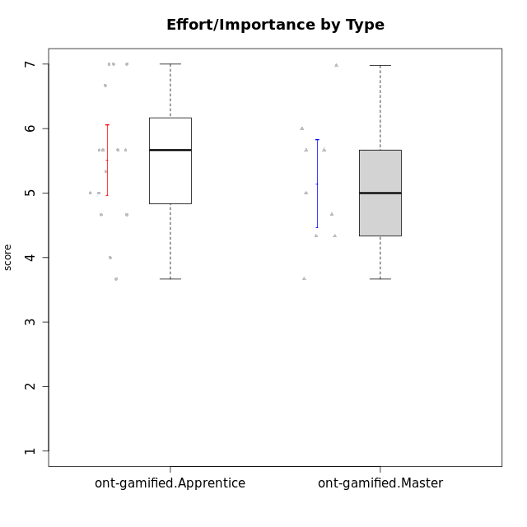

Student's t-Test data
UserID | NroUSP | Type | CLGroup | CLRole | PlayerRole | Interest/Enjoyment | Perceived Choice | Pressure/Tension | Effort/Importance | Intrinsic Motivation | Attention | Relevance | Satisfaction | Level of Motivation
10169 | 10377538 | ont-gamified | Resistance | Apprentice | Social Achiever | 5.7297 | 5.2 | 5.5 | 3.6666666667 | 4.5916666667 | 6.5514333333 | 5.5 | 7 | 5.8645384615
10171 | 698531 | ont-gamified | Mafia | Master | Social Achiever | 5.4826 | 6.2 | 1.75 | 6.9768 | 5.6972216667 | 5 | 6.25 | 5.3333333333 | 5.4615384615
10175 | 10310700 | ont-gamified | Warriors | Master | Social Achiever | 4 | 6.6 | 1 | 6 | 5.6972216667 | 5.1666666667 | 6.25 | 5.6666666667 | 5.6153846154
10176 | 10276949 | ont-gamified | Outlaws | Master | Social Achiever | 3.8333333333 | 3.4 | 4.5 | 3.6666666667 | 3.6 | 4.3333333333 | 4.5174 | 4 | 4.1538461538
10186 | 10310551 | ont-gamified | Slayers | Apprentice | Social Achiever | 3.8333333333 | 4.6 | 5 | 7 | 4.6083333333 | 3.5 | 5.5 | 6.3333333333 | 4.7692307692
10188 | 10276995 | ont-gamified | Vandals | Master | Yee Achiever | 3 | 6.2 | 1 | 5 | 5.3 | 3.3333333333 | 6.5 | 3 | 4.2307692308
10189 | 9363926 | ont-gamified | Vikings | Apprentice | Social Achiever | 2.2703 | 3.4 | 2 | 5.6666666667 | 4.2666666667 | 1.3333333333 | 3.75 | 2.6666666667 | 2.4431538462
10192 | 10276682 | ont-gamified | Attractive Devils | Apprentice | Social Achiever | 4 | 4.8 | 4.25 | 5.6666666667 | 4.5541666667 | 5.1666666667 | 4.5 | 6.6666666667 | 5.3076923077
10193 | 10276762 | ont-gamified | Vandals | Apprentice | Yee Achiever | 2.2703 | 7 | 2.75 | 5 | 4.6458333333 | 1.1666666667 | 6.7239 | 1.3681333333 | 2.9230769231
10198 | 10310888 | ont-gamified | Attractive Devils | Apprentice | Social Achiever | 4 | 3.6 | 4.25 | 5.6666666667 | 4.2541666667 | 5.8333333333 | 5.25 | 6.6666666667 | 5.8461538462
10200 | 9795272 | ont-gamified | Warriors | Apprentice | Social Achiever | 4.5 | 4.8 | 4.75 | 6.6666666667 | 4.8041666667 | 5 | 5.25 | 6 | 5.3076923077
10202 | 10277036 | ont-gamified | Silly Knights | Apprentice | Social Achiever | 3 | 5.2 | 3.5 | 5.6666666667 | 4.5916666667 | 3.1666666667 | 4.5 | 5 | 4
10203 | 9921470 | ont-gamified | Mercenaries | Apprentice | Social Achiever | 4.1666666667 | 6.4 | 3.25 | 7 | 5.1978933333 | 4.5 | 4 | 6.3333333333 | 4.7692307692
10208 | 10276932 | ont-gamified | Mercenaries | Master | Social Achiever | 3.8333333333 | 4.8 | 2.25 | 5.6666666667 | 5.0125 | 2.5 | 4.5174 | 4.3333333333 | 3.2307692308
10209 | 10262669 | ont-gamified | Mafia | Apprentice | Social Achiever | 2.3333333333 | 1.6348 | 1.7761 | 4.6666666667 | 3.7875 | 2.3333333333 | 4.25 | 2.3333333333 | 2.9230769231
10214 | 10277022 | ont-gamified | Vikings | Apprentice | Social Achiever | 2.2703 | 2.6 | 4 | 7 | 3.6916666667 | 2.1666666667 | 3.25 | 3.6666666667 | 2.8461538462
10215 | 9285227 | ont-gamified | Vikings | Master | Social Achiever | 4 | 5.4 | 2.5 | 4.3333333333 | 4.8083333333 | 3 | 6.25 | 2.3333333333 | 3.8461538462
10216 | 10276720 | ont-gamified | Silly Knights | Master | Social Achiever | 4.6666666667 | 5.8 | 1 | 5.6666666667 | 5.6972216667 | 3.8333333333 | 6 | 5.3333333333 | 4.8461538462
10221 | 9082496 | ont-gamified | Warriors | Apprentice | Social Achiever | 2.6666666667 | 3 | 3.25 | 5.3333333333 | 3.9375 | 2.8333333333 | 2.5261 | 4 | 3
10223 | 9795185 | ont-gamified | Slayers | Master | Social Achiever | 5 | 4.2 | 3.5 | 4.3333333333 | 4.5083333333 | 3.8333333333 | 5 | 4.3333333333 | 4.3076923077
10224 | 9368772 | ont-gamified | Mercenaries | Apprentice | Social Achiever | 4 | 3.6 | 4.75 | 4 | 3.7125 | 4.3333333333 | 4.5 | 5 | 4.5384615385
10228 | 10310492 | ont-gamified | Resistance | Apprentice | Social Achiever | 2.2703 | 6.4 | 3.5 | 5 | 4.3083333333 | 2.1666666667 | 4.75 | 4 | 3.3846153846
10230 | 10351992 | ont-gamified | Resistance | Master | Social Achiever | 4.5 | 4 | 4 | 4.6666666667 | 4.2916666667 | 4.6666666667 | 4.75 | 4 | 4.5384615385
10237 | 10377688 | ont-gamified | Outlaws | Apprentice | Social Achiever | 4 | 4.2 | 4.75 | 4.6666666667 | 4.0291666667 | 3.6666666667 | 4.5 | 4.3333333333 | 4.0769230769

Type_CLRole_2
Student's t-Test for Effort/Importance by Type in Type:CLRole between ont-gamified.Apprentice:w/o-gamified.Apprentice

Student's t-Test results
Alternative hypothesis: less
Group | N | Mean | Mean.Difference | Std.deviation | Std.error | CI.lower | CI.upper | df | t.value | p.value | g | magnitude
ont-gamified.Apprentice | 15 | 5.5111111111 | 0.96969356725 | 1.0605978149 | 0.27384517826 | 4.9634207546 | 6.0588014676 | 31.320653779 | 2.5301884363 | 0.99168114624 | 0.84331681445 | large
w/o-gamified.Apprentice | 19 | 4.5414175439 | -0.96969356725 | 1.1687136567 | 0.26812130123 | 4.0051749414 | 5.0776601463 | 31.320653779 | 2.5301884363 | 0.99168114624 | 0.84331681445 | large
Alternative hypothesis: greater
Group | N | Mean | Mean.Difference | Std.deviation | Std.error | CI.lower | CI.upper | df | t.value | p.value | g | magnitude
ont-gamified.Apprentice | 15 | 5.5111111111 | 0.96969356725 | 1.0605978149 | 0.27384517826 | 4.9634207546 | 6.0588014676 | 31.320653779 | 2.5301884363 | 0.0083188537618 | 0.84331681445 | large
w/o-gamified.Apprentice | 19 | 4.5414175439 | -0.96969356725 | 1.1687136567 | 0.26812130123 | 4.0051749414 | 5.0776601463 | 31.320653779 | 2.5301884363 | 0.0083188537618 | 0.84331681445 | large
Alternative hypothesis: two.sided
Group | N | Mean | Mean.Difference | Std.deviation | Std.error | CI.lower | CI.upper | df | t.value | p.value | g | magnitude
ont-gamified.Apprentice | 15 | 5.5111111111 | 0.96969356725 | 1.0605978149 | 0.27384517826 | 4.9634207546 | 6.0588014676 | 31.320653779 | 2.5301884363 | 0.016637707524 | 0.84331681445 | large
w/o-gamified.Apprentice | 19 | 4.5414175439 | -0.96969356725 | 1.1687136567 | 0.26812130123 | 4.0051749414 | 5.0776601463 | 31.320653779 | 2.5301884363 | 0.016637707524 | 0.84331681445 | large

Box plots for Student's t-Test
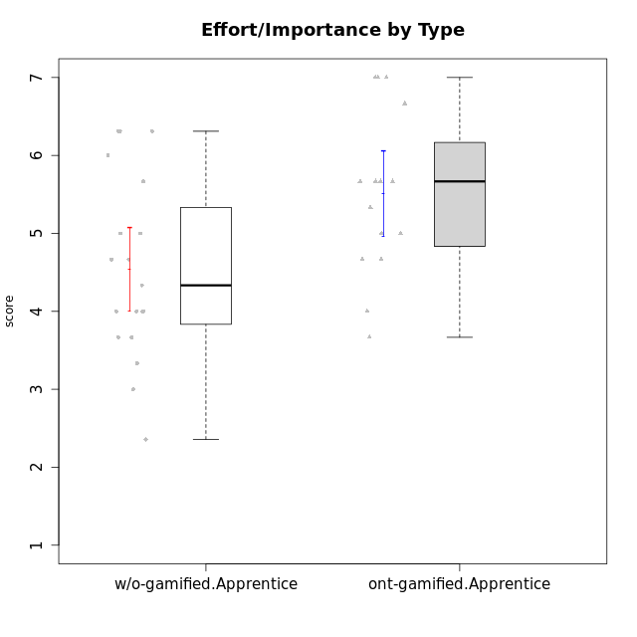

Student's t-Test data
UserID | NroUSP | Type | CLGroup | CLRole | PlayerRole | Interest/Enjoyment | Perceived Choice | Pressure/Tension | Effort/Importance | Intrinsic Motivation | Attention | Relevance | Satisfaction | Level of Motivation
10169 | 10377538 | ont-gamified | Resistance | Apprentice | Social Achiever | 5.7297 | 5.2 | 5.5 | 3.6666666667 | 4.5916666667 | 6.5514333333 | 5.5 | 7 | 5.8645384615
10170 | 10260351 | w/o-gamified | Grupo11 | Apprentice |  | 4.1666666667 | 5.8 | 2.5 | 4.6666666667 | 5.0333333333 | 4.6666666667 | 5.25 | 4.3333333333 | 4.7692307692
10172 | 10273971 | w/o-gamified | Grupo5 | Apprentice |  | 5.1666666667 | 2.8 | 4.25 | 3.3333333333 | 3.7625 | 5 | 3 | 5 | 4.3846153846
10181 | 10276866 | w/o-gamified | Grupo2 | Apprentice |  | 2.1666666667 | 4.2 | 3.5 | 3 | 3.4666666667 | 4.1666666667 | 4.5 | 1.6666666667 | 3.6923076923
10183 | 10352030 | w/o-gamified | Grupo3 | Apprentice |  | 2.8333333333 | 4.4 | 4.75 | 3.6666666667 | 3.5375 | 2.1666666667 | 3 | 2.6666666667 | 2.7852923077
10184 | 10276675 | w/o-gamified | Grupo10 | Apprentice |  | 3.8333333333 | 4 | 3.75 | 3.6666666667 | 3.9375 | 3.8333333333 | 4.75 | 4.6666666667 | 4.3076923077
10185 | 10276960 | w/o-gamified | Grupo9 | Apprentice |  | 4.8333333333 | 3.4 | 4.25 | 4.3333333333 | 4.0791666667 | 3.8333333333 | 3.5 | 4.6666666667 | 3.9230769231
10186 | 10310551 | ont-gamified | Slayers | Apprentice | Social Achiever | 3.8333333333 | 4.6 | 5 | 7 | 4.6083333333 | 3.5 | 5.5 | 6.3333333333 | 4.7692307692
10189 | 9363926 | ont-gamified | Vikings | Apprentice | Social Achiever | 2.2703 | 3.4 | 2 | 5.6666666667 | 4.2666666667 | 1.3333333333 | 3.75 | 2.6666666667 | 2.4431538462
10190 | 10276907 | w/o-gamified | Grupo4 | Apprentice |  | 3.1666666667 | 3 | 4.5 | 4 | 3.4166666667 | 4.8333333333 | 3.25 | 3.6666666667 | 4.0769230769
10192 | 10276682 | ont-gamified | Attractive Devils | Apprentice | Social Achiever | 4 | 4.8 | 4.25 | 5.6666666667 | 4.5541666667 | 5.1666666667 | 4.5 | 6.6666666667 | 5.3076923077
10193 | 10276762 | ont-gamified | Vandals | Apprentice | Yee Achiever | 2.2703 | 7 | 2.75 | 5 | 4.6458333333 | 1.1666666667 | 6.7239 | 1.3681333333 | 2.9230769231
10197 | 10276661 | w/o-gamified | Grupo8 | Apprentice |  | 3.5 | 5 | 3.5 | 4.6666666667 | 4.4166666667 | 5.1666666667 | 5 | 3.3333333333 | 4.6923076923
10198 | 10310888 | ont-gamified | Attractive Devils | Apprentice | Social Achiever | 4 | 3.6 | 4.25 | 5.6666666667 | 4.2541666667 | 5.8333333333 | 5.25 | 6.6666666667 | 5.8461538462
10199 | 10276737 | w/o-gamified | Grupo1 | Apprentice |  | 3 | 3.8 | 3.25 | 4 | 3.8875 | 3.5 | 4.5 | 4.6666666667 | 4.0769230769
10200 | 9795272 | ont-gamified | Warriors | Apprentice | Social Achiever | 4.5 | 4.8 | 4.75 | 6.6666666667 | 4.8041666667 | 5 | 5.25 | 6 | 5.3076923077
10201 | 10276928 | w/o-gamified | Grupo11 | Apprentice |  | 5.1666666667 | 4.2 | 3 | 5 | 4.8416666667 | 4.8333333333 | 3.5 | 5.6666666667 | 4.6153846154
10202 | 10277036 | ont-gamified | Silly Knights | Apprentice | Social Achiever | 3 | 5.2 | 3.5 | 5.6666666667 | 4.5916666667 | 3.1666666667 | 4.5 | 5 | 4
10203 | 9921470 | ont-gamified | Mercenaries | Apprentice | Social Achiever | 4.1666666667 | 6.4 | 3.25 | 7 | 5.1978933333 | 4.5 | 4 | 6.3333333333 | 4.7692307692
10204 | 10310471 | w/o-gamified | Grupo6 | Apprentice |  | 1.8565333333 | 1.42784 | 5.5 | 5 | 2.7143933333 | 1.529 | 4.25 | 2.3333333333 | 2.7852923077
10206 | 10310721 | w/o-gamified | Grupo8 | Apprentice |  | 3.6666666667 | 5.6 | 3 | 5.6666666667 | 4.9833333333 | 4.5 | 4.75 | 5.3333333333 | 4.7692307692
10209 | 10262669 | ont-gamified | Mafia | Apprentice | Social Achiever | 2.3333333333 | 1.6348 | 1.7761 | 4.6666666667 | 3.7875 | 2.3333333333 | 4.25 | 2.3333333333 | 2.9230769231
10210 | 10277015 | w/o-gamified | Grupo6 | Apprentice |  | 1.8565333333 | 1.42784 | 5.5 | 6.3101333333 | 2.975 | 1.529 | 2.5 | 1.3681333333 | 2.7852923077
10213 | 10277040 | w/o-gamified | Grupo7 | Apprentice |  | 3.8333333333 | 1.42784 | 3.75 | 6.3101333333 | 4.1208333333 | 5.5 | 6.7239 | 6 | 5.5224
10214 | 10277022 | ont-gamified | Vikings | Apprentice | Social Achiever | 2.2703 | 2.6 | 4 | 7 | 3.6916666667 | 2.1666666667 | 3.25 | 3.6666666667 | 2.8461538462
10217 | 9805341 | w/o-gamified | Grupo9 | Apprentice |  | 4.3333333333 | 4.2 | 1.5261 | 4 | 4.8833333333 | 3.8333333333 | 5 | 4 | 4.2307692308
10218 | 9842913 | w/o-gamified | Grupo10 | Apprentice |  | 4 | 3.6 | 4 | 4 | 3.9 | 4 | 4.5 | 3.3333333333 | 4
10220 | 9760151 | w/o-gamified | Grupo3 | Apprentice |  | 2.5 | 6.17216 | 1.5261 | 6 | 5.475 | 1.529 | 6.25 | 6 | 4
10221 | 9082496 | ont-gamified | Warriors | Apprentice | Social Achiever | 2.6666666667 | 3 | 3.25 | 5.3333333333 | 3.9375 | 2.8333333333 | 2.5261 | 4 | 3
10224 | 9368772 | ont-gamified | Mercenaries | Apprentice | Social Achiever | 4 | 3.6 | 4.75 | 4 | 3.7125 | 4.3333333333 | 4.5 | 5 | 4.5384615385
10226 | 10310342 | w/o-gamified | Grupo4 | Apprentice |  | 1.8565333333 | 1.42784 | 5.5 | 2.3565333333 | 2.7143933333 | 3.5 | 4.25 | 2.6666666667 | 3.5384615385
10228 | 10310492 | ont-gamified | Resistance | Apprentice | Social Achiever | 2.2703 | 6.4 | 3.5 | 5 | 4.3083333333 | 2.1666666667 | 4.75 | 4 | 3.3846153846
10232 | 10276974 | w/o-gamified | Grupo7 | Apprentice |  | 4.5 | 4.6 | 2.75 | 6.3101333333 | 5.1708333333 | 4.8333333333 | 5.75 | 5.6666666667 | 5.3076923077
10237 | 10377688 | ont-gamified | Outlaws | Apprentice | Social Achiever | 4 | 4.2 | 4.75 | 4.6666666667 | 4.0291666667 | 3.6666666667 | 4.5 | 4.3333333333 | 4.0769230769

Type_CLRole_3
Student's t-Test for Effort/Importance by Type in Type:CLRole between ont-gamified.Apprentice:w/o-gamified.Master

Student's t-Test results
Alternative hypothesis: less
Group | N | Mean | Mean.Difference | Std.deviation | Std.error | CI.lower | CI.upper | df | t.value | p.value | g | magnitude
ont-gamified.Apprentice | 15 | 5.5111111111 | 1.2998777778 | 1.0605978149 | 0.27384517826 | 4.9634207546 | 6.0588014676 | 11.022862002 | 2.2172000405 | 0.97572267919 | 1.0346014863 | large
w/o-gamified.Master | 8 | 4.2112333333 | -1.2998777778 | 1.4662094902 | 0.51838333659 | 3.1744666602 | 5.2480000065 | 11.022862002 | 2.2172000405 | 0.97572267919 | 1.0346014863 | large
Alternative hypothesis: greater
Group | N | Mean | Mean.Difference | Std.deviation | Std.error | CI.lower | CI.upper | df | t.value | p.value | g | magnitude
ont-gamified.Apprentice | 15 | 5.5111111111 | 1.2998777778 | 1.0605978149 | 0.27384517826 | 4.9634207546 | 6.0588014676 | 11.022862002 | 2.2172000405 | 0.024277320806 | 1.0346014863 | large
w/o-gamified.Master | 8 | 4.2112333333 | -1.2998777778 | 1.4662094902 | 0.51838333659 | 3.1744666602 | 5.2480000065 | 11.022862002 | 2.2172000405 | 0.024277320806 | 1.0346014863 | large
Alternative hypothesis: two.sided
Group | N | Mean | Mean.Difference | Std.deviation | Std.error | CI.lower | CI.upper | df | t.value | p.value | g | magnitude
ont-gamified.Apprentice | 15 | 5.5111111111 | 1.2998777778 | 1.0605978149 | 0.27384517826 | 4.9634207546 | 6.0588014676 | 11.022862002 | 2.2172000405 | 0.048554641611 | 1.0346014863 | large
w/o-gamified.Master | 8 | 4.2112333333 | -1.2998777778 | 1.4662094902 | 0.51838333659 | 3.1744666602 | 5.2480000065 | 11.022862002 | 2.2172000405 | 0.048554641611 | 1.0346014863 | large

Box plots for Student's t-Test
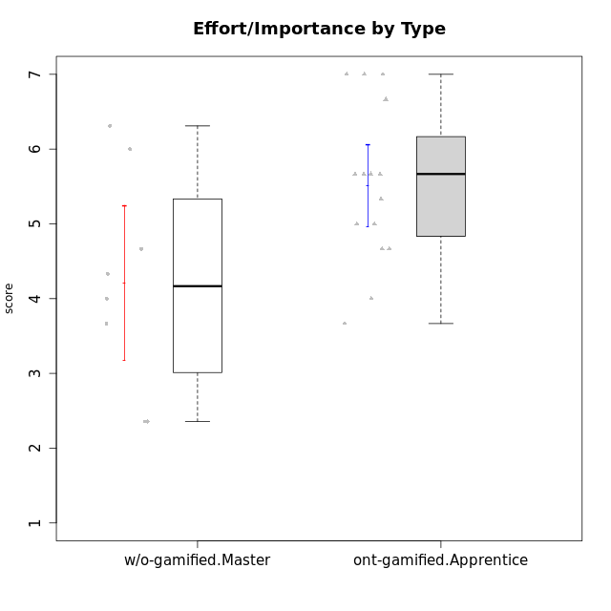

Student's t-Test data
UserID | NroUSP | Type | CLGroup | CLRole | PlayerRole | Interest/Enjoyment | Perceived Choice | Pressure/Tension | Effort/Importance | Intrinsic Motivation | Attention | Relevance | Satisfaction | Level of Motivation
10169 | 10377538 | ont-gamified | Resistance | Apprentice | Social Achiever | 5.7297 | 5.2 | 5.5 | 3.6666666667 | 4.5916666667 | 6.5514333333 | 5.5 | 7 | 5.8645384615
10174 | 10276852 | w/o-gamified | Grupo7 | Master |  | 4.5 | 4.2 | 3.9739 | 4.3333333333 | 4.1958333333 | 5.1666666667 | 3.5 | 5 | 4.6153846154
10179 | 10310759 | w/o-gamified | Grupo10 | Master |  | 3.6666666667 | 2.6 | 1.25 | 6.3101333333 | 4.8375 | 3.5 | 5.25 | 4 | 4.1538461538
10186 | 10310551 | ont-gamified | Slayers | Apprentice | Social Achiever | 3.8333333333 | 4.6 | 5 | 7 | 4.6083333333 | 3.5 | 5.5 | 6.3333333333 | 4.7692307692
10189 | 9363926 | ont-gamified | Vikings | Apprentice | Social Achiever | 2.2703 | 3.4 | 2 | 5.6666666667 | 4.2666666667 | 1.3333333333 | 3.75 | 2.6666666667 | 2.4431538462
10191 | 10276981 | w/o-gamified | Grupo1 | Master |  | 2.3333333333 | 3.2 | 1 | 4.6666666667 | 4.3 | 3.3333333333 | 4.25 | 4.3333333333 | 3.8461538462
10192 | 10276682 | ont-gamified | Attractive Devils | Apprentice | Social Achiever | 4 | 4.8 | 4.25 | 5.6666666667 | 4.5541666667 | 5.1666666667 | 4.5 | 6.6666666667 | 5.3076923077
10193 | 10276762 | ont-gamified | Vandals | Apprentice | Yee Achiever | 2.2703 | 7 | 2.75 | 5 | 4.6458333333 | 1.1666666667 | 6.7239 | 1.3681333333 | 2.9230769231
10198 | 10310888 | ont-gamified | Attractive Devils | Apprentice | Social Achiever | 4 | 3.6 | 4.25 | 5.6666666667 | 4.2541666667 | 5.8333333333 | 5.25 | 6.6666666667 | 5.8461538462
10200 | 9795272 | ont-gamified | Warriors | Apprentice | Social Achiever | 4.5 | 4.8 | 4.75 | 6.6666666667 | 4.8041666667 | 5 | 5.25 | 6 | 5.3076923077
10202 | 10277036 | ont-gamified | Silly Knights | Apprentice | Social Achiever | 3 | 5.2 | 3.5 | 5.6666666667 | 4.5916666667 | 3.1666666667 | 4.5 | 5 | 4
10203 | 9921470 | ont-gamified | Mercenaries | Apprentice | Social Achiever | 4.1666666667 | 6.4 | 3.25 | 7 | 5.1978933333 | 4.5 | 4 | 6.3333333333 | 4.7692307692
10209 | 10262669 | ont-gamified | Mafia | Apprentice | Social Achiever | 2.3333333333 | 1.6348 | 1.7761 | 4.6666666667 | 3.7875 | 2.3333333333 | 4.25 | 2.3333333333 | 2.9230769231
10214 | 10277022 | ont-gamified | Vikings | Apprentice | Social Achiever | 2.2703 | 2.6 | 4 | 7 | 3.6916666667 | 2.1666666667 | 3.25 | 3.6666666667 | 2.8461538462
10219 | 10276831 | w/o-gamified | Grupo3 | Master |  | 1.8565333333 | 3.2 | 1 | 2.3565333333 | 3.5916666667 | 2.0203 | 3.5 | 1.3681333333 | 3.0133846154
10221 | 9082496 | ont-gamified | Warriors | Apprentice | Social Achiever | 2.6666666667 | 3 | 3.25 | 5.3333333333 | 3.9375 | 2.8333333333 | 2.5261 | 4 | 3
10224 | 9368772 | ont-gamified | Mercenaries | Apprentice | Social Achiever | 4 | 3.6 | 4.75 | 4 | 3.7125 | 4.3333333333 | 4.5 | 5 | 4.5384615385
10227 | 9274382 | w/o-gamified | Grupo5 | Master |  | 4.3333333333 | 4.6 | 3.75 | 4 | 4.2958333333 | 5.4797 | 5 | 6 | 5.2943076923
10228 | 10310492 | ont-gamified | Resistance | Apprentice | Social Achiever | 2.2703 | 6.4 | 3.5 | 5 | 4.3083333333 | 2.1666666667 | 4.75 | 4 | 3.3846153846
10231 | 10276911 | w/o-gamified | Grupo9 | Master |  | 4.5 | 5.57216 | 1 | 3.6666666667 | 5.3916666667 | 4 | 4.5 | 5.3333333333 | 4.4615384615
10234 | 10310676 | w/o-gamified | Grupo4 | Master |  | 1.8565333333 | 1.8 | 2.25 | 2.3565333333 | 2.8875 | 3.1666666667 | 5.75 | 1.6666666667 | 3.6153846154
10237 | 10377688 | ont-gamified | Outlaws | Apprentice | Social Achiever | 4 | 4.2 | 4.75 | 4.6666666667 | 4.0291666667 | 3.6666666667 | 4.5 | 4.3333333333 | 4.0769230769
10238 | 10276953 | w/o-gamified | Grupo2 | Master |  | 3.8333333333 | 2.8 | 3.9739 | 6 | 3.9083333333 | 4.3333333333 | 4.5 | 3.3333333333 | 4.1538461538

Type_CLRole_4
Student's t-Test for Effort/Importance by Type in Type:CLRole between ont-gamified.Master:w/o-gamified.Apprentice

Student's t-Test results
Alternative hypothesis: less
Group | N | Mean | Mean.Difference | Std.deviation | Std.error | CI.lower | CI.upper | df | t.value | p.value | g | magnitude
ont-gamified.Master | 9 | 5.1455703704 | 0.60415282651 | 1.023699682 | 0.34123322735 | 4.4631039157 | 5.8280368251 | 17.895887208 | 1.3921564417 | 0.90953250571 | 0.52088100163 | medium
w/o-gamified.Apprentice | 19 | 4.5414175439 | -0.60415282651 | 1.1687136567 | 0.26812130123 | 4.0051749414 | 5.0776601463 | 17.895887208 | 1.3921564417 | 0.90953250571 | 0.52088100163 | medium
Alternative hypothesis: greater
Group | N | Mean | Mean.Difference | Std.deviation | Std.error | CI.lower | CI.upper | df | t.value | p.value | g | magnitude
ont-gamified.Master | 9 | 5.1455703704 | 0.60415282651 | 1.023699682 | 0.34123322735 | 4.4631039157 | 5.8280368251 | 17.895887208 | 1.3921564417 | 0.09046749429 | 0.52088100163 | medium
w/o-gamified.Apprentice | 19 | 4.5414175439 | -0.60415282651 | 1.1687136567 | 0.26812130123 | 4.0051749414 | 5.0776601463 | 17.895887208 | 1.3921564417 | 0.09046749429 | 0.52088100163 | medium
Alternative hypothesis: two.sided
Group | N | Mean | Mean.Difference | Std.deviation | Std.error | CI.lower | CI.upper | df | t.value | p.value | g | magnitude
ont-gamified.Master | 9 | 5.1455703704 | 0.60415282651 | 1.023699682 | 0.34123322735 | 4.4631039157 | 5.8280368251 | 17.895887208 | 1.3921564417 | 0.18093498858 | 0.52088100163 | medium
w/o-gamified.Apprentice | 19 | 4.5414175439 | -0.60415282651 | 1.1687136567 | 0.26812130123 | 4.0051749414 | 5.0776601463 | 17.895887208 | 1.3921564417 | 0.18093498858 | 0.52088100163 | medium

Box plots for Student's t-Test
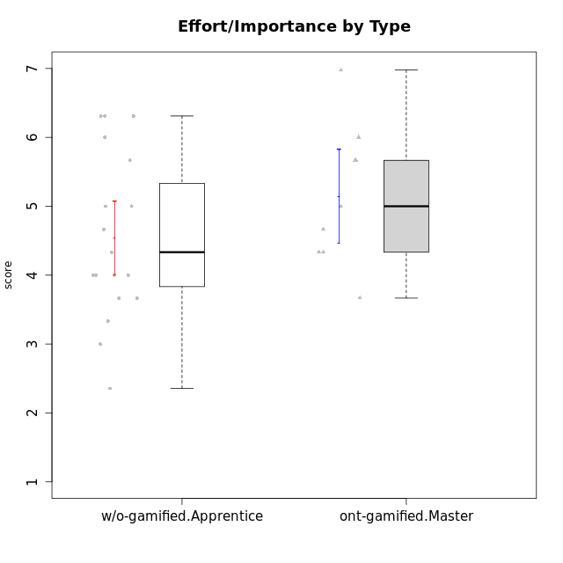

Student's t-Test data
UserID | NroUSP | Type | CLGroup | CLRole | PlayerRole | Interest/Enjoyment | Perceived Choice | Pressure/Tension | Effort/Importance | Intrinsic Motivation | Attention | Relevance | Satisfaction | Level of Motivation
10170 | 10260351 | w/o-gamified | Grupo11 | Apprentice |  | 4.1666666667 | 5.8 | 2.5 | 4.6666666667 | 5.0333333333 | 4.6666666667 | 5.25 | 4.3333333333 | 4.7692307692
10171 | 698531 | ont-gamified | Mafia | Master | Social Achiever | 5.4826 | 6.2 | 1.75 | 6.9768 | 5.6972216667 | 5 | 6.25 | 5.3333333333 | 5.4615384615
10172 | 10273971 | w/o-gamified | Grupo5 | Apprentice |  | 5.1666666667 | 2.8 | 4.25 | 3.3333333333 | 3.7625 | 5 | 3 | 5 | 4.3846153846
10175 | 10310700 | ont-gamified | Warriors | Master | Social Achiever | 4 | 6.6 | 1 | 6 | 5.6972216667 | 5.1666666667 | 6.25 | 5.6666666667 | 5.6153846154
10176 | 10276949 | ont-gamified | Outlaws | Master | Social Achiever | 3.8333333333 | 3.4 | 4.5 | 3.6666666667 | 3.6 | 4.3333333333 | 4.5174 | 4 | 4.1538461538
10181 | 10276866 | w/o-gamified | Grupo2 | Apprentice |  | 2.1666666667 | 4.2 | 3.5 | 3 | 3.4666666667 | 4.1666666667 | 4.5 | 1.6666666667 | 3.6923076923
10183 | 10352030 | w/o-gamified | Grupo3 | Apprentice |  | 2.8333333333 | 4.4 | 4.75 | 3.6666666667 | 3.5375 | 2.1666666667 | 3 | 2.6666666667 | 2.7852923077
10184 | 10276675 | w/o-gamified | Grupo10 | Apprentice |  | 3.8333333333 | 4 | 3.75 | 3.6666666667 | 3.9375 | 3.8333333333 | 4.75 | 4.6666666667 | 4.3076923077
10185 | 10276960 | w/o-gamified | Grupo9 | Apprentice |  | 4.8333333333 | 3.4 | 4.25 | 4.3333333333 | 4.0791666667 | 3.8333333333 | 3.5 | 4.6666666667 | 3.9230769231
10188 | 10276995 | ont-gamified | Vandals | Master | Yee Achiever | 3 | 6.2 | 1 | 5 | 5.3 | 3.3333333333 | 6.5 | 3 | 4.2307692308
10190 | 10276907 | w/o-gamified | Grupo4 | Apprentice |  | 3.1666666667 | 3 | 4.5 | 4 | 3.4166666667 | 4.8333333333 | 3.25 | 3.6666666667 | 4.0769230769
10197 | 10276661 | w/o-gamified | Grupo8 | Apprentice |  | 3.5 | 5 | 3.5 | 4.6666666667 | 4.4166666667 | 5.1666666667 | 5 | 3.3333333333 | 4.6923076923
10199 | 10276737 | w/o-gamified | Grupo1 | Apprentice |  | 3 | 3.8 | 3.25 | 4 | 3.8875 | 3.5 | 4.5 | 4.6666666667 | 4.0769230769
10201 | 10276928 | w/o-gamified | Grupo11 | Apprentice |  | 5.1666666667 | 4.2 | 3 | 5 | 4.8416666667 | 4.8333333333 | 3.5 | 5.6666666667 | 4.6153846154
10204 | 10310471 | w/o-gamified | Grupo6 | Apprentice |  | 1.8565333333 | 1.42784 | 5.5 | 5 | 2.7143933333 | 1.529 | 4.25 | 2.3333333333 | 2.7852923077
10206 | 10310721 | w/o-gamified | Grupo8 | Apprentice |  | 3.6666666667 | 5.6 | 3 | 5.6666666667 | 4.9833333333 | 4.5 | 4.75 | 5.3333333333 | 4.7692307692
10208 | 10276932 | ont-gamified | Mercenaries | Master | Social Achiever | 3.8333333333 | 4.8 | 2.25 | 5.6666666667 | 5.0125 | 2.5 | 4.5174 | 4.3333333333 | 3.2307692308
10210 | 10277015 | w/o-gamified | Grupo6 | Apprentice |  | 1.8565333333 | 1.42784 | 5.5 | 6.3101333333 | 2.975 | 1.529 | 2.5 | 1.3681333333 | 2.7852923077
10213 | 10277040 | w/o-gamified | Grupo7 | Apprentice |  | 3.8333333333 | 1.42784 | 3.75 | 6.3101333333 | 4.1208333333 | 5.5 | 6.7239 | 6 | 5.5224
10215 | 9285227 | ont-gamified | Vikings | Master | Social Achiever | 4 | 5.4 | 2.5 | 4.3333333333 | 4.8083333333 | 3 | 6.25 | 2.3333333333 | 3.8461538462
10216 | 10276720 | ont-gamified | Silly Knights | Master | Social Achiever | 4.6666666667 | 5.8 | 1 | 5.6666666667 | 5.6972216667 | 3.8333333333 | 6 | 5.3333333333 | 4.8461538462
10217 | 9805341 | w/o-gamified | Grupo9 | Apprentice |  | 4.3333333333 | 4.2 | 1.5261 | 4 | 4.8833333333 | 3.8333333333 | 5 | 4 | 4.2307692308
10218 | 9842913 | w/o-gamified | Grupo10 | Apprentice |  | 4 | 3.6 | 4 | 4 | 3.9 | 4 | 4.5 | 3.3333333333 | 4
10220 | 9760151 | w/o-gamified | Grupo3 | Apprentice |  | 2.5 | 6.17216 | 1.5261 | 6 | 5.475 | 1.529 | 6.25 | 6 | 4
10223 | 9795185 | ont-gamified | Slayers | Master | Social Achiever | 5 | 4.2 | 3.5 | 4.3333333333 | 4.5083333333 | 3.8333333333 | 5 | 4.3333333333 | 4.3076923077
10226 | 10310342 | w/o-gamified | Grupo4 | Apprentice |  | 1.8565333333 | 1.42784 | 5.5 | 2.3565333333 | 2.7143933333 | 3.5 | 4.25 | 2.6666666667 | 3.5384615385
10230 | 10351992 | ont-gamified | Resistance | Master | Social Achiever | 4.5 | 4 | 4 | 4.6666666667 | 4.2916666667 | 4.6666666667 | 4.75 | 4 | 4.5384615385
10232 | 10276974 | w/o-gamified | Grupo7 | Apprentice |  | 4.5 | 4.6 | 2.75 | 6.3101333333 | 5.1708333333 | 4.8333333333 | 5.75 | 5.6666666667 | 5.3076923077

Type_CLRole_5
Student's t-Test for Effort/Importance by Type in Type:CLRole between ont-gamified.Master:w/o-gamified.Master

Student's t-Test results
Alternative hypothesis: less
Group | N | Mean | Mean.Difference | Std.deviation | Std.error | CI.lower | CI.upper | df | t.value | p.value | g | magnitude
ont-gamified.Master | 9 | 5.1455703704 | 0.93433703704 | 1.023699682 | 0.34123322735 | 4.4631039157 | 5.8280368251 | 12.351466608 | 1.5055049465 | 0.92133372149 | 0.70954474337 | medium
w/o-gamified.Master | 8 | 4.2112333333 | -0.93433703704 | 1.4662094902 | 0.51838333659 | 3.1744666602 | 5.2480000065 | 12.351466608 | 1.5055049465 | 0.92133372149 | 0.70954474337 | medium
Alternative hypothesis: greater
Group | N | Mean | Mean.Difference | Std.deviation | Std.error | CI.lower | CI.upper | df | t.value | p.value | g | magnitude
ont-gamified.Master | 9 | 5.1455703704 | 0.93433703704 | 1.023699682 | 0.34123322735 | 4.4631039157 | 5.8280368251 | 12.351466608 | 1.5055049465 | 0.078666278508 | 0.70954474337 | medium
w/o-gamified.Master | 8 | 4.2112333333 | -0.93433703704 | 1.4662094902 | 0.51838333659 | 3.1744666602 | 5.2480000065 | 12.351466608 | 1.5055049465 | 0.078666278508 | 0.70954474337 | medium
Alternative hypothesis: two.sided
Group | N | Mean | Mean.Difference | Std.deviation | Std.error | CI.lower | CI.upper | df | t.value | p.value | g | magnitude
ont-gamified.Master | 9 | 5.1455703704 | 0.93433703704 | 1.023699682 | 0.34123322735 | 4.4631039157 | 5.8280368251 | 12.351466608 | 1.5055049465 | 0.15733255702 | 0.70954474337 | medium
w/o-gamified.Master | 8 | 4.2112333333 | -0.93433703704 | 1.4662094902 | 0.51838333659 | 3.1744666602 | 5.2480000065 | 12.351466608 | 1.5055049465 | 0.15733255702 | 0.70954474337 | medium

Box plots for Student's t-Test
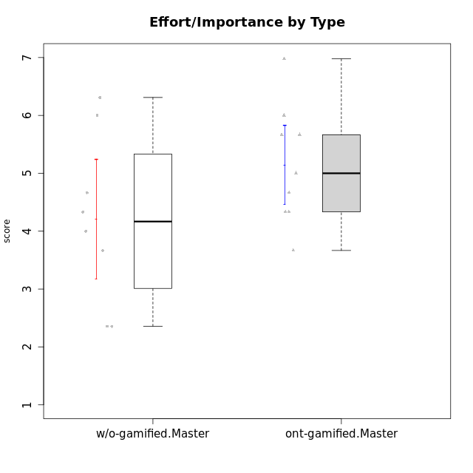

Student's t-Test data
UserID | NroUSP | Type | CLGroup | CLRole | PlayerRole | Interest/Enjoyment | Perceived Choice | Pressure/Tension | Effort/Importance | Intrinsic Motivation | Attention | Relevance | Satisfaction | Level of Motivation
10171 | 698531 | ont-gamified | Mafia | Master | Social Achiever | 5.4826 | 6.2 | 1.75 | 6.9768 | 5.6972216667 | 5 | 6.25 | 5.3333333333 | 5.4615384615
10174 | 10276852 | w/o-gamified | Grupo7 | Master |  | 4.5 | 4.2 | 3.9739 | 4.3333333333 | 4.1958333333 | 5.1666666667 | 3.5 | 5 | 4.6153846154
10175 | 10310700 | ont-gamified | Warriors | Master | Social Achiever | 4 | 6.6 | 1 | 6 | 5.6972216667 | 5.1666666667 | 6.25 | 5.6666666667 | 5.6153846154
10176 | 10276949 | ont-gamified | Outlaws | Master | Social Achiever | 3.8333333333 | 3.4 | 4.5 | 3.6666666667 | 3.6 | 4.3333333333 | 4.5174 | 4 | 4.1538461538
10179 | 10310759 | w/o-gamified | Grupo10 | Master |  | 3.6666666667 | 2.6 | 1.25 | 6.3101333333 | 4.8375 | 3.5 | 5.25 | 4 | 4.1538461538
10188 | 10276995 | ont-gamified | Vandals | Master | Yee Achiever | 3 | 6.2 | 1 | 5 | 5.3 | 3.3333333333 | 6.5 | 3 | 4.2307692308
10191 | 10276981 | w/o-gamified | Grupo1 | Master |  | 2.3333333333 | 3.2 | 1 | 4.6666666667 | 4.3 | 3.3333333333 | 4.25 | 4.3333333333 | 3.8461538462
10208 | 10276932 | ont-gamified | Mercenaries | Master | Social Achiever | 3.8333333333 | 4.8 | 2.25 | 5.6666666667 | 5.0125 | 2.5 | 4.5174 | 4.3333333333 | 3.2307692308
10215 | 9285227 | ont-gamified | Vikings | Master | Social Achiever | 4 | 5.4 | 2.5 | 4.3333333333 | 4.8083333333 | 3 | 6.25 | 2.3333333333 | 3.8461538462
10216 | 10276720 | ont-gamified | Silly Knights | Master | Social Achiever | 4.6666666667 | 5.8 | 1 | 5.6666666667 | 5.6972216667 | 3.8333333333 | 6 | 5.3333333333 | 4.8461538462
10219 | 10276831 | w/o-gamified | Grupo3 | Master |  | 1.8565333333 | 3.2 | 1 | 2.3565333333 | 3.5916666667 | 2.0203 | 3.5 | 1.3681333333 | 3.0133846154
10223 | 9795185 | ont-gamified | Slayers | Master | Social Achiever | 5 | 4.2 | 3.5 | 4.3333333333 | 4.5083333333 | 3.8333333333 | 5 | 4.3333333333 | 4.3076923077
10227 | 9274382 | w/o-gamified | Grupo5 | Master |  | 4.3333333333 | 4.6 | 3.75 | 4 | 4.2958333333 | 5.4797 | 5 | 6 | 5.2943076923
10230 | 10351992 | ont-gamified | Resistance | Master | Social Achiever | 4.5 | 4 | 4 | 4.6666666667 | 4.2916666667 | 4.6666666667 | 4.75 | 4 | 4.5384615385
10231 | 10276911 | w/o-gamified | Grupo9 | Master |  | 4.5 | 5.57216 | 1 | 3.6666666667 | 5.3916666667 | 4 | 4.5 | 5.3333333333 | 4.4615384615
10234 | 10310676 | w/o-gamified | Grupo4 | Master |  | 1.8565333333 | 1.8 | 2.25 | 2.3565333333 | 2.8875 | 3.1666666667 | 5.75 | 1.6666666667 | 3.6153846154
10238 | 10276953 | w/o-gamified | Grupo2 | Master |  | 3.8333333333 | 2.8 | 3.9739 | 6 | 3.9083333333 | 4.3333333333 | 4.5 | 3.3333333333 | 4.1538461538

Type_CLRole_6
Student's t-Test for Effort/Importance by Type in Type:CLRole between w/o-gamified.Apprentice:w/o-gamified.Master

Student's t-Test results
Alternative hypothesis: less
Group | N | Mean | Mean.Difference | Std.deviation | Std.error | CI.lower | CI.upper | df | t.value | p.value | g | magnitude
w/o-gamified.Apprentice | 19 | 4.5414175439 | 0.33018421053 | 1.1687136567 | 0.26812130123 | 4.0051749414 | 5.0776601463 | 10.941763091 | 0.56575369997 | 0.70851145469 | 0.25428806444 | small
w/o-gamified.Master | 8 | 4.2112333333 | -0.33018421053 | 1.4662094902 | 0.51838333659 | 3.1744666602 | 5.2480000065 | 10.941763091 | 0.56575369997 | 0.70851145469 | 0.25428806444 | small
Alternative hypothesis: greater
Group | N | Mean | Mean.Difference | Std.deviation | Std.error | CI.lower | CI.upper | df | t.value | p.value | g | magnitude
w/o-gamified.Apprentice | 19 | 4.5414175439 | 0.33018421053 | 1.1687136567 | 0.26812130123 | 4.0051749414 | 5.0776601463 | 10.941763091 | 0.56575369997 | 0.29148854531 | 0.25428806444 | small
w/o-gamified.Master | 8 | 4.2112333333 | -0.33018421053 | 1.4662094902 | 0.51838333659 | 3.1744666602 | 5.2480000065 | 10.941763091 | 0.56575369997 | 0.29148854531 | 0.25428806444 | small
Alternative hypothesis: two.sided
Group | N | Mean | Mean.Difference | Std.deviation | Std.error | CI.lower | CI.upper | df | t.value | p.value | g | magnitude
w/o-gamified.Apprentice | 19 | 4.5414175439 | 0.33018421053 | 1.1687136567 | 0.26812130123 | 4.0051749414 | 5.0776601463 | 10.941763091 | 0.56575369997 | 0.58297709062 | 0.25428806444 | small
w/o-gamified.Master | 8 | 4.2112333333 | -0.33018421053 | 1.4662094902 | 0.51838333659 | 3.1744666602 | 5.2480000065 | 10.941763091 | 0.56575369997 | 0.58297709062 | 0.25428806444 | small

Box plots for Student's t-Test
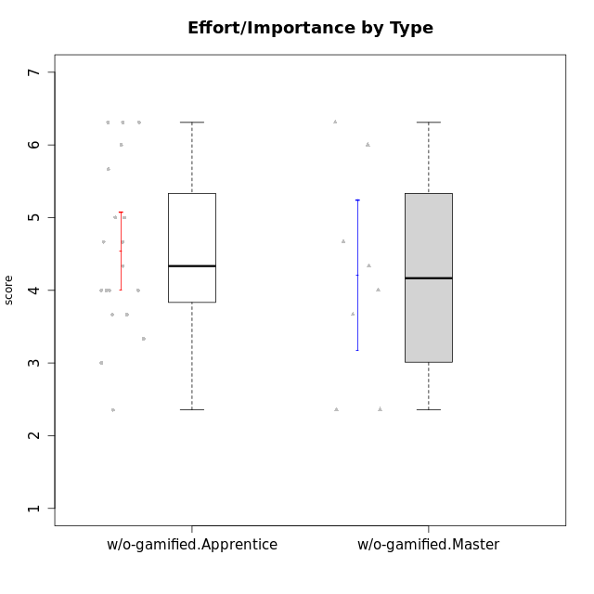

Student's t-Test data
UserID | NroUSP | Type | CLGroup | CLRole | PlayerRole | Interest/Enjoyment | Perceived Choice | Pressure/Tension | Effort/Importance | Intrinsic Motivation | Attention | Relevance | Satisfaction | Level of Motivation
10170 | 10260351 | w/o-gamified | Grupo11 | Apprentice |  | 4.1666666667 | 5.8 | 2.5 | 4.6666666667 | 5.0333333333 | 4.6666666667 | 5.25 | 4.3333333333 | 4.7692307692
10172 | 10273971 | w/o-gamified | Grupo5 | Apprentice |  | 5.1666666667 | 2.8 | 4.25 | 3.3333333333 | 3.7625 | 5 | 3 | 5 | 4.3846153846
10174 | 10276852 | w/o-gamified | Grupo7 | Master |  | 4.5 | 4.2 | 3.9739 | 4.3333333333 | 4.1958333333 | 5.1666666667 | 3.5 | 5 | 4.6153846154
10179 | 10310759 | w/o-gamified | Grupo10 | Master |  | 3.6666666667 | 2.6 | 1.25 | 6.3101333333 | 4.8375 | 3.5 | 5.25 | 4 | 4.1538461538
10181 | 10276866 | w/o-gamified | Grupo2 | Apprentice |  | 2.1666666667 | 4.2 | 3.5 | 3 | 3.4666666667 | 4.1666666667 | 4.5 | 1.6666666667 | 3.6923076923
10183 | 10352030 | w/o-gamified | Grupo3 | Apprentice |  | 2.8333333333 | 4.4 | 4.75 | 3.6666666667 | 3.5375 | 2.1666666667 | 3 | 2.6666666667 | 2.7852923077
10184 | 10276675 | w/o-gamified | Grupo10 | Apprentice |  | 3.8333333333 | 4 | 3.75 | 3.6666666667 | 3.9375 | 3.8333333333 | 4.75 | 4.6666666667 | 4.3076923077
10185 | 10276960 | w/o-gamified | Grupo9 | Apprentice |  | 4.8333333333 | 3.4 | 4.25 | 4.3333333333 | 4.0791666667 | 3.8333333333 | 3.5 | 4.6666666667 | 3.9230769231
10190 | 10276907 | w/o-gamified | Grupo4 | Apprentice |  | 3.1666666667 | 3 | 4.5 | 4 | 3.4166666667 | 4.8333333333 | 3.25 | 3.6666666667 | 4.0769230769
10191 | 10276981 | w/o-gamified | Grupo1 | Master |  | 2.3333333333 | 3.2 | 1 | 4.6666666667 | 4.3 | 3.3333333333 | 4.25 | 4.3333333333 | 3.8461538462
10197 | 10276661 | w/o-gamified | Grupo8 | Apprentice |  | 3.5 | 5 | 3.5 | 4.6666666667 | 4.4166666667 | 5.1666666667 | 5 | 3.3333333333 | 4.6923076923
10199 | 10276737 | w/o-gamified | Grupo1 | Apprentice |  | 3 | 3.8 | 3.25 | 4 | 3.8875 | 3.5 | 4.5 | 4.6666666667 | 4.0769230769
10201 | 10276928 | w/o-gamified | Grupo11 | Apprentice |  | 5.1666666667 | 4.2 | 3 | 5 | 4.8416666667 | 4.8333333333 | 3.5 | 5.6666666667 | 4.6153846154
10204 | 10310471 | w/o-gamified | Grupo6 | Apprentice |  | 1.8565333333 | 1.42784 | 5.5 | 5 | 2.7143933333 | 1.529 | 4.25 | 2.3333333333 | 2.7852923077
10206 | 10310721 | w/o-gamified | Grupo8 | Apprentice |  | 3.6666666667 | 5.6 | 3 | 5.6666666667 | 4.9833333333 | 4.5 | 4.75 | 5.3333333333 | 4.7692307692
10210 | 10277015 | w/o-gamified | Grupo6 | Apprentice |  | 1.8565333333 | 1.42784 | 5.5 | 6.3101333333 | 2.975 | 1.529 | 2.5 | 1.3681333333 | 2.7852923077
10213 | 10277040 | w/o-gamified | Grupo7 | Apprentice |  | 3.8333333333 | 1.42784 | 3.75 | 6.3101333333 | 4.1208333333 | 5.5 | 6.7239 | 6 | 5.5224
10217 | 9805341 | w/o-gamified | Grupo9 | Apprentice |  | 4.3333333333 | 4.2 | 1.5261 | 4 | 4.8833333333 | 3.8333333333 | 5 | 4 | 4.2307692308
10218 | 9842913 | w/o-gamified | Grupo10 | Apprentice |  | 4 | 3.6 | 4 | 4 | 3.9 | 4 | 4.5 | 3.3333333333 | 4
10219 | 10276831 | w/o-gamified | Grupo3 | Master |  | 1.8565333333 | 3.2 | 1 | 2.3565333333 | 3.5916666667 | 2.0203 | 3.5 | 1.3681333333 | 3.0133846154
10220 | 9760151 | w/o-gamified | Grupo3 | Apprentice |  | 2.5 | 6.17216 | 1.5261 | 6 | 5.475 | 1.529 | 6.25 | 6 | 4
10226 | 10310342 | w/o-gamified | Grupo4 | Apprentice |  | 1.8565333333 | 1.42784 | 5.5 | 2.3565333333 | 2.7143933333 | 3.5 | 4.25 | 2.6666666667 | 3.5384615385
10227 | 9274382 | w/o-gamified | Grupo5 | Master |  | 4.3333333333 | 4.6 | 3.75 | 4 | 4.2958333333 | 5.4797 | 5 | 6 | 5.2943076923
10231 | 10276911 | w/o-gamified | Grupo9 | Master |  | 4.5 | 5.57216 | 1 | 3.6666666667 | 5.3916666667 | 4 | 4.5 | 5.3333333333 | 4.4615384615
10232 | 10276974 | w/o-gamified | Grupo7 | Apprentice |  | 4.5 | 4.6 | 2.75 | 6.3101333333 | 5.1708333333 | 4.8333333333 | 5.75 | 5.6666666667 | 5.3076923077
10234 | 10310676 | w/o-gamified | Grupo4 | Master |  | 1.8565333333 | 1.8 | 2.25 | 2.3565333333 | 2.8875 | 3.1666666667 | 5.75 | 1.6666666667 | 3.6153846154
10238 | 10276953 | w/o-gamified | Grupo2 | Master |  | 3.8333333333 | 2.8 | 3.9739 | 6 | 3.9083333333 | 4.3333333333 | 4.5 | 3.3333333333 | 4.1538461538

