Assumptions
ANOVA assumptions for Intrinsic Motivation by Type

Shapiro-Wilk normality test for Intrinsic Motivation by Type
W | p.value
0.977078981 | 0.42323989526

Plots for normality test
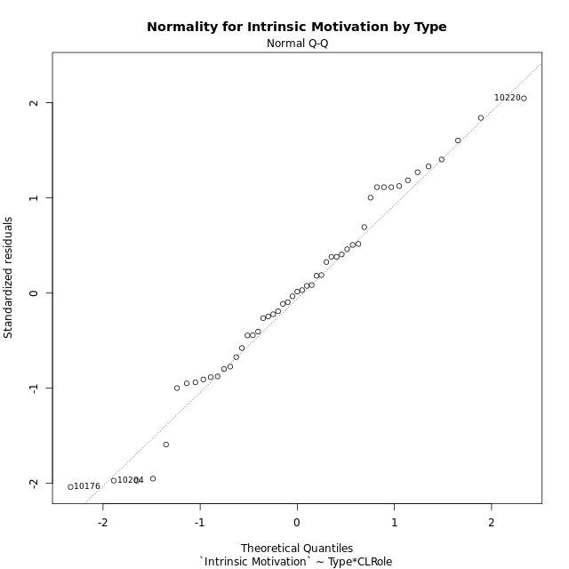

Levene's Test for Homogeneity of Variance in Intrinsic Motivation by Type
Df | F value | Pr(>F)
3 | 1.5535814584 | 0.21315120846
47

Plots for homogeneity of variance
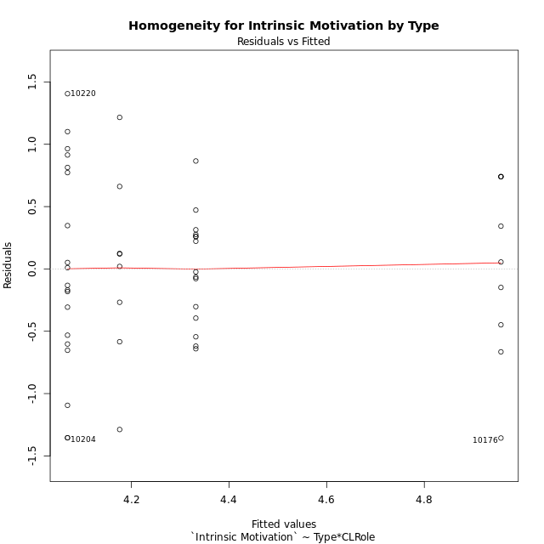

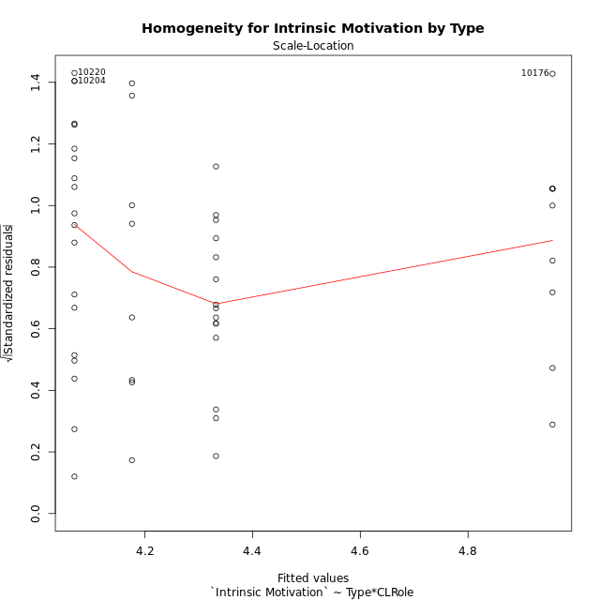

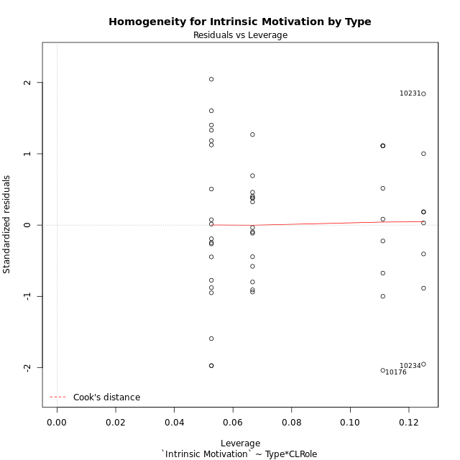

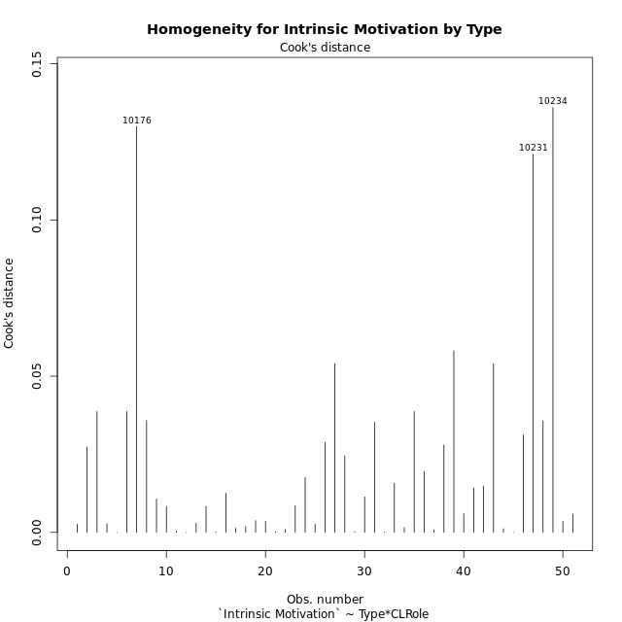

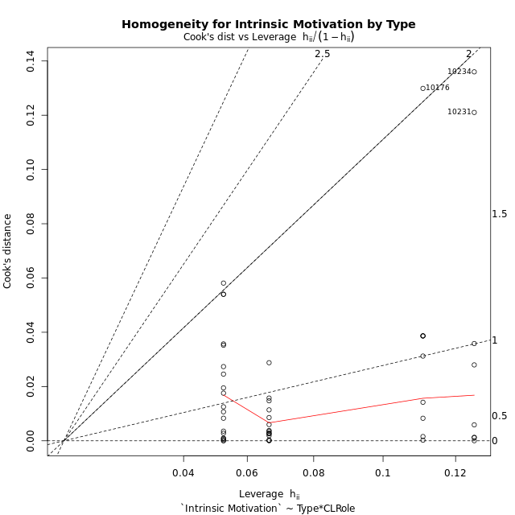

Minimum Sample Size Test for Intrinsic Motivation by Type
Type | CLRole | Freq
ont-gamified | Apprentice | 15
w/o-gamified | Apprentice | 19
ont-gamified | Master | 9
w/o-gamified | Master | 8

Errors and Warnings in Sample Size Test for ANOVA in Intrinsic Motivation by Type
code | description
WARN: sample.size | current size is 9 and recommended size is 15 for the group: 'ont-gamified:Master'.
WARN: sample.size | current size is 8 and recommended size is 15 for the group: 'w/o-gamified:Master'.

For the group: 'ont-gamified:Apprentice', you can perform a parametric test without having a normal distribution For the group: 'w/o-gamified:Apprentice', you can perform a parametric test without having a normal distribution For the group: 'ont-gamified:Master', we recommend the use of non-parametric test. For the group: 'w/o-gamified:Master', we recommend the use of non-parametric test.

If you don't want to remove non-normal data, you must cite the following references: ... (1) Lix, L.M., J.C. Keselman, and H.J. Keselman. 1996. Consequences of assumption violations revisited: A quantitative review of alternatives to the one-way analysis of variance F test. Rev. Educ. Res. 66: 579-619. ... (2) Harwell, M.R., E.N. Rubinstein, W.S. Hayes, and C.C. Olds. 1992. Summarizing Monte Carlo results in methodological research: the one- and two-factor fixed effects ANOVA cases. J. Educ. Stat. 17: 315-339.

Post-hoc
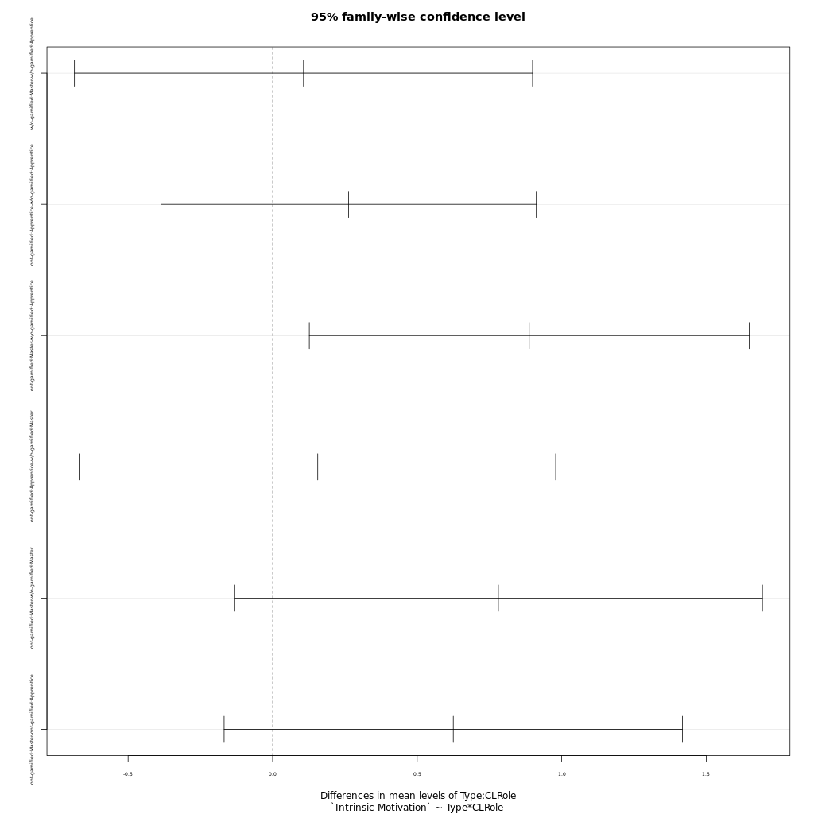
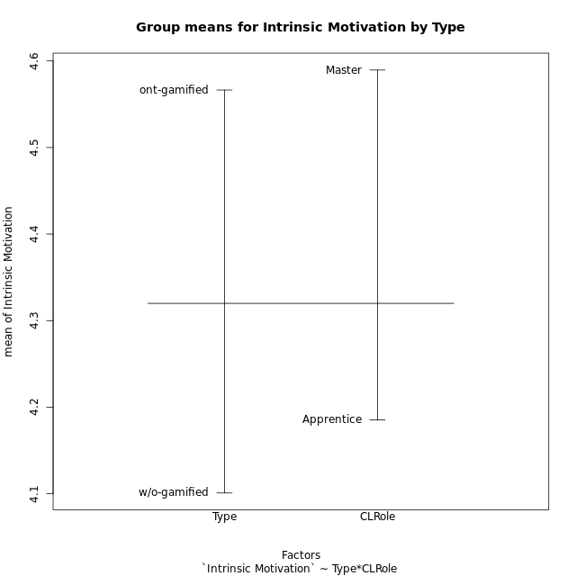
Post-hoc Tukey Honestly Significant Difference (HSD) Test for Intrinsic Motivation by Type

Comparisons of means for Type
 | diff | lwr | upr | p adj
ont-gamified-w/o-gamified | 0.46549335648 | 0.06707980467 | 0.86390690829 | 0.022999189522

Comparisons of means for CLRole
 | diff | lwr | upr | p adj
Master-Apprentice | 0.36316676266 | -0.058682880431 | 0.78501640576 | 0.089852457241

Comparisons of means for Type:CLRole
 | diff | lwr | upr | p adj
w/o-gamified:Master-w/o-gamified:Apprentice | 0.10676342105 | -0.68566362346 | 0.89919046556 | 0.9839795982
ont-gamified:Apprentice-w/o-gamified:Apprentice | 0.26280353216 | -0.38660236704 | 0.91220943136 | 0.70460352676
ont-gamified:Master-w/o-gamified:Apprentice | 0.88766601365 | 0.12684909544 | 1.6484829318 | 0.016316786724
ont-gamified:Apprentice-w/o-gamified:Master | 0.15604011111 | -0.66709759442 | 0.97917781664 | 0.95752282734
ont-gamified:Master-w/o-gamified:Master | 0.78090259259 | -0.13270018946 | 1.6945053746 | 0.11821095484
ont-gamified:Master-ont-gamified:Apprentice | 0.62486248148 | -0.16789059762 | 1.4176155606 | 0.16826090636

Contrast Matrices for Intrinsic Motivation by Type - Type
contrast | estimate | SE | df | t.ratio | p.value
ont-gamified - w/o-gamified | 0.52185306238 | 0.21042580048 | 47 | 2.47998611 | 0.016778669529

Contrast Matrices for Intrinsic Motivation by Type - Type:CLRole
contrast | CLRole | estimate | SE | df | t.ratio | p.value
ont-gamified - w/o-gamified | Apprentice | 0.26280353216 | 0.24382688118 | 47 | 1.0778283793 | 0.286611339
ont-gamified - w/o-gamified | Master | 0.78090259259 | 0.34302262615 | 47 | 2.2765337708 | 0.027411371544

Least Squares Means and Confidence Intervals for Type
Type | lsmean | SE | df | lower.CL | upper.CL | Pairs
ont-gamified | 4.6445130185 | 0.14882411067 | 47 | 4.3451175257 | 4.9439085114 | ont-gamified
w/o-gamified | 4.1226599561 | 0.14876290396 | 47 | 3.8233875953 | 4.421932317 | w/o-gamified

Least Squares Means and Confidence Intervals for Type:CLRole
Type | CLRole | lsmean | SE | df | lower.CL | upper.CL | Pairs
ont-gamified | Apprentice | 4.3320817778 | 0.18227156628 | 47 | 3.9653986834 | 4.6987648722 | ont-gamified.Apprentice
w/o-gamified | Apprentice | 4.0692782456 | 0.1619525366 | 47 | 3.7434717664 | 4.3950847248 | w/o-gamified.Apprentice
ont-gamified | Master | 4.9569442593 | 0.23531158023 | 47 | 4.48355842 | 5.4303300986 | ont-gamified.Master
w/o-gamified | Master | 4.1760416667 | 0.2495856211 | 47 | 3.673940161 | 4.6781431723 | w/o-gamified.Master

Plots

Type_1
Student's t-Test for Intrinsic Motivation by Type in Type between ont-gamified:w/o-gamified

Student's t-Test results
Alternative hypothesis: less
Group | N | Mean | Mean.Difference | Std.deviation | Std.error | CI.lower | CI.upper | df | t.value | p.value | g | magnitude
ont-gamified | 24 | 4.5664052083 | 0.46549335648 | 0.63068703372 | 0.12873845167 | 4.308928305 | 4.8238821117 | 48.383110376 | 2.3238007749 | 0.98780888574 | 0.63307972471 | medium
w/o-gamified | 27 | 4.1009118519 | -0.46549335648 | 0.79744804436 | 0.15346894769 | 3.7939739565 | 4.4078497472 | 48.383110376 | 2.3238007749 | 0.98780888574 | 0.63307972471 | medium
Alternative hypothesis: greater
Group | N | Mean | Mean.Difference | Std.deviation | Std.error | CI.lower | CI.upper | df | t.value | p.value | g | magnitude
ont-gamified | 24 | 4.5664052083 | 0.46549335648 | 0.63068703372 | 0.12873845167 | 4.308928305 | 4.8238821117 | 48.383110376 | 2.3238007749 | 0.012191114258 | 0.63307972471 | medium
w/o-gamified | 27 | 4.1009118519 | -0.46549335648 | 0.79744804436 | 0.15346894769 | 3.7939739565 | 4.4078497472 | 48.383110376 | 2.3238007749 | 0.012191114258 | 0.63307972471 | medium
Alternative hypothesis: two.sided
Group | N | Mean | Mean.Difference | Std.deviation | Std.error | CI.lower | CI.upper | df | t.value | p.value | g | magnitude
ont-gamified | 24 | 4.5664052083 | 0.46549335648 | 0.63068703372 | 0.12873845167 | 4.308928305 | 4.8238821117 | 48.383110376 | 2.3238007749 | 0.024382228516 | 0.63307972471 | medium
w/o-gamified | 27 | 4.1009118519 | -0.46549335648 | 0.79744804436 | 0.15346894769 | 3.7939739565 | 4.4078497472 | 48.383110376 | 2.3238007749 | 0.024382228516 | 0.63307972471 | medium

Box plots for Student's t-Test
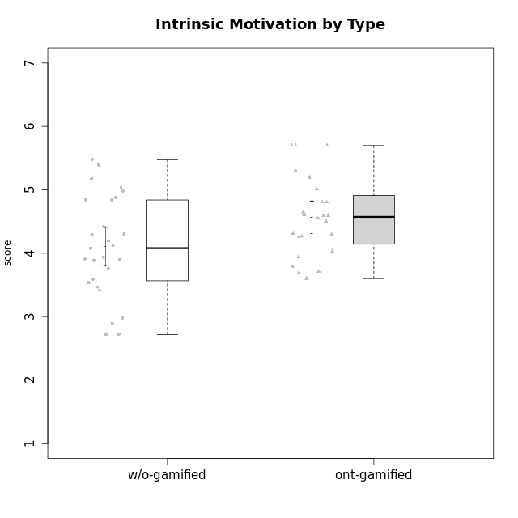

Student's t-Test data
UserID | NroUSP | Type | CLGroup | CLRole | PlayerRole | Interest/Enjoyment | Perceived Choice | Pressure/Tension | Effort/Importance | Intrinsic Motivation | Attention | Relevance | Satisfaction | Level of Motivation
10169 | 10377538 | ont-gamified | Resistance | Apprentice | Social Achiever | 5.7297 | 5.2 | 5.5 | 3.6666666667 | 4.5916666667 | 6.5514333333 | 5.5 | 7 | 5.8645384615
10170 | 10260351 | w/o-gamified | Grupo11 | Apprentice |  | 4.1666666667 | 5.8 | 2.5 | 4.6666666667 | 5.0333333333 | 4.6666666667 | 5.25 | 4.3333333333 | 4.7692307692
10171 | 698531 | ont-gamified | Mafia | Master | Social Achiever | 5.4826 | 6.2 | 1.75 | 6.9768 | 5.6972216667 | 5 | 6.25 | 5.3333333333 | 5.4615384615
10172 | 10273971 | w/o-gamified | Grupo5 | Apprentice |  | 5.1666666667 | 2.8 | 4.25 | 3.3333333333 | 3.7625 | 5 | 3 | 5 | 4.3846153846
10174 | 10276852 | w/o-gamified | Grupo7 | Master |  | 4.5 | 4.2 | 3.9739 | 4.3333333333 | 4.1958333333 | 5.1666666667 | 3.5 | 5 | 4.6153846154
10175 | 10310700 | ont-gamified | Warriors | Master | Social Achiever | 4 | 6.6 | 1 | 6 | 5.6972216667 | 5.1666666667 | 6.25 | 5.6666666667 | 5.6153846154
10176 | 10276949 | ont-gamified | Outlaws | Master | Social Achiever | 3.8333333333 | 3.4 | 4.5 | 3.6666666667 | 3.6 | 4.3333333333 | 4.5174 | 4 | 4.1538461538
10179 | 10310759 | w/o-gamified | Grupo10 | Master |  | 3.6666666667 | 2.6 | 1.25 | 6.3101333333 | 4.8375 | 3.5 | 5.25 | 4 | 4.1538461538
10181 | 10276866 | w/o-gamified | Grupo2 | Apprentice |  | 2.1666666667 | 4.2 | 3.5 | 3 | 3.4666666667 | 4.1666666667 | 4.5 | 1.6666666667 | 3.6923076923
10183 | 10352030 | w/o-gamified | Grupo3 | Apprentice |  | 2.8333333333 | 4.4 | 4.75 | 3.6666666667 | 3.5375 | 2.1666666667 | 3 | 2.6666666667 | 2.7852923077
10184 | 10276675 | w/o-gamified | Grupo10 | Apprentice |  | 3.8333333333 | 4 | 3.75 | 3.6666666667 | 3.9375 | 3.8333333333 | 4.75 | 4.6666666667 | 4.3076923077
10185 | 10276960 | w/o-gamified | Grupo9 | Apprentice |  | 4.8333333333 | 3.4 | 4.25 | 4.3333333333 | 4.0791666667 | 3.8333333333 | 3.5 | 4.6666666667 | 3.9230769231
10186 | 10310551 | ont-gamified | Slayers | Apprentice | Social Achiever | 3.8333333333 | 4.6 | 5 | 7 | 4.6083333333 | 3.5 | 5.5 | 6.3333333333 | 4.7692307692
10188 | 10276995 | ont-gamified | Vandals | Master | Yee Achiever | 3 | 6.2 | 1 | 5 | 5.3 | 3.3333333333 | 6.5 | 3 | 4.2307692308
10189 | 9363926 | ont-gamified | Vikings | Apprentice | Social Achiever | 2.2703 | 3.4 | 2 | 5.6666666667 | 4.2666666667 | 1.3333333333 | 3.75 | 2.6666666667 | 2.4431538462
10190 | 10276907 | w/o-gamified | Grupo4 | Apprentice |  | 3.1666666667 | 3 | 4.5 | 4 | 3.4166666667 | 4.8333333333 | 3.25 | 3.6666666667 | 4.0769230769
10191 | 10276981 | w/o-gamified | Grupo1 | Master |  | 2.3333333333 | 3.2 | 1 | 4.6666666667 | 4.3 | 3.3333333333 | 4.25 | 4.3333333333 | 3.8461538462
10192 | 10276682 | ont-gamified | Attractive Devils | Apprentice | Social Achiever | 4 | 4.8 | 4.25 | 5.6666666667 | 4.5541666667 | 5.1666666667 | 4.5 | 6.6666666667 | 5.3076923077
10193 | 10276762 | ont-gamified | Vandals | Apprentice | Yee Achiever | 2.2703 | 7 | 2.75 | 5 | 4.6458333333 | 1.1666666667 | 6.7239 | 1.3681333333 | 2.9230769231
10197 | 10276661 | w/o-gamified | Grupo8 | Apprentice |  | 3.5 | 5 | 3.5 | 4.6666666667 | 4.4166666667 | 5.1666666667 | 5 | 3.3333333333 | 4.6923076923
10198 | 10310888 | ont-gamified | Attractive Devils | Apprentice | Social Achiever | 4 | 3.6 | 4.25 | 5.6666666667 | 4.2541666667 | 5.8333333333 | 5.25 | 6.6666666667 | 5.8461538462
10199 | 10276737 | w/o-gamified | Grupo1 | Apprentice |  | 3 | 3.8 | 3.25 | 4 | 3.8875 | 3.5 | 4.5 | 4.6666666667 | 4.0769230769
10200 | 9795272 | ont-gamified | Warriors | Apprentice | Social Achiever | 4.5 | 4.8 | 4.75 | 6.6666666667 | 4.8041666667 | 5 | 5.25 | 6 | 5.3076923077
10201 | 10276928 | w/o-gamified | Grupo11 | Apprentice |  | 5.1666666667 | 4.2 | 3 | 5 | 4.8416666667 | 4.8333333333 | 3.5 | 5.6666666667 | 4.6153846154
10202 | 10277036 | ont-gamified | Silly Knights | Apprentice | Social Achiever | 3 | 5.2 | 3.5 | 5.6666666667 | 4.5916666667 | 3.1666666667 | 4.5 | 5 | 4
10203 | 9921470 | ont-gamified | Mercenaries | Apprentice | Social Achiever | 4.1666666667 | 6.4 | 3.25 | 7 | 5.1978933333 | 4.5 | 4 | 6.3333333333 | 4.7692307692
10204 | 10310471 | w/o-gamified | Grupo6 | Apprentice |  | 1.8565333333 | 1.42784 | 5.5 | 5 | 2.7143933333 | 1.529 | 4.25 | 2.3333333333 | 2.7852923077
10206 | 10310721 | w/o-gamified | Grupo8 | Apprentice |  | 3.6666666667 | 5.6 | 3 | 5.6666666667 | 4.9833333333 | 4.5 | 4.75 | 5.3333333333 | 4.7692307692
10208 | 10276932 | ont-gamified | Mercenaries | Master | Social Achiever | 3.8333333333 | 4.8 | 2.25 | 5.6666666667 | 5.0125 | 2.5 | 4.5174 | 4.3333333333 | 3.2307692308
10209 | 10262669 | ont-gamified | Mafia | Apprentice | Social Achiever | 2.3333333333 | 1.6348 | 1.7761 | 4.6666666667 | 3.7875 | 2.3333333333 | 4.25 | 2.3333333333 | 2.9230769231
10210 | 10277015 | w/o-gamified | Grupo6 | Apprentice |  | 1.8565333333 | 1.42784 | 5.5 | 6.3101333333 | 2.975 | 1.529 | 2.5 | 1.3681333333 | 2.7852923077
10213 | 10277040 | w/o-gamified | Grupo7 | Apprentice |  | 3.8333333333 | 1.42784 | 3.75 | 6.3101333333 | 4.1208333333 | 5.5 | 6.7239 | 6 | 5.5224
10214 | 10277022 | ont-gamified | Vikings | Apprentice | Social Achiever | 2.2703 | 2.6 | 4 | 7 | 3.6916666667 | 2.1666666667 | 3.25 | 3.6666666667 | 2.8461538462
10215 | 9285227 | ont-gamified | Vikings | Master | Social Achiever | 4 | 5.4 | 2.5 | 4.3333333333 | 4.8083333333 | 3 | 6.25 | 2.3333333333 | 3.8461538462
10216 | 10276720 | ont-gamified | Silly Knights | Master | Social Achiever | 4.6666666667 | 5.8 | 1 | 5.6666666667 | 5.6972216667 | 3.8333333333 | 6 | 5.3333333333 | 4.8461538462
10217 | 9805341 | w/o-gamified | Grupo9 | Apprentice |  | 4.3333333333 | 4.2 | 1.5261 | 4 | 4.8833333333 | 3.8333333333 | 5 | 4 | 4.2307692308
10218 | 9842913 | w/o-gamified | Grupo10 | Apprentice |  | 4 | 3.6 | 4 | 4 | 3.9 | 4 | 4.5 | 3.3333333333 | 4
10219 | 10276831 | w/o-gamified | Grupo3 | Master |  | 1.8565333333 | 3.2 | 1 | 2.3565333333 | 3.5916666667 | 2.0203 | 3.5 | 1.3681333333 | 3.0133846154
10220 | 9760151 | w/o-gamified | Grupo3 | Apprentice |  | 2.5 | 6.17216 | 1.5261 | 6 | 5.475 | 1.529 | 6.25 | 6 | 4
10221 | 9082496 | ont-gamified | Warriors | Apprentice | Social Achiever | 2.6666666667 | 3 | 3.25 | 5.3333333333 | 3.9375 | 2.8333333333 | 2.5261 | 4 | 3
10223 | 9795185 | ont-gamified | Slayers | Master | Social Achiever | 5 | 4.2 | 3.5 | 4.3333333333 | 4.5083333333 | 3.8333333333 | 5 | 4.3333333333 | 4.3076923077
10224 | 9368772 | ont-gamified | Mercenaries | Apprentice | Social Achiever | 4 | 3.6 | 4.75 | 4 | 3.7125 | 4.3333333333 | 4.5 | 5 | 4.5384615385
10226 | 10310342 | w/o-gamified | Grupo4 | Apprentice |  | 1.8565333333 | 1.42784 | 5.5 | 2.3565333333 | 2.7143933333 | 3.5 | 4.25 | 2.6666666667 | 3.5384615385
10227 | 9274382 | w/o-gamified | Grupo5 | Master |  | 4.3333333333 | 4.6 | 3.75 | 4 | 4.2958333333 | 5.4797 | 5 | 6 | 5.2943076923
10228 | 10310492 | ont-gamified | Resistance | Apprentice | Social Achiever | 2.2703 | 6.4 | 3.5 | 5 | 4.3083333333 | 2.1666666667 | 4.75 | 4 | 3.3846153846
10230 | 10351992 | ont-gamified | Resistance | Master | Social Achiever | 4.5 | 4 | 4 | 4.6666666667 | 4.2916666667 | 4.6666666667 | 4.75 | 4 | 4.5384615385
10231 | 10276911 | w/o-gamified | Grupo9 | Master |  | 4.5 | 5.57216 | 1 | 3.6666666667 | 5.3916666667 | 4 | 4.5 | 5.3333333333 | 4.4615384615
10232 | 10276974 | w/o-gamified | Grupo7 | Apprentice |  | 4.5 | 4.6 | 2.75 | 6.3101333333 | 5.1708333333 | 4.8333333333 | 5.75 | 5.6666666667 | 5.3076923077
10234 | 10310676 | w/o-gamified | Grupo4 | Master |  | 1.8565333333 | 1.8 | 2.25 | 2.3565333333 | 2.8875 | 3.1666666667 | 5.75 | 1.6666666667 | 3.6153846154
10237 | 10377688 | ont-gamified | Outlaws | Apprentice | Social Achiever | 4 | 4.2 | 4.75 | 4.6666666667 | 4.0291666667 | 3.6666666667 | 4.5 | 4.3333333333 | 4.0769230769
10238 | 10276953 | w/o-gamified | Grupo2 | Master |  | 3.8333333333 | 2.8 | 3.9739 | 6 | 3.9083333333 | 4.3333333333 | 4.5 | 3.3333333333 | 4.1538461538

Type_CLRole_1
Student's t-Test for Intrinsic Motivation by Type in Type:CLRole between ont-gamified.Apprentice:ont-gamified.Master

Student's t-Test results
Alternative hypothesis: less
Group | N | Mean | Mean.Difference | Std.deviation | Std.error | CI.lower | CI.upper | df | t.value | p.value | g | magnitude
ont-gamified.Apprentice | 15 | 4.3320817778 | -0.62486248148 | 0.4375489948 | 0.11297466467 | 4.1061324484 | 4.5580311071 | 11.507654808 | -2.3271564781 | 0.01955660155 | -1.0732252325 | large
ont-gamified.Master | 9 | 4.9569442593 | 0.62486248148 | 0.73075599291 | 0.24358533097 | 4.4697735973 | 5.4441149212 | 11.507654808 | -2.3271564781 | 0.01955660155 | -1.0732252325 | large
Alternative hypothesis: greater
Group | N | Mean | Mean.Difference | Std.deviation | Std.error | CI.lower | CI.upper | df | t.value | p.value | g | magnitude
ont-gamified.Apprentice | 15 | 4.3320817778 | -0.62486248148 | 0.4375489948 | 0.11297466467 | 4.1061324484 | 4.5580311071 | 11.507654808 | -2.3271564781 | 0.98044339845 | -1.0732252325 | large
ont-gamified.Master | 9 | 4.9569442593 | 0.62486248148 | 0.73075599291 | 0.24358533097 | 4.4697735973 | 5.4441149212 | 11.507654808 | -2.3271564781 | 0.98044339845 | -1.0732252325 | large
Alternative hypothesis: two.sided
Group | N | Mean | Mean.Difference | Std.deviation | Std.error | CI.lower | CI.upper | df | t.value | p.value | g | magnitude
ont-gamified.Apprentice | 15 | 4.3320817778 | -0.62486248148 | 0.4375489948 | 0.11297466467 | 4.1061324484 | 4.5580311071 | 11.507654808 | -2.3271564781 | 0.0391132031 | -1.0732252325 | large
ont-gamified.Master | 9 | 4.9569442593 | 0.62486248148 | 0.73075599291 | 0.24358533097 | 4.4697735973 | 5.4441149212 | 11.507654808 | -2.3271564781 | 0.0391132031 | -1.0732252325 | large

Box plots for Student's t-Test
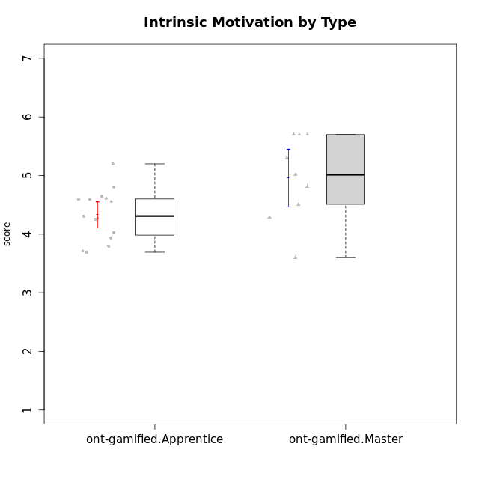

Student's t-Test data
UserID | NroUSP | Type | CLGroup | CLRole | PlayerRole | Interest/Enjoyment | Perceived Choice | Pressure/Tension | Effort/Importance | Intrinsic Motivation | Attention | Relevance | Satisfaction | Level of Motivation
10169 | 10377538 | ont-gamified | Resistance | Apprentice | Social Achiever | 5.7297 | 5.2 | 5.5 | 3.6666666667 | 4.5916666667 | 6.5514333333 | 5.5 | 7 | 5.8645384615
10171 | 698531 | ont-gamified | Mafia | Master | Social Achiever | 5.4826 | 6.2 | 1.75 | 6.9768 | 5.6972216667 | 5 | 6.25 | 5.3333333333 | 5.4615384615
10175 | 10310700 | ont-gamified | Warriors | Master | Social Achiever | 4 | 6.6 | 1 | 6 | 5.6972216667 | 5.1666666667 | 6.25 | 5.6666666667 | 5.6153846154
10176 | 10276949 | ont-gamified | Outlaws | Master | Social Achiever | 3.8333333333 | 3.4 | 4.5 | 3.6666666667 | 3.6 | 4.3333333333 | 4.5174 | 4 | 4.1538461538
10186 | 10310551 | ont-gamified | Slayers | Apprentice | Social Achiever | 3.8333333333 | 4.6 | 5 | 7 | 4.6083333333 | 3.5 | 5.5 | 6.3333333333 | 4.7692307692
10188 | 10276995 | ont-gamified | Vandals | Master | Yee Achiever | 3 | 6.2 | 1 | 5 | 5.3 | 3.3333333333 | 6.5 | 3 | 4.2307692308
10189 | 9363926 | ont-gamified | Vikings | Apprentice | Social Achiever | 2.2703 | 3.4 | 2 | 5.6666666667 | 4.2666666667 | 1.3333333333 | 3.75 | 2.6666666667 | 2.4431538462
10192 | 10276682 | ont-gamified | Attractive Devils | Apprentice | Social Achiever | 4 | 4.8 | 4.25 | 5.6666666667 | 4.5541666667 | 5.1666666667 | 4.5 | 6.6666666667 | 5.3076923077
10193 | 10276762 | ont-gamified | Vandals | Apprentice | Yee Achiever | 2.2703 | 7 | 2.75 | 5 | 4.6458333333 | 1.1666666667 | 6.7239 | 1.3681333333 | 2.9230769231
10198 | 10310888 | ont-gamified | Attractive Devils | Apprentice | Social Achiever | 4 | 3.6 | 4.25 | 5.6666666667 | 4.2541666667 | 5.8333333333 | 5.25 | 6.6666666667 | 5.8461538462
10200 | 9795272 | ont-gamified | Warriors | Apprentice | Social Achiever | 4.5 | 4.8 | 4.75 | 6.6666666667 | 4.8041666667 | 5 | 5.25 | 6 | 5.3076923077
10202 | 10277036 | ont-gamified | Silly Knights | Apprentice | Social Achiever | 3 | 5.2 | 3.5 | 5.6666666667 | 4.5916666667 | 3.1666666667 | 4.5 | 5 | 4
10203 | 9921470 | ont-gamified | Mercenaries | Apprentice | Social Achiever | 4.1666666667 | 6.4 | 3.25 | 7 | 5.1978933333 | 4.5 | 4 | 6.3333333333 | 4.7692307692
10208 | 10276932 | ont-gamified | Mercenaries | Master | Social Achiever | 3.8333333333 | 4.8 | 2.25 | 5.6666666667 | 5.0125 | 2.5 | 4.5174 | 4.3333333333 | 3.2307692308
10209 | 10262669 | ont-gamified | Mafia | Apprentice | Social Achiever | 2.3333333333 | 1.6348 | 1.7761 | 4.6666666667 | 3.7875 | 2.3333333333 | 4.25 | 2.3333333333 | 2.9230769231
10214 | 10277022 | ont-gamified | Vikings | Apprentice | Social Achiever | 2.2703 | 2.6 | 4 | 7 | 3.6916666667 | 2.1666666667 | 3.25 | 3.6666666667 | 2.8461538462
10215 | 9285227 | ont-gamified | Vikings | Master | Social Achiever | 4 | 5.4 | 2.5 | 4.3333333333 | 4.8083333333 | 3 | 6.25 | 2.3333333333 | 3.8461538462
10216 | 10276720 | ont-gamified | Silly Knights | Master | Social Achiever | 4.6666666667 | 5.8 | 1 | 5.6666666667 | 5.6972216667 | 3.8333333333 | 6 | 5.3333333333 | 4.8461538462
10221 | 9082496 | ont-gamified | Warriors | Apprentice | Social Achiever | 2.6666666667 | 3 | 3.25 | 5.3333333333 | 3.9375 | 2.8333333333 | 2.5261 | 4 | 3
10223 | 9795185 | ont-gamified | Slayers | Master | Social Achiever | 5 | 4.2 | 3.5 | 4.3333333333 | 4.5083333333 | 3.8333333333 | 5 | 4.3333333333 | 4.3076923077
10224 | 9368772 | ont-gamified | Mercenaries | Apprentice | Social Achiever | 4 | 3.6 | 4.75 | 4 | 3.7125 | 4.3333333333 | 4.5 | 5 | 4.5384615385
10228 | 10310492 | ont-gamified | Resistance | Apprentice | Social Achiever | 2.2703 | 6.4 | 3.5 | 5 | 4.3083333333 | 2.1666666667 | 4.75 | 4 | 3.3846153846
10230 | 10351992 | ont-gamified | Resistance | Master | Social Achiever | 4.5 | 4 | 4 | 4.6666666667 | 4.2916666667 | 4.6666666667 | 4.75 | 4 | 4.5384615385
10237 | 10377688 | ont-gamified | Outlaws | Apprentice | Social Achiever | 4 | 4.2 | 4.75 | 4.6666666667 | 4.0291666667 | 3.6666666667 | 4.5 | 4.3333333333 | 4.0769230769

Type_CLRole_2
Student's t-Test for Intrinsic Motivation by Type in Type:CLRole between ont-gamified.Apprentice:w/o-gamified.Apprentice

Student's t-Test results
Alternative hypothesis: less
Group | N | Mean | Mean.Difference | Std.deviation | Std.error | CI.lower | CI.upper | df | t.value | p.value | g | magnitude
ont-gamified.Apprentice | 15 | 4.3320817778 | 0.26280353216 | 0.4375489948 | 0.11297466467 | 4.1061324484 | 4.5580311071 | 28.352786073 | 1.1851761866 | 0.87710660578 | 0.37315287963 | small
w/o-gamified.Apprentice | 19 | 4.0692782456 | -0.26280353216 | 0.83169702125 | 0.19080438249 | 3.6876694806 | 4.4508870106 | 28.352786073 | 1.1851761866 | 0.87710660578 | 0.37315287963 | small
Alternative hypothesis: greater
Group | N | Mean | Mean.Difference | Std.deviation | Std.error | CI.lower | CI.upper | df | t.value | p.value | g | magnitude
ont-gamified.Apprentice | 15 | 4.3320817778 | 0.26280353216 | 0.4375489948 | 0.11297466467 | 4.1061324484 | 4.5580311071 | 28.352786073 | 1.1851761866 | 0.12289339422 | 0.37315287963 | small
w/o-gamified.Apprentice | 19 | 4.0692782456 | -0.26280353216 | 0.83169702125 | 0.19080438249 | 3.6876694806 | 4.4508870106 | 28.352786073 | 1.1851761866 | 0.12289339422 | 0.37315287963 | small
Alternative hypothesis: two.sided
Group | N | Mean | Mean.Difference | Std.deviation | Std.error | CI.lower | CI.upper | df | t.value | p.value | g | magnitude
ont-gamified.Apprentice | 15 | 4.3320817778 | 0.26280353216 | 0.4375489948 | 0.11297466467 | 4.1061324484 | 4.5580311071 | 28.352786073 | 1.1851761866 | 0.24578678844 | 0.37315287963 | small
w/o-gamified.Apprentice | 19 | 4.0692782456 | -0.26280353216 | 0.83169702125 | 0.19080438249 | 3.6876694806 | 4.4508870106 | 28.352786073 | 1.1851761866 | 0.24578678844 | 0.37315287963 | small

Box plots for Student's t-Test
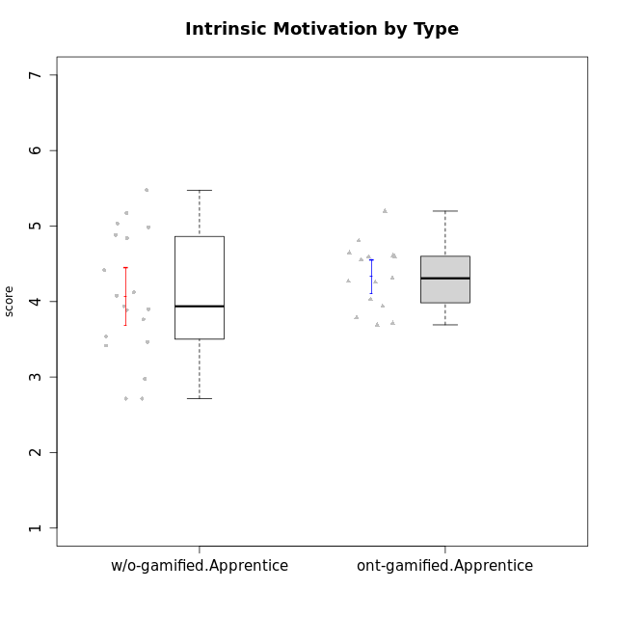

Student's t-Test data
UserID | NroUSP | Type | CLGroup | CLRole | PlayerRole | Interest/Enjoyment | Perceived Choice | Pressure/Tension | Effort/Importance | Intrinsic Motivation | Attention | Relevance | Satisfaction | Level of Motivation
10169 | 10377538 | ont-gamified | Resistance | Apprentice | Social Achiever | 5.7297 | 5.2 | 5.5 | 3.6666666667 | 4.5916666667 | 6.5514333333 | 5.5 | 7 | 5.8645384615
10170 | 10260351 | w/o-gamified | Grupo11 | Apprentice |  | 4.1666666667 | 5.8 | 2.5 | 4.6666666667 | 5.0333333333 | 4.6666666667 | 5.25 | 4.3333333333 | 4.7692307692
10172 | 10273971 | w/o-gamified | Grupo5 | Apprentice |  | 5.1666666667 | 2.8 | 4.25 | 3.3333333333 | 3.7625 | 5 | 3 | 5 | 4.3846153846
10181 | 10276866 | w/o-gamified | Grupo2 | Apprentice |  | 2.1666666667 | 4.2 | 3.5 | 3 | 3.4666666667 | 4.1666666667 | 4.5 | 1.6666666667 | 3.6923076923
10183 | 10352030 | w/o-gamified | Grupo3 | Apprentice |  | 2.8333333333 | 4.4 | 4.75 | 3.6666666667 | 3.5375 | 2.1666666667 | 3 | 2.6666666667 | 2.7852923077
10184 | 10276675 | w/o-gamified | Grupo10 | Apprentice |  | 3.8333333333 | 4 | 3.75 | 3.6666666667 | 3.9375 | 3.8333333333 | 4.75 | 4.6666666667 | 4.3076923077
10185 | 10276960 | w/o-gamified | Grupo9 | Apprentice |  | 4.8333333333 | 3.4 | 4.25 | 4.3333333333 | 4.0791666667 | 3.8333333333 | 3.5 | 4.6666666667 | 3.9230769231
10186 | 10310551 | ont-gamified | Slayers | Apprentice | Social Achiever | 3.8333333333 | 4.6 | 5 | 7 | 4.6083333333 | 3.5 | 5.5 | 6.3333333333 | 4.7692307692
10189 | 9363926 | ont-gamified | Vikings | Apprentice | Social Achiever | 2.2703 | 3.4 | 2 | 5.6666666667 | 4.2666666667 | 1.3333333333 | 3.75 | 2.6666666667 | 2.4431538462
10190 | 10276907 | w/o-gamified | Grupo4 | Apprentice |  | 3.1666666667 | 3 | 4.5 | 4 | 3.4166666667 | 4.8333333333 | 3.25 | 3.6666666667 | 4.0769230769
10192 | 10276682 | ont-gamified | Attractive Devils | Apprentice | Social Achiever | 4 | 4.8 | 4.25 | 5.6666666667 | 4.5541666667 | 5.1666666667 | 4.5 | 6.6666666667 | 5.3076923077
10193 | 10276762 | ont-gamified | Vandals | Apprentice | Yee Achiever | 2.2703 | 7 | 2.75 | 5 | 4.6458333333 | 1.1666666667 | 6.7239 | 1.3681333333 | 2.9230769231
10197 | 10276661 | w/o-gamified | Grupo8 | Apprentice |  | 3.5 | 5 | 3.5 | 4.6666666667 | 4.4166666667 | 5.1666666667 | 5 | 3.3333333333 | 4.6923076923
10198 | 10310888 | ont-gamified | Attractive Devils | Apprentice | Social Achiever | 4 | 3.6 | 4.25 | 5.6666666667 | 4.2541666667 | 5.8333333333 | 5.25 | 6.6666666667 | 5.8461538462
10199 | 10276737 | w/o-gamified | Grupo1 | Apprentice |  | 3 | 3.8 | 3.25 | 4 | 3.8875 | 3.5 | 4.5 | 4.6666666667 | 4.0769230769
10200 | 9795272 | ont-gamified | Warriors | Apprentice | Social Achiever | 4.5 | 4.8 | 4.75 | 6.6666666667 | 4.8041666667 | 5 | 5.25 | 6 | 5.3076923077
10201 | 10276928 | w/o-gamified | Grupo11 | Apprentice |  | 5.1666666667 | 4.2 | 3 | 5 | 4.8416666667 | 4.8333333333 | 3.5 | 5.6666666667 | 4.6153846154
10202 | 10277036 | ont-gamified | Silly Knights | Apprentice | Social Achiever | 3 | 5.2 | 3.5 | 5.6666666667 | 4.5916666667 | 3.1666666667 | 4.5 | 5 | 4
10203 | 9921470 | ont-gamified | Mercenaries | Apprentice | Social Achiever | 4.1666666667 | 6.4 | 3.25 | 7 | 5.1978933333 | 4.5 | 4 | 6.3333333333 | 4.7692307692
10204 | 10310471 | w/o-gamified | Grupo6 | Apprentice |  | 1.8565333333 | 1.42784 | 5.5 | 5 | 2.7143933333 | 1.529 | 4.25 | 2.3333333333 | 2.7852923077
10206 | 10310721 | w/o-gamified | Grupo8 | Apprentice |  | 3.6666666667 | 5.6 | 3 | 5.6666666667 | 4.9833333333 | 4.5 | 4.75 | 5.3333333333 | 4.7692307692
10209 | 10262669 | ont-gamified | Mafia | Apprentice | Social Achiever | 2.3333333333 | 1.6348 | 1.7761 | 4.6666666667 | 3.7875 | 2.3333333333 | 4.25 | 2.3333333333 | 2.9230769231
10210 | 10277015 | w/o-gamified | Grupo6 | Apprentice |  | 1.8565333333 | 1.42784 | 5.5 | 6.3101333333 | 2.975 | 1.529 | 2.5 | 1.3681333333 | 2.7852923077
10213 | 10277040 | w/o-gamified | Grupo7 | Apprentice |  | 3.8333333333 | 1.42784 | 3.75 | 6.3101333333 | 4.1208333333 | 5.5 | 6.7239 | 6 | 5.5224
10214 | 10277022 | ont-gamified | Vikings | Apprentice | Social Achiever | 2.2703 | 2.6 | 4 | 7 | 3.6916666667 | 2.1666666667 | 3.25 | 3.6666666667 | 2.8461538462
10217 | 9805341 | w/o-gamified | Grupo9 | Apprentice |  | 4.3333333333 | 4.2 | 1.5261 | 4 | 4.8833333333 | 3.8333333333 | 5 | 4 | 4.2307692308
10218 | 9842913 | w/o-gamified | Grupo10 | Apprentice |  | 4 | 3.6 | 4 | 4 | 3.9 | 4 | 4.5 | 3.3333333333 | 4
10220 | 9760151 | w/o-gamified | Grupo3 | Apprentice |  | 2.5 | 6.17216 | 1.5261 | 6 | 5.475 | 1.529 | 6.25 | 6 | 4
10221 | 9082496 | ont-gamified | Warriors | Apprentice | Social Achiever | 2.6666666667 | 3 | 3.25 | 5.3333333333 | 3.9375 | 2.8333333333 | 2.5261 | 4 | 3
10224 | 9368772 | ont-gamified | Mercenaries | Apprentice | Social Achiever | 4 | 3.6 | 4.75 | 4 | 3.7125 | 4.3333333333 | 4.5 | 5 | 4.5384615385
10226 | 10310342 | w/o-gamified | Grupo4 | Apprentice |  | 1.8565333333 | 1.42784 | 5.5 | 2.3565333333 | 2.7143933333 | 3.5 | 4.25 | 2.6666666667 | 3.5384615385
10228 | 10310492 | ont-gamified | Resistance | Apprentice | Social Achiever | 2.2703 | 6.4 | 3.5 | 5 | 4.3083333333 | 2.1666666667 | 4.75 | 4 | 3.3846153846
10232 | 10276974 | w/o-gamified | Grupo7 | Apprentice |  | 4.5 | 4.6 | 2.75 | 6.3101333333 | 5.1708333333 | 4.8333333333 | 5.75 | 5.6666666667 | 5.3076923077
10237 | 10377688 | ont-gamified | Outlaws | Apprentice | Social Achiever | 4 | 4.2 | 4.75 | 4.6666666667 | 4.0291666667 | 3.6666666667 | 4.5 | 4.3333333333 | 4.0769230769

Type_CLRole_3
Student's t-Test for Intrinsic Motivation by Type in Type:CLRole between ont-gamified.Apprentice:w/o-gamified.Master

Student's t-Test results
Alternative hypothesis: less
Group | N | Mean | Mean.Difference | Std.deviation | Std.error | CI.lower | CI.upper | df | t.value | p.value | g | magnitude
ont-gamified.Apprentice | 15 | 4.3320817778 | 0.15604011111 | 0.4375489948 | 0.11297466467 | 4.1061324484 | 4.5580311071 | 9.5600657542 | 0.53670223475 | 0.69813125733 | 0.26628540322 | small
w/o-gamified.Master | 8 | 4.1760416667 | -0.15604011111 | 0.75771085781 | 0.26789124287 | 3.6402591809 | 4.7118241524 | 9.5600657542 | 0.53670223475 | 0.69813125733 | 0.26628540322 | small
Alternative hypothesis: greater
Group | N | Mean | Mean.Difference | Std.deviation | Std.error | CI.lower | CI.upper | df | t.value | p.value | g | magnitude
ont-gamified.Apprentice | 15 | 4.3320817778 | 0.15604011111 | 0.4375489948 | 0.11297466467 | 4.1061324484 | 4.5580311071 | 9.5600657542 | 0.53670223475 | 0.30186874267 | 0.26628540322 | small
w/o-gamified.Master | 8 | 4.1760416667 | -0.15604011111 | 0.75771085781 | 0.26789124287 | 3.6402591809 | 4.7118241524 | 9.5600657542 | 0.53670223475 | 0.30186874267 | 0.26628540322 | small
Alternative hypothesis: two.sided
Group | N | Mean | Mean.Difference | Std.deviation | Std.error | CI.lower | CI.upper | df | t.value | p.value | g | magnitude
ont-gamified.Apprentice | 15 | 4.3320817778 | 0.15604011111 | 0.4375489948 | 0.11297466467 | 4.1061324484 | 4.5580311071 | 9.5600657542 | 0.53670223475 | 0.60373748533 | 0.26628540322 | small
w/o-gamified.Master | 8 | 4.1760416667 | -0.15604011111 | 0.75771085781 | 0.26789124287 | 3.6402591809 | 4.7118241524 | 9.5600657542 | 0.53670223475 | 0.60373748533 | 0.26628540322 | small

Box plots for Student's t-Test


Student's t-Test data
UserID | NroUSP | Type | CLGroup | CLRole | PlayerRole | Interest/Enjoyment | Perceived Choice | Pressure/Tension | Effort/Importance | Intrinsic Motivation | Attention | Relevance | Satisfaction | Level of Motivation
10169 | 10377538 | ont-gamified | Resistance | Apprentice | Social Achiever | 5.7297 | 5.2 | 5.5 | 3.6666666667 | 4.5916666667 | 6.5514333333 | 5.5 | 7 | 5.8645384615
10174 | 10276852 | w/o-gamified | Grupo7 | Master |  | 4.5 | 4.2 | 3.9739 | 4.3333333333 | 4.1958333333 | 5.1666666667 | 3.5 | 5 | 4.6153846154
10179 | 10310759 | w/o-gamified | Grupo10 | Master |  | 3.6666666667 | 2.6 | 1.25 | 6.3101333333 | 4.8375 | 3.5 | 5.25 | 4 | 4.1538461538
10186 | 10310551 | ont-gamified | Slayers | Apprentice | Social Achiever | 3.8333333333 | 4.6 | 5 | 7 | 4.6083333333 | 3.5 | 5.5 | 6.3333333333 | 4.7692307692
10189 | 9363926 | ont-gamified | Vikings | Apprentice | Social Achiever | 2.2703 | 3.4 | 2 | 5.6666666667 | 4.2666666667 | 1.3333333333 | 3.75 | 2.6666666667 | 2.4431538462
10191 | 10276981 | w/o-gamified | Grupo1 | Master |  | 2.3333333333 | 3.2 | 1 | 4.6666666667 | 4.3 | 3.3333333333 | 4.25 | 4.3333333333 | 3.8461538462
10192 | 10276682 | ont-gamified | Attractive Devils | Apprentice | Social Achiever | 4 | 4.8 | 4.25 | 5.6666666667 | 4.5541666667 | 5.1666666667 | 4.5 | 6.6666666667 | 5.3076923077
10193 | 10276762 | ont-gamified | Vandals | Apprentice | Yee Achiever | 2.2703 | 7 | 2.75 | 5 | 4.6458333333 | 1.1666666667 | 6.7239 | 1.3681333333 | 2.9230769231
10198 | 10310888 | ont-gamified | Attractive Devils | Apprentice | Social Achiever | 4 | 3.6 | 4.25 | 5.6666666667 | 4.2541666667 | 5.8333333333 | 5.25 | 6.6666666667 | 5.8461538462
10200 | 9795272 | ont-gamified | Warriors | Apprentice | Social Achiever | 4.5 | 4.8 | 4.75 | 6.6666666667 | 4.8041666667 | 5 | 5.25 | 6 | 5.3076923077
10202 | 10277036 | ont-gamified | Silly Knights | Apprentice | Social Achiever | 3 | 5.2 | 3.5 | 5.6666666667 | 4.5916666667 | 3.1666666667 | 4.5 | 5 | 4
10203 | 9921470 | ont-gamified | Mercenaries | Apprentice | Social Achiever | 4.1666666667 | 6.4 | 3.25 | 7 | 5.1978933333 | 4.5 | 4 | 6.3333333333 | 4.7692307692
10209 | 10262669 | ont-gamified | Mafia | Apprentice | Social Achiever | 2.3333333333 | 1.6348 | 1.7761 | 4.6666666667 | 3.7875 | 2.3333333333 | 4.25 | 2.3333333333 | 2.9230769231
10214 | 10277022 | ont-gamified | Vikings | Apprentice | Social Achiever | 2.2703 | 2.6 | 4 | 7 | 3.6916666667 | 2.1666666667 | 3.25 | 3.6666666667 | 2.8461538462
10219 | 10276831 | w/o-gamified | Grupo3 | Master |  | 1.8565333333 | 3.2 | 1 | 2.3565333333 | 3.5916666667 | 2.0203 | 3.5 | 1.3681333333 | 3.0133846154
10221 | 9082496 | ont-gamified | Warriors | Apprentice | Social Achiever | 2.6666666667 | 3 | 3.25 | 5.3333333333 | 3.9375 | 2.8333333333 | 2.5261 | 4 | 3
10224 | 9368772 | ont-gamified | Mercenaries | Apprentice | Social Achiever | 4 | 3.6 | 4.75 | 4 | 3.7125 | 4.3333333333 | 4.5 | 5 | 4.5384615385
10227 | 9274382 | w/o-gamified | Grupo5 | Master |  | 4.3333333333 | 4.6 | 3.75 | 4 | 4.2958333333 | 5.4797 | 5 | 6 | 5.2943076923
10228 | 10310492 | ont-gamified | Resistance | Apprentice | Social Achiever | 2.2703 | 6.4 | 3.5 | 5 | 4.3083333333 | 2.1666666667 | 4.75 | 4 | 3.3846153846
10231 | 10276911 | w/o-gamified | Grupo9 | Master |  | 4.5 | 5.57216 | 1 | 3.6666666667 | 5.3916666667 | 4 | 4.5 | 5.3333333333 | 4.4615384615
10234 | 10310676 | w/o-gamified | Grupo4 | Master |  | 1.8565333333 | 1.8 | 2.25 | 2.3565333333 | 2.8875 | 3.1666666667 | 5.75 | 1.6666666667 | 3.6153846154
10237 | 10377688 | ont-gamified | Outlaws | Apprentice | Social Achiever | 4 | 4.2 | 4.75 | 4.6666666667 | 4.0291666667 | 3.6666666667 | 4.5 | 4.3333333333 | 4.0769230769
10238 | 10276953 | w/o-gamified | Grupo2 | Master |  | 3.8333333333 | 2.8 | 3.9739 | 6 | 3.9083333333 | 4.3333333333 | 4.5 | 3.3333333333 | 4.1538461538

Type_CLRole_4
Student's t-Test for Intrinsic Motivation by Type in Type:CLRole between ont-gamified.Master:w/o-gamified.Apprentice

Student's t-Test results
Alternative hypothesis: less
Group | N | Mean | Mean.Difference | Std.deviation | Std.error | CI.lower | CI.upper | df | t.value | p.value | g | magnitude
ont-gamified.Master | 9 | 4.9569442593 | 0.88766601365 | 0.73075599291 | 0.24358533097 | 4.4697735973 | 5.4441149212 | 17.843534097 | 2.8688153451 | 0.99486315908 | 1.0745881134 | large
w/o-gamified.Apprentice | 19 | 4.0692782456 | -0.88766601365 | 0.83169702125 | 0.19080438249 | 3.6876694806 | 4.4508870106 | 17.843534097 | 2.8688153451 | 0.99486315908 | 1.0745881134 | large
Alternative hypothesis: greater
Group | N | Mean | Mean.Difference | Std.deviation | Std.error | CI.lower | CI.upper | df | t.value | p.value | g | magnitude
ont-gamified.Master | 9 | 4.9569442593 | 0.88766601365 | 0.73075599291 | 0.24358533097 | 4.4697735973 | 5.4441149212 | 17.843534097 | 2.8688153451 | 0.0051368409185 | 1.0745881134 | large
w/o-gamified.Apprentice | 19 | 4.0692782456 | -0.88766601365 | 0.83169702125 | 0.19080438249 | 3.6876694806 | 4.4508870106 | 17.843534097 | 2.8688153451 | 0.0051368409185 | 1.0745881134 | large
Alternative hypothesis: two.sided
Group | N | Mean | Mean.Difference | Std.deviation | Std.error | CI.lower | CI.upper | df | t.value | p.value | g | magnitude
ont-gamified.Master | 9 | 4.9569442593 | 0.88766601365 | 0.73075599291 | 0.24358533097 | 4.4697735973 | 5.4441149212 | 17.843534097 | 2.8688153451 | 0.010273681837 | 1.0745881134 | large
w/o-gamified.Apprentice | 19 | 4.0692782456 | -0.88766601365 | 0.83169702125 | 0.19080438249 | 3.6876694806 | 4.4508870106 | 17.843534097 | 2.8688153451 | 0.010273681837 | 1.0745881134 | large

Box plots for Student's t-Test
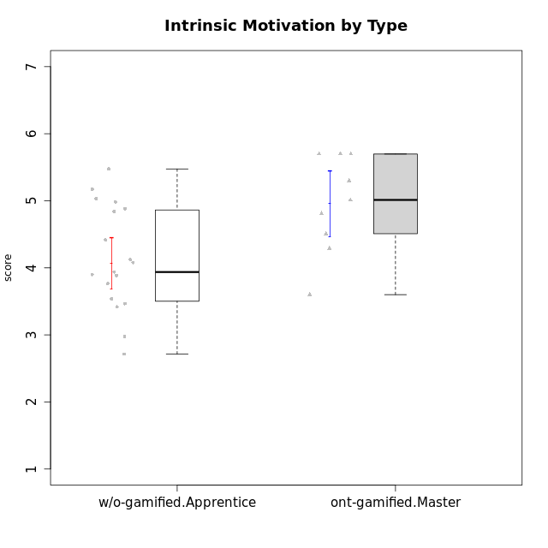

Student's t-Test data
UserID | NroUSP | Type | CLGroup | CLRole | PlayerRole | Interest/Enjoyment | Perceived Choice | Pressure/Tension | Effort/Importance | Intrinsic Motivation | Attention | Relevance | Satisfaction | Level of Motivation
10170 | 10260351 | w/o-gamified | Grupo11 | Apprentice |  | 4.1666666667 | 5.8 | 2.5 | 4.6666666667 | 5.0333333333 | 4.6666666667 | 5.25 | 4.3333333333 | 4.7692307692
10171 | 698531 | ont-gamified | Mafia | Master | Social Achiever | 5.4826 | 6.2 | 1.75 | 6.9768 | 5.6972216667 | 5 | 6.25 | 5.3333333333 | 5.4615384615
10172 | 10273971 | w/o-gamified | Grupo5 | Apprentice |  | 5.1666666667 | 2.8 | 4.25 | 3.3333333333 | 3.7625 | 5 | 3 | 5 | 4.3846153846
10175 | 10310700 | ont-gamified | Warriors | Master | Social Achiever | 4 | 6.6 | 1 | 6 | 5.6972216667 | 5.1666666667 | 6.25 | 5.6666666667 | 5.6153846154
10176 | 10276949 | ont-gamified | Outlaws | Master | Social Achiever | 3.8333333333 | 3.4 | 4.5 | 3.6666666667 | 3.6 | 4.3333333333 | 4.5174 | 4 | 4.1538461538
10181 | 10276866 | w/o-gamified | Grupo2 | Apprentice |  | 2.1666666667 | 4.2 | 3.5 | 3 | 3.4666666667 | 4.1666666667 | 4.5 | 1.6666666667 | 3.6923076923
10183 | 10352030 | w/o-gamified | Grupo3 | Apprentice |  | 2.8333333333 | 4.4 | 4.75 | 3.6666666667 | 3.5375 | 2.1666666667 | 3 | 2.6666666667 | 2.7852923077
10184 | 10276675 | w/o-gamified | Grupo10 | Apprentice |  | 3.8333333333 | 4 | 3.75 | 3.6666666667 | 3.9375 | 3.8333333333 | 4.75 | 4.6666666667 | 4.3076923077
10185 | 10276960 | w/o-gamified | Grupo9 | Apprentice |  | 4.8333333333 | 3.4 | 4.25 | 4.3333333333 | 4.0791666667 | 3.8333333333 | 3.5 | 4.6666666667 | 3.9230769231
10188 | 10276995 | ont-gamified | Vandals | Master | Yee Achiever | 3 | 6.2 | 1 | 5 | 5.3 | 3.3333333333 | 6.5 | 3 | 4.2307692308
10190 | 10276907 | w/o-gamified | Grupo4 | Apprentice |  | 3.1666666667 | 3 | 4.5 | 4 | 3.4166666667 | 4.8333333333 | 3.25 | 3.6666666667 | 4.0769230769
10197 | 10276661 | w/o-gamified | Grupo8 | Apprentice |  | 3.5 | 5 | 3.5 | 4.6666666667 | 4.4166666667 | 5.1666666667 | 5 | 3.3333333333 | 4.6923076923
10199 | 10276737 | w/o-gamified | Grupo1 | Apprentice |  | 3 | 3.8 | 3.25 | 4 | 3.8875 | 3.5 | 4.5 | 4.6666666667 | 4.0769230769
10201 | 10276928 | w/o-gamified | Grupo11 | Apprentice |  | 5.1666666667 | 4.2 | 3 | 5 | 4.8416666667 | 4.8333333333 | 3.5 | 5.6666666667 | 4.6153846154
10204 | 10310471 | w/o-gamified | Grupo6 | Apprentice |  | 1.8565333333 | 1.42784 | 5.5 | 5 | 2.7143933333 | 1.529 | 4.25 | 2.3333333333 | 2.7852923077
10206 | 10310721 | w/o-gamified | Grupo8 | Apprentice |  | 3.6666666667 | 5.6 | 3 | 5.6666666667 | 4.9833333333 | 4.5 | 4.75 | 5.3333333333 | 4.7692307692
10208 | 10276932 | ont-gamified | Mercenaries | Master | Social Achiever | 3.8333333333 | 4.8 | 2.25 | 5.6666666667 | 5.0125 | 2.5 | 4.5174 | 4.3333333333 | 3.2307692308
10210 | 10277015 | w/o-gamified | Grupo6 | Apprentice |  | 1.8565333333 | 1.42784 | 5.5 | 6.3101333333 | 2.975 | 1.529 | 2.5 | 1.3681333333 | 2.7852923077
10213 | 10277040 | w/o-gamified | Grupo7 | Apprentice |  | 3.8333333333 | 1.42784 | 3.75 | 6.3101333333 | 4.1208333333 | 5.5 | 6.7239 | 6 | 5.5224
10215 | 9285227 | ont-gamified | Vikings | Master | Social Achiever | 4 | 5.4 | 2.5 | 4.3333333333 | 4.8083333333 | 3 | 6.25 | 2.3333333333 | 3.8461538462
10216 | 10276720 | ont-gamified | Silly Knights | Master | Social Achiever | 4.6666666667 | 5.8 | 1 | 5.6666666667 | 5.6972216667 | 3.8333333333 | 6 | 5.3333333333 | 4.8461538462
10217 | 9805341 | w/o-gamified | Grupo9 | Apprentice |  | 4.3333333333 | 4.2 | 1.5261 | 4 | 4.8833333333 | 3.8333333333 | 5 | 4 | 4.2307692308
10218 | 9842913 | w/o-gamified | Grupo10 | Apprentice |  | 4 | 3.6 | 4 | 4 | 3.9 | 4 | 4.5 | 3.3333333333 | 4
10220 | 9760151 | w/o-gamified | Grupo3 | Apprentice |  | 2.5 | 6.17216 | 1.5261 | 6 | 5.475 | 1.529 | 6.25 | 6 | 4
10223 | 9795185 | ont-gamified | Slayers | Master | Social Achiever | 5 | 4.2 | 3.5 | 4.3333333333 | 4.5083333333 | 3.8333333333 | 5 | 4.3333333333 | 4.3076923077
10226 | 10310342 | w/o-gamified | Grupo4 | Apprentice |  | 1.8565333333 | 1.42784 | 5.5 | 2.3565333333 | 2.7143933333 | 3.5 | 4.25 | 2.6666666667 | 3.5384615385
10230 | 10351992 | ont-gamified | Resistance | Master | Social Achiever | 4.5 | 4 | 4 | 4.6666666667 | 4.2916666667 | 4.6666666667 | 4.75 | 4 | 4.5384615385
10232 | 10276974 | w/o-gamified | Grupo7 | Apprentice |  | 4.5 | 4.6 | 2.75 | 6.3101333333 | 5.1708333333 | 4.8333333333 | 5.75 | 5.6666666667 | 5.3076923077

Type_CLRole_5
Student's t-Test for Intrinsic Motivation by Type in Type:CLRole between ont-gamified.Master:w/o-gamified.Master

Student's t-Test results
Alternative hypothesis: less
Group | N | Mean | Mean.Difference | Std.deviation | Std.error | CI.lower | CI.upper | df | t.value | p.value | g | magnitude
ont-gamified.Master | 9 | 4.9569442593 | 0.78090259259 | 0.73075599291 | 0.24358533097 | 4.4697735973 | 5.4441149212 | 14.617077107 | 2.15673256 | 0.97594218668 | 0.9969589673 | large
w/o-gamified.Master | 8 | 4.1760416667 | -0.78090259259 | 0.75771085781 | 0.26789124287 | 3.6402591809 | 4.7118241524 | 14.617077107 | 2.15673256 | 0.97594218668 | 0.9969589673 | large
Alternative hypothesis: greater
Group | N | Mean | Mean.Difference | Std.deviation | Std.error | CI.lower | CI.upper | df | t.value | p.value | g | magnitude
ont-gamified.Master | 9 | 4.9569442593 | 0.78090259259 | 0.73075599291 | 0.24358533097 | 4.4697735973 | 5.4441149212 | 14.617077107 | 2.15673256 | 0.024057813321 | 0.9969589673 | large
w/o-gamified.Master | 8 | 4.1760416667 | -0.78090259259 | 0.75771085781 | 0.26789124287 | 3.6402591809 | 4.7118241524 | 14.617077107 | 2.15673256 | 0.024057813321 | 0.9969589673 | large
Alternative hypothesis: two.sided
Group | N | Mean | Mean.Difference | Std.deviation | Std.error | CI.lower | CI.upper | df | t.value | p.value | g | magnitude
ont-gamified.Master | 9 | 4.9569442593 | 0.78090259259 | 0.73075599291 | 0.24358533097 | 4.4697735973 | 5.4441149212 | 14.617077107 | 2.15673256 | 0.048115626642 | 0.9969589673 | large
w/o-gamified.Master | 8 | 4.1760416667 | -0.78090259259 | 0.75771085781 | 0.26789124287 | 3.6402591809 | 4.7118241524 | 14.617077107 | 2.15673256 | 0.048115626642 | 0.9969589673 | large

Box plots for Student's t-Test


Student's t-Test data
UserID | NroUSP | Type | CLGroup | CLRole | PlayerRole | Interest/Enjoyment | Perceived Choice | Pressure/Tension | Effort/Importance | Intrinsic Motivation | Attention | Relevance | Satisfaction | Level of Motivation
10171 | 698531 | ont-gamified | Mafia | Master | Social Achiever | 5.4826 | 6.2 | 1.75 | 6.9768 | 5.6972216667 | 5 | 6.25 | 5.3333333333 | 5.4615384615
10174 | 10276852 | w/o-gamified | Grupo7 | Master |  | 4.5 | 4.2 | 3.9739 | 4.3333333333 | 4.1958333333 | 5.1666666667 | 3.5 | 5 | 4.6153846154
10175 | 10310700 | ont-gamified | Warriors | Master | Social Achiever | 4 | 6.6 | 1 | 6 | 5.6972216667 | 5.1666666667 | 6.25 | 5.6666666667 | 5.6153846154
10176 | 10276949 | ont-gamified | Outlaws | Master | Social Achiever | 3.8333333333 | 3.4 | 4.5 | 3.6666666667 | 3.6 | 4.3333333333 | 4.5174 | 4 | 4.1538461538
10179 | 10310759 | w/o-gamified | Grupo10 | Master |  | 3.6666666667 | 2.6 | 1.25 | 6.3101333333 | 4.8375 | 3.5 | 5.25 | 4 | 4.1538461538
10188 | 10276995 | ont-gamified | Vandals | Master | Yee Achiever | 3 | 6.2 | 1 | 5 | 5.3 | 3.3333333333 | 6.5 | 3 | 4.2307692308
10191 | 10276981 | w/o-gamified | Grupo1 | Master |  | 2.3333333333 | 3.2 | 1 | 4.6666666667 | 4.3 | 3.3333333333 | 4.25 | 4.3333333333 | 3.8461538462
10208 | 10276932 | ont-gamified | Mercenaries | Master | Social Achiever | 3.8333333333 | 4.8 | 2.25 | 5.6666666667 | 5.0125 | 2.5 | 4.5174 | 4.3333333333 | 3.2307692308
10215 | 9285227 | ont-gamified | Vikings | Master | Social Achiever | 4 | 5.4 | 2.5 | 4.3333333333 | 4.8083333333 | 3 | 6.25 | 2.3333333333 | 3.8461538462
10216 | 10276720 | ont-gamified | Silly Knights | Master | Social Achiever | 4.6666666667 | 5.8 | 1 | 5.6666666667 | 5.6972216667 | 3.8333333333 | 6 | 5.3333333333 | 4.8461538462
10219 | 10276831 | w/o-gamified | Grupo3 | Master |  | 1.8565333333 | 3.2 | 1 | 2.3565333333 | 3.5916666667 | 2.0203 | 3.5 | 1.3681333333 | 3.0133846154
10223 | 9795185 | ont-gamified | Slayers | Master | Social Achiever | 5 | 4.2 | 3.5 | 4.3333333333 | 4.5083333333 | 3.8333333333 | 5 | 4.3333333333 | 4.3076923077
10227 | 9274382 | w/o-gamified | Grupo5 | Master |  | 4.3333333333 | 4.6 | 3.75 | 4 | 4.2958333333 | 5.4797 | 5 | 6 | 5.2943076923
10230 | 10351992 | ont-gamified | Resistance | Master | Social Achiever | 4.5 | 4 | 4 | 4.6666666667 | 4.2916666667 | 4.6666666667 | 4.75 | 4 | 4.5384615385
10231 | 10276911 | w/o-gamified | Grupo9 | Master |  | 4.5 | 5.57216 | 1 | 3.6666666667 | 5.3916666667 | 4 | 4.5 | 5.3333333333 | 4.4615384615
10234 | 10310676 | w/o-gamified | Grupo4 | Master |  | 1.8565333333 | 1.8 | 2.25 | 2.3565333333 | 2.8875 | 3.1666666667 | 5.75 | 1.6666666667 | 3.6153846154
10238 | 10276953 | w/o-gamified | Grupo2 | Master |  | 3.8333333333 | 2.8 | 3.9739 | 6 | 3.9083333333 | 4.3333333333 | 4.5 | 3.3333333333 | 4.1538461538

Type_CLRole_6
Student's t-Test for Intrinsic Motivation by Type in Type:CLRole between w/o-gamified.Apprentice:w/o-gamified.Master

Student's t-Test results
Alternative hypothesis: less
Group | N | Mean | Mean.Difference | Std.deviation | Std.error | CI.lower | CI.upper | df | t.value | p.value | g | magnitude
w/o-gamified.Apprentice | 19 | 4.0692782456 | -0.10676342105 | 0.83169702125 | 0.19080438249 | 3.6876694806 | 4.4508870106 | 14.456723943 | -0.32461231422 | 0.37506203353 | -0.12755099386 | negligible
w/o-gamified.Master | 8 | 4.1760416667 | 0.10676342105 | 0.75771085781 | 0.26789124287 | 3.6402591809 | 4.7118241524 | 14.456723943 | -0.32461231422 | 0.37506203353 | -0.12755099386 | negligible
Alternative hypothesis: greater
Group | N | Mean | Mean.Difference | Std.deviation | Std.error | CI.lower | CI.upper | df | t.value | p.value | g | magnitude
w/o-gamified.Apprentice | 19 | 4.0692782456 | -0.10676342105 | 0.83169702125 | 0.19080438249 | 3.6876694806 | 4.4508870106 | 14.456723943 | -0.32461231422 | 0.62493796647 | -0.12755099386 | negligible
w/o-gamified.Master | 8 | 4.1760416667 | 0.10676342105 | 0.75771085781 | 0.26789124287 | 3.6402591809 | 4.7118241524 | 14.456723943 | -0.32461231422 | 0.62493796647 | -0.12755099386 | negligible
Alternative hypothesis: two.sided
Group | N | Mean | Mean.Difference | Std.deviation | Std.error | CI.lower | CI.upper | df | t.value | p.value | g | magnitude
w/o-gamified.Apprentice | 19 | 4.0692782456 | -0.10676342105 | 0.83169702125 | 0.19080438249 | 3.6876694806 | 4.4508870106 | 14.456723943 | -0.32461231422 | 0.75012406706 | -0.12755099386 | negligible
w/o-gamified.Master | 8 | 4.1760416667 | 0.10676342105 | 0.75771085781 | 0.26789124287 | 3.6402591809 | 4.7118241524 | 14.456723943 | -0.32461231422 | 0.75012406706 | -0.12755099386 | negligible

Box plots for Student's t-Test
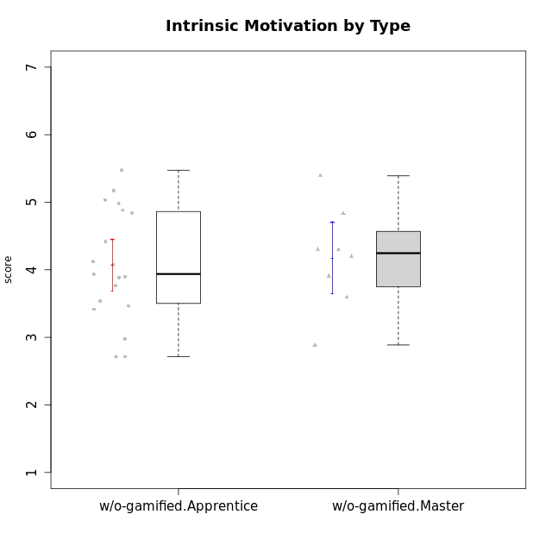

Student's t-Test data
UserID | NroUSP | Type | CLGroup | CLRole | PlayerRole | Interest/Enjoyment | Perceived Choice | Pressure/Tension | Effort/Importance | Intrinsic Motivation | Attention | Relevance | Satisfaction | Level of Motivation
10170 | 10260351 | w/o-gamified | Grupo11 | Apprentice |  | 4.1666666667 | 5.8 | 2.5 | 4.6666666667 | 5.0333333333 | 4.6666666667 | 5.25 | 4.3333333333 | 4.7692307692
10172 | 10273971 | w/o-gamified | Grupo5 | Apprentice |  | 5.1666666667 | 2.8 | 4.25 | 3.3333333333 | 3.7625 | 5 | 3 | 5 | 4.3846153846
10174 | 10276852 | w/o-gamified | Grupo7 | Master |  | 4.5 | 4.2 | 3.9739 | 4.3333333333 | 4.1958333333 | 5.1666666667 | 3.5 | 5 | 4.6153846154
10179 | 10310759 | w/o-gamified | Grupo10 | Master |  | 3.6666666667 | 2.6 | 1.25 | 6.3101333333 | 4.8375 | 3.5 | 5.25 | 4 | 4.1538461538
10181 | 10276866 | w/o-gamified | Grupo2 | Apprentice |  | 2.1666666667 | 4.2 | 3.5 | 3 | 3.4666666667 | 4.1666666667 | 4.5 | 1.6666666667 | 3.6923076923
10183 | 10352030 | w/o-gamified | Grupo3 | Apprentice |  | 2.8333333333 | 4.4 | 4.75 | 3.6666666667 | 3.5375 | 2.1666666667 | 3 | 2.6666666667 | 2.7852923077
10184 | 10276675 | w/o-gamified | Grupo10 | Apprentice |  | 3.8333333333 | 4 | 3.75 | 3.6666666667 | 3.9375 | 3.8333333333 | 4.75 | 4.6666666667 | 4.3076923077
10185 | 10276960 | w/o-gamified | Grupo9 | Apprentice |  | 4.8333333333 | 3.4 | 4.25 | 4.3333333333 | 4.0791666667 | 3.8333333333 | 3.5 | 4.6666666667 | 3.9230769231
10190 | 10276907 | w/o-gamified | Grupo4 | Apprentice |  | 3.1666666667 | 3 | 4.5 | 4 | 3.4166666667 | 4.8333333333 | 3.25 | 3.6666666667 | 4.0769230769
10191 | 10276981 | w/o-gamified | Grupo1 | Master |  | 2.3333333333 | 3.2 | 1 | 4.6666666667 | 4.3 | 3.3333333333 | 4.25 | 4.3333333333 | 3.8461538462
10197 | 10276661 | w/o-gamified | Grupo8 | Apprentice |  | 3.5 | 5 | 3.5 | 4.6666666667 | 4.4166666667 | 5.1666666667 | 5 | 3.3333333333 | 4.6923076923
10199 | 10276737 | w/o-gamified | Grupo1 | Apprentice |  | 3 | 3.8 | 3.25 | 4 | 3.8875 | 3.5 | 4.5 | 4.6666666667 | 4.0769230769
10201 | 10276928 | w/o-gamified | Grupo11 | Apprentice |  | 5.1666666667 | 4.2 | 3 | 5 | 4.8416666667 | 4.8333333333 | 3.5 | 5.6666666667 | 4.6153846154
10204 | 10310471 | w/o-gamified | Grupo6 | Apprentice |  | 1.8565333333 | 1.42784 | 5.5 | 5 | 2.7143933333 | 1.529 | 4.25 | 2.3333333333 | 2.7852923077
10206 | 10310721 | w/o-gamified | Grupo8 | Apprentice |  | 3.6666666667 | 5.6 | 3 | 5.6666666667 | 4.9833333333 | 4.5 | 4.75 | 5.3333333333 | 4.7692307692
10210 | 10277015 | w/o-gamified | Grupo6 | Apprentice |  | 1.8565333333 | 1.42784 | 5.5 | 6.3101333333 | 2.975 | 1.529 | 2.5 | 1.3681333333 | 2.7852923077
10213 | 10277040 | w/o-gamified | Grupo7 | Apprentice |  | 3.8333333333 | 1.42784 | 3.75 | 6.3101333333 | 4.1208333333 | 5.5 | 6.7239 | 6 | 5.5224
10217 | 9805341 | w/o-gamified | Grupo9 | Apprentice |  | 4.3333333333 | 4.2 | 1.5261 | 4 | 4.8833333333 | 3.8333333333 | 5 | 4 | 4.2307692308
10218 | 9842913 | w/o-gamified | Grupo10 | Apprentice |  | 4 | 3.6 | 4 | 4 | 3.9 | 4 | 4.5 | 3.3333333333 | 4
10219 | 10276831 | w/o-gamified | Grupo3 | Master |  | 1.8565333333 | 3.2 | 1 | 2.3565333333 | 3.5916666667 | 2.0203 | 3.5 | 1.3681333333 | 3.0133846154
10220 | 9760151 | w/o-gamified | Grupo3 | Apprentice |  | 2.5 | 6.17216 | 1.5261 | 6 | 5.475 | 1.529 | 6.25 | 6 | 4
10226 | 10310342 | w/o-gamified | Grupo4 | Apprentice |  | 1.8565333333 | 1.42784 | 5.5 | 2.3565333333 | 2.7143933333 | 3.5 | 4.25 | 2.6666666667 | 3.5384615385
10227 | 9274382 | w/o-gamified | Grupo5 | Master |  | 4.3333333333 | 4.6 | 3.75 | 4 | 4.2958333333 | 5.4797 | 5 | 6 | 5.2943076923
10231 | 10276911 | w/o-gamified | Grupo9 | Master |  | 4.5 | 5.57216 | 1 | 3.6666666667 | 5.3916666667 | 4 | 4.5 | 5.3333333333 | 4.4615384615
10232 | 10276974 | w/o-gamified | Grupo7 | Apprentice |  | 4.5 | 4.6 | 2.75 | 6.3101333333 | 5.1708333333 | 4.8333333333 | 5.75 | 5.6666666667 | 5.3076923077
10234 | 10310676 | w/o-gamified | Grupo4 | Master |  | 1.8565333333 | 1.8 | 2.25 | 2.3565333333 | 2.8875 | 3.1666666667 | 5.75 | 1.6666666667 | 3.6153846154
10238 | 10276953 | w/o-gamified | Grupo2 | Master |  | 3.8333333333 | 2.8 | 3.9739 | 6 | 3.9083333333 | 4.3333333333 | 4.5 | 3.3333333333 | 4.1538461538

