Assumptions
ANOVA assumptions for Pressure/Tension by Type

Shapiro-Wilk normality test for Pressure/Tension by Type
W | p.value
0.96436751329 | 0.128054832

Plots for normality test
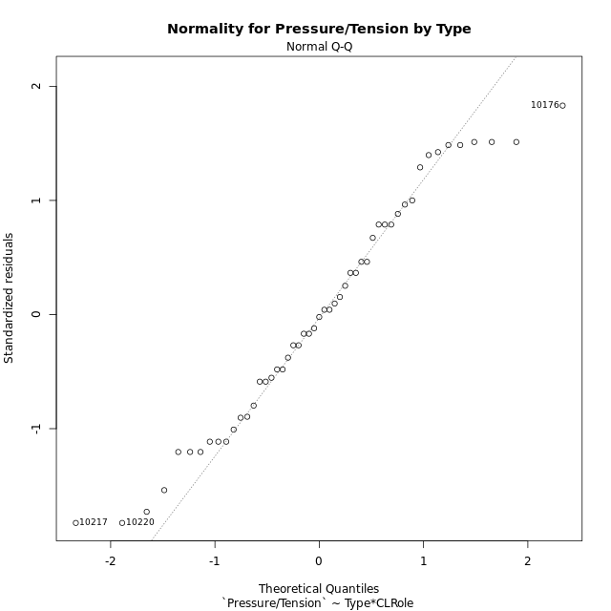

Levene's Test for Homogeneity of Variance in Pressure/Tension by Type
Df | F value | Pr(>F)
3 | 0.50225814624 | 0.6825649217
47

Plots for homogeneity of variance
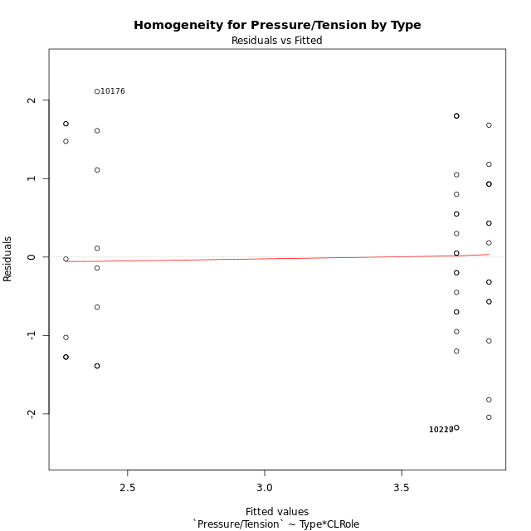

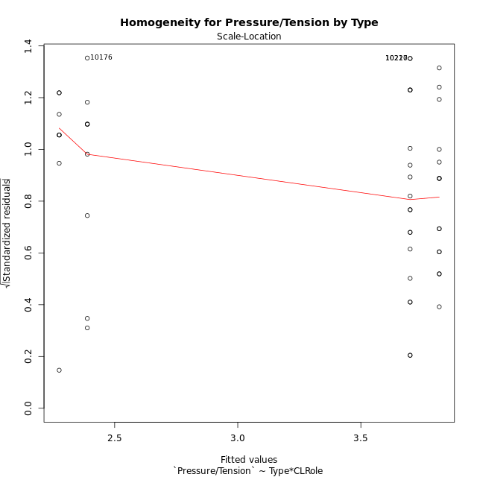

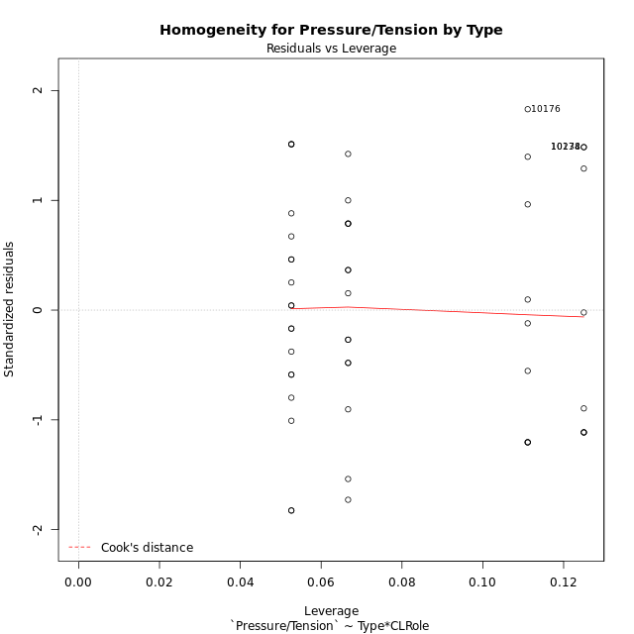

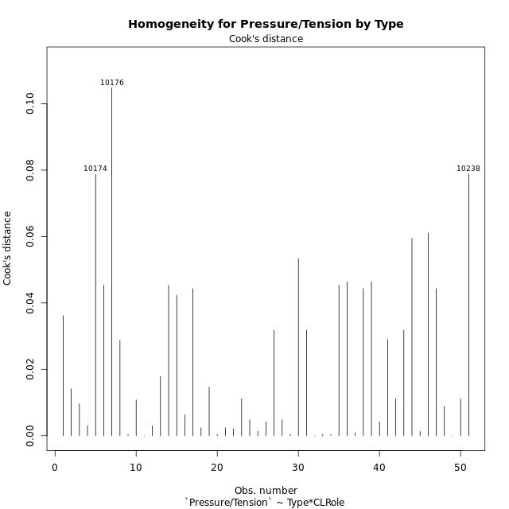

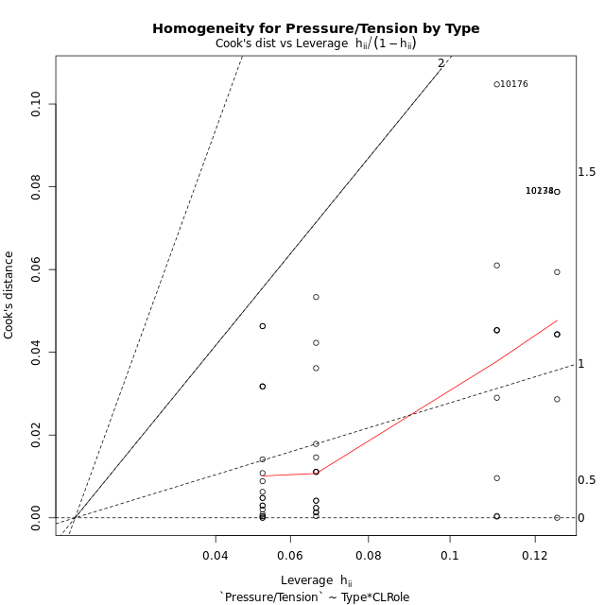

Minimum Sample Size Test for Pressure/Tension by Type
Type | CLRole | Freq
ont-gamified | Apprentice | 15
w/o-gamified | Apprentice | 19
ont-gamified | Master | 9
w/o-gamified | Master | 8

Errors and Warnings in Sample Size Test for ANOVA in Pressure/Tension by Type
code | description
WARN: sample.size | current size is 9 and recommended size is 15 for the group: 'ont-gamified:Master'.
WARN: sample.size | current size is 8 and recommended size is 15 for the group: 'w/o-gamified:Master'.

For the group: 'ont-gamified:Apprentice', you can perform a parametric test without having a normal distribution For the group: 'w/o-gamified:Apprentice', you can perform a parametric test without having a normal distribution For the group: 'ont-gamified:Master', we recommend the use of non-parametric test. For the group: 'w/o-gamified:Master', we recommend the use of non-parametric test.

If you don't want to remove non-normal data, you must cite the following references: ... (1) Lix, L.M., J.C. Keselman, and H.J. Keselman. 1996. Consequences of assumption violations revisited: A quantitative review of alternatives to the one-way analysis of variance F test. Rev. Educ. Res. 66: 579-619. ... (2) Harwell, M.R., E.N. Rubinstein, W.S. Hayes, and C.C. Olds. 1992. Summarizing Monte Carlo results in methodological research: the one- and two-factor fixed effects ANOVA cases. J. Educ. Stat. 17: 315-339.

Post-hoc
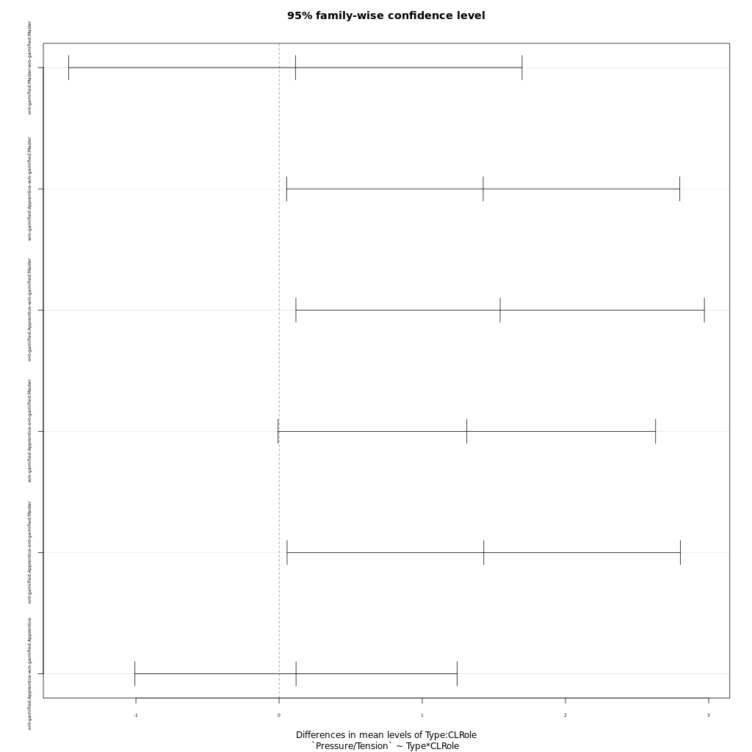
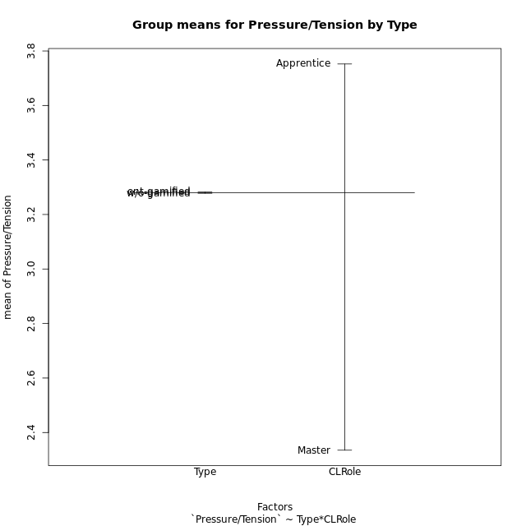
Post-hoc Tukey Honestly Significant Difference (HSD) Test for Pressure/Tension by Type

Comparisons of means for Type
 | diff | lwr | upr | p adj
ont-gamified-w/o-gamified | 0.0045597222222 | -0.68572856032 | 0.69484800476 | 0.98945377696

Comparisons of means for CLRole
 | diff | lwr | upr | p adj
Apprentice-Master | 1.4175405637 | 0.68664708809 | 2.1484340394 | 0.0003031167097

Comparisons of means for Type:CLRole
 | diff | lwr | upr | p adj
ont-gamified:Master-w/o-gamified:Master | 0.11416388889 | -1.4687373264 | 1.6970651042 | 0.99745148746
w/o-gamified:Apprentice-w/o-gamified:Master | 1.4253907895 | 0.052437733267 | 2.7983438457 | 0.039138082078
ont-gamified:Apprentice-w/o-gamified:Master | 1.5436816667 | 0.11751955329 | 2.96984378 | 0.029215322247
w/o-gamified:Apprentice-ont-gamified:Master | 1.3112269006 | -0.0069586917653 | 2.6294124929 | 0.051691654163
ont-gamified:Apprentice-ont-gamified:Master | 1.4295177778 | 0.055999836521 | 2.803035719 | 0.038486392726
ont-gamified:Apprentice-w/o-gamified:Apprentice | 0.11829087719 | -1.006864833 | 1.2434465874 | 0.99223520301

Contrast Matrices for Pressure/Tension by Type - Type
contrast | estimate | SE | df | t.ratio | p.value
ont-gamified - w/o-gamified | 0.11622738304 | 0.36458213772 | 47 | 0.31879615323 | 0.75129357541

Contrast Matrices for Pressure/Tension by Type - Type:CLRole
contrast | CLRole | estimate | SE | df | t.ratio | p.value
ont-gamified - w/o-gamified | Apprentice | 0.11829087719 | 0.4224525955 | 47 | 0.28000982466 | 0.78069869511
ont-gamified - w/o-gamified | Master | 0.11416388889 | 0.59431838702 | 47 | 0.19209213678 | 0.84849759237

Least Squares Means and Confidence Intervals for Type
Type | lsmean | SE | df | lower.CL | upper.CL | Pairs
ont-gamified | 3.1036477778 | 0.25785151957 | 47 | 2.5849174293 | 3.6223781262 | ont-gamified
w/o-gamified | 2.9874203947 | 0.25774547329 | 47 | 2.4689033839 | 3.5059374056 | w/o-gamified

Least Squares Means and Confidence Intervals for Type:CLRole
Type | CLRole | lsmean | SE | df | lower.CL | upper.CL | Pairs
ont-gamified | Apprentice | 3.8184066667 | 0.31580232618 | 47 | 3.1830943328 | 4.4537190006 | ont-gamified.Apprentice
w/o-gamified | Apprentice | 3.7001157895 | 0.28059773026 | 47 | 3.1356259675 | 4.2646056115 | w/o-gamified.Apprentice
ont-gamified | Master | 2.3888888889 | 0.40769904999 | 47 | 1.5687041926 | 3.2090735852 | ont-gamified.Master
w/o-gamified | Master | 2.274725 | 0.4324301444 | 47 | 1.4047877592 | 3.1446622408 | w/o-gamified.Master

Plots

Type_1
Student's t-Test for Pressure/Tension by Type in Type between ont-gamified:w/o-gamified

Student's t-Test results
Alternative hypothesis: less
Group | N | Mean | Mean.Difference | Std.deviation | Std.error | CI.lower | CI.upper | df | t.value | p.value | g | magnitude
ont-gamified | 24 | 3.2823375 | 0.0045597222222 | 1.362698475 | 0.27815966142 | 2.7260181772 | 3.8386568228 | 48.538756111 | 0.011798440288 | 0.50468260684 | 0.0032545767359 | negligible
w/o-gamified | 27 | 3.2777777778 | -0.0045597222222 | 1.3941276774 | 0.26829999662 | 2.7411777845 | 3.814377771 | 48.538756111 | 0.011798440288 | 0.50468260684 | 0.0032545767359 | negligible
Alternative hypothesis: greater
Group | N | Mean | Mean.Difference | Std.deviation | Std.error | CI.lower | CI.upper | df | t.value | p.value | g | magnitude
ont-gamified | 24 | 3.2823375 | 0.0045597222222 | 1.362698475 | 0.27815966142 | 2.7260181772 | 3.8386568228 | 48.538756111 | 0.011798440288 | 0.49531739316 | 0.0032545767359 | negligible
w/o-gamified | 27 | 3.2777777778 | -0.0045597222222 | 1.3941276774 | 0.26829999662 | 2.7411777845 | 3.814377771 | 48.538756111 | 0.011798440288 | 0.49531739316 | 0.0032545767359 | negligible
Alternative hypothesis: two.sided
Group | N | Mean | Mean.Difference | Std.deviation | Std.error | CI.lower | CI.upper | df | t.value | p.value | g | magnitude
ont-gamified | 24 | 3.2823375 | 0.0045597222222 | 1.362698475 | 0.27815966142 | 2.7260181772 | 3.8386568228 | 48.538756111 | 0.011798440288 | 0.99063478631 | 0.0032545767359 | negligible
w/o-gamified | 27 | 3.2777777778 | -0.0045597222222 | 1.3941276774 | 0.26829999662 | 2.7411777845 | 3.814377771 | 48.538756111 | 0.011798440288 | 0.99063478631 | 0.0032545767359 | negligible

Box plots for Student's t-Test
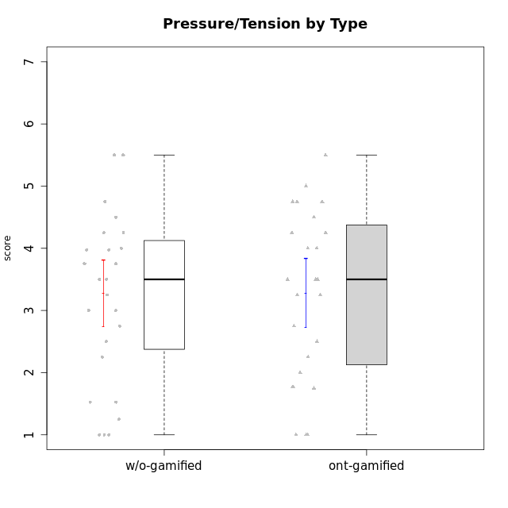

Student's t-Test data
UserID | NroUSP | Type | CLGroup | CLRole | PlayerRole | Interest/Enjoyment | Perceived Choice | Pressure/Tension | Effort/Importance | Intrinsic Motivation | Attention | Relevance | Satisfaction | Level of Motivation
10169 | 10377538 | ont-gamified | Resistance | Apprentice | Social Achiever | 5.7297 | 5.2 | 5.5 | 3.6666666667 | 4.5916666667 | 6.5514333333 | 5.5 | 7 | 5.8645384615
10170 | 10260351 | w/o-gamified | Grupo11 | Apprentice |  | 4.1666666667 | 5.8 | 2.5 | 4.6666666667 | 5.0333333333 | 4.6666666667 | 5.25 | 4.3333333333 | 4.7692307692
10171 | 698531 | ont-gamified | Mafia | Master | Social Achiever | 5.4826 | 6.2 | 1.75 | 6.9768 | 5.6972216667 | 5 | 6.25 | 5.3333333333 | 5.4615384615
10172 | 10273971 | w/o-gamified | Grupo5 | Apprentice |  | 5.1666666667 | 2.8 | 4.25 | 3.3333333333 | 3.7625 | 5 | 3 | 5 | 4.3846153846
10174 | 10276852 | w/o-gamified | Grupo7 | Master |  | 4.5 | 4.2 | 3.9739 | 4.3333333333 | 4.1958333333 | 5.1666666667 | 3.5 | 5 | 4.6153846154
10175 | 10310700 | ont-gamified | Warriors | Master | Social Achiever | 4 | 6.6 | 1 | 6 | 5.6972216667 | 5.1666666667 | 6.25 | 5.6666666667 | 5.6153846154
10176 | 10276949 | ont-gamified | Outlaws | Master | Social Achiever | 3.8333333333 | 3.4 | 4.5 | 3.6666666667 | 3.6 | 4.3333333333 | 4.5174 | 4 | 4.1538461538
10179 | 10310759 | w/o-gamified | Grupo10 | Master |  | 3.6666666667 | 2.6 | 1.25 | 6.3101333333 | 4.8375 | 3.5 | 5.25 | 4 | 4.1538461538
10181 | 10276866 | w/o-gamified | Grupo2 | Apprentice |  | 2.1666666667 | 4.2 | 3.5 | 3 | 3.4666666667 | 4.1666666667 | 4.5 | 1.6666666667 | 3.6923076923
10183 | 10352030 | w/o-gamified | Grupo3 | Apprentice |  | 2.8333333333 | 4.4 | 4.75 | 3.6666666667 | 3.5375 | 2.1666666667 | 3 | 2.6666666667 | 2.7852923077
10184 | 10276675 | w/o-gamified | Grupo10 | Apprentice |  | 3.8333333333 | 4 | 3.75 | 3.6666666667 | 3.9375 | 3.8333333333 | 4.75 | 4.6666666667 | 4.3076923077
10185 | 10276960 | w/o-gamified | Grupo9 | Apprentice |  | 4.8333333333 | 3.4 | 4.25 | 4.3333333333 | 4.0791666667 | 3.8333333333 | 3.5 | 4.6666666667 | 3.9230769231
10186 | 10310551 | ont-gamified | Slayers | Apprentice | Social Achiever | 3.8333333333 | 4.6 | 5 | 7 | 4.6083333333 | 3.5 | 5.5 | 6.3333333333 | 4.7692307692
10188 | 10276995 | ont-gamified | Vandals | Master | Yee Achiever | 3 | 6.2 | 1 | 5 | 5.3 | 3.3333333333 | 6.5 | 3 | 4.2307692308
10189 | 9363926 | ont-gamified | Vikings | Apprentice | Social Achiever | 2.2703 | 3.4 | 2 | 5.6666666667 | 4.2666666667 | 1.3333333333 | 3.75 | 2.6666666667 | 2.4431538462
10190 | 10276907 | w/o-gamified | Grupo4 | Apprentice |  | 3.1666666667 | 3 | 4.5 | 4 | 3.4166666667 | 4.8333333333 | 3.25 | 3.6666666667 | 4.0769230769
10191 | 10276981 | w/o-gamified | Grupo1 | Master |  | 2.3333333333 | 3.2 | 1 | 4.6666666667 | 4.3 | 3.3333333333 | 4.25 | 4.3333333333 | 3.8461538462
10192 | 10276682 | ont-gamified | Attractive Devils | Apprentice | Social Achiever | 4 | 4.8 | 4.25 | 5.6666666667 | 4.5541666667 | 5.1666666667 | 4.5 | 6.6666666667 | 5.3076923077
10193 | 10276762 | ont-gamified | Vandals | Apprentice | Yee Achiever | 2.2703 | 7 | 2.75 | 5 | 4.6458333333 | 1.1666666667 | 6.7239 | 1.3681333333 | 2.9230769231
10197 | 10276661 | w/o-gamified | Grupo8 | Apprentice |  | 3.5 | 5 | 3.5 | 4.6666666667 | 4.4166666667 | 5.1666666667 | 5 | 3.3333333333 | 4.6923076923
10198 | 10310888 | ont-gamified | Attractive Devils | Apprentice | Social Achiever | 4 | 3.6 | 4.25 | 5.6666666667 | 4.2541666667 | 5.8333333333 | 5.25 | 6.6666666667 | 5.8461538462
10199 | 10276737 | w/o-gamified | Grupo1 | Apprentice |  | 3 | 3.8 | 3.25 | 4 | 3.8875 | 3.5 | 4.5 | 4.6666666667 | 4.0769230769
10200 | 9795272 | ont-gamified | Warriors | Apprentice | Social Achiever | 4.5 | 4.8 | 4.75 | 6.6666666667 | 4.8041666667 | 5 | 5.25 | 6 | 5.3076923077
10201 | 10276928 | w/o-gamified | Grupo11 | Apprentice |  | 5.1666666667 | 4.2 | 3 | 5 | 4.8416666667 | 4.8333333333 | 3.5 | 5.6666666667 | 4.6153846154
10202 | 10277036 | ont-gamified | Silly Knights | Apprentice | Social Achiever | 3 | 5.2 | 3.5 | 5.6666666667 | 4.5916666667 | 3.1666666667 | 4.5 | 5 | 4
10203 | 9921470 | ont-gamified | Mercenaries | Apprentice | Social Achiever | 4.1666666667 | 6.4 | 3.25 | 7 | 5.1978933333 | 4.5 | 4 | 6.3333333333 | 4.7692307692
10204 | 10310471 | w/o-gamified | Grupo6 | Apprentice |  | 1.8565333333 | 1.42784 | 5.5 | 5 | 2.7143933333 | 1.529 | 4.25 | 2.3333333333 | 2.7852923077
10206 | 10310721 | w/o-gamified | Grupo8 | Apprentice |  | 3.6666666667 | 5.6 | 3 | 5.6666666667 | 4.9833333333 | 4.5 | 4.75 | 5.3333333333 | 4.7692307692
10208 | 10276932 | ont-gamified | Mercenaries | Master | Social Achiever | 3.8333333333 | 4.8 | 2.25 | 5.6666666667 | 5.0125 | 2.5 | 4.5174 | 4.3333333333 | 3.2307692308
10209 | 10262669 | ont-gamified | Mafia | Apprentice | Social Achiever | 2.3333333333 | 1.6348 | 1.7761 | 4.6666666667 | 3.7875 | 2.3333333333 | 4.25 | 2.3333333333 | 2.9230769231
10210 | 10277015 | w/o-gamified | Grupo6 | Apprentice |  | 1.8565333333 | 1.42784 | 5.5 | 6.3101333333 | 2.975 | 1.529 | 2.5 | 1.3681333333 | 2.7852923077
10213 | 10277040 | w/o-gamified | Grupo7 | Apprentice |  | 3.8333333333 | 1.42784 | 3.75 | 6.3101333333 | 4.1208333333 | 5.5 | 6.7239 | 6 | 5.5224
10214 | 10277022 | ont-gamified | Vikings | Apprentice | Social Achiever | 2.2703 | 2.6 | 4 | 7 | 3.6916666667 | 2.1666666667 | 3.25 | 3.6666666667 | 2.8461538462
10215 | 9285227 | ont-gamified | Vikings | Master | Social Achiever | 4 | 5.4 | 2.5 | 4.3333333333 | 4.8083333333 | 3 | 6.25 | 2.3333333333 | 3.8461538462
10216 | 10276720 | ont-gamified | Silly Knights | Master | Social Achiever | 4.6666666667 | 5.8 | 1 | 5.6666666667 | 5.6972216667 | 3.8333333333 | 6 | 5.3333333333 | 4.8461538462
10217 | 9805341 | w/o-gamified | Grupo9 | Apprentice |  | 4.3333333333 | 4.2 | 1.5261 | 4 | 4.8833333333 | 3.8333333333 | 5 | 4 | 4.2307692308
10218 | 9842913 | w/o-gamified | Grupo10 | Apprentice |  | 4 | 3.6 | 4 | 4 | 3.9 | 4 | 4.5 | 3.3333333333 | 4
10219 | 10276831 | w/o-gamified | Grupo3 | Master |  | 1.8565333333 | 3.2 | 1 | 2.3565333333 | 3.5916666667 | 2.0203 | 3.5 | 1.3681333333 | 3.0133846154
10220 | 9760151 | w/o-gamified | Grupo3 | Apprentice |  | 2.5 | 6.17216 | 1.5261 | 6 | 5.475 | 1.529 | 6.25 | 6 | 4
10221 | 9082496 | ont-gamified | Warriors | Apprentice | Social Achiever | 2.6666666667 | 3 | 3.25 | 5.3333333333 | 3.9375 | 2.8333333333 | 2.5261 | 4 | 3
10223 | 9795185 | ont-gamified | Slayers | Master | Social Achiever | 5 | 4.2 | 3.5 | 4.3333333333 | 4.5083333333 | 3.8333333333 | 5 | 4.3333333333 | 4.3076923077
10224 | 9368772 | ont-gamified | Mercenaries | Apprentice | Social Achiever | 4 | 3.6 | 4.75 | 4 | 3.7125 | 4.3333333333 | 4.5 | 5 | 4.5384615385
10226 | 10310342 | w/o-gamified | Grupo4 | Apprentice |  | 1.8565333333 | 1.42784 | 5.5 | 2.3565333333 | 2.7143933333 | 3.5 | 4.25 | 2.6666666667 | 3.5384615385
10227 | 9274382 | w/o-gamified | Grupo5 | Master |  | 4.3333333333 | 4.6 | 3.75 | 4 | 4.2958333333 | 5.4797 | 5 | 6 | 5.2943076923
10228 | 10310492 | ont-gamified | Resistance | Apprentice | Social Achiever | 2.2703 | 6.4 | 3.5 | 5 | 4.3083333333 | 2.1666666667 | 4.75 | 4 | 3.3846153846
10230 | 10351992 | ont-gamified | Resistance | Master | Social Achiever | 4.5 | 4 | 4 | 4.6666666667 | 4.2916666667 | 4.6666666667 | 4.75 | 4 | 4.5384615385
10231 | 10276911 | w/o-gamified | Grupo9 | Master |  | 4.5 | 5.57216 | 1 | 3.6666666667 | 5.3916666667 | 4 | 4.5 | 5.3333333333 | 4.4615384615
10232 | 10276974 | w/o-gamified | Grupo7 | Apprentice |  | 4.5 | 4.6 | 2.75 | 6.3101333333 | 5.1708333333 | 4.8333333333 | 5.75 | 5.6666666667 | 5.3076923077
10234 | 10310676 | w/o-gamified | Grupo4 | Master |  | 1.8565333333 | 1.8 | 2.25 | 2.3565333333 | 2.8875 | 3.1666666667 | 5.75 | 1.6666666667 | 3.6153846154
10237 | 10377688 | ont-gamified | Outlaws | Apprentice | Social Achiever | 4 | 4.2 | 4.75 | 4.6666666667 | 4.0291666667 | 3.6666666667 | 4.5 | 4.3333333333 | 4.0769230769
10238 | 10276953 | w/o-gamified | Grupo2 | Master |  | 3.8333333333 | 2.8 | 3.9739 | 6 | 3.9083333333 | 4.3333333333 | 4.5 | 3.3333333333 | 4.1538461538

Type_CLRole_1
Student's t-Test for Pressure/Tension by Type in Type:CLRole between ont-gamified.Apprentice:ont-gamified.Master

Student's t-Test results
Alternative hypothesis: less
Group | N | Mean | Mean.Difference | Std.deviation | Std.error | CI.lower | CI.upper | df | t.value | p.value | g | magnitude
ont-gamified.Apprentice | 15 | 3.8184066667 | 1.4295177778 | 1.0922156096 | 0.28200885776 | 3.2543889512 | 4.3824243822 | 14.286879414 | 2.6961919394 | 0.99142842373 | 1.1587224405 | large
ont-gamified.Master | 9 | 2.3888888889 | -1.4295177778 | 1.3469358229 | 0.44897860765 | 1.4909316736 | 3.2868461042 | 14.286879414 | 2.6961919394 | 0.99142842373 | 1.1587224405 | large
Alternative hypothesis: greater
Group | N | Mean | Mean.Difference | Std.deviation | Std.error | CI.lower | CI.upper | df | t.value | p.value | g | magnitude
ont-gamified.Apprentice | 15 | 3.8184066667 | 1.4295177778 | 1.0922156096 | 0.28200885776 | 3.2543889512 | 4.3824243822 | 14.286879414 | 2.6961919394 | 0.0085715762715 | 1.1587224405 | large
ont-gamified.Master | 9 | 2.3888888889 | -1.4295177778 | 1.3469358229 | 0.44897860765 | 1.4909316736 | 3.2868461042 | 14.286879414 | 2.6961919394 | 0.0085715762715 | 1.1587224405 | large
Alternative hypothesis: two.sided
Group | N | Mean | Mean.Difference | Std.deviation | Std.error | CI.lower | CI.upper | df | t.value | p.value | g | magnitude
ont-gamified.Apprentice | 15 | 3.8184066667 | 1.4295177778 | 1.0922156096 | 0.28200885776 | 3.2543889512 | 4.3824243822 | 14.286879414 | 2.6961919394 | 0.017143152543 | 1.1587224405 | large
ont-gamified.Master | 9 | 2.3888888889 | -1.4295177778 | 1.3469358229 | 0.44897860765 | 1.4909316736 | 3.2868461042 | 14.286879414 | 2.6961919394 | 0.017143152543 | 1.1587224405 | large

Box plots for Student's t-Test
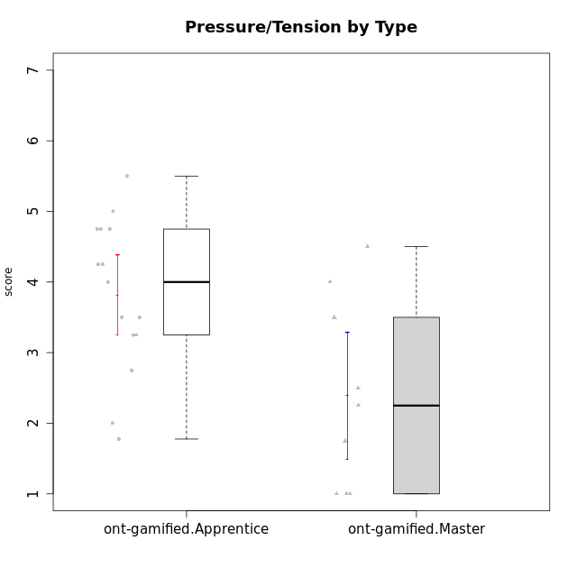

Student's t-Test data
UserID | NroUSP | Type | CLGroup | CLRole | PlayerRole | Interest/Enjoyment | Perceived Choice | Pressure/Tension | Effort/Importance | Intrinsic Motivation | Attention | Relevance | Satisfaction | Level of Motivation
10169 | 10377538 | ont-gamified | Resistance | Apprentice | Social Achiever | 5.7297 | 5.2 | 5.5 | 3.6666666667 | 4.5916666667 | 6.5514333333 | 5.5 | 7 | 5.8645384615
10171 | 698531 | ont-gamified | Mafia | Master | Social Achiever | 5.4826 | 6.2 | 1.75 | 6.9768 | 5.6972216667 | 5 | 6.25 | 5.3333333333 | 5.4615384615
10175 | 10310700 | ont-gamified | Warriors | Master | Social Achiever | 4 | 6.6 | 1 | 6 | 5.6972216667 | 5.1666666667 | 6.25 | 5.6666666667 | 5.6153846154
10176 | 10276949 | ont-gamified | Outlaws | Master | Social Achiever | 3.8333333333 | 3.4 | 4.5 | 3.6666666667 | 3.6 | 4.3333333333 | 4.5174 | 4 | 4.1538461538
10186 | 10310551 | ont-gamified | Slayers | Apprentice | Social Achiever | 3.8333333333 | 4.6 | 5 | 7 | 4.6083333333 | 3.5 | 5.5 | 6.3333333333 | 4.7692307692
10188 | 10276995 | ont-gamified | Vandals | Master | Yee Achiever | 3 | 6.2 | 1 | 5 | 5.3 | 3.3333333333 | 6.5 | 3 | 4.2307692308
10189 | 9363926 | ont-gamified | Vikings | Apprentice | Social Achiever | 2.2703 | 3.4 | 2 | 5.6666666667 | 4.2666666667 | 1.3333333333 | 3.75 | 2.6666666667 | 2.4431538462
10192 | 10276682 | ont-gamified | Attractive Devils | Apprentice | Social Achiever | 4 | 4.8 | 4.25 | 5.6666666667 | 4.5541666667 | 5.1666666667 | 4.5 | 6.6666666667 | 5.3076923077
10193 | 10276762 | ont-gamified | Vandals | Apprentice | Yee Achiever | 2.2703 | 7 | 2.75 | 5 | 4.6458333333 | 1.1666666667 | 6.7239 | 1.3681333333 | 2.9230769231
10198 | 10310888 | ont-gamified | Attractive Devils | Apprentice | Social Achiever | 4 | 3.6 | 4.25 | 5.6666666667 | 4.2541666667 | 5.8333333333 | 5.25 | 6.6666666667 | 5.8461538462
10200 | 9795272 | ont-gamified | Warriors | Apprentice | Social Achiever | 4.5 | 4.8 | 4.75 | 6.6666666667 | 4.8041666667 | 5 | 5.25 | 6 | 5.3076923077
10202 | 10277036 | ont-gamified | Silly Knights | Apprentice | Social Achiever | 3 | 5.2 | 3.5 | 5.6666666667 | 4.5916666667 | 3.1666666667 | 4.5 | 5 | 4
10203 | 9921470 | ont-gamified | Mercenaries | Apprentice | Social Achiever | 4.1666666667 | 6.4 | 3.25 | 7 | 5.1978933333 | 4.5 | 4 | 6.3333333333 | 4.7692307692
10208 | 10276932 | ont-gamified | Mercenaries | Master | Social Achiever | 3.8333333333 | 4.8 | 2.25 | 5.6666666667 | 5.0125 | 2.5 | 4.5174 | 4.3333333333 | 3.2307692308
10209 | 10262669 | ont-gamified | Mafia | Apprentice | Social Achiever | 2.3333333333 | 1.6348 | 1.7761 | 4.6666666667 | 3.7875 | 2.3333333333 | 4.25 | 2.3333333333 | 2.9230769231
10214 | 10277022 | ont-gamified | Vikings | Apprentice | Social Achiever | 2.2703 | 2.6 | 4 | 7 | 3.6916666667 | 2.1666666667 | 3.25 | 3.6666666667 | 2.8461538462
10215 | 9285227 | ont-gamified | Vikings | Master | Social Achiever | 4 | 5.4 | 2.5 | 4.3333333333 | 4.8083333333 | 3 | 6.25 | 2.3333333333 | 3.8461538462
10216 | 10276720 | ont-gamified | Silly Knights | Master | Social Achiever | 4.6666666667 | 5.8 | 1 | 5.6666666667 | 5.6972216667 | 3.8333333333 | 6 | 5.3333333333 | 4.8461538462
10221 | 9082496 | ont-gamified | Warriors | Apprentice | Social Achiever | 2.6666666667 | 3 | 3.25 | 5.3333333333 | 3.9375 | 2.8333333333 | 2.5261 | 4 | 3
10223 | 9795185 | ont-gamified | Slayers | Master | Social Achiever | 5 | 4.2 | 3.5 | 4.3333333333 | 4.5083333333 | 3.8333333333 | 5 | 4.3333333333 | 4.3076923077
10224 | 9368772 | ont-gamified | Mercenaries | Apprentice | Social Achiever | 4 | 3.6 | 4.75 | 4 | 3.7125 | 4.3333333333 | 4.5 | 5 | 4.5384615385
10228 | 10310492 | ont-gamified | Resistance | Apprentice | Social Achiever | 2.2703 | 6.4 | 3.5 | 5 | 4.3083333333 | 2.1666666667 | 4.75 | 4 | 3.3846153846
10230 | 10351992 | ont-gamified | Resistance | Master | Social Achiever | 4.5 | 4 | 4 | 4.6666666667 | 4.2916666667 | 4.6666666667 | 4.75 | 4 | 4.5384615385
10237 | 10377688 | ont-gamified | Outlaws | Apprentice | Social Achiever | 4 | 4.2 | 4.75 | 4.6666666667 | 4.0291666667 | 3.6666666667 | 4.5 | 4.3333333333 | 4.0769230769

Type_CLRole_2
Student's t-Test for Pressure/Tension by Type in Type:CLRole between ont-gamified.Apprentice:w/o-gamified.Apprentice

Student's t-Test results
Alternative hypothesis: less
Group | N | Mean | Mean.Difference | Std.deviation | Std.error | CI.lower | CI.upper | df | t.value | p.value | g | magnitude
ont-gamified.Apprentice | 15 | 3.8184066667 | 0.11829087719 | 1.0922156096 | 0.28200885776 | 3.2543889512 | 4.3824243822 | 31.161324102 | 0.30215074754 | 0.61772764747 | 0.10090952536 | negligible
w/o-gamified.Apprentice | 19 | 3.7001157895 | -0.11829087719 | 1.1836662012 | 0.2715516502 | 3.1570124891 | 4.2432190899 | 31.161324102 | 0.30215074754 | 0.61772764747 | 0.10090952536 | negligible
Alternative hypothesis: greater
Group | N | Mean | Mean.Difference | Std.deviation | Std.error | CI.lower | CI.upper | df | t.value | p.value | g | magnitude
ont-gamified.Apprentice | 15 | 3.8184066667 | 0.11829087719 | 1.0922156096 | 0.28200885776 | 3.2543889512 | 4.3824243822 | 31.161324102 | 0.30215074754 | 0.38227235253 | 0.10090952536 | negligible
w/o-gamified.Apprentice | 19 | 3.7001157895 | -0.11829087719 | 1.1836662012 | 0.2715516502 | 3.1570124891 | 4.2432190899 | 31.161324102 | 0.30215074754 | 0.38227235253 | 0.10090952536 | negligible
Alternative hypothesis: two.sided
Group | N | Mean | Mean.Difference | Std.deviation | Std.error | CI.lower | CI.upper | df | t.value | p.value | g | magnitude
ont-gamified.Apprentice | 15 | 3.8184066667 | 0.11829087719 | 1.0922156096 | 0.28200885776 | 3.2543889512 | 4.3824243822 | 31.161324102 | 0.30215074754 | 0.76454470506 | 0.10090952536 | negligible
w/o-gamified.Apprentice | 19 | 3.7001157895 | -0.11829087719 | 1.1836662012 | 0.2715516502 | 3.1570124891 | 4.2432190899 | 31.161324102 | 0.30215074754 | 0.76454470506 | 0.10090952536 | negligible

Box plots for Student's t-Test
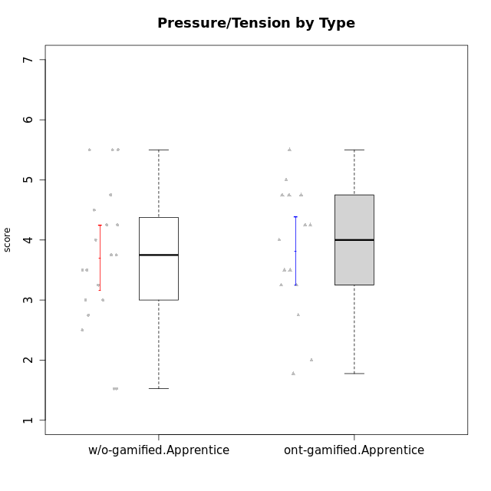

Student's t-Test data
UserID | NroUSP | Type | CLGroup | CLRole | PlayerRole | Interest/Enjoyment | Perceived Choice | Pressure/Tension | Effort/Importance | Intrinsic Motivation | Attention | Relevance | Satisfaction | Level of Motivation
10169 | 10377538 | ont-gamified | Resistance | Apprentice | Social Achiever | 5.7297 | 5.2 | 5.5 | 3.6666666667 | 4.5916666667 | 6.5514333333 | 5.5 | 7 | 5.8645384615
10170 | 10260351 | w/o-gamified | Grupo11 | Apprentice |  | 4.1666666667 | 5.8 | 2.5 | 4.6666666667 | 5.0333333333 | 4.6666666667 | 5.25 | 4.3333333333 | 4.7692307692
10172 | 10273971 | w/o-gamified | Grupo5 | Apprentice |  | 5.1666666667 | 2.8 | 4.25 | 3.3333333333 | 3.7625 | 5 | 3 | 5 | 4.3846153846
10181 | 10276866 | w/o-gamified | Grupo2 | Apprentice |  | 2.1666666667 | 4.2 | 3.5 | 3 | 3.4666666667 | 4.1666666667 | 4.5 | 1.6666666667 | 3.6923076923
10183 | 10352030 | w/o-gamified | Grupo3 | Apprentice |  | 2.8333333333 | 4.4 | 4.75 | 3.6666666667 | 3.5375 | 2.1666666667 | 3 | 2.6666666667 | 2.7852923077
10184 | 10276675 | w/o-gamified | Grupo10 | Apprentice |  | 3.8333333333 | 4 | 3.75 | 3.6666666667 | 3.9375 | 3.8333333333 | 4.75 | 4.6666666667 | 4.3076923077
10185 | 10276960 | w/o-gamified | Grupo9 | Apprentice |  | 4.8333333333 | 3.4 | 4.25 | 4.3333333333 | 4.0791666667 | 3.8333333333 | 3.5 | 4.6666666667 | 3.9230769231
10186 | 10310551 | ont-gamified | Slayers | Apprentice | Social Achiever | 3.8333333333 | 4.6 | 5 | 7 | 4.6083333333 | 3.5 | 5.5 | 6.3333333333 | 4.7692307692
10189 | 9363926 | ont-gamified | Vikings | Apprentice | Social Achiever | 2.2703 | 3.4 | 2 | 5.6666666667 | 4.2666666667 | 1.3333333333 | 3.75 | 2.6666666667 | 2.4431538462
10190 | 10276907 | w/o-gamified | Grupo4 | Apprentice |  | 3.1666666667 | 3 | 4.5 | 4 | 3.4166666667 | 4.8333333333 | 3.25 | 3.6666666667 | 4.0769230769
10192 | 10276682 | ont-gamified | Attractive Devils | Apprentice | Social Achiever | 4 | 4.8 | 4.25 | 5.6666666667 | 4.5541666667 | 5.1666666667 | 4.5 | 6.6666666667 | 5.3076923077
10193 | 10276762 | ont-gamified | Vandals | Apprentice | Yee Achiever | 2.2703 | 7 | 2.75 | 5 | 4.6458333333 | 1.1666666667 | 6.7239 | 1.3681333333 | 2.9230769231
10197 | 10276661 | w/o-gamified | Grupo8 | Apprentice |  | 3.5 | 5 | 3.5 | 4.6666666667 | 4.4166666667 | 5.1666666667 | 5 | 3.3333333333 | 4.6923076923
10198 | 10310888 | ont-gamified | Attractive Devils | Apprentice | Social Achiever | 4 | 3.6 | 4.25 | 5.6666666667 | 4.2541666667 | 5.8333333333 | 5.25 | 6.6666666667 | 5.8461538462
10199 | 10276737 | w/o-gamified | Grupo1 | Apprentice |  | 3 | 3.8 | 3.25 | 4 | 3.8875 | 3.5 | 4.5 | 4.6666666667 | 4.0769230769
10200 | 9795272 | ont-gamified | Warriors | Apprentice | Social Achiever | 4.5 | 4.8 | 4.75 | 6.6666666667 | 4.8041666667 | 5 | 5.25 | 6 | 5.3076923077
10201 | 10276928 | w/o-gamified | Grupo11 | Apprentice |  | 5.1666666667 | 4.2 | 3 | 5 | 4.8416666667 | 4.8333333333 | 3.5 | 5.6666666667 | 4.6153846154
10202 | 10277036 | ont-gamified | Silly Knights | Apprentice | Social Achiever | 3 | 5.2 | 3.5 | 5.6666666667 | 4.5916666667 | 3.1666666667 | 4.5 | 5 | 4
10203 | 9921470 | ont-gamified | Mercenaries | Apprentice | Social Achiever | 4.1666666667 | 6.4 | 3.25 | 7 | 5.1978933333 | 4.5 | 4 | 6.3333333333 | 4.7692307692
10204 | 10310471 | w/o-gamified | Grupo6 | Apprentice |  | 1.8565333333 | 1.42784 | 5.5 | 5 | 2.7143933333 | 1.529 | 4.25 | 2.3333333333 | 2.7852923077
10206 | 10310721 | w/o-gamified | Grupo8 | Apprentice |  | 3.6666666667 | 5.6 | 3 | 5.6666666667 | 4.9833333333 | 4.5 | 4.75 | 5.3333333333 | 4.7692307692
10209 | 10262669 | ont-gamified | Mafia | Apprentice | Social Achiever | 2.3333333333 | 1.6348 | 1.7761 | 4.6666666667 | 3.7875 | 2.3333333333 | 4.25 | 2.3333333333 | 2.9230769231
10210 | 10277015 | w/o-gamified | Grupo6 | Apprentice |  | 1.8565333333 | 1.42784 | 5.5 | 6.3101333333 | 2.975 | 1.529 | 2.5 | 1.3681333333 | 2.7852923077
10213 | 10277040 | w/o-gamified | Grupo7 | Apprentice |  | 3.8333333333 | 1.42784 | 3.75 | 6.3101333333 | 4.1208333333 | 5.5 | 6.7239 | 6 | 5.5224
10214 | 10277022 | ont-gamified | Vikings | Apprentice | Social Achiever | 2.2703 | 2.6 | 4 | 7 | 3.6916666667 | 2.1666666667 | 3.25 | 3.6666666667 | 2.8461538462
10217 | 9805341 | w/o-gamified | Grupo9 | Apprentice |  | 4.3333333333 | 4.2 | 1.5261 | 4 | 4.8833333333 | 3.8333333333 | 5 | 4 | 4.2307692308
10218 | 9842913 | w/o-gamified | Grupo10 | Apprentice |  | 4 | 3.6 | 4 | 4 | 3.9 | 4 | 4.5 | 3.3333333333 | 4
10220 | 9760151 | w/o-gamified | Grupo3 | Apprentice |  | 2.5 | 6.17216 | 1.5261 | 6 | 5.475 | 1.529 | 6.25 | 6 | 4
10221 | 9082496 | ont-gamified | Warriors | Apprentice | Social Achiever | 2.6666666667 | 3 | 3.25 | 5.3333333333 | 3.9375 | 2.8333333333 | 2.5261 | 4 | 3
10224 | 9368772 | ont-gamified | Mercenaries | Apprentice | Social Achiever | 4 | 3.6 | 4.75 | 4 | 3.7125 | 4.3333333333 | 4.5 | 5 | 4.5384615385
10226 | 10310342 | w/o-gamified | Grupo4 | Apprentice |  | 1.8565333333 | 1.42784 | 5.5 | 2.3565333333 | 2.7143933333 | 3.5 | 4.25 | 2.6666666667 | 3.5384615385
10228 | 10310492 | ont-gamified | Resistance | Apprentice | Social Achiever | 2.2703 | 6.4 | 3.5 | 5 | 4.3083333333 | 2.1666666667 | 4.75 | 4 | 3.3846153846
10232 | 10276974 | w/o-gamified | Grupo7 | Apprentice |  | 4.5 | 4.6 | 2.75 | 6.3101333333 | 5.1708333333 | 4.8333333333 | 5.75 | 5.6666666667 | 5.3076923077
10237 | 10377688 | ont-gamified | Outlaws | Apprentice | Social Achiever | 4 | 4.2 | 4.75 | 4.6666666667 | 4.0291666667 | 3.6666666667 | 4.5 | 4.3333333333 | 4.0769230769

Type_CLRole_3
Student's t-Test for Pressure/Tension by Type in Type:CLRole between ont-gamified.Apprentice:w/o-gamified.Master

Student's t-Test results
Alternative hypothesis: less
Group | N | Mean | Mean.Difference | Std.deviation | Std.error | CI.lower | CI.upper | df | t.value | p.value | g | magnitude
ont-gamified.Apprentice | 15 | 3.8184066667 | 1.5436816667 | 1.0922156096 | 0.28200885776 | 3.2543889512 | 4.3824243822 | 11.616117108 | 2.6981852533 | 0.99006934749 | 1.2330460276 | large
w/o-gamified.Master | 8 | 2.274725 | -1.5436816667 | 1.4079504768 | 0.49778566484 | 1.2791536703 | 3.2702963297 | 11.616117108 | 2.6981852533 | 0.99006934749 | 1.2330460276 | large
Alternative hypothesis: greater
Group | N | Mean | Mean.Difference | Std.deviation | Std.error | CI.lower | CI.upper | df | t.value | p.value | g | magnitude
ont-gamified.Apprentice | 15 | 3.8184066667 | 1.5436816667 | 1.0922156096 | 0.28200885776 | 3.2543889512 | 4.3824243822 | 11.616117108 | 2.6981852533 | 0.0099306525124 | 1.2330460276 | large
w/o-gamified.Master | 8 | 2.274725 | -1.5436816667 | 1.4079504768 | 0.49778566484 | 1.2791536703 | 3.2702963297 | 11.616117108 | 2.6981852533 | 0.0099306525124 | 1.2330460276 | large
Alternative hypothesis: two.sided
Group | N | Mean | Mean.Difference | Std.deviation | Std.error | CI.lower | CI.upper | df | t.value | p.value | g | magnitude
ont-gamified.Apprentice | 15 | 3.8184066667 | 1.5436816667 | 1.0922156096 | 0.28200885776 | 3.2543889512 | 4.3824243822 | 11.616117108 | 2.6981852533 | 0.019861305025 | 1.2330460276 | large
w/o-gamified.Master | 8 | 2.274725 | -1.5436816667 | 1.4079504768 | 0.49778566484 | 1.2791536703 | 3.2702963297 | 11.616117108 | 2.6981852533 | 0.019861305025 | 1.2330460276 | large

Box plots for Student's t-Test
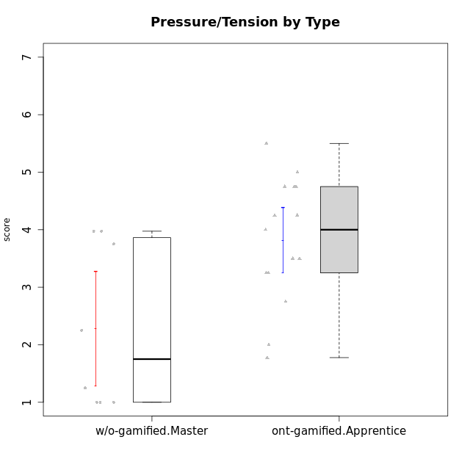

Student's t-Test data
UserID | NroUSP | Type | CLGroup | CLRole | PlayerRole | Interest/Enjoyment | Perceived Choice | Pressure/Tension | Effort/Importance | Intrinsic Motivation | Attention | Relevance | Satisfaction | Level of Motivation
10169 | 10377538 | ont-gamified | Resistance | Apprentice | Social Achiever | 5.7297 | 5.2 | 5.5 | 3.6666666667 | 4.5916666667 | 6.5514333333 | 5.5 | 7 | 5.8645384615
10174 | 10276852 | w/o-gamified | Grupo7 | Master |  | 4.5 | 4.2 | 3.9739 | 4.3333333333 | 4.1958333333 | 5.1666666667 | 3.5 | 5 | 4.6153846154
10179 | 10310759 | w/o-gamified | Grupo10 | Master |  | 3.6666666667 | 2.6 | 1.25 | 6.3101333333 | 4.8375 | 3.5 | 5.25 | 4 | 4.1538461538
10186 | 10310551 | ont-gamified | Slayers | Apprentice | Social Achiever | 3.8333333333 | 4.6 | 5 | 7 | 4.6083333333 | 3.5 | 5.5 | 6.3333333333 | 4.7692307692
10189 | 9363926 | ont-gamified | Vikings | Apprentice | Social Achiever | 2.2703 | 3.4 | 2 | 5.6666666667 | 4.2666666667 | 1.3333333333 | 3.75 | 2.6666666667 | 2.4431538462
10191 | 10276981 | w/o-gamified | Grupo1 | Master |  | 2.3333333333 | 3.2 | 1 | 4.6666666667 | 4.3 | 3.3333333333 | 4.25 | 4.3333333333 | 3.8461538462
10192 | 10276682 | ont-gamified | Attractive Devils | Apprentice | Social Achiever | 4 | 4.8 | 4.25 | 5.6666666667 | 4.5541666667 | 5.1666666667 | 4.5 | 6.6666666667 | 5.3076923077
10193 | 10276762 | ont-gamified | Vandals | Apprentice | Yee Achiever | 2.2703 | 7 | 2.75 | 5 | 4.6458333333 | 1.1666666667 | 6.7239 | 1.3681333333 | 2.9230769231
10198 | 10310888 | ont-gamified | Attractive Devils | Apprentice | Social Achiever | 4 | 3.6 | 4.25 | 5.6666666667 | 4.2541666667 | 5.8333333333 | 5.25 | 6.6666666667 | 5.8461538462
10200 | 9795272 | ont-gamified | Warriors | Apprentice | Social Achiever | 4.5 | 4.8 | 4.75 | 6.6666666667 | 4.8041666667 | 5 | 5.25 | 6 | 5.3076923077
10202 | 10277036 | ont-gamified | Silly Knights | Apprentice | Social Achiever | 3 | 5.2 | 3.5 | 5.6666666667 | 4.5916666667 | 3.1666666667 | 4.5 | 5 | 4
10203 | 9921470 | ont-gamified | Mercenaries | Apprentice | Social Achiever | 4.1666666667 | 6.4 | 3.25 | 7 | 5.1978933333 | 4.5 | 4 | 6.3333333333 | 4.7692307692
10209 | 10262669 | ont-gamified | Mafia | Apprentice | Social Achiever | 2.3333333333 | 1.6348 | 1.7761 | 4.6666666667 | 3.7875 | 2.3333333333 | 4.25 | 2.3333333333 | 2.9230769231
10214 | 10277022 | ont-gamified | Vikings | Apprentice | Social Achiever | 2.2703 | 2.6 | 4 | 7 | 3.6916666667 | 2.1666666667 | 3.25 | 3.6666666667 | 2.8461538462
10219 | 10276831 | w/o-gamified | Grupo3 | Master |  | 1.8565333333 | 3.2 | 1 | 2.3565333333 | 3.5916666667 | 2.0203 | 3.5 | 1.3681333333 | 3.0133846154
10221 | 9082496 | ont-gamified | Warriors | Apprentice | Social Achiever | 2.6666666667 | 3 | 3.25 | 5.3333333333 | 3.9375 | 2.8333333333 | 2.5261 | 4 | 3
10224 | 9368772 | ont-gamified | Mercenaries | Apprentice | Social Achiever | 4 | 3.6 | 4.75 | 4 | 3.7125 | 4.3333333333 | 4.5 | 5 | 4.5384615385
10227 | 9274382 | w/o-gamified | Grupo5 | Master |  | 4.3333333333 | 4.6 | 3.75 | 4 | 4.2958333333 | 5.4797 | 5 | 6 | 5.2943076923
10228 | 10310492 | ont-gamified | Resistance | Apprentice | Social Achiever | 2.2703 | 6.4 | 3.5 | 5 | 4.3083333333 | 2.1666666667 | 4.75 | 4 | 3.3846153846
10231 | 10276911 | w/o-gamified | Grupo9 | Master |  | 4.5 | 5.57216 | 1 | 3.6666666667 | 5.3916666667 | 4 | 4.5 | 5.3333333333 | 4.4615384615
10234 | 10310676 | w/o-gamified | Grupo4 | Master |  | 1.8565333333 | 1.8 | 2.25 | 2.3565333333 | 2.8875 | 3.1666666667 | 5.75 | 1.6666666667 | 3.6153846154
10237 | 10377688 | ont-gamified | Outlaws | Apprentice | Social Achiever | 4 | 4.2 | 4.75 | 4.6666666667 | 4.0291666667 | 3.6666666667 | 4.5 | 4.3333333333 | 4.0769230769
10238 | 10276953 | w/o-gamified | Grupo2 | Master |  | 3.8333333333 | 2.8 | 3.9739 | 6 | 3.9083333333 | 4.3333333333 | 4.5 | 3.3333333333 | 4.1538461538

Type_CLRole_4
Student's t-Test for Pressure/Tension by Type in Type:CLRole between ont-gamified.Master:w/o-gamified.Apprentice

Student's t-Test results
Alternative hypothesis: less
Group | N | Mean | Mean.Difference | Std.deviation | Std.error | CI.lower | CI.upper | df | t.value | p.value | g | magnitude
ont-gamified.Master | 9 | 2.3888888889 | -1.3112269006 | 1.3469358229 | 0.44897860765 | 1.4909316736 | 3.2868461042 | 14.085729343 | -2.4989485952 | 0.012715094721 | -1.0297960764 | large
w/o-gamified.Apprentice | 19 | 3.7001157895 | 1.3112269006 | 1.1836662012 | 0.2715516502 | 3.1570124891 | 4.2432190899 | 14.085729343 | -2.4989485952 | 0.012715094721 | -1.0297960764 | large
Alternative hypothesis: greater
Group | N | Mean | Mean.Difference | Std.deviation | Std.error | CI.lower | CI.upper | df | t.value | p.value | g | magnitude
ont-gamified.Master | 9 | 2.3888888889 | -1.3112269006 | 1.3469358229 | 0.44897860765 | 1.4909316736 | 3.2868461042 | 14.085729343 | -2.4989485952 | 0.98728490528 | -1.0297960764 | large
w/o-gamified.Apprentice | 19 | 3.7001157895 | 1.3112269006 | 1.1836662012 | 0.2715516502 | 3.1570124891 | 4.2432190899 | 14.085729343 | -2.4989485952 | 0.98728490528 | -1.0297960764 | large
Alternative hypothesis: two.sided
Group | N | Mean | Mean.Difference | Std.deviation | Std.error | CI.lower | CI.upper | df | t.value | p.value | g | magnitude
ont-gamified.Master | 9 | 2.3888888889 | -1.3112269006 | 1.3469358229 | 0.44897860765 | 1.4909316736 | 3.2868461042 | 14.085729343 | -2.4989485952 | 0.025430189442 | -1.0297960764 | large
w/o-gamified.Apprentice | 19 | 3.7001157895 | 1.3112269006 | 1.1836662012 | 0.2715516502 | 3.1570124891 | 4.2432190899 | 14.085729343 | -2.4989485952 | 0.025430189442 | -1.0297960764 | large

Box plots for Student's t-Test


Student's t-Test data
UserID | NroUSP | Type | CLGroup | CLRole | PlayerRole | Interest/Enjoyment | Perceived Choice | Pressure/Tension | Effort/Importance | Intrinsic Motivation | Attention | Relevance | Satisfaction | Level of Motivation
10170 | 10260351 | w/o-gamified | Grupo11 | Apprentice |  | 4.1666666667 | 5.8 | 2.5 | 4.6666666667 | 5.0333333333 | 4.6666666667 | 5.25 | 4.3333333333 | 4.7692307692
10171 | 698531 | ont-gamified | Mafia | Master | Social Achiever | 5.4826 | 6.2 | 1.75 | 6.9768 | 5.6972216667 | 5 | 6.25 | 5.3333333333 | 5.4615384615
10172 | 10273971 | w/o-gamified | Grupo5 | Apprentice |  | 5.1666666667 | 2.8 | 4.25 | 3.3333333333 | 3.7625 | 5 | 3 | 5 | 4.3846153846
10175 | 10310700 | ont-gamified | Warriors | Master | Social Achiever | 4 | 6.6 | 1 | 6 | 5.6972216667 | 5.1666666667 | 6.25 | 5.6666666667 | 5.6153846154
10176 | 10276949 | ont-gamified | Outlaws | Master | Social Achiever | 3.8333333333 | 3.4 | 4.5 | 3.6666666667 | 3.6 | 4.3333333333 | 4.5174 | 4 | 4.1538461538
10181 | 10276866 | w/o-gamified | Grupo2 | Apprentice |  | 2.1666666667 | 4.2 | 3.5 | 3 | 3.4666666667 | 4.1666666667 | 4.5 | 1.6666666667 | 3.6923076923
10183 | 10352030 | w/o-gamified | Grupo3 | Apprentice |  | 2.8333333333 | 4.4 | 4.75 | 3.6666666667 | 3.5375 | 2.1666666667 | 3 | 2.6666666667 | 2.7852923077
10184 | 10276675 | w/o-gamified | Grupo10 | Apprentice |  | 3.8333333333 | 4 | 3.75 | 3.6666666667 | 3.9375 | 3.8333333333 | 4.75 | 4.6666666667 | 4.3076923077
10185 | 10276960 | w/o-gamified | Grupo9 | Apprentice |  | 4.8333333333 | 3.4 | 4.25 | 4.3333333333 | 4.0791666667 | 3.8333333333 | 3.5 | 4.6666666667 | 3.9230769231
10188 | 10276995 | ont-gamified | Vandals | Master | Yee Achiever | 3 | 6.2 | 1 | 5 | 5.3 | 3.3333333333 | 6.5 | 3 | 4.2307692308
10190 | 10276907 | w/o-gamified | Grupo4 | Apprentice |  | 3.1666666667 | 3 | 4.5 | 4 | 3.4166666667 | 4.8333333333 | 3.25 | 3.6666666667 | 4.0769230769
10197 | 10276661 | w/o-gamified | Grupo8 | Apprentice |  | 3.5 | 5 | 3.5 | 4.6666666667 | 4.4166666667 | 5.1666666667 | 5 | 3.3333333333 | 4.6923076923
10199 | 10276737 | w/o-gamified | Grupo1 | Apprentice |  | 3 | 3.8 | 3.25 | 4 | 3.8875 | 3.5 | 4.5 | 4.6666666667 | 4.0769230769
10201 | 10276928 | w/o-gamified | Grupo11 | Apprentice |  | 5.1666666667 | 4.2 | 3 | 5 | 4.8416666667 | 4.8333333333 | 3.5 | 5.6666666667 | 4.6153846154
10204 | 10310471 | w/o-gamified | Grupo6 | Apprentice |  | 1.8565333333 | 1.42784 | 5.5 | 5 | 2.7143933333 | 1.529 | 4.25 | 2.3333333333 | 2.7852923077
10206 | 10310721 | w/o-gamified | Grupo8 | Apprentice |  | 3.6666666667 | 5.6 | 3 | 5.6666666667 | 4.9833333333 | 4.5 | 4.75 | 5.3333333333 | 4.7692307692
10208 | 10276932 | ont-gamified | Mercenaries | Master | Social Achiever | 3.8333333333 | 4.8 | 2.25 | 5.6666666667 | 5.0125 | 2.5 | 4.5174 | 4.3333333333 | 3.2307692308
10210 | 10277015 | w/o-gamified | Grupo6 | Apprentice |  | 1.8565333333 | 1.42784 | 5.5 | 6.3101333333 | 2.975 | 1.529 | 2.5 | 1.3681333333 | 2.7852923077
10213 | 10277040 | w/o-gamified | Grupo7 | Apprentice |  | 3.8333333333 | 1.42784 | 3.75 | 6.3101333333 | 4.1208333333 | 5.5 | 6.7239 | 6 | 5.5224
10215 | 9285227 | ont-gamified | Vikings | Master | Social Achiever | 4 | 5.4 | 2.5 | 4.3333333333 | 4.8083333333 | 3 | 6.25 | 2.3333333333 | 3.8461538462
10216 | 10276720 | ont-gamified | Silly Knights | Master | Social Achiever | 4.6666666667 | 5.8 | 1 | 5.6666666667 | 5.6972216667 | 3.8333333333 | 6 | 5.3333333333 | 4.8461538462
10217 | 9805341 | w/o-gamified | Grupo9 | Apprentice |  | 4.3333333333 | 4.2 | 1.5261 | 4 | 4.8833333333 | 3.8333333333 | 5 | 4 | 4.2307692308
10218 | 9842913 | w/o-gamified | Grupo10 | Apprentice |  | 4 | 3.6 | 4 | 4 | 3.9 | 4 | 4.5 | 3.3333333333 | 4
10220 | 9760151 | w/o-gamified | Grupo3 | Apprentice |  | 2.5 | 6.17216 | 1.5261 | 6 | 5.475 | 1.529 | 6.25 | 6 | 4
10223 | 9795185 | ont-gamified | Slayers | Master | Social Achiever | 5 | 4.2 | 3.5 | 4.3333333333 | 4.5083333333 | 3.8333333333 | 5 | 4.3333333333 | 4.3076923077
10226 | 10310342 | w/o-gamified | Grupo4 | Apprentice |  | 1.8565333333 | 1.42784 | 5.5 | 2.3565333333 | 2.7143933333 | 3.5 | 4.25 | 2.6666666667 | 3.5384615385
10230 | 10351992 | ont-gamified | Resistance | Master | Social Achiever | 4.5 | 4 | 4 | 4.6666666667 | 4.2916666667 | 4.6666666667 | 4.75 | 4 | 4.5384615385
10232 | 10276974 | w/o-gamified | Grupo7 | Apprentice |  | 4.5 | 4.6 | 2.75 | 6.3101333333 | 5.1708333333 | 4.8333333333 | 5.75 | 5.6666666667 | 5.3076923077

Type_CLRole_5
Student's t-Test for Pressure/Tension by Type in Type:CLRole between ont-gamified.Master:w/o-gamified.Master

Student's t-Test results
Alternative hypothesis: less
Group | N | Mean | Mean.Difference | Std.deviation | Std.error | CI.lower | CI.upper | df | t.value | p.value | g | magnitude
ont-gamified.Master | 9 | 2.3888888889 | 0.11416388889 | 1.3469358229 | 0.44897860765 | 1.4909316736 | 3.2868461042 | 14.579282193 | 0.17030428562 | 0.56644418071 | 0.078763766072 | negligible
w/o-gamified.Master | 8 | 2.274725 | -0.11416388889 | 1.4079504768 | 0.49778566484 | 1.2791536703 | 3.2702963297 | 14.579282193 | 0.17030428562 | 0.56644418071 | 0.078763766072 | negligible
Alternative hypothesis: greater
Group | N | Mean | Mean.Difference | Std.deviation | Std.error | CI.lower | CI.upper | df | t.value | p.value | g | magnitude
ont-gamified.Master | 9 | 2.3888888889 | 0.11416388889 | 1.3469358229 | 0.44897860765 | 1.4909316736 | 3.2868461042 | 14.579282193 | 0.17030428562 | 0.43355581929 | 0.078763766072 | negligible
w/o-gamified.Master | 8 | 2.274725 | -0.11416388889 | 1.4079504768 | 0.49778566484 | 1.2791536703 | 3.2702963297 | 14.579282193 | 0.17030428562 | 0.43355581929 | 0.078763766072 | negligible
Alternative hypothesis: two.sided
Group | N | Mean | Mean.Difference | Std.deviation | Std.error | CI.lower | CI.upper | df | t.value | p.value | g | magnitude
ont-gamified.Master | 9 | 2.3888888889 | 0.11416388889 | 1.3469358229 | 0.44897860765 | 1.4909316736 | 3.2868461042 | 14.579282193 | 0.17030428562 | 0.86711163858 | 0.078763766072 | negligible
w/o-gamified.Master | 8 | 2.274725 | -0.11416388889 | 1.4079504768 | 0.49778566484 | 1.2791536703 | 3.2702963297 | 14.579282193 | 0.17030428562 | 0.86711163858 | 0.078763766072 | negligible

Box plots for Student's t-Test
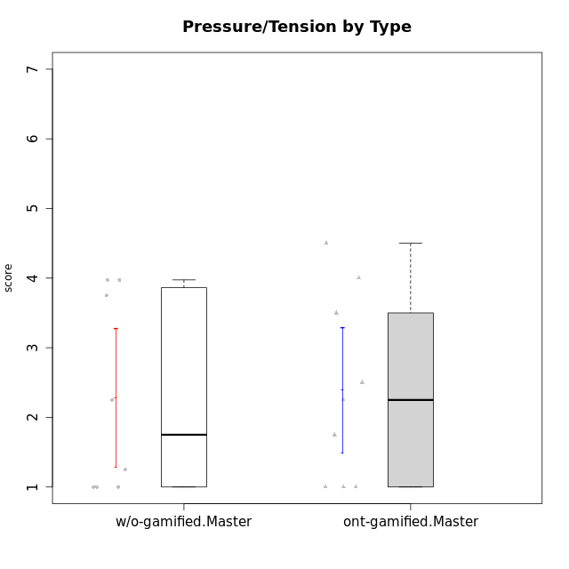

Student's t-Test data
UserID | NroUSP | Type | CLGroup | CLRole | PlayerRole | Interest/Enjoyment | Perceived Choice | Pressure/Tension | Effort/Importance | Intrinsic Motivation | Attention | Relevance | Satisfaction | Level of Motivation
10171 | 698531 | ont-gamified | Mafia | Master | Social Achiever | 5.4826 | 6.2 | 1.75 | 6.9768 | 5.6972216667 | 5 | 6.25 | 5.3333333333 | 5.4615384615
10174 | 10276852 | w/o-gamified | Grupo7 | Master |  | 4.5 | 4.2 | 3.9739 | 4.3333333333 | 4.1958333333 | 5.1666666667 | 3.5 | 5 | 4.6153846154
10175 | 10310700 | ont-gamified | Warriors | Master | Social Achiever | 4 | 6.6 | 1 | 6 | 5.6972216667 | 5.1666666667 | 6.25 | 5.6666666667 | 5.6153846154
10176 | 10276949 | ont-gamified | Outlaws | Master | Social Achiever | 3.8333333333 | 3.4 | 4.5 | 3.6666666667 | 3.6 | 4.3333333333 | 4.5174 | 4 | 4.1538461538
10179 | 10310759 | w/o-gamified | Grupo10 | Master |  | 3.6666666667 | 2.6 | 1.25 | 6.3101333333 | 4.8375 | 3.5 | 5.25 | 4 | 4.1538461538
10188 | 10276995 | ont-gamified | Vandals | Master | Yee Achiever | 3 | 6.2 | 1 | 5 | 5.3 | 3.3333333333 | 6.5 | 3 | 4.2307692308
10191 | 10276981 | w/o-gamified | Grupo1 | Master |  | 2.3333333333 | 3.2 | 1 | 4.6666666667 | 4.3 | 3.3333333333 | 4.25 | 4.3333333333 | 3.8461538462
10208 | 10276932 | ont-gamified | Mercenaries | Master | Social Achiever | 3.8333333333 | 4.8 | 2.25 | 5.6666666667 | 5.0125 | 2.5 | 4.5174 | 4.3333333333 | 3.2307692308
10215 | 9285227 | ont-gamified | Vikings | Master | Social Achiever | 4 | 5.4 | 2.5 | 4.3333333333 | 4.8083333333 | 3 | 6.25 | 2.3333333333 | 3.8461538462
10216 | 10276720 | ont-gamified | Silly Knights | Master | Social Achiever | 4.6666666667 | 5.8 | 1 | 5.6666666667 | 5.6972216667 | 3.8333333333 | 6 | 5.3333333333 | 4.8461538462
10219 | 10276831 | w/o-gamified | Grupo3 | Master |  | 1.8565333333 | 3.2 | 1 | 2.3565333333 | 3.5916666667 | 2.0203 | 3.5 | 1.3681333333 | 3.0133846154
10223 | 9795185 | ont-gamified | Slayers | Master | Social Achiever | 5 | 4.2 | 3.5 | 4.3333333333 | 4.5083333333 | 3.8333333333 | 5 | 4.3333333333 | 4.3076923077
10227 | 9274382 | w/o-gamified | Grupo5 | Master |  | 4.3333333333 | 4.6 | 3.75 | 4 | 4.2958333333 | 5.4797 | 5 | 6 | 5.2943076923
10230 | 10351992 | ont-gamified | Resistance | Master | Social Achiever | 4.5 | 4 | 4 | 4.6666666667 | 4.2916666667 | 4.6666666667 | 4.75 | 4 | 4.5384615385
10231 | 10276911 | w/o-gamified | Grupo9 | Master |  | 4.5 | 5.57216 | 1 | 3.6666666667 | 5.3916666667 | 4 | 4.5 | 5.3333333333 | 4.4615384615
10234 | 10310676 | w/o-gamified | Grupo4 | Master |  | 1.8565333333 | 1.8 | 2.25 | 2.3565333333 | 2.8875 | 3.1666666667 | 5.75 | 1.6666666667 | 3.6153846154
10238 | 10276953 | w/o-gamified | Grupo2 | Master |  | 3.8333333333 | 2.8 | 3.9739 | 6 | 3.9083333333 | 4.3333333333 | 4.5 | 3.3333333333 | 4.1538461538

Type_CLRole_6
Student's t-Test for Pressure/Tension by Type in Type:CLRole between w/o-gamified.Apprentice:w/o-gamified.Master

Student's t-Test results
Alternative hypothesis: less
Group | N | Mean | Mean.Difference | Std.deviation | Std.error | CI.lower | CI.upper | df | t.value | p.value | g | magnitude
w/o-gamified.Apprentice | 19 | 3.7001157895 | 1.4253907895 | 1.1836662012 | 0.2715516502 | 3.1570124891 | 4.2432190899 | 11.39379619 | 2.5137530612 | 0.98593109518 | 1.1052915775 | large
w/o-gamified.Master | 8 | 2.274725 | -1.4253907895 | 1.4079504768 | 0.49778566484 | 1.2791536703 | 3.2702963297 | 11.39379619 | 2.5137530612 | 0.98593109518 | 1.1052915775 | large
Alternative hypothesis: greater
Group | N | Mean | Mean.Difference | Std.deviation | Std.error | CI.lower | CI.upper | df | t.value | p.value | g | magnitude
w/o-gamified.Apprentice | 19 | 3.7001157895 | 1.4253907895 | 1.1836662012 | 0.2715516502 | 3.1570124891 | 4.2432190899 | 11.39379619 | 2.5137530612 | 0.014068904817 | 1.1052915775 | large
w/o-gamified.Master | 8 | 2.274725 | -1.4253907895 | 1.4079504768 | 0.49778566484 | 1.2791536703 | 3.2702963297 | 11.39379619 | 2.5137530612 | 0.014068904817 | 1.1052915775 | large
Alternative hypothesis: two.sided
Group | N | Mean | Mean.Difference | Std.deviation | Std.error | CI.lower | CI.upper | df | t.value | p.value | g | magnitude
w/o-gamified.Apprentice | 19 | 3.7001157895 | 1.4253907895 | 1.1836662012 | 0.2715516502 | 3.1570124891 | 4.2432190899 | 11.39379619 | 2.5137530612 | 0.028137809634 | 1.1052915775 | large
w/o-gamified.Master | 8 | 2.274725 | -1.4253907895 | 1.4079504768 | 0.49778566484 | 1.2791536703 | 3.2702963297 | 11.39379619 | 2.5137530612 | 0.028137809634 | 1.1052915775 | large

Box plots for Student's t-Test
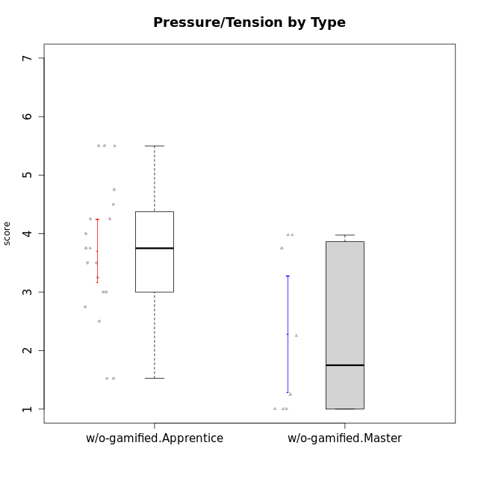

Student's t-Test data
UserID | NroUSP | Type | CLGroup | CLRole | PlayerRole | Interest/Enjoyment | Perceived Choice | Pressure/Tension | Effort/Importance | Intrinsic Motivation | Attention | Relevance | Satisfaction | Level of Motivation
10170 | 10260351 | w/o-gamified | Grupo11 | Apprentice |  | 4.1666666667 | 5.8 | 2.5 | 4.6666666667 | 5.0333333333 | 4.6666666667 | 5.25 | 4.3333333333 | 4.7692307692
10172 | 10273971 | w/o-gamified | Grupo5 | Apprentice |  | 5.1666666667 | 2.8 | 4.25 | 3.3333333333 | 3.7625 | 5 | 3 | 5 | 4.3846153846
10174 | 10276852 | w/o-gamified | Grupo7 | Master |  | 4.5 | 4.2 | 3.9739 | 4.3333333333 | 4.1958333333 | 5.1666666667 | 3.5 | 5 | 4.6153846154
10179 | 10310759 | w/o-gamified | Grupo10 | Master |  | 3.6666666667 | 2.6 | 1.25 | 6.3101333333 | 4.8375 | 3.5 | 5.25 | 4 | 4.1538461538
10181 | 10276866 | w/o-gamified | Grupo2 | Apprentice |  | 2.1666666667 | 4.2 | 3.5 | 3 | 3.4666666667 | 4.1666666667 | 4.5 | 1.6666666667 | 3.6923076923
10183 | 10352030 | w/o-gamified | Grupo3 | Apprentice |  | 2.8333333333 | 4.4 | 4.75 | 3.6666666667 | 3.5375 | 2.1666666667 | 3 | 2.6666666667 | 2.7852923077
10184 | 10276675 | w/o-gamified | Grupo10 | Apprentice |  | 3.8333333333 | 4 | 3.75 | 3.6666666667 | 3.9375 | 3.8333333333 | 4.75 | 4.6666666667 | 4.3076923077
10185 | 10276960 | w/o-gamified | Grupo9 | Apprentice |  | 4.8333333333 | 3.4 | 4.25 | 4.3333333333 | 4.0791666667 | 3.8333333333 | 3.5 | 4.6666666667 | 3.9230769231
10190 | 10276907 | w/o-gamified | Grupo4 | Apprentice |  | 3.1666666667 | 3 | 4.5 | 4 | 3.4166666667 | 4.8333333333 | 3.25 | 3.6666666667 | 4.0769230769
10191 | 10276981 | w/o-gamified | Grupo1 | Master |  | 2.3333333333 | 3.2 | 1 | 4.6666666667 | 4.3 | 3.3333333333 | 4.25 | 4.3333333333 | 3.8461538462
10197 | 10276661 | w/o-gamified | Grupo8 | Apprentice |  | 3.5 | 5 | 3.5 | 4.6666666667 | 4.4166666667 | 5.1666666667 | 5 | 3.3333333333 | 4.6923076923
10199 | 10276737 | w/o-gamified | Grupo1 | Apprentice |  | 3 | 3.8 | 3.25 | 4 | 3.8875 | 3.5 | 4.5 | 4.6666666667 | 4.0769230769
10201 | 10276928 | w/o-gamified | Grupo11 | Apprentice |  | 5.1666666667 | 4.2 | 3 | 5 | 4.8416666667 | 4.8333333333 | 3.5 | 5.6666666667 | 4.6153846154
10204 | 10310471 | w/o-gamified | Grupo6 | Apprentice |  | 1.8565333333 | 1.42784 | 5.5 | 5 | 2.7143933333 | 1.529 | 4.25 | 2.3333333333 | 2.7852923077
10206 | 10310721 | w/o-gamified | Grupo8 | Apprentice |  | 3.6666666667 | 5.6 | 3 | 5.6666666667 | 4.9833333333 | 4.5 | 4.75 | 5.3333333333 | 4.7692307692
10210 | 10277015 | w/o-gamified | Grupo6 | Apprentice |  | 1.8565333333 | 1.42784 | 5.5 | 6.3101333333 | 2.975 | 1.529 | 2.5 | 1.3681333333 | 2.7852923077
10213 | 10277040 | w/o-gamified | Grupo7 | Apprentice |  | 3.8333333333 | 1.42784 | 3.75 | 6.3101333333 | 4.1208333333 | 5.5 | 6.7239 | 6 | 5.5224
10217 | 9805341 | w/o-gamified | Grupo9 | Apprentice |  | 4.3333333333 | 4.2 | 1.5261 | 4 | 4.8833333333 | 3.8333333333 | 5 | 4 | 4.2307692308
10218 | 9842913 | w/o-gamified | Grupo10 | Apprentice |  | 4 | 3.6 | 4 | 4 | 3.9 | 4 | 4.5 | 3.3333333333 | 4
10219 | 10276831 | w/o-gamified | Grupo3 | Master |  | 1.8565333333 | 3.2 | 1 | 2.3565333333 | 3.5916666667 | 2.0203 | 3.5 | 1.3681333333 | 3.0133846154
10220 | 9760151 | w/o-gamified | Grupo3 | Apprentice |  | 2.5 | 6.17216 | 1.5261 | 6 | 5.475 | 1.529 | 6.25 | 6 | 4
10226 | 10310342 | w/o-gamified | Grupo4 | Apprentice |  | 1.8565333333 | 1.42784 | 5.5 | 2.3565333333 | 2.7143933333 | 3.5 | 4.25 | 2.6666666667 | 3.5384615385
10227 | 9274382 | w/o-gamified | Grupo5 | Master |  | 4.3333333333 | 4.6 | 3.75 | 4 | 4.2958333333 | 5.4797 | 5 | 6 | 5.2943076923
10231 | 10276911 | w/o-gamified | Grupo9 | Master |  | 4.5 | 5.57216 | 1 | 3.6666666667 | 5.3916666667 | 4 | 4.5 | 5.3333333333 | 4.4615384615
10232 | 10276974 | w/o-gamified | Grupo7 | Apprentice |  | 4.5 | 4.6 | 2.75 | 6.3101333333 | 5.1708333333 | 4.8333333333 | 5.75 | 5.6666666667 | 5.3076923077
10234 | 10310676 | w/o-gamified | Grupo4 | Master |  | 1.8565333333 | 1.8 | 2.25 | 2.3565333333 | 2.8875 | 3.1666666667 | 5.75 | 1.6666666667 | 3.6153846154
10238 | 10276953 | w/o-gamified | Grupo2 | Master |  | 3.8333333333 | 2.8 | 3.9739 | 6 | 3.9083333333 | 4.3333333333 | 4.5 | 3.3333333333 | 4.1538461538

