Assumptions
ANOVA assumptions for Relevance by Type

Shapiro-Wilk normality test for Relevance by Type
W | p.value
0.98246718721 | 0.64749197711

Plots for normality test
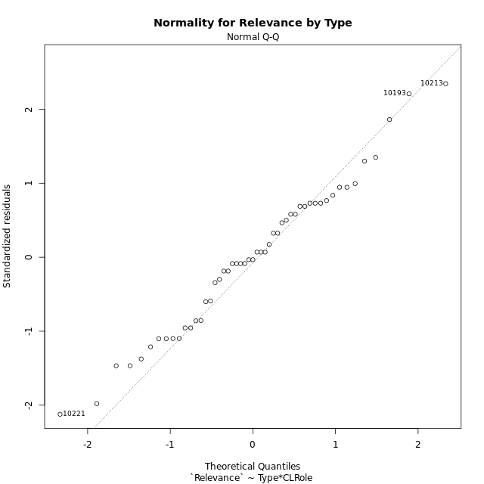

Levene's Test for Homogeneity of Variance in Relevance by Type
Df | F value | Pr(>F)
3 | 0.33146460852 | 0.80261213044
47

Plots for homogeneity of variance
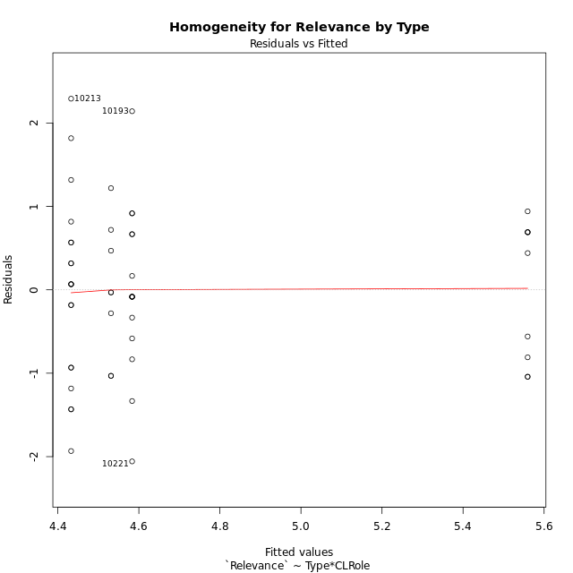

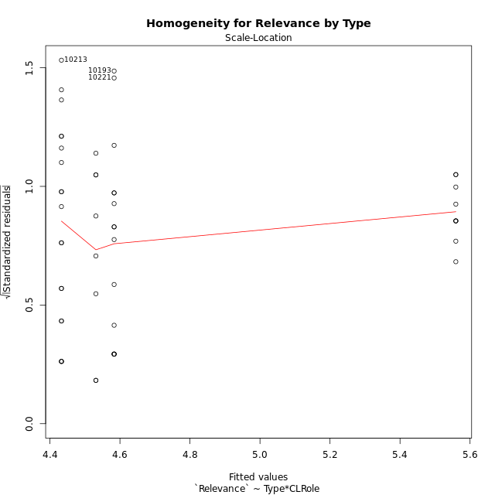

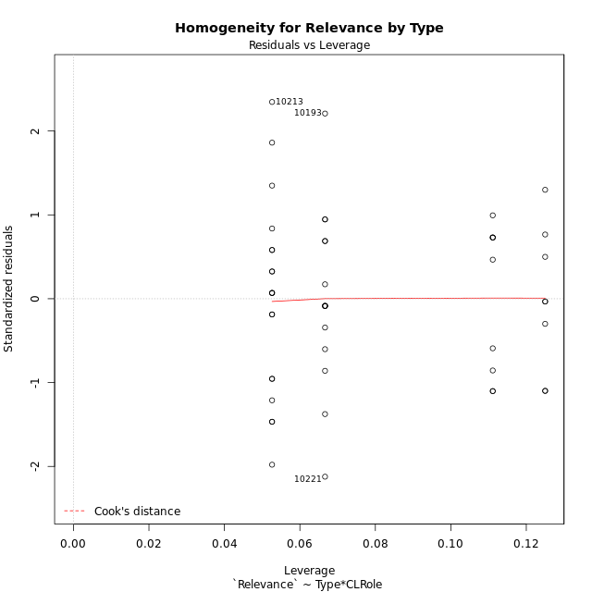

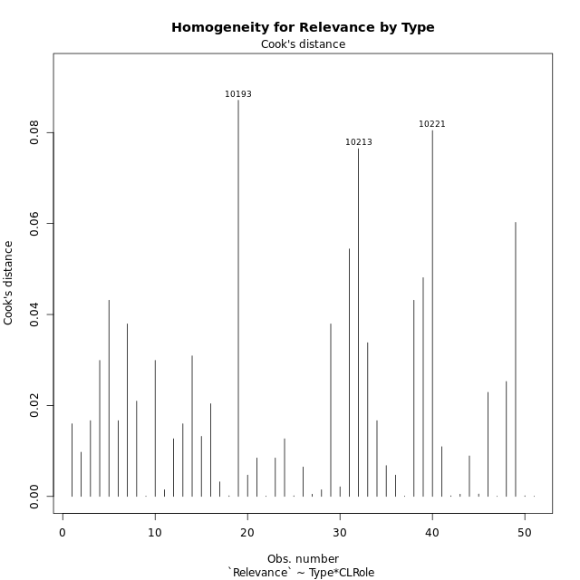

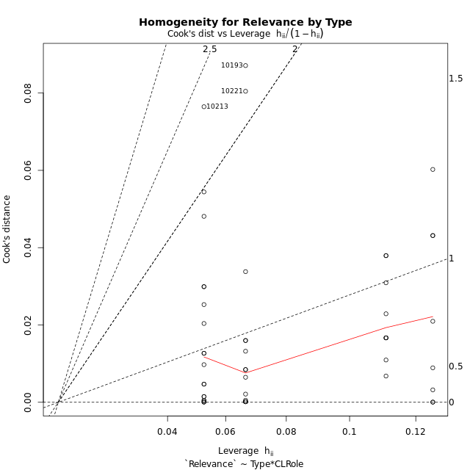

Minimum Sample Size Test for Relevance by Type
Type | CLRole | Freq
ont-gamified | Apprentice | 15
w/o-gamified | Apprentice | 19
ont-gamified | Master | 9
w/o-gamified | Master | 8

Errors and Warnings in Sample Size Test for ANOVA in Relevance by Type
code | description
WARN: sample.size | current size is 9 and recommended size is 15 for the group: 'ont-gamified:Master'.
WARN: sample.size | current size is 8 and recommended size is 15 for the group: 'w/o-gamified:Master'.

For the group: 'ont-gamified:Apprentice', you can perform a parametric test without having a normal distribution For the group: 'w/o-gamified:Apprentice', you can perform a parametric test without having a normal distribution For the group: 'ont-gamified:Master', we recommend the use of non-parametric test. For the group: 'w/o-gamified:Master', we recommend the use of non-parametric test.

If you don't want to remove non-normal data, you must cite the following references: ... (1) Lix, L.M., J.C. Keselman, and H.J. Keselman. 1996. Consequences of assumption violations revisited: A quantitative review of alternatives to the one-way analysis of variance F test. Rev. Educ. Res. 66: 579-619. ... (2) Harwell, M.R., E.N. Rubinstein, W.S. Hayes, and C.C. Olds. 1992. Summarizing Monte Carlo results in methodological research: the one- and two-factor fixed effects ANOVA cases. J. Educ. Stat. 17: 315-339.

Post-hoc
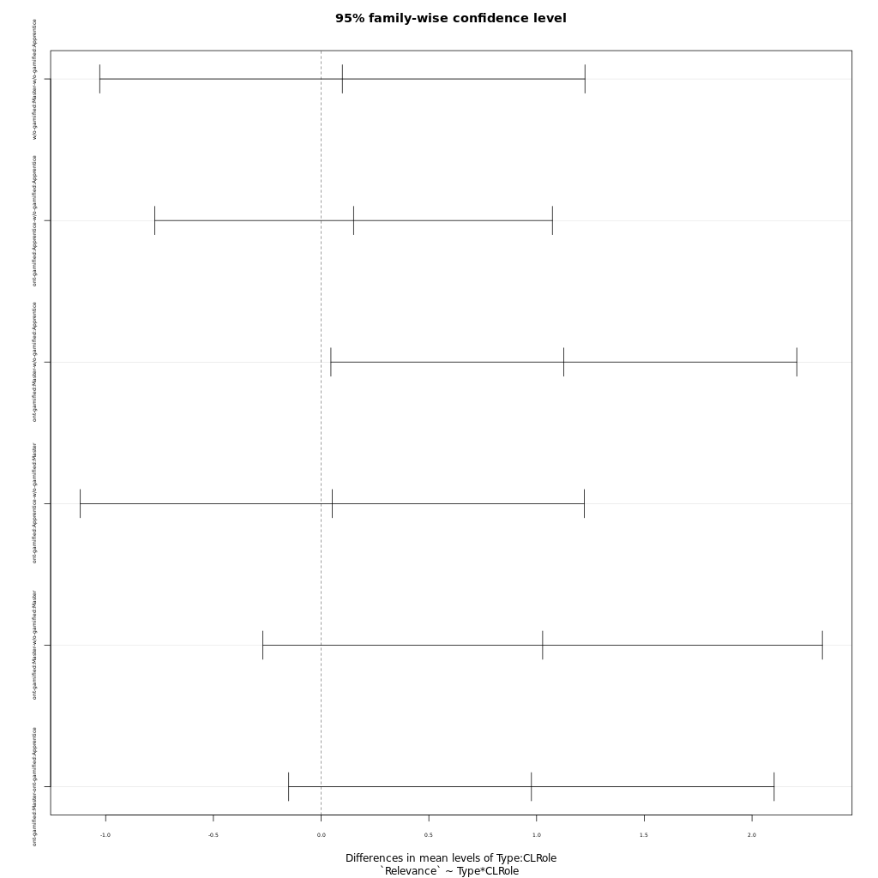
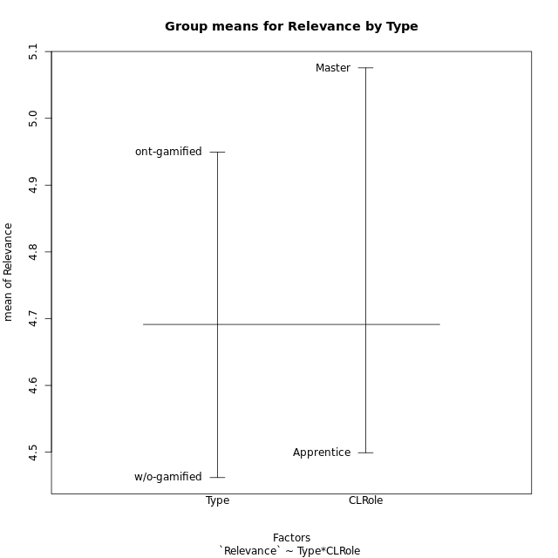
Post-hoc Tukey Honestly Significant Difference (HSD) Test for Relevance by Type

Comparisons of means for Type
 | diff | lwr | upr | p adj
ont-gamified-w/o-gamified | 0.48737037037 | -0.078815958764 | 1.0535566995 | 0.089887356088

Comparisons of means for CLRole
 | diff | lwr | upr | p adj
Master-Apprentice | 0.53334084967 | -0.066150557646 | 1.132832257 | 0.079936986309

Comparisons of means for Type:CLRole
 | diff | lwr | upr | p adj
w/o-gamified:Master-w/o-gamified:Apprentice | 0.098413157895 | -1.0277065672 | 1.224532883 | 0.99549713642
ont-gamified:Apprentice-w/o-gamified:Apprentice | 0.15049649123 | -0.77237558608 | 1.0733685685 | 0.97225171814
ont-gamified:Master-w/o-gamified:Apprentice | 1.1265853801 | 0.045386871428 | 2.2077838888 | 0.038184508397
ont-gamified:Apprentice-w/o-gamified:Master | 0.052083333333 | -1.1176793762 | 1.2218460428 | 0.99939492259
ont-gamified:Master-w/o-gamified:Master | 1.0281722222 | -0.27015059613 | 2.3264950406 | 0.16510526134
ont-gamified:Master-ont-gamified:Apprentice | 0.97608888889 | -0.15049416464 | 2.1026719424 | 0.11080700515

Contrast Matrices for Relevance by Type - Type
contrast | estimate | SE | df | t.ratio | p.value
ont-gamified - w/o-gamified | 0.58933435673 | 0.29903654378 | 47 | 1.9707770471 | 0.054654859701

Contrast Matrices for Relevance by Type - Type:CLRole
contrast | CLRole | estimate | SE | df | t.ratio | p.value
ont-gamified - w/o-gamified | Apprentice | 0.15049649123 | 0.34650288919 | 47 | 0.43432968648 | 0.66603656253
ont-gamified - w/o-gamified | Master | 1.0281722222 | 0.48747016919 | 47 | 2.10920029 | 0.040282282397

Least Squares Means and Confidence Intervals for Type
Type | lsmean | SE | df | lower.CL | upper.CL | Pairs
ont-gamified | 5.0713777778 | 0.21149425395 | 47 | 4.6459062187 | 5.4968493369 | ont-gamified
w/o-gamified | 4.4820434211 | 0.21140727297 | 47 | 4.0567468451 | 4.907339997 | w/o-gamified

Least Squares Means and Confidence Intervals for Type:CLRole
Type | CLRole | lsmean | SE | df | lower.CL | upper.CL | Pairs
ont-gamified | Apprentice | 4.5833333333 | 0.25902650286 | 47 | 4.0622392234 | 5.1044274433 | ont-gamified.Apprentice
w/o-gamified | Apprentice | 4.4328368421 | 0.23015108741 | 47 | 3.9698325753 | 4.8958411089 | w/o-gamified.Apprentice
ont-gamified | Master | 5.5594222222 | 0.33440177726 | 47 | 4.886692619 | 6.2321518254 | ont-gamified.Master
w/o-gamified | Master | 4.53125 | 0.35468664651 | 47 | 3.8177125035 | 5.2447874965 | w/o-gamified.Master

Plots

Type_1
Student's t-Test for Relevance by Type in Type between ont-gamified:w/o-gamified

Student's t-Test results
Alternative hypothesis: less
Group | N | Mean | Mean.Difference | Std.deviation | Std.error | CI.lower | CI.upper | df | t.value | p.value | g | magnitude
ont-gamified | 24 | 4.9493666667 | 0.48737037037 | 1.0502854335 | 0.21438861637 | 4.5205894339 | 5.3781438994 | 48.003828444 | 1.6725091319 | 0.94953488577 | 0.46265207734 | small
w/o-gamified | 27 | 4.4619962963 | -0.48737037037 | 1.0255249239 | 0.19736236363 | 4.067271569 | 4.8567210236 | 48.003828444 | 1.6725091319 | 0.94953488577 | 0.46265207734 | small
Alternative hypothesis: greater
Group | N | Mean | Mean.Difference | Std.deviation | Std.error | CI.lower | CI.upper | df | t.value | p.value | g | magnitude
ont-gamified | 24 | 4.9493666667 | 0.48737037037 | 1.0502854335 | 0.21438861637 | 4.5205894339 | 5.3781438994 | 48.003828444 | 1.6725091319 | 0.050465114228 | 0.46265207734 | small
w/o-gamified | 27 | 4.4619962963 | -0.48737037037 | 1.0255249239 | 0.19736236363 | 4.067271569 | 4.8567210236 | 48.003828444 | 1.6725091319 | 0.050465114228 | 0.46265207734 | small
Alternative hypothesis: two.sided
Group | N | Mean | Mean.Difference | Std.deviation | Std.error | CI.lower | CI.upper | df | t.value | p.value | g | magnitude
ont-gamified | 24 | 4.9493666667 | 0.48737037037 | 1.0502854335 | 0.21438861637 | 4.5205894339 | 5.3781438994 | 48.003828444 | 1.6725091319 | 0.10093022846 | 0.46265207734 | small
w/o-gamified | 27 | 4.4619962963 | -0.48737037037 | 1.0255249239 | 0.19736236363 | 4.067271569 | 4.8567210236 | 48.003828444 | 1.6725091319 | 0.10093022846 | 0.46265207734 | small

Box plots for Student's t-Test
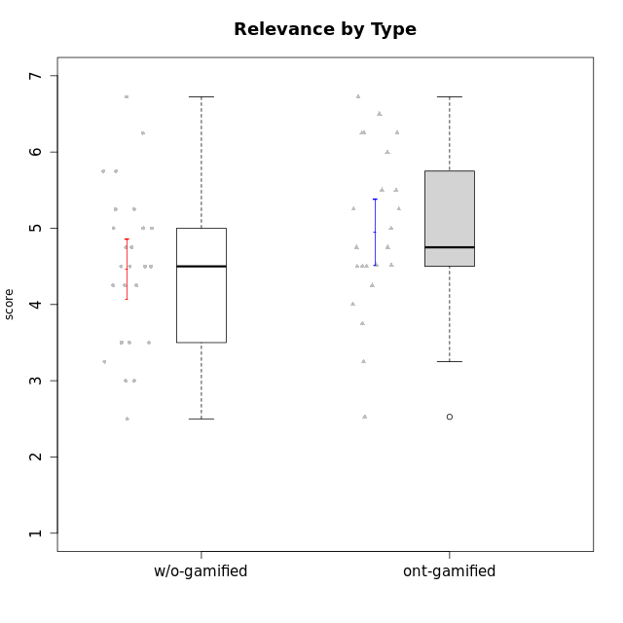

Student's t-Test data
UserID | NroUSP | Type | CLGroup | CLRole | PlayerRole | Interest/Enjoyment | Perceived Choice | Pressure/Tension | Effort/Importance | Intrinsic Motivation | Attention | Relevance | Satisfaction | Level of Motivation
10169 | 10377538 | ont-gamified | Resistance | Apprentice | Social Achiever | 5.7297 | 5.2 | 5.5 | 3.6666666667 | 4.5916666667 | 6.5514333333 | 5.5 | 7 | 5.8645384615
10170 | 10260351 | w/o-gamified | Grupo11 | Apprentice |  | 4.1666666667 | 5.8 | 2.5 | 4.6666666667 | 5.0333333333 | 4.6666666667 | 5.25 | 4.3333333333 | 4.7692307692
10171 | 698531 | ont-gamified | Mafia | Master | Social Achiever | 5.4826 | 6.2 | 1.75 | 6.9768 | 5.6972216667 | 5 | 6.25 | 5.3333333333 | 5.4615384615
10172 | 10273971 | w/o-gamified | Grupo5 | Apprentice |  | 5.1666666667 | 2.8 | 4.25 | 3.3333333333 | 3.7625 | 5 | 3 | 5 | 4.3846153846
10174 | 10276852 | w/o-gamified | Grupo7 | Master |  | 4.5 | 4.2 | 3.9739 | 4.3333333333 | 4.1958333333 | 5.1666666667 | 3.5 | 5 | 4.6153846154
10175 | 10310700 | ont-gamified | Warriors | Master | Social Achiever | 4 | 6.6 | 1 | 6 | 5.6972216667 | 5.1666666667 | 6.25 | 5.6666666667 | 5.6153846154
10176 | 10276949 | ont-gamified | Outlaws | Master | Social Achiever | 3.8333333333 | 3.4 | 4.5 | 3.6666666667 | 3.6 | 4.3333333333 | 4.5174 | 4 | 4.1538461538
10179 | 10310759 | w/o-gamified | Grupo10 | Master |  | 3.6666666667 | 2.6 | 1.25 | 6.3101333333 | 4.8375 | 3.5 | 5.25 | 4 | 4.1538461538
10181 | 10276866 | w/o-gamified | Grupo2 | Apprentice |  | 2.1666666667 | 4.2 | 3.5 | 3 | 3.4666666667 | 4.1666666667 | 4.5 | 1.6666666667 | 3.6923076923
10183 | 10352030 | w/o-gamified | Grupo3 | Apprentice |  | 2.8333333333 | 4.4 | 4.75 | 3.6666666667 | 3.5375 | 2.1666666667 | 3 | 2.6666666667 | 2.7852923077
10184 | 10276675 | w/o-gamified | Grupo10 | Apprentice |  | 3.8333333333 | 4 | 3.75 | 3.6666666667 | 3.9375 | 3.8333333333 | 4.75 | 4.6666666667 | 4.3076923077
10185 | 10276960 | w/o-gamified | Grupo9 | Apprentice |  | 4.8333333333 | 3.4 | 4.25 | 4.3333333333 | 4.0791666667 | 3.8333333333 | 3.5 | 4.6666666667 | 3.9230769231
10186 | 10310551 | ont-gamified | Slayers | Apprentice | Social Achiever | 3.8333333333 | 4.6 | 5 | 7 | 4.6083333333 | 3.5 | 5.5 | 6.3333333333 | 4.7692307692
10188 | 10276995 | ont-gamified | Vandals | Master | Yee Achiever | 3 | 6.2 | 1 | 5 | 5.3 | 3.3333333333 | 6.5 | 3 | 4.2307692308
10189 | 9363926 | ont-gamified | Vikings | Apprentice | Social Achiever | 2.2703 | 3.4 | 2 | 5.6666666667 | 4.2666666667 | 1.3333333333 | 3.75 | 2.6666666667 | 2.4431538462
10190 | 10276907 | w/o-gamified | Grupo4 | Apprentice |  | 3.1666666667 | 3 | 4.5 | 4 | 3.4166666667 | 4.8333333333 | 3.25 | 3.6666666667 | 4.0769230769
10191 | 10276981 | w/o-gamified | Grupo1 | Master |  | 2.3333333333 | 3.2 | 1 | 4.6666666667 | 4.3 | 3.3333333333 | 4.25 | 4.3333333333 | 3.8461538462
10192 | 10276682 | ont-gamified | Attractive Devils | Apprentice | Social Achiever | 4 | 4.8 | 4.25 | 5.6666666667 | 4.5541666667 | 5.1666666667 | 4.5 | 6.6666666667 | 5.3076923077
10193 | 10276762 | ont-gamified | Vandals | Apprentice | Yee Achiever | 2.2703 | 7 | 2.75 | 5 | 4.6458333333 | 1.1666666667 | 6.7239 | 1.3681333333 | 2.9230769231
10197 | 10276661 | w/o-gamified | Grupo8 | Apprentice |  | 3.5 | 5 | 3.5 | 4.6666666667 | 4.4166666667 | 5.1666666667 | 5 | 3.3333333333 | 4.6923076923
10198 | 10310888 | ont-gamified | Attractive Devils | Apprentice | Social Achiever | 4 | 3.6 | 4.25 | 5.6666666667 | 4.2541666667 | 5.8333333333 | 5.25 | 6.6666666667 | 5.8461538462
10199 | 10276737 | w/o-gamified | Grupo1 | Apprentice |  | 3 | 3.8 | 3.25 | 4 | 3.8875 | 3.5 | 4.5 | 4.6666666667 | 4.0769230769
10200 | 9795272 | ont-gamified | Warriors | Apprentice | Social Achiever | 4.5 | 4.8 | 4.75 | 6.6666666667 | 4.8041666667 | 5 | 5.25 | 6 | 5.3076923077
10201 | 10276928 | w/o-gamified | Grupo11 | Apprentice |  | 5.1666666667 | 4.2 | 3 | 5 | 4.8416666667 | 4.8333333333 | 3.5 | 5.6666666667 | 4.6153846154
10202 | 10277036 | ont-gamified | Silly Knights | Apprentice | Social Achiever | 3 | 5.2 | 3.5 | 5.6666666667 | 4.5916666667 | 3.1666666667 | 4.5 | 5 | 4
10203 | 9921470 | ont-gamified | Mercenaries | Apprentice | Social Achiever | 4.1666666667 | 6.4 | 3.25 | 7 | 5.1978933333 | 4.5 | 4 | 6.3333333333 | 4.7692307692
10204 | 10310471 | w/o-gamified | Grupo6 | Apprentice |  | 1.8565333333 | 1.42784 | 5.5 | 5 | 2.7143933333 | 1.529 | 4.25 | 2.3333333333 | 2.7852923077
10206 | 10310721 | w/o-gamified | Grupo8 | Apprentice |  | 3.6666666667 | 5.6 | 3 | 5.6666666667 | 4.9833333333 | 4.5 | 4.75 | 5.3333333333 | 4.7692307692
10208 | 10276932 | ont-gamified | Mercenaries | Master | Social Achiever | 3.8333333333 | 4.8 | 2.25 | 5.6666666667 | 5.0125 | 2.5 | 4.5174 | 4.3333333333 | 3.2307692308
10209 | 10262669 | ont-gamified | Mafia | Apprentice | Social Achiever | 2.3333333333 | 1.6348 | 1.7761 | 4.6666666667 | 3.7875 | 2.3333333333 | 4.25 | 2.3333333333 | 2.9230769231
10210 | 10277015 | w/o-gamified | Grupo6 | Apprentice |  | 1.8565333333 | 1.42784 | 5.5 | 6.3101333333 | 2.975 | 1.529 | 2.5 | 1.3681333333 | 2.7852923077
10213 | 10277040 | w/o-gamified | Grupo7 | Apprentice |  | 3.8333333333 | 1.42784 | 3.75 | 6.3101333333 | 4.1208333333 | 5.5 | 6.7239 | 6 | 5.5224
10214 | 10277022 | ont-gamified | Vikings | Apprentice | Social Achiever | 2.2703 | 2.6 | 4 | 7 | 3.6916666667 | 2.1666666667 | 3.25 | 3.6666666667 | 2.8461538462
10215 | 9285227 | ont-gamified | Vikings | Master | Social Achiever | 4 | 5.4 | 2.5 | 4.3333333333 | 4.8083333333 | 3 | 6.25 | 2.3333333333 | 3.8461538462
10216 | 10276720 | ont-gamified | Silly Knights | Master | Social Achiever | 4.6666666667 | 5.8 | 1 | 5.6666666667 | 5.6972216667 | 3.8333333333 | 6 | 5.3333333333 | 4.8461538462
10217 | 9805341 | w/o-gamified | Grupo9 | Apprentice |  | 4.3333333333 | 4.2 | 1.5261 | 4 | 4.8833333333 | 3.8333333333 | 5 | 4 | 4.2307692308
10218 | 9842913 | w/o-gamified | Grupo10 | Apprentice |  | 4 | 3.6 | 4 | 4 | 3.9 | 4 | 4.5 | 3.3333333333 | 4
10219 | 10276831 | w/o-gamified | Grupo3 | Master |  | 1.8565333333 | 3.2 | 1 | 2.3565333333 | 3.5916666667 | 2.0203 | 3.5 | 1.3681333333 | 3.0133846154
10220 | 9760151 | w/o-gamified | Grupo3 | Apprentice |  | 2.5 | 6.17216 | 1.5261 | 6 | 5.475 | 1.529 | 6.25 | 6 | 4
10221 | 9082496 | ont-gamified | Warriors | Apprentice | Social Achiever | 2.6666666667 | 3 | 3.25 | 5.3333333333 | 3.9375 | 2.8333333333 | 2.5261 | 4 | 3
10223 | 9795185 | ont-gamified | Slayers | Master | Social Achiever | 5 | 4.2 | 3.5 | 4.3333333333 | 4.5083333333 | 3.8333333333 | 5 | 4.3333333333 | 4.3076923077
10224 | 9368772 | ont-gamified | Mercenaries | Apprentice | Social Achiever | 4 | 3.6 | 4.75 | 4 | 3.7125 | 4.3333333333 | 4.5 | 5 | 4.5384615385
10226 | 10310342 | w/o-gamified | Grupo4 | Apprentice |  | 1.8565333333 | 1.42784 | 5.5 | 2.3565333333 | 2.7143933333 | 3.5 | 4.25 | 2.6666666667 | 3.5384615385
10227 | 9274382 | w/o-gamified | Grupo5 | Master |  | 4.3333333333 | 4.6 | 3.75 | 4 | 4.2958333333 | 5.4797 | 5 | 6 | 5.2943076923
10228 | 10310492 | ont-gamified | Resistance | Apprentice | Social Achiever | 2.2703 | 6.4 | 3.5 | 5 | 4.3083333333 | 2.1666666667 | 4.75 | 4 | 3.3846153846
10230 | 10351992 | ont-gamified | Resistance | Master | Social Achiever | 4.5 | 4 | 4 | 4.6666666667 | 4.2916666667 | 4.6666666667 | 4.75 | 4 | 4.5384615385
10231 | 10276911 | w/o-gamified | Grupo9 | Master |  | 4.5 | 5.57216 | 1 | 3.6666666667 | 5.3916666667 | 4 | 4.5 | 5.3333333333 | 4.4615384615
10232 | 10276974 | w/o-gamified | Grupo7 | Apprentice |  | 4.5 | 4.6 | 2.75 | 6.3101333333 | 5.1708333333 | 4.8333333333 | 5.75 | 5.6666666667 | 5.3076923077
10234 | 10310676 | w/o-gamified | Grupo4 | Master |  | 1.8565333333 | 1.8 | 2.25 | 2.3565333333 | 2.8875 | 3.1666666667 | 5.75 | 1.6666666667 | 3.6153846154
10237 | 10377688 | ont-gamified | Outlaws | Apprentice | Social Achiever | 4 | 4.2 | 4.75 | 4.6666666667 | 4.0291666667 | 3.6666666667 | 4.5 | 4.3333333333 | 4.0769230769
10238 | 10276953 | w/o-gamified | Grupo2 | Master |  | 3.8333333333 | 2.8 | 3.9739 | 6 | 3.9083333333 | 4.3333333333 | 4.5 | 3.3333333333 | 4.1538461538

Type_CLRole_1
Student's t-Test for Relevance by Type in Type:CLRole between ont-gamified.Apprentice:ont-gamified.Master

Student's t-Test results
Alternative hypothesis: less
Group | N | Mean | Mean.Difference | Std.deviation | Std.error | CI.lower | CI.upper | df | t.value | p.value | g | magnitude
ont-gamified.Apprentice | 15 | 4.5833333333 | -0.97608888889 | 1.0128758827 | 0.26152342837 | 4.0602864766 | 5.1063801901 | 19.541149329 | -2.5470856367 | 0.0097059200041 | -0.9881314262 | large
ont-gamified.Master | 9 | 5.5594222222 | 0.97608888889 | 0.84032928929 | 0.2801097631 | 4.999202696 | 6.1196417484 | 19.541149329 | -2.5470856367 | 0.0097059200041 | -0.9881314262 | large
Alternative hypothesis: greater
Group | N | Mean | Mean.Difference | Std.deviation | Std.error | CI.lower | CI.upper | df | t.value | p.value | g | magnitude
ont-gamified.Apprentice | 15 | 4.5833333333 | -0.97608888889 | 1.0128758827 | 0.26152342837 | 4.0602864766 | 5.1063801901 | 19.541149329 | -2.5470856367 | 0.99029408 | -0.9881314262 | large
ont-gamified.Master | 9 | 5.5594222222 | 0.97608888889 | 0.84032928929 | 0.2801097631 | 4.999202696 | 6.1196417484 | 19.541149329 | -2.5470856367 | 0.99029408 | -0.9881314262 | large
Alternative hypothesis: two.sided
Group | N | Mean | Mean.Difference | Std.deviation | Std.error | CI.lower | CI.upper | df | t.value | p.value | g | magnitude
ont-gamified.Apprentice | 15 | 4.5833333333 | -0.97608888889 | 1.0128758827 | 0.26152342837 | 4.0602864766 | 5.1063801901 | 19.541149329 | -2.5470856367 | 0.019411840008 | -0.9881314262 | large
ont-gamified.Master | 9 | 5.5594222222 | 0.97608888889 | 0.84032928929 | 0.2801097631 | 4.999202696 | 6.1196417484 | 19.541149329 | -2.5470856367 | 0.019411840008 | -0.9881314262 | large

Box plots for Student's t-Test
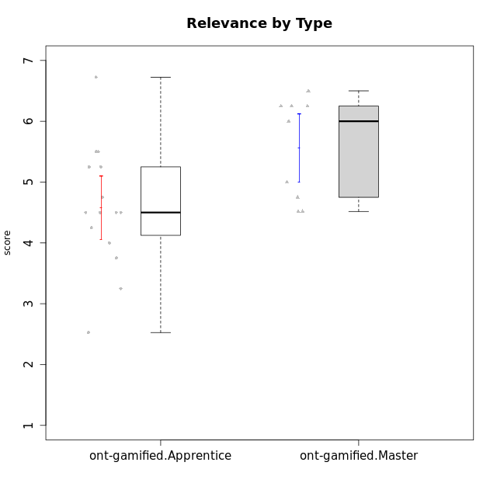

Student's t-Test data
UserID | NroUSP | Type | CLGroup | CLRole | PlayerRole | Interest/Enjoyment | Perceived Choice | Pressure/Tension | Effort/Importance | Intrinsic Motivation | Attention | Relevance | Satisfaction | Level of Motivation
10169 | 10377538 | ont-gamified | Resistance | Apprentice | Social Achiever | 5.7297 | 5.2 | 5.5 | 3.6666666667 | 4.5916666667 | 6.5514333333 | 5.5 | 7 | 5.8645384615
10171 | 698531 | ont-gamified | Mafia | Master | Social Achiever | 5.4826 | 6.2 | 1.75 | 6.9768 | 5.6972216667 | 5 | 6.25 | 5.3333333333 | 5.4615384615
10175 | 10310700 | ont-gamified | Warriors | Master | Social Achiever | 4 | 6.6 | 1 | 6 | 5.6972216667 | 5.1666666667 | 6.25 | 5.6666666667 | 5.6153846154
10176 | 10276949 | ont-gamified | Outlaws | Master | Social Achiever | 3.8333333333 | 3.4 | 4.5 | 3.6666666667 | 3.6 | 4.3333333333 | 4.5174 | 4 | 4.1538461538
10186 | 10310551 | ont-gamified | Slayers | Apprentice | Social Achiever | 3.8333333333 | 4.6 | 5 | 7 | 4.6083333333 | 3.5 | 5.5 | 6.3333333333 | 4.7692307692
10188 | 10276995 | ont-gamified | Vandals | Master | Yee Achiever | 3 | 6.2 | 1 | 5 | 5.3 | 3.3333333333 | 6.5 | 3 | 4.2307692308
10189 | 9363926 | ont-gamified | Vikings | Apprentice | Social Achiever | 2.2703 | 3.4 | 2 | 5.6666666667 | 4.2666666667 | 1.3333333333 | 3.75 | 2.6666666667 | 2.4431538462
10192 | 10276682 | ont-gamified | Attractive Devils | Apprentice | Social Achiever | 4 | 4.8 | 4.25 | 5.6666666667 | 4.5541666667 | 5.1666666667 | 4.5 | 6.6666666667 | 5.3076923077
10193 | 10276762 | ont-gamified | Vandals | Apprentice | Yee Achiever | 2.2703 | 7 | 2.75 | 5 | 4.6458333333 | 1.1666666667 | 6.7239 | 1.3681333333 | 2.9230769231
10198 | 10310888 | ont-gamified | Attractive Devils | Apprentice | Social Achiever | 4 | 3.6 | 4.25 | 5.6666666667 | 4.2541666667 | 5.8333333333 | 5.25 | 6.6666666667 | 5.8461538462
10200 | 9795272 | ont-gamified | Warriors | Apprentice | Social Achiever | 4.5 | 4.8 | 4.75 | 6.6666666667 | 4.8041666667 | 5 | 5.25 | 6 | 5.3076923077
10202 | 10277036 | ont-gamified | Silly Knights | Apprentice | Social Achiever | 3 | 5.2 | 3.5 | 5.6666666667 | 4.5916666667 | 3.1666666667 | 4.5 | 5 | 4
10203 | 9921470 | ont-gamified | Mercenaries | Apprentice | Social Achiever | 4.1666666667 | 6.4 | 3.25 | 7 | 5.1978933333 | 4.5 | 4 | 6.3333333333 | 4.7692307692
10208 | 10276932 | ont-gamified | Mercenaries | Master | Social Achiever | 3.8333333333 | 4.8 | 2.25 | 5.6666666667 | 5.0125 | 2.5 | 4.5174 | 4.3333333333 | 3.2307692308
10209 | 10262669 | ont-gamified | Mafia | Apprentice | Social Achiever | 2.3333333333 | 1.6348 | 1.7761 | 4.6666666667 | 3.7875 | 2.3333333333 | 4.25 | 2.3333333333 | 2.9230769231
10214 | 10277022 | ont-gamified | Vikings | Apprentice | Social Achiever | 2.2703 | 2.6 | 4 | 7 | 3.6916666667 | 2.1666666667 | 3.25 | 3.6666666667 | 2.8461538462
10215 | 9285227 | ont-gamified | Vikings | Master | Social Achiever | 4 | 5.4 | 2.5 | 4.3333333333 | 4.8083333333 | 3 | 6.25 | 2.3333333333 | 3.8461538462
10216 | 10276720 | ont-gamified | Silly Knights | Master | Social Achiever | 4.6666666667 | 5.8 | 1 | 5.6666666667 | 5.6972216667 | 3.8333333333 | 6 | 5.3333333333 | 4.8461538462
10221 | 9082496 | ont-gamified | Warriors | Apprentice | Social Achiever | 2.6666666667 | 3 | 3.25 | 5.3333333333 | 3.9375 | 2.8333333333 | 2.5261 | 4 | 3
10223 | 9795185 | ont-gamified | Slayers | Master | Social Achiever | 5 | 4.2 | 3.5 | 4.3333333333 | 4.5083333333 | 3.8333333333 | 5 | 4.3333333333 | 4.3076923077
10224 | 9368772 | ont-gamified | Mercenaries | Apprentice | Social Achiever | 4 | 3.6 | 4.75 | 4 | 3.7125 | 4.3333333333 | 4.5 | 5 | 4.5384615385
10228 | 10310492 | ont-gamified | Resistance | Apprentice | Social Achiever | 2.2703 | 6.4 | 3.5 | 5 | 4.3083333333 | 2.1666666667 | 4.75 | 4 | 3.3846153846
10230 | 10351992 | ont-gamified | Resistance | Master | Social Achiever | 4.5 | 4 | 4 | 4.6666666667 | 4.2916666667 | 4.6666666667 | 4.75 | 4 | 4.5384615385
10237 | 10377688 | ont-gamified | Outlaws | Apprentice | Social Achiever | 4 | 4.2 | 4.75 | 4.6666666667 | 4.0291666667 | 3.6666666667 | 4.5 | 4.3333333333 | 4.0769230769

Type_CLRole_2
Student's t-Test for Relevance by Type in Type:CLRole between ont-gamified.Apprentice:w/o-gamified.Apprentice

Student's t-Test results
Alternative hypothesis: less
Group | N | Mean | Mean.Difference | Std.deviation | Std.error | CI.lower | CI.upper | df | t.value | p.value | g | magnitude
ont-gamified.Apprentice | 15 | 4.5833333333 | 0.15049649123 | 1.0128758827 | 0.26152342837 | 4.0602864766 | 5.1063801901 | 31.405738588 | 0.40924098804 | 0.6574297471 | 0.13624306333 | negligible
w/o-gamified.Apprentice | 19 | 4.4328368421 | -0.15049649123 | 1.126943366 | 0.25853853935 | 3.9157597634 | 4.9499139208 | 31.405738588 | 0.40924098804 | 0.6574297471 | 0.13624306333 | negligible
Alternative hypothesis: greater
Group | N | Mean | Mean.Difference | Std.deviation | Std.error | CI.lower | CI.upper | df | t.value | p.value | g | magnitude
ont-gamified.Apprentice | 15 | 4.5833333333 | 0.15049649123 | 1.0128758827 | 0.26152342837 | 4.0602864766 | 5.1063801901 | 31.405738588 | 0.40924098804 | 0.3425702529 | 0.13624306333 | negligible
w/o-gamified.Apprentice | 19 | 4.4328368421 | -0.15049649123 | 1.126943366 | 0.25853853935 | 3.9157597634 | 4.9499139208 | 31.405738588 | 0.40924098804 | 0.3425702529 | 0.13624306333 | negligible
Alternative hypothesis: two.sided
Group | N | Mean | Mean.Difference | Std.deviation | Std.error | CI.lower | CI.upper | df | t.value | p.value | g | magnitude
ont-gamified.Apprentice | 15 | 4.5833333333 | 0.15049649123 | 1.0128758827 | 0.26152342837 | 4.0602864766 | 5.1063801901 | 31.405738588 | 0.40924098804 | 0.68514050581 | 0.13624306333 | negligible
w/o-gamified.Apprentice | 19 | 4.4328368421 | -0.15049649123 | 1.126943366 | 0.25853853935 | 3.9157597634 | 4.9499139208 | 31.405738588 | 0.40924098804 | 0.68514050581 | 0.13624306333 | negligible

Box plots for Student's t-Test
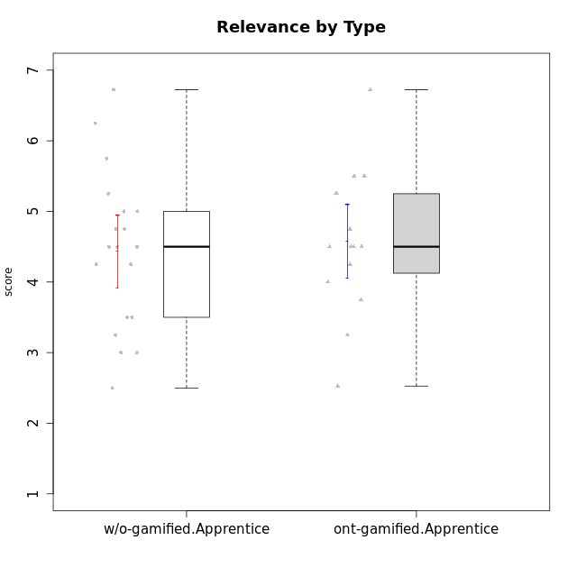

Student's t-Test data
UserID | NroUSP | Type | CLGroup | CLRole | PlayerRole | Interest/Enjoyment | Perceived Choice | Pressure/Tension | Effort/Importance | Intrinsic Motivation | Attention | Relevance | Satisfaction | Level of Motivation
10169 | 10377538 | ont-gamified | Resistance | Apprentice | Social Achiever | 5.7297 | 5.2 | 5.5 | 3.6666666667 | 4.5916666667 | 6.5514333333 | 5.5 | 7 | 5.8645384615
10170 | 10260351 | w/o-gamified | Grupo11 | Apprentice |  | 4.1666666667 | 5.8 | 2.5 | 4.6666666667 | 5.0333333333 | 4.6666666667 | 5.25 | 4.3333333333 | 4.7692307692
10172 | 10273971 | w/o-gamified | Grupo5 | Apprentice |  | 5.1666666667 | 2.8 | 4.25 | 3.3333333333 | 3.7625 | 5 | 3 | 5 | 4.3846153846
10181 | 10276866 | w/o-gamified | Grupo2 | Apprentice |  | 2.1666666667 | 4.2 | 3.5 | 3 | 3.4666666667 | 4.1666666667 | 4.5 | 1.6666666667 | 3.6923076923
10183 | 10352030 | w/o-gamified | Grupo3 | Apprentice |  | 2.8333333333 | 4.4 | 4.75 | 3.6666666667 | 3.5375 | 2.1666666667 | 3 | 2.6666666667 | 2.7852923077
10184 | 10276675 | w/o-gamified | Grupo10 | Apprentice |  | 3.8333333333 | 4 | 3.75 | 3.6666666667 | 3.9375 | 3.8333333333 | 4.75 | 4.6666666667 | 4.3076923077
10185 | 10276960 | w/o-gamified | Grupo9 | Apprentice |  | 4.8333333333 | 3.4 | 4.25 | 4.3333333333 | 4.0791666667 | 3.8333333333 | 3.5 | 4.6666666667 | 3.9230769231
10186 | 10310551 | ont-gamified | Slayers | Apprentice | Social Achiever | 3.8333333333 | 4.6 | 5 | 7 | 4.6083333333 | 3.5 | 5.5 | 6.3333333333 | 4.7692307692
10189 | 9363926 | ont-gamified | Vikings | Apprentice | Social Achiever | 2.2703 | 3.4 | 2 | 5.6666666667 | 4.2666666667 | 1.3333333333 | 3.75 | 2.6666666667 | 2.4431538462
10190 | 10276907 | w/o-gamified | Grupo4 | Apprentice |  | 3.1666666667 | 3 | 4.5 | 4 | 3.4166666667 | 4.8333333333 | 3.25 | 3.6666666667 | 4.0769230769
10192 | 10276682 | ont-gamified | Attractive Devils | Apprentice | Social Achiever | 4 | 4.8 | 4.25 | 5.6666666667 | 4.5541666667 | 5.1666666667 | 4.5 | 6.6666666667 | 5.3076923077
10193 | 10276762 | ont-gamified | Vandals | Apprentice | Yee Achiever | 2.2703 | 7 | 2.75 | 5 | 4.6458333333 | 1.1666666667 | 6.7239 | 1.3681333333 | 2.9230769231
10197 | 10276661 | w/o-gamified | Grupo8 | Apprentice |  | 3.5 | 5 | 3.5 | 4.6666666667 | 4.4166666667 | 5.1666666667 | 5 | 3.3333333333 | 4.6923076923
10198 | 10310888 | ont-gamified | Attractive Devils | Apprentice | Social Achiever | 4 | 3.6 | 4.25 | 5.6666666667 | 4.2541666667 | 5.8333333333 | 5.25 | 6.6666666667 | 5.8461538462
10199 | 10276737 | w/o-gamified | Grupo1 | Apprentice |  | 3 | 3.8 | 3.25 | 4 | 3.8875 | 3.5 | 4.5 | 4.6666666667 | 4.0769230769
10200 | 9795272 | ont-gamified | Warriors | Apprentice | Social Achiever | 4.5 | 4.8 | 4.75 | 6.6666666667 | 4.8041666667 | 5 | 5.25 | 6 | 5.3076923077
10201 | 10276928 | w/o-gamified | Grupo11 | Apprentice |  | 5.1666666667 | 4.2 | 3 | 5 | 4.8416666667 | 4.8333333333 | 3.5 | 5.6666666667 | 4.6153846154
10202 | 10277036 | ont-gamified | Silly Knights | Apprentice | Social Achiever | 3 | 5.2 | 3.5 | 5.6666666667 | 4.5916666667 | 3.1666666667 | 4.5 | 5 | 4
10203 | 9921470 | ont-gamified | Mercenaries | Apprentice | Social Achiever | 4.1666666667 | 6.4 | 3.25 | 7 | 5.1978933333 | 4.5 | 4 | 6.3333333333 | 4.7692307692
10204 | 10310471 | w/o-gamified | Grupo6 | Apprentice |  | 1.8565333333 | 1.42784 | 5.5 | 5 | 2.7143933333 | 1.529 | 4.25 | 2.3333333333 | 2.7852923077
10206 | 10310721 | w/o-gamified | Grupo8 | Apprentice |  | 3.6666666667 | 5.6 | 3 | 5.6666666667 | 4.9833333333 | 4.5 | 4.75 | 5.3333333333 | 4.7692307692
10209 | 10262669 | ont-gamified | Mafia | Apprentice | Social Achiever | 2.3333333333 | 1.6348 | 1.7761 | 4.6666666667 | 3.7875 | 2.3333333333 | 4.25 | 2.3333333333 | 2.9230769231
10210 | 10277015 | w/o-gamified | Grupo6 | Apprentice |  | 1.8565333333 | 1.42784 | 5.5 | 6.3101333333 | 2.975 | 1.529 | 2.5 | 1.3681333333 | 2.7852923077
10213 | 10277040 | w/o-gamified | Grupo7 | Apprentice |  | 3.8333333333 | 1.42784 | 3.75 | 6.3101333333 | 4.1208333333 | 5.5 | 6.7239 | 6 | 5.5224
10214 | 10277022 | ont-gamified | Vikings | Apprentice | Social Achiever | 2.2703 | 2.6 | 4 | 7 | 3.6916666667 | 2.1666666667 | 3.25 | 3.6666666667 | 2.8461538462
10217 | 9805341 | w/o-gamified | Grupo9 | Apprentice |  | 4.3333333333 | 4.2 | 1.5261 | 4 | 4.8833333333 | 3.8333333333 | 5 | 4 | 4.2307692308
10218 | 9842913 | w/o-gamified | Grupo10 | Apprentice |  | 4 | 3.6 | 4 | 4 | 3.9 | 4 | 4.5 | 3.3333333333 | 4
10220 | 9760151 | w/o-gamified | Grupo3 | Apprentice |  | 2.5 | 6.17216 | 1.5261 | 6 | 5.475 | 1.529 | 6.25 | 6 | 4
10221 | 9082496 | ont-gamified | Warriors | Apprentice | Social Achiever | 2.6666666667 | 3 | 3.25 | 5.3333333333 | 3.9375 | 2.8333333333 | 2.5261 | 4 | 3
10224 | 9368772 | ont-gamified | Mercenaries | Apprentice | Social Achiever | 4 | 3.6 | 4.75 | 4 | 3.7125 | 4.3333333333 | 4.5 | 5 | 4.5384615385
10226 | 10310342 | w/o-gamified | Grupo4 | Apprentice |  | 1.8565333333 | 1.42784 | 5.5 | 2.3565333333 | 2.7143933333 | 3.5 | 4.25 | 2.6666666667 | 3.5384615385
10228 | 10310492 | ont-gamified | Resistance | Apprentice | Social Achiever | 2.2703 | 6.4 | 3.5 | 5 | 4.3083333333 | 2.1666666667 | 4.75 | 4 | 3.3846153846
10232 | 10276974 | w/o-gamified | Grupo7 | Apprentice |  | 4.5 | 4.6 | 2.75 | 6.3101333333 | 5.1708333333 | 4.8333333333 | 5.75 | 5.6666666667 | 5.3076923077
10237 | 10377688 | ont-gamified | Outlaws | Apprentice | Social Achiever | 4 | 4.2 | 4.75 | 4.6666666667 | 4.0291666667 | 3.6666666667 | 4.5 | 4.3333333333 | 4.0769230769

Type_CLRole_3
Student's t-Test for Relevance by Type in Type:CLRole between ont-gamified.Apprentice:w/o-gamified.Master

Student's t-Test results
Alternative hypothesis: less
Group | N | Mean | Mean.Difference | Std.deviation | Std.error | CI.lower | CI.upper | df | t.value | p.value | g | magnitude
ont-gamified.Apprentice | 15 | 4.5833333333 | 0.052083333333 | 1.0128758827 | 0.26152342837 | 4.0602864766 | 5.1063801901 | 17.715950799 | 0.13561525742 | 0.55317275637 | 0.053067380374 | negligible
w/o-gamified.Master | 8 | 4.53125 | -0.052083333333 | 0.79549512883 | 0.28125 | 3.96875 | 5.09375 | 17.715950799 | 0.13561525742 | 0.55317275637 | 0.053067380374 | negligible
Alternative hypothesis: greater
Group | N | Mean | Mean.Difference | Std.deviation | Std.error | CI.lower | CI.upper | df | t.value | p.value | g | magnitude
ont-gamified.Apprentice | 15 | 4.5833333333 | 0.052083333333 | 1.0128758827 | 0.26152342837 | 4.0602864766 | 5.1063801901 | 17.715950799 | 0.13561525742 | 0.44682724363 | 0.053067380374 | negligible
w/o-gamified.Master | 8 | 4.53125 | -0.052083333333 | 0.79549512883 | 0.28125 | 3.96875 | 5.09375 | 17.715950799 | 0.13561525742 | 0.44682724363 | 0.053067380374 | negligible
Alternative hypothesis: two.sided
Group | N | Mean | Mean.Difference | Std.deviation | Std.error | CI.lower | CI.upper | df | t.value | p.value | g | magnitude
ont-gamified.Apprentice | 15 | 4.5833333333 | 0.052083333333 | 1.0128758827 | 0.26152342837 | 4.0602864766 | 5.1063801901 | 17.715950799 | 0.13561525742 | 0.89365448726 | 0.053067380374 | negligible
w/o-gamified.Master | 8 | 4.53125 | -0.052083333333 | 0.79549512883 | 0.28125 | 3.96875 | 5.09375 | 17.715950799 | 0.13561525742 | 0.89365448726 | 0.053067380374 | negligible

Box plots for Student's t-Test
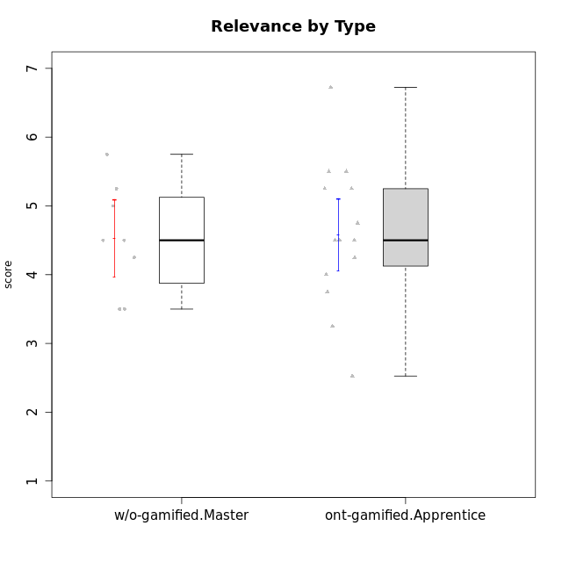

Student's t-Test data
UserID | NroUSP | Type | CLGroup | CLRole | PlayerRole | Interest/Enjoyment | Perceived Choice | Pressure/Tension | Effort/Importance | Intrinsic Motivation | Attention | Relevance | Satisfaction | Level of Motivation
10169 | 10377538 | ont-gamified | Resistance | Apprentice | Social Achiever | 5.7297 | 5.2 | 5.5 | 3.6666666667 | 4.5916666667 | 6.5514333333 | 5.5 | 7 | 5.8645384615
10174 | 10276852 | w/o-gamified | Grupo7 | Master |  | 4.5 | 4.2 | 3.9739 | 4.3333333333 | 4.1958333333 | 5.1666666667 | 3.5 | 5 | 4.6153846154
10179 | 10310759 | w/o-gamified | Grupo10 | Master |  | 3.6666666667 | 2.6 | 1.25 | 6.3101333333 | 4.8375 | 3.5 | 5.25 | 4 | 4.1538461538
10186 | 10310551 | ont-gamified | Slayers | Apprentice | Social Achiever | 3.8333333333 | 4.6 | 5 | 7 | 4.6083333333 | 3.5 | 5.5 | 6.3333333333 | 4.7692307692
10189 | 9363926 | ont-gamified | Vikings | Apprentice | Social Achiever | 2.2703 | 3.4 | 2 | 5.6666666667 | 4.2666666667 | 1.3333333333 | 3.75 | 2.6666666667 | 2.4431538462
10191 | 10276981 | w/o-gamified | Grupo1 | Master |  | 2.3333333333 | 3.2 | 1 | 4.6666666667 | 4.3 | 3.3333333333 | 4.25 | 4.3333333333 | 3.8461538462
10192 | 10276682 | ont-gamified | Attractive Devils | Apprentice | Social Achiever | 4 | 4.8 | 4.25 | 5.6666666667 | 4.5541666667 | 5.1666666667 | 4.5 | 6.6666666667 | 5.3076923077
10193 | 10276762 | ont-gamified | Vandals | Apprentice | Yee Achiever | 2.2703 | 7 | 2.75 | 5 | 4.6458333333 | 1.1666666667 | 6.7239 | 1.3681333333 | 2.9230769231
10198 | 10310888 | ont-gamified | Attractive Devils | Apprentice | Social Achiever | 4 | 3.6 | 4.25 | 5.6666666667 | 4.2541666667 | 5.8333333333 | 5.25 | 6.6666666667 | 5.8461538462
10200 | 9795272 | ont-gamified | Warriors | Apprentice | Social Achiever | 4.5 | 4.8 | 4.75 | 6.6666666667 | 4.8041666667 | 5 | 5.25 | 6 | 5.3076923077
10202 | 10277036 | ont-gamified | Silly Knights | Apprentice | Social Achiever | 3 | 5.2 | 3.5 | 5.6666666667 | 4.5916666667 | 3.1666666667 | 4.5 | 5 | 4
10203 | 9921470 | ont-gamified | Mercenaries | Apprentice | Social Achiever | 4.1666666667 | 6.4 | 3.25 | 7 | 5.1978933333 | 4.5 | 4 | 6.3333333333 | 4.7692307692
10209 | 10262669 | ont-gamified | Mafia | Apprentice | Social Achiever | 2.3333333333 | 1.6348 | 1.7761 | 4.6666666667 | 3.7875 | 2.3333333333 | 4.25 | 2.3333333333 | 2.9230769231
10214 | 10277022 | ont-gamified | Vikings | Apprentice | Social Achiever | 2.2703 | 2.6 | 4 | 7 | 3.6916666667 | 2.1666666667 | 3.25 | 3.6666666667 | 2.8461538462
10219 | 10276831 | w/o-gamified | Grupo3 | Master |  | 1.8565333333 | 3.2 | 1 | 2.3565333333 | 3.5916666667 | 2.0203 | 3.5 | 1.3681333333 | 3.0133846154
10221 | 9082496 | ont-gamified | Warriors | Apprentice | Social Achiever | 2.6666666667 | 3 | 3.25 | 5.3333333333 | 3.9375 | 2.8333333333 | 2.5261 | 4 | 3
10224 | 9368772 | ont-gamified | Mercenaries | Apprentice | Social Achiever | 4 | 3.6 | 4.75 | 4 | 3.7125 | 4.3333333333 | 4.5 | 5 | 4.5384615385
10227 | 9274382 | w/o-gamified | Grupo5 | Master |  | 4.3333333333 | 4.6 | 3.75 | 4 | 4.2958333333 | 5.4797 | 5 | 6 | 5.2943076923
10228 | 10310492 | ont-gamified | Resistance | Apprentice | Social Achiever | 2.2703 | 6.4 | 3.5 | 5 | 4.3083333333 | 2.1666666667 | 4.75 | 4 | 3.3846153846
10231 | 10276911 | w/o-gamified | Grupo9 | Master |  | 4.5 | 5.57216 | 1 | 3.6666666667 | 5.3916666667 | 4 | 4.5 | 5.3333333333 | 4.4615384615
10234 | 10310676 | w/o-gamified | Grupo4 | Master |  | 1.8565333333 | 1.8 | 2.25 | 2.3565333333 | 2.8875 | 3.1666666667 | 5.75 | 1.6666666667 | 3.6153846154
10237 | 10377688 | ont-gamified | Outlaws | Apprentice | Social Achiever | 4 | 4.2 | 4.75 | 4.6666666667 | 4.0291666667 | 3.6666666667 | 4.5 | 4.3333333333 | 4.0769230769
10238 | 10276953 | w/o-gamified | Grupo2 | Master |  | 3.8333333333 | 2.8 | 3.9739 | 6 | 3.9083333333 | 4.3333333333 | 4.5 | 3.3333333333 | 4.1538461538

Type_CLRole_4
Student's t-Test for Relevance by Type in Type:CLRole between ont-gamified.Master:w/o-gamified.Apprentice

Student's t-Test results
Alternative hypothesis: less
Group | N | Mean | Mean.Difference | Std.deviation | Std.error | CI.lower | CI.upper | df | t.value | p.value | g | magnitude
ont-gamified.Master | 9 | 5.5594222222 | 1.1265853801 | 0.84032928929 | 0.2801097631 | 4.999202696 | 6.1196417484 | 20.745116743 | 2.955465136 | 0.99619149507 | 1.0445293746 | large
w/o-gamified.Apprentice | 19 | 4.4328368421 | -1.1265853801 | 1.126943366 | 0.25853853935 | 3.9157597634 | 4.9499139208 | 20.745116743 | 2.955465136 | 0.99619149507 | 1.0445293746 | large
Alternative hypothesis: greater
Group | N | Mean | Mean.Difference | Std.deviation | Std.error | CI.lower | CI.upper | df | t.value | p.value | g | magnitude
ont-gamified.Master | 9 | 5.5594222222 | 1.1265853801 | 0.84032928929 | 0.2801097631 | 4.999202696 | 6.1196417484 | 20.745116743 | 2.955465136 | 0.0038085049279 | 1.0445293746 | large
w/o-gamified.Apprentice | 19 | 4.4328368421 | -1.1265853801 | 1.126943366 | 0.25853853935 | 3.9157597634 | 4.9499139208 | 20.745116743 | 2.955465136 | 0.0038085049279 | 1.0445293746 | large
Alternative hypothesis: two.sided
Group | N | Mean | Mean.Difference | Std.deviation | Std.error | CI.lower | CI.upper | df | t.value | p.value | g | magnitude
ont-gamified.Master | 9 | 5.5594222222 | 1.1265853801 | 0.84032928929 | 0.2801097631 | 4.999202696 | 6.1196417484 | 20.745116743 | 2.955465136 | 0.0076170098559 | 1.0445293746 | large
w/o-gamified.Apprentice | 19 | 4.4328368421 | -1.1265853801 | 1.126943366 | 0.25853853935 | 3.9157597634 | 4.9499139208 | 20.745116743 | 2.955465136 | 0.0076170098559 | 1.0445293746 | large

Box plots for Student's t-Test
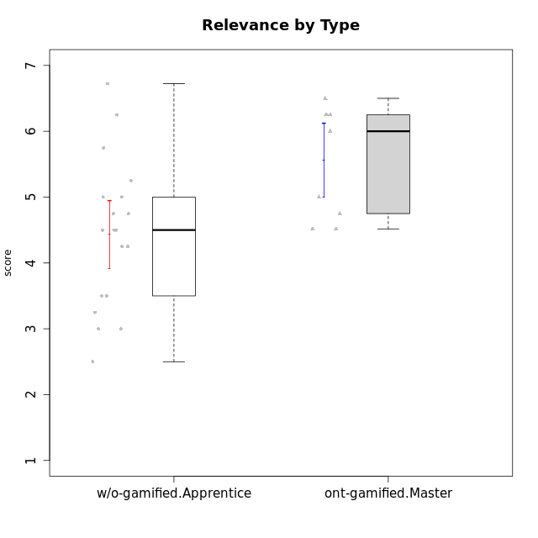

Student's t-Test data
UserID | NroUSP | Type | CLGroup | CLRole | PlayerRole | Interest/Enjoyment | Perceived Choice | Pressure/Tension | Effort/Importance | Intrinsic Motivation | Attention | Relevance | Satisfaction | Level of Motivation
10170 | 10260351 | w/o-gamified | Grupo11 | Apprentice |  | 4.1666666667 | 5.8 | 2.5 | 4.6666666667 | 5.0333333333 | 4.6666666667 | 5.25 | 4.3333333333 | 4.7692307692
10171 | 698531 | ont-gamified | Mafia | Master | Social Achiever | 5.4826 | 6.2 | 1.75 | 6.9768 | 5.6972216667 | 5 | 6.25 | 5.3333333333 | 5.4615384615
10172 | 10273971 | w/o-gamified | Grupo5 | Apprentice |  | 5.1666666667 | 2.8 | 4.25 | 3.3333333333 | 3.7625 | 5 | 3 | 5 | 4.3846153846
10175 | 10310700 | ont-gamified | Warriors | Master | Social Achiever | 4 | 6.6 | 1 | 6 | 5.6972216667 | 5.1666666667 | 6.25 | 5.6666666667 | 5.6153846154
10176 | 10276949 | ont-gamified | Outlaws | Master | Social Achiever | 3.8333333333 | 3.4 | 4.5 | 3.6666666667 | 3.6 | 4.3333333333 | 4.5174 | 4 | 4.1538461538
10181 | 10276866 | w/o-gamified | Grupo2 | Apprentice |  | 2.1666666667 | 4.2 | 3.5 | 3 | 3.4666666667 | 4.1666666667 | 4.5 | 1.6666666667 | 3.6923076923
10183 | 10352030 | w/o-gamified | Grupo3 | Apprentice |  | 2.8333333333 | 4.4 | 4.75 | 3.6666666667 | 3.5375 | 2.1666666667 | 3 | 2.6666666667 | 2.7852923077
10184 | 10276675 | w/o-gamified | Grupo10 | Apprentice |  | 3.8333333333 | 4 | 3.75 | 3.6666666667 | 3.9375 | 3.8333333333 | 4.75 | 4.6666666667 | 4.3076923077
10185 | 10276960 | w/o-gamified | Grupo9 | Apprentice |  | 4.8333333333 | 3.4 | 4.25 | 4.3333333333 | 4.0791666667 | 3.8333333333 | 3.5 | 4.6666666667 | 3.9230769231
10188 | 10276995 | ont-gamified | Vandals | Master | Yee Achiever | 3 | 6.2 | 1 | 5 | 5.3 | 3.3333333333 | 6.5 | 3 | 4.2307692308
10190 | 10276907 | w/o-gamified | Grupo4 | Apprentice |  | 3.1666666667 | 3 | 4.5 | 4 | 3.4166666667 | 4.8333333333 | 3.25 | 3.6666666667 | 4.0769230769
10197 | 10276661 | w/o-gamified | Grupo8 | Apprentice |  | 3.5 | 5 | 3.5 | 4.6666666667 | 4.4166666667 | 5.1666666667 | 5 | 3.3333333333 | 4.6923076923
10199 | 10276737 | w/o-gamified | Grupo1 | Apprentice |  | 3 | 3.8 | 3.25 | 4 | 3.8875 | 3.5 | 4.5 | 4.6666666667 | 4.0769230769
10201 | 10276928 | w/o-gamified | Grupo11 | Apprentice |  | 5.1666666667 | 4.2 | 3 | 5 | 4.8416666667 | 4.8333333333 | 3.5 | 5.6666666667 | 4.6153846154
10204 | 10310471 | w/o-gamified | Grupo6 | Apprentice |  | 1.8565333333 | 1.42784 | 5.5 | 5 | 2.7143933333 | 1.529 | 4.25 | 2.3333333333 | 2.7852923077
10206 | 10310721 | w/o-gamified | Grupo8 | Apprentice |  | 3.6666666667 | 5.6 | 3 | 5.6666666667 | 4.9833333333 | 4.5 | 4.75 | 5.3333333333 | 4.7692307692
10208 | 10276932 | ont-gamified | Mercenaries | Master | Social Achiever | 3.8333333333 | 4.8 | 2.25 | 5.6666666667 | 5.0125 | 2.5 | 4.5174 | 4.3333333333 | 3.2307692308
10210 | 10277015 | w/o-gamified | Grupo6 | Apprentice |  | 1.8565333333 | 1.42784 | 5.5 | 6.3101333333 | 2.975 | 1.529 | 2.5 | 1.3681333333 | 2.7852923077
10213 | 10277040 | w/o-gamified | Grupo7 | Apprentice |  | 3.8333333333 | 1.42784 | 3.75 | 6.3101333333 | 4.1208333333 | 5.5 | 6.7239 | 6 | 5.5224
10215 | 9285227 | ont-gamified | Vikings | Master | Social Achiever | 4 | 5.4 | 2.5 | 4.3333333333 | 4.8083333333 | 3 | 6.25 | 2.3333333333 | 3.8461538462
10216 | 10276720 | ont-gamified | Silly Knights | Master | Social Achiever | 4.6666666667 | 5.8 | 1 | 5.6666666667 | 5.6972216667 | 3.8333333333 | 6 | 5.3333333333 | 4.8461538462
10217 | 9805341 | w/o-gamified | Grupo9 | Apprentice |  | 4.3333333333 | 4.2 | 1.5261 | 4 | 4.8833333333 | 3.8333333333 | 5 | 4 | 4.2307692308
10218 | 9842913 | w/o-gamified | Grupo10 | Apprentice |  | 4 | 3.6 | 4 | 4 | 3.9 | 4 | 4.5 | 3.3333333333 | 4
10220 | 9760151 | w/o-gamified | Grupo3 | Apprentice |  | 2.5 | 6.17216 | 1.5261 | 6 | 5.475 | 1.529 | 6.25 | 6 | 4
10223 | 9795185 | ont-gamified | Slayers | Master | Social Achiever | 5 | 4.2 | 3.5 | 4.3333333333 | 4.5083333333 | 3.8333333333 | 5 | 4.3333333333 | 4.3076923077
10226 | 10310342 | w/o-gamified | Grupo4 | Apprentice |  | 1.8565333333 | 1.42784 | 5.5 | 2.3565333333 | 2.7143933333 | 3.5 | 4.25 | 2.6666666667 | 3.5384615385
10230 | 10351992 | ont-gamified | Resistance | Master | Social Achiever | 4.5 | 4 | 4 | 4.6666666667 | 4.2916666667 | 4.6666666667 | 4.75 | 4 | 4.5384615385
10232 | 10276974 | w/o-gamified | Grupo7 | Apprentice |  | 4.5 | 4.6 | 2.75 | 6.3101333333 | 5.1708333333 | 4.8333333333 | 5.75 | 5.6666666667 | 5.3076923077

Type_CLRole_5
Student's t-Test for Relevance by Type in Type:CLRole between ont-gamified.Master:w/o-gamified.Master

Student's t-Test results
Alternative hypothesis: less
Group | N | Mean | Mean.Difference | Std.deviation | Std.error | CI.lower | CI.upper | df | t.value | p.value | g | magnitude
ont-gamified.Master | 9 | 5.5594222222 | 1.0281722222 | 0.84032928929 | 0.2801097631 | 4.999202696 | 6.1196417484 | 14.92500286 | 2.5902321419 | 0.98972228561 | 1.1905308161 | large
w/o-gamified.Master | 8 | 4.53125 | -1.0281722222 | 0.79549512883 | 0.28125 | 3.96875 | 5.09375 | 14.92500286 | 2.5902321419 | 0.98972228561 | 1.1905308161 | large
Alternative hypothesis: greater
Group | N | Mean | Mean.Difference | Std.deviation | Std.error | CI.lower | CI.upper | df | t.value | p.value | g | magnitude
ont-gamified.Master | 9 | 5.5594222222 | 1.0281722222 | 0.84032928929 | 0.2801097631 | 4.999202696 | 6.1196417484 | 14.92500286 | 2.5902321419 | 0.010277714392 | 1.1905308161 | large
w/o-gamified.Master | 8 | 4.53125 | -1.0281722222 | 0.79549512883 | 0.28125 | 3.96875 | 5.09375 | 14.92500286 | 2.5902321419 | 0.010277714392 | 1.1905308161 | large
Alternative hypothesis: two.sided
Group | N | Mean | Mean.Difference | Std.deviation | Std.error | CI.lower | CI.upper | df | t.value | p.value | g | magnitude
ont-gamified.Master | 9 | 5.5594222222 | 1.0281722222 | 0.84032928929 | 0.2801097631 | 4.999202696 | 6.1196417484 | 14.92500286 | 2.5902321419 | 0.020555428784 | 1.1905308161 | large
w/o-gamified.Master | 8 | 4.53125 | -1.0281722222 | 0.79549512883 | 0.28125 | 3.96875 | 5.09375 | 14.92500286 | 2.5902321419 | 0.020555428784 | 1.1905308161 | large

Box plots for Student's t-Test
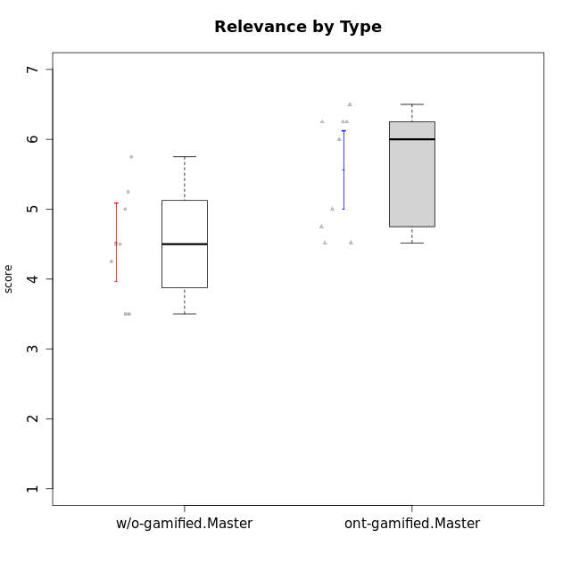

Student's t-Test data
UserID | NroUSP | Type | CLGroup | CLRole | PlayerRole | Interest/Enjoyment | Perceived Choice | Pressure/Tension | Effort/Importance | Intrinsic Motivation | Attention | Relevance | Satisfaction | Level of Motivation
10171 | 698531 | ont-gamified | Mafia | Master | Social Achiever | 5.4826 | 6.2 | 1.75 | 6.9768 | 5.6972216667 | 5 | 6.25 | 5.3333333333 | 5.4615384615
10174 | 10276852 | w/o-gamified | Grupo7 | Master |  | 4.5 | 4.2 | 3.9739 | 4.3333333333 | 4.1958333333 | 5.1666666667 | 3.5 | 5 | 4.6153846154
10175 | 10310700 | ont-gamified | Warriors | Master | Social Achiever | 4 | 6.6 | 1 | 6 | 5.6972216667 | 5.1666666667 | 6.25 | 5.6666666667 | 5.6153846154
10176 | 10276949 | ont-gamified | Outlaws | Master | Social Achiever | 3.8333333333 | 3.4 | 4.5 | 3.6666666667 | 3.6 | 4.3333333333 | 4.5174 | 4 | 4.1538461538
10179 | 10310759 | w/o-gamified | Grupo10 | Master |  | 3.6666666667 | 2.6 | 1.25 | 6.3101333333 | 4.8375 | 3.5 | 5.25 | 4 | 4.1538461538
10188 | 10276995 | ont-gamified | Vandals | Master | Yee Achiever | 3 | 6.2 | 1 | 5 | 5.3 | 3.3333333333 | 6.5 | 3 | 4.2307692308
10191 | 10276981 | w/o-gamified | Grupo1 | Master |  | 2.3333333333 | 3.2 | 1 | 4.6666666667 | 4.3 | 3.3333333333 | 4.25 | 4.3333333333 | 3.8461538462
10208 | 10276932 | ont-gamified | Mercenaries | Master | Social Achiever | 3.8333333333 | 4.8 | 2.25 | 5.6666666667 | 5.0125 | 2.5 | 4.5174 | 4.3333333333 | 3.2307692308
10215 | 9285227 | ont-gamified | Vikings | Master | Social Achiever | 4 | 5.4 | 2.5 | 4.3333333333 | 4.8083333333 | 3 | 6.25 | 2.3333333333 | 3.8461538462
10216 | 10276720 | ont-gamified | Silly Knights | Master | Social Achiever | 4.6666666667 | 5.8 | 1 | 5.6666666667 | 5.6972216667 | 3.8333333333 | 6 | 5.3333333333 | 4.8461538462
10219 | 10276831 | w/o-gamified | Grupo3 | Master |  | 1.8565333333 | 3.2 | 1 | 2.3565333333 | 3.5916666667 | 2.0203 | 3.5 | 1.3681333333 | 3.0133846154
10223 | 9795185 | ont-gamified | Slayers | Master | Social Achiever | 5 | 4.2 | 3.5 | 4.3333333333 | 4.5083333333 | 3.8333333333 | 5 | 4.3333333333 | 4.3076923077
10227 | 9274382 | w/o-gamified | Grupo5 | Master |  | 4.3333333333 | 4.6 | 3.75 | 4 | 4.2958333333 | 5.4797 | 5 | 6 | 5.2943076923
10230 | 10351992 | ont-gamified | Resistance | Master | Social Achiever | 4.5 | 4 | 4 | 4.6666666667 | 4.2916666667 | 4.6666666667 | 4.75 | 4 | 4.5384615385
10231 | 10276911 | w/o-gamified | Grupo9 | Master |  | 4.5 | 5.57216 | 1 | 3.6666666667 | 5.3916666667 | 4 | 4.5 | 5.3333333333 | 4.4615384615
10234 | 10310676 | w/o-gamified | Grupo4 | Master |  | 1.8565333333 | 1.8 | 2.25 | 2.3565333333 | 2.8875 | 3.1666666667 | 5.75 | 1.6666666667 | 3.6153846154
10238 | 10276953 | w/o-gamified | Grupo2 | Master |  | 3.8333333333 | 2.8 | 3.9739 | 6 | 3.9083333333 | 4.3333333333 | 4.5 | 3.3333333333 | 4.1538461538

Type_CLRole_6
Student's t-Test for Relevance by Type in Type:CLRole between w/o-gamified.Apprentice:w/o-gamified.Master

Student's t-Test results
Alternative hypothesis: less
Group | N | Mean | Mean.Difference | Std.deviation | Std.error | CI.lower | CI.upper | df | t.value | p.value | g | magnitude
w/o-gamified.Apprentice | 19 | 4.4328368421 | -0.098413157895 | 1.126943366 | 0.25853853935 | 3.9157597634 | 4.9499139208 | 18.649798873 | -0.25760864529 | 0.39976499466 | -0.091339732601 | negligible
w/o-gamified.Master | 8 | 4.53125 | 0.098413157895 | 0.79549512883 | 0.28125 | 3.96875 | 5.09375 | 18.649798873 | -0.25760864529 | 0.39976499466 | -0.091339732601 | negligible
Alternative hypothesis: greater
Group | N | Mean | Mean.Difference | Std.deviation | Std.error | CI.lower | CI.upper | df | t.value | p.value | g | magnitude
w/o-gamified.Apprentice | 19 | 4.4328368421 | -0.098413157895 | 1.126943366 | 0.25853853935 | 3.9157597634 | 4.9499139208 | 18.649798873 | -0.25760864529 | 0.60023500534 | -0.091339732601 | negligible
w/o-gamified.Master | 8 | 4.53125 | 0.098413157895 | 0.79549512883 | 0.28125 | 3.96875 | 5.09375 | 18.649798873 | -0.25760864529 | 0.60023500534 | -0.091339732601 | negligible
Alternative hypothesis: two.sided
Group | N | Mean | Mean.Difference | Std.deviation | Std.error | CI.lower | CI.upper | df | t.value | p.value | g | magnitude
w/o-gamified.Apprentice | 19 | 4.4328368421 | -0.098413157895 | 1.126943366 | 0.25853853935 | 3.9157597634 | 4.9499139208 | 18.649798873 | -0.25760864529 | 0.79952998932 | -0.091339732601 | negligible
w/o-gamified.Master | 8 | 4.53125 | 0.098413157895 | 0.79549512883 | 0.28125 | 3.96875 | 5.09375 | 18.649798873 | -0.25760864529 | 0.79952998932 | -0.091339732601 | negligible

Box plots for Student's t-Test
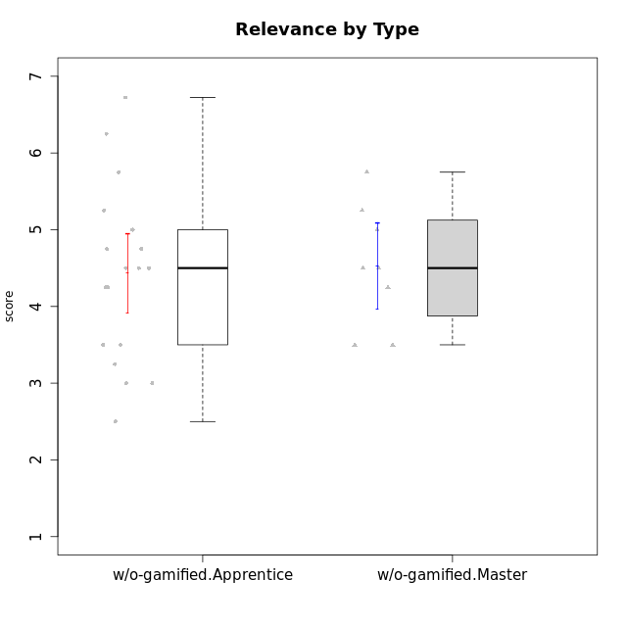

Student's t-Test data
UserID | NroUSP | Type | CLGroup | CLRole | PlayerRole | Interest/Enjoyment | Perceived Choice | Pressure/Tension | Effort/Importance | Intrinsic Motivation | Attention | Relevance | Satisfaction | Level of Motivation
10170 | 10260351 | w/o-gamified | Grupo11 | Apprentice |  | 4.1666666667 | 5.8 | 2.5 | 4.6666666667 | 5.0333333333 | 4.6666666667 | 5.25 | 4.3333333333 | 4.7692307692
10172 | 10273971 | w/o-gamified | Grupo5 | Apprentice |  | 5.1666666667 | 2.8 | 4.25 | 3.3333333333 | 3.7625 | 5 | 3 | 5 | 4.3846153846
10174 | 10276852 | w/o-gamified | Grupo7 | Master |  | 4.5 | 4.2 | 3.9739 | 4.3333333333 | 4.1958333333 | 5.1666666667 | 3.5 | 5 | 4.6153846154
10179 | 10310759 | w/o-gamified | Grupo10 | Master |  | 3.6666666667 | 2.6 | 1.25 | 6.3101333333 | 4.8375 | 3.5 | 5.25 | 4 | 4.1538461538
10181 | 10276866 | w/o-gamified | Grupo2 | Apprentice |  | 2.1666666667 | 4.2 | 3.5 | 3 | 3.4666666667 | 4.1666666667 | 4.5 | 1.6666666667 | 3.6923076923
10183 | 10352030 | w/o-gamified | Grupo3 | Apprentice |  | 2.8333333333 | 4.4 | 4.75 | 3.6666666667 | 3.5375 | 2.1666666667 | 3 | 2.6666666667 | 2.7852923077
10184 | 10276675 | w/o-gamified | Grupo10 | Apprentice |  | 3.8333333333 | 4 | 3.75 | 3.6666666667 | 3.9375 | 3.8333333333 | 4.75 | 4.6666666667 | 4.3076923077
10185 | 10276960 | w/o-gamified | Grupo9 | Apprentice |  | 4.8333333333 | 3.4 | 4.25 | 4.3333333333 | 4.0791666667 | 3.8333333333 | 3.5 | 4.6666666667 | 3.9230769231
10190 | 10276907 | w/o-gamified | Grupo4 | Apprentice |  | 3.1666666667 | 3 | 4.5 | 4 | 3.4166666667 | 4.8333333333 | 3.25 | 3.6666666667 | 4.0769230769
10191 | 10276981 | w/o-gamified | Grupo1 | Master |  | 2.3333333333 | 3.2 | 1 | 4.6666666667 | 4.3 | 3.3333333333 | 4.25 | 4.3333333333 | 3.8461538462
10197 | 10276661 | w/o-gamified | Grupo8 | Apprentice |  | 3.5 | 5 | 3.5 | 4.6666666667 | 4.4166666667 | 5.1666666667 | 5 | 3.3333333333 | 4.6923076923
10199 | 10276737 | w/o-gamified | Grupo1 | Apprentice |  | 3 | 3.8 | 3.25 | 4 | 3.8875 | 3.5 | 4.5 | 4.6666666667 | 4.0769230769
10201 | 10276928 | w/o-gamified | Grupo11 | Apprentice |  | 5.1666666667 | 4.2 | 3 | 5 | 4.8416666667 | 4.8333333333 | 3.5 | 5.6666666667 | 4.6153846154
10204 | 10310471 | w/o-gamified | Grupo6 | Apprentice |  | 1.8565333333 | 1.42784 | 5.5 | 5 | 2.7143933333 | 1.529 | 4.25 | 2.3333333333 | 2.7852923077
10206 | 10310721 | w/o-gamified | Grupo8 | Apprentice |  | 3.6666666667 | 5.6 | 3 | 5.6666666667 | 4.9833333333 | 4.5 | 4.75 | 5.3333333333 | 4.7692307692
10210 | 10277015 | w/o-gamified | Grupo6 | Apprentice |  | 1.8565333333 | 1.42784 | 5.5 | 6.3101333333 | 2.975 | 1.529 | 2.5 | 1.3681333333 | 2.7852923077
10213 | 10277040 | w/o-gamified | Grupo7 | Apprentice |  | 3.8333333333 | 1.42784 | 3.75 | 6.3101333333 | 4.1208333333 | 5.5 | 6.7239 | 6 | 5.5224
10217 | 9805341 | w/o-gamified | Grupo9 | Apprentice |  | 4.3333333333 | 4.2 | 1.5261 | 4 | 4.8833333333 | 3.8333333333 | 5 | 4 | 4.2307692308
10218 | 9842913 | w/o-gamified | Grupo10 | Apprentice |  | 4 | 3.6 | 4 | 4 | 3.9 | 4 | 4.5 | 3.3333333333 | 4
10219 | 10276831 | w/o-gamified | Grupo3 | Master |  | 1.8565333333 | 3.2 | 1 | 2.3565333333 | 3.5916666667 | 2.0203 | 3.5 | 1.3681333333 | 3.0133846154
10220 | 9760151 | w/o-gamified | Grupo3 | Apprentice |  | 2.5 | 6.17216 | 1.5261 | 6 | 5.475 | 1.529 | 6.25 | 6 | 4
10226 | 10310342 | w/o-gamified | Grupo4 | Apprentice |  | 1.8565333333 | 1.42784 | 5.5 | 2.3565333333 | 2.7143933333 | 3.5 | 4.25 | 2.6666666667 | 3.5384615385
10227 | 9274382 | w/o-gamified | Grupo5 | Master |  | 4.3333333333 | 4.6 | 3.75 | 4 | 4.2958333333 | 5.4797 | 5 | 6 | 5.2943076923
10231 | 10276911 | w/o-gamified | Grupo9 | Master |  | 4.5 | 5.57216 | 1 | 3.6666666667 | 5.3916666667 | 4 | 4.5 | 5.3333333333 | 4.4615384615
10232 | 10276974 | w/o-gamified | Grupo7 | Apprentice |  | 4.5 | 4.6 | 2.75 | 6.3101333333 | 5.1708333333 | 4.8333333333 | 5.75 | 5.6666666667 | 5.3076923077
10234 | 10310676 | w/o-gamified | Grupo4 | Master |  | 1.8565333333 | 1.8 | 2.25 | 2.3565333333 | 2.8875 | 3.1666666667 | 5.75 | 1.6666666667 | 3.6153846154
10238 | 10276953 | w/o-gamified | Grupo2 | Master |  | 3.8333333333 | 2.8 | 3.9739 | 6 | 3.9083333333 | 4.3333333333 | 4.5 | 3.3333333333 | 4.1538461538

