Type_1
Wilcoxon Analysis for Satisfaction by Type in Type between ont-gamified:w/o-gamified

Wilcoxon test results
Alternative hypothesis: less
Group | N | Median | Mean.Ranks | Sum.Ranks | U | Z | p.value | r | magnitude
ont-gamified | 25 | 4.3333333333 | 28.86 | 721.5 | 396.5 | 1.0832551094 | 0.86037201185 | 0.15022045544 | small
w/o-gamified | 27 | 4.3333333333 | 24.314814815 | 656.5 | 396.5 | 1.0832551094 | 0.86037201185 | 0.15022045544 | small
Alternative hypothesis: greater
Group | N | Median | Mean.Ranks | Sum.Ranks | U | Z | p.value | r | magnitude
ont-gamified | 25 | 4.3333333333 | 28.86 | 721.5 | 396.5 | 1.0832551094 | 0.14168105605 | 0.15022045544 | small
w/o-gamified | 27 | 4.3333333333 | 24.314814815 | 656.5 | 396.5 | 1.0832551094 | 0.14168105605 | 0.15022045544 | small
Alternative hypothesis: two.sided
Group | N | Median | Mean.Ranks | Sum.Ranks | U | Z | p.value | r | magnitude
ont-gamified | 25 | 4.3333333333 | 28.86 | 721.5 | 396.5 | 1.0832551094 | 0.28336150421 | 0.15022045544 | small
w/o-gamified | 27 | 4.3333333333 | 24.314814815 | 656.5 | 396.5 | 1.0832551094 | 0.28336150421 | 0.15022045544 | small

Box plots for wilcoxon tests
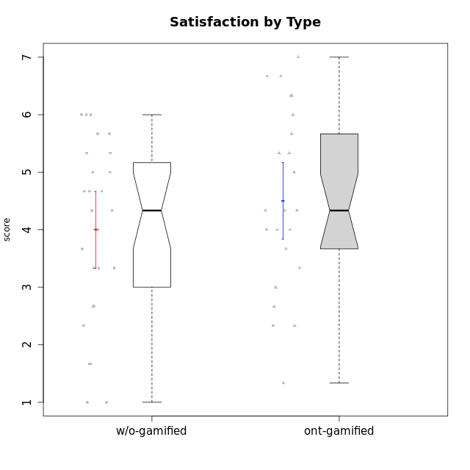

Wilcoxon data
UserID | NroUSP | Type | CLGroup | CLRole | PlayerRole | Item12A | Item19A | Item04A | Item20A | Item16A | Item01A | Item15R | Item21R | Item10R | Item08R | Item13S | Item14S | Item17S | Attention | Relevance | Satisfaction | Level of Motivation
10169 | 10377538 | ont-gamified | Resistance | Apprentice | Social Achiever | 7 | 7 | 7 | 7 | 7 | 7 | 4 | 1 | 2 | 3 | 7 | 7 | 7 | 7 | 5.5 | 7 | 6.5384615385
10170 | 10260351 | w/o-gamified | Grupo11 | Apprentice |  | 5 | 5 | 6 | 4 | 4 | 4 | 2 | 2 | 2 | 5 | 4 | 4 | 5 | 4.6666666667 | 5.25 | 4.3333333333 | 4.7692307692
10171 | 698531 | ont-gamified | Mafia | Master | Social Achiever | 5 | 5 | 6 | 5 | 5 | 4 | 2 | 2 | 2 | 1 | 6 | 6 | 4 | 5 | 6.25 | 5.3333333333 | 5.4615384615
10172 | 10273971 | w/o-gamified | Grupo5 | Apprentice |  | 5 | 6 | 5 | 4 | 5 | 5 | 5 | 5 | 5 | 5 | 6 | 4 | 5 | 5 | 3 | 5 | 4.3846153846
10174 | 10276852 | w/o-gamified | Grupo7 | Master |  | 4 | 6 | 5 | 4 | 5 | 7 | 5 | 6 | 3 | 4 | 6 | 5 | 4 | 5.1666666667 | 3.5 | 5 | 4.6153846154
10175 | 10310700 | ont-gamified | Warriors | Master | Social Achiever | 5 | 6 | 5 | 5 | 6 | 4 | 3 | 2 | 1 | 1 | 6 | 6 | 5 | 5.1666666667 | 6.25 | 5.6666666667 | 5.6153846154
10176 | 10276949 | ont-gamified | Outlaws | Master | Social Achiever | 5 | 4 | 5 | 4 | 4 | 4 | 4 | 4 | 4 | 4 | 4 | 4 | 4 | 4.3333333333 | 4 | 4 | 4.1538461538
10178 | 8656201 | ont-gamified | Outlaws | Apprentice | Social Achiever | 4 | 4 | 4 | 4 | 4 | 4 | 6 | 4 | 4 | 4 | 2 | 4 | 4 | 4 | 3.5 | 3.3333333333 | 3.6923076923
10179 | 10310759 | w/o-gamified | Grupo10 | Master |  | 4 | 2 | 4 | 4 | 5 | 2 | 2 | 4 | 3 | 2 | 3 | 4 | 5 | 3.5 | 5.25 | 4 | 4.1538461538
10181 | 10276866 | w/o-gamified | Grupo2 | Apprentice |  | 4 | 5 | 4 | 3 | 5 | 4 | 4 | 2 | 4 | 4 | 1 | 1 | 3 | 4.1666666667 | 4.5 | 1.6666666667 | 3.6923076923
10183 | 10352030 | w/o-gamified | Grupo3 | Apprentice |  | 2 | 2 | 2 | 2 | 3 | 2 | 6 | 5 | 5 | 4 | 2 | 2 | 4 | 2.1666666667 | 3 | 2.6666666667 | 2.5384615385
10184 | 10276675 | w/o-gamified | Grupo10 | Apprentice |  | 4 | 2 | 4 | 4 | 4 | 5 | 1 | 4 | 4 | 4 | 6 | 4 | 4 | 3.8333333333 | 4.75 | 4.6666666667 | 4.3076923077
10185 | 10276960 | w/o-gamified | Grupo9 | Apprentice |  | 5 | 4 | 3 | 5 | 2 | 4 | 3 | 5 | 4 | 6 | 4 | 5 | 5 | 3.8333333333 | 3.5 | 4.6666666667 | 3.9230769231
10186 | 10310551 | ont-gamified | Slayers | Apprentice | Social Achiever | 1 | 1 | 4 | 5 | 4 | 6 | 1 | 3 | 5 | 1 | 7 | 7 | 5 | 3.5 | 5.5 | 6.3333333333 | 4.7692307692
10188 | 10276995 | ont-gamified | Vandals | Master | Yee Achiever | 4 | 2 | 4 | 3 | 4 | 3 | 1 | 2 | 1 | 2 | 3 | 3 | 3 | 3.3333333333 | 6.5 | 3 | 4.2307692308
10189 | 9363926 | ont-gamified | Vikings | Apprentice | Social Achiever | 1 | 1 | 2 | 1 | 2 | 1 | 7 | 6 | 3 | 1 | 3 | 2 | 3 | 1.3333333333 | 3.75 | 2.6666666667 | 2.3846153846
10190 | 10276907 | w/o-gamified | Grupo4 | Apprentice |  | 5 | 5 | 6 | 5 | 5 | 3 | 5 | 5 | 5 | 4 | 3 | 4 | 4 | 4.8333333333 | 3.25 | 3.6666666667 | 4.0769230769
10191 | 10276981 | w/o-gamified | Grupo1 | Master |  | 4 | 4 | 2 | 2 | 4 | 4 | 3 | 3 | 3 | 6 | 4 | 4 | 5 | 3.3333333333 | 4.25 | 4.3333333333 | 3.8461538462
10192 | 10276682 | ont-gamified | Attractive Devils | Apprentice | Social Achiever | 4 | 7 | 4 | 7 | 5 | 4 | 5 | 1 | 4 | 4 | 7 | 6 | 7 | 5.1666666667 | 4.5 | 6.6666666667 | 5.3076923077
10193 | 10276762 | ont-gamified | Vandals | Apprentice | Yee Achiever | 1 | 1 | 2 | 1 | 1 | 1 | 1 | 1 | 2 | 1 | 1 | 2 | 1 | 1.1666666667 | 6.75 | 1.3333333333 | 2.9230769231
10197 | 10276661 | w/o-gamified | Grupo8 | Apprentice |  | 4 | 5 | 7 | 4 | 4 | 7 | 2 | 5 | 1 | 4 | 4 | 4 | 2 | 5.1666666667 | 5 | 3.3333333333 | 4.6923076923
10198 | 10310888 | ont-gamified | Attractive Devils | Apprentice | Social Achiever | 5 | 7 | 5 | 7 | 7 | 4 | 4 | 2 | 3 | 2 | 7 | 7 | 6 | 5.8333333333 | 5.25 | 6.6666666667 | 5.8461538462
10199 | 10276737 | w/o-gamified | Grupo1 | Apprentice |  | 4 | 3 | 5 | 1 | 4 | 4 | 4 | 4 | 4 | 2 | 6 | 4 | 4 | 3.5 | 4.5 | 4.6666666667 | 4.0769230769
10200 | 9795272 | ont-gamified | Warriors | Apprentice | Social Achiever | 5 | 6 | 4 | 5 | 5 | 5 | 3 | 3 | 3 | 2 | 5 | 6 | 7 | 5 | 5.25 | 6 | 5.3076923077
10201 | 10276928 | w/o-gamified | Grupo11 | Apprentice |  | 5 | 6 | 6 | 5 | 4 | 3 | 6 | 4 | 3 | 5 | 6 | 5 | 6 | 4.8333333333 | 3.5 | 5.6666666667 | 4.6153846154
10202 | 10277036 | ont-gamified | Silly Knights | Apprentice | Social Achiever | 3 | 2 | 2 | 4 | 4 | 4 | 3 | 3 | 5 | 3 | 5 | 5 | 5 | 3.1666666667 | 4.5 | 5 | 4
10203 | 9921470 | ont-gamified | Mercenaries | Apprentice | Social Achiever | 5 | 6 | 4 | 4 | 4 | 4 | 5 | 4 | 4 | 3 | 5 | 7 | 7 | 4.5 | 4 | 6.3333333333 | 4.7692307692
10204 | 10310471 | w/o-gamified | Grupo6 | Apprentice |  | 1 | 1 | 1 | 1 | 1 | 1 | 4 | 1 | 6 | 4 | 2 | 1 | 4 | 1 | 4.25 | 2.3333333333 | 2.3076923077
10206 | 10310721 | w/o-gamified | Grupo8 | Apprentice |  | 6 | 4 | 4 | 4 | 5 | 4 | 4 | 3 | 3 | 3 | 5 | 5 | 6 | 4.5 | 4.75 | 5.3333333333 | 4.7692307692
10208 | 10276932 | ont-gamified | Mercenaries | Master | Social Achiever | 2 | 3 | 2 | 3 | 3 | 2 | 4 | 5 | 6 | 3 | 5 | 5 | 3 | 2.5 | 3.5 | 4.3333333333 | 3.2307692308
10209 | 10262669 | ont-gamified | Mafia | Apprentice | Social Achiever | 2 | 2 | 2 | 3 | 3 | 2 | 4 | 4 | 6 | 1 | 2 | 2 | 3 | 2.3333333333 | 4.25 | 2.3333333333 | 2.9230769231
10210 | 10277015 | w/o-gamified | Grupo6 | Apprentice |  | 1 | 1 | 1 | 1 | 1 | 1 | 4 | 6 | 6 | 6 | 1 | 1 | 1 | 1 | 2.5 | 1 | 1.4615384615
10213 | 10277040 | w/o-gamified | Grupo7 | Apprentice |  | 7 | 7 | 5 | 2 | 7 | 5 | 1 | 2 | 1 | 1 | 7 | 4 | 7 | 5.5 | 6.75 | 6 | 6
10214 | 10277022 | ont-gamified | Vikings | Apprentice | Social Achiever | 2 | 1 | 1 | 2 | 4 | 3 | 6 | 5 | 5 | 3 | 3 | 4 | 4 | 2.1666666667 | 3.25 | 3.6666666667 | 2.8461538462
10215 | 9285227 | ont-gamified | Vikings | Master | Social Achiever | 4 | 1 | 4 | 1 | 3 | 5 | 4 | 1 | 1 | 1 | 3 | 3 | 1 | 3 | 6.25 | 2.3333333333 | 3.8461538462
10216 | 10276720 | ont-gamified | Silly Knights | Master | Social Achiever | 6 | 2 | 4 | 4 | 4 | 3 | 3 | 2 | 1 | 2 | 5 | 5 | 6 | 3.8333333333 | 6 | 5.3333333333 | 4.8461538462
10217 | 9805341 | w/o-gamified | Grupo9 | Apprentice |  | 4 | 4 | 3 | 4 | 5 | 3 | 3 | 3 | 3 | 3 | 4 | 4 | 4 | 3.8333333333 | 5 | 4 | 4.2307692308
10218 | 9842913 | w/o-gamified | Grupo10 | Apprentice |  | 4 | 5 | 3 | 5 | 3 | 4 | 3 | 3 | 4 | 4 | 4 | 3 | 3 | 4 | 4.5 | 3.3333333333 | 4
10219 | 10276831 | w/o-gamified | Grupo3 | Master |  | 2 | 3 | 3 | 1 | 2 | 1 | 4 | 5 | 4 | 5 | 1 | 1 | 1 | 2 | 3.5 | 1 | 2.2307692308
10220 | 9760151 | w/o-gamified | Grupo3 | Apprentice |  | 1 | 1 | 1 | 1 | 1 | 4 | 4 | 1 | 1 | 1 | 7 | 4 | 7 | 1.5 | 6.25 | 6 | 4
10221 | 9082496 | ont-gamified | Warriors | Apprentice | Social Achiever | 2 | 3 | 4 | 2 | 4 | 2 | 6 | 6 | 4 | 6 | 4 | 3 | 5 | 2.8333333333 | 2.5 | 4 | 3
10223 | 9795185 | ont-gamified | Slayers | Master | Social Achiever | 4 | 4 | 3 | 4 | 4 | 4 | 3 | 2 | 3 | 4 | 4 | 5 | 4 | 3.8333333333 | 5 | 4.3333333333 | 4.3076923077
10224 | 9368772 | ont-gamified | Mercenaries | Apprentice | Social Achiever | 4 | 4 | 4 | 4 | 5 | 5 | 4 | 4 | 3 | 3 | 5 | 4 | 6 | 4.3333333333 | 4.5 | 5 | 4.5384615385
10226 | 10310342 | w/o-gamified | Grupo4 | Apprentice |  | 2 | 2 | 3 | 4 | 6 | 4 | 2 | 4 | 4 | 5 | 3 | 2 | 3 | 3.5 | 4.25 | 2.6666666667 | 3.5384615385
10227 | 9274382 | w/o-gamified | Grupo5 | Master |  | 5 | 6 | 5 | 6 | 6 | 5 | 4 | 4 | 2 | 2 | 6 | 6 | 6 | 5.5 | 5 | 6 | 5.4615384615
10228 | 10310492 | ont-gamified | Resistance | Apprentice | Social Achiever | 1 | 4 | 1 | 2 | 4 | 1 | 4 | 6 | 2 | 1 | 4 | 4 | 4 | 2.1666666667 | 4.75 | 4 | 3.3846153846
10230 | 10351992 | ont-gamified | Resistance | Master | Social Achiever | 4 | 6 | 3 | 5 | 6 | 4 | 3 | 3 | 4 | 3 | 4 | 6 | 2 | 4.6666666667 | 4.75 | 4 | 4.5384615385
10231 | 10276911 | w/o-gamified | Grupo9 | Master |  | 4 | 4 | 4 | 4 | 4 | 4 | 4 | 4 | 4 | 2 | 7 | 5 | 4 | 4 | 4.5 | 5.3333333333 | 4.4615384615
10232 | 10276974 | w/o-gamified | Grupo7 | Apprentice |  | 6 | 5 | 4 | 4 | 6 | 4 | 4 | 2 | 2 | 1 | 6 | 5 | 6 | 4.8333333333 | 5.75 | 5.6666666667 | 5.3076923077
10234 | 10310676 | w/o-gamified | Grupo4 | Master |  | 2 | 1 | 2 | 6 | 2 | 6 | 2 | 4 | 1 | 2 | 1 | 2 | 2 | 3.1666666667 | 5.75 | 1.6666666667 | 3.6153846154
10237 | 10377688 | ont-gamified | Outlaws | Apprentice | Social Achiever | 3 | 5 | 4 | 4 | 3 | 3 | 4 | 4 | 4 | 2 | 3 | 4 | 6 | 3.6666666667 | 4.5 | 4.3333333333 | 4.0769230769
10238 | 10276953 | w/o-gamified | Grupo2 | Master |  | 5 | 5 | 4 | 4 | 4 | 4 | 4 | 3 | 3 | 4 | 3 | 2 | 5 | 4.3333333333 | 4.5 | 3.3333333333 | 4.1538461538

Type_CLRole_1
Wilcoxon Analysis for Satisfaction by Type in Type:CLRole between ont-gamified.Apprentice:ont-gamified.Master

Wilcoxon test results
Alternative hypothesis: less
Group | N | Median | Mean.Ranks | Sum.Ranks | U | Z | p.value | r | magnitude
ont-gamified.Apprentice | 16 | 4.6666666667 | 13.65625 | 218.5 | 82.5 | 0.59662943238 | 0.72568044151 | 0.11932588648 | small
ont-gamified.Master | 9 | 4.3333333333 | 11.833333333 | 106.5 | 82.5 | 0.59662943238 | 0.72568044151 | 0.11932588648 | small
Alternative hypothesis: greater
Group | N | Median | Mean.Ranks | Sum.Ranks | U | Z | p.value | r | magnitude
ont-gamified.Apprentice | 16 | 4.6666666667 | 13.65625 | 218.5 | 82.5 | 0.59662943238 | 0.28355608855 | 0.11932588648 | small
ont-gamified.Master | 9 | 4.3333333333 | 11.833333333 | 106.5 | 82.5 | 0.59662943238 | 0.28355608855 | 0.11932588648 | small
Alternative hypothesis: two.sided
Group | N | Median | Mean.Ranks | Sum.Ranks | U | Z | p.value | r | magnitude
ont-gamified.Apprentice | 16 | 4.6666666667 | 13.65625 | 218.5 | 82.5 | 0.59662943238 | 0.56659675229 | 0.11932588648 | small
ont-gamified.Master | 9 | 4.3333333333 | 11.833333333 | 106.5 | 82.5 | 0.59662943238 | 0.56659675229 | 0.11932588648 | small

Box plots for wilcoxon tests
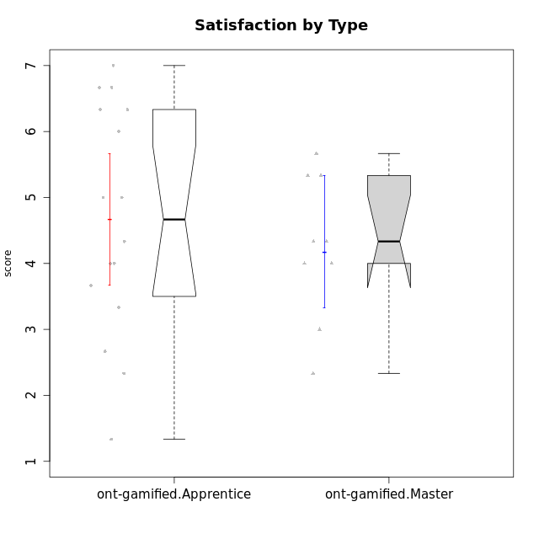

Wilcoxon data
UserID | NroUSP | Type | CLGroup | CLRole | PlayerRole | Item12A | Item19A | Item04A | Item20A | Item16A | Item01A | Item15R | Item21R | Item10R | Item08R | Item13S | Item14S | Item17S | Attention | Relevance | Satisfaction | Level of Motivation
10169 | 10377538 | ont-gamified | Resistance | Apprentice | Social Achiever | 7 | 7 | 7 | 7 | 7 | 7 | 4 | 1 | 2 | 3 | 7 | 7 | 7 | 7 | 5.5 | 7 | 6.5384615385
10171 | 698531 | ont-gamified | Mafia | Master | Social Achiever | 5 | 5 | 6 | 5 | 5 | 4 | 2 | 2 | 2 | 1 | 6 | 6 | 4 | 5 | 6.25 | 5.3333333333 | 5.4615384615
10175 | 10310700 | ont-gamified | Warriors | Master | Social Achiever | 5 | 6 | 5 | 5 | 6 | 4 | 3 | 2 | 1 | 1 | 6 | 6 | 5 | 5.1666666667 | 6.25 | 5.6666666667 | 5.6153846154
10176 | 10276949 | ont-gamified | Outlaws | Master | Social Achiever | 5 | 4 | 5 | 4 | 4 | 4 | 4 | 4 | 4 | 4 | 4 | 4 | 4 | 4.3333333333 | 4 | 4 | 4.1538461538
10178 | 8656201 | ont-gamified | Outlaws | Apprentice | Social Achiever | 4 | 4 | 4 | 4 | 4 | 4 | 6 | 4 | 4 | 4 | 2 | 4 | 4 | 4 | 3.5 | 3.3333333333 | 3.6923076923
10186 | 10310551 | ont-gamified | Slayers | Apprentice | Social Achiever | 1 | 1 | 4 | 5 | 4 | 6 | 1 | 3 | 5 | 1 | 7 | 7 | 5 | 3.5 | 5.5 | 6.3333333333 | 4.7692307692
10188 | 10276995 | ont-gamified | Vandals | Master | Yee Achiever | 4 | 2 | 4 | 3 | 4 | 3 | 1 | 2 | 1 | 2 | 3 | 3 | 3 | 3.3333333333 | 6.5 | 3 | 4.2307692308
10189 | 9363926 | ont-gamified | Vikings | Apprentice | Social Achiever | 1 | 1 | 2 | 1 | 2 | 1 | 7 | 6 | 3 | 1 | 3 | 2 | 3 | 1.3333333333 | 3.75 | 2.6666666667 | 2.3846153846
10192 | 10276682 | ont-gamified | Attractive Devils | Apprentice | Social Achiever | 4 | 7 | 4 | 7 | 5 | 4 | 5 | 1 | 4 | 4 | 7 | 6 | 7 | 5.1666666667 | 4.5 | 6.6666666667 | 5.3076923077
10193 | 10276762 | ont-gamified | Vandals | Apprentice | Yee Achiever | 1 | 1 | 2 | 1 | 1 | 1 | 1 | 1 | 2 | 1 | 1 | 2 | 1 | 1.1666666667 | 6.75 | 1.3333333333 | 2.9230769231
10198 | 10310888 | ont-gamified | Attractive Devils | Apprentice | Social Achiever | 5 | 7 | 5 | 7 | 7 | 4 | 4 | 2 | 3 | 2 | 7 | 7 | 6 | 5.8333333333 | 5.25 | 6.6666666667 | 5.8461538462
10200 | 9795272 | ont-gamified | Warriors | Apprentice | Social Achiever | 5 | 6 | 4 | 5 | 5 | 5 | 3 | 3 | 3 | 2 | 5 | 6 | 7 | 5 | 5.25 | 6 | 5.3076923077
10202 | 10277036 | ont-gamified | Silly Knights | Apprentice | Social Achiever | 3 | 2 | 2 | 4 | 4 | 4 | 3 | 3 | 5 | 3 | 5 | 5 | 5 | 3.1666666667 | 4.5 | 5 | 4
10203 | 9921470 | ont-gamified | Mercenaries | Apprentice | Social Achiever | 5 | 6 | 4 | 4 | 4 | 4 | 5 | 4 | 4 | 3 | 5 | 7 | 7 | 4.5 | 4 | 6.3333333333 | 4.7692307692
10208 | 10276932 | ont-gamified | Mercenaries | Master | Social Achiever | 2 | 3 | 2 | 3 | 3 | 2 | 4 | 5 | 6 | 3 | 5 | 5 | 3 | 2.5 | 3.5 | 4.3333333333 | 3.2307692308
10209 | 10262669 | ont-gamified | Mafia | Apprentice | Social Achiever | 2 | 2 | 2 | 3 | 3 | 2 | 4 | 4 | 6 | 1 | 2 | 2 | 3 | 2.3333333333 | 4.25 | 2.3333333333 | 2.9230769231
10214 | 10277022 | ont-gamified | Vikings | Apprentice | Social Achiever | 2 | 1 | 1 | 2 | 4 | 3 | 6 | 5 | 5 | 3 | 3 | 4 | 4 | 2.1666666667 | 3.25 | 3.6666666667 | 2.8461538462
10215 | 9285227 | ont-gamified | Vikings | Master | Social Achiever | 4 | 1 | 4 | 1 | 3 | 5 | 4 | 1 | 1 | 1 | 3 | 3 | 1 | 3 | 6.25 | 2.3333333333 | 3.8461538462
10216 | 10276720 | ont-gamified | Silly Knights | Master | Social Achiever | 6 | 2 | 4 | 4 | 4 | 3 | 3 | 2 | 1 | 2 | 5 | 5 | 6 | 3.8333333333 | 6 | 5.3333333333 | 4.8461538462
10221 | 9082496 | ont-gamified | Warriors | Apprentice | Social Achiever | 2 | 3 | 4 | 2 | 4 | 2 | 6 | 6 | 4 | 6 | 4 | 3 | 5 | 2.8333333333 | 2.5 | 4 | 3
10223 | 9795185 | ont-gamified | Slayers | Master | Social Achiever | 4 | 4 | 3 | 4 | 4 | 4 | 3 | 2 | 3 | 4 | 4 | 5 | 4 | 3.8333333333 | 5 | 4.3333333333 | 4.3076923077
10224 | 9368772 | ont-gamified | Mercenaries | Apprentice | Social Achiever | 4 | 4 | 4 | 4 | 5 | 5 | 4 | 4 | 3 | 3 | 5 | 4 | 6 | 4.3333333333 | 4.5 | 5 | 4.5384615385
10228 | 10310492 | ont-gamified | Resistance | Apprentice | Social Achiever | 1 | 4 | 1 | 2 | 4 | 1 | 4 | 6 | 2 | 1 | 4 | 4 | 4 | 2.1666666667 | 4.75 | 4 | 3.3846153846
10230 | 10351992 | ont-gamified | Resistance | Master | Social Achiever | 4 | 6 | 3 | 5 | 6 | 4 | 3 | 3 | 4 | 3 | 4 | 6 | 2 | 4.6666666667 | 4.75 | 4 | 4.5384615385
10237 | 10377688 | ont-gamified | Outlaws | Apprentice | Social Achiever | 3 | 5 | 4 | 4 | 3 | 3 | 4 | 4 | 4 | 2 | 3 | 4 | 6 | 3.6666666667 | 4.5 | 4.3333333333 | 4.0769230769

Type_CLRole_2
Wilcoxon Analysis for Satisfaction by Type in Type:CLRole between ont-gamified.Apprentice:w/o-gamified.Apprentice

Wilcoxon test results
Alternative hypothesis: less
Group | N | Median | Mean.Ranks | Sum.Ranks | U | Z | p.value | r | magnitude
ont-gamified.Apprentice | 16 | 4.6666666667 | 20.21875 | 323.5 | 187.5 | 1.1779998616 | 0.8805797466 | 0.19911831901 | small
w/o-gamified.Apprentice | 19 | 4.3333333333 | 16.131578947 | 306.5 | 187.5 | 1.1779998616 | 0.8805797466 | 0.19911831901 | small
Alternative hypothesis: greater
Group | N | Median | Mean.Ranks | Sum.Ranks | U | Z | p.value | r | magnitude
ont-gamified.Apprentice | 16 | 4.6666666667 | 20.21875 | 323.5 | 187.5 | 1.1779998616 | 0.12277869296 | 0.19911831901 | small
w/o-gamified.Apprentice | 19 | 4.3333333333 | 16.131578947 | 306.5 | 187.5 | 1.1779998616 | 0.12277869296 | 0.19911831901 | small
Alternative hypothesis: two.sided
Group | N | Median | Mean.Ranks | Sum.Ranks | U | Z | p.value | r | magnitude
ont-gamified.Apprentice | 16 | 4.6666666667 | 20.21875 | 323.5 | 187.5 | 1.1779998616 | 0.24557602147 | 0.19911831901 | small
w/o-gamified.Apprentice | 19 | 4.3333333333 | 16.131578947 | 306.5 | 187.5 | 1.1779998616 | 0.24557602147 | 0.19911831901 | small

Box plots for wilcoxon tests
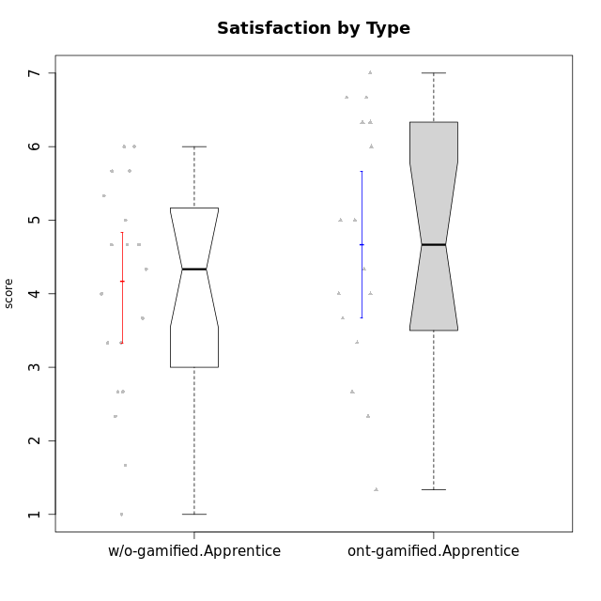

Wilcoxon data
UserID | NroUSP | Type | CLGroup | CLRole | PlayerRole | Item12A | Item19A | Item04A | Item20A | Item16A | Item01A | Item15R | Item21R | Item10R | Item08R | Item13S | Item14S | Item17S | Attention | Relevance | Satisfaction | Level of Motivation
10169 | 10377538 | ont-gamified | Resistance | Apprentice | Social Achiever | 7 | 7 | 7 | 7 | 7 | 7 | 4 | 1 | 2 | 3 | 7 | 7 | 7 | 7 | 5.5 | 7 | 6.5384615385
10170 | 10260351 | w/o-gamified | Grupo11 | Apprentice |  | 5 | 5 | 6 | 4 | 4 | 4 | 2 | 2 | 2 | 5 | 4 | 4 | 5 | 4.6666666667 | 5.25 | 4.3333333333 | 4.7692307692
10172 | 10273971 | w/o-gamified | Grupo5 | Apprentice |  | 5 | 6 | 5 | 4 | 5 | 5 | 5 | 5 | 5 | 5 | 6 | 4 | 5 | 5 | 3 | 5 | 4.3846153846
10178 | 8656201 | ont-gamified | Outlaws | Apprentice | Social Achiever | 4 | 4 | 4 | 4 | 4 | 4 | 6 | 4 | 4 | 4 | 2 | 4 | 4 | 4 | 3.5 | 3.3333333333 | 3.6923076923
10181 | 10276866 | w/o-gamified | Grupo2 | Apprentice |  | 4 | 5 | 4 | 3 | 5 | 4 | 4 | 2 | 4 | 4 | 1 | 1 | 3 | 4.1666666667 | 4.5 | 1.6666666667 | 3.6923076923
10183 | 10352030 | w/o-gamified | Grupo3 | Apprentice |  | 2 | 2 | 2 | 2 | 3 | 2 | 6 | 5 | 5 | 4 | 2 | 2 | 4 | 2.1666666667 | 3 | 2.6666666667 | 2.5384615385
10184 | 10276675 | w/o-gamified | Grupo10 | Apprentice |  | 4 | 2 | 4 | 4 | 4 | 5 | 1 | 4 | 4 | 4 | 6 | 4 | 4 | 3.8333333333 | 4.75 | 4.6666666667 | 4.3076923077
10185 | 10276960 | w/o-gamified | Grupo9 | Apprentice |  | 5 | 4 | 3 | 5 | 2 | 4 | 3 | 5 | 4 | 6 | 4 | 5 | 5 | 3.8333333333 | 3.5 | 4.6666666667 | 3.9230769231
10186 | 10310551 | ont-gamified | Slayers | Apprentice | Social Achiever | 1 | 1 | 4 | 5 | 4 | 6 | 1 | 3 | 5 | 1 | 7 | 7 | 5 | 3.5 | 5.5 | 6.3333333333 | 4.7692307692
10189 | 9363926 | ont-gamified | Vikings | Apprentice | Social Achiever | 1 | 1 | 2 | 1 | 2 | 1 | 7 | 6 | 3 | 1 | 3 | 2 | 3 | 1.3333333333 | 3.75 | 2.6666666667 | 2.3846153846
10190 | 10276907 | w/o-gamified | Grupo4 | Apprentice |  | 5 | 5 | 6 | 5 | 5 | 3 | 5 | 5 | 5 | 4 | 3 | 4 | 4 | 4.8333333333 | 3.25 | 3.6666666667 | 4.0769230769
10192 | 10276682 | ont-gamified | Attractive Devils | Apprentice | Social Achiever | 4 | 7 | 4 | 7 | 5 | 4 | 5 | 1 | 4 | 4 | 7 | 6 | 7 | 5.1666666667 | 4.5 | 6.6666666667 | 5.3076923077
10193 | 10276762 | ont-gamified | Vandals | Apprentice | Yee Achiever | 1 | 1 | 2 | 1 | 1 | 1 | 1 | 1 | 2 | 1 | 1 | 2 | 1 | 1.1666666667 | 6.75 | 1.3333333333 | 2.9230769231
10197 | 10276661 | w/o-gamified | Grupo8 | Apprentice |  | 4 | 5 | 7 | 4 | 4 | 7 | 2 | 5 | 1 | 4 | 4 | 4 | 2 | 5.1666666667 | 5 | 3.3333333333 | 4.6923076923
10198 | 10310888 | ont-gamified | Attractive Devils | Apprentice | Social Achiever | 5 | 7 | 5 | 7 | 7 | 4 | 4 | 2 | 3 | 2 | 7 | 7 | 6 | 5.8333333333 | 5.25 | 6.6666666667 | 5.8461538462
10199 | 10276737 | w/o-gamified | Grupo1 | Apprentice |  | 4 | 3 | 5 | 1 | 4 | 4 | 4 | 4 | 4 | 2 | 6 | 4 | 4 | 3.5 | 4.5 | 4.6666666667 | 4.0769230769
10200 | 9795272 | ont-gamified | Warriors | Apprentice | Social Achiever | 5 | 6 | 4 | 5 | 5 | 5 | 3 | 3 | 3 | 2 | 5 | 6 | 7 | 5 | 5.25 | 6 | 5.3076923077
10201 | 10276928 | w/o-gamified | Grupo11 | Apprentice |  | 5 | 6 | 6 | 5 | 4 | 3 | 6 | 4 | 3 | 5 | 6 | 5 | 6 | 4.8333333333 | 3.5 | 5.6666666667 | 4.6153846154
10202 | 10277036 | ont-gamified | Silly Knights | Apprentice | Social Achiever | 3 | 2 | 2 | 4 | 4 | 4 | 3 | 3 | 5 | 3 | 5 | 5 | 5 | 3.1666666667 | 4.5 | 5 | 4
10203 | 9921470 | ont-gamified | Mercenaries | Apprentice | Social Achiever | 5 | 6 | 4 | 4 | 4 | 4 | 5 | 4 | 4 | 3 | 5 | 7 | 7 | 4.5 | 4 | 6.3333333333 | 4.7692307692
10204 | 10310471 | w/o-gamified | Grupo6 | Apprentice |  | 1 | 1 | 1 | 1 | 1 | 1 | 4 | 1 | 6 | 4 | 2 | 1 | 4 | 1 | 4.25 | 2.3333333333 | 2.3076923077
10206 | 10310721 | w/o-gamified | Grupo8 | Apprentice |  | 6 | 4 | 4 | 4 | 5 | 4 | 4 | 3 | 3 | 3 | 5 | 5 | 6 | 4.5 | 4.75 | 5.3333333333 | 4.7692307692
10209 | 10262669 | ont-gamified | Mafia | Apprentice | Social Achiever | 2 | 2 | 2 | 3 | 3 | 2 | 4 | 4 | 6 | 1 | 2 | 2 | 3 | 2.3333333333 | 4.25 | 2.3333333333 | 2.9230769231
10210 | 10277015 | w/o-gamified | Grupo6 | Apprentice |  | 1 | 1 | 1 | 1 | 1 | 1 | 4 | 6 | 6 | 6 | 1 | 1 | 1 | 1 | 2.5 | 1 | 1.4615384615
10213 | 10277040 | w/o-gamified | Grupo7 | Apprentice |  | 7 | 7 | 5 | 2 | 7 | 5 | 1 | 2 | 1 | 1 | 7 | 4 | 7 | 5.5 | 6.75 | 6 | 6
10214 | 10277022 | ont-gamified | Vikings | Apprentice | Social Achiever | 2 | 1 | 1 | 2 | 4 | 3 | 6 | 5 | 5 | 3 | 3 | 4 | 4 | 2.1666666667 | 3.25 | 3.6666666667 | 2.8461538462
10217 | 9805341 | w/o-gamified | Grupo9 | Apprentice |  | 4 | 4 | 3 | 4 | 5 | 3 | 3 | 3 | 3 | 3 | 4 | 4 | 4 | 3.8333333333 | 5 | 4 | 4.2307692308
10218 | 9842913 | w/o-gamified | Grupo10 | Apprentice |  | 4 | 5 | 3 | 5 | 3 | 4 | 3 | 3 | 4 | 4 | 4 | 3 | 3 | 4 | 4.5 | 3.3333333333 | 4
10220 | 9760151 | w/o-gamified | Grupo3 | Apprentice |  | 1 | 1 | 1 | 1 | 1 | 4 | 4 | 1 | 1 | 1 | 7 | 4 | 7 | 1.5 | 6.25 | 6 | 4
10221 | 9082496 | ont-gamified | Warriors | Apprentice | Social Achiever | 2 | 3 | 4 | 2 | 4 | 2 | 6 | 6 | 4 | 6 | 4 | 3 | 5 | 2.8333333333 | 2.5 | 4 | 3
10224 | 9368772 | ont-gamified | Mercenaries | Apprentice | Social Achiever | 4 | 4 | 4 | 4 | 5 | 5 | 4 | 4 | 3 | 3 | 5 | 4 | 6 | 4.3333333333 | 4.5 | 5 | 4.5384615385
10226 | 10310342 | w/o-gamified | Grupo4 | Apprentice |  | 2 | 2 | 3 | 4 | 6 | 4 | 2 | 4 | 4 | 5 | 3 | 2 | 3 | 3.5 | 4.25 | 2.6666666667 | 3.5384615385
10228 | 10310492 | ont-gamified | Resistance | Apprentice | Social Achiever | 1 | 4 | 1 | 2 | 4 | 1 | 4 | 6 | 2 | 1 | 4 | 4 | 4 | 2.1666666667 | 4.75 | 4 | 3.3846153846
10232 | 10276974 | w/o-gamified | Grupo7 | Apprentice |  | 6 | 5 | 4 | 4 | 6 | 4 | 4 | 2 | 2 | 1 | 6 | 5 | 6 | 4.8333333333 | 5.75 | 5.6666666667 | 5.3076923077
10237 | 10377688 | ont-gamified | Outlaws | Apprentice | Social Achiever | 3 | 5 | 4 | 4 | 3 | 3 | 4 | 4 | 4 | 2 | 3 | 4 | 6 | 3.6666666667 | 4.5 | 4.3333333333 | 4.0769230769

Type_CLRole_3
Wilcoxon Analysis for Satisfaction by Type in Type:CLRole between ont-gamified.Apprentice:w/o-gamified.Master

Wilcoxon test results
Alternative hypothesis: less
Group | N | Median | Mean.Ranks | Sum.Ranks | U | Z | p.value | r | magnitude
ont-gamified.Apprentice | 16 | 4.6666666667 | 13.53125 | 216.5 | 80.5 | 1.0132822004 | 0.84454587604 | 0.20683536304 | small
w/o-gamified.Master | 8 | 4.1666666667 | 10.4375 | 83.5 | 80.5 | 1.0132822004 | 0.84454587604 | 0.20683536304 | small
Alternative hypothesis: greater
Group | N | Median | Mean.Ranks | Sum.Ranks | U | Z | p.value | r | magnitude
ont-gamified.Apprentice | 16 | 4.6666666667 | 13.53125 | 216.5 | 80.5 | 1.0132822004 | 0.16278548032 | 0.20683536304 | small
w/o-gamified.Master | 8 | 4.1666666667 | 10.4375 | 83.5 | 80.5 | 1.0132822004 | 0.16278548032 | 0.20683536304 | small
Alternative hypothesis: two.sided
Group | N | Median | Mean.Ranks | Sum.Ranks | U | Z | p.value | r | magnitude
ont-gamified.Apprentice | 16 | 4.6666666667 | 13.53125 | 216.5 | 80.5 | 1.0132822004 | 0.32565118135 | 0.20683536304 | small
w/o-gamified.Master | 8 | 4.1666666667 | 10.4375 | 83.5 | 80.5 | 1.0132822004 | 0.32565118135 | 0.20683536304 | small

Box plots for wilcoxon tests
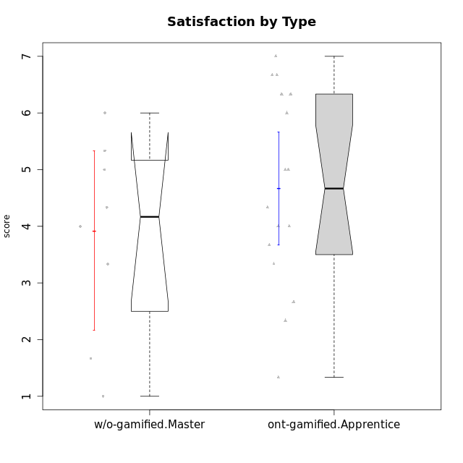

Wilcoxon data
UserID | NroUSP | Type | CLGroup | CLRole | PlayerRole | Item12A | Item19A | Item04A | Item20A | Item16A | Item01A | Item15R | Item21R | Item10R | Item08R | Item13S | Item14S | Item17S | Attention | Relevance | Satisfaction | Level of Motivation
10169 | 10377538 | ont-gamified | Resistance | Apprentice | Social Achiever | 7 | 7 | 7 | 7 | 7 | 7 | 4 | 1 | 2 | 3 | 7 | 7 | 7 | 7 | 5.5 | 7 | 6.5384615385
10174 | 10276852 | w/o-gamified | Grupo7 | Master |  | 4 | 6 | 5 | 4 | 5 | 7 | 5 | 6 | 3 | 4 | 6 | 5 | 4 | 5.1666666667 | 3.5 | 5 | 4.6153846154
10178 | 8656201 | ont-gamified | Outlaws | Apprentice | Social Achiever | 4 | 4 | 4 | 4 | 4 | 4 | 6 | 4 | 4 | 4 | 2 | 4 | 4 | 4 | 3.5 | 3.3333333333 | 3.6923076923
10179 | 10310759 | w/o-gamified | Grupo10 | Master |  | 4 | 2 | 4 | 4 | 5 | 2 | 2 | 4 | 3 | 2 | 3 | 4 | 5 | 3.5 | 5.25 | 4 | 4.1538461538
10186 | 10310551 | ont-gamified | Slayers | Apprentice | Social Achiever | 1 | 1 | 4 | 5 | 4 | 6 | 1 | 3 | 5 | 1 | 7 | 7 | 5 | 3.5 | 5.5 | 6.3333333333 | 4.7692307692
10189 | 9363926 | ont-gamified | Vikings | Apprentice | Social Achiever | 1 | 1 | 2 | 1 | 2 | 1 | 7 | 6 | 3 | 1 | 3 | 2 | 3 | 1.3333333333 | 3.75 | 2.6666666667 | 2.3846153846
10191 | 10276981 | w/o-gamified | Grupo1 | Master |  | 4 | 4 | 2 | 2 | 4 | 4 | 3 | 3 | 3 | 6 | 4 | 4 | 5 | 3.3333333333 | 4.25 | 4.3333333333 | 3.8461538462
10192 | 10276682 | ont-gamified | Attractive Devils | Apprentice | Social Achiever | 4 | 7 | 4 | 7 | 5 | 4 | 5 | 1 | 4 | 4 | 7 | 6 | 7 | 5.1666666667 | 4.5 | 6.6666666667 | 5.3076923077
10193 | 10276762 | ont-gamified | Vandals | Apprentice | Yee Achiever | 1 | 1 | 2 | 1 | 1 | 1 | 1 | 1 | 2 | 1 | 1 | 2 | 1 | 1.1666666667 | 6.75 | 1.3333333333 | 2.9230769231
10198 | 10310888 | ont-gamified | Attractive Devils | Apprentice | Social Achiever | 5 | 7 | 5 | 7 | 7 | 4 | 4 | 2 | 3 | 2 | 7 | 7 | 6 | 5.8333333333 | 5.25 | 6.6666666667 | 5.8461538462
10200 | 9795272 | ont-gamified | Warriors | Apprentice | Social Achiever | 5 | 6 | 4 | 5 | 5 | 5 | 3 | 3 | 3 | 2 | 5 | 6 | 7 | 5 | 5.25 | 6 | 5.3076923077
10202 | 10277036 | ont-gamified | Silly Knights | Apprentice | Social Achiever | 3 | 2 | 2 | 4 | 4 | 4 | 3 | 3 | 5 | 3 | 5 | 5 | 5 | 3.1666666667 | 4.5 | 5 | 4
10203 | 9921470 | ont-gamified | Mercenaries | Apprentice | Social Achiever | 5 | 6 | 4 | 4 | 4 | 4 | 5 | 4 | 4 | 3 | 5 | 7 | 7 | 4.5 | 4 | 6.3333333333 | 4.7692307692
10209 | 10262669 | ont-gamified | Mafia | Apprentice | Social Achiever | 2 | 2 | 2 | 3 | 3 | 2 | 4 | 4 | 6 | 1 | 2 | 2 | 3 | 2.3333333333 | 4.25 | 2.3333333333 | 2.9230769231
10214 | 10277022 | ont-gamified | Vikings | Apprentice | Social Achiever | 2 | 1 | 1 | 2 | 4 | 3 | 6 | 5 | 5 | 3 | 3 | 4 | 4 | 2.1666666667 | 3.25 | 3.6666666667 | 2.8461538462
10219 | 10276831 | w/o-gamified | Grupo3 | Master |  | 2 | 3 | 3 | 1 | 2 | 1 | 4 | 5 | 4 | 5 | 1 | 1 | 1 | 2 | 3.5 | 1 | 2.2307692308
10221 | 9082496 | ont-gamified | Warriors | Apprentice | Social Achiever | 2 | 3 | 4 | 2 | 4 | 2 | 6 | 6 | 4 | 6 | 4 | 3 | 5 | 2.8333333333 | 2.5 | 4 | 3
10224 | 9368772 | ont-gamified | Mercenaries | Apprentice | Social Achiever | 4 | 4 | 4 | 4 | 5 | 5 | 4 | 4 | 3 | 3 | 5 | 4 | 6 | 4.3333333333 | 4.5 | 5 | 4.5384615385
10227 | 9274382 | w/o-gamified | Grupo5 | Master |  | 5 | 6 | 5 | 6 | 6 | 5 | 4 | 4 | 2 | 2 | 6 | 6 | 6 | 5.5 | 5 | 6 | 5.4615384615
10228 | 10310492 | ont-gamified | Resistance | Apprentice | Social Achiever | 1 | 4 | 1 | 2 | 4 | 1 | 4 | 6 | 2 | 1 | 4 | 4 | 4 | 2.1666666667 | 4.75 | 4 | 3.3846153846
10231 | 10276911 | w/o-gamified | Grupo9 | Master |  | 4 | 4 | 4 | 4 | 4 | 4 | 4 | 4 | 4 | 2 | 7 | 5 | 4 | 4 | 4.5 | 5.3333333333 | 4.4615384615
10234 | 10310676 | w/o-gamified | Grupo4 | Master |  | 2 | 1 | 2 | 6 | 2 | 6 | 2 | 4 | 1 | 2 | 1 | 2 | 2 | 3.1666666667 | 5.75 | 1.6666666667 | 3.6153846154
10237 | 10377688 | ont-gamified | Outlaws | Apprentice | Social Achiever | 3 | 5 | 4 | 4 | 3 | 3 | 4 | 4 | 4 | 2 | 3 | 4 | 6 | 3.6666666667 | 4.5 | 4.3333333333 | 4.0769230769
10238 | 10276953 | w/o-gamified | Grupo2 | Master |  | 5 | 5 | 4 | 4 | 4 | 4 | 4 | 3 | 3 | 4 | 3 | 2 | 5 | 4.3333333333 | 4.5 | 3.3333333333 | 4.1538461538

Type_CLRole_4
Wilcoxon Analysis for Satisfaction by Type in Type:CLRole between ont-gamified.Master:w/o-gamified.Apprentice

Wilcoxon test results
Alternative hypothesis: less
Group | N | Median | Mean.Ranks | Sum.Ranks | U | Z | p.value | r | magnitude
ont-gamified.Master | 9 | 4.3333333333 | 14.833333333 | 133.5 | 88.5 | 0.14806274019 | 0.56233187103 | 0.027981227784 | none
w/o-gamified.Apprentice | 19 | 4.3333333333 | 14.342105263 | 272.5 | 88.5 | 0.14806274019 | 0.56233187103 | 0.027981227784 | none
Alternative hypothesis: greater
Group | N | Median | Mean.Ranks | Sum.Ranks | U | Z | p.value | r | magnitude
ont-gamified.Master | 9 | 4.3333333333 | 14.833333333 | 133.5 | 88.5 | 0.14806274019 | 0.44717456457 | 0.027981227784 | none
w/o-gamified.Apprentice | 19 | 4.3333333333 | 14.342105263 | 272.5 | 88.5 | 0.14806274019 | 0.44717456457 | 0.027981227784 | none
Alternative hypothesis: two.sided
Group | N | Median | Mean.Ranks | Sum.Ranks | U | Z | p.value | r | magnitude
ont-gamified.Master | 9 | 4.3333333333 | 14.833333333 | 133.5 | 88.5 | 0.14806274019 | 0.8941781407 | 0.027981227784 | none
w/o-gamified.Apprentice | 19 | 4.3333333333 | 14.342105263 | 272.5 | 88.5 | 0.14806274019 | 0.8941781407 | 0.027981227784 | none

Box plots for wilcoxon tests
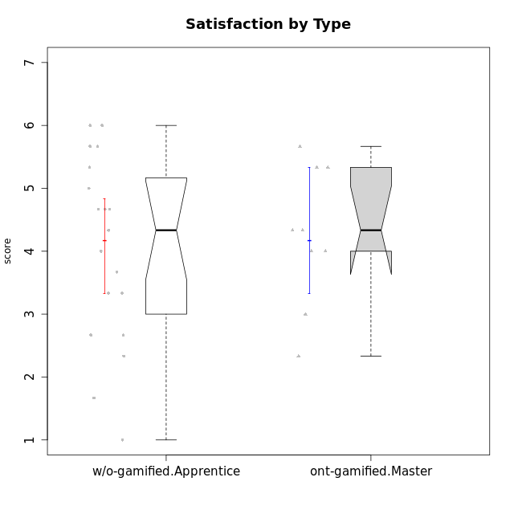

Wilcoxon data
UserID | NroUSP | Type | CLGroup | CLRole | PlayerRole | Item12A | Item19A | Item04A | Item20A | Item16A | Item01A | Item15R | Item21R | Item10R | Item08R | Item13S | Item14S | Item17S | Attention | Relevance | Satisfaction | Level of Motivation
10170 | 10260351 | w/o-gamified | Grupo11 | Apprentice |  | 5 | 5 | 6 | 4 | 4 | 4 | 2 | 2 | 2 | 5 | 4 | 4 | 5 | 4.6666666667 | 5.25 | 4.3333333333 | 4.7692307692
10171 | 698531 | ont-gamified | Mafia | Master | Social Achiever | 5 | 5 | 6 | 5 | 5 | 4 | 2 | 2 | 2 | 1 | 6 | 6 | 4 | 5 | 6.25 | 5.3333333333 | 5.4615384615
10172 | 10273971 | w/o-gamified | Grupo5 | Apprentice |  | 5 | 6 | 5 | 4 | 5 | 5 | 5 | 5 | 5 | 5 | 6 | 4 | 5 | 5 | 3 | 5 | 4.3846153846
10175 | 10310700 | ont-gamified | Warriors | Master | Social Achiever | 5 | 6 | 5 | 5 | 6 | 4 | 3 | 2 | 1 | 1 | 6 | 6 | 5 | 5.1666666667 | 6.25 | 5.6666666667 | 5.6153846154
10176 | 10276949 | ont-gamified | Outlaws | Master | Social Achiever | 5 | 4 | 5 | 4 | 4 | 4 | 4 | 4 | 4 | 4 | 4 | 4 | 4 | 4.3333333333 | 4 | 4 | 4.1538461538
10181 | 10276866 | w/o-gamified | Grupo2 | Apprentice |  | 4 | 5 | 4 | 3 | 5 | 4 | 4 | 2 | 4 | 4 | 1 | 1 | 3 | 4.1666666667 | 4.5 | 1.6666666667 | 3.6923076923
10183 | 10352030 | w/o-gamified | Grupo3 | Apprentice |  | 2 | 2 | 2 | 2 | 3 | 2 | 6 | 5 | 5 | 4 | 2 | 2 | 4 | 2.1666666667 | 3 | 2.6666666667 | 2.5384615385
10184 | 10276675 | w/o-gamified | Grupo10 | Apprentice |  | 4 | 2 | 4 | 4 | 4 | 5 | 1 | 4 | 4 | 4 | 6 | 4 | 4 | 3.8333333333 | 4.75 | 4.6666666667 | 4.3076923077
10185 | 10276960 | w/o-gamified | Grupo9 | Apprentice |  | 5 | 4 | 3 | 5 | 2 | 4 | 3 | 5 | 4 | 6 | 4 | 5 | 5 | 3.8333333333 | 3.5 | 4.6666666667 | 3.9230769231
10188 | 10276995 | ont-gamified | Vandals | Master | Yee Achiever | 4 | 2 | 4 | 3 | 4 | 3 | 1 | 2 | 1 | 2 | 3 | 3 | 3 | 3.3333333333 | 6.5 | 3 | 4.2307692308
10190 | 10276907 | w/o-gamified | Grupo4 | Apprentice |  | 5 | 5 | 6 | 5 | 5 | 3 | 5 | 5 | 5 | 4 | 3 | 4 | 4 | 4.8333333333 | 3.25 | 3.6666666667 | 4.0769230769
10197 | 10276661 | w/o-gamified | Grupo8 | Apprentice |  | 4 | 5 | 7 | 4 | 4 | 7 | 2 | 5 | 1 | 4 | 4 | 4 | 2 | 5.1666666667 | 5 | 3.3333333333 | 4.6923076923
10199 | 10276737 | w/o-gamified | Grupo1 | Apprentice |  | 4 | 3 | 5 | 1 | 4 | 4 | 4 | 4 | 4 | 2 | 6 | 4 | 4 | 3.5 | 4.5 | 4.6666666667 | 4.0769230769
10201 | 10276928 | w/o-gamified | Grupo11 | Apprentice |  | 5 | 6 | 6 | 5 | 4 | 3 | 6 | 4 | 3 | 5 | 6 | 5 | 6 | 4.8333333333 | 3.5 | 5.6666666667 | 4.6153846154
10204 | 10310471 | w/o-gamified | Grupo6 | Apprentice |  | 1 | 1 | 1 | 1 | 1 | 1 | 4 | 1 | 6 | 4 | 2 | 1 | 4 | 1 | 4.25 | 2.3333333333 | 2.3076923077
10206 | 10310721 | w/o-gamified | Grupo8 | Apprentice |  | 6 | 4 | 4 | 4 | 5 | 4 | 4 | 3 | 3 | 3 | 5 | 5 | 6 | 4.5 | 4.75 | 5.3333333333 | 4.7692307692
10208 | 10276932 | ont-gamified | Mercenaries | Master | Social Achiever | 2 | 3 | 2 | 3 | 3 | 2 | 4 | 5 | 6 | 3 | 5 | 5 | 3 | 2.5 | 3.5 | 4.3333333333 | 3.2307692308
10210 | 10277015 | w/o-gamified | Grupo6 | Apprentice |  | 1 | 1 | 1 | 1 | 1 | 1 | 4 | 6 | 6 | 6 | 1 | 1 | 1 | 1 | 2.5 | 1 | 1.4615384615
10213 | 10277040 | w/o-gamified | Grupo7 | Apprentice |  | 7 | 7 | 5 | 2 | 7 | 5 | 1 | 2 | 1 | 1 | 7 | 4 | 7 | 5.5 | 6.75 | 6 | 6
10215 | 9285227 | ont-gamified | Vikings | Master | Social Achiever | 4 | 1 | 4 | 1 | 3 | 5 | 4 | 1 | 1 | 1 | 3 | 3 | 1 | 3 | 6.25 | 2.3333333333 | 3.8461538462
10216 | 10276720 | ont-gamified | Silly Knights | Master | Social Achiever | 6 | 2 | 4 | 4 | 4 | 3 | 3 | 2 | 1 | 2 | 5 | 5 | 6 | 3.8333333333 | 6 | 5.3333333333 | 4.8461538462
10217 | 9805341 | w/o-gamified | Grupo9 | Apprentice |  | 4 | 4 | 3 | 4 | 5 | 3 | 3 | 3 | 3 | 3 | 4 | 4 | 4 | 3.8333333333 | 5 | 4 | 4.2307692308
10218 | 9842913 | w/o-gamified | Grupo10 | Apprentice |  | 4 | 5 | 3 | 5 | 3 | 4 | 3 | 3 | 4 | 4 | 4 | 3 | 3 | 4 | 4.5 | 3.3333333333 | 4
10220 | 9760151 | w/o-gamified | Grupo3 | Apprentice |  | 1 | 1 | 1 | 1 | 1 | 4 | 4 | 1 | 1 | 1 | 7 | 4 | 7 | 1.5 | 6.25 | 6 | 4
10223 | 9795185 | ont-gamified | Slayers | Master | Social Achiever | 4 | 4 | 3 | 4 | 4 | 4 | 3 | 2 | 3 | 4 | 4 | 5 | 4 | 3.8333333333 | 5 | 4.3333333333 | 4.3076923077
10226 | 10310342 | w/o-gamified | Grupo4 | Apprentice |  | 2 | 2 | 3 | 4 | 6 | 4 | 2 | 4 | 4 | 5 | 3 | 2 | 3 | 3.5 | 4.25 | 2.6666666667 | 3.5384615385
10230 | 10351992 | ont-gamified | Resistance | Master | Social Achiever | 4 | 6 | 3 | 5 | 6 | 4 | 3 | 3 | 4 | 3 | 4 | 6 | 2 | 4.6666666667 | 4.75 | 4 | 4.5384615385
10232 | 10276974 | w/o-gamified | Grupo7 | Apprentice |  | 6 | 5 | 4 | 4 | 6 | 4 | 4 | 2 | 2 | 1 | 6 | 5 | 6 | 4.8333333333 | 5.75 | 5.6666666667 | 5.3076923077

Type_CLRole_5
Wilcoxon Analysis for Satisfaction by Type in Type:CLRole between ont-gamified.Master:w/o-gamified.Master

Wilcoxon test results
Alternative hypothesis: less
Group | N | Median | Mean.Ranks | Sum.Ranks | U | Z | p.value | r | magnitude
ont-gamified.Master | 9 | 4.3333333333 | 9.4444444444 | 85 | 40 | 0.38776193023 | 0.66404771699 | 0.094046082114 | none
w/o-gamified.Master | 8 | 4.1666666667 | 8.5 | 68 | 40 | 0.38776193023 | 0.66404771699 | 0.094046082114 | none
Alternative hypothesis: greater
Group | N | Median | Mean.Ranks | Sum.Ranks | U | Z | p.value | r | magnitude
ont-gamified.Master | 9 | 4.3333333333 | 9.4444444444 | 85 | 40 | 0.38776193023 | 0.37017688194 | 0.094046082114 | none
w/o-gamified.Master | 8 | 4.1666666667 | 8.5 | 68 | 40 | 0.38776193023 | 0.37017688194 | 0.094046082114 | none
Alternative hypothesis: two.sided
Group | N | Median | Mean.Ranks | Sum.Ranks | U | Z | p.value | r | magnitude
ont-gamified.Master | 9 | 4.3333333333 | 9.4444444444 | 85 | 40 | 0.38776193023 | 0.74121760592 | 0.094046082114 | none
w/o-gamified.Master | 8 | 4.1666666667 | 8.5 | 68 | 40 | 0.38776193023 | 0.74121760592 | 0.094046082114 | none

Box plots for wilcoxon tests
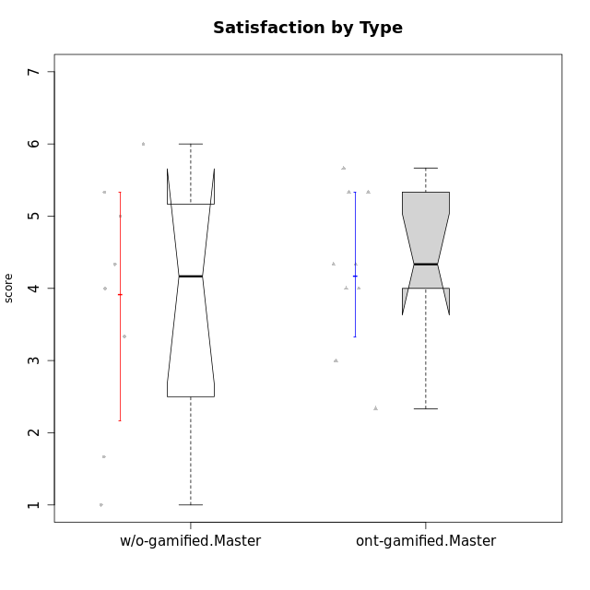

Wilcoxon data
UserID | NroUSP | Type | CLGroup | CLRole | PlayerRole | Item12A | Item19A | Item04A | Item20A | Item16A | Item01A | Item15R | Item21R | Item10R | Item08R | Item13S | Item14S | Item17S | Attention | Relevance | Satisfaction | Level of Motivation
10171 | 698531 | ont-gamified | Mafia | Master | Social Achiever | 5 | 5 | 6 | 5 | 5 | 4 | 2 | 2 | 2 | 1 | 6 | 6 | 4 | 5 | 6.25 | 5.3333333333 | 5.4615384615
10174 | 10276852 | w/o-gamified | Grupo7 | Master |  | 4 | 6 | 5 | 4 | 5 | 7 | 5 | 6 | 3 | 4 | 6 | 5 | 4 | 5.1666666667 | 3.5 | 5 | 4.6153846154
10175 | 10310700 | ont-gamified | Warriors | Master | Social Achiever | 5 | 6 | 5 | 5 | 6 | 4 | 3 | 2 | 1 | 1 | 6 | 6 | 5 | 5.1666666667 | 6.25 | 5.6666666667 | 5.6153846154
10176 | 10276949 | ont-gamified | Outlaws | Master | Social Achiever | 5 | 4 | 5 | 4 | 4 | 4 | 4 | 4 | 4 | 4 | 4 | 4 | 4 | 4.3333333333 | 4 | 4 | 4.1538461538
10179 | 10310759 | w/o-gamified | Grupo10 | Master |  | 4 | 2 | 4 | 4 | 5 | 2 | 2 | 4 | 3 | 2 | 3 | 4 | 5 | 3.5 | 5.25 | 4 | 4.1538461538
10188 | 10276995 | ont-gamified | Vandals | Master | Yee Achiever | 4 | 2 | 4 | 3 | 4 | 3 | 1 | 2 | 1 | 2 | 3 | 3 | 3 | 3.3333333333 | 6.5 | 3 | 4.2307692308
10191 | 10276981 | w/o-gamified | Grupo1 | Master |  | 4 | 4 | 2 | 2 | 4 | 4 | 3 | 3 | 3 | 6 | 4 | 4 | 5 | 3.3333333333 | 4.25 | 4.3333333333 | 3.8461538462
10208 | 10276932 | ont-gamified | Mercenaries | Master | Social Achiever | 2 | 3 | 2 | 3 | 3 | 2 | 4 | 5 | 6 | 3 | 5 | 5 | 3 | 2.5 | 3.5 | 4.3333333333 | 3.2307692308
10215 | 9285227 | ont-gamified | Vikings | Master | Social Achiever | 4 | 1 | 4 | 1 | 3 | 5 | 4 | 1 | 1 | 1 | 3 | 3 | 1 | 3 | 6.25 | 2.3333333333 | 3.8461538462
10216 | 10276720 | ont-gamified | Silly Knights | Master | Social Achiever | 6 | 2 | 4 | 4 | 4 | 3 | 3 | 2 | 1 | 2 | 5 | 5 | 6 | 3.8333333333 | 6 | 5.3333333333 | 4.8461538462
10219 | 10276831 | w/o-gamified | Grupo3 | Master |  | 2 | 3 | 3 | 1 | 2 | 1 | 4 | 5 | 4 | 5 | 1 | 1 | 1 | 2 | 3.5 | 1 | 2.2307692308
10223 | 9795185 | ont-gamified | Slayers | Master | Social Achiever | 4 | 4 | 3 | 4 | 4 | 4 | 3 | 2 | 3 | 4 | 4 | 5 | 4 | 3.8333333333 | 5 | 4.3333333333 | 4.3076923077
10227 | 9274382 | w/o-gamified | Grupo5 | Master |  | 5 | 6 | 5 | 6 | 6 | 5 | 4 | 4 | 2 | 2 | 6 | 6 | 6 | 5.5 | 5 | 6 | 5.4615384615
10230 | 10351992 | ont-gamified | Resistance | Master | Social Achiever | 4 | 6 | 3 | 5 | 6 | 4 | 3 | 3 | 4 | 3 | 4 | 6 | 2 | 4.6666666667 | 4.75 | 4 | 4.5384615385
10231 | 10276911 | w/o-gamified | Grupo9 | Master |  | 4 | 4 | 4 | 4 | 4 | 4 | 4 | 4 | 4 | 2 | 7 | 5 | 4 | 4 | 4.5 | 5.3333333333 | 4.4615384615
10234 | 10310676 | w/o-gamified | Grupo4 | Master |  | 2 | 1 | 2 | 6 | 2 | 6 | 2 | 4 | 1 | 2 | 1 | 2 | 2 | 3.1666666667 | 5.75 | 1.6666666667 | 3.6153846154
10238 | 10276953 | w/o-gamified | Grupo2 | Master |  | 5 | 5 | 4 | 4 | 4 | 4 | 4 | 3 | 3 | 4 | 3 | 2 | 5 | 4.3333333333 | 4.5 | 3.3333333333 | 4.1538461538

Type_CLRole_6
Wilcoxon Analysis for Satisfaction by Type in Type:CLRole between w/o-gamified.Apprentice:w/o-gamified.Master

Wilcoxon test results
Alternative hypothesis: less
Group | N | Median | Mean.Ranks | Sum.Ranks | U | Z | p.value | r | magnitude
w/o-gamified.Apprentice | 19 | 4.3333333333 | 14.210526316 | 270 | 80 | 0.21304902604 | 0.58772744164 | 0.041001304178 | none
w/o-gamified.Master | 8 | 4.1666666667 | 13.5 | 108 | 80 | 0.21304902604 | 0.58772744164 | 0.041001304178 | none
Alternative hypothesis: greater
Group | N | Median | Mean.Ranks | Sum.Ranks | U | Z | p.value | r | magnitude
w/o-gamified.Apprentice | 19 | 4.3333333333 | 14.210526316 | 270 | 80 | 0.21304902604 | 0.42224429355 | 0.041001304178 | none
w/o-gamified.Master | 8 | 4.1666666667 | 13.5 | 108 | 80 | 0.21304902604 | 0.42224429355 | 0.041001304178 | none
Alternative hypothesis: two.sided
Group | N | Median | Mean.Ranks | Sum.Ranks | U | Z | p.value | r | magnitude
w/o-gamified.Apprentice | 19 | 4.3333333333 | 14.210526316 | 270 | 80 | 0.21304902604 | 0.84442687747 | 0.041001304178 | none
w/o-gamified.Master | 8 | 4.1666666667 | 13.5 | 108 | 80 | 0.21304902604 | 0.84442687747 | 0.041001304178 | none

Box plots for wilcoxon tests
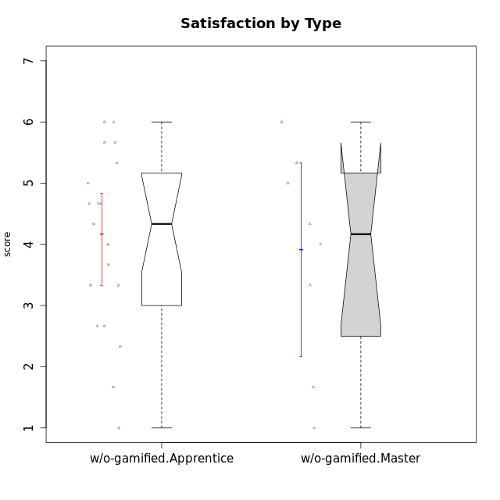

Wilcoxon data
UserID | NroUSP | Type | CLGroup | CLRole | PlayerRole | Item12A | Item19A | Item04A | Item20A | Item16A | Item01A | Item15R | Item21R | Item10R | Item08R | Item13S | Item14S | Item17S | Attention | Relevance | Satisfaction | Level of Motivation
10170 | 10260351 | w/o-gamified | Grupo11 | Apprentice |  | 5 | 5 | 6 | 4 | 4 | 4 | 2 | 2 | 2 | 5 | 4 | 4 | 5 | 4.6666666667 | 5.25 | 4.3333333333 | 4.7692307692
10172 | 10273971 | w/o-gamified | Grupo5 | Apprentice |  | 5 | 6 | 5 | 4 | 5 | 5 | 5 | 5 | 5 | 5 | 6 | 4 | 5 | 5 | 3 | 5 | 4.3846153846
10174 | 10276852 | w/o-gamified | Grupo7 | Master |  | 4 | 6 | 5 | 4 | 5 | 7 | 5 | 6 | 3 | 4 | 6 | 5 | 4 | 5.1666666667 | 3.5 | 5 | 4.6153846154
10179 | 10310759 | w/o-gamified | Grupo10 | Master |  | 4 | 2 | 4 | 4 | 5 | 2 | 2 | 4 | 3 | 2 | 3 | 4 | 5 | 3.5 | 5.25 | 4 | 4.1538461538
10181 | 10276866 | w/o-gamified | Grupo2 | Apprentice |  | 4 | 5 | 4 | 3 | 5 | 4 | 4 | 2 | 4 | 4 | 1 | 1 | 3 | 4.1666666667 | 4.5 | 1.6666666667 | 3.6923076923
10183 | 10352030 | w/o-gamified | Grupo3 | Apprentice |  | 2 | 2 | 2 | 2 | 3 | 2 | 6 | 5 | 5 | 4 | 2 | 2 | 4 | 2.1666666667 | 3 | 2.6666666667 | 2.5384615385
10184 | 10276675 | w/o-gamified | Grupo10 | Apprentice |  | 4 | 2 | 4 | 4 | 4 | 5 | 1 | 4 | 4 | 4 | 6 | 4 | 4 | 3.8333333333 | 4.75 | 4.6666666667 | 4.3076923077
10185 | 10276960 | w/o-gamified | Grupo9 | Apprentice |  | 5 | 4 | 3 | 5 | 2 | 4 | 3 | 5 | 4 | 6 | 4 | 5 | 5 | 3.8333333333 | 3.5 | 4.6666666667 | 3.9230769231
10190 | 10276907 | w/o-gamified | Grupo4 | Apprentice |  | 5 | 5 | 6 | 5 | 5 | 3 | 5 | 5 | 5 | 4 | 3 | 4 | 4 | 4.8333333333 | 3.25 | 3.6666666667 | 4.0769230769
10191 | 10276981 | w/o-gamified | Grupo1 | Master |  | 4 | 4 | 2 | 2 | 4 | 4 | 3 | 3 | 3 | 6 | 4 | 4 | 5 | 3.3333333333 | 4.25 | 4.3333333333 | 3.8461538462
10197 | 10276661 | w/o-gamified | Grupo8 | Apprentice |  | 4 | 5 | 7 | 4 | 4 | 7 | 2 | 5 | 1 | 4 | 4 | 4 | 2 | 5.1666666667 | 5 | 3.3333333333 | 4.6923076923
10199 | 10276737 | w/o-gamified | Grupo1 | Apprentice |  | 4 | 3 | 5 | 1 | 4 | 4 | 4 | 4 | 4 | 2 | 6 | 4 | 4 | 3.5 | 4.5 | 4.6666666667 | 4.0769230769
10201 | 10276928 | w/o-gamified | Grupo11 | Apprentice |  | 5 | 6 | 6 | 5 | 4 | 3 | 6 | 4 | 3 | 5 | 6 | 5 | 6 | 4.8333333333 | 3.5 | 5.6666666667 | 4.6153846154
10204 | 10310471 | w/o-gamified | Grupo6 | Apprentice |  | 1 | 1 | 1 | 1 | 1 | 1 | 4 | 1 | 6 | 4 | 2 | 1 | 4 | 1 | 4.25 | 2.3333333333 | 2.3076923077
10206 | 10310721 | w/o-gamified | Grupo8 | Apprentice |  | 6 | 4 | 4 | 4 | 5 | 4 | 4 | 3 | 3 | 3 | 5 | 5 | 6 | 4.5 | 4.75 | 5.3333333333 | 4.7692307692
10210 | 10277015 | w/o-gamified | Grupo6 | Apprentice |  | 1 | 1 | 1 | 1 | 1 | 1 | 4 | 6 | 6 | 6 | 1 | 1 | 1 | 1 | 2.5 | 1 | 1.4615384615
10213 | 10277040 | w/o-gamified | Grupo7 | Apprentice |  | 7 | 7 | 5 | 2 | 7 | 5 | 1 | 2 | 1 | 1 | 7 | 4 | 7 | 5.5 | 6.75 | 6 | 6
10217 | 9805341 | w/o-gamified | Grupo9 | Apprentice |  | 4 | 4 | 3 | 4 | 5 | 3 | 3 | 3 | 3 | 3 | 4 | 4 | 4 | 3.8333333333 | 5 | 4 | 4.2307692308
10218 | 9842913 | w/o-gamified | Grupo10 | Apprentice |  | 4 | 5 | 3 | 5 | 3 | 4 | 3 | 3 | 4 | 4 | 4 | 3 | 3 | 4 | 4.5 | 3.3333333333 | 4
10219 | 10276831 | w/o-gamified | Grupo3 | Master |  | 2 | 3 | 3 | 1 | 2 | 1 | 4 | 5 | 4 | 5 | 1 | 1 | 1 | 2 | 3.5 | 1 | 2.2307692308
10220 | 9760151 | w/o-gamified | Grupo3 | Apprentice |  | 1 | 1 | 1 | 1 | 1 | 4 | 4 | 1 | 1 | 1 | 7 | 4 | 7 | 1.5 | 6.25 | 6 | 4
10226 | 10310342 | w/o-gamified | Grupo4 | Apprentice |  | 2 | 2 | 3 | 4 | 6 | 4 | 2 | 4 | 4 | 5 | 3 | 2 | 3 | 3.5 | 4.25 | 2.6666666667 | 3.5384615385
10227 | 9274382 | w/o-gamified | Grupo5 | Master |  | 5 | 6 | 5 | 6 | 6 | 5 | 4 | 4 | 2 | 2 | 6 | 6 | 6 | 5.5 | 5 | 6 | 5.4615384615
10231 | 10276911 | w/o-gamified | Grupo9 | Master |  | 4 | 4 | 4 | 4 | 4 | 4 | 4 | 4 | 4 | 2 | 7 | 5 | 4 | 4 | 4.5 | 5.3333333333 | 4.4615384615
10232 | 10276974 | w/o-gamified | Grupo7 | Apprentice |  | 6 | 5 | 4 | 4 | 6 | 4 | 4 | 2 | 2 | 1 | 6 | 5 | 6 | 4.8333333333 | 5.75 | 5.6666666667 | 5.3076923077
10234 | 10310676 | w/o-gamified | Grupo4 | Master |  | 2 | 1 | 2 | 6 | 2 | 6 | 2 | 4 | 1 | 2 | 1 | 2 | 2 | 3.1666666667 | 5.75 | 1.6666666667 | 3.6153846154
10238 | 10276953 | w/o-gamified | Grupo2 | Master |  | 5 | 5 | 4 | 4 | 4 | 4 | 4 | 3 | 3 | 4 | 3 | 2 | 5 | 4.3333333333 | 4.5 | 3.3333333333 | 4.1538461538

