Assumptions
ANOVA assumptions for Interest/Enjoyment by Type

Shapiro-Wilk normality test for Interest/Enjoyment by Type
W | p.value
0.96682964393 | 0.10193448077

Plots for normality test
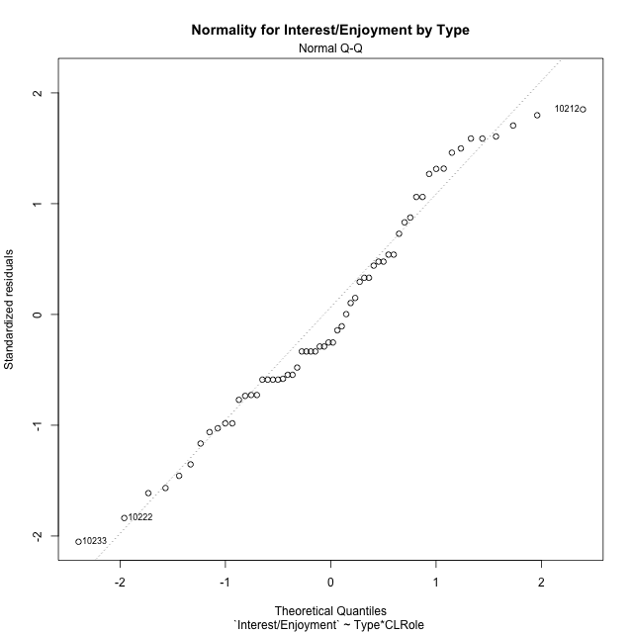

Levene's Test for Homogeneity of Variance in Interest/Enjoyment by Type
Df | F value | Pr(>F)
3 | 0.7004280775 | 0.55575679674
56

Plots for homogeneity of variance
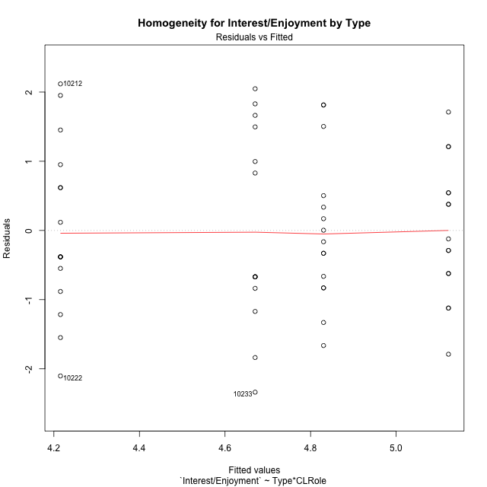

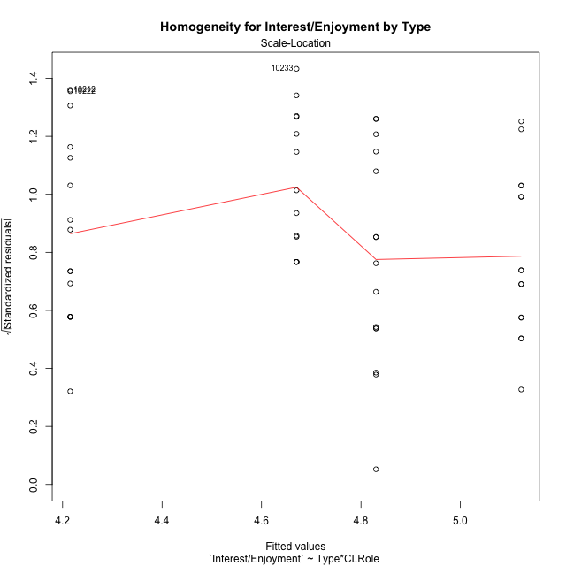

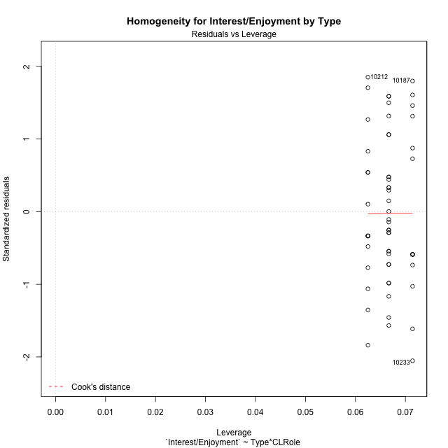

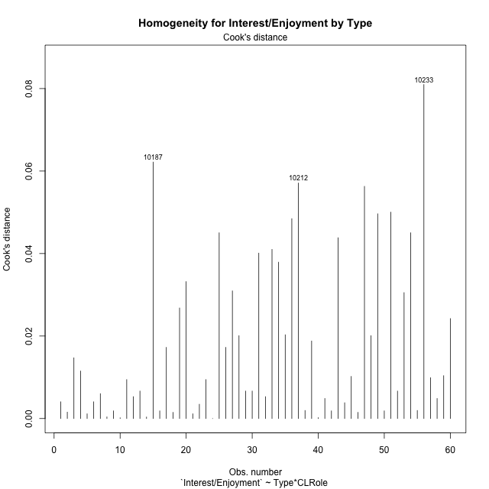

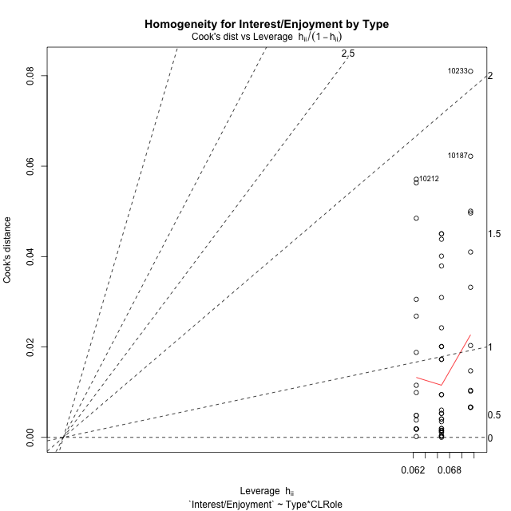

Minimum Sample Size Test for Interest/Enjoyment by Type
Type | CLRole | Freq
non-gamified | Apprentice | 14
ont-gamified | Apprentice | 15
non-gamified | Master | 16
ont-gamified | Master | 15

Errors and Warnings in Sample Size Test for ANOVA in Interest/Enjoyment by Type
code | description
WARN: sample.size | current size is 14 and recommended size is 15 for the group: 'non-gamified:Apprentice'.

For the group: 'non-gamified:Apprentice', we recommend the use of non-parametric test. For the group: 'ont-gamified:Apprentice', you can perform a parametric test without having a normal distribution For the group: 'non-gamified:Master', you can perform a parametric test without having a normal distribution For the group: 'ont-gamified:Master', you can perform a parametric test without having a normal distribution

If you don't want to remove non-normal data, you must cite the following references: ... (1) Lix, L.M., J.C. Keselman, and H.J. Keselman. 1996. Consequences of assumption violations revisited: A quantitative review of alternatives to the one-way analysis of variance F test. Rev. Educ. Res. 66: 579-619. ... (2) Harwell, M.R., E.N. Rubinstein, W.S. Hayes, and C.C. Olds. 1992. Summarizing Monte Carlo results in methodological research: the one- and two-factor fixed effects ANOVA cases. J. Educ. Stat. 17: 315-339.

Post-hoc
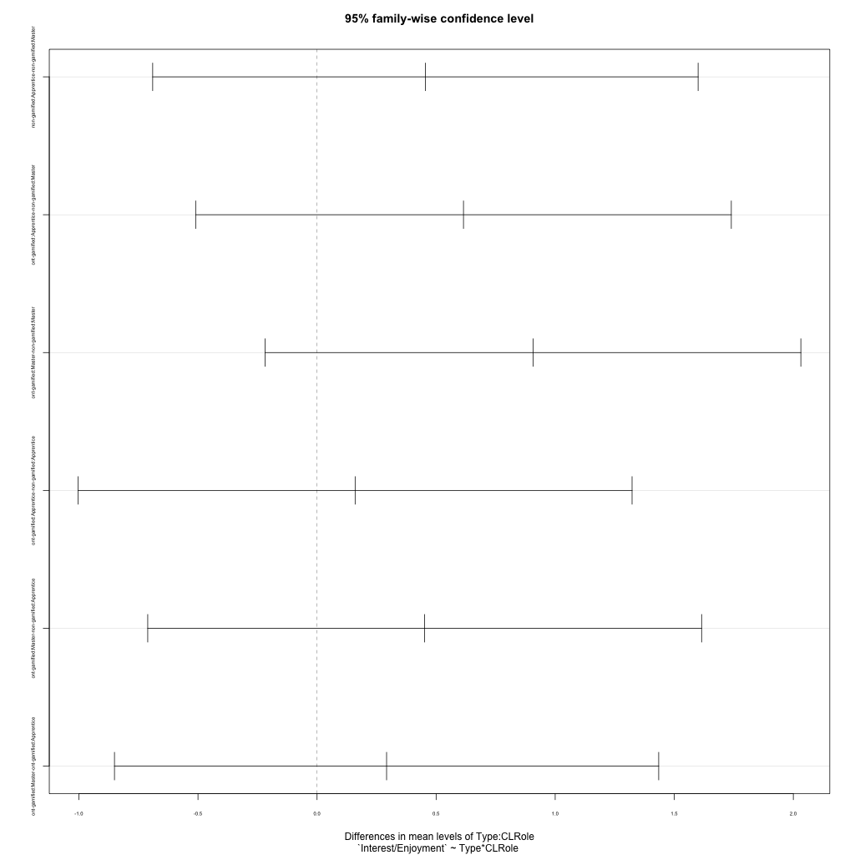
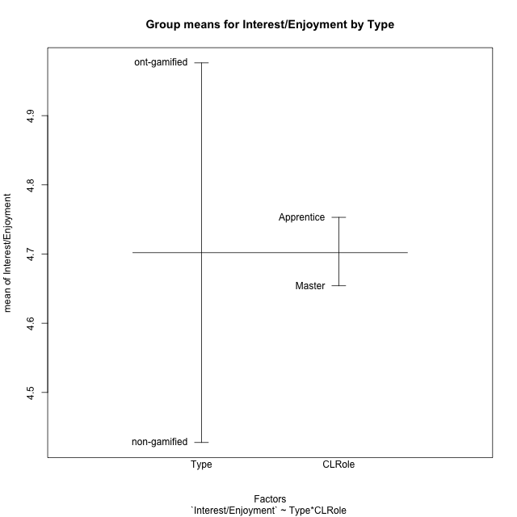
Post-hoc Tukey Honestly Significant Difference (HSD) Test for Interest/Enjoyment by Type

Comparisons of means for Type
 | diff | lwr | upr | p adj
ont-gamified-non-gamified | 0.54855 | -0.062745222054 | 1.1598452221 | 0.07762899

Comparisons of means for CLRole
 | diff | lwr | upr | p adj
Apprentice-Master | 0.080580496848 | -0.53105461693 | 0.69221561063 | 0.79281113645

Comparisons of means for Type:CLRole
 | diff | lwr | upr | p adj
non-gamified:Apprentice-non-gamified:Master | 0.45498630952 | -0.69026187725 | 1.6002344963 | 0.71976857302
ont-gamified:Apprentice-non-gamified:Master | 0.61488583333 | -0.50981811748 | 1.7395897841 | 0.47563717363
ont-gamified:Master-non-gamified:Master | 0.90686805556 | -0.21783589526 | 2.0315720064 | 0.1546874079
ont-gamified:Apprentice-non-gamified:Apprentice | 0.15989952381 | -1.0030271882 | 1.3228262359 | 0.98332583095
ont-gamified:Master-non-gamified:Apprentice | 0.45188174603 | -0.71104496601 | 1.6148084581 | 0.73331111307
ont-gamified:Master-ont-gamified:Apprentice | 0.29198222222 | -0.8507181345 | 1.4346825789 | 0.90553384015

Contrast Matrices for Interest/Enjoyment by Type - Type
contrast | estimate | SE | df | t.ratio | p.value
non-gamified - ont-gamified | -0.53338378968 | 0.30549353609 | 56 | -1.7459740606 | 0.086299551727

Contrast Matrices for Interest/Enjoyment by Type - Type:CLRole
contrast | CLRole | estimate | SE | df | t.ratio | p.value
non-gamified - ont-gamified | Apprentice | -0.15989952381 | 0.43919040458 | 56 | -0.36407790822 | 0.71717091207
non-gamified - ont-gamified | Master | -0.90686805556 | 0.42475521292 | 56 | -2.1350369059 | 0.037147184513

Least Squares Means and Confidence Intervals for Type
Type | lsmean | SE | df | lower.CL | upper.CL | Pairs
non-gamified | 4.4428473214 | 0.21625697014 | 56 | 4.0096325531 | 4.8760620898 | non-gamified
ont-gamified | 4.9762311111 | 0.21577586394 | 56 | 4.5439801143 | 5.4084821079 | ont-gamified

Least Squares Means and Confidence Intervals for Type:CLRole
Type | CLRole | lsmean | SE | df | lower.CL | upper.CL | Pairs
non-gamified | Apprentice | 4.6703404762 | 0.31586352204 | 56 | 4.0375898072 | 5.3030911451 | non-gamified.Apprentice
ont-gamified | Apprentice | 4.83024 | 0.30515315322 | 56 | 4.218944778 | 5.441535222 | ont-gamified.Apprentice
non-gamified | Master | 4.2153541667 | 0.29546327011 | 56 | 3.6234701131 | 4.8072382203 | non-gamified.Master
ont-gamified | Master | 5.1222222222 | 0.30515315322 | 56 | 4.5109270002 | 5.7335174442 | ont-gamified.Master

Plots

Type_1
Student's t-Test for Interest/Enjoyment by Type in Type between non-gamified:ont-gamified

Student's t-Test results
Alternative hypothesis: less
Group | N | Mean | Mean.Difference | Std.deviation | Std.error | CI.lower | CI.upper | df | t.value | p.value | g | magnitude
non-gamified | 30 | 4.4276811111 | -0.54855 | 1.3198690456 | 0.2409740164 | 3.9457330783 | 4.9096291439 | 54.416098631 | -1.8044108158 | 0.038351073014 | -0.45984626058 | small
ont-gamified | 30 | 4.9762311111 | 0.54855 | 1.0151442324 | 0.18533913174 | 4.6055528476 | 5.3469093746 | 54.416098631 | -1.8044108158 | 0.038351073014 | -0.45984626058 | small
Alternative hypothesis: greater
Group | N | Mean | Mean.Difference | Std.deviation | Std.error | CI.lower | CI.upper | df | t.value | p.value | g | magnitude
non-gamified | 30 | 4.4276811111 | -0.54855 | 1.3198690456 | 0.2409740164 | 3.9457330783 | 4.9096291439 | 54.416098631 | -1.8044108158 | 0.96164892699 | -0.45984626058 | small
ont-gamified | 30 | 4.9762311111 | 0.54855 | 1.0151442324 | 0.18533913174 | 4.6055528476 | 5.3469093746 | 54.416098631 | -1.8044108158 | 0.96164892699 | -0.45984626058 | small
Alternative hypothesis: two.sided
Group | N | Mean | Mean.Difference | Std.deviation | Std.error | CI.lower | CI.upper | df | t.value | p.value | g | magnitude
non-gamified | 30 | 4.4276811111 | -0.54855 | 1.3198690456 | 0.2409740164 | 3.9457330783 | 4.9096291439 | 54.416098631 | -1.8044108158 | 0.076702146027 | -0.45984626058 | small
ont-gamified | 30 | 4.9762311111 | 0.54855 | 1.0151442324 | 0.18533913174 | 4.6055528476 | 5.3469093746 | 54.416098631 | -1.8044108158 | 0.076702146027 | -0.45984626058 | small

Box plots for Student's t-Test
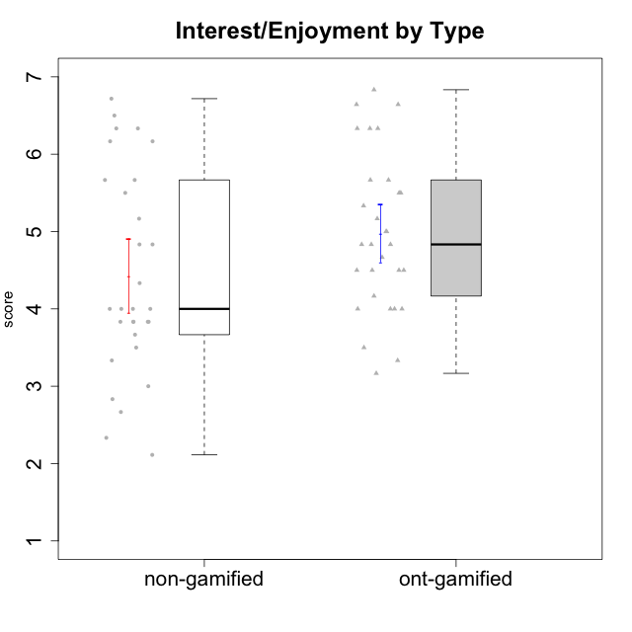

Student's t-Test data
UserID | NroUSP | Type | CLGroup | CLRole | PlayerRole | Interest/Enjoyment | Perceived Choice | Pressure/Tension | Effort/Importance | Intrinsic Motivation
10169 | 10377538 | ont-gamified | Grupo Hefesto | Master | Yee Achiever | 5.6666666667 | 4.8 | 1.9913 | 6 | 5.6166666667
10170 | 10260351 | ont-gamified | Grupo Afrodite | Apprentice | Yee Achiever | 5.1666666667 | 6.4 | 1 | 6 | 6.1416666667
10171 | 698531 | non-gamified | Grupo Team 6 | Apprentice |  | 5.6666666667 | 6 | 1.25 | 5.6666666667 | 6.0208333333
10172 | 10273971 | non-gamified | Grupo Team 1 | Master |  | 5.1666666667 | 5.4 | 1 | 4 | 5.3916666667
10174 | 10276852 | ont-gamified | Grupo Urano | Master | Yee Achiever | 4.8333333333 | 4.4 | 1.25 | 6.6666666667 | 5.6625
10175 | 10310700 | ont-gamified | Grupo Hélio | Master | Yee Socializer | 5.6666666667 | 7 | 1 | 5 | 6.1666666667
10176 | 10276949 | ont-gamified | Grupo Cronus | Apprentice | Yee Achiever | 4.1666666667 | 5.8 | 1.9913 | 4.6666666667 | 4.9708333333
10178 | 8656201 | ont-gamified | Grupo Morfeu | Apprentice | Yee Socializer | 5 | 5.8 | 1.9913 | 6 | 5.6375
10179 | 10310759 | non-gamified | Grupo Team 9 | Master |  | 3.8333333333 | 3.2 | 2 | 6.6434666667 | 4.925
10181 | 10276866 | non-gamified | Grupo Team 10 | Master |  | 4.3333333333 | 6 | 1 | 6 | 5.8333333333
10183 | 10352030 | ont-gamified | Grupo Hélio | Apprentice | Yee Socializer | 4 | 5.4 | 1.9913 | 5.6666666667 | 5.0791666667
10184 | 10276675 | ont-gamified | Grupo Apolo | Master | Yee Socializer | 4.5 | 5.6 | 1.9913 | 6.6666666667 | 5.6291666667
10185 | 10276960 | non-gamified | Grupo Team 12 | Apprentice |  | 4 | 4.4 | 2.25 | 5 | 4.7875
10186 | 10310551 | ont-gamified | Grupo Ares | Apprentice | Yee Achiever | 4.6666666667 | 6.2 | 1.9913 | 7 | 5.7166666667
10187 | 9790781 | non-gamified | Grupo Team 15 | Apprentice |  | 6.7181 | 6 | 2.48695 | 6.6666666667 | 6.0416666667
10188 | 10276995 | non-gamified | Grupo Team 3 | Master |  | 3.8333333333 | 5 | 1.5 | 4.6666666667 | 5
10189 | 9363926 | ont-gamified | Grupo Hades | Master | Yee Socializer | 4 | 5.2 | 1.9913 | 6.3333333333 | 5.0083333333
10190 | 10276907 | ont-gamified | Grupo Zeus | Apprentice | Yee Socializer | 4.5 | 5.8 | 1.75 | 4.0232 | 5.1375
10191 | 10276981 | non-gamified | Grupo Team 6 | Master |  | 5.6666666667 | 5.2 | 1.25 | 4.3333333333 | 5.4875
10192 | 10276682 | non-gamified | Grupo Team 5 | Apprentice |  | 6.1666666667 | 4.4 | 1 | 4.3333333333 | 5.475
10193 | 10276762 | ont-gamified | Grupo Afrodite | Master | Yee Achiever | 4.8333333333 | 4.4 | 1.25 | 4.6666666667 | 5.1625
10195 | 10351971 | ont-gamified | Grupo Urano | Apprentice | Yee Achiever | 5.3333333333 | 4.6 | 1 | 6 | 5.7333333333
10196 | 10310655 | ont-gamified | Grupo Hefesto | Apprentice | Yee Achiever | 4 | 4.2 | 1 | 6.3333333333 | 5.3833333333
10197 | 10276661 | ont-gamified | Grupo Gaia | Apprentice | Yee Achiever | 4.8333333333 | 6.8 | 1 | 5 | 5.9083333333
10198 | 10310888 | ont-gamified | Grupo Apolo | Apprentice | Yee Socializer | 6.6434666667 | 7 | 1 | 7 | 6.8989766667
10199 | 10276737 | ont-gamified | Grupo Gaia | Master | Yee Achiever | 4 | 7 | 1.9913 | 4.6666666667 | 5.2291666667
10200 | 9795272 | ont-gamified | Grupo Hades | Apprentice | Yee Socializer | 6.3333333333 | 5.4 | 1 | 5 | 5.9333333333
10201 | 10276928 | ont-gamified | Grupo Caronte | Master | Yee Achiever | 6.3333333333 | 5.8 | 1.9913 | 7 | 6.2833333333
10202 | 10277036 | non-gamified | Grupo Team 11 | Apprentice |  | 4 | 3.2 | 2.48695 | 7 | 4.175
10203 | 9921470 | non-gamified | Grupo Team 3 | Apprentice |  | 4 | 7 | 1.25 | 4.6666666667 | 5.6041666667
10204 | 10310471 | ont-gamified | Grupo Hermes | Master | Yee Achiever | 6.8333333333 | 6.2 | 1 | 6 | 6.5083333333
10206 | 10310721 | ont-gamified | Grupo Hera | Master | Yee Achiever | 4.5 | 6.6 | 1.9913 | 5.6666666667 | 5.3166666667
10208 | 10276932 | non-gamified | Grupo Team 7 | Apprentice |  | 6.3333333333 | 5.6 | 1.75 | 7 | 6.2958333333
10209 | 10262669 | ont-gamified | Grupo Artemis | Apprentice | Yee Achiever | 3.1666666667 | 4.02088 | 1 | 7 | 4.6416666667
10210 | 10277015 | non-gamified | Grupo Team 9 | Apprentice |  | 3.5 | 2.8 | 2.48695 | 6.6666666667 | 4.1791666667
10211 | 9311643 | non-gamified | Grupo Team 2 | Master |  | 6.1666666667 | 3 | 2 | 2.7014666667 | 4.4583333333
10212 | 9065750 | non-gamified | Grupo Team 4 | Master |  | 6.3333333333 | 6 | 2.48695 | 6 | 5.9583333333
10213 | 10277040 | ont-gamified | Grupo Morfeu | Master | Yee Socializer | 5.5 | 4.6 | 1 | 4.0232 | 5.1083333333
10214 | 10277022 | non-gamified | Grupo Team 5 | Master |  | 3 | 3.8 | 2 | 4 | 4.2
10215 | 9285227 | ont-gamified | Grupo Zeus | Master | Yee Socializer | 5 | 7 | 1 | 6 | 6.25
10216 | 10276720 | non-gamified | Grupo Team 15 | Master |  | 4.8333333333 | 6.4 | 1.25 | 6.3333333333 | 6.0791666667
10217 | 9805341 | non-gamified | Grupo Team 13 | Master |  | 3.8333333333 | 6.8 | 1 | 5.6666666667 | 5.825
10218 | 9842913 | ont-gamified | Grupo Ares | Master | Yee Achiever | 3.3333333333 | 5.4 | 1.9913 | 6.3333333333 | 4.8916666667
10219 | 10276831 | non-gamified | Grupo Team 12 | Master |  | 3.6666666667 | 4.6 | 1 | 4 | 4.8166666667
10220 | 9760151 | non-gamified | Grupo Team 2 | Apprentice |  | 5.5 | 6.4 | 1 | 6 | 6.225
10221 | 9082496 | ont-gamified | Grupo Hermes | Apprentice | Yee Achiever | 4.5 | 5.4 | 1 | 6.3333333333 | 5.8083333333
10222 | 9436110 | non-gamified | Grupo Team 16 | Master |  | 2.1123333333 | 2.4348 | 2.48695 | 4.6666666667 | 3.8843566667
10223 | 9795185 | ont-gamified | Grupo Cronus | Master | Yee Achiever | 6.3333333333 | 6.4 | 1.25 | 5.3333333333 | 6.2041666667
10224 | 9368772 | non-gamified | Grupo Team 10 | Apprentice |  | 6.5 | 2.6 | 1.5 | 4.6666666667 | 5.0666666667
10226 | 10310342 | non-gamified | Grupo Team 8 | Master |  | 3.8333333333 | 3 | 1.5 | 6.6434666667 | 5
10227 | 9274382 | non-gamified | Grupo Team 4 | Apprentice |  | 2.8333333333 | 4.2 | 2.48695 | 4 | 3.8843566667
10228 | 10310492 | non-gamified | Grupo Team 14 | Apprentice |  | 4 | 4.8 | 2.25 | 6 | 5.1375
10230 | 10351992 | non-gamified | Grupo Team 14 | Master |  | 2.6666666667 | 5.4 | 2.48695 | 5 | 4.4541666667
10231 | 10276911 | ont-gamified | Grupo Caronte | Apprentice | Yee Achiever | 6.6434666667 | 6.8 | 1 | 6.3333333333 | 6.7833333333
10232 | 10276974 | ont-gamified | Grupo Artemis | Master | Yee Achiever | 5.5 | 5.2 | 1.9913 | 6 | 5.425
10233 | 9805320 | non-gamified | Grupo Team 16 | Apprentice |  | 2.3333333333 | 3.6 | 1.25 | 5 | 4.4208333333
10234 | 10310676 | non-gamified | Grupo Team 7 | Master |  | 3.3333333333 | 3.8 | 1.25 | 4 | 4.4708333333
10237 | 10377688 | non-gamified | Grupo Team 11 | Master |  | 4.8333333333 | 5.4 | 1 | 4.3333333333 | 5.3916666667
10238 | 10276953 | non-gamified | Grupo Team 13 | Apprentice |  | 3.8333333333 | 3 | 2.48695 | 5.6666666667 | 4.0625
10240 | 10276654 | ont-gamified | Grupo Hera | Apprentice | Yee Achiever | 3.5 | 4.02088 | 1 | 4.6666666667 | 4.4564566667

Type_CLRole_1
Student's t-Test for Interest/Enjoyment by Type in Type:CLRole between non-gamified.Apprentice:non-gamified.Master

Student's t-Test results
Alternative hypothesis: less
Group | N | Mean | Mean.Difference | Std.deviation | Std.error | CI.lower | CI.upper | df | t.value | p.value | g | magnitude
non-gamified.Apprentice | 14 | 4.6703404762 | 0.45498630952 | 1.4392950194 | 0.38466777436 | 3.9010049275 | 5.4396760249 | 25.599390439 | 0.92909103589 | 0.81923974328 | 0.33473094272 | small
non-gamified.Master | 16 | 4.2153541667 | -0.45498630952 | 1.2122559959 | 0.30306399897 | 3.6092261687 | 4.8214821646 | 25.599390439 | 0.92909103589 | 0.81923974328 | 0.33473094272 | small
Alternative hypothesis: greater
Group | N | Mean | Mean.Difference | Std.deviation | Std.error | CI.lower | CI.upper | df | t.value | p.value | g | magnitude
non-gamified.Apprentice | 14 | 4.6703404762 | 0.45498630952 | 1.4392950194 | 0.38466777436 | 3.9010049275 | 5.4396760249 | 25.599390439 | 0.92909103589 | 0.18076025672 | 0.33473094272 | small
non-gamified.Master | 16 | 4.2153541667 | -0.45498630952 | 1.2122559959 | 0.30306399897 | 3.6092261687 | 4.8214821646 | 25.599390439 | 0.92909103589 | 0.18076025672 | 0.33473094272 | small
Alternative hypothesis: two.sided
Group | N | Mean | Mean.Difference | Std.deviation | Std.error | CI.lower | CI.upper | df | t.value | p.value | g | magnitude
non-gamified.Apprentice | 14 | 4.6703404762 | 0.45498630952 | 1.4392950194 | 0.38466777436 | 3.9010049275 | 5.4396760249 | 25.599390439 | 0.92909103589 | 0.36152051345 | 0.33473094272 | small
non-gamified.Master | 16 | 4.2153541667 | -0.45498630952 | 1.2122559959 | 0.30306399897 | 3.6092261687 | 4.8214821646 | 25.599390439 | 0.92909103589 | 0.36152051345 | 0.33473094272 | small

Box plots for Student's t-Test
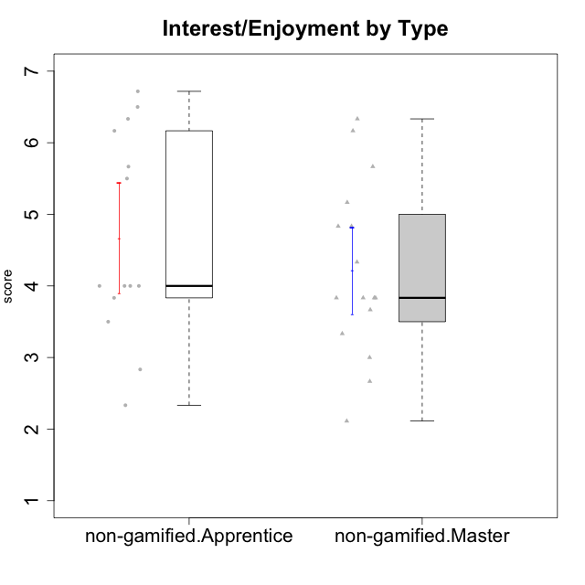

Student's t-Test data
UserID | NroUSP | Type | CLGroup | CLRole | PlayerRole | Interest/Enjoyment | Perceived Choice | Pressure/Tension | Effort/Importance | Intrinsic Motivation
10171 | 698531 | non-gamified | Grupo Team 6 | Apprentice |  | 5.6666666667 | 6 | 1.25 | 5.6666666667 | 6.0208333333
10172 | 10273971 | non-gamified | Grupo Team 1 | Master |  | 5.1666666667 | 5.4 | 1 | 4 | 5.3916666667
10179 | 10310759 | non-gamified | Grupo Team 9 | Master |  | 3.8333333333 | 3.2 | 2 | 6.6434666667 | 4.925
10181 | 10276866 | non-gamified | Grupo Team 10 | Master |  | 4.3333333333 | 6 | 1 | 6 | 5.8333333333
10185 | 10276960 | non-gamified | Grupo Team 12 | Apprentice |  | 4 | 4.4 | 2.25 | 5 | 4.7875
10187 | 9790781 | non-gamified | Grupo Team 15 | Apprentice |  | 6.7181 | 6 | 2.48695 | 6.6666666667 | 6.0416666667
10188 | 10276995 | non-gamified | Grupo Team 3 | Master |  | 3.8333333333 | 5 | 1.5 | 4.6666666667 | 5
10191 | 10276981 | non-gamified | Grupo Team 6 | Master |  | 5.6666666667 | 5.2 | 1.25 | 4.3333333333 | 5.4875
10192 | 10276682 | non-gamified | Grupo Team 5 | Apprentice |  | 6.1666666667 | 4.4 | 1 | 4.3333333333 | 5.475
10202 | 10277036 | non-gamified | Grupo Team 11 | Apprentice |  | 4 | 3.2 | 2.48695 | 7 | 4.175
10203 | 9921470 | non-gamified | Grupo Team 3 | Apprentice |  | 4 | 7 | 1.25 | 4.6666666667 | 5.6041666667
10208 | 10276932 | non-gamified | Grupo Team 7 | Apprentice |  | 6.3333333333 | 5.6 | 1.75 | 7 | 6.2958333333
10210 | 10277015 | non-gamified | Grupo Team 9 | Apprentice |  | 3.5 | 2.8 | 2.48695 | 6.6666666667 | 4.1791666667
10211 | 9311643 | non-gamified | Grupo Team 2 | Master |  | 6.1666666667 | 3 | 2 | 2.7014666667 | 4.4583333333
10212 | 9065750 | non-gamified | Grupo Team 4 | Master |  | 6.3333333333 | 6 | 2.48695 | 6 | 5.9583333333
10214 | 10277022 | non-gamified | Grupo Team 5 | Master |  | 3 | 3.8 | 2 | 4 | 4.2
10216 | 10276720 | non-gamified | Grupo Team 15 | Master |  | 4.8333333333 | 6.4 | 1.25 | 6.3333333333 | 6.0791666667
10217 | 9805341 | non-gamified | Grupo Team 13 | Master |  | 3.8333333333 | 6.8 | 1 | 5.6666666667 | 5.825
10219 | 10276831 | non-gamified | Grupo Team 12 | Master |  | 3.6666666667 | 4.6 | 1 | 4 | 4.8166666667
10220 | 9760151 | non-gamified | Grupo Team 2 | Apprentice |  | 5.5 | 6.4 | 1 | 6 | 6.225
10222 | 9436110 | non-gamified | Grupo Team 16 | Master |  | 2.1123333333 | 2.4348 | 2.48695 | 4.6666666667 | 3.8843566667
10224 | 9368772 | non-gamified | Grupo Team 10 | Apprentice |  | 6.5 | 2.6 | 1.5 | 4.6666666667 | 5.0666666667
10226 | 10310342 | non-gamified | Grupo Team 8 | Master |  | 3.8333333333 | 3 | 1.5 | 6.6434666667 | 5
10227 | 9274382 | non-gamified | Grupo Team 4 | Apprentice |  | 2.8333333333 | 4.2 | 2.48695 | 4 | 3.8843566667
10228 | 10310492 | non-gamified | Grupo Team 14 | Apprentice |  | 4 | 4.8 | 2.25 | 6 | 5.1375
10230 | 10351992 | non-gamified | Grupo Team 14 | Master |  | 2.6666666667 | 5.4 | 2.48695 | 5 | 4.4541666667
10233 | 9805320 | non-gamified | Grupo Team 16 | Apprentice |  | 2.3333333333 | 3.6 | 1.25 | 5 | 4.4208333333
10234 | 10310676 | non-gamified | Grupo Team 7 | Master |  | 3.3333333333 | 3.8 | 1.25 | 4 | 4.4708333333
10237 | 10377688 | non-gamified | Grupo Team 11 | Master |  | 4.8333333333 | 5.4 | 1 | 4.3333333333 | 5.3916666667
10238 | 10276953 | non-gamified | Grupo Team 13 | Apprentice |  | 3.8333333333 | 3 | 2.48695 | 5.6666666667 | 4.0625

Type_CLRole_2
Student's t-Test for Interest/Enjoyment by Type in Type:CLRole between non-gamified.Apprentice:ont-gamified.Apprentice

Student's t-Test results
Alternative hypothesis: less
Group | N | Mean | Mean.Difference | Std.deviation | Std.error | CI.lower | CI.upper | df | t.value | p.value | g | magnitude
non-gamified.Apprentice | 14 | 4.6703404762 | -0.15989952381 | 1.4392950194 | 0.38466777436 | 3.9010049275 | 5.4396760249 | 23.867764076 | -0.33833758727 | 0.36903349577 | -0.12349620528 | negligible
ont-gamified.Apprentice | 15 | 4.83024 | 0.15989952381 | 1.0633773559 | 0.27456285269 | 4.2811142946 | 5.3793657054 | 23.867764076 | -0.33833758727 | 0.36903349577 | -0.12349620528 | negligible
Alternative hypothesis: greater
Group | N | Mean | Mean.Difference | Std.deviation | Std.error | CI.lower | CI.upper | df | t.value | p.value | g | magnitude
non-gamified.Apprentice | 14 | 4.6703404762 | -0.15989952381 | 1.4392950194 | 0.38466777436 | 3.9010049275 | 5.4396760249 | 23.867764076 | -0.33833758727 | 0.63096650423 | -0.12349620528 | negligible
ont-gamified.Apprentice | 15 | 4.83024 | 0.15989952381 | 1.0633773559 | 0.27456285269 | 4.2811142946 | 5.3793657054 | 23.867764076 | -0.33833758727 | 0.63096650423 | -0.12349620528 | negligible
Alternative hypothesis: two.sided
Group | N | Mean | Mean.Difference | Std.deviation | Std.error | CI.lower | CI.upper | df | t.value | p.value | g | magnitude
non-gamified.Apprentice | 14 | 4.6703404762 | -0.15989952381 | 1.4392950194 | 0.38466777436 | 3.9010049275 | 5.4396760249 | 23.867764076 | -0.33833758727 | 0.73806699153 | -0.12349620528 | negligible
ont-gamified.Apprentice | 15 | 4.83024 | 0.15989952381 | 1.0633773559 | 0.27456285269 | 4.2811142946 | 5.3793657054 | 23.867764076 | -0.33833758727 | 0.73806699153 | -0.12349620528 | negligible

Box plots for Student's t-Test
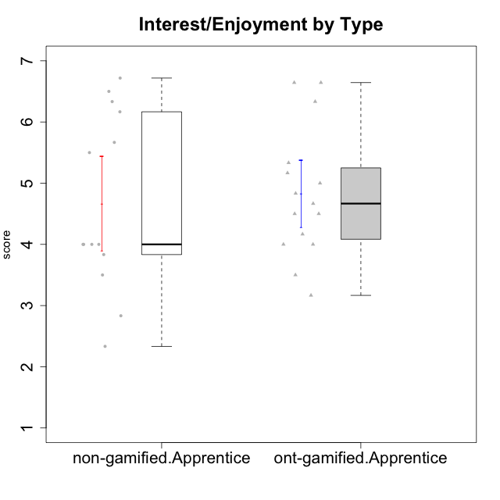

Student's t-Test data
UserID | NroUSP | Type | CLGroup | CLRole | PlayerRole | Interest/Enjoyment | Perceived Choice | Pressure/Tension | Effort/Importance | Intrinsic Motivation
10170 | 10260351 | ont-gamified | Grupo Afrodite | Apprentice | Yee Achiever | 5.1666666667 | 6.4 | 1 | 6 | 6.1416666667
10171 | 698531 | non-gamified | Grupo Team 6 | Apprentice |  | 5.6666666667 | 6 | 1.25 | 5.6666666667 | 6.0208333333
10176 | 10276949 | ont-gamified | Grupo Cronus | Apprentice | Yee Achiever | 4.1666666667 | 5.8 | 1.9913 | 4.6666666667 | 4.9708333333
10178 | 8656201 | ont-gamified | Grupo Morfeu | Apprentice | Yee Socializer | 5 | 5.8 | 1.9913 | 6 | 5.6375
10183 | 10352030 | ont-gamified | Grupo Hélio | Apprentice | Yee Socializer | 4 | 5.4 | 1.9913 | 5.6666666667 | 5.0791666667
10185 | 10276960 | non-gamified | Grupo Team 12 | Apprentice |  | 4 | 4.4 | 2.25 | 5 | 4.7875
10186 | 10310551 | ont-gamified | Grupo Ares | Apprentice | Yee Achiever | 4.6666666667 | 6.2 | 1.9913 | 7 | 5.7166666667
10187 | 9790781 | non-gamified | Grupo Team 15 | Apprentice |  | 6.7181 | 6 | 2.48695 | 6.6666666667 | 6.0416666667
10190 | 10276907 | ont-gamified | Grupo Zeus | Apprentice | Yee Socializer | 4.5 | 5.8 | 1.75 | 4.0232 | 5.1375
10192 | 10276682 | non-gamified | Grupo Team 5 | Apprentice |  | 6.1666666667 | 4.4 | 1 | 4.3333333333 | 5.475
10195 | 10351971 | ont-gamified | Grupo Urano | Apprentice | Yee Achiever | 5.3333333333 | 4.6 | 1 | 6 | 5.7333333333
10196 | 10310655 | ont-gamified | Grupo Hefesto | Apprentice | Yee Achiever | 4 | 4.2 | 1 | 6.3333333333 | 5.3833333333
10197 | 10276661 | ont-gamified | Grupo Gaia | Apprentice | Yee Achiever | 4.8333333333 | 6.8 | 1 | 5 | 5.9083333333
10198 | 10310888 | ont-gamified | Grupo Apolo | Apprentice | Yee Socializer | 6.6434666667 | 7 | 1 | 7 | 6.8989766667
10200 | 9795272 | ont-gamified | Grupo Hades | Apprentice | Yee Socializer | 6.3333333333 | 5.4 | 1 | 5 | 5.9333333333
10202 | 10277036 | non-gamified | Grupo Team 11 | Apprentice |  | 4 | 3.2 | 2.48695 | 7 | 4.175
10203 | 9921470 | non-gamified | Grupo Team 3 | Apprentice |  | 4 | 7 | 1.25 | 4.6666666667 | 5.6041666667
10208 | 10276932 | non-gamified | Grupo Team 7 | Apprentice |  | 6.3333333333 | 5.6 | 1.75 | 7 | 6.2958333333
10209 | 10262669 | ont-gamified | Grupo Artemis | Apprentice | Yee Achiever | 3.1666666667 | 4.02088 | 1 | 7 | 4.6416666667
10210 | 10277015 | non-gamified | Grupo Team 9 | Apprentice |  | 3.5 | 2.8 | 2.48695 | 6.6666666667 | 4.1791666667
10220 | 9760151 | non-gamified | Grupo Team 2 | Apprentice |  | 5.5 | 6.4 | 1 | 6 | 6.225
10221 | 9082496 | ont-gamified | Grupo Hermes | Apprentice | Yee Achiever | 4.5 | 5.4 | 1 | 6.3333333333 | 5.8083333333
10224 | 9368772 | non-gamified | Grupo Team 10 | Apprentice |  | 6.5 | 2.6 | 1.5 | 4.6666666667 | 5.0666666667
10227 | 9274382 | non-gamified | Grupo Team 4 | Apprentice |  | 2.8333333333 | 4.2 | 2.48695 | 4 | 3.8843566667
10228 | 10310492 | non-gamified | Grupo Team 14 | Apprentice |  | 4 | 4.8 | 2.25 | 6 | 5.1375
10231 | 10276911 | ont-gamified | Grupo Caronte | Apprentice | Yee Achiever | 6.6434666667 | 6.8 | 1 | 6.3333333333 | 6.7833333333
10233 | 9805320 | non-gamified | Grupo Team 16 | Apprentice |  | 2.3333333333 | 3.6 | 1.25 | 5 | 4.4208333333
10238 | 10276953 | non-gamified | Grupo Team 13 | Apprentice |  | 3.8333333333 | 3 | 2.48695 | 5.6666666667 | 4.0625
10240 | 10276654 | ont-gamified | Grupo Hera | Apprentice | Yee Achiever | 3.5 | 4.02088 | 1 | 4.6666666667 | 4.4564566667

Type_CLRole_3
Student's t-Test for Interest/Enjoyment by Type in Type:CLRole between non-gamified.Apprentice:ont-gamified.Master

Student's t-Test results
Alternative hypothesis: less
Group | N | Mean | Mean.Difference | Std.deviation | Std.error | CI.lower | CI.upper | df | t.value | p.value | g | magnitude
non-gamified.Apprentice | 14 | 4.6703404762 | -0.45188174603 | 1.4392950194 | 0.38466777436 | 3.9010049275 | 5.4396760249 | 22.716077351 | -0.98177329017 | 0.16827655089 | -0.35930243567 | small
ont-gamified.Master | 15 | 5.1222222222 | 0.45188174603 | 0.978877448 | 0.25274507027 | 4.6167320817 | 5.6277123628 | 22.716077351 | -0.98177329017 | 0.16827655089 | -0.35930243567 | small
Alternative hypothesis: greater
Group | N | Mean | Mean.Difference | Std.deviation | Std.error | CI.lower | CI.upper | df | t.value | p.value | g | magnitude
non-gamified.Apprentice | 14 | 4.6703404762 | -0.45188174603 | 1.4392950194 | 0.38466777436 | 3.9010049275 | 5.4396760249 | 22.716077351 | -0.98177329017 | 0.83172344911 | -0.35930243567 | small
ont-gamified.Master | 15 | 5.1222222222 | 0.45188174603 | 0.978877448 | 0.25274507027 | 4.6167320817 | 5.6277123628 | 22.716077351 | -0.98177329017 | 0.83172344911 | -0.35930243567 | small
Alternative hypothesis: two.sided
Group | N | Mean | Mean.Difference | Std.deviation | Std.error | CI.lower | CI.upper | df | t.value | p.value | g | magnitude
non-gamified.Apprentice | 14 | 4.6703404762 | -0.45188174603 | 1.4392950194 | 0.38466777436 | 3.9010049275 | 5.4396760249 | 22.716077351 | -0.98177329017 | 0.33655310179 | -0.35930243567 | small
ont-gamified.Master | 15 | 5.1222222222 | 0.45188174603 | 0.978877448 | 0.25274507027 | 4.6167320817 | 5.6277123628 | 22.716077351 | -0.98177329017 | 0.33655310179 | -0.35930243567 | small

Box plots for Student's t-Test
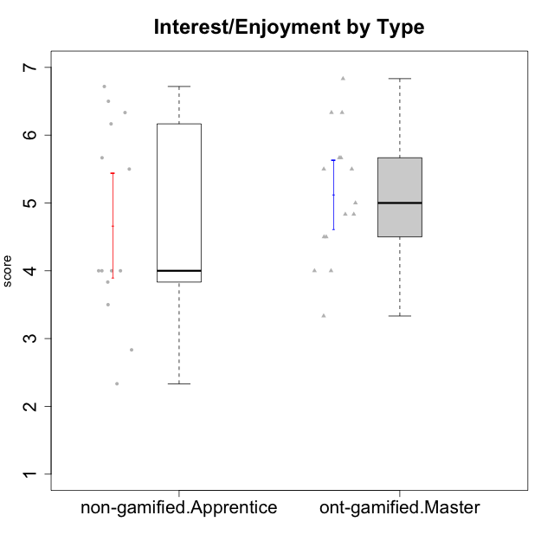

Student's t-Test data
UserID | NroUSP | Type | CLGroup | CLRole | PlayerRole | Interest/Enjoyment | Perceived Choice | Pressure/Tension | Effort/Importance | Intrinsic Motivation
10169 | 10377538 | ont-gamified | Grupo Hefesto | Master | Yee Achiever | 5.6666666667 | 4.8 | 1.9913 | 6 | 5.6166666667
10171 | 698531 | non-gamified | Grupo Team 6 | Apprentice |  | 5.6666666667 | 6 | 1.25 | 5.6666666667 | 6.0208333333
10174 | 10276852 | ont-gamified | Grupo Urano | Master | Yee Achiever | 4.8333333333 | 4.4 | 1.25 | 6.6666666667 | 5.6625
10175 | 10310700 | ont-gamified | Grupo Hélio | Master | Yee Socializer | 5.6666666667 | 7 | 1 | 5 | 6.1666666667
10184 | 10276675 | ont-gamified | Grupo Apolo | Master | Yee Socializer | 4.5 | 5.6 | 1.9913 | 6.6666666667 | 5.6291666667
10185 | 10276960 | non-gamified | Grupo Team 12 | Apprentice |  | 4 | 4.4 | 2.25 | 5 | 4.7875
10187 | 9790781 | non-gamified | Grupo Team 15 | Apprentice |  | 6.7181 | 6 | 2.48695 | 6.6666666667 | 6.0416666667
10189 | 9363926 | ont-gamified | Grupo Hades | Master | Yee Socializer | 4 | 5.2 | 1.9913 | 6.3333333333 | 5.0083333333
10192 | 10276682 | non-gamified | Grupo Team 5 | Apprentice |  | 6.1666666667 | 4.4 | 1 | 4.3333333333 | 5.475
10193 | 10276762 | ont-gamified | Grupo Afrodite | Master | Yee Achiever | 4.8333333333 | 4.4 | 1.25 | 4.6666666667 | 5.1625
10199 | 10276737 | ont-gamified | Grupo Gaia | Master | Yee Achiever | 4 | 7 | 1.9913 | 4.6666666667 | 5.2291666667
10201 | 10276928 | ont-gamified | Grupo Caronte | Master | Yee Achiever | 6.3333333333 | 5.8 | 1.9913 | 7 | 6.2833333333
10202 | 10277036 | non-gamified | Grupo Team 11 | Apprentice |  | 4 | 3.2 | 2.48695 | 7 | 4.175
10203 | 9921470 | non-gamified | Grupo Team 3 | Apprentice |  | 4 | 7 | 1.25 | 4.6666666667 | 5.6041666667
10204 | 10310471 | ont-gamified | Grupo Hermes | Master | Yee Achiever | 6.8333333333 | 6.2 | 1 | 6 | 6.5083333333
10206 | 10310721 | ont-gamified | Grupo Hera | Master | Yee Achiever | 4.5 | 6.6 | 1.9913 | 5.6666666667 | 5.3166666667
10208 | 10276932 | non-gamified | Grupo Team 7 | Apprentice |  | 6.3333333333 | 5.6 | 1.75 | 7 | 6.2958333333
10210 | 10277015 | non-gamified | Grupo Team 9 | Apprentice |  | 3.5 | 2.8 | 2.48695 | 6.6666666667 | 4.1791666667
10213 | 10277040 | ont-gamified | Grupo Morfeu | Master | Yee Socializer | 5.5 | 4.6 | 1 | 4.0232 | 5.1083333333
10215 | 9285227 | ont-gamified | Grupo Zeus | Master | Yee Socializer | 5 | 7 | 1 | 6 | 6.25
10218 | 9842913 | ont-gamified | Grupo Ares | Master | Yee Achiever | 3.3333333333 | 5.4 | 1.9913 | 6.3333333333 | 4.8916666667
10220 | 9760151 | non-gamified | Grupo Team 2 | Apprentice |  | 5.5 | 6.4 | 1 | 6 | 6.225
10223 | 9795185 | ont-gamified | Grupo Cronus | Master | Yee Achiever | 6.3333333333 | 6.4 | 1.25 | 5.3333333333 | 6.2041666667
10224 | 9368772 | non-gamified | Grupo Team 10 | Apprentice |  | 6.5 | 2.6 | 1.5 | 4.6666666667 | 5.0666666667
10227 | 9274382 | non-gamified | Grupo Team 4 | Apprentice |  | 2.8333333333 | 4.2 | 2.48695 | 4 | 3.8843566667
10228 | 10310492 | non-gamified | Grupo Team 14 | Apprentice |  | 4 | 4.8 | 2.25 | 6 | 5.1375
10232 | 10276974 | ont-gamified | Grupo Artemis | Master | Yee Achiever | 5.5 | 5.2 | 1.9913 | 6 | 5.425
10233 | 9805320 | non-gamified | Grupo Team 16 | Apprentice |  | 2.3333333333 | 3.6 | 1.25 | 5 | 4.4208333333
10238 | 10276953 | non-gamified | Grupo Team 13 | Apprentice |  | 3.8333333333 | 3 | 2.48695 | 5.6666666667 | 4.0625

Type_CLRole_4
Student's t-Test for Interest/Enjoyment by Type in Type:CLRole between non-gamified.Master:ont-gamified.Apprentice

Student's t-Test results
Alternative hypothesis: less
Group | N | Mean | Mean.Difference | Std.deviation | Std.error | CI.lower | CI.upper | df | t.value | p.value | g | magnitude
non-gamified.Master | 16 | 4.2153541667 | -0.61488583333 | 1.2122559959 | 0.30306399897 | 3.6092261687 | 4.8214821646 | 28.881703421 | -1.5036061189 | 0.071770066266 | -0.52401237222 | medium
ont-gamified.Apprentice | 15 | 4.83024 | 0.61488583333 | 1.0633773559 | 0.27456285269 | 4.2811142946 | 5.3793657054 | 28.881703421 | -1.5036061189 | 0.071770066266 | -0.52401237222 | medium
Alternative hypothesis: greater
Group | N | Mean | Mean.Difference | Std.deviation | Std.error | CI.lower | CI.upper | df | t.value | p.value | g | magnitude
non-gamified.Master | 16 | 4.2153541667 | -0.61488583333 | 1.2122559959 | 0.30306399897 | 3.6092261687 | 4.8214821646 | 28.881703421 | -1.5036061189 | 0.92822993373 | -0.52401237222 | medium
ont-gamified.Apprentice | 15 | 4.83024 | 0.61488583333 | 1.0633773559 | 0.27456285269 | 4.2811142946 | 5.3793657054 | 28.881703421 | -1.5036061189 | 0.92822993373 | -0.52401237222 | medium
Alternative hypothesis: two.sided
Group | N | Mean | Mean.Difference | Std.deviation | Std.error | CI.lower | CI.upper | df | t.value | p.value | g | magnitude
non-gamified.Master | 16 | 4.2153541667 | -0.61488583333 | 1.2122559959 | 0.30306399897 | 3.6092261687 | 4.8214821646 | 28.881703421 | -1.5036061189 | 0.14354013253 | -0.52401237222 | medium
ont-gamified.Apprentice | 15 | 4.83024 | 0.61488583333 | 1.0633773559 | 0.27456285269 | 4.2811142946 | 5.3793657054 | 28.881703421 | -1.5036061189 | 0.14354013253 | -0.52401237222 | medium

Box plots for Student's t-Test
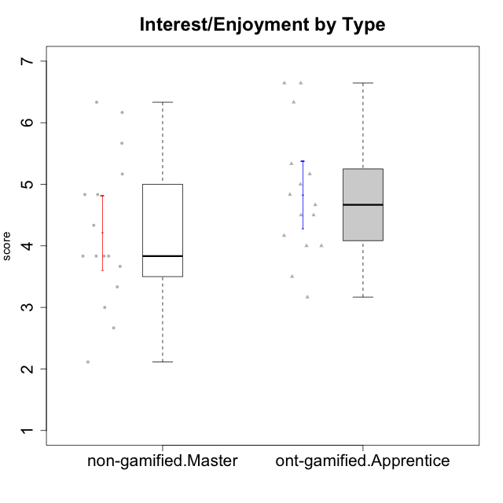

Student's t-Test data
UserID | NroUSP | Type | CLGroup | CLRole | PlayerRole | Interest/Enjoyment | Perceived Choice | Pressure/Tension | Effort/Importance | Intrinsic Motivation
10170 | 10260351 | ont-gamified | Grupo Afrodite | Apprentice | Yee Achiever | 5.1666666667 | 6.4 | 1 | 6 | 6.1416666667
10172 | 10273971 | non-gamified | Grupo Team 1 | Master |  | 5.1666666667 | 5.4 | 1 | 4 | 5.3916666667
10176 | 10276949 | ont-gamified | Grupo Cronus | Apprentice | Yee Achiever | 4.1666666667 | 5.8 | 1.9913 | 4.6666666667 | 4.9708333333
10178 | 8656201 | ont-gamified | Grupo Morfeu | Apprentice | Yee Socializer | 5 | 5.8 | 1.9913 | 6 | 5.6375
10179 | 10310759 | non-gamified | Grupo Team 9 | Master |  | 3.8333333333 | 3.2 | 2 | 6.6434666667 | 4.925
10181 | 10276866 | non-gamified | Grupo Team 10 | Master |  | 4.3333333333 | 6 | 1 | 6 | 5.8333333333
10183 | 10352030 | ont-gamified | Grupo Hélio | Apprentice | Yee Socializer | 4 | 5.4 | 1.9913 | 5.6666666667 | 5.0791666667
10186 | 10310551 | ont-gamified | Grupo Ares | Apprentice | Yee Achiever | 4.6666666667 | 6.2 | 1.9913 | 7 | 5.7166666667
10188 | 10276995 | non-gamified | Grupo Team 3 | Master |  | 3.8333333333 | 5 | 1.5 | 4.6666666667 | 5
10190 | 10276907 | ont-gamified | Grupo Zeus | Apprentice | Yee Socializer | 4.5 | 5.8 | 1.75 | 4.0232 | 5.1375
10191 | 10276981 | non-gamified | Grupo Team 6 | Master |  | 5.6666666667 | 5.2 | 1.25 | 4.3333333333 | 5.4875
10195 | 10351971 | ont-gamified | Grupo Urano | Apprentice | Yee Achiever | 5.3333333333 | 4.6 | 1 | 6 | 5.7333333333
10196 | 10310655 | ont-gamified | Grupo Hefesto | Apprentice | Yee Achiever | 4 | 4.2 | 1 | 6.3333333333 | 5.3833333333
10197 | 10276661 | ont-gamified | Grupo Gaia | Apprentice | Yee Achiever | 4.8333333333 | 6.8 | 1 | 5 | 5.9083333333
10198 | 10310888 | ont-gamified | Grupo Apolo | Apprentice | Yee Socializer | 6.6434666667 | 7 | 1 | 7 | 6.8989766667
10200 | 9795272 | ont-gamified | Grupo Hades | Apprentice | Yee Socializer | 6.3333333333 | 5.4 | 1 | 5 | 5.9333333333
10209 | 10262669 | ont-gamified | Grupo Artemis | Apprentice | Yee Achiever | 3.1666666667 | 4.02088 | 1 | 7 | 4.6416666667
10211 | 9311643 | non-gamified | Grupo Team 2 | Master |  | 6.1666666667 | 3 | 2 | 2.7014666667 | 4.4583333333
10212 | 9065750 | non-gamified | Grupo Team 4 | Master |  | 6.3333333333 | 6 | 2.48695 | 6 | 5.9583333333
10214 | 10277022 | non-gamified | Grupo Team 5 | Master |  | 3 | 3.8 | 2 | 4 | 4.2
10216 | 10276720 | non-gamified | Grupo Team 15 | Master |  | 4.8333333333 | 6.4 | 1.25 | 6.3333333333 | 6.0791666667
10217 | 9805341 | non-gamified | Grupo Team 13 | Master |  | 3.8333333333 | 6.8 | 1 | 5.6666666667 | 5.825
10219 | 10276831 | non-gamified | Grupo Team 12 | Master |  | 3.6666666667 | 4.6 | 1 | 4 | 4.8166666667
10221 | 9082496 | ont-gamified | Grupo Hermes | Apprentice | Yee Achiever | 4.5 | 5.4 | 1 | 6.3333333333 | 5.8083333333
10222 | 9436110 | non-gamified | Grupo Team 16 | Master |  | 2.1123333333 | 2.4348 | 2.48695 | 4.6666666667 | 3.8843566667
10226 | 10310342 | non-gamified | Grupo Team 8 | Master |  | 3.8333333333 | 3 | 1.5 | 6.6434666667 | 5
10230 | 10351992 | non-gamified | Grupo Team 14 | Master |  | 2.6666666667 | 5.4 | 2.48695 | 5 | 4.4541666667
10231 | 10276911 | ont-gamified | Grupo Caronte | Apprentice | Yee Achiever | 6.6434666667 | 6.8 | 1 | 6.3333333333 | 6.7833333333
10234 | 10310676 | non-gamified | Grupo Team 7 | Master |  | 3.3333333333 | 3.8 | 1.25 | 4 | 4.4708333333
10237 | 10377688 | non-gamified | Grupo Team 11 | Master |  | 4.8333333333 | 5.4 | 1 | 4.3333333333 | 5.3916666667
10240 | 10276654 | ont-gamified | Grupo Hera | Apprentice | Yee Achiever | 3.5 | 4.02088 | 1 | 4.6666666667 | 4.4564566667

Type_CLRole_5
Student's t-Test for Interest/Enjoyment by Type in Type:CLRole between non-gamified.Master:ont-gamified.Master

Student's t-Test results
Alternative hypothesis: less
Group | N | Mean | Mean.Difference | Std.deviation | Std.error | CI.lower | CI.upper | df | t.value | p.value | g | magnitude
non-gamified.Master | 16 | 4.2153541667 | -0.90686805556 | 1.2122559959 | 0.30306399897 | 3.6092261687 | 4.8214821646 | 28.401239219 | -2.2980578073 | 0.01456215709 | -0.79873815266 | medium
ont-gamified.Master | 15 | 5.1222222222 | 0.90686805556 | 0.978877448 | 0.25274507027 | 4.6167320817 | 5.6277123628 | 28.401239219 | -2.2980578073 | 0.01456215709 | -0.79873815266 | medium
Alternative hypothesis: greater
Group | N | Mean | Mean.Difference | Std.deviation | Std.error | CI.lower | CI.upper | df | t.value | p.value | g | magnitude
non-gamified.Master | 16 | 4.2153541667 | -0.90686805556 | 1.2122559959 | 0.30306399897 | 3.6092261687 | 4.8214821646 | 28.401239219 | -2.2980578073 | 0.98543784291 | -0.79873815266 | medium
ont-gamified.Master | 15 | 5.1222222222 | 0.90686805556 | 0.978877448 | 0.25274507027 | 4.6167320817 | 5.6277123628 | 28.401239219 | -2.2980578073 | 0.98543784291 | -0.79873815266 | medium
Alternative hypothesis: two.sided
Group | N | Mean | Mean.Difference | Std.deviation | Std.error | CI.lower | CI.upper | df | t.value | p.value | g | magnitude
non-gamified.Master | 16 | 4.2153541667 | -0.90686805556 | 1.2122559959 | 0.30306399897 | 3.6092261687 | 4.8214821646 | 28.401239219 | -2.2980578073 | 0.029124314179 | -0.79873815266 | medium
ont-gamified.Master | 15 | 5.1222222222 | 0.90686805556 | 0.978877448 | 0.25274507027 | 4.6167320817 | 5.6277123628 | 28.401239219 | -2.2980578073 | 0.029124314179 | -0.79873815266 | medium

Box plots for Student's t-Test


Student's t-Test data
UserID | NroUSP | Type | CLGroup | CLRole | PlayerRole | Interest/Enjoyment | Perceived Choice | Pressure/Tension | Effort/Importance | Intrinsic Motivation
10169 | 10377538 | ont-gamified | Grupo Hefesto | Master | Yee Achiever | 5.6666666667 | 4.8 | 1.9913 | 6 | 5.6166666667
10172 | 10273971 | non-gamified | Grupo Team 1 | Master |  | 5.1666666667 | 5.4 | 1 | 4 | 5.3916666667
10174 | 10276852 | ont-gamified | Grupo Urano | Master | Yee Achiever | 4.8333333333 | 4.4 | 1.25 | 6.6666666667 | 5.6625
10175 | 10310700 | ont-gamified | Grupo Hélio | Master | Yee Socializer | 5.6666666667 | 7 | 1 | 5 | 6.1666666667
10179 | 10310759 | non-gamified | Grupo Team 9 | Master |  | 3.8333333333 | 3.2 | 2 | 6.6434666667 | 4.925
10181 | 10276866 | non-gamified | Grupo Team 10 | Master |  | 4.3333333333 | 6 | 1 | 6 | 5.8333333333
10184 | 10276675 | ont-gamified | Grupo Apolo | Master | Yee Socializer | 4.5 | 5.6 | 1.9913 | 6.6666666667 | 5.6291666667
10188 | 10276995 | non-gamified | Grupo Team 3 | Master |  | 3.8333333333 | 5 | 1.5 | 4.6666666667 | 5
10189 | 9363926 | ont-gamified | Grupo Hades | Master | Yee Socializer | 4 | 5.2 | 1.9913 | 6.3333333333 | 5.0083333333
10191 | 10276981 | non-gamified | Grupo Team 6 | Master |  | 5.6666666667 | 5.2 | 1.25 | 4.3333333333 | 5.4875
10193 | 10276762 | ont-gamified | Grupo Afrodite | Master | Yee Achiever | 4.8333333333 | 4.4 | 1.25 | 4.6666666667 | 5.1625
10199 | 10276737 | ont-gamified | Grupo Gaia | Master | Yee Achiever | 4 | 7 | 1.9913 | 4.6666666667 | 5.2291666667
10201 | 10276928 | ont-gamified | Grupo Caronte | Master | Yee Achiever | 6.3333333333 | 5.8 | 1.9913 | 7 | 6.2833333333
10204 | 10310471 | ont-gamified | Grupo Hermes | Master | Yee Achiever | 6.8333333333 | 6.2 | 1 | 6 | 6.5083333333
10206 | 10310721 | ont-gamified | Grupo Hera | Master | Yee Achiever | 4.5 | 6.6 | 1.9913 | 5.6666666667 | 5.3166666667
10211 | 9311643 | non-gamified | Grupo Team 2 | Master |  | 6.1666666667 | 3 | 2 | 2.7014666667 | 4.4583333333
10212 | 9065750 | non-gamified | Grupo Team 4 | Master |  | 6.3333333333 | 6 | 2.48695 | 6 | 5.9583333333
10213 | 10277040 | ont-gamified | Grupo Morfeu | Master | Yee Socializer | 5.5 | 4.6 | 1 | 4.0232 | 5.1083333333
10214 | 10277022 | non-gamified | Grupo Team 5 | Master |  | 3 | 3.8 | 2 | 4 | 4.2
10215 | 9285227 | ont-gamified | Grupo Zeus | Master | Yee Socializer | 5 | 7 | 1 | 6 | 6.25
10216 | 10276720 | non-gamified | Grupo Team 15 | Master |  | 4.8333333333 | 6.4 | 1.25 | 6.3333333333 | 6.0791666667
10217 | 9805341 | non-gamified | Grupo Team 13 | Master |  | 3.8333333333 | 6.8 | 1 | 5.6666666667 | 5.825
10218 | 9842913 | ont-gamified | Grupo Ares | Master | Yee Achiever | 3.3333333333 | 5.4 | 1.9913 | 6.3333333333 | 4.8916666667
10219 | 10276831 | non-gamified | Grupo Team 12 | Master |  | 3.6666666667 | 4.6 | 1 | 4 | 4.8166666667
10222 | 9436110 | non-gamified | Grupo Team 16 | Master |  | 2.1123333333 | 2.4348 | 2.48695 | 4.6666666667 | 3.8843566667
10223 | 9795185 | ont-gamified | Grupo Cronus | Master | Yee Achiever | 6.3333333333 | 6.4 | 1.25 | 5.3333333333 | 6.2041666667
10226 | 10310342 | non-gamified | Grupo Team 8 | Master |  | 3.8333333333 | 3 | 1.5 | 6.6434666667 | 5
10230 | 10351992 | non-gamified | Grupo Team 14 | Master |  | 2.6666666667 | 5.4 | 2.48695 | 5 | 4.4541666667
10232 | 10276974 | ont-gamified | Grupo Artemis | Master | Yee Achiever | 5.5 | 5.2 | 1.9913 | 6 | 5.425
10234 | 10310676 | non-gamified | Grupo Team 7 | Master |  | 3.3333333333 | 3.8 | 1.25 | 4 | 4.4708333333
10237 | 10377688 | non-gamified | Grupo Team 11 | Master |  | 4.8333333333 | 5.4 | 1 | 4.3333333333 | 5.3916666667

Type_CLRole_6
Student's t-Test for Interest/Enjoyment by Type in Type:CLRole between ont-gamified.Apprentice:ont-gamified.Master

Student's t-Test results
Alternative hypothesis: less
Group | N | Mean | Mean.Difference | Std.deviation | Std.error | CI.lower | CI.upper | df | t.value | p.value | g | magnitude
ont-gamified.Apprentice | 15 | 4.83024 | -0.29198222222 | 1.0633773559 | 0.27456285269 | 4.2811142946 | 5.3793657054 | 27.810210938 | -0.78241232292 | 0.22029194094 | -0.27797505635 | small
ont-gamified.Master | 15 | 5.1222222222 | 0.29198222222 | 0.978877448 | 0.25274507027 | 4.6167320817 | 5.6277123628 | 27.810210938 | -0.78241232292 | 0.22029194094 | -0.27797505635 | small
Alternative hypothesis: greater
Group | N | Mean | Mean.Difference | Std.deviation | Std.error | CI.lower | CI.upper | df | t.value | p.value | g | magnitude
ont-gamified.Apprentice | 15 | 4.83024 | -0.29198222222 | 1.0633773559 | 0.27456285269 | 4.2811142946 | 5.3793657054 | 27.810210938 | -0.78241232292 | 0.77970805906 | -0.27797505635 | small
ont-gamified.Master | 15 | 5.1222222222 | 0.29198222222 | 0.978877448 | 0.25274507027 | 4.6167320817 | 5.6277123628 | 27.810210938 | -0.78241232292 | 0.77970805906 | -0.27797505635 | small
Alternative hypothesis: two.sided
Group | N | Mean | Mean.Difference | Std.deviation | Std.error | CI.lower | CI.upper | df | t.value | p.value | g | magnitude
ont-gamified.Apprentice | 15 | 4.83024 | -0.29198222222 | 1.0633773559 | 0.27456285269 | 4.2811142946 | 5.3793657054 | 27.810210938 | -0.78241232292 | 0.44058388188 | -0.27797505635 | small
ont-gamified.Master | 15 | 5.1222222222 | 0.29198222222 | 0.978877448 | 0.25274507027 | 4.6167320817 | 5.6277123628 | 27.810210938 | -0.78241232292 | 0.44058388188 | -0.27797505635 | small

Box plots for Student's t-Test


Student's t-Test data
UserID | NroUSP | Type | CLGroup | CLRole | PlayerRole | Interest/Enjoyment | Perceived Choice | Pressure/Tension | Effort/Importance | Intrinsic Motivation
10169 | 10377538 | ont-gamified | Grupo Hefesto | Master | Yee Achiever | 5.6666666667 | 4.8 | 1.9913 | 6 | 5.6166666667
10170 | 10260351 | ont-gamified | Grupo Afrodite | Apprentice | Yee Achiever | 5.1666666667 | 6.4 | 1 | 6 | 6.1416666667
10174 | 10276852 | ont-gamified | Grupo Urano | Master | Yee Achiever | 4.8333333333 | 4.4 | 1.25 | 6.6666666667 | 5.6625
10175 | 10310700 | ont-gamified | Grupo Hélio | Master | Yee Socializer | 5.6666666667 | 7 | 1 | 5 | 6.1666666667
10176 | 10276949 | ont-gamified | Grupo Cronus | Apprentice | Yee Achiever | 4.1666666667 | 5.8 | 1.9913 | 4.6666666667 | 4.9708333333
10178 | 8656201 | ont-gamified | Grupo Morfeu | Apprentice | Yee Socializer | 5 | 5.8 | 1.9913 | 6 | 5.6375
10183 | 10352030 | ont-gamified | Grupo Hélio | Apprentice | Yee Socializer | 4 | 5.4 | 1.9913 | 5.6666666667 | 5.0791666667
10184 | 10276675 | ont-gamified | Grupo Apolo | Master | Yee Socializer | 4.5 | 5.6 | 1.9913 | 6.6666666667 | 5.6291666667
10186 | 10310551 | ont-gamified | Grupo Ares | Apprentice | Yee Achiever | 4.6666666667 | 6.2 | 1.9913 | 7 | 5.7166666667
10189 | 9363926 | ont-gamified | Grupo Hades | Master | Yee Socializer | 4 | 5.2 | 1.9913 | 6.3333333333 | 5.0083333333
10190 | 10276907 | ont-gamified | Grupo Zeus | Apprentice | Yee Socializer | 4.5 | 5.8 | 1.75 | 4.0232 | 5.1375
10193 | 10276762 | ont-gamified | Grupo Afrodite | Master | Yee Achiever | 4.8333333333 | 4.4 | 1.25 | 4.6666666667 | 5.1625
10195 | 10351971 | ont-gamified | Grupo Urano | Apprentice | Yee Achiever | 5.3333333333 | 4.6 | 1 | 6 | 5.7333333333
10196 | 10310655 | ont-gamified | Grupo Hefesto | Apprentice | Yee Achiever | 4 | 4.2 | 1 | 6.3333333333 | 5.3833333333
10197 | 10276661 | ont-gamified | Grupo Gaia | Apprentice | Yee Achiever | 4.8333333333 | 6.8 | 1 | 5 | 5.9083333333
10198 | 10310888 | ont-gamified | Grupo Apolo | Apprentice | Yee Socializer | 6.6434666667 | 7 | 1 | 7 | 6.8989766667
10199 | 10276737 | ont-gamified | Grupo Gaia | Master | Yee Achiever | 4 | 7 | 1.9913 | 4.6666666667 | 5.2291666667
10200 | 9795272 | ont-gamified | Grupo Hades | Apprentice | Yee Socializer | 6.3333333333 | 5.4 | 1 | 5 | 5.9333333333
10201 | 10276928 | ont-gamified | Grupo Caronte | Master | Yee Achiever | 6.3333333333 | 5.8 | 1.9913 | 7 | 6.2833333333
10204 | 10310471 | ont-gamified | Grupo Hermes | Master | Yee Achiever | 6.8333333333 | 6.2 | 1 | 6 | 6.5083333333
10206 | 10310721 | ont-gamified | Grupo Hera | Master | Yee Achiever | 4.5 | 6.6 | 1.9913 | 5.6666666667 | 5.3166666667
10209 | 10262669 | ont-gamified | Grupo Artemis | Apprentice | Yee Achiever | 3.1666666667 | 4.02088 | 1 | 7 | 4.6416666667
10213 | 10277040 | ont-gamified | Grupo Morfeu | Master | Yee Socializer | 5.5 | 4.6 | 1 | 4.0232 | 5.1083333333
10215 | 9285227 | ont-gamified | Grupo Zeus | Master | Yee Socializer | 5 | 7 | 1 | 6 | 6.25
10218 | 9842913 | ont-gamified | Grupo Ares | Master | Yee Achiever | 3.3333333333 | 5.4 | 1.9913 | 6.3333333333 | 4.8916666667
10221 | 9082496 | ont-gamified | Grupo Hermes | Apprentice | Yee Achiever | 4.5 | 5.4 | 1 | 6.3333333333 | 5.8083333333
10223 | 9795185 | ont-gamified | Grupo Cronus | Master | Yee Achiever | 6.3333333333 | 6.4 | 1.25 | 5.3333333333 | 6.2041666667
10231 | 10276911 | ont-gamified | Grupo Caronte | Apprentice | Yee Achiever | 6.6434666667 | 6.8 | 1 | 6.3333333333 | 6.7833333333
10232 | 10276974 | ont-gamified | Grupo Artemis | Master | Yee Achiever | 5.5 | 5.2 | 1.9913 | 6 | 5.425
10240 | 10276654 | ont-gamified | Grupo Hera | Apprentice | Yee Achiever | 3.5 | 4.02088 | 1 | 4.6666666667 | 4.4564566667

