Assumptions
ANOVA assumptions for Value/Usefulness by AcademicDegree

Shapiro-Wilk normality test for Value/Usefulness by AcademicDegree
W | p.value
0.9542566736 | 0.27142516843

Plots for normality test
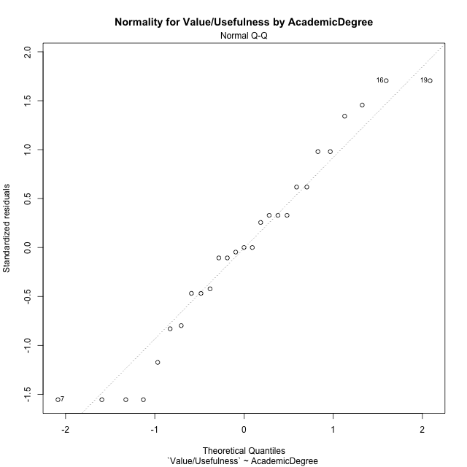

Levene's Test for Homogeneity of Variance in Value/Usefulness by AcademicDegree
Df | F value | Pr(>F)
2 | 3.3088339019 | 0.053810821204
24

Plots for homogeneity of variance
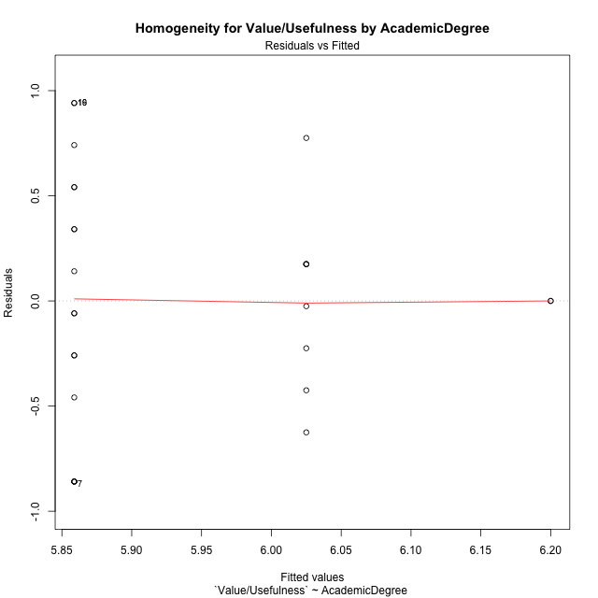

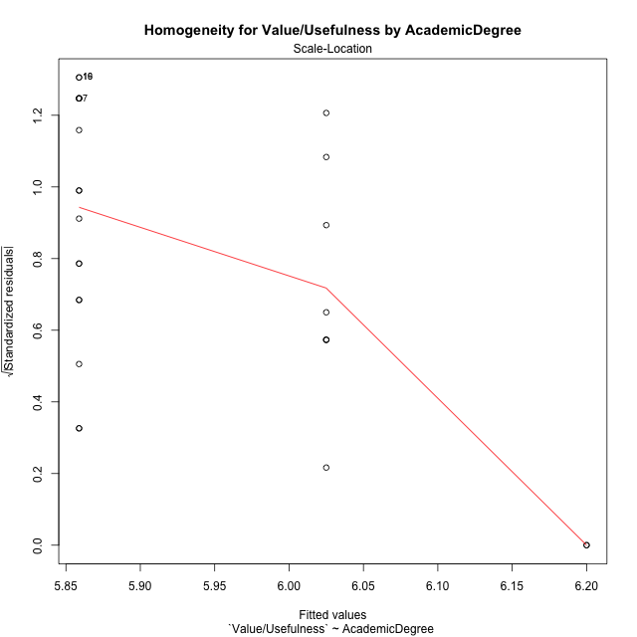

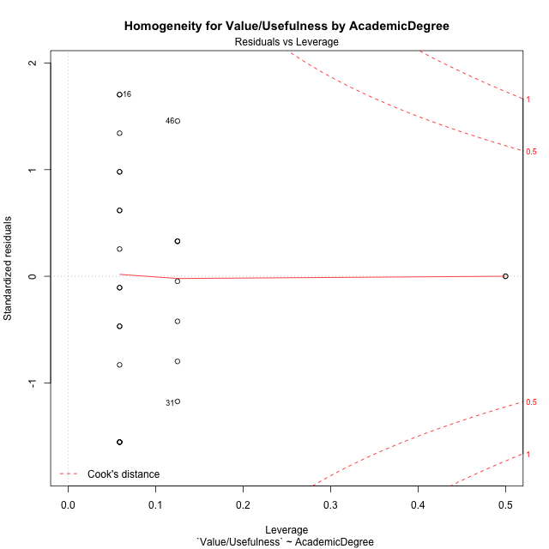

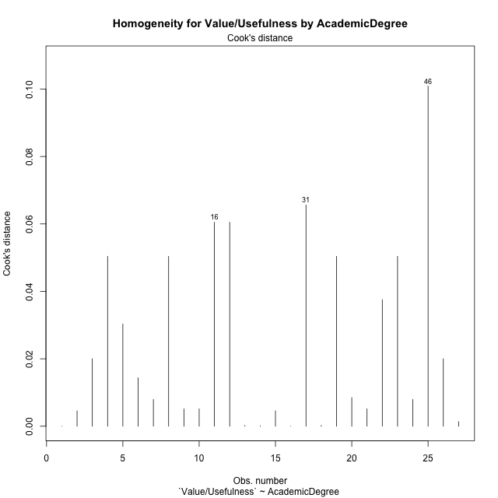

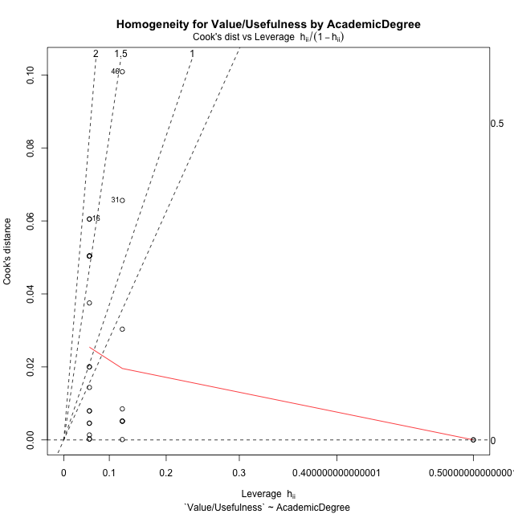

Minimum Sample Size Test for Value/Usefulness by AcademicDegree
AcademicDegree | Freq
basic-school | 8
postgraduate | 2
undergraduate | 17

Errors and Warnings in Sample Size Test for ANOVA in Value/Usefulness by AcademicDegree
code | description
WARN: sample.size | current size is 8 and recommended size is 15 for the group: 'basic-school'.
FAIL: min.size | current size is 2 but the minimal recomended size is 5 for the group: 'postgraduate'.

For the group: 'basic-school', we recommend the use of non-parametric test. For the group: 'postgraduate', we recommend the use of non-parametric test. For the group: 'undergraduate', you can perform a parametric test without having a normal distribution

Post-hoc
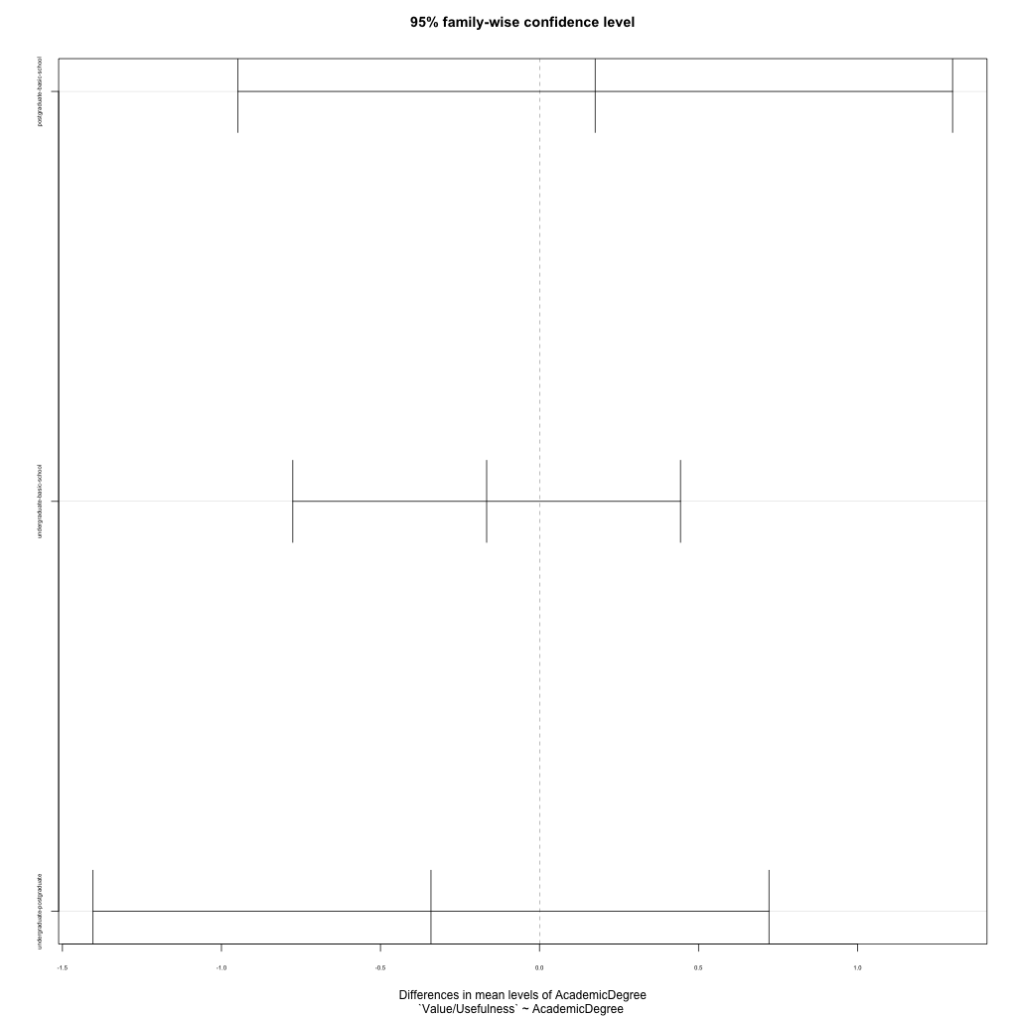
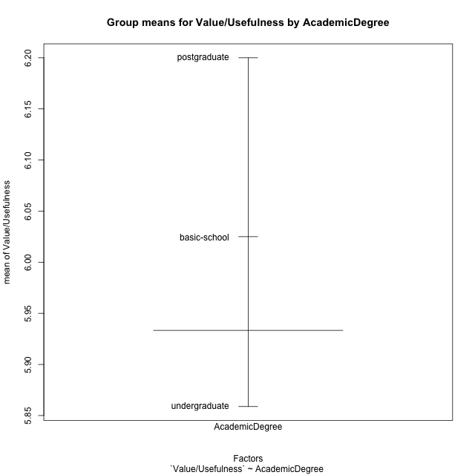
Post-hoc Tukey Honestly Significant Difference (HSD) Test for Value/Usefulness by AcademicDegree

Comparisons of means for AcademicDegree
 | diff | lwr | upr | p adj
postgraduate-basic-school | 0.175 | -0.94879195548 | 1.2987919555 | 0.92029467865
undergraduate-basic-school | -0.16617647059 | -0.77563822907 | 0.4432852879 | 0.77671911699
undergraduate-postgraduate | -0.34117647059 | -1.4038093567 | 0.72145641549 | 0.70552298375

Contrast Matrices for Value/Usefulness by AcademicDegree - AcademicDegree
contrast | estimate | SE | df | t.ratio | p.value
basic-school - postgraduate | -0.175 | 0.45000510618 | 24 | -0.38888447619 | 0.92029467865
basic-school - undergraduate | 0.16617647059 | 0.24404953426 | 24 | 0.68091287734 | 0.77671911699
postgraduate - undergraduate | 0.34117647059 | 0.42551490282 | 24 | 0.8017967604 | 0.70552298375

Least Squares Means and Confidence Intervals for AcademicDegree
AcademicDegree | lsmean | SE | df | lower.CL | upper.CL | Pairs
basic-school | 6.025 | 0.20124840153 | 24 | 5.6096437136 | 6.4403562864 | basic-school
postgraduate | 6.2 | 0.40249680306 | 24 | 5.3692874271 | 7.0307125729 | postgraduate
undergraduate | 5.8588235294 | 0.1380552645 | 24 | 5.5738914676 | 6.1437555912 | undergraduate

Plots

AcademicDegree_1
Student's t-Test for Value/Usefulness by AcademicDegree in AcademicDegree between basic-school:postgraduate

Student's t-Test results
Alternative hypothesis: less
Group | N | Mean | Mean.Difference | Std.deviation | Std.error | CI.lower | CI.upper | df | t.value | p.value | g | magnitude
basic-school | 8 | 6.025 | -0.175 | 0.43342489875 | 0.15323884252 | 5.718522315 | 6.331477685 | 7 | -1.142008104 | 0.14550254077 | -0.3898670243 | small
postgraduate | 2 | 6.2 | 0.175 | 0 | 0 | 6.2 | 6.2 | 7 | -1.142008104 | 0.14550254077 | -0.3898670243 | small
Alternative hypothesis: greater
Group | N | Mean | Mean.Difference | Std.deviation | Std.error | CI.lower | CI.upper | df | t.value | p.value | g | magnitude
basic-school | 8 | 6.025 | -0.175 | 0.43342489875 | 0.15323884252 | 5.718522315 | 6.331477685 | 7 | -1.142008104 | 0.85449745923 | -0.3898670243 | small
postgraduate | 2 | 6.2 | 0.175 | 0 | 0 | 6.2 | 6.2 | 7 | -1.142008104 | 0.85449745923 | -0.3898670243 | small
Alternative hypothesis: two.sided
Group | N | Mean | Mean.Difference | Std.deviation | Std.error | CI.lower | CI.upper | df | t.value | p.value | g | magnitude
basic-school | 8 | 6.025 | -0.175 | 0.43342489875 | 0.15323884252 | 5.718522315 | 6.331477685 | 7 | -1.142008104 | 0.29100508154 | -0.3898670243 | small
postgraduate | 2 | 6.2 | 0.175 | 0 | 0 | 6.2 | 6.2 | 7 | -1.142008104 | 0.29100508154 | -0.3898670243 | small

Box plots for Student's t-Test
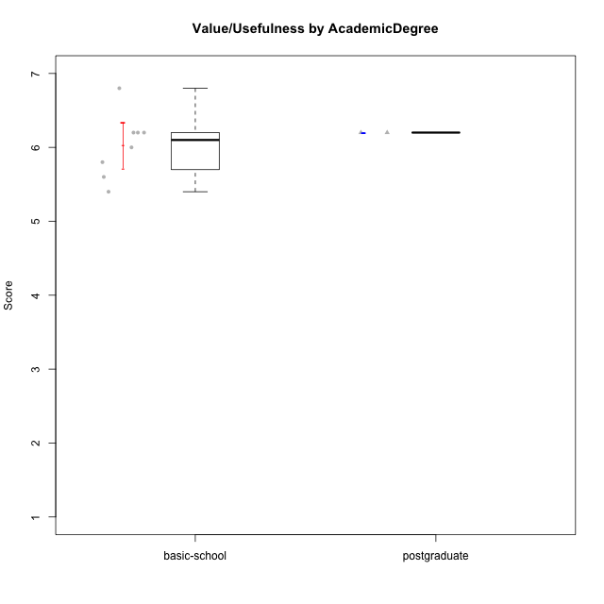

Student's t-Test data
UserID | Age | Sex | AcademicDegree | KnownDomainContent | LikeDomainContent | LikeActionGames | LikeAdventureGames | LikeFightingGames | LikeFictionGames | LikePlatformerGames | LikePuzzleGames | LikeRacingGames | LikeMusicalGames | LikeMMORPGGames | LikeShooterGames | LikeSimulationGames | LikeSportsGames | LikeStrategyGames | LikeNovelGames | SpendTime | Item33PC2 | Item28PC2 | Item25PC2 | Item34PC2 | Item37PC2 | Item30PC2 | Item29VU | Item26VU | Item31VU | Item36VU | Item35VU | Item24IE | Item08IE | Item21IE | Item09IE | Item12IE | Item11IE | Item05PC1 | Item13PC1 | Item18PC1 | Item03PC1 | Perceived Competence | Value/Usefulness | Interest/Enjoyment | Perceived Choice | Intrinsic Motivation
1 | adulthood | male | postgraduate | yes | yes | no | no | yes | no | no | no | no | no | yes | no | no | no | yes | yes | 23 | 7 | 6 | 7 | 1 | 6 | 7 | 7 | 6 | 6 | 6 | 6 | 7 | 6 | 7 | 7 | 6 | 5 | 2 | 2 | 3 | 5 | 6.6666666667 | 6.2 | 6.3333333333 | 5 | 6.1428571429
8 | emerging-adulthood | male | basic-school | yes | no | yes | yes | yes | yes | yes | yes | no | yes | yes | yes | yes | no | yes | yes | 30 | 4 | 5 | 5 | 1 | 4 | 4 | 5 | 7 | 5 | 6 | 5 | 4 | 4 | 4 | 4 | 3 | 6 | 1 | 1 | 1 | 2 | 4.8333333333 | 5.6 | 4.1666666667 | 6.75 | 5.1904761905
14 | adolescence | male | basic-school | no | no | yes | no | yes | no | no | no | no | no | no | yes | no | yes | yes | no | 4000 | 1 | 1 | 1 | 7 | 1 | 2 | 6 | 7 | 6 | 6 | 6 | 6 | 6 | 7 | 1 | 6 | 6 | 1 | 1 | 1 | 1 | 1.1666666667 | 6.2 | 5.3333333333 | 7 | 4.6666666667
15 | adolescence | male | basic-school | no | no | yes | yes | no | no | no | yes | yes | no | no | yes | no | no | yes | no | 5 | 4 | 2 | 1 | 3 | 4 | 7 | 6 | 7 | 6 | 6 | 6 | 1 | 3 | 3 | 2 | 1 | 1 | 2 | 4 | 3 | 7 | 3.8333333333 | 6.2 | 1.8333333333 | 4 | 3.8571428571
24 | adolescence | male | basic-school | yes | yes | yes | yes | no | no | no | yes | no | no | yes | no | yes | no | yes | no | 3 | 1 | 1 | 2 | 4 | 3 | 1 | 6 | 7 | 4 | 7 | 6 | 7 | 7 | 3 | 3 | 5 | 1 | 7 | 7 | 7 | 7 | 2 | 6 | 4.3333333333 | 1 | 3.4285714286
30 | adulthood | female | postgraduate | yes | yes | no | no | no | no | no | yes | no | no | no | no | no | no | no | no | 30 | 4 | 5 | 4 | 3 | 5 | 4 | 6 | 7 | 6 | 6 | 6 | 5 | 6 | 6 | 6 | 7 | 7 | 1 | 1 | 1 | 1 | 4.5 | 6.2 | 6.1666666667 | 7 | 5.8571428571
31 | emerging-adulthood | male | basic-school | no | yes | no | no | no | no | no | no | no | no | no | no | no | no | yes | no | 4 | 2 | 1 | 2 | 4 | 3 | 1 | 6 | 5 | 5 | 6 | 5 | 3 | 3 | 2 | 2 | 2 | 3 | 5 | 6 | 2 | 7 | 2.1666666667 | 5.4 | 2.5 | 3 | 3.1904761905
38 | emerging-adulthood | female | basic-school | yes | yes | yes | yes | yes | yes | no | no | no | no | yes | no | no | no | yes | no | 27 | 2 | 5 | 3 | 3 | 5 | 1 | 6 | 6 | 5 | 6 | 6 | 7 | 7 | 6 | 7 | 6 | 4 | 1 | 1 | 1 | 1 | 3.5 | 5.8 | 6.1666666667 | 7 | 5.4761904762
39 | emerging-adulthood | female | basic-school | yes | yes | yes | yes | no | yes | no | yes | no | yes | no | no | no | no | yes | no | 25 | 4 | 4 | 5 | 1 | 4 | 4 | 7 | 5 | 7 | 5 | 7 | 4 | 4 | 3 | 3 | 3 | 5 | 7 | 6 | 4 | 7 | 4.6666666667 | 6.2 | 3.6666666667 | 2 | 4.2380952381
46 | emerging-adulthood | male | basic-school | yes | yes | yes | yes | yes | no | no | no | yes | no | yes | yes | no | no | yes | no | 12 | 6 | 5 | 6 | 1 | 6 | 5 | 7 | 6 | 7 | 7 | 7 | 7 | 6 | 5 | 6 | 5 | 6 | 1 | 1 | 1 | 1 | 5.8333333333 | 6.8 | 5.8333333333 | 7 | 6.2857142857

AcademicDegree_2
Student's t-Test for Value/Usefulness by AcademicDegree in AcademicDegree between basic-school:undergraduate

Student's t-Test results
Alternative hypothesis: less
Group | N | Mean | Mean.Difference | Std.deviation | Std.error | CI.lower | CI.upper | df | t.value | p.value | g | magnitude
basic-school | 8 | 6.025 | 0.16617647059 | 0.43342489875 | 0.15323884252 | 5.718522315 | 6.331477685 | 19.56584319 | 0.76459388768 | 0.77318151556 | 0.27637049393 | small
undergraduate | 17 | 5.8588235294 | -0.16617647059 | 0.63547110824 | 0.15412438243 | 5.5505747646 | 6.1670722943 | 19.56584319 | 0.76459388768 | 0.77318151556 | 0.27637049393 | small
Alternative hypothesis: greater
Group | N | Mean | Mean.Difference | Std.deviation | Std.error | CI.lower | CI.upper | df | t.value | p.value | g | magnitude
basic-school | 8 | 6.025 | 0.16617647059 | 0.43342489875 | 0.15323884252 | 5.718522315 | 6.331477685 | 19.56584319 | 0.76459388768 | 0.22681848444 | 0.27637049393 | small
undergraduate | 17 | 5.8588235294 | -0.16617647059 | 0.63547110824 | 0.15412438243 | 5.5505747646 | 6.1670722943 | 19.56584319 | 0.76459388768 | 0.22681848444 | 0.27637049393 | small
Alternative hypothesis: two.sided
Group | N | Mean | Mean.Difference | Std.deviation | Std.error | CI.lower | CI.upper | df | t.value | p.value | g | magnitude
basic-school | 8 | 6.025 | 0.16617647059 | 0.43342489875 | 0.15323884252 | 5.718522315 | 6.331477685 | 19.56584319 | 0.76459388768 | 0.45363696888 | 0.27637049393 | small
undergraduate | 17 | 5.8588235294 | -0.16617647059 | 0.63547110824 | 0.15412438243 | 5.5505747646 | 6.1670722943 | 19.56584319 | 0.76459388768 | 0.45363696888 | 0.27637049393 | small

Box plots for Student's t-Test
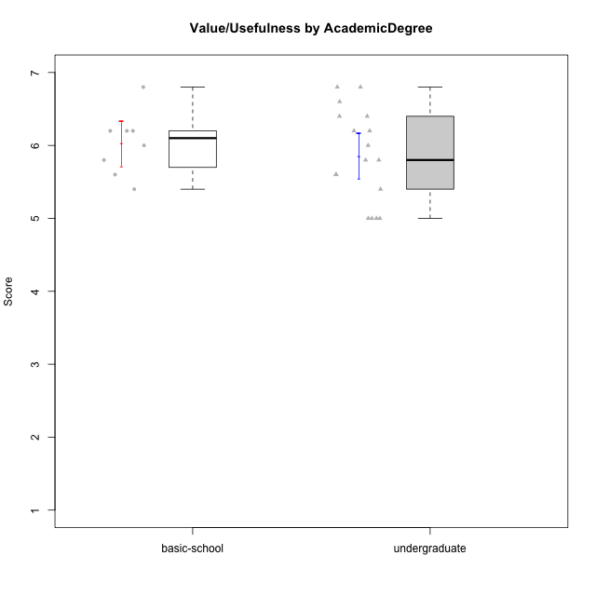

Student's t-Test data
UserID | Age | Sex | AcademicDegree | KnownDomainContent | LikeDomainContent | LikeActionGames | LikeAdventureGames | LikeFightingGames | LikeFictionGames | LikePlatformerGames | LikePuzzleGames | LikeRacingGames | LikeMusicalGames | LikeMMORPGGames | LikeShooterGames | LikeSimulationGames | LikeSportsGames | LikeStrategyGames | LikeNovelGames | SpendTime | Item33PC2 | Item28PC2 | Item25PC2 | Item34PC2 | Item37PC2 | Item30PC2 | Item29VU | Item26VU | Item31VU | Item36VU | Item35VU | Item24IE | Item08IE | Item21IE | Item09IE | Item12IE | Item11IE | Item05PC1 | Item13PC1 | Item18PC1 | Item03PC1 | Perceived Competence | Value/Usefulness | Interest/Enjoyment | Perceived Choice | Intrinsic Motivation
4 | emerging-adulthood | female | undergraduate | no | no | yes | yes | yes | yes | yes | no | yes | no | yes | no | yes | no | yes | yes | 29 | 5 | 7 | 6 | 1 | 6 | 4 | 5 | 4 | 7 | 7 | 5 | 7 | 7 | 7 | 7 | 5 | 5 | 1 | 2 | 1 | 4 | 5.8333333333 | 5.6 | 6.3333333333 | 6 | 5.9523809524
6 | emerging-adulthood | male | undergraduate | yes | no | no | no | no | no | no | yes | no | no | yes | no | no | no | yes | no | 15 | 4 | 4 | 3 | 2 | 7 | 3 | 7 | 7 | 5 | 7 | 6 | 5 | 7 | 6 | 7 | 4 | 4 | 1 | 1 | 1 | 1 | 4.5 | 6.4 | 5.5 | 7 | 5.7142857143
7 | emerging-adulthood | male | undergraduate | no | no | no | no | yes | no | no | no | yes | no | yes | yes | no | yes | yes | no | 40 | 6 | 7 | 6 | 1 | 4 | 4 | 6 | 6 | 6 | 5 | 2 | 2 | 5 | 3 | 5 | 3 | 6 | 1 | 1 | 1 | 1 | 5.6666666667 | 5 | 4 | 7 | 5.2857142857
8 | emerging-adulthood | male | basic-school | yes | no | yes | yes | yes | yes | yes | yes | no | yes | yes | yes | yes | no | yes | yes | 30 | 4 | 5 | 5 | 1 | 4 | 4 | 5 | 7 | 5 | 6 | 5 | 4 | 4 | 4 | 4 | 3 | 6 | 1 | 1 | 1 | 2 | 4.8333333333 | 5.6 | 4.1666666667 | 6.75 | 5.1904761905
9 | emerging-adulthood | male | undergraduate | no | no | no | yes | no | yes | yes | no | yes | no | no | yes | no | no | yes | yes | 20 | 5 | 5 | 4 | 4 | 4 | 4 | 6 | 5 | 6 | 5 | 5 | 1 | 2 | 2 | 1 | 1 | 2 | 1 | 3 | 3 | 7 | 4.3333333333 | 5.4 | 1.5 | 4.5 | 3.8095238095
11 | emerging-adulthood | female | undergraduate | yes | no | no | no | no | yes | no | yes | no | yes | no | no | no | no | yes | yes | 35 | 6 | 7 | 6 | 1 | 7 | 4 | 6 | 6 | 6 | 7 | 6 | 6 | 5 | 6 | 6 | 6 | 6 | 1 | 1 | 1 | 1 | 6.1666666667 | 6.2 | 5.8333333333 | 7 | 6.2380952381
13 | adulthood | male | undergraduate | no | no | yes | yes | no | no | no | yes | yes | yes | no | yes | yes | yes | yes | no | 20 | 4 | 4 | 3 | 3 | 3 | 3 | 5 | 5 | 5 | 5 | 5 | 3 | 2 | 4 | 2 | 3 | 1 | 2 | 2 | 4 | 6 | 3.6666666667 | 5 | 2.5 | 4.5 | 3.8095238095
14 | adolescence | male | basic-school | no | no | yes | no | yes | no | no | no | no | no | no | yes | no | yes | yes | no | 4000 | 1 | 1 | 1 | 7 | 1 | 2 | 6 | 7 | 6 | 6 | 6 | 6 | 6 | 7 | 1 | 6 | 6 | 1 | 1 | 1 | 1 | 1.1666666667 | 6.2 | 5.3333333333 | 7 | 4.6666666667
15 | adolescence | male | basic-school | no | no | yes | yes | no | no | no | yes | yes | no | no | yes | no | no | yes | no | 5 | 4 | 2 | 1 | 3 | 4 | 7 | 6 | 7 | 6 | 6 | 6 | 1 | 3 | 3 | 2 | 1 | 1 | 2 | 4 | 3 | 7 | 3.8333333333 | 6.2 | 1.8333333333 | 4 | 3.8571428571
16 | emerging-adulthood | male | undergraduate | no | yes | no | yes | yes | yes | yes | yes | no | no | yes | no | yes | no | yes | yes | 25 | 6 | 5 | 6 | 2 | 6 | 4 | 7 | 7 | 7 | 7 | 6 | 7 | 6 | 6 | 7 | 6 | 2 | 1 | 1 | 1 | 1 | 5.5 | 6.8 | 5.6666666667 | 7 | 6.1428571429
19 | emerging-adulthood | male | undergraduate | no | no | no | no | no | no | no | no | no | no | yes | no | no | no | no | no | 11 | 2 | 3 | 4 | 7 | 4 | 2 | 7 | 7 | 6 | 7 | 7 | 4 | 7 | 7 | 7 | 4 | 7 | 1 | 1 | 1 | 1 | 2.6666666667 | 6.8 | 6 | 7 | 5.4285714286
22 | emerging-adulthood | male | undergraduate | yes | yes | yes | yes | yes | yes | yes | yes | no | no | yes | no | yes | no | yes | no | 40 | 6 | 7 | 6 | 1 | 6 | 4 | 5 | 7 | 6 | 5 | 6 | 5 | 6 | 5 | 5 | 4 | 4 | 1 | 2 | 1 | 1 | 6 | 5.8 | 4.8333333333 | 6.75 | 5.7619047619
24 | adolescence | male | basic-school | yes | yes | yes | yes | no | no | no | yes | no | no | yes | no | yes | no | yes | no | 3 | 1 | 1 | 2 | 4 | 3 | 1 | 6 | 7 | 4 | 7 | 6 | 7 | 7 | 3 | 3 | 5 | 1 | 7 | 7 | 7 | 7 | 2 | 6 | 4.3333333333 | 1 | 3.4285714286
28 | emerging-adulthood | female | undergraduate | no | no | no | no | no | no | no | yes | no | yes | no | no | no | no | no | no | 20 | 4 | 4 | 1 | 5 | 5 | 5 | 7 | 7 | 4 | 5 | 5 | 1 | 2 | 2 | 2 | 1 | 1 | 1 | 1 | 1 | 1 | 3.6666666667 | 5.6 | 1.5 | 7 | 4.1428571429
31 | emerging-adulthood | male | basic-school | no | yes | no | no | no | no | no | no | no | no | no | no | no | no | yes | no | 4 | 2 | 1 | 2 | 4 | 3 | 1 | 6 | 5 | 5 | 6 | 5 | 3 | 3 | 2 | 2 | 2 | 3 | 5 | 6 | 2 | 7 | 2.1666666667 | 5.4 | 2.5 | 3 | 3.1904761905
34 | emerging-adulthood | male | undergraduate | no | yes | no | yes | no | no | yes | yes | no | no | yes | yes | no | no | yes | yes | 24 | 6 | 6 | 6 | 1 | 7 | 4 | 5 | 7 | 6 | 6 | 5 | 6 | 6 | 5 | 5 | 6 | 4 | 1 | 1 | 1 | 1 | 6 | 5.8 | 5.3333333333 | 7 | 5.9523809524
36 | adulthood | male | undergraduate | yes | no | no | yes | no | yes | no | yes | no | no | yes | no | no | no | yes | no | 25 | 7 | 7 | 7 | 1 | 7 | 7 | 5 | 5 | 5 | 5 | 5 | 6 | 5 | 6 | 6 | 6 | 6 | 1 | 1 | 1 | 1 | 7 | 5 | 5.8333333333 | 7 | 6.1904761905
38 | emerging-adulthood | female | basic-school | yes | yes | yes | yes | yes | yes | no | no | no | no | yes | no | no | no | yes | no | 27 | 2 | 5 | 3 | 3 | 5 | 1 | 6 | 6 | 5 | 6 | 6 | 7 | 7 | 6 | 7 | 6 | 4 | 1 | 1 | 1 | 1 | 3.5 | 5.8 | 6.1666666667 | 7 | 5.4761904762
39 | emerging-adulthood | female | basic-school | yes | yes | yes | yes | no | yes | no | yes | no | yes | no | no | no | no | yes | no | 25 | 4 | 4 | 5 | 1 | 4 | 4 | 7 | 5 | 7 | 5 | 7 | 4 | 4 | 3 | 3 | 3 | 5 | 7 | 6 | 4 | 7 | 4.6666666667 | 6.2 | 3.6666666667 | 2 | 4.2380952381
40 | adolescence | male | undergraduate | no | yes | yes | yes | no | yes | yes | yes | no | no | yes | yes | yes | no | yes | no | 20 | 7 | 7 | 6 | 1 | 7 | 5 | 7 | 6 | 6 | 7 | 7 | 5 | 5 | 5 | 5 | 7 | 5 | 1 | 1 | 1 | 1 | 6.5 | 6.6 | 5.3333333333 | 7 | 6.2857142857
41 | emerging-adulthood | male | undergraduate | no | no | yes | yes | yes | yes | no | no | no | yes | yes | yes | no | no | yes | no | 33 | 5 | 4 | 4 | 3 | 5 | 3 | 5 | 6 | 5 | 4 | 5 | 5 | 4 | 5 | 5 | 6 | 3 | 1 | 1 | 3 | 1 | 4.3333333333 | 5 | 4.6666666667 | 6.5 | 5
43 | adolescence | male | undergraduate | no | yes | yes | yes | no | no | yes | no | no | no | yes | yes | no | yes | yes | no | 15 | 5 | 6 | 6 | 3 | 7 | 6 | 6 | 7 | 6 | 6 | 6 | 7 | 6 | 7 | 6 | 7 | 7 | 1 | 1 | 1 | 1 | 5.8333333333 | 6.2 | 6.6666666667 | 7 | 6.380952381
46 | emerging-adulthood | male | basic-school | yes | yes | yes | yes | yes | no | no | no | yes | no | yes | yes | no | no | yes | no | 12 | 6 | 5 | 6 | 1 | 6 | 5 | 7 | 6 | 7 | 7 | 7 | 7 | 6 | 5 | 6 | 5 | 6 | 1 | 1 | 1 | 1 | 5.8333333333 | 6.8 | 5.8333333333 | 7 | 6.2857142857
48 | emerging-adulthood | female | undergraduate | yes | yes | yes | yes | yes | no | yes | yes | yes | yes | yes | no | yes | yes | yes | no | 7 | 7 | 7 | 7 | 1 | 7 | 4 | 7 | 7 | 6 | 5 | 7 | 7 | 3 | 6 | 7 | 7 | 3 | 1 | 1 | 1 | 1 | 6.5 | 6.4 | 5.5 | 7 | 6.2857142857
50 | emerging-adulthood | male | undergraduate | yes | yes | yes | yes | no | no | yes | yes | yes | yes | no | no | no | no | yes | no | 40 | 6 | 6 | 6 | 2 | 7 | 4 | 6 | 5 | 7 | 6 | 6 | 6 | 5 | 6 | 5 | 7 | 7 | 1 | 1 | 1 | 1 | 5.8333333333 | 6 | 6 | 7 | 6.1428571429

AcademicDegree_3
Student's t-Test for Value/Usefulness by AcademicDegree in AcademicDegree between postgraduate:undergraduate

Student's t-Test results
Alternative hypothesis: less
Group | N | Mean | Mean.Difference | Std.deviation | Std.error | CI.lower | CI.upper | df | t.value | p.value | g | magnitude
postgraduate | 2 | 6.2 | 0.34117647059 | 0 | 0 | 6.2 | 6.2 | 16 | 2.2136437156 | 0.97913673612 | 0.52863133507 | medium
undergraduate | 17 | 5.8588235294 | -0.34117647059 | 0.63547110824 | 0.15412438243 | 5.5505747646 | 6.1670722943 | 16 | 2.2136437156 | 0.97913673612 | 0.52863133507 | medium
Alternative hypothesis: greater
Group | N | Mean | Mean.Difference | Std.deviation | Std.error | CI.lower | CI.upper | df | t.value | p.value | g | magnitude
postgraduate | 2 | 6.2 | 0.34117647059 | 0 | 0 | 6.2 | 6.2 | 16 | 2.2136437156 | 0.020863263883 | 0.52863133507 | medium
undergraduate | 17 | 5.8588235294 | -0.34117647059 | 0.63547110824 | 0.15412438243 | 5.5505747646 | 6.1670722943 | 16 | 2.2136437156 | 0.020863263883 | 0.52863133507 | medium
Alternative hypothesis: two.sided
Group | N | Mean | Mean.Difference | Std.deviation | Std.error | CI.lower | CI.upper | df | t.value | p.value | g | magnitude
postgraduate | 2 | 6.2 | 0.34117647059 | 0 | 0 | 6.2 | 6.2 | 16 | 2.2136437156 | 0.041726527766 | 0.52863133507 | medium
undergraduate | 17 | 5.8588235294 | -0.34117647059 | 0.63547110824 | 0.15412438243 | 5.5505747646 | 6.1670722943 | 16 | 2.2136437156 | 0.041726527766 | 0.52863133507 | medium

Box plots for Student's t-Test
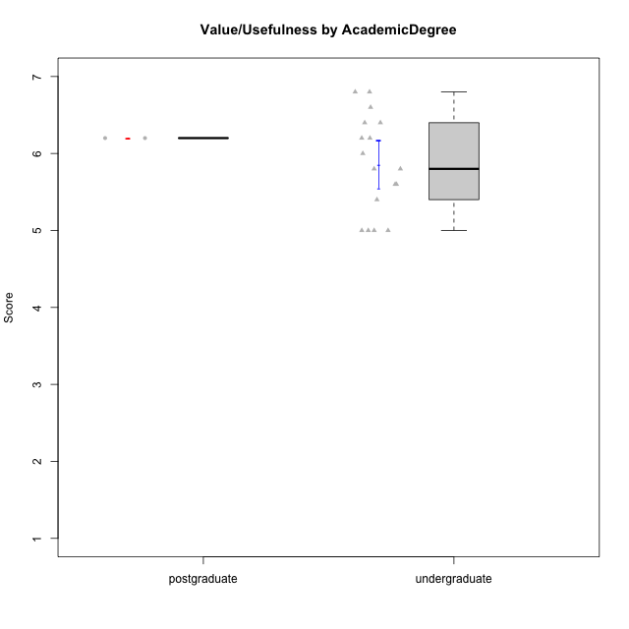

Student's t-Test data
UserID | Age | Sex | AcademicDegree | KnownDomainContent | LikeDomainContent | LikeActionGames | LikeAdventureGames | LikeFightingGames | LikeFictionGames | LikePlatformerGames | LikePuzzleGames | LikeRacingGames | LikeMusicalGames | LikeMMORPGGames | LikeShooterGames | LikeSimulationGames | LikeSportsGames | LikeStrategyGames | LikeNovelGames | SpendTime | Item33PC2 | Item28PC2 | Item25PC2 | Item34PC2 | Item37PC2 | Item30PC2 | Item29VU | Item26VU | Item31VU | Item36VU | Item35VU | Item24IE | Item08IE | Item21IE | Item09IE | Item12IE | Item11IE | Item05PC1 | Item13PC1 | Item18PC1 | Item03PC1 | Perceived Competence | Value/Usefulness | Interest/Enjoyment | Perceived Choice | Intrinsic Motivation
1 | adulthood | male | postgraduate | yes | yes | no | no | yes | no | no | no | no | no | yes | no | no | no | yes | yes | 23 | 7 | 6 | 7 | 1 | 6 | 7 | 7 | 6 | 6 | 6 | 6 | 7 | 6 | 7 | 7 | 6 | 5 | 2 | 2 | 3 | 5 | 6.6666666667 | 6.2 | 6.3333333333 | 5 | 6.1428571429
4 | emerging-adulthood | female | undergraduate | no | no | yes | yes | yes | yes | yes | no | yes | no | yes | no | yes | no | yes | yes | 29 | 5 | 7 | 6 | 1 | 6 | 4 | 5 | 4 | 7 | 7 | 5 | 7 | 7 | 7 | 7 | 5 | 5 | 1 | 2 | 1 | 4 | 5.8333333333 | 5.6 | 6.3333333333 | 6 | 5.9523809524
6 | emerging-adulthood | male | undergraduate | yes | no | no | no | no | no | no | yes | no | no | yes | no | no | no | yes | no | 15 | 4 | 4 | 3 | 2 | 7 | 3 | 7 | 7 | 5 | 7 | 6 | 5 | 7 | 6 | 7 | 4 | 4 | 1 | 1 | 1 | 1 | 4.5 | 6.4 | 5.5 | 7 | 5.7142857143
7 | emerging-adulthood | male | undergraduate | no | no | no | no | yes | no | no | no | yes | no | yes | yes | no | yes | yes | no | 40 | 6 | 7 | 6 | 1 | 4 | 4 | 6 | 6 | 6 | 5 | 2 | 2 | 5 | 3 | 5 | 3 | 6 | 1 | 1 | 1 | 1 | 5.6666666667 | 5 | 4 | 7 | 5.2857142857
9 | emerging-adulthood | male | undergraduate | no | no | no | yes | no | yes | yes | no | yes | no | no | yes | no | no | yes | yes | 20 | 5 | 5 | 4 | 4 | 4 | 4 | 6 | 5 | 6 | 5 | 5 | 1 | 2 | 2 | 1 | 1 | 2 | 1 | 3 | 3 | 7 | 4.3333333333 | 5.4 | 1.5 | 4.5 | 3.8095238095
11 | emerging-adulthood | female | undergraduate | yes | no | no | no | no | yes | no | yes | no | yes | no | no | no | no | yes | yes | 35 | 6 | 7 | 6 | 1 | 7 | 4 | 6 | 6 | 6 | 7 | 6 | 6 | 5 | 6 | 6 | 6 | 6 | 1 | 1 | 1 | 1 | 6.1666666667 | 6.2 | 5.8333333333 | 7 | 6.2380952381
13 | adulthood | male | undergraduate | no | no | yes | yes | no | no | no | yes | yes | yes | no | yes | yes | yes | yes | no | 20 | 4 | 4 | 3 | 3 | 3 | 3 | 5 | 5 | 5 | 5 | 5 | 3 | 2 | 4 | 2 | 3 | 1 | 2 | 2 | 4 | 6 | 3.6666666667 | 5 | 2.5 | 4.5 | 3.8095238095
16 | emerging-adulthood | male | undergraduate | no | yes | no | yes | yes | yes | yes | yes | no | no | yes | no | yes | no | yes | yes | 25 | 6 | 5 | 6 | 2 | 6 | 4 | 7 | 7 | 7 | 7 | 6 | 7 | 6 | 6 | 7 | 6 | 2 | 1 | 1 | 1 | 1 | 5.5 | 6.8 | 5.6666666667 | 7 | 6.1428571429
19 | emerging-adulthood | male | undergraduate | no | no | no | no | no | no | no | no | no | no | yes | no | no | no | no | no | 11 | 2 | 3 | 4 | 7 | 4 | 2 | 7 | 7 | 6 | 7 | 7 | 4 | 7 | 7 | 7 | 4 | 7 | 1 | 1 | 1 | 1 | 2.6666666667 | 6.8 | 6 | 7 | 5.4285714286
22 | emerging-adulthood | male | undergraduate | yes | yes | yes | yes | yes | yes | yes | yes | no | no | yes | no | yes | no | yes | no | 40 | 6 | 7 | 6 | 1 | 6 | 4 | 5 | 7 | 6 | 5 | 6 | 5 | 6 | 5 | 5 | 4 | 4 | 1 | 2 | 1 | 1 | 6 | 5.8 | 4.8333333333 | 6.75 | 5.7619047619
28 | emerging-adulthood | female | undergraduate | no | no | no | no | no | no | no | yes | no | yes | no | no | no | no | no | no | 20 | 4 | 4 | 1 | 5 | 5 | 5 | 7 | 7 | 4 | 5 | 5 | 1 | 2 | 2 | 2 | 1 | 1 | 1 | 1 | 1 | 1 | 3.6666666667 | 5.6 | 1.5 | 7 | 4.1428571429
30 | adulthood | female | postgraduate | yes | yes | no | no | no | no | no | yes | no | no | no | no | no | no | no | no | 30 | 4 | 5 | 4 | 3 | 5 | 4 | 6 | 7 | 6 | 6 | 6 | 5 | 6 | 6 | 6 | 7 | 7 | 1 | 1 | 1 | 1 | 4.5 | 6.2 | 6.1666666667 | 7 | 5.8571428571
34 | emerging-adulthood | male | undergraduate | no | yes | no | yes | no | no | yes | yes | no | no | yes | yes | no | no | yes | yes | 24 | 6 | 6 | 6 | 1 | 7 | 4 | 5 | 7 | 6 | 6 | 5 | 6 | 6 | 5 | 5 | 6 | 4 | 1 | 1 | 1 | 1 | 6 | 5.8 | 5.3333333333 | 7 | 5.9523809524
36 | adulthood | male | undergraduate | yes | no | no | yes | no | yes | no | yes | no | no | yes | no | no | no | yes | no | 25 | 7 | 7 | 7 | 1 | 7 | 7 | 5 | 5 | 5 | 5 | 5 | 6 | 5 | 6 | 6 | 6 | 6 | 1 | 1 | 1 | 1 | 7 | 5 | 5.8333333333 | 7 | 6.1904761905
40 | adolescence | male | undergraduate | no | yes | yes | yes | no | yes | yes | yes | no | no | yes | yes | yes | no | yes | no | 20 | 7 | 7 | 6 | 1 | 7 | 5 | 7 | 6 | 6 | 7 | 7 | 5 | 5 | 5 | 5 | 7 | 5 | 1 | 1 | 1 | 1 | 6.5 | 6.6 | 5.3333333333 | 7 | 6.2857142857
41 | emerging-adulthood | male | undergraduate | no | no | yes | yes | yes | yes | no | no | no | yes | yes | yes | no | no | yes | no | 33 | 5 | 4 | 4 | 3 | 5 | 3 | 5 | 6 | 5 | 4 | 5 | 5 | 4 | 5 | 5 | 6 | 3 | 1 | 1 | 3 | 1 | 4.3333333333 | 5 | 4.6666666667 | 6.5 | 5
43 | adolescence | male | undergraduate | no | yes | yes | yes | no | no | yes | no | no | no | yes | yes | no | yes | yes | no | 15 | 5 | 6 | 6 | 3 | 7 | 6 | 6 | 7 | 6 | 6 | 6 | 7 | 6 | 7 | 6 | 7 | 7 | 1 | 1 | 1 | 1 | 5.8333333333 | 6.2 | 6.6666666667 | 7 | 6.380952381
48 | emerging-adulthood | female | undergraduate | yes | yes | yes | yes | yes | no | yes | yes | yes | yes | yes | no | yes | yes | yes | no | 7 | 7 | 7 | 7 | 1 | 7 | 4 | 7 | 7 | 6 | 5 | 7 | 7 | 3 | 6 | 7 | 7 | 3 | 1 | 1 | 1 | 1 | 6.5 | 6.4 | 5.5 | 7 | 6.2857142857
50 | emerging-adulthood | male | undergraduate | yes | yes | yes | yes | no | no | yes | yes | yes | yes | no | no | no | no | yes | no | 40 | 6 | 6 | 6 | 2 | 7 | 4 | 6 | 5 | 7 | 6 | 6 | 6 | 5 | 6 | 5 | 7 | 7 | 1 | 1 | 1 | 1 | 5.8333333333 | 6 | 6 | 7 | 6.1428571429

