AcademicDegree_1
Wilcoxon Analysis for Spending Time (min) by Academic Degree in AcademicDegree between basic-school:postgraduate

Wilcoxon test results
Alternative hypothesis: less
Group | N | Median | Mean.Ranks | Sum.Ranks | U | Z | p.value | r | magnitude
basic-school | 9 | 5 | 6.7222222222 | 60.5 | 15.5 | -0.94270333958 | 0.18981018981 | 0.25194806529 | small
postgraduate | 5 | 10 | 8.9 | 44.5 | 15.5 | -0.94270333958 | 0.18981018981 | 0.25194806529 | small
Alternative hypothesis: greater
Group | N | Median | Mean.Ranks | Sum.Ranks | U | Z | p.value | r | magnitude
basic-school | 9 | 5 | 6.7222222222 | 60.5 | 15.5 | -0.94270333958 | 0.83016983017 | 0.25194806529 | small
postgraduate | 5 | 10 | 8.9 | 44.5 | 15.5 | -0.94270333958 | 0.83016983017 | 0.25194806529 | small
Alternative hypothesis: two.sided
Group | N | Median | Mean.Ranks | Sum.Ranks | U | Z | p.value | r | magnitude
basic-school | 9 | 5 | 6.7222222222 | 60.5 | 15.5 | -0.94270333958 | 0.37662337662 | 0.25194806529 | small
postgraduate | 5 | 10 | 8.9 | 44.5 | 15.5 | -0.94270333958 | 0.37662337662 | 0.25194806529 | small

Box plots for wilcoxon tests
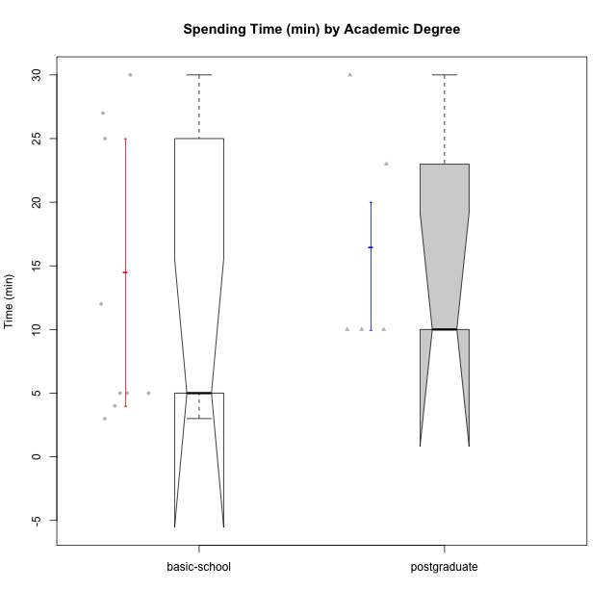

Wilcoxon data
UserID | Age | Sex | AcademicDegree | KnownDomainContent | LikeDomainContent | LikeActionGames | LikeAdventureGames | LikeFightingGames | LikeFictionGames | LikePlatformerGames | LikePuzzleGames | LikeRacingGames | LikeMusicalGames | LikeMMORPGGames | LikeShooterSames | LikeSimulationGames | LikeSportsGames | LikeStrategyGames | LikeNovelGames | SpendTime
c(1, 5, 8, 10, 15, 21, 24, 30, 31, 35, 38, 39, 42, 46) | c("adulthood", "adulthood", "emerging-adulthood", "emerging-adulthood", "adolescence", "adolescence", "adolescence", "adulthood", "emerging-adulthood", "adulthood", "emerging-adulthood", "emerging-adulthood", "adolescence", "emerging-adulthood") | c("male", "male", "male", "male", "male", "female", "male", "female", "male", "male", "female", "female", "female", "male") | c("postgraduate", "postgraduate", "basic-school", "postgraduate", "basic-school", "basic-school", "basic-school", "postgraduate", "basic-school", "postgraduate", "basic-school", "basic-school", "basic-school", "basic-school") | c("yes", "no", "yes", "no", "no", "yes", "yes", "yes", "no", "yes", "yes", "yes", "yes", "yes") | c("yes", "no", "no", "no", "no", "yes", "yes", "yes", "yes", "yes", "yes", "yes", "yes", "yes") | c("no", "yes", "yes", "yes", "yes", "no", "yes", "no", "no", "yes", "yes", "yes", "no", "yes") | c("no", "yes", "yes", "yes", "yes", "no", "yes", "no", "no", "no", "yes", "yes", "no", "yes") | c("yes", "yes", "yes", "no", "no", "no", "no", "no", "no", "no", "yes", "no", "no", "yes") | c("no", "no", "yes", "no", "no", "no", "no", "no", "no", "no", "yes", "yes", "no", "no") | c("no", "yes", "yes", "yes", "no", "no", "no", "no", "no", "yes", "no", "no", "no", "no") | c("no", "no", "yes", "no", "yes", "no", "yes", "yes", "no", "no", "no", "yes", "no", "no") | c("no", "yes", "no", "no", "yes", "no", "no", "no", "no", "no", "no", "no", "no", "yes") | c("no", "no", "yes", "no", "no", "yes", "no", "no", "no", "no", "no", "yes", "yes", "no") | c("yes", "yes", "yes", "yes", "no", "no", "yes", "no", "no", "yes", "yes", "no", "no", "yes") | c("no", "yes", "yes", "no", "yes", "yes", "no", "no", "no", "no", "no", "no", "yes", "yes") | c("no", "yes", "yes", "yes", "no", "no", "yes", "no", "no", "no", "no", "no", "no", "no") | c("no", "yes", "no", "no", "no", "no", "no", "no", "no", "no", "no", "no", "no", "no") | c("yes", "yes", "yes", "yes", "yes", "no", "yes", "no", "yes", "yes", "yes", "yes", "no", "yes") | c("yes", "no", "yes", "no", "no", "no", "no", "no", "no", "no", "no", "no", "no", "no") | c(23, 10, 30, 10, 5, 5, 3, 30, 4, 10, 27, 25, 5, 12)

AcademicDegree_2
Wilcoxon Analysis for Spending Time (min) by Academic Degree in AcademicDegree between basic-school:undergraduate

Wilcoxon test results
Alternative hypothesis: less
Group | N | Median | Mean.Ranks | Sum.Ranks | U | Z | p.value | r | magnitude
basic-school | 9 | 5 | 14.888888889 | 134 | 89 | -1.9152212492 | 0.027730638526 | 0.29206850238 | small
undergraduate | 34 | 20 | 23.882352941 | 812 | 89 | -1.9152212492 | 0.027730638526 | 0.29206850238 | small
Alternative hypothesis: greater
Group | N | Median | Mean.Ranks | Sum.Ranks | U | Z | p.value | r | magnitude
basic-school | 9 | 5 | 14.888888889 | 134 | 89 | -1.9152212492 | 0.97323111861 | 0.29206850238 | small
undergraduate | 34 | 20 | 23.882352941 | 812 | 89 | -1.9152212492 | 0.97323111861 | 0.29206850238 | small
Alternative hypothesis: two.sided
Group | N | Median | Mean.Ranks | Sum.Ranks | U | Z | p.value | r | magnitude
basic-school | 9 | 5 | 14.888888889 | 134 | 89 | -1.9152212492 | 0.055421760948 | 0.29206850238 | small
undergraduate | 34 | 20 | 23.882352941 | 812 | 89 | -1.9152212492 | 0.055421760948 | 0.29206850238 | small

Box plots for wilcoxon tests
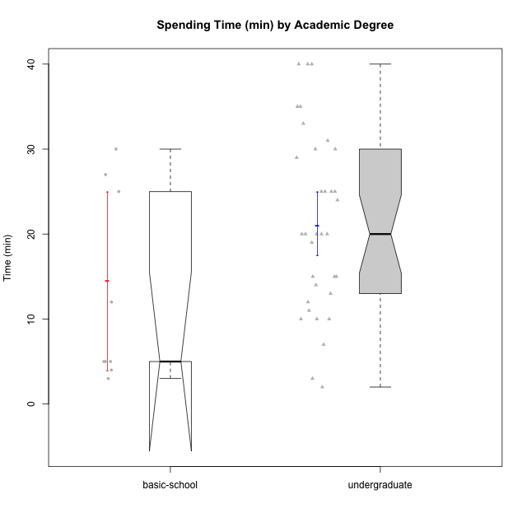

Wilcoxon data
UserID | Age | Sex | AcademicDegree | KnownDomainContent | LikeDomainContent | LikeActionGames | LikeAdventureGames | LikeFightingGames | LikeFictionGames | LikePlatformerGames | LikePuzzleGames | LikeRacingGames | LikeMusicalGames | LikeMMORPGGames | LikeShooterSames | LikeSimulationGames | LikeSportsGames | LikeStrategyGames | LikeNovelGames | SpendTime
c(2, 3, 4, 6, 7, 8, 9, 11, 12, 13, 15, 16, 17, 18, 19, 21, 22, 23, 24, 25, 26, 27, 28, 29, 31, 32, 33, 34, 36, 37, 38, 39, 40, 41, 42, 43, 44, 45, 46, 47, 48, 49, 50) | c("emerging-adulthood", "emerging-adulthood", "emerging-adulthood", "emerging-adulthood", "emerging-adulthood", "emerging-adulthood", "emerging-adulthood", "emerging-adulthood", "emerging-adulthood", "adulthood", "adolescence", "emerging-adulthood", "adolescence", "emerging-adulthood", "emerging-adulthood", "adolescence", "emerging-adulthood", "emerging-adulthood", "adolescence", "emerging-adulthood", "emerging-adulthood", "adulthood", "emerging-adulthood", "adolescence", "emerging-adulthood", "emerging-adulthood", "emerging-adulthood", "emerging-adulthood", "adulthood", "emerging-adulthood", "emerging-adulthood", "emerging-adulthood", "adolescence", "emerging-adulthood", "adolescence", "adolescence", "emerging-adulthood", "emerging-adulthood", "emerging-adulthood", "adolescence", "emerging-adulthood", "emerging-adulthood", "emerging-adulthood") | c("female", "male", "female", "male", "male", "male", "male", "female", "male", "male", "male", "male", "male", "male", "male", "female", "male", "male", "male", "female", "male", "female", "female", "male", "male", "male", "male", "male", "male", "male", "female", "female", "male", "male", "female", "male", "male", "male", "male", "female", "female", "male", "male") | c("undergraduate", "undergraduate", "undergraduate", "undergraduate", "undergraduate", "basic-school", "undergraduate", "undergraduate", "undergraduate", "undergraduate", "basic-school", "undergraduate", "undergraduate", "undergraduate", "undergraduate", "basic-school", "undergraduate", "undergraduate", "basic-school", "undergraduate", "undergraduate", "undergraduate", "undergraduate", "undergraduate", "basic-school", "undergraduate", "undergraduate", "undergraduate", "undergraduate", "undergraduate", "basic-school", "basic-school", "undergraduate", "undergraduate", "basic-school", "undergraduate", "undergraduate", "undergraduate", "basic-school", "undergraduate", "undergraduate", "undergraduate", "undergraduate") | c("no", "no", "no", "yes", "no", "yes", "no", "yes", "yes", "no", "no", "no", "yes", "yes", "no", "yes", "yes", "yes", "yes", "yes", "no", "no", "no", "yes", "no", "no", "yes", "no", "yes", "no", "yes", "yes", "no", "no", "yes", "no", "yes", "no", "yes", "no", "yes", "no", "yes") | c("no", "no", "no", "no", "no", "no", "no", "no", "no", "no", "no", "yes", "yes", "no", "no", "yes", "yes", "no", "yes", "yes", "no", "no", "no", "yes", "yes", "no", "yes", "yes", "no", "no", "yes", "yes", "yes", "no", "yes", "yes", "no", "yes", "yes", "yes", "yes", "no", "yes") | c("no", "no", "yes", "no", "no", "yes", "no", "no", "yes", "yes", "yes", "no", "no", "no", "no", "no", "yes", "yes", "yes", "no", "no", "no", "no", "yes", "no", "no", "yes", "no", "no", "no", "yes", "yes", "yes", "yes", "no", "yes", "yes", "yes", "yes", "no", "yes", "yes", "yes") | c("no", "no", "yes", "no", "no", "yes", "yes", "no", "yes", "yes", "yes", "yes", "no", "no", "no", "no", "yes", "yes", "yes", "yes", "yes", "no", "no", "yes", "no", "yes", "yes", "yes", "yes", "yes", "yes", "yes", "yes", "yes", "no", "yes", "yes", "yes", "yes", "yes", "yes", "yes", "yes") | c("no", "no", "yes", "no", "yes", "yes", "no", "no", "no", "no", "no", "yes", "no", "yes", "no", "no", "yes", "no", "no", "no", "no", "yes", "no", "no", "no", "no", "no", "no", "no", "no", "yes", "no", "no", "yes", "no", "no", "no", "yes", "yes", "no", "yes", "yes", "no") | c("yes", "yes", "yes", "no", "no", "yes", "yes", "yes", "no", "no", "no", "yes", "no", "no", "no", "no", "yes", "no", "no", "yes", "yes", "yes", "no", "no", "no", "no", "no", "no", "yes", "yes", "yes", "yes", "yes", "yes", "no", "no", "no", "yes", "no", "yes", "no", "no", "no") | c("no", "no", "yes", "no", "no", "yes", "yes", "no", "yes", "no", "no", "yes", "yes", "yes", "no", "no", "yes", "yes", "no", "yes", "no", "no", "no", "yes", "no", "yes", "yes", "yes", "no", "no", "no", "no", "yes", "no", "no", "yes", "no", "yes", "no", "yes", "yes", "no", "yes") | c("yes", "yes", "no", "yes", "no", "yes", "no", "yes", "no", "yes", "yes", "yes", "yes", "no", "no", "no", "yes", "no", "yes", "yes", "yes", "yes", "yes", "yes", "no", "no", "yes", "yes", "yes", "yes", "no", "yes", "yes", "no", "no", "no", "no", "yes", "no", "no", "yes", "yes", "yes") | c("no", "yes", "yes", "no", "yes", "no", "yes", "no", "yes", "yes", "yes", "no", "no", "no", "no", "no", "no", "yes", "no", "no", "no", "yes", "no", "yes", "no", "no", "no", "no", "no", "no", "no", "no", "no", "no", "no", "no", "no", "yes", "yes", "no", "yes", "no", "yes") | c("no", "no", "no", "no", "no", "yes", "no", "yes", "no", "yes", "no", "no", "no", "no", "no", "yes", "no", "no", "no", "no", "no", "no", "yes", "no", "no", "yes", "yes", "no", "no", "yes", "no", "yes", "no", "yes", "yes", "no", "no", "no", "no", "yes", "yes", "no", "yes") | c("no", "no", "yes", "yes", "yes", "yes", "no", "no", "no", "no", "no", "yes", "no", "no", "yes", "no", "yes", "yes", "yes", "no", "yes", "no", "no", "no", "no", "no", "no", "yes", "yes", "yes", "yes", "no", "yes", "yes", "no", "yes", "yes", "yes", "yes", "no", "yes", "yes", "no") | c("no", "yes", "no", "no", "yes", "yes", "yes", "no", "yes", "yes", "yes", "no", "yes", "yes", "no", "yes", "no", "yes", "no", "no", "no", "yes", "no", "no", "no", "no", "yes", "yes", "no", "no", "no", "no", "yes", "yes", "yes", "yes", "no", "yes", "yes", "no", "no", "yes", "no") | c("yes", "no", "yes", "no", "no", "yes", "no", "no", "yes", "yes", "no", "yes", "no", "no", "no", "no", "yes", "yes", "yes", "no", "no", "yes", "no", "no", "no", "no", "no", "no", "no", "yes", "no", "no", "yes", "no", "no", "no", "no", "no", "no", "yes", "yes", "no", "no") | c("no", "no", "no", "no", "yes", "no", "no", "no", "no", "yes", "no", "no", "no", "no", "no", "no", "no", "no", "no", "no", "no", "no", "no", "no", "no", "no", "no", "no", "no", "no", "no", "no", "no", "no", "no", "yes", "no", "no", "no", "no", "yes", "no", "no") | c("yes", "no", "yes", "yes", "yes", "yes", "yes", "yes", "yes", "yes", "yes", "yes", "no", "no", "no", "no", "yes", "yes", "yes", "yes", "yes", "no", "no", "no", "yes", "no", "no", "yes", "yes", "yes", "yes", "yes", "yes", "yes", "no", "yes", "yes", "yes", "yes", "yes", "yes", "yes", "yes") | c("no", "no", "yes", "no", "no", "yes", "yes", "yes", "no", "no", "no", "yes", "no", "no", "no", "no", "no", "no", "no", "no", "no", "no", "no", "no", "no", "yes", "no", "yes", "no", "no", "no", "no", "no", "no", "no", "no", "no", "no", "no", "no", "no", "yes", "no") | c(10, 13, 29, 15, 40, 30, 20, 35, 10, 20, 5, 25, 15, 30, 11, 5, 40, 25, 3, 35, 12, 2, 20, 30, 4, 19, 3, 24, 25, 14, 27, 25, 20, 33, 5, 15, 10, 20, 12, 25, 7, 31, 40)

AcademicDegree_3
Wilcoxon Analysis for Spending Time (min) by Academic Degree in AcademicDegree between postgraduate:undergraduate

Wilcoxon test results
Alternative hypothesis: less
Group | N | Median | Mean.Ranks | Sum.Ranks | U | Z | p.value | r | magnitude
postgraduate | 5 | 10 | 14.7 | 73.5 | 58.5 | -1.1176431581 | 0.1387825072 | 0.17896613551 | small
undergraduate | 34 | 20 | 20.779411765 | 706.5 | 58.5 | -1.1176431581 | 0.1387825072 | 0.17896613551 | small
Alternative hypothesis: greater
Group | N | Median | Mean.Ranks | Sum.Ranks | U | Z | p.value | r | magnitude
postgraduate | 5 | 10 | 14.7 | 73.5 | 58.5 | -1.1176431581 | 0.86645234014 | 0.17896613551 | small
undergraduate | 34 | 20 | 20.779411765 | 706.5 | 58.5 | -1.1176431581 | 0.86645234014 | 0.17896613551 | small
Alternative hypothesis: two.sided
Group | N | Median | Mean.Ranks | Sum.Ranks | U | Z | p.value | r | magnitude
postgraduate | 5 | 10 | 14.7 | 73.5 | 58.5 | -1.1176431581 | 0.27735832999 | 0.17896613551 | small
undergraduate | 34 | 20 | 20.779411765 | 706.5 | 58.5 | -1.1176431581 | 0.27735832999 | 0.17896613551 | small

Box plots for wilcoxon tests
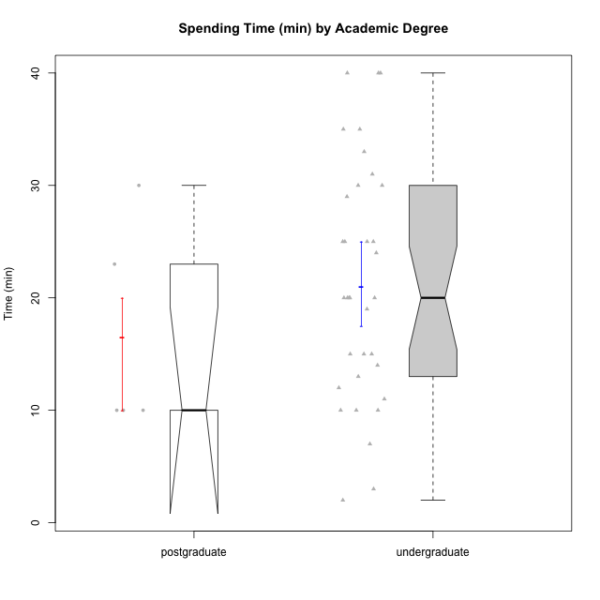

Wilcoxon data
UserID | Age | Sex | AcademicDegree | KnownDomainContent | LikeDomainContent | LikeActionGames | LikeAdventureGames | LikeFightingGames | LikeFictionGames | LikePlatformerGames | LikePuzzleGames | LikeRacingGames | LikeMusicalGames | LikeMMORPGGames | LikeShooterSames | LikeSimulationGames | LikeSportsGames | LikeStrategyGames | LikeNovelGames | SpendTime
c(1, 2, 3, 4, 5, 6, 7, 9, 10, 11, 12, 13, 16, 17, 18, 19, 22, 23, 25, 26, 27, 28, 29, 30, 32, 33, 34, 35, 36, 37, 40, 41, 43, 44, 45, 47, 48, 49, 50) | c("adulthood", "emerging-adulthood", "emerging-adulthood", "emerging-adulthood", "adulthood", "emerging-adulthood", "emerging-adulthood", "emerging-adulthood", "emerging-adulthood", "emerging-adulthood", "emerging-adulthood", "adulthood", "emerging-adulthood", "adolescence", "emerging-adulthood", "emerging-adulthood", "emerging-adulthood", "emerging-adulthood", "emerging-adulthood", "emerging-adulthood", "adulthood", "emerging-adulthood", "adolescence", "adulthood", "emerging-adulthood", "emerging-adulthood", "emerging-adulthood", "adulthood", "adulthood", "emerging-adulthood", "adolescence", "emerging-adulthood", "adolescence", "emerging-adulthood", "emerging-adulthood", "adolescence", "emerging-adulthood", "emerging-adulthood", "emerging-adulthood") | c("male", "female", "male", "female", "male", "male", "male", "male", "male", "female", "male", "male", "male", "male", "male", "male", "male", "male", "female", "male", "female", "female", "male", "female", "male", "male", "male", "male", "male", "male", "male", "male", "male", "male", "male", "female", "female", "male", "male") | c("postgraduate", "undergraduate", "undergraduate", "undergraduate", "postgraduate", "undergraduate", "undergraduate", "undergraduate", "postgraduate", "undergraduate", "undergraduate", "undergraduate", "undergraduate", "undergraduate", "undergraduate", "undergraduate", "undergraduate", "undergraduate", "undergraduate", "undergraduate", "undergraduate", "undergraduate", "undergraduate", "postgraduate", "undergraduate", "undergraduate", "undergraduate", "postgraduate", "undergraduate", "undergraduate", "undergraduate", "undergraduate", "undergraduate", "undergraduate", "undergraduate", "undergraduate", "undergraduate", "undergraduate", "undergraduate") | c("yes", "no", "no", "no", "no", "yes", "no", "no", "no", "yes", "yes", "no", "no", "yes", "yes", "no", "yes", "yes", "yes", "no", "no", "no", "yes", "yes", "no", "yes", "no", "yes", "yes", "no", "no", "no", "no", "yes", "no", "no", "yes", "no", "yes") | c("yes", "no", "no", "no", "no", "no", "no", "no", "no", "no", "no", "no", "yes", "yes", "no", "no", "yes", "no", "yes", "no", "no", "no", "yes", "yes", "no", "yes", "yes", "yes", "no", "no", "yes", "no", "yes", "no", "yes", "yes", "yes", "no", "yes") | c("no", "no", "no", "yes", "yes", "no", "no", "no", "yes", "no", "yes", "yes", "no", "no", "no", "no", "yes", "yes", "no", "no", "no", "no", "yes", "no", "no", "yes", "no", "yes", "no", "no", "yes", "yes", "yes", "yes", "yes", "no", "yes", "yes", "yes") | c("no", "no", "no", "yes", "yes", "no", "no", "yes", "yes", "no", "yes", "yes", "yes", "no", "no", "no", "yes", "yes", "yes", "yes", "no", "no", "yes", "no", "yes", "yes", "yes", "no", "yes", "yes", "yes", "yes", "yes", "yes", "yes", "yes", "yes", "yes", "yes") | c("yes", "no", "no", "yes", "yes", "no", "yes", "no", "no", "no", "no", "no", "yes", "no", "yes", "no", "yes", "no", "no", "no", "yes", "no", "no", "no", "no", "no", "no", "no", "no", "no", "no", "yes", "no", "no", "yes", "no", "yes", "yes", "no") | c("no", "yes", "yes", "yes", "no", "no", "no", "yes", "no", "yes", "no", "no", "yes", "no", "no", "no", "yes", "no", "yes", "yes", "yes", "no", "no", "no", "no", "no", "no", "no", "yes", "yes", "yes", "yes", "no", "no", "yes", "yes", "no", "no", "no") | c("no", "no", "no", "yes", "yes", "no", "no", "yes", "yes", "no", "yes", "no", "yes", "yes", "yes", "no", "yes", "yes", "yes", "no", "no", "no", "yes", "no", "yes", "yes", "yes", "yes", "no", "no", "yes", "no", "yes", "no", "yes", "yes", "yes", "no", "yes") | c("no", "yes", "yes", "no", "no", "yes", "no", "no", "no", "yes", "no", "yes", "yes", "yes", "no", "no", "yes", "no", "yes", "yes", "yes", "yes", "yes", "yes", "no", "yes", "yes", "no", "yes", "yes", "yes", "no", "no", "no", "yes", "no", "yes", "yes", "yes") | c("no", "no", "yes", "yes", "yes", "no", "yes", "yes", "no", "no", "yes", "yes", "no", "no", "no", "no", "no", "yes", "no", "no", "yes", "no", "yes", "no", "no", "no", "no", "no", "no", "no", "no", "no", "no", "no", "yes", "no", "yes", "no", "yes") | c("no", "no", "no", "no", "no", "no", "no", "no", "no", "yes", "no", "yes", "no", "no", "no", "no", "no", "no", "no", "no", "no", "yes", "no", "no", "yes", "yes", "no", "no", "no", "yes", "no", "yes", "no", "no", "no", "yes", "yes", "no", "yes") | c("yes", "no", "no", "yes", "yes", "yes", "yes", "no", "yes", "no", "no", "no", "yes", "no", "no", "yes", "yes", "yes", "no", "yes", "no", "no", "no", "no", "no", "no", "yes", "yes", "yes", "yes", "yes", "yes", "yes", "yes", "yes", "no", "yes", "yes", "no") | c("no", "no", "yes", "no", "yes", "no", "yes", "yes", "no", "no", "yes", "yes", "no", "yes", "yes", "no", "no", "yes", "no", "no", "yes", "no", "no", "no", "no", "yes", "yes", "no", "no", "no", "yes", "yes", "yes", "no", "yes", "no", "no", "yes", "no") | c("no", "yes", "no", "yes", "yes", "no", "no", "no", "yes", "no", "yes", "yes", "yes", "no", "no", "no", "yes", "yes", "no", "no", "yes", "no", "no", "no", "no", "no", "no", "no", "no", "yes", "yes", "no", "no", "no", "no", "yes", "yes", "no", "no") | c("no", "no", "no", "no", "yes", "no", "yes", "no", "no", "no", "no", "yes", "no", "no", "no", "no", "no", "no", "no", "no", "no", "no", "no", "no", "no", "no", "no", "no", "no", "no", "no", "no", "yes", "no", "no", "no", "yes", "no", "no") | c("yes", "yes", "no", "yes", "yes", "yes", "yes", "yes", "yes", "yes", "yes", "yes", "yes", "no", "no", "no", "yes", "yes", "yes", "yes", "no", "no", "no", "no", "no", "no", "yes", "yes", "yes", "yes", "yes", "yes", "yes", "yes", "yes", "yes", "yes", "yes", "yes") | c("yes", "no", "no", "yes", "no", "no", "no", "yes", "no", "yes", "no", "no", "yes", "no", "no", "no", "no", "no", "no", "no", "no", "no", "no", "no", "yes", "no", "yes", "no", "no", "no", "no", "no", "no", "no", "no", "no", "no", "yes", "no") | c(23, 10, 13, 29, 10, 15, 40, 20, 10, 35, 10, 20, 25, 15, 30, 11, 40, 25, 35, 12, 2, 20, 30, 30, 19, 3, 24, 10, 25, 14, 20, 33, 15, 10, 20, 25, 7, 31, 40)

