Age_1
Wilcoxon Analysis for Spending Time (min) by Age in Age between adolescence:adulthood

Wilcoxon test results
Alternative hypothesis: less
Group | N | Median | Mean.Ranks | Sum.Ranks | U | Z | p.value | r | magnitude
adolescence | 9 | 15 | 7.8333333333 | 70.5 | 25.5 | -0.63935245078 | 0.27482517483 | 0.15983811269 | small
adulthood | 7 | 20 | 9.3571428571 | 65.5 | 25.5 | -0.63935245078 | 0.27482517483 | 0.15983811269 | small
Alternative hypothesis: greater
Group | N | Median | Mean.Ranks | Sum.Ranks | U | Z | p.value | r | magnitude
adolescence | 9 | 15 | 7.8333333333 | 70.5 | 25.5 | -0.63935245078 | 0.74160839161 | 0.15983811269 | small
adulthood | 7 | 20 | 9.3571428571 | 65.5 | 25.5 | -0.63935245078 | 0.74160839161 | 0.15983811269 | small
Alternative hypothesis: two.sided
Group | N | Median | Mean.Ranks | Sum.Ranks | U | Z | p.value | r | magnitude
adolescence | 9 | 15 | 7.8333333333 | 70.5 | 25.5 | -0.63935245078 | 0.55218531469 | 0.15983811269 | small
adulthood | 7 | 20 | 9.3571428571 | 65.5 | 25.5 | -0.63935245078 | 0.55218531469 | 0.15983811269 | small

Box plots for wilcoxon tests
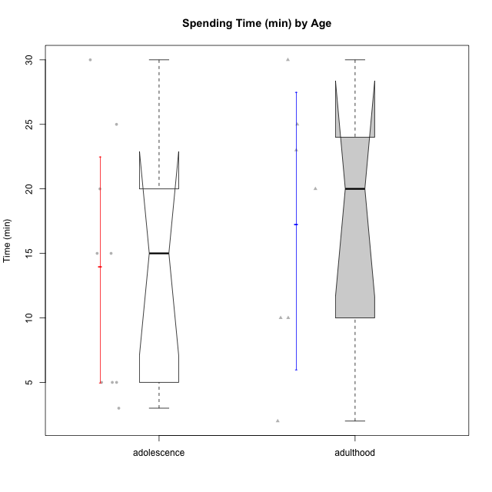

Wilcoxon data
UserID | Age | Sex | AcademicDegree | KnownDomainContent | LikeDomainContent | LikeActionGames | LikeAdventureGames | LikeFightingGames | LikeFictionGames | LikePlatformerGames | LikePuzzleGames | LikeRacingGames | LikeMusicalGames | LikeMMORPGGames | LikeShooterSames | LikeSimulationGames | LikeSportsGames | LikeStrategyGames | LikeNovelGames | SpendTime
c(1, 5, 13, 15, 17, 21, 24, 27, 29, 30, 35, 36, 40, 42, 43, 47) | c("adulthood", "adulthood", "adulthood", "adolescence", "adolescence", "adolescence", "adolescence", "adulthood", "adolescence", "adulthood", "adulthood", "adulthood", "adolescence", "adolescence", "adolescence", "adolescence") | c("male", "male", "male", "male", "male", "female", "male", "female", "male", "female", "male", "male", "male", "female", "male", "female") | c("postgraduate", "postgraduate", "undergraduate", "basic-school", "undergraduate", "basic-school", "basic-school", "undergraduate", "undergraduate", "postgraduate", "postgraduate", "undergraduate", "undergraduate", "basic-school", "undergraduate", "undergraduate") | c("yes", "no", "no", "no", "yes", "yes", "yes", "no", "yes", "yes", "yes", "yes", "no", "yes", "no", "no") | c("yes", "no", "no", "no", "yes", "yes", "yes", "no", "yes", "yes", "yes", "no", "yes", "yes", "yes", "yes") | c("no", "yes", "yes", "yes", "no", "no", "yes", "no", "yes", "no", "yes", "no", "yes", "no", "yes", "no") | c("no", "yes", "yes", "yes", "no", "no", "yes", "no", "yes", "no", "no", "yes", "yes", "no", "yes", "yes") | c("yes", "yes", "no", "no", "no", "no", "no", "yes", "no", "no", "no", "no", "no", "no", "no", "no") | c("no", "no", "no", "no", "no", "no", "no", "yes", "no", "no", "no", "yes", "yes", "no", "no", "yes") | c("no", "yes", "no", "no", "yes", "no", "no", "no", "yes", "no", "yes", "no", "yes", "no", "yes", "yes") | c("no", "no", "yes", "yes", "yes", "no", "yes", "yes", "yes", "yes", "no", "yes", "yes", "no", "no", "no") | c("no", "yes", "yes", "yes", "no", "no", "no", "yes", "yes", "no", "no", "no", "no", "no", "no", "no") | c("no", "no", "yes", "no", "no", "yes", "no", "no", "no", "no", "no", "no", "no", "yes", "no", "yes") | c("yes", "yes", "no", "no", "no", "no", "yes", "no", "no", "no", "yes", "yes", "yes", "no", "yes", "no") | c("no", "yes", "yes", "yes", "yes", "yes", "no", "yes", "no", "no", "no", "no", "yes", "yes", "yes", "no") | c("no", "yes", "yes", "no", "no", "no", "yes", "yes", "no", "no", "no", "no", "yes", "no", "no", "yes") | c("no", "yes", "yes", "no", "no", "no", "no", "no", "no", "no", "no", "no", "no", "no", "yes", "no") | c("yes", "yes", "yes", "yes", "no", "no", "yes", "no", "no", "no", "yes", "yes", "yes", "no", "yes", "yes") | c("yes", "no", "no", "no", "no", "no", "no", "no", "no", "no", "no", "no", "no", "no", "no", "no") | c(23, 10, 20, 5, 15, 5, 3, 2, 30, 30, 10, 25, 20, 5, 15, 25)

Age_2
Wilcoxon Analysis for Spending Time (min) by Age in Age between adolescence:emerging-adulthood

Wilcoxon test results
Alternative hypothesis: less
Group | N | Median | Mean.Ranks | Sum.Ranks | U | Z | p.value | r | magnitude
adolescence | 9 | 15 | 15.055555556 | 135.5 | 90.5 | -1.6886993944 | 0.046598986341 | 0.26373053712 | small
emerging-adulthood | 32 | 20 | 22.671875 | 725.5 | 90.5 | -1.6886993944 | 0.046598986341 | 0.26373053712 | small
Alternative hypothesis: greater
Group | N | Median | Mean.Ranks | Sum.Ranks | U | Z | p.value | r | magnitude
adolescence | 9 | 15 | 15.055555556 | 135.5 | 90.5 | -1.6886993944 | 0.95498391129 | 0.26373053712 | small
emerging-adulthood | 32 | 20 | 22.671875 | 725.5 | 90.5 | -1.6886993944 | 0.95498391129 | 0.26373053712 | small
Alternative hypothesis: two.sided
Group | N | Median | Mean.Ranks | Sum.Ranks | U | Z | p.value | r | magnitude
adolescence | 9 | 15 | 15.055555556 | 135.5 | 90.5 | -1.6886993944 | 0.093166409379 | 0.26373053712 | small
emerging-adulthood | 32 | 20 | 22.671875 | 725.5 | 90.5 | -1.6886993944 | 0.093166409379 | 0.26373053712 | small

Box plots for wilcoxon tests
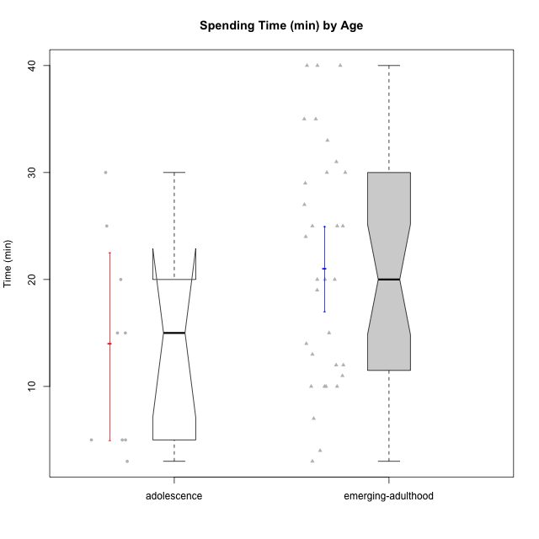

Wilcoxon data
UserID | Age | Sex | AcademicDegree | KnownDomainContent | LikeDomainContent | LikeActionGames | LikeAdventureGames | LikeFightingGames | LikeFictionGames | LikePlatformerGames | LikePuzzleGames | LikeRacingGames | LikeMusicalGames | LikeMMORPGGames | LikeShooterSames | LikeSimulationGames | LikeSportsGames | LikeStrategyGames | LikeNovelGames | SpendTime
c(2, 3, 4, 6, 7, 8, 9, 10, 11, 12, 15, 16, 17, 18, 19, 21, 22, 23, 24, 25, 26, 28, 29, 31, 32, 33, 34, 37, 38, 39, 40, 41, 42, 43, 44, 45, 46, 47, 48, 49, 50) | c("emerging-adulthood", "emerging-adulthood", "emerging-adulthood", "emerging-adulthood", "emerging-adulthood", "emerging-adulthood", "emerging-adulthood", "emerging-adulthood", "emerging-adulthood", "emerging-adulthood", "adolescence", "emerging-adulthood", "adolescence", "emerging-adulthood", "emerging-adulthood", "adolescence", "emerging-adulthood", "emerging-adulthood", "adolescence", "emerging-adulthood", "emerging-adulthood", "emerging-adulthood", "adolescence", "emerging-adulthood", "emerging-adulthood", "emerging-adulthood", "emerging-adulthood", "emerging-adulthood", "emerging-adulthood", "emerging-adulthood", "adolescence", "emerging-adulthood", "adolescence", "adolescence", "emerging-adulthood", "emerging-adulthood", "emerging-adulthood", "adolescence", "emerging-adulthood", "emerging-adulthood", "emerging-adulthood") | c("female", "male", "female", "male", "male", "male", "male", "male", "female", "male", "male", "male", "male", "male", "male", "female", "male", "male", "male", "female", "male", "female", "male", "male", "male", "male", "male", "male", "female", "female", "male", "male", "female", "male", "male", "male", "male", "female", "female", "male", "male") | c("undergraduate", "undergraduate", "undergraduate", "undergraduate", "undergraduate", "basic-school", "undergraduate", "postgraduate", "undergraduate", "undergraduate", "basic-school", "undergraduate", "undergraduate", "undergraduate", "undergraduate", "basic-school", "undergraduate", "undergraduate", "basic-school", "undergraduate", "undergraduate", "undergraduate", "undergraduate", "basic-school", "undergraduate", "undergraduate", "undergraduate", "undergraduate", "basic-school", "basic-school", "undergraduate", "undergraduate", "basic-school", "undergraduate", "undergraduate", "undergraduate", "basic-school", "undergraduate", "undergraduate", "undergraduate", "undergraduate") | c("no", "no", "no", "yes", "no", "yes", "no", "no", "yes", "yes", "no", "no", "yes", "yes", "no", "yes", "yes", "yes", "yes", "yes", "no", "no", "yes", "no", "no", "yes", "no", "no", "yes", "yes", "no", "no", "yes", "no", "yes", "no", "yes", "no", "yes", "no", "yes") | c("no", "no", "no", "no", "no", "no", "no", "no", "no", "no", "no", "yes", "yes", "no", "no", "yes", "yes", "no", "yes", "yes", "no", "no", "yes", "yes", "no", "yes", "yes", "no", "yes", "yes", "yes", "no", "yes", "yes", "no", "yes", "yes", "yes", "yes", "no", "yes") | c("no", "no", "yes", "no", "no", "yes", "no", "yes", "no", "yes", "yes", "no", "no", "no", "no", "no", "yes", "yes", "yes", "no", "no", "no", "yes", "no", "no", "yes", "no", "no", "yes", "yes", "yes", "yes", "no", "yes", "yes", "yes", "yes", "no", "yes", "yes", "yes") | c("no", "no", "yes", "no", "no", "yes", "yes", "yes", "no", "yes", "yes", "yes", "no", "no", "no", "no", "yes", "yes", "yes", "yes", "yes", "no", "yes", "no", "yes", "yes", "yes", "yes", "yes", "yes", "yes", "yes", "no", "yes", "yes", "yes", "yes", "yes", "yes", "yes", "yes") | c("no", "no", "yes", "no", "yes", "yes", "no", "no", "no", "no", "no", "yes", "no", "yes", "no", "no", "yes", "no", "no", "no", "no", "no", "no", "no", "no", "no", "no", "no", "yes", "no", "no", "yes", "no", "no", "no", "yes", "yes", "no", "yes", "yes", "no") | c("yes", "yes", "yes", "no", "no", "yes", "yes", "no", "yes", "no", "no", "yes", "no", "no", "no", "no", "yes", "no", "no", "yes", "yes", "no", "no", "no", "no", "no", "no", "yes", "yes", "yes", "yes", "yes", "no", "no", "no", "yes", "no", "yes", "no", "no", "no") | c("no", "no", "yes", "no", "no", "yes", "yes", "yes", "no", "yes", "no", "yes", "yes", "yes", "no", "no", "yes", "yes", "no", "yes", "no", "no", "yes", "no", "yes", "yes", "yes", "no", "no", "no", "yes", "no", "no", "yes", "no", "yes", "no", "yes", "yes", "no", "yes") | c("yes", "yes", "no", "yes", "no", "yes", "no", "no", "yes", "no", "yes", "yes", "yes", "no", "no", "no", "yes", "no", "yes", "yes", "yes", "yes", "yes", "no", "no", "yes", "yes", "yes", "no", "yes", "yes", "no", "no", "no", "no", "yes", "no", "no", "yes", "yes", "yes") | c("no", "yes", "yes", "no", "yes", "no", "yes", "no", "no", "yes", "yes", "no", "no", "no", "no", "no", "no", "yes", "no", "no", "no", "no", "yes", "no", "no", "no", "no", "no", "no", "no", "no", "no", "no", "no", "no", "yes", "yes", "no", "yes", "no", "yes") | c("no", "no", "no", "no", "no", "yes", "no", "no", "yes", "no", "no", "no", "no", "no", "no", "yes", "no", "no", "no", "no", "no", "yes", "no", "no", "yes", "yes", "no", "yes", "no", "yes", "no", "yes", "yes", "no", "no", "no", "no", "yes", "yes", "no", "yes") | c("no", "no", "yes", "yes", "yes", "yes", "no", "yes", "no", "no", "no", "yes", "no", "no", "yes", "no", "yes", "yes", "yes", "no", "yes", "no", "no", "no", "no", "no", "yes", "yes", "yes", "no", "yes", "yes", "no", "yes", "yes", "yes", "yes", "no", "yes", "yes", "no") | c("no", "yes", "no", "no", "yes", "yes", "yes", "no", "no", "yes", "yes", "no", "yes", "yes", "no", "yes", "no", "yes", "no", "no", "no", "no", "no", "no", "no", "yes", "yes", "no", "no", "no", "yes", "yes", "yes", "yes", "no", "yes", "yes", "no", "no", "yes", "no") | c("yes", "no", "yes", "no", "no", "yes", "no", "yes", "no", "yes", "no", "yes", "no", "no", "no", "no", "yes", "yes", "yes", "no", "no", "no", "no", "no", "no", "no", "no", "yes", "no", "no", "yes", "no", "no", "no", "no", "no", "no", "yes", "yes", "no", "no") | c("no", "no", "no", "no", "yes", "no", "no", "no", "no", "no", "no", "no", "no", "no", "no", "no", "no", "no", "no", "no", "no", "no", "no", "no", "no", "no", "no", "no", "no", "no", "no", "no", "no", "yes", "no", "no", "no", "no", "yes", "no", "no") | c("yes", "no", "yes", "yes", "yes", "yes", "yes", "yes", "yes", "yes", "yes", "yes", "no", "no", "no", "no", "yes", "yes", "yes", "yes", "yes", "no", "no", "yes", "no", "no", "yes", "yes", "yes", "yes", "yes", "yes", "no", "yes", "yes", "yes", "yes", "yes", "yes", "yes", "yes") | c("no", "no", "yes", "no", "no", "yes", "yes", "no", "yes", "no", "no", "yes", "no", "no", "no", "no", "no", "no", "no", "no", "no", "no", "no", "no", "yes", "no", "yes", "no", "no", "no", "no", "no", "no", "no", "no", "no", "no", "no", "no", "yes", "no") | c(10, 13, 29, 15, 40, 30, 20, 10, 35, 10, 5, 25, 15, 30, 11, 5, 40, 25, 3, 35, 12, 20, 30, 4, 19, 3, 24, 14, 27, 25, 20, 33, 5, 15, 10, 20, 12, 25, 7, 31, 40)

Age_3
Wilcoxon Analysis for Spending Time (min) by Age in Age between adulthood:emerging-adulthood

Wilcoxon test results
Alternative hypothesis: less
Group | N | Median | Mean.Ranks | Sum.Ranks | U | Z | p.value | r | magnitude
adulthood | 7 | 20 | 16.285714286 | 114 | 86 | -0.95464804275 | 0.17610708632 | 0.15286602862 | small
emerging-adulthood | 32 | 20 | 20.8125 | 666 | 86 | -0.95464804275 | 0.17610708632 | 0.15286602862 | small
Alternative hypothesis: greater
Group | N | Median | Mean.Ranks | Sum.Ranks | U | Z | p.value | r | magnitude
adulthood | 7 | 20 | 16.285714286 | 114 | 86 | -0.95464804275 | 0.82857331774 | 0.15286602862 | small
emerging-adulthood | 32 | 20 | 20.8125 | 666 | 86 | -0.95464804275 | 0.82857331774 | 0.15286602862 | small
Alternative hypothesis: two.sided
Group | N | Median | Mean.Ranks | Sum.Ranks | U | Z | p.value | r | magnitude
adulthood | 7 | 20 | 16.285714286 | 114 | 86 | -0.95464804275 | 0.35229797768 | 0.15286602862 | small
emerging-adulthood | 32 | 20 | 20.8125 | 666 | 86 | -0.95464804275 | 0.35229797768 | 0.15286602862 | small

Box plots for wilcoxon tests
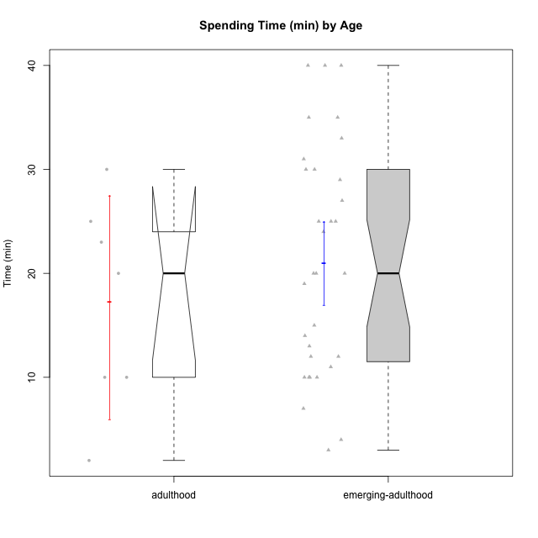

Wilcoxon data
UserID | Age | Sex | AcademicDegree | KnownDomainContent | LikeDomainContent | LikeActionGames | LikeAdventureGames | LikeFightingGames | LikeFictionGames | LikePlatformerGames | LikePuzzleGames | LikeRacingGames | LikeMusicalGames | LikeMMORPGGames | LikeShooterSames | LikeSimulationGames | LikeSportsGames | LikeStrategyGames | LikeNovelGames | SpendTime
c(1, 2, 3, 4, 5, 6, 7, 8, 9, 10, 11, 12, 13, 16, 18, 19, 22, 23, 25, 26, 27, 28, 30, 31, 32, 33, 34, 35, 36, 37, 38, 39, 41, 44, 45, 46, 48, 49, 50) | c("adulthood", "emerging-adulthood", "emerging-adulthood", "emerging-adulthood", "adulthood", "emerging-adulthood", "emerging-adulthood", "emerging-adulthood", "emerging-adulthood", "emerging-adulthood", "emerging-adulthood", "emerging-adulthood", "adulthood", "emerging-adulthood", "emerging-adulthood", "emerging-adulthood", "emerging-adulthood", "emerging-adulthood", "emerging-adulthood", "emerging-adulthood", "adulthood", "emerging-adulthood", "adulthood", "emerging-adulthood", "emerging-adulthood", "emerging-adulthood", "emerging-adulthood", "adulthood", "adulthood", "emerging-adulthood", "emerging-adulthood", "emerging-adulthood", "emerging-adulthood", "emerging-adulthood", "emerging-adulthood", "emerging-adulthood", "emerging-adulthood", "emerging-adulthood", "emerging-adulthood") | c("male", "female", "male", "female", "male", "male", "male", "male", "male", "male", "female", "male", "male", "male", "male", "male", "male", "male", "female", "male", "female", "female", "female", "male", "male", "male", "male", "male", "male", "male", "female", "female", "male", "male", "male", "male", "female", "male", "male") | c("postgraduate", "undergraduate", "undergraduate", "undergraduate", "postgraduate", "undergraduate", "undergraduate", "basic-school", "undergraduate", "postgraduate", "undergraduate", "undergraduate", "undergraduate", "undergraduate", "undergraduate", "undergraduate", "undergraduate", "undergraduate", "undergraduate", "undergraduate", "undergraduate", "undergraduate", "postgraduate", "basic-school", "undergraduate", "undergraduate", "undergraduate", "postgraduate", "undergraduate", "undergraduate", "basic-school", "basic-school", "undergraduate", "undergraduate", "undergraduate", "basic-school", "undergraduate", "undergraduate", "undergraduate") | c("yes", "no", "no", "no", "no", "yes", "no", "yes", "no", "no", "yes", "yes", "no", "no", "yes", "no", "yes", "yes", "yes", "no", "no", "no", "yes", "no", "no", "yes", "no", "yes", "yes", "no", "yes", "yes", "no", "yes", "no", "yes", "yes", "no", "yes") | c("yes", "no", "no", "no", "no", "no", "no", "no", "no", "no", "no", "no", "no", "yes", "no", "no", "yes", "no", "yes", "no", "no", "no", "yes", "yes", "no", "yes", "yes", "yes", "no", "no", "yes", "yes", "no", "no", "yes", "yes", "yes", "no", "yes") | c("no", "no", "no", "yes", "yes", "no", "no", "yes", "no", "yes", "no", "yes", "yes", "no", "no", "no", "yes", "yes", "no", "no", "no", "no", "no", "no", "no", "yes", "no", "yes", "no", "no", "yes", "yes", "yes", "yes", "yes", "yes", "yes", "yes", "yes") | c("no", "no", "no", "yes", "yes", "no", "no", "yes", "yes", "yes", "no", "yes", "yes", "yes", "no", "no", "yes", "yes", "yes", "yes", "no", "no", "no", "no", "yes", "yes", "yes", "no", "yes", "yes", "yes", "yes", "yes", "yes", "yes", "yes", "yes", "yes", "yes") | c("yes", "no", "no", "yes", "yes", "no", "yes", "yes", "no", "no", "no", "no", "no", "yes", "yes", "no", "yes", "no", "no", "no", "yes", "no", "no", "no", "no", "no", "no", "no", "no", "no", "yes", "no", "yes", "no", "yes", "yes", "yes", "yes", "no") | c("no", "yes", "yes", "yes", "no", "no", "no", "yes", "yes", "no", "yes", "no", "no", "yes", "no", "no", "yes", "no", "yes", "yes", "yes", "no", "no", "no", "no", "no", "no", "no", "yes", "yes", "yes", "yes", "yes", "no", "yes", "no", "no", "no", "no") | c("no", "no", "no", "yes", "yes", "no", "no", "yes", "yes", "yes", "no", "yes", "no", "yes", "yes", "no", "yes", "yes", "yes", "no", "no", "no", "no", "no", "yes", "yes", "yes", "yes", "no", "no", "no", "no", "no", "no", "yes", "no", "yes", "no", "yes") | c("no", "yes", "yes", "no", "no", "yes", "no", "yes", "no", "no", "yes", "no", "yes", "yes", "no", "no", "yes", "no", "yes", "yes", "yes", "yes", "yes", "no", "no", "yes", "yes", "no", "yes", "yes", "no", "yes", "no", "no", "yes", "no", "yes", "yes", "yes") | c("no", "no", "yes", "yes", "yes", "no", "yes", "no", "yes", "no", "no", "yes", "yes", "no", "no", "no", "no", "yes", "no", "no", "yes", "no", "no", "no", "no", "no", "no", "no", "no", "no", "no", "no", "no", "no", "yes", "yes", "yes", "no", "yes") | c("no", "no", "no", "no", "no", "no", "no", "yes", "no", "no", "yes", "no", "yes", "no", "no", "no", "no", "no", "no", "no", "no", "yes", "no", "no", "yes", "yes", "no", "no", "no", "yes", "no", "yes", "yes", "no", "no", "no", "yes", "no", "yes") | c("yes", "no", "no", "yes", "yes", "yes", "yes", "yes", "no", "yes", "no", "no", "no", "yes", "no", "yes", "yes", "yes", "no", "yes", "no", "no", "no", "no", "no", "no", "yes", "yes", "yes", "yes", "yes", "no", "yes", "yes", "yes", "yes", "yes", "yes", "no") | c("no", "no", "yes", "no", "yes", "no", "yes", "yes", "yes", "no", "no", "yes", "yes", "no", "yes", "no", "no", "yes", "no", "no", "yes", "no", "no", "no", "no", "yes", "yes", "no", "no", "no", "no", "no", "yes", "no", "yes", "yes", "no", "yes", "no") | c("no", "yes", "no", "yes", "yes", "no", "no", "yes", "no", "yes", "no", "yes", "yes", "yes", "no", "no", "yes", "yes", "no", "no", "yes", "no", "no", "no", "no", "no", "no", "no", "no", "yes", "no", "no", "no", "no", "no", "no", "yes", "no", "no") | c("no", "no", "no", "no", "yes", "no", "yes", "no", "no", "no", "no", "no", "yes", "no", "no", "no", "no", "no", "no", "no", "no", "no", "no", "no", "no", "no", "no", "no", "no", "no", "no", "no", "no", "no", "no", "no", "yes", "no", "no") | c("yes", "yes", "no", "yes", "yes", "yes", "yes", "yes", "yes", "yes", "yes", "yes", "yes", "yes", "no", "no", "yes", "yes", "yes", "yes", "no", "no", "no", "yes", "no", "no", "yes", "yes", "yes", "yes", "yes", "yes", "yes", "yes", "yes", "yes", "yes", "yes", "yes") | c("yes", "no", "no", "yes", "no", "no", "no", "yes", "yes", "no", "yes", "no", "no", "yes", "no", "no", "no", "no", "no", "no", "no", "no", "no", "no", "yes", "no", "yes", "no", "no", "no", "no", "no", "no", "no", "no", "no", "no", "yes", "no") | c(23, 10, 13, 29, 10, 15, 40, 30, 20, 10, 35, 10, 20, 25, 30, 11, 40, 25, 35, 12, 2, 20, 30, 4, 19, 3, 24, 10, 25, 14, 27, 25, 33, 10, 20, 12, 7, 31, 40)

