Age_1
Wilcoxon Analysis for Gain Score by Age in Age between adolescence:adulthood

Wilcoxon test results
Alternative hypothesis: less
Group | N | Median | Mean.Ranks | Sum.Ranks | U | Z | p.value | r | magnitude
adolescence | 3 | 0 | 3.5 | 10.5 | 4.5 | -0.53512955101 | 0.37142857143 | 0.20225995874 | small
adulthood | 4 | 0.5 | 4.375 | 17.5 | 4.5 | -0.53512955101 | 0.37142857143 | 0.20225995874 | small
Alternative hypothesis: greater
Group | N | Median | Mean.Ranks | Sum.Ranks | U | Z | p.value | r | magnitude
adolescence | 3 | 0 | 3.5 | 10.5 | 4.5 | -0.53512955101 | 0.74285714286 | 0.20225995874 | small
adulthood | 4 | 0.5 | 4.375 | 17.5 | 4.5 | -0.53512955101 | 0.74285714286 | 0.20225995874 | small
Alternative hypothesis: two.sided
Group | N | Median | Mean.Ranks | Sum.Ranks | U | Z | p.value | r | magnitude
adolescence | 3 | 0 | 3.5 | 10.5 | 4.5 | -0.53512955101 | 0.68571428571 | 0.20225995874 | small
adulthood | 4 | 0.5 | 4.375 | 17.5 | 4.5 | -0.53512955101 | 0.68571428571 | 0.20225995874 | small

Box plots for wilcoxon tests
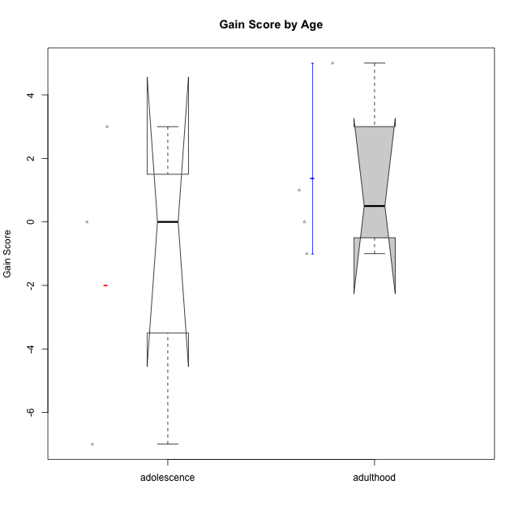

Wilcoxon data
UserID | Age | Sex | LikeDomainContent | LikeActionGames | LikeAdventureGames | LikeFightingGames | LikeFictionGames | LikePlatformerGames | LikePuzzleGames | LikeRacingGames | LikeMusicalGames | LikeMMORPGGames | LikeShooterGames | LikeSimulationGames | LikeSportsGames | LikeStrategyGames | LikeNovelGames | Pre01 | Pre02 | Pre03 | Pre04 | Pre05 | Pre06 | Pre07 | Pre08 | Pre09 | Pre10 | Pre11 | Pre12 | Pre13 | Pre14 | Pre15 | Pre16 | Pre17 | Pre18 | Pre19 | Pre20 | Pos01 | Pos02 | Pos03 | Pos04 | Pos05 | Pos06 | Pos07 | Pos08 | Pos09 | Pos10 | Pos11 | Pos12 | Pos13 | Pos14 | Pos15 | Pos16 | Pos17 | Pos18 | Pos19 | Pos20 | NPre | NPos | GainScore
andrey.garcia@usp.br | adolescence | male | no | no | no | no | yes | yes | no | no | no | no | yes | no | yes | yes | yes | 0 | 0 | 0 | 0 | 1 | 0 | 0 | 0 | 1 | 0 | 1 | 1 | 1 | 0 | 1 | 1 | 0 | 1 | 0 | 0 | 1 | 1 | 0 | 1 | 0 | 0 | 0 | 1 | 1 | 1 | 0 | 1 | 1 | 0 | 1 | 1 | 1 | 0 | 0 | 0 | 8 | 11 | 3
bperet@usp.br | adulthood | male | yes | yes | yes | no | yes | no | yes | no | no | no | yes | no | no | yes | yes | 1 | 1 | 1 | 1 | 1 | 1 | 1 | 1 | 1 | 1 | 1 | 1 | 0 | 1 | 1 | 1 | 1 | 1 | 1 | 1 | 1 | 1 | 0 | 1 | 1 | 1 | 1 | 1 | 1 | 1 | 1 | 1 | 1 | 0 | 1 | 1 | 1 | 1 | 1 | 1 | 19 | 18 | -1
gabrielmorao@usp.br | adulthood | male | yes | yes | yes | no | no | no | no | no | no | no | no | no | no | yes | no | 0 | 0 | 0 | 0 | 1 | 0 | 1 | 0 | 1 | 1 | 1 | 1 | 1 | 1 | 0 | 0 | 1 | 0 | 1 | 0 | 1 | 1 | 1 | 1 | 1 | 1 | 1 | 1 | 1 | 1 | 1 | 0 | 1 | 1 | 0 | 0 | 0 | 1 | 0 | 1 | 10 | 15 | 5
joao_alves2000@usp.br | adolescence | male | no | no | no | no | no | no | no | no | no | no | yes | no | no | no | no | 1 | 1 | 1 | 0 | 0 | 0 | 1 | 0 | 1 | 0 | 0 | 0 | 1 | 0 | 0 | 0 | 0 | 0 | 0 | 0 | 0 | 1 | 0 | 0 | 1 | 1 | 0 | 0 | 0 | 0 | 0 | 0 | 0 | 0 | 0 | 1 | 0 | 1 | 0 | 1 | 6 | 6 | 0
or.pasqual@usp.br | adulthood | male | yes | no | yes | no | no | no | yes | no | no | no | no | no | no | yes | no | 1 | 1 | 1 | 1 | 1 | 1 | 1 | 1 | 1 | 1 | 1 | 1 | 1 | 1 | 1 | 1 | 1 | 1 | 1 | 1 | 1 | 1 | 1 | 1 | 1 | 1 | 1 | 1 | 1 | 1 | 1 | 1 | 1 | 1 | 1 | 1 | 1 | 1 | 1 | 1 | 20 | 20 | 0
si.guilherme_queiroz@usp.br | adolescence | male | yes | no | no | no | no | no | no | no | no | no | yes | no | no | no | no | 0 | 1 | 1 | 1 | 1 | 1 | 1 | 1 | 1 | 0 | 1 | 1 | 1 | 1 | 1 | 1 | 0 | 0 | 1 | 0 | 0 | 1 | 0 | 1 | 1 | 0 | 0 | 0 | 0 | 1 | 1 | 0 | 0 | 1 | 1 | 0 | 1 | 0 | 0 | 0 | 15 | 8 | -7
stellajusto@gmail.com | adulthood | female | yes | no | no | yes | no | yes | yes | no | no | no | no | no | no | yes | no | 0 | 0 | 0 | 0 | 1 | 0 | 0 | 1 | 1 | 1 | 1 | 1 | 1 | 0 | 1 | 0 | 0 | 0 | 1 | 1 | 1 | 1 | 1 | 1 | 0 | 0 | 0 | 1 | 1 | 1 | 0 | 1 | 1 | 0 | 1 | 1 | 0 | 0 | 0 | 0 | 10 | 11 | 1

Age_2
Wilcoxon Analysis for Gain Score by Age in Age between adolescence:emerging-adulthood

Wilcoxon test results
Alternative hypothesis: less
Group | N | Median | Mean.Ranks | Sum.Ranks | U | Z | p.value | r | magnitude
adolescence | 3 | 0 | 8.1666666667 | 24.5 | 18.5 | -0.4889998764 | 0.32843137255 | 0.1152583762 | small
emerging-adulthood | 15 | 1 | 9.7666666667 | 146.5 | 18.5 | -0.4889998764 | 0.32843137255 | 0.1152583762 | small
Alternative hypothesis: greater
Group | N | Median | Mean.Ranks | Sum.Ranks | U | Z | p.value | r | magnitude
adolescence | 3 | 0 | 8.1666666667 | 24.5 | 18.5 | -0.4889998764 | 0.67401960784 | 0.1152583762 | small
emerging-adulthood | 15 | 1 | 9.7666666667 | 146.5 | 18.5 | -0.4889998764 | 0.67401960784 | 0.1152583762 | small
Alternative hypothesis: two.sided
Group | N | Median | Mean.Ranks | Sum.Ranks | U | Z | p.value | r | magnitude
adolescence | 3 | 0 | 8.1666666667 | 24.5 | 18.5 | -0.4889998764 | 0.68382352941 | 0.1152583762 | small
emerging-adulthood | 15 | 1 | 9.7666666667 | 146.5 | 18.5 | -0.4889998764 | 0.68382352941 | 0.1152583762 | small

Box plots for wilcoxon tests
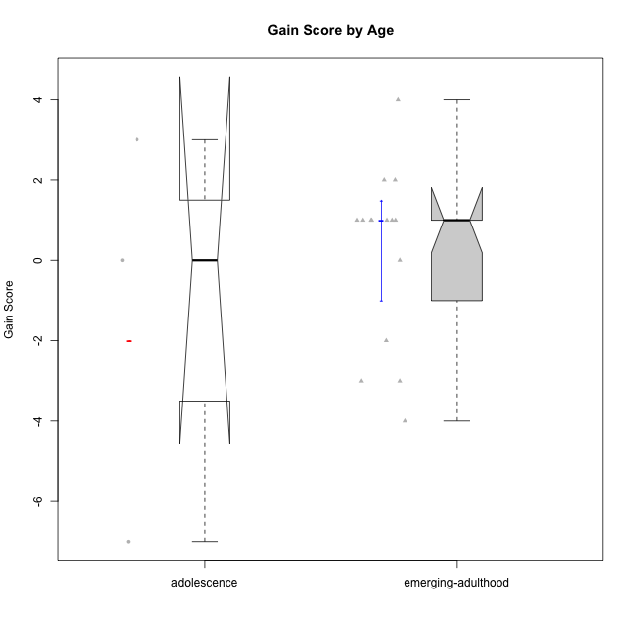

Wilcoxon data
UserID | Age | Sex | LikeDomainContent | LikeActionGames | LikeAdventureGames | LikeFightingGames | LikeFictionGames | LikePlatformerGames | LikePuzzleGames | LikeRacingGames | LikeMusicalGames | LikeMMORPGGames | LikeShooterGames | LikeSimulationGames | LikeSportsGames | LikeStrategyGames | LikeNovelGames | Pre01 | Pre02 | Pre03 | Pre04 | Pre05 | Pre06 | Pre07 | Pre08 | Pre09 | Pre10 | Pre11 | Pre12 | Pre13 | Pre14 | Pre15 | Pre16 | Pre17 | Pre18 | Pre19 | Pre20 | Pos01 | Pos02 | Pos03 | Pos04 | Pos05 | Pos06 | Pos07 | Pos08 | Pos09 | Pos10 | Pos11 | Pos12 | Pos13 | Pos14 | Pos15 | Pos16 | Pos17 | Pos18 | Pos19 | Pos20 | NPre | NPos | GainScore
anaclaraamorim@usp.br | emerging-adulthood | female | yes | yes | yes | no | no | yes | no | yes | no | no | no | no | no | yes | no | 0 | 1 | 0 | 0 | 1 | 0 | 0 | 1 | 1 | 1 | 1 | 1 | 1 | 0 | 1 | 0 | 0 | 0 | 0 | 1 | 0 | 0 | 0 | 1 | 1 | 1 | 0 | 1 | 1 | 1 | 0 | 0 | 0 | 0 | 0 | 0 | 0 | 1 | 0 | 0 | 10 | 7 | -3
andrey.garcia@usp.br | adolescence | male | no | no | no | no | yes | yes | no | no | no | no | yes | no | yes | yes | yes | 0 | 0 | 0 | 0 | 1 | 0 | 0 | 0 | 1 | 0 | 1 | 1 | 1 | 0 | 1 | 1 | 0 | 1 | 0 | 0 | 1 | 1 | 0 | 1 | 0 | 0 | 0 | 1 | 1 | 1 | 0 | 1 | 1 | 0 | 1 | 1 | 1 | 0 | 0 | 0 | 8 | 11 | 3
bobagi@usp.br | emerging-adulthood | female | no | no | no | no | no | no | no | no | no | no | no | no | no | yes | yes | 0 | 0 | 0 | 1 | 1 | 0 | 0 | 0 | 1 | 1 | 1 | 1 | 1 | 1 | 1 | 1 | 0 | 1 | 0 | 0 | 0 | 1 | 0 | 0 | 0 | 1 | 0 | 1 | 1 | 1 | 0 | 0 | 0 | 0 | 1 | 1 | 0 | 0 | 0 | 0 | 11 | 7 | -4
darknighmare1@usp.br | emerging-adulthood | male | no | no | yes | no | yes | no | no | yes | no | no | no | no | yes | yes | yes | 1 | 0 | 0 | 0 | 0 | 0 | 1 | 0 | 1 | 1 | 1 | 1 | 0 | 0 | 0 | 0 | 1 | 1 | 0 | 0 | 0 | 0 | 1 | 1 | 0 | 1 | 0 | 0 | 0 | 0 | 1 | 1 | 1 | 1 | 0 | 1 | 1 | 0 | 1 | 0 | 8 | 10 | 2
enricomandelli@usp.br | emerging-adulthood | male | yes | no | no | no | no | no | no | no | no | no | yes | no | no | no | no | 1 | 1 | 1 | 1 | 1 | 1 | 1 | 1 | 1 | 1 | 1 | 1 | 1 | 1 | 1 | 1 | 1 | 1 | 0 | 0 | 1 | 1 | 1 | 1 | 1 | 1 | 1 | 1 | 1 | 1 | 1 | 1 | 1 | 1 | 0 | 1 | 1 | 1 | 1 | 1 | 18 | 19 | 1
felype49@gmail.com | emerging-adulthood | male | no | no | no | yes | no | no | no | yes | no | no | yes | no | no | no | no | 0 | 0 | 0 | 0 | 0 | 0 | 0 | 0 | 1 | 1 | 1 | 1 | 0 | 1 | 1 | 0 | 0 | 0 | 0 | 0 | 1 | 0 | 0 | 0 | 0 | 0 | 0 | 1 | 1 | 1 | 0 | 1 | 0 | 1 | 1 | 0 | 0 | 0 | 0 | 0 | 6 | 7 | 1
felype49@gmail.com | emerging-adulthood | male | no | no | no | yes | no | no | no | yes | no | no | yes | no | no | no | no | 0 | 0 | 0 | 0 | 0 | 0 | 0 | 0 | 1 | 1 | 1 | 1 | 0 | 1 | 1 | 0 | 0 | 0 | 0 | 0 | 1 | 0 | 0 | 0 | 0 | 0 | 0 | 1 | 1 | 1 | 0 | 1 | 0 | 1 | 1 | 0 | 0 | 0 | 0 | 0 | 6 | 7 | 1
felype49@gmail.com | emerging-adulthood | male | no | no | no | yes | no | no | no | yes | no | no | yes | no | no | no | no | 0 | 0 | 0 | 0 | 0 | 0 | 0 | 0 | 1 | 1 | 1 | 1 | 0 | 1 | 1 | 0 | 0 | 0 | 0 | 0 | 1 | 0 | 0 | 0 | 0 | 0 | 0 | 1 | 1 | 1 | 0 | 1 | 0 | 1 | 1 | 0 | 0 | 0 | 0 | 0 | 6 | 7 | 1
felype49@gmail.com | emerging-adulthood | male | no | no | no | yes | no | no | no | yes | no | no | yes | no | no | no | no | 0 | 0 | 0 | 0 | 0 | 0 | 0 | 0 | 1 | 1 | 1 | 1 | 0 | 1 | 1 | 0 | 0 | 0 | 0 | 0 | 1 | 0 | 0 | 0 | 0 | 0 | 0 | 1 | 1 | 1 | 0 | 1 | 0 | 1 | 1 | 0 | 0 | 0 | 0 | 0 | 6 | 7 | 1
joao_alves2000@usp.br | adolescence | male | no | no | no | no | no | no | no | no | no | no | yes | no | no | no | no | 1 | 1 | 1 | 0 | 0 | 0 | 1 | 0 | 1 | 0 | 0 | 0 | 1 | 0 | 0 | 0 | 0 | 0 | 0 | 0 | 0 | 1 | 0 | 0 | 1 | 1 | 0 | 0 | 0 | 0 | 0 | 0 | 0 | 0 | 0 | 1 | 0 | 1 | 0 | 1 | 6 | 6 | 0
marceloaugustodosreis@usp.br | emerging-adulthood | male | no | yes | yes | yes | no | no | no | no | no | no | yes | no | yes | yes | no | 0 | 0 | 0 | 1 | 0 | 1 | 1 | 1 | 1 | 1 | 1 | 1 | 1 | 1 | 0 | 0 | 1 | 0 | 0 | 0 | 0 | 0 | 0 | 1 | 0 | 0 | 0 | 1 | 0 | 1 | 1 | 1 | 0 | 0 | 0 | 1 | 0 | 1 | 0 | 1 | 11 | 8 | -3
marcoantonio.duarte@usp.br | emerging-adulthood | male | yes | no | yes | no | no | yes | no | no | no | no | yes | no | yes | no | no | 0 | 0 | 1 | 0 | 0 | 0 | 0 | 1 | 0 | 0 | 0 | 0 | 0 | 0 | 0 | 0 | 0 | 1 | 1 | 0 | 0 | 0 | 1 | 1 | 1 | 0 | 0 | 1 | 1 | 0 | 0 | 1 | 0 | 0 | 0 | 0 | 0 | 0 | 0 | 0 | 4 | 6 | 2
markelberestov@usp.br | emerging-adulthood | male | no | no | yes | no | no | yes | no | yes | no | no | yes | no | yes | no | yes | 0 | 0 | 1 | 0 | 0 | 0 | 0 | 1 | 0 | 1 | 0 | 1 | 1 | 0 | 0 | 1 | 1 | 1 | 0 | 0 | 0 | 1 | 0 | 0 | 0 | 1 | 0 | 0 | 0 | 0 | 1 | 0 | 1 | 0 | 0 | 1 | 1 | 0 | 0 | 0 | 8 | 6 | -2
mipalmezan@usp.br | emerging-adulthood | male | yes | no | yes | no | no | yes | no | no | no | no | no | no | no | yes | yes | 0 | 0 | 0 | 1 | 0 | 0 | 0 | 0 | 1 | 1 | 0 | 0 | 0 | 0 | 0 | 1 | 1 | 1 | 0 | 1 | 0 | 0 | 1 | 0 | 1 | 0 | 0 | 1 | 1 | 0 | 0 | 0 | 1 | 0 | 1 | 1 | 0 | 0 | 0 | 1 | 7 | 8 | 1
rafael_rcp@usp.br | emerging-adulthood | male | yes | yes | yes | no | no | yes | no | no | yes | no | yes | no | no | no | yes | 1 | 1 | 1 | 1 | 1 | 1 | 1 | 1 | 1 | 1 | 1 | 1 | 1 | 1 | 1 | 1 | 0 | 1 | 0 | 0 | 1 | 1 | 1 | 0 | 1 | 1 | 1 | 1 | 1 | 1 | 1 | 1 | 1 | 1 | 1 | 1 | 0 | 0 | 1 | 1 | 17 | 17 | 0
si.guilherme_queiroz@usp.br | adolescence | male | yes | no | no | no | no | no | no | no | no | no | yes | no | no | no | no | 0 | 1 | 1 | 1 | 1 | 1 | 1 | 1 | 1 | 0 | 1 | 1 | 1 | 1 | 1 | 1 | 0 | 0 | 1 | 0 | 0 | 1 | 0 | 1 | 1 | 0 | 0 | 0 | 0 | 1 | 1 | 0 | 0 | 1 | 1 | 0 | 1 | 0 | 0 | 0 | 15 | 8 | -7
tamiris.a.cordeiro@gmail.com | emerging-adulthood | female | no | no | yes | yes | no | yes | no | no | no | no | no | no | no | no | no | 0 | 0 | 1 | 0 | 0 | 0 | 0 | 0 | 1 | 1 | 1 | 0 | 1 | 1 | 1 | 1 | 0 | 1 | 0 | 0 | 1 | 1 | 0 | 0 | 1 | 0 | 0 | 0 | 0 | 1 | 1 | 1 | 0 | 1 | 1 | 1 | 0 | 1 | 0 | 0 | 9 | 10 | 1
victor_momente@usp.br | emerging-adulthood | male | no | no | no | no | no | no | no | no | no | no | yes | no | yes | yes | no | 0 | 1 | 1 | 1 | 1 | 1 | 1 | 1 | 1 | 1 | 0 | 0 | 1 | 1 | 1 | 1 | 1 | 1 | 0 | 0 | 1 | 1 | 1 | 1 | 1 | 1 | 1 | 1 | 1 | 1 | 1 | 1 | 1 | 1 | 1 | 1 | 1 | 1 | 0 | 1 | 15 | 19 | 4

Age_3
Wilcoxon Analysis for Gain Score by Age in Age between adulthood:emerging-adulthood

Wilcoxon test results
Alternative hypothesis: less
Group | N | Median | Mean.Ranks | Sum.Ranks | U | Z | p.value | r | magnitude
adulthood | 4 | 0.5 | 10.5 | 42 | 32 | 0.20809815786 | 0.60448916409 | 0.047740991603 | none
emerging-adulthood | 15 | 1 | 9.8666666667 | 148 | 32 | 0.20809815786 | 0.60448916409 | 0.047740991603 | none
Alternative hypothesis: greater
Group | N | Median | Mean.Ranks | Sum.Ranks | U | Z | p.value | r | magnitude
adulthood | 4 | 0.5 | 10.5 | 42 | 32 | 0.20809815786 | 0.44066047472 | 0.047740991603 | none
emerging-adulthood | 15 | 1 | 9.8666666667 | 148 | 32 | 0.20809815786 | 0.44066047472 | 0.047740991603 | none
Alternative hypothesis: two.sided
Group | N | Median | Mean.Ranks | Sum.Ranks | U | Z | p.value | r | magnitude
adulthood | 4 | 0.5 | 10.5 | 42 | 32 | 0.20809815786 | 0.86661506708 | 0.047740991603 | none
emerging-adulthood | 15 | 1 | 9.8666666667 | 148 | 32 | 0.20809815786 | 0.86661506708 | 0.047740991603 | none

Box plots for wilcoxon tests
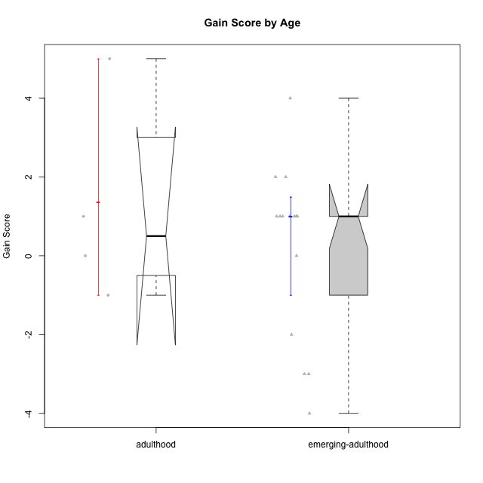

Wilcoxon data
UserID | Age | Sex | LikeDomainContent | LikeActionGames | LikeAdventureGames | LikeFightingGames | LikeFictionGames | LikePlatformerGames | LikePuzzleGames | LikeRacingGames | LikeMusicalGames | LikeMMORPGGames | LikeShooterGames | LikeSimulationGames | LikeSportsGames | LikeStrategyGames | LikeNovelGames | Pre01 | Pre02 | Pre03 | Pre04 | Pre05 | Pre06 | Pre07 | Pre08 | Pre09 | Pre10 | Pre11 | Pre12 | Pre13 | Pre14 | Pre15 | Pre16 | Pre17 | Pre18 | Pre19 | Pre20 | Pos01 | Pos02 | Pos03 | Pos04 | Pos05 | Pos06 | Pos07 | Pos08 | Pos09 | Pos10 | Pos11 | Pos12 | Pos13 | Pos14 | Pos15 | Pos16 | Pos17 | Pos18 | Pos19 | Pos20 | NPre | NPos | GainScore
anaclaraamorim@usp.br | emerging-adulthood | female | yes | yes | yes | no | no | yes | no | yes | no | no | no | no | no | yes | no | 0 | 1 | 0 | 0 | 1 | 0 | 0 | 1 | 1 | 1 | 1 | 1 | 1 | 0 | 1 | 0 | 0 | 0 | 0 | 1 | 0 | 0 | 0 | 1 | 1 | 1 | 0 | 1 | 1 | 1 | 0 | 0 | 0 | 0 | 0 | 0 | 0 | 1 | 0 | 0 | 10 | 7 | -3
bobagi@usp.br | emerging-adulthood | female | no | no | no | no | no | no | no | no | no | no | no | no | no | yes | yes | 0 | 0 | 0 | 1 | 1 | 0 | 0 | 0 | 1 | 1 | 1 | 1 | 1 | 1 | 1 | 1 | 0 | 1 | 0 | 0 | 0 | 1 | 0 | 0 | 0 | 1 | 0 | 1 | 1 | 1 | 0 | 0 | 0 | 0 | 1 | 1 | 0 | 0 | 0 | 0 | 11 | 7 | -4
bperet@usp.br | adulthood | male | yes | yes | yes | no | yes | no | yes | no | no | no | yes | no | no | yes | yes | 1 | 1 | 1 | 1 | 1 | 1 | 1 | 1 | 1 | 1 | 1 | 1 | 0 | 1 | 1 | 1 | 1 | 1 | 1 | 1 | 1 | 1 | 0 | 1 | 1 | 1 | 1 | 1 | 1 | 1 | 1 | 1 | 1 | 0 | 1 | 1 | 1 | 1 | 1 | 1 | 19 | 18 | -1
darknighmare1@usp.br | emerging-adulthood | male | no | no | yes | no | yes | no | no | yes | no | no | no | no | yes | yes | yes | 1 | 0 | 0 | 0 | 0 | 0 | 1 | 0 | 1 | 1 | 1 | 1 | 0 | 0 | 0 | 0 | 1 | 1 | 0 | 0 | 0 | 0 | 1 | 1 | 0 | 1 | 0 | 0 | 0 | 0 | 1 | 1 | 1 | 1 | 0 | 1 | 1 | 0 | 1 | 0 | 8 | 10 | 2
enricomandelli@usp.br | emerging-adulthood | male | yes | no | no | no | no | no | no | no | no | no | yes | no | no | no | no | 1 | 1 | 1 | 1 | 1 | 1 | 1 | 1 | 1 | 1 | 1 | 1 | 1 | 1 | 1 | 1 | 1 | 1 | 0 | 0 | 1 | 1 | 1 | 1 | 1 | 1 | 1 | 1 | 1 | 1 | 1 | 1 | 1 | 1 | 0 | 1 | 1 | 1 | 1 | 1 | 18 | 19 | 1
felype49@gmail.com | emerging-adulthood | male | no | no | no | yes | no | no | no | yes | no | no | yes | no | no | no | no | 0 | 0 | 0 | 0 | 0 | 0 | 0 | 0 | 1 | 1 | 1 | 1 | 0 | 1 | 1 | 0 | 0 | 0 | 0 | 0 | 1 | 0 | 0 | 0 | 0 | 0 | 0 | 1 | 1 | 1 | 0 | 1 | 0 | 1 | 1 | 0 | 0 | 0 | 0 | 0 | 6 | 7 | 1
felype49@gmail.com | emerging-adulthood | male | no | no | no | yes | no | no | no | yes | no | no | yes | no | no | no | no | 0 | 0 | 0 | 0 | 0 | 0 | 0 | 0 | 1 | 1 | 1 | 1 | 0 | 1 | 1 | 0 | 0 | 0 | 0 | 0 | 1 | 0 | 0 | 0 | 0 | 0 | 0 | 1 | 1 | 1 | 0 | 1 | 0 | 1 | 1 | 0 | 0 | 0 | 0 | 0 | 6 | 7 | 1
felype49@gmail.com | emerging-adulthood | male | no | no | no | yes | no | no | no | yes | no | no | yes | no | no | no | no | 0 | 0 | 0 | 0 | 0 | 0 | 0 | 0 | 1 | 1 | 1 | 1 | 0 | 1 | 1 | 0 | 0 | 0 | 0 | 0 | 1 | 0 | 0 | 0 | 0 | 0 | 0 | 1 | 1 | 1 | 0 | 1 | 0 | 1 | 1 | 0 | 0 | 0 | 0 | 0 | 6 | 7 | 1
felype49@gmail.com | emerging-adulthood | male | no | no | no | yes | no | no | no | yes | no | no | yes | no | no | no | no | 0 | 0 | 0 | 0 | 0 | 0 | 0 | 0 | 1 | 1 | 1 | 1 | 0 | 1 | 1 | 0 | 0 | 0 | 0 | 0 | 1 | 0 | 0 | 0 | 0 | 0 | 0 | 1 | 1 | 1 | 0 | 1 | 0 | 1 | 1 | 0 | 0 | 0 | 0 | 0 | 6 | 7 | 1
gabrielmorao@usp.br | adulthood | male | yes | yes | yes | no | no | no | no | no | no | no | no | no | no | yes | no | 0 | 0 | 0 | 0 | 1 | 0 | 1 | 0 | 1 | 1 | 1 | 1 | 1 | 1 | 0 | 0 | 1 | 0 | 1 | 0 | 1 | 1 | 1 | 1 | 1 | 1 | 1 | 1 | 1 | 1 | 1 | 0 | 1 | 1 | 0 | 0 | 0 | 1 | 0 | 1 | 10 | 15 | 5
marceloaugustodosreis@usp.br | emerging-adulthood | male | no | yes | yes | yes | no | no | no | no | no | no | yes | no | yes | yes | no | 0 | 0 | 0 | 1 | 0 | 1 | 1 | 1 | 1 | 1 | 1 | 1 | 1 | 1 | 0 | 0 | 1 | 0 | 0 | 0 | 0 | 0 | 0 | 1 | 0 | 0 | 0 | 1 | 0 | 1 | 1 | 1 | 0 | 0 | 0 | 1 | 0 | 1 | 0 | 1 | 11 | 8 | -3
marcoantonio.duarte@usp.br | emerging-adulthood | male | yes | no | yes | no | no | yes | no | no | no | no | yes | no | yes | no | no | 0 | 0 | 1 | 0 | 0 | 0 | 0 | 1 | 0 | 0 | 0 | 0 | 0 | 0 | 0 | 0 | 0 | 1 | 1 | 0 | 0 | 0 | 1 | 1 | 1 | 0 | 0 | 1 | 1 | 0 | 0 | 1 | 0 | 0 | 0 | 0 | 0 | 0 | 0 | 0 | 4 | 6 | 2
markelberestov@usp.br | emerging-adulthood | male | no | no | yes | no | no | yes | no | yes | no | no | yes | no | yes | no | yes | 0 | 0 | 1 | 0 | 0 | 0 | 0 | 1 | 0 | 1 | 0 | 1 | 1 | 0 | 0 | 1 | 1 | 1 | 0 | 0 | 0 | 1 | 0 | 0 | 0 | 1 | 0 | 0 | 0 | 0 | 1 | 0 | 1 | 0 | 0 | 1 | 1 | 0 | 0 | 0 | 8 | 6 | -2
mipalmezan@usp.br | emerging-adulthood | male | yes | no | yes | no | no | yes | no | no | no | no | no | no | no | yes | yes | 0 | 0 | 0 | 1 | 0 | 0 | 0 | 0 | 1 | 1 | 0 | 0 | 0 | 0 | 0 | 1 | 1 | 1 | 0 | 1 | 0 | 0 | 1 | 0 | 1 | 0 | 0 | 1 | 1 | 0 | 0 | 0 | 1 | 0 | 1 | 1 | 0 | 0 | 0 | 1 | 7 | 8 | 1
or.pasqual@usp.br | adulthood | male | yes | no | yes | no | no | no | yes | no | no | no | no | no | no | yes | no | 1 | 1 | 1 | 1 | 1 | 1 | 1 | 1 | 1 | 1 | 1 | 1 | 1 | 1 | 1 | 1 | 1 | 1 | 1 | 1 | 1 | 1 | 1 | 1 | 1 | 1 | 1 | 1 | 1 | 1 | 1 | 1 | 1 | 1 | 1 | 1 | 1 | 1 | 1 | 1 | 20 | 20 | 0
rafael_rcp@usp.br | emerging-adulthood | male | yes | yes | yes | no | no | yes | no | no | yes | no | yes | no | no | no | yes | 1 | 1 | 1 | 1 | 1 | 1 | 1 | 1 | 1 | 1 | 1 | 1 | 1 | 1 | 1 | 1 | 0 | 1 | 0 | 0 | 1 | 1 | 1 | 0 | 1 | 1 | 1 | 1 | 1 | 1 | 1 | 1 | 1 | 1 | 1 | 1 | 0 | 0 | 1 | 1 | 17 | 17 | 0
stellajusto@gmail.com | adulthood | female | yes | no | no | yes | no | yes | yes | no | no | no | no | no | no | yes | no | 0 | 0 | 0 | 0 | 1 | 0 | 0 | 1 | 1 | 1 | 1 | 1 | 1 | 0 | 1 | 0 | 0 | 0 | 1 | 1 | 1 | 1 | 1 | 1 | 0 | 0 | 0 | 1 | 1 | 1 | 0 | 1 | 1 | 0 | 1 | 1 | 0 | 0 | 0 | 0 | 10 | 11 | 1
tamiris.a.cordeiro@gmail.com | emerging-adulthood | female | no | no | yes | yes | no | yes | no | no | no | no | no | no | no | no | no | 0 | 0 | 1 | 0 | 0 | 0 | 0 | 0 | 1 | 1 | 1 | 0 | 1 | 1 | 1 | 1 | 0 | 1 | 0 | 0 | 1 | 1 | 0 | 0 | 1 | 0 | 0 | 0 | 0 | 1 | 1 | 1 | 0 | 1 | 1 | 1 | 0 | 1 | 0 | 0 | 9 | 10 | 1
victor_momente@usp.br | emerging-adulthood | male | no | no | no | no | no | no | no | no | no | no | yes | no | yes | yes | no | 0 | 1 | 1 | 1 | 1 | 1 | 1 | 1 | 1 | 1 | 0 | 0 | 1 | 1 | 1 | 1 | 1 | 1 | 0 | 0 | 1 | 1 | 1 | 1 | 1 | 1 | 1 | 1 | 1 | 1 | 1 | 1 | 1 | 1 | 1 | 1 | 1 | 1 | 0 | 1 | 15 | 19 | 4

