Age_1
Wilcoxon Analysis for Intrinsic Motivation by Age in Age between adolescence:adulthood

Wilcoxon test results
Alternative hypothesis: less
Group | N | Median | Mean.Ranks | Sum.Ranks | U | Z | p.value | r | magnitude
adolescence | 3 | 4.7083333333 | 2.6666666667 | 8 | 2 | -1.4142135624 | 0.11428571429 | 0.53452248382 | large
adulthood | 4 | 5.3571428571 | 5 | 20 | 2 | -1.4142135624 | 0.11428571429 | 0.53452248382 | large
Alternative hypothesis: greater
Group | N | Median | Mean.Ranks | Sum.Ranks | U | Z | p.value | r | magnitude
adolescence | 3 | 4.7083333333 | 2.6666666667 | 8 | 2 | -1.4142135624 | 0.94285714286 | 0.53452248382 | large
adulthood | 4 | 5.3571428571 | 5 | 20 | 2 | -1.4142135624 | 0.94285714286 | 0.53452248382 | large
Alternative hypothesis: two.sided
Group | N | Median | Mean.Ranks | Sum.Ranks | U | Z | p.value | r | magnitude
adolescence | 3 | 4.7083333333 | 2.6666666667 | 8 | 2 | -1.4142135624 | 0.22857142857 | 0.53452248382 | large
adulthood | 4 | 5.3571428571 | 5 | 20 | 2 | -1.4142135624 | 0.22857142857 | 0.53452248382 | large

Box plots for wilcoxon tests
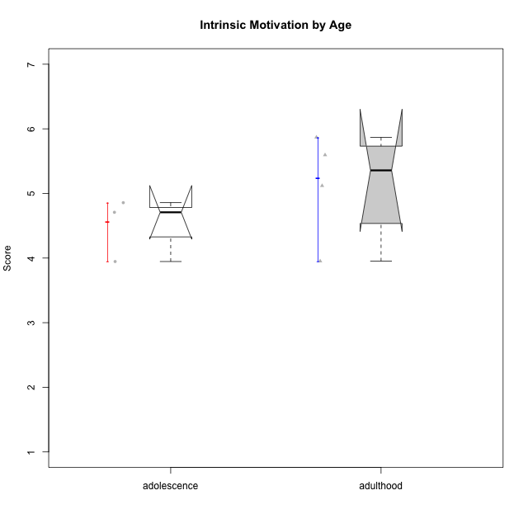

Wilcoxon data
UserID | Age | Sex | LikeDomainContent | LikeActionGames | LikeAdventureGames | LikeFightingGames | LikeFictionGames | LikePlatformerGames | LikePuzzleGames | LikeRacingGames | LikeMusicalGames | LikeMMORPGGames | LikeShooterGames | LikeSimulationGames | LikeSportsGames | LikeStrategyGames | LikeNovelGames | Item02PC | Item05PC | Item06PC | Item08PC | Item15PC | Item23PC | Item25PC2 | Item26PC2 | Item27PC2 | Item28PC2 | Item29PC2 | Item30PC2 | Item31VU | Item32VU | Item33VU | Item34VU | Item35VU | Item36VU | Item37VU | Item09IE | Item12IE | Item19IE | Item20IE | Item21IE | Item22IE | Item24IE | Interest/Enjoyment | Perceived Choice | Perceived Competence | Value/Usefulness | Intrinsic Motivation
andrey.garcia@usp.br | adolescence | male | no | no | no | no | yes | yes | no | no | no | no | yes | no | yes | yes | yes | 1 | 3 | 1 | 2 | 1 | 6 | 2 | 3 | 4 | 2 | 4 | 2 | 5 | 5 | 5 | 5 | 4 | 4 | 3 | 5 | 5 | 1 | 1 | 4 | 6 | 5 | 5.5714285714 | 6 | 2.8333333333 | 4.4285714286 | 4.7083333333
bperet@usp.br | adulthood | male | yes | yes | yes | no | yes | no | yes | no | no | no | yes | no | no | yes | yes | 3 | 7 | 5 | 4 | 1 | 6 | 6 | 5 | 7 | 5 | 4 | 5 | 6 | 7 | 6 | 6 | 4 | 4 | 5 | 6 | 6 | 1 | 1 | 6 | 5 | 7 | 6.2857142857 | 5.3333333333 | 5.3333333333 | 5.4285714286 | 5.5952380952
gabrielmorao@usp.br | adulthood | male | yes | yes | yes | no | no | no | no | no | no | no | no | no | no | yes | no | 2 | 6 | 1 | 2 | 3 | 5 | 6 | 4 | 5 | 5 | 5 | 2 | 5 | 3 | 4 | 4 | 5 | 5 | 5 | 6 | 6 | 2 | 1 | 5 | 5 | 5 | 5.7142857143 | 5.8333333333 | 4.5 | 4.4285714286 | 5.119047619
joao_alves2000@usp.br | adolescence | male | no | no | no | no | no | no | no | no | no | no | yes | no | no | no | no | 4 | 5 | 5 | 2 | 1 | 3 | 2 | 2 | 5 | 2 | 4 | 2 | 4 | 4 | 4 | 4 | 3 | 4 | 5 | 4 | 5 | 6 | 2 | 5 | 4 | 4 | 4.2857142857 | 4.6666666667 | 2.8333333333 | 4 | 3.9464285714
or.pasqual@usp.br | adulthood | male | yes | no | yes | no | no | no | yes | no | no | no | no | no | no | yes | no | 1 | 6 | 1 | 1 | 1 | 6 | 7 | 7 | 7 | 7 | 5 | 1 | 6 | 6 | 6 | 6 | 5 | 5 | 6 | 6 | 5 | 4 | 2 | 6 | 5 | 6 | 5.4285714286 | 6.6666666667 | 5.6666666667 | 5.7142857143 | 5.869047619
si.guilherme_queiroz@usp.br | adolescence | male | yes | no | no | no | no | no | no | no | no | no | yes | no | no | no | no | 1 | 7 | 1 | 1 | 1 | 7 | 4 | 2 | 3 | 3 | 4 | 2 | 3 | 5 | 2 | 3 | 3 | 3 | 7 | 7 | 7 | 4 | 7 | 7 | 7 | 7 | 5.7142857143 | 7 | 3 | 3.7142857143 | 4.8571428571
stellajusto@gmail.com | adulthood | female | yes | no | no | yes | no | yes | yes | no | no | no | no | no | no | yes | no | 3 | 4 | 2 | 3 | 4 | 6 | 2 | 2 | 3 | 2 | 3 | 4 | 5 | 4 | 4 | 4 | 5 | 5 | 4 | 3 | 5 | 3 | 6 | 4 | 4 | 3 | 3.7142857143 | 5 | 2.6666666667 | 4.4285714286 | 3.9523809524

Age_2
Wilcoxon Analysis for Intrinsic Motivation by Age in Age between adolescence:emerging-adulthood

Wilcoxon test results
Alternative hypothesis: less
Group | N | Median | Mean.Ranks | Sum.Ranks | U | Z | p.value | r | magnitude
adolescence | 3 | 4.7083333333 | 6.3333333333 | 19 | 13 | -0.72298002702 | 0.25494505495 | 0.18667264029 | small
emerging-adulthood | 12 | 4.7142857143 | 8.4166666667 | 101 | 13 | -0.72298002702 | 0.25494505495 | 0.18667264029 | small
Alternative hypothesis: greater
Group | N | Median | Mean.Ranks | Sum.Ranks | U | Z | p.value | r | magnitude
adolescence | 3 | 4.7083333333 | 6.3333333333 | 19 | 13 | -0.72298002702 | 0.76703296703 | 0.18667264029 | small
emerging-adulthood | 12 | 4.7142857143 | 8.4166666667 | 101 | 13 | -0.72298002702 | 0.76703296703 | 0.18667264029 | small
Alternative hypothesis: two.sided
Group | N | Median | Mean.Ranks | Sum.Ranks | U | Z | p.value | r | magnitude
adolescence | 3 | 4.7083333333 | 6.3333333333 | 19 | 13 | -0.72298002702 | 0.50769230769 | 0.18667264029 | small
emerging-adulthood | 12 | 4.7142857143 | 8.4166666667 | 101 | 13 | -0.72298002702 | 0.50769230769 | 0.18667264029 | small

Box plots for wilcoxon tests
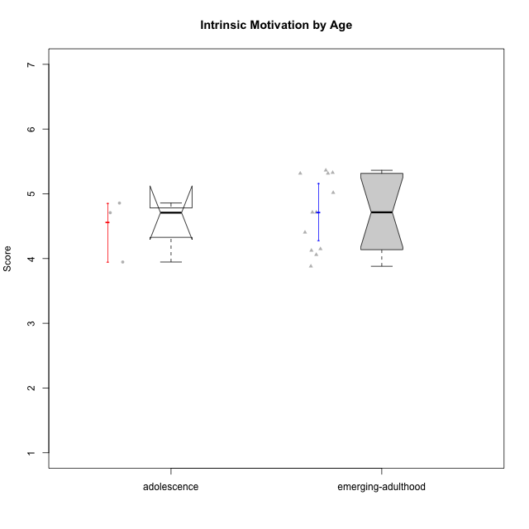

Wilcoxon data
UserID | Age | Sex | LikeDomainContent | LikeActionGames | LikeAdventureGames | LikeFightingGames | LikeFictionGames | LikePlatformerGames | LikePuzzleGames | LikeRacingGames | LikeMusicalGames | LikeMMORPGGames | LikeShooterGames | LikeSimulationGames | LikeSportsGames | LikeStrategyGames | LikeNovelGames | Item02PC | Item05PC | Item06PC | Item08PC | Item15PC | Item23PC | Item25PC2 | Item26PC2 | Item27PC2 | Item28PC2 | Item29PC2 | Item30PC2 | Item31VU | Item32VU | Item33VU | Item34VU | Item35VU | Item36VU | Item37VU | Item09IE | Item12IE | Item19IE | Item20IE | Item21IE | Item22IE | Item24IE | Interest/Enjoyment | Perceived Choice | Perceived Competence | Value/Usefulness | Intrinsic Motivation
anaclaraamorim@usp.br | emerging-adulthood | female | yes | yes | yes | no | no | yes | no | yes | no | no | no | no | no | yes | no | 3 | 5 | 4 | 3 | 5 | 5 | 4 | 4 | 5 | 4 | 5 | 2 | 6 | 6 | 6 | 6 | 6 | 6 | 6 | 6 | 6 | 3 | 3 | 6 | 6 | 5 | 5.5714285714 | 4.5 | 4 | 6 | 5.0178571429
andrey.garcia@usp.br | adolescence | male | no | no | no | no | yes | yes | no | no | no | no | yes | no | yes | yes | yes | 1 | 3 | 1 | 2 | 1 | 6 | 2 | 3 | 4 | 2 | 4 | 2 | 5 | 5 | 5 | 5 | 4 | 4 | 3 | 5 | 5 | 1 | 1 | 4 | 6 | 5 | 5.5714285714 | 6 | 2.8333333333 | 4.4285714286 | 4.7083333333
darknighmare1@usp.br | emerging-adulthood | male | no | no | yes | no | yes | no | no | yes | no | no | no | no | yes | yes | yes | 3 | 5 | 2 | 5 | 5 | 3 | 4 | 5 | 2 | 6 | 2 | 5 | 2 | 6 | 5 | 3 | 5 | 6 | 4 | 5 | 4 | 5 | 5 | 4 | 4 | 5 | 4 | 4.1666666667 | 4 | 4.4285714286 | 4.1488095238
enricomandelli@usp.br | emerging-adulthood | male | yes | no | no | no | no | no | no | no | no | no | yes | no | no | no | no | 1 | 4 | 1 | 1 | 4 | 7 | 7 | 4 | 6 | 6 | 5 | 1 | 4 | 7 | 4 | 4 | 4 | 5 | 5 | 5 | 6 | 2 | 2 | 6 | 6 | 5 | 5.7142857143 | 6 | 4.8333333333 | 4.7142857143 | 5.3154761905
felype49@gmail.com | emerging-adulthood | male | no | no | no | yes | no | no | no | yes | no | no | yes | no | no | no | no | 1 | 7 | 1 | 1 | 1 | 6 | 5 | 1 | 5 | 4 | 3 | 1 | 4 | 3 | 4 | 4 | 4 | 4 | 4 | 5 | 5 | 2 | 3 | 6 | 5 | 3 | 5 | 6.8333333333 | 3.1666666667 | 3.8571428571 | 4.7142857143
felype49@gmail.com | emerging-adulthood | male | no | no | no | yes | no | no | no | yes | no | no | yes | no | no | no | no | 1 | 7 | 1 | 1 | 1 | 6 | 5 | 1 | 5 | 4 | 3 | 1 | 4 | 3 | 4 | 4 | 4 | 4 | 4 | 5 | 5 | 2 | 3 | 6 | 5 | 3 | 5 | 6.8333333333 | 3.1666666667 | 3.8571428571 | 4.7142857143
joao_alves2000@usp.br | adolescence | male | no | no | no | no | no | no | no | no | no | no | yes | no | no | no | no | 4 | 5 | 5 | 2 | 1 | 3 | 2 | 2 | 5 | 2 | 4 | 2 | 4 | 4 | 4 | 4 | 3 | 4 | 5 | 4 | 5 | 6 | 2 | 5 | 4 | 4 | 4.2857142857 | 4.6666666667 | 2.8333333333 | 4 | 3.9464285714
marceloaugustodosreis@usp.br | emerging-adulthood | male | no | yes | yes | yes | no | no | no | no | no | no | yes | no | yes | yes | no | 1 | 7 | 2 | 1 | 1 | 7 | 3 | 4 | 4 | 5 | 6 | 4 | 6 | 4 | 5 | 5 | 4 | 5 | 6 | 6 | 5 | 5 | 6 | 7 | 7 | 6 | 5.1428571429 | 6.8333333333 | 4.3333333333 | 5 | 5.3273809524
marcoantonio.duarte@usp.br | emerging-adulthood | male | yes | no | yes | no | no | yes | no | no | no | no | yes | no | yes | no | no | 5 | 7 | 5 | 2 | 4 | 2 | 7 | 7 | 2 | 7 | 7 | 1 | 7 | 2 | 5 | 5 | 1 | 6 | 2 | 2 | 7 | 5 | 4 | 7 | 5 | 2 | 4.2857142857 | 4.1666666667 | 5.1666666667 | 4 | 4.4047619048
markelberestov@usp.br | emerging-adulthood | male | no | no | yes | no | no | yes | no | yes | no | no | yes | no | yes | no | yes | 2 | 5 | 1 | 1 | 3 | 4 | 4 | 1 | 4 | 2 | 1 | 5 | 3 | 4 | 4 | 3 | 2 | 2 | 3 | 3 | 5 | 2 | 1 | 5 | 3 | 6 | 5 | 5.6666666667 | 2.8333333333 | 3 | 4.125
mipalmezan@usp.br | emerging-adulthood | male | yes | no | yes | no | no | yes | no | no | no | no | no | no | no | yes | yes | 1 | 7 | 1 | 1 | 1 | 5 | 6 | 5 | 5 | 5 | 3 | 3 | 5 | 5 | 5 | 5 | 5 | 6 | 6 | 6 | 6 | 3 | 2 | 4 | 5 | 3 | 5 | 6.6666666667 | 4.5 | 5.2857142857 | 5.3630952381
rafael_rcp@usp.br | emerging-adulthood | male | yes | yes | yes | no | no | yes | no | no | yes | no | yes | no | no | no | yes | 3 | 4 | 3 | 3 | 2 | 4 | 4 | 3 | 5 | 4 | 5 | 2 | 4 | 4 | 4 | 4 | 3 | 3 | 3 | 3 | 4 | 3 | 3 | 4 | 4 | 3 | 4 | 4.8333333333 | 3.8333333333 | 3.5714285714 | 4.0595238095
si.guilherme_queiroz@usp.br | adolescence | male | yes | no | no | no | no | no | no | no | no | no | yes | no | no | no | no | 1 | 7 | 1 | 1 | 1 | 7 | 4 | 2 | 3 | 3 | 4 | 2 | 3 | 5 | 2 | 3 | 3 | 3 | 7 | 7 | 7 | 4 | 7 | 7 | 7 | 7 | 5.7142857143 | 7 | 3 | 3.7142857143 | 4.8571428571
tamiris.a.cordeiro@gmail.com | emerging-adulthood | female | no | no | yes | yes | no | yes | no | no | no | no | no | no | no | no | no | 4 | 3 | 4 | 2 | 4 | 3 | 2 | 2 | 3 | 4 | 2 | 3 | 5 | 5 | 4 | 4 | 3 | 3 | 4 | 5 | 5 | 2 | 4 | 5 | 5 | 4 | 4.8571428571 | 4 | 2.6666666667 | 4 | 3.880952381
victor_momente@usp.br | emerging-adulthood | male | no | no | no | no | no | no | no | no | no | no | yes | no | yes | yes | no | 1 | 7 | 4 | 4 | 1 | 5 | 2 | 6 | 6 | 3 | 6 | 2 | 6 | 6 | 6 | 6 | 6 | 6 | 6 | 6 | 6 | 5 | 2 | 6 | 6 | 5 | 5.4285714286 | 5.6666666667 | 4.1666666667 | 6 | 5.3154761905

Age_3
Wilcoxon Analysis for Intrinsic Motivation by Age in Age between adulthood:emerging-adulthood

Wilcoxon test results
Alternative hypothesis: less
Group | N | Median | Mean.Ranks | Sum.Ranks | U | Z | p.value | r | magnitude
adulthood | 4 | 5.3571428571 | 10.75 | 43 | 33 | 1.093018877 | 0.86263736264 | 0.27325471925 | small
emerging-adulthood | 12 | 4.7142857143 | 7.75 | 93 | 33 | 1.093018877 | 0.86263736264 | 0.27325471925 | small
Alternative hypothesis: greater
Group | N | Median | Mean.Ranks | Sum.Ranks | U | Z | p.value | r | magnitude
adulthood | 4 | 5.3571428571 | 10.75 | 43 | 33 | 1.093018877 | 0.15054945055 | 0.27325471925 | small
emerging-adulthood | 12 | 4.7142857143 | 7.75 | 93 | 33 | 1.093018877 | 0.15054945055 | 0.27325471925 | small
Alternative hypothesis: two.sided
Group | N | Median | Mean.Ranks | Sum.Ranks | U | Z | p.value | r | magnitude
adulthood | 4 | 5.3571428571 | 10.75 | 43 | 33 | 1.093018877 | 0.30164835165 | 0.27325471925 | small
emerging-adulthood | 12 | 4.7142857143 | 7.75 | 93 | 33 | 1.093018877 | 0.30164835165 | 0.27325471925 | small

Box plots for wilcoxon tests
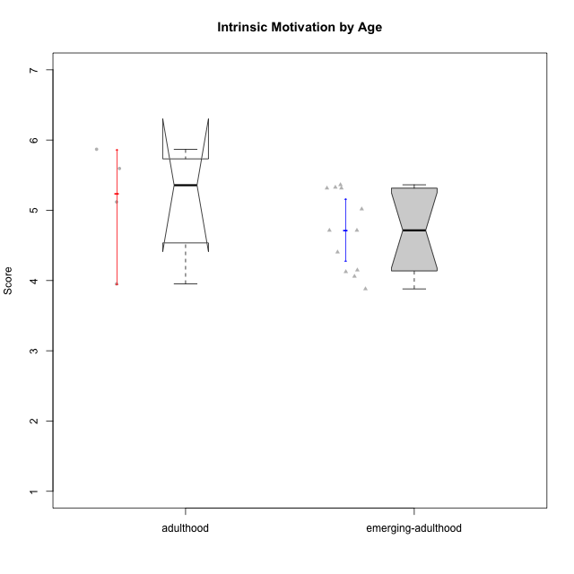

Wilcoxon data
UserID | Age | Sex | LikeDomainContent | LikeActionGames | LikeAdventureGames | LikeFightingGames | LikeFictionGames | LikePlatformerGames | LikePuzzleGames | LikeRacingGames | LikeMusicalGames | LikeMMORPGGames | LikeShooterGames | LikeSimulationGames | LikeSportsGames | LikeStrategyGames | LikeNovelGames | Item02PC | Item05PC | Item06PC | Item08PC | Item15PC | Item23PC | Item25PC2 | Item26PC2 | Item27PC2 | Item28PC2 | Item29PC2 | Item30PC2 | Item31VU | Item32VU | Item33VU | Item34VU | Item35VU | Item36VU | Item37VU | Item09IE | Item12IE | Item19IE | Item20IE | Item21IE | Item22IE | Item24IE | Interest/Enjoyment | Perceived Choice | Perceived Competence | Value/Usefulness | Intrinsic Motivation
anaclaraamorim@usp.br | emerging-adulthood | female | yes | yes | yes | no | no | yes | no | yes | no | no | no | no | no | yes | no | 3 | 5 | 4 | 3 | 5 | 5 | 4 | 4 | 5 | 4 | 5 | 2 | 6 | 6 | 6 | 6 | 6 | 6 | 6 | 6 | 6 | 3 | 3 | 6 | 6 | 5 | 5.5714285714 | 4.5 | 4 | 6 | 5.0178571429
bperet@usp.br | adulthood | male | yes | yes | yes | no | yes | no | yes | no | no | no | yes | no | no | yes | yes | 3 | 7 | 5 | 4 | 1 | 6 | 6 | 5 | 7 | 5 | 4 | 5 | 6 | 7 | 6 | 6 | 4 | 4 | 5 | 6 | 6 | 1 | 1 | 6 | 5 | 7 | 6.2857142857 | 5.3333333333 | 5.3333333333 | 5.4285714286 | 5.5952380952
darknighmare1@usp.br | emerging-adulthood | male | no | no | yes | no | yes | no | no | yes | no | no | no | no | yes | yes | yes | 3 | 5 | 2 | 5 | 5 | 3 | 4 | 5 | 2 | 6 | 2 | 5 | 2 | 6 | 5 | 3 | 5 | 6 | 4 | 5 | 4 | 5 | 5 | 4 | 4 | 5 | 4 | 4.1666666667 | 4 | 4.4285714286 | 4.1488095238
enricomandelli@usp.br | emerging-adulthood | male | yes | no | no | no | no | no | no | no | no | no | yes | no | no | no | no | 1 | 4 | 1 | 1 | 4 | 7 | 7 | 4 | 6 | 6 | 5 | 1 | 4 | 7 | 4 | 4 | 4 | 5 | 5 | 5 | 6 | 2 | 2 | 6 | 6 | 5 | 5.7142857143 | 6 | 4.8333333333 | 4.7142857143 | 5.3154761905
felype49@gmail.com | emerging-adulthood | male | no | no | no | yes | no | no | no | yes | no | no | yes | no | no | no | no | 1 | 7 | 1 | 1 | 1 | 6 | 5 | 1 | 5 | 4 | 3 | 1 | 4 | 3 | 4 | 4 | 4 | 4 | 4 | 5 | 5 | 2 | 3 | 6 | 5 | 3 | 5 | 6.8333333333 | 3.1666666667 | 3.8571428571 | 4.7142857143
felype49@gmail.com | emerging-adulthood | male | no | no | no | yes | no | no | no | yes | no | no | yes | no | no | no | no | 1 | 7 | 1 | 1 | 1 | 6 | 5 | 1 | 5 | 4 | 3 | 1 | 4 | 3 | 4 | 4 | 4 | 4 | 4 | 5 | 5 | 2 | 3 | 6 | 5 | 3 | 5 | 6.8333333333 | 3.1666666667 | 3.8571428571 | 4.7142857143
gabrielmorao@usp.br | adulthood | male | yes | yes | yes | no | no | no | no | no | no | no | no | no | no | yes | no | 2 | 6 | 1 | 2 | 3 | 5 | 6 | 4 | 5 | 5 | 5 | 2 | 5 | 3 | 4 | 4 | 5 | 5 | 5 | 6 | 6 | 2 | 1 | 5 | 5 | 5 | 5.7142857143 | 5.8333333333 | 4.5 | 4.4285714286 | 5.119047619
marceloaugustodosreis@usp.br | emerging-adulthood | male | no | yes | yes | yes | no | no | no | no | no | no | yes | no | yes | yes | no | 1 | 7 | 2 | 1 | 1 | 7 | 3 | 4 | 4 | 5 | 6 | 4 | 6 | 4 | 5 | 5 | 4 | 5 | 6 | 6 | 5 | 5 | 6 | 7 | 7 | 6 | 5.1428571429 | 6.8333333333 | 4.3333333333 | 5 | 5.3273809524
marcoantonio.duarte@usp.br | emerging-adulthood | male | yes | no | yes | no | no | yes | no | no | no | no | yes | no | yes | no | no | 5 | 7 | 5 | 2 | 4 | 2 | 7 | 7 | 2 | 7 | 7 | 1 | 7 | 2 | 5 | 5 | 1 | 6 | 2 | 2 | 7 | 5 | 4 | 7 | 5 | 2 | 4.2857142857 | 4.1666666667 | 5.1666666667 | 4 | 4.4047619048
markelberestov@usp.br | emerging-adulthood | male | no | no | yes | no | no | yes | no | yes | no | no | yes | no | yes | no | yes | 2 | 5 | 1 | 1 | 3 | 4 | 4 | 1 | 4 | 2 | 1 | 5 | 3 | 4 | 4 | 3 | 2 | 2 | 3 | 3 | 5 | 2 | 1 | 5 | 3 | 6 | 5 | 5.6666666667 | 2.8333333333 | 3 | 4.125
mipalmezan@usp.br | emerging-adulthood | male | yes | no | yes | no | no | yes | no | no | no | no | no | no | no | yes | yes | 1 | 7 | 1 | 1 | 1 | 5 | 6 | 5 | 5 | 5 | 3 | 3 | 5 | 5 | 5 | 5 | 5 | 6 | 6 | 6 | 6 | 3 | 2 | 4 | 5 | 3 | 5 | 6.6666666667 | 4.5 | 5.2857142857 | 5.3630952381
or.pasqual@usp.br | adulthood | male | yes | no | yes | no | no | no | yes | no | no | no | no | no | no | yes | no | 1 | 6 | 1 | 1 | 1 | 6 | 7 | 7 | 7 | 7 | 5 | 1 | 6 | 6 | 6 | 6 | 5 | 5 | 6 | 6 | 5 | 4 | 2 | 6 | 5 | 6 | 5.4285714286 | 6.6666666667 | 5.6666666667 | 5.7142857143 | 5.869047619
rafael_rcp@usp.br | emerging-adulthood | male | yes | yes | yes | no | no | yes | no | no | yes | no | yes | no | no | no | yes | 3 | 4 | 3 | 3 | 2 | 4 | 4 | 3 | 5 | 4 | 5 | 2 | 4 | 4 | 4 | 4 | 3 | 3 | 3 | 3 | 4 | 3 | 3 | 4 | 4 | 3 | 4 | 4.8333333333 | 3.8333333333 | 3.5714285714 | 4.0595238095
stellajusto@gmail.com | adulthood | female | yes | no | no | yes | no | yes | yes | no | no | no | no | no | no | yes | no | 3 | 4 | 2 | 3 | 4 | 6 | 2 | 2 | 3 | 2 | 3 | 4 | 5 | 4 | 4 | 4 | 5 | 5 | 4 | 3 | 5 | 3 | 6 | 4 | 4 | 3 | 3.7142857143 | 5 | 2.6666666667 | 4.4285714286 | 3.9523809524
tamiris.a.cordeiro@gmail.com | emerging-adulthood | female | no | no | yes | yes | no | yes | no | no | no | no | no | no | no | no | no | 4 | 3 | 4 | 2 | 4 | 3 | 2 | 2 | 3 | 4 | 2 | 3 | 5 | 5 | 4 | 4 | 3 | 3 | 4 | 5 | 5 | 2 | 4 | 5 | 5 | 4 | 4.8571428571 | 4 | 2.6666666667 | 4 | 3.880952381
victor_momente@usp.br | emerging-adulthood | male | no | no | no | no | no | no | no | no | no | no | yes | no | yes | yes | no | 1 | 7 | 4 | 4 | 1 | 5 | 2 | 6 | 6 | 3 | 6 | 2 | 6 | 6 | 6 | 6 | 6 | 6 | 6 | 6 | 6 | 5 | 2 | 6 | 6 | 5 | 5.4285714286 | 5.6666666667 | 4.1666666667 | 6 | 5.3154761905

