Assumptions
ANOVA assumptions for Interest/Enjoyment by AcademicDegree

Shapiro-Wilk normality test for Interest/Enjoyment by AcademicDegree
W | p.value
0.96617872865 | 0.169855305

Plots for normality test
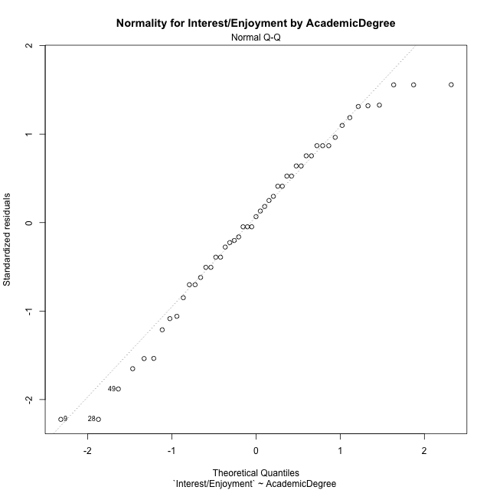

Levene's Test for Homogeneity of Variance in Interest/Enjoyment by AcademicDegree
Df | F value | Pr(>F)
2 | 0.051336909452 | 0.95001291328
46

Plots for homogeneity of variance
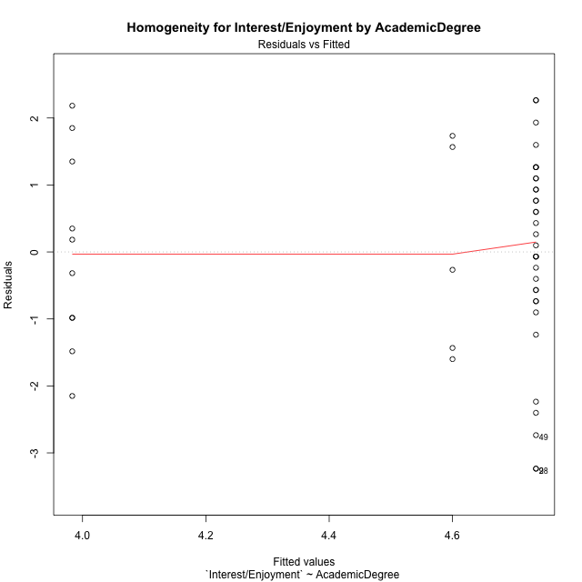

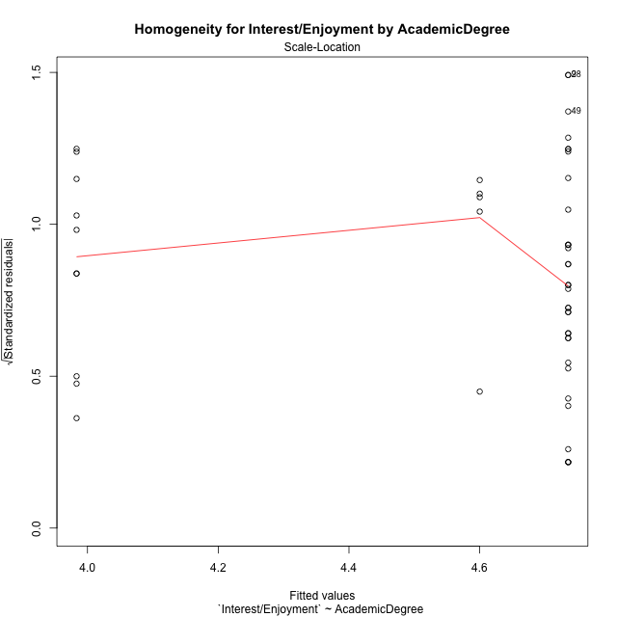

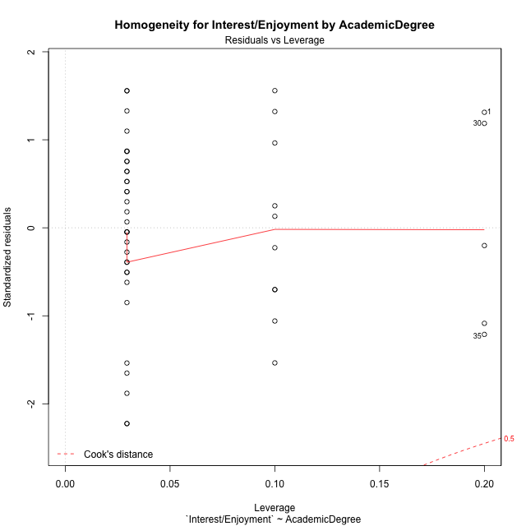

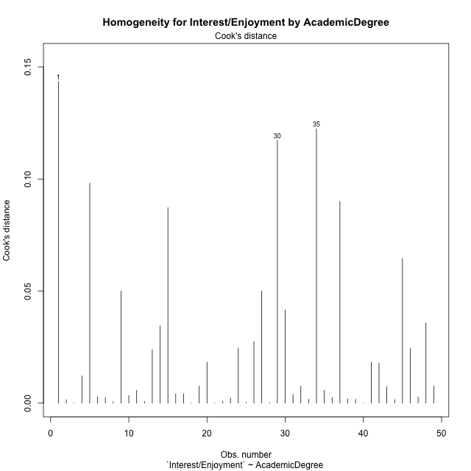

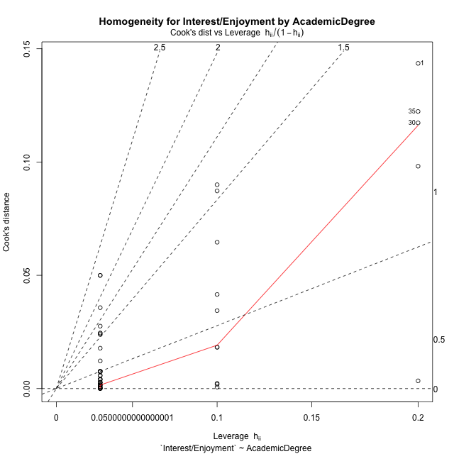

Minimum Sample Size Test for Interest/Enjoyment by AcademicDegree
AcademicDegree | Freq
basic-school | 10
postgraduate | 5
undergraduate | 34

Errors and Warnings in Sample Size Test for ANOVA in Interest/Enjoyment by AcademicDegree
code | description
WARN: sample.size | current size is 10 and recommended size is 15 for the group: 'basic-school'.
WARN: sample.size | current size is 5 and recommended size is 15 for the group: 'postgraduate'.

For the group: 'basic-school', we recommend the use of non-parametric test. For the group: 'postgraduate', we recommend the use of non-parametric test. For the group: 'undergraduate', you can perform a parametric test without having a normal distribution

If you don't want to remove non-normal data, you must cite the following references: ... (1) Lix, L.M., J.C. Keselman, and H.J. Keselman. 1996. Consequences of assumption violations revisited: A quantitative review of alternatives to the one-way analysis of variance F test. Rev. Educ. Res. 66: 579-619. ... (2) Harwell, M.R., E.N. Rubinstein, W.S. Hayes, and C.C. Olds. 1992. Summarizing Monte Carlo results in methodological research: the one- and two-factor fixed effects ANOVA cases. J. Educ. Stat. 17: 315-339.

Post-hoc
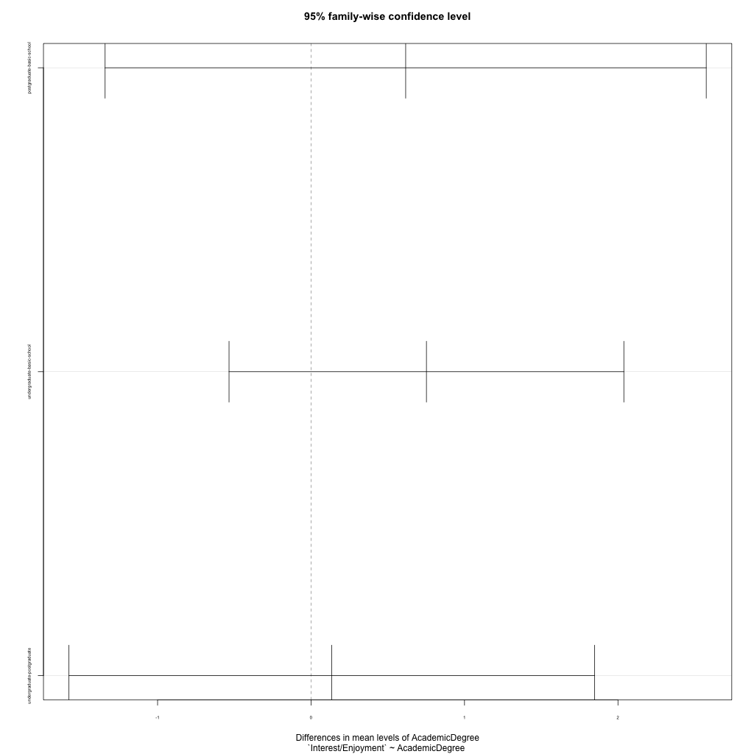
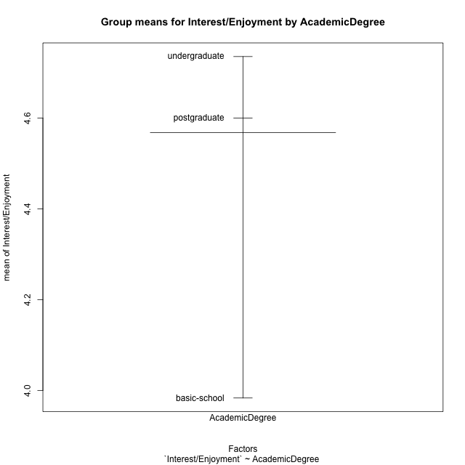
Post-hoc Tukey Honestly Significant Difference (HSD) Test for Interest/Enjoyment by AcademicDegree

Comparisons of means for AcademicDegree
 | diff | lwr | upr | p adj
postgraduate-basic-school | 0.61666666667 | -1.3419418378 | 2.5752751711 | 0.72764242372
undergraduate-basic-school | 0.75196078431 | -0.53443286768 | 2.0383544363 | 0.34133469814
undergraduate-postgraduate | 0.13529411765 | -1.5774593339 | 1.8480475692 | 0.98003504031

Contrast Matrices for Interest/Enjoyment by AcademicDegree - AcademicDegree
contrast | estimate | SE | df | t.ratio | p.value
basic-school - postgraduate | -0.61666666667 | 0.80873125878 | 46 | -0.76251122974 | 0.72764242372
basic-school - undergraduate | -0.75196078431 | 0.53116626171 | 46 | -1.4156787404 | 0.34133469814
postgraduate - undergraduate | -0.13529411765 | 0.70721497007 | 46 | -0.19130550593 | 0.98003504031

Least Squares Means and Confidence Intervals for AcademicDegree
AcademicDegree | lsmean | SE | df | lower.CL | upper.CL | Pairs
basic-school | 3.9833333333 | 0.46692120996 | 46 | 3.0434696848 | 4.9231969819 | basic-school
postgraduate | 4.6 | 0.66032630769 | 46 | 3.2708320814 | 5.9291679186 | postgraduate
undergraduate | 4.7352941176 | 0.25322357961 | 46 | 4.2255814887 | 5.2450067466 | undergraduate

Plots

AcademicDegree_1
Student's t-Test for Interest/Enjoyment by AcademicDegree in AcademicDegree between basic-school:postgraduate

Student's t-Test results
Alternative hypothesis: less
Group | N | Mean | Mean.Difference | Std.deviation | Std.error | CI.lower | CI.upper | df | t.value | p.value | g | magnitude
basic-school | 10 | 3.9833333333 | -0.61666666667 | 1.4539218992 | 0.45977047414 | 3.0637923851 | 4.9028742816 | 7.4534484922 | -0.72745060551 | 0.24458286391 | -0.38746201462 | small
postgraduate | 5 | 4.6 | 0.61666666667 | 1.5925172247 | 0.71219535397 | 3.1756092921 | 6.0243907079 | 7.4534484922 | -0.72745060551 | 0.24458286391 | -0.38746201462 | small
Alternative hypothesis: greater
Group | N | Mean | Mean.Difference | Std.deviation | Std.error | CI.lower | CI.upper | df | t.value | p.value | g | magnitude
basic-school | 10 | 3.9833333333 | -0.61666666667 | 1.4539218992 | 0.45977047414 | 3.0637923851 | 4.9028742816 | 7.4534484922 | -0.72745060551 | 0.75541713609 | -0.38746201462 | small
postgraduate | 5 | 4.6 | 0.61666666667 | 1.5925172247 | 0.71219535397 | 3.1756092921 | 6.0243907079 | 7.4534484922 | -0.72745060551 | 0.75541713609 | -0.38746201462 | small
Alternative hypothesis: two.sided
Group | N | Mean | Mean.Difference | Std.deviation | Std.error | CI.lower | CI.upper | df | t.value | p.value | g | magnitude
basic-school | 10 | 3.9833333333 | -0.61666666667 | 1.4539218992 | 0.45977047414 | 3.0637923851 | 4.9028742816 | 7.4534484922 | -0.72745060551 | 0.48916572782 | -0.38746201462 | small
postgraduate | 5 | 4.6 | 0.61666666667 | 1.5925172247 | 0.71219535397 | 3.1756092921 | 6.0243907079 | 7.4534484922 | -0.72745060551 | 0.48916572782 | -0.38746201462 | small

Box plots for Student's t-Test
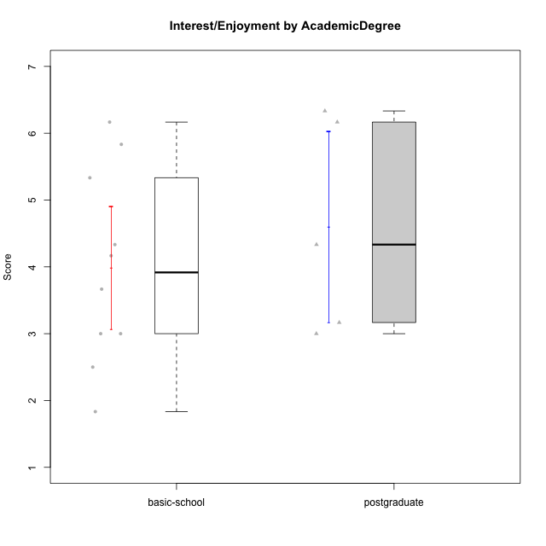

Student's t-Test data
UserID | Age | Sex | AcademicDegree | KnownDomainContent | LikeDomainContent | LikeActionGames | LikeAdventureGames | LikeFightingGames | LikeFictionGames | LikePlatformerGames | LikePuzzleGames | LikeRacingGames | LikeMusicalGames | LikeMMORPGGames | LikeShooterGames | LikeSimulationGames | LikeSportsGames | LikeStrategyGames | LikeNovelGames | SpendTime | Item33PC2 | Item28PC2 | Item25PC2 | Item34PC2 | Item37PC2 | Item30PC2 | Item29VU | Item26VU | Item31VU | Item36VU | Item35VU | Item24IE | Item08IE | Item21IE | Item09IE | Item12IE | Item11IE | Item05PC1 | Item13PC1 | Item18PC1 | Item03PC1 | Perceived Competence | Value/Usefulness | Interest/Enjoyment | Perceived Choice | Intrinsic Motivation
1 | adulthood | male | postgraduate | yes | yes | no | no | yes | no | no | no | no | no | yes | no | no | no | yes | yes | 23 | 7 | 6 | 7 | 1 | 6 | 7 | 7 | 6 | 6 | 6 | 6 | 7 | 6 | 7 | 7 | 6 | 5 | 2 | 2 | 3 | 5 | 6.6666666667 | 6.2 | 6.3333333333 | 5 | 6.1428571429
5 | adulthood | male | postgraduate | no | no | yes | yes | yes | no | yes | no | yes | no | yes | yes | yes | yes | yes | no | 10 | 2 | 3 | 6 | 2 | 2 | 2 | 2 | 3 | 3 | 3 | 2 | 4 | 3 | 3 | 3 | 3 | 3 | 5 | 5 | 5 | 5 | 3.5 | 2.6 | 3.1666666667 | 3 | 3.0952380952
8 | emerging-adulthood | male | basic-school | yes | no | yes | yes | yes | yes | yes | yes | no | yes | yes | yes | yes | no | yes | yes | 30 | 4 | 5 | 5 | 1 | 4 | 4 | 5 | 7 | 5 | 6 | 5 | 4 | 4 | 4 | 4 | 3 | 6 | 1 | 1 | 1 | 2 | 4.8333333333 | 5.6 | 4.1666666667 | 6.75 | 5.1904761905
10 | emerging-adulthood | male | postgraduate | no | no | yes | yes | no | no | yes | no | no | no | yes | no | yes | no | yes | no | 10 | 4 | 4 | 4 | 3 | 5 | 4 | 5 | 4 | 5 | 5 | 5 | 5 | 4 | 5 | 4 | 5 | 3 | 1 | 1 | 1 | 3 | 4.3333333333 | 4.8 | 4.3333333333 | 6.5 | 4.8571428571
14 | adolescence | male | basic-school | no | no | yes | no | yes | no | no | no | no | no | no | yes | no | yes | yes | no | 4000 | 1 | 1 | 1 | 7 | 1 | 2 | 6 | 7 | 6 | 6 | 6 | 6 | 6 | 7 | 1 | 6 | 6 | 1 | 1 | 1 | 1 | 1.1666666667 | 6.2 | 5.3333333333 | 7 | 4.6666666667
15 | adolescence | male | basic-school | no | no | yes | yes | no | no | no | yes | yes | no | no | yes | no | no | yes | no | 5 | 4 | 2 | 1 | 3 | 4 | 7 | 6 | 7 | 6 | 6 | 6 | 1 | 3 | 3 | 2 | 1 | 1 | 2 | 4 | 3 | 7 | 3.8333333333 | 6.2 | 1.8333333333 | 4 | 3.8571428571
21 | adolescence | female | basic-school | yes | yes | no | no | no | no | no | no | no | yes | no | yes | no | no | no | no | 5 | 3 | 2 | 4 | 3 | 4 | 2 | 2 | 4 | 3 | 3 | 3 | 3 | 3 | 3 | 2 | 4 | 3 | 2 | 1 | 3 | 2 | 3.3333333333 | 3 | 3 | 6 | 3.6666666667
24 | adolescence | male | basic-school | yes | yes | yes | yes | no | no | no | yes | no | no | yes | no | yes | no | yes | no | 3 | 1 | 1 | 2 | 4 | 3 | 1 | 6 | 7 | 4 | 7 | 6 | 7 | 7 | 3 | 3 | 5 | 1 | 7 | 7 | 7 | 7 | 2 | 6 | 4.3333333333 | 1 | 3.4285714286
30 | adulthood | female | postgraduate | yes | yes | no | no | no | no | no | yes | no | no | no | no | no | no | no | no | 30 | 4 | 5 | 4 | 3 | 5 | 4 | 6 | 7 | 6 | 6 | 6 | 5 | 6 | 6 | 6 | 7 | 7 | 1 | 1 | 1 | 1 | 4.5 | 6.2 | 6.1666666667 | 7 | 5.8571428571
31 | emerging-adulthood | male | basic-school | no | yes | no | no | no | no | no | no | no | no | no | no | no | no | yes | no | 4 | 2 | 1 | 2 | 4 | 3 | 1 | 6 | 5 | 5 | 6 | 5 | 3 | 3 | 2 | 2 | 2 | 3 | 5 | 6 | 2 | 7 | 2.1666666667 | 5.4 | 2.5 | 3 | 3.1904761905
35 | adulthood | male | postgraduate | yes | yes | yes | no | no | no | yes | no | no | no | yes | no | no | no | yes | no | 10 | 2 | 2 | 3 | 2 | 3 | 2 | 2 | 1 | 3 | 3 | 2 | 3 | 3 | 3 | 3 | 3 | 3 | 1 | 2 | 1 | 1 | 3 | 2.2 | 3 | 6.75 | 3.5238095238
38 | emerging-adulthood | female | basic-school | yes | yes | yes | yes | yes | yes | no | no | no | no | yes | no | no | no | yes | no | 27 | 2 | 5 | 3 | 3 | 5 | 1 | 6 | 6 | 5 | 6 | 6 | 7 | 7 | 6 | 7 | 6 | 4 | 1 | 1 | 1 | 1 | 3.5 | 5.8 | 6.1666666667 | 7 | 5.4761904762
39 | emerging-adulthood | female | basic-school | yes | yes | yes | yes | no | yes | no | yes | no | yes | no | no | no | no | yes | no | 25 | 4 | 4 | 5 | 1 | 4 | 4 | 7 | 5 | 7 | 5 | 7 | 4 | 4 | 3 | 3 | 3 | 5 | 7 | 6 | 4 | 7 | 4.6666666667 | 6.2 | 3.6666666667 | 2 | 4.2380952381
42 | adolescence | female | basic-school | yes | yes | no | no | no | no | no | no | no | yes | no | yes | no | no | no | no | 5 | 3 | 2 | 4 | 3 | 4 | 2 | 2 | 4 | 3 | 3 | 3 | 3 | 3 | 3 | 2 | 4 | 3 | 2 | 1 | 3 | 2 | 3.3333333333 | 3 | 3 | 6 | 3.6666666667
46 | emerging-adulthood | male | basic-school | yes | yes | yes | yes | yes | no | no | no | yes | no | yes | yes | no | no | yes | no | 12 | 6 | 5 | 6 | 1 | 6 | 5 | 7 | 6 | 7 | 7 | 7 | 7 | 6 | 5 | 6 | 5 | 6 | 1 | 1 | 1 | 1 | 5.8333333333 | 6.8 | 5.8333333333 | 7 | 6.2857142857

AcademicDegree_2
Student's t-Test for Interest/Enjoyment by AcademicDegree in AcademicDegree between basic-school:undergraduate

Student's t-Test results
Alternative hypothesis: less
Group | N | Mean | Mean.Difference | Std.deviation | Std.error | CI.lower | CI.upper | df | t.value | p.value | g | magnitude
basic-school | 10 | 3.9833333333 | -0.75196078431 | 1.4539218992 | 0.45977047414 | 3.0637923851 | 4.9028742816 | 14.842513762 | -1.4345235737 | 0.086078417113 | -0.50405979765 | medium
undergraduate | 34 | 4.7352941176 | 0.75196078431 | 1.4680191463 | 0.25176320655 | 4.2317677045 | 5.2388205308 | 14.842513762 | -1.4345235737 | 0.086078417113 | -0.50405979765 | medium
Alternative hypothesis: greater
Group | N | Mean | Mean.Difference | Std.deviation | Std.error | CI.lower | CI.upper | df | t.value | p.value | g | magnitude
basic-school | 10 | 3.9833333333 | -0.75196078431 | 1.4539218992 | 0.45977047414 | 3.0637923851 | 4.9028742816 | 14.842513762 | -1.4345235737 | 0.91392158289 | -0.50405979765 | medium
undergraduate | 34 | 4.7352941176 | 0.75196078431 | 1.4680191463 | 0.25176320655 | 4.2317677045 | 5.2388205308 | 14.842513762 | -1.4345235737 | 0.91392158289 | -0.50405979765 | medium
Alternative hypothesis: two.sided
Group | N | Mean | Mean.Difference | Std.deviation | Std.error | CI.lower | CI.upper | df | t.value | p.value | g | magnitude
basic-school | 10 | 3.9833333333 | -0.75196078431 | 1.4539218992 | 0.45977047414 | 3.0637923851 | 4.9028742816 | 14.842513762 | -1.4345235737 | 0.17215683423 | -0.50405979765 | medium
undergraduate | 34 | 4.7352941176 | 0.75196078431 | 1.4680191463 | 0.25176320655 | 4.2317677045 | 5.2388205308 | 14.842513762 | -1.4345235737 | 0.17215683423 | -0.50405979765 | medium

Box plots for Student's t-Test
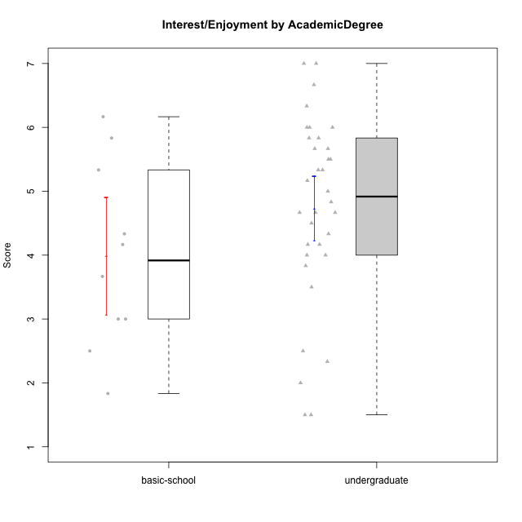

Student's t-Test data
UserID | Age | Sex | AcademicDegree | KnownDomainContent | LikeDomainContent | LikeActionGames | LikeAdventureGames | LikeFightingGames | LikeFictionGames | LikePlatformerGames | LikePuzzleGames | LikeRacingGames | LikeMusicalGames | LikeMMORPGGames | LikeShooterGames | LikeSimulationGames | LikeSportsGames | LikeStrategyGames | LikeNovelGames | SpendTime | Item33PC2 | Item28PC2 | Item25PC2 | Item34PC2 | Item37PC2 | Item30PC2 | Item29VU | Item26VU | Item31VU | Item36VU | Item35VU | Item24IE | Item08IE | Item21IE | Item09IE | Item12IE | Item11IE | Item05PC1 | Item13PC1 | Item18PC1 | Item03PC1 | Perceived Competence | Value/Usefulness | Interest/Enjoyment | Perceived Choice | Intrinsic Motivation
2 | emerging-adulthood | female | undergraduate | no | no | no | no | no | yes | no | yes | no | no | no | no | yes | no | yes | no | 10 | 3 | 3 | 3 | 2 | 4 | 3 | 3 | 6 | 4 | 5 | 5 | 5 | 3 | 4 | 3 | 5 | 5 | 1 | 1 | 1 | 1 | 3.6666666667 | 4.6 | 4.1666666667 | 7 | 4.6666666667
3 | emerging-adulthood | male | undergraduate | no | no | no | no | no | yes | no | yes | yes | no | no | yes | no | no | no | no | 13 | 5 | 5 | 3 | 2 | 5 | 1 | 3 | 3 | 3 | 3 | 3 | 5 | 3 | 5 | 5 | 5 | 5 | 1 | 1 | 1 | 1 | 4.1666666667 | 3 | 4.6666666667 | 7 | 4.5714285714
4 | emerging-adulthood | female | undergraduate | no | no | yes | yes | yes | yes | yes | no | yes | no | yes | no | yes | no | yes | yes | 29 | 5 | 7 | 6 | 1 | 6 | 4 | 5 | 4 | 7 | 7 | 5 | 7 | 7 | 7 | 7 | 5 | 5 | 1 | 2 | 1 | 4 | 5.8333333333 | 5.6 | 6.3333333333 | 6 | 5.9523809524
6 | emerging-adulthood | male | undergraduate | yes | no | no | no | no | no | no | yes | no | no | yes | no | no | no | yes | no | 15 | 4 | 4 | 3 | 2 | 7 | 3 | 7 | 7 | 5 | 7 | 6 | 5 | 7 | 6 | 7 | 4 | 4 | 1 | 1 | 1 | 1 | 4.5 | 6.4 | 5.5 | 7 | 5.7142857143
7 | emerging-adulthood | male | undergraduate | no | no | no | no | yes | no | no | no | yes | no | yes | yes | no | yes | yes | no | 40 | 6 | 7 | 6 | 1 | 4 | 4 | 6 | 6 | 6 | 5 | 2 | 2 | 5 | 3 | 5 | 3 | 6 | 1 | 1 | 1 | 1 | 5.6666666667 | 5 | 4 | 7 | 5.2857142857
8 | emerging-adulthood | male | basic-school | yes | no | yes | yes | yes | yes | yes | yes | no | yes | yes | yes | yes | no | yes | yes | 30 | 4 | 5 | 5 | 1 | 4 | 4 | 5 | 7 | 5 | 6 | 5 | 4 | 4 | 4 | 4 | 3 | 6 | 1 | 1 | 1 | 2 | 4.8333333333 | 5.6 | 4.1666666667 | 6.75 | 5.1904761905
9 | emerging-adulthood | male | undergraduate | no | no | no | yes | no | yes | yes | no | yes | no | no | yes | no | no | yes | yes | 20 | 5 | 5 | 4 | 4 | 4 | 4 | 6 | 5 | 6 | 5 | 5 | 1 | 2 | 2 | 1 | 1 | 2 | 1 | 3 | 3 | 7 | 4.3333333333 | 5.4 | 1.5 | 4.5 | 3.8095238095
11 | emerging-adulthood | female | undergraduate | yes | no | no | no | no | yes | no | yes | no | yes | no | no | no | no | yes | yes | 35 | 6 | 7 | 6 | 1 | 7 | 4 | 6 | 6 | 6 | 7 | 6 | 6 | 5 | 6 | 6 | 6 | 6 | 1 | 1 | 1 | 1 | 6.1666666667 | 6.2 | 5.8333333333 | 7 | 6.2380952381
12 | emerging-adulthood | male | undergraduate | yes | no | yes | yes | no | no | yes | no | yes | no | no | yes | yes | no | yes | no | 10 | 5 | 7 | 4 | 1 | 4 | 4 | 4 | 4 | 4 | 4 | 4 | 4 | 4 | 4 | 4 | 6 | 4 | 4 | 4 | 4 | 4 | 5.1666666667 | 4 | 4.3333333333 | 4 | 4.4285714286
13 | adulthood | male | undergraduate | no | no | yes | yes | no | no | no | yes | yes | yes | no | yes | yes | yes | yes | no | 20 | 4 | 4 | 3 | 3 | 3 | 3 | 5 | 5 | 5 | 5 | 5 | 3 | 2 | 4 | 2 | 3 | 1 | 2 | 2 | 4 | 6 | 3.6666666667 | 5 | 2.5 | 4.5 | 3.8095238095
14 | adolescence | male | basic-school | no | no | yes | no | yes | no | no | no | no | no | no | yes | no | yes | yes | no | 4000 | 1 | 1 | 1 | 7 | 1 | 2 | 6 | 7 | 6 | 6 | 6 | 6 | 6 | 7 | 1 | 6 | 6 | 1 | 1 | 1 | 1 | 1.1666666667 | 6.2 | 5.3333333333 | 7 | 4.6666666667
15 | adolescence | male | basic-school | no | no | yes | yes | no | no | no | yes | yes | no | no | yes | no | no | yes | no | 5 | 4 | 2 | 1 | 3 | 4 | 7 | 6 | 7 | 6 | 6 | 6 | 1 | 3 | 3 | 2 | 1 | 1 | 2 | 4 | 3 | 7 | 3.8333333333 | 6.2 | 1.8333333333 | 4 | 3.8571428571
16 | emerging-adulthood | male | undergraduate | no | yes | no | yes | yes | yes | yes | yes | no | no | yes | no | yes | no | yes | yes | 25 | 6 | 5 | 6 | 2 | 6 | 4 | 7 | 7 | 7 | 7 | 6 | 7 | 6 | 6 | 7 | 6 | 2 | 1 | 1 | 1 | 1 | 5.5 | 6.8 | 5.6666666667 | 7 | 6.1428571429
17 | adolescence | male | undergraduate | yes | yes | no | no | no | no | yes | yes | no | no | no | yes | no | no | no | no | 15 | 4 | 5 | 5 | 2 | 4 | 3 | 5 | 3 | 5 | 5 | 4 | 6 | 4 | 5 | 5 | 7 | 7 | 1 | 1 | 1 | 1 | 4.5 | 4.4 | 5.6666666667 | 7 | 5.2857142857
18 | emerging-adulthood | male | undergraduate | yes | no | no | no | yes | no | yes | no | no | no | no | yes | no | no | no | no | 30 | 7 | 7 | 6 | 1 | 7 | 4 | 2 | 3 | 3 | 2 | 6 | 4 | 5 | 4 | 5 | 6 | 4 | 1 | 1 | 1 | 1 | 6.3333333333 | 3.2 | 4.6666666667 | 7 | 5.2380952381
19 | emerging-adulthood | male | undergraduate | no | no | no | no | no | no | no | no | no | no | yes | no | no | no | no | no | 11 | 2 | 3 | 4 | 7 | 4 | 2 | 7 | 7 | 6 | 7 | 7 | 4 | 7 | 7 | 7 | 4 | 7 | 1 | 1 | 1 | 1 | 2.6666666667 | 6.8 | 6 | 7 | 5.4285714286
21 | adolescence | female | basic-school | yes | yes | no | no | no | no | no | no | no | yes | no | yes | no | no | no | no | 5 | 3 | 2 | 4 | 3 | 4 | 2 | 2 | 4 | 3 | 3 | 3 | 3 | 3 | 3 | 2 | 4 | 3 | 2 | 1 | 3 | 2 | 3.3333333333 | 3 | 3 | 6 | 3.6666666667
22 | emerging-adulthood | male | undergraduate | yes | yes | yes | yes | yes | yes | yes | yes | no | no | yes | no | yes | no | yes | no | 40 | 6 | 7 | 6 | 1 | 6 | 4 | 5 | 7 | 6 | 5 | 6 | 5 | 6 | 5 | 5 | 4 | 4 | 1 | 2 | 1 | 1 | 6 | 5.8 | 4.8333333333 | 6.75 | 5.7619047619
23 | emerging-adulthood | male | undergraduate | yes | no | yes | yes | no | no | yes | no | yes | no | yes | yes | yes | no | yes | no | 25 | 4 | 6 | 4 | 1 | 4 | 1 | 2 | 3 | 4 | 4 | 1 | 5 | 6 | 5 | 7 | 7 | 1 | 1 | 1 | 1 | 2 | 4.3333333333 | 2.8 | 5.1666666667 | 6.75 | 4.6666666667
24 | adolescence | male | basic-school | yes | yes | yes | yes | no | no | no | yes | no | no | yes | no | yes | no | yes | no | 3 | 1 | 1 | 2 | 4 | 3 | 1 | 6 | 7 | 4 | 7 | 6 | 7 | 7 | 3 | 3 | 5 | 1 | 7 | 7 | 7 | 7 | 2 | 6 | 4.3333333333 | 1 | 3.4285714286
25 | emerging-adulthood | female | undergraduate | yes | yes | no | yes | no | yes | yes | yes | no | no | no | no | no | no | yes | no | 35 | 6 | 6 | 5 | 2 | 6 | 6 | 7 | 7 | 7 | 7 | 7 | 7 | 7 | 7 | 7 | 7 | 7 | 1 | 1 | 1 | 1 | 5.8333333333 | 7 | 7 | 7 | 6.6666666667
26 | emerging-adulthood | male | undergraduate | no | no | no | yes | no | yes | no | yes | no | no | yes | no | no | no | yes | no | 12 | 1 | 1 | 2 | 6 | 1 | 1 | 3 | 4 | 4 | 4 | 3 | 5 | 5 | 5 | 4 | 6 | 5 | 2 | 4 | 3 | 4 | 1.3333333333 | 3.6 | 5 | 4.75 | 3.5714285714
27 | adulthood | female | undergraduate | no | no | no | no | yes | yes | no | yes | yes | no | no | yes | yes | no | no | no | 2 | 1 | 1 | 1 | 7 | 4 | 1 | 4 | 4 | 4 | 6 | 3 | 1 | 1 | 1 | 1 | 7 | 3 | 4 | 3 | 4 | 5 | 1.5 | 4.2 | 2.3333333333 | 4 | 2.8571428571
28 | emerging-adulthood | female | undergraduate | no | no | no | no | no | no | no | yes | no | yes | no | no | no | no | no | no | 20 | 4 | 4 | 1 | 5 | 5 | 5 | 7 | 7 | 4 | 5 | 5 | 1 | 2 | 2 | 2 | 1 | 1 | 1 | 1 | 1 | 1 | 3.6666666667 | 5.6 | 1.5 | 7 | 4.1428571429
29 | adolescence | male | undergraduate | yes | yes | yes | yes | no | no | yes | yes | yes | no | no | no | no | no | no | no | 30 | 5 | 7 | 5 | 1 | 5 | 4 | 3 | 3 | 3 | 3 | 3 | 5 | 4 | 4 | 5 | 6 | 3 | 1 | 2 | 1 | 1 | 5.5 | 3 | 4.5 | 6.75 | 4.8571428571
31 | emerging-adulthood | male | basic-school | no | yes | no | no | no | no | no | no | no | no | no | no | no | no | yes | no | 4 | 2 | 1 | 2 | 4 | 3 | 1 | 6 | 5 | 5 | 6 | 5 | 3 | 3 | 2 | 2 | 2 | 3 | 5 | 6 | 2 | 7 | 2.1666666667 | 5.4 | 2.5 | 3 | 3.1904761905
32 | emerging-adulthood | male | undergraduate | no | no | no | yes | no | no | yes | no | no | yes | no | no | no | no | no | yes | 19 | 3 | 7 | 3 | 3 | 4 | 4 | 4 | 3 | 5 | 4 | 3 | 5 | 5 | 2 | 3 | 3 | 5 | 2 | 3 | 2 | 4 | 4.3333333333 | 3.8 | 3.8333333333 | 5.25 | 4.2380952381
33 | emerging-adulthood | male | undergraduate | yes | yes | yes | yes | no | no | yes | yes | no | yes | no | yes | no | no | no | no | 3 | 2 | 3 | 3 | 3 | 1 | 1 | 4 | 4 | 5 | 6 | 2 | 6 | 6 | 6 | 5 | 6 | 7 | 1 | 2 | 2 | 1 | 2.5 | 4.2 | 6 | 6.5 | 4.6666666667
34 | emerging-adulthood | male | undergraduate | no | yes | no | yes | no | no | yes | yes | no | no | yes | yes | no | no | yes | yes | 24 | 6 | 6 | 6 | 1 | 7 | 4 | 5 | 7 | 6 | 6 | 5 | 6 | 6 | 5 | 5 | 6 | 4 | 1 | 1 | 1 | 1 | 6 | 5.8 | 5.3333333333 | 7 | 5.9523809524
36 | adulthood | male | undergraduate | yes | no | no | yes | no | yes | no | yes | no | no | yes | no | no | no | yes | no | 25 | 7 | 7 | 7 | 1 | 7 | 7 | 5 | 5 | 5 | 5 | 5 | 6 | 5 | 6 | 6 | 6 | 6 | 1 | 1 | 1 | 1 | 7 | 5 | 5.8333333333 | 7 | 6.1904761905
37 | emerging-adulthood | male | undergraduate | no | no | no | yes | no | yes | no | yes | no | yes | yes | no | yes | no | yes | no | 14 | 4 | 4 | 5 | 2 | 3 | 3 | 4 | 3 | 4 | 3 | 3 | 4 | 4 | 4 | 3 | 4 | 5 | 1 | 1 | 1 | 1 | 4.1666666667 | 3.4 | 4 | 7 | 4.4761904762
38 | emerging-adulthood | female | basic-school | yes | yes | yes | yes | yes | yes | no | no | no | no | yes | no | no | no | yes | no | 27 | 2 | 5 | 3 | 3 | 5 | 1 | 6 | 6 | 5 | 6 | 6 | 7 | 7 | 6 | 7 | 6 | 4 | 1 | 1 | 1 | 1 | 3.5 | 5.8 | 6.1666666667 | 7 | 5.4761904762
39 | emerging-adulthood | female | basic-school | yes | yes | yes | yes | no | yes | no | yes | no | yes | no | no | no | no | yes | no | 25 | 4 | 4 | 5 | 1 | 4 | 4 | 7 | 5 | 7 | 5 | 7 | 4 | 4 | 3 | 3 | 3 | 5 | 7 | 6 | 4 | 7 | 4.6666666667 | 6.2 | 3.6666666667 | 2 | 4.2380952381
40 | adolescence | male | undergraduate | no | yes | yes | yes | no | yes | yes | yes | no | no | yes | yes | yes | no | yes | no | 20 | 7 | 7 | 6 | 1 | 7 | 5 | 7 | 6 | 6 | 7 | 7 | 5 | 5 | 5 | 5 | 7 | 5 | 1 | 1 | 1 | 1 | 6.5 | 6.6 | 5.3333333333 | 7 | 6.2857142857
41 | emerging-adulthood | male | undergraduate | no | no | yes | yes | yes | yes | no | no | no | yes | yes | yes | no | no | yes | no | 33 | 5 | 4 | 4 | 3 | 5 | 3 | 5 | 6 | 5 | 4 | 5 | 5 | 4 | 5 | 5 | 6 | 3 | 1 | 1 | 3 | 1 | 4.3333333333 | 5 | 4.6666666667 | 6.5 | 5
42 | adolescence | female | basic-school | yes | yes | no | no | no | no | no | no | no | yes | no | yes | no | no | no | no | 5 | 3 | 2 | 4 | 3 | 4 | 2 | 2 | 4 | 3 | 3 | 3 | 3 | 3 | 3 | 2 | 4 | 3 | 2 | 1 | 3 | 2 | 3.3333333333 | 3 | 3 | 6 | 3.6666666667
43 | adolescence | male | undergraduate | no | yes | yes | yes | no | no | yes | no | no | no | yes | yes | no | yes | yes | no | 15 | 5 | 6 | 6 | 3 | 7 | 6 | 6 | 7 | 6 | 6 | 6 | 7 | 6 | 7 | 6 | 7 | 7 | 1 | 1 | 1 | 1 | 5.8333333333 | 6.2 | 6.6666666667 | 7 | 6.380952381
44 | emerging-adulthood | male | undergraduate | yes | no | yes | yes | no | no | no | no | no | no | yes | no | no | no | yes | no | 10 | 7 | 7 | 7 | 1 | 5 | 7 | 5 | 5 | 5 | 4 | 1 | 4 | 2 | 3 | 4 | 5 | 3 | 1 | 3 | 1 | 3 | 6.6666666667 | 4 | 3.5 | 6 | 5
45 | emerging-adulthood | male | undergraduate | no | yes | yes | yes | yes | yes | yes | yes | yes | no | yes | yes | no | no | yes | no | 20 | 4 | 4 | 4 | 1 | 3 | 1 | 3 | 3 | 4 | 6 | 2 | 4 | 4 | 4 | 4 | 5 | 4 | 1 | 1 | 1 | 1 | 3.8333333333 | 3.6 | 4.1666666667 | 7 | 4.4761904762
46 | emerging-adulthood | male | basic-school | yes | yes | yes | yes | yes | no | no | no | yes | no | yes | yes | no | no | yes | no | 12 | 6 | 5 | 6 | 1 | 6 | 5 | 7 | 6 | 7 | 7 | 7 | 7 | 6 | 5 | 6 | 5 | 6 | 1 | 1 | 1 | 1 | 5.8333333333 | 6.8 | 5.8333333333 | 7 | 6.2857142857
47 | adolescence | female | undergraduate | no | yes | no | yes | no | yes | yes | no | no | yes | no | no | yes | no | yes | no | 25 | 6 | 5 | 5 | 1 | 6 | 4 | 7 | 7 | 7 | 7 | 7 | 7 | 7 | 7 | 7 | 7 | 7 | 1 | 1 | 2 | 1 | 5.5 | 7 | 7 | 6.75 | 6.5238095238
48 | emerging-adulthood | female | undergraduate | yes | yes | yes | yes | yes | no | yes | yes | yes | yes | yes | no | yes | yes | yes | no | 7 | 7 | 7 | 7 | 1 | 7 | 4 | 7 | 7 | 6 | 5 | 7 | 7 | 3 | 6 | 7 | 7 | 3 | 1 | 1 | 1 | 1 | 6.5 | 6.4 | 5.5 | 7 | 6.2857142857
49 | emerging-adulthood | male | undergraduate | no | no | yes | yes | yes | no | no | yes | no | no | yes | yes | no | no | yes | yes | 31 | 4 | 5 | 4 | 2 | 5 | 4 | 2 | 1 | 2 | 2 | 2 | 2 | 2 | 2 | 3 | 2 | 1 | 1 | 1 | 1 | 1 | 4.6666666667 | 1.8 | 2 | 7 | 3.6666666667
50 | emerging-adulthood | male | undergraduate | yes | yes | yes | yes | no | no | yes | yes | yes | yes | no | no | no | no | yes | no | 40 | 6 | 6 | 6 | 2 | 7 | 4 | 6 | 5 | 7 | 6 | 6 | 6 | 5 | 6 | 5 | 7 | 7 | 1 | 1 | 1 | 1 | 5.8333333333 | 6 | 6 | 7 | 6.1428571429

AcademicDegree_3
Student's t-Test for Interest/Enjoyment by AcademicDegree in AcademicDegree between postgraduate:undergraduate

Student's t-Test results
Alternative hypothesis: less
Group | N | Mean | Mean.Difference | Std.deviation | Std.error | CI.lower | CI.upper | df | t.value | p.value | g | magnitude
postgraduate | 5 | 4.6 | -0.13529411765 | 1.5925172247 | 0.71219535397 | 3.1756092921 | 6.0243907079 | 5.0526155592 | -0.17910610608 | 0.43240772592 | -0.08942952748 | negligible
undergraduate | 34 | 4.7352941176 | 0.13529411765 | 1.4680191463 | 0.25176320655 | 4.2317677045 | 5.2388205308 | 5.0526155592 | -0.17910610608 | 0.43240772592 | -0.08942952748 | negligible
Alternative hypothesis: greater
Group | N | Mean | Mean.Difference | Std.deviation | Std.error | CI.lower | CI.upper | df | t.value | p.value | g | magnitude
postgraduate | 5 | 4.6 | -0.13529411765 | 1.5925172247 | 0.71219535397 | 3.1756092921 | 6.0243907079 | 5.0526155592 | -0.17910610608 | 0.56759227408 | -0.08942952748 | negligible
undergraduate | 34 | 4.7352941176 | 0.13529411765 | 1.4680191463 | 0.25176320655 | 4.2317677045 | 5.2388205308 | 5.0526155592 | -0.17910610608 | 0.56759227408 | -0.08942952748 | negligible
Alternative hypothesis: two.sided
Group | N | Mean | Mean.Difference | Std.deviation | Std.error | CI.lower | CI.upper | df | t.value | p.value | g | magnitude
postgraduate | 5 | 4.6 | -0.13529411765 | 1.5925172247 | 0.71219535397 | 3.1756092921 | 6.0243907079 | 5.0526155592 | -0.17910610608 | 0.86481545184 | -0.08942952748 | negligible
undergraduate | 34 | 4.7352941176 | 0.13529411765 | 1.4680191463 | 0.25176320655 | 4.2317677045 | 5.2388205308 | 5.0526155592 | -0.17910610608 | 0.86481545184 | -0.08942952748 | negligible

Box plots for Student's t-Test


Student's t-Test data
UserID | Age | Sex | AcademicDegree | KnownDomainContent | LikeDomainContent | LikeActionGames | LikeAdventureGames | LikeFightingGames | LikeFictionGames | LikePlatformerGames | LikePuzzleGames | LikeRacingGames | LikeMusicalGames | LikeMMORPGGames | LikeShooterGames | LikeSimulationGames | LikeSportsGames | LikeStrategyGames | LikeNovelGames | SpendTime | Item33PC2 | Item28PC2 | Item25PC2 | Item34PC2 | Item37PC2 | Item30PC2 | Item29VU | Item26VU | Item31VU | Item36VU | Item35VU | Item24IE | Item08IE | Item21IE | Item09IE | Item12IE | Item11IE | Item05PC1 | Item13PC1 | Item18PC1 | Item03PC1 | Perceived Competence | Value/Usefulness | Interest/Enjoyment | Perceived Choice | Intrinsic Motivation
1 | adulthood | male | postgraduate | yes | yes | no | no | yes | no | no | no | no | no | yes | no | no | no | yes | yes | 23 | 7 | 6 | 7 | 1 | 6 | 7 | 7 | 6 | 6 | 6 | 6 | 7 | 6 | 7 | 7 | 6 | 5 | 2 | 2 | 3 | 5 | 6.6666666667 | 6.2 | 6.3333333333 | 5 | 6.1428571429
2 | emerging-adulthood | female | undergraduate | no | no | no | no | no | yes | no | yes | no | no | no | no | yes | no | yes | no | 10 | 3 | 3 | 3 | 2 | 4 | 3 | 3 | 6 | 4 | 5 | 5 | 5 | 3 | 4 | 3 | 5 | 5 | 1 | 1 | 1 | 1 | 3.6666666667 | 4.6 | 4.1666666667 | 7 | 4.6666666667
3 | emerging-adulthood | male | undergraduate | no | no | no | no | no | yes | no | yes | yes | no | no | yes | no | no | no | no | 13 | 5 | 5 | 3 | 2 | 5 | 1 | 3 | 3 | 3 | 3 | 3 | 5 | 3 | 5 | 5 | 5 | 5 | 1 | 1 | 1 | 1 | 4.1666666667 | 3 | 4.6666666667 | 7 | 4.5714285714
4 | emerging-adulthood | female | undergraduate | no | no | yes | yes | yes | yes | yes | no | yes | no | yes | no | yes | no | yes | yes | 29 | 5 | 7 | 6 | 1 | 6 | 4 | 5 | 4 | 7 | 7 | 5 | 7 | 7 | 7 | 7 | 5 | 5 | 1 | 2 | 1 | 4 | 5.8333333333 | 5.6 | 6.3333333333 | 6 | 5.9523809524
5 | adulthood | male | postgraduate | no | no | yes | yes | yes | no | yes | no | yes | no | yes | yes | yes | yes | yes | no | 10 | 2 | 3 | 6 | 2 | 2 | 2 | 2 | 3 | 3 | 3 | 2 | 4 | 3 | 3 | 3 | 3 | 3 | 5 | 5 | 5 | 5 | 3.5 | 2.6 | 3.1666666667 | 3 | 3.0952380952
6 | emerging-adulthood | male | undergraduate | yes | no | no | no | no | no | no | yes | no | no | yes | no | no | no | yes | no | 15 | 4 | 4 | 3 | 2 | 7 | 3 | 7 | 7 | 5 | 7 | 6 | 5 | 7 | 6 | 7 | 4 | 4 | 1 | 1 | 1 | 1 | 4.5 | 6.4 | 5.5 | 7 | 5.7142857143
7 | emerging-adulthood | male | undergraduate | no | no | no | no | yes | no | no | no | yes | no | yes | yes | no | yes | yes | no | 40 | 6 | 7 | 6 | 1 | 4 | 4 | 6 | 6 | 6 | 5 | 2 | 2 | 5 | 3 | 5 | 3 | 6 | 1 | 1 | 1 | 1 | 5.6666666667 | 5 | 4 | 7 | 5.2857142857
9 | emerging-adulthood | male | undergraduate | no | no | no | yes | no | yes | yes | no | yes | no | no | yes | no | no | yes | yes | 20 | 5 | 5 | 4 | 4 | 4 | 4 | 6 | 5 | 6 | 5 | 5 | 1 | 2 | 2 | 1 | 1 | 2 | 1 | 3 | 3 | 7 | 4.3333333333 | 5.4 | 1.5 | 4.5 | 3.8095238095
10 | emerging-adulthood | male | postgraduate | no | no | yes | yes | no | no | yes | no | no | no | yes | no | yes | no | yes | no | 10 | 4 | 4 | 4 | 3 | 5 | 4 | 5 | 4 | 5 | 5 | 5 | 5 | 4 | 5 | 4 | 5 | 3 | 1 | 1 | 1 | 3 | 4.3333333333 | 4.8 | 4.3333333333 | 6.5 | 4.8571428571
11 | emerging-adulthood | female | undergraduate | yes | no | no | no | no | yes | no | yes | no | yes | no | no | no | no | yes | yes | 35 | 6 | 7 | 6 | 1 | 7 | 4 | 6 | 6 | 6 | 7 | 6 | 6 | 5 | 6 | 6 | 6 | 6 | 1 | 1 | 1 | 1 | 6.1666666667 | 6.2 | 5.8333333333 | 7 | 6.2380952381
12 | emerging-adulthood | male | undergraduate | yes | no | yes | yes | no | no | yes | no | yes | no | no | yes | yes | no | yes | no | 10 | 5 | 7 | 4 | 1 | 4 | 4 | 4 | 4 | 4 | 4 | 4 | 4 | 4 | 4 | 4 | 6 | 4 | 4 | 4 | 4 | 4 | 5.1666666667 | 4 | 4.3333333333 | 4 | 4.4285714286
13 | adulthood | male | undergraduate | no | no | yes | yes | no | no | no | yes | yes | yes | no | yes | yes | yes | yes | no | 20 | 4 | 4 | 3 | 3 | 3 | 3 | 5 | 5 | 5 | 5 | 5 | 3 | 2 | 4 | 2 | 3 | 1 | 2 | 2 | 4 | 6 | 3.6666666667 | 5 | 2.5 | 4.5 | 3.8095238095
16 | emerging-adulthood | male | undergraduate | no | yes | no | yes | yes | yes | yes | yes | no | no | yes | no | yes | no | yes | yes | 25 | 6 | 5 | 6 | 2 | 6 | 4 | 7 | 7 | 7 | 7 | 6 | 7 | 6 | 6 | 7 | 6 | 2 | 1 | 1 | 1 | 1 | 5.5 | 6.8 | 5.6666666667 | 7 | 6.1428571429
17 | adolescence | male | undergraduate | yes | yes | no | no | no | no | yes | yes | no | no | no | yes | no | no | no | no | 15 | 4 | 5 | 5 | 2 | 4 | 3 | 5 | 3 | 5 | 5 | 4 | 6 | 4 | 5 | 5 | 7 | 7 | 1 | 1 | 1 | 1 | 4.5 | 4.4 | 5.6666666667 | 7 | 5.2857142857
18 | emerging-adulthood | male | undergraduate | yes | no | no | no | yes | no | yes | no | no | no | no | yes | no | no | no | no | 30 | 7 | 7 | 6 | 1 | 7 | 4 | 2 | 3 | 3 | 2 | 6 | 4 | 5 | 4 | 5 | 6 | 4 | 1 | 1 | 1 | 1 | 6.3333333333 | 3.2 | 4.6666666667 | 7 | 5.2380952381
19 | emerging-adulthood | male | undergraduate | no | no | no | no | no | no | no | no | no | no | yes | no | no | no | no | no | 11 | 2 | 3 | 4 | 7 | 4 | 2 | 7 | 7 | 6 | 7 | 7 | 4 | 7 | 7 | 7 | 4 | 7 | 1 | 1 | 1 | 1 | 2.6666666667 | 6.8 | 6 | 7 | 5.4285714286
22 | emerging-adulthood | male | undergraduate | yes | yes | yes | yes | yes | yes | yes | yes | no | no | yes | no | yes | no | yes | no | 40 | 6 | 7 | 6 | 1 | 6 | 4 | 5 | 7 | 6 | 5 | 6 | 5 | 6 | 5 | 5 | 4 | 4 | 1 | 2 | 1 | 1 | 6 | 5.8 | 4.8333333333 | 6.75 | 5.7619047619
23 | emerging-adulthood | male | undergraduate | yes | no | yes | yes | no | no | yes | no | yes | no | yes | yes | yes | no | yes | no | 25 | 4 | 6 | 4 | 1 | 4 | 1 | 2 | 3 | 4 | 4 | 1 | 5 | 6 | 5 | 7 | 7 | 1 | 1 | 1 | 1 | 2 | 4.3333333333 | 2.8 | 5.1666666667 | 6.75 | 4.6666666667
25 | emerging-adulthood | female | undergraduate | yes | yes | no | yes | no | yes | yes | yes | no | no | no | no | no | no | yes | no | 35 | 6 | 6 | 5 | 2 | 6 | 6 | 7 | 7 | 7 | 7 | 7 | 7 | 7 | 7 | 7 | 7 | 7 | 1 | 1 | 1 | 1 | 5.8333333333 | 7 | 7 | 7 | 6.6666666667
26 | emerging-adulthood | male | undergraduate | no | no | no | yes | no | yes | no | yes | no | no | yes | no | no | no | yes | no | 12 | 1 | 1 | 2 | 6 | 1 | 1 | 3 | 4 | 4 | 4 | 3 | 5 | 5 | 5 | 4 | 6 | 5 | 2 | 4 | 3 | 4 | 1.3333333333 | 3.6 | 5 | 4.75 | 3.5714285714
27 | adulthood | female | undergraduate | no | no | no | no | yes | yes | no | yes | yes | no | no | yes | yes | no | no | no | 2 | 1 | 1 | 1 | 7 | 4 | 1 | 4 | 4 | 4 | 6 | 3 | 1 | 1 | 1 | 1 | 7 | 3 | 4 | 3 | 4 | 5 | 1.5 | 4.2 | 2.3333333333 | 4 | 2.8571428571
28 | emerging-adulthood | female | undergraduate | no | no | no | no | no | no | no | yes | no | yes | no | no | no | no | no | no | 20 | 4 | 4 | 1 | 5 | 5 | 5 | 7 | 7 | 4 | 5 | 5 | 1 | 2 | 2 | 2 | 1 | 1 | 1 | 1 | 1 | 1 | 3.6666666667 | 5.6 | 1.5 | 7 | 4.1428571429
29 | adolescence | male | undergraduate | yes | yes | yes | yes | no | no | yes | yes | yes | no | no | no | no | no | no | no | 30 | 5 | 7 | 5 | 1 | 5 | 4 | 3 | 3 | 3 | 3 | 3 | 5 | 4 | 4 | 5 | 6 | 3 | 1 | 2 | 1 | 1 | 5.5 | 3 | 4.5 | 6.75 | 4.8571428571
30 | adulthood | female | postgraduate | yes | yes | no | no | no | no | no | yes | no | no | no | no | no | no | no | no | 30 | 4 | 5 | 4 | 3 | 5 | 4 | 6 | 7 | 6 | 6 | 6 | 5 | 6 | 6 | 6 | 7 | 7 | 1 | 1 | 1 | 1 | 4.5 | 6.2 | 6.1666666667 | 7 | 5.8571428571
32 | emerging-adulthood | male | undergraduate | no | no | no | yes | no | no | yes | no | no | yes | no | no | no | no | no | yes | 19 | 3 | 7 | 3 | 3 | 4 | 4 | 4 | 3 | 5 | 4 | 3 | 5 | 5 | 2 | 3 | 3 | 5 | 2 | 3 | 2 | 4 | 4.3333333333 | 3.8 | 3.8333333333 | 5.25 | 4.2380952381
33 | emerging-adulthood | male | undergraduate | yes | yes | yes | yes | no | no | yes | yes | no | yes | no | yes | no | no | no | no | 3 | 2 | 3 | 3 | 3 | 1 | 1 | 4 | 4 | 5 | 6 | 2 | 6 | 6 | 6 | 5 | 6 | 7 | 1 | 2 | 2 | 1 | 2.5 | 4.2 | 6 | 6.5 | 4.6666666667
34 | emerging-adulthood | male | undergraduate | no | yes | no | yes | no | no | yes | yes | no | no | yes | yes | no | no | yes | yes | 24 | 6 | 6 | 6 | 1 | 7 | 4 | 5 | 7 | 6 | 6 | 5 | 6 | 6 | 5 | 5 | 6 | 4 | 1 | 1 | 1 | 1 | 6 | 5.8 | 5.3333333333 | 7 | 5.9523809524
35 | adulthood | male | postgraduate | yes | yes | yes | no | no | no | yes | no | no | no | yes | no | no | no | yes | no | 10 | 2 | 2 | 3 | 2 | 3 | 2 | 2 | 1 | 3 | 3 | 2 | 3 | 3 | 3 | 3 | 3 | 3 | 1 | 2 | 1 | 1 | 3 | 2.2 | 3 | 6.75 | 3.5238095238
36 | adulthood | male | undergraduate | yes | no | no | yes | no | yes | no | yes | no | no | yes | no | no | no | yes | no | 25 | 7 | 7 | 7 | 1 | 7 | 7 | 5 | 5 | 5 | 5 | 5 | 6 | 5 | 6 | 6 | 6 | 6 | 1 | 1 | 1 | 1 | 7 | 5 | 5.8333333333 | 7 | 6.1904761905
37 | emerging-adulthood | male | undergraduate | no | no | no | yes | no | yes | no | yes | no | yes | yes | no | yes | no | yes | no | 14 | 4 | 4 | 5 | 2 | 3 | 3 | 4 | 3 | 4 | 3 | 3 | 4 | 4 | 4 | 3 | 4 | 5 | 1 | 1 | 1 | 1 | 4.1666666667 | 3.4 | 4 | 7 | 4.4761904762
40 | adolescence | male | undergraduate | no | yes | yes | yes | no | yes | yes | yes | no | no | yes | yes | yes | no | yes | no | 20 | 7 | 7 | 6 | 1 | 7 | 5 | 7 | 6 | 6 | 7 | 7 | 5 | 5 | 5 | 5 | 7 | 5 | 1 | 1 | 1 | 1 | 6.5 | 6.6 | 5.3333333333 | 7 | 6.2857142857
41 | emerging-adulthood | male | undergraduate | no | no | yes | yes | yes | yes | no | no | no | yes | yes | yes | no | no | yes | no | 33 | 5 | 4 | 4 | 3 | 5 | 3 | 5 | 6 | 5 | 4 | 5 | 5 | 4 | 5 | 5 | 6 | 3 | 1 | 1 | 3 | 1 | 4.3333333333 | 5 | 4.6666666667 | 6.5 | 5
43 | adolescence | male | undergraduate | no | yes | yes | yes | no | no | yes | no | no | no | yes | yes | no | yes | yes | no | 15 | 5 | 6 | 6 | 3 | 7 | 6 | 6 | 7 | 6 | 6 | 6 | 7 | 6 | 7 | 6 | 7 | 7 | 1 | 1 | 1 | 1 | 5.8333333333 | 6.2 | 6.6666666667 | 7 | 6.380952381
44 | emerging-adulthood | male | undergraduate | yes | no | yes | yes | no | no | no | no | no | no | yes | no | no | no | yes | no | 10 | 7 | 7 | 7 | 1 | 5 | 7 | 5 | 5 | 5 | 4 | 1 | 4 | 2 | 3 | 4 | 5 | 3 | 1 | 3 | 1 | 3 | 6.6666666667 | 4 | 3.5 | 6 | 5
45 | emerging-adulthood | male | undergraduate | no | yes | yes | yes | yes | yes | yes | yes | yes | no | yes | yes | no | no | yes | no | 20 | 4 | 4 | 4 | 1 | 3 | 1 | 3 | 3 | 4 | 6 | 2 | 4 | 4 | 4 | 4 | 5 | 4 | 1 | 1 | 1 | 1 | 3.8333333333 | 3.6 | 4.1666666667 | 7 | 4.4761904762
47 | adolescence | female | undergraduate | no | yes | no | yes | no | yes | yes | no | no | yes | no | no | yes | no | yes | no | 25 | 6 | 5 | 5 | 1 | 6 | 4 | 7 | 7 | 7 | 7 | 7 | 7 | 7 | 7 | 7 | 7 | 7 | 1 | 1 | 2 | 1 | 5.5 | 7 | 7 | 6.75 | 6.5238095238
48 | emerging-adulthood | female | undergraduate | yes | yes | yes | yes | yes | no | yes | yes | yes | yes | yes | no | yes | yes | yes | no | 7 | 7 | 7 | 7 | 1 | 7 | 4 | 7 | 7 | 6 | 5 | 7 | 7 | 3 | 6 | 7 | 7 | 3 | 1 | 1 | 1 | 1 | 6.5 | 6.4 | 5.5 | 7 | 6.2857142857
49 | emerging-adulthood | male | undergraduate | no | no | yes | yes | yes | no | no | yes | no | no | yes | yes | no | no | yes | yes | 31 | 4 | 5 | 4 | 2 | 5 | 4 | 2 | 1 | 2 | 2 | 2 | 2 | 2 | 2 | 3 | 2 | 1 | 1 | 1 | 1 | 1 | 4.6666666667 | 1.8 | 2 | 7 | 3.6666666667
50 | emerging-adulthood | male | undergraduate | yes | yes | yes | yes | no | no | yes | yes | yes | yes | no | no | no | no | yes | no | 40 | 6 | 6 | 6 | 2 | 7 | 4 | 6 | 5 | 7 | 6 | 6 | 6 | 5 | 6 | 5 | 7 | 7 | 1 | 1 | 1 | 1 | 5.8333333333 | 6 | 6 | 7 | 6.1428571429

