Assumptions
ANOVA assumptions for Perceived Competence by AcademicDegree

Shapiro-Wilk normality test for Perceived Competence by AcademicDegree
W | p.value
0.97668118892 | 0.49176433053

Plots for normality test
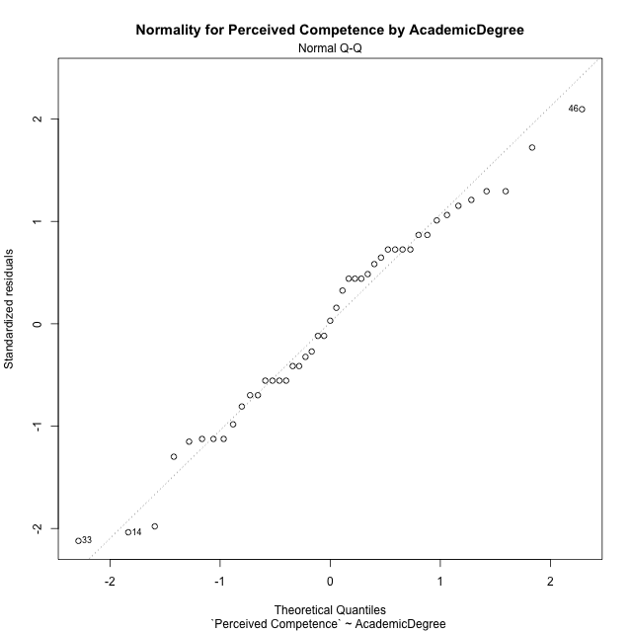

Levene's Test for Homogeneity of Variance in Perceived Competence by AcademicDegree
Df | F value | Pr(>F)
2 | 0.84252928231 | 0.43776771618
42

Plots for homogeneity of variance
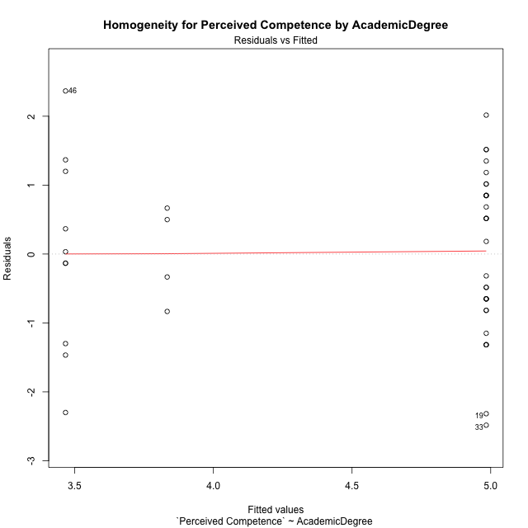

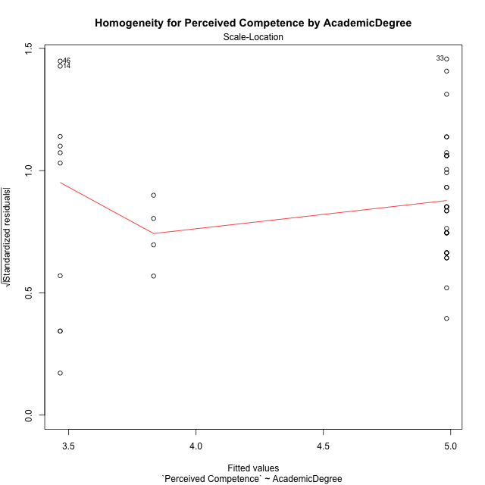

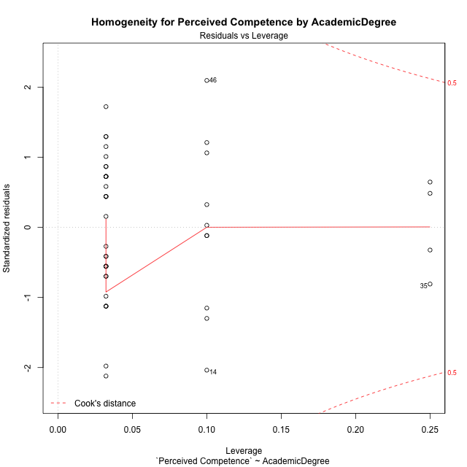

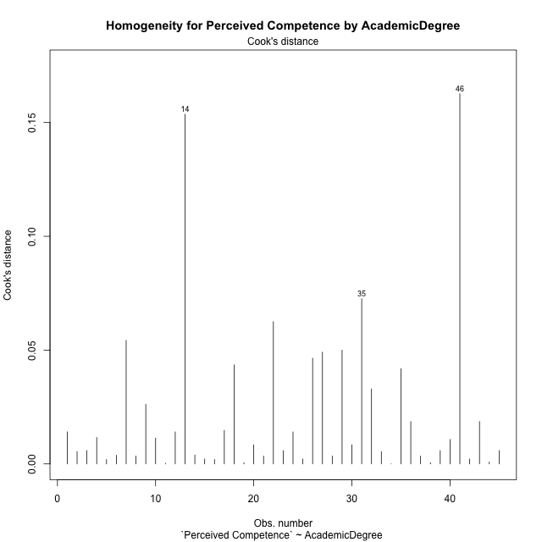

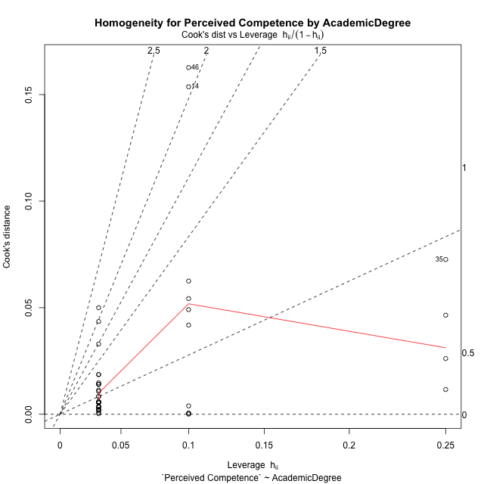

Minimum Sample Size Test for Perceived Competence by AcademicDegree
AcademicDegree | Freq
basic-school | 10
postgraduate | 4
undergraduate | 31

Errors and Warnings in Sample Size Test for ANOVA in Perceived Competence by AcademicDegree
code | description
WARN: sample.size | current size is 10 and recommended size is 15 for the group: 'basic-school'.
FAIL: min.size | current size is 4 but the minimal recomended size is 5 for the group: 'postgraduate'.

For the group: 'basic-school', we recommend the use of non-parametric test. For the group: 'postgraduate', we recommend the use of non-parametric test. For the group: 'undergraduate', you can perform a parametric test without having a normal distribution

Post-hoc
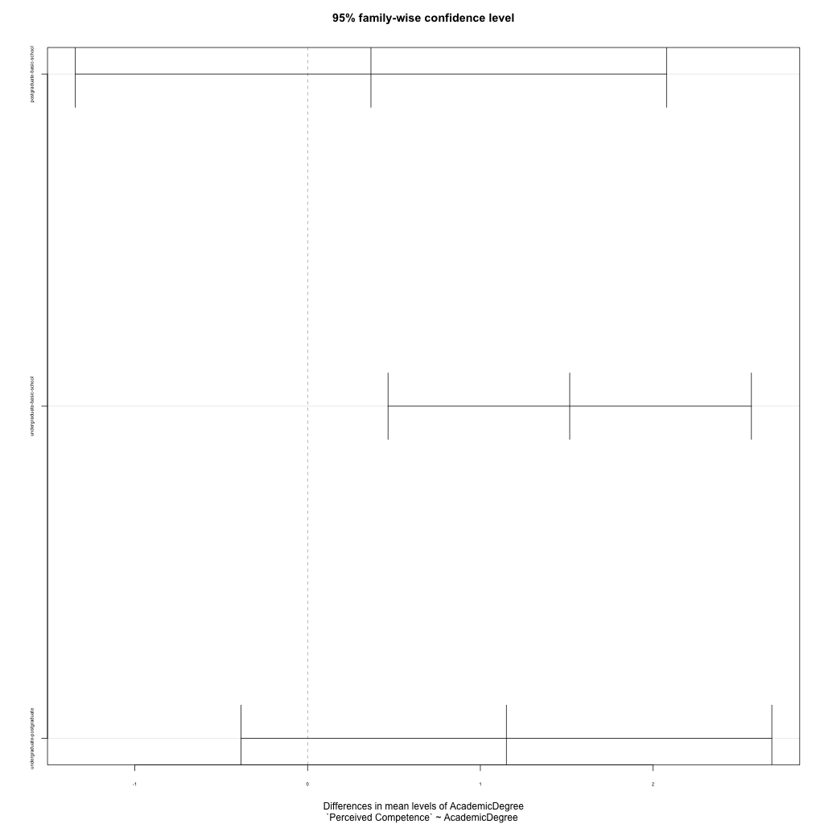
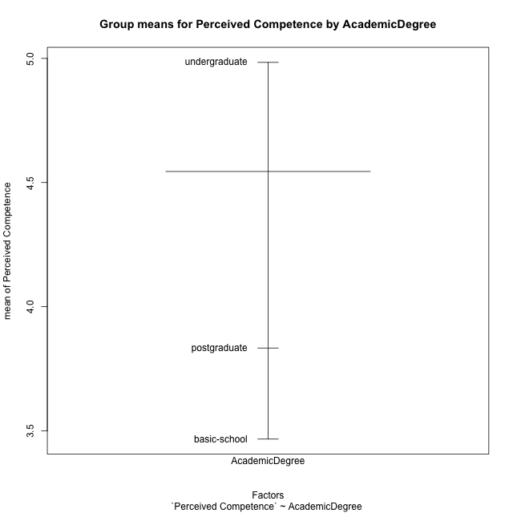
Post-hoc Tukey Honestly Significant Difference (HSD) Test for Perceived Competence by AcademicDegree

Comparisons of means for AcademicDegree
 | diff | lwr | upr | p adj
postgraduate-basic-school | 0.36666666667 | -1.3441955639 | 2.0775288972 | 0.86169593517
undergraduate-basic-school | 1.5172043011 | 0.46550375823 | 2.5689048439 | 0.0030956190591
undergraduate-postgraduate | 1.1505376344 | -0.38586200383 | 2.6869372726 | 0.17568608262

Contrast Matrices for Perceived Competence by AcademicDegree - AcademicDegree
contrast | estimate | SE | df | t.ratio | p.value
basic-school - postgraduate | -0.36666666667 | 0.70420523849 | 42 | -0.52068153803 | 0.86169593517
basic-school - undergraduate | -1.5172043011 | 0.43288876121 | 42 | -3.5048364315 | 0.0030956190591
postgraduate - undergraduate | -1.1505376344 | 0.63239497274 | 42 | -1.8193339353 | 0.17568608262

Least Squares Means and Confidence Intervals for AcademicDegree
AcademicDegree | lsmean | SE | df | lower.CL | upper.CL | Pairs
basic-school | 3.4666666667 | 0.3764135332 | 42 | 2.7070334026 | 4.2262999307 | basic-school
postgraduate | 3.8333333333 | 0.59516205351 | 42 | 2.6322476829 | 5.0344189837 | postgraduate
undergraduate | 4.9838709677 | 0.21378852075 | 42 | 4.5524282657 | 5.4153136697 | undergraduate

Plots

AcademicDegree_1
Student's t-Test for Perceived Competence by AcademicDegree in AcademicDegree between basic-school:postgraduate

Student's t-Test results
Alternative hypothesis: less
Group | N | Mean | Mean.Difference | Std.deviation | Std.error | CI.lower | CI.upper | df | t.value | p.value | g | magnitude
basic-school | 10 | 3.4666666667 | -0.36666666667 | 1.4224826151 | 0.44982849956 | 2.5670096676 | 4.3663236658 | 10.981669411 | -0.64086731727 | 0.26737692568 | -0.26783129364 | small
postgraduate | 4 | 3.8333333333 | 0.36666666667 | 0.70710678119 | 0.35355339059 | 3.1262265521 | 4.5404401145 | 10.981669411 | -0.64086731727 | 0.26737692568 | -0.26783129364 | small
Alternative hypothesis: greater
Group | N | Mean | Mean.Difference | Std.deviation | Std.error | CI.lower | CI.upper | df | t.value | p.value | g | magnitude
basic-school | 10 | 3.4666666667 | -0.36666666667 | 1.4224826151 | 0.44982849956 | 2.5670096676 | 4.3663236658 | 10.981669411 | -0.64086731727 | 0.73262307432 | -0.26783129364 | small
postgraduate | 4 | 3.8333333333 | 0.36666666667 | 0.70710678119 | 0.35355339059 | 3.1262265521 | 4.5404401145 | 10.981669411 | -0.64086731727 | 0.73262307432 | -0.26783129364 | small
Alternative hypothesis: two.sided
Group | N | Mean | Mean.Difference | Std.deviation | Std.error | CI.lower | CI.upper | df | t.value | p.value | g | magnitude
basic-school | 10 | 3.4666666667 | -0.36666666667 | 1.4224826151 | 0.44982849956 | 2.5670096676 | 4.3663236658 | 10.981669411 | -0.64086731727 | 0.53475385137 | -0.26783129364 | small
postgraduate | 4 | 3.8333333333 | 0.36666666667 | 0.70710678119 | 0.35355339059 | 3.1262265521 | 4.5404401145 | 10.981669411 | -0.64086731727 | 0.53475385137 | -0.26783129364 | small

Box plots for Student's t-Test
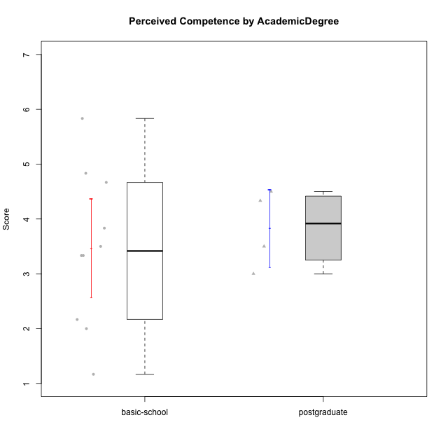

Student's t-Test data
UserID | Age | Sex | AcademicDegree | KnownDomainContent | LikeDomainContent | LikeActionGames | LikeAdventureGames | LikeFightingGames | LikeFictionGames | LikePlatformerGames | LikePuzzleGames | LikeRacingGames | LikeMusicalGames | LikeMMORPGGames | LikeShooterGames | LikeSimulationGames | LikeSportsGames | LikeStrategyGames | LikeNovelGames | SpendTime | Item33PC2 | Item28PC2 | Item25PC2 | Item34PC2 | Item37PC2 | Item30PC2 | Item29VU | Item26VU | Item31VU | Item36VU | Item35VU | Item24IE | Item08IE | Item21IE | Item09IE | Item12IE | Item11IE | Item05PC1 | Item13PC1 | Item18PC1 | Item03PC1 | Perceived Competence | Value/Usefulness | Interest/Enjoyment | Perceived Choice | Intrinsic Motivation
5 | adulthood | male | postgraduate | no | no | yes | yes | yes | no | yes | no | yes | no | yes | yes | yes | yes | yes | no | 10 | 2 | 3 | 6 | 2 | 2 | 2 | 2 | 3 | 3 | 3 | 2 | 4 | 3 | 3 | 3 | 3 | 3 | 5 | 5 | 5 | 5 | 3.5 | 2.6 | 3.1666666667 | 3 | 3.0952380952
8 | emerging-adulthood | male | basic-school | yes | no | yes | yes | yes | yes | yes | yes | no | yes | yes | yes | yes | no | yes | yes | 30 | 4 | 5 | 5 | 1 | 4 | 4 | 5 | 7 | 5 | 6 | 5 | 4 | 4 | 4 | 4 | 3 | 6 | 1 | 1 | 1 | 2 | 4.8333333333 | 5.6 | 4.1666666667 | 6.75 | 5.1904761905
10 | emerging-adulthood | male | postgraduate | no | no | yes | yes | no | no | yes | no | no | no | yes | no | yes | no | yes | no | 10 | 4 | 4 | 4 | 3 | 5 | 4 | 5 | 4 | 5 | 5 | 5 | 5 | 4 | 5 | 4 | 5 | 3 | 1 | 1 | 1 | 3 | 4.3333333333 | 4.8 | 4.3333333333 | 6.5 | 4.8571428571
14 | adolescence | male | basic-school | no | no | yes | no | yes | no | no | no | no | no | no | yes | no | yes | yes | no | 4000 | 1 | 1 | 1 | 7 | 1 | 2 | 6 | 7 | 6 | 6 | 6 | 6 | 6 | 7 | 1 | 6 | 6 | 1 | 1 | 1 | 1 | 1.1666666667 | 6.2 | 5.3333333333 | 7 | 4.6666666667
15 | adolescence | male | basic-school | no | no | yes | yes | no | no | no | yes | yes | no | no | yes | no | no | yes | no | 5 | 4 | 2 | 1 | 3 | 4 | 7 | 6 | 7 | 6 | 6 | 6 | 1 | 3 | 3 | 2 | 1 | 1 | 2 | 4 | 3 | 7 | 3.8333333333 | 6.2 | 1.8333333333 | 4 | 3.8571428571
21 | adolescence | female | basic-school | yes | yes | no | no | no | no | no | no | no | yes | no | yes | no | no | no | no | 5 | 3 | 2 | 4 | 3 | 4 | 2 | 2 | 4 | 3 | 3 | 3 | 3 | 3 | 3 | 2 | 4 | 3 | 2 | 1 | 3 | 2 | 3.3333333333 | 3 | 3 | 6 | 3.6666666667
24 | adolescence | male | basic-school | yes | yes | yes | yes | no | no | no | yes | no | no | yes | no | yes | no | yes | no | 3 | 1 | 1 | 2 | 4 | 3 | 1 | 6 | 7 | 4 | 7 | 6 | 7 | 7 | 3 | 3 | 5 | 1 | 7 | 7 | 7 | 7 | 2 | 6 | 4.3333333333 | 1 | 3.4285714286
30 | adulthood | female | postgraduate | yes | yes | no | no | no | no | no | yes | no | no | no | no | no | no | no | no | 30 | 4 | 5 | 4 | 3 | 5 | 4 | 6 | 7 | 6 | 6 | 6 | 5 | 6 | 6 | 6 | 7 | 7 | 1 | 1 | 1 | 1 | 4.5 | 6.2 | 6.1666666667 | 7 | 5.8571428571
31 | emerging-adulthood | male | basic-school | no | yes | no | no | no | no | no | no | no | no | no | no | no | no | yes | no | 4 | 2 | 1 | 2 | 4 | 3 | 1 | 6 | 5 | 5 | 6 | 5 | 3 | 3 | 2 | 2 | 2 | 3 | 5 | 6 | 2 | 7 | 2.1666666667 | 5.4 | 2.5 | 3 | 3.1904761905
35 | adulthood | male | postgraduate | yes | yes | yes | no | no | no | yes | no | no | no | yes | no | no | no | yes | no | 10 | 2 | 2 | 3 | 2 | 3 | 2 | 2 | 1 | 3 | 3 | 2 | 3 | 3 | 3 | 3 | 3 | 3 | 1 | 2 | 1 | 1 | 3 | 2.2 | 3 | 6.75 | 3.5238095238
38 | emerging-adulthood | female | basic-school | yes | yes | yes | yes | yes | yes | no | no | no | no | yes | no | no | no | yes | no | 27 | 2 | 5 | 3 | 3 | 5 | 1 | 6 | 6 | 5 | 6 | 6 | 7 | 7 | 6 | 7 | 6 | 4 | 1 | 1 | 1 | 1 | 3.5 | 5.8 | 6.1666666667 | 7 | 5.4761904762
39 | emerging-adulthood | female | basic-school | yes | yes | yes | yes | no | yes | no | yes | no | yes | no | no | no | no | yes | no | 25 | 4 | 4 | 5 | 1 | 4 | 4 | 7 | 5 | 7 | 5 | 7 | 4 | 4 | 3 | 3 | 3 | 5 | 7 | 6 | 4 | 7 | 4.6666666667 | 6.2 | 3.6666666667 | 2 | 4.2380952381
42 | adolescence | female | basic-school | yes | yes | no | no | no | no | no | no | no | yes | no | yes | no | no | no | no | 5 | 3 | 2 | 4 | 3 | 4 | 2 | 2 | 4 | 3 | 3 | 3 | 3 | 3 | 3 | 2 | 4 | 3 | 2 | 1 | 3 | 2 | 3.3333333333 | 3 | 3 | 6 | 3.6666666667
46 | emerging-adulthood | male | basic-school | yes | yes | yes | yes | yes | no | no | no | yes | no | yes | yes | no | no | yes | no | 12 | 6 | 5 | 6 | 1 | 6 | 5 | 7 | 6 | 7 | 7 | 7 | 7 | 6 | 5 | 6 | 5 | 6 | 1 | 1 | 1 | 1 | 5.8333333333 | 6.8 | 5.8333333333 | 7 | 6.2857142857

AcademicDegree_2
Student's t-Test for Perceived Competence by AcademicDegree in AcademicDegree between basic-school:undergraduate

Student's t-Test results
Alternative hypothesis: less
Group | N | Mean | Mean.Difference | Std.deviation | Std.error | CI.lower | CI.upper | df | t.value | p.value | g | magnitude
basic-school | 10 | 3.4666666667 | -1.5172043011 | 1.4224826151 | 0.44982849956 | 2.5670096676 | 4.3663236658 | 13.034363583 | -3.0643484194 | 0.0045113633161 | -1.2199500758 | large
undergraduate | 31 | 4.9838709677 | 1.5172043011 | 1.1517738644 | 0.20686469278 | 4.5701415822 | 5.3976003533 | 13.034363583 | -3.0643484194 | 0.0045113633161 | -1.2199500758 | large
Alternative hypothesis: greater
Group | N | Mean | Mean.Difference | Std.deviation | Std.error | CI.lower | CI.upper | df | t.value | p.value | g | magnitude
basic-school | 10 | 3.4666666667 | -1.5172043011 | 1.4224826151 | 0.44982849956 | 2.5670096676 | 4.3663236658 | 13.034363583 | -3.0643484194 | 0.99548863668 | -1.2199500758 | large
undergraduate | 31 | 4.9838709677 | 1.5172043011 | 1.1517738644 | 0.20686469278 | 4.5701415822 | 5.3976003533 | 13.034363583 | -3.0643484194 | 0.99548863668 | -1.2199500758 | large
Alternative hypothesis: two.sided
Group | N | Mean | Mean.Difference | Std.deviation | Std.error | CI.lower | CI.upper | df | t.value | p.value | g | magnitude
basic-school | 10 | 3.4666666667 | -1.5172043011 | 1.4224826151 | 0.44982849956 | 2.5670096676 | 4.3663236658 | 13.034363583 | -3.0643484194 | 0.0090227266322 | -1.2199500758 | large
undergraduate | 31 | 4.9838709677 | 1.5172043011 | 1.1517738644 | 0.20686469278 | 4.5701415822 | 5.3976003533 | 13.034363583 | -3.0643484194 | 0.0090227266322 | -1.2199500758 | large

Box plots for Student's t-Test
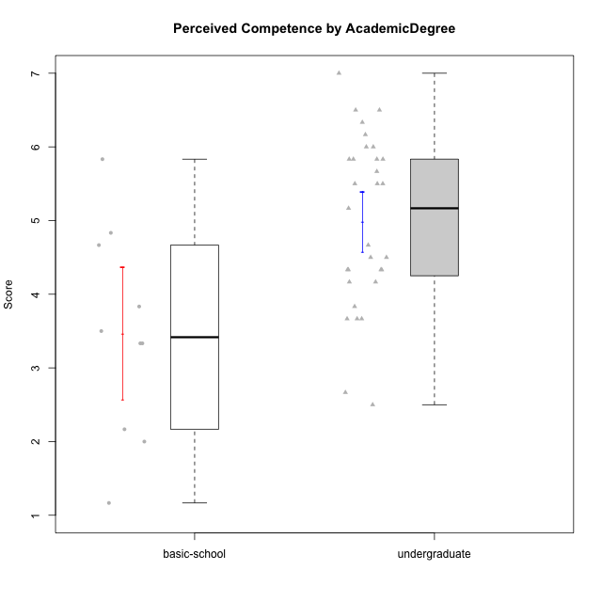

Student's t-Test data
UserID | Age | Sex | AcademicDegree | KnownDomainContent | LikeDomainContent | LikeActionGames | LikeAdventureGames | LikeFightingGames | LikeFictionGames | LikePlatformerGames | LikePuzzleGames | LikeRacingGames | LikeMusicalGames | LikeMMORPGGames | LikeShooterGames | LikeSimulationGames | LikeSportsGames | LikeStrategyGames | LikeNovelGames | SpendTime | Item33PC2 | Item28PC2 | Item25PC2 | Item34PC2 | Item37PC2 | Item30PC2 | Item29VU | Item26VU | Item31VU | Item36VU | Item35VU | Item24IE | Item08IE | Item21IE | Item09IE | Item12IE | Item11IE | Item05PC1 | Item13PC1 | Item18PC1 | Item03PC1 | Perceived Competence | Value/Usefulness | Interest/Enjoyment | Perceived Choice | Intrinsic Motivation
2 | emerging-adulthood | female | undergraduate | no | no | no | no | no | yes | no | yes | no | no | no | no | yes | no | yes | no | 10 | 3 | 3 | 3 | 2 | 4 | 3 | 3 | 6 | 4 | 5 | 5 | 5 | 3 | 4 | 3 | 5 | 5 | 1 | 1 | 1 | 1 | 3.6666666667 | 4.6 | 4.1666666667 | 7 | 4.6666666667
3 | emerging-adulthood | male | undergraduate | no | no | no | no | no | yes | no | yes | yes | no | no | yes | no | no | no | no | 13 | 5 | 5 | 3 | 2 | 5 | 1 | 3 | 3 | 3 | 3 | 3 | 5 | 3 | 5 | 5 | 5 | 5 | 1 | 1 | 1 | 1 | 4.1666666667 | 3 | 4.6666666667 | 7 | 4.5714285714
4 | emerging-adulthood | female | undergraduate | no | no | yes | yes | yes | yes | yes | no | yes | no | yes | no | yes | no | yes | yes | 29 | 5 | 7 | 6 | 1 | 6 | 4 | 5 | 4 | 7 | 7 | 5 | 7 | 7 | 7 | 7 | 5 | 5 | 1 | 2 | 1 | 4 | 5.8333333333 | 5.6 | 6.3333333333 | 6 | 5.9523809524
6 | emerging-adulthood | male | undergraduate | yes | no | no | no | no | no | no | yes | no | no | yes | no | no | no | yes | no | 15 | 4 | 4 | 3 | 2 | 7 | 3 | 7 | 7 | 5 | 7 | 6 | 5 | 7 | 6 | 7 | 4 | 4 | 1 | 1 | 1 | 1 | 4.5 | 6.4 | 5.5 | 7 | 5.7142857143
7 | emerging-adulthood | male | undergraduate | no | no | no | no | yes | no | no | no | yes | no | yes | yes | no | yes | yes | no | 40 | 6 | 7 | 6 | 1 | 4 | 4 | 6 | 6 | 6 | 5 | 2 | 2 | 5 | 3 | 5 | 3 | 6 | 1 | 1 | 1 | 1 | 5.6666666667 | 5 | 4 | 7 | 5.2857142857
8 | emerging-adulthood | male | basic-school | yes | no | yes | yes | yes | yes | yes | yes | no | yes | yes | yes | yes | no | yes | yes | 30 | 4 | 5 | 5 | 1 | 4 | 4 | 5 | 7 | 5 | 6 | 5 | 4 | 4 | 4 | 4 | 3 | 6 | 1 | 1 | 1 | 2 | 4.8333333333 | 5.6 | 4.1666666667 | 6.75 | 5.1904761905
9 | emerging-adulthood | male | undergraduate | no | no | no | yes | no | yes | yes | no | yes | no | no | yes | no | no | yes | yes | 20 | 5 | 5 | 4 | 4 | 4 | 4 | 6 | 5 | 6 | 5 | 5 | 1 | 2 | 2 | 1 | 1 | 2 | 1 | 3 | 3 | 7 | 4.3333333333 | 5.4 | 1.5 | 4.5 | 3.8095238095
11 | emerging-adulthood | female | undergraduate | yes | no | no | no | no | yes | no | yes | no | yes | no | no | no | no | yes | yes | 35 | 6 | 7 | 6 | 1 | 7 | 4 | 6 | 6 | 6 | 7 | 6 | 6 | 5 | 6 | 6 | 6 | 6 | 1 | 1 | 1 | 1 | 6.1666666667 | 6.2 | 5.8333333333 | 7 | 6.2380952381
12 | emerging-adulthood | male | undergraduate | yes | no | yes | yes | no | no | yes | no | yes | no | no | yes | yes | no | yes | no | 10 | 5 | 7 | 4 | 1 | 4 | 4 | 4 | 4 | 4 | 4 | 4 | 4 | 4 | 4 | 4 | 6 | 4 | 4 | 4 | 4 | 4 | 5.1666666667 | 4 | 4.3333333333 | 4 | 4.4285714286
13 | adulthood | male | undergraduate | no | no | yes | yes | no | no | no | yes | yes | yes | no | yes | yes | yes | yes | no | 20 | 4 | 4 | 3 | 3 | 3 | 3 | 5 | 5 | 5 | 5 | 5 | 3 | 2 | 4 | 2 | 3 | 1 | 2 | 2 | 4 | 6 | 3.6666666667 | 5 | 2.5 | 4.5 | 3.8095238095
14 | adolescence | male | basic-school | no | no | yes | no | yes | no | no | no | no | no | no | yes | no | yes | yes | no | 4000 | 1 | 1 | 1 | 7 | 1 | 2 | 6 | 7 | 6 | 6 | 6 | 6 | 6 | 7 | 1 | 6 | 6 | 1 | 1 | 1 | 1 | 1.1666666667 | 6.2 | 5.3333333333 | 7 | 4.6666666667
15 | adolescence | male | basic-school | no | no | yes | yes | no | no | no | yes | yes | no | no | yes | no | no | yes | no | 5 | 4 | 2 | 1 | 3 | 4 | 7 | 6 | 7 | 6 | 6 | 6 | 1 | 3 | 3 | 2 | 1 | 1 | 2 | 4 | 3 | 7 | 3.8333333333 | 6.2 | 1.8333333333 | 4 | 3.8571428571
16 | emerging-adulthood | male | undergraduate | no | yes | no | yes | yes | yes | yes | yes | no | no | yes | no | yes | no | yes | yes | 25 | 6 | 5 | 6 | 2 | 6 | 4 | 7 | 7 | 7 | 7 | 6 | 7 | 6 | 6 | 7 | 6 | 2 | 1 | 1 | 1 | 1 | 5.5 | 6.8 | 5.6666666667 | 7 | 6.1428571429
17 | adolescence | male | undergraduate | yes | yes | no | no | no | no | yes | yes | no | no | no | yes | no | no | no | no | 15 | 4 | 5 | 5 | 2 | 4 | 3 | 5 | 3 | 5 | 5 | 4 | 6 | 4 | 5 | 5 | 7 | 7 | 1 | 1 | 1 | 1 | 4.5 | 4.4 | 5.6666666667 | 7 | 5.2857142857
18 | emerging-adulthood | male | undergraduate | yes | no | no | no | yes | no | yes | no | no | no | no | yes | no | no | no | no | 30 | 7 | 7 | 6 | 1 | 7 | 4 | 2 | 3 | 3 | 2 | 6 | 4 | 5 | 4 | 5 | 6 | 4 | 1 | 1 | 1 | 1 | 6.3333333333 | 3.2 | 4.6666666667 | 7 | 5.2380952381
19 | emerging-adulthood | male | undergraduate | no | no | no | no | no | no | no | no | no | no | yes | no | no | no | no | no | 11 | 2 | 3 | 4 | 7 | 4 | 2 | 7 | 7 | 6 | 7 | 7 | 4 | 7 | 7 | 7 | 4 | 7 | 1 | 1 | 1 | 1 | 2.6666666667 | 6.8 | 6 | 7 | 5.4285714286
21 | adolescence | female | basic-school | yes | yes | no | no | no | no | no | no | no | yes | no | yes | no | no | no | no | 5 | 3 | 2 | 4 | 3 | 4 | 2 | 2 | 4 | 3 | 3 | 3 | 3 | 3 | 3 | 2 | 4 | 3 | 2 | 1 | 3 | 2 | 3.3333333333 | 3 | 3 | 6 | 3.6666666667
22 | emerging-adulthood | male | undergraduate | yes | yes | yes | yes | yes | yes | yes | yes | no | no | yes | no | yes | no | yes | no | 40 | 6 | 7 | 6 | 1 | 6 | 4 | 5 | 7 | 6 | 5 | 6 | 5 | 6 | 5 | 5 | 4 | 4 | 1 | 2 | 1 | 1 | 6 | 5.8 | 4.8333333333 | 6.75 | 5.7619047619
23 | emerging-adulthood | male | undergraduate | yes | no | yes | yes | no | no | yes | no | yes | no | yes | yes | yes | no | yes | no | 25 | 4 | 6 | 4 | 1 | 4 | 1 | 2 | 3 | 4 | 4 | 1 | 5 | 6 | 5 | 7 | 7 | 1 | 1 | 1 | 1 | 2 | 4.3333333333 | 2.8 | 5.1666666667 | 6.75 | 4.6666666667
24 | adolescence | male | basic-school | yes | yes | yes | yes | no | no | no | yes | no | no | yes | no | yes | no | yes | no | 3 | 1 | 1 | 2 | 4 | 3 | 1 | 6 | 7 | 4 | 7 | 6 | 7 | 7 | 3 | 3 | 5 | 1 | 7 | 7 | 7 | 7 | 2 | 6 | 4.3333333333 | 1 | 3.4285714286
25 | emerging-adulthood | female | undergraduate | yes | yes | no | yes | no | yes | yes | yes | no | no | no | no | no | no | yes | no | 35 | 6 | 6 | 5 | 2 | 6 | 6 | 7 | 7 | 7 | 7 | 7 | 7 | 7 | 7 | 7 | 7 | 7 | 1 | 1 | 1 | 1 | 5.8333333333 | 7 | 7 | 7 | 6.6666666667
28 | emerging-adulthood | female | undergraduate | no | no | no | no | no | no | no | yes | no | yes | no | no | no | no | no | no | 20 | 4 | 4 | 1 | 5 | 5 | 5 | 7 | 7 | 4 | 5 | 5 | 1 | 2 | 2 | 2 | 1 | 1 | 1 | 1 | 1 | 1 | 3.6666666667 | 5.6 | 1.5 | 7 | 4.1428571429
29 | adolescence | male | undergraduate | yes | yes | yes | yes | no | no | yes | yes | yes | no | no | no | no | no | no | no | 30 | 5 | 7 | 5 | 1 | 5 | 4 | 3 | 3 | 3 | 3 | 3 | 5 | 4 | 4 | 5 | 6 | 3 | 1 | 2 | 1 | 1 | 5.5 | 3 | 4.5 | 6.75 | 4.8571428571
31 | emerging-adulthood | male | basic-school | no | yes | no | no | no | no | no | no | no | no | no | no | no | no | yes | no | 4 | 2 | 1 | 2 | 4 | 3 | 1 | 6 | 5 | 5 | 6 | 5 | 3 | 3 | 2 | 2 | 2 | 3 | 5 | 6 | 2 | 7 | 2.1666666667 | 5.4 | 2.5 | 3 | 3.1904761905
32 | emerging-adulthood | male | undergraduate | no | no | no | yes | no | no | yes | no | no | yes | no | no | no | no | no | yes | 19 | 3 | 7 | 3 | 3 | 4 | 4 | 4 | 3 | 5 | 4 | 3 | 5 | 5 | 2 | 3 | 3 | 5 | 2 | 3 | 2 | 4 | 4.3333333333 | 3.8 | 3.8333333333 | 5.25 | 4.2380952381
33 | emerging-adulthood | male | undergraduate | yes | yes | yes | yes | no | no | yes | yes | no | yes | no | yes | no | no | no | no | 3 | 2 | 3 | 3 | 3 | 1 | 1 | 4 | 4 | 5 | 6 | 2 | 6 | 6 | 6 | 5 | 6 | 7 | 1 | 2 | 2 | 1 | 2.5 | 4.2 | 6 | 6.5 | 4.6666666667
34 | emerging-adulthood | male | undergraduate | no | yes | no | yes | no | no | yes | yes | no | no | yes | yes | no | no | yes | yes | 24 | 6 | 6 | 6 | 1 | 7 | 4 | 5 | 7 | 6 | 6 | 5 | 6 | 6 | 5 | 5 | 6 | 4 | 1 | 1 | 1 | 1 | 6 | 5.8 | 5.3333333333 | 7 | 5.9523809524
36 | adulthood | male | undergraduate | yes | no | no | yes | no | yes | no | yes | no | no | yes | no | no | no | yes | no | 25 | 7 | 7 | 7 | 1 | 7 | 7 | 5 | 5 | 5 | 5 | 5 | 6 | 5 | 6 | 6 | 6 | 6 | 1 | 1 | 1 | 1 | 7 | 5 | 5.8333333333 | 7 | 6.1904761905
37 | emerging-adulthood | male | undergraduate | no | no | no | yes | no | yes | no | yes | no | yes | yes | no | yes | no | yes | no | 14 | 4 | 4 | 5 | 2 | 3 | 3 | 4 | 3 | 4 | 3 | 3 | 4 | 4 | 4 | 3 | 4 | 5 | 1 | 1 | 1 | 1 | 4.1666666667 | 3.4 | 4 | 7 | 4.4761904762
38 | emerging-adulthood | female | basic-school | yes | yes | yes | yes | yes | yes | no | no | no | no | yes | no | no | no | yes | no | 27 | 2 | 5 | 3 | 3 | 5 | 1 | 6 | 6 | 5 | 6 | 6 | 7 | 7 | 6 | 7 | 6 | 4 | 1 | 1 | 1 | 1 | 3.5 | 5.8 | 6.1666666667 | 7 | 5.4761904762
39 | emerging-adulthood | female | basic-school | yes | yes | yes | yes | no | yes | no | yes | no | yes | no | no | no | no | yes | no | 25 | 4 | 4 | 5 | 1 | 4 | 4 | 7 | 5 | 7 | 5 | 7 | 4 | 4 | 3 | 3 | 3 | 5 | 7 | 6 | 4 | 7 | 4.6666666667 | 6.2 | 3.6666666667 | 2 | 4.2380952381
40 | adolescence | male | undergraduate | no | yes | yes | yes | no | yes | yes | yes | no | no | yes | yes | yes | no | yes | no | 20 | 7 | 7 | 6 | 1 | 7 | 5 | 7 | 6 | 6 | 7 | 7 | 5 | 5 | 5 | 5 | 7 | 5 | 1 | 1 | 1 | 1 | 6.5 | 6.6 | 5.3333333333 | 7 | 6.2857142857
41 | emerging-adulthood | male | undergraduate | no | no | yes | yes | yes | yes | no | no | no | yes | yes | yes | no | no | yes | no | 33 | 5 | 4 | 4 | 3 | 5 | 3 | 5 | 6 | 5 | 4 | 5 | 5 | 4 | 5 | 5 | 6 | 3 | 1 | 1 | 3 | 1 | 4.3333333333 | 5 | 4.6666666667 | 6.5 | 5
42 | adolescence | female | basic-school | yes | yes | no | no | no | no | no | no | no | yes | no | yes | no | no | no | no | 5 | 3 | 2 | 4 | 3 | 4 | 2 | 2 | 4 | 3 | 3 | 3 | 3 | 3 | 3 | 2 | 4 | 3 | 2 | 1 | 3 | 2 | 3.3333333333 | 3 | 3 | 6 | 3.6666666667
43 | adolescence | male | undergraduate | no | yes | yes | yes | no | no | yes | no | no | no | yes | yes | no | yes | yes | no | 15 | 5 | 6 | 6 | 3 | 7 | 6 | 6 | 7 | 6 | 6 | 6 | 7 | 6 | 7 | 6 | 7 | 7 | 1 | 1 | 1 | 1 | 5.8333333333 | 6.2 | 6.6666666667 | 7 | 6.380952381
45 | emerging-adulthood | male | undergraduate | no | yes | yes | yes | yes | yes | yes | yes | yes | no | yes | yes | no | no | yes | no | 20 | 4 | 4 | 4 | 1 | 3 | 1 | 3 | 3 | 4 | 6 | 2 | 4 | 4 | 4 | 4 | 5 | 4 | 1 | 1 | 1 | 1 | 3.8333333333 | 3.6 | 4.1666666667 | 7 | 4.4761904762
46 | emerging-adulthood | male | basic-school | yes | yes | yes | yes | yes | no | no | no | yes | no | yes | yes | no | no | yes | no | 12 | 6 | 5 | 6 | 1 | 6 | 5 | 7 | 6 | 7 | 7 | 7 | 7 | 6 | 5 | 6 | 5 | 6 | 1 | 1 | 1 | 1 | 5.8333333333 | 6.8 | 5.8333333333 | 7 | 6.2857142857
47 | adolescence | female | undergraduate | no | yes | no | yes | no | yes | yes | no | no | yes | no | no | yes | no | yes | no | 25 | 6 | 5 | 5 | 1 | 6 | 4 | 7 | 7 | 7 | 7 | 7 | 7 | 7 | 7 | 7 | 7 | 7 | 1 | 1 | 2 | 1 | 5.5 | 7 | 7 | 6.75 | 6.5238095238
48 | emerging-adulthood | female | undergraduate | yes | yes | yes | yes | yes | no | yes | yes | yes | yes | yes | no | yes | yes | yes | no | 7 | 7 | 7 | 7 | 1 | 7 | 4 | 7 | 7 | 6 | 5 | 7 | 7 | 3 | 6 | 7 | 7 | 3 | 1 | 1 | 1 | 1 | 6.5 | 6.4 | 5.5 | 7 | 6.2857142857
49 | emerging-adulthood | male | undergraduate | no | no | yes | yes | yes | no | no | yes | no | no | yes | yes | no | no | yes | yes | 31 | 4 | 5 | 4 | 2 | 5 | 4 | 2 | 1 | 2 | 2 | 2 | 2 | 2 | 2 | 3 | 2 | 1 | 1 | 1 | 1 | 1 | 4.6666666667 | 1.8 | 2 | 7 | 3.6666666667
50 | emerging-adulthood | male | undergraduate | yes | yes | yes | yes | no | no | yes | yes | yes | yes | no | no | no | no | yes | no | 40 | 6 | 6 | 6 | 2 | 7 | 4 | 6 | 5 | 7 | 6 | 6 | 6 | 5 | 6 | 5 | 7 | 7 | 1 | 1 | 1 | 1 | 5.8333333333 | 6 | 6 | 7 | 6.1428571429

AcademicDegree_3
Student's t-Test for Perceived Competence by AcademicDegree in AcademicDegree between postgraduate:undergraduate

Student's t-Test results
Alternative hypothesis: less
Group | N | Mean | Mean.Difference | Std.deviation | Std.error | CI.lower | CI.upper | df | t.value | p.value | g | magnitude
postgraduate | 4 | 3.8333333333 | -1.1505376344 | 0.70710678119 | 0.35355339059 | 3.1262265521 | 4.5404401145 | 5.3430421704 | -2.8087553213 | 0.017471481135 | -1.0049272879 | large
undergraduate | 31 | 4.9838709677 | 1.1505376344 | 1.1517738644 | 0.20686469278 | 4.5701415822 | 5.3976003533 | 5.3430421704 | -2.8087553213 | 0.017471481135 | -1.0049272879 | large
Alternative hypothesis: greater
Group | N | Mean | Mean.Difference | Std.deviation | Std.error | CI.lower | CI.upper | df | t.value | p.value | g | magnitude
postgraduate | 4 | 3.8333333333 | -1.1505376344 | 0.70710678119 | 0.35355339059 | 3.1262265521 | 4.5404401145 | 5.3430421704 | -2.8087553213 | 0.98252851886 | -1.0049272879 | large
undergraduate | 31 | 4.9838709677 | 1.1505376344 | 1.1517738644 | 0.20686469278 | 4.5701415822 | 5.3976003533 | 5.3430421704 | -2.8087553213 | 0.98252851886 | -1.0049272879 | large
Alternative hypothesis: two.sided
Group | N | Mean | Mean.Difference | Std.deviation | Std.error | CI.lower | CI.upper | df | t.value | p.value | g | magnitude
postgraduate | 4 | 3.8333333333 | -1.1505376344 | 0.70710678119 | 0.35355339059 | 3.1262265521 | 4.5404401145 | 5.3430421704 | -2.8087553213 | 0.034942962271 | -1.0049272879 | large
undergraduate | 31 | 4.9838709677 | 1.1505376344 | 1.1517738644 | 0.20686469278 | 4.5701415822 | 5.3976003533 | 5.3430421704 | -2.8087553213 | 0.034942962271 | -1.0049272879 | large

Box plots for Student's t-Test
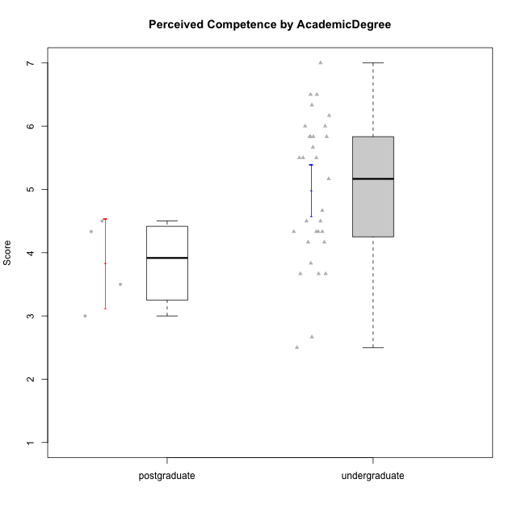

Student's t-Test data
UserID | Age | Sex | AcademicDegree | KnownDomainContent | LikeDomainContent | LikeActionGames | LikeAdventureGames | LikeFightingGames | LikeFictionGames | LikePlatformerGames | LikePuzzleGames | LikeRacingGames | LikeMusicalGames | LikeMMORPGGames | LikeShooterGames | LikeSimulationGames | LikeSportsGames | LikeStrategyGames | LikeNovelGames | SpendTime | Item33PC2 | Item28PC2 | Item25PC2 | Item34PC2 | Item37PC2 | Item30PC2 | Item29VU | Item26VU | Item31VU | Item36VU | Item35VU | Item24IE | Item08IE | Item21IE | Item09IE | Item12IE | Item11IE | Item05PC1 | Item13PC1 | Item18PC1 | Item03PC1 | Perceived Competence | Value/Usefulness | Interest/Enjoyment | Perceived Choice | Intrinsic Motivation
2 | emerging-adulthood | female | undergraduate | no | no | no | no | no | yes | no | yes | no | no | no | no | yes | no | yes | no | 10 | 3 | 3 | 3 | 2 | 4 | 3 | 3 | 6 | 4 | 5 | 5 | 5 | 3 | 4 | 3 | 5 | 5 | 1 | 1 | 1 | 1 | 3.6666666667 | 4.6 | 4.1666666667 | 7 | 4.6666666667
3 | emerging-adulthood | male | undergraduate | no | no | no | no | no | yes | no | yes | yes | no | no | yes | no | no | no | no | 13 | 5 | 5 | 3 | 2 | 5 | 1 | 3 | 3 | 3 | 3 | 3 | 5 | 3 | 5 | 5 | 5 | 5 | 1 | 1 | 1 | 1 | 4.1666666667 | 3 | 4.6666666667 | 7 | 4.5714285714
4 | emerging-adulthood | female | undergraduate | no | no | yes | yes | yes | yes | yes | no | yes | no | yes | no | yes | no | yes | yes | 29 | 5 | 7 | 6 | 1 | 6 | 4 | 5 | 4 | 7 | 7 | 5 | 7 | 7 | 7 | 7 | 5 | 5 | 1 | 2 | 1 | 4 | 5.8333333333 | 5.6 | 6.3333333333 | 6 | 5.9523809524
5 | adulthood | male | postgraduate | no | no | yes | yes | yes | no | yes | no | yes | no | yes | yes | yes | yes | yes | no | 10 | 2 | 3 | 6 | 2 | 2 | 2 | 2 | 3 | 3 | 3 | 2 | 4 | 3 | 3 | 3 | 3 | 3 | 5 | 5 | 5 | 5 | 3.5 | 2.6 | 3.1666666667 | 3 | 3.0952380952
6 | emerging-adulthood | male | undergraduate | yes | no | no | no | no | no | no | yes | no | no | yes | no | no | no | yes | no | 15 | 4 | 4 | 3 | 2 | 7 | 3 | 7 | 7 | 5 | 7 | 6 | 5 | 7 | 6 | 7 | 4 | 4 | 1 | 1 | 1 | 1 | 4.5 | 6.4 | 5.5 | 7 | 5.7142857143
7 | emerging-adulthood | male | undergraduate | no | no | no | no | yes | no | no | no | yes | no | yes | yes | no | yes | yes | no | 40 | 6 | 7 | 6 | 1 | 4 | 4 | 6 | 6 | 6 | 5 | 2 | 2 | 5 | 3 | 5 | 3 | 6 | 1 | 1 | 1 | 1 | 5.6666666667 | 5 | 4 | 7 | 5.2857142857
9 | emerging-adulthood | male | undergraduate | no | no | no | yes | no | yes | yes | no | yes | no | no | yes | no | no | yes | yes | 20 | 5 | 5 | 4 | 4 | 4 | 4 | 6 | 5 | 6 | 5 | 5 | 1 | 2 | 2 | 1 | 1 | 2 | 1 | 3 | 3 | 7 | 4.3333333333 | 5.4 | 1.5 | 4.5 | 3.8095238095
10 | emerging-adulthood | male | postgraduate | no | no | yes | yes | no | no | yes | no | no | no | yes | no | yes | no | yes | no | 10 | 4 | 4 | 4 | 3 | 5 | 4 | 5 | 4 | 5 | 5 | 5 | 5 | 4 | 5 | 4 | 5 | 3 | 1 | 1 | 1 | 3 | 4.3333333333 | 4.8 | 4.3333333333 | 6.5 | 4.8571428571
11 | emerging-adulthood | female | undergraduate | yes | no | no | no | no | yes | no | yes | no | yes | no | no | no | no | yes | yes | 35 | 6 | 7 | 6 | 1 | 7 | 4 | 6 | 6 | 6 | 7 | 6 | 6 | 5 | 6 | 6 | 6 | 6 | 1 | 1 | 1 | 1 | 6.1666666667 | 6.2 | 5.8333333333 | 7 | 6.2380952381
12 | emerging-adulthood | male | undergraduate | yes | no | yes | yes | no | no | yes | no | yes | no | no | yes | yes | no | yes | no | 10 | 5 | 7 | 4 | 1 | 4 | 4 | 4 | 4 | 4 | 4 | 4 | 4 | 4 | 4 | 4 | 6 | 4 | 4 | 4 | 4 | 4 | 5.1666666667 | 4 | 4.3333333333 | 4 | 4.4285714286
13 | adulthood | male | undergraduate | no | no | yes | yes | no | no | no | yes | yes | yes | no | yes | yes | yes | yes | no | 20 | 4 | 4 | 3 | 3 | 3 | 3 | 5 | 5 | 5 | 5 | 5 | 3 | 2 | 4 | 2 | 3 | 1 | 2 | 2 | 4 | 6 | 3.6666666667 | 5 | 2.5 | 4.5 | 3.8095238095
16 | emerging-adulthood | male | undergraduate | no | yes | no | yes | yes | yes | yes | yes | no | no | yes | no | yes | no | yes | yes | 25 | 6 | 5 | 6 | 2 | 6 | 4 | 7 | 7 | 7 | 7 | 6 | 7 | 6 | 6 | 7 | 6 | 2 | 1 | 1 | 1 | 1 | 5.5 | 6.8 | 5.6666666667 | 7 | 6.1428571429
17 | adolescence | male | undergraduate | yes | yes | no | no | no | no | yes | yes | no | no | no | yes | no | no | no | no | 15 | 4 | 5 | 5 | 2 | 4 | 3 | 5 | 3 | 5 | 5 | 4 | 6 | 4 | 5 | 5 | 7 | 7 | 1 | 1 | 1 | 1 | 4.5 | 4.4 | 5.6666666667 | 7 | 5.2857142857
18 | emerging-adulthood | male | undergraduate | yes | no | no | no | yes | no | yes | no | no | no | no | yes | no | no | no | no | 30 | 7 | 7 | 6 | 1 | 7 | 4 | 2 | 3 | 3 | 2 | 6 | 4 | 5 | 4 | 5 | 6 | 4 | 1 | 1 | 1 | 1 | 6.3333333333 | 3.2 | 4.6666666667 | 7 | 5.2380952381
19 | emerging-adulthood | male | undergraduate | no | no | no | no | no | no | no | no | no | no | yes | no | no | no | no | no | 11 | 2 | 3 | 4 | 7 | 4 | 2 | 7 | 7 | 6 | 7 | 7 | 4 | 7 | 7 | 7 | 4 | 7 | 1 | 1 | 1 | 1 | 2.6666666667 | 6.8 | 6 | 7 | 5.4285714286
22 | emerging-adulthood | male | undergraduate | yes | yes | yes | yes | yes | yes | yes | yes | no | no | yes | no | yes | no | yes | no | 40 | 6 | 7 | 6 | 1 | 6 | 4 | 5 | 7 | 6 | 5 | 6 | 5 | 6 | 5 | 5 | 4 | 4 | 1 | 2 | 1 | 1 | 6 | 5.8 | 4.8333333333 | 6.75 | 5.7619047619
23 | emerging-adulthood | male | undergraduate | yes | no | yes | yes | no | no | yes | no | yes | no | yes | yes | yes | no | yes | no | 25 | 4 | 6 | 4 | 1 | 4 | 1 | 2 | 3 | 4 | 4 | 1 | 5 | 6 | 5 | 7 | 7 | 1 | 1 | 1 | 1 | 2 | 4.3333333333 | 2.8 | 5.1666666667 | 6.75 | 4.6666666667
25 | emerging-adulthood | female | undergraduate | yes | yes | no | yes | no | yes | yes | yes | no | no | no | no | no | no | yes | no | 35 | 6 | 6 | 5 | 2 | 6 | 6 | 7 | 7 | 7 | 7 | 7 | 7 | 7 | 7 | 7 | 7 | 7 | 1 | 1 | 1 | 1 | 5.8333333333 | 7 | 7 | 7 | 6.6666666667
28 | emerging-adulthood | female | undergraduate | no | no | no | no | no | no | no | yes | no | yes | no | no | no | no | no | no | 20 | 4 | 4 | 1 | 5 | 5 | 5 | 7 | 7 | 4 | 5 | 5 | 1 | 2 | 2 | 2 | 1 | 1 | 1 | 1 | 1 | 1 | 3.6666666667 | 5.6 | 1.5 | 7 | 4.1428571429
29 | adolescence | male | undergraduate | yes | yes | yes | yes | no | no | yes | yes | yes | no | no | no | no | no | no | no | 30 | 5 | 7 | 5 | 1 | 5 | 4 | 3 | 3 | 3 | 3 | 3 | 5 | 4 | 4 | 5 | 6 | 3 | 1 | 2 | 1 | 1 | 5.5 | 3 | 4.5 | 6.75 | 4.8571428571
30 | adulthood | female | postgraduate | yes | yes | no | no | no | no | no | yes | no | no | no | no | no | no | no | no | 30 | 4 | 5 | 4 | 3 | 5 | 4 | 6 | 7 | 6 | 6 | 6 | 5 | 6 | 6 | 6 | 7 | 7 | 1 | 1 | 1 | 1 | 4.5 | 6.2 | 6.1666666667 | 7 | 5.8571428571
32 | emerging-adulthood | male | undergraduate | no | no | no | yes | no | no | yes | no | no | yes | no | no | no | no | no | yes | 19 | 3 | 7 | 3 | 3 | 4 | 4 | 4 | 3 | 5 | 4 | 3 | 5 | 5 | 2 | 3 | 3 | 5 | 2 | 3 | 2 | 4 | 4.3333333333 | 3.8 | 3.8333333333 | 5.25 | 4.2380952381
33 | emerging-adulthood | male | undergraduate | yes | yes | yes | yes | no | no | yes | yes | no | yes | no | yes | no | no | no | no | 3 | 2 | 3 | 3 | 3 | 1 | 1 | 4 | 4 | 5 | 6 | 2 | 6 | 6 | 6 | 5 | 6 | 7 | 1 | 2 | 2 | 1 | 2.5 | 4.2 | 6 | 6.5 | 4.6666666667
34 | emerging-adulthood | male | undergraduate | no | yes | no | yes | no | no | yes | yes | no | no | yes | yes | no | no | yes | yes | 24 | 6 | 6 | 6 | 1 | 7 | 4 | 5 | 7 | 6 | 6 | 5 | 6 | 6 | 5 | 5 | 6 | 4 | 1 | 1 | 1 | 1 | 6 | 5.8 | 5.3333333333 | 7 | 5.9523809524
35 | adulthood | male | postgraduate | yes | yes | yes | no | no | no | yes | no | no | no | yes | no | no | no | yes | no | 10 | 2 | 2 | 3 | 2 | 3 | 2 | 2 | 1 | 3 | 3 | 2 | 3 | 3 | 3 | 3 | 3 | 3 | 1 | 2 | 1 | 1 | 3 | 2.2 | 3 | 6.75 | 3.5238095238
36 | adulthood | male | undergraduate | yes | no | no | yes | no | yes | no | yes | no | no | yes | no | no | no | yes | no | 25 | 7 | 7 | 7 | 1 | 7 | 7 | 5 | 5 | 5 | 5 | 5 | 6 | 5 | 6 | 6 | 6 | 6 | 1 | 1 | 1 | 1 | 7 | 5 | 5.8333333333 | 7 | 6.1904761905
37 | emerging-adulthood | male | undergraduate | no | no | no | yes | no | yes | no | yes | no | yes | yes | no | yes | no | yes | no | 14 | 4 | 4 | 5 | 2 | 3 | 3 | 4 | 3 | 4 | 3 | 3 | 4 | 4 | 4 | 3 | 4 | 5 | 1 | 1 | 1 | 1 | 4.1666666667 | 3.4 | 4 | 7 | 4.4761904762
40 | adolescence | male | undergraduate | no | yes | yes | yes | no | yes | yes | yes | no | no | yes | yes | yes | no | yes | no | 20 | 7 | 7 | 6 | 1 | 7 | 5 | 7 | 6 | 6 | 7 | 7 | 5 | 5 | 5 | 5 | 7 | 5 | 1 | 1 | 1 | 1 | 6.5 | 6.6 | 5.3333333333 | 7 | 6.2857142857
41 | emerging-adulthood | male | undergraduate | no | no | yes | yes | yes | yes | no | no | no | yes | yes | yes | no | no | yes | no | 33 | 5 | 4 | 4 | 3 | 5 | 3 | 5 | 6 | 5 | 4 | 5 | 5 | 4 | 5 | 5 | 6 | 3 | 1 | 1 | 3 | 1 | 4.3333333333 | 5 | 4.6666666667 | 6.5 | 5
43 | adolescence | male | undergraduate | no | yes | yes | yes | no | no | yes | no | no | no | yes | yes | no | yes | yes | no | 15 | 5 | 6 | 6 | 3 | 7 | 6 | 6 | 7 | 6 | 6 | 6 | 7 | 6 | 7 | 6 | 7 | 7 | 1 | 1 | 1 | 1 | 5.8333333333 | 6.2 | 6.6666666667 | 7 | 6.380952381
45 | emerging-adulthood | male | undergraduate | no | yes | yes | yes | yes | yes | yes | yes | yes | no | yes | yes | no | no | yes | no | 20 | 4 | 4 | 4 | 1 | 3 | 1 | 3 | 3 | 4 | 6 | 2 | 4 | 4 | 4 | 4 | 5 | 4 | 1 | 1 | 1 | 1 | 3.8333333333 | 3.6 | 4.1666666667 | 7 | 4.4761904762
47 | adolescence | female | undergraduate | no | yes | no | yes | no | yes | yes | no | no | yes | no | no | yes | no | yes | no | 25 | 6 | 5 | 5 | 1 | 6 | 4 | 7 | 7 | 7 | 7 | 7 | 7 | 7 | 7 | 7 | 7 | 7 | 1 | 1 | 2 | 1 | 5.5 | 7 | 7 | 6.75 | 6.5238095238
48 | emerging-adulthood | female | undergraduate | yes | yes | yes | yes | yes | no | yes | yes | yes | yes | yes | no | yes | yes | yes | no | 7 | 7 | 7 | 7 | 1 | 7 | 4 | 7 | 7 | 6 | 5 | 7 | 7 | 3 | 6 | 7 | 7 | 3 | 1 | 1 | 1 | 1 | 6.5 | 6.4 | 5.5 | 7 | 6.2857142857
49 | emerging-adulthood | male | undergraduate | no | no | yes | yes | yes | no | no | yes | no | no | yes | yes | no | no | yes | yes | 31 | 4 | 5 | 4 | 2 | 5 | 4 | 2 | 1 | 2 | 2 | 2 | 2 | 2 | 2 | 3 | 2 | 1 | 1 | 1 | 1 | 1 | 4.6666666667 | 1.8 | 2 | 7 | 3.6666666667
50 | emerging-adulthood | male | undergraduate | yes | yes | yes | yes | no | no | yes | yes | yes | yes | no | no | no | no | yes | no | 40 | 6 | 6 | 6 | 2 | 7 | 4 | 6 | 5 | 7 | 6 | 6 | 6 | 5 | 6 | 5 | 7 | 7 | 1 | 1 | 1 | 1 | 5.8333333333 | 6 | 6 | 7 | 6.1428571429

