Assumptions
ANOVA assumptions for Value/Usefulness by Age

Shapiro-Wilk normality test for Value/Usefulness by Age
W | p.value
0.95208289264 | 0.082833338513

Plots for normality test
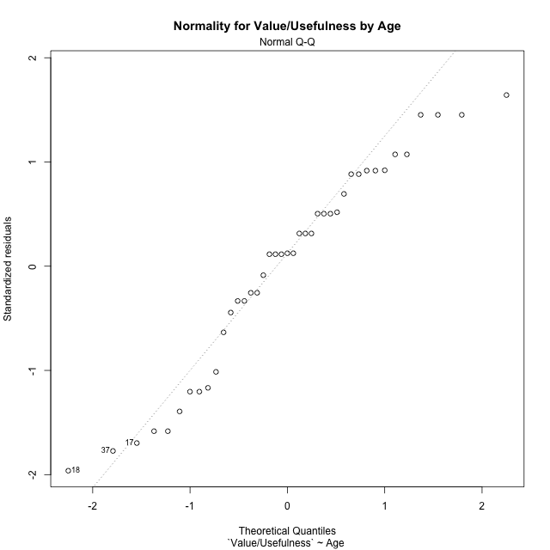

Levene's Test for Homogeneity of Variance in Value/Usefulness by Age
Df | F value | Pr(>F)
2 | 1.5273730566 | 0.23013585749
38

Plots for homogeneity of variance
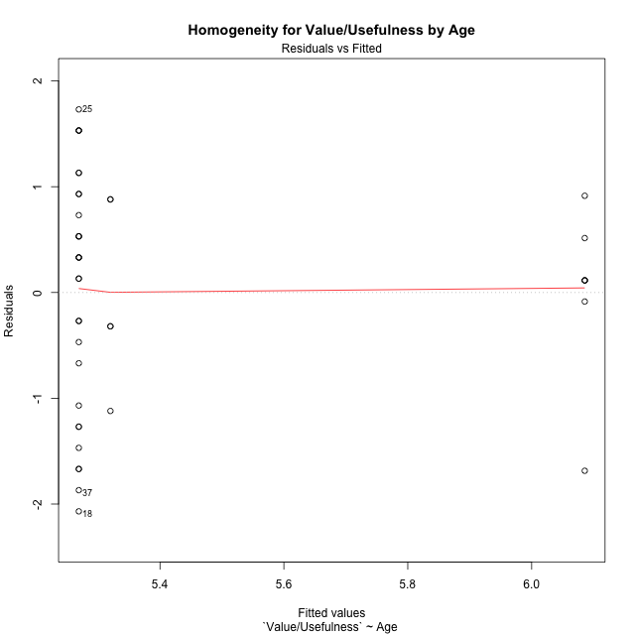

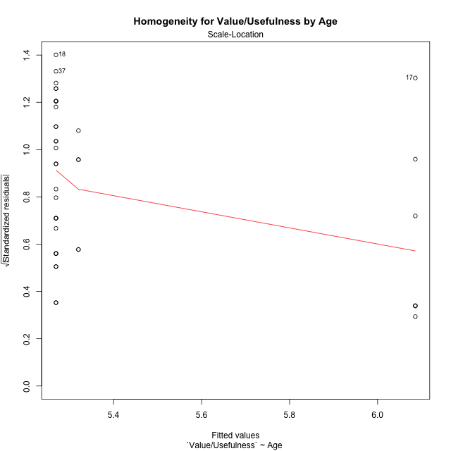

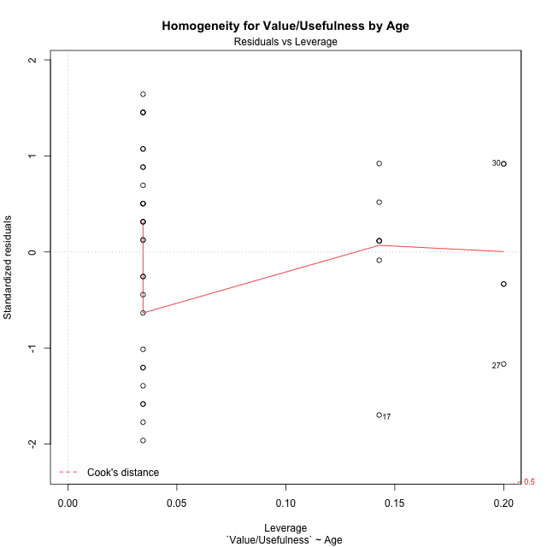

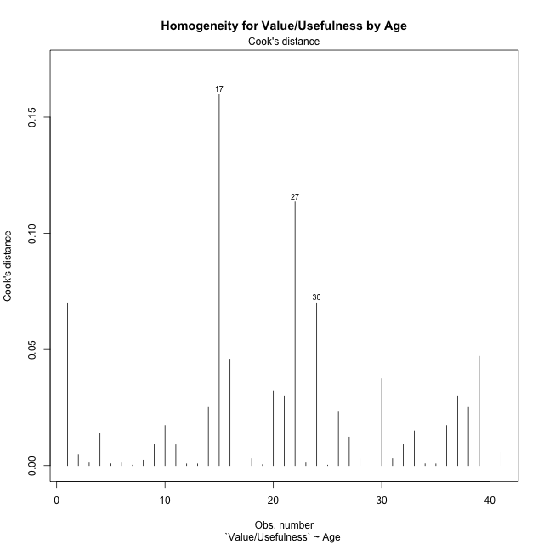

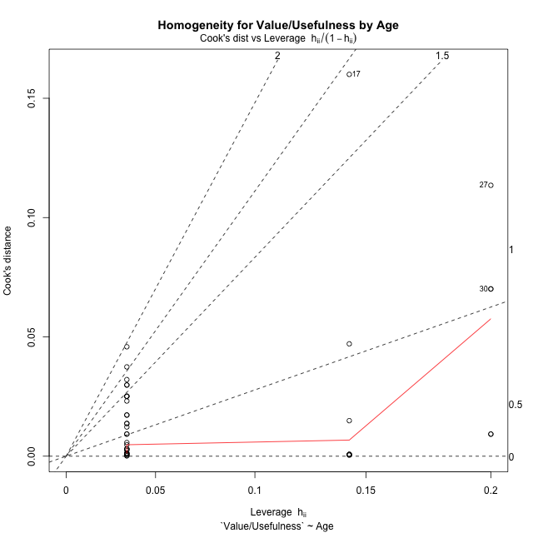

Minimum Sample Size Test for Value/Usefulness by Age
Age | Freq
adolescence | 7
adulthood | 5
emerging-adulthood | 29

Errors and Warnings in Sample Size Test for ANOVA in Value/Usefulness by Age
code | description
WARN: sample.size | current size is 7 and recommended size is 15 for the group: 'adolescence'.
WARN: sample.size | current size is 5 and recommended size is 15 for the group: 'adulthood'.

For the group: 'adolescence', we recommend the use of non-parametric test. For the group: 'adulthood', we recommend the use of non-parametric test. For the group: 'emerging-adulthood', you can perform a parametric test without having a normal distribution

If you don't want to remove non-normal data, you must cite the following references: ... (1) Lix, L.M., J.C. Keselman, and H.J. Keselman. 1996. Consequences of assumption violations revisited: A quantitative review of alternatives to the one-way analysis of variance F test. Rev. Educ. Res. 66: 579-619. ... (2) Harwell, M.R., E.N. Rubinstein, W.S. Hayes, and C.C. Olds. 1992. Summarizing Monte Carlo results in methodological research: the one- and two-factor fixed effects ANOVA cases. J. Educ. Stat. 17: 315-339.

Post-hoc
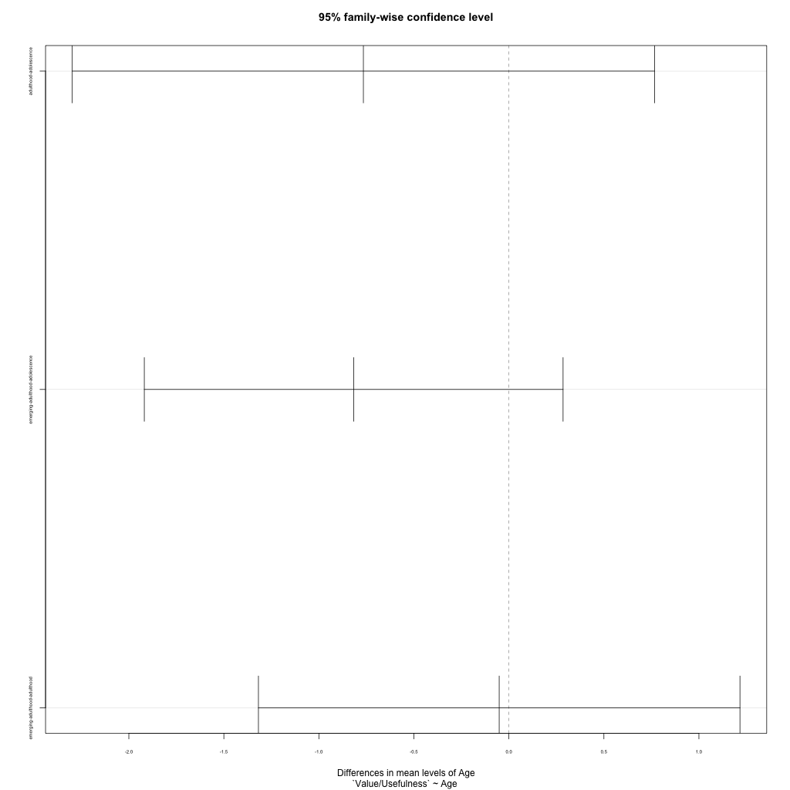
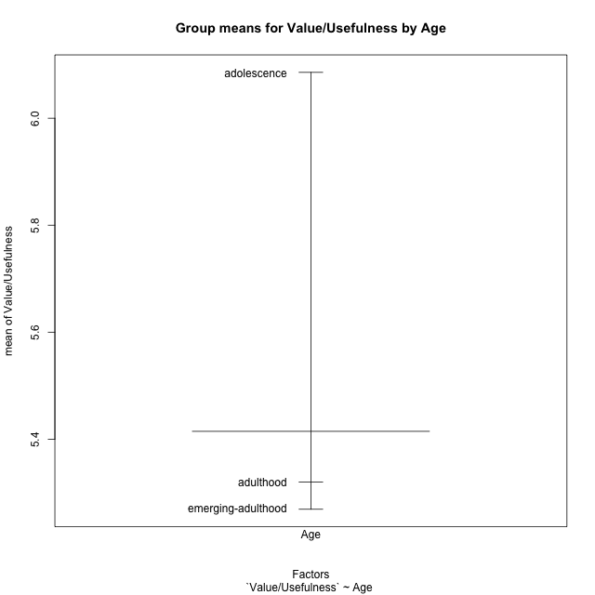
Post-hoc Tukey Honestly Significant Difference (HSD) Test for Value/Usefulness by Age

Comparisons of means for Age
 | diff | lwr | upr | p adj
adulthood-adolescence | -0.76571428571 | -2.2977830929 | 0.76635452144 | 0.44954535105
emerging-adulthood-adolescence | -0.81674876847 | -1.918604921 | 0.2851073841 | 0.18070270504
emerging-adulthood-adulthood | -0.051034482759 | -1.3180359768 | 1.2159670113 | 0.99469456668

Contrast Matrices for Value/Usefulness by Age - Age
contrast | estimate | SE | df | t.ratio | p.value
adolescence - adulthood | 0.76571428571 | 0.62819929117 | 38 | 1.2189034539 | 0.44954535105
adolescence - emerging-adulthood | 0.81674876847 | 0.4517977592 | 38 | 1.8077751645 | 0.18070270504
adulthood - emerging-adulthood | 0.051034482759 | 0.51951285527 | 38 | 0.09823526452 | 0.99469456668

Least Squares Means and Confidence Intervals for Age
Age | lsmean | SE | df | lower.CL | upper.CL | Pairs
adolescence | 6.0857142857 | 0.4055008988 | 38 | 5.2648206327 | 6.9066079387 | adolescence
adulthood | 5.32 | 0.47979513388 | 38 | 4.3487055311 | 6.2912944689 | adulthood
emerging-adulthood | 5.2689655172 | 0.19922408562 | 38 | 4.865657441 | 5.6722735935 | emerging-adulthood

Plots

Age_1
Student's t-Test for Value/Usefulness by Age in Age between adolescence:adulthood

Student's t-Test results
Alternative hypothesis: less
Group | N | Mean | Mean.Difference | Std.deviation | Std.error | CI.lower | CI.upper | df | t.value | p.value | g | magnitude
adolescence | 7 | 6.0857142857 | 0.76571428571 | 0.81532932289 | 0.30816551785 | 5.46938325 | 6.7020453214 | 8.4106420645 | 1.5458223074 | 0.92055165151 | 0.84501030898 | large
adulthood | 5 | 5.32 | -0.76571428571 | 0.86717933555 | 0.38781438859 | 4.5443712228 | 6.0956287772 | 8.4106420645 | 1.5458223074 | 0.92055165151 | 0.84501030898 | large
Alternative hypothesis: greater
Group | N | Mean | Mean.Difference | Std.deviation | Std.error | CI.lower | CI.upper | df | t.value | p.value | g | magnitude
adolescence | 7 | 6.0857142857 | 0.76571428571 | 0.81532932289 | 0.30816551785 | 5.46938325 | 6.7020453214 | 8.4106420645 | 1.5458223074 | 0.079448348488 | 0.84501030898 | large
adulthood | 5 | 5.32 | -0.76571428571 | 0.86717933555 | 0.38781438859 | 4.5443712228 | 6.0956287772 | 8.4106420645 | 1.5458223074 | 0.079448348488 | 0.84501030898 | large
Alternative hypothesis: two.sided
Group | N | Mean | Mean.Difference | Std.deviation | Std.error | CI.lower | CI.upper | df | t.value | p.value | g | magnitude
adolescence | 7 | 6.0857142857 | 0.76571428571 | 0.81532932289 | 0.30816551785 | 5.46938325 | 6.7020453214 | 8.4106420645 | 1.5458223074 | 0.15889669698 | 0.84501030898 | large
adulthood | 5 | 5.32 | -0.76571428571 | 0.86717933555 | 0.38781438859 | 4.5443712228 | 6.0956287772 | 8.4106420645 | 1.5458223074 | 0.15889669698 | 0.84501030898 | large

Box plots for Student's t-Test
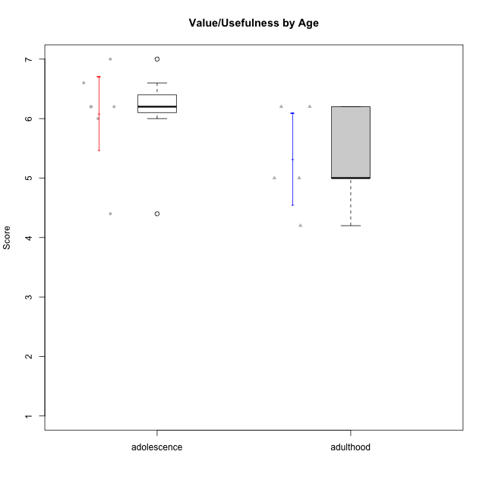

Student's t-Test data
UserID | Age | Sex | AcademicDegree | KnownDomainContent | LikeDomainContent | LikeActionGames | LikeAdventureGames | LikeFightingGames | LikeFictionGames | LikePlatformerGames | LikePuzzleGames | LikeRacingGames | LikeMusicalGames | LikeMMORPGGames | LikeShooterGames | LikeSimulationGames | LikeSportsGames | LikeStrategyGames | LikeNovelGames | SpendTime | Item33PC2 | Item28PC2 | Item25PC2 | Item34PC2 | Item37PC2 | Item30PC2 | Item29VU | Item26VU | Item31VU | Item36VU | Item35VU | Item24IE | Item08IE | Item21IE | Item09IE | Item12IE | Item11IE | Item05PC1 | Item13PC1 | Item18PC1 | Item03PC1 | Perceived Competence | Value/Usefulness | Interest/Enjoyment | Perceived Choice | Intrinsic Motivation
1 | adulthood | male | postgraduate | yes | yes | no | no | yes | no | no | no | no | no | yes | no | no | no | yes | yes | 23 | 7 | 6 | 7 | 1 | 6 | 7 | 7 | 6 | 6 | 6 | 6 | 7 | 6 | 7 | 7 | 6 | 5 | 2 | 2 | 3 | 5 | 6.6666666667 | 6.2 | 6.3333333333 | 5 | 6.1428571429
13 | adulthood | male | undergraduate | no | no | yes | yes | no | no | no | yes | yes | yes | no | yes | yes | yes | yes | no | 20 | 4 | 4 | 3 | 3 | 3 | 3 | 5 | 5 | 5 | 5 | 5 | 3 | 2 | 4 | 2 | 3 | 1 | 2 | 2 | 4 | 6 | 3.6666666667 | 5 | 2.5 | 4.5 | 3.8095238095
14 | adolescence | male | basic-school | no | no | yes | no | yes | no | no | no | no | no | no | yes | no | yes | yes | no | 4000 | 1 | 1 | 1 | 7 | 1 | 2 | 6 | 7 | 6 | 6 | 6 | 6 | 6 | 7 | 1 | 6 | 6 | 1 | 1 | 1 | 1 | 1.1666666667 | 6.2 | 5.3333333333 | 7 | 4.6666666667
15 | adolescence | male | basic-school | no | no | yes | yes | no | no | no | yes | yes | no | no | yes | no | no | yes | no | 5 | 4 | 2 | 1 | 3 | 4 | 7 | 6 | 7 | 6 | 6 | 6 | 1 | 3 | 3 | 2 | 1 | 1 | 2 | 4 | 3 | 7 | 3.8333333333 | 6.2 | 1.8333333333 | 4 | 3.8571428571
17 | adolescence | male | undergraduate | yes | yes | no | no | no | no | yes | yes | no | no | no | yes | no | no | no | no | 15 | 4 | 5 | 5 | 2 | 4 | 3 | 5 | 3 | 5 | 5 | 4 | 6 | 4 | 5 | 5 | 7 | 7 | 1 | 1 | 1 | 1 | 4.5 | 4.4 | 5.6666666667 | 7 | 5.2857142857
24 | adolescence | male | basic-school | yes | yes | yes | yes | no | no | no | yes | no | no | yes | no | yes | no | yes | no | 3 | 1 | 1 | 2 | 4 | 3 | 1 | 6 | 7 | 4 | 7 | 6 | 7 | 7 | 3 | 3 | 5 | 1 | 7 | 7 | 7 | 7 | 2 | 6 | 4.3333333333 | 1 | 3.4285714286
27 | adulthood | female | undergraduate | no | no | no | no | yes | yes | no | yes | yes | no | no | yes | yes | no | no | no | 2 | 1 | 1 | 1 | 7 | 4 | 1 | 4 | 4 | 4 | 6 | 3 | 1 | 1 | 1 | 1 | 7 | 3 | 4 | 3 | 4 | 5 | 1.5 | 4.2 | 2.3333333333 | 4 | 2.8571428571
30 | adulthood | female | postgraduate | yes | yes | no | no | no | no | no | yes | no | no | no | no | no | no | no | no | 30 | 4 | 5 | 4 | 3 | 5 | 4 | 6 | 7 | 6 | 6 | 6 | 5 | 6 | 6 | 6 | 7 | 7 | 1 | 1 | 1 | 1 | 4.5 | 6.2 | 6.1666666667 | 7 | 5.8571428571
36 | adulthood | male | undergraduate | yes | no | no | yes | no | yes | no | yes | no | no | yes | no | no | no | yes | no | 25 | 7 | 7 | 7 | 1 | 7 | 7 | 5 | 5 | 5 | 5 | 5 | 6 | 5 | 6 | 6 | 6 | 6 | 1 | 1 | 1 | 1 | 7 | 5 | 5.8333333333 | 7 | 6.1904761905
40 | adolescence | male | undergraduate | no | yes | yes | yes | no | yes | yes | yes | no | no | yes | yes | yes | no | yes | no | 20 | 7 | 7 | 6 | 1 | 7 | 5 | 7 | 6 | 6 | 7 | 7 | 5 | 5 | 5 | 5 | 7 | 5 | 1 | 1 | 1 | 1 | 6.5 | 6.6 | 5.3333333333 | 7 | 6.2857142857
43 | adolescence | male | undergraduate | no | yes | yes | yes | no | no | yes | no | no | no | yes | yes | no | yes | yes | no | 15 | 5 | 6 | 6 | 3 | 7 | 6 | 6 | 7 | 6 | 6 | 6 | 7 | 6 | 7 | 6 | 7 | 7 | 1 | 1 | 1 | 1 | 5.8333333333 | 6.2 | 6.6666666667 | 7 | 6.380952381
47 | adolescence | female | undergraduate | no | yes | no | yes | no | yes | yes | no | no | yes | no | no | yes | no | yes | no | 25 | 6 | 5 | 5 | 1 | 6 | 4 | 7 | 7 | 7 | 7 | 7 | 7 | 7 | 7 | 7 | 7 | 7 | 1 | 1 | 2 | 1 | 5.5 | 7 | 7 | 6.75 | 6.5238095238

Age_2
Student's t-Test for Value/Usefulness by Age in Age between adolescence:emerging-adulthood

Student's t-Test results
Alternative hypothesis: less
Group | N | Mean | Mean.Difference | Std.deviation | Std.error | CI.lower | CI.upper | df | t.value | p.value | g | magnitude
adolescence | 7 | 6.0857142857 | 0.81674876847 | 0.81532932289 | 0.30816551785 | 5.46938325 | 6.7020453214 | 12.473058974 | 2.1811799568 | 0.97551491526 | 0.72963807744 | medium
emerging-adulthood | 29 | 5.2689655172 | -0.81674876847 | 1.1455202961 | 0.21271777877 | 4.8435299597 | 5.6944010748 | 12.473058974 | 2.1811799568 | 0.97551491526 | 0.72963807744 | medium
Alternative hypothesis: greater
Group | N | Mean | Mean.Difference | Std.deviation | Std.error | CI.lower | CI.upper | df | t.value | p.value | g | magnitude
adolescence | 7 | 6.0857142857 | 0.81674876847 | 0.81532932289 | 0.30816551785 | 5.46938325 | 6.7020453214 | 12.473058974 | 2.1811799568 | 0.024485084738 | 0.72963807744 | medium
emerging-adulthood | 29 | 5.2689655172 | -0.81674876847 | 1.1455202961 | 0.21271777877 | 4.8435299597 | 5.6944010748 | 12.473058974 | 2.1811799568 | 0.024485084738 | 0.72963807744 | medium
Alternative hypothesis: two.sided
Group | N | Mean | Mean.Difference | Std.deviation | Std.error | CI.lower | CI.upper | df | t.value | p.value | g | magnitude
adolescence | 7 | 6.0857142857 | 0.81674876847 | 0.81532932289 | 0.30816551785 | 5.46938325 | 6.7020453214 | 12.473058974 | 2.1811799568 | 0.048970169476 | 0.72963807744 | medium
emerging-adulthood | 29 | 5.2689655172 | -0.81674876847 | 1.1455202961 | 0.21271777877 | 4.8435299597 | 5.6944010748 | 12.473058974 | 2.1811799568 | 0.048970169476 | 0.72963807744 | medium

Box plots for Student's t-Test
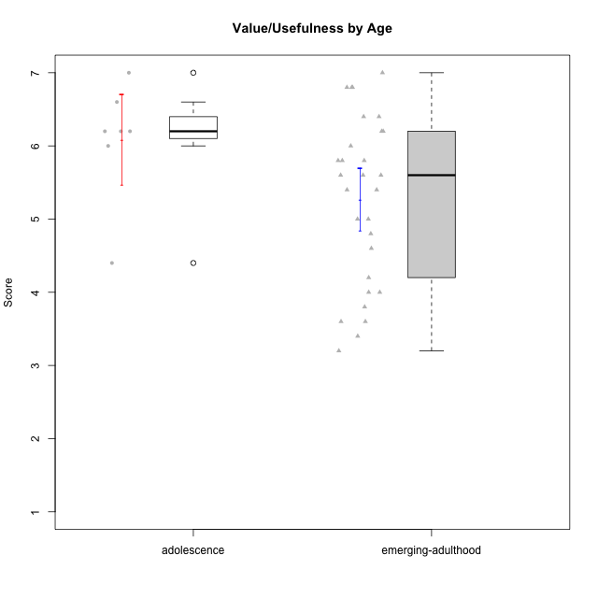

Student's t-Test data
UserID | Age | Sex | AcademicDegree | KnownDomainContent | LikeDomainContent | LikeActionGames | LikeAdventureGames | LikeFightingGames | LikeFictionGames | LikePlatformerGames | LikePuzzleGames | LikeRacingGames | LikeMusicalGames | LikeMMORPGGames | LikeShooterGames | LikeSimulationGames | LikeSportsGames | LikeStrategyGames | LikeNovelGames | SpendTime | Item33PC2 | Item28PC2 | Item25PC2 | Item34PC2 | Item37PC2 | Item30PC2 | Item29VU | Item26VU | Item31VU | Item36VU | Item35VU | Item24IE | Item08IE | Item21IE | Item09IE | Item12IE | Item11IE | Item05PC1 | Item13PC1 | Item18PC1 | Item03PC1 | Perceived Competence | Value/Usefulness | Interest/Enjoyment | Perceived Choice | Intrinsic Motivation
2 | emerging-adulthood | female | undergraduate | no | no | no | no | no | yes | no | yes | no | no | no | no | yes | no | yes | no | 10 | 3 | 3 | 3 | 2 | 4 | 3 | 3 | 6 | 4 | 5 | 5 | 5 | 3 | 4 | 3 | 5 | 5 | 1 | 1 | 1 | 1 | 3.6666666667 | 4.6 | 4.1666666667 | 7 | 4.6666666667
4 | emerging-adulthood | female | undergraduate | no | no | yes | yes | yes | yes | yes | no | yes | no | yes | no | yes | no | yes | yes | 29 | 5 | 7 | 6 | 1 | 6 | 4 | 5 | 4 | 7 | 7 | 5 | 7 | 7 | 7 | 7 | 5 | 5 | 1 | 2 | 1 | 4 | 5.8333333333 | 5.6 | 6.3333333333 | 6 | 5.9523809524
6 | emerging-adulthood | male | undergraduate | yes | no | no | no | no | no | no | yes | no | no | yes | no | no | no | yes | no | 15 | 4 | 4 | 3 | 2 | 7 | 3 | 7 | 7 | 5 | 7 | 6 | 5 | 7 | 6 | 7 | 4 | 4 | 1 | 1 | 1 | 1 | 4.5 | 6.4 | 5.5 | 7 | 5.7142857143
7 | emerging-adulthood | male | undergraduate | no | no | no | no | yes | no | no | no | yes | no | yes | yes | no | yes | yes | no | 40 | 6 | 7 | 6 | 1 | 4 | 4 | 6 | 6 | 6 | 5 | 2 | 2 | 5 | 3 | 5 | 3 | 6 | 1 | 1 | 1 | 1 | 5.6666666667 | 5 | 4 | 7 | 5.2857142857
8 | emerging-adulthood | male | basic-school | yes | no | yes | yes | yes | yes | yes | yes | no | yes | yes | yes | yes | no | yes | yes | 30 | 4 | 5 | 5 | 1 | 4 | 4 | 5 | 7 | 5 | 6 | 5 | 4 | 4 | 4 | 4 | 3 | 6 | 1 | 1 | 1 | 2 | 4.8333333333 | 5.6 | 4.1666666667 | 6.75 | 5.1904761905
9 | emerging-adulthood | male | undergraduate | no | no | no | yes | no | yes | yes | no | yes | no | no | yes | no | no | yes | yes | 20 | 5 | 5 | 4 | 4 | 4 | 4 | 6 | 5 | 6 | 5 | 5 | 1 | 2 | 2 | 1 | 1 | 2 | 1 | 3 | 3 | 7 | 4.3333333333 | 5.4 | 1.5 | 4.5 | 3.8095238095
10 | emerging-adulthood | male | postgraduate | no | no | yes | yes | no | no | yes | no | no | no | yes | no | yes | no | yes | no | 10 | 4 | 4 | 4 | 3 | 5 | 4 | 5 | 4 | 5 | 5 | 5 | 5 | 4 | 5 | 4 | 5 | 3 | 1 | 1 | 1 | 3 | 4.3333333333 | 4.8 | 4.3333333333 | 6.5 | 4.8571428571
11 | emerging-adulthood | female | undergraduate | yes | no | no | no | no | yes | no | yes | no | yes | no | no | no | no | yes | yes | 35 | 6 | 7 | 6 | 1 | 7 | 4 | 6 | 6 | 6 | 7 | 6 | 6 | 5 | 6 | 6 | 6 | 6 | 1 | 1 | 1 | 1 | 6.1666666667 | 6.2 | 5.8333333333 | 7 | 6.2380952381
12 | emerging-adulthood | male | undergraduate | yes | no | yes | yes | no | no | yes | no | yes | no | no | yes | yes | no | yes | no | 10 | 5 | 7 | 4 | 1 | 4 | 4 | 4 | 4 | 4 | 4 | 4 | 4 | 4 | 4 | 4 | 6 | 4 | 4 | 4 | 4 | 4 | 5.1666666667 | 4 | 4.3333333333 | 4 | 4.4285714286
14 | adolescence | male | basic-school | no | no | yes | no | yes | no | no | no | no | no | no | yes | no | yes | yes | no | 4000 | 1 | 1 | 1 | 7 | 1 | 2 | 6 | 7 | 6 | 6 | 6 | 6 | 6 | 7 | 1 | 6 | 6 | 1 | 1 | 1 | 1 | 1.1666666667 | 6.2 | 5.3333333333 | 7 | 4.6666666667
15 | adolescence | male | basic-school | no | no | yes | yes | no | no | no | yes | yes | no | no | yes | no | no | yes | no | 5 | 4 | 2 | 1 | 3 | 4 | 7 | 6 | 7 | 6 | 6 | 6 | 1 | 3 | 3 | 2 | 1 | 1 | 2 | 4 | 3 | 7 | 3.8333333333 | 6.2 | 1.8333333333 | 4 | 3.8571428571
16 | emerging-adulthood | male | undergraduate | no | yes | no | yes | yes | yes | yes | yes | no | no | yes | no | yes | no | yes | yes | 25 | 6 | 5 | 6 | 2 | 6 | 4 | 7 | 7 | 7 | 7 | 6 | 7 | 6 | 6 | 7 | 6 | 2 | 1 | 1 | 1 | 1 | 5.5 | 6.8 | 5.6666666667 | 7 | 6.1428571429
17 | adolescence | male | undergraduate | yes | yes | no | no | no | no | yes | yes | no | no | no | yes | no | no | no | no | 15 | 4 | 5 | 5 | 2 | 4 | 3 | 5 | 3 | 5 | 5 | 4 | 6 | 4 | 5 | 5 | 7 | 7 | 1 | 1 | 1 | 1 | 4.5 | 4.4 | 5.6666666667 | 7 | 5.2857142857
18 | emerging-adulthood | male | undergraduate | yes | no | no | no | yes | no | yes | no | no | no | no | yes | no | no | no | no | 30 | 7 | 7 | 6 | 1 | 7 | 4 | 2 | 3 | 3 | 2 | 6 | 4 | 5 | 4 | 5 | 6 | 4 | 1 | 1 | 1 | 1 | 6.3333333333 | 3.2 | 4.6666666667 | 7 | 5.2380952381
19 | emerging-adulthood | male | undergraduate | no | no | no | no | no | no | no | no | no | no | yes | no | no | no | no | no | 11 | 2 | 3 | 4 | 7 | 4 | 2 | 7 | 7 | 6 | 7 | 7 | 4 | 7 | 7 | 7 | 4 | 7 | 1 | 1 | 1 | 1 | 2.6666666667 | 6.8 | 6 | 7 | 5.4285714286
22 | emerging-adulthood | male | undergraduate | yes | yes | yes | yes | yes | yes | yes | yes | no | no | yes | no | yes | no | yes | no | 40 | 6 | 7 | 6 | 1 | 6 | 4 | 5 | 7 | 6 | 5 | 6 | 5 | 6 | 5 | 5 | 4 | 4 | 1 | 2 | 1 | 1 | 6 | 5.8 | 4.8333333333 | 6.75 | 5.7619047619
24 | adolescence | male | basic-school | yes | yes | yes | yes | no | no | no | yes | no | no | yes | no | yes | no | yes | no | 3 | 1 | 1 | 2 | 4 | 3 | 1 | 6 | 7 | 4 | 7 | 6 | 7 | 7 | 3 | 3 | 5 | 1 | 7 | 7 | 7 | 7 | 2 | 6 | 4.3333333333 | 1 | 3.4285714286
25 | emerging-adulthood | female | undergraduate | yes | yes | no | yes | no | yes | yes | yes | no | no | no | no | no | no | yes | no | 35 | 6 | 6 | 5 | 2 | 6 | 6 | 7 | 7 | 7 | 7 | 7 | 7 | 7 | 7 | 7 | 7 | 7 | 1 | 1 | 1 | 1 | 5.8333333333 | 7 | 7 | 7 | 6.6666666667
26 | emerging-adulthood | male | undergraduate | no | no | no | yes | no | yes | no | yes | no | no | yes | no | no | no | yes | no | 12 | 1 | 1 | 2 | 6 | 1 | 1 | 3 | 4 | 4 | 4 | 3 | 5 | 5 | 5 | 4 | 6 | 5 | 2 | 4 | 3 | 4 | 1.3333333333 | 3.6 | 5 | 4.75 | 3.5714285714
28 | emerging-adulthood | female | undergraduate | no | no | no | no | no | no | no | yes | no | yes | no | no | no | no | no | no | 20 | 4 | 4 | 1 | 5 | 5 | 5 | 7 | 7 | 4 | 5 | 5 | 1 | 2 | 2 | 2 | 1 | 1 | 1 | 1 | 1 | 1 | 3.6666666667 | 5.6 | 1.5 | 7 | 4.1428571429
31 | emerging-adulthood | male | basic-school | no | yes | no | no | no | no | no | no | no | no | no | no | no | no | yes | no | 4 | 2 | 1 | 2 | 4 | 3 | 1 | 6 | 5 | 5 | 6 | 5 | 3 | 3 | 2 | 2 | 2 | 3 | 5 | 6 | 2 | 7 | 2.1666666667 | 5.4 | 2.5 | 3 | 3.1904761905
32 | emerging-adulthood | male | undergraduate | no | no | no | yes | no | no | yes | no | no | yes | no | no | no | no | no | yes | 19 | 3 | 7 | 3 | 3 | 4 | 4 | 4 | 3 | 5 | 4 | 3 | 5 | 5 | 2 | 3 | 3 | 5 | 2 | 3 | 2 | 4 | 4.3333333333 | 3.8 | 3.8333333333 | 5.25 | 4.2380952381
33 | emerging-adulthood | male | undergraduate | yes | yes | yes | yes | no | no | yes | yes | no | yes | no | yes | no | no | no | no | 3 | 2 | 3 | 3 | 3 | 1 | 1 | 4 | 4 | 5 | 6 | 2 | 6 | 6 | 6 | 5 | 6 | 7 | 1 | 2 | 2 | 1 | 2.5 | 4.2 | 6 | 6.5 | 4.6666666667
34 | emerging-adulthood | male | undergraduate | no | yes | no | yes | no | no | yes | yes | no | no | yes | yes | no | no | yes | yes | 24 | 6 | 6 | 6 | 1 | 7 | 4 | 5 | 7 | 6 | 6 | 5 | 6 | 6 | 5 | 5 | 6 | 4 | 1 | 1 | 1 | 1 | 6 | 5.8 | 5.3333333333 | 7 | 5.9523809524
37 | emerging-adulthood | male | undergraduate | no | no | no | yes | no | yes | no | yes | no | yes | yes | no | yes | no | yes | no | 14 | 4 | 4 | 5 | 2 | 3 | 3 | 4 | 3 | 4 | 3 | 3 | 4 | 4 | 4 | 3 | 4 | 5 | 1 | 1 | 1 | 1 | 4.1666666667 | 3.4 | 4 | 7 | 4.4761904762
38 | emerging-adulthood | female | basic-school | yes | yes | yes | yes | yes | yes | no | no | no | no | yes | no | no | no | yes | no | 27 | 2 | 5 | 3 | 3 | 5 | 1 | 6 | 6 | 5 | 6 | 6 | 7 | 7 | 6 | 7 | 6 | 4 | 1 | 1 | 1 | 1 | 3.5 | 5.8 | 6.1666666667 | 7 | 5.4761904762
39 | emerging-adulthood | female | basic-school | yes | yes | yes | yes | no | yes | no | yes | no | yes | no | no | no | no | yes | no | 25 | 4 | 4 | 5 | 1 | 4 | 4 | 7 | 5 | 7 | 5 | 7 | 4 | 4 | 3 | 3 | 3 | 5 | 7 | 6 | 4 | 7 | 4.6666666667 | 6.2 | 3.6666666667 | 2 | 4.2380952381
40 | adolescence | male | undergraduate | no | yes | yes | yes | no | yes | yes | yes | no | no | yes | yes | yes | no | yes | no | 20 | 7 | 7 | 6 | 1 | 7 | 5 | 7 | 6 | 6 | 7 | 7 | 5 | 5 | 5 | 5 | 7 | 5 | 1 | 1 | 1 | 1 | 6.5 | 6.6 | 5.3333333333 | 7 | 6.2857142857
41 | emerging-adulthood | male | undergraduate | no | no | yes | yes | yes | yes | no | no | no | yes | yes | yes | no | no | yes | no | 33 | 5 | 4 | 4 | 3 | 5 | 3 | 5 | 6 | 5 | 4 | 5 | 5 | 4 | 5 | 5 | 6 | 3 | 1 | 1 | 3 | 1 | 4.3333333333 | 5 | 4.6666666667 | 6.5 | 5
43 | adolescence | male | undergraduate | no | yes | yes | yes | no | no | yes | no | no | no | yes | yes | no | yes | yes | no | 15 | 5 | 6 | 6 | 3 | 7 | 6 | 6 | 7 | 6 | 6 | 6 | 7 | 6 | 7 | 6 | 7 | 7 | 1 | 1 | 1 | 1 | 5.8333333333 | 6.2 | 6.6666666667 | 7 | 6.380952381
44 | emerging-adulthood | male | undergraduate | yes | no | yes | yes | no | no | no | no | no | no | yes | no | no | no | yes | no | 10 | 7 | 7 | 7 | 1 | 5 | 7 | 5 | 5 | 5 | 4 | 1 | 4 | 2 | 3 | 4 | 5 | 3 | 1 | 3 | 1 | 3 | 6.6666666667 | 4 | 3.5 | 6 | 5
45 | emerging-adulthood | male | undergraduate | no | yes | yes | yes | yes | yes | yes | yes | yes | no | yes | yes | no | no | yes | no | 20 | 4 | 4 | 4 | 1 | 3 | 1 | 3 | 3 | 4 | 6 | 2 | 4 | 4 | 4 | 4 | 5 | 4 | 1 | 1 | 1 | 1 | 3.8333333333 | 3.6 | 4.1666666667 | 7 | 4.4761904762
46 | emerging-adulthood | male | basic-school | yes | yes | yes | yes | yes | no | no | no | yes | no | yes | yes | no | no | yes | no | 12 | 6 | 5 | 6 | 1 | 6 | 5 | 7 | 6 | 7 | 7 | 7 | 7 | 6 | 5 | 6 | 5 | 6 | 1 | 1 | 1 | 1 | 5.8333333333 | 6.8 | 5.8333333333 | 7 | 6.2857142857
47 | adolescence | female | undergraduate | no | yes | no | yes | no | yes | yes | no | no | yes | no | no | yes | no | yes | no | 25 | 6 | 5 | 5 | 1 | 6 | 4 | 7 | 7 | 7 | 7 | 7 | 7 | 7 | 7 | 7 | 7 | 7 | 1 | 1 | 2 | 1 | 5.5 | 7 | 7 | 6.75 | 6.5238095238
48 | emerging-adulthood | female | undergraduate | yes | yes | yes | yes | yes | no | yes | yes | yes | yes | yes | no | yes | yes | yes | no | 7 | 7 | 7 | 7 | 1 | 7 | 4 | 7 | 7 | 6 | 5 | 7 | 7 | 3 | 6 | 7 | 7 | 3 | 1 | 1 | 1 | 1 | 6.5 | 6.4 | 5.5 | 7 | 6.2857142857
50 | emerging-adulthood | male | undergraduate | yes | yes | yes | yes | no | no | yes | yes | yes | yes | no | no | no | no | yes | no | 40 | 6 | 6 | 6 | 2 | 7 | 4 | 6 | 5 | 7 | 6 | 6 | 6 | 5 | 6 | 5 | 7 | 7 | 1 | 1 | 1 | 1 | 5.8333333333 | 6 | 6 | 7 | 6.1428571429

Age_3
Student's t-Test for Value/Usefulness by Age in Age between adulthood:emerging-adulthood

Student's t-Test results
Alternative hypothesis: less
Group | N | Mean | Mean.Difference | Std.deviation | Std.error | CI.lower | CI.upper | df | t.value | p.value | g | magnitude
adulthood | 5 | 5.32 | 0.051034482759 | 0.86717933555 | 0.38781438859 | 4.5443712228 | 6.0956287772 | 6.6825036792 | 0.11537854661 | 0.54423243202 | 0.044708255854 | negligible
emerging-adulthood | 29 | 5.2689655172 | -0.051034482759 | 1.1455202961 | 0.21271777877 | 4.8435299597 | 5.6944010748 | 6.6825036792 | 0.11537854661 | 0.54423243202 | 0.044708255854 | negligible
Alternative hypothesis: greater
Group | N | Mean | Mean.Difference | Std.deviation | Std.error | CI.lower | CI.upper | df | t.value | p.value | g | magnitude
adulthood | 5 | 5.32 | 0.051034482759 | 0.86717933555 | 0.38781438859 | 4.5443712228 | 6.0956287772 | 6.6825036792 | 0.11537854661 | 0.45576756798 | 0.044708255854 | negligible
emerging-adulthood | 29 | 5.2689655172 | -0.051034482759 | 1.1455202961 | 0.21271777877 | 4.8435299597 | 5.6944010748 | 6.6825036792 | 0.11537854661 | 0.45576756798 | 0.044708255854 | negligible
Alternative hypothesis: two.sided
Group | N | Mean | Mean.Difference | Std.deviation | Std.error | CI.lower | CI.upper | df | t.value | p.value | g | magnitude
adulthood | 5 | 5.32 | 0.051034482759 | 0.86717933555 | 0.38781438859 | 4.5443712228 | 6.0956287772 | 6.6825036792 | 0.11537854661 | 0.91153513597 | 0.044708255854 | negligible
emerging-adulthood | 29 | 5.2689655172 | -0.051034482759 | 1.1455202961 | 0.21271777877 | 4.8435299597 | 5.6944010748 | 6.6825036792 | 0.11537854661 | 0.91153513597 | 0.044708255854 | negligible

Box plots for Student's t-Test
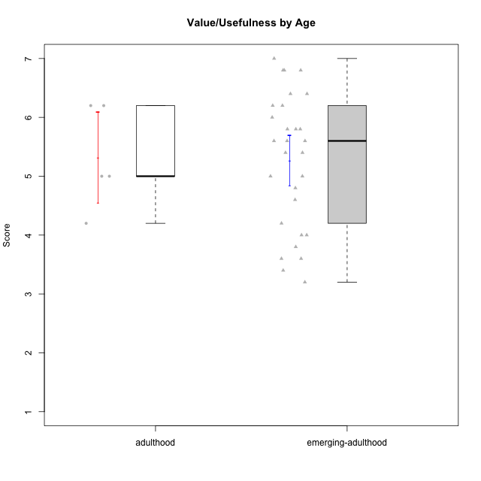

Student's t-Test data
UserID | Age | Sex | AcademicDegree | KnownDomainContent | LikeDomainContent | LikeActionGames | LikeAdventureGames | LikeFightingGames | LikeFictionGames | LikePlatformerGames | LikePuzzleGames | LikeRacingGames | LikeMusicalGames | LikeMMORPGGames | LikeShooterGames | LikeSimulationGames | LikeSportsGames | LikeStrategyGames | LikeNovelGames | SpendTime | Item33PC2 | Item28PC2 | Item25PC2 | Item34PC2 | Item37PC2 | Item30PC2 | Item29VU | Item26VU | Item31VU | Item36VU | Item35VU | Item24IE | Item08IE | Item21IE | Item09IE | Item12IE | Item11IE | Item05PC1 | Item13PC1 | Item18PC1 | Item03PC1 | Perceived Competence | Value/Usefulness | Interest/Enjoyment | Perceived Choice | Intrinsic Motivation
1 | adulthood | male | postgraduate | yes | yes | no | no | yes | no | no | no | no | no | yes | no | no | no | yes | yes | 23 | 7 | 6 | 7 | 1 | 6 | 7 | 7 | 6 | 6 | 6 | 6 | 7 | 6 | 7 | 7 | 6 | 5 | 2 | 2 | 3 | 5 | 6.6666666667 | 6.2 | 6.3333333333 | 5 | 6.1428571429
2 | emerging-adulthood | female | undergraduate | no | no | no | no | no | yes | no | yes | no | no | no | no | yes | no | yes | no | 10 | 3 | 3 | 3 | 2 | 4 | 3 | 3 | 6 | 4 | 5 | 5 | 5 | 3 | 4 | 3 | 5 | 5 | 1 | 1 | 1 | 1 | 3.6666666667 | 4.6 | 4.1666666667 | 7 | 4.6666666667
4 | emerging-adulthood | female | undergraduate | no | no | yes | yes | yes | yes | yes | no | yes | no | yes | no | yes | no | yes | yes | 29 | 5 | 7 | 6 | 1 | 6 | 4 | 5 | 4 | 7 | 7 | 5 | 7 | 7 | 7 | 7 | 5 | 5 | 1 | 2 | 1 | 4 | 5.8333333333 | 5.6 | 6.3333333333 | 6 | 5.9523809524
6 | emerging-adulthood | male | undergraduate | yes | no | no | no | no | no | no | yes | no | no | yes | no | no | no | yes | no | 15 | 4 | 4 | 3 | 2 | 7 | 3 | 7 | 7 | 5 | 7 | 6 | 5 | 7 | 6 | 7 | 4 | 4 | 1 | 1 | 1 | 1 | 4.5 | 6.4 | 5.5 | 7 | 5.7142857143
7 | emerging-adulthood | male | undergraduate | no | no | no | no | yes | no | no | no | yes | no | yes | yes | no | yes | yes | no | 40 | 6 | 7 | 6 | 1 | 4 | 4 | 6 | 6 | 6 | 5 | 2 | 2 | 5 | 3 | 5 | 3 | 6 | 1 | 1 | 1 | 1 | 5.6666666667 | 5 | 4 | 7 | 5.2857142857
8 | emerging-adulthood | male | basic-school | yes | no | yes | yes | yes | yes | yes | yes | no | yes | yes | yes | yes | no | yes | yes | 30 | 4 | 5 | 5 | 1 | 4 | 4 | 5 | 7 | 5 | 6 | 5 | 4 | 4 | 4 | 4 | 3 | 6 | 1 | 1 | 1 | 2 | 4.8333333333 | 5.6 | 4.1666666667 | 6.75 | 5.1904761905
9 | emerging-adulthood | male | undergraduate | no | no | no | yes | no | yes | yes | no | yes | no | no | yes | no | no | yes | yes | 20 | 5 | 5 | 4 | 4 | 4 | 4 | 6 | 5 | 6 | 5 | 5 | 1 | 2 | 2 | 1 | 1 | 2 | 1 | 3 | 3 | 7 | 4.3333333333 | 5.4 | 1.5 | 4.5 | 3.8095238095
10 | emerging-adulthood | male | postgraduate | no | no | yes | yes | no | no | yes | no | no | no | yes | no | yes | no | yes | no | 10 | 4 | 4 | 4 | 3 | 5 | 4 | 5 | 4 | 5 | 5 | 5 | 5 | 4 | 5 | 4 | 5 | 3 | 1 | 1 | 1 | 3 | 4.3333333333 | 4.8 | 4.3333333333 | 6.5 | 4.8571428571
11 | emerging-adulthood | female | undergraduate | yes | no | no | no | no | yes | no | yes | no | yes | no | no | no | no | yes | yes | 35 | 6 | 7 | 6 | 1 | 7 | 4 | 6 | 6 | 6 | 7 | 6 | 6 | 5 | 6 | 6 | 6 | 6 | 1 | 1 | 1 | 1 | 6.1666666667 | 6.2 | 5.8333333333 | 7 | 6.2380952381
12 | emerging-adulthood | male | undergraduate | yes | no | yes | yes | no | no | yes | no | yes | no | no | yes | yes | no | yes | no | 10 | 5 | 7 | 4 | 1 | 4 | 4 | 4 | 4 | 4 | 4 | 4 | 4 | 4 | 4 | 4 | 6 | 4 | 4 | 4 | 4 | 4 | 5.1666666667 | 4 | 4.3333333333 | 4 | 4.4285714286
13 | adulthood | male | undergraduate | no | no | yes | yes | no | no | no | yes | yes | yes | no | yes | yes | yes | yes | no | 20 | 4 | 4 | 3 | 3 | 3 | 3 | 5 | 5 | 5 | 5 | 5 | 3 | 2 | 4 | 2 | 3 | 1 | 2 | 2 | 4 | 6 | 3.6666666667 | 5 | 2.5 | 4.5 | 3.8095238095
16 | emerging-adulthood | male | undergraduate | no | yes | no | yes | yes | yes | yes | yes | no | no | yes | no | yes | no | yes | yes | 25 | 6 | 5 | 6 | 2 | 6 | 4 | 7 | 7 | 7 | 7 | 6 | 7 | 6 | 6 | 7 | 6 | 2 | 1 | 1 | 1 | 1 | 5.5 | 6.8 | 5.6666666667 | 7 | 6.1428571429
18 | emerging-adulthood | male | undergraduate | yes | no | no | no | yes | no | yes | no | no | no | no | yes | no | no | no | no | 30 | 7 | 7 | 6 | 1 | 7 | 4 | 2 | 3 | 3 | 2 | 6 | 4 | 5 | 4 | 5 | 6 | 4 | 1 | 1 | 1 | 1 | 6.3333333333 | 3.2 | 4.6666666667 | 7 | 5.2380952381
19 | emerging-adulthood | male | undergraduate | no | no | no | no | no | no | no | no | no | no | yes | no | no | no | no | no | 11 | 2 | 3 | 4 | 7 | 4 | 2 | 7 | 7 | 6 | 7 | 7 | 4 | 7 | 7 | 7 | 4 | 7 | 1 | 1 | 1 | 1 | 2.6666666667 | 6.8 | 6 | 7 | 5.4285714286
22 | emerging-adulthood | male | undergraduate | yes | yes | yes | yes | yes | yes | yes | yes | no | no | yes | no | yes | no | yes | no | 40 | 6 | 7 | 6 | 1 | 6 | 4 | 5 | 7 | 6 | 5 | 6 | 5 | 6 | 5 | 5 | 4 | 4 | 1 | 2 | 1 | 1 | 6 | 5.8 | 4.8333333333 | 6.75 | 5.7619047619
25 | emerging-adulthood | female | undergraduate | yes | yes | no | yes | no | yes | yes | yes | no | no | no | no | no | no | yes | no | 35 | 6 | 6 | 5 | 2 | 6 | 6 | 7 | 7 | 7 | 7 | 7 | 7 | 7 | 7 | 7 | 7 | 7 | 1 | 1 | 1 | 1 | 5.8333333333 | 7 | 7 | 7 | 6.6666666667
26 | emerging-adulthood | male | undergraduate | no | no | no | yes | no | yes | no | yes | no | no | yes | no | no | no | yes | no | 12 | 1 | 1 | 2 | 6 | 1 | 1 | 3 | 4 | 4 | 4 | 3 | 5 | 5 | 5 | 4 | 6 | 5 | 2 | 4 | 3 | 4 | 1.3333333333 | 3.6 | 5 | 4.75 | 3.5714285714
27 | adulthood | female | undergraduate | no | no | no | no | yes | yes | no | yes | yes | no | no | yes | yes | no | no | no | 2 | 1 | 1 | 1 | 7 | 4 | 1 | 4 | 4 | 4 | 6 | 3 | 1 | 1 | 1 | 1 | 7 | 3 | 4 | 3 | 4 | 5 | 1.5 | 4.2 | 2.3333333333 | 4 | 2.8571428571
28 | emerging-adulthood | female | undergraduate | no | no | no | no | no | no | no | yes | no | yes | no | no | no | no | no | no | 20 | 4 | 4 | 1 | 5 | 5 | 5 | 7 | 7 | 4 | 5 | 5 | 1 | 2 | 2 | 2 | 1 | 1 | 1 | 1 | 1 | 1 | 3.6666666667 | 5.6 | 1.5 | 7 | 4.1428571429
30 | adulthood | female | postgraduate | yes | yes | no | no | no | no | no | yes | no | no | no | no | no | no | no | no | 30 | 4 | 5 | 4 | 3 | 5 | 4 | 6 | 7 | 6 | 6 | 6 | 5 | 6 | 6 | 6 | 7 | 7 | 1 | 1 | 1 | 1 | 4.5 | 6.2 | 6.1666666667 | 7 | 5.8571428571
31 | emerging-adulthood | male | basic-school | no | yes | no | no | no | no | no | no | no | no | no | no | no | no | yes | no | 4 | 2 | 1 | 2 | 4 | 3 | 1 | 6 | 5 | 5 | 6 | 5 | 3 | 3 | 2 | 2 | 2 | 3 | 5 | 6 | 2 | 7 | 2.1666666667 | 5.4 | 2.5 | 3 | 3.1904761905
32 | emerging-adulthood | male | undergraduate | no | no | no | yes | no | no | yes | no | no | yes | no | no | no | no | no | yes | 19 | 3 | 7 | 3 | 3 | 4 | 4 | 4 | 3 | 5 | 4 | 3 | 5 | 5 | 2 | 3 | 3 | 5 | 2 | 3 | 2 | 4 | 4.3333333333 | 3.8 | 3.8333333333 | 5.25 | 4.2380952381
33 | emerging-adulthood | male | undergraduate | yes | yes | yes | yes | no | no | yes | yes | no | yes | no | yes | no | no | no | no | 3 | 2 | 3 | 3 | 3 | 1 | 1 | 4 | 4 | 5 | 6 | 2 | 6 | 6 | 6 | 5 | 6 | 7 | 1 | 2 | 2 | 1 | 2.5 | 4.2 | 6 | 6.5 | 4.6666666667
34 | emerging-adulthood | male | undergraduate | no | yes | no | yes | no | no | yes | yes | no | no | yes | yes | no | no | yes | yes | 24 | 6 | 6 | 6 | 1 | 7 | 4 | 5 | 7 | 6 | 6 | 5 | 6 | 6 | 5 | 5 | 6 | 4 | 1 | 1 | 1 | 1 | 6 | 5.8 | 5.3333333333 | 7 | 5.9523809524
36 | adulthood | male | undergraduate | yes | no | no | yes | no | yes | no | yes | no | no | yes | no | no | no | yes | no | 25 | 7 | 7 | 7 | 1 | 7 | 7 | 5 | 5 | 5 | 5 | 5 | 6 | 5 | 6 | 6 | 6 | 6 | 1 | 1 | 1 | 1 | 7 | 5 | 5.8333333333 | 7 | 6.1904761905
37 | emerging-adulthood | male | undergraduate | no | no | no | yes | no | yes | no | yes | no | yes | yes | no | yes | no | yes | no | 14 | 4 | 4 | 5 | 2 | 3 | 3 | 4 | 3 | 4 | 3 | 3 | 4 | 4 | 4 | 3 | 4 | 5 | 1 | 1 | 1 | 1 | 4.1666666667 | 3.4 | 4 | 7 | 4.4761904762
38 | emerging-adulthood | female | basic-school | yes | yes | yes | yes | yes | yes | no | no | no | no | yes | no | no | no | yes | no | 27 | 2 | 5 | 3 | 3 | 5 | 1 | 6 | 6 | 5 | 6 | 6 | 7 | 7 | 6 | 7 | 6 | 4 | 1 | 1 | 1 | 1 | 3.5 | 5.8 | 6.1666666667 | 7 | 5.4761904762
39 | emerging-adulthood | female | basic-school | yes | yes | yes | yes | no | yes | no | yes | no | yes | no | no | no | no | yes | no | 25 | 4 | 4 | 5 | 1 | 4 | 4 | 7 | 5 | 7 | 5 | 7 | 4 | 4 | 3 | 3 | 3 | 5 | 7 | 6 | 4 | 7 | 4.6666666667 | 6.2 | 3.6666666667 | 2 | 4.2380952381
41 | emerging-adulthood | male | undergraduate | no | no | yes | yes | yes | yes | no | no | no | yes | yes | yes | no | no | yes | no | 33 | 5 | 4 | 4 | 3 | 5 | 3 | 5 | 6 | 5 | 4 | 5 | 5 | 4 | 5 | 5 | 6 | 3 | 1 | 1 | 3 | 1 | 4.3333333333 | 5 | 4.6666666667 | 6.5 | 5
44 | emerging-adulthood | male | undergraduate | yes | no | yes | yes | no | no | no | no | no | no | yes | no | no | no | yes | no | 10 | 7 | 7 | 7 | 1 | 5 | 7 | 5 | 5 | 5 | 4 | 1 | 4 | 2 | 3 | 4 | 5 | 3 | 1 | 3 | 1 | 3 | 6.6666666667 | 4 | 3.5 | 6 | 5
45 | emerging-adulthood | male | undergraduate | no | yes | yes | yes | yes | yes | yes | yes | yes | no | yes | yes | no | no | yes | no | 20 | 4 | 4 | 4 | 1 | 3 | 1 | 3 | 3 | 4 | 6 | 2 | 4 | 4 | 4 | 4 | 5 | 4 | 1 | 1 | 1 | 1 | 3.8333333333 | 3.6 | 4.1666666667 | 7 | 4.4761904762
46 | emerging-adulthood | male | basic-school | yes | yes | yes | yes | yes | no | no | no | yes | no | yes | yes | no | no | yes | no | 12 | 6 | 5 | 6 | 1 | 6 | 5 | 7 | 6 | 7 | 7 | 7 | 7 | 6 | 5 | 6 | 5 | 6 | 1 | 1 | 1 | 1 | 5.8333333333 | 6.8 | 5.8333333333 | 7 | 6.2857142857
48 | emerging-adulthood | female | undergraduate | yes | yes | yes | yes | yes | no | yes | yes | yes | yes | yes | no | yes | yes | yes | no | 7 | 7 | 7 | 7 | 1 | 7 | 4 | 7 | 7 | 6 | 5 | 7 | 7 | 3 | 6 | 7 | 7 | 3 | 1 | 1 | 1 | 1 | 6.5 | 6.4 | 5.5 | 7 | 6.2857142857
50 | emerging-adulthood | male | undergraduate | yes | yes | yes | yes | no | no | yes | yes | yes | yes | no | no | no | no | yes | no | 40 | 6 | 6 | 6 | 2 | 7 | 4 | 6 | 5 | 7 | 6 | 6 | 6 | 5 | 6 | 5 | 7 | 7 | 1 | 1 | 1 | 1 | 5.8333333333 | 6 | 6 | 7 | 6.1428571429

