Sheet1
KU Data Analytics Bootcamp
Sketch of Project 3

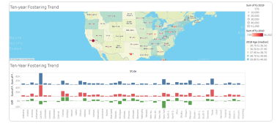
 |  | Foster Statistics by State
 |  |  |  | In-Care / Adoption / TPR in 2019
 | OH

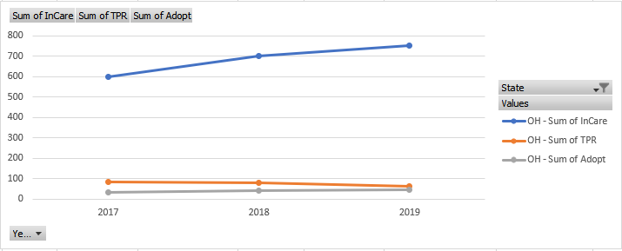

 | In-Care
 | Adopt
 | TPR

 |  |  | Year
 |  |  |  |  |  |  |  |  |  |  |  |  | Year | (All)
 |  |  |  |  |  | Predictions - What will the Need be in 5, 10, 20 Years?
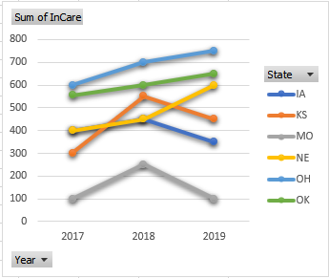
 |  |  |  |  |  |  |  |  |  |  |  |  | Row Labels | Sum of InCare | Sum of TPR | Sum of Adopt
 |  |  |  |  |  |  |  |  |  |  |  |  | OH | 2050 | 230 | 120
 |  |  |  |  |  |  |  | State | Year | InCare | Adopt | TPR | Grand Total | 2050 | 230 | 120
 |  |  |  | In-Care |  |  |  | KS | 2017 | 300 | 30 | 40
 |  |  |  |  | # |  |  | KS | 2018 | 550 | 40 | 45
 |  |  |  |  |  |  |  | KS | 2019 | 450 | 50 | 60
 |  |  |  |  |  |  |  | MO | 2017 | 100 | 25 | 30
 |  |  |  |  |  |  | Year | MO | 2018 | 250 | 20 | 40
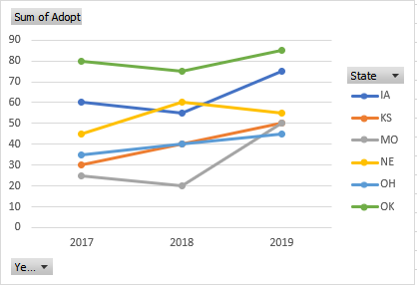
 |  |  |  |  |  |  |  | MO | 2019 | 100 | 50 | 60
 |  |  |  |  |  |  |  | IA | 2017 | 400 | 60 | 70
 |  |  |  |  |  |  |  | IA | 2018 | 450 | 55 | 60
 |  |  |  | Adoptions |  |  |  | IA | 2019 | 350 | 75 | 75
 |  |  |  |  | # |  |  | OH | 2017 | 600 | 35 | 85
 |  |  |  |  |  |  |  | OH | 2018 | 700 | 40 | 80
 |  |  |  |  |  |  |  | OH | 2019 | 750 | 45 | 65
 |  |  |  |  |  |  | Year | OK | 2017 | 555 | 80 | 65
 |  |  |  |  |  |  |  | OK | 2018 | 600 | 75 | 70
 |  |  |  |  |  |  |  | OK | 2019 | 650 | 85 | 85
 |  |  |  | TPR |  |  |  | NE | 2017 | 400 | 45 | 45
 |  |  |  |  | # |  |  | NE | 2018 | 450 | 60 | 40
 |  |  |  |  |  |  |  | NE | 2019 | 600 | 55 | 35

 |  |  |  |  |  |  | Year

