PR 3_del_t=0.2
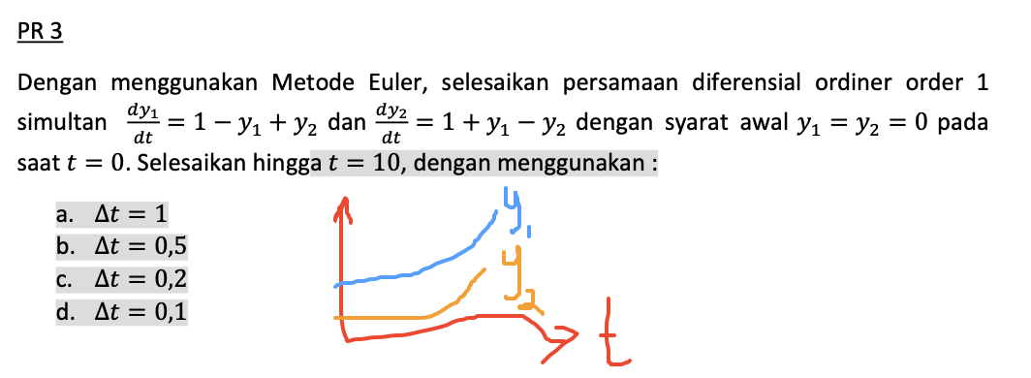
del_t | 0.2

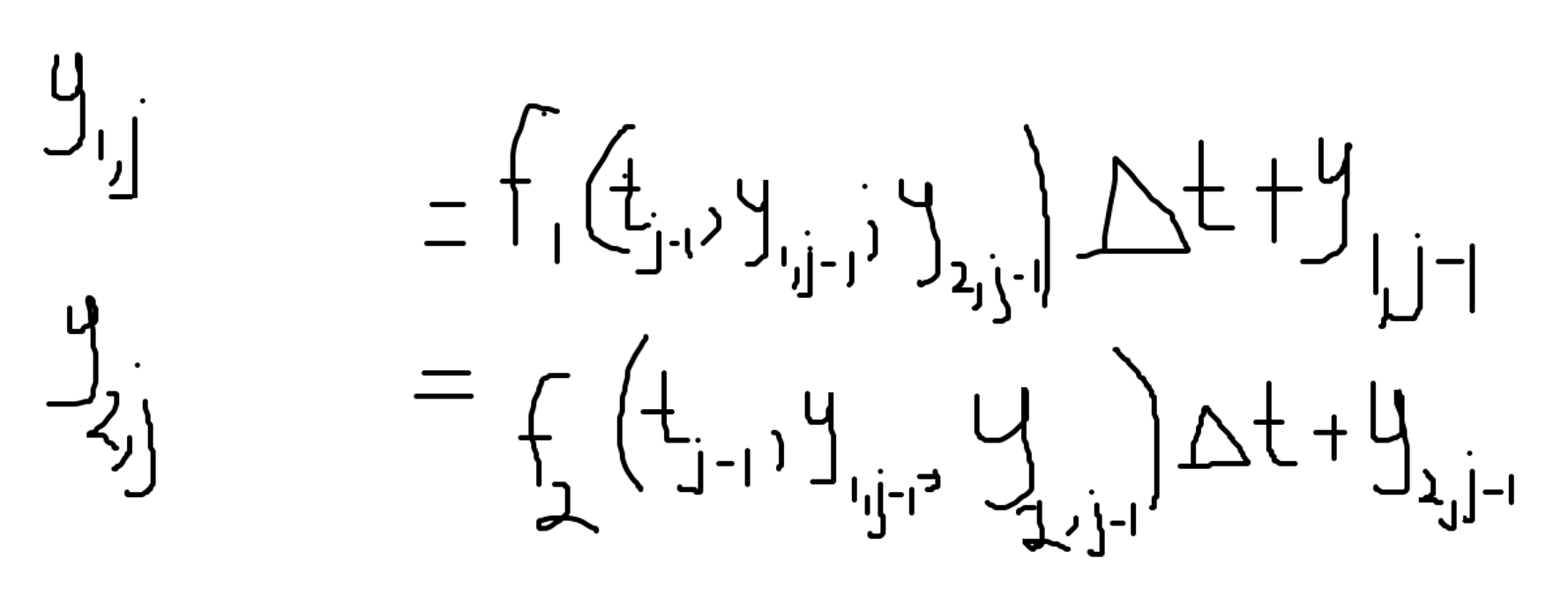
j | t | y1 | y2
0 | 0 | 0 | 0
1 | 0.2 | 0.2 | 0.2
2 | 0.4 | 0.4 | 0.4
3 | 0.6 | 0.6 | 0.6
4 | 0.8 | 0.8 | 0.8
5 | 1 | 1 | 1
6 | 1.2 | 1.2 | 1.2
7 | 1.4 | 1.4 | 1.4
8 | 1.6 | 1.6 | 1.6
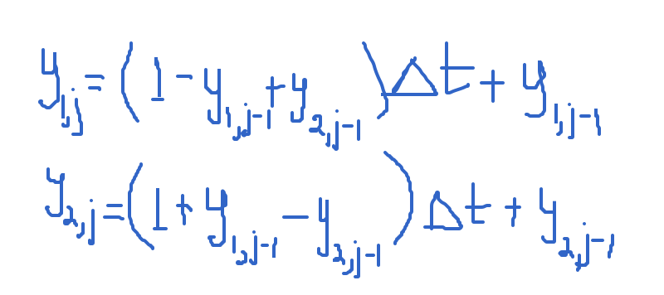
9 | 1.8 | 1.8 | 1.8
10 | 2 | 2 | 2
11 | 2.2 | 2.2 | 2.2
12 | 2.4 | 2.4 | 2.4
13 | 2.6 | 2.6 | 2.6
14 | 2.8 | 2.8 | 2.8
15 | 3 | 3 | 3
16 | 3.2 | 3.2 | 3.2
17 | 3.4 | 3.4 | 3.4
18 | 3.6 | 3.6 | 3.6
19 | 3.8 | 3.8 | 3.8
20 | 4 | 4 | 4
21 | 4.2 | 4.2 | 4.2
22 | 4.4 | 4.4 | 4.4
23 | 4.6 | 4.6 | 4.6
24 | 4.8 | 4.8 | 4.8
25 | 5 | 5 | 5
26 | 5.2 | 5.2 | 5.2
27 | 5.4 | 5.4 | 5.4
28 | 5.6 | 5.6 | 5.6
29 | 5.8 | 5.8 | 5.8
30 | 6 | 6 | 6
31 | 6.2 | 6.2 | 6.2
32 | 6.4 | 6.4 | 6.4
33 | 6.6 | 6.6 | 6.6
34 | 6.8 | 6.8 | 6.8
35 | 7 | 7 | 7
36 | 7.2 | 7.2 | 7.2
37 | 7.4 | 7.4 | 7.4
38 | 7.6 | 7.6 | 7.6
39 | 7.8 | 7.8 | 7.8
40 | 8 | 8 | 8
41 | 8.2 | 8.2 | 8.2
42 | 8.4 | 8.4 | 8.4
43 | 8.6 | 8.6 | 8.6
44 | 8.8 | 8.8 | 8.8
45 | 9 | 9 | 9
46 | 9.2 | 9.2 | 9.2
47 | 9.4 | 9.4 | 9.4
48 | 9.6 | 9.6 | 9.6
49 | 9.8 | 9.8 | 9.8
50 | 10 | 10 | 10

PR4_del_t=0.2
del_t | 0.2

j | t | a=dy/dt | y
0 | 0 | 0 | 0
1 | 0.2 | 0.8 | 0
2 | 0.4 | 1.12 | 0.16
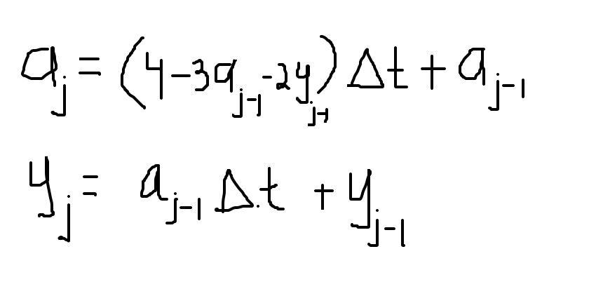
3 | 0.6 | 1.184 | 0.384
4 | 0.8 | 1.12 | 0.6208
5 | 1 | 0.99968 | 0.8448
6 | 1.2 | 0.861952 | 1.044736
7 | 1.4 | 0.7268864 | 1.2171264
8 | 1.6 | 0.603904 | 1.36250368
9 | 1.8 | 0.496560128 | 1.48328448
10 | 2 | 0.4053102592 | 1.5825965056
11 | 2.2 | 0.32908550144 | 1.6636585574
12 | 2.4 | 0.2661707776 | 1.7294756577
13 | 2.6 | 0.21467804795 | 1.7827098132
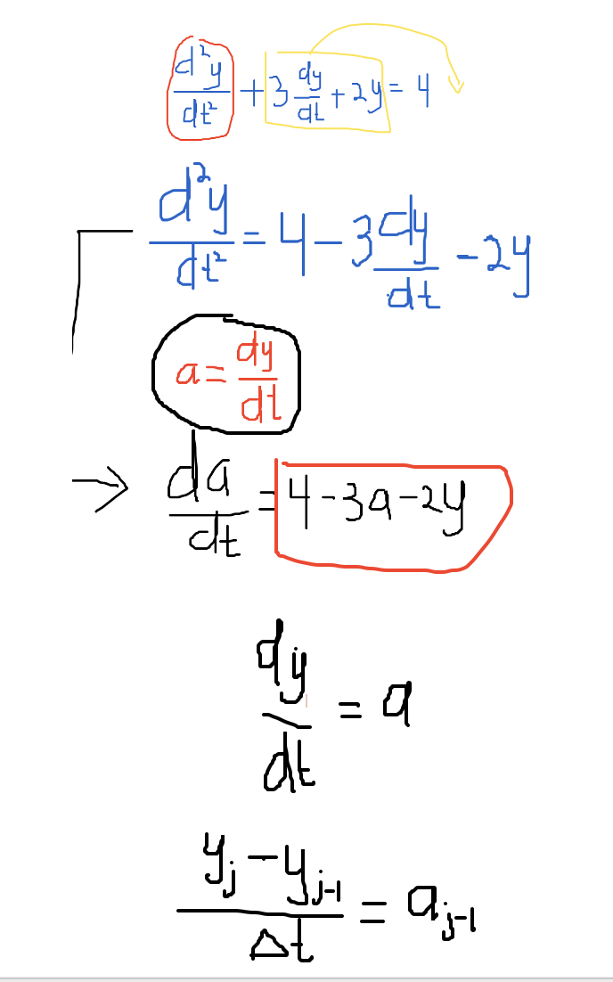
14 | 2.8 | 0.17278729388 | 1.8256454228
15 | 3 | 0.13885674842 | 1.8602028816
16 | 3.2 | 0.11146154672 | 1.8879742313
17 | 3.4 | 0.08939492617 | 1.9102665406
18 | 3.6 | 0.071651354211 | 1.9281455259
19 | 3.8 | 0.057402331334 | 1.9424757967
20 | 4 | 0.045970613847 | 1.953956263
21 | 4.2 | 0.036805740345 | 1.9631503858
22 | 4.4 | 0.029462141836 | 1.9705115338
23 | 4.6 | 0.023580243205 | 1.9764039622
24 | 4.8 | 0.018870512406 | 1.9811200108
25 | 5 | 0.01510020063 | 1.9848941133
26 | 5.2 | 0.012082434927 | 1.9879141534
27 | 5.4 | 0.0096673125954 | 1.9903306404
28 | 5.6 | 0.0077346688686 | 1.9922641029
29 | 5.8 | 0.0061882263703 | 1.9938110367
30 | 6 | 0.0049508758615 | 1.995048682
31 | 6.2 | 0.0039608775483 | 1.9960388572
32 | 6.4 | 0.0031688081541 | 1.9968310327
33 | 6.6 | 0.0025351101926 | 1.9974647943
34 | 6.8 | 0.0020281263556 | 1.9979718163
35 | 7 | 0.0016225240055 | 1.9983774416
36 | 7.2 | 0.0012980329569 | 1.9987019464
37 | 7.4 | 0.0010384346171 | 1.998961553
38 | 7.6 | 0.00083075264459 | 1.9991692399
39 | 7.8 | 0.00066460508623 | 1.9993353905
40 | 8 | 0.00053168585132 | 1.9994683115
41 | 8.2 | 0.00042534975045 | 1.9995746486
42 | 8.4 | 0.000340280442 | 1.9996597186
43 | 8.6 | 0.00027222473859 | 1.9997277747
44 | 8.8 | 0.00021778002186 | 1.9997822196
45 | 9 | 0.00017422415608 | 1.9998257756
46 | 9.2 | 0.00013937940802 | 1.9998606205
47 | 9.4 | 0.00011150357631 | 1.9998884963
48 | 9.6 | 8.9202890985E-05 | 1.9999107971
49 | 9.8 | 7.136233075E-05 | 1.9999286376
50 | 10 | 5.7089875377E-05 | 1.9999429101

