Summary
Prov |  |  |  |  |  |  |  |  |  |  |  |  |  |  |  |  | Mean | St Dev |  |  | Prov | Timeout | Timeout | Timeout | Timeout
Q3 | 0 | 1 | 1 | 1 | 1 | 0 | 0 | 1 | 1 | 1 | 0 | 1 | 0 | 0 | 0 | 0 | 0.5 | 0.51639777949 |  |  | Q3 | 0 | 1 | 1 | 0
Q4 | 1 | 1 | 1 | 1 | 1 | 1 | 1 | 1 | 1 | 1 | 1 | 1 | 1 | 1 | 0 | 1 | 0.9375 | 0.25 |  |  | Q4 | 1 | 1 | 1 | 1
Q5 | 0 | 0 | 0 | 0 | 0 | 0 | 0 | 0 | 0 | 0 | 0 | 1 | 0 | 1 | 0 | 1 | 0.1875 | 0.40311288741 |  |  | Q5 | b | b | b | b
Q6 | 0 | 0 | 0 | 0 | 0 | 0 | 0 | 0 | 0 | 0 | 0 | 0 | 0 | 0 | 0 | 0 | 0 | 0 |  |  | Q6 | 0 | 0 | 0 | b
Q7 | 1 | 0 | 0 | 0 | 0 | 0 | 0 | 0 | 1 | 1 | 0 | 1 | 0 | 1 | 0 | 1 | 0.375 | 0.5 |  |  | Q7 | b | b | b | 1
Q8 | 0 | 0 | 0 | 0 | 0 | 0 | 0 | 0 | 0 | 1 | 0 | 0.5 | 0 | 0.5 | 0 | 0.5 | 0.15625 | 0.30103986447 |  |  | Q8 | 0 | b | b | b
Q9 | 1 | 1 | 1 | 1 | 1 | 1 | 1 | 1 | 1 | 0 | 1 | 0 | 1 | 0 | 1 | 1 | 0.8125 | 0.40311288741 |  |  | Q9 | 1 | b | b | 0
Begin | 1032 | 1031 | 1031 | 1032 | 1032 | 1032 | 1032 | 1032 | 1015 | 1015 | 1015 | 1015 | 1015 | 1015 | 1015 | 1015 |  |  |  |  | Begin | 1032 | 1032 | 1032 | 1015
End | 1057 | 1049 | 1050 | 1053 | 1053 | 1060 | 1053 | 1060 | 1059 | 1048 | 1045 | 1044 | 1041 | 1042 | 1035 | 1045 |  |  |  |  | End | Timeout | Timeout | Timeout | Timeout
Duration | 25 | 18 | 19 | 21 | 18 | 19 | 21 | 21 | 28 | 21 | 28 | 29 | 26 | 27 | 20 | 30 | 23.1875 | 4.2460766204 |  |  | Duration | #VALUE! | #VALUE! | #VALUE! | #VALUE!

Replay |  |  |  |  |  |  |  |  |  |  |  |  |  |  |  |  | Mean | St Dev |  |  | Replay | Timeout
Q3 | 1 | 0 | 0 | 0 | 0 | 0 | 0 | 0 | 0 | 0 | 0 | 0 | 0 | 0 | 0 | 0 | 0.0625 | 0.25 |  |  | Q3 | 0
Q4 | 1 | 1 | 1 | 1 | 1 | 0 | 1 | 1 | 1 | 1 | 1 | 1 | 1 | 1 | 1 | 0 | 0.875 | 0.34156502553 |  |  | Q4 | 1
Q5 | 0 | 1 | 1 | 1 | 0 | 0 | 0 | 0 | 0 | 0 | 0 | 0 | 0 | 0 | 0 | 0 | 0.1875 | 0.40311288741 |  |  | Q5 | 0
Q6 | 0 | 0 | 0 | 0 | 0 | 0 | 0 | 0 | 0 | 0 | 0 | 0 | 0 | 0 | 0 | 0 | 0 | 0 |  |  | Q6 | b
Q7 | 1 | 0 | 1 | 0 | 0 | 0 | 0 | 1 | 0 | 1 | 0 | 0 | 0 | 0 | 0 | 0 | 0.25 | 0.4472135955 |  |  | Q7 | b
Q8 | 0 | 0 | 0 | 0 | 0 | 0 | 0 | 0 | 0 | 0 | 0.5 | 0 | 0 | 0.5 | 0.5 | 0 | 0.09375 | 0.20155644371 |  |  | Q8 | 0
Q9 | 1 | 1 | 0 | 0 | 1 | 1 | 0 | 1 | 0 | 1 | 1 | 0 | 0 | 0 | 0 | 1 | 0.5 | 0.51639777949 |  |  | Q9 | b
Begin | 1025 | 1025 | 1025 | 1025 | 1025 | 1025 | 1010 | 1010 | 1010 | 1010 | 1010 | 1010 | 1010 | 1010 | 1010 | 1010 |  |  |  |  | Begin | 1030
End | 1045 | 1057 | 1058 | 1057 | 1055 | 1055 | 1058 | 1052 | 1048 | 1048 | 1041 | 1024 | 1029 | 1018 | 1039 | 1029 |  |  |  |  | End | Timeout
Duration | 20 | 32 | 33 | 32 | 30 | 30 | 48 | 42 | 38 | 38 | 31 | 14 | 19 | 8 | 29 | 19 | 28.9375 | 10.579658155 |  |  | Duration | #VALUE!

 |  |  |  | Q3 |  |  | Q4 |  |  | Q5 |  |  | Q6 |  |  | Q7 |  |  | Q8 |  |  | Q9 |  |  | Duration
 | Results(Scale 0 to 1): |  |  | Prov | Replay |  | Prov | Replay |  | Prov | Replay |  | Prov | Replay |  | Prov | Replay |  | Prov | Replay |  | Prov | Replay |  | Prov | Replay
 | Prov | Replay |  | 0 | 1 |  | 1 | 1 |  | 0 | 0 |  | 0 | 0 |  | 1 | 1 |  | 0 | 0 |  | 1 | 1 |  | 25 | 20
Q3 | 0.5 | 0.0625 |  | 1 | 0 |  | 1 | 1 |  | 0 | 1 |  | 0 | 0 |  | 0 | 0 |  | 0 | 0 |  | 1 | 1 |  | 18 | 32
Q4 | 0.9375 | 0.875 |  | 1 | 0 |  | 1 | 1 |  | 0 | 1 |  | 0 | 0 |  | 0 | 1 |  | 0 | 0 |  | 1 | 0 |  | 19 | 33
Q5 | 0.1875 | 0.1875 |  | 1 | 0 |  | 1 | 1 |  | 0 | 1 |  | 0 | 0 |  | 0 | 0 |  | 0 | 0 |  | 1 | 0 |  | 21 | 32
Q6 | 0 | 0 |  | 1 | 0 |  | 1 | 1 |  | 0 | 0 |  | 0 | 0 |  | 0 | 0 |  | 0 | 0 |  | 1 | 1 |  | 18 | 30
Q7 | 0.375 | 0.25 |  | 0 | 0 |  | 1 | 0 |  | 0 | 0 |  | 0 | 0 |  | 0 | 0 |  | 0 | 0 |  | 1 | 1 |  | 19 | 30
Q8 | 0.15625 | 0.09375 |  | 0 | 0 |  | 1 | 1 |  | 0 | 0 |  | 0 | 0 |  | 0 | 0 |  | 0 | 0 |  | 1 | 0 |  | 21 | 48
Q9 | 0.8125 | 0.5 |  | 1 | 0 |  | 1 | 1 |  | 0 | 0 |  | 0 | 0 |  | 0 | 1 |  | 0 | 0 |  | 1 | 1 |  | 21 | 42
Duration | 23.1875 | 28.9375 |  | 1 | 0 |  | 1 | 1 |  | 0 | 0 |  | 0 | 0 |  | 1 | 0 |  | 0 | 0 |  | 1 | 0 |  | 28 | 38
 |  |  |  | 1 | 0 |  | 1 | 1 |  | 0 | 0 |  | 0 | 0 |  | 1 | 1 |  | 1 | 0 |  | 0 | 1 |  | 21 | 38
 |  |  |  | 0 | 0 |  | 1 | 1 |  | 0 | 0 |  | 0 | 0 |  | 0 | 0 |  | 0 | 0.5 |  | 1 | 1 |  | 28 | 31
 |  |  |  | 1 | 0 |  | 1 | 1 |  | 1 | 0 |  | 0 | 0 |  | 1 | 0 |  | 0.5 | 0.5 |  | 0 | 0 |  | 29 | 14
 |  |  |  | 0 | 0 |  | 1 | 1 |  | 0 | 0 |  | 0 | 0 |  | 0 | 0 |  | 0 | 0 |  | 1 | 0 |  | 26 | 19
 |  |  |  | 0 | 0 |  | 1 | 1 |  | 1 | 0 |  | 0 | 0 |  | 1 | 0 |  | 0.5 | 0.5 |  | 0 | 0 |  | 27 | 8
 |  |  |  | 0 | 0 |  | 0 | 1 |  | 0 | 0 |  | 0 | 0 |  | 0 | 0 |  | 0 | 0.5 |  | 1 | 0 |  | 20 | 29
 |  |  |  | 0 | 0 |  | 1 | 0 |  | 1 | 0 |  | 0 | 0 |  | 1 | 0 |  | 0.5 | 0.5 |  | 1 | 1 |  | 30 | 19

 | Normality: Shapiro-Wilk |  |  |  |  |  |  |  |  |  | Wilcoxon Test
 |  | Q3 | Q4 | Q5 | Q6 | Q7 | Q8 | Q9 | Duration |  | α = 0.05 | Q3 | Q4 | Q5 | Q6 | Q7 | Q8 | Q9 | Duration
 | Prov | 4.34E-05 | 4.55E-08 | 1.57E-08 | Null | 2.57E-05 | 1.21E-05 | 1.57E-06 | 0.04337 |  | p-value | 0.007259 | 0.5757 | 1 | Null | 0.467 | 0.6371 | 0.07049 | 0.03595
 | Replay | 4.55E-08 | 3.41E-07 | 1.57E-06 | Null | 5.27E-06 | 1.33E-05 | 4.34E-05 | 0.7363 |  | CI | < 0.001 | < 0.001 | < 0.001 | < 0.001 | < 0.001 | < 0.001 | < 0.001 | < 0.001

 | Boxplot

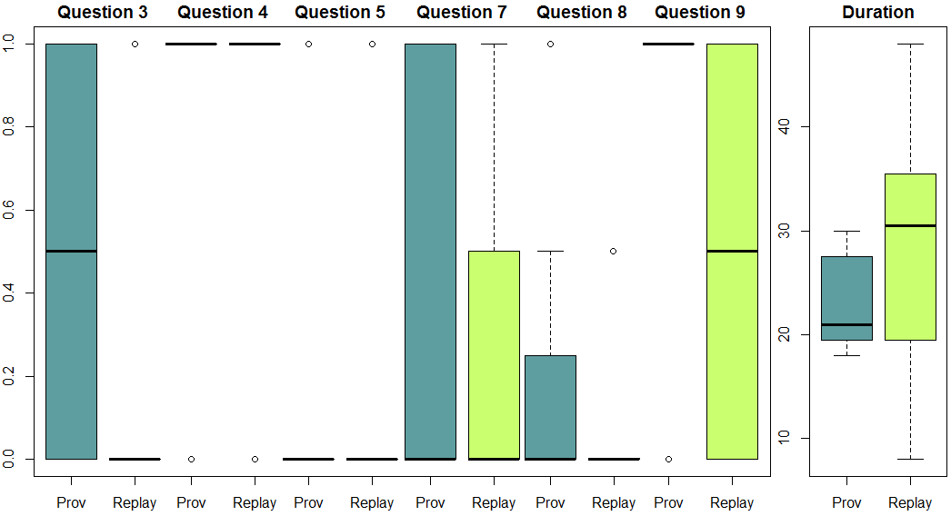

 |  |  |  |  |  |  |  |  |  |  |  |  |  |  | Normality: Shapiro-Wilk no Outliers
 |  |  |  |  |  |  |  |  |  |  |  |  |  |  |  | Q3 | Q4 | Q5 | Q6 | Q7 | Q8 | Q9 | Duration
 |  |  |  |  |  |  |  |  |  |  |  |  |  |  | Prov | 4.34E-05 | Null | Null | Null | 2.57E-05 | 3.48E-06 | Null | 0.04337
 |  |  |  |  |  |  |  |  |  |  |  |  |  |  | Replay | Null | Null | Null | Null | 5.27E-06 | Null | 4.34E-05 | 0.7363

Sheet2
Never read about | Read about | Does discipline | Did discipline | Teacher | Doctorate | PhD | Master's | Master | Graduate | Graduating
31 | 6 | 1 | 1 | 0 | 0 | 0 | 0 | 0 | 0 | 39
Software Engineering Knowledge
Academic Training
1
 | 1
 | 1
 |  | 1
1
1
1
 | 1
1
1
1
1
1
1
1
 | 1
1
1
1
1
1
1
1
1
 | 1
1
 | 1
1
 |  |  | 1
1
1
1
1
1
1
1
1
1
1

Sheet3
 | Q3 |  |  |  | Q4 |  |  |  | Q5 |  |  |  | Q6 |  |  |  | Q7 |  |  |  | Q8 |  |  |  | Q9
 | Wrong | Half | Correct |  | Wrong | Half | Correct |  | Wrong | Half | Correct |  | Wrong | Half | Correct |  | Wrong | Half | Correct |  | Wrong | Half | Correct |  | Wrong | Half | Correct
Prov | 8 | 0 | 8 | Prov | 1 | 0 | 15 | Prov | 13 | 0 | 3 | Prov | 0 | 0 | 0 | Prov | 10 | 0 | 6 | Prov | 0 | 3 | 1 | Prov | 5 | 0 | 13
Replay | 15 | 0 | 1 | Replay | 2 | 0 | 14 | Replay | 13 | 0 | 3 | Replay | 0 | 0 | 0 | Replay | 12 | 0 | 4 | Replay | 0 | 3 | 0 | Replay | 8 | 0 | 8
Number of correct , half correct, and wrong answers

