efzofitimod
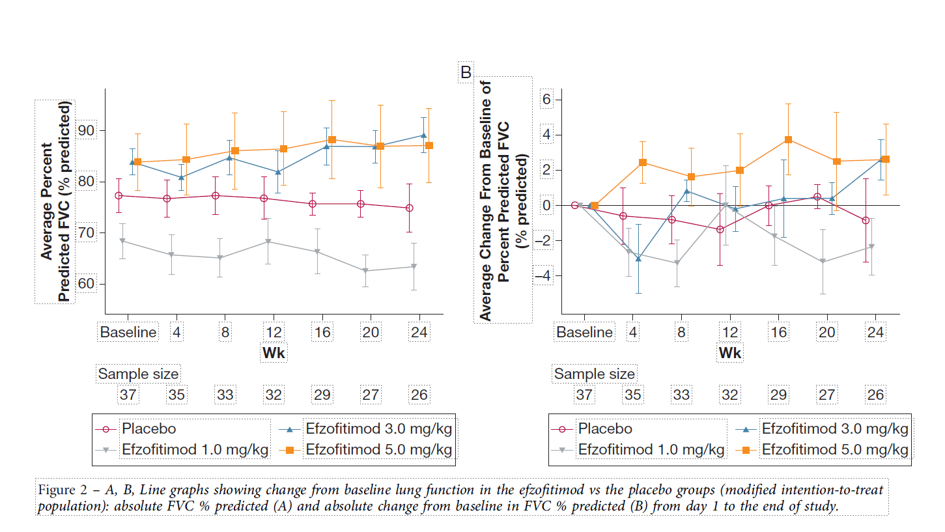
Main
 | Brand | ATYR1923
 | Generic | efzofitimod
 | Indication | pulmonary sarcoidosis. Lung granulomas. Dyspnea, cough, fatigue.
 |  | Granulomas which secret cytokines, including IL-12, IL-23 and TNFalpha.
 |  | Spontaneous remissions occur in 2/3rds of patients.
 | MOA | histidyl-tRNA synthetase, neuropilin 2 domain
 |  | upregulated on surface of activated immune cells??
 | PK
 |  | Step 1. Calculate molecular weight
 |  | 59 | 110 | 6490 | 55000 | 55059 | kDa | g/mol
 |  | amino acids | weight/aa | aa weight | Fc | combined

 |  | Step 2. Convert MW (g/mol) to molarity (mol/L)
 |  | 55059 | 0.001 | 1.816233495E-08 | 18.16233495
 |  | MW (g/mol) | g/L | mol/L | nM/L

 |  | Step 3. Calculate components of C_min (C_avg * shape_factor) at 4 weeks

 |  | Step 3a. Calculate CL*tau
 |  | 1.68 | 28 | 47.04
 |  | Clearance (L/day) | Days (tau) | CL/Volume in 28 days

 |  | Step 3b. Calculate shape factor (k*t*e^-k*t / 1 - e^-k*t)

 |  | 9 | 0.0770 | 28 | 2.1565 | 0.24957622915 | 0.8843 | 0.28
 |  | Half-life in days | k | days (tau) | kt | numerator | denominator | shape_factor

 |  | Step 4. Calculate Cmin at 4 weeks

 |  | 3000 | 47.04 | 0.28 | 18.0001
 |  | Dose (mg/kg) | Cavg | shape_factor | C_min (nM)

 |  | Step 5. Calculate Cmin required at 4 weeks given potency

 |  | 90% | 18.0001 | 2.0000
 |  | occupancy | c_min | Kd required (nM)

 |  | 300 | 18.0001 | 6%
 |  | potency (nM) | c_min | % occupied at trough

 | Administration | IV
 | Clinical Trials

 |  | Phase III "EFZO-FIT" n=268 pulmonary sarcoidosis

 |  | Phase Ib n=37 pulmonary sarcoidosis 24 weeks - NCT03824392
 |  | Protocol: day 15 steroid taper: 10-25mg/d -> 5mg/d by day 50, maintained until 24 weeks.
 |  | Baseline, FEV1:
 |  |  | placebo: 68.3%, 60.4% 1mg/kg, 77.6% 3mg/kg, 77.3% 5mg/kg.
 |  |  | FVC: 77.3%, 68.3%, 83.8%, 83.8%
 |  |  | Steroids: 13.3, 11.3, 14.4, 13.9.
 |  |  | Duration of Disease: 2.9, 5.3, 4.3, 2.9y.

 |  | Efzofitimod for the Treatment of Pulmonary Sarcoidosis. Culver et al. Chest 2023.
 |  |  | 1mg/kg, 3mg/kg, 5mg/kg q4w or placebo
 |  |  | steroid taper in protocol?
 |  |  | n=12 placebo - 1 AE, 2 COVID-19, n=9 week 24 completer. Baseline FVC 77
 |  |  |  | 46% reduction from baseline in steroid use
 |  |  | n=8 1mg/kg - 1 AE dropout, 1 investigator decision dropout - n=6 week 24 completer. Baseline FVC 68
 |  |  |  | 41% reduction from baseline. 5% reduction in steroid use vs. placebo. +1.2% difference in adjusted means (AUC)
 |  |  | n=8 3mg/kg - 3 COVID-19 dropouts!!! - n=5 week 24 completer. Baseline FVC 84.
 |  |  |  | 49% reduction from baseline. 9% reduction in steroid use vs. placebo, 2.3% less in adjusted means (AUC)
 |  |  | n=9 5mg/kg - 1 COVID-19 dropout - n=8 week 24 completer. Baseline FVC 84.
 |  |  |  | 58% reduction from baseline in steroid use, 22% less than placebo. -12.3% adjusted means (AUC)
 |  |  |  | 3 tapered to zero steroids and maintained zero.
 |  |  | n=28 completers, n=9 discontinued, n=6 from COVID
 |  |  |  | 13.2mg/d (+-4.4mg/d)

 |  | Phase I healthy volunteers "ATYR1293-C-001"
 |  | 7-10 day halflife

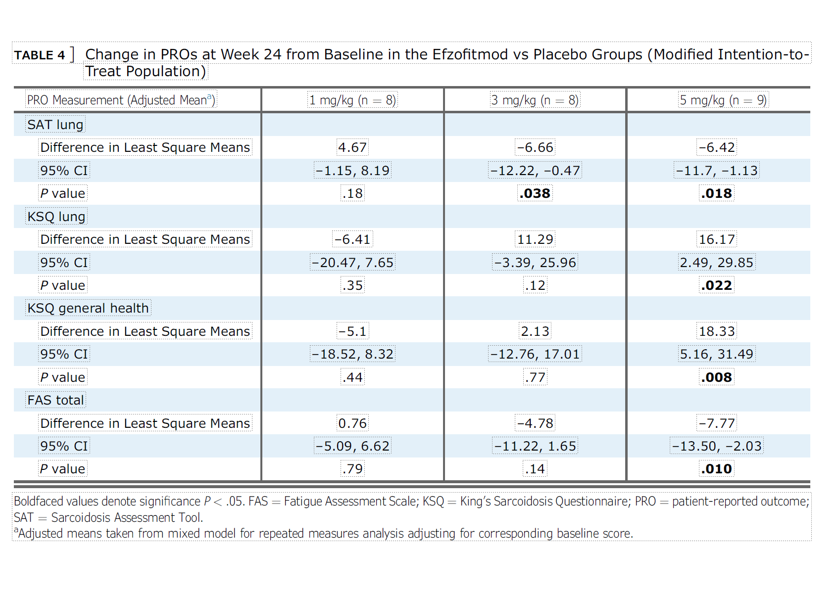

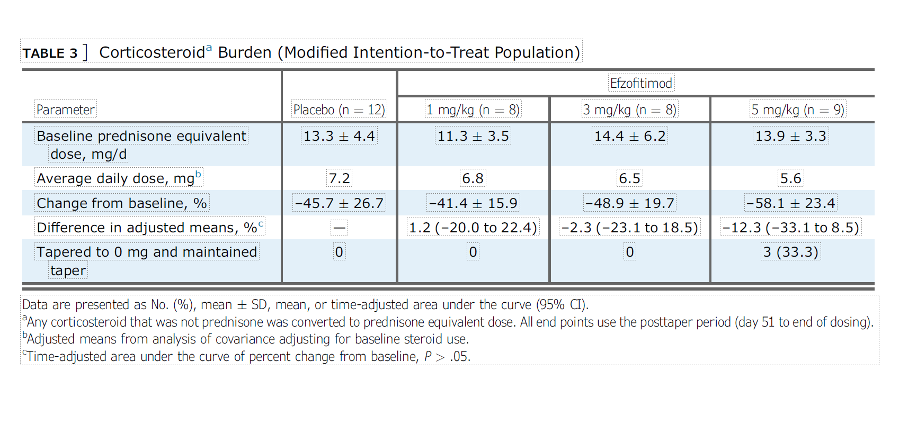

 |  | Phase II ustekinumab vs. golimumab. Judson et al. Eur Respir J 2014. - NCT00955279
 |  | Week 16-28 steroid tapering.
 |  | PE FVC at week 16.
 |  | -0.15 p=0.13, 1.15 p=0.54 for golimumab, placebo +2.02 beat both!

 |  | Phase II n=138 sarcoidosis - infliximab - Baughman et al. Am J Respir Crit Care Med 2006
 |  | FVC +2.5% vs. placebo at 24 weeks (2.8% for 3mg, 2.2% for 5mg)
 |  | 3mg/kg vs. 5mg/kg |  |  | Baseline 67.7% to 69.5%, +-8.6 to 11.1

 |  | 6MW -5.9m for placebo at week 24 vs. +7.6m for infliximab
 |  | SGRG lower is better -4.5 for placebo, -3.7 for infliximab
 |  | serum ACE +7.9 for placebo, -11.0 for infliximab
 |  | Borg's +0.2 for placebo, -0.1 for drug
 |  | Chest r-score +0.29 for placebo, -0.94 for drug.

Papers
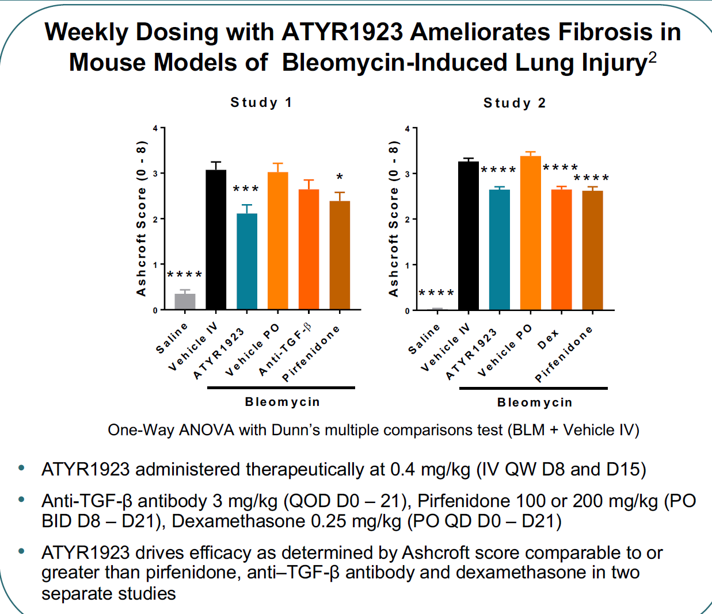
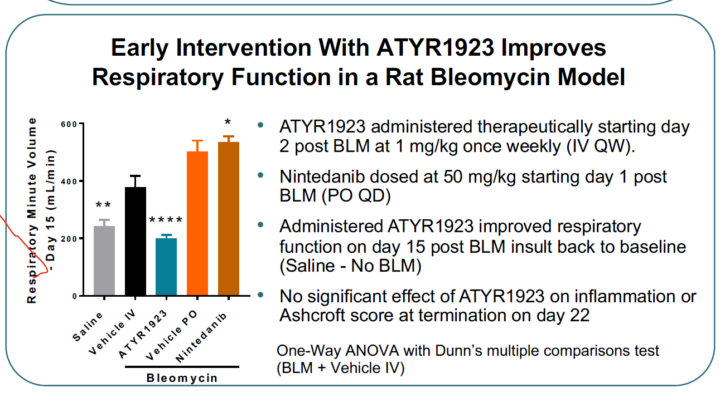
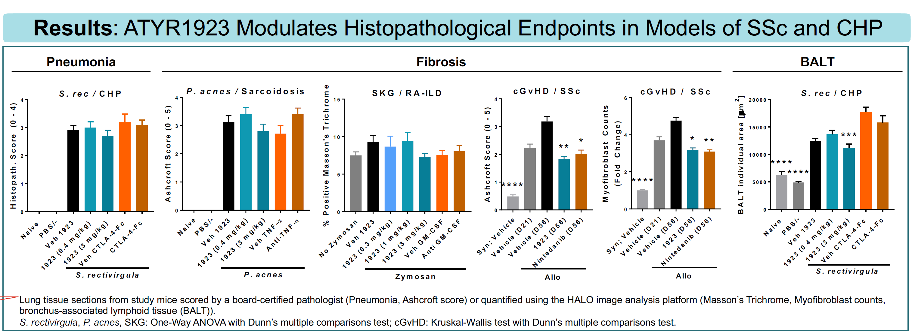
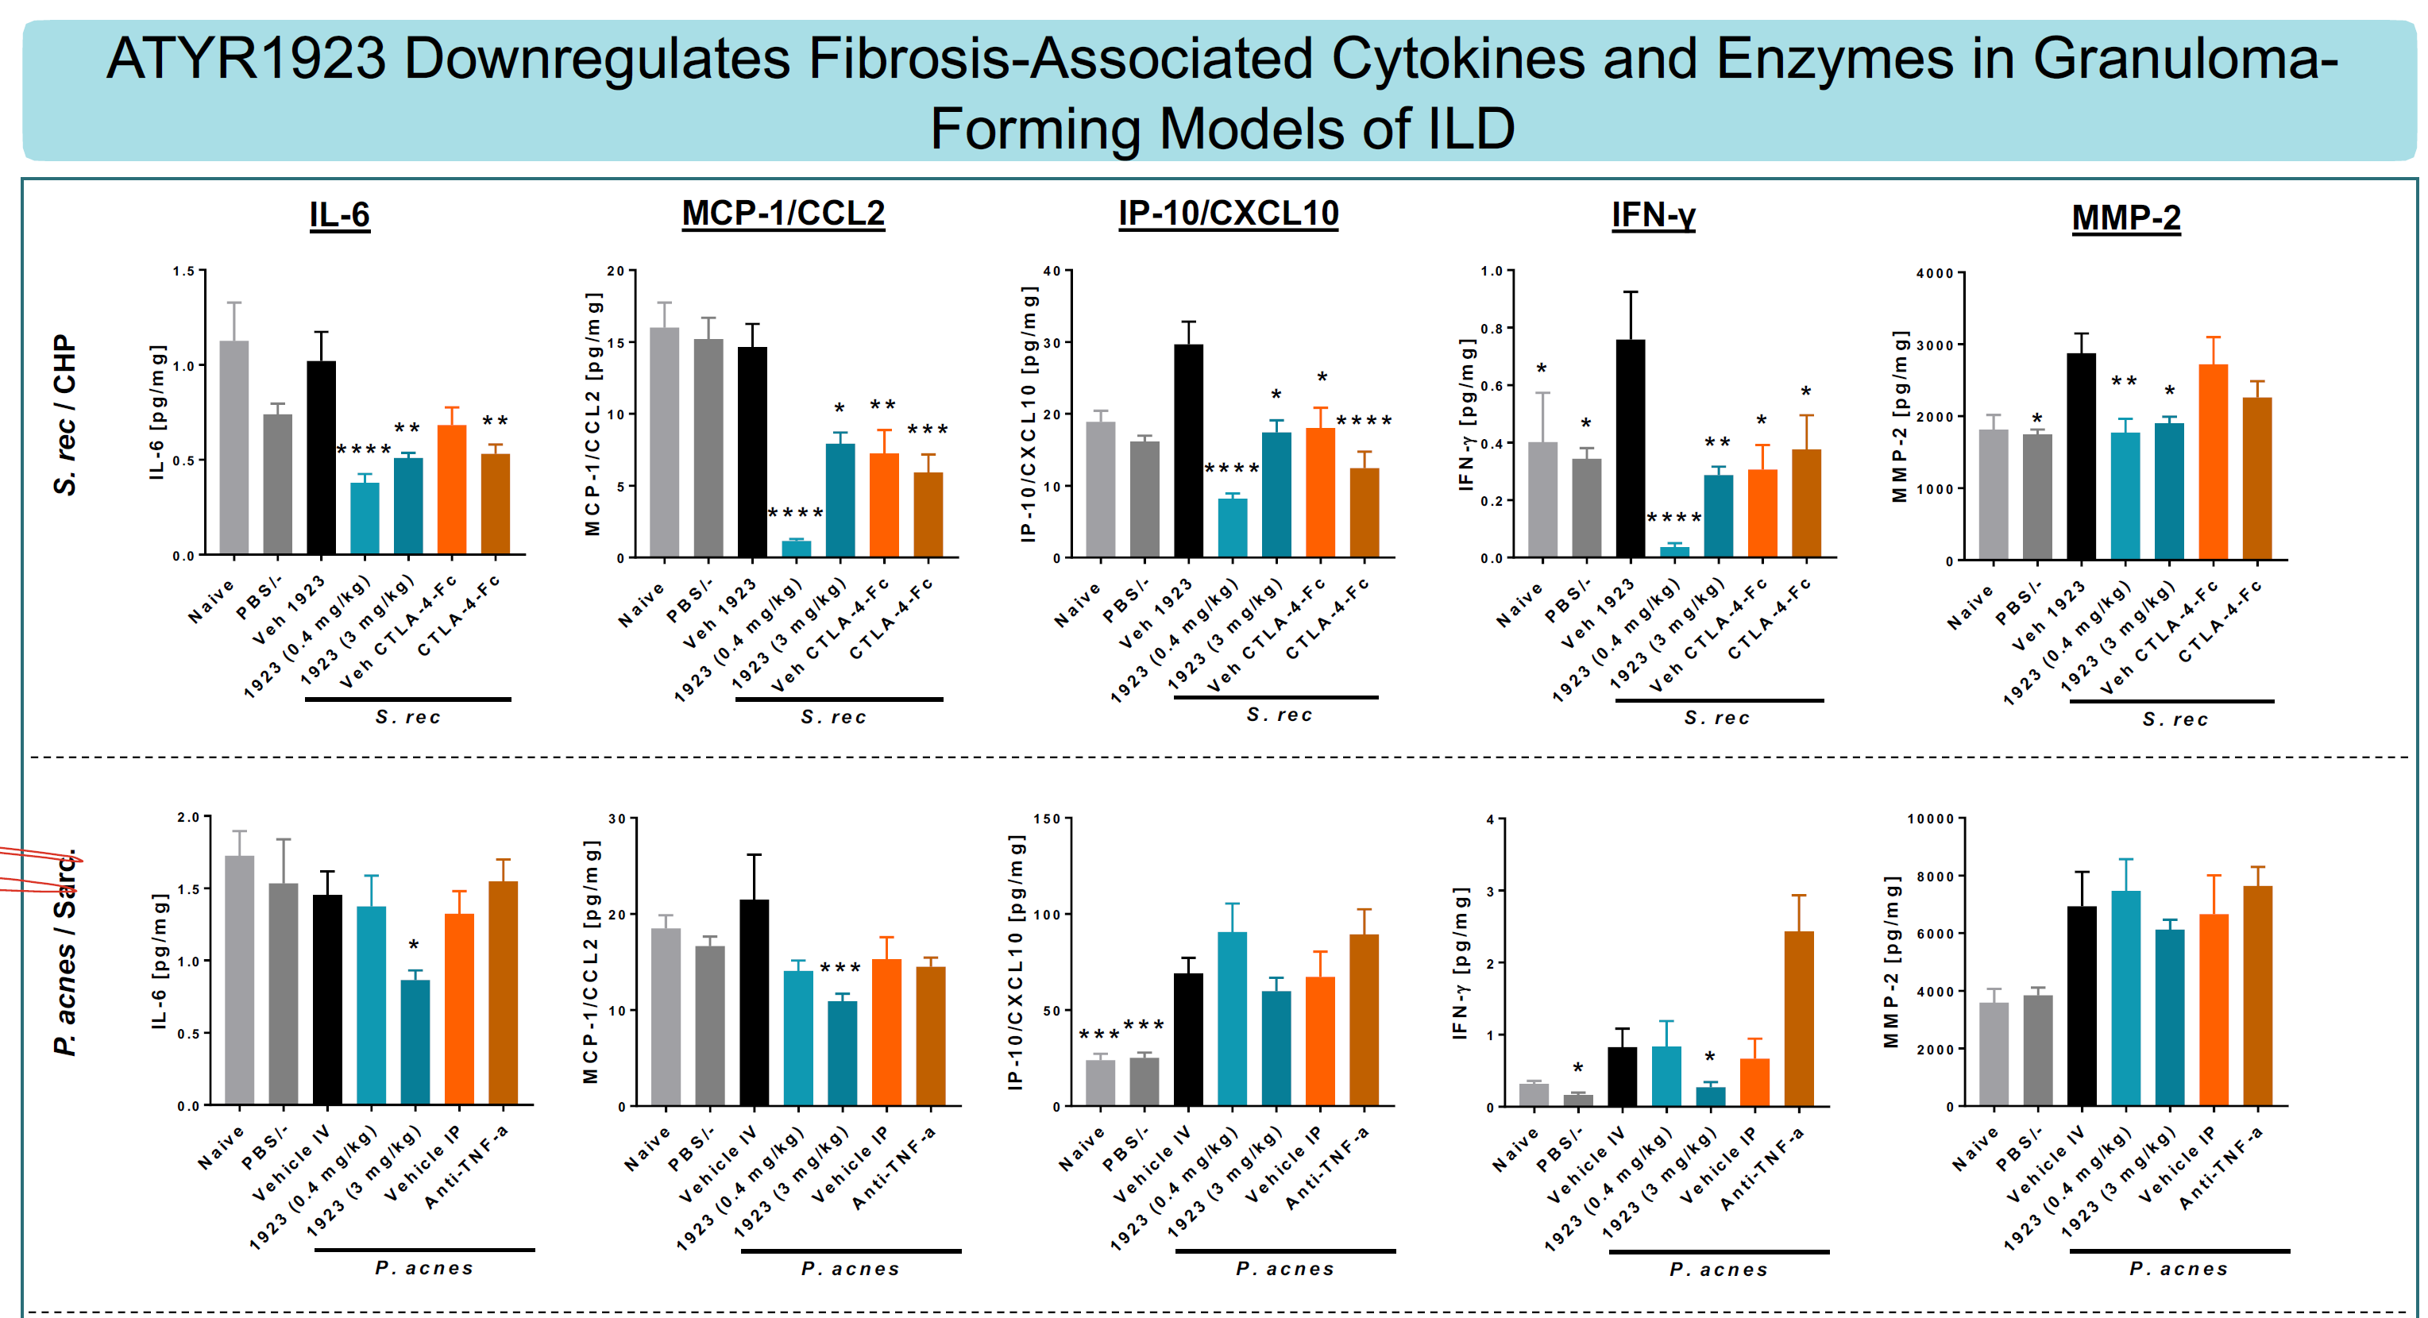
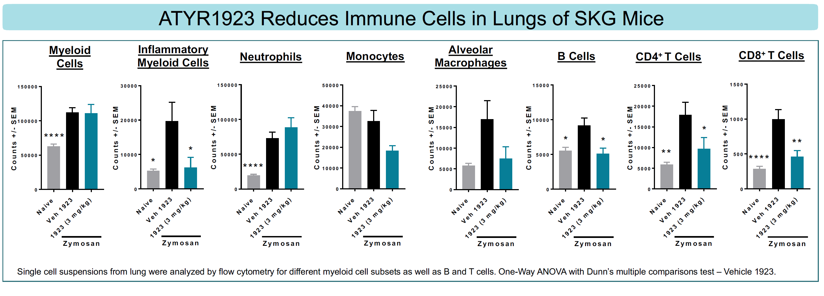
Clinical features associated with the presence of anti-Ro52 and anti-Ro60 antibodies in Jo-1 antibody-positive anti-synthetase syndrome. Yamaguchi et al. Front Immunol
 | Mice immunized with HRS develop other antibodies.

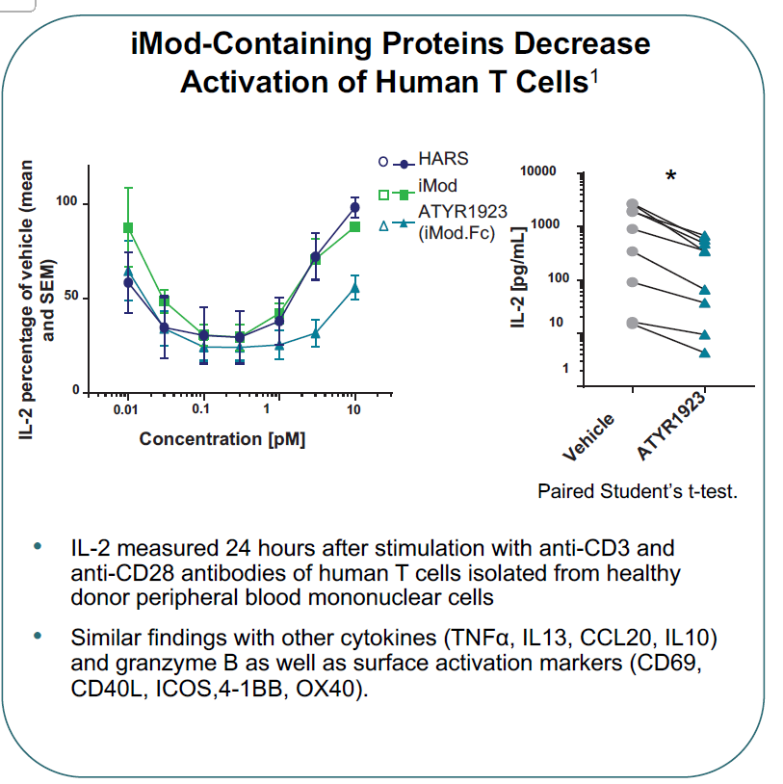
ATYR1923 Modules the Inflammatory Response in Experimential Models of Interstitial Lung Disease
 | Sclerodermatous cGvHD
 | Saccharopolyspora rectivirgula-induced CHP
 | Propionibacterium acnes-induced PF
 | SKG mice

