obefazimod
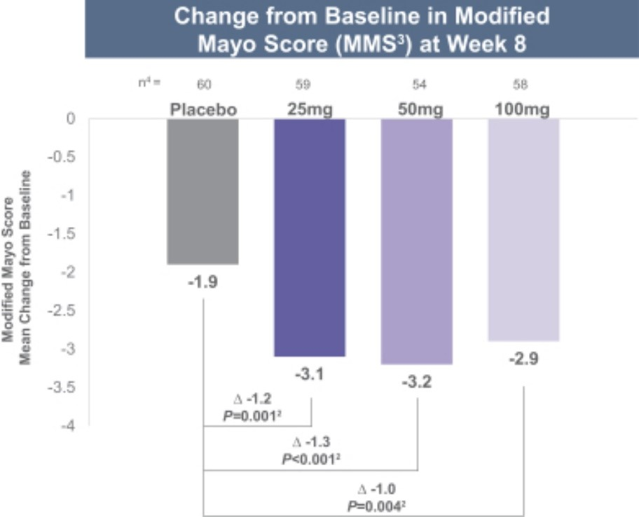
Main
 | Brand
 | Generic | obefazimod
 | Indication | UC, 776k US patients
 | MOA | miR-124
 | IP | 10,017,498 COM?
 |  | 10,435,370 MOU - filed 7/17/2015, issued 10/8/2019 - 2035 expiry + 3.5 year HW?
 |  | 11,649,211 MOU 2035 - filed 12/7/2020, 5/16/2023 - 2040 expiry
 | Chemistry | chloroquine/quinoline moiety

 |  | The Anti-Hiv Candidate Abx464 Dampens Intestinal Inflammation by Triggering Il-22 Production in Activated Macrophages. Chebli et al. 2017.

