Structural Diagram
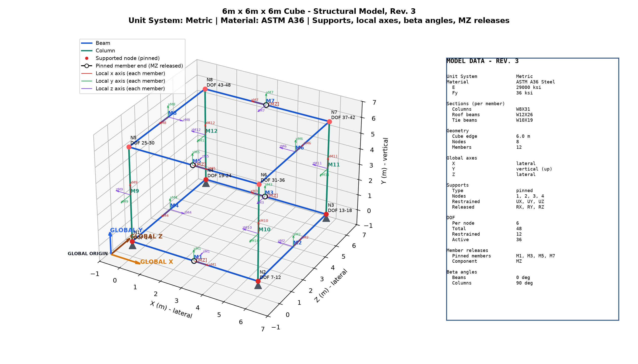
Rev. 3 diagram - Unit System: Metric | Material: ASTM A36 | Sections assigned per member type

