Reqs
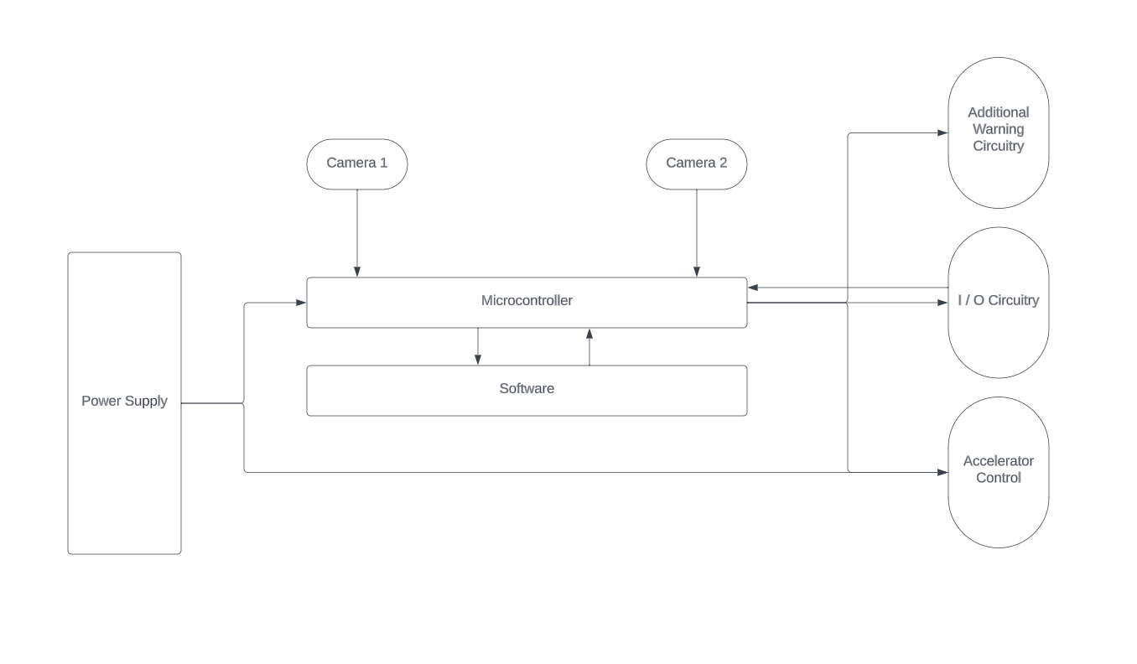
Module | Requirements | Priority
Power Supply | The operational current of the power supply must be atleast 5 A at 12 V for the main module to function | High
 | The main module must have an ON / OFF switch | High
 | There must be protection circuitry between the PS and MM in case of critical failure (i.e. fuse) | Significant
Traffic Sign Recognition and Speed Modulation (Software) | TSR must recognize upper speed limit signs and limit cancelling signs | High
 | TSR must recognize lower speed limit signs | Low
 | TSR must recognize SL signs atleast at the very moment the car passes said sign (i.e. when the limit is in effect) | High
 | TSR must correctly deduce the speed limit on the sign in digital form with precision up to +10 km/h (general road radar tolerance) | High
 | The driver must be able to manually modify the kept constant speed | Significant
Stereo Distance Detection (Software) | At bare minimum, the SDD must yield the distance between the host and the front vehicle (with precision up to 50 cm) atleast when the front vehicle is 4 m away from the host vehicle | High
 | The maximum operational distance of the SDD must be atleast 15 m | High

 | The SDD must track only the vehicles in the host's current lane | High
 | The SDD must be disabled upon some sort of failure in the submodules, responsible for the distance perception (i.e. camera failure) (**1) | High
 | The SDD must report the maximum speed at which a safe distance from the front vehicle could be kept | High
 | The SDD must report the safe distance that should be kept | Low
Warning Circuitry | An auditory alarm must activate when the vehicle is (5 -> MIN_DIST) m away from the front vehicle | High
 | A light indicator must activate when the vehicle is (7 -> 5) m away from the front vehicle | Significant
 | The circuit must be protected from overload (high current draw in case of short circuit, etc.) | Low
 | The circuit must be composed of a buzzer and atleast one light indicator (LED) | Mandatory
I / O Circuitry | This is not a single unit, but two separate ones - Display and User I/O, independent from each other. The User I/O circuit must be made of atleast 4 momentary push buttons | Mandatory
 | The microcontroller must read input from the User I/O circuit atmost every 20 ms | Significant
 | Upon failure of the User I/O circuit, operation of the entire module must be suspended | High
 | Upon failure of the Display, a light indicator on the Warning Circuitry must be activated | Optional
Cameras | The cameras in the given setup must be atleast 2 | Mandatory
 | (**1) Upon failure of atleast 1 camera, distance tracking should be suspended | Mandatory
 | A light indicator on the Warning Circuitry must be activated in case of (**1) | Optional
Accelerator Control

Reqs_BG
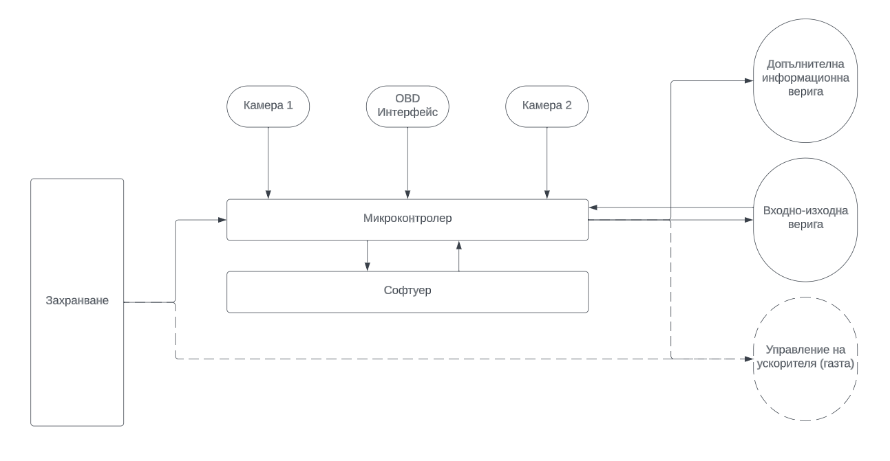
Модул | Изисквания | Приоритет | Тип | Критерии за тестване
Захранване | Максималният изходен ток на захранването трябва да е поне 5 А на 12 V, за да функционира системата. | 3 | HW
 | Системата трябва да има ключ за вкл. / изкл. | 3 | HW
 | Трябва системата да е защитена от неизправности в захранването (напр. бушон). | 2 | HW
Разпознаване на пътни знаци (TSR; Софтуер) | TSR трябва да разпознава знаци за максимална скорост на движение и знаци за отмяна на всички ограничения. | 3 | SW
 | TSR трябва да разпознава знаци за минимална скорост на движение. | 1 | SW
 | TSR must recognize SL signs atleast at the very moment the car passes said sign (i.e. when the limit is in effect) | 3 | SW
 | TSR must correctly deduce the speed limit on the sign in digital form with precision up to +10 km/h (general road radar tolerance) | 3 | SW
 | The driver must be able to manually modify the kept constant speed | 2 | SW
Stereo Distance Detection (Software) | At bare minimum, the SDD must yield the distance between the host and the front vehicle (with precision up to 50 cm) atleast when the front vehicle is 4 m away from the host vehicle | 3 | SW
 | The maximum operational distance of the SDD must be atleast 15 m | 3 | SW

 | The SDD must track only the vehicles in the host's current lane | 3 | SW
 | The SDD must be disabled upon some sort of failure in the submodules, responsible for the distance perception (i.e. camera failure) (**1) | 3 | SW
 | The SDD must report the maximum speed at which a safe distance from the front vehicle could be kept | 3 | SW
 | The SDD must report the safe distance that should be kept | 1 | SW |  | Приоритет | Ниво
Warning Circuitry | An auditory alarm must activate when the vehicle is (5 -> MIN_DIST) m away from the front vehicle | 3 | SW |  | Опционален | 0
 | A light indicator must activate when the vehicle is (7 -> 5) m away from the front vehicle | 2 | SW |  | Нисък | 1
 | The circuit must be protected from overload (high current draw in case of short circuit, etc.) | 1 | SW |  | Значителен | 2
 | The circuit must be composed of a buzzer and atleast one light indicator (LED) | 4 | SW |  | Висок | 3
I / O Circuitry | This is not a single unit, but two separate ones - Display and User I/O, independent from each other. The User I/O circuit must be made of atleast 4 momentary push buttons | 4 | SW |  | Задължителен | 4
 | The microcontroller must read input from the User I/O circuit atmost every 20 ms | 2 | SW
 | Upon failure of the User I/O circuit, operation of the entire module must be suspended | 3 | SW
 | Upon failure of the Display, a light indicator on the Warning Circuitry must be activated | 0 | SW
Cameras | The cameras in the given setup must be atleast 2 | 4 | HW
 | (**1) Upon failure of atleast 1 camera, distance tracking should be suspended | 4 | SW
 | A light indicator on the Warning Circuitry must be activated in case of (**1) | 0 | SW
Accelerator Control

