75 (GB20)
App# | Point | Lat | Long | Reef | DATUM | Type | Acreage
75 | 1 | 29.478632 | -94.758074 | On Reef | WGS 1984 | On Reef | 16.96
75 | 2 | 29.480008 | -94.758571 | On Reef | WGS 1984 | Off Reef | 106.8
75 | 3 | 29.479022 | -94.757775 | On Reef | WGS 1984
75 | 4 | 29.481644 | -94.759037 | On Reef | WGS 1984
75 | 5 | 29.479297 | -94.757392 | On Reef | WGS 1984
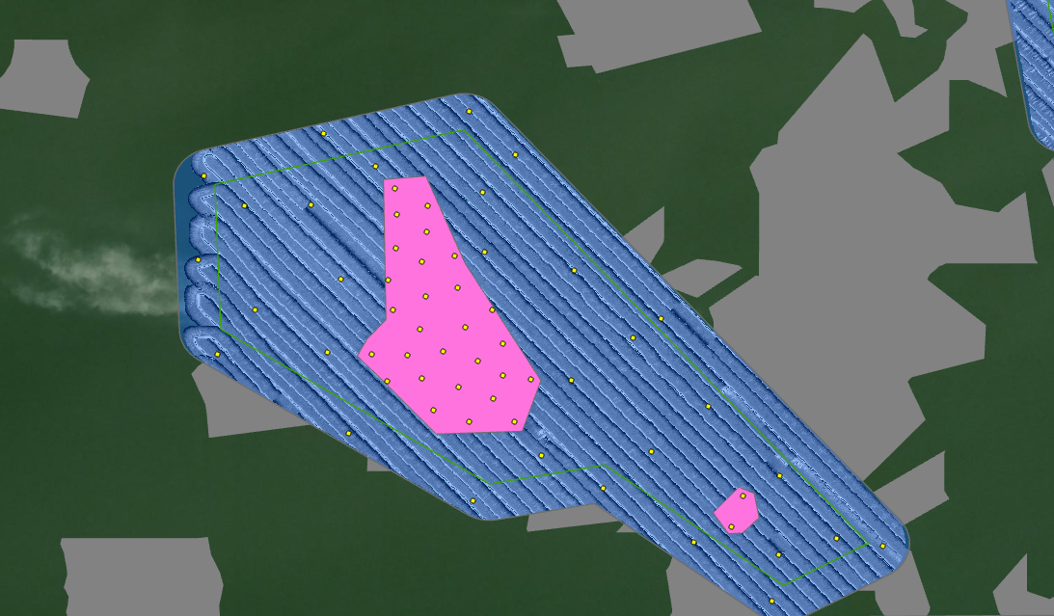
75 | 6 | 29.478755 | -94.756977 | On Reef | WGS 1984
75 | 7 | 29.478763 | -94.758622 | On Reef | WGS 1984
75 | 8 | 29.479506 | -94.758657 | On Reef | WGS 1984
75 | 9 | 29.479132 | -94.759388 | On Reef | WGS 1984
75 | 10 | 29.479809 | -94.759066 | On Reef | WGS 1984
75 | 11 | 29.480743 | -94.759022 | On Reef | WGS 1984
75 | 12 | 29.481384 | -94.758539 | On Reef | WGS 1984
75 | 13 | 29.480136 | -94.758081 | On Reef | WGS 1984
75 | 14 | 29.478812 | -94.757399 | On Reef | WGS 1984
75 | 15 | 29.476505 | -94.753935 | On Reef | WGS 1984
75 | 16 | 29.479117 | -94.758848 | On Reef | WGS 1984
75 | 17 | 29.478279 | -94.758451 | On Reef | WGS 1984
75 | 18 | 29.47811 | -94.757221 | On Reef | WGS 1984
75 | 19 | 29.479176 | -94.758312 | On Reef | WGS 1984
75 | 20 | 29.478726 | -94.759156 | On Reef | WGS 1984
75 | 21 | 29.478453 | -94.757544 | On Reef | WGS 1984
75 | 22 | 29.479806 | -94.757557 | On Reef | WGS 1984
75 | 23 | 29.480263 | -94.759141 | On Reef | WGS 1984
75 | 24 | 29.476979 | -94.753748 | On Reef | WGS 1984
75 | 25 | 29.478103 | -94.757903 | On Reef | WGS 1984
75 | 26 | 29.480539 | -94.758632 | On Reef | WGS 1984
75 | 27 | 29.480995 | -94.758554 | On Reef | WGS 1984
75 | 28 | 29.480624 | -94.758132 | On Reef | WGS 1984
75 | 29 | 29.481259 | -94.759005 | On Reef | WGS 1984
75 | 30 | 29.479545 | -94.757975 | On Reef | WGS 1984
75 | 31 | 29.479126 | -94.761733 | Off Reef | WGS 1984
75 | 32 | 29.479156 | -94.760061 | Off Reef | WGS 1984
75 | 33 | 29.479802 | -94.761165 | Off Reef | WGS 1984
75 | 34 | 29.475384 | -94.753315 | Off Reef | WGS 1984
75 | 35 | 29.476342 | -94.752336 | Off Reef | WGS 1984
75 | 36 | 29.477281 | -94.7532 | Off Reef | WGS 1984
75 | 37 | 29.480685 | -94.757676 | Off Reef | WGS 1984
75 | 38 | 29.482823 | -94.757909 | Off Reef | WGS 1984
75 | 39 | 29.477091 | -94.755879 | Off Reef | WGS 1984
75 | 40 | 29.481385 | -94.76132 | Off Reef | WGS 1984
75 | 41 | 29.476089 | -94.75321 | Off Reef | WGS 1984
75 | 42 | 29.479677 | -94.755 | Off Reef | WGS 1984
75 | 43 | 29.476214 | -94.751633 | Off Reef | WGS 1984
75 | 44 | 29.477652 | -94.755143 | Off Reef | WGS 1984
75 | 45 | 29.481981 | -94.75933 | Off Reef | WGS 1984
75 | 46 | 29.476899 | -94.757849 | Off Reef | WGS 1984
75 | 47 | 29.481396 | -94.760309 | Off Reef | WGS 1984
75 | 48 | 29.482165 | -94.75721 | Off Reef | WGS 1984
75 | 49 | 29.481835 | -94.761942 | Off Reef | WGS 1984
75 | 50 | 29.478736 | -94.756352 | Off Reef | WGS 1984
75 | 51 | 29.482486 | -94.760127 | Off Reef | WGS 1984
75 | 52 | 29.47628 | -94.754499 | Off Reef | WGS 1984
75 | 53 | 29.477931 | -94.759736 | Off Reef | WGS 1984
75 | 54 | 29.478334 | -94.754286 | Off Reef | WGS 1984
75 | 55 | 29.477596 | -94.756809 | Off Reef | WGS 1984
75 | 56 | 29.481597 | -94.757703 | Off Reef | WGS 1984
75 | 57 | 29.480275 | -94.759858 | Off Reef | WGS 1984
75 | 58 | 29.480558 | -94.762031 | Off Reef | WGS 1984
75 | 59 | 29.479379 | -94.755415 | Off Reef | WGS 1984
75 | 60 | 29.480405 | -94.756307 | Off Reef | WGS 1984

107 (GB22)
App# | Point | Lat | Long | Reef | DATUM | Type | Acreage
107 | 1 | 29.471354 | -94.751994 | On Reef | WGS 1984 | On Reef | 32.1
107 | 2 | 29.473109 | -94.74911 | On Reef | WGS 1984 | Off Reef | 120.8
107 | 3 | 29.472736 | -94.749536 | On Reef | WGS 1984
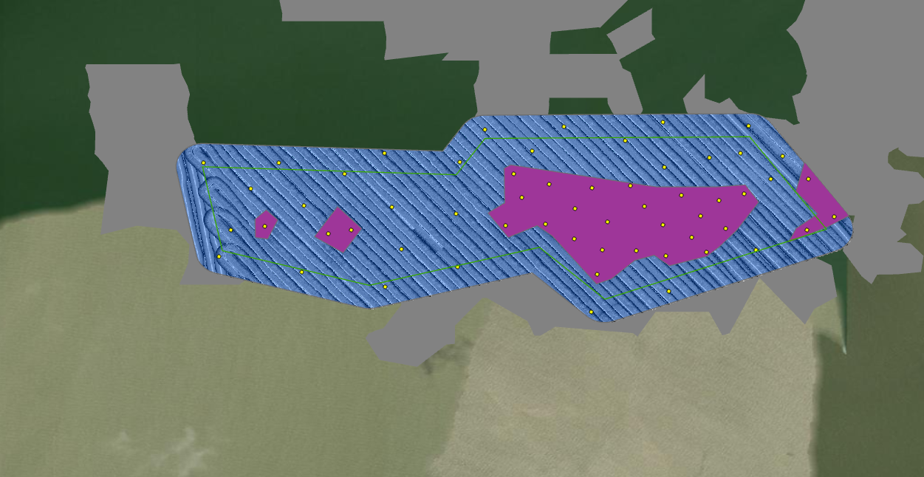
107 | 4 | 29.472545 | -94.753214 | On Reef | WGS 1984
107 | 5 | 29.473488 | -94.753128 | On Reef | WGS 1984
107 | 6 | 29.471792 | -94.750371 | On Reef | WGS 1984
107 | 7 | 29.472198 | -94.752536 | On Reef | WGS 1984
107 | 8 | 29.471927 | -94.75107 | On Reef | WGS 1984
107 | 9 | 29.473178 | -94.753778 | On Reef | WGS 1984
107 | 10 | 29.473734 | -94.753969 | On Reef | WGS 1984
107 | 11 | 29.473457 | -94.751204 | On Reef | WGS 1984
107 | 12 | 29.472539 | -94.750431 | On Reef | WGS 1984
107 | 13 | 29.472447 | -94.748953 | On Reef | WGS 1984
107 | 14 | 29.472404 | -94.757824 | On Reef | WGS 1984
107 | 15 | 29.472966 | -94.750879 | On Reef | WGS 1984
107 | 16 | 29.472331 | -94.758361 | On Reef | WGS 1984
107 | 17 | 29.472402 | -94.747031 | On Reef | WGS 1984
107 | 18 | 29.473227 | -94.750001 | On Reef | WGS 1984
107 | 19 | 29.471935 | -94.751879 | On Reef | WGS 1984
107 | 20 | 29.473265 | -94.748505 | On Reef | WGS 1984
107 | 21 | 29.473401 | -94.752108 | On Reef | WGS 1984
107 | 22 | 29.47261 | -94.751747 | On Reef | WGS 1984
107 | 23 | 29.471888 | -94.749395 | On Reef | WGS 1984
107 | 24 | 29.472496 | -94.759864 | On Reef | WGS 1984
107 | 25 | 29.473624 | -94.746997 | On Reef | WGS 1984
107 | 26 | 29.472733 | -94.746374 | On Reef | WGS 1984
107 | 27 | 29.472234 | -94.749754 | On Reef | WGS 1984
107 | 28 | 29.472909 | -94.752525 | On Reef | WGS 1984
107 | 29 | 29.472521 | -94.754158 | On Reef | WGS 1984
107 | 30 | 29.472412 | -94.760674 | Off Reef | WGS 1984
107 | 31 | 29.47279 | -94.755341 | Off Reef | WGS 1984
107 | 32 | 29.474132 | -94.749339 | Off Reef | WGS 1984
107 | 33 | 29.474522 | -94.75133 | Off Reef | WGS 1984
107 | 34 | 29.474973 | -94.750438 | Off Reef | WGS 1984
107 | 35 | 29.471411 | -94.758988 | Off Reef | WGS 1984
107 | 36 | 29.471533 | -94.755308 | Off Reef | WGS 1984
107 | 37 | 29.474004 | -94.759536 | Off Reef | WGS 1984
107 | 38 | 29.472993 | -94.75894 | Off Reef | WGS 1984
107 | 39 | 29.473895 | -94.750399 | Off Reef | WGS 1984
107 | 40 | 29.473382 | -94.760194 | Off Reef | WGS 1984
107 | 41 | 29.471936 | -94.748231 | Off Reef | WGS 1984
107 | 42 | 29.474222 | -94.757039 | Off Reef | WGS 1984
107 | 43 | 29.470957 | -94.750289 | Off Reef | WGS 1984
107 | 44 | 29.470465 | -94.752139 | Off Reef | WGS 1984
107 | 45 | 29.473733 | -94.757968 | Off Reef | WGS 1984
107 | 46 | 29.474866 | -94.75278 | Off Reef | WGS 1984
107 | 47 | 29.474872 | -94.748407 | Off Reef | WGS 1984
107 | 48 | 29.474167 | -94.74761 | Off Reef | WGS 1984
107 | 49 | 29.474008 | -94.761317 | Off Reef | WGS 1984
107 | 50 | 29.473625 | -94.747877 | Off Reef | WGS 1984
107 | 51 | 29.47295 | -94.756851 | Off Reef | WGS 1984
107 | 52 | 29.474026 | -94.755254 | Off Reef | WGS 1984
107 | 53 | 29.474234 | -94.748606 | Off Reef | WGS 1984
107 | 54 | 29.471786 | -94.760942 | Off Reef | WGS 1984
107 | 55 | 29.474276 | -94.753524 | Off Reef | WGS 1984
107 | 56 | 29.474797 | -94.754647 | Off Reef | WGS 1984
107 | 57 | 29.471959 | -94.756627 | Off Reef | WGS 1984
107 | 58 | 29.471068 | -94.757006 | Off Reef | WGS 1984

1 (GB23)
App# | Point | Lat | Long | Reef | DATUM | Type | Acreage
1 | 1 | 29.473673 | -94.746189 | On Reef | WGS 1984 | On Reef | 62
1 | 2 | 29.472661 | -94.746962 | On Reef | WGS 1984 | Off Reef | 59.2
1 | 3 | 29.476158 | -94.745077 | On Reef | WGS 1984
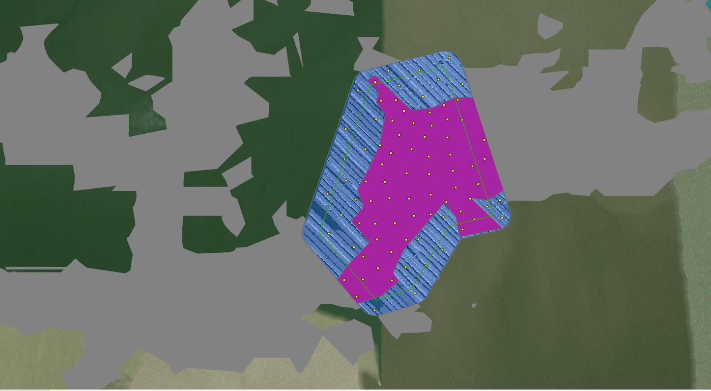
1 | 4 | 29.479232 | -94.74435 | On Reef | WGS 1984
1 | 5 | 29.476676 | -94.742611 | On Reef | WGS 1984
1 | 6 | 29.477144 | -94.743525 | On Reef | WGS 1984
1 | 7 | 29.480321 | -94.746285 | On Reef | WGS 1984
1 | 8 | 29.477914 | -94.74499 | On Reef | WGS 1984
1 | 9 | 29.47325 | -94.747396 | On Reef | WGS 1984
1 | 10 | 29.476744 | -94.745948 | On Reef | WGS 1984
1 | 11 | 29.478768 | -94.744278 | On Reef | WGS 1984
1 | 12 | 29.47949 | -94.743839 | On Reef | WGS 1984
1 | 13 | 29.475278 | -94.745592 | On Reef | WGS 1984
1 | 14 | 29.478847 | -94.74493 | On Reef | WGS 1984
1 | 15 | 29.474708 | -94.746227 | On Reef | WGS 1984
1 | 16 | 29.475285 | -94.746855 | On Reef | WGS 1984
1 | 17 | 29.477724 | -94.74362 | On Reef | WGS 1984
1 | 18 | 29.473269 | -94.746728 | On Reef | WGS 1984
1 | 19 | 29.476773 | -94.74662 | On Reef | WGS 1984
1 | 20 | 29.478424 | -94.745427 | On Reef | WGS 1984
1 | 21 | 29.475265 | -94.746296 | On Reef | WGS 1984
1 | 22 | 29.475044 | -94.74318 | On Reef | WGS 1984
1 | 23 | 29.479697 | -94.74335 | On Reef | WGS 1984
1 | 24 | 29.478249 | -94.74241 | On Reef | WGS 1984
1 | 25 | 29.475534 | -94.744913 | On Reef | WGS 1984
1 | 26 | 29.478058 | -94.746114 | On Reef | WGS 1984
1 | 27 | 29.479293 | -94.745257 | On Reef | WGS 1984
1 | 28 | 29.474682 | -94.74519 | On Reef | WGS 1984
1 | 29 | 29.477066 | -94.745164 | On Reef | WGS 1984
1 | 30 | 29.476175 | -94.745774 | On Reef | WGS 1984
1 | 31 | 29.476563 | -94.743423 | On Reef | WGS 1984
1 | 32 | 29.478984 | -94.743719 | On Reef | WGS 1984
1 | 33 | 29.477568 | -94.742397 | On Reef | WGS 1984
1 | 34 | 29.474242 | -94.745713 | On Reef | WGS 1984
1 | 35 | 29.477314 | -94.742821 | On Reef | WGS 1984
1 | 36 | 29.476293 | -94.744306 | On Reef | WGS 1984
1 | 37 | 29.478346 | -94.743715 | On Reef | WGS 1984
1 | 38 | 29.4756 | -94.744306 | On Reef | WGS 1984
1 | 39 | 29.478974 | -94.743201 | On Reef | WGS 1984
1 | 40 | 29.477785 | -94.745727 | On Reef | WGS 1984
1 | 41 | 29.479674 | -94.745555 | On Reef | WGS 1984
1 | 42 | 29.473226 | -94.745703 | On Reef | WGS 1984
1 | 43 | 29.474086 | -94.746712 | On Reef | WGS 1984
1 | 44 | 29.478936 | -94.745682 | On Reef | WGS 1984
1 | 45 | 29.476163 | -94.742908 | On Reef | WGS 1984
1 | 46 | 29.476059 | -94.746453 | On Reef | WGS 1984
1 | 47 | 29.475415 | -94.742755 | On Reef | WGS 1984
1 | 48 | 29.479657 | -94.746084 | On Reef | WGS 1984
1 | 49 | 29.477024 | -94.744361 | On Reef | WGS 1984
1 | 50 | 29.477386 | -94.746037 | On Reef | WGS 1984
1 | 51 | 29.476031 | -94.743761 | On Reef | WGS 1984
1 | 52 | 29.477667 | -94.744383 | On Reef | WGS 1984
1 | 53 | 29.478356 | -94.744526 | On Reef | WGS 1984
1 | 54 | 29.475704 | -94.743253 | On Reef | WGS 1984
1 | 55 | 29.478995 | -94.746263 | Off Reef | WGS 1984
1 | 56 | 29.472158 | -94.746315 | Off Reef | WGS 1984
1 | 57 | 29.474419 | -94.747042 | Off Reef | WGS 1984
1 | 58 | 29.475873 | -94.742308 | Off Reef | WGS 1984
1 | 59 | 29.473706 | -94.745211 | Off Reef | WGS 1984
1 | 60 | 29.478635 | -94.747341 | Off Reef | WGS 1984
1 | 61 | 29.480399 | -94.744024 | Off Reef | WGS 1984
1 | 62 | 29.480013 | -94.746904 | Off Reef | WGS 1984
1 | 63 | 29.4802 | -94.745425 | Off Reef | WGS 1984
1 | 64 | 29.472771 | -94.744876 | Off Reef | WGS 1984
1 | 65 | 29.48119 | -94.743652 | Off Reef | WGS 1984
1 | 66 | 29.475508 | -94.743859 | Off Reef | WGS 1984
1 | 67 | 29.477573 | -94.747381 | Off Reef | WGS 1984
1 | 68 | 29.474334 | -94.743887 | Off Reef | WGS 1984
1 | 69 | 29.480242 | -94.743172 | Off Reef | WGS 1984
1 | 70 | 29.476329 | -94.747987 | Off Reef | WGS 1984
1 | 71 | 29.474702 | -94.74475 | Off Reef | WGS 1984
1 | 72 | 29.477913 | -94.746632 | Off Reef | WGS 1984
1 | 73 | 29.480726 | -94.74582 | Off Reef | WGS 1984
1 | 74 | 29.475585 | -94.747488 | Off Reef | WGS 1984
1 | 75 | 29.476797 | -94.747315 | Off Reef | WGS 1984
1 | 76 | 29.476109 | -94.741841 | Off Reef | WGS 1984
1 | 77 | 29.47979 | -94.744601 | Off Reef | WGS 1984
1 | 78 | 29.476113 | -94.746986 | Off Reef | WGS 1984
1 | 79 | 29.475477 | -94.741778 | Off Reef | WGS 1984
1 | 80 | 29.474905 | -94.747936 | Off Reef | WGS 1984
1 | 81 | 29.473776 | -94.744478 | Off Reef | WGS 1984
1 | 82 | 29.480741 | -94.744724 | Off Reef | WGS 1984

56 (GB24)
App# | Point | Lat | Long | Reef | DATUM | Type | Acreage
56 | 1 | 29.479891 | -94.737768 | On Reef | WGS 1984 | On Reef | 75.8
56 | 2 | 29.479492 | -94.737155 | On Reef | WGS 1984 | Off Reef | 44.1
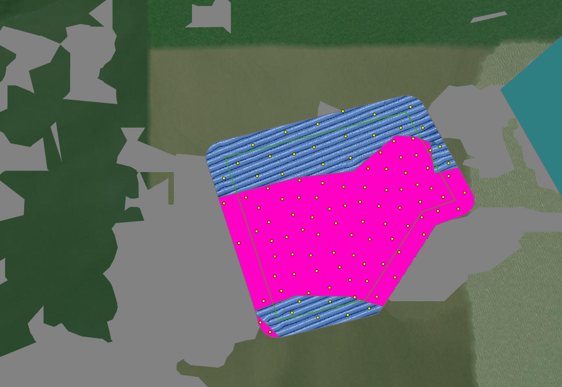
56 | 3 | 29.479889 | -94.738252 | On Reef | WGS 1984
56 | 4 | 29.477853 | -94.737842 | On Reef | WGS 1984
56 | 5 | 29.479937 | -94.736795 | On Reef | WGS 1984
56 | 6 | 29.478147 | -94.743073 | On Reef | WGS 1984
56 | 7 | 29.480559 | -94.738256 | On Reef | WGS 1984
56 | 8 | 29.477362 | -94.739782 | On Reef | WGS 1984
56 | 9 | 29.478277 | -94.738805 | On Reef | WGS 1984
56 | 10 | 29.477826 | -94.739973 | On Reef | WGS 1984
56 | 11 | 29.47746 | -94.738976 | On Reef | WGS 1984
56 | 12 | 29.476405 | -94.738572 | On Reef | WGS 1984
56 | 13 | 29.480574 | -94.738859 | On Reef | WGS 1984
56 | 14 | 29.479639 | -94.742839 | On Reef | WGS 1984
56 | 15 | 29.478777 | -94.738291 | On Reef | WGS 1984
56 | 16 | 29.479492 | -94.739122 | On Reef | WGS 1984
56 | 17 | 29.478217 | -94.742002 | On Reef | WGS 1984
56 | 18 | 29.477744 | -94.740718 | On Reef | WGS 1984
56 | 19 | 29.47859 | -94.740983 | On Reef | WGS 1984
56 | 20 | 29.47959 | -94.741655 | On Reef | WGS 1984
56 | 21 | 29.480604 | -94.736908 | On Reef | WGS 1984
56 | 22 | 29.476689 | -94.74012 | On Reef | WGS 1984
56 | 23 | 29.478287 | -94.738072 | On Reef | WGS 1984
56 | 24 | 29.47931 | -94.737825 | On Reef | WGS 1984
56 | 25 | 29.480344 | -94.736234 | On Reef | WGS 1984
56 | 26 | 29.479202 | -94.736572 | On Reef | WGS 1984
56 | 27 | 29.476903 | -94.738884 | On Reef | WGS 1984
56 | 28 | 29.478981 | -94.737097 | On Reef | WGS 1984
56 | 29 | 29.481552 | -94.737379 | On Reef | WGS 1984
56 | 30 | 29.478532 | -94.74249 | On Reef | WGS 1984
56 | 31 | 29.477028 | -94.737973 | On Reef | WGS 1984
56 | 32 | 29.47842 | -94.74048 | On Reef | WGS 1984
56 | 33 | 29.479377 | -94.739612 | On Reef | WGS 1984
56 | 34 | 29.479301 | -94.742423 | On Reef | WGS 1984
56 | 35 | 29.478995 | -94.74068 | On Reef | WGS 1984
56 | 36 | 29.478832 | -94.74209 | On Reef | WGS 1984
56 | 37 | 29.478423 | -94.737037 | On Reef | WGS 1984
56 | 38 | 29.479642 | -94.740529 | On Reef | WGS 1984
56 | 39 | 29.476515 | -94.740804 | On Reef | WGS 1984
56 | 40 | 29.479076 | -94.7413 | On Reef | WGS 1984
56 | 41 | 29.479639 | -94.741112 | On Reef | WGS 1984
56 | 42 | 29.476586 | -94.741685 | On Reef | WGS 1984
56 | 43 | 29.476264 | -94.742271 | On Reef | WGS 1984
56 | 44 | 29.476389 | -94.7393 | On Reef | WGS 1984
56 | 45 | 29.47525 | -94.742058 | On Reef | WGS 1984
56 | 46 | 29.477243 | -94.740536 | On Reef | WGS 1984
56 | 47 | 29.480446 | -94.737624 | On Reef | WGS 1984
56 | 48 | 29.479435 | -94.743564 | On Reef | WGS 1984
56 | 49 | 29.480952 | -94.737788 | On Reef | WGS 1984
56 | 50 | 29.479267 | -94.740111 | On Reef | WGS 1984
56 | 51 | 29.476933 | -94.739456 | On Reef | WGS 1984
56 | 52 | 29.479971 | -94.738964 | On Reef | WGS 1984
56 | 53 | 29.47556 | -94.742368 | On Reef | WGS 1984
56 | 54 | 29.479788 | -94.735697 | On Reef | WGS 1984
56 | 55 | 29.477469 | -94.73837 | On Reef | WGS 1984
56 | 56 | 29.479925 | -94.742132 | On Reef | WGS 1984
56 | 57 | 29.479986 | -94.73966 | On Reef | WGS 1984
56 | 58 | 29.477712 | -94.741902 | On Reef | WGS 1984
56 | 59 | 29.477751 | -94.73933 | On Reef | WGS 1984
56 | 60 | 29.478712 | -94.737559 | On Reef | WGS 1984
56 | 61 | 29.480063 | -94.737249 | On Reef | WGS 1984
56 | 62 | 29.48118 | -94.736825 | On Reef | WGS 1984
56 | 63 | 29.481107 | -94.738461 | On Reef | WGS 1984
56 | 64 | 29.480103 | -94.740334 | On Reef | WGS 1984
56 | 65 | 29.478416 | -94.739399 | On Reef | WGS 1984
56 | 66 | 29.479269 | -94.735918 | On Reef | WGS 1984
56 | 67 | 29.47884 | -94.739034 | On Reef | WGS 1984
56 | 68 | 29.479355 | -94.738503 | On Reef | WGS 1984
56 | 69 | 29.479645 | -94.736411 | On Reef | WGS 1984
56 | 70 | 29.481019 | -94.737282 | On Reef | WGS 1984
56 | 71 | 29.477142 | -94.741276 | On Reef | WGS 1984
56 | 72 | 29.477773 | -94.741315 | On Reef | WGS 1984
56 | 73 | 29.477056 | -94.741892 | On Reef | WGS 1984
56 | 74 | 29.478799 | -94.739898 | On Reef | WGS 1984
56 | 75 | 29.480194 | -94.741087 | On Reef | WGS 1984
56 | 76 | 29.47835 | -94.74151 | On Reef | WGS 1984
56 | 77 | 29.48147 | -94.738006 | On Reef | WGS 1984
56 | 78 | 29.47624 | -94.741098 | Off Reef | WGS 1984
56 | 79 | 29.481902 | -94.737779 | Off Reef | WGS 1984
56 | 80 | 29.481298 | -94.736511 | Off Reef | WGS 1984
56 | 81 | 29.480343 | -94.742479 | Off Reef | WGS 1984
56 | 82 | 29.48163 | -94.739596 | Off Reef | WGS 1984
56 | 83 | 29.482353 | -94.738651 | Off Reef | WGS 1984
56 | 84 | 29.476234 | -94.740105 | Off Reef | WGS 1984
56 | 85 | 29.482458 | -94.739684 | Off Reef | WGS 1984
56 | 86 | 29.480749 | -94.736237 | Off Reef | WGS 1984
56 | 87 | 29.48203 | -94.740498 | Off Reef | WGS 1984
56 | 88 | 29.481279 | -94.740616 | Off Reef | WGS 1984
56 | 89 | 29.4758 | -94.739519 | Off Reef | WGS 1984
56 | 90 | 29.475721 | -94.740493 | Off Reef | WGS 1984
56 | 91 | 29.480988 | -94.742051 | Off Reef | WGS 1984
56 | 92 | 29.476011 | -94.738812 | Off Reef | WGS 1984
56 | 93 | 29.480263 | -94.743561 | Off Reef | WGS 1984
56 | 94 | 29.480935 | -94.739429 | Off Reef | WGS 1984
56 | 95 | 29.481769 | -94.741541 | Off Reef | WGS 1984
56 | 96 | 29.480721 | -94.740316 | Off Reef | WGS 1984
56 | 97 | 29.481909 | -94.737072 | Off Reef | WGS 1984
56 | 98 | 29.481047 | -94.741267 | Off Reef | WGS 1984
56 | 99 | 29.481665 | -94.738669 | Off Reef | WGS 1984
56 | 100 | 29.47588 | -94.741333 | Off Reef | WGS 1984
56 | 101 | 29.482586 | -94.737467 | Off Reef | WGS 1984
56 | 102 | 29.480757 | -94.743099 | Off Reef | WGS 1984
56 | 103 | 29.481358 | -94.742621 | Off Reef | WGS 1984
56 | 104 | 29.480403 | -94.741656 | Off Reef | WGS 1984

22 (GB21)
App# | Point | Lat | Long | Reef | DATUM | Type | Acreage
22 | 1 | 29.483894 | -94.74788 | On Reef | WGS 1984 | On Reef | 2.5
22 | 2 | 29.484741 | -94.748412 | On Reef | WGS 1984 | Off Reef | 58.3
22 | 3 | 29.484302 | -94.74772 | On Reef | WGS 1984
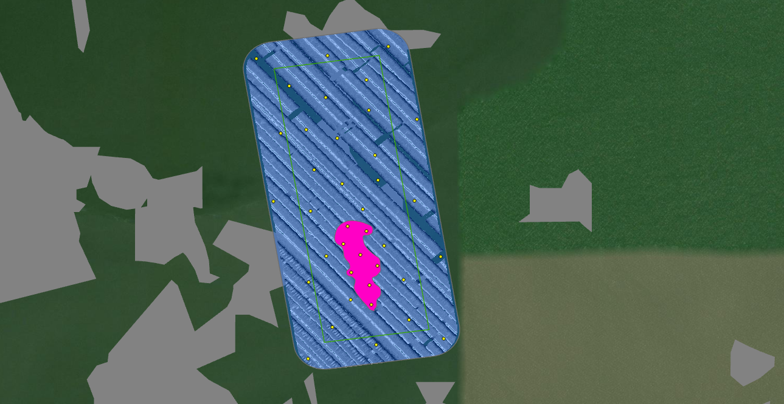
22 | 4 | 29.484521 | -94.748064 | On Reef | WGS 1984
22 | 5 | 29.483505 | -94.747835 | On Reef | WGS 1984
22 | 6 | 29.485102 | -94.74833 | On Reef | WGS 1984
22 | 7 | 29.484158 | -94.748246 | On Reef | WGS 1984
22 | 8 | 29.485005 | -94.747938 | On Reef | WGS 1984
22 | 9 | 29.487002 | -94.749687 | Off Reef | WGS 1984
22 | 10 | 29.486907 | -94.748534 | Off Reef | WGS 1984
22 | 11 | 29.488786 | -94.747495 | Off Reef | WGS 1984
22 | 12 | 29.48708 | -94.749166 | Off Reef | WGS 1984
22 | 13 | 29.488594 | -94.748737 | Off Reef | WGS 1984
22 | 14 | 29.484497 | -94.748766 | Off Reef | WGS 1984
22 | 15 | 29.486558 | -94.74777 | Off Reef | WGS 1984
22 | 16 | 29.48562 | -94.749836 | Off Reef | WGS 1984
22 | 17 | 29.485975 | -94.748438 | Off Reef | WGS 1984
22 | 18 | 29.487296 | -94.746904 | Off Reef | WGS 1984
22 | 19 | 29.487982 | -94.749523 | Off Reef | WGS 1984
22 | 20 | 29.484004 | -94.747181 | Off Reef | WGS 1984
22 | 21 | 29.48304 | -94.748636 | Off Reef | WGS 1984
22 | 22 | 29.482806 | -94.74636 | Off Reef | WGS 1984
22 | 23 | 29.486258 | -94.749012 | Off Reef | WGS 1984
22 | 24 | 29.486052 | -94.747702 | Off Reef | WGS 1984
22 | 25 | 29.483957 | -94.749118 | Off Reef | WGS 1984
22 | 26 | 29.482397 | -94.749134 | Off Reef | WGS 1984
22 | 27 | 29.483599 | -94.748258 | Off Reef | WGS 1984
22 | 28 | 29.485622 | -94.746961 | Off Reef | WGS 1984
22 | 29 | 29.483191 | -94.747074 | Off Reef | WGS 1984
22 | 30 | 29.488094 | -94.747941 | Off Reef | WGS 1984
22 | 31 | 29.485418 | -94.749083 | Off Reef | WGS 1984
22 | 32 | 29.485447 | -94.748013 | Off Reef | WGS 1984
22 | 33 | 29.487483 | -94.747893 | Off Reef | WGS 1984
22 | 34 | 29.488529 | -94.750186 | Off Reef | WGS 1984
22 | 35 | 29.484487 | -94.74642 | Off Reef | WGS 1984
22 | 36 | 29.484709 | -94.747574 | Off Reef | WGS 1984
22 | 37 | 29.482686 | -94.747735 | Off Reef | WGS 1984
22 | 38 | 29.48774 | -94.748778 | Off Reef | WGS 1984

8 (GB34)
App# | Point | Lat | Long | Reef | DATUM | Type | Acreage
8 | 1 | 29.520986 | -94.716275 | On Reef | WGS 1984 | On Reef | 18 | Buffer areas that overlap current existing COL have been removed from sampling.
8 | 2 | 29.522567 | -94.715964 | On Reef | WGS 1984 | Off Reef | 69.4
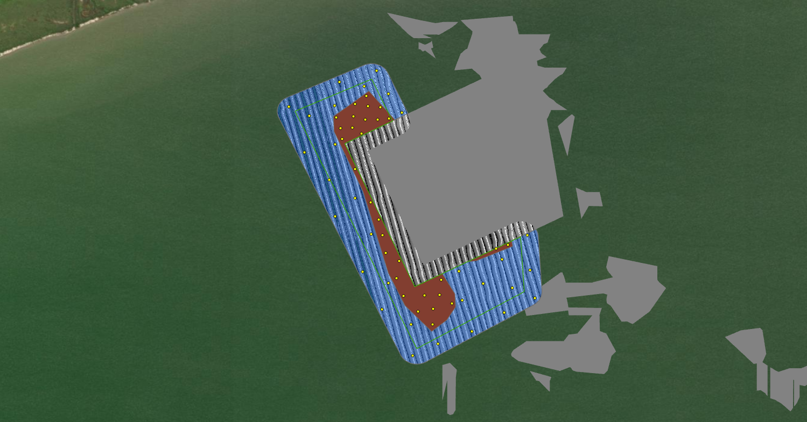
8 | 3 | 29.521547 | -94.716259 | On Reef | WGS 1984
8 | 4 | 29.526499 | -94.719021 | On Reef | WGS 1984
8 | 5 | 29.528259 | -94.718221 | On Reef | WGS 1984
8 | 6 | 29.528704 | -94.718128 | On Reef | WGS 1984
8 | 7 | 29.52353 | -94.717924 | On Reef | WGS 1984
8 | 8 | 29.521449 | -94.716793 | On Reef | WGS 1984
8 | 9 | 29.521727 | -94.715585 | On Reef | WGS 1984
8 | 10 | 29.528293 | -94.717825 | On Reef | WGS 1984
8 | 11 | 29.523689 | -94.714022 | On Reef | WGS 1984
8 | 12 | 29.524719 | -94.718183 | On Reef | WGS 1984
8 | 13 | 29.522008 | -94.717309 | On Reef | WGS 1984
8 | 14 | 29.529097 | -94.718609 | On Reef | WGS 1984
8 | 15 | 29.527762 | -94.718784 | On Reef | WGS 1984
8 | 16 | 29.522038 | -94.716025 | On Reef | WGS 1984
8 | 17 | 29.528817 | -94.719014 | On Reef | WGS 1984
8 | 18 | 29.528336 | -94.719696 | On Reef | WGS 1984
8 | 19 | 29.525325 | -94.71847 | On Reef | WGS 1984
8 | 20 | 29.527567 | -94.719481 | On Reef | WGS 1984
8 | 21 | 29.527978 | -94.719119 | On Reef | WGS 1984
8 | 22 | 29.522624 | -94.717546 | On Reef | WGS 1984
8 | 23 | 29.524151 | -94.718037 | On Reef | WGS 1984
8 | 24 | 29.523247 | -94.71745 | On Reef | WGS 1984
8 | 25 | 29.523809 | -94.713602 | On Reef | WGS 1984
8 | 26 | 29.527961 | -94.719534 | On Reef | WGS 1984
8 | 27 | 29.528269 | -94.718656 | On Reef | WGS 1984
8 | 28 | 29.528741 | -94.718565 | On Reef | WGS 1984
8 | 29 | 29.528385 | -94.719071 | On Reef | WGS 1984
8 | 30 | 29.522013 | -94.716558 | On Reef | WGS 1984
8 | 31 | 29.520293 | -94.71608 | Off Reef | WGS 1984
8 | 32 | 29.528508 | -94.717361 | Off Reef | WGS 1984
8 | 33 | 29.521519 | -94.718072 | Off Reef | WGS 1984
8 | 34 | 29.522912 | -94.712813 | Off Reef | WGS 1984
8 | 35 | 29.529998 | -94.718252 | Off Reef | WGS 1984
8 | 36 | 29.521851 | -94.715223 | Off Reef | WGS 1984
8 | 37 | 29.522451 | -94.717841 | Off Reef | WGS 1984
8 | 38 | 29.529171 | -94.717835 | Off Reef | WGS 1984
8 | 39 | 29.519879 | -94.716976 | Off Reef | WGS 1984
8 | 40 | 29.525476 | -94.719024 | Off Reef | WGS 1984
8 | 41 | 29.526131 | -94.719929 | Off Reef | WGS 1984
8 | 42 | 29.527386 | -94.719725 | Off Reef | WGS 1984
8 | 43 | 29.52099 | -94.717033 | Off Reef | WGS 1984
8 | 44 | 29.524162 | -94.712917 | Off Reef | WGS 1984
8 | 45 | 29.522877 | -94.715334 | Off Reef | WGS 1984
8 | 46 | 29.521919 | -94.712642 | Off Reef | WGS 1984
8 | 47 | 29.529592 | -94.719571 | Off Reef | WGS 1984
8 | 48 | 29.52875 | -94.719751 | Off Reef | WGS 1984
8 | 49 | 29.527097 | -94.720815 | Off Reef | WGS 1984
8 | 50 | 29.522434 | -94.714468 | Off Reef | WGS 1984
8 | 51 | 29.522861 | -94.718759 | Off Reef | WGS 1984
8 | 52 | 29.521405 | -94.713731 | Off Reef | WGS 1984
8 | 53 | 29.523294 | -94.713806 | Off Reef | WGS 1984
8 | 54 | 29.524816 | -94.719719 | Off Reef | WGS 1984
8 | 55 | 29.522279 | -94.713443 | Off Reef | WGS 1984
8 | 56 | 29.524194 | -94.718441 | Off Reef | WGS 1984
8 | 57 | 29.528404 | -94.720644 | Off Reef | WGS 1984
8 | 58 | 29.520735 | -94.714876 | Off Reef | WGS 1984
8 | 59 | 29.528715 | -94.721361 | Off Reef | WGS 1984
8 | 60 | 29.529436 | -94.718688 | Off Reef | WGS 1984

9 (GB19)
App# | Point | Lat | Long | Reef | DATUM | Type | Acreage
9 | 1 | 29.495427 | -94.78946 | On Reef | WGS 1984 | On Reef | 17.7
9 | 2 | 29.493361 | -94.790767 | On Reef | WGS 1984 | Off Reef | 79.5
9 | 3 | 29.495336 | -94.78995 | On Reef | WGS 1984
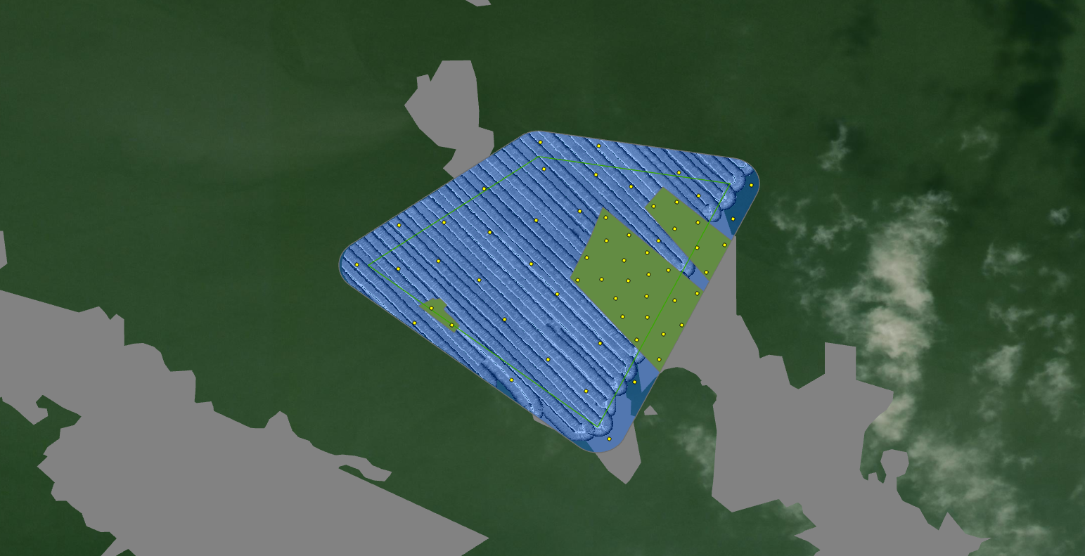
9 | 4 | 29.494992 | -94.789006 | On Reef | WGS 1984
9 | 5 | 29.494601 | -94.790954 | On Reef | WGS 1984
9 | 6 | 29.494346 | -94.79008 | On Reef | WGS 1984
9 | 7 | 29.492044 | -94.789829 | On Reef | WGS 1984
9 | 8 | 29.494172 | -94.790578 | On Reef | WGS 1984
9 | 9 | 29.49472 | -94.790478 | On Reef | WGS 1984
9 | 10 | 29.49247 | -94.790307 | On Reef | WGS 1984
9 | 11 | 29.493459 | -94.789023 | On Reef | WGS 1984
9 | 12 | 29.493865 | -94.790057 | On Reef | WGS 1984
9 | 13 | 29.492963 | -94.790615 | On Reef | WGS 1984
9 | 14 | 29.492784 | -94.794271 | On Reef | WGS 1984
9 | 15 | 29.493402 | -94.790098 | On Reef | WGS 1984
9 | 16 | 29.492955 | -94.790082 | On Reef | WGS 1984
9 | 17 | 29.493146 | -94.794713 | On Reef | WGS 1984
9 | 18 | 29.494851 | -94.789506 | On Reef | WGS 1984
9 | 19 | 29.494442 | -94.789016 | On Reef | WGS 1984
9 | 20 | 29.493753 | -94.791586 | On Reef | WGS 1984
9 | 21 | 29.493918 | -94.788821 | On Reef | WGS 1984
9 | 22 | 29.492586 | -94.789735 | On Reef | WGS 1984
9 | 23 | 29.495095 | -94.790972 | On Reef | WGS 1984
9 | 24 | 29.49373 | -94.790498 | On Reef | WGS 1984
9 | 25 | 29.493762 | -94.791067 | On Reef | WGS 1984
9 | 26 | 29.493318 | -94.7895 | On Reef | WGS 1984
9 | 27 | 29.493959 | -94.789631 | On Reef | WGS 1984
9 | 28 | 29.492783 | -94.789352 | On Reef | WGS 1984
9 | 29 | 29.494504 | -94.788425 | On Reef | WGS 1984
9 | 30 | 29.494232 | -94.791382 | On Reef | WGS 1984
9 | 31 | 29.492052 | -94.792215 | Off Reef | WGS 1984
9 | 32 | 29.491569 | -94.790353 | Off Reef | WGS 1984
9 | 33 | 29.496624 | -94.79113 | Off Reef | WGS 1984
9 | 34 | 29.496139 | -94.792304 | Off Reef | WGS 1984
9 | 35 | 29.493987 | -94.79543 | Off Reef | WGS 1984
9 | 36 | 29.49507 | -94.788244 | Off Reef | WGS 1984
9 | 37 | 29.493747 | -94.793692 | Off Reef | WGS 1984
9 | 38 | 29.495754 | -94.790432 | Off Reef | WGS 1984
9 | 39 | 29.49283 | -94.795071 | Off Reef | WGS 1984
9 | 40 | 29.493456 | -94.792014 | Off Reef | WGS 1984
9 | 41 | 29.496006 | -94.791183 | Off Reef | WGS 1984
9 | 42 | 29.495713 | -94.793582 | Off Reef | WGS 1984
9 | 43 | 29.49409 | -94.792578 | Off Reef | WGS 1984
9 | 44 | 29.49492 | -94.795409 | Off Reef | WGS 1984
9 | 45 | 29.491607 | -94.792997 | Off Reef | WGS 1984
9 | 46 | 29.494161 | -94.794567 | Off Reef | WGS 1984
9 | 47 | 29.495792 | -94.78786 | Off Reef | WGS 1984
9 | 48 | 29.495221 | -94.791539 | Off Reef | WGS 1984
9 | 49 | 29.492907 | -94.793142 | Off Reef | WGS 1984
9 | 50 | 29.490351 | -94.790895 | Off Reef | WGS 1984
9 | 51 | 29.494088 | -94.796316 | Off Reef | WGS 1984
9 | 52 | 29.496057 | -94.789408 | Off Reef | WGS 1984
9 | 53 | 29.495562 | -94.788979 | Off Reef | WGS 1984
9 | 54 | 29.49498 | -94.794446 | Off Reef | WGS 1984
9 | 55 | 29.494602 | -94.789852 | Off Reef | WGS 1984
9 | 56 | 29.491376 | -94.791393 | Off Reef | WGS 1984
9 | 57 | 29.495029 | -94.792464 | Off Reef | WGS 1984
9 | 58 | 29.496707 | -94.792377 | Off Reef | WGS 1984
9 | 59 | 29.494779 | -94.793463 | Off Reef | WGS 1984
9 | 60 | 29.4924 | -94.7911 | Off Reef | WGS 1984

15 (GB17)
App# | Point | Lat | Long | Reef | DATUM | Type | Acreage
15 | 1 | 29.515892 | -94.813103 | On Reef | WGS 1984 | On Reef | 19.03
15 | 2 | 29.516224 | -94.813976 | On Reef | WGS 1984 | Off Reef | 64.8
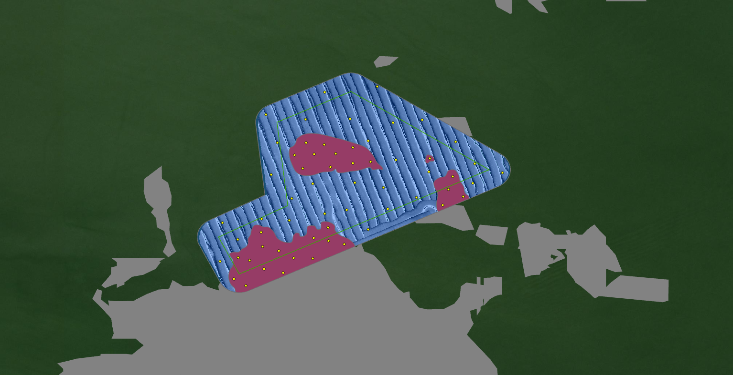
15 | 3 | 29.516071 | -94.812605 | On Reef | WGS 1984
15 | 4 | 29.512495 | -94.815227 | On Reef | WGS 1984
15 | 5 | 29.515493 | -94.813266 | On Reef | WGS 1984
15 | 6 | 29.512369 | -94.81465 | On Reef | WGS 1984
15 | 7 | 29.512817 | -94.814347 | On Reef | WGS 1984
15 | 8 | 29.514841 | -94.809788 | On Reef | WGS 1984
15 | 9 | 29.513407 | -94.813759 | On Reef | WGS 1984
15 | 10 | 29.516157 | -94.813445 | On Reef | WGS 1984
15 | 11 | 29.515874 | -94.813745 | On Reef | WGS 1984
15 | 12 | 29.51199 | -94.815757 | On Reef | WGS 1984
15 | 13 | 29.513315 | -94.813324 | On Reef | WGS 1984
15 | 14 | 29.513146 | -94.815259 | On Reef | WGS 1984
15 | 15 | 29.512828 | -94.815985 | On Reef | WGS 1984
15 | 16 | 29.513713 | -94.813335 | On Reef | WGS 1984
15 | 17 | 29.515649 | -94.812088 | On Reef | WGS 1984
15 | 18 | 29.515461 | -94.814074 | On Reef | WGS 1984
15 | 19 | 29.513571 | -94.815309 | On Reef | WGS 1984
15 | 20 | 29.513213 | -94.812861 | On Reef | WGS 1984
15 | 21 | 29.515213 | -94.809657 | On Reef | WGS 1984
15 | 22 | 29.512737 | -94.815641 | On Reef | WGS 1984
15 | 23 | 29.512189 | -94.816102 | On Reef | WGS 1984
15 | 24 | 29.514627 | -94.809359 | On Reef | WGS 1984
15 | 25 | 29.512793 | -94.813778 | On Reef | WGS 1984
15 | 26 | 29.515751 | -94.81034 | On Reef | WGS 1984
15 | 27 | 29.51303 | -94.814782 | On Reef | WGS 1984
15 | 28 | 29.514371 | -94.809958 | On Reef | WGS 1984
15 | 29 | 29.515845 | -94.814317 | On Reef | WGS 1984
15 | 30 | 29.515606 | -94.812607 | On Reef | WGS 1984
15 | 31 | 29.51366 | -94.812147 | Off Reef | WGS 1984
15 | 32 | 29.516252 | -94.809584 | Off Reef | WGS 1984
15 | 33 | 29.516889 | -94.810565 | Off Reef | WGS 1984
15 | 34 | 29.514896 | -94.811699 | Off Reef | WGS 1984
15 | 35 | 29.51392 | -94.814472 | Off Reef | WGS 1984
15 | 36 | 29.514267 | -94.811578 | Off Reef | WGS 1984
15 | 37 | 29.515717 | -94.811338 | Off Reef | WGS 1984
15 | 38 | 29.516276 | -94.812147 | Off Reef | WGS 1984
15 | 39 | 29.513847 | -94.816442 | Off Reef | WGS 1984
15 | 40 | 29.515033 | -94.812546 | Off Reef | WGS 1984
15 | 41 | 29.515599 | -94.809016 | Off Reef | WGS 1984
15 | 42 | 29.516906 | -94.813996 | Off Reef | WGS 1984
15 | 43 | 29.512711 | -94.816508 | Off Reef | WGS 1984
15 | 44 | 29.516805 | -94.811427 | Off Reef | WGS 1984
15 | 45 | 29.513361 | -94.815989 | Off Reef | WGS 1984
15 | 46 | 29.514114 | -94.813428 | Off Reef | WGS 1984
15 | 47 | 29.515011 | -94.81379 | Off Reef | WGS 1984
15 | 48 | 29.517876 | -94.811891 | Off Reef | WGS 1984
15 | 49 | 29.51622 | -94.814825 | Off Reef | WGS 1984
15 | 50 | 29.515353 | -94.810367 | Off Reef | WGS 1984
15 | 51 | 29.515024 | -94.809065 | Off Reef | WGS 1984
15 | 52 | 29.517053 | -94.815166 | Off Reef | WGS 1984
15 | 53 | 29.515324 | -94.808196 | Off Reef | WGS 1984
15 | 54 | 29.517712 | -94.813433 | Off Reef | WGS 1984
15 | 55 | 29.51423 | -94.812779 | Off Reef | WGS 1984
15 | 56 | 29.514602 | -94.810727 | Off Reef | WGS 1984
15 | 57 | 29.515272 | -94.815015 | Off Reef | WGS 1984
15 | 58 | 29.514572 | -94.814408 | Off Reef | WGS 1984
15 | 59 | 29.513969 | -94.815296 | Off Reef | WGS 1984
15 | 60 | 29.516921 | -94.812691 | Off Reef | WGS 1984

14 (GB15)
App# | Point | Lat | Long | Reef | DATUM | Type | Acreage
14 | 1 | 29.54883 | -94.805178 | On Reef | WGS 1984 | On Reef | 17.2
14 | 2 | 29.548491 | -94.80745 | On Reef | WGS 1984 | Off Reef | 41.5
14 | 3 | 29.547284 | -94.805149 | On Reef | WGS 1984
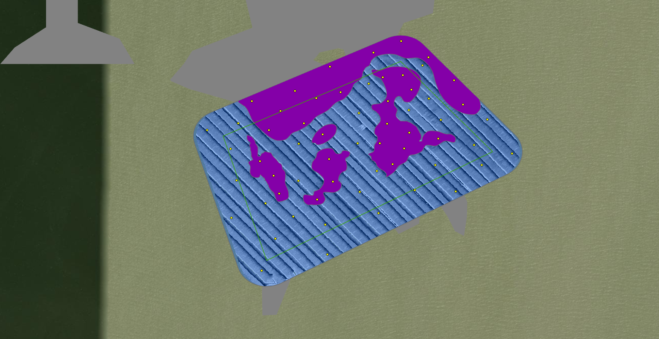
14 | 4 | 29.548468 | -94.806487 | On Reef | WGS 1984
14 | 5 | 29.548345 | -94.807005 | On Reef | WGS 1984
14 | 6 | 29.547386 | -94.805664 | On Reef | WGS 1984
14 | 7 | 29.548523 | -94.804998 | On Reef | WGS 1984
14 | 8 | 29.548716 | -94.804095 | On Reef | WGS 1984
14 | 9 | 29.54955 | -94.805215 | On Reef | WGS 1984
14 | 10 | 29.546947 | -94.805387 | On Reef | WGS 1984
14 | 11 | 29.546702 | -94.807905 | On Reef | WGS 1984
14 | 12 | 29.548784 | -94.805599 | On Reef | WGS 1984
14 | 13 | 29.547805 | -94.805507 | On Reef | WGS 1984
14 | 14 | 29.548068 | -94.807757 | On Reef | WGS 1984
14 | 15 | 29.549006 | -94.806714 | On Reef | WGS 1984
14 | 16 | 29.547617 | -94.805039 | On Reef | WGS 1984
14 | 17 | 29.54749 | -94.804426 | On Reef | WGS 1984
14 | 18 | 29.547009 | -94.808195 | On Reef | WGS 1984
14 | 19 | 29.54705 | -94.80673 | On Reef | WGS 1984
14 | 20 | 29.546199 | -94.806981 | On Reef | WGS 1984
14 | 21 | 29.547807 | -94.807263 | On Reef | WGS 1984
14 | 22 | 29.548276 | -94.808365 | On Reef | WGS 1984
14 | 23 | 29.546327 | -94.807786 | On Reef | WGS 1984
14 | 24 | 29.548277 | -94.805493 | On Reef | WGS 1984
14 | 25 | 29.549209 | -94.804632 | On Reef | WGS 1984
14 | 26 | 29.548205 | -94.803903 | On Reef | WGS 1984
14 | 27 | 29.549305 | -94.805792 | On Reef | WGS 1984
14 | 28 | 29.546574 | -94.806653 | On Reef | WGS 1984
14 | 29 | 29.547573 | -94.806865 | On Reef | WGS 1984
14 | 30 | 29.547663 | -94.807999 | On Reef | WGS 1984
14 | 31 | 29.548086 | -94.805045 | Off Reef | WGS 1984
14 | 32 | 29.546606 | -94.808689 | Off Reef | WGS 1984
14 | 33 | 29.548337 | -94.804627 | Off Reef | WGS 1984
14 | 34 | 29.548647 | -94.805894 | Off Reef | WGS 1984
14 | 35 | 29.545368 | -94.807867 | Off Reef | WGS 1984
14 | 36 | 29.547662 | -94.809305 | Off Reef | WGS 1984
14 | 37 | 29.546924 | -94.803507 | Off Reef | WGS 1984
14 | 38 | 29.547889 | -94.803396 | Off Reef | WGS 1984
14 | 39 | 29.546928 | -94.804487 | Off Reef | WGS 1984
14 | 40 | 29.547812 | -94.808647 | Off Reef | WGS 1984
14 | 41 | 29.547354 | -94.803675 | Off Reef | WGS 1984
14 | 42 | 29.54717 | -94.802866 | Off Reef | WGS 1984
14 | 43 | 29.544691 | -94.808156 | Off Reef | WGS 1984
14 | 44 | 29.546591 | -94.807383 | Off Reef | WGS 1984
14 | 45 | 29.546356 | -94.806085 | Off Reef | WGS 1984
14 | 46 | 29.547382 | -94.807374 | Off Reef | WGS 1984
14 | 47 | 29.547883 | -94.804373 | Off Reef | WGS 1984
14 | 48 | 29.545913 | -94.805685 | Off Reef | WGS 1984
14 | 49 | 29.549032 | -94.804757 | Off Reef | WGS 1984
14 | 50 | 29.545666 | -94.806814 | Off Reef | WGS 1984
14 | 51 | 29.545813 | -94.808799 | Off Reef | WGS 1984
14 | 52 | 29.546394 | -94.804925 | Off Reef | WGS 1984
14 | 53 | 29.545839 | -94.807491 | Off Reef | WGS 1984
14 | 54 | 29.546806 | -94.805723 | Off Reef | WGS 1984
14 | 55 | 29.546367 | -94.804056 | Off Reef | WGS 1984
14 | 56 | 29.546121 | -94.80807 | Off Reef | WGS 1984
14 | 57 | 29.548027 | -94.806101 | Off Reef | WGS 1984
14 | 58 | 29.545039 | -94.806771 | Off Reef | WGS 1984
14 | 59 | 29.547268 | -94.808817 | Off Reef | WGS 1984
14 | 60 | 29.547386 | -94.806132 | Off Reef | WGS 1984

