26 (GB 25-28)
App# | Point | Lat | Long | Reef | DATUM | Type | Acreage
26 | 1 | 29.488575 | -94.724912 | On Reef | WGS 1984 | On Reef | 99.9 | Buffer areas that overlap current existing COL have been removed from sampling.
26 | 2 | 29.485427 | -94.728956 | On Reef | WGS 1984 | Off Reef | 32.1
26 | 3 | 29.489444 | -94.728331 | On Reef | WGS 1984
26 | 4 | 29.489279 | -94.72762 | On Reef | WGS 1984
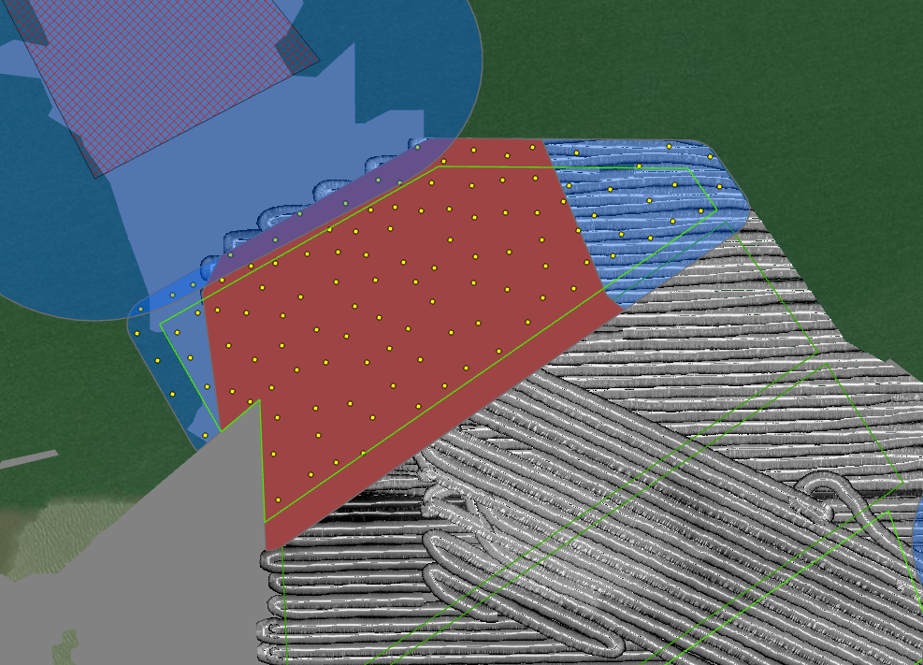
26 | 5 | 29.487368 | -94.729137 | On Reef | WGS 1984
26 | 6 | 29.489475 | -94.725574 | On Reef | WGS 1984
26 | 7 | 29.488266 | -94.729961 | On Reef | WGS 1984
26 | 8 | 29.487911 | -94.726709 | On Reef | WGS 1984
26 | 9 | 29.486555 | -94.728663 | On Reef | WGS 1984
26 | 10 | 29.49088 | -94.728088 | On Reef | WGS 1984
26 | 11 | 29.489745 | -94.73009 | On Reef | WGS 1984
26 | 12 | 29.487404 | -94.72731 | On Reef | WGS 1984
26 | 13 | 29.487354 | -94.728333 | On Reef | WGS 1984
26 | 14 | 29.490138 | -94.726232 | On Reef | WGS 1984
26 | 15 | 29.488972 | -94.731123 | On Reef | WGS 1984
26 | 16 | 29.489886 | -94.728536 | On Reef | WGS 1984
26 | 17 | 29.490309 | -94.726719 | On Reef | WGS 1984
26 | 18 | 29.490755 | -94.726283 | On Reef | WGS 1984
26 | 19 | 29.491451 | -94.726232 | On Reef | WGS 1984
26 | 20 | 29.489166 | -94.727012 | On Reef | WGS 1984
26 | 21 | 29.486618 | -94.730599 | On Reef | WGS 1984
26 | 22 | 29.490312 | -94.728247 | On Reef | WGS 1984
26 | 23 | 29.489186 | -94.724864 | On Reef | WGS 1984
26 | 24 | 29.488914 | -94.728924 | On Reef | WGS 1984
26 | 25 | 29.487416 | -94.730504 | On Reef | WGS 1984
26 | 26 | 29.491234 | -94.726814 | On Reef | WGS 1984
26 | 27 | 29.486498 | -94.727338 | On Reef | WGS 1984
26 | 28 | 29.488105 | -94.725217 | On Reef | WGS 1984
26 | 29 | 29.488628 | -94.729603 | On Reef | WGS 1984
26 | 30 | 29.490435 | -94.728724 | On Reef | WGS 1984
26 | 31 | 29.487221 | -94.726419 | On Reef | WGS 1984
26 | 32 | 29.488324 | -94.730662 | On Reef | WGS 1984
26 | 33 | 29.489381 | -94.726214 | On Reef | WGS 1984
26 | 34 | 29.486904 | -94.72783 | On Reef | WGS 1984
26 | 35 | 29.489285 | -94.7301 | On Reef | WGS 1984
26 | 36 | 29.488087 | -94.726182 | On Reef | WGS 1984
26 | 37 | 29.487549 | -94.725775 | On Reef | WGS 1984
26 | 38 | 29.488754 | -94.724312 | On Reef | WGS 1984
26 | 39 | 29.48594 | -94.729295 | On Reef | WGS 1984
26 | 40 | 29.484704 | -94.730084 | On Reef | WGS 1984
26 | 41 | 29.490891 | -94.725049 | On Reef | WGS 1984
26 | 42 | 29.490864 | -94.72568 | On Reef | WGS 1984
26 | 43 | 29.487863 | -94.728728 | On Reef | WGS 1984
26 | 44 | 29.490435 | -94.724509 | On Reef | WGS 1984
26 | 45 | 29.489487 | -94.728881 | On Reef | WGS 1984
26 | 46 | 29.486878 | -94.730184 | On Reef | WGS 1984
26 | 47 | 29.487997 | -94.729309 | On Reef | WGS 1984
26 | 48 | 29.488952 | -94.728168 | On Reef | WGS 1984
26 | 49 | 29.490234 | -94.729619 | On Reef | WGS 1984
26 | 50 | 29.490346 | -94.727767 | On Reef | WGS 1984
26 | 51 | 29.489714 | -94.726698 | On Reef | WGS 1984
26 | 52 | 29.490283 | -94.727264 | On Reef | WGS 1984
26 | 53 | 29.486288 | -94.728229 | On Reef | WGS 1984
26 | 54 | 29.488227 | -94.728097 | On Reef | WGS 1984
26 | 55 | 29.488436 | -94.728566 | On Reef | WGS 1984
26 | 56 | 29.486888 | -94.726838 | On Reef | WGS 1984
26 | 57 | 29.488824 | -94.730353 | On Reef | WGS 1984
26 | 58 | 29.490816 | -94.727058 | On Reef | WGS 1984
26 | 59 | 29.486295 | -94.730089 | On Reef | WGS 1984
26 | 60 | 29.485603 | -94.72843 | On Reef | WGS 1984
26 | 61 | 29.488907 | -94.72739 | On Reef | WGS 1984
26 | 62 | 29.487694 | -94.729973 | On Reef | WGS 1984
26 | 63 | 29.490232 | -94.725639 | On Reef | WGS 1984
26 | 64 | 29.488395 | -94.731229 | On Reef | WGS 1984
26 | 65 | 29.491497 | -94.725104 | On Reef | WGS 1984
26 | 66 | 29.48923 | -94.730572 | On Reef | WGS 1984
26 | 67 | 29.485592 | -94.730153 | On Reef | WGS 1984
26 | 68 | 29.489931 | -94.729036 | On Reef | WGS 1984
26 | 69 | 29.486465 | -94.729335 | On Reef | WGS 1984
26 | 70 | 29.48681 | -94.730946 | On Reef | WGS 1984
26 | 71 | 29.488003 | -94.727538 | On Reef | WGS 1984
26 | 72 | 29.489703 | -94.72492 | On Reef | WGS 1984
26 | 73 | 29.489873 | -94.724225 | On Reef | WGS 1984
26 | 74 | 29.485189 | -94.729439 | On Reef | WGS 1984
26 | 75 | 29.49022 | -94.725025 | On Reef | WGS 1984
26 | 76 | 29.488514 | -94.727058 | On Reef | WGS 1984
26 | 77 | 29.491519 | -94.727331 | On Reef | WGS 1984
26 | 78 | 29.490824 | -94.727666 | On Reef | WGS 1984
26 | 79 | 29.491339 | -94.725586 | On Reef | WGS 1984
26 | 80 | 29.48722 | -94.729693 | On Reef | WGS 1984
26 | 81 | 29.487694 | -94.731009 | On Reef | WGS 1984
26 | 82 | 29.488742 | -94.72561 | On Reef | WGS 1984
26 | 83 | 29.489938 | -94.727856 | On Reef | WGS 1984
26 | 84 | 29.487613 | -94.727893 | On Reef | WGS 1984
26 | 85 | 29.489253 | -94.724071 | On Reef | WGS 1984
26 | 86 | 29.489458 | -94.729481 | On Reef | WGS 1984
26 | 87 | 29.489455 | -94.730966 | On Reef | WGS 1984
26 | 88 | 29.488869 | -94.726258 | On Reef | WGS 1984
26 | 89 | 29.490031 | -94.722399 | Off Reef | WGS 1984
26 | 90 | 29.490745 | -94.724391 | Off Reef | WGS 1984
26 | 91 | 29.49044 | -94.722833 | Off Reef | WGS 1984
26 | 92 | 29.487945 | -94.732794 | Off Reef | WGS 1984
26 | 93 | 29.490659 | -94.723596 | Off Reef | WGS 1984
26 | 94 | 29.491383 | -94.724254 | Off Reef | WGS 1984
26 | 95 | 29.489803 | -94.723385 | Off Reef | WGS 1984
26 | 96 | 29.486764 | -94.732109 | Off Reef | WGS 1984
26 | 97 | 29.487954 | -94.732002 | Off Reef | WGS 1984
26 | 98 | 29.487414 | -94.732396 | Off Reef | WGS 1984
26 | 99 | 29.488888 | -94.731688 | Off Reef | WGS 1984
26 | 100 | 29.490696 | -94.721486 | Off Reef | WGS 1984
26 | 101 | 29.489374 | -94.723549 | Off Reef | WGS 1984
26 | 102 | 29.490739 | -94.722353 | Off Reef | WGS 1984
26 | 103 | 29.488688 | -94.732099 | Off Reef | WGS 1984
26 | 104 | 29.485957 | -94.73148 | Off Reef | WGS 1984
26 | 105 | 29.486898 | -94.731444 | Off Reef | WGS 1984
26 | 106 | 29.488336 | -94.731611 | Off Reef | WGS 1984
26 | 107 | 29.489709 | -94.722834 | Off Reef | WGS 1984
26 | 108 | 29.487471 | -94.731752 | Off Reef | WGS 1984
26 | 109 | 29.490242 | -94.721852 | Off Reef | WGS 1984
26 | 110 | 29.491494 | -94.722444 | Off Reef | WGS 1984
26 | 111 | 29.490156 | -94.723906 | Off Reef | WGS 1984
26 | 112 | 29.491113 | -94.723035 | Off Reef | WGS 1984
26 | 113 | 29.488415 | -94.732715 | Off Reef | WGS 1984
26 | 114 | 29.491277 | -94.721648 | Off Reef | WGS 1984

108 (GB25-28)
App# | Point | Lat | Long | Reef | DATUM | Type | Acreage
108 | 1 | 29.484153 | -94.727719 | On Reef | WGS 1984 | On Reef | 107.6 | Buffer areas that overlap current existing COL have been removed from sampling.
108 | 2 | 29.483224 | -94.7265 | On Reef | WGS 1984 | Off Reef | 31.7
108 | 3 | 29.480896 | -94.730061 | On Reef | WGS 1984
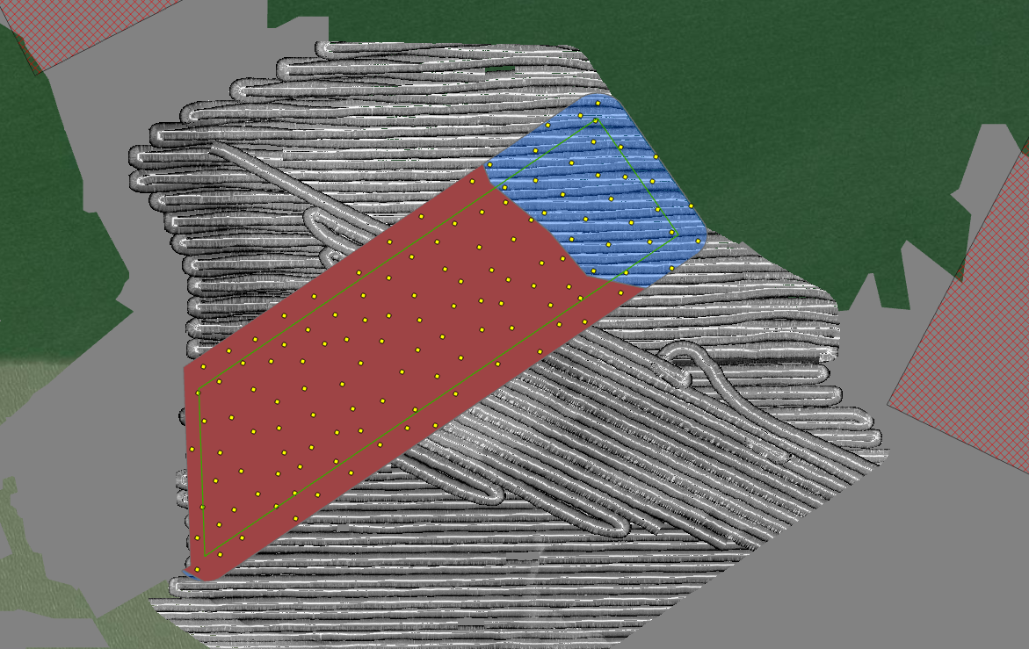
108 | 4 | 29.485206 | -94.728799 | On Reef | WGS 1984
108 | 5 | 29.487981 | -94.723872 | On Reef | WGS 1984
108 | 6 | 29.48424 | -94.726894 | On Reef | WGS 1984
108 | 7 | 29.481571 | -94.729948 | On Reef | WGS 1984
108 | 8 | 29.487342 | -94.724846 | On Reef | WGS 1984
108 | 9 | 29.484057 | -94.730027 | On Reef | WGS 1984
108 | 10 | 29.48412 | -94.72883 | On Reef | WGS 1984
108 | 11 | 29.481881 | -94.727933 | On Reef | WGS 1984
108 | 12 | 29.482867 | -94.727565 | On Reef | WGS 1984
108 | 13 | 29.48334 | -94.724883 | On Reef | WGS 1984
108 | 14 | 29.485277 | -94.724728 | On Reef | WGS 1984
108 | 15 | 29.486167 | -94.726441 | On Reef | WGS 1984
108 | 16 | 29.483191 | -94.727009 | On Reef | WGS 1984
108 | 17 | 29.487895 | -94.725194 | On Reef | WGS 1984
108 | 18 | 29.482747 | -94.728161 | On Reef | WGS 1984
108 | 19 | 29.487006 | -94.725397 | On Reef | WGS 1984
108 | 20 | 29.480891 | -94.729077 | On Reef | WGS 1984
108 | 21 | 29.482353 | -94.729102 | On Reef | WGS 1984
108 | 22 | 29.48635 | -94.721979 | On Reef | WGS 1984
108 | 23 | 29.484946 | -94.722616 | On Reef | WGS 1984
108 | 24 | 29.485428 | -94.723876 | On Reef | WGS 1984
108 | 25 | 29.484691 | -94.726507 | On Reef | WGS 1984
108 | 26 | 29.484729 | -94.727759 | On Reef | WGS 1984
108 | 27 | 29.485987 | -94.723452 | On Reef | WGS 1984
108 | 28 | 29.48352 | -94.729316 | On Reef | WGS 1984
108 | 29 | 29.487216 | -94.723929 | On Reef | WGS 1984
108 | 30 | 29.48564 | -94.726404 | On Reef | WGS 1984
108 | 31 | 29.483678 | -94.725324 | On Reef | WGS 1984
108 | 32 | 29.483201 | -94.728834 | On Reef | WGS 1984
108 | 33 | 29.487383 | -94.723172 | On Reef | WGS 1984
108 | 34 | 29.486473 | -94.724331 | On Reef | WGS 1984
108 | 35 | 29.481581 | -94.72834 | On Reef | WGS 1984
108 | 36 | 29.482138 | -94.729644 | On Reef | WGS 1984
108 | 37 | 29.482758 | -94.729555 | On Reef | WGS 1984
108 | 38 | 29.485101 | -94.728158 | On Reef | WGS 1984
108 | 39 | 29.482554 | -94.727046 | On Reef | WGS 1984
108 | 40 | 29.484626 | -94.729926 | On Reef | WGS 1984
108 | 41 | 29.484971 | -94.729372 | On Reef | WGS 1984
108 | 42 | 29.486141 | -94.727514 | On Reef | WGS 1984
108 | 43 | 29.484817 | -94.724319 | On Reef | WGS 1984
108 | 44 | 29.484415 | -94.724838 | On Reef | WGS 1984
108 | 45 | 29.48293 | -94.726081 | On Reef | WGS 1984
108 | 46 | 29.486749 | -94.72467 | On Reef | WGS 1984
108 | 47 | 29.486219 | -94.720849 | On Reef | WGS 1984
108 | 48 | 29.484671 | -94.723528 | On Reef | WGS 1984
108 | 49 | 29.484984 | -94.72526 | On Reef | WGS 1984
108 | 50 | 29.484695 | -94.72907 | On Reef | WGS 1984
108 | 51 | 29.483853 | -94.728314 | On Reef | WGS 1984
108 | 52 | 29.487727 | -94.724466 | On Reef | WGS 1984
108 | 53 | 29.483285 | -94.725489 | On Reef | WGS 1984
108 | 54 | 29.484735 | -94.728453 | On Reef | WGS 1984
108 | 55 | 29.48573 | -94.728167 | On Reef | WGS 1984
108 | 56 | 29.486378 | -94.722739 | On Reef | WGS 1984
108 | 57 | 29.485641 | -94.725214 | On Reef | WGS 1984
108 | 58 | 29.486056 | -94.723896 | On Reef | WGS 1984
108 | 59 | 29.48185 | -94.728745 | On Reef | WGS 1984
108 | 60 | 29.483446 | -94.729907 | On Reef | WGS 1984
108 | 61 | 29.486974 | -94.722103 | On Reef | WGS 1984
108 | 62 | 29.485592 | -94.721636 | On Reef | WGS 1984
108 | 63 | 29.482315 | -94.726705 | On Reef | WGS 1984
108 | 64 | 29.485542 | -94.722188 | On Reef | WGS 1984
108 | 65 | 29.485206 | -94.726801 | On Reef | WGS 1984
108 | 66 | 29.481513 | -94.729253 | On Reef | WGS 1984
108 | 67 | 29.483571 | -94.727538 | On Reef | WGS 1984
108 | 68 | 29.48022 | -94.730057 | On Reef | WGS 1984
108 | 69 | 29.485124 | -94.727283 | On Reef | WGS 1984
108 | 70 | 29.483881 | -94.726032 | On Reef | WGS 1984
108 | 71 | 29.485744 | -94.727061 | On Reef | WGS 1984
108 | 72 | 29.481831 | -94.727432 | On Reef | WGS 1984
108 | 73 | 29.486556 | -94.725885 | On Reef | WGS 1984
108 | 74 | 29.482294 | -94.728298 | On Reef | WGS 1984
108 | 75 | 29.481316 | -94.727924 | On Reef | WGS 1984
108 | 76 | 29.485724 | -94.725892 | On Reef | WGS 1984
108 | 77 | 29.486715 | -94.723657 | On Reef | WGS 1984
108 | 78 | 29.485179 | -94.726049 | On Reef | WGS 1984
108 | 79 | 29.487341 | -94.725871 | On Reef | WGS 1984
108 | 80 | 29.486176 | -94.725339 | On Reef | WGS 1984
108 | 81 | 29.480536 | -94.729552 | On Reef | WGS 1984
108 | 82 | 29.484297 | -94.729578 | On Reef | WGS 1984
108 | 83 | 29.485944 | -94.724478 | On Reef | WGS 1984
108 | 84 | 29.482438 | -94.727812 | On Reef | WGS 1984
108 | 85 | 29.484022 | -94.724448 | On Reef | WGS 1984
108 | 86 | 29.48819 | -94.723353 | On Reef | WGS 1984
108 | 87 | 29.484498 | -94.7256 | On Reef | WGS 1984
108 | 88 | 29.486668 | -94.726546 | On Reef | WGS 1984
108 | 89 | 29.485964 | -94.72237 | On Reef | WGS 1984
108 | 90 | 29.483295 | -94.728277 | On Reef | WGS 1984
108 | 91 | 29.486506 | -94.723294 | On Reef | WGS 1984
108 | 92 | 29.485427 | -94.727641 | On Reef | WGS 1984
108 | 93 | 29.483709 | -94.726674 | On Reef | WGS 1984
108 | 94 | 29.486883 | -94.722574 | On Reef | WGS 1984
108 | 95 | 29.488656 | -94.724077 | On Reef | WGS 1984
108 | 96 | 29.48547 | -94.723227 | On Reef | WGS 1984
108 | 97 | 29.48118 | -94.729578 | On Reef | WGS 1984
108 | 98 | 29.487816 | -94.722807 | On Reef | WGS 1984
108 | 99 | 29.482831 | -94.730167 | On Reef | WGS 1984
108 | 100 | 29.48612 | -94.721723 | On Reef | WGS 1984
108 | 101 | 29.48901 | -94.723704 | Off Reef | WGS 1984
108 | 102 | 29.489052 | -94.721924 | Off Reef | WGS 1984
108 | 103 | 29.489318 | -94.722713 | Off Reef | WGS 1984
108 | 104 | 29.487549 | -94.719741 | Off Reef | WGS 1984
108 | 105 | 29.487346 | -94.719178 | Off Reef | WGS 1984
108 | 106 | 29.488518 | -94.723381 | Off Reef | WGS 1984
108 | 107 | 29.488665 | -94.722696 | Off Reef | WGS 1984
108 | 108 | 29.490342 | -94.721351 | Off Reef | WGS 1984
108 | 109 | 29.487284 | -94.721114 | Off Reef | WGS 1984
108 | 110 | 29.487396 | -94.72192 | Off Reef | WGS 1984
108 | 111 | 29.488641 | -94.72016 | Off Reef | WGS 1984
108 | 112 | 29.487333 | -94.720221 | Off Reef | WGS 1984
108 | 113 | 29.486662 | -94.720744 | Off Reef | WGS 1984
108 | 114 | 29.486755 | -94.719737 | Off Reef | WGS 1984
108 | 115 | 29.489957 | -94.721401 | Off Reef | WGS 1984
108 | 116 | 29.489402 | -94.720844 | Off Reef | WGS 1984
108 | 117 | 29.490083 | -94.721728 | Off Reef | WGS 1984
108 | 118 | 29.488788 | -94.721348 | Off Reef | WGS 1984
108 | 119 | 29.488112 | -94.719334 | Off Reef | WGS 1984
108 | 120 | 29.488043 | -94.720047 | Off Reef | WGS 1984
108 | 121 | 29.48874 | -94.72076 | Off Reef | WGS 1984
108 | 122 | 29.486712 | -94.721447 | Off Reef | WGS 1984
108 | 123 | 29.48918 | -94.720092 | Off Reef | WGS 1984
108 | 124 | 29.489867 | -94.722446 | Off Reef | WGS 1984
108 | 125 | 29.487749 | -94.720614 | Off Reef | WGS 1984
108 | 126 | 29.488358 | -94.722111 | Off Reef | WGS 1984
108 | 127 | 29.488268 | -94.721062 | Off Reef | WGS 1984
108 | 128 | 29.489507 | -94.721448 | Off Reef | WGS 1984
108 | 129 | 29.487826 | -94.72162 | Off Reef | WGS 1984
108 | 130 | 29.487955 | -94.722512 | Off Reef | WGS 1984

16 (GB 25-28)
App# | Point | Lat | Long | Reef | DATUM | Type | Acreage
16 | 1 | 29.484893 | -94.719557 | On Reef | WGS 1984 | On Reef | 126.2 | Buffer areas that overlap current existing COL have been removed from sampling.
16 | 2 | 29.48377 | -94.723076 | On Reef | WGS 1984 | Off Reef | 18
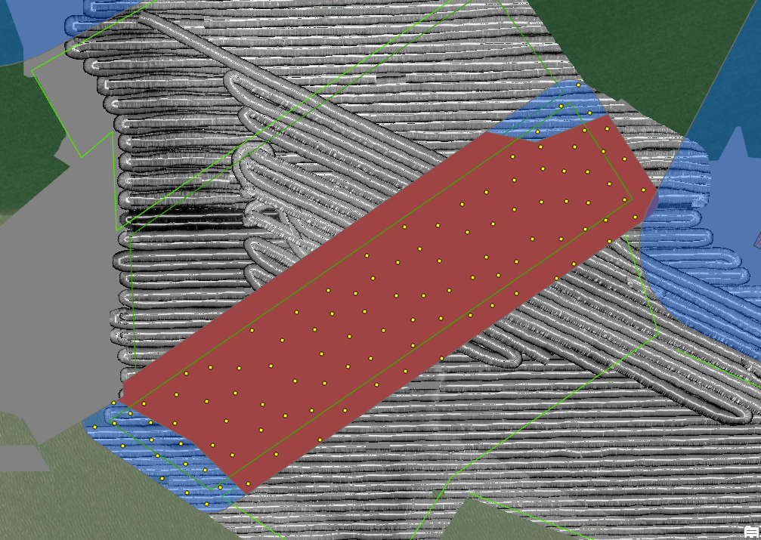
16 | 3 | 29.483451 | -94.720763 | On Reef | WGS 1984
16 | 4 | 29.485409 | -94.720793 | On Reef | WGS 1984
16 | 5 | 29.484701 | -94.720809 | On Reef | WGS 1984
16 | 6 | 29.480976 | -94.728122 | On Reef | WGS 1984
16 | 7 | 29.482109 | -94.722583 | On Reef | WGS 1984
16 | 8 | 29.479681 | -94.72774 | On Reef | WGS 1984
16 | 9 | 29.484302 | -94.723436 | On Reef | WGS 1984
16 | 10 | 29.478871 | -94.72761 | On Reef | WGS 1984
16 | 11 | 29.480358 | -94.727519 | On Reef | WGS 1984
16 | 12 | 29.480521 | -94.724133 | On Reef | WGS 1984
16 | 13 | 29.481854 | -94.725607 | On Reef | WGS 1984
16 | 14 | 29.480635 | -94.726088 | On Reef | WGS 1984
16 | 15 | 29.478889 | -94.726553 | On Reef | WGS 1984
16 | 16 | 29.485299 | -94.71852 | On Reef | WGS 1984
16 | 17 | 29.481696 | -94.724782 | On Reef | WGS 1984
16 | 18 | 29.484854 | -94.719036 | On Reef | WGS 1984
16 | 19 | 29.47817 | -94.727225 | On Reef | WGS 1984
16 | 20 | 29.484218 | -94.719099 | On Reef | WGS 1984
16 | 21 | 29.481849 | -94.727114 | On Reef | WGS 1984
16 | 22 | 29.47993 | -94.725698 | On Reef | WGS 1984
16 | 23 | 29.485965 | -94.720822 | On Reef | WGS 1984
16 | 24 | 29.485904 | -94.718141 | On Reef | WGS 1984
16 | 25 | 29.480976 | -94.724814 | On Reef | WGS 1984
16 | 26 | 29.482794 | -94.72527 | On Reef | WGS 1984
16 | 27 | 29.480839 | -94.723437 | On Reef | WGS 1984
16 | 28 | 29.484493 | -94.717902 | On Reef | WGS 1984
16 | 29 | 29.480322 | -94.728925 | On Reef | WGS 1984
16 | 30 | 29.479108 | -94.728066 | On Reef | WGS 1984
16 | 31 | 29.482722 | -94.724629 | On Reef | WGS 1984
16 | 32 | 29.479223 | -94.725503 | On Reef | WGS 1984
16 | 33 | 29.481164 | -94.724267 | On Reef | WGS 1984
16 | 34 | 29.486201 | -94.720158 | On Reef | WGS 1984
16 | 35 | 29.482404 | -94.721343 | On Reef | WGS 1984
16 | 36 | 29.48161 | -94.726379 | On Reef | WGS 1984
16 | 37 | 29.485588 | -94.719041 | On Reef | WGS 1984
16 | 38 | 29.47981 | -94.726339 | On Reef | WGS 1984
16 | 39 | 29.483996 | -94.720381 | On Reef | WGS 1984
16 | 40 | 29.484439 | -94.718619 | On Reef | WGS 1984
16 | 41 | 29.48513 | -94.721462 | On Reef | WGS 1984
16 | 42 | 29.480996 | -94.726672 | On Reef | WGS 1984
16 | 43 | 29.481835 | -94.723966 | On Reef | WGS 1984
16 | 44 | 29.482659 | -94.72365 | On Reef | WGS 1984
16 | 45 | 29.48345 | -94.723596 | On Reef | WGS 1984
16 | 46 | 29.479455 | -94.726908 | On Reef | WGS 1984
16 | 47 | 29.482773 | -94.722385 | On Reef | WGS 1984
16 | 48 | 29.486595 | -94.719096 | On Reef | WGS 1984
16 | 49 | 29.485152 | -94.717695 | On Reef | WGS 1984
16 | 50 | 29.484338 | -94.722627 | On Reef | WGS 1984
16 | 51 | 29.482686 | -94.720764 | On Reef | WGS 1984
16 | 52 | 29.482247 | -94.725196 | On Reef | WGS 1984
16 | 53 | 29.48392 | -94.718534 | On Reef | WGS 1984
16 | 54 | 29.48265 | -94.722994 | On Reef | WGS 1984
16 | 55 | 29.483132 | -94.721197 | On Reef | WGS 1984
16 | 56 | 29.480083 | -94.726862 | On Reef | WGS 1984
16 | 57 | 29.479638 | -94.728984 | On Reef | WGS 1984
16 | 58 | 29.483086 | -94.724212 | On Reef | WGS 1984
16 | 59 | 29.481276 | -94.725453 | On Reef | WGS 1984
16 | 60 | 29.483051 | -94.719806 | On Reef | WGS 1984
16 | 61 | 29.482292 | -94.724412 | On Reef | WGS 1984
16 | 62 | 29.479909 | -94.724895 | On Reef | WGS 1984
16 | 63 | 29.480834 | -94.728689 | On Reef | WGS 1984
16 | 64 | 29.484362 | -94.721311 | On Reef | WGS 1984
16 | 65 | 29.480127 | -94.729714 | On Reef | WGS 1984
16 | 66 | 29.481147 | -94.722578 | On Reef | WGS 1984
16 | 67 | 29.485617 | -94.719606 | On Reef | WGS 1984
16 | 68 | 29.486617 | -94.718561 | On Reef | WGS 1984
16 | 69 | 29.483568 | -94.721491 | On Reef | WGS 1984
16 | 70 | 29.484837 | -94.722057 | On Reef | WGS 1984
16 | 71 | 29.484876 | -94.720144 | On Reef | WGS 1984
16 | 72 | 29.485671 | -94.720104 | On Reef | WGS 1984
16 | 73 | 29.483618 | -94.724347 | On Reef | WGS 1984
16 | 74 | 29.483078 | -94.72181 | On Reef | WGS 1984
16 | 75 | 29.480165 | -94.72821 | On Reef | WGS 1984
16 | 76 | 29.482177 | -94.721876 | On Reef | WGS 1984
16 | 77 | 29.483381 | -94.719377 | On Reef | WGS 1984
16 | 78 | 29.48147 | -94.723258 | On Reef | WGS 1984
16 | 79 | 29.483989 | -94.719691 | On Reef | WGS 1984
16 | 80 | 29.482275 | -94.726039 | On Reef | WGS 1984
16 | 81 | 29.482072 | -94.723244 | On Reef | WGS 1984
16 | 82 | 29.484163 | -94.721922 | On Reef | WGS 1984
16 | 83 | 29.480943 | -94.72742 | On Reef | WGS 1984
16 | 84 | 29.486196 | -94.719348 | On Reef | WGS 1984
16 | 85 | 29.486073 | -94.718658 | On Reef | WGS 1984
16 | 86 | 29.484923 | -94.718157 | On Reef | WGS 1984
16 | 87 | 29.480574 | -94.725377 | On Reef | WGS 1984
16 | 88 | 29.483493 | -94.722608 | On Reef | WGS 1984
16 | 89 | 29.487176 | -94.719667 | Off Reef | WGS 1984
16 | 90 | 29.478089 | -94.727906 | Off Reef | WGS 1984
16 | 91 | 29.487002 | -94.718967 | Off Reef | WGS 1984
16 | 92 | 29.479144 | -94.728827 | Off Reef | WGS 1984
16 | 93 | 29.479662 | -94.730431 | Off Reef | WGS 1984
16 | 94 | 29.486572 | -94.720218 | Off Reef | WGS 1984
16 | 95 | 29.480135 | -94.730441 | Off Reef | WGS 1984
16 | 96 | 29.479663 | -94.729558 | Off Reef | WGS 1984
16 | 97 | 29.47866 | -94.728726 | Off Reef | WGS 1984
16 | 98 | 29.479574 | -94.730895 | Off Reef | WGS 1984
16 | 99 | 29.479251 | -94.729549 | Off Reef | WGS 1984
16 | 100 | 29.477974 | -94.728697 | Off Reef | WGS 1984
16 | 101 | 29.478315 | -94.729302 | Off Reef | WGS 1984
16 | 102 | 29.47911 | -94.730231 | Off Reef | WGS 1984
16 | 103 | 29.479888 | -94.730043 | Off Reef | WGS 1984
16 | 104 | 29.478518 | -94.728263 | Off Reef | WGS 1984
16 | 105 | 29.477697 | -94.728234 | Off Reef | WGS 1984
16 | 106 | 29.487674 | -94.719246 | Off Reef | WGS 1984
16 | 107 | 29.478863 | -94.729391 | Off Reef | WGS 1984

109 (GB 25-28)
App# | Point | Lat | Long | Reef | DATUM | Type | Acreage
109 | 1 | 29.483489 | -94.717693 | On Reef | WGS 1984 | On Reef | 110.3
109 | 2 | 29.482524 | -94.719935 | On Reef | WGS 1984 | Off Reef | 18.3
109 | 3 | 29.481634 | -94.720745 | On Reef | WGS 1984
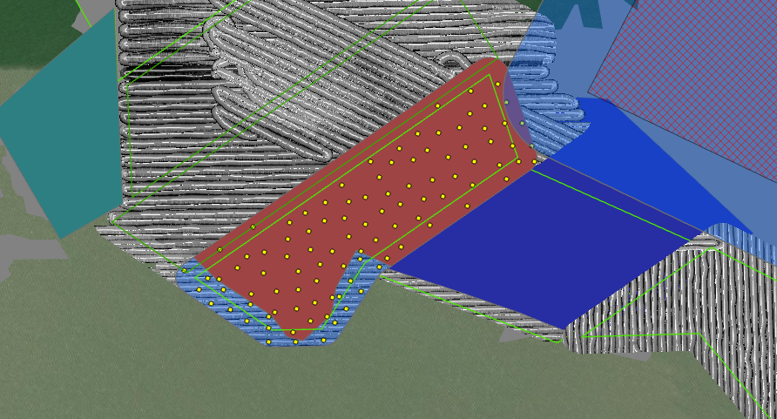
109 | 4 | 29.481583 | -94.718767 | On Reef | WGS 1984
109 | 5 | 29.481461 | -94.717936 | On Reef | WGS 1984
109 | 6 | 29.481087 | -94.721851 | On Reef | WGS 1984
109 | 7 | 29.481568 | -94.721462 | On Reef | WGS 1984
109 | 8 | 29.482218 | -94.718218 | On Reef | WGS 1984
109 | 9 | 29.478543 | -94.726183 | On Reef | WGS 1984
109 | 10 | 29.478677 | -94.725623 | On Reef | WGS 1984
109 | 11 | 29.478019 | -94.725649 | On Reef | WGS 1984
109 | 12 | 29.482065 | -94.71689 | On Reef | WGS 1984
109 | 13 | 29.482685 | -94.719248 | On Reef | WGS 1984
109 | 14 | 29.481596 | -94.722143 | On Reef | WGS 1984
109 | 15 | 29.476074 | -94.724688 | On Reef | WGS 1984
109 | 16 | 29.479346 | -94.724166 | On Reef | WGS 1984
109 | 17 | 29.477422 | -94.725228 | On Reef | WGS 1984
109 | 18 | 29.480431 | -94.722308 | On Reef | WGS 1984
109 | 19 | 29.480128 | -94.718999 | On Reef | WGS 1984
109 | 20 | 29.47818 | -94.726492 | On Reef | WGS 1984
109 | 21 | 29.479758 | -94.720592 | On Reef | WGS 1984
109 | 22 | 29.482649 | -94.71843 | On Reef | WGS 1984
109 | 23 | 29.483397 | -94.719956 | On Reef | WGS 1984
109 | 24 | 29.478043 | -94.724505 | On Reef | WGS 1984
109 | 25 | 29.476849 | -94.724575 | On Reef | WGS 1984
109 | 26 | 29.479528 | -94.72023 | On Reef | WGS 1984
109 | 27 | 29.482053 | -94.719043 | On Reef | WGS 1984
109 | 28 | 29.477206 | -94.723415 | On Reef | WGS 1984
109 | 29 | 29.476715 | -94.725275 | On Reef | WGS 1984
109 | 30 | 29.479038 | -94.721974 | On Reef | WGS 1984
109 | 31 | 29.484086 | -94.717972 | On Reef | WGS 1984
109 | 32 | 29.480848 | -94.723068 | On Reef | WGS 1984
109 | 33 | 29.482792 | -94.717205 | On Reef | WGS 1984
109 | 34 | 29.481962 | -94.720294 | On Reef | WGS 1984
109 | 35 | 29.479168 | -94.72286 | On Reef | WGS 1984
109 | 36 | 29.481721 | -94.719605 | On Reef | WGS 1984
109 | 37 | 29.478689 | -94.722457 | On Reef | WGS 1984
109 | 38 | 29.480788 | -94.720902 | On Reef | WGS 1984
109 | 39 | 29.479684 | -94.723646 | On Reef | WGS 1984
109 | 40 | 29.479939 | -94.724259 | On Reef | WGS 1984
109 | 41 | 29.48338 | -94.718406 | On Reef | WGS 1984
109 | 42 | 29.48036 | -94.720415 | On Reef | WGS 1984
109 | 43 | 29.481551 | -94.717318 | On Reef | WGS 1984
109 | 44 | 29.47732 | -94.726059 | On Reef | WGS 1984
109 | 45 | 29.478827 | -94.721178 | On Reef | WGS 1984
109 | 46 | 29.479567 | -94.722314 | On Reef | WGS 1984
109 | 47 | 29.478275 | -94.723797 | On Reef | WGS 1984
109 | 48 | 29.4791 | -94.724847 | On Reef | WGS 1984
109 | 49 | 29.476578 | -94.723585 | On Reef | WGS 1984
109 | 50 | 29.480292 | -94.722866 | On Reef | WGS 1984
109 | 51 | 29.47703 | -94.723974 | On Reef | WGS 1984
109 | 52 | 29.479768 | -94.723005 | On Reef | WGS 1984
109 | 53 | 29.478772 | -94.727056 | On Reef | WGS 1984
109 | 54 | 29.480209 | -94.721177 | On Reef | WGS 1984
109 | 55 | 29.479987 | -94.721779 | On Reef | WGS 1984
109 | 56 | 29.478701 | -94.723408 | On Reef | WGS 1984
109 | 57 | 29.479634 | -94.724786 | On Reef | WGS 1984
109 | 58 | 29.4828 | -94.717762 | On Reef | WGS 1984
109 | 59 | 29.483878 | -94.718856 | On Reef | WGS 1984
109 | 60 | 29.477751 | -94.723932 | On Reef | WGS 1984
109 | 61 | 29.482026 | -94.721198 | On Reef | WGS 1984
109 | 62 | 29.477826 | -94.727096 | On Reef | WGS 1984
109 | 63 | 29.482067 | -94.717525 | On Reef | WGS 1984
109 | 64 | 29.480283 | -94.723611 | On Reef | WGS 1984
109 | 65 | 29.476431 | -94.724131 | On Reef | WGS 1984
109 | 66 | 29.480999 | -94.720139 | On Reef | WGS 1984
109 | 67 | 29.47876 | -94.724122 | On Reef | WGS 1984
109 | 68 | 29.480816 | -94.718827 | On Reef | WGS 1984
109 | 69 | 29.483137 | -94.718895 | On Reef | WGS 1984
109 | 70 | 29.478446 | -94.721631 | On Reef | WGS 1984
109 | 71 | 29.480558 | -94.721584 | On Reef | WGS 1984
109 | 72 | 29.481555 | -94.716824 | On Reef | WGS 1984
109 | 73 | 29.478205 | -94.723041 | On Reef | WGS 1984
109 | 74 | 29.479499 | -94.725963 | On Reef | WGS 1984
109 | 75 | 29.481087 | -94.719398 | On Reef | WGS 1984
109 | 76 | 29.478539 | -94.724884 | On Reef | WGS 1984
109 | 77 | 29.480994 | -94.717733 | On Reef | WGS 1984
109 | 78 | 29.482494 | -94.720594 | On Reef | WGS 1984
109 | 79 | 29.479488 | -94.721367 | On Reef | WGS 1984
109 | 80 | 29.48046 | -94.719805 | On Reef | WGS 1984
109 | 81 | 29.477467 | -94.724526 | On Reef | WGS 1984
109 | 82 | 29.478174 | -94.721889 | Off Reef | WGS 1984
109 | 83 | 29.477862 | -94.727455 | Off Reef | WGS 1984
109 | 84 | 29.475774 | -94.725501 | Off Reef | WGS 1984
109 | 85 | 29.476815 | -94.722955 | Off Reef | WGS 1984
109 | 86 | 29.477231 | -94.7232 | Off Reef | WGS 1984
109 | 87 | 29.475756 | -94.724623 | Off Reef | WGS 1984
109 | 88 | 29.476373 | -94.723336 | Off Reef | WGS 1984
109 | 89 | 29.476448 | -94.726208 | Off Reef | WGS 1984
109 | 90 | 29.477392 | -94.722469 | Off Reef | WGS 1984
109 | 91 | 29.475816 | -94.723698 | Off Reef | WGS 1984
109 | 92 | 29.476576 | -94.725482 | Off Reef | WGS 1984
109 | 93 | 29.478425 | -94.722499 | Off Reef | WGS 1984
109 | 94 | 29.47699 | -94.726089 | Off Reef | WGS 1984
109 | 95 | 29.477741 | -94.722829 | Off Reef | WGS 1984
109 | 96 | 29.477029 | -94.727352 | Off Reef | WGS 1984
109 | 97 | 29.478103 | -94.728214 | Off Reef | WGS 1984
109 | 98 | 29.476837 | -94.726732 | Off Reef | WGS 1984
109 | 99 | 29.476223 | -94.725476 | Off Reef | WGS 1984
109 | 100 | 29.477492 | -94.727758 | Off Reef | WGS 1984
109 | 101 | 29.477479 | -94.726952 | Off Reef | WGS 1984

27 (GB29)
App# | Point | Lat | Long | Reef | DATUM | Type | Acreage
27 | 1 | 29.479933 | -94.719591 | On Reef | WGS 1984 | On Reef | 103.8
27 | 2 | 29.480076 | -94.718148 | On Reef | WGS 1984 | Off Reef | 19.8
27 | 3 | 29.478963 | -94.718941 | On Reef | WGS 1984
27 | 4 | 29.479489 | -94.714638 | On Reef | WGS 1984
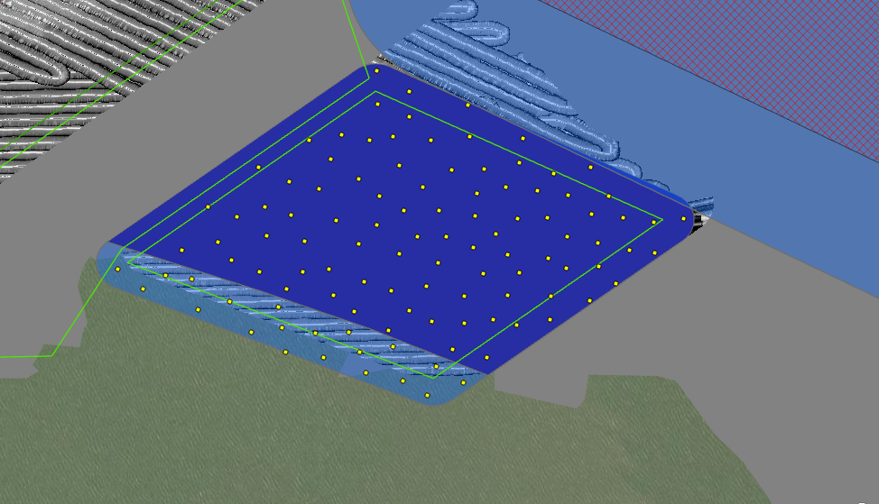
27 | 5 | 29.478934 | -94.71292 | On Reef | WGS 1984
27 | 6 | 29.479137 | -94.720603 | On Reef | WGS 1984
27 | 7 | 29.479854 | -94.715069 | On Reef | WGS 1984
27 | 8 | 29.480466 | -94.71857 | On Reef | WGS 1984
27 | 9 | 29.477821 | -94.718725 | On Reef | WGS 1984
27 | 10 | 29.477292 | -94.71375 | On Reef | WGS 1984
27 | 11 | 29.480521 | -94.716888 | On Reef | WGS 1984
27 | 12 | 29.481431 | -94.716554 | On Reef | WGS 1984
27 | 13 | 29.478848 | -94.712277 | On Reef | WGS 1984
27 | 14 | 29.479949 | -94.716771 | On Reef | WGS 1984
27 | 15 | 29.479327 | -94.717175 | On Reef | WGS 1984
27 | 16 | 29.477348 | -94.71811 | On Reef | WGS 1984
27 | 17 | 29.480923 | -94.716561 | On Reef | WGS 1984
27 | 18 | 29.478371 | -94.717602 | On Reef | WGS 1984
27 | 19 | 29.476833 | -94.714908 | On Reef | WGS 1984
27 | 20 | 29.478433 | -94.718676 | On Reef | WGS 1984
27 | 21 | 29.478933 | -94.72003 | On Reef | WGS 1984
27 | 22 | 29.479125 | -94.719478 | On Reef | WGS 1984
27 | 23 | 29.479416 | -94.714002 | On Reef | WGS 1984
27 | 24 | 29.478168 | -94.716781 | On Reef | WGS 1984
27 | 25 | 29.478497 | -94.715841 | On Reef | WGS 1984
27 | 26 | 29.477856 | -94.713427 | On Reef | WGS 1984
27 | 27 | 29.478821 | -94.71107 | On Reef | WGS 1984
27 | 28 | 29.480575 | -94.717918 | On Reef | WGS 1984
27 | 29 | 29.477326 | -94.714622 | On Reef | WGS 1984
27 | 30 | 29.480454 | -94.71613 | On Reef | WGS 1984
27 | 31 | 29.477192 | -94.712963 | On Reef | WGS 1984
27 | 32 | 29.476243 | -94.715718 | On Reef | WGS 1984
27 | 33 | 29.47877 | -94.711667 | On Reef | WGS 1984
27 | 34 | 29.478362 | -94.712786 | On Reef | WGS 1984
27 | 35 | 29.479757 | -94.713664 | On Reef | WGS 1984
27 | 36 | 29.476071 | -94.715037 | On Reef | WGS 1984
27 | 37 | 29.478482 | -94.713417 | On Reef | WGS 1984
27 | 38 | 29.478155 | -94.711661 | On Reef | WGS 1984
27 | 39 | 29.479477 | -94.718385 | On Reef | WGS 1984
27 | 40 | 29.479035 | -94.715968 | On Reef | WGS 1984
27 | 41 | 29.479293 | -94.712565 | On Reef | WGS 1984
27 | 42 | 29.478212 | -94.712161 | On Reef | WGS 1984
27 | 43 | 29.478917 | -94.715247 | On Reef | WGS 1984
27 | 44 | 29.479362 | -94.715209 | On Reef | WGS 1984
27 | 45 | 29.478072 | -94.720158 | On Reef | WGS 1984
27 | 46 | 29.481174 | -94.717197 | On Reef | WGS 1984
27 | 47 | 29.479033 | -94.716679 | On Reef | WGS 1984
27 | 48 | 29.477777 | -94.714367 | On Reef | WGS 1984
27 | 49 | 29.477315 | -94.715474 | On Reef | WGS 1984
27 | 50 | 29.47798 | -94.715996 | On Reef | WGS 1984
27 | 51 | 29.479512 | -94.716293 | On Reef | WGS 1984
27 | 52 | 29.47805 | -94.713796 | On Reef | WGS 1984
27 | 53 | 29.477027 | -94.716592 | On Reef | WGS 1984
27 | 54 | 29.47664 | -94.717005 | On Reef | WGS 1984
27 | 55 | 29.478428 | -94.720418 | On Reef | WGS 1984
27 | 56 | 29.479869 | -94.712934 | On Reef | WGS 1984
27 | 57 | 29.476726 | -94.714435 | On Reef | WGS 1984
27 | 58 | 29.477424 | -94.716957 | On Reef | WGS 1984
27 | 59 | 29.477507 | -94.716249 | On Reef | WGS 1984
27 | 60 | 29.478286 | -94.715295 | On Reef | WGS 1984
27 | 61 | 29.478139 | -94.714599 | On Reef | WGS 1984
27 | 62 | 29.477486 | -94.719054 | On Reef | WGS 1984
27 | 63 | 29.476827 | -94.713767 | On Reef | WGS 1984
27 | 64 | 29.47931 | -94.713388 | On Reef | WGS 1984
27 | 65 | 29.479679 | -94.717581 | On Reef | WGS 1984
27 | 66 | 29.478749 | -94.717224 | On Reef | WGS 1984
27 | 67 | 29.479851 | -94.715715 | On Reef | WGS 1984
27 | 68 | 29.479627 | -94.718978 | On Reef | WGS 1984
27 | 69 | 29.47886 | -94.714397 | On Reef | WGS 1984
27 | 70 | 29.477621 | -94.717486 | On Reef | WGS 1984
27 | 71 | 29.476756 | -94.715489 | On Reef | WGS 1984
27 | 72 | 29.480461 | -94.714272 | On Reef | WGS 1984
27 | 73 | 29.477831 | -94.719594 | On Reef | WGS 1984
27 | 74 | 29.478272 | -94.721144 | On Reef | WGS 1984
27 | 75 | 29.481854 | -94.71721 | On Reef | WGS 1984
27 | 76 | 29.480458 | -94.717367 | On Reef | WGS 1984
27 | 77 | 29.477756 | -94.715099 | On Reef | WGS 1984
27 | 78 | 29.479988 | -94.714355 | On Reef | WGS 1984
27 | 79 | 29.478878 | -94.713812 | On Reef | WGS 1984
27 | 80 | 29.48115 | -94.715388 | On Reef | WGS 1984
27 | 81 | 29.478556 | -94.714833 | On Reef | WGS 1984
27 | 82 | 29.477875 | -94.718204 | On Reef | WGS 1984
27 | 83 | 29.478502 | -94.716415 | On Reef | WGS 1984
27 | 84 | 29.478853 | -94.718035 | On Reef | WGS 1984
27 | 85 | 29.476813 | -94.716141 | On Reef | WGS 1984
27 | 86 | 29.477021 | -94.717691 | On Reef | WGS 1984
27 | 87 | 29.480503 | -94.715342 | On Reef | WGS 1984
27 | 88 | 29.477534 | -94.712447 | On Reef | WGS 1984
27 | 89 | 29.478558 | -94.719435 | On Reef | WGS 1984
27 | 90 | 29.477885 | -94.712776 | On Reef | WGS 1984
27 | 91 | 29.475575 | -94.715519 | Off Reef | WGS 1984
27 | 92 | 29.476192 | -94.7176 | Off Reef | WGS 1984
27 | 93 | 29.475617 | -94.716729 | Off Reef | WGS 1984
27 | 94 | 29.475323 | -94.716244 | Off Reef | WGS 1984
27 | 95 | 29.477686 | -94.72095 | Off Reef | WGS 1984
27 | 96 | 29.475778 | -94.717468 | Off Reef | WGS 1984
27 | 97 | 29.477496 | -94.721926 | Off Reef | WGS 1984
27 | 98 | 29.477084 | -94.720822 | Off Reef | WGS 1984
27 | 99 | 29.476701 | -94.719145 | Off Reef | WGS 1984
27 | 100 | 29.477122 | -94.71921 | Off Reef | WGS 1984
27 | 101 | 29.476614 | -94.719757 | Off Reef | WGS 1984
27 | 102 | 29.476307 | -94.716923 | Off Reef | WGS 1984
27 | 103 | 29.476588 | -94.718471 | Off Reef | WGS 1984
27 | 104 | 29.475897 | -94.71605 | Off Reef | WGS 1984
27 | 105 | 29.477902 | -94.722439 | Off Reef | WGS 1984
27 | 106 | 29.476598 | -94.717814 | Off Reef | WGS 1984
27 | 107 | 29.477241 | -94.720192 | Off Reef | WGS 1984
27 | 108 | 29.476093 | -94.718322 | Off Reef | WGS 1984
27 | 109 | 29.477774 | -94.721479 | Off Reef | WGS 1984
27 | 110 | 29.476214 | -94.719078 | Off Reef | WGS 1984

94 (GB30)
App# | Point | Lat | Long | Reef | DATUM | Type | Acreage
94 | 1 | 29.475613 | -94.710141 | On Reef | WGS 1984 | On Reef | 94.1
94 | 2 | 29.476719 | -94.713178 | On Reef | WGS 1984 | Off Reef | 21.9
94 | 3 | 29.477909 | -94.709786 | On Reef | WGS 1984
94 | 4 | 29.47589 | -94.705364 | On Reef | WGS 1984
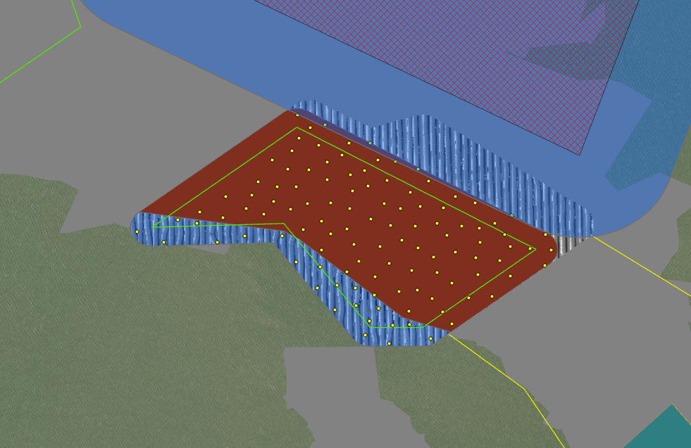
94 | 5 | 29.476487 | -94.705929 | On Reef | WGS 1984
94 | 6 | 29.477712 | -94.708232 | On Reef | WGS 1984
94 | 7 | 29.477481 | -94.710755 | On Reef | WGS 1984
94 | 8 | 29.476493 | -94.70858 | On Reef | WGS 1984
94 | 9 | 29.47633 | -94.708096 | On Reef | WGS 1984
94 | 10 | 29.473825 | -94.708876 | On Reef | WGS 1984
94 | 11 | 29.474885 | -94.705933 | On Reef | WGS 1984
94 | 12 | 29.474347 | -94.708863 | On Reef | WGS 1984
94 | 13 | 29.474152 | -94.706624 | On Reef | WGS 1984
94 | 14 | 29.475546 | -94.706755 | On Reef | WGS 1984
94 | 15 | 29.475985 | -94.710409 | On Reef | WGS 1984
94 | 16 | 29.474923 | -94.707154 | On Reef | WGS 1984
94 | 17 | 29.477519 | -94.711375 | On Reef | WGS 1984
94 | 18 | 29.475142 | -94.70434 | On Reef | WGS 1984
94 | 19 | 29.476117 | -94.713269 | On Reef | WGS 1984
94 | 20 | 29.478032 | -94.711252 | On Reef | WGS 1984
94 | 21 | 29.474388 | -94.705872 | On Reef | WGS 1984
94 | 22 | 29.472969 | -94.706628 | On Reef | WGS 1984
94 | 23 | 29.475546 | -94.70507 | On Reef | WGS 1984
94 | 24 | 29.47604 | -94.70896 | On Reef | WGS 1984
94 | 25 | 29.475747 | -94.710933 | On Reef | WGS 1984
94 | 26 | 29.475409 | -94.70807 | On Reef | WGS 1984
94 | 27 | 29.475749 | -94.705822 | On Reef | WGS 1984
94 | 28 | 29.474801 | -94.70522 | On Reef | WGS 1984
94 | 29 | 29.475185 | -94.7076 | On Reef | WGS 1984
94 | 30 | 29.478788 | -94.710267 | On Reef | WGS 1984
94 | 31 | 29.477187 | -94.710235 | On Reef | WGS 1984
94 | 32 | 29.47465 | -94.70393 | On Reef | WGS 1984
94 | 33 | 29.476352 | -94.706861 | On Reef | WGS 1984
94 | 34 | 29.473706 | -94.707207 | On Reef | WGS 1984
94 | 35 | 29.47515 | -94.710404 | On Reef | WGS 1984
94 | 36 | 29.47749 | -94.707589 | On Reef | WGS 1984
94 | 37 | 29.477786 | -94.711818 | On Reef | WGS 1984
94 | 38 | 29.477005 | -94.70905 | On Reef | WGS 1984
94 | 39 | 29.477713 | -94.710223 | On Reef | WGS 1984
94 | 40 | 29.476342 | -94.709586 | On Reef | WGS 1984
94 | 41 | 29.473952 | -94.70763 | On Reef | WGS 1984
94 | 42 | 29.476275 | -94.713949 | On Reef | WGS 1984
94 | 43 | 29.478251 | -94.709585 | On Reef | WGS 1984
94 | 44 | 29.475047 | -94.706519 | On Reef | WGS 1984
94 | 45 | 29.476052 | -94.714576 | On Reef | WGS 1984
94 | 46 | 29.479075 | -94.711069 | On Reef | WGS 1984
94 | 47 | 29.47584 | -94.708401 | On Reef | WGS 1984
94 | 48 | 29.477002 | -94.711122 | On Reef | WGS 1984
94 | 49 | 29.476864 | -94.709486 | On Reef | WGS 1984
94 | 50 | 29.476404 | -94.707538 | On Reef | WGS 1984
94 | 51 | 29.476106 | -94.70488 | On Reef | WGS 1984
94 | 52 | 29.47872 | -94.710709 | On Reef | WGS 1984
94 | 53 | 29.47715 | -94.70849 | On Reef | WGS 1984
94 | 54 | 29.475205 | -94.704925 | On Reef | WGS 1984
94 | 55 | 29.473341 | -94.707887 | On Reef | WGS 1984
94 | 56 | 29.478205 | -94.71046 | On Reef | WGS 1984
94 | 57 | 29.476998 | -94.711683 | On Reef | WGS 1984
94 | 58 | 29.473728 | -94.706129 | On Reef | WGS 1984
94 | 59 | 29.473751 | -94.705464 | On Reef | WGS 1984
94 | 60 | 29.475343 | -94.705789 | On Reef | WGS 1984
94 | 61 | 29.476338 | -94.711302 | On Reef | WGS 1984
94 | 62 | 29.47451 | -94.709685 | On Reef | WGS 1984
94 | 63 | 29.474475 | -94.707052 | On Reef | WGS 1984
94 | 64 | 29.476198 | -94.712078 | On Reef | WGS 1984
94 | 65 | 29.475231 | -94.708703 | On Reef | WGS 1984
94 | 66 | 29.476577 | -94.711783 | On Reef | WGS 1984
94 | 67 | 29.476674 | -94.706507 | On Reef | WGS 1984
94 | 68 | 29.476507 | -94.710137 | On Reef | WGS 1984
94 | 69 | 29.475812 | -94.706317 | On Reef | WGS 1984
94 | 70 | 29.477457 | -94.709132 | On Reef | WGS 1984
94 | 71 | 29.475895 | -94.707038 | On Reef | WGS 1984
94 | 72 | 29.474348 | -94.704919 | On Reef | WGS 1984
94 | 73 | 29.477131 | -94.707275 | On Reef | WGS 1984
94 | 74 | 29.478414 | -94.711027 | On Reef | WGS 1984
94 | 75 | 29.47734 | -94.70956 | On Reef | WGS 1984
94 | 76 | 29.474524 | -94.707784 | On Reef | WGS 1984
94 | 77 | 29.478248 | -94.708969 | On Reef | WGS 1984
94 | 78 | 29.476768 | -94.712415 | On Reef | WGS 1984
94 | 79 | 29.476811 | -94.707811 | On Reef | WGS 1984
94 | 80 | 29.473927 | -94.708174 | On Reef | WGS 1984
94 | 81 | 29.473321 | -94.706898 | On Reef | WGS 1984
94 | 82 | 29.475763 | -94.709661 | On Reef | WGS 1984
94 | 83 | 29.475298 | -94.709459 | On Reef | WGS 1984
94 | 84 | 29.476503 | -94.710806 | On Reef | WGS 1984
94 | 85 | 29.475102 | -94.703726 | On Reef | WGS 1984
94 | 86 | 29.475817 | -94.707682 | On Reef | WGS 1984
94 | 87 | 29.477755 | -94.708754 | On Reef | WGS 1984
94 | 88 | 29.474816 | -94.709325 | On Reef | WGS 1984
94 | 89 | 29.474751 | -94.708435 | On Reef | WGS 1984
94 | 90 | 29.477156 | -94.712233 | On Reef | WGS 1984
94 | 91 | 29.475549 | -94.703898 | On Reef | WGS 1984
94 | 92 | 29.476368 | -94.712589 | On Reef | WGS 1984
94 | 93 | 29.474128 | -94.709969 | Off Reef | WGS 1984
94 | 94 | 29.47295 | -94.707871 | Off Reef | WGS 1984
94 | 95 | 29.473062 | -94.709033 | Off Reef | WGS 1984
94 | 96 | 29.473521 | -94.709411 | Off Reef | WGS 1984
94 | 97 | 29.474027 | -94.709432 | Off Reef | WGS 1984
94 | 98 | 29.472418 | -94.708456 | Off Reef | WGS 1984
94 | 99 | 29.472543 | -94.70726 | Off Reef | WGS 1984
94 | 100 | 29.47266 | -94.709161 | Off Reef | WGS 1984
94 | 101 | 29.473408 | -94.710042 | Off Reef | WGS 1984
94 | 102 | 29.473439 | -94.708762 | Off Reef | WGS 1984
94 | 103 | 29.475404 | -94.71344 | Off Reef | WGS 1984
94 | 104 | 29.47541 | -94.714984 | Off Reef | WGS 1984
94 | 105 | 29.472931 | -94.708363 | Off Reef | WGS 1984
94 | 106 | 29.474665 | -94.710443 | Off Reef | WGS 1984
94 | 107 | 29.474815 | -94.711139 | Off Reef | WGS 1984
94 | 108 | 29.474051 | -94.710534 | Off Reef | WGS 1984
94 | 109 | 29.475951 | -94.714033 | Off Reef | WGS 1984
94 | 110 | 29.475584 | -94.712636 | Off Reef | WGS 1984
94 | 111 | 29.475718 | -94.715768 | Off Reef | WGS 1984
94 | 112 | 29.47557 | -94.711543 | Off Reef | WGS 1984

57 (GB32)
App# | Point | Lat | Long | Reef | DATUM | Type | Acreage
57 | 1 | 29.46983 | -94.708782 | On Reef | WGS 1984 | On Reef | 53.7 | Buffer areas that overlap current existing COL have been removed from sampling.
57 | 2 | 29.468032 | -94.706962 | On Reef | WGS 1984 | Off Reef | 62
57 | 3 | 29.46774 | -94.703898 | On Reef | WGS 1984
57 | 4 | 29.467971 | -94.70911 | On Reef | WGS 1984
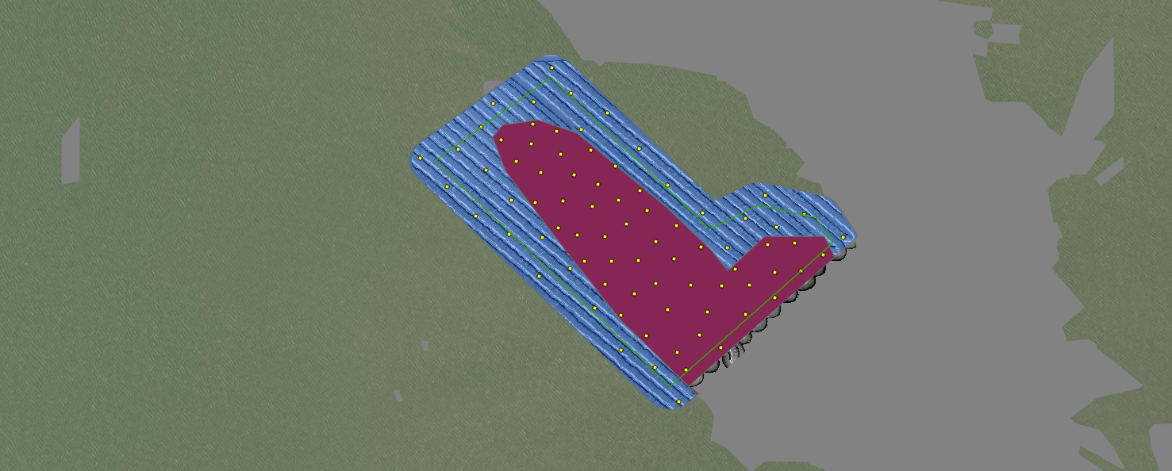
57 | 5 | 29.467106 | -94.704524 | On Reef | WGS 1984
57 | 6 | 29.470062 | -94.709355 | On Reef | WGS 1984
57 | 7 | 29.468445 | -94.707402 | On Reef | WGS 1984
57 | 8 | 29.46771 | -94.704529 | On Reef | WGS 1984
57 | 9 | 29.470374 | -94.710747 | On Reef | WGS 1984
57 | 10 | 29.469672 | -94.707767 | On Reef | WGS 1984
57 | 11 | 29.468875 | -94.708097 | On Reef | WGS 1984
57 | 12 | 29.465363 | -94.706677 | On Reef | WGS 1984
57 | 13 | 29.47128 | -94.71035 | On Reef | WGS 1984
57 | 14 | 29.465782 | -94.706881 | On Reef | WGS 1984
57 | 15 | 29.470116 | -94.710171 | On Reef | WGS 1984
57 | 16 | 29.470656 | -94.708965 | On Reef | WGS 1984
57 | 17 | 29.469288 | -94.708926 | On Reef | WGS 1984
57 | 18 | 29.469192 | -94.707595 | On Reef | WGS 1984
57 | 19 | 29.467792 | -94.705483 | On Reef | WGS 1984
57 | 20 | 29.467439 | -94.707388 | On Reef | WGS 1984
57 | 21 | 29.466193 | -94.706346 | On Reef | WGS 1984
57 | 22 | 29.468828 | -94.706899 | On Reef | WGS 1984
57 | 23 | 29.468411 | -94.704054 | On Reef | WGS 1984
57 | 24 | 29.468313 | -94.706303 | On Reef | WGS 1984
57 | 25 | 29.46675 | -94.70615 | On Reef | WGS 1984
57 | 26 | 29.468002 | -94.707819 | On Reef | WGS 1984
57 | 27 | 29.4674 | -94.706563 | On Reef | WGS 1984
57 | 28 | 29.466819 | -94.707115 | On Reef | WGS 1984
57 | 29 | 29.467395 | -94.705149 | On Reef | WGS 1984
57 | 30 | 29.469436 | -94.708295 | On Reef | WGS 1984
57 | 31 | 29.469382 | -94.710288 | On Reef | WGS 1984
57 | 32 | 29.466701 | -94.705241 | On Reef | WGS 1984
57 | 33 | 29.468776 | -94.709733 | On Reef | WGS 1984
57 | 34 | 29.468559 | -94.708607 | On Reef | WGS 1984
57 | 35 | 29.471109 | -94.709785 | On Reef | WGS 1984
57 | 36 | 29.470272 | -94.708376 | On Reef | WGS 1984
57 | 37 | 29.467189 | -94.707901 | On Reef | WGS 1984
57 | 38 | 29.466669 | -94.708238 | On Reef | WGS 1984
57 | 39 | 29.470902 | -94.711109 | On Reef | WGS 1984
57 | 40 | 29.469422 | -94.709634 | On Reef | WGS 1984
57 | 41 | 29.470796 | -94.710394 | On Reef | WGS 1984
57 | 42 | 29.468379 | -94.704692 | On Reef | WGS 1984
57 | 43 | 29.467971 | -94.708453 | On Reef | WGS 1984
57 | 44 | 29.467428 | -94.70862 | On Reef | WGS 1984
57 | 45 | 29.468607 | -94.709286 | On Reef | WGS 1984
57 | 46 | 29.466183 | -94.707626 | On Reef | WGS 1984
57 | 47 | 29.468135 | -94.703369 | On Reef | WGS 1984
57 | 48 | 29.467379 | -94.705807 | On Reef | WGS 1984
57 | 49 | 29.470553 | -94.709684 | On Reef | WGS 1984
57 | 50 | 29.465898 | -94.705831 | On Reef | WGS 1984
57 | 51 | 29.471779 | -94.711309 | Off Reef | WGS 1984
57 | 52 | 29.471548 | -94.708567 | Off Reef | WGS 1984
57 | 53 | 29.465834 | -94.708225 | Off Reef | WGS 1984
57 | 54 | 29.47182 | -94.710334 | Off Reef | WGS 1984
57 | 55 | 29.468619 | -94.710923 | Off Reef | WGS 1984
57 | 56 | 29.472625 | -94.709902 | Off Reef | WGS 1984
57 | 57 | 29.464588 | -94.706841 | Off Reef | WGS 1984
57 | 58 | 29.469006 | -94.70524 | Off Reef | WGS 1984
57 | 59 | 29.469812 | -94.707113 | Off Reef | WGS 1984
57 | 60 | 29.469769 | -94.712419 | Off Reef | WGS 1984
57 | 61 | 29.472018 | -94.709429 | Off Reef | WGS 1984
57 | 62 | 29.466851 | -94.708856 | Off Reef | WGS 1984
57 | 63 | 29.470171 | -94.71147 | Off Reef | WGS 1984
57 | 64 | 29.467611 | -94.71019 | Off Reef | WGS 1984
57 | 65 | 29.470677 | -94.707787 | Off Reef | WGS 1984
57 | 66 | 29.470674 | -94.712138 | Off Reef | WGS 1984
57 | 67 | 29.471195 | -94.711587 | Off Reef | WGS 1984
57 | 68 | 29.467794 | -94.709454 | Off Reef | WGS 1984
57 | 69 | 29.468797 | -94.7045 | Off Reef | WGS 1984
57 | 70 | 29.468549 | -94.710118 | Off Reef | WGS 1984
57 | 71 | 29.468305 | -94.705674 | Off Reef | WGS 1984
57 | 72 | 29.469139 | -94.706266 | Off Reef | WGS 1984
57 | 73 | 29.469553 | -94.704753 | Off Reef | WGS 1984
57 | 74 | 29.471136 | -94.70919 | Off Reef | WGS 1984
57 | 75 | 29.46907 | -94.711732 | Off Reef | WGS 1984
57 | 76 | 29.470459 | -94.713065 | Off Reef | WGS 1984
57 | 77 | 29.46855 | -94.702897 | Off Reef | WGS 1984
57 | 78 | 29.469449 | -94.710863 | Off Reef | WGS 1984
57 | 79 | 29.469092 | -94.703833 | Off Reef | WGS 1984
57 | 80 | 29.465418 | -94.707416 | Off Reef | WGS 1984

28 (GB33)
App# | Point | Lat | Long | Reef | DATUM | Type | Acreage
28 | 1 | 29.462434 | -94.698566 | On Reef | WGS 1984 | On Reef | 80.4 | Buffer areas that overlap current existing COL have been removed from sampling.
28 | 2 | 29.465868 | -94.697053 | On Reef | WGS 1984 | Off Reef | 21.8
28 | 3 | 29.463947 | -94.699561 | On Reef | WGS 1984
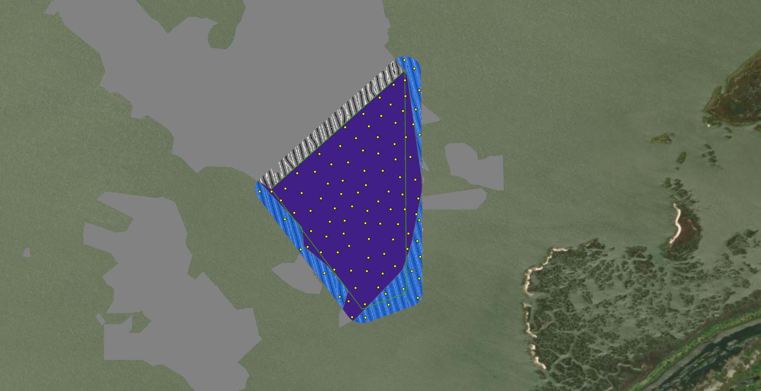
28 | 4 | 29.464673 | -94.699374 | On Reef | WGS 1984
28 | 5 | 29.459791 | -94.697867 | On Reef | WGS 1984
28 | 6 | 29.463536 | -94.696849 | On Reef | WGS 1984
28 | 7 | 29.458459 | -94.69897 | On Reef | WGS 1984
28 | 8 | 29.463001 | -94.697923 | On Reef | WGS 1984
28 | 9 | 29.465296 | -94.697143 | On Reef | WGS 1984
28 | 10 | 29.462609 | -94.699469 | On Reef | WGS 1984
28 | 11 | 29.460341 | -94.697533 | On Reef | WGS 1984
28 | 12 | 29.461619 | -94.699103 | On Reef | WGS 1984
28 | 13 | 29.461917 | -94.696541 | On Reef | WGS 1984
28 | 14 | 29.462991 | -94.698625 | On Reef | WGS 1984
28 | 15 | 29.461546 | -94.699778 | On Reef | WGS 1984
28 | 16 | 29.460044 | -94.700824 | On Reef | WGS 1984
28 | 17 | 29.459637 | -94.698471 | On Reef | WGS 1984
28 | 18 | 29.461447 | -94.698523 | On Reef | WGS 1984
28 | 19 | 29.459837 | -94.699664 | On Reef | WGS 1984
28 | 20 | 29.460459 | -94.700097 | On Reef | WGS 1984
28 | 21 | 29.459309 | -94.697447 | On Reef | WGS 1984
28 | 22 | 29.460573 | -94.699438 | On Reef | WGS 1984
28 | 23 | 29.457846 | -94.698606 | On Reef | WGS 1984
28 | 24 | 29.459127 | -94.699155 | On Reef | WGS 1984
28 | 25 | 29.461374 | -94.701341 | On Reef | WGS 1984
28 | 26 | 29.464294 | -94.697035 | On Reef | WGS 1984
28 | 27 | 29.46214 | -94.701058 | On Reef | WGS 1984
28 | 28 | 29.463668 | -94.698106 | On Reef | WGS 1984
28 | 29 | 29.466491 | -94.69707 | On Reef | WGS 1984
28 | 30 | 29.460953 | -94.698027 | On Reef | WGS 1984
28 | 31 | 29.465555 | -94.697624 | On Reef | WGS 1984
28 | 32 | 29.461026 | -94.699971 | On Reef | WGS 1984
28 | 33 | 29.465115 | -94.697985 | On Reef | WGS 1984
28 | 34 | 29.458484 | -94.698101 | On Reef | WGS 1984
28 | 35 | 29.462147 | -94.698884 | On Reef | WGS 1984
28 | 36 | 29.463311 | -94.699256 | On Reef | WGS 1984
28 | 37 | 29.464709 | -94.698453 | On Reef | WGS 1984
28 | 38 | 29.462499 | -94.700043 | On Reef | WGS 1984
28 | 39 | 29.461513 | -94.697066 | On Reef | WGS 1984
28 | 40 | 29.464848 | -94.697419 | On Reef | WGS 1984
28 | 41 | 29.45903 | -94.69793 | On Reef | WGS 1984
28 | 42 | 29.460572 | -94.696939 | On Reef | WGS 1984
28 | 43 | 29.463238 | -94.699904 | On Reef | WGS 1984
28 | 44 | 29.460976 | -94.698593 | On Reef | WGS 1984
28 | 45 | 29.459976 | -94.69697 | On Reef | WGS 1984
28 | 46 | 29.462182 | -94.697693 | On Reef | WGS 1984
28 | 47 | 29.462297 | -94.701687 | On Reef | WGS 1984
28 | 48 | 29.460936 | -94.697325 | On Reef | WGS 1984
28 | 49 | 29.457337 | -94.699103 | On Reef | WGS 1984
28 | 50 | 29.463429 | -94.697423 | On Reef | WGS 1984
28 | 51 | 29.460355 | -94.69846 | On Reef | WGS 1984
28 | 52 | 29.463784 | -94.698679 | On Reef | WGS 1984
28 | 53 | 29.462957 | -94.700544 | On Reef | WGS 1984
28 | 54 | 29.459125 | -94.698529 | On Reef | WGS 1984
28 | 55 | 29.462654 | -94.696666 | On Reef | WGS 1984
28 | 56 | 29.460666 | -94.700695 | On Reef | WGS 1984
28 | 57 | 29.461925 | -94.700315 | On Reef | WGS 1984
28 | 58 | 29.464779 | -94.696732 | On Reef | WGS 1984
28 | 59 | 29.457944 | -94.699238 | On Reef | WGS 1984
28 | 60 | 29.461067 | -94.699386 | On Reef | WGS 1984
28 | 61 | 29.462199 | -94.702223 | On Reef | WGS 1984
28 | 62 | 29.459177 | -94.699788 | On Reef | WGS 1984
28 | 63 | 29.462888 | -94.701234 | On Reef | WGS 1984
28 | 64 | 29.464261 | -94.698963 | On Reef | WGS 1984
28 | 65 | 29.461845 | -94.70186 | On Reef | WGS 1984
28 | 66 | 29.464019 | -94.697466 | On Reef | WGS 1984
28 | 67 | 29.461507 | -94.697623 | On Reef | WGS 1984
28 | 68 | 29.4618 | -94.698101 | On Reef | WGS 1984
28 | 69 | 29.463649 | -94.700364 | On Reef | WGS 1984
28 | 70 | 29.46131 | -94.696634 | On Reef | WGS 1984
28 | 71 | 29.464282 | -94.698122 | On Reef | WGS 1984
28 | 72 | 29.460094 | -94.699217 | On Reef | WGS 1984
28 | 73 | 29.462747 | -94.697264 | On Reef | WGS 1984
28 | 74 | 29.461438 | -94.700706 | On Reef | WGS 1984
28 | 75 | 29.462091 | -94.699537 | On Reef | WGS 1984
28 | 76 | 29.462075 | -94.697162 | On Reef | WGS 1984
28 | 77 | 29.459847 | -94.700306 | On Reef | WGS 1984
28 | 78 | 29.465178 | -94.698659 | On Reef | WGS 1984
28 | 79 | 29.466324 | -94.697514 | On Reef | WGS 1984
28 | 80 | 29.465808 | -94.698049 | On Reef | WGS 1984
28 | 81 | 29.459037 | -94.700176 | Off Reef | WGS 1984
28 | 82 | 29.460284 | -94.696586 | Off Reef | WGS 1984
28 | 83 | 29.459114 | -94.6968 | Off Reef | WGS 1984
28 | 84 | 29.459669 | -94.696466 | Off Reef | WGS 1984
28 | 85 | 29.466944 | -94.696702 | Off Reef | WGS 1984
28 | 86 | 29.4622 | -94.70268 | Off Reef | WGS 1984
28 | 87 | 29.461123 | -94.701702 | Off Reef | WGS 1984
28 | 88 | 29.464387 | -94.6965 | Off Reef | WGS 1984
28 | 89 | 29.466106 | -94.696511 | Off Reef | WGS 1984
28 | 90 | 29.458828 | -94.696512 | Off Reef | WGS 1984
28 | 91 | 29.458117 | -94.699588 | Off Reef | WGS 1984
28 | 92 | 29.457321 | -94.698594 | Off Reef | WGS 1984
28 | 93 | 29.458235 | -94.697804 | Off Reef | WGS 1984
28 | 94 | 29.465362 | -94.696636 | Off Reef | WGS 1984
28 | 95 | 29.45995 | -94.701094 | Off Reef | WGS 1984
28 | 96 | 29.45842 | -94.697131 | Off Reef | WGS 1984
28 | 97 | 29.461083 | -94.696503 | Off Reef | WGS 1984
28 | 98 | 29.457815 | -94.6977 | Off Reef | WGS 1984
28 | 99 | 29.467272 | -94.697088 | Off Reef | WGS 1984
28 | 100 | 29.458081 | -94.696575 | Off Reef | WGS 1984

