112
App# | Point | Lat | Long | Reef | DATUM | Type | Acreage
112 | 1 | 28.146629 | -97.03856 | On Reef | WGS 1984 | On Reef | 19.76
112 | 2 | 28.146082 | -97.038168 | On Reef | WGS 1984 | Off Reef (potential seagrass) | 70.3
112 | 3 | 28.147228 | -97.03878 | On Reef | WGS 1984
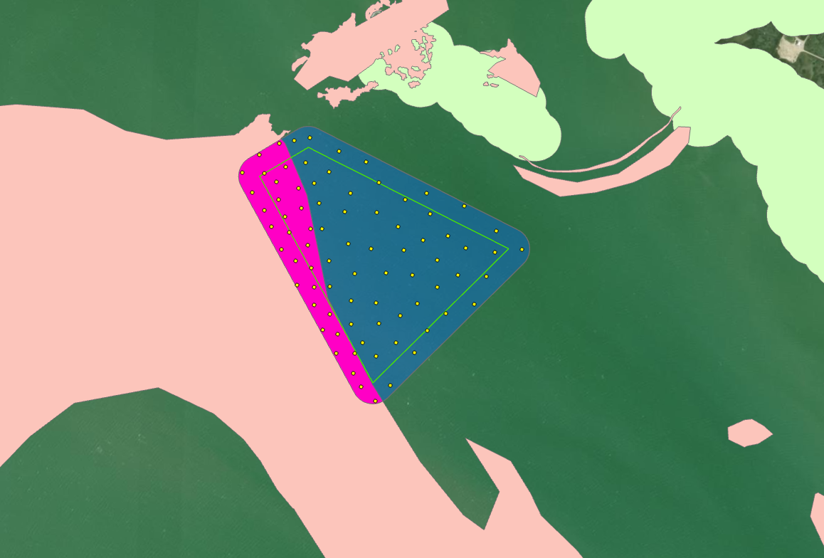
112 | 4 | 28.145047 | -97.03893 | On Reef | WGS 1984
112 | 5 | 28.140935 | -97.036107 | On Reef | WGS 1984
112 | 6 | 28.145326 | -97.038533 | On Reef | WGS 1984
112 | 7 | 28.142402 | -97.037316 | On Reef | WGS 1984
112 | 8 | 28.142292 | -97.036869 | On Reef | WGS 1984
112 | 9 | 28.141284 | -97.036367 | On Reef | WGS 1984
112 | 10 | 28.144595 | -97.037831 | On Reef | WGS 1984
112 | 11 | 28.144007 | -97.037702 | On Reef | WGS 1984
112 | 12 | 28.145567 | -97.038048 | On Reef | WGS 1984
112 | 13 | 28.144469 | -97.038596 | On Reef | WGS 1984
112 | 14 | 28.145925 | -97.039529 | On Reef | WGS 1984
112 | 15 | 28.146222 | -97.038818 | On Reef | WGS 1984
112 | 16 | 28.146438 | -97.039172 | On Reef | WGS 1984
112 | 17 | 28.143047 | -97.037581 | On Reef | WGS 1984
112 | 18 | 28.143497 | -97.037598 | On Reef | WGS 1984
112 | 19 | 28.145481 | -97.03914 | On Reef | WGS 1984
112 | 20 | 28.144186 | -97.038179 | On Reef | WGS 1984
112 | 21 | 28.142815 | -97.037115 | On Reef | WGS 1984
112 | 22 | 28.140583 | -97.035681 | On Reef | WGS 1984
112 | 23 | 28.146434 | -97.039825 | On Reef | WGS 1984
112 | 24 | 28.143537 | -97.038112 | On Reef | WGS 1984
112 | 25 | 28.145035 | -97.037762 | On Reef | WGS 1984
112 | 26 | 28.144909 | -97.038389 | On Reef | WGS 1984
112 | 27 | 28.141789 | -97.036874 | On Reef | WGS 1984
112 | 28 | 28.146918 | -97.03934 | On Reef | WGS 1984
112 | 29 | 28.141812 | -97.036343 | On Reef | WGS 1984
112 | 30 | 28.145771 | -97.038734 | On Reef | WGS 1984
112 | 31 | 28.143175 | -97.034527 | Off Reef Seagrass | WGS 1984
112 | 32 | 28.143191 | -97.032848 | Off Reef Seagrass | WGS 1984
112 | 33 | 28.144965 | -97.033704 | Off Reef Seagrass | WGS 1984
112 | 34 | 28.145712 | -97.037542 | Off Reef Seagrass | WGS 1984
112 | 35 | 28.145754 | -97.033239 | Off Reef Seagrass | WGS 1984
112 | 36 | 28.142472 | -97.034224 | Off Reef Seagrass | WGS 1984
112 | 37 | 28.142618 | -97.03566 | Off Reef Seagrass | WGS 1984
112 | 38 | 28.146302 | -97.035799 | Off Reef Seagrass | WGS 1984
112 | 39 | 28.144834 | -97.034435 | Off Reef Seagrass | WGS 1984
112 | 40 | 28.143898 | -97.034716 | Off Reef Seagrass | WGS 1984
112 | 41 | 28.147318 | -97.03833 | Off Reef Seagrass | WGS 1984
112 | 42 | 28.141 | -97.035256 | Off Reef Seagrass | WGS 1984
112 | 43 | 28.145517 | -97.035819 | Off Reef Seagrass | WGS 1984
112 | 44 | 28.145154 | -97.035175 | Off Reef Seagrass | WGS 1984
112 | 45 | 28.146838 | -97.036188 | Off Reef Seagrass | WGS 1984
112 | 46 | 28.146 | -97.036627 | Off Reef Seagrass | WGS 1984
112 | 47 | 28.143187 | -97.03649 | Off Reef Seagrass | WGS 1984
112 | 48 | 28.141879 | -97.034569 | Off Reef Seagrass | WGS 1984
112 | 49 | 28.141742 | -97.035712 | Off Reef Seagrass | WGS 1984
112 | 50 | 28.143944 | -97.035489 | Off Reef Seagrass | WGS 1984
112 | 51 | 28.144676 | -97.031505 | Off Reef Seagrass | WGS 1984
112 | 52 | 28.145134 | -97.032283 | Off Reef Seagrass | WGS 1984
112 | 53 | 28.142825 | -97.035038 | Off Reef Seagrass | WGS 1984
112 | 54 | 28.144214 | -97.037183 | Off Reef Seagrass | WGS 1984
112 | 55 | 28.147092 | -97.037003 | Off Reef Seagrass | WGS 1984
112 | 56 | 28.144567 | -97.03595 | Off Reef Seagrass | WGS 1984
112 | 57 | 28.14213 | -97.035117 | Off Reef Seagrass | WGS 1984
112 | 58 | 28.143615 | -97.033964 | Off Reef Seagrass | WGS 1984
112 | 59 | 28.145881 | -97.034999 | Off Reef Seagrass | WGS 1984
112 | 60 | 28.144323 | -97.033997 | Off Reef Seagrass | WGS 1984
112 | 61 | 28.147415 | -97.037875 | Off Reef Seagrass | WGS 1984
112 | 62 | 28.146055 | -97.034364 | Off Reef Seagrass | WGS 1984
112 | 63 | 28.143949 | -97.033363 | Off Reef Seagrass | WGS 1984
112 | 64 | 28.143901 | -97.036416 | Off Reef Seagrass | WGS 1984
112 | 65 | 28.144668 | -97.033168 | Off Reef Seagrass | WGS 1984
112 | 66 | 28.144581 | -97.032286 | Off Reef Seagrass | WGS 1984
112 | 67 | 28.14551 | -97.036763 | Off Reef Seagrass | WGS 1984
112 | 68 | 28.144662 | -97.036641 | Off Reef Seagrass | WGS 1984
112 | 69 | 28.145528 | -97.034245 | Off Reef Seagrass | WGS 1984
112 | 70 | 28.143147 | -97.035759 | Off Reef Seagrass | WGS 1984
112 | 71 | 28.143933 | -97.032525 | Off Reef Seagrass | WGS 1984
112 | 72 | 28.143535 | -97.037148 | Off Reef Seagrass | WGS 1984
112 | 73 | 28.145045 | -97.037422 | Off Reef Seagrass | WGS 1984
112 | 74 | 28.146229 | -97.037693 | Off Reef Seagrass | WGS 1984
112 | 75 | 28.144553 | -97.034979 | Off Reef Seagrass | WGS 1984
112 | 76 | 28.146749 | -97.037977 | Off Reef Seagrass | WGS 1984
112 | 77 | 28.146544 | -97.037282 | Off Reef Seagrass | WGS 1984
112 | 78 | 28.142088 | -97.036106 | Off Reef Seagrass | WGS 1984
112 | 79 | 28.142927 | -97.033684 | Off Reef Seagrass | WGS 1984
112 | 80 | 28.142567 | -97.036479 | Off Reef Seagrass | WGS 1984

113
App# | Point | Lat | Long | Reef | DATUM | Type | Acreage
113 | 1 | 28.097688 | -97.017301 | On Reef | WGS 1984 | On Reef | 2.04
113 | 2 | 28.098289 | -97.017318 | On Reef | WGS 1984 | Off Reef (potential seagrass) | 41
113 | 3 | 28.097355 | -97.017653 | On Reef | WGS 1984
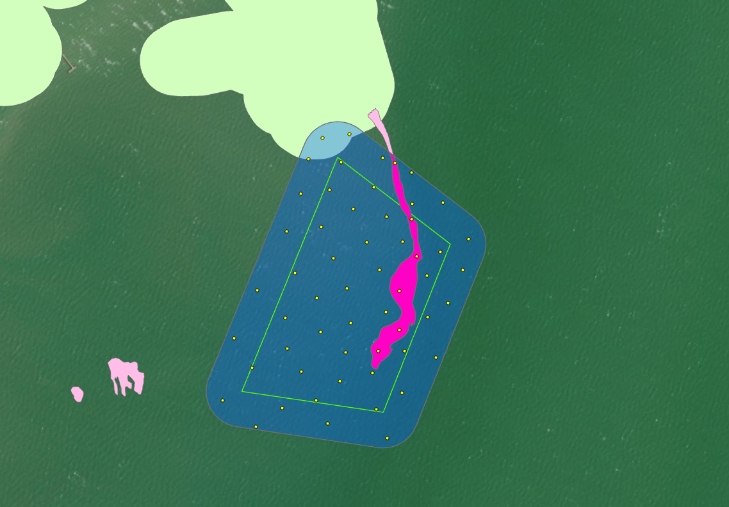
113 | 4 | 28.098836 | -97.017035 | On Reef | WGS 1984
113 | 5 | 28.099398 | -97.017151 | On Reef | WGS 1984
113 | 6 | 28.100263 | -97.017474 | On Reef | WGS 1984
113 | 7 | 28.097012 | -97.017739 | Off Reef Seagrass | WGS 1984
113 | 8 | 28.09612 | -97.019739 | Off Reef Seagrass | WGS 1984
113 | 9 | 28.096865 | -97.018299 | Off Reef Seagrass | WGS 1984
113 | 10 | 28.099149 | -97.019312 | Off Reef Seagrass | WGS 1984
113 | 11 | 28.096013 | -97.017449 | Off Reef Seagrass | WGS 1984
113 | 12 | 28.099644 | -97.017144 | Off Reef Seagrass | WGS 1984
113 | 13 | 28.096555 | -97.018702 | Off Reef Seagrass | WGS 1984
113 | 14 | 28.100277 | -97.018974 | Off Reef Seagrass | WGS 1984
113 | 15 | 28.099124 | -97.016149 | Off Reef Seagrass | WGS 1984
113 | 16 | 28.097025 | -97.019833 | Off Reef Seagrass | WGS 1984
113 | 17 | 28.098645 | -97.016228 | Off Reef Seagrass | WGS 1984
113 | 18 | 28.096722 | -97.017215 | Off Reef Seagrass | WGS 1984
113 | 19 | 28.099434 | -97.017582 | Off Reef Seagrass | WGS 1984
113 | 20 | 28.098912 | -97.016627 | Off Reef Seagrass | WGS 1984
113 | 21 | 28.09747 | -97.020166 | Off Reef Seagrass | WGS 1984
113 | 22 | 28.096997 | -97.01898 | Off Reef Seagrass | WGS 1984
113 | 23 | 28.09851 | -97.019148 | Off Reef Seagrass | WGS 1984
113 | 24 | 28.098605 | -97.017672 | Off Reef Seagrass | WGS 1984
113 | 25 | 28.098138 | -97.018751 | Off Reef Seagrass | WGS 1984
113 | 26 | 28.100336 | -97.017685 | Off Reef Seagrass | WGS 1984
113 | 27 | 28.098764 | -97.018489 | Off Reef Seagrass | WGS 1984
113 | 28 | 28.097954 | -97.017535 | Off Reef Seagrass | WGS 1984
113 | 29 | 28.10068 | -97.018273 | Off Reef Seagrass | WGS 1984
113 | 30 | 28.096211 | -97.018487 | Off Reef Seagrass | WGS 1984
113 | 31 | 28.097342 | -97.019232 | Off Reef Seagrass | WGS 1984
113 | 32 | 28.098545 | -97.016843 | Off Reef Seagrass | WGS 1984
113 | 33 | 28.099025 | -97.017915 | Off Reef Seagrass | WGS 1984
113 | 34 | 28.098126 | -97.016461 | Off Reef Seagrass | WGS 1984
113 | 35 | 28.098229 | -97.019788 | Off Reef Seagrass | WGS 1984
113 | 36 | 28.099882 | -97.017819 | Off Reef Seagrass | WGS 1984
113 | 37 | 28.099527 | -97.018162 | Off Reef Seagrass | WGS 1984
113 | 38 | 28.099239 | -97.018719 | Off Reef Seagrass | WGS 1984
113 | 39 | 28.097278 | -97.016647 | Off Reef Seagrass | WGS 1984
113 | 40 | 28.098308 | -97.018237 | Off Reef Seagrass | WGS 1984
113 | 41 | 28.099739 | -97.019089 | Off Reef Seagrass | WGS 1984
113 | 42 | 28.097772 | -97.018152 | Off Reef Seagrass | WGS 1984
113 | 43 | 28.099052 | -97.01729 | Off Reef Seagrass | WGS 1984
113 | 44 | 28.096508 | -97.020329 | Off Reef Seagrass | WGS 1984
113 | 45 | 28.097818 | -97.019283 | Off Reef Seagrass | WGS 1984
113 | 46 | 28.100249 | -97.018412 | Off Reef Seagrass | WGS 1984
113 | 47 | 28.097317 | -97.018218 | Off Reef Seagrass | WGS 1984
113 | 48 | 28.097895 | -97.016811 | Off Reef Seagrass | WGS 1984
113 | 49 | 28.097369 | -97.017199 | Off Reef Seagrass | WGS 1984
113 | 50 | 28.10012 | -97.017171 | Off Reef Seagrass | WGS 1984
113 | 51 | 28.099811 | -97.018589 | Off Reef Seagrass | WGS 1984
113 | 52 | 28.097619 | -97.018669 | Off Reef Seagrass | WGS 1984
113 | 53 | 28.100615 | -97.018749 | Off Reef Seagrass | WGS 1984
113 | 54 | 28.09968 | -97.016615 | Off Reef Seagrass | WGS 1984
113 | 55 | 28.096424 | -97.019294 | Off Reef Seagrass | WGS 1984
113 | 56 | 28.096454 | -97.017647 | Off Reef Seagrass | WGS 1984

