25 (GB4)
App# | Point | Lat | Long | Reef | DATUM | Type | Acreage
25 | 1 | 29.444647 | -94.871797 | On Reef | WGS 1984 | On Reef | 6
25 | 2 | 29.444125 | -94.872468 | On Reef | WGS 1984 | Off Reef | 43.5
25 | 3 | 29.44333 | -94.871335 | On Reef | WGS 1984
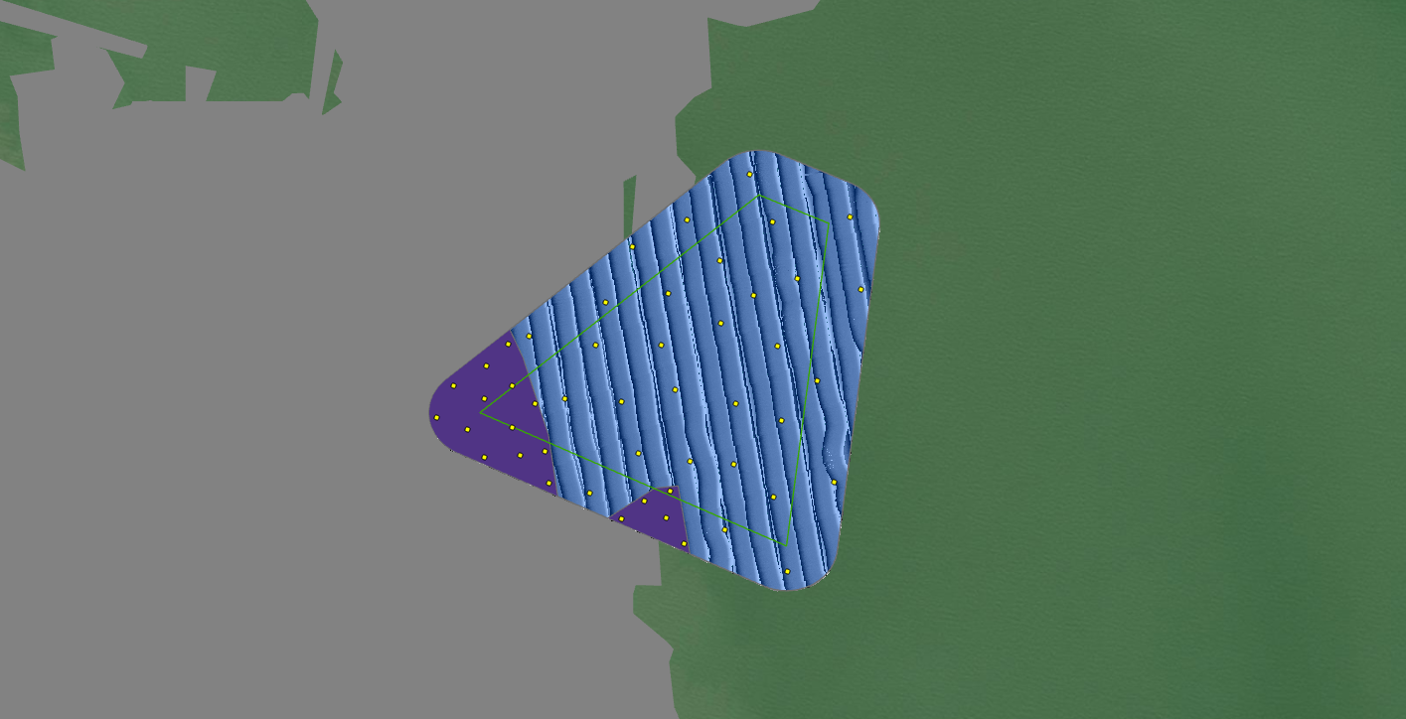
25 | 4 | 29.442839 | -94.869803 | On Reef | WGS 1984
25 | 5 | 29.443623 | -94.871744 | On Reef | WGS 1984
25 | 6 | 29.444372 | -94.872059 | On Reef | WGS 1984
25 | 7 | 29.442186 | -94.869631 | On Reef | WGS 1984
25 | 8 | 29.44328 | -94.871651 | On Reef | WGS 1984
25 | 9 | 29.44293 | -94.871293 | On Reef | WGS 1984
25 | 10 | 29.443736 | -94.872671 | On Reef | WGS 1984
25 | 11 | 29.443245 | -94.87208 | On Reef | WGS 1984
25 | 12 | 29.442499 | -94.870393 | On Reef | WGS 1984
25 | 13 | 29.443907 | -94.87146 | On Reef | WGS 1984
25 | 14 | 29.442505 | -94.869852 | On Reef | WGS 1984
25 | 15 | 29.44272 | -94.870111 | On Reef | WGS 1984
25 | 16 | 29.443587 | -94.872286 | On Reef | WGS 1984
25 | 17 | 29.443966 | -94.872078 | On Reef | WGS 1984
25 | 18 | 29.444125 | -94.871749 | On Reef | WGS 1984
25 | 19 | 29.443972 | -94.871098 | Off Reef | WGS 1984
25 | 20 | 29.445243 | -94.868778 | Off Reef | WGS 1984
25 | 21 | 29.446172 | -94.869598 | Off Reef | WGS 1984
25 | 22 | 29.443167 | -94.869017 | Off Reef | WGS 1984
25 | 23 | 29.446737 | -94.868824 | Off Reef | WGS 1984
25 | 24 | 29.442758 | -94.868531 | Off Reef | WGS 1984
25 | 25 | 29.446146 | -94.868547 | Off Reef | WGS 1984
25 | 26 | 29.443935 | -94.870402 | Off Reef | WGS 1984
25 | 27 | 29.443298 | -94.870197 | Off Reef | WGS 1984
25 | 28 | 29.444614 | -94.868485 | Off Reef | WGS 1984
25 | 29 | 29.444743 | -94.871534 | Off Reef | WGS 1984
25 | 30 | 29.442946 | -94.867783 | Off Reef | WGS 1984
25 | 31 | 29.44419 | -94.867993 | Off Reef | WGS 1984
25 | 32 | 29.443701 | -94.868433 | Off Reef | WGS 1984
25 | 33 | 29.441849 | -94.868356 | Off Reef | WGS 1984
25 | 34 | 29.442814 | -94.870795 | Off Reef | WGS 1984
25 | 35 | 29.442362 | -94.869127 | Off Reef | WGS 1984
25 | 36 | 29.444637 | -94.869908 | Off Reef | WGS 1984
25 | 37 | 29.446203 | -94.867591 | Off Reef | WGS 1984
25 | 38 | 29.44463 | -94.870714 | Off Reef | WGS 1984
25 | 39 | 29.445262 | -94.869821 | Off Reef | WGS 1984
25 | 40 | 29.4432 | -94.869553 | Off Reef | WGS 1984
25 | 41 | 29.444084 | -94.869737 | Off Reef | WGS 1984
25 | 42 | 29.445837 | -94.870265 | Off Reef | WGS 1984
25 | 43 | 29.445452 | -94.868231 | Off Reef | WGS 1984
25 | 44 | 29.445155 | -94.870591 | Off Reef | WGS 1984
25 | 45 | 29.444906 | -94.869179 | Off Reef | WGS 1984
25 | 46 | 29.445666 | -94.869185 | Off Reef | WGS 1984
25 | 47 | 29.445318 | -94.867458 | Off Reef | WGS 1984
25 | 48 | 29.443906 | -94.86899 | Off Reef | WGS 1984

99 (GB5)
App# | Point | Lat | Long | Reef | DATUM | Type | Acreage
99 | 1 | 29.437418 | -94.889823 | On Reef | WGS 1984 | On Reef | 52.9
99 | 2 | 29.439556 | -94.889032 | On Reef | WGS 1984 | Off Reef | 3.1
99 | 3 | 29.43957 | -94.889648 | On Reef | WGS 1984
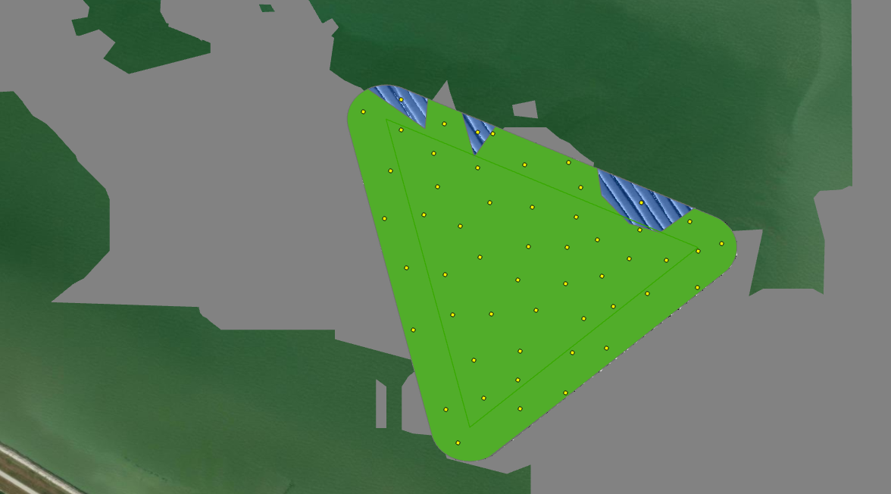
99 | 4 | 29.441746 | -94.892317 | On Reef | WGS 1984
99 | 5 | 29.43923 | -94.891617 | On Reef | WGS 1984
99 | 6 | 29.439349 | -94.887433 | On Reef | WGS 1984
99 | 7 | 29.439039 | -94.889828 | On Reef | WGS 1984
99 | 8 | 29.441451 | -94.891706 | On Reef | WGS 1984
99 | 9 | 29.437211 | -94.889058 | On Reef | WGS 1984
99 | 10 | 29.440849 | -94.890473 | On Reef | WGS 1984
99 | 11 | 29.440029 | -94.891978 | On Reef | WGS 1984
99 | 12 | 29.436413 | -94.890792 | On Reef | WGS 1984
99 | 13 | 29.436955 | -94.889792 | On Reef | WGS 1984
99 | 14 | 29.437743 | -94.890532 | On Reef | WGS 1984
99 | 15 | 29.439498 | -94.886913 | On Reef | WGS 1984
99 | 16 | 29.437125 | -94.890372 | On Reef | WGS 1984
99 | 17 | 29.439978 | -94.887057 | On Reef | WGS 1984
99 | 18 | 29.440207 | -94.889592 | On Reef | WGS 1984
99 | 19 | 29.439845 | -94.887856 | On Reef | WGS 1984
99 | 20 | 29.438812 | -94.88774 | On Reef | WGS 1984
99 | 21 | 29.441079 | -94.891175 | On Reef | WGS 1984
99 | 22 | 29.438471 | -94.89087 | On Reef | WGS 1984
99 | 23 | 29.43789 | -94.889788 | On Reef | WGS 1984
99 | 24 | 29.440526 | -94.888815 | On Reef | WGS 1984
99 | 25 | 29.436942 | -94.890989 | On Reef | WGS 1984
99 | 26 | 29.437866 | -94.888948 | On Reef | WGS 1984
99 | 27 | 29.44155 | -94.891004 | On Reef | WGS 1984
99 | 28 | 29.439099 | -94.888464 | On Reef | WGS 1984
99 | 29 | 29.439403 | -94.89043 | On Reef | WGS 1984
99 | 30 | 29.440279 | -94.890283 | On Reef | WGS 1984
99 | 31 | 29.440797 | -94.891877 | On Reef | WGS 1984
99 | 32 | 29.438551 | -94.889526 | On Reef | WGS 1984
99 | 33 | 29.439121 | -94.890996 | On Reef | WGS 1984
99 | 34 | 29.439623 | -94.886535 | On Reef | WGS 1984
99 | 35 | 29.438914 | -94.886934 | On Reef | WGS 1984
99 | 36 | 29.44009 | -94.891339 | On Reef | WGS 1984
99 | 37 | 29.43823 | -94.891514 | On Reef | WGS 1984
99 | 38 | 29.440537 | -94.891115 | On Reef | WGS 1984
99 | 39 | 29.437935 | -94.888396 | On Reef | WGS 1984
99 | 40 | 29.440887 | -94.889715 | On Reef | WGS 1984
99 | 41 | 29.438416 | -94.888768 | On Reef | WGS 1984
99 | 42 | 29.439678 | -94.888543 | On Reef | WGS 1984
99 | 43 | 29.441388 | -94.890233 | On Reef | WGS 1984
99 | 44 | 29.438972 | -94.889061 | On Reef | WGS 1984
99 | 45 | 29.439901 | -94.890757 | On Reef | WGS 1984
99 | 46 | 29.438484 | -94.89025 | On Reef | WGS 1984
99 | 47 | 29.440931 | -94.889007 | On Reef | WGS 1984
99 | 48 | 29.440051 | -94.888886 | On Reef | WGS 1984
99 | 49 | 29.438609 | -94.888287 | On Reef | WGS 1984
99 | 50 | 29.439383 | -94.888035 | On Reef | WGS 1984
99 | 51 | 29.440276 | -94.887839 | Off Reef | WGS 1984
99 | 52 | 29.441946 | -94.891705 | Off Reef | WGS 1984
99 | 53 | 29.441423 | -94.890478 | Off Reef | WGS 1984

3 (GB9)
App# | Point | Lat | Long | Reef | DATUM | Type | Acreage
3 | 1 | 29.513516 | -94.862164 | On Reef | WGS 1984 | On Reef | 28.2
3 | 2 | 29.513437 | -94.859601 | On Reef | WGS 1984 | Off Reef | 26.4
3 | 3 | 29.515215 | -94.860015 | On Reef | WGS 1984
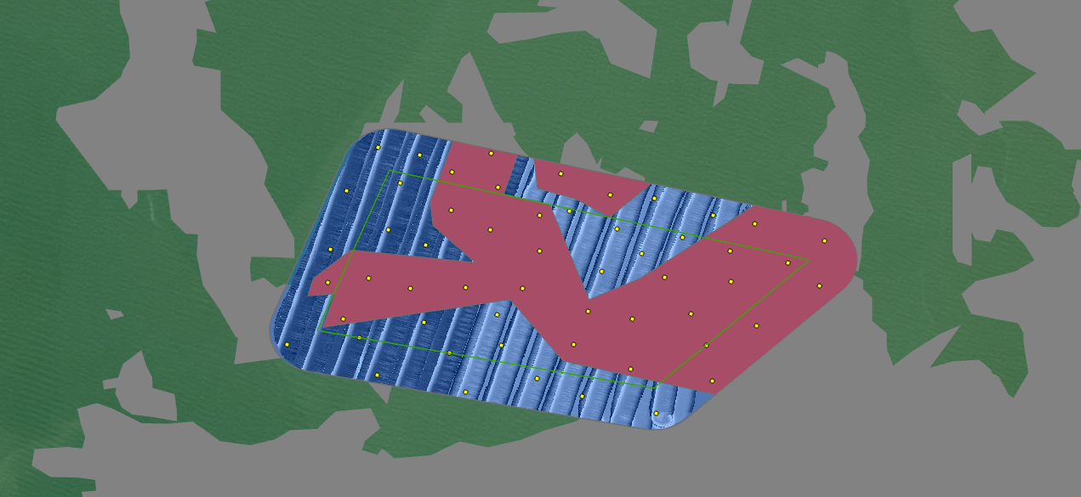
3 | 4 | 29.513445 | -94.860343 | On Reef | WGS 1984
3 | 5 | 29.514941 | -94.859095 | On Reef | WGS 1984
3 | 6 | 29.513925 | -94.856864 | On Reef | WGS 1984
3 | 7 | 29.513577 | -94.857726 | On Reef | WGS 1984
3 | 8 | 29.512214 | -94.857102 | On Reef | WGS 1984
3 | 9 | 29.513135 | -94.85873 | On Reef | WGS 1984
3 | 10 | 29.512938 | -94.856512 | On Reef | WGS 1984
3 | 11 | 29.5131 | -94.857381 | On Reef | WGS 1984
3 | 12 | 29.512376 | -94.85817 | On Reef | WGS 1984
3 | 13 | 29.51467 | -94.858444 | On Reef | WGS 1984
3 | 14 | 29.51357 | -94.861626 | On Reef | WGS 1984
3 | 15 | 29.513769 | -94.856107 | On Reef | WGS 1984
3 | 16 | 29.513432 | -94.861078 | On Reef | WGS 1984
3 | 17 | 29.513927 | -94.859369 | On Reef | WGS 1984
3 | 18 | 29.514396 | -94.859375 | On Reef | WGS 1984
3 | 19 | 29.51269 | -94.857173 | On Reef | WGS 1984
3 | 20 | 29.513036 | -94.861959 | On Reef | WGS 1984
3 | 21 | 29.514291 | -94.856536 | On Reef | WGS 1984
3 | 22 | 29.514965 | -94.860527 | On Reef | WGS 1984
3 | 23 | 29.512693 | -94.858925 | On Reef | WGS 1984
3 | 24 | 29.514766 | -94.859922 | On Reef | WGS 1984
3 | 25 | 29.513468 | -94.855691 | On Reef | WGS 1984
3 | 26 | 29.514061 | -94.855619 | On Reef | WGS 1984
3 | 27 | 29.514209 | -94.860024 | On Reef | WGS 1984
3 | 28 | 29.514464 | -94.860538 | On Reef | WGS 1984
3 | 29 | 29.513027 | -94.858155 | On Reef | WGS 1984
3 | 30 | 29.513519 | -94.856855 | On Reef | WGS 1984
3 | 31 | 29.514401 | -94.85709 | Off Reef | WGS 1984
3 | 32 | 29.511784 | -94.857833 | Off Reef | WGS 1984
3 | 33 | 29.512781 | -94.861749 | Off Reef | WGS 1984
3 | 34 | 29.513953 | -94.862131 | Off Reef | WGS 1984
3 | 35 | 29.514109 | -94.857492 | Off Reef | WGS 1984
3 | 36 | 29.515288 | -94.861495 | Off Reef | WGS 1984
3 | 37 | 29.512244 | -94.85941 | Off Reef | WGS 1984
3 | 38 | 29.513897 | -94.858031 | Off Reef | WGS 1984
3 | 39 | 29.512066 | -94.860343 | Off Reef | WGS 1984
3 | 40 | 29.514718 | -94.861912 | Off Reef | WGS 1984
3 | 41 | 29.514456 | -94.85898 | Off Reef | WGS 1984
3 | 42 | 29.514207 | -94.861366 | Off Reef | WGS 1984
3 | 43 | 29.513663 | -94.858556 | Off Reef | WGS 1984
3 | 44 | 29.512586 | -94.860564 | Off Reef | WGS 1984
3 | 45 | 29.51269 | -94.862692 | Off Reef | WGS 1984
3 | 46 | 29.514617 | -94.857865 | Off Reef | WGS 1984
3 | 47 | 29.514819 | -94.861211 | Off Reef | WGS 1984
3 | 48 | 29.515198 | -94.860955 | Off Reef | WGS 1984
3 | 49 | 29.512294 | -94.861514 | Off Reef | WGS 1984
3 | 50 | 29.513083 | -94.859933 | Off Reef | WGS 1984
3 | 51 | 29.514006 | -94.860869 | Off Reef | WGS 1984
3 | 52 | 29.512689 | -94.859872 | Off Reef | WGS 1984
3 | 53 | 29.512986 | -94.860896 | Off Reef | WGS 1984
3 | 54 | 29.514221 | -94.858358 | Off Reef | WGS 1984
3 | 55 | 29.512009 | -94.858814 | Off Reef | WGS 1984

12 (GB 10 AB)
App# | Point | Lat | Long | Reef | DATUM | Type | Acreage
12 | 1 | 29.507264 | -94.865061 | On Reef | WGS 1984 | On Reef | 63.8 | Area overlap considered in sampling frame
12 | 2 | 29.506118 | -94.862731 | On Reef | WGS 1984 | Off Reef | 2.9
12 | 3 | 29.50526 | -94.865231 | On Reef | WGS 1984
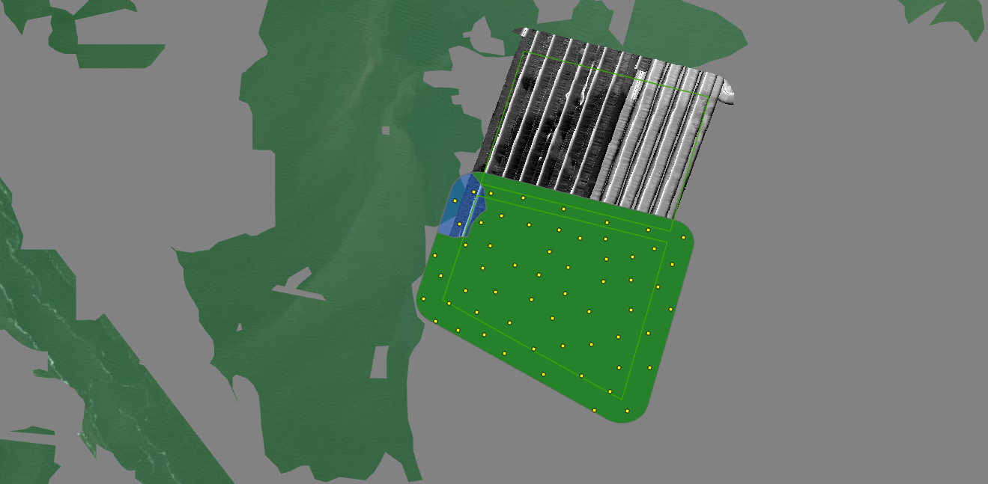
12 | 4 | 29.506201 | -94.865052 | On Reef | WGS 1984
12 | 5 | 29.504828 | -94.863476 | On Reef | WGS 1984
12 | 6 | 29.5064 | -94.86184 | On Reef | WGS 1984
12 | 7 | 29.507608 | -94.862883 | On Reef | WGS 1984
12 | 8 | 29.508473 | -94.864459 | On Reef | WGS 1984
12 | 9 | 29.503375 | -94.861283 | On Reef | WGS 1984
12 | 10 | 29.504385 | -94.860755 | On Reef | WGS 1984
12 | 11 | 29.507605 | -94.860783 | On Reef | WGS 1984
12 | 12 | 29.507243 | -94.864476 | On Reef | WGS 1984
12 | 13 | 29.504199 | -94.862341 | On Reef | WGS 1984
12 | 14 | 29.506007 | -94.866043 | On Reef | WGS 1984
12 | 15 | 29.506724 | -94.864664 | On Reef | WGS 1984
12 | 16 | 29.507409 | -94.86239 | On Reef | WGS 1984
12 | 17 | 29.505448 | -94.864025 | On Reef | WGS 1984
12 | 18 | 29.50568 | -94.8648 | On Reef | WGS 1984
12 | 19 | 29.506812 | -94.860225 | On Reef | WGS 1984
12 | 20 | 29.506982 | -94.861163 | On Reef | WGS 1984
12 | 21 | 29.507782 | -94.861753 | On Reef | WGS 1984
12 | 22 | 29.50494 | -94.862123 | On Reef | WGS 1984
12 | 23 | 29.507173 | -94.860651 | On Reef | WGS 1984
12 | 24 | 29.507108 | -94.863107 | On Reef | WGS 1984
12 | 25 | 29.507937 | -94.864217 | On Reef | WGS 1984
12 | 26 | 29.504397 | -94.861474 | On Reef | WGS 1984
12 | 27 | 29.506568 | -94.863355 | On Reef | WGS 1984
12 | 28 | 29.506277 | -94.86057 | On Reef | WGS 1984
12 | 29 | 29.508095 | -94.862777 | On Reef | WGS 1984
12 | 30 | 29.506164 | -94.864355 | On Reef | WGS 1984
12 | 31 | 29.503824 | -94.861687 | On Reef | WGS 1984
12 | 32 | 29.505708 | -94.862182 | On Reef | WGS 1984
12 | 33 | 29.507393 | -94.861793 | On Reef | WGS 1984
12 | 34 | 29.506435 | -94.86119 | On Reef | WGS 1984
12 | 35 | 29.504231 | -94.863243 | On Reef | WGS 1984
12 | 36 | 29.50744 | -94.859976 | On Reef | WGS 1984
12 | 37 | 29.507785 | -94.86469 | On Reef | WGS 1984
12 | 38 | 29.508359 | -94.863718 | On Reef | WGS 1984
12 | 39 | 29.507729 | -94.86358 | On Reef | WGS 1984
12 | 40 | 29.505113 | -94.861494 | On Reef | WGS 1984
12 | 41 | 29.506551 | -94.865636 | On Reef | WGS 1984
12 | 42 | 29.507007 | -94.865778 | On Reef | WGS 1984
12 | 43 | 29.505546 | -94.863029 | On Reef | WGS 1984
12 | 44 | 29.505481 | -94.865766 | On Reef | WGS 1984
12 | 45 | 29.504892 | -94.862784 | On Reef | WGS 1984
12 | 46 | 29.505734 | -94.861189 | On Reef | WGS 1984
12 | 47 | 29.505892 | -94.865449 | On Reef | WGS 1984
12 | 48 | 29.505763 | -94.860259 | On Reef | WGS 1984
12 | 49 | 29.503401 | -94.862053 | On Reef | WGS 1984
12 | 50 | 29.505168 | -94.864627 | On Reef | WGS 1984
12 | 51 | 29.505991 | -94.863513 | On Reef | WGS 1984
12 | 52 | 29.506924 | -94.861775 | On Reef | WGS 1984
12 | 53 | 29.504722 | -94.864153 | On Reef | WGS 1984
12 | 54 | 29.506733 | -94.862672 | On Reef | WGS 1984
12 | 55 | 29.50679 | -94.863903 | On Reef | WGS 1984
12 | 56 | 29.505203 | -94.860792 | On Reef | WGS 1984
12 | 57 | 29.508493 | -94.864874 | Off Reef | WGS 1984
12 | 58 | 29.508296 | -94.8653 | Off Reef | WGS 1984
12 | 59 | 29.507745 | -94.865201 | Off Reef | WGS 1984

102 (GB 10AB)
App# | Point | Lat | Long | Reef | DATUM | Type | Acreage
102 | 1 | 29.509041 | -94.86198 | On Reef | WGS 1984 | On Reef | 45 | Area overlap considered in sampling frame
102 | 2 | 29.509227 | -94.85955 | On Reef | WGS 1984 | Off Reef | 21
102 | 3 | 29.50807 | -94.861141 | On Reef | WGS 1984
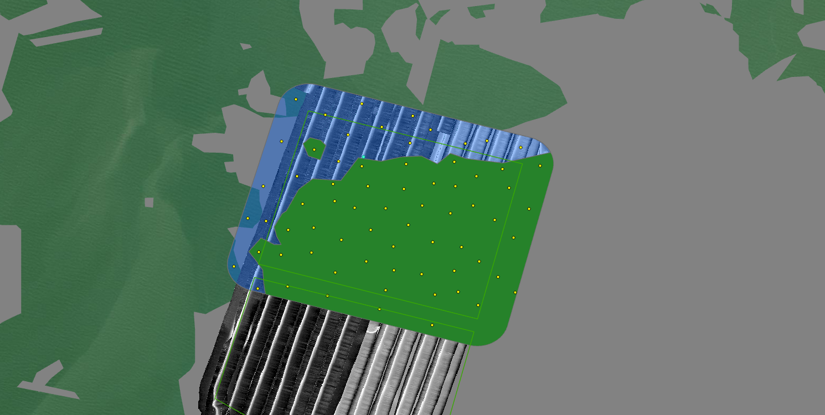
102 | 4 | 29.508426 | -94.859867 | On Reef | WGS 1984
102 | 5 | 29.509487 | -94.861678 | On Reef | WGS 1984
102 | 6 | 29.510712 | -94.86172 | On Reef | WGS 1984
102 | 7 | 29.50918 | -94.863035 | On Reef | WGS 1984
102 | 8 | 29.508745 | -94.860244 | On Reef | WGS 1984
102 | 9 | 29.510267 | -94.862501 | On Reef | WGS 1984
102 | 10 | 29.51101 | -94.863579 | On Reef | WGS 1984
102 | 11 | 29.509826 | -94.862759 | On Reef | WGS 1984
102 | 12 | 29.508873 | -94.864253 | On Reef | WGS 1984
102 | 13 | 29.509376 | -94.864109 | On Reef | WGS 1984
102 | 14 | 29.509134 | -94.861186 | On Reef | WGS 1984
102 | 15 | 29.508938 | -94.864701 | On Reef | WGS 1984
102 | 16 | 29.509809 | -94.859233 | On Reef | WGS 1984
102 | 17 | 29.510755 | -94.860748 | On Reef | WGS 1984
102 | 18 | 29.509966 | -94.863168 | On Reef | WGS 1984
102 | 19 | 29.509713 | -94.860827 | On Reef | WGS 1984
102 | 20 | 29.509816 | -94.862132 | On Reef | WGS 1984
102 | 21 | 29.510667 | -94.862623 | On Reef | WGS 1984
102 | 22 | 29.509875 | -94.861399 | On Reef | WGS 1984
102 | 23 | 29.510683 | -94.859015 | On Reef | WGS 1984
102 | 24 | 29.510611 | -94.85977 | On Reef | WGS 1984
102 | 25 | 29.509431 | -94.863591 | On Reef | WGS 1984
102 | 26 | 29.508481 | -94.861411 | On Reef | WGS 1984
102 | 27 | 29.510324 | -94.861165 | On Reef | WGS 1984
102 | 28 | 29.509031 | -94.860604 | On Reef | WGS 1984
102 | 29 | 29.508553 | -94.860746 | On Reef | WGS 1984
102 | 30 | 29.508522 | -94.863151 | On Reef | WGS 1984
102 | 31 | 29.510262 | -94.860722 | On Reef | WGS 1984
102 | 32 | 29.508562 | -94.861965 | On Reef | WGS 1984
102 | 33 | 29.508122 | -94.860667 | On Reef | WGS 1984
102 | 34 | 29.509877 | -94.860371 | On Reef | WGS 1984
102 | 35 | 29.508122 | -94.859518 | On Reef | WGS 1984
102 | 36 | 29.508159 | -94.86214 | On Reef | WGS 1984
102 | 37 | 29.51023 | -94.859642 | On Reef | WGS 1984
102 | 38 | 29.510209 | -94.861767 | On Reef | WGS 1984
102 | 39 | 29.509581 | -94.859936 | On Reef | WGS 1984
102 | 40 | 29.509382 | -94.862443 | On Reef | WGS 1984
102 | 41 | 29.508739 | -94.862529 | On Reef | WGS 1984
102 | 42 | 29.510313 | -94.863206 | On Reef | WGS 1984
102 | 43 | 29.510465 | -94.860306 | On Reef | WGS 1984
102 | 44 | 29.509911 | -94.863819 | On Reef | WGS 1984
102 | 45 | 29.508924 | -94.863633 | On Reef | WGS 1984
102 | 46 | 29.507863 | -94.860265 | On Reef | WGS 1984
102 | 47 | 29.508234 | -94.864125 | On Reef | WGS 1984
102 | 48 | 29.508043 | -94.863308 | On Reef | WGS 1984
102 | 49 | 29.507775 | -94.862266 | On Reef | WGS 1984
102 | 50 | 29.50745 | -94.861203 | On Reef | WGS 1984
102 | 51 | 29.510465 | -94.863932 | Off Reef | WGS 1984
102 | 52 | 29.511133 | -94.860521 | Off Reef | WGS 1984
102 | 53 | 29.51169 | -94.861593 | Off Reef | WGS 1984
102 | 54 | 29.510774 | -94.863088 | Off Reef | WGS 1984
102 | 55 | 29.511308 | -94.862902 | Off Reef | WGS 1984
102 | 56 | 29.511937 | -94.862624 | Off Reef | WGS 1984
102 | 57 | 29.511469 | -94.862213 | Off Reef | WGS 1984
102 | 58 | 29.511174 | -94.864246 | Off Reef | WGS 1984
102 | 59 | 29.510856 | -94.862584 | Off Reef | WGS 1984
102 | 60 | 29.511405 | -94.861235 | Off Reef | WGS 1984
102 | 61 | 29.509558 | -94.864556 | Off Reef | WGS 1984
102 | 62 | 29.510266 | -94.864608 | Off Reef | WGS 1984
102 | 63 | 29.511136 | -94.861642 | Off Reef | WGS 1984
102 | 64 | 29.509613 | -94.864925 | Off Reef | WGS 1984
102 | 65 | 29.512027 | -94.863947 | Off Reef | WGS 1984
102 | 66 | 29.51118 | -94.860084 | Off Reef | WGS 1984
102 | 67 | 29.511708 | -94.863356 | Off Reef | WGS 1984
102 | 68 | 29.511054 | -94.859405 | Off Reef | WGS 1984
102 | 69 | 29.508644 | -94.8652 | Off Reef | WGS 1984
102 | 70 | 29.508195 | -94.864728 | Off Reef | WGS 1984

