27 (GB29)-updated
App# | Point | Lat | Long | Reef | DATUM | Type | Acreage
27 | 1 | 29.476712 | -94.716979 | On Reef | WGS 1984 | On Reef | 105.3
27 | 2 | 29.476846 | -94.714596 | On Reef | WGS 1984 | Off Reef | 10.4 | *also takes into consideration samples from 109 overlap that have already been assigned
27 | 3 | 29.478322 | -94.715861 | On Reef | WGS 1984 |  |  | *updated from JWs coordinates 9/17/2026
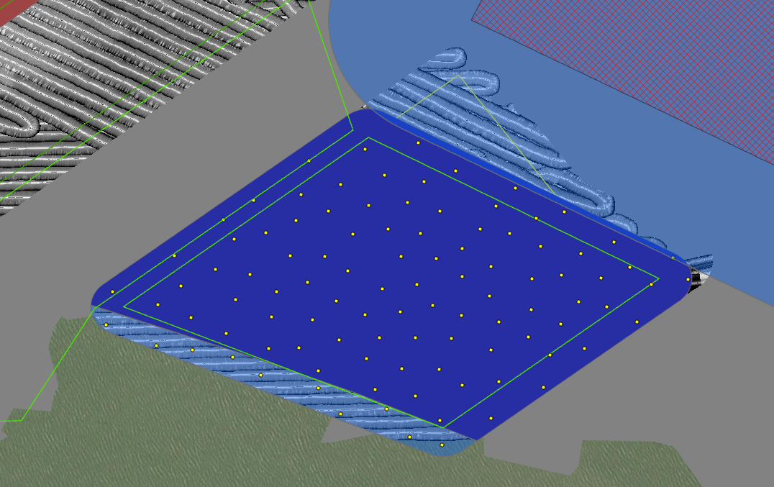
27 | 4 | 29.478817 | -94.713943 | On Reef | WGS 1984
27 | 5 | 29.479409 | -94.715282 | On Reef | WGS 1984
27 | 6 | 29.479705 | -94.716074 | On Reef | WGS 1984
27 | 7 | 29.479992 | -94.71986 | On Reef | WGS 1984
27 | 8 | 29.47731 | -94.71714 | On Reef | WGS 1984
27 | 9 | 29.479981 | -94.713858 | On Reef | WGS 1984
27 | 10 | 29.476783 | -94.715304 | On Reef | WGS 1984
27 | 11 | 29.480464 | -94.718371 | On Reef | WGS 1984
27 | 12 | 29.478375 | -94.721133 | On Reef | WGS 1984
27 | 13 | 29.479443 | -94.713774 | On Reef | WGS 1984
27 | 14 | 29.479621 | -94.719658 | On Reef | WGS 1984
27 | 15 | 29.480216 | -94.714631 | On Reef | WGS 1984
27 | 16 | 29.4807 | -94.716006 | On Reef | WGS 1984
27 | 17 | 29.479795 | -94.716704 | On Reef | WGS 1984
27 | 18 | 29.480563 | -94.714255 | On Reef | WGS 1984
27 | 19 | 29.47849 | -94.71476 | On Reef | WGS 1984
27 | 20 | 29.479271 | -94.717921 | On Reef | WGS 1984
27 | 21 | 29.477703 | -94.716889 | On Reef | WGS 1984
27 | 22 | 29.479514 | -94.712368 | On Reef | WGS 1984
27 | 23 | 29.480907 | -94.715397 | On Reef | WGS 1984
27 | 24 | 29.479201 | -94.711242 | On Reef | WGS 1984
27 | 25 | 29.477472 | -94.712944 | On Reef | WGS 1984
27 | 26 | 29.480661 | -94.717611 | On Reef | WGS 1984
27 | 27 | 29.480095 | -94.713312 | On Reef | WGS 1984
27 | 28 | 29.478611 | -94.718855 | On Reef | WGS 1984
27 | 29 | 29.479298 | -94.713 | On Reef | WGS 1984
27 | 30 | 29.479027 | -94.712062 | On Reef | WGS 1984
27 | 31 | 29.480247 | -94.717067 | On Reef | WGS 1984
27 | 32 | 29.480152 | -94.717845 | On Reef | WGS 1984
27 | 33 | 29.478777 | -94.718262 | On Reef | WGS 1984
27 | 34 | 29.478263 | -94.71251 | On Reef | WGS 1984
27 | 35 | 29.481115 | -94.718213 | On Reef | WGS 1984
27 | 36 | 29.478889 | -94.713383 | On Reef | WGS 1984
27 | 37 | 29.478125 | -94.718947 | On Reef | WGS 1984
27 | 38 | 29.477941 | -94.713406 | On Reef | WGS 1984
27 | 39 | 29.479213 | -94.715786 | On Reef | WGS 1984
27 | 40 | 29.478942 | -94.719353 | On Reef | WGS 1984
27 | 41 | 29.478068 | -94.718161 | On Reef | WGS 1984
27 | 42 | 29.478825 | -94.712626 | On Reef | WGS 1984
27 | 43 | 29.478722 | -94.716157 | On Reef | WGS 1984
27 | 44 | 29.47815 | -94.717156 | On Reef | WGS 1984
27 | 45 | 29.478783 | -94.710955 | On Reef | WGS 1984
27 | 46 | 29.476589 | -94.716202 | On Reef | WGS 1984
27 | 47 | 29.479262 | -94.716462 | On Reef | WGS 1984
27 | 48 | 29.476111 | -94.71574 | On Reef | WGS 1984
27 | 49 | 29.479699 | -94.717378 | On Reef | WGS 1984
27 | 50 | 29.480132 | -94.715706 | On Reef | WGS 1984
27 | 51 | 29.479044 | -94.720022 | On Reef | WGS 1984
27 | 52 | 29.477698 | -94.716193 | On Reef | WGS 1984
27 | 53 | 29.476139 | -94.714759 | On Reef | WGS 1984
27 | 54 | 29.479297 | -94.718582 | On Reef | WGS 1984
27 | 55 | 29.477348 | -94.713606 | On Reef | WGS 1984
27 | 56 | 29.47842 | -94.717712 | On Reef | WGS 1984
27 | 57 | 29.478694 | -94.711653 | On Reef | WGS 1984
27 | 58 | 29.48037 | -94.719283 | On Reef | WGS 1984
27 | 59 | 29.479779 | -94.714929 | On Reef | WGS 1984
27 | 60 | 29.479685 | -94.714363 | On Reef | WGS 1984
27 | 61 | 29.478469 | -94.719633 | On Reef | WGS 1984
27 | 62 | 29.47822 | -94.713961 | On Reef | WGS 1984
27 | 63 | 29.479065 | -94.714731 | On Reef | WGS 1984
27 | 64 | 29.479001 | -94.717481 | On Reef | WGS 1984
27 | 65 | 29.477816 | -94.719826 | On Reef | WGS 1984
27 | 66 | 29.478123 | -94.715309 | On Reef | WGS 1984
27 | 67 | 29.476727 | -94.713739 | On Reef | WGS 1984
27 | 68 | 29.477974 | -94.711941 | On Reef | WGS 1984
27 | 69 | 29.478869 | -94.71528 | On Reef | WGS 1984
27 | 70 | 29.477678 | -94.717658 | On Reef | WGS 1984
27 | 71 | 29.481324 | -94.717134 | On Reef | WGS 1984
27 | 72 | 29.481446 | -94.71611 | On Reef | WGS 1984
27 | 73 | 29.478637 | -94.722006 | On Reef | WGS 1984
27 | 74 | 29.478128 | -94.720494 | On Reef | WGS 1984
27 | 75 | 29.478652 | -94.716814 | On Reef | WGS 1984
27 | 76 | 29.480296 | -94.716325 | On Reef | WGS 1984
27 | 77 | 29.477107 | -94.716453 | On Reef | WGS 1984
27 | 78 | 29.477997 | -94.714594 | On Reef | WGS 1984
27 | 79 | 29.477528 | -94.718431 | On Reef | WGS 1984
27 | 80 | 29.478204 | -94.716475 | On Reef | WGS 1984
27 | 81 | 29.477522 | -94.719017 | On Reef | WGS 1984
27 | 82 | 29.477096 | -94.715745 | On Reef | WGS 1984
27 | 83 | 29.479747 | -94.719053 | On Reef | WGS 1984
27 | 84 | 29.478368 | -94.713045 | On Reef | WGS 1984
27 | 85 | 29.477704 | -94.714018 | On Reef | WGS 1984
27 | 86 | 29.479971 | -94.718468 | On Reef | WGS 1984
27 | 87 | 29.480833 | -94.716757 | On Reef | WGS 1984
27 | 88 | 29.479308 | -94.720812 | On Reef | WGS 1984
27 | 89 | 29.477078 | -94.718059 | On Reef | WGS 1984
27 | 90 | 29.477689 | -94.715503 | On Reef | WGS 1984
27 | 91 | 29.477462 | -94.714741 | On Reef | WGS 1984
27 | 92 | 29.478739 | -94.720693 | On Reef | WGS 1984
27 | 93 | 29.4775 | -94.720478 | Off Reef | WGS 1984
27 | 94 | 29.478 | -94.722131 | Off Reef | WGS 1984
27 | 95 | 29.477595 | -94.721168 | Off Reef | WGS 1984
27 | 96 | 29.476334 | -94.716756 | Off Reef | WGS 1984
27 | 97 | 29.475802 | -94.716322 | Off Reef | WGS 1984
27 | 98 | 29.475637 | -94.715698 | Off Reef | WGS 1984
27 | 99 | 29.477361 | -94.71971 | Off Reef | WGS 1984
27 | 100 | 29.476756 | -94.718062 | Off Reef | WGS 1984
27 | 101 | 29.476247 | -94.717634 | Off Reef | WGS 1984
27 | 102 | 29.477006 | -94.719169 | Off Reef | WGS 1984

