Charts
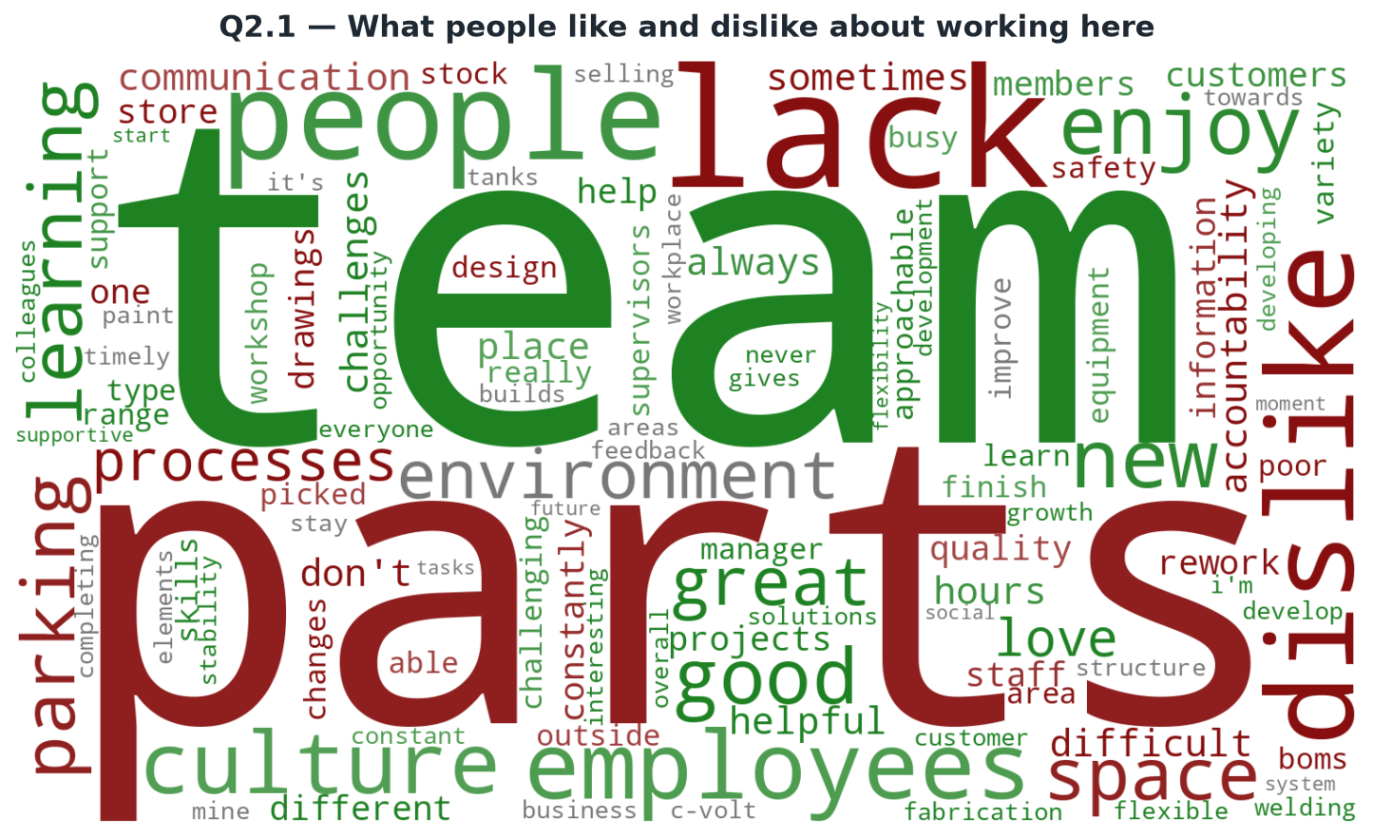
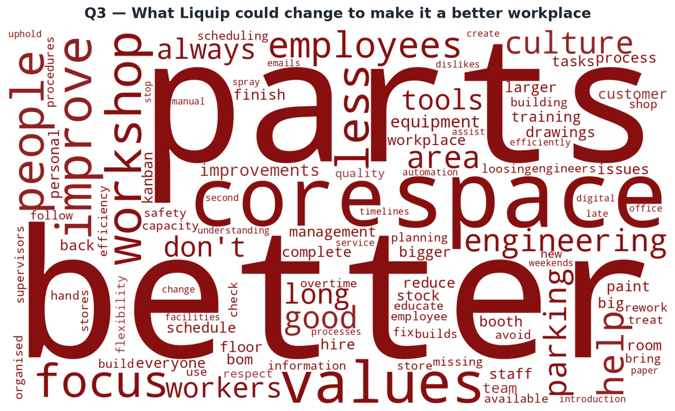
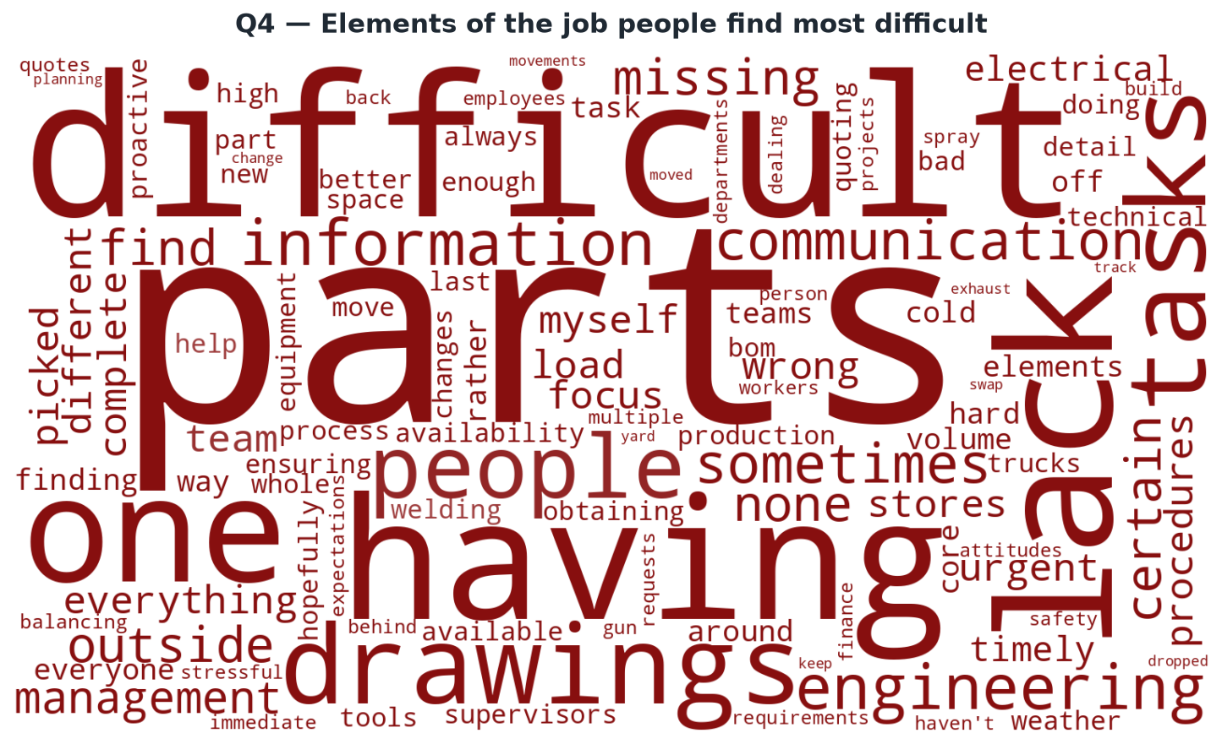
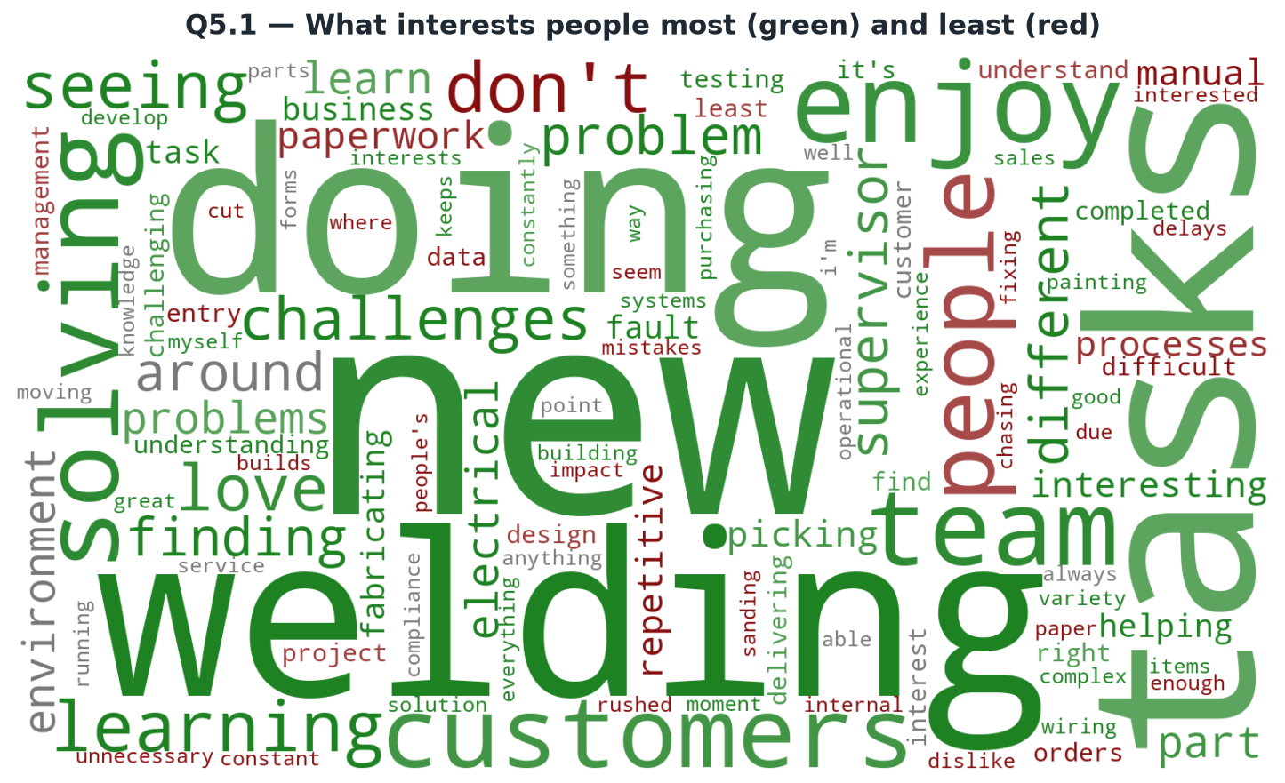
Employee Feedback 2026 — summary of all 87 responses
Multiple-choice questions are shown as bar / pie charts. Written answers are shown as word clouds: green = positive inference, red = negative inference, grey = used about equally either way. Word size = how often the word appears across all responses.

Q1 — Rating of working experience (tick all that apply)
Q1.1 — Has the past year been good / satisfactory / bad?

Q2 — Rating working for this organisation (tick all that apply)
Q5 — Interest in this role (tick all that apply)

