Sheet1
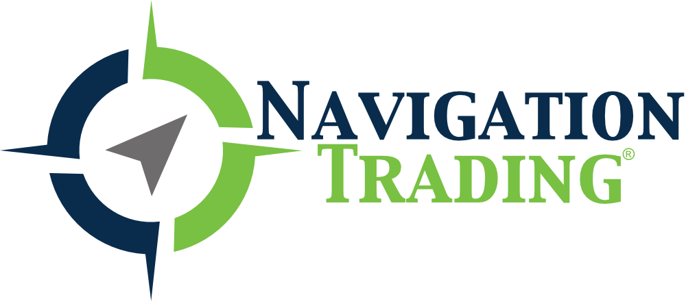

Below are the estimated earnings announcements. Dates and times are subject to change. Please check the company's website for confirmation.
This sheet will be updated weekly.

Please complete our course "How To Trade Options on Earnings for Quick Profits" for earnings announcement strategies.
We have added a video module to the course to explain how to use this sheet.

Company Name | Symbol | Earnings Date (* is estimate) | Before Market Open/After Market Close
Apple Inc. | AAPL | Nov 01, 2018* | NA
ADBE | ADBE | NA | NA
Analog Devices, Inc. | ADI | Nov 20, 2018* | NA
Archer-Daniels-Midland Company | ADM | Oct 30, 2018* | NA
ADSK | ADSK | NA | NA
Agnico Eagle Mines Limited | AEM | Oct 24, 2018* | amc
AGO | AGO | NA | NA
American International Group, Inc. | AIG | Nov 01, 2018* | NA
Akamai Technologies, Inc. | AKAM | Oct 23, 2018* | NA
Allstate Corporation (The) | ALL | Nov 07, 2018* | NA
Applied Materials, Inc. | AMAT | Nov 15, 2018* | NA
AMBA | AMBA | NA | NA
Advanced Micro Devices, Inc. | AMD | Oct 23, 2018* | NA
Amgen Inc. | AMGN | Oct 24, 2018* | NA
Amazon.com, Inc. | AMZN | Oct 25, 2018* | NA
Abercrombie & Fitch Company | ANF | Nov 16, 2018* | NA
Apache Corporation | APA | Nov 01, 2018* | NA
Anadarko Petroleum Corporation | APC | Oct 30, 2018* | NA
ASML Holding N.V. | ASML | Oct 17, 2018* | bmo
Activision Blizzard, Inc | ATVI | Nov 01, 2018* | NA
AVGO | AVGO | NA | NA
American Express Company | AXP | Oct 18, 2018* | amc
Boeing Company (The) | BA | Oct 24, 2018* | bmo
Alibaba Group Holding Limited | BABA | Nov 01, 2018* | NA
Bank of America Corporation | BAC | Oct 15, 2018* | bmo
BB&T Corporation | BBT | Oct 18, 2018* | bmo
Best Buy Co., Inc. | BBY | Nov 15, 2018* | NA
BHP | BHP | NA | NA
Baidu, Inc. | BIDU | Oct 25, 2018* | NA
Biogen Inc. | BIIB | Oct 23, 2018* | bmo
Booking Holdings Inc. | BKNG | Nov 05, 2018* | NA
BP p.l.c. | BP | Oct 30, 2018* | bmo
Citigroup Inc. | C | Oct 12, 2018* | bmo
Caterpillar, Inc. | CAT | Oct 23, 2018* | bmo
Celgene Corporation | CELG | Oct 25, 2018* | NA
CF Industries Holdings, Inc. | CF | Nov 07, 2018* | NA
CIEN | CIEN | NA | NA
Comerica Incorporated | CMA | Oct 16, 2018* | bmo
Comcast Corporation | CMCSA | Oct 25, 2018* | bmo
Chipotle Mexican Grill, Inc. | CMG | Oct 25, 2018* | amc
Capital One Financial Corporation | COF | Oct 23, 2018* | NA
Costco Wholesale Corporation | COST | Oct 04, 2018* | amc
Cree, Inc. | CREE | Oct 16, 2018* | amc
Salesforce.com Inc | CRM | Nov 20, 2018* | NA
Cisco Systems, Inc. | CSCO | Nov 21, 2018* | NA
CSX Corporation | CSX | Oct 16, 2018* | amc
CVS Health Corporation | CVS | Nov 05, 2018* | NA
Chevron Corporation | CVX | Oct 26, 2018* | NA
Delta Air Lines, Inc. | DAL | Oct 10, 2018* | NA
3D Systems Corporation | DDD | Oct 30, 2018* | NA
DE | DE | NA | NA
Walt Disney Company (The) | DIS | Nov 08, 2018* | NA
Devon Energy Corporation | DVN | Nov 06, 2018* | amc
Electronic Arts Inc. | EA | Oct 30, 2018* | NA
eBay Inc. | EBAY | Oct 17, 2018* | NA
Energy Transfer Equity, L.P. | ETE | Nov 06, 2018* | NA
EWJ | EWJ | NA | NA
EWT | EWT | NA | NA
EWY | EWY | NA | NA
Ford Motor Company | F | Oct 24, 2018* | amc
Facebook, Inc. | FB | Nov 07, 2018* | NA
Freeport-McMoran, Inc. | FCX | Oct 24, 2018* | NA
FDX | FDX | NA | NA
F5 Networks, Inc. | FFIV | Oct 24, 2018* | amc
Fitbit, Inc. | FIT | Nov 07, 2018* | NA
Fifth Third Bancorp | FITB | Oct 23, 2018* | bmo
Foot Locker, Inc. | FL | Nov 16, 2018* | NA
First Solar, Inc. | FSLR | Oct 25, 2018* | NA
General Electric Company | GE | Oct 25, 2018* | bmo
Goldcorp Inc. | GG | Oct 24, 2018* | NA
Gilead Sciences, Inc. | GILD | Oct 25, 2018* | NA
GIS | GIS | NA | NA
Corning Incorporated | GLW | Oct 23, 2018* | NA
General Motors Company | GM | Oct 23, 2018* | NA
Gamestop Corporation | GME | Nov 20, 2018* | NA
GOOG | GOOG | NA | NA
Alphabet Inc. | GOOGL | Oct 25, 2018* | amc
Gap, Inc. (The) | GPS | Nov 15, 2018* | NA
Garmin Ltd. | GRMN | Nov 07, 2018* | NA
Goldman Sachs Group, Inc. (The) | GS | Oct 16, 2018* | NA
Halliburton Company | HAL | Oct 22, 2018* | bmo
Home Depot, Inc. (The) | HD | Nov 13, 2018* | NA
Harley-Davidson, Inc. | HOG | Oct 23, 2018* | bmo
Honeywell International Inc. | HON | Oct 19, 2018* | bmo
HSBC Holdings plc | HSBC | Oct 29, 2018* | NA
International Business Machines Corporation | IBM | Oct 16, 2018* | amc
ILG | ILG | NA | NA
Intel Corporation | INTC | Oct 25, 2018* | amc
International Paper Company | IP | Oct 24, 2018* | NA
IYR | IYR | NA | NA
JD.com, Inc. | JD | Nov 12, 2018* | NA
Johnson & Johnson | JNJ | Oct 16, 2018* | bmo
Juniper Networks, Inc. | JNPR | Oct 23, 2018* | amc
J P Morgan Chase & Co | JPM | Oct 12, 2018* | bmo
KBH | KBH | NA | NA
KeyCorp | KEY | Oct 18, 2018* | bmo
Kinder Morgan, Inc. | KMI | Oct 19, 2018* | NA
Coca-Cola Company (The) | KO | Oct 30, 2018* | bmo
KR | KR | NA | NA
KRE | KRE | NA | NA
Eli Lilly and Company | LLY | Oct 23, 2018* | NA
Lockheed Martin Corporation | LMT | Oct 23, 2018* | NA
Lincoln National Corporation | LNC | Nov 01, 2018* | amc
Lowe's Companies, Inc. | LOW | Nov 20, 2018* | NA
LULU | LULU | NA | NA
Las Vegas Sands Corp. | LVS | Oct 24, 2018* | NA
Macy's Inc | M | Nov 08, 2018* | NA
Mastercard Incorporated | MA | Oct 30, 2018* | NA
McDonald's Corporation | MCD | Oct 23, 2018* | NA
Medtronic plc | MDT | Nov 20, 2018* | NA
MetLife, Inc. | MET | Nov 07, 2018* | NA
MGM Resorts International | MGM | Nov 14, 2018* | NA
3M Company | MMM | Oct 23, 2018* | bmo
Altria Group | MO | Oct 25, 2018* | NA
MOMO | MOMO | NA | NA
MON | MON | NA | NA
Mosaic Company (The) | MOS | Oct 30, 2018* | NA
Marathon Petroleum Corporation | MPC | Oct 25, 2018* | NA
Merck & Company, Inc. | MRK | Oct 25, 2018* | bmo
MRVL | MRVL | NA | NA
Morgan Stanley | MS | Oct 16, 2018* | bmo
Microsoft Corporation | MSFT | Oct 25, 2018* | NA
Motorola Solutions, Inc. | MSI | Nov 01, 2018* | NA
ArcelorMittal | MT | Nov 09, 2018* | NA
MU | MU | NA | NA
Newmont Mining Corporation | NEM | Oct 25, 2018* | bmo
Netflix, Inc. | NFLX | Oct 16, 2018* | amc
NKE | NKE | NA | NA
National Oilwell Varco, Inc. | NOV | Oct 25, 2018* | amc
NetApp, Inc. | NTAP | Nov 21, 2018* | NA
Nucor Corporation | NUE | Oct 18, 2018* | NA
NVIDIA Corporation | NVDA | Nov 08, 2018* | NA
ORCL | ORCL | NA | NA
Occidental Petroleum Corporation | OXY | Nov 07, 2018* | NA
Pepsico, Inc. | PEP | Oct 02, 2018* | bmo
Pfizer, Inc. | PFE | Oct 30, 2018* | bmo
Procter & Gamble Company (The) | PG | Oct 19, 2018* | bmo
Philip Morris International Inc | PM | Oct 18, 2018* | NA
PNC Financial Services Group, Inc. (The) | PNC | Oct 12, 2018* | bmo
Prudential Financial, Inc. | PRU | Nov 07, 2018* | NA
PayPal Holdings, Inc. | PYPL | Oct 18, 2018* | NA
QUALCOMM Incorporated | QCOM | Nov 07, 2018* | NA
Ferrari N.V. | RACE | Nov 05, 2018* | bmo
Regions Financial Corporation | RF | Oct 23, 2018* | bmo
RH | RH | NA | NA
Starbucks Corporation | SBUX | Nov 01, 2018* | NA
Shopify Inc. | SHOP | Oct 30, 2018* | NA
Sina Corporation | SINA | Nov 06, 2018* | NA
Schlumberger N.V. | SLB | Oct 19, 2018* | bmo
Snap Inc. | SNAP | Nov 06, 2018* | NA
Teva Pharmaceutical Industries Limited | TEVA | Nov 01, 2018* | NA
Target Corporation | TGT | Nov 21, 2018* | NA
THO | THO | NA | NA
TIF | TIF | NA | NA
T-Mobile US, Inc. | TMUS | Oct 22, 2018* | NA
TNA | TNA | NA | NA
Tesla, Inc. | TSLA | Nov 07, 2018* | NA
Twitter, Inc. | TWTR | Oct 25, 2018* | NA
TWX | TWX | NA | NA
Texas Instruments Incorporated | TXN | Oct 23, 2018* | amc
United Continental Holdings, Inc. | UAL | Oct 17, 2018* | NA
ULTA | ULTA | NA | NA
UnitedHealth Group Incorporated | UNH | Oct 16, 2018* | bmo
Union Pacific Corporation | UNP | Oct 25, 2018* | bmo
United Parcel Service, Inc. | UPS | Oct 24, 2018* | bmo
U.S. Bancorp | USB | Oct 17, 2018* | bmo
United Technologies Corporation | UTX | Oct 23, 2018* | NA
Visa Inc. | V | Oct 24, 2018* | NA
VEEV | VEEV | NA | NA
Valero Energy Corporation | VLO | Oct 25, 2018* | bmo
VeriSign, Inc. | VRSN | Oct 25, 2018* | NA
Verizon Communications Inc. | VZ | Oct 23, 2018* | bmo
Walgreens Boots Alliance, Inc. | WBA | Oct 11, 2018* | bmo
Western Digital Corporation | WDC | Oct 25, 2018* | NA
Wells Fargo & Company | WFC | Oct 12, 2018* | bmo
Walmart Inc. | WMT | Nov 15, 2018* | NA
United States Steel Corporation | X | Oct 30, 2018* | NA
Yelp Inc. | YELP | Nov 07, 2018* | NA
Yum! Brands, Inc. | YUM | Nov 01, 2018* | NA
Zions Bancorporation | ZION | Oct 22, 2018* | NA

