Sheet1
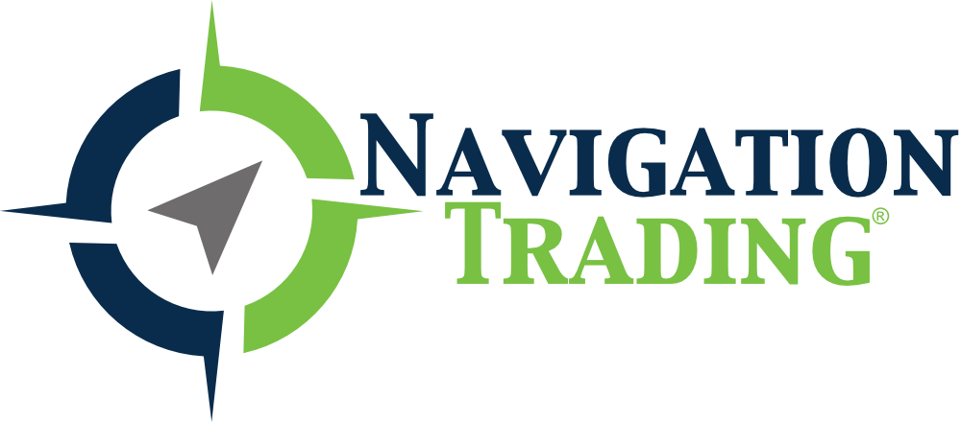

Below are the estimated earnings announcements. Dates and times are subject to change. Please check the company's website for confirmation.
This sheet will be updated weekly.

Please complete our course "How To Trade Options on Earnings for Quick Profits" for earnings announcement strategies.
We have added a video module to the course to explain how to use this sheet.

Company Name | Symbol | Earnings Date (estimate) | Before Market Open/After Market Close
Costco Wholesale Corporation | COST | Oct 04, 2018 | amc
Delta Air Lines, Inc. | DAL | Oct 10, 2018 | NA
Walgreens Boots Alliance, Inc. | WBA | Oct 11, 2018 | bmo
PNC Financial Services Group, Inc. (The) | PNC | Oct 12, 2018 | bmo
Citigroup Inc. | C | Oct 12, 2018 | bmo
Wells Fargo & Company | WFC | Oct 12, 2018 | bmo
J P Morgan Chase & Co | JPM | Oct 12, 2018 | bmo
Bank of America Corporation | BAC | Oct 15, 2018 | bmo
Johnson & Johnson | JNJ | Oct 16, 2018 | bmo
Comerica Incorporated | CMA | Oct 16, 2018 | bmo
International Business Machines Corporation | IBM | Oct 16, 2018 | amc
Cree, Inc. | CREE | Oct 16, 2018 | amc
Goldman Sachs Group, Inc. (The) | GS | Oct 16, 2018 | NA
Morgan Stanley | MS | Oct 16, 2018 | bmo
Netflix, Inc. | NFLX | Oct 16, 2018 | amc
UnitedHealth Group Incorporated | UNH | Oct 16, 2018 | bmo
CSX Corporation | CSX | Oct 16, 2018 | amc
United Continental Holdings, Inc. | UAL | Oct 17, 2018 | NA
U.S. Bancorp | USB | Oct 17, 2018 | bmo
ASML Holding N.V. | ASML | Oct 17, 2018 | bmo
eBay Inc. | EBAY | Oct 17, 2018 | NA
American Express Company | AXP | Oct 18, 2018 | amc
Philip Morris International Inc | PM | Oct 18, 2018 | NA
BB&T Corporation | BBT | Oct 18, 2018 | bmo
Nucor Corporation | NUE | Oct 18, 2018 | bmo
KeyCorp | KEY | Oct 18, 2018 | bmo
PayPal Holdings, Inc. | PYPL | Oct 18, 2018 | NA
Schlumberger N.V. | SLB | Oct 19, 2018 | bmo
Procter & Gamble Company (The) | PG | Oct 19, 2018 | bmo
Honeywell International Inc. | HON | Oct 19, 2018 | bmo
Kinder Morgan, Inc. | KMI | Oct 19, 2018 | NA
T-Mobile US, Inc. | TMUS | Oct 22, 2018 | NA
Halliburton Company | HAL | Oct 22, 2018 | bmo
Zions Bancorporation N.A. | ZION | Oct 22, 2018 | NA
Verizon Communications Inc. | VZ | Oct 23, 2018 | bmo
Regions Financial Corporation | RF | Oct 23, 2018 | bmo
Fifth Third Bancorp | FITB | Oct 23, 2018 | bmo
Advanced Micro Devices, Inc. | AMD | Oct 23, 2018 | NA
Caterpillar, Inc. | CAT | Oct 23, 2018 | bmo
Corning Incorporated | GLW | Oct 23, 2018 | NA
Harley-Davidson, Inc. | HOG | Oct 23, 2018 | bmo
Juniper Networks, Inc. | JNPR | Oct 23, 2018 | amc
United Technologies Corporation | UTX | Oct 23, 2018 | NA
Capital One Financial Corporation | COF | Oct 23, 2018 | amc
3M Company | MMM | Oct 23, 2018 | bmo
Eli Lilly and Company | LLY | Oct 23, 2018 | NA
Texas Instruments Incorporated | TXN | Oct 23, 2018 | amc
Lockheed Martin Corporation | LMT | Oct 23, 2018 | NA
McDonald's Corporation | MCD | Oct 23, 2018 | bmo
Biogen Inc. | BIIB | Oct 23, 2018 | bmo
Agnico Eagle Mines Limited | AEM | Oct 24, 2018 | amc
Ford Motor Company | F | Oct 24, 2018 | amc
F5 Networks, Inc. | FFIV | Oct 24, 2018 | amc
Amgen Inc. | AMGN | Oct 24, 2018 | NA
Freeport-McMoran, Inc. | FCX | Oct 24, 2018 | bmo
Goldcorp Inc. | GG | Oct 24, 2018 | amc
Las Vegas Sands Corp. | LVS | Oct 24, 2018 | NA
Visa Inc. | V | Oct 24, 2018 | amc
Boeing Company (The) | BA | Oct 24, 2018 | bmo
United Parcel Service, Inc. | UPS | Oct 24, 2018 | bmo
Amazon.com, Inc. | AMZN | Oct 25, 2018 | NA
VeriSign, Inc. | VRSN | Oct 25, 2018 | amc
Merck & Company, Inc. | MRK | Oct 25, 2018 | bmo
Union Pacific Corporation | UNP | Oct 25, 2018 | bmo
Marathon Petroleum Corporation | MPC | Oct 25, 2018 | NA
Intel Corporation | INTC | Oct 25, 2018 | amc
International Paper Company | IP | Oct 25, 2018 | bmo
Baidu, Inc. | BIDU | Oct 25, 2018 | NA
Western Digital Corporation | WDC | Oct 25, 2018 | amc
Altria Group | MO | Oct 25, 2018 | NA
Chipotle Mexican Grill, Inc. | CMG | Oct 25, 2018 | amc
Comcast Corporation | CMCSA | Oct 25, 2018 | bmo
Twitter, Inc. | TWTR | Oct 25, 2018 | NA
Valero Energy Corporation | VLO | Oct 25, 2018 | bmo
Alphabet Inc. | GOOGL | Oct 25, 2018 | amc
Celgene Corporation | CELG | Oct 25, 2018 | bmo
First Solar, Inc. | FSLR | Oct 25, 2018 | NA
Newmont Mining Corporation | NEM | Oct 25, 2018 | bmo
Gilead Sciences, Inc. | GILD | Oct 25, 2018 | amc
General Electric Company | GE | Oct 25, 2018 | bmo
Microsoft Corporation | MSFT | Oct 25, 2018 | NA
National Oilwell Varco, Inc. | NOV | Oct 25, 2018 | amc
Chevron Corporation | CVX | Oct 26, 2018 | NA
Akamai Technologies, Inc. | AKAM | Oct 29, 2018 | amc
HSBC Holdings plc | HSBC | Oct 29, 2018 | NA
Electronic Arts Inc. | EA | Oct 30, 2018 | NA
Mastercard Incorporated | MA | Oct 30, 2018 | bmo
Coca-Cola Company (The) | KO | Oct 30, 2018 | bmo
Facebook, Inc. | FB | Oct 30, 2018 | amc
Mosaic Company (The) | MOS | Oct 30, 2018 | NA
3D Systems Corporation | DDD | Oct 30, 2018 | amc
Archer-Daniels-Midland Company | ADM | Oct 30, 2018 | NA
Shopify Inc. | SHOP | Oct 30, 2018 | NA
BP p.l.c. | BP | Oct 30, 2018 | bmo
Pfizer, Inc. | PFE | Oct 30, 2018 | bmo
Anadarko Petroleum Corporation | APC | Oct 30, 2018 | NA
United States Steel Corporation | X | Oct 30, 2018 | NA
Allstate Corporation (The) | ALL | Oct 31, 2018 | amc
Yum! Brands, Inc. | YUM | Oct 31, 2018 | bmo
Garmin Ltd. | GRMN | Oct 31, 2018 | bmo
General Motors Company | GM | Oct 31, 2018 | bmo
Teva Pharmaceutical Industries Limited | TEVA | Nov 01, 2018 | NA
MetLife, Inc. | MET | Nov 01, 2018 | amc
Starbucks Corporation | SBUX | Nov 01, 2018 | NA
Motorola Solutions, Inc. | MSI | Nov 01, 2018 | NA
Apple Inc. | AAPL | Nov 01, 2018 | NA
Lincoln National Corporation | LNC | Nov 01, 2018 | amc
American International Group, Inc. | AIG | Nov 01, 2018 | NA
Apache Corporation | APA | Nov 01, 2018 | NA
Alibaba Group Holding Limited | BABA | Nov 01, 2018 | NA
Ferrari N.V. | RACE | Nov 05, 2018 | bmo
Occidental Petroleum Corporation | OXY | Nov 05, 2018 | amc
Booking Holdings Inc. | BKNG | Nov 05, 2018 | NA
CVS Health Corporation | CVS | Nov 05, 2018 | NA
Energy Transfer Equity, L.P. | ETE | Nov 06, 2018 | NA
Devon Energy Corporation | DVN | Nov 06, 2018 | amc
Sina Corporation | SINA | Nov 06, 2018 | NA
Snap Inc. | SNAP | Nov 06, 2018 | NA
Tesla, Inc. | TSLA | Nov 07, 2018 | NA
QUALCOMM Incorporated | QCOM | Nov 07, 2018 | NA
CF Industries Holdings, Inc. | CF | Nov 07, 2018 | NA
Prudential Financial, Inc. | PRU | Nov 07, 2018 | amc
Yelp Inc. | YELP | Nov 07, 2018 | NA
Fitbit, Inc. | FIT | Nov 07, 2018 | NA
Walt Disney Company (The) | DIS | Nov 08, 2018 | NA
Activision Blizzard, Inc | ATVI | Nov 08, 2018 | amc
NVIDIA Corporation | NVDA | Nov 08, 2018 | NA
Macy's Inc | M | Nov 08, 2018 | NA
ArcelorMittal | MT | Nov 09, 2018 | NA
JD.com, Inc. | JD | Nov 12, 2018 | NA
Home Depot, Inc. (The) | HD | Nov 13, 2018 | NA
MGM Resorts International | MGM | Nov 14, 2018 | NA
Applied Materials, Inc. | AMAT | Nov 15, 2018 | NA
Gap, Inc. (The) | GPS | Nov 15, 2018 | NA
Walmart Inc. | WMT | Nov 15, 2018 | NA
Best Buy Co., Inc. | BBY | Nov 15, 2018 | NA
Abercrombie & Fitch Company | ANF | Nov 16, 2018 | NA
Foot Locker, Inc. | FL | Nov 16, 2018 | NA
Analog Devices, Inc. | ADI | Nov 20, 2018 | NA
Gamestop Corporation | GME | Nov 20, 2018 | NA
Salesforce.com Inc | CRM | Nov 20, 2018 | NA
Lowe's Companies, Inc. | LOW | Nov 20, 2018 | NA
Medtronic plc | MDT | Nov 20, 2018 | NA
Target Corporation | TGT | Nov 21, 2018 | NA
NetApp, Inc. | NTAP | Nov 21, 2018 | NA
Cisco Systems, Inc. | CSCO | Nov 21, 2018 | NA
Thor Industries, Inc. | THO | Nov 26, 2018 | NA
Momo Inc. | MOMO | Nov 27, 2018 | NA
Marvell Technology Group Ltd. | MRVL | Nov 27, 2018 | NA
Autodesk, Inc. | ADSK | Nov 27, 2018 | NA
Deere & Company | DE | Nov 28, 2018 | NA
ULTA | ULTA | NaT | NA
VEEV | VEEV | NaT | NA
AMBA | AMBA | NaT | NA
AGO | AGO | NaT | NA
AVGO | AVGO | NaT | NA
KR | KR | NaT | NA
ADBE | ADBE | NaT | NA
KRE | KRE | NaT | NA
BHP | BHP | NaT | NA
TIF | TIF | NaT | NA
TWX | TWX | NaT | NA
FDX | FDX | NaT | NA
GIS | GIS | NaT | NA
ORCL | ORCL | NaT | NA
MU | MU | NaT | NA
PEP | PEP | NaT | NA
EWY | EWY | NaT | NA
EWT | EWT | NaT | NA
KBH | KBH | NaT | NA
EWJ | EWJ | NaT | NA
LULU | LULU | NaT | NA
RH | RH | NaT | NA
ILG | ILG | NaT | NA
NKE | NKE | NaT | NA
CIEN | CIEN | NaT | NA
TNA | TNA | NaT | NA
MON | MON | NaT | NA
GOOG | GOOG | NaT | NA
IYR | IYR | NaT | NA

