Comment sheet
Comment sheet

Still open points
Commented Document |  | Document Nature | IFR | Title | Kingdom Project
 |  | Reception Date |  | Document Number | SHS_KOR-SHR-00019

Last Issue date |  |  |  |  | 09/01/2026 | From | EDFps

Comment Sheet History
Item | Version | Page | Section | From (written by) | Comments | From (responded by) | Responses | Status | Priority (Major,Minor)
1 | 1.0 |  |  |  | 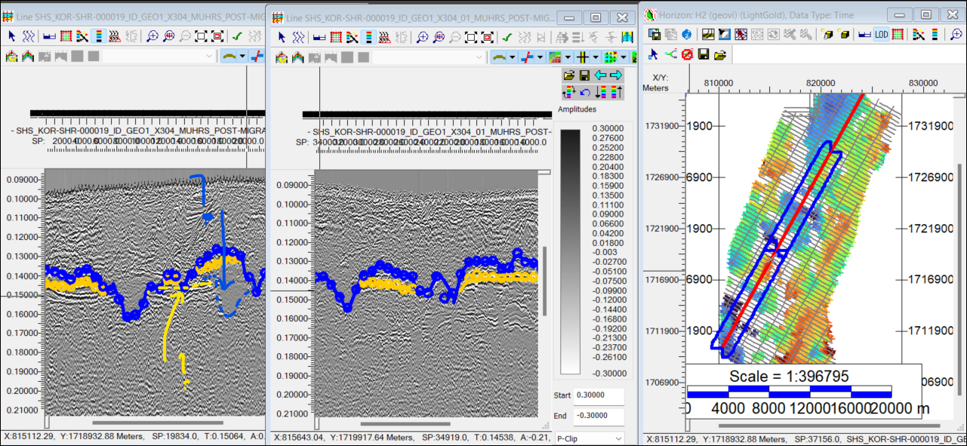 Why was the interpretation of H2/T2 done this way in the south east? It seaems the general trend of H2 would have aligned more with the lower set of reflectors (yellow arrow). Same for the erosion T2, it seems it could have been put lower (bue arrow), equivalent to the general trend seen along the line. |  |  | Open
2 | 1.0 |  |  |  | Why isn't the SBP uploaded in the kingdom project? |  |  | Open
3 | 1.0 |  |  |  | Please load the navigation of the lines then import the data insde these geometries. As is the lines geometry is an approximation, constructed typically by a decimation of the shot points |  |  | Open
4 | 1.0 |  |  |  | 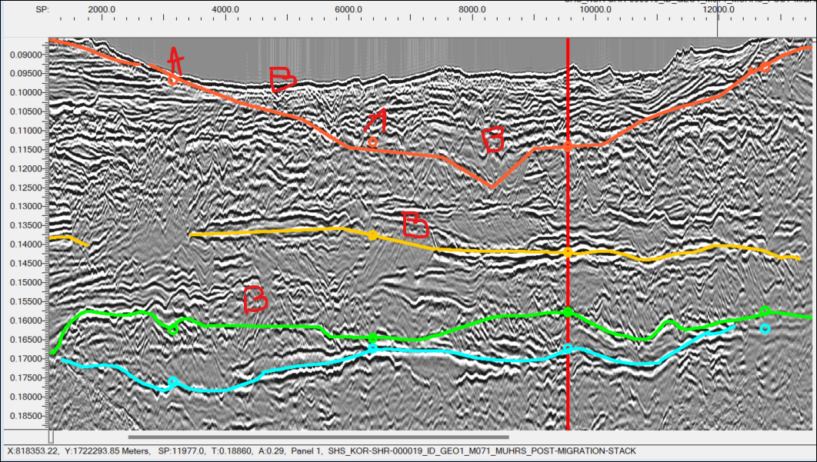 There are various discrepencies in the horizons interpretations. Granted the stratigraphy is complex and with the sparse line plan it is difficult to keep track for some reflectors, but please adjust for coherency when possible. Exemple below shows discrepencies between displayed line and crosslines (A) and some misinterpreted horizons along given seismic line, cutting though different packages (B).
5 | 1.0 |  |  |  | Please adjust the picking to the 2D Hunt mode when possible. E.g. H1&H2 can be picked by following strong continuous reflectors most the time:
6 | 1.0 |  |  |  | Shallow horizon does not display in base map, is it because the SBP could not be found in the project? The associated grid is available.
7 | 1.0
8 | 1.0
9 | 1.0

