S&P 500 Map
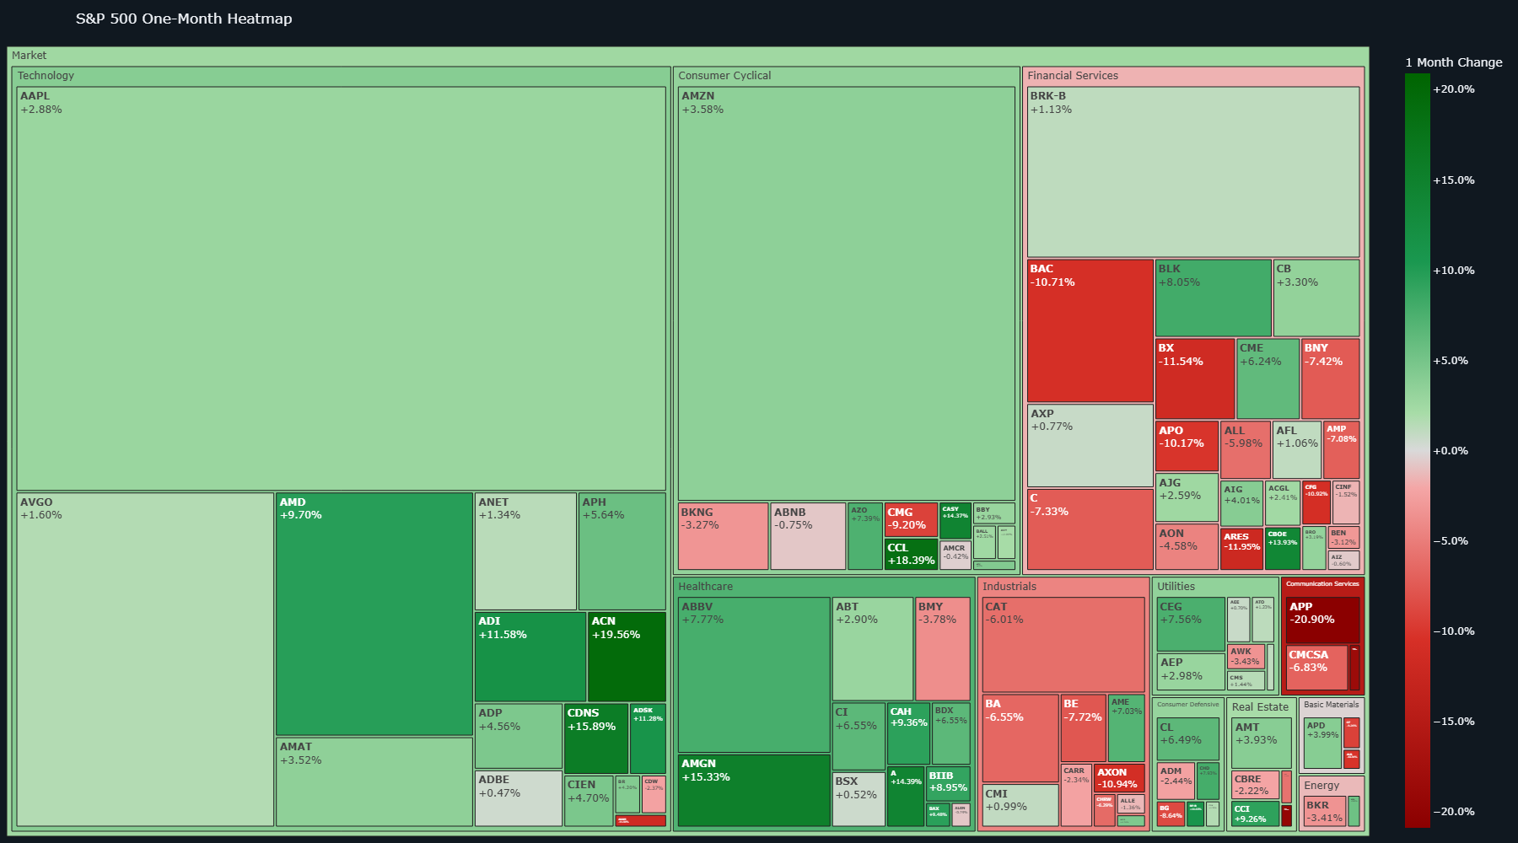
S&P 500 Map
Open interactive dashboard

Dividend Map
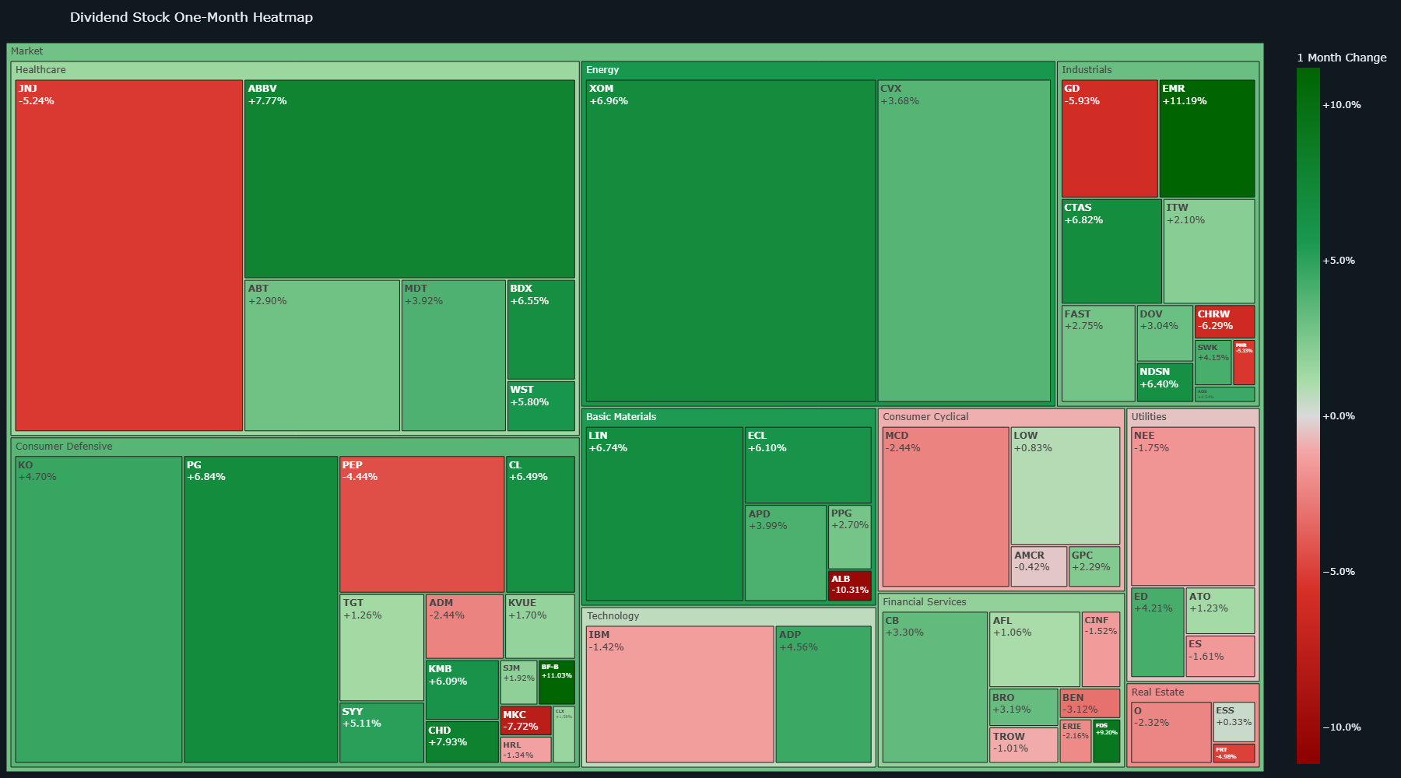
Dividend Map
Open interactive dashboard

ETF Map
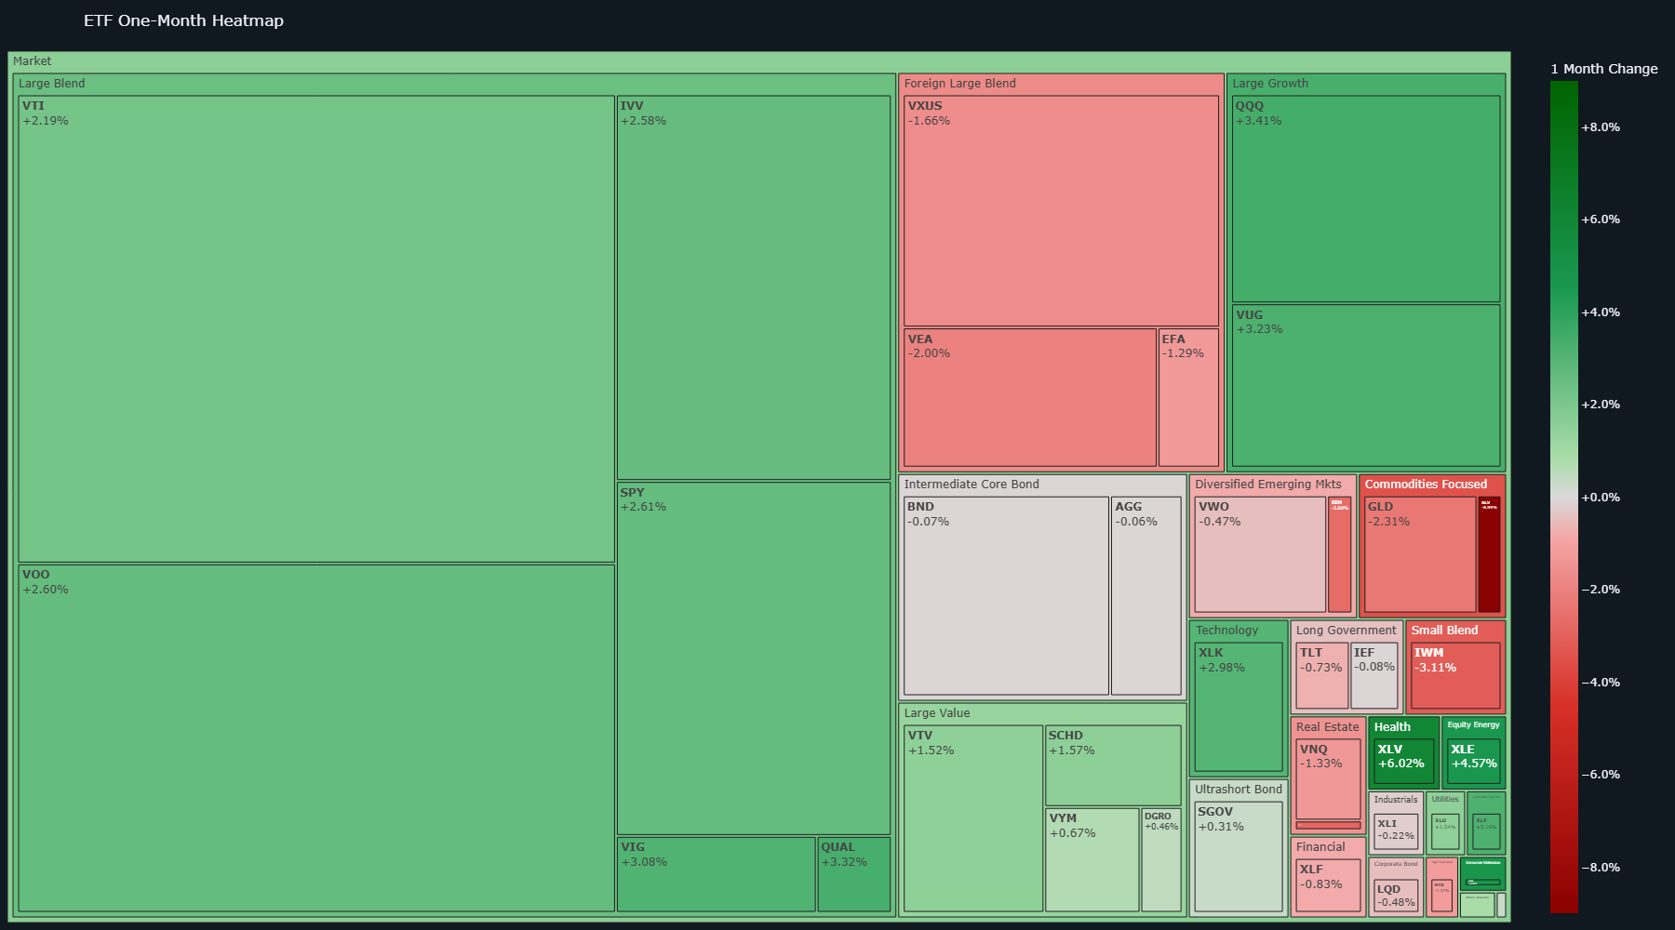
ETF Map
Open interactive dashboard

