Example
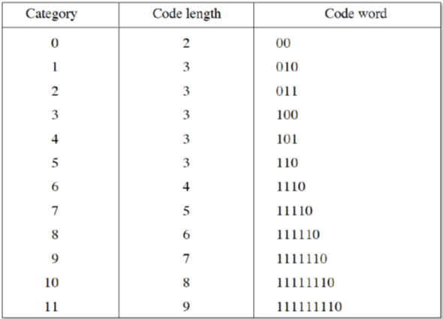
 | Data, X |  |  |  |  | A
2 | 1 | 2 | 7 |  | 0.5 | 0.5 | 0.5 | 0.5
2 | 3 | 3 | 9 |  | 0.65 | 0.27 | -0.27 | -0.65
1 | 1 | 2 | 8 |  | 0.5 | -0.5 | -0.5 | 0.5
2 | 3 | 1 | 6 |  | 0.27 | -0.65 | 0.65 | -0.27
 | A*X |  |  |  |  | AT =A-1
3.5 | 4 | 4 | 15 |  | 0.5 | 0.65 | 0.5 | 0.27
0.27 | -0.76 | 0.92 | 0.92 |  | 0.5 | 0.27 | -0.5 | -0.65
0.5 | 0 | -1 | -2 |  | 0.5 | -0.27 | -0.5 | 0.65
-0.65 | -1.84 | -0.38 | -0.38 |  | 0.5 | -0.65 | 0.5 | -0.27

 | Y=A*X*A-1 |  |  |  | Quantization Table
13.25 | -7.475 | 5.25 | -3.105 |  | 2 | 3 | 4 | 6
0.675 | -0.8761 | 0.515 | 0.9165 |  | 3 | 5 | 6 | 5
-1.25 | 1.895 | -0.25 | 0.025 |  | 4 | 6 | 6 | 6
-1.625 | -0.5697 | 0.215 | 0.8761 |  | 5 | 6 | 6 | 6
 | QC= Y/QT
Quantized coefficients |  |  |  |  | Zig-Zag Reading order
7 | -2 | 1 | -1 |  | 1 | 2 | 6 | 7
0 | 0 | 0 | 0 |  | 3 | 5 | 8 | 13
0 | 0 | 0 | 0 |  | 4 | 9 | 12 | 14
0 | 0 | 0 | 0 |  | 10 | 11 | 15 | 16

Sequence to code
7 | -2 | 0 | 0 | 0 | 1 | -1 | 0 | 0 | 0 | 0 | 0 | 0 | 0 | 0 | 0

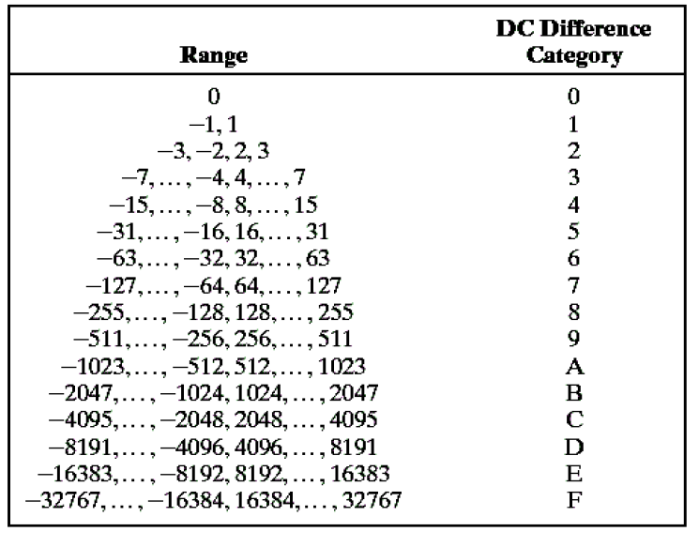
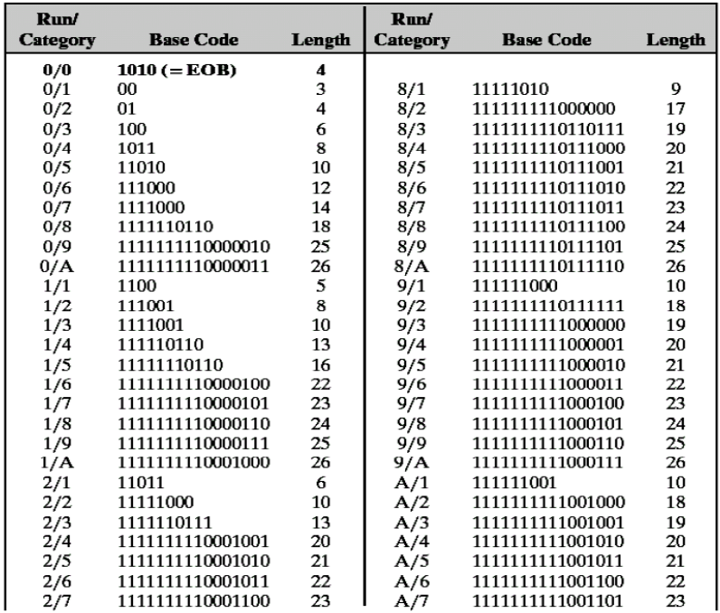
Coding: | 7 is to be coded with the reference to the previous block DC.As it is the 1st value, difference to 0, i.e., -7. |  |  |  |  |  |  |  |  |  |  | 7-0=7 |  | DC
AC coding | 4 bits of run and 4 bits of category, followed by sign bit and magnitude
DC= 100 1 11
Coefficient | run,category | CODE
-2 | (0, 2) | 01 0 0
1 | (3,1) | 111010 1
-1 | (0,1) | 00 0
 | EOB | 1010

 | Bit rate: |  | 0.19 | b/pixel
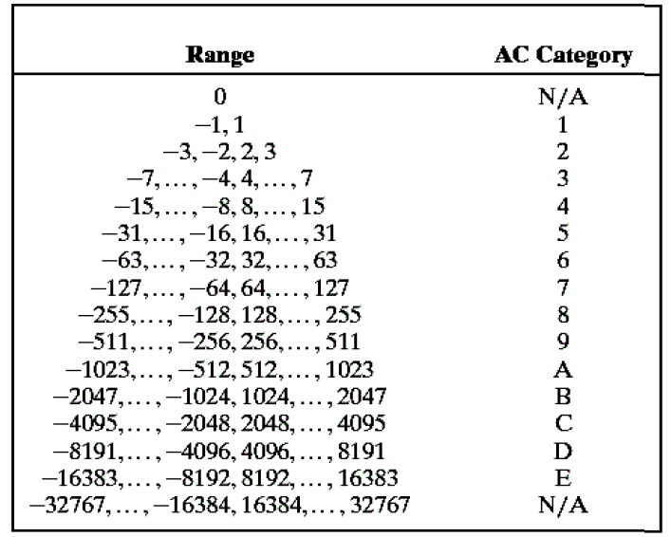

 |  |  |  |  |  |  |  |  |  |  |  |  | DC=7

Assignment
 | Given Data Matrix , X |  |  |  |  |  |  |  |  | 1. Subtract 128

DATA, X |  |  |  |  |  |  |  |  |  |  | X-128
 | 30 | 34 | 28 | 47 | 56 | 66 | 86 | 90
 | 39 | 23 | 10 | 44 | 80 | 67 | 70 | 80
 | 23 | 25 | 40 | 80 | 120 | 130 | 128 | 125
 | 10 | 15 | 29 | 96 | 126 | 128 | 129 | 126
 | 11 | 20 | 30 | 49 | 98 | 130 | 126 | 126
 | 16 | 18 | 26 | 60 | 126 | 126 | 126 | 127
 | 12 | 14 | 35 | 59 | 90 | 126 | 126 | 126
 | 13 | 35 | 47 | 48 | 98 | 102 | 128 | 124

 |  |  |  |  |  |  |  |  |  | 2. Transpose A
A= | 8x8 DCT |  |  |  |  |  |  |  |  | AT = A-1
 | 0.35 | 0.354 | 0.354 | 0.354 | 0.354 | 0.354 | 0.354 | 0.354
 | 0.49 | 0.416 | 0.278 | 0.098 | -0.098 | -0.278 | -0.416 | -0.49
 | 0.462 | 0.191 | -0.191 | -0.462 | -0.462 | -0.191 | 0.191 | 0.462
 | 0.416 | -0.098 | -0.49 | -0.278 | 0.278 | 0.49 | 0.098 | -0.416
 | 0.354 | -0.354 | -0.354 | 0.354 | 0.354 | -0.354 | -0.354 | 0.354
 | 0.278 | -0.49 | 0.098 | 0.416 | -0.416 | -0.098 | 0.49 | -0.278
 | 0.191 | -0.462 | 0.462 | -0.191 | -0.191 | 0.462 | -0.462 | 0.191
 | 0.098 | -0.278 | 0.416 | -0.49 | 0.49 | -0.416 | 0.278 | -0.098

3. Transform (X-128) matrix: |  |  |  | and |  |  |  | A*X |  | Y= A*X*AT

Quantization Table (50% quality) |  |  |  |  |  |  |  |  | 4 |  | Y' , Quantized
 | 16 | 11 | 10 | 16 | 24 | 40 | 51 | 51
 | 12 | 12 | 14 | 19 | 26 | 58 | 60 | 55
 | 14 | 13 | 16 | 24 | 40 | 57 | 69 | 56
 | 14 | 17 | 22 | 29 | 51 | 87 | 80 | 62
 | 18 | 22 | 37 | 56 | 68 | 109 | 103 | 77
 | 24 | 35 | 55 | 64 | 81 | 104 | 113 | 92
 | 49 | 64 | 78 | 87 | 103 | 121 | 120 | 101
 | 72 | 92 | 95 | 98 | 112 | 100 | 103 | 99

 |  |  | 5. Zig-Zag read

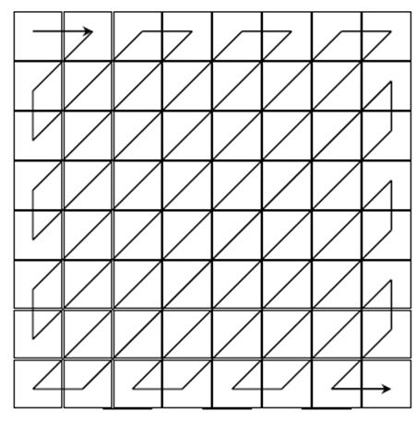
6. Encode DC |  |  |  | Ref=0
7. Encode AC coefficients

Coefficients |  | Run/category |  |  | Sign, Magnitude

 | 8 | Decode
 | 9 | Dequantize
 | 10 | Inverse transform
 | 11 | Calculate errors
 | 12 | Bit rate

 |  | 0

