Realized volatility prediction
Name | tiem buckets | features | Columns | train (rmspe) | score (rmspe) | feature engineering time | model training time | Total time (s) | Feature Importance |  | [raw_features]= | order_book: bid_price1, ask_price1, bid_price2, ask_price2, bid_size1, ask_size1, bid_size2, ask_size2
Naive | ~230 (all) | null | n/a | n/a | 0.341 | 0 | n/a | fast | n/a |  |  | trade_book: price, size, order_count
1st_attempt_raw_data | 200 | [raw_features] | 2203 | 0.244869 | 0.2726596 | 20min 6s | 2min 38s | 1244 | 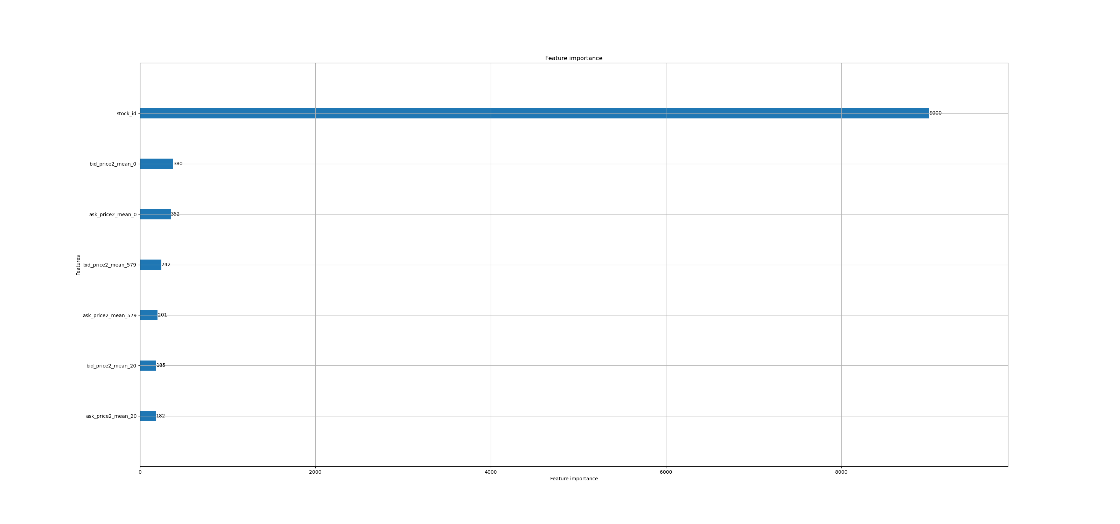
>> | 30 | >> | 322 | 0.211449 | 0.272463932 | 45.2 s | 2min 25s | 190 | 
1st_attempt_raw_time_id | 30 | [raw_features] + time_id | 323 | 0.167892 | 0.235497 | 46.7 s | 4min 24s | 310 | 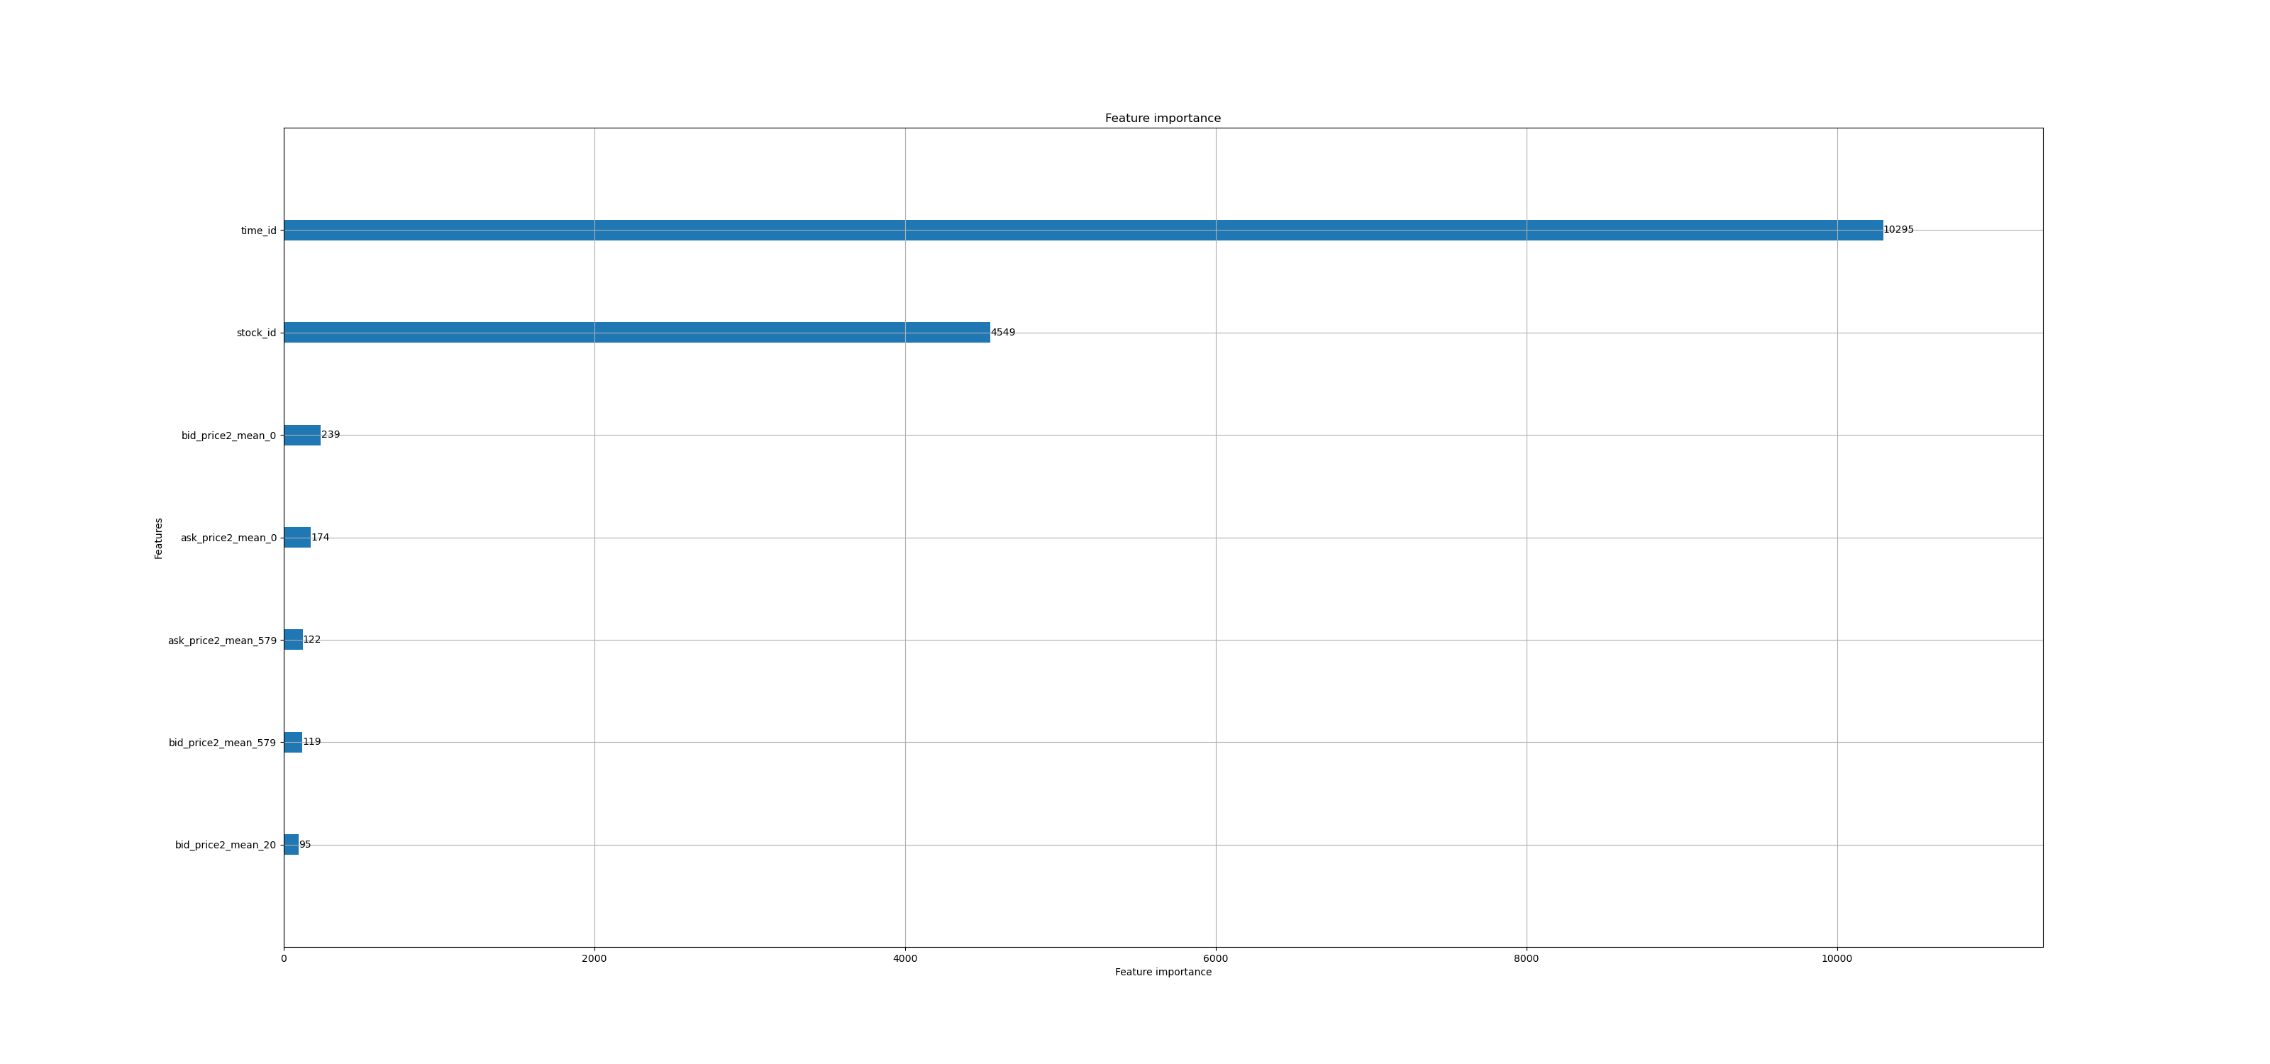
only_realized_volatility | 200 | realized_voltility (on: log_return of wap1) | 203 | 0.228246 | 0.2476817 | 17min 15s | 41.6 s | 1076 | 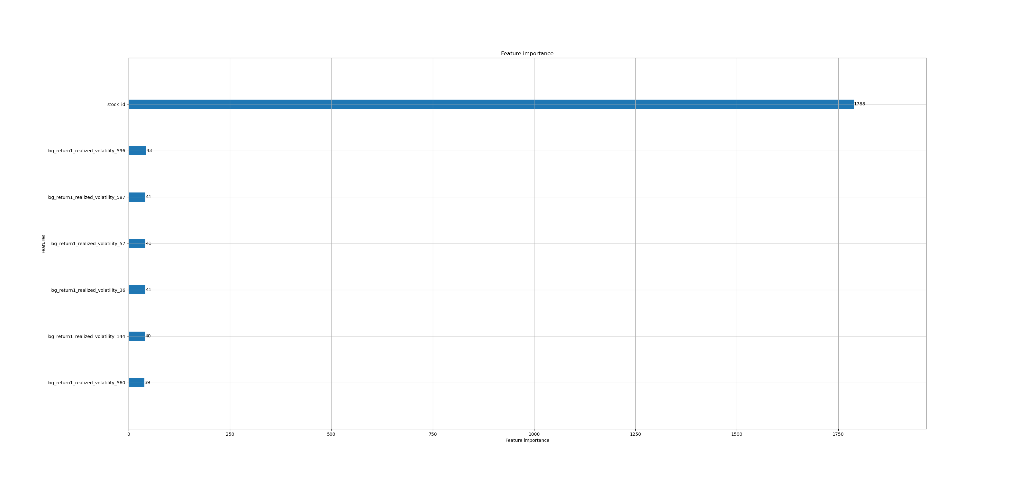
>> | 30 | >> | 33 | 0.231564 | 0.2431137 | 2min 59s | 14.5 s | 193 | 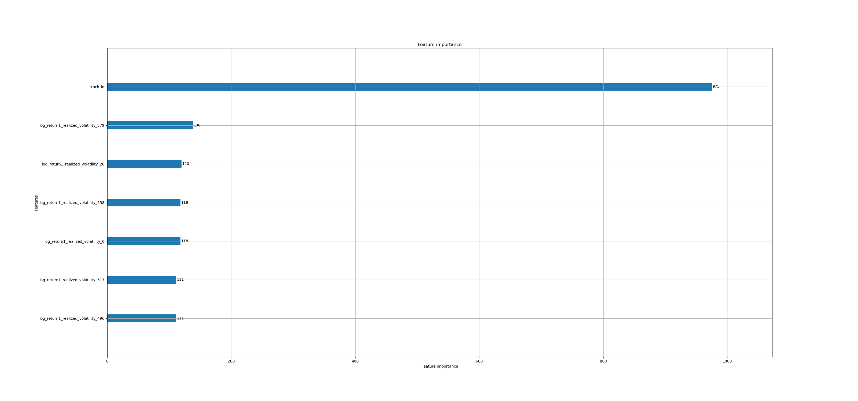
2nd_attempt | 30 | [raw_features] + wap2, price_diff2 + groupstats | 612 | 0.163802 | 0.2311934 | 1min 59s | 3min 49s | 348 | 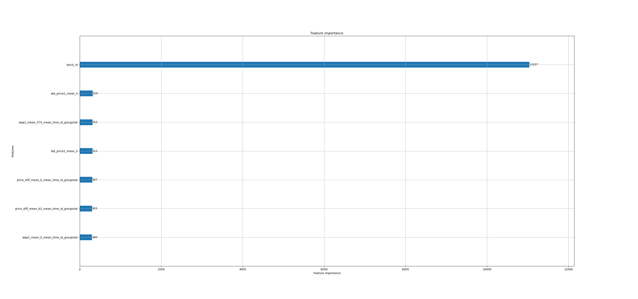
>> | 9 | >> | 172 | 0.179622 | 0.2326339508 | 26.3 s | 2min 51s | 197 | 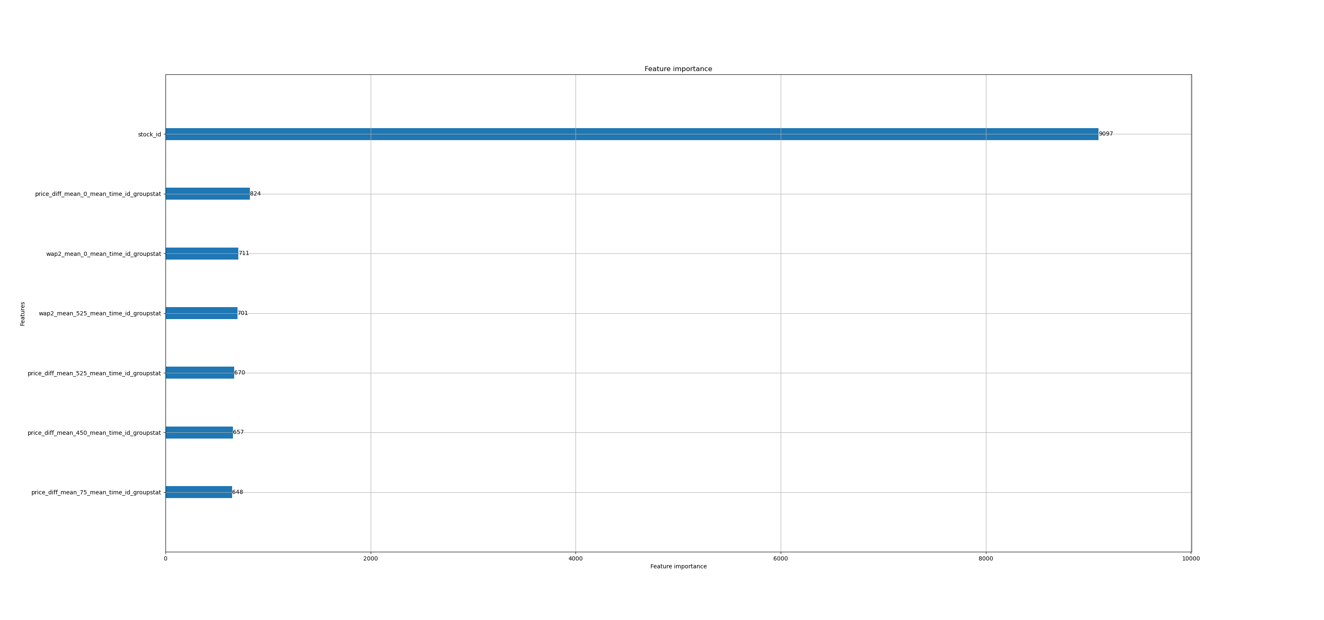
2nd_attempt_feature_reduction | 30 | wap2, price_diff, price_spread, order_size | log_return, price, size, order_count + groupstats | 468 | 0.195476 | 0.21198922 | 3min 44s | 2min 26s | 370 | 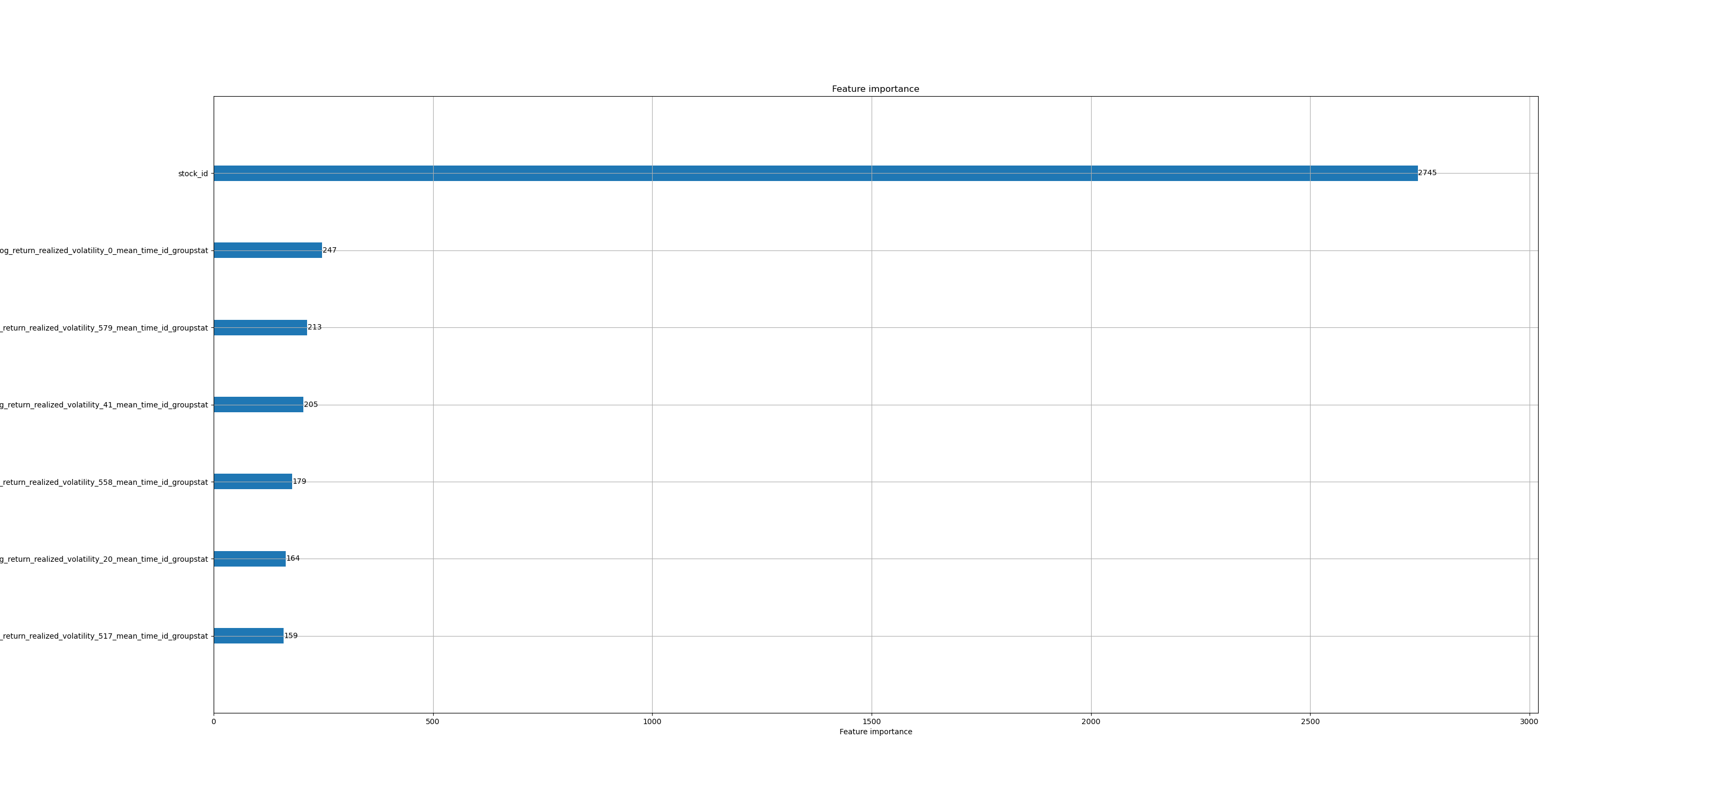 | 3.8Περισσότερες χρονοθυρίδες και μείωση feature set
>> | 9 | >> | 132 | 0.183557 | 0.21936703 | 1min 12s | 1min 50s | 182 | 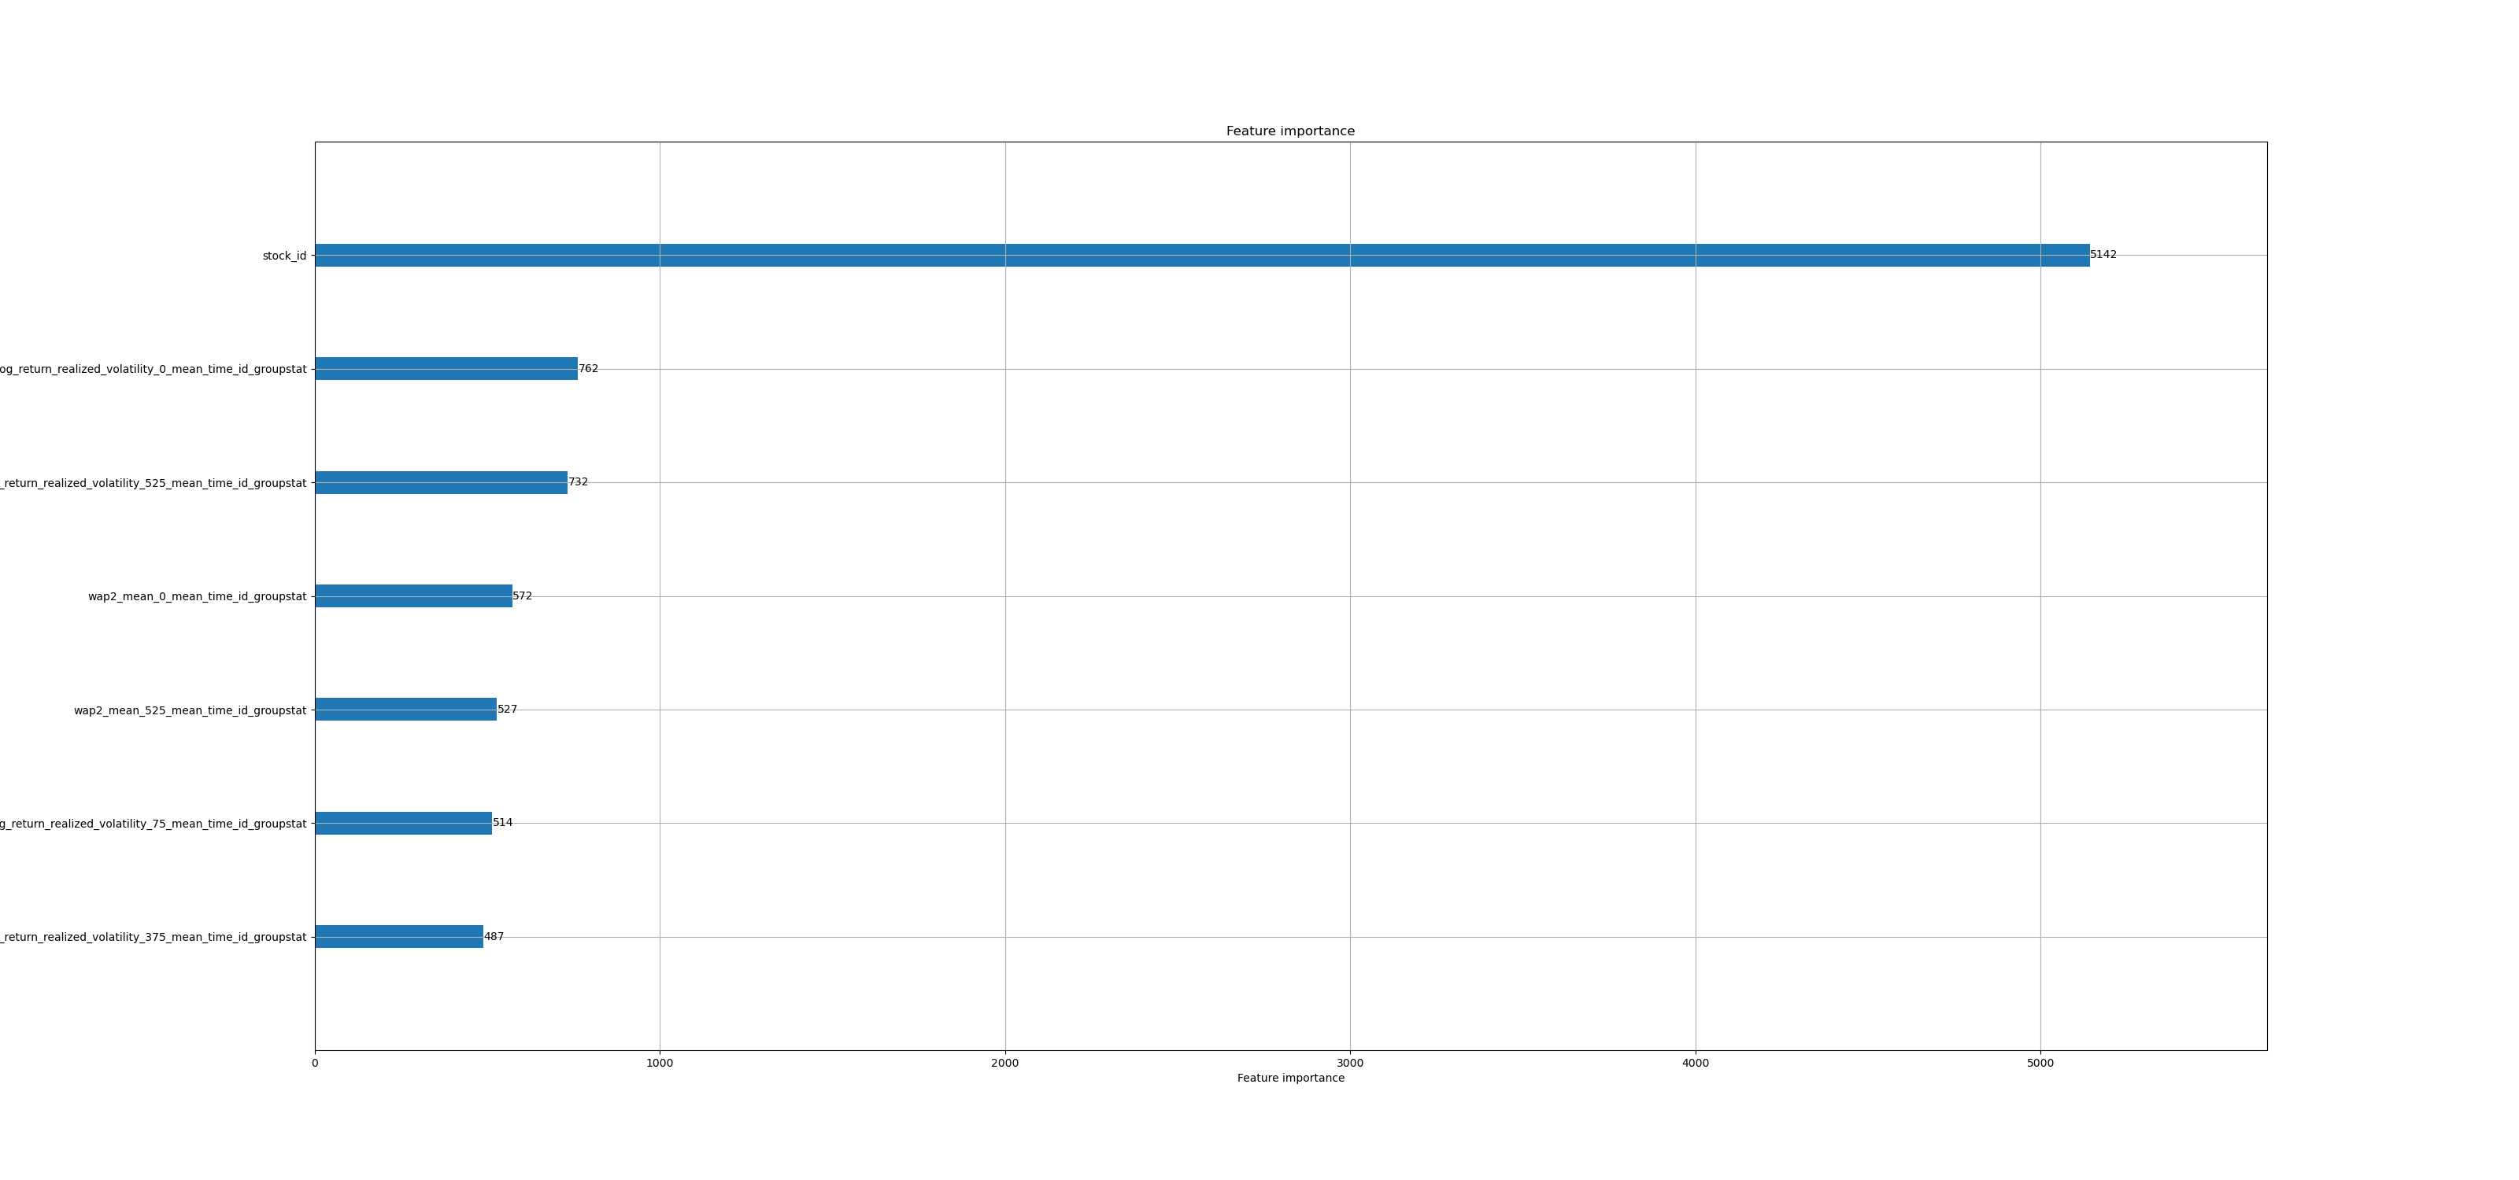
Multiple_engineered_features | 30 | wap1', 'wap2', 'log_return1', 'log_return2', 'wap_balance', 'price_diff', 'total_size', 'ask_size', 'bid_size', 'bid_ask_spread', 'total_volume', 'volume_imbalance', 'ask_volume', 'bid_volume', 'order_size' | 'trade_log_return', 'price', 'size', 'order_count' | 'log_return1_mean', 'log_return2_mean', 'price_diff_mean' | 1251 | 0.17118 | 0.20245668 | 12min 15s | 3min 54s | 969 | 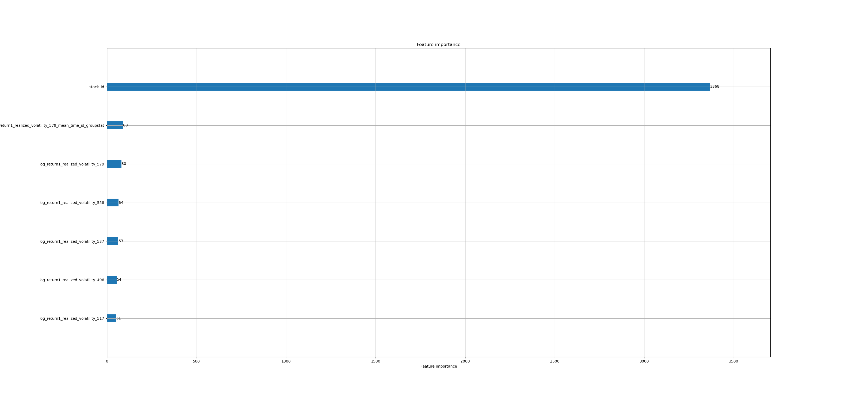
>> | 9 | >> | 348 | 0.160964 | 0.2008891 | 3min 28s | 2min 10s | 338 | 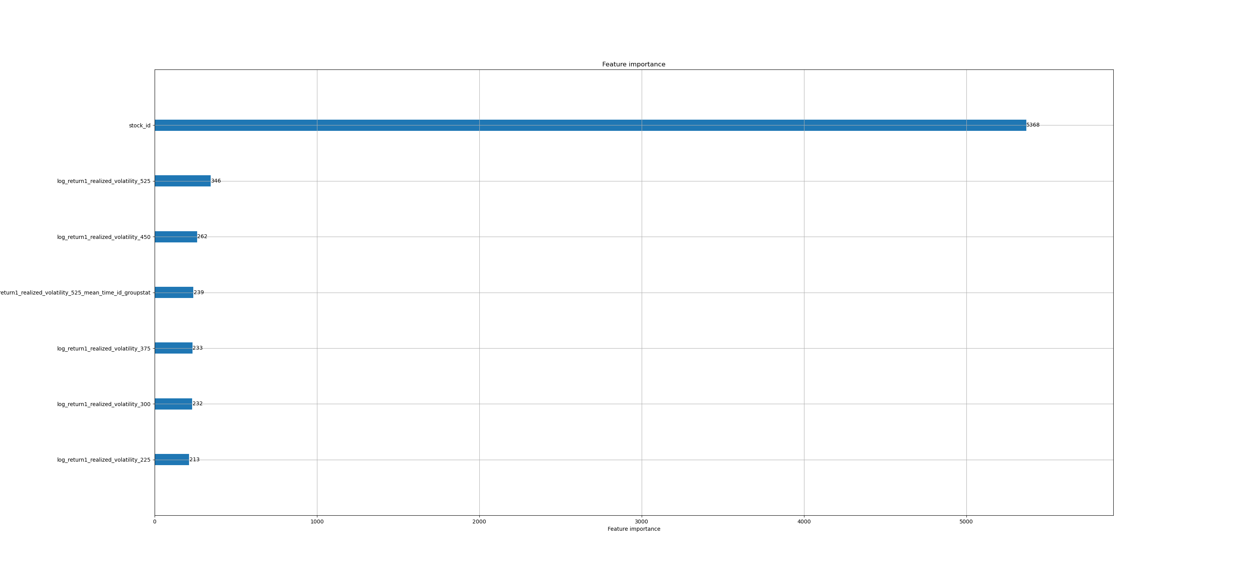
Thinned_features | 30 | log_return1', 'log_return2', 'wap_balance', 'price_diff', 'total_size', 'bid_ask_spread' | 'trade_log_return', 'price', 'size', 'order_count' | 'trade_log_return_mean', 'log_return2_mean', 'price_diff_mean' | 990 | 0.177348 | 0.20290543 | 4min 11s | 3min 3s | 434 | 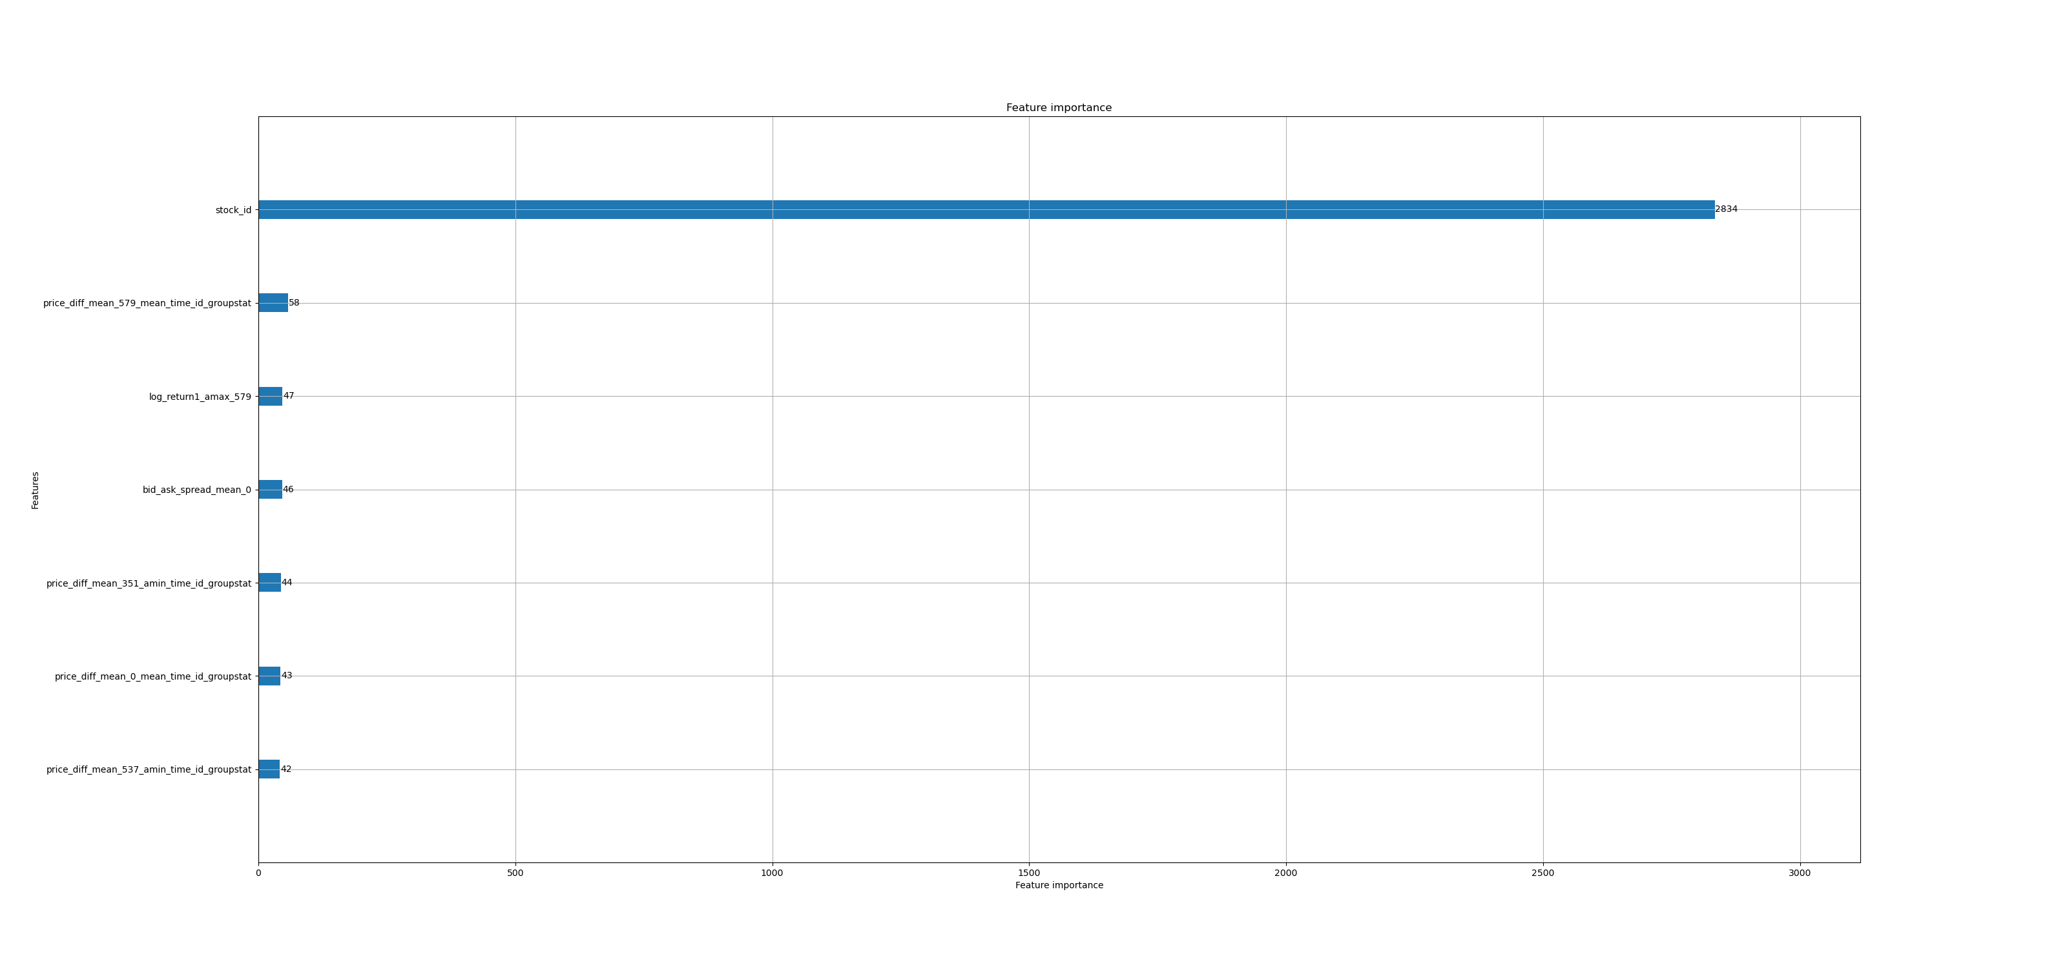
>> | 9 | >> | 276 | 0.171445 | 0.20542203 | 1min 5s | 1min 38s | 163 | 