2.1
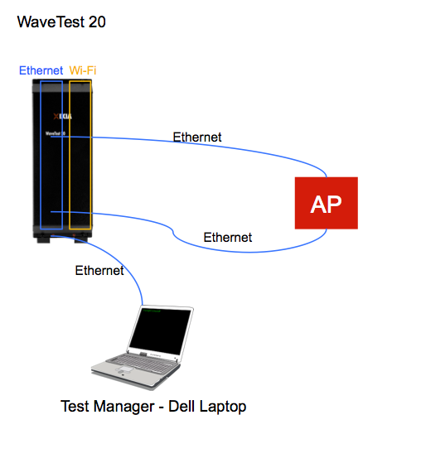
Wired Line Rate
 |  | Application: | Ixia WaveApps | Test: | TCP Goodput | Goal > 940 Mbps
TCP Goodput Conductive | WaveApps
Parameter | Value
Traffic Type | TCP
Number of trials | 1 | Time Tested: | 30 seconds
TCP Window Size (default) | 65535 bytes | AP | Channel | Thoughput
TCP Max Segment Size List | 1460 | AP A | 36

2.2
Max Wi-Fi UDP Throughput Conductive

Please do Conductive testing on your Primary and Secondary Antennas on your AP.
 |  | Application: | Ixia WaveApps |  | Test: | Benchmark Throughput 5 GHz |  | Goal > 550 Mbps
UDP Throughput Conductive | WaveApps
Parameter | Value | Time Tested: | 30 seconds
Spatial Streams | 2 | AP | Channel | Throughput |  | BSSID | SSID
 |  | AP A | 36 | TX：
Frame size | 1518 |  |  | RX:
 |  |  | 52 | TX：
Loss Tolerance | 0.1% |  |  | RX:
 |  |  | 100 | TX：
Transmit power** | TBD by your setup |  |  | RX:
 |  |  | 132 | TX：
DHCP | Disabled |  |  | RX:
 |  |  | 149 | TX：
Security | None |  |  | RX:
Signal Bandwidth | 80
Rx Data MCS Index | 9
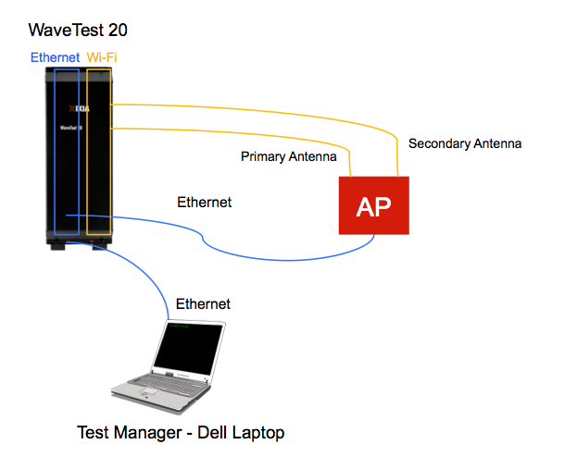
Tx Data MCS Index | 9
Tx Mgmnt PHY Rate | 4 (6 Mbps)
Guard Interval | Short
Client properties | 802.11ac
Traffic Type | UDP
Number of trials | 1

**Figure out your transmit power by attenuators used in your set-up
We used 50dBm attenuators on our setup so 14 put us in range: +14-50= -36
Requested Range to be in per Ixia is -25 to -45 which put us in correct range.

2.5
Max Wi-Fi UDP Throughput Conductive with MoCA
 |  | Application: | Ixia WaveApps |  | Test: | Benchmark Throughput 5 GHz |  | Goal > 550 Mbps
UDP Throughput Conductive | WaveApps
Parameter | Value | Time Tested: | 30 seconds
Spatial Streams | 2 | AP | Channel | Throughput |  | BSSID | SSID
 |  | AP A | 36 | Tx:
Frame size | 1518 |  |  | Rx:
Loss Tolerance | 0.1%
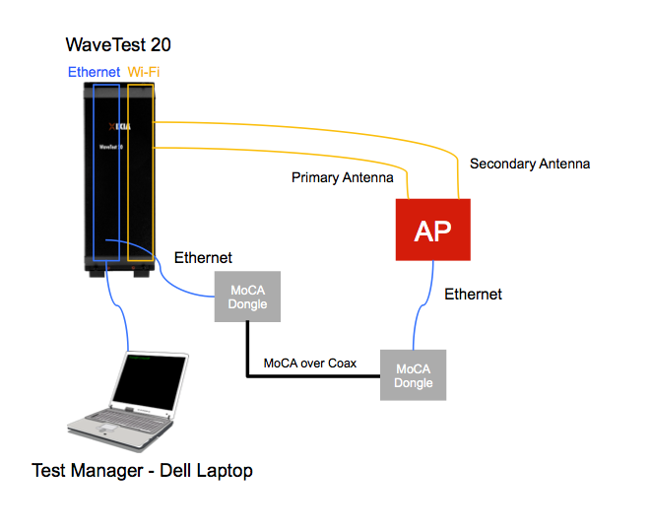
Transmit power | TBD by your setup
DHCP | Disabled
Security | None
Signal Bandwidth | 80
Rx Data MCS Index | 9
Tx Data MCS Index | 9
Tx Mgmnt PHY Rate | 4 (6 Mbps)
Guard Interval | Short
Client properties | 802.11ac
Traffic Type | UDP
Number of trials | 1

2.6
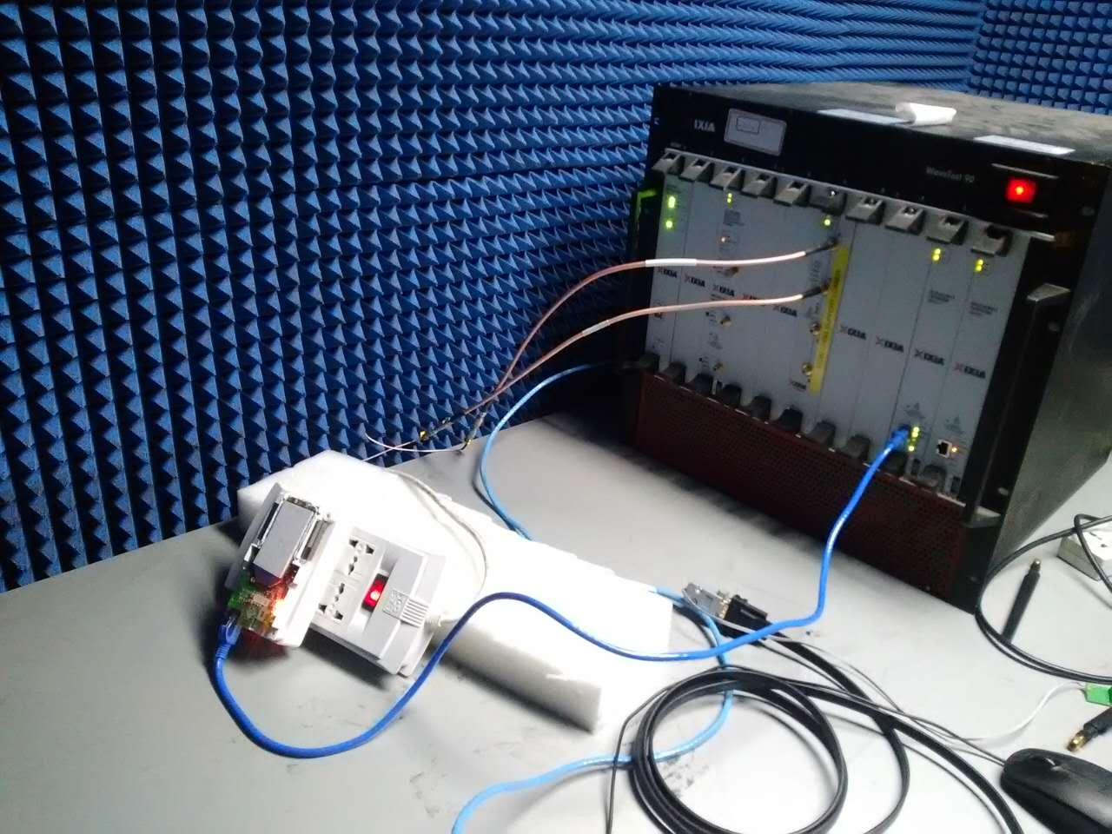
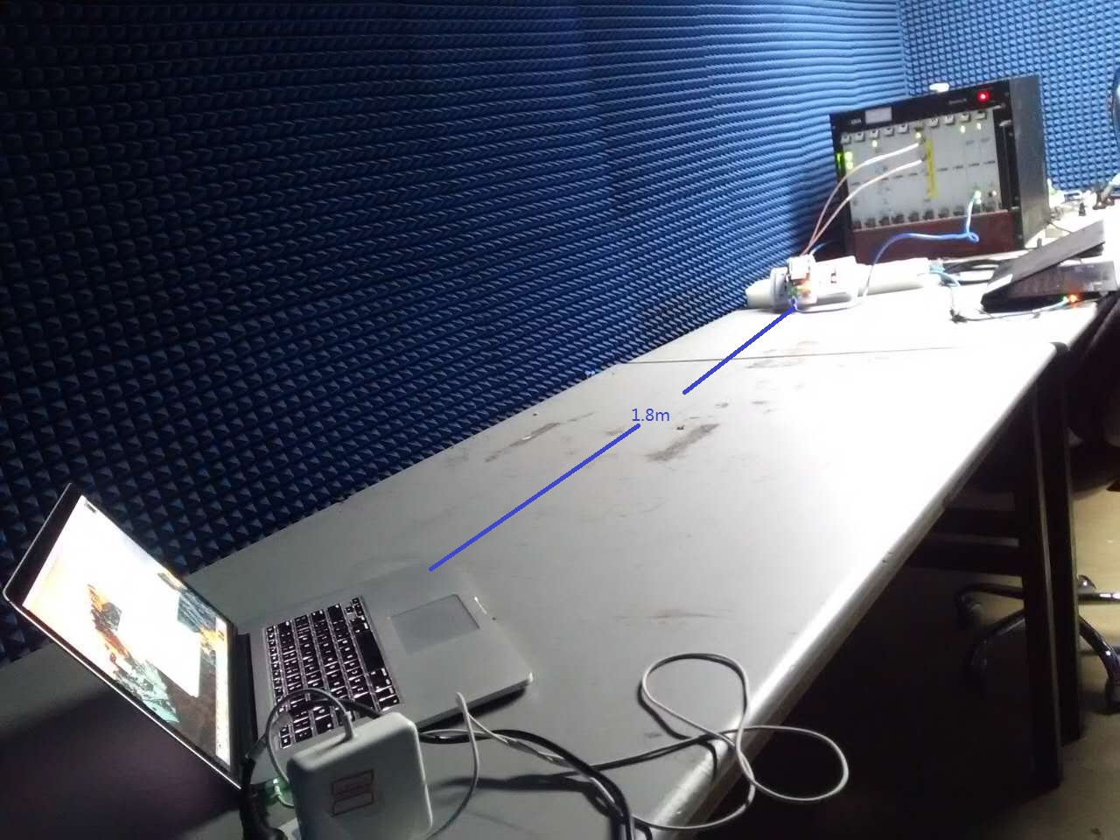
Max Wi-Fi Throughput Over the Air
 |  | Application: | Ixia WaveQoE |  |  | Goal > 550 Mbps

UDP Throughput OTA | WaveQOE | Time Tested: | 30 seconds |  | Must be <= 0.1%
Parameter | Value | AP | Channel | Throughput | % Pkt Loss | BSSID | SSID
Spatial Streams | 2 | AP A | 36
Frame size | 1518 |  | 52
Loss Tolerance | 0.1% |  | 100
Transmit power | TBD by your setup |  | 132
DHCP | Disabled |  | 149
Security | None
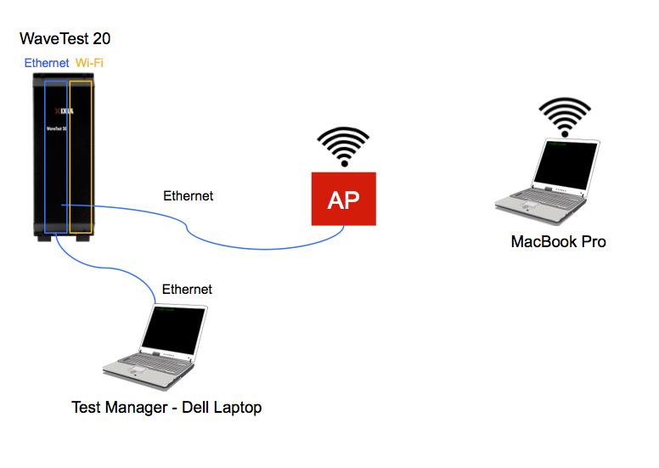
Signal Bandwidth | 80
Rx Data MCS Index | 9
Tx Data MCS Index | 9
Tx Mgmnt PHY Rate | 4 (6 Mbps)
guard interval | short
Client properties | 802.11ac
Traffic Type | UDP
Number of trials | 1
Rate** | 800000 kbps
Traffic Direction | Downlink

**Start with 800 Mbps and modify the iload until
reach a packet loss less than or equal to 0.1%

2.13
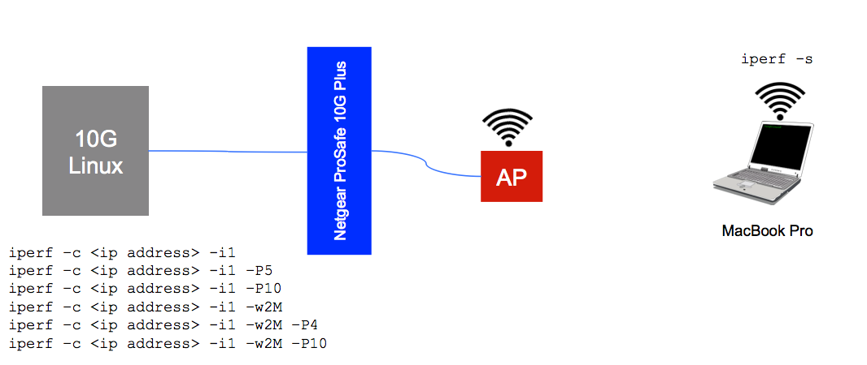
iperf TCP Goodput
 | Application: | iperf | Test: |  | TCP Goodput | Goal > 500 Mbps

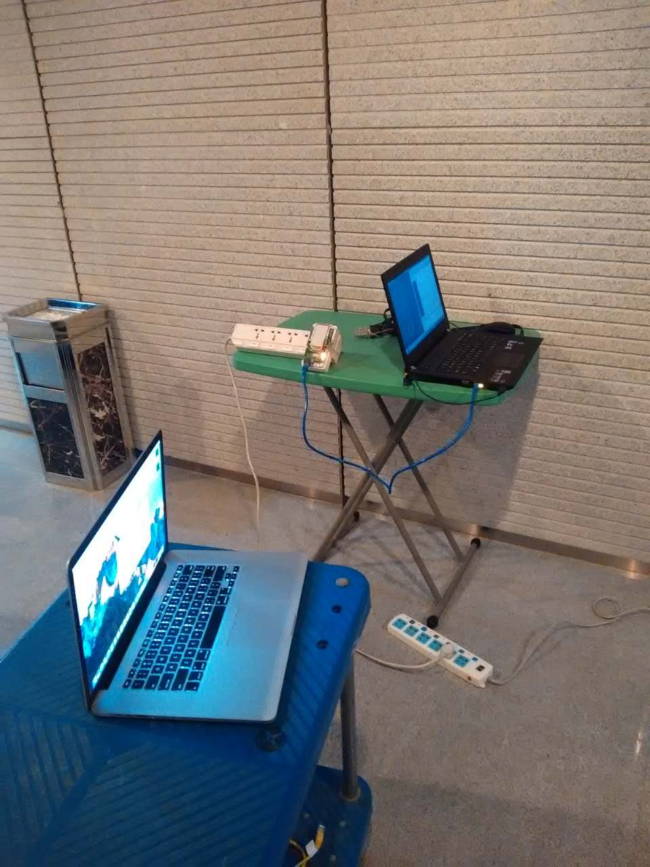
 | Time Tested: | 30 seconds | 1 Session | 4 sessions | 10 sessions
Window size: 2 Mbps | AP | Channel | Throughput | Throughput | Throughput | BSSID | SSID
 | AP A | 36 | TX: RX: | TX: RX: | TX: RX: |  | test_5G
 |  | 52 | TX: RX: | TX: RX: | TX: RX:
 |  | 100 | TX: RX: | TX: RX: | TX: RX:
 |  | 132 | TX: RX: | TX: RX: | TX: RX:
 |  | 149 | TX: RX: | TX: RX: | TX: RX:

2.16
5 WSH Aggregate Throughput TCP
 |  | Application: | Ixia WaveApps |  |  |  | Goal > 2.5 Gbps
TCP Goodput OTA | WaveQOE | Time Tested: | 30 seconds
Parameter | Value |  |  | 1 Session
Spatial Streams | 2 | AP | Channels | Throughput | BSSID | SSID
Transmit power | TBD by your setup | AP A | 36
DHCP | Disabled |  | 52
Security | None |  | 100
Signal Bandwidth | 80 |  | 132
Rx Data MCS Index | 9 |  | 149
Tx Data MCS Index | 9
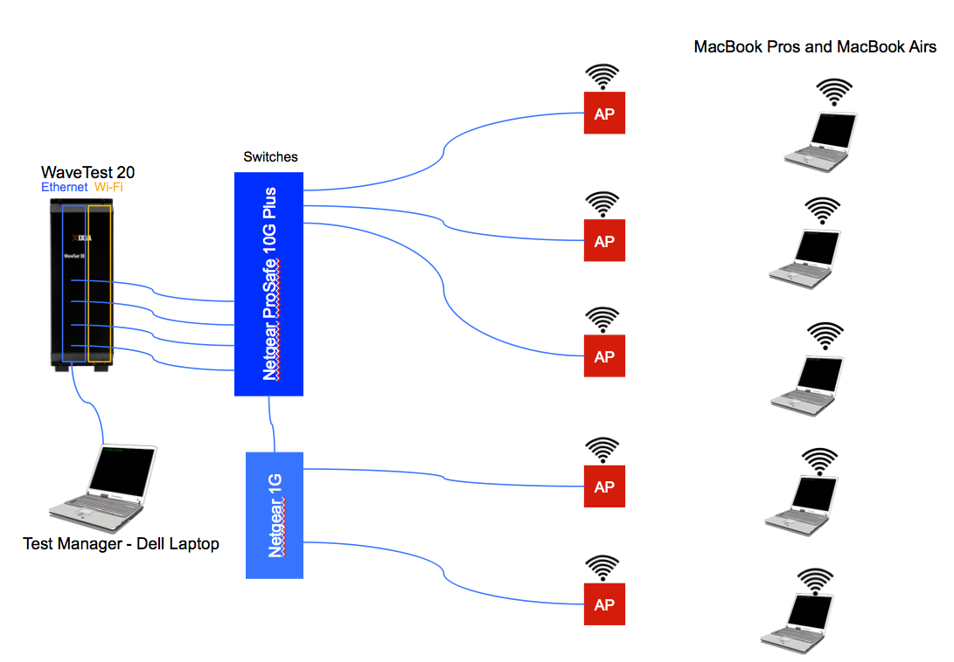
Tx Mgmnt PHY Rate | 4 (6 Mbps)
guard interval | short
Client properties | 802.11ac
Traffic Type | TCP
Number of trials | 1
TCP Window Size (default) | 65535 bytes
TCP Max Segment Size List | 1460

2.17
QoS/WMM

Layer 2/3 Triple Play QoS | WaveQOE | Application: | Ixia WaveQoE
Parameter | Value
Spatial Streams | 2 | Provide Graph from Test
Transmit power | TBD by your setup
DHCP | Disabled
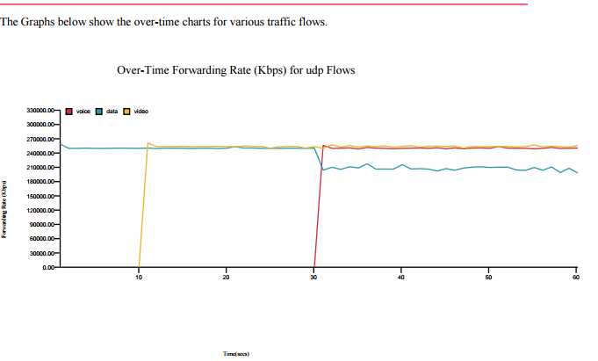
Security | None
Signal Bandwidth | 80
Rx Data MCS Index | default
Tx Data MCS Index | default
Tx Mgmnt PHY Rate | 4 (6 Mbps)
guard interval | short
Client properties | 802.11ac
Number of trials | 1
Traffic Profile: Data | UDP, 250000 kbps, 1518, downlink
Traffic Profile: Video | UDP, 250000 kbps, 1518, downlink
Traffic Profile: Voice | UDP, 250000 kbps, 1518, downlink
Trial duration | 60 seconds
Test Type | Client Mix Mode
Enable A-MPDU | Yes
Enable TX A-MSDU | Yes
Client Mix Test Times | Data start time: 0, Video start time:10, Voice start time: 30 All End at same time.

2.18
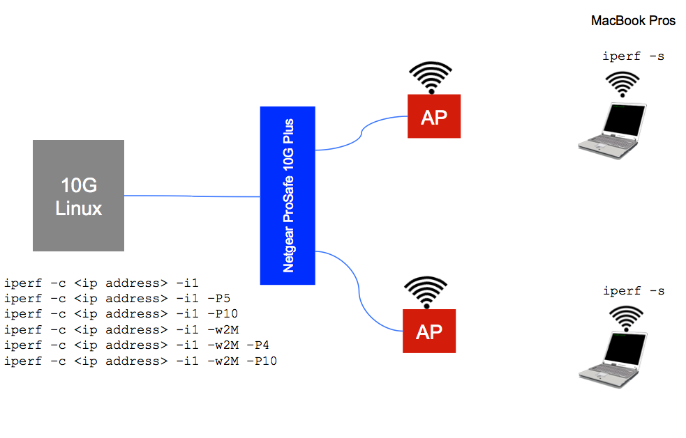
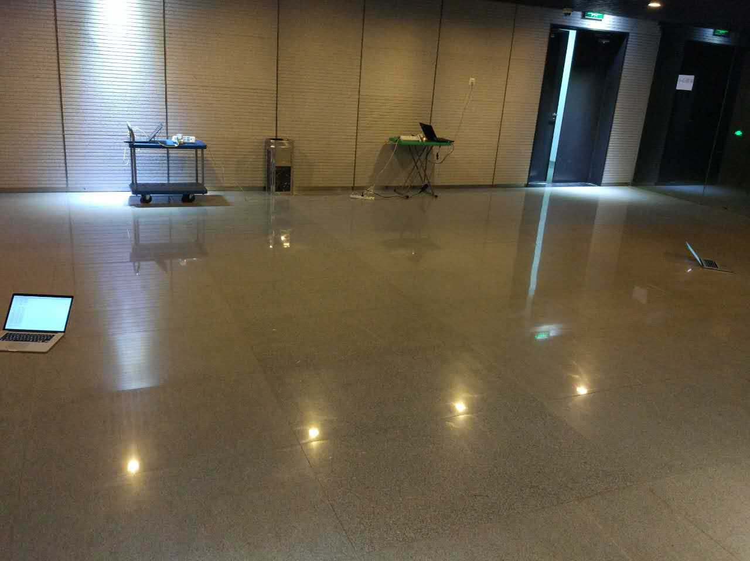
Adjacent Channel Interference

 | AP | Channels | 1 Session Throughput | 4 Sessions Throughput | 10 Sessions Throughput | BSSID | SSID
 | AP A | 132 | 620 | 643 | 637 | 9C:50:EE:BC:BA:D6 | test_5G
 | AP B | 149 | 612 | 613 | 614 | 9C:50:EE:BC:BA:C6 | test_5G_Interference

