E55
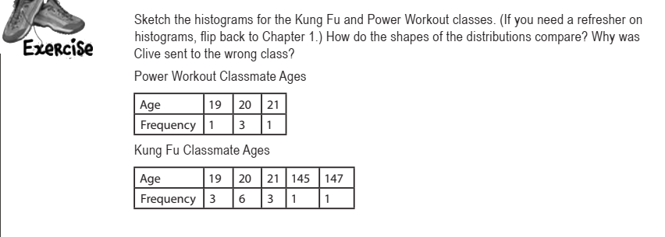

Power Workout Classmate Ages
Age | 19 | 20 | 21
Frequency | 1 | 3 | 1

Kung Fu Classmate Ages
Age | 19 | 20 | 21 | 145 | 147
Frequency | 3 | 6 | 3 | 1 | 1

Power Workout |  | Vlr | Freq
19 | 19 | 19 | 1
20 | 20 | 20 | 3
20 | 21 | 21 | 1
20
21

Kung Fu |  | Vlr | freq
19 |  | 19 | 3
19 |  | 20 | 6
19 |  | 21 | 3
20 |  | 145 | 1
20 |  | 147 | 1
20
20
Kung Fu
20
20
21
21
21
145
147

E63
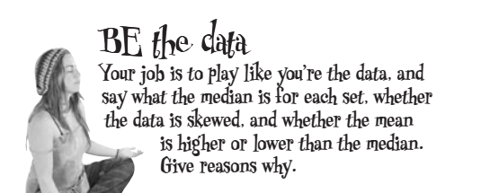

Values | 1 | 2 | 3 | 4 | 5 | 6 | 7 | 8
Frequency | 4 | 6 | 4 | 4 | 3 | 2 | 1 | 1
Frequency 1
Values | Frequency |  |  |  |  |  |  |  | Values1 | Mediana | Média | Values2 | Mediana2 | Média3
1 | 4 |  |  |  |  |  |  |  | 1 | 3 | 3.44 | 1 | 10 | 9.28
2 | 6 |  |  |  |  |  |  |  | 1 |  |  | 4
3 | 4 |  |  |  |  |  |  |  | 1 |  |  | 6
4 | 4 |  |  |  |  |  |  |  | 1 |  |  | 6
5 | 3 |  |  |  |  |  |  |  | 2 |  |  | 8
6 | 2 |  |  |  |  |  |  |  | 2 |  |  | 8
7 | 1 |  |  |  |  |  |  |  | 2 |  |  | 8
8 | 1 |  |  |  |  |  |  |  | 2 |  |  | 9
 |  |  |  |  |  |  |  |  | 2 |  |  | 9
 |  |  |  |  |  |  |  |  | 2 |  |  | 9
 |  |  |  |  |  |  |  |  | 3 |  |  | 9
 |  |  |  |  |  |  |  |  | 3 |  |  | 10
 |  |  |  |  |  |  |  |  | 3 |  |  | 10
 |  |  |  |  |  |  |  |  | 3 |  |  | 10
Values | 1 | 4 | 6 | 8 | 9 | 10 | 11 | 12 | 4 |  |  | 10
Frequency | 1 | 1 | 2 | 3 | 4 | 4 | 5 | 5 | 4 |  |  | 11
Frequency 2
 |  |  |  |  |  |  |  |  | 4 |  |  | 11
 |  |  |  |  |  |  |  |  | 4 |  |  | 11
Values | Frequency |  |  |  |  |  |  |  | 5 |  |  | 11
1 | 1 |  |  |  |  |  |  |  | 5 |  |  | 11
4 | 1 |  |  |  |  |  |  |  | 5 |  |  | 12
6 | 2 |  |  |  |  |  |  |  | 6 |  |  | 12
8 | 3 |  |  |  |  |  |  |  | 6 |  |  | 12
9 | 4 |  |  |  |  |  |  |  | 7 |  |  | 12
10 | 4 |  |  |  |  |  |  |  | 8 |  |  | 12
11 | 5
12 | 5

