Planilha1
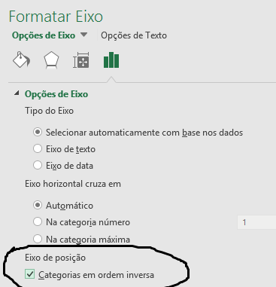
Continent | Sales (units)
North America | 1500
South America | 500
Europe | 1500
Asia | 2000
Oceania | 1000
Africa | 500
Antarctica | 1

